categories
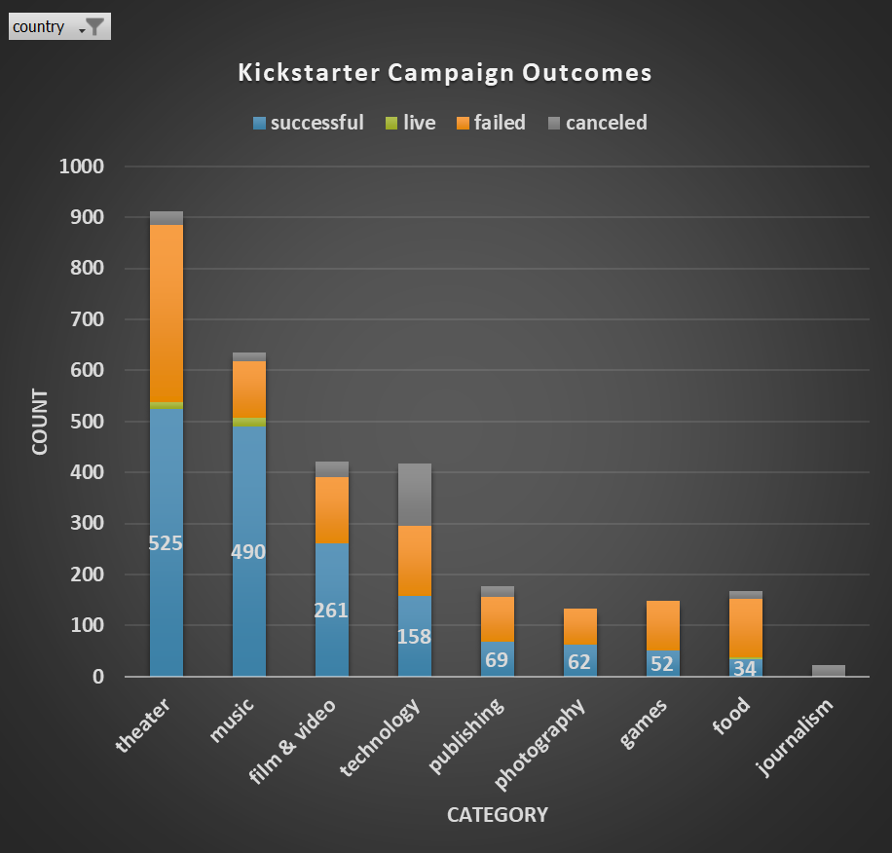
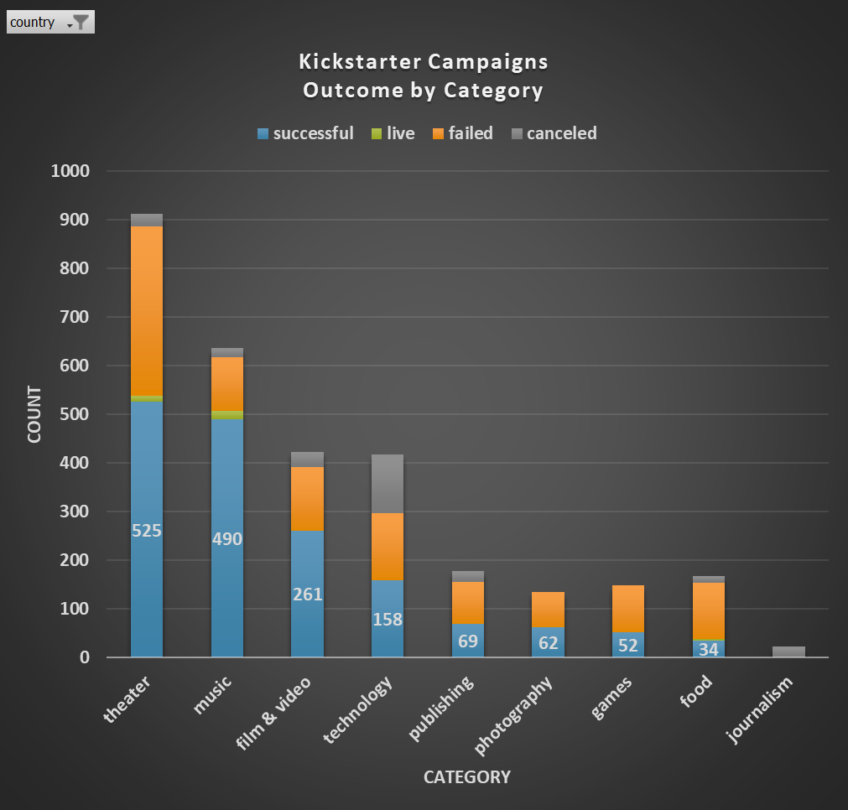
Kickstarter Campaign Outcomes
 | successful | live | failed | canceled
theater | 525 | 12 | 349 | 26
music | 490 | 17 | 110 | 19
film & video | 261 |  | 130 | 31
technology | 158 |  | 138 | 121
publishing | 69 |  | 87 | 22
photography | 62 |  | 72
games | 52 |  | 96
food | 34 | 4 | 115 | 15
journalism |  |  |  | 23
country | US

category_count
 | successful | live | failed | canceled
theater | 525 | 12 | 349 | 26
music | 490 | 17 | 110 | 19
film & video | 261 |  | 130 | 31
technology | 158 |  | 138 | 121
publishing | 69 |  | 87 | 22
photography | 62 |  | 72
games | 52 |  | 96
food | 34 | 4 | 115 | 15
journalism |  |  |  | 23
Grand Total | 1651 | 33 | 1097 | 257

subcategories
Kickstarter Campaign Outcomes
 | successful | failed | canceled | live
plays | 694 | 353 |  | 19
spaces | 85 | 80 | 17 | 5
musical | 60 | 60 | 20
rock | 260
indie rock | 140 | 20
faith |  | 40 |  | 20
jazz |  | 60
classical music | 40
electronic music | 40
pop | 40
world music |  |  | 20
metal | 20
wearables | 20 | 120 | 60
web |  | 60 | 100
hardware | 140
space exploration | 40 | 2 | 18
gadgets |  | 20
makerspaces | 9 | 11
documentary | 180
animation |  | 100
drama |  | 80
shorts | 60
television | 60
science fiction |  |  | 40
nonfiction | 60
translations |  | 47 | 10
children's books |  | 40
fiction |  | 40
art books |  |  | 20
radio & podcasts | 20
video games |  | 100
tabletop games | 80
mobile games |  | 40
photobooks | 103 | 57
places |  | 20
nature |  | 20
people |  | 20
food trucks |  | 120 | 20
small batch | 34 |  |  | 6
restaurants |  | 20
audio |  |  | 24
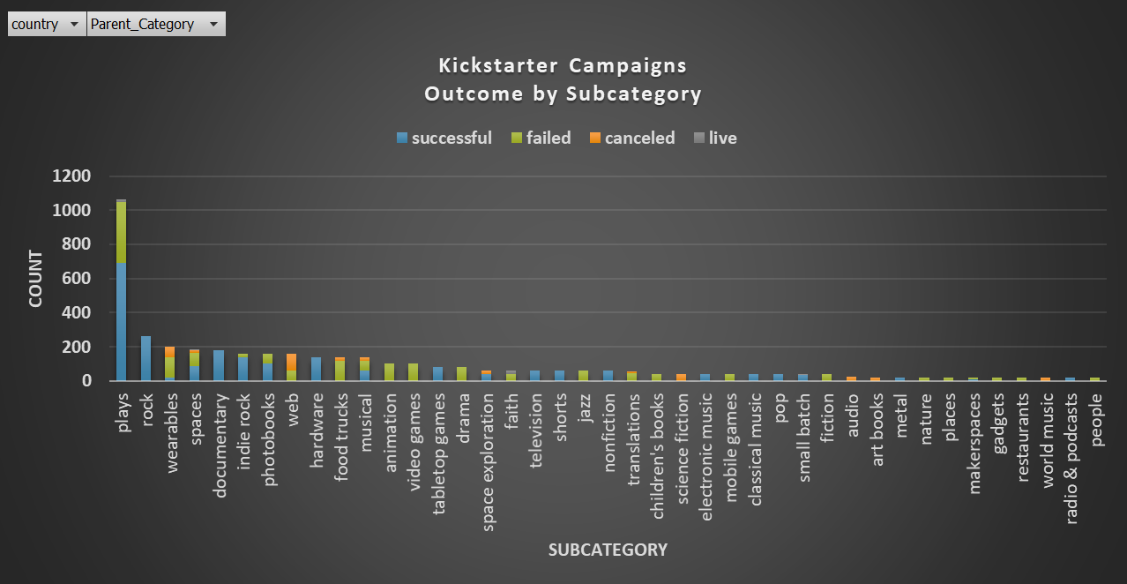
country | (All)

Count of state | Column Labels
Row Labels | successful | failed | canceled | live
theater | 839 | 493 | 37 | 24
plays | 694 | 353 |  | 19
spaces | 85 | 80 | 17 | 5
musical | 60 | 60 | 20
music | 540 | 120 | 20 | 20
rock | 260
indie rock | 140 | 20
faith |  | 40 |  | 20
jazz |  | 60
classical music | 40
electronic music | 40
pop | 40
world music |  |  | 20
metal | 20
technology | 209 | 213 | 178
wearables | 20 | 120 | 60
web |  | 60 | 100
hardware | 140
space exploration | 40 | 2 | 18
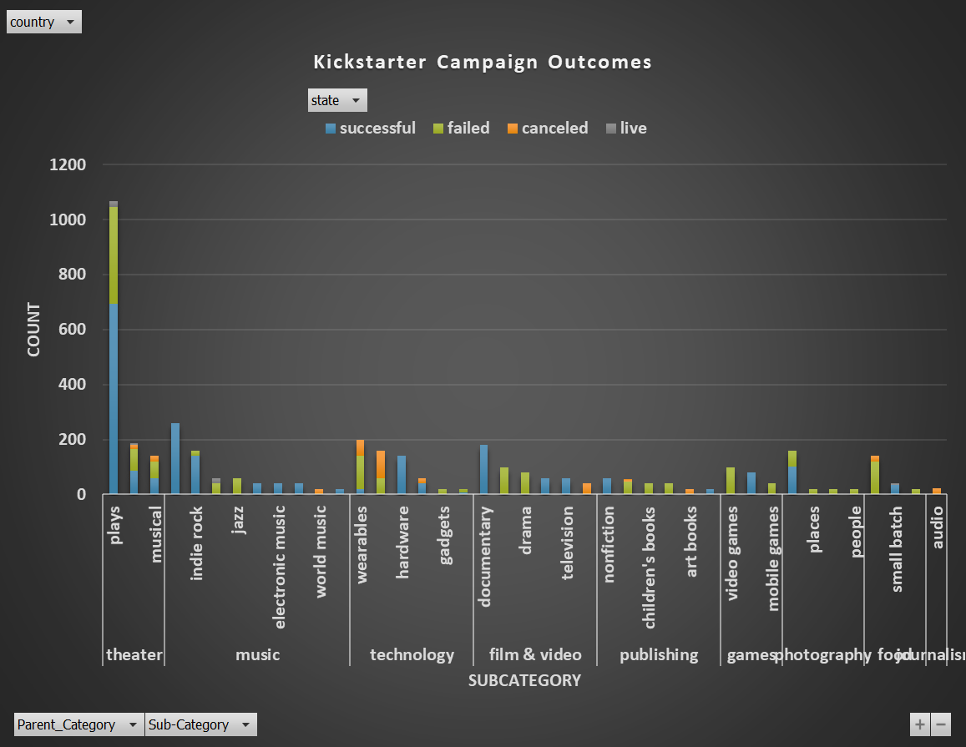
gadgets |  | 20
makerspaces | 9 | 11
film & video | 300 | 180 | 40
documentary | 180
animation |  | 100
drama |  | 80
shorts | 60
television | 60
science fiction |  |  | 40
publishing | 80 | 127 | 30
nonfiction | 60
translations |  | 47 | 10
children's books |  | 40
fiction |  | 40
art books |  |  | 20
radio & podcasts | 20
games | 80 | 140
video games |  | 100
tabletop games | 80
mobile games |  | 40
photography | 103 | 117
photobooks | 103 | 57
places |  | 20
nature |  | 20
people |  | 20
food | 34 | 140 | 20 | 6
food trucks |  | 120 | 20
small batch | 34 |  |  | 6
restaurants |  | 20
journalism |  |  | 24
audio |  |  | 24
Grand Total | 2185 | 1530 | 349 | 50

month
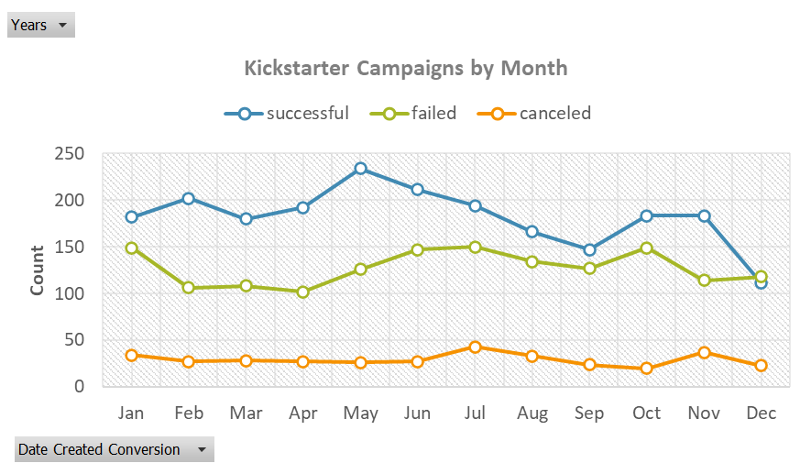
Years | (All)

Kickstarter Campaigns by Month
Count of state | Column Labels
Row Labels | successful | failed | canceled | Grand Total
Jan | 182 | 149 | 34 | 365
Feb | 202 | 106 | 27 | 335
Mar | 180 | 108 | 28 | 316
Apr | 192 | 102 | 27 | 321
May | 234 | 126 | 26 | 386
Jun | 211 | 147 | 27 | 385
Jul | 194 | 150 | 43 | 387
Aug | 166 | 134 | 33 | 333
Sep | 147 | 127 | 24 | 298
Oct | 183 | 149 | 20 | 352
Nov | 183 | 114 | 37 | 334
Dec | 111 | 118 | 23 | 252
Grand Total | 2185 | 1530 | 349 | 4064

year
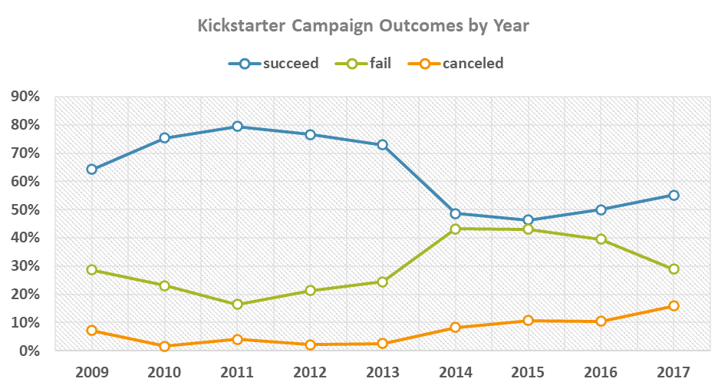
Kickstarter Campaign Outcomes by Year

Success Rate by Year | outcome
Goal | succeed | fail | canceled | Grand Total
2009 | 64% | 29% | 7% | 100%
2010 | 75% | 23% | 2% | 100%
2011 | 80% | 16% | 4% | 100%
2012 | 77% | 21% | 2% | 100%
2013 | 73% | 24% | 3% | 100%
2014 | 49% | 43% | 8% | 100%
2015 | 46% | 43% | 11% | 100%
2016 | 50% | 40% | 10% | 100%
2017 | 55% | 29% | 16% | 100%
Grand Total | 54% | 38% | 9% | 100%

goal_amount
Kickstarter Campaign Outcomes
Goal | Number Successful | Number Failed | Number Canceled | Total Projects | Successful | Failed | Canceled
Less than 1000 | 322 | 113 | 18 | 453 | 71% | 25% | 4% | 100%
1000 to 4999 | 932 | 420 | 60 | 1412 | 66% | 30% | 4% | 100%
5000 to 9999 | 381 | 283 | 52 | 716 | 53% | 40% | 7% | 100%
10000 to 14999 | 168 | 144 | 40 | 352 | 48% | 41% | 11% | 100%
15000 to 19999 | 94 | 90 | 17 | 201 | 47% | 45% | 8% | 100%
20000 to 24999 | 62 | 72 | 14 | 148 | 42% | 49% | 9% | 100%
25000 to 29999 | 55 | 64 | 18 | 137 | 40% | 47% | 13% | 100%
30000 to 34999 | 32 | 37 | 13 | 82 | 39% | 45% | 16% | 100%
35000 to 39999 | 26 | 22 | 7 | 55 | 47% | 40% | 13% | 100%
40000 to 44999 | 21 | 16 | 6 | 43 | 49% | 37% | 14% | 100%
45000 to 49999 | 6 | 11 | 4 | 21 | 29% | 52% | 19% | 100%
Greater than or equal to 50000 | 86 | 258 | 100 | 444 | 19% | 58% | 23% | 100%
 | 2185 | 1530 | 349 | 4064
 | 2185 | 1530 | 349 | 4064

Row Labels | Count of goal
canceled | 349
failed | 1530
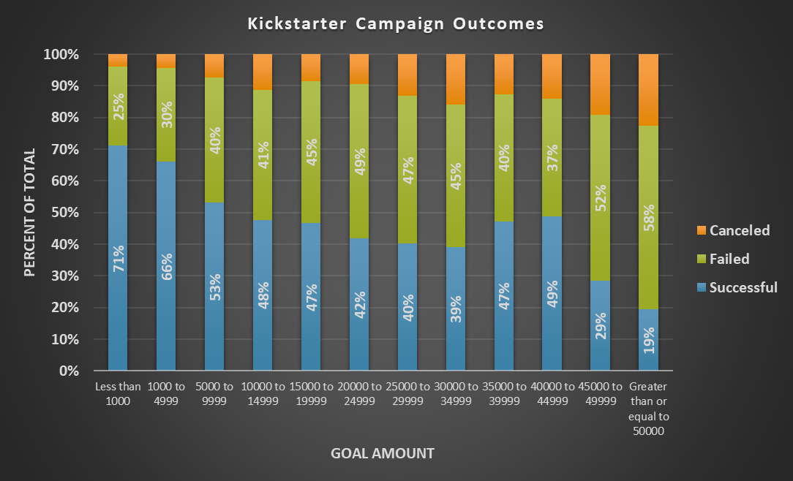
successful | 2185
Grand Total | 4064

successful
Average Goal Amount of Failed Kickstarter Campaign Categories
Average Goal Amount of Successful Kickstarter Campaign Categories

Average of goal | Column Labels
Row Labels | successful
music | $4,696
theater | $5,300
games | $8,405
publishing | $9,047
photography | $14,338
food | $14,379
film & video | $14,998
technology | $32,130
Grand Total | $9,867

Average of goal | Column Labels
Row Labels | failed
music | $8,420
photography | $14,510
publishing | $19,036
food | $31,594
games | $50,976
theater | $54,247
technology | $89,713
film & video | $167,296
Grand Total | $60,556

failed
Average Backers of Successful Kickstarter Campaign Categories
Average Backers of Failed Kickstarter Campaign Categories

Sum of backers_count | Column Labels
Row Labels | successful
food | 11,853
photography | 18,882
publishing | 33,591
games | 44,208
music | 44,801
film & video | 54,758
theater | 58,457
technology | 158,269
Grand Total | 424,819

Sum of backers_count | Column Labels
Row Labels | failed
publishing | 848
food | 975
music | 1,041
photography | 2,921
film & video | 3,211
games | 4,614
theater | 4,766
technology | 8,720
Grand Total | 27,096

