Sheet1
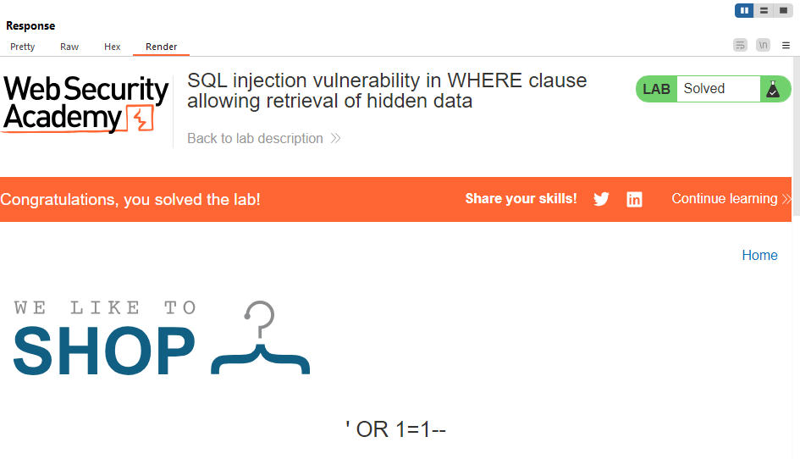
REQUEST | RESPONSE
GET /filter?category='+OR+1=1-- HTTP/2

