Data
Testing of two means. Independent samples, population variances unknown but assumed to be equal
Shopping example
 | You have data on the amount of times people click on a pop-up add on 24 Mondays and 21 Saturdays on an e-learning platform for several years. The samples are drawn independently.
Background
Task | Statistically speaking, is there strong evidence that the number of clicks the add records on Mondays is higher than the number of clicks on Saturdays?

Solution:

 | Monday | Saturday | Steps to complete the task
Mean | 1,078.00 | 908.20 | 1. Find the Sample Variances
Std. deviation | 633.00 | 469.80 | 2. State the Null Hypothesis | H0: μm - μs ≤ 0
Sample size | 24 | 21 | 3. Calculate the pooled variance
 |  |  | 4. Find the t-score
Sample Variances | 400,689.00 | 220,712.04 | 5. Find the p-value
Pooled Variance | 316,978.79 |  | 6. Interpret the result | The p-value shows the reuslt is not significant.
T-score | 1.01 |  |  | Therefore, there is no reason to assume more people click on Mondays than on Saturdays.
p-value | 0.16

Pooled Variance

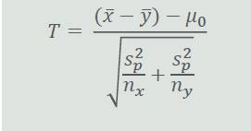

T Statistics

