Homework
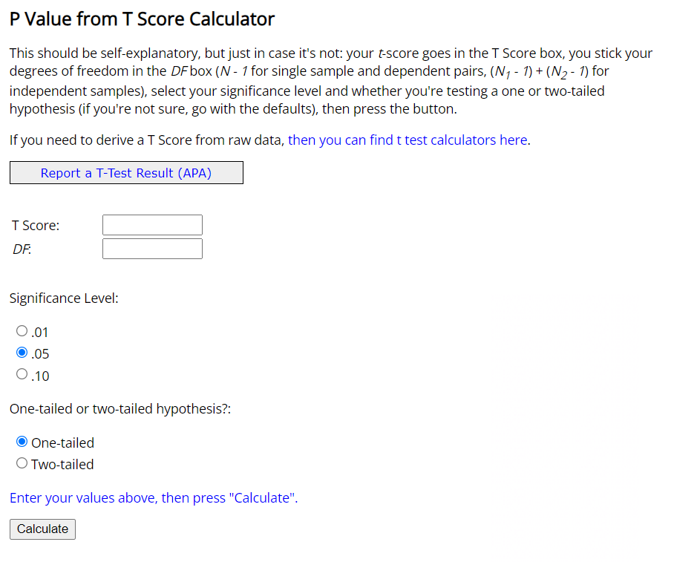
Practical example. Hypothesis testing.
Homework

Background: | You are given the same dataset. We have also created two new worksheets: 'White' (containing only employees that are indicated as white) and 'Nonwhite' (Asian, Black or African American, Hispanic, Two or more races).
 | With the help of the new worksheets, it will be easier for you to calculate sample statistics.
Task: | Using the same methodology as in the lecture, find if there is pay gap based on race.

Overall | n | Mean | Sample variance | Pooled variance | T-score | p-value | Pooled Variance Formula
White | 112 | $67,323.10 | $²1,136,728,018.03 | $²1,168,051,481.95 | 0.66 | 0.51
Nonwhite | 62 | $70,917.26 | $²1,225,049,916.30

The p-value is .440377.

The result is not significant at p < .05.
 |  |  |  |  |  |  |  | T Score

 |  | https://www.socscistatistics.com/pvalues/tdistribution.aspx

