Covariance
Covariance
SAT scores

Background |  | You are given data on the SAT reading and writing scores of several students from our lesson on cross tables and scatter plots
Task 1 |  | Determine if this is sample or population
Task 2 |  | Calculate the covariance of the two datasets
Reading vs Writing
Task 3 |  | Plot the data on scatter plot and using your previous knowledge comment on whether there is a noticeable relationship between the two variables.

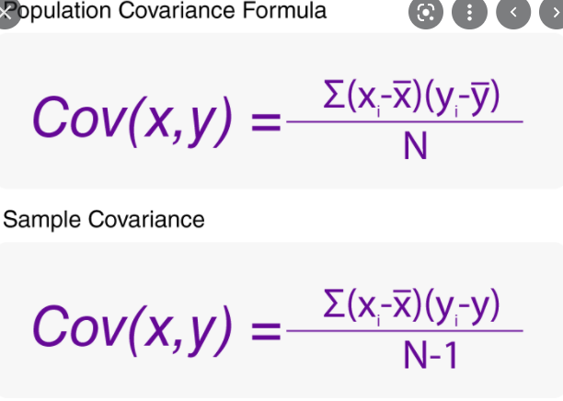
 |  |  |  |  | x̅ | 517.4
 | Writing | Reading |  | (x-x̅)*(y-ȳ) | ȳ | 490.4
 | 344 | 378 |  | 19,490.16
 | 383 | 349 |  | 19,004.16
 | 611 | 503 |  | 1,179.36
 | 713 | 719 |  | 44,714.16
 | 536 | 503 |  | 234.36 |  |  | S
 |  |  |  | 84,622.20
 |  |  | Sample Size | 5.00
 |  |  | Covariance | 21,156

 |  |  | The problem with covariance is that we can't interpret the number
 |  |  | as this number can lie between 0 to infinite same for negative covariance.

