Graph 1 - The SGPlot Procedu
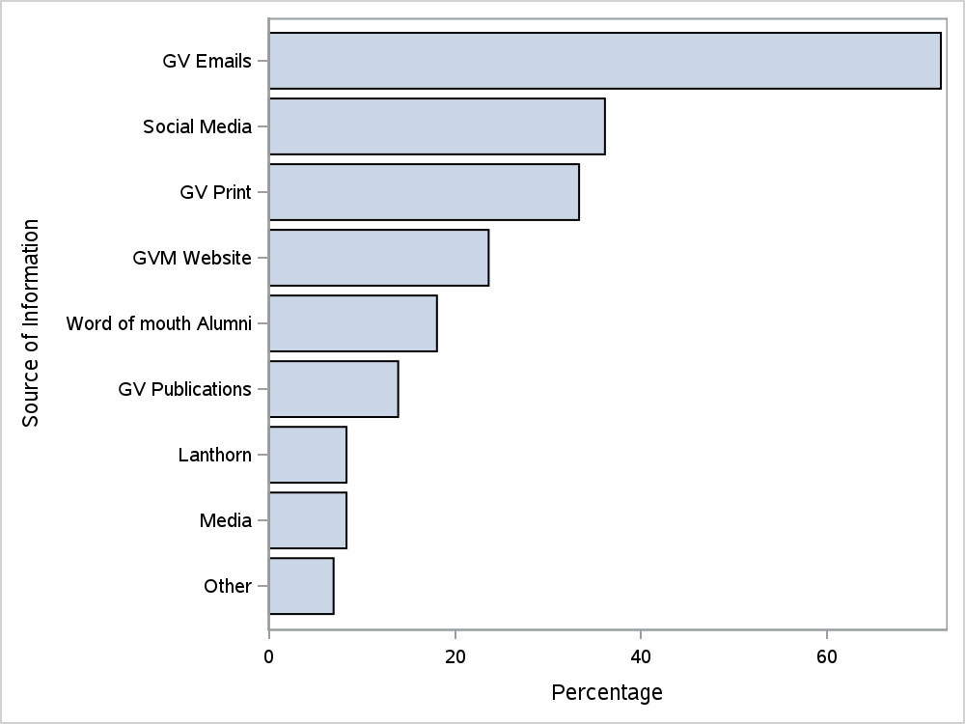

Graph 2 - The SGPlot Procedu
