MDR
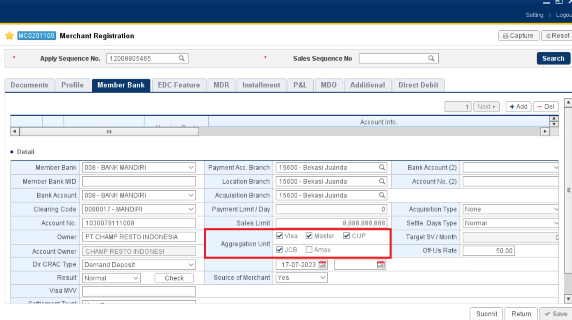
Bank | Transaction | Brand | On/Off | Start Date | End Date | Settlement Days | Rate/Amount | Value
BANK MANDIRI | Credit | VISA | On | 2023-07-18 | 401768 | D+0 | Rate | 1.5
BANK MANDIRI | Credit | VISA | Off | 2023-07-18 | 401768 | D+0 | Rate | 1.5
BANK MANDIRI | Credit | MasterCard | On | 2023-07-18 | 401768 | D+0 | Rate | 1.5
BANK MANDIRI | Credit | MasterCard | Off | 2023-07-18 | 401768 | D+0 | Rate | 1.5
BANK MANDIRI | Credit | CUP | On | 2023-07-18 | 401768 | D+0 | Rate | 1.8
BANK MANDIRI | Credit | CUP | Off | 2023-07-18 | 401768 | D+0 | Rate | 1.8
BANK MANDIRI | Credit | JCB | On | 2023-07-18 | 401768 | D+0 | Rate | 1.5
BANK MANDIRI | Credit | JCB | Off | 2023-07-18 | 401768 | D+0 | Rate | 1.5
BANK MANDIRI | Debit | VISA | On | 2023-07-18 | 401768 | D+0 | Rate | 0.15
BANK MANDIRI | Debit | Private | On | 2023-07-18 | 401768 | D+0 | Rate | 0.15
BANK MANDIRI | Debit | Altajasa | Off | 2023-07-18 | 401768 | D+0 | Rate | 1
BANK MANDIRI | Debit | Rintis | Off | 2023-07-18 | 401768 | D+0 | Rate | 1
BANK MANDIRI | Debit | JPN | Off | 2023-07-18 | 401768 | D+0 | Rate | 1
BANK MANDIRI | Prepaid | Private | On | 2023-07-18 | 401768 | D+0 | Rate | 0.5
BANK MANDIRI | E-Cash | Private | On | 2023-07-18 | 401768 | D+0 | Rate | 0
BANK MANDIRI | INST 03 | VISA | On | 2023-07-18 | 401768 | D+0 | Rate | 0
BANK MANDIRI | INST 03 | MasterCard | On | 2023-07-18 | 401768 | D+0 | Rate | 0
BANK MANDIRI | INST 03 | CUP | On | 2023-07-18 | 401768 | D+0 | Rate | 0
BANK MANDIRI | INST 03 | JCB | On | 2023-07-18 | 401768 | D+0 | Rate | 0 | Untuk Brand yang muncul di tab MDR berdasarkan ceklis Aggregation Unit di tab Member Bank. Jadi semisal CUP tidak di ceklis maka pada tab MDR untuk Transaction dengan Brand CUP tidak akan muncul
BANK MANDIRI | INST 06 | VISA | On | 2023-07-18 | 401768 | D+0 | Rate | 0
BANK MANDIRI | INST 06 | MasterCard | On | 2023-07-18 | 401768 | D+0 | Rate | 0
BANK MANDIRI | INST 06 | CUP | On | 2023-07-18 | 401768 | D+0 | Rate | 0
BANK MANDIRI | INST 06 | JCB | On | 2023-07-18 | 401768 | D+0 | Rate | 0
BANK MANDIRI | INST 09 | VISA | On | 2023-07-18 | 401768 | D+0 | Rate | 0
BANK MANDIRI | INST 09 | MasterCard | On | 2023-07-18 | 401768 | D+0 | Rate | 0
BANK MANDIRI | INST 09 | CUP | On | 2023-07-18 | 401768 | D+0 | Rate | 0
BANK MANDIRI | INST 09 | JCB | On | 2023-07-18 | 401768 | D+0 | Rate | 0
BANK MANDIRI | INST 12 | VISA | On | 2023-07-18 | 401768 | D+0 | Rate | 0
BANK MANDIRI | INST 12 | MasterCard | On | 2023-07-18 | 401768 | D+0 | Rate | 0
BANK MANDIRI | INST 12 | CUP | On | 2023-07-18 | 401768 | D+0 | Rate | 0
BANK MANDIRI | INST 12 | JCB | On | 2023-07-18 | 401768 | D+0 | Rate | 0
BANK MANDIRI | INST 18 | VISA | On | 2023-07-18 | 401768 | D+0 | Rate | 0
BANK MANDIRI | INST 18 | MasterCard | On | 2023-07-18 | 401768 | D+0 | Rate | 0
BANK MANDIRI | INST 18 | CUP | On | 2023-07-18 | 401768 | D+0 | Rate | 0
BANK MANDIRI | INST 18 | JCB | On | 2023-07-18 | 401768 | D+0 | Rate | 0
BANK MANDIRI | INST 24 | VISA | On | 2023-07-18 | 401768 | D+0 | Rate | 0
BANK MANDIRI | INST 24 | MasterCard | On | 2023-07-18 | 401768 | D+0 | Rate | 0
BANK MANDIRI | INST 24 | CUP | On | 2023-07-18 | 401768 | D+0 | Rate | 0
BANK MANDIRI | INST 24 | JCB | On | 2023-07-18 | 401768 | D+0 | Rate | 0
BANK MANDIRI | INST 30 | VISA | On | 2023-07-18 | 401768 | D+0 | Rate | 0
BANK MANDIRI | INST 30 | MasterCard | On | 2023-07-18 | 401768 | D+0 | Rate | 0
BANK MANDIRI | INST 30 | CUP | On | 2023-07-18 | 401768 | D+0 | Rate | 0
BANK MANDIRI | INST 30 | JCB | On | 2023-07-18 | 401768 | D+0 | Rate | 0
BANK MANDIRI | INST 36 | VISA | On | 2023-07-18 | 401768 | D+0 | Rate | 0
BANK MANDIRI | INST 36 | MasterCard | On | 2023-07-18 | 401768 | D+0 | Rate | 0
BANK MANDIRI | INST 36 | CUP | On | 2023-07-18 | 401768 | D+0 | Rate | 0
BANK MANDIRI | INST 36 | JCB | On | 2023-07-18 | 401768 | D+0 | Rate | 0
BANK MANDIRI | Cash Withdrawal | Private | On | 2023-07-18 | 401768 | D+0 | Rate | 0
BANK MANDIRI | PL | Private | On | 2023-07-18 | 401768 | D+0 | Rate | 0
BANK MANDIRI | INST 03 + Loyalty | VISA | On | 2023-07-18 | 401768 | D+0 | Rate | 0
BANK MANDIRI | INST 03 + Loyalty | MasterCard | On | 2023-07-18 | 401768 | D+0 | Rate | 0
BANK MANDIRI | INST 03 + Loyalty | CUP | On | 2023-07-18 | 401768 | D+0 | Rate | 0
BANK MANDIRI | INST 03 + Loyalty | JCB | On | 2023-07-18 | 401768 | D+0 | Rate | 0
BANK MANDIRI | INST 06 + Loyalty | VISA | On | 2023-07-18 | 401768 | D+0 | Rate | 0
BANK MANDIRI | INST 06 + Loyalty | MasterCard | On | 2023-07-18 | 401768 | D+0 | Rate | 0
BANK MANDIRI | INST 06 + Loyalty | CUP | On | 2023-07-18 | 401768 | D+0 | Rate | 0
BANK MANDIRI | INST 06 + Loyalty | JCB | On | 2023-07-18 | 401768 | D+0 | Rate | 0
BANK MANDIRI | INST 09 + Loyalty | VISA | On | 2023-07-18 | 401768 | D+0 | Rate | 0
BANK MANDIRI | INST 09 + Loyalty | MasterCard | On | 2023-07-18 | 401768 | D+0 | Rate | 0
BANK MANDIRI | INST 09 + Loyalty | CUP | On | 2023-07-18 | 401768 | D+0 | Rate | 0
BANK MANDIRI | INST 09 + Loyalty | JCB | On | 2023-07-18 | 401768 | D+0 | Rate | 0
BANK MANDIRI | INST 12 + Loyalty | VISA | On | 2023-07-18 | 401768 | D+0 | Rate | 0
BANK MANDIRI | INST 12 + Loyalty | MasterCard | On | 2023-07-18 | 401768 | D+0 | Rate | 0
BANK MANDIRI | INST 12 + Loyalty | CUP | On | 2023-07-18 | 401768 | D+0 | Rate | 0
BANK MANDIRI | INST 12 + Loyalty | JCB | On | 2023-07-18 | 401768 | D+0 | Rate | 0
BANK MANDIRI | INST 18 + Loyalty | VISA | On | 2023-07-18 | 401768 | D+0 | Rate | 0
BANK MANDIRI | INST 18 + Loyalty | MasterCard | On | 2023-07-18 | 401768 | D+0 | Rate | 0
BANK MANDIRI | INST 18 + Loyalty | CUP | On | 2023-07-18 | 401768 | D+0 | Rate | 0
BANK MANDIRI | INST 18 + Loyalty | JCB | On | 2023-07-18 | 401768 | D+0 | Rate | 0
BANK MANDIRI | INST 24 + Loyalty | VISA | On | 2023-07-18 | 401768 | D+0 | Rate | 0
BANK MANDIRI | INST 24 + Loyalty | MasterCard | On | 2023-07-18 | 401768 | D+0 | Rate | 0
BANK MANDIRI | INST 24 + Loyalty | CUP | On | 2023-07-18 | 401768 | D+0 | Rate | 0
BANK MANDIRI | INST 24 + Loyalty | JCB | On | 2023-07-18 | 401768 | D+0 | Rate | 0
BANK MANDIRI | INST 30 + Loyalty | VISA | On | 2023-07-18 | 401768 | D+0 | Rate | 0
BANK MANDIRI | INST 30 + Loyalty | MasterCard | On | 2023-07-18 | 401768 | D+0 | Rate | 0
BANK MANDIRI | INST 30 + Loyalty | CUP | On | 2023-07-18 | 401768 | D+0 | Rate | 0
BANK MANDIRI | INST 30 + Loyalty | JCB | On | 2023-07-18 | 401768 | D+0 | Rate | 0
BANK MANDIRI | INST 36 + Loyalty | VISA | On | 2023-07-18 | 401768 | D+0 | Rate | 0
BANK MANDIRI | INST 36 + Loyalty | MasterCard | On | 2023-07-18 | 401768 | D+0 | Rate | 0
BANK MANDIRI | INST 36 + Loyalty | CUP | On | 2023-07-18 | 401768 | D+0 | Rate | 0
BANK MANDIRI | INST 36 + Loyalty | JCB | On | 2023-07-18 | 401768 | D+0 | Rate | 0
BANK MANDIRI | QR | Private | On | 2023-07-18 | 401768 | D+0 | Rate | 0
BANK MANDIRI | Debit Online | VISA | On | 2023-07-18 | 401768 | D+0 | Rate | 0
BANK MANDIRI | Debit Online | Private | On | 2023-07-18 | 401768 | D+0 | Rate | 0
BANK MANDIRI | QRIS Domestic | Private | On | 2023-07-18 | 401768 | D+0 | Rate | 0
BANK MANDIRI | QRIS Domestic | Private | Off | 2023-07-18 | 401768 | D+0 | Rate | 0
BANK MANDIRI | QRIS International | Private | On | 2023-07-18 | 401768 | D+0 | Rate | 0
BANK MANDIRI | QRIS Member Bank | VISA | On | 2023-07-18 | 401768 | D+0 | Rate | 0
BANK MANDIRI | QRIS Member Bank | VISA | Off | 2023-07-18 | 401768 | D+0 | Rate | 0
BANK MANDIRI | QRIS Member Bank | MasterCard | On | 2023-07-18 | 401768 | D+0 | Rate | 0
BANK MANDIRI | QRIS Member Bank | MasterCard | Off | 2023-07-18 | 401768 | D+0 | Rate | 0
BANK MANDIRI | QRIS Member Bank | CUP | On | 2023-07-18 | 401768 | D+0 | Rate | 0
BANK MANDIRI | QRIS Member Bank | CUP | Off | 2023-07-18 | 401768 | D+0 | Rate | 0
BANK MANDIRI | QRIS Member Bank | JCB | On | 2023-07-18 | 401768 | D+0 | Rate | 0
BANK MANDIRI | QRIS Member Bank | JCB | Off | 2023-07-18 | 401768 | D+0 | Rate | 0
BANK MANDIRI | QRIS Member Bank | Private | On | 2023-07-18 | 401768 | D+0 | Rate | 0
BANK TABUNGAN NEGARA (PERSERO) (BTN) | Debit | Private | Off | 2023-07-18 | 401768 | D+0 | Rate | 1.00

Untuk field yang berwarna kuning (BTN) pada MAAS ditambahkan manual, bukan muncul karena satu ceklis

