OWin
DATA MINING
WinTitle | WinID
Continue (F5) | 1772354 | PathName | C:\Users\127839\Downloads\Story\DataTracker\Projects\ | PrjId | Asg | Cdc | Gen | Itm | Mod | Ofb | Ofr | Stk | Inv | Pay | St1 | St2 | Stw
Microsoft Visual Basic for Applications - PrjDB_PickData_v12.xlsm [running] - [InforAlone (Code)] | 2690142 |  |  | 31173 | 1 | 1 | 1 | 1 | 1 | 1 | 1 | 1 | 0 | 0 | 0 | 0 | 0
Impromptu - [Coste en curso Detalle por Proyecto.imr - Copia] | 1182584 |  |  | 31179 | 1 | 1 | 1 | 1 | 1 | 1 | 1 | 1 | 0 | 0 | 0 | 0 | 0
PrjDB_PickData_v12.xlsm - Excel | 133190 |  |  | 31180 | 1 | 1 | 1 | 1 | 0 | 1 | 1 | 1 | 0 | 0 | 0 | 0 | 0
SERRA (\\FSNNOVA24A) (M:) - File Explorer | 1116930 |  |  | 31193 | 0 | 1 | 1 | 0 | 0 | 1 | 1 | 0 | 0 | 0 | 0 | 0 | 0
BIG-IP Edge Client™ | 131624 |  |  | 31193M | 0 | 1 | 1 | 0 | 0 | 1 | 1 | 0 | 0 | 0 | 0 | 0 | 0
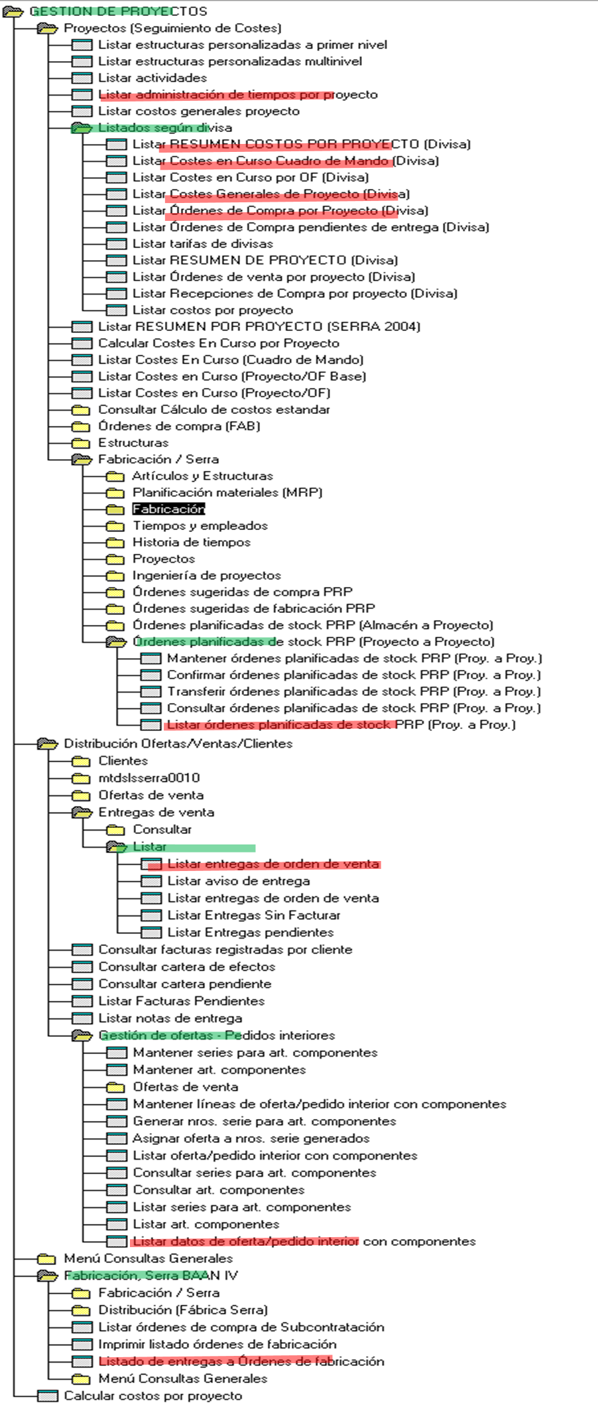
Mail | 199386 |  |  | 31195 | 0 | 1 | 1 | 0 | 0 | 1 | 1 | 0 | 0 | 0 | 0 | 0 | 0
Windows Input Experience | 66256 |  |  | 31195M | 0 | 1 | 1 | 0 | 0 | 1 | 1 | 0 | 0 | 0 | 0 | 0 | 0
Inbox - Serrasold ?- Mail | 330404 |  |  | 31199 | 1 | 1 | 1 | 1 | 1 | 1 | 1 | 1 | 0 | 0 | 0 | 0 | 0
Program Manager | 65812 |  |  | 31200 | 1 | 1 | 1 | 1 | 1 | 1 | 1 | 0 | 1 | 1 | 1 | 1 | 1

