OWin
DATA MINING
WinTitle | WinID
ttstpsplopen : Seleccionar dispositivo [000] | 1247460 | PathName | C:\Users\127839\Downloads\Story\DataTracker\Projects\ | PrjId | ASG | CDC | GEN | INV | ITM | MOD | OFB | OFR | STW | PAY | ST1 | ST2
tipcs3460ms03 : Listar RESUMEN COSTOS POR PROYECTO (Divisa) [301] | 3999968 |  |  | 31173 | 1 | 1 | 1 | 1 | 1 | 1 | 1 | 1 | 1 | 0 | 0 | 0
Explorador menús [Usuario: u127839 ] [301] | 1051208 |  |  | 31179 | 1 | 1 | 1 | 1 | 1 | 1 | 1 | 1 | 1 | 0 | 0 | 0
Option Dialog | 527052 |  |  | 31180 | 1 | 1 | 1 | 0 | 1 | 0 | 1 | 1 | 1 | 0 | 0 | 0
PickData_v02.xlsm - Excel | 67290 |  |  | 31193 | 0 | 1 | 1 | 1 | 0 | 0 | 1 | 1 | 0 | 0 | 0 | 0
Friendly Spanish Greeting - Claude - Work - Microsoft? Edge | 2361772 |  |  | 31193M | 0 | 1 | 1 | 0 | 0 | 0 | 1 | 1 | 0 | 0 | 0 | 0
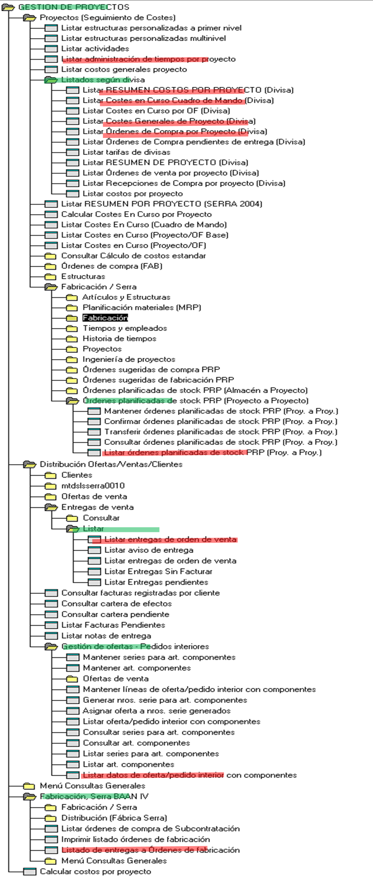
Microsoft Visual Basic for Applications - PickData_v02.xlsm [running] - [InforAlone (Code)] | 5245198 |  |  | 31195 | 0 | 1 | 1 | 1 | 0 | 0 | 1 | 1 | 0 | 0 | 0 | 0
Mail | 67446 |  |  | 31195M | 0 | 1 | 1 | 0 | 0 | 0 | 1 | 1 | 0 | 0 | 0 | 0
Inbox - Serrasold ?- Mail | 197558 |  |  | 31199 | 1 | 1 | 1 | 1 | 1 | 1 | 1 | 1 | 1 | 0 | 0 | 0
Windows Input Experience | 66174 |  |  | 31200 | 1 | 1 | 1 | 1 | 1 | 1 | 1 | 1 | 1 | 1 | 1 | 1
Program Manager | 65816

 |  |  |  | QryId | ASG | CDC | GEN | INV | ITM | MOD | OFB | OFR | PAY | ST1 | ST2 | STW
 |  |  |  | Min | 2024-11-26 | 2024-02-06 | 2023-12-22 | 2024-05-17 | 2024-11-28 | 2024-11-27 | 2023-12-23 | 2025-01-13 | 2025-03-13 | 2025-01-16 | 2025-01-23 | 2025-01-30
 |  |  |  | Max | 2025-03-12 | 2025-03-12 | 2025-03-12 | 2025-03-12 | 2025-03-12 | 2025-03-12 | 2025-03-12 | 2025-03-12 | 2025-03-13 | 2025-03-12 | 2025-03-12 | 2025-03-12

