OWin
DATA MINING
WinTitle | WinID
ttstpsplopen : Seleccionar dispositivo [000] | 394328 | PathName | C:\Users\127839\Downloads\Story\DataTracker\Projects\ | PrjId | ASG | CDC | GEN | INV | ITM | MOD | OFB | OFR | STW | PAY | ST1 | ST2
tihra1402m000 : Listar administración de tiempos por proyecto [301] | 131626 |  |  | 31173 | 1 | 1 | 1 | 1 | 1 | 1 | 1 | 1 | 1 | 0 | 0 | 0
Explorador menús [Usuario: u127839 ] [301] | 460326 |  |  | 31179 | 1 | 1 | 1 | 1 | 1 | 1 | 1 | 1 | 1 | 0 | 0 | 0
Option Dialog | 264990 |  |  | 31180 | 1 | 1 | 1 | 0 | 1 | 0 | 1 | 1 | 1 | 0 | 0 | 0
PickData_v03.xlsm - Excel | 67974 |  |  | 31193 | 0 | 1 | 1 | 1 | 0 | 0 | 1 | 1 | 0 | 0 | 0 | 0
Microsoft Visual Basic for Applications - PickData_v03.xlsm [running] - [InforAlone (Code)] | 131518 |  |  | 31193M | 0 | 1 | 1 | 0 | 0 | 0 | 1 | 1 | 0 | 0 | 0 | 0
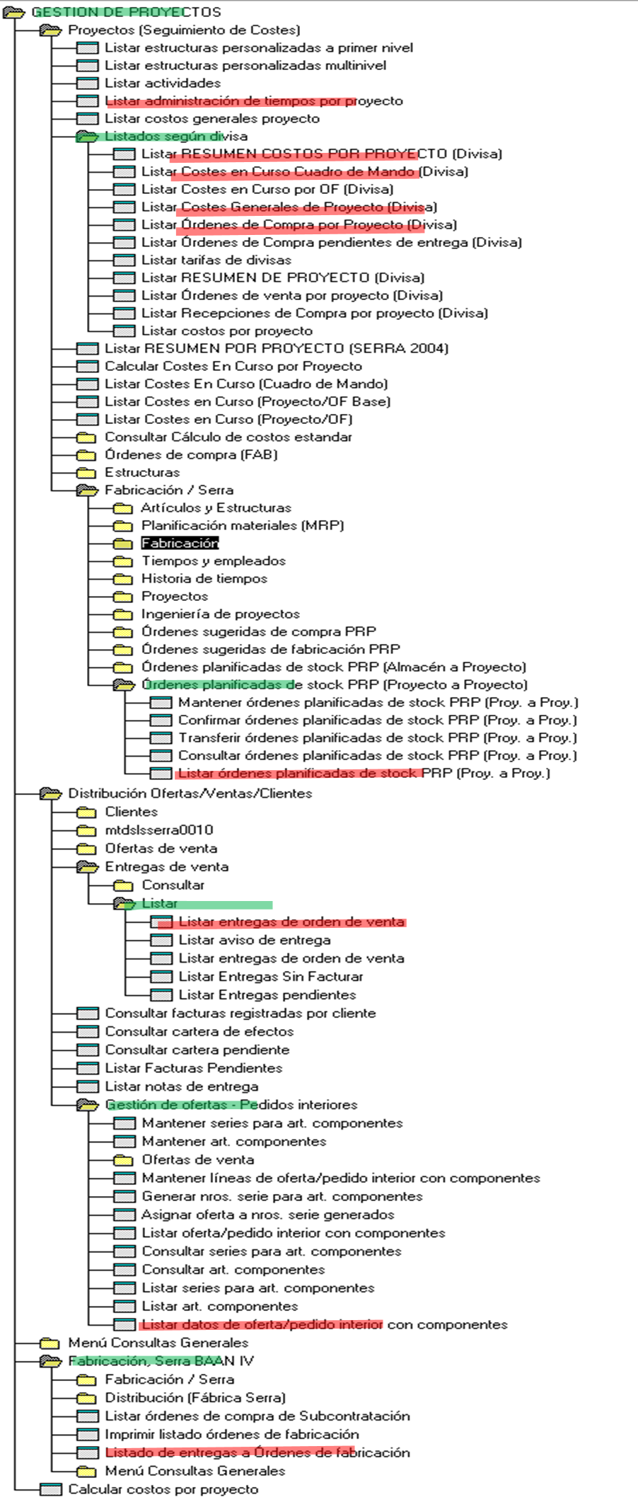
Bandeja de entrada - dperez@serrasold.com - Outlook | 66718 |  |  | 31195 | 0 | 1 | 1 | 1 | 0 | 0 | 1 | 1 | 0 | 0 | 0 | 0
Chat | IBAÑEZ MARTINEZ, DAVID | Aernnova Aerospace | dperez@serrasold.com | Microsoft Teams | 133300 |  |  | 31195M | 0 | 1 | 1 | 0 | 0 | 0 | 1 | 1 | 0 | 0 | 0 | 0
Windows Input Experience | 66362 |  |  | 31199 | 1 | 1 | 1 | 1 | 1 | 1 | 1 | 1 | 1 | 0 | 0 | 0
Program Manager | 65842 |  |  | 31200 | 1 | 1 | 1 | 1 | 1 | 1 | 1 | 1 | 1 | 1 | 1 | 1

 |  |  |  | QryId | ASG | CDC | GEN | INV | ITM | MOD | OFB | OFR | PAY | ST1 | ST2 | STW
 |  |  |  | Min | 2024-11-26 | 2024-02-06 | 2023-12-22 | 2024-05-17 | 2024-11-28 | 2024-11-27 | 2023-12-23 | 2025-01-13 | 2025-03-13 | 2025-01-16 | 2025-01-23 | 2025-01-30
 |  |  |  | Max | 2025-03-12 | 2025-03-12 | 2025-03-12 | 2025-03-12 | 2025-03-12 | 2025-03-12 | 2025-03-12 | 2025-03-12 | 2025-03-13 | 2025-03-12 | 2025-03-12 | 2025-03-12

