OWin
DATA MINING
WinTitle | WinID
Immediate | 68484 | PathName | /Users/didac/Downloads/Story/DataTracker/Projects/ | LstQry | FrmPth5 | PrjId | ASG | CDC | GEN | INV | ITM | MOD | OFB | OFR | STW | PAY | ST1 | ST2
Microsoft Visual Basic for Applications - PickData_v04.xlsm [running] | 524742 |  |  | ASG |  | 31173 | 26/11/24 06/02/25 | 0 | 07/05/24 13/01/25 | 17/05/24 13/01/25 | 28/11/24 13/01/25 | 27/11/24 13/01/25 | 0 | 13/01/25 13/01/25 | 0 | 0 | 0 | 0
PickData_v04.xlsm - Excel | 68258 |  |  | CDC |  | 31179 | 26/11/24 06/02/25 | 0 | 28/12/23 13/01/25 | 17/05/24 13/01/25 | 28/11/24 13/01/25 | 27/11/24 13/01/25 | 0 | 13/01/25 13/01/25 | 0 | 0 | 0 | 0
Windows Input Experience | 131716 |  |  | GEN |  | 31180 | 26/11/24 06/02/25 | 0 | 26/02/24 13/01/25 | 0 | 28/11/24 13/01/25 | 0 | 0 | 13/01/25 13/01/25 | 0 | 0 | 0 | 0
Mail | 10554636 |  |  | INV |  | 31193 | 0 | 0 | 18/09/24 18/09/24 | 18/09/24 26/09/24 | 0 | 0 | 0 | 08/10/25 08/10/25 | 0 | 0 | 0 | 0
Inbox - Serrasold ?- Mail | 594248 |  |  | ITM |  | 31193M | 0 | 0 | 11/07/24 26/09/24 | 18/09/24 26/09/24 | 0 | 0 | 0 | 08/10/24 08/10/24 | 0 | 0 | 0 | 0
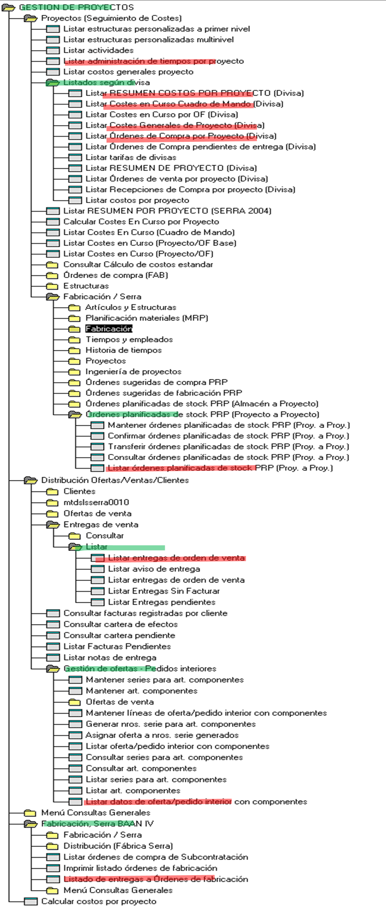
Optimizing VBA Excel Macro Workflow - Claude and 2 more pages - Work - Microsoft? Edge | 66670 |  |  | MOD |  | 31195 | 0 | 0 | 25/05/24 18/09/24 | 25/05/24 26/09/24 | 0 | 0 | 0 | 08/10/25 08/10/25 | 0 | 0 | 0 | 0
Chat | BARROSO MORERA, JOSE ANTONIO | Aernnova Aerospace | dperez@serrasold.com | Microsoft Teams | 66764 |  |  | OFB |  | 31195M | 0 | 0 | 25/05/24 26/09/24 | 25/05/24 26/09/24 | 0 | 0 | 0 | 08/10/24 08/10/24 | 0 | 0 | 0 | 0
Program Manager | 65846 |  |  | OFR |  | 31199 | 26/11/24 06/02/25 | 0 | 22/12/23 13/01/25 | 17/05/24 13/01/25 | 28/11/24 13/01/25 | 27/11/24 13/01/25 | 0 | 13/01/25 13/01/25 | 0 | 0 | 0 | 0
 |  |  |  | STW |  | 31200 | 26/11/24 12/03/25 | 06/02/24 12/03/25 | 22/12/23 12/03/25 | 17/05/24 12/03/25 | 28/11/24 12/03/25 | 27/11/24 13/03/25 | 23/12/23 12/03/25 | 13/01/25 12/03/25 | 30/01/25 12/03/25 | 13/03/25 13/03/25 | 16/01/25 12/03/25 | 23/01/25 12/03/25
 |  |  |  | PAY
 |  |  |  | ST1
 |  |  |  | ST2

