OWin
DATA MINING
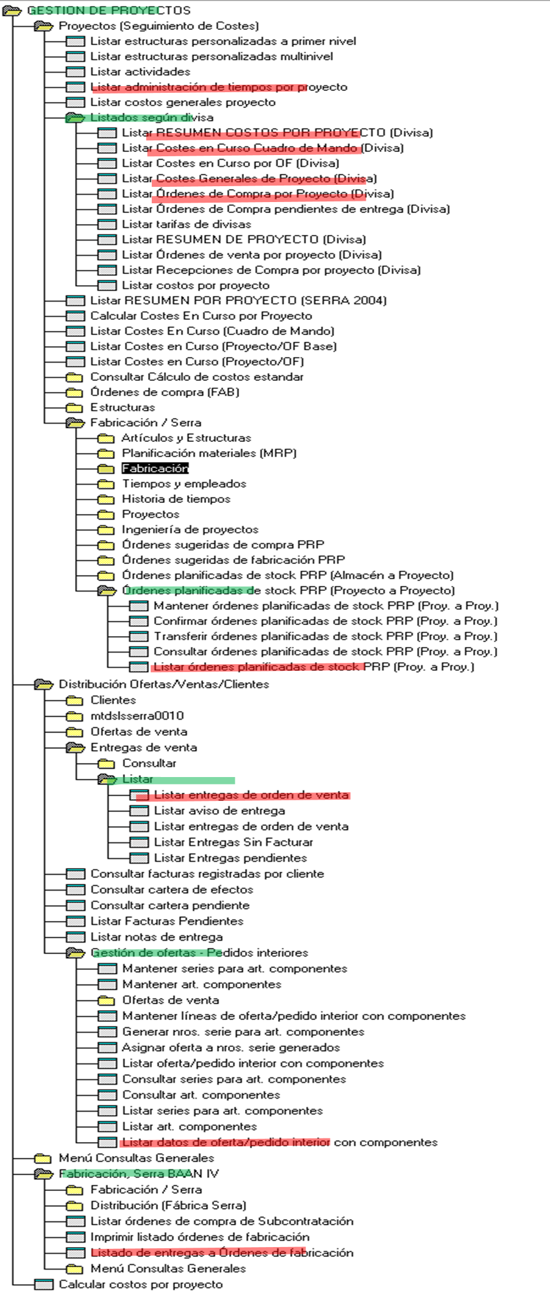
WinTitle | WinID
PopupHost | 919892 | PathName | C:\Users\127839\Downloads\StoryMac\DataTracker\Projects\ | LstQry | FrmPth5 | PrjId | ASG | CDC | GEN | INV | ITM | MOD | OFB | OFR | STW | PAY | ST1 | ST2
ttstpsplopen : Seleccionar dispositivo [000] | 330246 |  |  | ASG |  | 31173 | 26/11/24 17/03/25 | 07/05/24 03/02/25 | 07/05/24 13/01/25 | 17/05/24 13/01/25 | 28/11/24 13/01/25 | 27/11/24 13/01/25 | 07/05/24 13/01/25 | 13/01/25 13/01/25 | 02/12/24 13/01/25 | 0 | 0 | 0
tipcs5431m000 : Listar órdenes planificadas de stock PRP (Proy. a Proy.) [301] | 723616 |  |  | CDC |  | 31179 | 26/11/24 06/02/25 | 06/02/24 03/02/25 | 28/12/23 13/01/25 | 17/05/24 13/01/25 | 28/11/24 13/01/25 | 27/11/24 13/01/25 | 28/12/23 13/01/25 | 13/01/25 13/01/25 | 02/12/24 13/01/25 | 0 | 0 | 0
Explorador menús [Usuario: u127839 ] [301] | 395716 |  |  | GEN |  | 31180 | 26/11/24 06/02/25 | 26/02/24 13/01/25 | 26/02/24 13/01/25 | 0 | 28/11/24 13/01/25 | 0 | 26/02/24 13/01/25 | 13/01/25 13/01/25 | 02/12/24 13/01/25 | 0 | 0 | 0
Option Dialog | 395688 |  |  | INV |  | 31193 | 0 | 11/07/24 26/09/24 | 18/09/24 18/09/24 | 18/09/24 26/09/24 | 0 | 0 | 11/07/24 26/09/24 | 08/10/25 08/10/25 | 0 | 0 | 0 | 0
PickData_v04.xlsm - Excel | 133166 |  |  | ITM |  | 31193M | 0 | 11/07/24 26/09/24 | 11/07/24 26/09/24 | 18/09/24 26/09/24 | 0 | 0 | 11/07/24 26/09/24 | 08/10/24 08/10/24 | 0 | 0 | 0 | 0
Microsoft Visual Basic for Applications - PickData_v04.xlsm [running] - [InforAlone (Code)] | 329606 |  |  | MOD |  | 31195 | 0 | 25/05/24 26/09/24 | 25/05/24 18/09/24 | 25/05/24 26/09/24 | 0 | 0 | 25/05/24 26/09/24 | 08/10/25 08/10/25 | 0 | 0 | 0 | 0
Copilot | Microsoft 365 Copilot and 1 more page - Work - Microsoft? Edge | 264638 |  |  | OFB |  | 31195M | 0 | 25/05/24 26/09/24 | 25/05/24 26/09/24 | 25/05/24 26/09/24 | 0 | 0 | 25/05/24 26/09/24 | 08/10/24 08/10/24 | 0 | 0 | 0 | 0
Projects - File Explorer | 197464 |  |  | OFR |  | 31199 | 26/11/24 06/02/25 | 06/02/24 13/01/25 | 22/12/23 13/01/25 | 17/05/24 13/01/25 | 28/11/24 13/01/25 | 27/11/24 13/01/25 | 22/12/23 13/01/25 | 13/01/25 13/01/25 | 0 | 0 | 0 | 0
Chat | FERNANDEZ GONZALEZ, JORGE (EXTERNAL) | Aernnova Aerospace | dperez@serrasold.com | Microsoft Teams | 263534 |  |  | STW |  | 31200 | 26/11/24 17/03/25 | 06/02/24 17/03/25 | 22/12/23 17/03/25 | 17/05/24 17/03/25 | 28/11/24 17/03/25 | 27/11/24 17/03/25 | 23/12/23 17/03/25 | 13/01/25 17/03/25 | 30/01/25 17/03/25 | 13/03/25 17/03/25 | 16/01/25 17/03/25 | 23/01/25 17/03/25
Mail | 132468 |  |  | PAY
Inbox - Serrasold ?- Mail | 196850 |  |  | ST1
Windows Input Experience | 197016 |  |  | ST2
Program Manager | 65804

