20250804DRSAM结果
Class 0 | Average Dice | 0.9802 | Average IoU | 0.9612 | Class 0 | 0.9802 | 0.9612
Class 1 | Average Dice | 0.6822 | Average IoU | 0.5272 | Class 1 | 0.6822 | 0.5272
Class 2 | Average Dice | 0.7217 | Average IoU | 0.5745 | Class 2 | 0.7217 | 0.5745
Class 3 | Average Dice | 0.7225 | Average IoU | 0.5736 | Class 3 | 0.7225 | 0.5736
Class 4 | Average Dice | 0.7125 | Average IoU | 0.5646 | Class 4 | 0.7125 | 0.5646
Class 5 | Average Dice | 0.6786 | Average IoU | 0.532 | Class 5 | 0.6786 | 0.532
Class 6 | Average Dice | 0.5857 | Average IoU | 0.4492 | Class 6 | 0.5857 | 0.4492
Class 7 | Average Dice | 0.5289 | Average IoU | 0.4114 | Class 7 | 0.5289 | 0.4114
Class 8 | Average Dice | 0.5052 | Average IoU | 0.3718 | Class 8 | 0.5052 | 0.3718
Class 9 | Average Dice | 0.3402 | Average IoU | 0.2081 | Class 9 | 0.3402 | 0.2081
Class 10 | Average Dice | 0.7168 | Average IoU | 0.5586 | Class 10 | 0.7168 | 0.5586
Class 11 | Average Dice | 0.6224 | Average IoU | 0.4758 | Class 11 | 0.6224 | 0.4758
Class 12 | Average Dice | 0.6899 | Average IoU | 0.5517 | Class 12 | 0.6899 | 0.5517
Class 13 | Average Dice | 0.723 | Average IoU | 0.5881 | Class 13 | 0.723 | 0.5881
Class 14 | Average Dice | 0.683 | Average IoU | 0.5424 | Class 14 | 0.683 | 0.5424
Class 15 | Average Dice | 0.624 | Average IoU | 0.4844 | Class 15 | 0.624 | 0.4844
Class 16 | Average Dice | 0.4903 | Average IoU | 0.3679 | Class 16 | 0.4903 | 0.3679
Class 17 | Average Dice | 0.4631 | Average IoU | 0.3481 | Class 17 | 0.4631 | 0.3481
Class 18 | Average Dice | 0.2759 | Average IoU | 0.1607 | Class 18 | 0.2759 | 0.1607
Class 19 | Average Dice | 0.5495 | Average IoU | 0.3788 | Class 19 | 0.5495 | 0.3788
All | Average Dice | 0.61478 | Average IoU | 0.481505 | All | 0.61478 | 0.481505
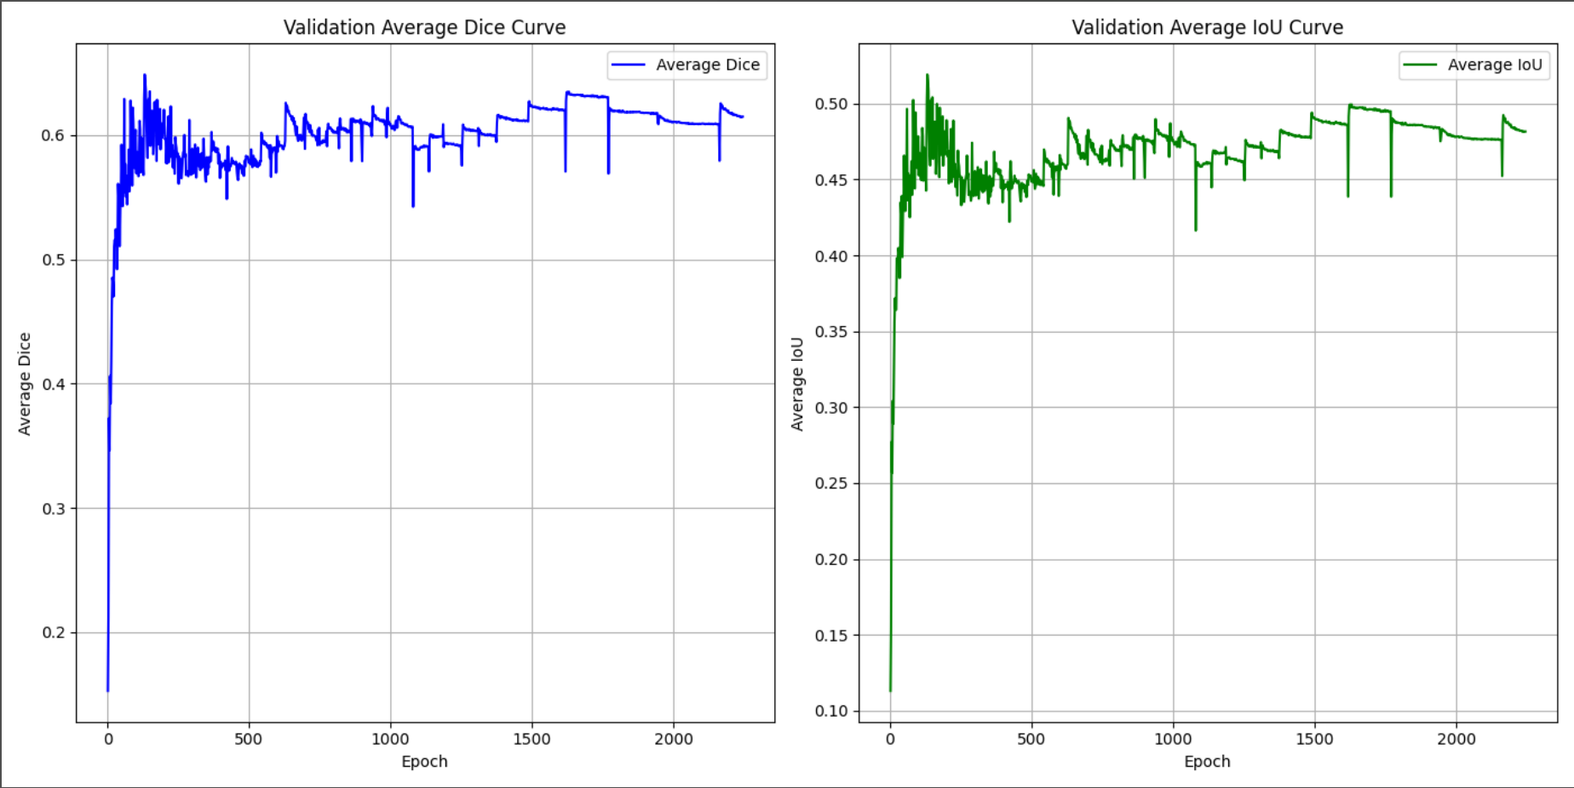

Class 0: Average Dice: 0.9852, Average IoU: 0.9709
Class 1: Average Dice: 0.8202, Average IoU: 0.6959
Class 2: Average Dice: 0.8159, Average IoU: 0.6924
Class 3: Average Dice: 0.8242, Average IoU: 0.7067
Class 4: Average Dice: 0.7981, Average IoU: 0.6810
Class 5: Average Dice: 0.8078, Average IoU: 0.6912
Class 6: Average Dice: 0.7555, Average IoU: 0.6405
Class 7: Average Dice: 0.7041, Average IoU: 0.5868
Class 8: Average Dice: 0.7043, Average IoU: 0.5693
Class 9: Average Dice: 0.5275, Average IoU: 0.3785
Class 10: Average Dice: 0.5944, Average IoU: 0.4229
Class 11: Average Dice: 0.7923, Average IoU: 0.6668
Class 12: Average Dice: 0.7766, Average IoU: 0.6726
Class 13: Average Dice: 0.8534, Average IoU: 0.7531
Class 14: Average Dice: 0.8294, Average IoU: 0.7234
Class 15: Average Dice: 0.8408, Average IoU: 0.7404
Class 16: Average Dice: 0.7914, Average IoU: 0.6961
Class 17: Average Dice: 0.7632, Average IoU: 0.6352
Class 18: Average Dice: 0.7423, Average IoU: 0.6120
Class 19: Average Dice: 0.5677, Average IoU: 0.3963
0.764725285805446 0.6466027168782525

Class 0: Average Dice: 0.9864, Average IoU: 0.9731
Class 1: Average Dice: 0.8371, Average IoU: 0.7204
Class 2: Average Dice: 0.8449, Average IoU: 0.7336
Class 3: Average Dice: 0.8508, Average IoU: 0.7420
Class 4: Average Dice: 0.8408, Average IoU: 0.7269
Class 5: Average Dice: 0.8427, Average IoU: 0.7293
Class 6: Average Dice: 0.8030, Average IoU: 0.6885
Class 7: Average Dice: 0.7703, Average IoU: 0.6614
Class 8: Average Dice: 0.6803, Average IoU: 0.5359
Class 9: Average Dice: 0.3398, Average IoU: 0.2147
Class 10: Average Dice: 0.7099, Average IoU: 0.5503
Class 11: Average Dice: 0.8195, Average IoU: 0.6994
Class 12: Average Dice: 0.8388, Average IoU: 0.7346
Class 13: Average Dice: 0.8693, Average IoU: 0.7706
Class 14: Average Dice: 0.8724, Average IoU: 0.7753
Class 15: Average Dice: 0.8618, Average IoU: 0.7621
Class 16: Average Dice: 0.7896, Average IoU: 0.6922
Class 17: Average Dice: 0.7642, Average IoU: 0.6429
Class 18: Average Dice: 0.7287, Average IoU: 0.5800
Class 19: Average Dice: 0.6484, Average IoU: 0.4798
0.7849396886867732 0.6706441903712759

