0626-resizesam3d
以loss为准

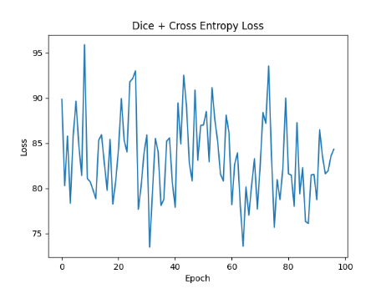

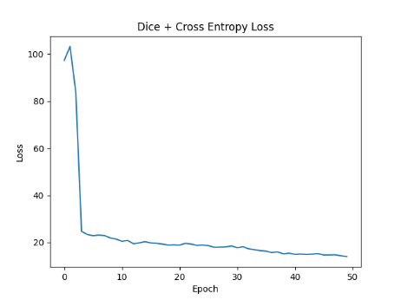
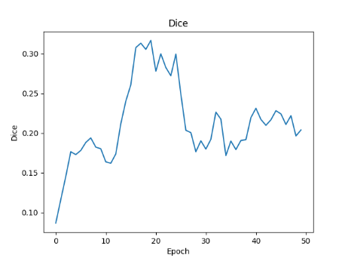

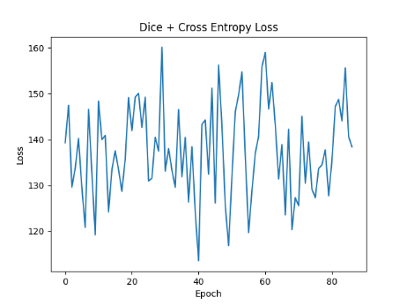
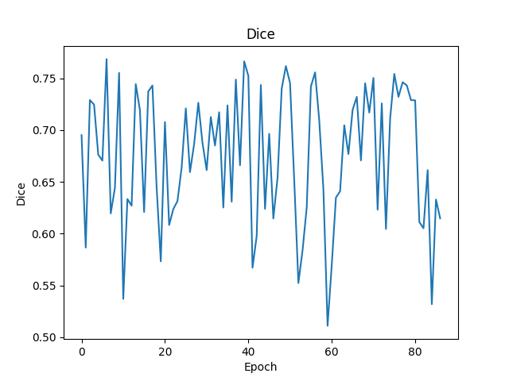

加了个onehot编码后，DICE-->0.69+

learningrate 5e-05
100%|█████████████████████████████████████████████| 5/5 [00:12<00:00, 2.54s/it]
Epoch: 43/199
EPOCH: 42, Loss: 139.06492614746094
EPOCH: 42, Dice: 0.753633451461792

611SamMED3d
 | 5e-6 steplr 100
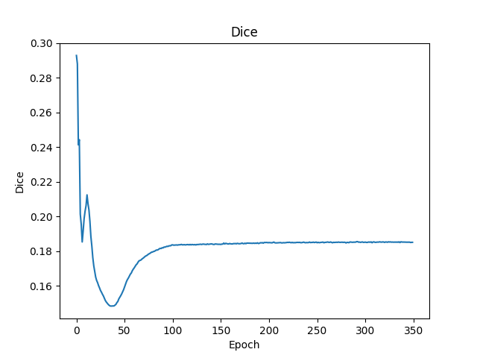
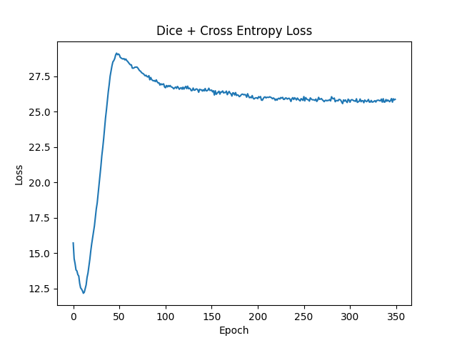

 | 5e-6 steplr-10）
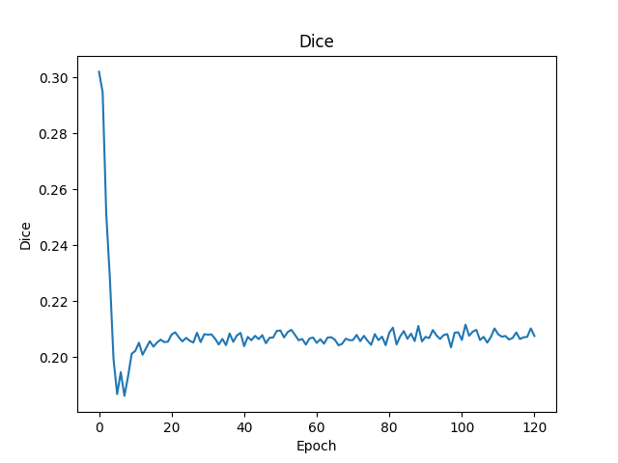
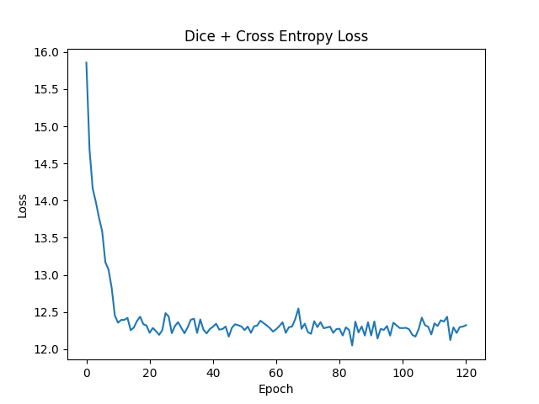

 | e-6 1000epoch multisteplr 120,180
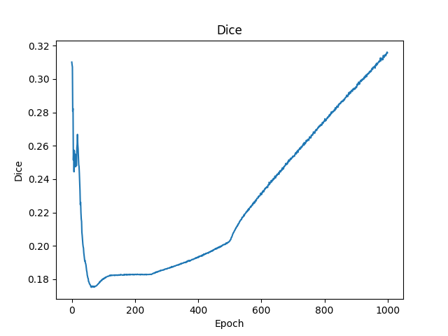
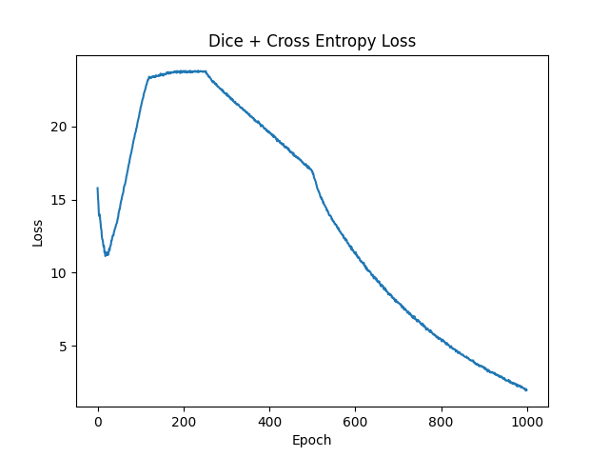

 | lr 5e-6 coswarm
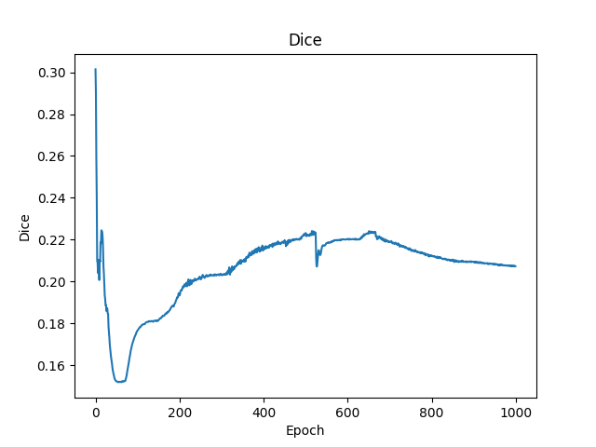
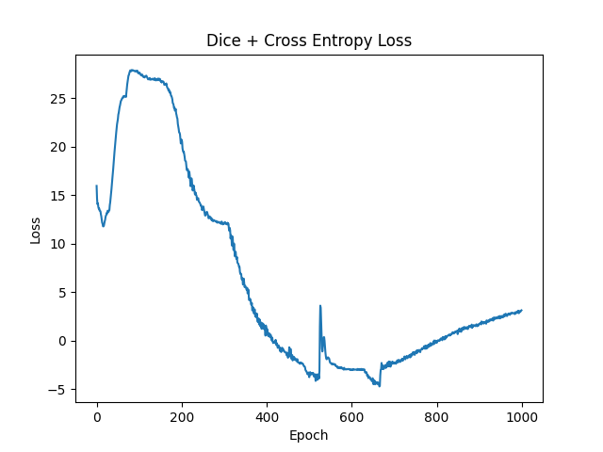

从上面的实验看出来epoch达到200左右能看出训练结果
 | 目前最好的结果是参数lr 1e-6 1000epoch multisteplr 120,180，但其到1000epoch后才初见规模，训练成本极大
 | 考虑到预训练模型权重迁移至新数据模型时的误差使得DICE先降后增，训练调参策略调整为先大学习率调整参数到新数据模型，再小学习率微调模型参数。
 | 提高调参效率，使用少量（33）个样本，进行200次训练记录结果。
 | 1e-6 steplr-10）
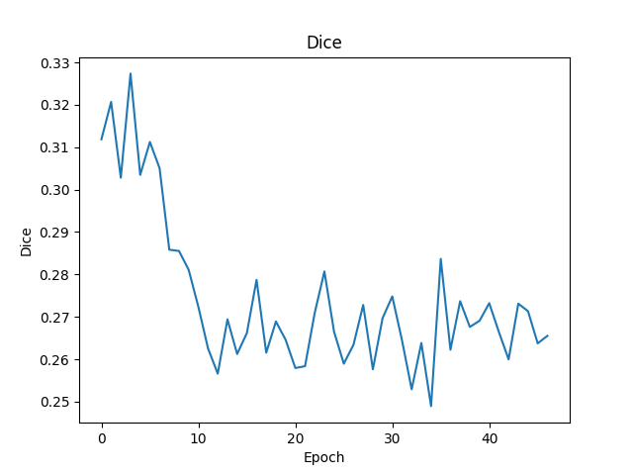
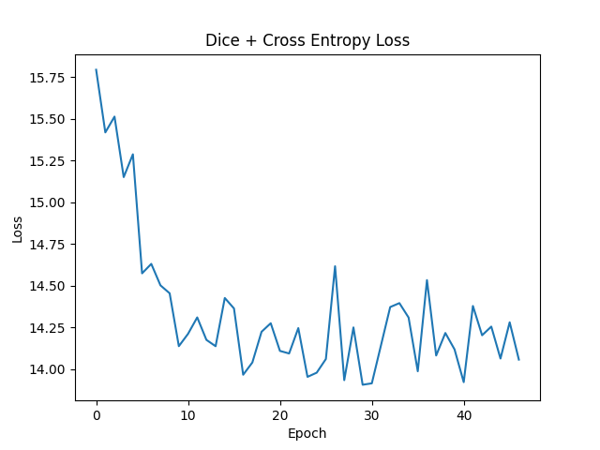

 | union_train（1e-2 multisteplr 10,20,30）
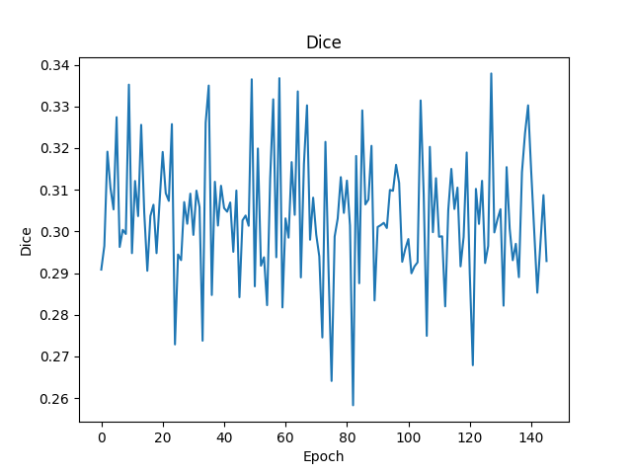
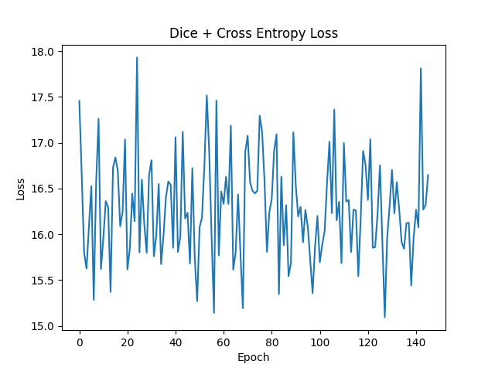

 | union_train（1e-3 multisteplr 10,20,30） |  |  | union_train（1e-3 multisteplr 10,20,30 gama 0.01）

 | union_train（1e-4 multisteplr 10,20,30）
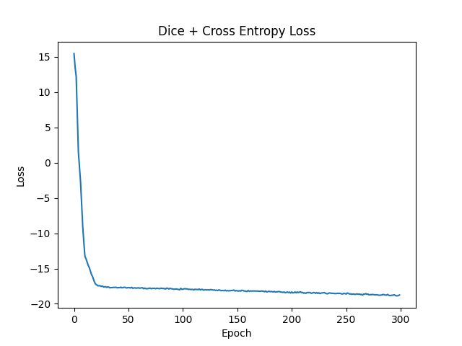
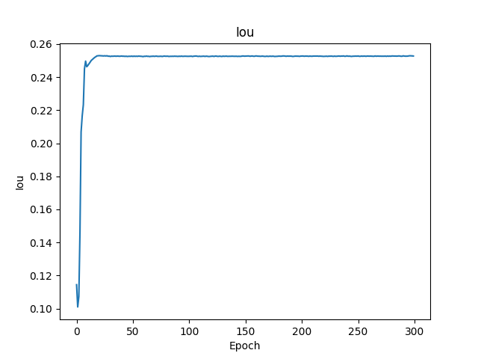
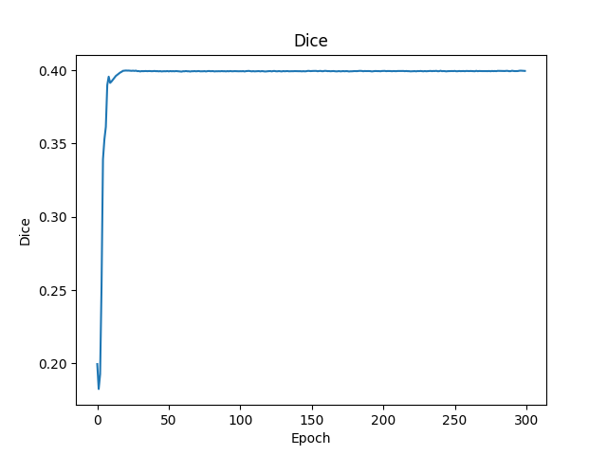

 | union_train（1e-4 multisteplr 50,100,150）
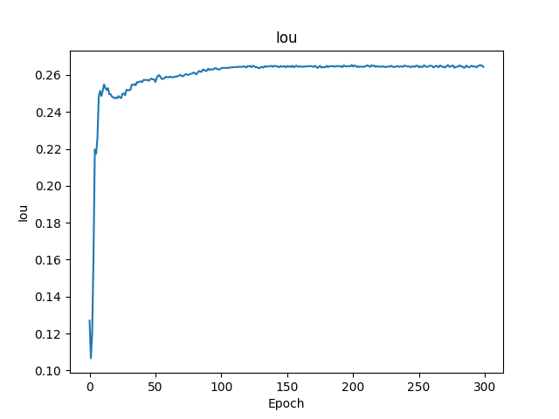
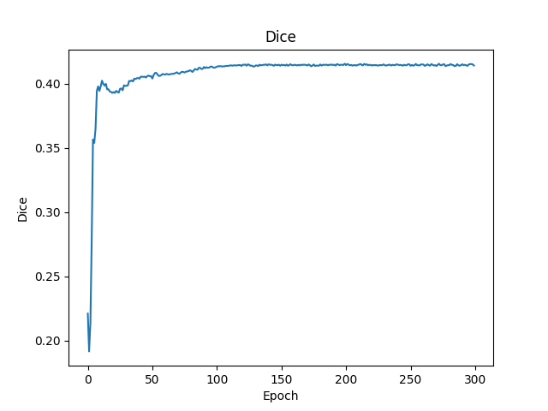
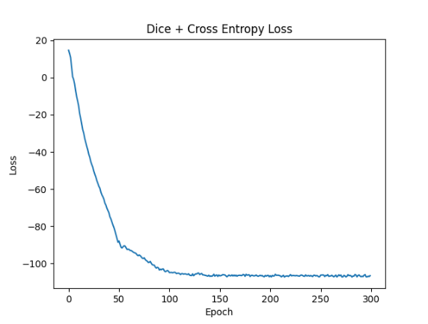
目前最优结果

 |  | mean | IOU 0.26 |  | DICE 0.41

611DRSam
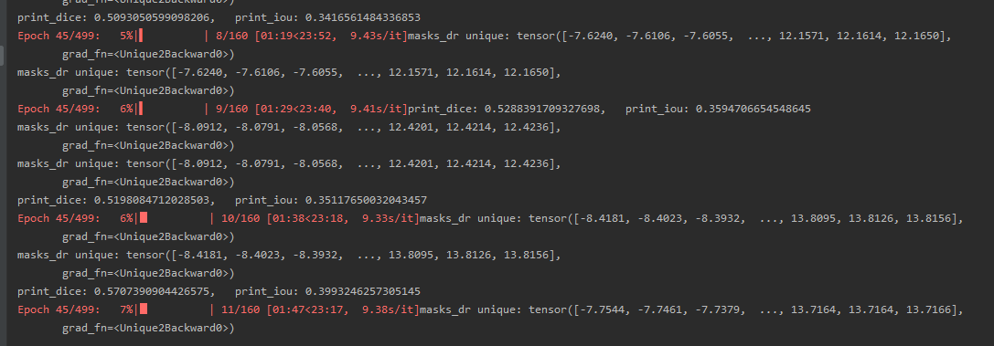

train result | dice | 0.57
 | iou | 0.39

612ASammed3d
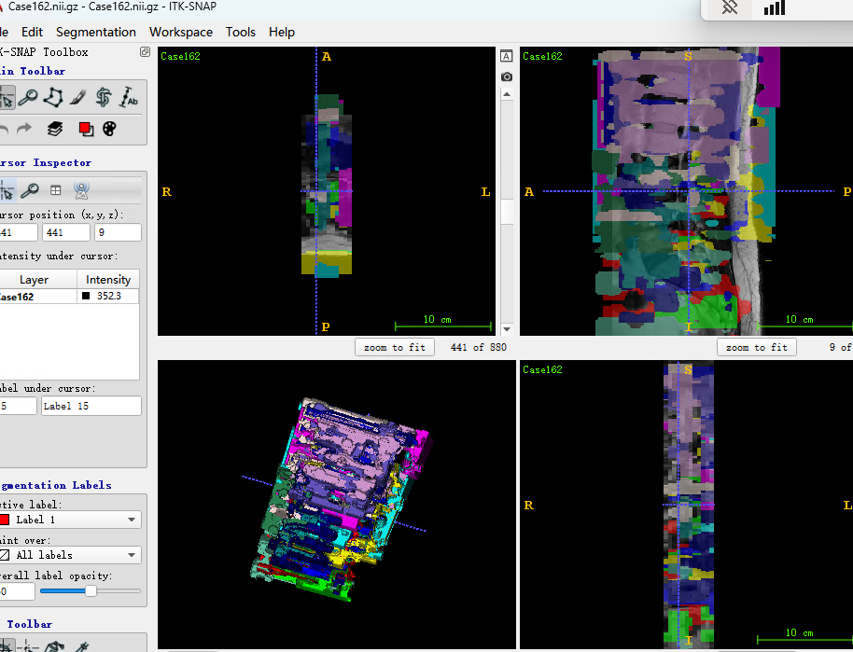
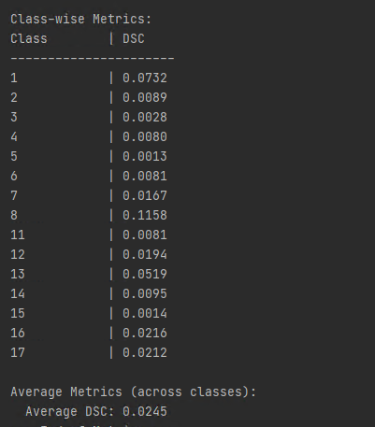
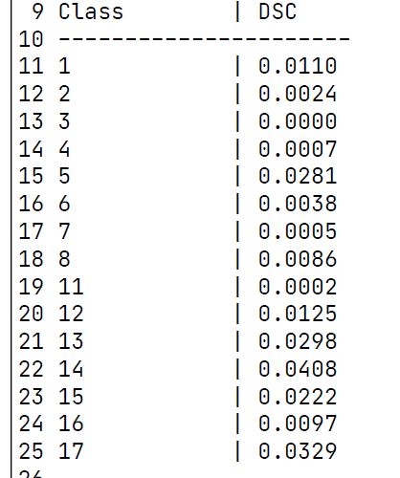
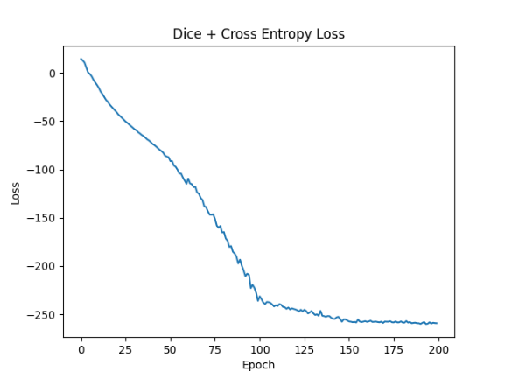
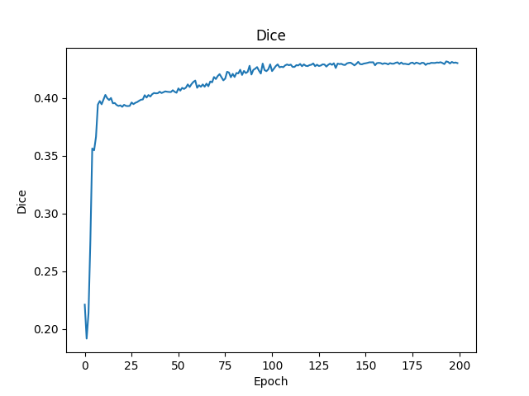
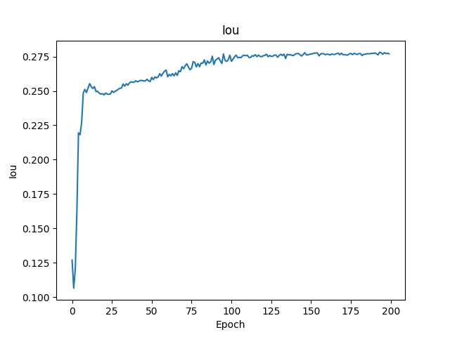

目前较好的参数 | parser.add_argument('--step_size', type=list, default=[100, 150, 200]) |  | EPOCH: 219, Loss: -259.61780655022824
 | parser.add_argument('--gamma', type=float, default=0.1) |  | EPOCH: 219, Dice: 0.4308413836089047
 | parser.add_argument('--num_epochs', type=int, default=1000) |  | EPOCH: 219, Iou: 0.277419900803855
 | parser.add_argument('--img_size', type=int, default=128)
 | parser.add_argument('--batch_size', type=int, default=1)
 | parser.add_argument('--accumulation_steps', type=int, default=10)
 | parser.add_argument('--lr', type=float, default=1e-4)
验证结果却是过拟合，可能的原因 | 1. 原因是训练数据过少导致 | 2.学习率过小
考虑到调参用的少量数据，学习参数分布后用全部数据进行测试。 |  | 调试中解决
以下是利用全部数据训练，拿验证集进行推论的结果
parser.add_argument('--step_size', type=list, default=[100, 150, 200])
parser.add_argument('--gamma', type=float, default=0.1)
parser.add_argument('--num_epochs', type=int, default=1000)
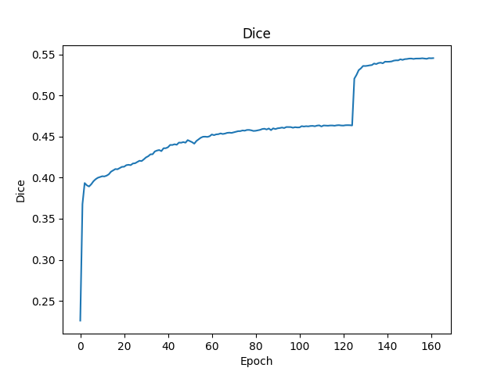
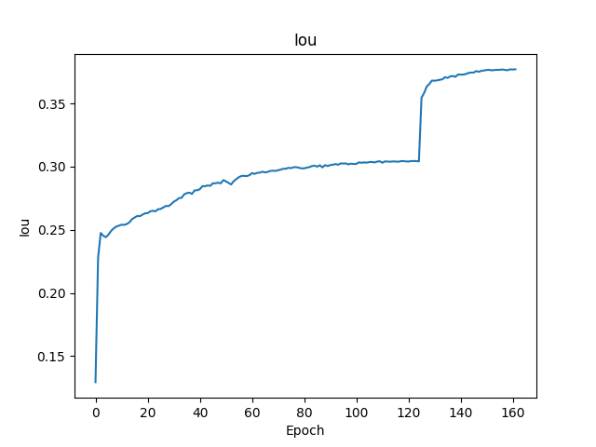
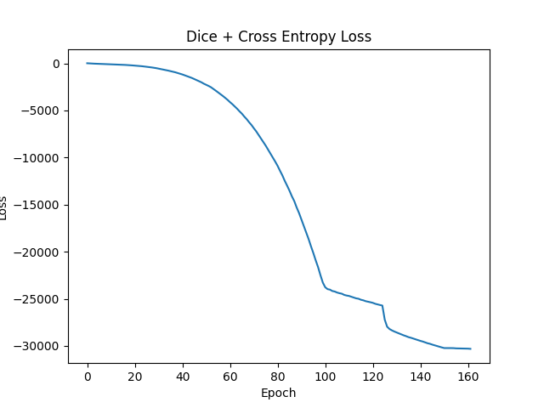

 | DICE突破0.54
 | IOU达到0.37
结果显示仍是过拟合严重，模型效果不佳
 | 推论结果

612DrSAM
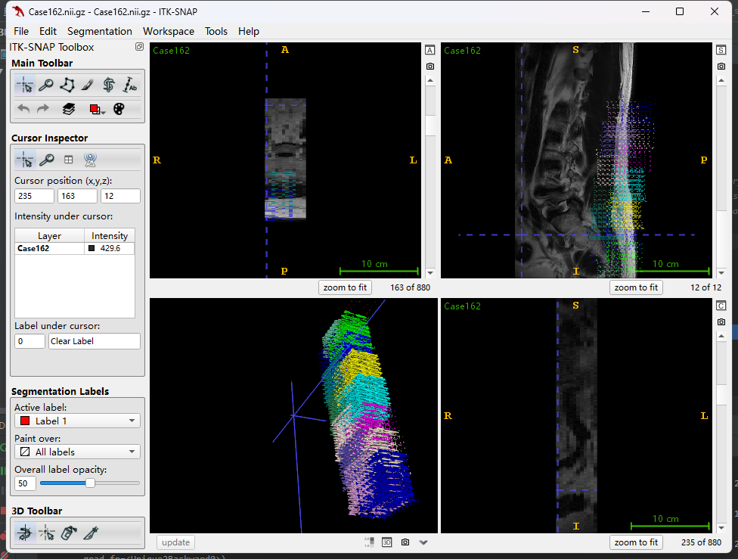
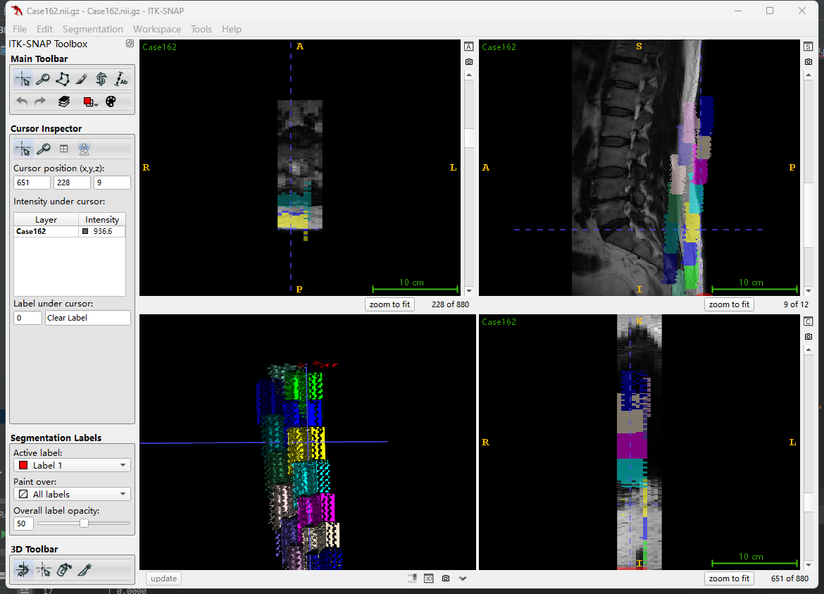
DRSAM训练结果

训练过程中 | mean DICE | 0.59 | mean IOU | 0.42

验证过程中 | mean DICE | 0.61 | mean IOU | 0.44

推论时 指标全0 |  | 需要调整输出格式适应指标计算方式
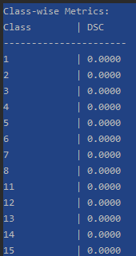

这时输出的标签是下图所示

613SAMmed3d
med3D权重 |  |  | epoch1 |  |  | epoch2 |  | epoch3 | epoch4 |  | epoch5
Class-wise Metrics: |  |  | Class-wise Metrics: |  |  | Class-wise Metrics: |  | Class-wise Metrics: | Class-wise Metrics: |  | Class-wise Metrics:
Class | DSC |  |  | Class | DSC |  |  | Class | DSC |  | Class | DSC | Class | DSC |  | Class | DSC
---------------------- |  |  | ---------------------- |  |  | ---------------------- |  | ---------------------- | ---------------------- |  | ----------------------
1 | 0.3020 |  |  | 1 | 0.3600 |  |  | 1 | 0.4582 |  | 1 | 0.2995 | 1 | 0.1840 |  | 1 | 0.2826
2 | 0.0131 |  |  | 2 | 0.0389 |  |  | 2 | 0.1122 |  | 2 | 0.0572 | 2 | 0.0000 |  | 2 | 0.0010
3 | 0.0003 |  |  | 3 | 0.0003 |  |  | 3 | 0.2655 |  | 3 | 0.2375 | 3 | 0.0000 |  | 3 | 0.0140
4 | 0.0779 |  |  | 4 | 0.1107 |  |  | 4 | 0.0016 |  | 4 | 0.0183 | 4 | 0.0000 |  | 4 | 0.0017
5 | 0.2803 |  |  | 5 | 0.1069 |  |  | 5 | 0.0834 |  | 5 | 0.1132 | 5 | 0.0081 |  | 5 | 0.0019
6 | 0.0320 |  |  | 6 | 0.0334 |  |  | 6 | 0.0382 |  | 6 | 0.0132 | 6 | 0.0027 |  | 6 | 0.0000
7 | 0.1850 |  |  | 7 | 0.1470 |  |  | 7 | 0.0016 |  | 7 | 0.0253 | 7 | 0.0076 |  | 7 | 0.0000
8 | 0.3307 |  |  | 8 | 0.2395 |  |  | 8 | 0.3184 |  | 8 | 0.1299 | 8 | 0.0310 |  | 8 | 0.0008
11 | 0.4263 |  |  | 11 | 0.5584 |  |  | 11 | 0.3600 |  | 11 | 0.3057 | 11 | 0.0010 |  | 11 | 0.0324
12 | 0.2252 |  |  | 12 | 0.2956 |  |  | 12 | 0.2090 |  | 12 | 0.0487 | 12 | 0.0301 |  | 12 | 0.0152
13 | 0.1182 |  |  | 13 | 0.2218 |  |  | 13 | 0.2482 |  | 13 | 0.3072 | 13 | 0.0163 |  | 13 | 0.1021
14 | 0.2078 |  |  | 14 | 0.2671 |  |  | 14 | 0.1436 |  | 14 | 0.0811 | 14 | 0.0621 |  | 14 | 0.0130
15 | 0.0138 |  |  | 15 | 0.1006 |  |  | 15 | 0.2491 |  | 15 | 0.0434 | 15 | 0.0013 |  | 15 | 0.0049
16 | 0.1437 |  |  | 16 | 0.1772 |  |  | 16 | 0.1673 |  | 16 | 0.0088 | 16 | 0.0020 |  | 16 | 0.0000
17 | 0.1951 |  |  | 17 | 0.0977 |  |  | 17 | 0.2508 |  | 17 | 0.0668 | 17 | 0.0202 |  | 17 | 0.0214

Average Metrics (across classes): |  |  | Average Metrics (across classes): |  |  | Average Metrics (across classes): |  | Average Metrics (across classes): | Average Metrics (across classes): |  | Average Metrics (across classes):
Average DSC: 0.1701 |  |  | Average DSC: 0.1837 |  |  | Average DSC: 0.1938 |  | Average DSC: 0.1171 | Average DSC: 0.0244 |  | Average DSC: 0.0327
--- End of Metrics --- |  |  | --- End of Metrics ---

 | DSC
 | Average DSC | 0.1701 | 0.1837 | 0.1938 | 0.1171 | 0.0244 | 0.0327
 | epoch | med3D权重 | epoch1 | epoch2 | epoch3 | epoch4 | epoch5
DSC

 |  |  | Epoch: 1 |  |  |  |  | Epoch: 8 | epoch9 | epoch10
 |  |  | Class-wise Metrics: |  |  |  |  | Class-wise Metrics: | Class-wise Metrics:
 |  |  | Class | DSC |  |  |  |  | Class | DSC | Class | DSC
 |  |  | ---------------------- |  |  |  |  | ---------------------- | ----------------------
 |  |  | 1 | 0.3128 |  |  |  |  | 1 | 0.4380 | 1 | 0.3295
 |  |  | 2 | 0.0154 |  |  |  |  | 2 | 0.0161 | 2 | 0.0248
 |  |  | 3 | 0.0001 |  |  |  |  | 3 | 0.1705 | 3 | 0.0003
 |  |  | 4 | 0.0882 |  |  |  |  | 4 | 0.0043 | 4 | 0.1215
 |  |  | 5 | 0.2775 |  |  |  |  | 5 | 0.0692 | 5 | 0.1467
 |  |  | 6 | 0.0228 |  |  |  |  | 6 | 0.0468 | 6 | 0.0207
 |  |  | 7 | 0.1808 |  |  |  |  | 7 | 0.0682 | 7 | 0.1506
 |  |  | 8 | 0.3213 |  |  |  |  | 8 | 0.3349 | 8 | 0.2707
 |  |  | 11 | 0.4940 |  |  |  |  | 11 | 0.4676 | 11 | 0.5898
 |  |  | 12 | 0.2379 |  |  |  |  | 12 | 0.1891 | 12 | 0.2847
 |  |  | 13 | 0.1374 |  |  |  |  | 13 | 0.2206 | 13 | 0.1919
 |  |  | 14 | 0.2129 |  |  |  |  | 14 | 0.1090 | 14 | 0.2542
 |  |  | 15 | 0.0322 |  |  |  |  | 15 | 0.2824 | 15 | 0.1414
 |  |  | 16 | 0.1553 |  |  |  |  | 16 | 0.1812 | 16 | 0.1756
 |  |  | 17 | 0.1913 |  |  |  |  | 17 | 0.2555 | 17 | 0.1346

 |  |  | Average Metrics (across classes): |  |  |  |  | Average Metrics (across classes): | Average Metrics (across classes):
 |  |  | Average DSC: 0.1787 |  |  |  |  | Average DSC: 0.1902 | Average DSC: 0.1891

614SAMMED3D
parser.add_argument('--step_size', type=list, default=[100, 150, 400])

 |  |  |  | epoch1 |  |  | epoch2 |  |  | epoch3 |  |  | epoch4 |  |  | epoch5 |  |  | epoch6 |  |  | epoch7 |  |  | epoch8 |  |  | epoch9 |  |  | epoch10 |  | epoch11 | epoch12 | epoch13 | epoch14 | epoch15 | epoch16 | epoch17 | epoch18 | epoch19 | epoch20
 | med3D权重 |  |  | Class-wise Metrics: |  |  | Class-wise Metrics: |  |  |  |  |  | Class-wise Metrics: |  |  | Class-wise Metrics: |  |  | Class-wise Metrics: |  |  | Class-wise Metrics: |  |  | Class-wise Metrics: |  |  | Class-wise Metrics: |  |  | Class-wise Metrics: |  | Class-wise Metrics: | Class-wise Metrics: | Class-wise Metrics: | Class-wise Metrics: | Class-wise Metrics: | Class-wise Metrics: | Class-wise Metrics: | Class-wise Metrics: | Class-wise Metrics: | Class-wise Metrics:
 | Class-wise Metrics: |  |  | Class | DSC |  |  | Class | DSC |  |  |  |  |  | Class | DSC |  |  | Class | DSC |  |  | Class | DSC |  |  | Class | DSC |  |  | Class | DSC |  |  | Class | DSC |  |  | Class | DSC |  | Class | DSC | Class | DSC | Class | DSC | Class | DSC | Class | DSC | Class | DSC | Class | DSC | Class | DSC | Class | DSC | Class | DSC
 | Class | DSC |  |  | ---------------------- |  |  | ---------------------- |  |  |  |  |  | ---------------------- |  |  | ---------------------- |  |  | ---------------------- |  |  | ---------------------- |  |  | ---------------------- |  |  | ---------------------- |  |  | ---------------------- |  | ---------------------- | ---------------------- | ---------------------- | ---------------------- | ---------------------- | ---------------------- | ---------------------- | ---------------------- | ---------------------- | ----------------------
 | ---------------------- |  |  | 1 | 0.3093 |  |  | 1 | 0.3132 |  |  |  |  |  | 1 | 0.3185 |  |  | 1 | 0.3213 |  |  | 1 | 0.3223 |  |  | 1 | 0.3230 |  |  | 1 | 0.3227 |  |  | 1 | 0.1953 |  |  | 1 | 0.3223 |  | 1 | 0.3220 | 1 | 0.3217 | 1 | 0.3215 | 1 | 0.3210 | 1 | 0.3203 | 1 | 0.3200 | 1 | 0.3209 | 1 | 0.3200 | 1 | 0.3200 | 1 | 0.3199
 | 1 | 0.3020 |  |  | 2 | 0.0145 |  |  | 2 | 0.0150 |  |  |  |  |  | 2 | 0.0154 |  |  | 2 | 0.0159 |  |  | 2 | 0.0155 |  |  | 2 | 0.0159 |  |  | 2 | 0.0170 |  |  | 2 | 0.1504 |  |  | 2 | 0.0178 |  | 2 | 0.0183 | 2 | 0.0183 | 2 | 0.0188 | 2 | 0.0188 | 2 | 0.0188 | 2 | 0.0185 | 2 | 0.0185 | 2 | 0.0186 | 2 | 0.0189 | 2 | 0.0196
 | 2 | 0.0131 |  |  | 3 | 0.0001 |  |  | 3 | 0.0001 |  |  |  |  |  | 3 | 0.0001 |  |  | 3 | 0.0001 |  |  | 3 | 0.0001 |  |  | 3 | 0.0001 |  |  | 3 | 0.0001 |  |  | 3 | 0.1596 |  |  | 3 | 0.0001 |  | 3 | 0.0001 | 3 | 0.0001 | 3 | 0.0001 | 3 | 0.0002 | 3 | 0.0002 | 3 | 0.0002 | 3 | 0.0002 | 3 | 0.0002 | 3 | 0.0002 | 3 | 0.0002
 | 3 | 0.0003 |  |  | 4 | 0.0810 |  |  | 4 | 0.0901 |  |  |  |  |  | 4 | 0.1022 |  |  | 4 | 0.1083 |  |  | 4 | 0.1105 |  |  | 4 | 0.1149 |  |  | 4 | 0.1148 |  |  | 4 | 0.0214 |  |  | 4 | 0.1125 |  | 4 | 0.1138 | 4 | 0.1151 | 4 | 0.1133 | 4 | 0.1136 | 4 | 0.1143 | 4 | 0.1129 | 4 | 0.1132 | 4 | 0.1120 | 4 | 0.1102 | 4 | 0.1099
 | 4 | 0.0779 |  |  | 5 | 0.2821 |  |  | 5 | 0.2760 |  |  |  |  |  | 5 | 0.2643 |  |  | 5 | 0.2584 |  |  | 5 | 0.2513 |  |  | 5 | 0.2394 |  |  | 5 | 0.2320 |  |  | 5 | 0.1243 |  |  | 5 | 0.2095 |  | 5 | 0.2020 | 5 | 0.1946 | 5 | 0.1917 | 5 | 0.1895 | 5 | 0.1835 | 5 | 0.1826 | 5 | 0.1809 | 5 | 0.1770 | 5 | 0.1743 | 5 | 0.1718
 | 5 | 0.2803 |  |  | 6 | 0.0249 |  |  | 6 | 0.0224 |  |  |  |  |  | 6 | 0.0190 |  |  | 6 | 0.0183 |  |  | 6 | 0.0178 |  |  | 6 | 0.0146 |  |  | 6 | 0.0123 |  |  | 6 | 0.0122 |  |  | 6 | 0.0118 |  | 6 | 0.0110 | 6 | 0.0108 | 6 | 0.0104 | 6 | 0.0107 | 6 | 0.0109 | 6 | 0.0115 | 6 | 0.0118 | 6 | 0.0111 | 6 | 0.0108 | 6 | 0.0106
 | 6 | 0.0320 |  |  | 7 | 0.1810 |  |  | 7 | 0.1798 |  |  |  |  |  | 7 | 0.1771 |  |  | 7 | 0.1748 |  |  | 7 | 0.1731 |  |  | 7 | 0.1703 |  |  | 7 | 0.1678 |  |  | 7 | 0.1146 |  |  | 7 | 0.1619 |  | 7 | 0.1588 | 7 | 0.1566 | 7 | 0.1555 | 7 | 0.1545 | 7 | 0.1536 | 7 | 0.1527 | 7 | 0.1507 | 7 | 0.1488 | 7 | 0.1483 | 7 | 0.1467
 | 7 | 0.1850 |  |  | 8 | 0.3250 |  |  | 8 | 0.3223 |  |  |  |  |  | 8 | 0.3162 |  |  | 8 | 0.3138 |  |  | 8 | 0.3109 |  |  | 8 | 0.3047 |  |  | 8 | 0.3004 |  |  | 8 | 0.1825 |  |  | 8 | 0.2940 |  | 8 | 0.2907 | 8 | 0.2884 | 8 | 0.2871 | 8 | 0.2876 | 8 | 0.2871 | 8 | 0.2863 | 8 | 0.2864 | 8 | 0.2841 | 8 | 0.2838 | 8 | 0.2832
 | 8 | 0.3307 |  |  | 11 | 0.4717 |  |  | 11 | 0.4937 |  |  |  |  |  | 11 | 0.5085 |  |  | 11 | 0.5150 |  |  | 11 | 0.5172 |  |  | 11 | 0.5193 |  |  | 11 | 0.5249 |  |  | 11 | 0.2315 |  |  | 11 | 0.5362 |  | 11 | 0.5392 | 11 | 0.5399 | 11 | 0.5401 | 11 | 0.5414 | 11 | 0.5414 | 11 | 0.5394 | 11 | 0.5374 | 11 | 0.5357 | 11 | 0.5345 | 11 | 0.5312
 | 11 | 0.4263 |  |  | 12 | 0.2369 |  |  | 12 | 0.2377 |  |  |  |  |  | 12 | 0.2407 |  |  | 12 | 0.2449 |  |  | 12 | 0.2496 |  |  | 12 | 0.2491 |  |  | 12 | 0.2517 |  |  | 12 | 0.0134 |  |  | 12 | 0.2536 |  | 12 | 0.2542 | 12 | 0.2549 | 12 | 0.2574 | 12 | 0.2575 | 12 | 0.2582 | 12 | 0.2560 | 12 | 0.2566 | 12 | 0.2558 | 12 | 0.2560 | 12 | 0.2557
 | 12 | 0.2252 |  |  | 13 | 0.1325 |  |  | 13 | 0.1384 |  |  |  |  |  | 13 | 0.1451 |  |  | 13 | 0.1473 |  |  | 13 | 0.1488 |  |  | 13 | 0.1499 |  |  | 13 | 0.1496 |  |  | 13 | 0.4003 |  |  | 13 | 0.1523 |  | 13 | 0.1524 | 13 | 0.1524 | 13 | 0.1528 | 13 | 0.1526 | 13 | 0.1531 | 13 | 0.1531 | 13 | 0.1524 | 13 | 0.1521 | 13 | 0.1521 | 13 | 0.1520
 | 13 | 0.1182 |  |  | 14 | 0.2095 |  |  | 14 | 0.2113 |  |  |  |  |  | 14 | 0.2195 |  |  | 14 | 0.2233 |  |  | 14 | 0.2252 |  |  | 14 | 0.2306 |  |  | 14 | 0.2351 |  |  | 14 | 0.2699 |  |  | 14 | 0.2396 |  | 14 | 0.2406 | 14 | 0.2417 | 14 | 0.2418 | 14 | 0.2426 | 14 | 0.2420 | 14 | 0.2411 | 14 | 0.2412 | 14 | 0.2410 | 14 | 0.2402 | 14 | 0.2391
 | 14 | 0.2078 |  |  | 15 | 0.0327 |  |  | 15 | 0.0379 |  |  |  |  |  | 15 | 0.0577 |  |  | 15 | 0.0621 |  |  | 15 | 0.0701 |  |  | 15 | 0.0858 |  |  | 15 | 0.1014 |  |  | 15 | 0.0499 |  |  | 15 | 0.1254 |  | 15 | 0.1284 | 15 | 0.1367 | 15 | 0.1354 | 15 | 0.1384 | 15 | 0.1405 | 15 | 0.1439 | 15 | 0.1432 | 15 | 0.1407 | 15 | 0.1431 | 15 | 0.1412
 | 15 | 0.0138 |  |  | 16 | 0.1541 |  |  | 16 | 0.1576 |  |  |  |  |  | 16 | 0.1624 |  |  | 16 | 0.1639 |  |  | 16 | 0.1650 |  |  | 16 | 0.1672 |  |  | 16 | 0.1708 |  |  | 16 | 0.1592 |  |  | 16 | 0.1731 |  | 16 | 0.1732 | 16 | 0.1733 | 16 | 0.1731 | 16 | 0.1731 | 16 | 0.1742 | 16 | 0.1743 | 16 | 0.1744 | 16 | 0.1740 | 16 | 0.1738 | 16 | 0.1737
 | 16 | 0.1437 |  |  | 17 | 0.1916 |  |  | 17 | 0.1892 |  |  |  |  |  | 17 | 0.1808 |  |  | 17 | 0.1747 |  |  | 17 | 0.1703 |  |  | 17 | 0.1676 |  |  | 17 | 0.1649 |  |  | 17 | 0.0944 |  |  | 17 | 0.1622 |  | 17 | 0.1601 | 17 | 0.1588 | 17 | 0.1579 | 17 | 0.1573 | 17 | 0.1566 | 17 | 0.1554 | 17 | 0.1527 | 17 | 0.1502 | 17 | 0.1495 | 17 | 0.1483
 | 17 | 0.1951
 |  |  |  | Average Metrics (across classes): |  |  | Average Metrics (across classes): |  |  |  |  |  | Average Metrics (across classes): |  |  | Average Metrics (across classes): |  |  | Average Metrics (across classes): |  |  | Average Metrics (across classes): |  |  | Average Metrics (across classes): |  |  | Average Metrics (across classes): |  |  | Average Metrics (across classes): |  | Average Metrics (across classes): | Average Metrics (across classes): | Average Metrics (across classes): | Average Metrics (across classes): | Average Metrics (across classes): | Average Metrics (across classes): | Average Metrics (across classes): | Average Metrics (across classes): | Average Metrics (across classes): | Average Metrics (across classes):
 | Average Metrics (across classes): |  |  | Average DSC: 0.1765 |  |  | Average DSC: 0.1790 |  |  |  |  |  | Average DSC: 0.1818 |  |  | Average DSC: 0.1828 |  |  | Average DSC: 0.1832 |  |  | Average DSC: 0.1835 |  |  | Average DSC: 0.1844 |  |  | Average DSC: 0.1453 |  |  | Average DSC: 0.1848 |  | Average DSC: 0.1843 | Average DSC: 0.1842 | Average DSC: 0.1838 | Average DSC: 0.1839 | Average DSC: 0.1837 | Average DSC: 0.1832 | Average DSC: 0.1827 | Average DSC: 0.1814 | Average DSC: 0.1811 | Average DSC: 0.1802
 | Average DSC: 0.1701 |  |  | --- End of Metrics --- |  |  |  |  |  |  |  |  |  |  |  |  |  |  |  |  |  |  |  |  |  |  |  |  |  |  | --- End of Metrics --- |  | --- End of Metrics --- |  |  | --- End of Metrics --- | --- End of Metrics --- | --- End of Metrics --- | --- End of Metrics --- | --- End of Metrics --- |  | --- End of Metrics ---
 | --- End of Metrics ---
 |  |  |  | epoch21 |  |  | epoch22 |  |  | epoch23 |  |  | epoch24 |  |  | epoch25 |  |  | epoch26 |  |  | epoch27 |  |  | epoch28 |  |  | epoch29 |  |  | epoch30 |  | epoch31
 |  |  |  | Class-wise Metrics: |  |  | Class-wise Metrics: |  |  | Class-wise Metrics: |  |  | Class-wise Metrics: |  |  | Class-wise Metrics: |  |  | Class-wise Metrics: |  |  | Class-wise Metrics: |  |  | Class-wise Metrics: |  |  | Class-wise Metrics: |  |  | Class-wise Metrics: |  | Class-wise Metrics:
 |  |  |  | Class | DSC |  |  | Class | DSC |  |  | Class | DSC |  |  | Class | DSC |  |  | Class | DSC |  |  | Class | DSC |  |  | Class | DSC |  |  | Class | DSC |  |  | Class | DSC |  |  | Class | DSC |  | Class | DSC
 |  |  |  | ---------------------- |  |  | ---------------------- |  |  | ---------------------- |  |  | ---------------------- |  |  | ---------------------- |  |  | ---------------------- |  |  | ---------------------- |  |  | ---------------------- |  |  | ---------------------- |  |  | ---------------------- |  | ----------------------
 |  |  |  | 1 | 0.3196 |  |  | 1 | 0.3201 |  |  | 1 | 0.3210 |  |  | 1 | 0.3209 |  |  | 1 | 0.3208 |  |  | 1 | 0.3209 |  |  | 1 | 0.3215 |  |  | 1 | 0.3219 |  |  | 1 | 0.3219 |  |  | 1 | 0.3225 |  | 1 | 0.3240
 |  |  |  | 2 | 0.0200 |  |  | 2 | 0.0203 |  |  | 2 | 0.0211 |  |  | 2 | 0.0216 |  |  | 2 | 0.0219 |  |  | 2 +A34 | 0.0219 |  |  | 2 | 0.0221 |  |  | 2 | 0.0226 |  |  | 2 | 0.0226 |  |  | 2 | 0.0229 |  | 2 | 0.0232
 |  |  |  | 3 | 0.0002 |  |  | 3 | 0.0002 |  |  | 3 | 0.0002 |  |  | 3 | 0.0002 |  |  | 3 | 0.0002 |  |  | 3 | 0.0002 |  |  | 3 | 0.0002 |  |  | 3 | 0.0002 |  |  | 3 | 0.0002 |  |  | 3 | 0.0003 |  | 3 | 0.0003
 |  |  |  | 4 | 0.1082 |  |  | 4 | 0.1083 |  |  | 4 | 0.1074 |  |  | 4 | 0.1070 |  |  | 4 | 0.1058 |  |  | 4 | 0.1051 |  |  | 4 | 0.1041 |  |  | 4 | 0.1036 |  |  | 4 | 0.1036 |  |  | 4 | 0.1031 |  | 4 | 0.1033
 |  |  |  | 5 | 0.1697 |  |  | 5 | 0.1690 |  |  | 5 | 0.1643 |  |  | 5 | 0.1639 |  |  | 5 | 0.1619 |  |  | 5 | 0.1592 |  |  | 5 | 0.1575 |  |  | 5 | 0.1542 |  |  | 5 | 0.1542 |  |  | 5 | 0.1535 |  | 5 | 0.1530
 |  |  |  | 6 | 0.0106 |  |  | 6 | 0.0104 |  |  | 6 | 0.0109 |  |  | 6 | 0.0107 |  |  | 6 | 0.0107 |  |  | 6 | 0.0112 |  |  | 6 | 0.0120 |  |  | 6 | 0.0120 |  |  | 6 | 0.0120 |  |  | 6 | 0.0130 |  | 6 | 0.0139
 |  |  |  | 7 | 0.1453 |  |  | 7 | 0.1442 |  |  | 7 | 0.1407 |  |  | 7 | 0.1393 |  |  | 7 | 0.1389 |  |  | 7 | 0.1382 |  |  | 7 | 0.1376 |  |  | 7 | 0.1361 |  |  | 7 | 0.1361 |  |  | 7 | 0.1353 |  | 7 | 0.1342
 |  |  |  | 8 | 0.2843 |  |  | 8 | 0.2842 |  |  | 8 | 0.2859 |  |  | 8 | 0.2860 |  |  | 8 | 0.2870 |  |  | 8 | 0.2868 |  |  | 8 | 0.2868 |  |  | 8 | 0.2842 |  |  | 8 | 0.2842 |  |  | 8 | 0.2846 |  | 8 | 0.2835
 |  |  |  | 11 | 0.5290 |  |  | 11 | 0.5260 |  |  | 11 | 0.5156 |  |  | 11 | 0.5109 |  |  | 11 | 0.5089 |  |  | 11 | 0.5100 |  |  | 11 | 0.5088 |  |  | 11 | 0.5049 |  |  | 11 | 0.5049 |  |  | 11 | 0.5029 |  | 11 | 0.4991
 |  |  |  | 12 | 0.2556 |  |  | 12 | 0.2564 |  |  | 12 | 0.2573 |  |  | 12 | 0.2558 |  |  | 12 | 0.2550 |  |  | 12 | 0.2552 |  |  | 12 | 0.2546 |  |  | 12 | 0.2519 |  |  | 12 | 0.2519 |  |  | 12 | 0.2517 |  | 12 | 0.2547
 |  |  |  | 13 | 0.1515 |  |  | 13 | 0.1519 |  |  | 13 | 0.1477 |  |  | 13 | 0.1464 |  |  | 13 | 0.1466 |  |  | 13 | 0.1472 |  |  | 13 | 0.1474 |  |  | 13 | 0.1472 |  |  | 13 | 0.1472 |  |  | 13 | 0.1466 |  | 13 | 0.1462
 |  |  |  | 14 | 0.2372 |  |  | 14 | 0.2366 |  |  | 14 | 0.2321 |  |  | 14 | 0.2313 |  |  | 14 | 0.2317 |  |  | 14 | 0.2312 |  |  | 14 | 0.2321 |  |  | 14 | 0.2329 |  |  | 14 | 0.2329 |  |  | 14 | 0.2342 |  | 14 | 0.2352
 |  |  |  | 15 | 0.1429 |  |  | 15 | 0.1447 |  |  | 15 | 0.1378 |  |  | 15 | 0.1383 |  |  | 15 | 0.1368 |  |  | 15 | 0.1386 |  |  | 15 | 0.1390 |  |  | 15 | 0.1375 |  |  | 15 | 0.1375 |  |  | 15 | 0.1378 |  | 15 | 0.1371
 |  |  |  | 16 | 0.1729 |  |  | 16 | 0.1724 |  |  | 16 | 0.1717 |  |  | 16 | 0.1714 |  |  | 16 | 0.1714 |  |  | 16 | 0.1709 |  |  | 16 | 0.1699 |  |  | 16 | 0.1685 |  |  | 16 | 0.1685 |  |  | 16 | 0.1680 |  | 16 | 0.1675
 |  |  |  | 17 | 0.1471 |  |  | 17 | 0.1460 |  |  | 17 | 0.1411 |  |  | 17 | 0.1400 |  |  | 17 | 0.1395 |  |  | 17 | 0.1388 |  |  | 17 | 0.1384 |  |  | 17 | 0.1372 |  |  | 17 | 0.1372 |  |  | 17 | 0.1363 |  | 17 | 0.1351

 |  |  |  | Average Metrics (across classes): |  |  | Average Metrics (across classes): |  |  | Average Metrics (across classes): |  |  | Average Metrics (across classes): |  |  | Average Metrics (across classes): |  |  | Average Metrics (across classes): |  |  | Average Metrics (across classes): |  |  | Average Metrics (across classes): |  |  | Average Metrics (across classes): |  |  | Average Metrics (across classes): |  | Average Metrics (across classes):
 |  |  |  | Average DSC: 0.1796 |  |  | Average DSC: 0.1794 |  |  | Average DSC: 0.1770 |  |  | Average DSC: 0.1762 |  |  | Average DSC: 0.1758 |  |  | Average DSC: 0.1757 |  |  | Average DSC: 0.1755 |  |  | Average DSC: 0.1743 |  |  | Average DSC: 0.1743 |  |  | Average DSC: 0.1742 |  | Average DSC: 0.1740
 |  |  |  | --- End of Metrics --- |  |  | --- End of Metrics --- |  |  | --- End of Metrics --- |  |  | --- End of Metrics --- |  |  | --- End of Metrics --- |  |  | --- End of Metrics --- |  |  | --- End of Metrics --- |  |  | --- End of Metrics --- |  |  | --- End of Metrics --- |  |  | --- End of Metrics ---

 |  | epoch1 | epoch2 | epoch3 | epoch4 | epoch5 | epoch6 | epoch7 | epoch8 | epoch9 | epoch10 | epoch11 | epoch12 | epoch13 | epoch14 | epoch15 | epoch16 | epoch17 | epoch18 | epoch19 | epoch20 | epoch21 | epoch22 | epoch23 | epoch24 | epoch25 | epoch26 | epoch27 | epoch28 | epoch29 | epoch30 | epoch31
 |  | 0.1765 | 0.179 | 0.179 | 0.1818 | 0.1828 | 0.1832 | 0.1835 | 0.1844 | 0.1453 | 0.1848 | 0.1843 | 0.1842 | 0.1838 | 0.1839 | 0.1837 | 0.1832 | 0.1827 | 0.1814 | 0.1811 | 0.1802 | 0.1796 | 0.1794 | 0.177 | 0.1762 | 0.1758 | 0.1757 | 0.1755 | 0.1743 | 0.1743 | 0.1742 | 0.174

 |  |  |  |  |  |  |  |  | parser.add_argument('--lr_scheduler', type=str, default='multisteplr')
 |  |  |  |  |  |  |  |  | parser.add_argument('--step_size', type=list, default=[100, 150, 400])
 |  |  |  |  |  |  |  |  | parser.add_argument('--gamma', type=float, default=0.1)
 |  |  |  |  |  |  |  |  | parser.add_argument('--num_epochs', type=int, default=1000)
 |  |  |  |  |  |  |  |  | parser.add_argument('--img_size', type=int, default=128)
 |  |  |  |  |  |  |  |  | parser.add_argument('--batch_size', type=int, default=1)
 |  |  |  |  |  |  |  |  | parser.add_argument('--accumulation_steps', type=int, default=10)
 |  |  |  |  |  |  |  |  | parser.add_argument('--lr', type=float, default=1e-6)
 |  |  |  |  |  |  |  |  | parser.add_argument('--weight_decay', type=float, default=0.1)
 |  |  |  |  |  |  |  |  | parser.add_argument('--port', type=int, default=12361)

 |  |  |  |  |  |  |  |  |  |  |  |  |  | 验证精度
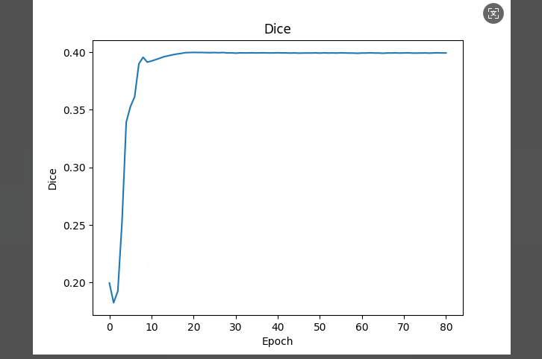

 |  | epoch1 |  | 10 |  |  | 20 |  | 30 |  | 40
 |  | Class-wise Metrics: |  | Class-wise Metrics: |  |  | Class-wise Metrics: |  | Class-wise Metrics: |  | Class-wise Metrics:
 |  | Class | DSC |  | Class | DSC |  |  | Class | DSC |  | Class | DSC |  | Class | DSC
 |  | ---------------------- |  | ---------------------- |  |  | ---------------------- |  | ---------------------- |  | ----------------------
 |  | 1 | 0.3127 |  | 1 | 0.3296 |  |  | 1 | 0.3288 |  | 1 | 0.3301 |  | 1 | 0.3384
 |  | 2 | 0.0154 |  | 2 | 0.0203 |  |  | 2 | 0.0220 |  | 2 | 0.0268 |  | 2 | 0.0562
 |  | 3 | 0.0001 |  | 3 | 0.0001 |  |  | 3 | 0.0002 |  | 3 | 0.0002 |  | 3 | 0.0003
 |  | 4 | 0.0882 |  | 4 | 0.1247 |  |  | 4 | 0.1205 |  | 4 | 0.0955 |  | 4 | 0.0664
 |  | 5 | 0.2783 |  | 5 | 0.1831 |  |  | 5 | 0.1529 |  | 5 | 0.1156 |  | 5 | 0.0846
 |  | 6 | 0.0233 |  | 6 | 0.0176 |  |  | 6 | 0.0251 |  | 6 | 0.0459 |  | 6 | 0.0529
 |  | 7 | 0.1801 |  | 7 | 0.1598 |  |  | 7 | 0.1523 |  | 7 | 0.1508 |  | 7 | 0.1283
 |  | 8 | 0.3226 |  | 8 | 0.2815 |  |  | 8 | 0.2901 |  | 8 | 0.2896 |  | 8 | 0.3155
 |  | 11 | 0.4914 |  | 11 | 0.5608 |  |  | 11 | 0.5594 |  | 11 | 0.5366 |  | 11 | 0.4466
 |  | 12 | 0.2372 |  | 12 | 0.2716 |  |  | 12 | 0.2816 |  | 12 | 0.2739 |  | 12 | 0.2373
 |  | 13 | 0.1374 |  | 13 | 0.1741 |  |  | 13 | 0.1970 |  | 13 | 0.2337 |  | 13 | 0.2545
 |  | 14 | 0.2129 |  | 14 | 0.2541 |  |  | 14 | 0.2628 |  | 14 | 0.2752 |  | 14 | 0.2624
 |  | 15 | 0.0333 |  | 15 | 0.1387 |  |  | 15 | 0.1377 |  | 15 | 0.1120 |  | 15 | 0.0751
 |  | 16 | 0.1560 |  | 16 | 0.1757 |  |  | 16 | 0.1714 |  | 16 | 0.1708 |  | 16 | 0.1597
 |  | 17 | 0.1908 |  | 17 | 0.1502 |  |  | 17 | 0.1339 |  | 17 | 0.1098 |  | 17 | 0.0848

 |  | Average Metrics (across classes): |  | Average Metrics (across classes): |  |  | Average Metrics (across classes): |  | Average Metrics (across classes): |  | Average Metrics (across classes):
 |  | Average DSC: 0.1786 |  | Average DSC: 0.1895 |  |  | Average DSC: 0.1890 |  | Average DSC: 0.1844 |  | Average DSC: 0.1709
 |  |  |  | --- End of Metrics --- |  |  | --- End of Metrics --- |  | --- End of Metrics --- |  | --- End of Metrics ---

 |  |  |  |  |  |  |  |  |  |  |  |  |  | 推论精度
 |  | Class-wise Metrics: |  |  |  |  |  |  |  |  |  |  |  | epoch1 | epoch10 | epoch20 | epoch30 | epoch40
 |  | Class | DSC |  |  |  |  |  |  |  |  |  |  |  | 0.1786 | 0.1895 | 0.189 | 0.1844 | 0.1709
 |  | ----------------------
 |  | 1 | 0.3389
 |  | 2 | 0.0781
 |  | 3 | 0.0003
 |  | 4 | 0.0559
 |  | 5 | 0.0713
 |  | 6 | 0.0523
 |  | 7 | 0.1156
 |  | 8 | 0.3542
 |  | 11 | 0.3530
 |  | 12 | 0.2085
 |  | 13 | 0.2501
 |  | 14 | 0.2523
 |  | 15 | 0.0662
 |  | 16 | 0.1434
 |  | 17 | 0.0741

 |  | Average Metrics (across classes):
 |  | Average DSC: 0.1610
 |  | --- End of Metrics ---

 |  | latest |  |  | lossbest |  |  | dicebest |  |  | parser.add_argument('--lr_scheduler', type=str, default='multisteplr')
 |  | Class-wise Metrics: |  |  | Class-wise Metrics: |  |  | Class-wise Metrics: |  |  | parser.add_argument('--step_size', type=list, default=[100, 150, 400])
 |  | Class | DSC |  |  | Class | DSC |  |  | Class | DSC |  |  | parser.add_argument('--gamma', type=float, default=0.1)
 |  | ---------------------- |  |  | ---------------------- |  |  | ---------------------- |  |  | parser.add_argument('--num_epochs', type=int, default=1000)
 |  | 1 | 0.3258 |  |  | 1 | 0.3326 |  |  | 1 | 0.3127 |  |  | parser.add_argument('--img_size', type=int, default=128)
 |  | 2 | 0.1590 |  |  | 2 | 0.0200 |  |  | 2 | 0.0154 |  |  | parser.add_argument('--batch_size', type=int, default=1)
 |  | 3 | 0.0085 |  |  | 3 | 0.0001 |  |  | 3 | 0.0001 |  |  | parser.add_argument('--accumulation_steps', type=int, default=40)
 |  | 4 | 0.0358 |  |  | 4 | 0.1216 |  |  | 4 | 0.0882 |  |  | parser.add_argument('--lr', type=float, default=5e-6)
 |  | 5 | 0.0704 |  |  | 5 | 0.1963 |  |  | 5 | 0.2783
 |  | 6 | 0.0679 |  |  | 6 | 0.0173 |  |  | 6 | 0.0233
 |  | 7 | 0.1033 |  |  | 7 | 0.1633 |  |  | 7 | 0.1801
 |  | 8 | 0.2980 |  |  | 8 | 0.2876 |  |  | 8 | 0.3226
 |  | 11 | 0.1170 |  |  | 11 | 0.5503 |  |  | 11 | 0.4914
 |  | 12 | 0.1585 |  |  | 12 | 0.2687 |  |  | 12 | 0.2372
 |  | 13 | 0.2129 |  |  | 13 | 0.1702 |  |  | 13 | 0.1374
 |  | 14 | 0.2020 |  |  | 14 | 0.2524 |  |  | 14 | 0.2129
 |  | 15 | 0.0484 |  |  | 15 | 0.1194 |  |  | 15 | 0.0333
 |  | 16 | 0.0265 |  |  | 16 | 0.1741 |  |  | 16 | 0.1560
 |  | 17 | 0.0421 |  |  | 17 | 0.1519 |  |  | 17 | 0.1908

 |  | Average Metrics (across classes): |  |  | Average Metrics (across classes): |  |  | Average Metrics (across classes):
 |  | Average DSC: 0.1251 |  |  | Average DSC: 0.1884 |  |  | Average DSC: 0.1786
 |  | --- End of Metrics --- |  |  |  |  |  | --- End of Metrics ---

 |  | Process finished with exit code 0

0616Drsam
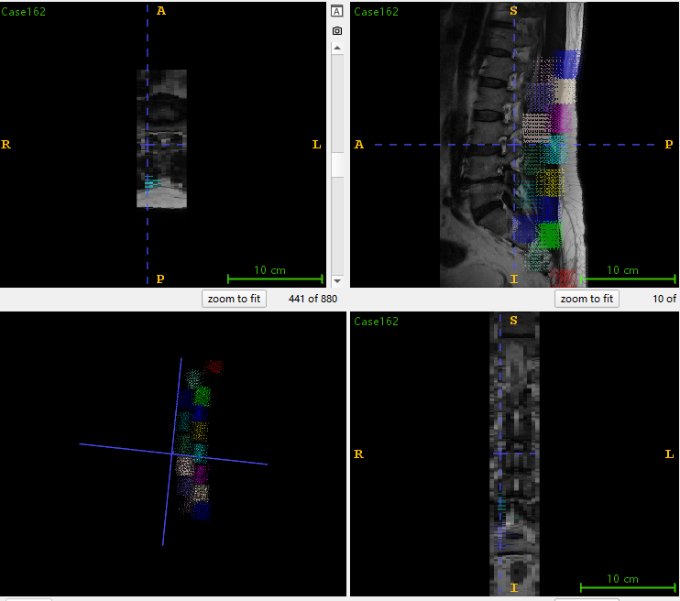
Drsam结果

0616Med3D推论阶段
 |  |  |  |  |  |  |  |  |  |  |  |  |  |  |  |  |  |  |  |  |  |  |  |  |  | epoch10
epoch1 |  | epoch2 |  |  | epoch3 |  |  | epoch4 |  |  | epoch5 |  |  | epoch6 |  |  | epoch7 |  |  | epoch8 |  |  | epoch9
Class-wise Metrics: |  | Class-wise Metrics: |  |  | Class-wise Metrics: |  |  | Class-wise Metrics: |  |  | Class-wise Metrics: |  |  | Class-wise Metrics:
Class | DSC |  | Class | DSC |  |  | Class | DSC |  |  | Class | DSC |  |  | Class | DSC |  |  | Class | DSC
---------------------- |  | ---------------------- |  |  | ---------------------- |  |  | ---------------------- |  |  | ---------------------- |  |  | ----------------------
1 | 0.3028 |  | 1 | 0.3034 |  |  | 1 | 0.3037 |  |  | 1 | 0.3044 |  |  | 1 | 0.3053 |  |  | 1 | 0.3059
2 | 0.0127 |  | 2 | 0.0127 |  |  | 2 | 0.0131 |  |  | 2 | 0.0137 |  |  | 2 | 0.0137 |  |  | 2 | 0.0141
3 | 0.0001 |  | 3 | 0.0001 |  |  | 3 | 0.0001 |  |  | 3 | 0.0001 |  |  | 3 | 0.0001 |  |  | 3 | 0.0001
4 | 0.0773 |  | 4 | 0.0772 |  |  | 4 | 0.0777 |  |  | 4 | 0.0779 |  |  | 4 | 0.0786 |  |  | 4 | 0.0793
5 | 0.2801 |  | 5 | 0.2807 |  |  | 5 | 0.2815 |  |  | 5 | 0.2826 |  |  | 5 | 0.2833 |  |  | 5 | 0.2841
6 | 0.0314 |  | 6 | 0.0304 |  |  | 6 | 0.0305 |  |  | 6 | 0.0290 |  |  | 6 | 0.0288 |  |  | 6 | 0.0286
7 | 0.1847 |  | 7 | 0.1844 |  |  | 7 | 0.1843 |  |  | 7 | 0.1838 |  |  | 7 | 0.1837 |  |  | 7 | 0.1836
8 | 0.3295 |  | 8 | 0.3287 |  |  | 8 | 0.3280 |  |  | 8 | 0.3280 |  |  | 8 | 0.3278 |  |  | 8 | 0.3274
11 | 0.4297 |  | 11 | 0.4325 |  |  | 11 | 0.4350 |  |  | 11 | 0.4399 |  |  | 11 | 0.4421 |  |  | 11 | 0.4460
12 | 0.2256 |  | 12 | 0.2266 |  |  | 12 | 0.2274 |  |  | 12 | 0.2283 |  |  | 12 | 0.2284 |  |  | 12 | 0.2289
13 | 0.1190 |  | 13 | 0.1203 |  |  | 13 | 0.1207 |  |  | 13 | 0.1220 |  |  | 13 | 0.1235 |  |  | 13 | 0.1253
14 | 0.2095 |  | 14 | 0.2092 |  |  | 14 | 0.2090 |  |  | 14 | 0.2107 |  |  | 14 | 0.2105 |  |  | 14 | 0.2110
15 | 0.0148 |  | 15 | 0.0162 |  |  | 15 | 0.0161 |  |  | 15 | 0.0174 |  |  | 15 | 0.0174 |  |  | 15 | 0.0174
16 | 0.1439 |  | 16 | 0.1454 |  |  | 16 | 0.1468 |  |  | 16 | 0.1480 |  |  | 16 | 0.1486 |  |  | 16 | 0.1490
17 | 0.1949 |  | 17 | 0.1945 |  |  | 17 | 0.1946 |  |  | 17 | 0.1942 |  |  | 17 | 0.1945 |  |  | 17 | 0.1945

Average Metrics (across classes): |  | Average Metrics (across classes): |  |  | Average Metrics (across classes): |  |  | Average Metrics (across classes): |  |  | Average Metrics (across classes): |  |  | Average Metrics (across classes):
Average DSC: 0.1704 |  | Average DSC: 0.1708 |  |  | Average DSC: 0.1712 |  |  | Average DSC: 0.1720 |  |  | Average DSC: 0.1724 |  |  | Average DSC: 0.1730
--- End of Metrics --- |  |  |  |  | --- End of Metrics ---

epoch1 |  | epoch5 |  |  | epoch10 |  |  | epoch15 |  |  | epoch20 |  |  | epoch25 |  |  | epoch30 |  |  | epoch35 |  |  | epoch40
Class-wise Metrics: |  | Class-wise Metrics: |  |  | Class-wise Metrics: |  |  | Class-wise Metrics: |  |  | Class-wise Metrics: |  |  | Class-wise Metrics: |  |  | Class-wise Metrics: |  |  | Class-wise Metrics: |  |  | Class-wise Metrics:
Class | DSC |  | Class | DSC |  |  | Class | DSC |  |  | Class | DSC |  |  | Class | DSC |  |  | Class | DSC |  |  | Class | DSC |  |  | Class | DSC |  |  | Class | DSC
---------------------- |  | ---------------------- |  |  | ---------------------- |  |  | ---------------------- |  |  | ---------------------- |  |  | ---------------------- |  |  | ---------------------- |  |  | ---------------------- |  |  | ----------------------
1 | 0.3028 |  | 1 | 0.3051 |  |  | 1 | 0.3075 |  |  | 1 | 0.3101 |  |  | 1 | 0.3127 |  |  | 1 | 0.3152 |  |  | 1 | 0.3175 |  |  | 1 | 0.3190 |  |  | 1 | 0.3201
2 | 0.0127 |  | 2 | 0.0137 |  |  | 2 | 0.0142 |  |  | 2 | 0.0148 |  |  | 2 | 0.0154 |  |  | 2 | 0.0158 |  |  | 2 | 0.0158 |  |  | 2 | 0.0158 |  |  | 2 | 0.0159
3 | 0.0001 |  | 3 | 0.0001 |  |  | 3 | 0.0001 |  |  | 3 | 0.0001 |  |  | 3 | 0.0001 |  |  | 3 | 0.0001 |  |  | 3 | 0.0001 |  |  | 3 | 0.0001 |  |  | 3 | 0.0001
4 | 0.0773 |  | 4 | 0.0787 |  |  | 4 | 0.0812 |  |  | 4 | 0.0826 |  |  | 4 | 0.0890 |  |  | 4 | 0.0947 |  |  | 4 | 0.0994 |  |  | 4 | 0.1043 |  |  | 4 | 0.1059
5 | 0.2801 |  | 5 | 0.2833 |  |  | 5 | 0.2833 |  |  | 5 | 0.2816 |  |  | 5 | 0.2798 |  |  | 5 | 0.2752 |  |  | 5 | 0.2740 |  |  | 5 | 0.2704 |  |  | 5 | 0.2671
6 | 0.0314 |  | 6 | 0.0291 |  |  | 6 | 0.0264 |  |  | 6 | 0.0246 |  |  | 6 | 0.0241 |  |  | 6 | 0.0217 |  |  | 6 | 0.0214 |  |  | 6 | 0.0207 |  |  | 6 | 0.0195
7 | 0.1847 |  | 7 | 0.1838 |  |  | 7 | 0.1833 |  |  | 7 | 0.1813 |  |  | 7 | 0.1800 |  |  | 7 | 0.1794 |  |  | 7 | 0.1790 |  |  | 7 | 0.1777 |  |  | 7 | 0.1763
8 | 0.3290 |  | 8 | 0.3273 |  |  | 8 | 0.3274 |  |  | 8 | 0.3259 |  |  | 8 | 0.3229 |  |  | 8 | 0.3216 |  |  | 8 | 0.3204 |  |  | 8 | 0.3175 |  |  | 8 | 0.3159
11 +B62+B39:AA39+B39:B39:AA39 |  | 11 | 0.4421 |  |  | 11 | 0.4542 |  |  | 11 | 0.4722 |  |  | 11 | 0.4845 |  |  | 11 | 0.4938 |  |  | 11 | 0.5000 |  |  | 11 | 0.5012 |  |  | 11 | 0.5038
12 | 0.2256 |  | 12 | 0.2285 |  |  | 12 | 0.2338 |  |  | 12 | 0.2367 |  |  | 12 | 0.2375 |  |  | 12 | 0.2398 |  |  | 12 | 0.2398 |  |  | 12 | 0.2418 |  |  | 12 | 0.2432
13 | 0.1190 |  | 13 | 0.1232 |  |  | 13 | 0.1289 |  |  | 13 | 0.1342 |  |  | 13 | 0.1375 |  |  | 13 | 0.1403 |  |  | 13 | 0.1427 |  |  | 13 | 0.1458 |  |  | 13 | 0.1480
14 | 0.2095 |  | 14 | 0.2106 |  |  | 14 | 0.2135 |  |  | 14 | 0.2123 |  |  | 14 | 0.2130 |  |  | 14 | 0.2181 |  |  | 14 | 0.2176 |  |  | 14 | 0.2204 |  |  | 14 | 0.2232
15 | 0.0148 |  | 15 | 0.0174 |  |  | 15 | 0.0170 |  |  | 15 | 0.0340 |  |  | 15 | 0.0354 |  |  | 15 | 0.0375 |  |  | 15 | 0.0414 |  |  | 15 | 0.0506 |  |  | 15 | 0.0563
16 | 0.1439 |  | 16 | 0.1486 |  |  | 16 | 0.1509 |  |  | 16 | 0.1547 |  |  | 16 | 0.1566 |  |  | 16 | 0.1599 |  |  | 16 | 0.1618 |  |  | 16 | 0.1632 |  |  | 16 | 0.1634
17 | 0.1950 |  | 17 | 0.1948 |  |  | 17 | 0.1938 |  |  | 17 | 0.1924 |  |  | 17 | 0.1903 |  |  | 17 | 0.1885 |  |  | 17 | 0.1856 |  |  | 17 | 0.1831 |  |  | 17 | 0.1802

Average Metrics (across classes): |  | Average Metrics (across classes): |  |  | Average Metrics (across classes): |  |  | Average Metrics (across classes): |  |  | Average Metrics (across classes): |  |  | Average Metrics (across classes): |  |  | Average Metrics (across classes): |  |  | Average Metrics (across classes): |  |  | Average Metrics (across classes):
Average DSC: 0.1704 |  | Average DSC: 0.1724 |  |  | Average DSC: 0.1744 |  |  | Average DSC: 0.1772 |  |  | Average DSC: 0.1786 |  |  | Average DSC: 0.1801 |  |  | Average DSC: 0.1811 |  |  | Average DSC: 0.1821 |  |  | Average DSC: 0.1826

epoch45 |  | epoch50 |  |  | epoch55 |  |  | epoch60 |  |  | epoch65 |  |  | epoch70 |  |  | epoch75 |  |  | epoch80 |  |  | epoch85
Class-wise Metrics: |  | Class-wise Metrics: |  |  | Class-wise Metrics: |  |  | Class-wise Metrics: |  |  | Class-wise Metrics: |  |  | Class-wise Metrics: |  |  | Class-wise Metrics: |  |  | Class-wise Metrics: |  |  | Class-wise Metrics:
Class | DSC |  | Class | DSC |  |  | Class | DSC |  |  | Class | DSC |  |  | Class | DSC |  |  | Class | DSC |  |  | Class | DSC |  |  | Class | DSC |  |  | Class | DSC |  |  | 1 | 0.3224
---------------------- |  | ---------------------- |  |  | ---------------------- |  |  | ---------------------- |  |  | ---------------------- |  |  | ---------------------- |  |  | ---------------------- |  |  | ---------------------- |  |  | ---------------------- |  |  | 2 | 0.0173
1 | 0.3217 |  | 1 | 0.3229 |  |  | 1 | 0.3236 |  |  | 1 | 0.3236 |  |  | 1 | 0.3239 |  |  | 1 | 0.3238 |  |  | 1 | 0.3233 |  |  | 1 | 0.3224 |  |  | 1 | 0.3212 |  |  | 3 | 0.0001
2 | 0.0159 |  | 2 | 0.0155 |  |  | 2 | 0.0159 |  |  | 2 | 0.0158 |  |  | 2 | 0.0160 |  |  | 2 | 0.0164 |  |  | 2 | 0.0170 |  |  | 2 | 0.0173 |  |  | 2 | 0.0176 |  |  | 4 | 0.1173
3 | 0.0001 |  | 3 | 0.0001 |  |  | 3 | 0.0001 |  |  | 3 | 0.0001 |  |  | 3 | 0.0001 |  |  | 3 | 0.0001 |  |  | 3 | 0.0001 |  |  | 3 | 0.0001 |  |  | 3 | 0.0001 |  |  | 5 | 0.2262
4 | 0.1120 |  | 4 | 0.1132 |  |  | 4 | 0.1156 |  |  | 4 | 0.1168 |  |  | 4 | 0.1183 |  |  | 4 | 0.1187 |  |  | 4 | 0.1199 |  |  | 4 | 0.1173 |  |  | 4 | 0.1154 |  |  | 6 | 0.0138
5 | 0.2638 |  | 5 | 0.2594 |  |  | 5 | 0.2504 |  |  | 5 | 0.2470 |  |  | 5 | 0.2408 |  |  | 5 | 0.2370 |  |  | 5 | 0.2314 |  |  | 5 | 0.2262 |  |  | 5 | 0.2213 |  |  | 7 | 0.1655
6 | 0.0193 |  | 6 | 0.0193 |  |  | 6 | 0.0171 |  |  | 6 | 0.0155 |  |  | 6 | 0.0151 |  |  | 6 | 0.0130 |  |  | 6 | 0.0131 |  |  | 6 | 0.0138 |  |  | 6 | 0.0140 |  |  | 8 | 0.2935
7 | 0.1756 |  | 7 | 0.1741 |  |  | 7 | 0.1726 |  |  | 7 | 0.1713 |  |  | 7 | 0.1696 |  |  | 7 | 0.1681 |  |  | 7 | 0.1666 |  |  | 7 | 0.1655 |  |  | 7 | 0.1649 |  |  | 11 | 0.5348
8 | 0.3135 |  | 8 | 0.3092 |  |  | 8 | 0.3052 |  |  | 8 | 0.3035 |  |  | 8 | 0.2996 |  |  | 8 | 0.2999 |  |  | 8 | 0.2970 |  |  | 8 | 0.2935 |  |  | 8 | 0.2934 |  |  | 12 | 0.2524
11 | 0.5092 |  | 11 | 0.5130 |  |  | 11 | 0.5136 |  |  | 11 | 0.5166 |  |  | 11 | 0.5203 |  |  | 11 | 0.5240 |  |  | 11 | 0.5299 |  |  | 11 | 0.5348 |  |  | 11 | 0.5400 |  |  | 13 | 0.162
12 | 0.2439 |  | 12 | 0.2460 |  |  | 12 | 0.2500 |  |  | 12 | 0.2506 |  |  | 12 | 0.2511 |  |  | 12 | 0.2513 |  |  | 12 | 0.2521 |  |  | 12 | 0.2524 |  |  | 12 | 0.2539 |  |  | 14 | 0.2518
13 | 0.1494 |  | 13 | 0.1518 |  |  | 13 | 0.1531 |  |  | 13 | 0.1561 |  |  | 13 | 0.1572 |  |  | 13 | 0.1583 |  |  | 13 | 0.1588 |  |  | 13 | 0.1620 |  |  | 13 | 0.1632 |  |  | 15 | 0.1184
14 | 0.2269 |  | 14 | 0.2313 |  |  | 14 | 0.2330 |  |  | 14 | 0.2365 |  |  | 14 | 0.2397 |  |  | 14 | 0.2456 |  |  | 14 | 0.2481 |  |  | 14 | 0.2518 |  |  | 14 | 0.2522 |  |  | 16 | 0.1731
15 | 0.0593 |  | 15 | 0.0636 |  |  | 15 | 0.0707 |  |  | 15 | 0.0794 |  |  | 15 | 0.0870 |  |  | 15 | 0.0993 |  |  | 15 | 0.1082 |  |  | 15 | 0.1184 |  |  | 15 | 0.1257 |  |  | 17 | 0.1685
16 | 0.1650 |  | 16 | 0.1656 |  |  | 16 | 0.1664 |  |  | 16 | 0.1690 |  |  | 16 | 0.1703 |  |  | 16 | 0.1715 |  |  | 16 | 0.1716 |  |  | 16 | 0.1731 |  |  | 16 | 0.1730
17 | 0.1773 |  | 17 | 0.1749 |  |  | 17 | 0.1733 |  |  | 17 | 0.1721 |  |  | 17 | 0.1705 |  |  | 17 | 0.1697 |  |  | 17 | 0.1690 |  |  | 17 | 0.1685 |  |  | 17 | 0.1690

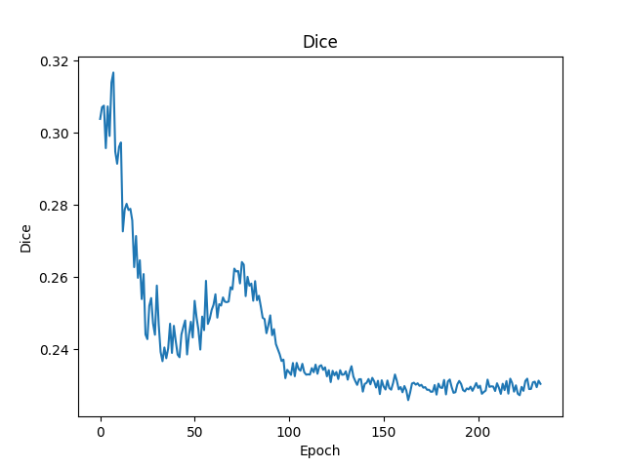
Average Metrics (across classes): |  | Average Metrics (across classes): |  |  | Average Metrics (across classes): |  |  | Average Metrics (across classes): |  |  | Average Metrics (across classes): |  |  | Average Metrics (across classes): |  |  | Average Metrics (across classes): |  |  | Average Metrics (across classes): |  |  | Average Metrics (across classes):
Average DSC: 0.1835 |  | Average DSC: 0.1840 |  |  | Average DSC: 0.1840 |  |  | Average DSC: 0.1849 |  |  | Average DSC: 0.1853 |  |  | Average DSC: 0.1865 |  |  | Average DSC: 0.1871 |  |  | Average DSC: 0.1878 |  |  | Average DSC: 0.1883
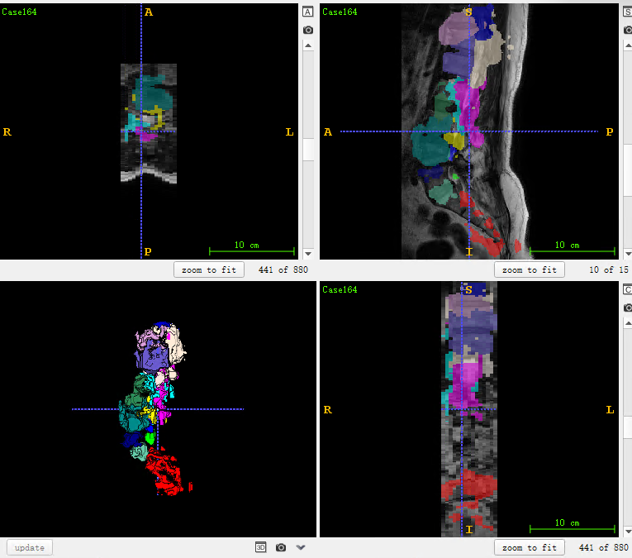

 |  |  |  |  |  |  |  |  |  | 100次以后 | lr从5e-7降为5e-8导致模型效果不变

 |  | epoch90 |  |  | epoch95 |  |  | epoch100 |  |  | epoch105 |  |  | epoch110 |  |  | epoch115 |  |  | epoch120 |  |  | epoch125
 |  | Class-wise Metrics: |  |  | Class-wise Metrics: |  |  | Class-wise Metrics: |  |  | Class-wise Metrics: |  |  | Class-wise Metrics: |  |  | Class-wise Metrics: |  |  | Class-wise Metrics: |  |  | Class-wise Metrics:
 |  | Class | DSC |  |  | Class | DSC |  |  | Class | DSC |  |  | Class | DSC |  |  | Class | DSC |  |  | Class | DSC |  |  | Class | DSC |  |  | Class | DSC
 |  | ---------------------- |  |  | ---------------------- |  |  | ---------------------- |  |  | ---------------------- |  |  | ---------------------- |  |  | ---------------------- |  |  | ---------------------- |  |  | ----------------------
 |  | 1 | 0.3211 |  |  | 1 | 0.3206 |  |  | 1 | 0.3213 |  |  | 1 | 0.3214 |  |  | 1 | 0.3215 |  |  | 1 | 0.3214 |  |  | 1 | 0.3215 |  |  | 1 | 0.3215
 |  | 2 | 0.0180 |  |  | 2 | 0.0179 |  |  | 2 | 0.0177 |  |  | 2 | 0.0177 |  |  | 2 | 0.0177 |  |  | 2 | 0.0177 |  |  | 2 | 0.0179 |  |  | 2 | 0.0179
 |  | 3 | 0.0001 |  |  | 3 | 0.0001 |  |  | 3 | 0.0001 |  |  | 3 | 0.0001 |  |  | 3 | 0.0001 |  |  | 3 | 0.0001 |  |  | 3 | 0.0001 |  |  | 3 | 0.0001
 |  | 4 | 0.1167 |  |  | 4 | 0.1179 |  |  | 4 | 0.1191 |  |  | 4 | 0.1187 |  |  | 4 | 0.1186 |  |  | 4 | 0.1186 |  |  | 4 | 0.1184 |  |  | 4 | 0.1188
 |  | 5 | 0.2141 |  |  | 5 | 0.2101 |  |  | 5 | 0.2057 |  |  | 5 | 0.2054 |  |  | 5 | 0.2053 |  |  | 5 | 0.2047 |  |  | 5 | 0.2050 |  |  | 5 | 0.2052
 |  | 6 | 0.0145 |  |  | 6 | 0.0150 |  |  | 6 | 0.0150 |  |  | 6 | 0.0150 |  |  | 6 | 0.0149 |  |  | 6 | 0.0151 |  |  | 6 | 0.0153 |  |  | 6 | 0.0157
 |  | 7 | 0.1647 |  |  | 7 | 0.1641 |  |  | 7 | 0.1625 |  |  | 7 | 0.1623 |  |  | 7 | 0.1622 |  |  | 7 | 0.1622 |  |  | 7 | 0.1621 |  |  | 7 | 0.1621
 |  | 8 | 0.2925 |  |  | 8 | 0.2917 |  |  | 8 | 0.2919 |  |  | 8 | 0.2917 |  |  | 8 | 0.2911 |  |  | 8 | 0.2911 |  |  | 8 | 0.2906 |  |  | 8 | 0.2903
 |  | 11 | 0.5409 |  |  | 11 | 0.5426 |  |  | 11 | 0.5423 |  |  | 11 | 0.5423 |  |  | 11 | 0.5423 |  |  | 11 | 0.5423 |  |  | 11 | 0.5423 |  |  | 11 | 0.5423
 |  | 12 | 0.2566 |  |  | 12 | 0.2567 |  |  | 12 | 0.2605 |  |  | 12 | 0.2614 |  |  | 12 | 0.2614 |  |  | 12 | 0.2613 |  |  | 12 | 0.2613 |  |  | 12 | 0.2620
 |  | 13 | 0.1653 |  |  | 13 | 0.1671 |  |  | 13 | 0.1672 |  |  | 13 | 0.1673 |  |  | 13 | 0.1673 |  |  | 13 | 0.1674 |  |  | 13 | 0.1677 |  |  | 13 | 0.1676
 |  | 14 | 0.2522 |  |  | 14 | 0.2531 |  |  | 14 | 0.2546 |  |  | 14 | 0.2551 |  |  | 14 | 0.2552 |  |  | 14 | 0.2550 |  |  | 14 | 0.2546 |  |  | 14 | 0.2545
 |  | 15 | 0.1275 |  |  | 15 | 0.1308 |  |  | 15 | 0.1310 |  |  | 15 | 0.1308 |  |  | 15 | 0.1315 |  |  | 15 | 0.1320 |  |  | 15 | 0.1319 |  |  | 15 | 0.1317
 |  | 16 | 0.1738 |  |  | 16 | 0.1736 |  |  | 16 | 0.1729 |  |  | 16 | 0.1729 |  |  | 16 | 0.1730 |  |  | 16 | 0.1729 |  |  | 16 | 0.1729 |  |  | 16 | 0.1731
 |  | 17 | 0.1688 |  |  | 17 | 0.1678 |  |  | 17 | 0.1669 |  |  | 17 | 0.1668 |  |  | 17 | 0.1669 |  |  | 17 | 0.1670 |  |  | 17 | 0.1668 |  |  | 17 | 0.1668

 |  | Average Metrics (across classes): |  |  | Average Metrics (across classes): |  |  | Average Metrics (across classes): |  |  | Average Metrics (across classes): |  |  | Average Metrics (across classes): |  |  | Average Metrics (across classes): |  |  | Average Metrics (across classes): |  |  | Average Metrics (across classes):
 |  | Average DSC: 0.1885 |  |  | Average DSC: 0.1886 |  |  | Average DSC: 0.1886 |  |  | Average DSC: 0.1886 |  |  | Average DSC: 0.1886 |  |  | Average DSC: 0.1886 |  |  | Average DSC: 0.1886 |  |  | Average DSC: 0.1886

 |  | epoch130 |  |  | epoch135 |  |  | epoch140 |  |  | epoch145 |  |  | epoch150 |  |  | epoch155 |  |  | epoch160 |  |  | epoch165
 |  | Class-wise Metrics: |  |  | Class-wise Metrics: |  |  | Class-wise Metrics: |  |  | Class-wise Metrics: |  |  | Class-wise Metrics: |  |  | Class-wise Metrics: |  |  | Class-wise Metrics: |  |  | Class-wise Metrics:
 |  | Class | DSC |  |  | Class | DSC |  |  | Class | DSC |  |  | Class | DSC |  |  | Class | DSC |  |  | Class | DSC |  |  | Class | DSC |  |  | Class | DSC
 |  | ---------------------- |  |  | ---------------------- |  |  | ---------------------- |  |  | ---------------------- |  |  | ---------------------- |  |  | ---------------------- |  |  | ---------------------- |  |  | ----------------------
 |  | 1 | 0.3213 |  |  | 1 | 0.3213 |  |  | 1 | 0.3213 |  |  | 1 | 0.3214 |  |  | 1 | 0.3215 |  |  | 1 | 0.3215 |  |  | 1 | 0.3215 |  |  | 1 | 0.3215
 |  | 2 | 0.0179 |  |  | 2 | 0.0179 |  |  | 2 | 0.0183 |  |  | 2 | 0.0183 |  |  | 2 | 0.0183 |  |  | 2 | 0.0183 |  |  | 2 | 0.0183 |  |  | 2 | 0.0183
 |  | 3 | 0.0001 |  |  | 3 | 0.0001 |  |  | 3 | 0.0001 |  |  | 3 | 0.0001 |  |  | 3 | 0.0001 |  |  | 3 | 0.0001 |  |  | 3 | 0.0001 |  |  | 3 | 0.0001
 |  | 4 | 0.1191 |  |  | 4 | 0.1193 |  |  | 4 | 0.1190 |  |  | 4 | 0.1191 |  |  | 4 | 0.1191 |  |  | 4 | 0.1191 |  |  | 4 | 0.1191 |  |  | 4 | 0.1191
 |  | 5 | 0.2048 |  |  | 5 | 0.2045 |  |  | 5 | 0.2033 |  |  | 5 | 0.2019 |  |  | 5 | 0.2016 |  |  | 5 | 0.2013 |  |  | 5 | 0.2013 |  |  | 5 | 0.2013
 |  | 6 | 0.0157 |  |  | 6 | 0.0157 |  |  | 6 | 0.0157 |  |  | 6 | 0.0157 |  |  | 6 | 0.0157 |  |  | 6 | 0.0157 |  |  | 6 | 0.0157 |  |  | 6 | 0.0157
 |  | 7 | 0.1621 |  |  | 7 | 0.1620 |  |  | 7 | 0.1616 |  |  | 7 | 0.1614 |  |  | 7 | 0.1613 |  |  | 7 | 0.1613 |  |  | 7 | 0.1613 |  |  | 7 | 0.1613
 |  | 8 | 0.2904 |  |  | 8 | 0.2908 |  |  | 8 | 0.2904 |  |  | 8 | 0.2907 |  |  | 8 | 0.2903 |  |  | 8 | 0.2902 |  |  | 8 | 0.2902 |  |  | 8 | 0.2902
 |  | 11 | 0.5428 |  |  | 11 | 0.5433 |  |  | 11 | 0.5431 |  |  | 11 | 0.5433 |  |  | 11 | 0.5433 |  |  | 11 | 0.5432 |  |  | 11 | 0.5433 |  |  | 11 | 0.5433
 |  | 12 | 0.2620 |  |  | 12 | 0.2620 |  |  | 12 | 0.2622 |  |  | 12 | 0.2621 |  |  | 12 | 0.2615 |  |  | 12 | 0.2615 |  |  | 12 | 0.2615 |  |  | 12 | 0.2615
 |  | 13 | 0.1676 |  |  | 13 | 0.1676 |  |  | 13 | 0.1677 |  |  | 13 | 0.1679 |  |  | 13 | 0.1679 |  |  | 13 | 0.1679 |  |  | 13 | 0.1679 |  |  | 13 | 0.1679
 |  | 14 | 0.2552 |  |  | 14 | 0.2556 |  |  | 14 | 0.2555 |  |  | 14 | 0.2553 |  |  | 14 | 0.2556 |  |  | 14 | 0.2555 |  |  | 14 | 0.2555 |  |  | 14 | 0.2555
 |  | 15 | 0.1317 |  |  | 15 | 0.1318 |  |  | 15 | 0.1318 |  |  | 15 | 0.1325 |  |  | 15 | 0.1330 |  |  | 15 | 0.1330 |  |  | 15 | 0.1330 |  |  | 15 | 0.1329
 |  | 16 | 0.1732 |  |  | 16 | 0.1731 |  |  | 16 | 0.1730 |  |  | 16 | 0.1731 |  |  | 16 | 0.1732 |  |  | 16 | 0.1732 |  |  | 16 | 0.1733 |  |  | 16 | 0.1732
 |  | 17 | 0.1667 |  |  | 17 | 0.1666 |  |  | 17 | 0.1661 |  |  | 17 | 0.1661 |  |  | 17 | 0.1658 |  |  | 17 | 0.1658 |  |  | 17 | 0.1658 |  |  | 17 | 0.1658

 |  | Average Metrics (across classes): |  |  | Average Metrics (across classes): |  |  | Average Metrics (across classes): |  |  | Average Metrics (across classes): |  |  | Average Metrics (across classes): |  |  | Average Metrics (across classes): |  |  | Average Metrics (across classes): |  |  | Average Metrics (across classes):
 |  | Average DSC: 0.1887 |  |  | Average DSC: 0.1888 |  |  | Average DSC: 0.1886 |  |  | Average DSC: 0.1886 |  |  | Average DSC: 0.1885 |  |  | Average DSC: 0.1885 |  |  | Average DSC: 0.1885 |  |  | Average DSC: 0.1885

 |  | epoch170 |  |  | epoch175 |  |  | epoch180 |  |  | epoch185 |  |  | epoch190 |  |  | epoch195 |  |  | epoch200 |  |  | epoch205
 |  | Class-wise Metrics: |  |  | Class-wise Metrics: |  |  | Class-wise Metrics: |  |  | Class-wise Metrics: |  |  | Class-wise Metrics: |  |  | Class-wise Metrics: |  |  | Class-wise Metrics: |  |  | Class-wise Metrics:
 |  | Class | DSC |  |  | Class | DSC |  |  | Class | DSC |  |  | Class | DSC |  |  | Class | DSC |  |  | Class | DSC |  |  | Class | DSC |  |  | Class | DSC
 |  | ---------------------- |  |  | ---------------------- |  |  | ---------------------- |  |  | ---------------------- |  |  | ---------------------- |  |  | ---------------------- |  |  | ---------------------- |  |  | ----------------------
 |  | 1 | 0.3215 |  |  | 1 | 0.3215 |  |  | 1 | 0.3216 |  |  | 1 | 0.3216 |  |  | 1 | 0.3216 |  |  | 1 | 0.3216 |  |  | 1 | 0.3216 |  |  | 1 | 0.3216
 |  | 2 | 0.0183 |  |  | 2 | 0.0183 |  |  | 2 | 0.0183 |  |  | 2 | 0.0183 |  |  | 2 | 0.0183 |  |  | 2 | 0.0183 |  |  | 2 | 0.0183 |  |  | 2 | 0.0183
 |  | 3 | 0.0001 |  |  | 3 | 0.0001 |  |  | 3 | 0.0001 |  |  | 3 | 0.0001 |  |  | 3 | 0.0001 |  |  | 3 | 0.0001 |  |  | 3 | 0.0001 |  |  | 3 | 0.0001
 |  | 4 | 0.1191 |  |  | 4 | 0.1191 |  |  | 4 | 0.1191 |  |  | 4 | 0.1191 |  |  | 4 | 0.1191 |  |  | 4 | 0.1191 |  |  | 4 | 0.1190 |  |  | 4 | 0.1190
 |  | 5 | 0.2013 |  |  | 5 | 0.2014 |  |  | 5 | 0.2014 |  |  | 5 | 0.2013 |  |  | 5 | 0.2014 |  |  | 5 | 0.2014 |  |  | 5 | 0.2014 |  |  | 5 | 0.2014
 |  | 6 | 0.0157 |  |  | 6 | 0.0157 |  |  | 6 | 0.0157 |  |  | 6 | 0.0157 |  |  | 6 | 0.0157 |  |  | 6 | 0.0157 |  |  | 6 | 0.0157 |  |  | 6 | 0.0157
 |  | 7 | 0.1611 |  |  | 7 | 0.1611 |  |  | 7 | 0.1612 |  |  | 7 | 0.1612 |  |  | 7 | 0.1612 |  |  | 7 | 0.1612 |  |  | 7 | 0.1612 |  |  | 7 | 0.1612
 |  | 8 | 0.2903 |  |  | 8 | 0.2902 |  |  | 8 | 0.2903 |  |  | 8 | 0.2903 |  |  | 8 | 0.2901 |  |  | 8 | 0.2903 |  |  | 8 | 0.2901 |  |  | 8 | 0.2905
 |  | 11 | 0.5433 |  |  | 11 | 0.5433 |  |  | 11 | 0.5430 |  |  | 11 | 0.5430 |  |  | 11 | 0.5432 |  |  | 11 | 0.5432 |  |  | 11 | 0.5430 |  |  | 11 | 0.5430
 |  | 12 | 0.2615 |  |  | 12 | 0.2615 |  |  | 12 | 0.2615 |  |  | 12 | 0.2615 |  |  | 12 | 0.2612 |  |  | 12 | 0.2612 |  |  | 12 | 0.2614 |  |  | 12 | 0.2614
 |  | 13 | 0.1679 |  |  | 13 | 0.1679 |  |  | 13 | 0.1679 |  |  | 13 | 0.1679 |  |  | 13 | 0.1679 |  |  | 13 | 0.1679 |  |  | 13 | 0.1679 |  |  | 13 | 0.1679
 |  | 14 | 0.2555 |  |  | 14 | 0.2555 |  |  | 14 | 0.2558 |  |  | 14 | 0.2557 |  |  | 14 | 0.2554 |  |  | 14 | 0.2556 |  |  | 14 | 0.2553 |  |  | 14 | 0.2556
 |  | 15 | 0.1328 |  |  | 15 | 0.1329 |  |  | 15 | 0.1329 |  |  | 15 | 0.1329 |  |  | 15 | 0.1328 |  |  | 15 | 0.1328 |  |  | 15 | 0.1328 |  |  | 15 | 0.1328
 |  | 16 | 0.1733 |  |  | 16 | 0.1733 |  |  | 16 | 0.1733 |  |  | 16 | 0.1732 |  |  | 16 | 0.1732 |  |  | 16 | 0.1732 |  |  | 16 | 0.1732 |  |  | 16 | 0.1732
 |  | 17 | 0.1657 |  |  | 17 | 0.1657 |  |  | 17 | 0.1657 |  |  | 17 | 0.1658 |  |  | 17 | 0.1658 |  |  | 17 | 0.1657 |  |  | 17 | 0.1657 |  |  | 17 | 0.1657

 |  | Average Metrics (across classes): |  |  | Average Metrics (across classes): |  |  | Average Metrics (across classes): |  |  | Average Metrics (across classes): |  |  | Average Metrics (across classes): |  |  | Average Metrics (across classes): |  |  | Average Metrics (across classes): |  |  | Average Metrics (across classes):
 |  | Average DSC: 0.1885 |  |  | Average DSC: 0.1885 |  |  | Average DSC: 0.1885 |  |  | Average DSC: 0.1885 |  |  | Average DSC: 0.1885 |  |  | Average DSC: 0.1885 |  |  | Average DSC: 0.1884 |  |  | Average DSC: 0.1885

 |  | 210 |  |  | 215
 |  | Class-wise Metrics: |  |  | Class-wise Metrics:
 |  | Class | DSC |  |  | Class | DSC
 |  | ---------------------- |  |  | ----------------------
 |  | 1 | 0.3214 |  |  | 1 | 0.3215
 |  | 2 | 0.0183 |  |  | 2 | 0.0183
 |  | 3 | 0.0001 |  |  | 3 | 0.0001
 |  | 4 | 0.1190 |  |  | 4 | 0.1186
 |  | 5 | 0.2012 |  |  | 5 | 0.2011
 |  | 6 | 0.0157 |  |  | 6 | 0.0157
 |  | 7 | 0.1612 |  |  | 7 | 0.1612
 |  | 8 | 0.2903 |  |  | 8 | 0.2903
 |  | 11 | 0.5432 |  |  | 11 | 0.5430
 |  | 12 | 0.2614 |  |  | 12 | 0.2613
 |  | 13 | 0.1679 |  |  | 13 | 0.1679
 |  | 14 | 0.2556 |  |  | 14 | 0.2555
 |  | 15 | 0.1328 |  |  | 15 | 0.1328
 |  | 16 | 0.1732 |  |  | 16 | 0.1732
 |  | 17 | 0.1657 |  |  | 17 | 0.1657

 |  | Average Metrics (across classes): |  |  | Average Metrics (across classes):
 |  | Average DSC: 0.1885 |  |  | Average DSC: 0.1884

 | epoch1 | epoch5 | epoch10 | epoch15 | epoch20 | epoch25 | epoch30 | epoch35 | epoch40 | epoch45 | epoch50 | epoch55 | epoch60 | epoch65 | epoch70 | epoch75 | epoch80 | epoch85 | epoch90 | epoch95 | epoch100 | epoch105 | epoch110 | epoch115 | epoch120 | epoch125 | epoch130 | epoch135 | epoch140 | epoch145 | epoch150 | epoch155 | epoch160 | epoch165 | epoch170 | epoch175 | epoch180 | epoch185 | epoch190 | epoch195 | epoch200 | epoch205 | epoch210 | epoch215
 | 0.1704 | 0.1724 | 0.1744 | 0.1772 | 0.1786 | 0.1801 | 0.1811 | 0.1821 | 0.1826 | 0.1835 | 0.184 | 0.184 | 0.1849 | 0.1853 | 0.1865 | 0.1871 | 0.1878 | 0.1883 | 0.1885 | 0.1886 | 0.1886 | 0.1886 | 0.1886 | 0.1886 | 0.1886 | 0.1886 | 0.1887 | 0.1888 | 0.1886 | 0.1886 | 0.1885 | 0.1885 | 0.1885 | 0.1885 | 0.1885 | 0.1885 | 0.1885 | 0.1885 | 0.1885 | 0.1885 | 0.1884 | 0.1885 | 0.1885 | 0.1884
DICE变化图

0617SAM对比试验
为解决SAM3D过拟合，开始寻找SAM3D对比算法，解决过拟合问题。
1，对比算法看3DSAM对此数据集情况
2，其余处理方式，对算法进行增强解释

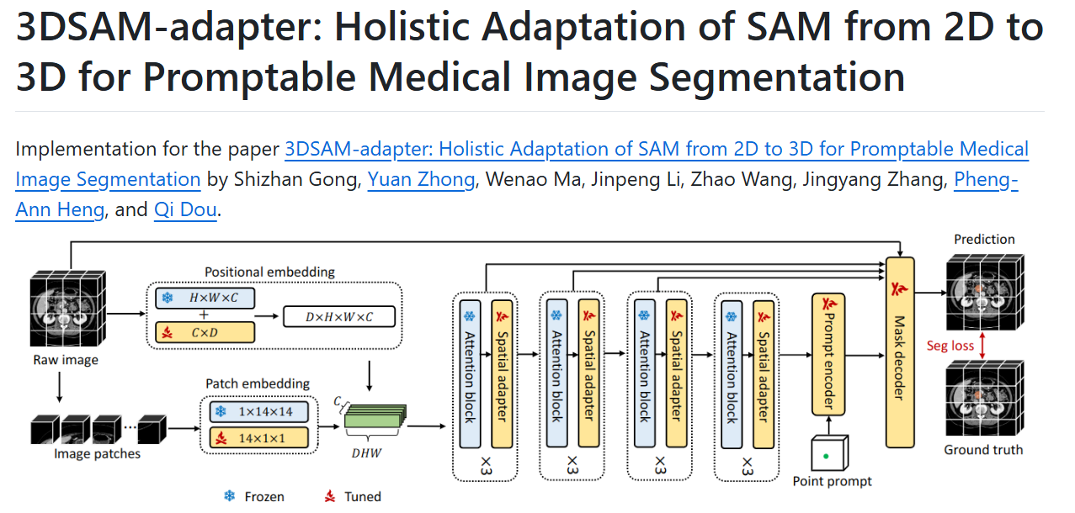
1.https://github.com/med-air/3DSAM-adapter/tree/main |  | 数据集划分pkl
 |  | train只显示loss
 |  | test测试出dsc

[17:07:59.623] epoch: 43/50, iter: 6/7: loss:0.2176497 | [17:18:34.117] Case .\data\train\imagesTr\Case5.nii.gz - Dice 0.639147 | NSD 0.675235
[17:08:00.986] - Train metrics: 0.3586607 | [17:18:37.938] Case .\data\train\imagesTr\Case7.nii.gz - Dice 0.653682 | NSD 0.675991
[17:08:13.803] - Val metrics: 0.36385906
[17:08:15.139] - Val metrics best: 0.3360073 | [08:37:38.776] Case .\data\train\imagesTr\Case5.nii.gz - Dice 0.657596 | NSD 0.695827
[17:27:47.066] - Train metrics: 0.27631396 | [08:37:39.637] Case .\data\train\imagesTr\Case7.nii.gz - Dice 0.632594 | NSD 0.638850
[17:28:00.070] - Val metrics: 0.35554218
[17:28:00.978] - Val metrics best: 0.3232891

2.https://github.com/openmedlab/MedLSAM
arxiv.org/pdf/2306.14752
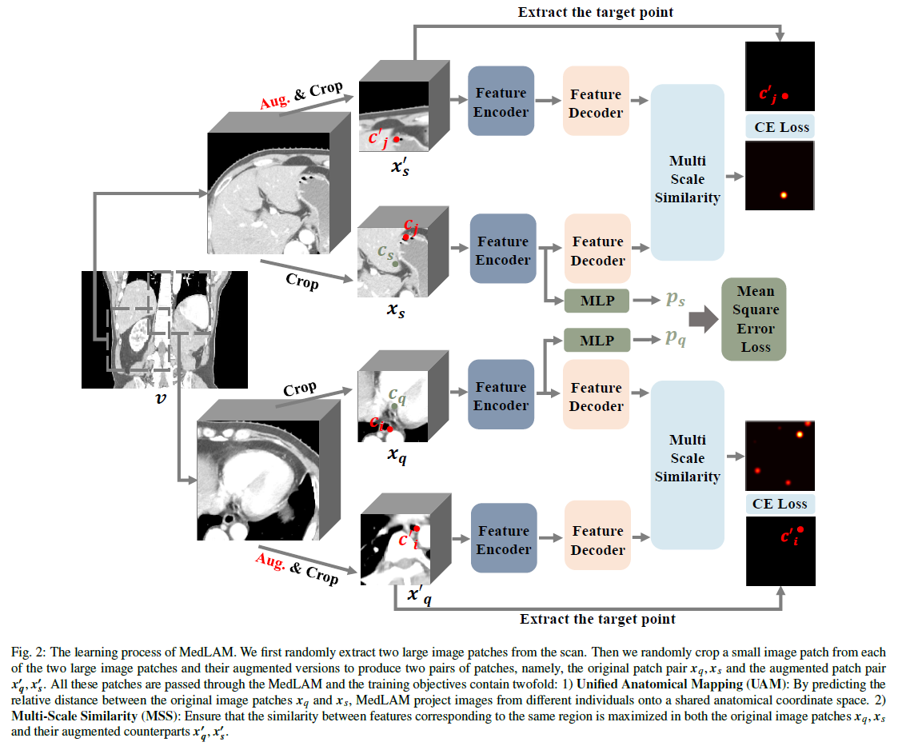

3.https://github.com/swedfr/memorizingSAM/tree/main/segment_anything

0618对比实验
3DSamadapter 推论结果
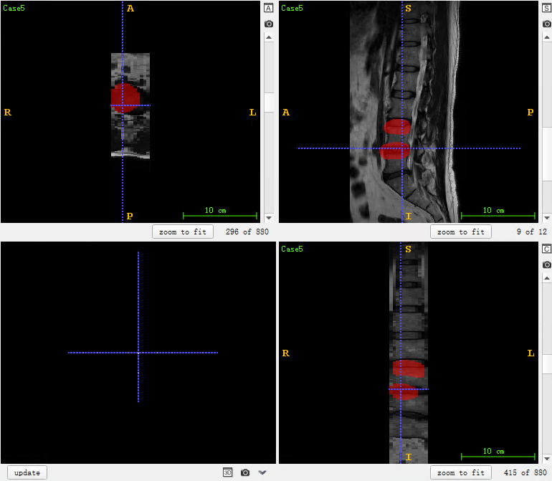

[09:52:27.543] - Train metrics: 0.9822928
seg: metatensor(48355.)
Checkpoint DIrectory exists!
[09:52:42.484] epoch: 0/1, iter: 0/1: loss:0.9838502
[09:52:42.484] - Val metrics: 0.99915004
[09:52:43.810] - Val metrics best: 0.99915004

这个程序的标签读取有问题

 | 1 | 34.21%
 | 2 | 84.14%
 | 3 | 70.54%
 | 4 | 91.14%
 | 5 | 74.47%
 | 1 | 71.05%
 | 2 | 68.14%
 | 3 | 85.86%
 | 4 | 93.80%
 | 5 | 59.57%

0620MemorizingSAM
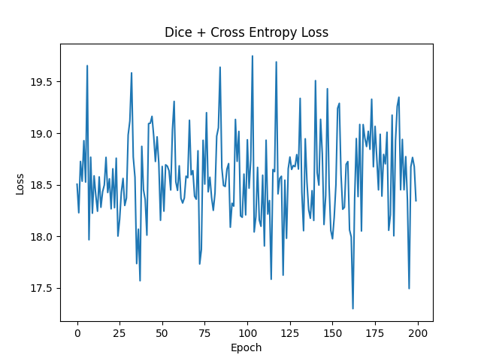
相同数据在MemorizingSAM的结果类似

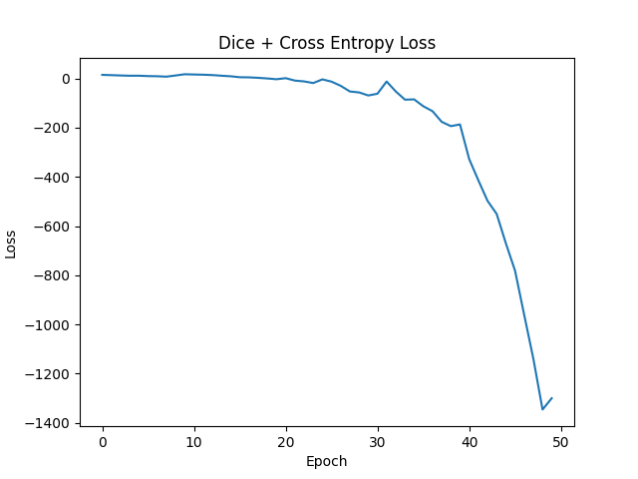

# mean dice: 0.09272999999999999
dice_Ts = {'/tmp/pycharm_project_355/data/imagesTr/Case2.nii.gz': 0.0985,
'/tmp/pycharm_project_355/data/imagesTr/Case9.nii.gz': 0.1219,
'/tmp/pycharm_project_355/data/imagesTr/Case1.nii.gz': 0.086,
'/tmp/pycharm_project_355/data/imagesTr/Case7.nii.gz': 0.1291,
'/tmp/pycharm_project_355/data/imagesTr/Case8.nii.gz': 0.0606,
'/tmp/pycharm_project_355/data/imagesTr/Case6.nii.gz': 0.0981,
'/tmp/pycharm_project_355/data/imagesTr/Case3.nii.gz': 0.1363,
'/tmp/pycharm_project_355/data/imagesTr/Case10.nii.gz': 0.0462,
'/tmp/pycharm_project_355/data/imagesTr/Case5.nii.gz': 0.0496,
'/tmp/pycharm_project_355/data/imagesTr/Case4.nii.gz': 0.101,

0621Fastsam+Medical-samadapter
6. FastSAM3D
 | Mean IoU : 0.0785984251968504
 | Mean Dice: 0.033425196850393704

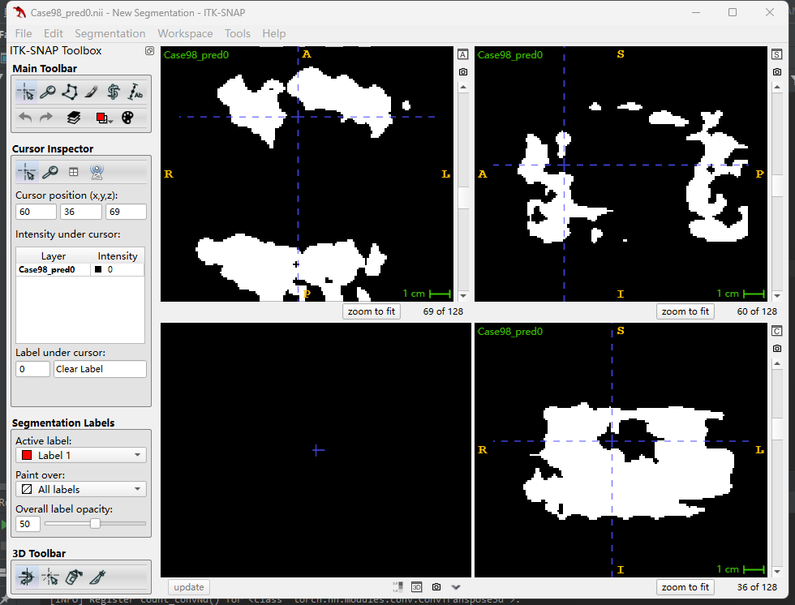
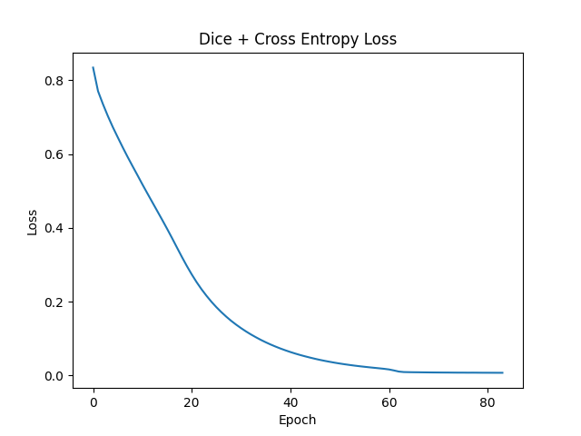

 | Mean IoU : 0.03258582677165355
 | Mean Dice: 0.02445275590551179
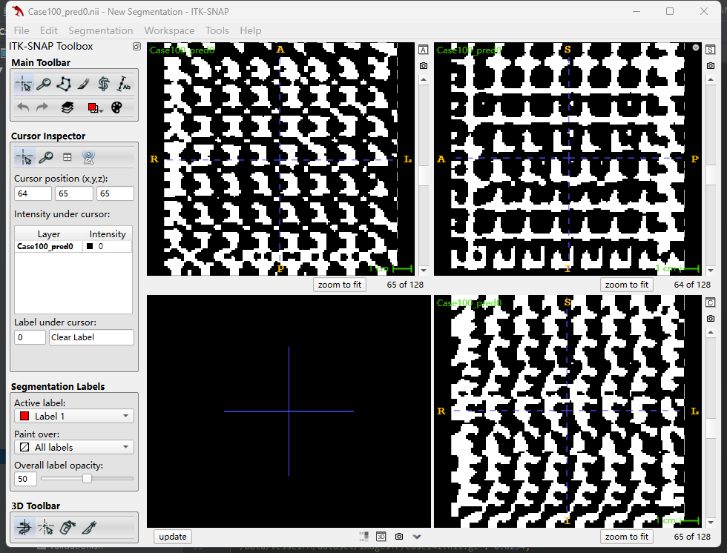

Medical-SAM-adapter

 | 2025-06-21 17:44:28,653 Total score: 0.26563963294029236, IOU: 0.005782145824022727, DICE: 0.011130810580790403 || @ epoch 0.
 | 2025-06-21 17:45:07,544 Train loss: 0.7657848516207063 || @ epoch 0.
 | 2025-06-21 17:45:26,642 Total score: 0.2249308079481125, IOU: 0.007552055302382597, DICE: 0.014104433581949913 || @ epoch 1.
 | 2025-06-21 17:46:05,811 Train loss: 0.7490732730104682 || @ epoch 1.
 | 2025-06-21 17:46:24,350 Total score: 0.22484365105628967, IOU: 0.008148332094676667, DICE: 0.015202317413907372 || @ epoch 1.

 | Total score: 0.22571364045143127, IOU: 0.011753039213209244, DICE: 0.021950966587038653 || @ epoch 199.

MedLSAM | 主要问题是缺标签导致结果出错
 | Warning: Empty segment for part 3 in direction 0
 | Warning: Empty segment for part 4 in direction 0
 | Warning: Empty segment for part 0 in direction 0
 | Warning: Empty segment for part 1 in direction 0
 | Warning: Empty segment for part 2 in direction 0
 | Warning: Empty segment for part 3 in direction 0
 | Warning: Empty segment for part 4 in direction 0
 | Warning: Empty segment for part 0 in direction 0
 | Warning: Empty segment for part 1 in direction 0
 | Warning: Empty segment for part 2 in direction 0
 | Warning: Empty segment for part 3 in direction 0
 | Warning: Empty segment for part 4 in direction 0
 | Warning: Empty segment for part 5 in direction 0

