20250804DRSAM结果
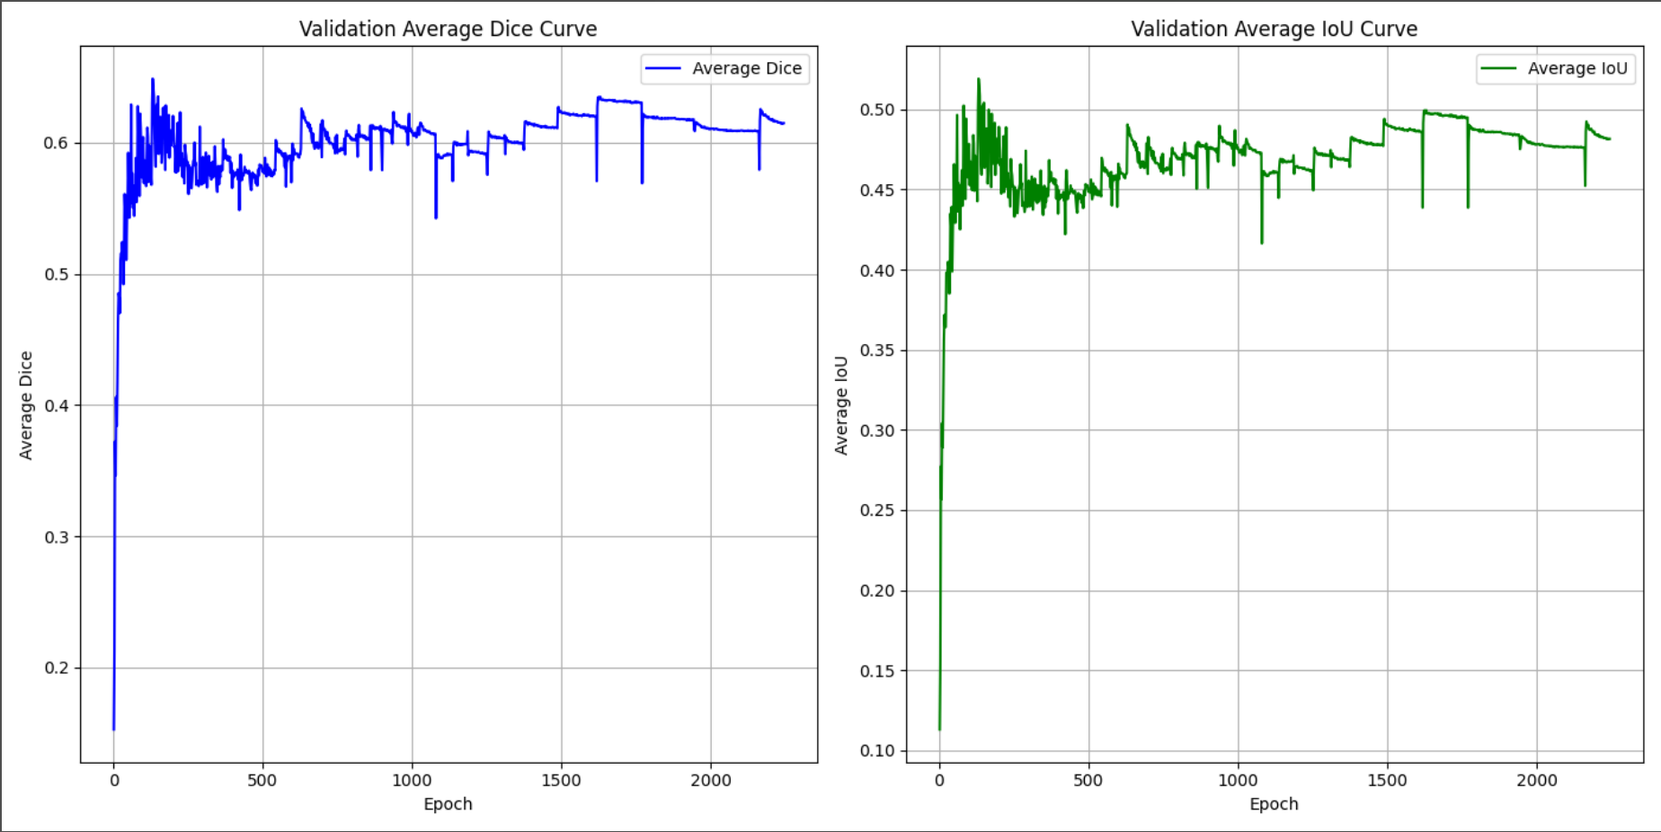
Class 0 | Average Dice | 0.9802 | Average IoU | 0.9612 | Class 0 | 0.9802 | 0.9612
Class 1 | Average Dice | 0.6822 | Average IoU | 0.5272 | Class 1 | 0.6822 | 0.5272
Class 2 | Average Dice | 0.7217 | Average IoU | 0.5745 | Class 2 | 0.7217 | 0.5745
Class 3 | Average Dice | 0.7225 | Average IoU | 0.5736 | Class 3 | 0.7225 | 0.5736
Class 4 | Average Dice | 0.7125 | Average IoU | 0.5646 | Class 4 | 0.7125 | 0.5646
Class 5 | Average Dice | 0.6786 | Average IoU | 0.532 | Class 5 | 0.6786 | 0.532
Class 6 | Average Dice | 0.5857 | Average IoU | 0.4492 | Class 6 | 0.5857 | 0.4492
Class 7 | Average Dice | 0.5289 | Average IoU | 0.4114 | Class 7 | 0.5289 | 0.4114
Class 8 | Average Dice | 0.5052 | Average IoU | 0.3718 | Class 8 | 0.5052 | 0.3718
Class 9 | Average Dice | 0.3402 | Average IoU | 0.2081 | Class 9 | 0.3402 | 0.2081
Class 10 | Average Dice | 0.7168 | Average IoU | 0.5586 | Class 10 | 0.7168 | 0.5586
Class 11 | Average Dice | 0.6224 | Average IoU | 0.4758 | Class 11 | 0.6224 | 0.4758
Class 12 | Average Dice | 0.6899 | Average IoU | 0.5517 | Class 12 | 0.6899 | 0.5517
Class 13 | Average Dice | 0.723 | Average IoU | 0.5881 | Class 13 | 0.723 | 0.5881
Class 14 | Average Dice | 0.683 | Average IoU | 0.5424 | Class 14 | 0.683 | 0.5424
Class 15 | Average Dice | 0.624 | Average IoU | 0.4844 | Class 15 | 0.624 | 0.4844
Class 16 | Average Dice | 0.4903 | Average IoU | 0.3679 | Class 16 | 0.4903 | 0.3679
Class 17 | Average Dice | 0.4631 | Average IoU | 0.3481 | Class 17 | 0.4631 | 0.3481
Class 18 | Average Dice | 0.2759 | Average IoU | 0.1607 | Class 18 | 0.2759 | 0.1607
Class 19 | Average Dice | 0.5495 | Average IoU | 0.3788 | Class 19 | 0.5495 | 0.3788
All | Average Dice | 0.61478 | Average IoU | 0.481505 | All | 0.61478 | 0.481505

