611SamMED3d
 | 5e-6 steplr 100
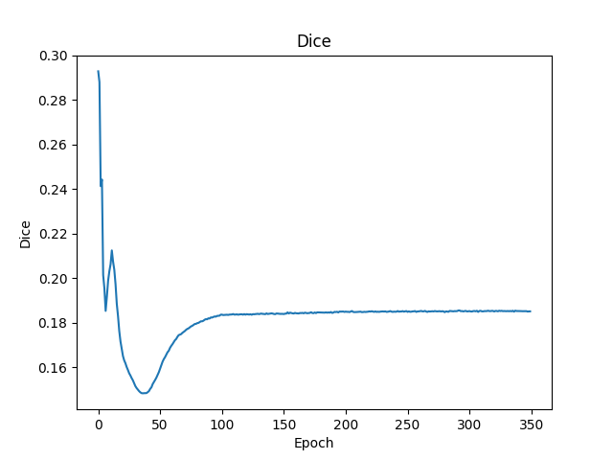
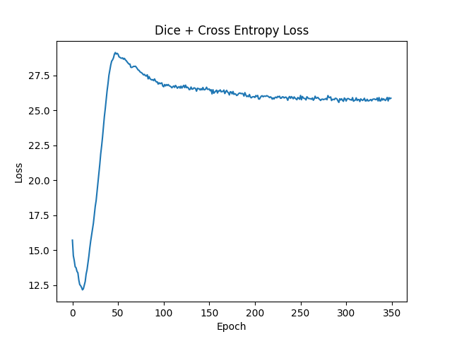

 | 5e-6 steplr-10）
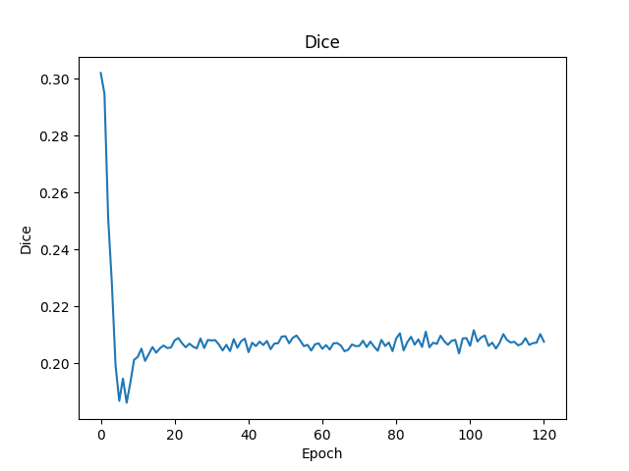
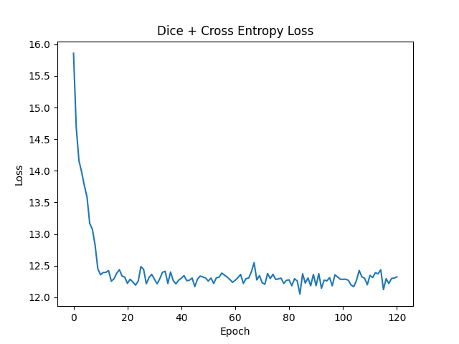

 | e-6 1000epoch multisteplr 120,180
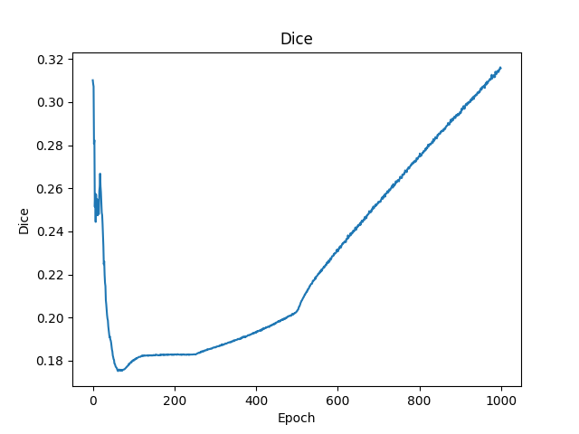
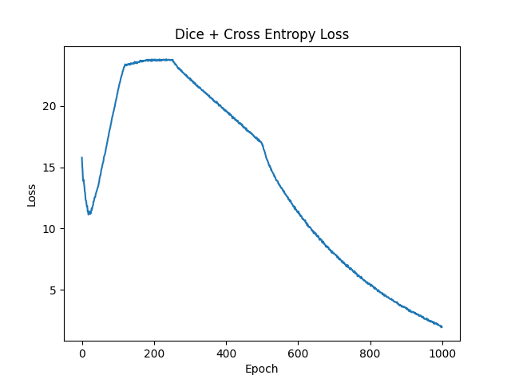

 | lr 5e-6 coswarm
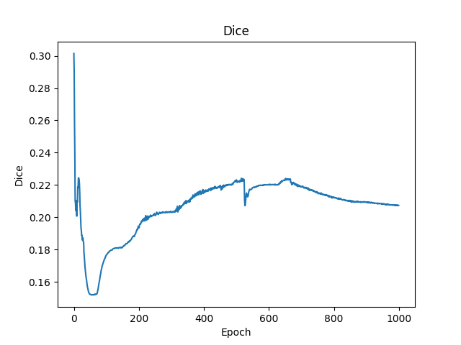
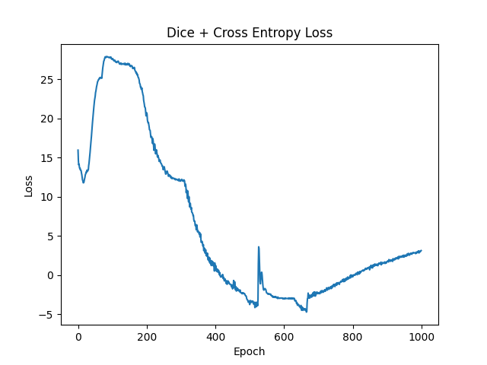

从上面的实验看出来epoch达到200左右能看出训练结果
 | 目前最好的结果是参数lr 1e-6 1000epoch multisteplr 120,180，但其到1000epoch后才初见规模，训练成本极大
 | 考虑到预训练模型权重迁移至新数据模型时的误差使得DICE先降后增，训练调参策略调整为先大学习率调整参数到新数据模型，再小学习率微调模型参数。
 | 提高调参效率，使用少量（33）个样本，进行200次训练记录结果。
 | 1e-6 steplr-10）
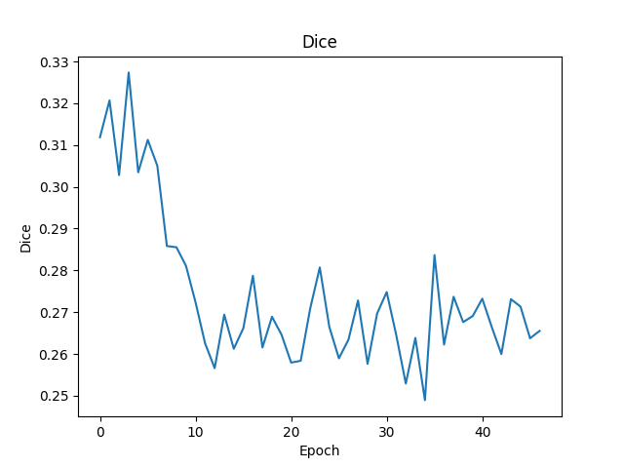
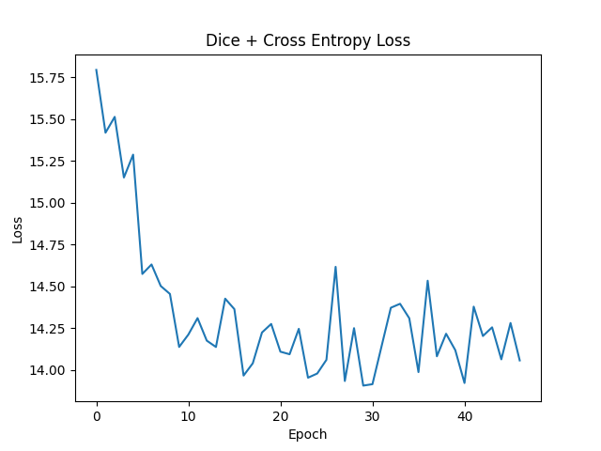

 | union_train（1e-2 multisteplr 10,20,30）
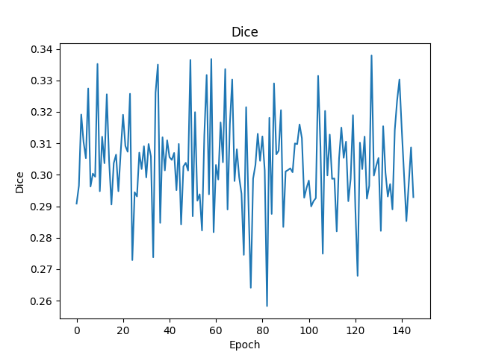
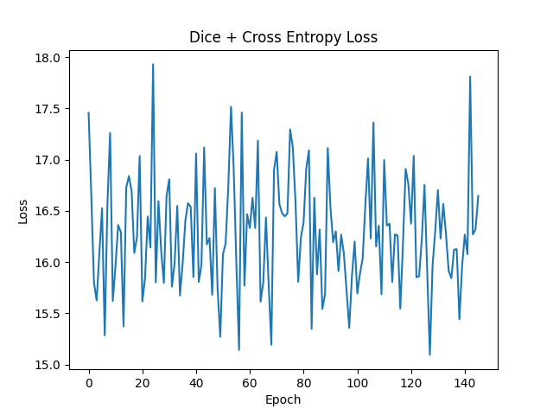

 | union_train（1e-3 multisteplr 10,20,30） |  |  | union_train（1e-3 multisteplr 10,20,30 gama 0.01）

 | union_train（1e-4 multisteplr 10,20,30）
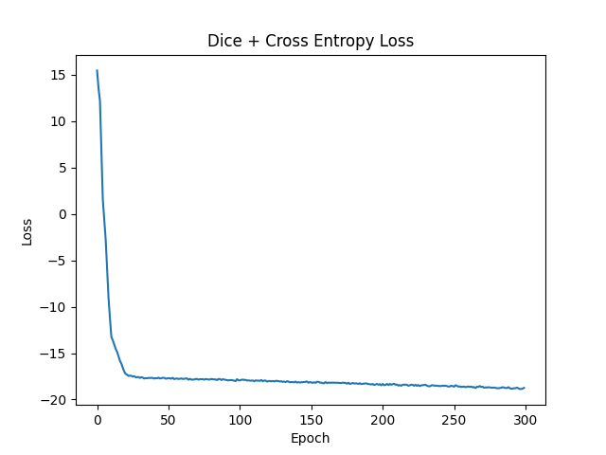
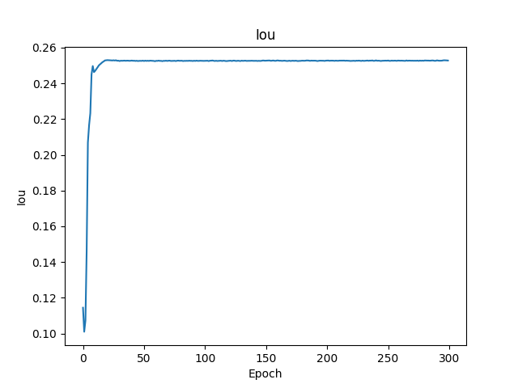
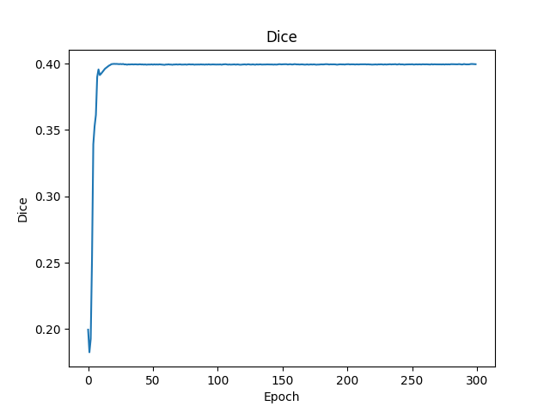

 | union_train（1e-4 multisteplr 50,100,150）
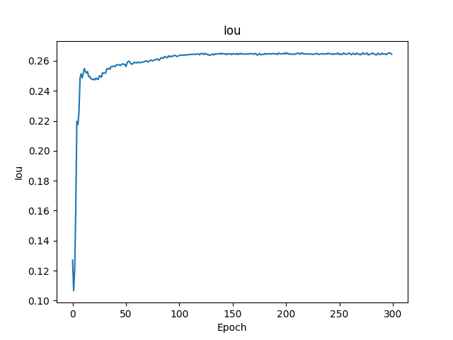
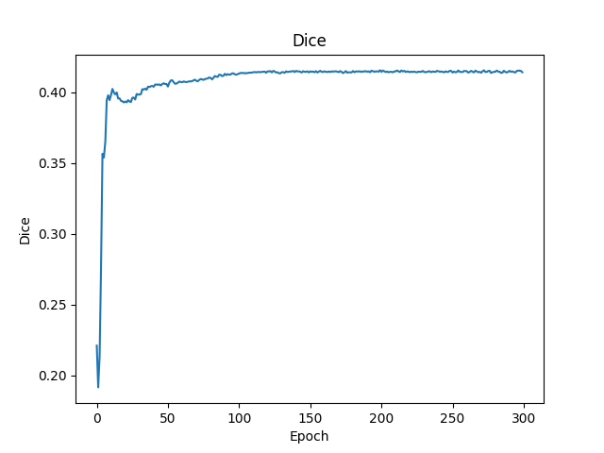
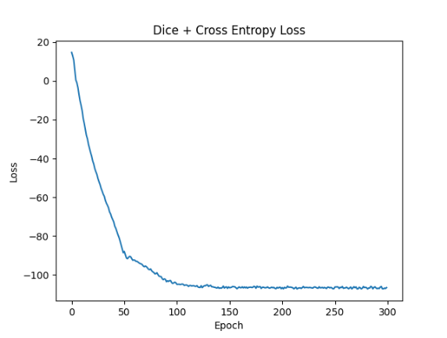
目前最优结果

 |  | mean | IOU 0.26 |  | DICE 0.41

611DRSam
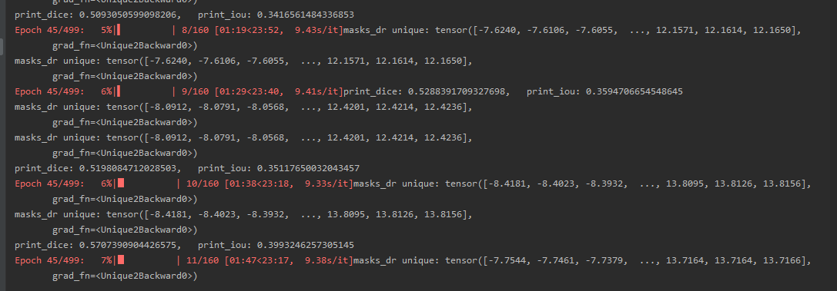

train result | dice | 0.57
 | iou | 0.39

612ASammed3d
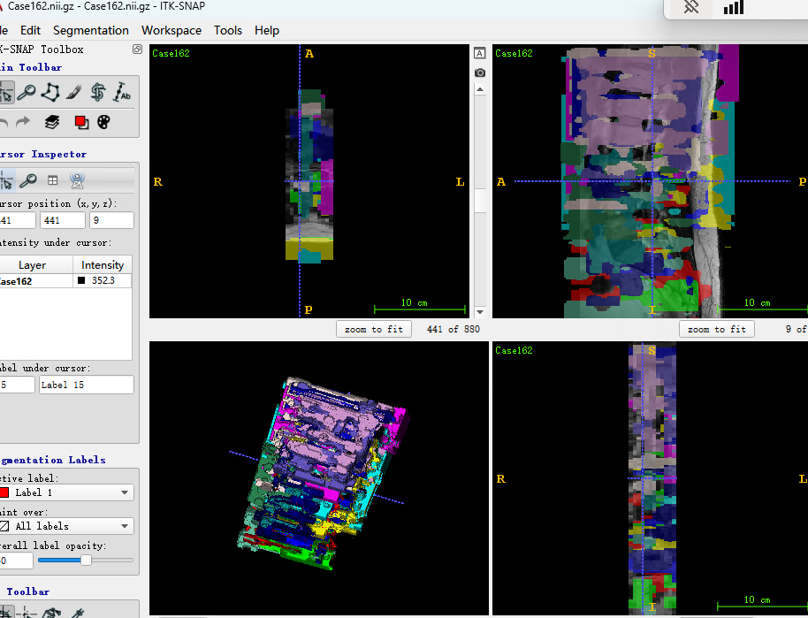
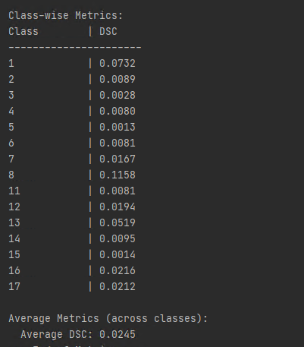
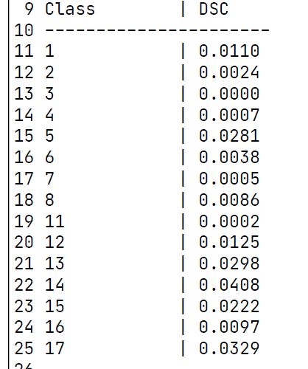
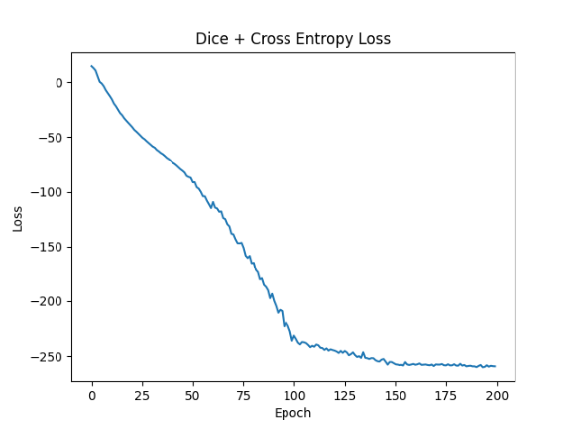
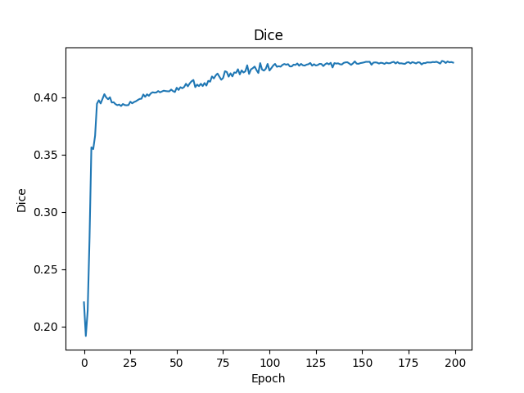
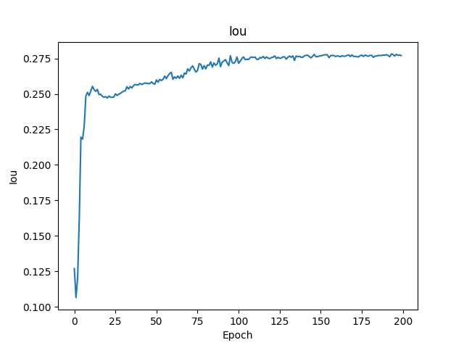

目前较好的参数 | parser.add_argument('--step_size', type=list, default=[100, 150, 200]) |  | EPOCH: 219, Loss: -259.61780655022824
 | parser.add_argument('--gamma', type=float, default=0.1) |  | EPOCH: 219, Dice: 0.4308413836089047
 | parser.add_argument('--num_epochs', type=int, default=1000) |  | EPOCH: 219, Iou: 0.277419900803855
 | parser.add_argument('--img_size', type=int, default=128)
 | parser.add_argument('--batch_size', type=int, default=1)
 | parser.add_argument('--accumulation_steps', type=int, default=10)
 | parser.add_argument('--lr', type=float, default=1e-4)
验证结果却是过拟合，可能的原因 | 1. 原因是训练数据过少导致 | 2.学习率过小
考虑到调参用的少量数据，学习参数分布后用全部数据进行测试。 |  | 调试中解决
以下是利用全部数据训练，拿验证集进行推论的结果
parser.add_argument('--step_size', type=list, default=[100, 150, 200])
parser.add_argument('--gamma', type=float, default=0.1)
parser.add_argument('--num_epochs', type=int, default=1000)
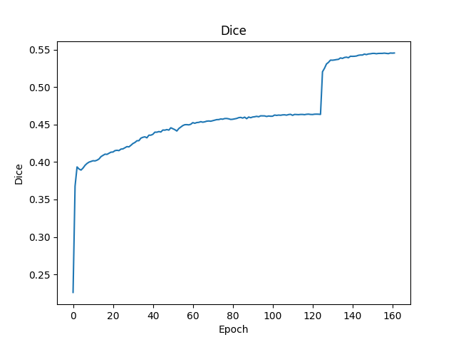
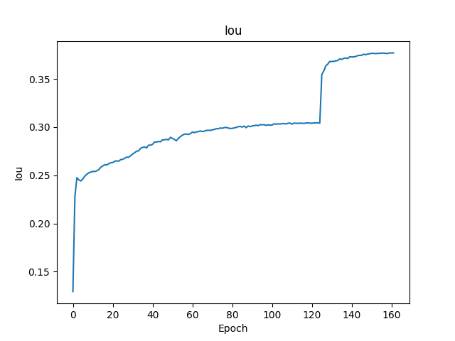
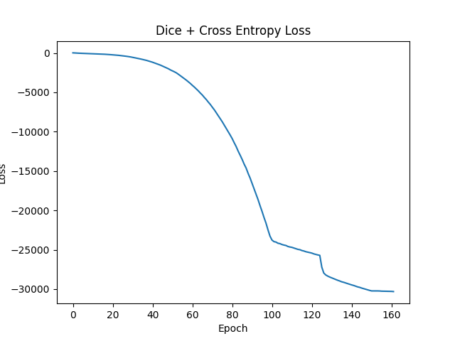

 | DICE突破0.54
 | IOU达到0.37
结果显示仍是过拟合严重，模型效果不佳
 | 推论结果

612DrSAM
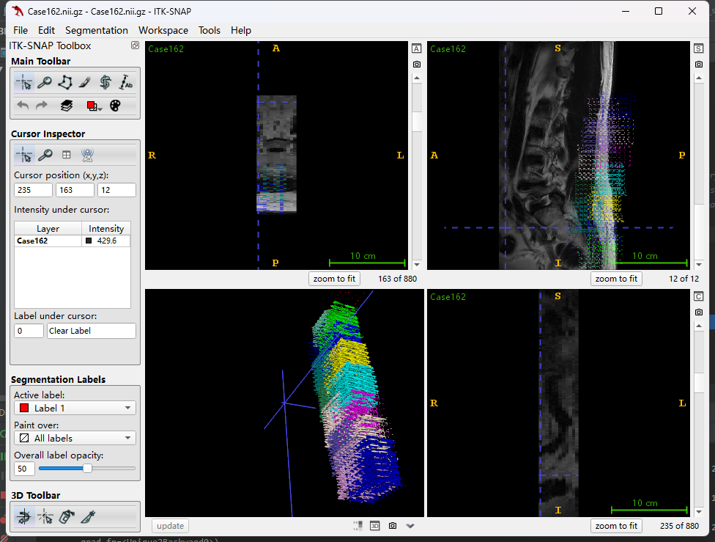
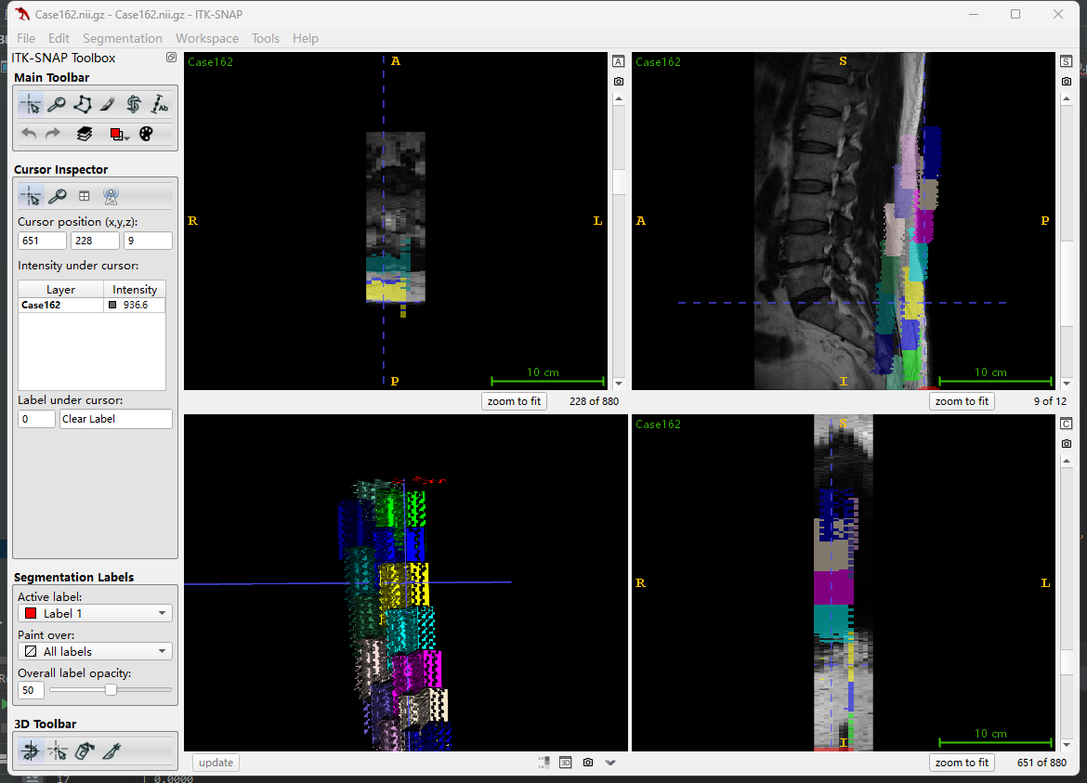
DRSAM训练结果

训练过程中 | mean DICE | 0.59 | mean IOU | 0.42

验证过程中 | mean DICE | 0.61 | mean IOU | 0.44

推论时 指标全0 |  | 需要调整输出格式适应指标计算方式
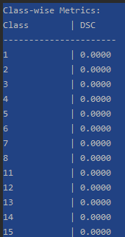

这时输出的标签是下图所示

613SAMmed3d
med3D权重 |  |  | epoch1 |  |  | epoch2 |  | epoch3 | epoch4 |  | epoch5
Class-wise Metrics: |  |  | Class-wise Metrics: |  |  | Class-wise Metrics: |  | Class-wise Metrics: | Class-wise Metrics: |  | Class-wise Metrics:
Class | DSC |  |  | Class | DSC |  |  | Class | DSC |  | Class | DSC | Class | DSC |  | Class | DSC
---------------------- |  |  | ---------------------- |  |  | ---------------------- |  | ---------------------- | ---------------------- |  | ----------------------
1 | 0.3020 |  |  | 1 | 0.3600 |  |  | 1 | 0.4582 |  | 1 | 0.2995 | 1 | 0.1840 |  | 1 | 0.2826
2 | 0.0131 |  |  | 2 | 0.0389 |  |  | 2 | 0.1122 |  | 2 | 0.0572 | 2 | 0.0000 |  | 2 | 0.0010
3 | 0.0003 |  |  | 3 | 0.0003 |  |  | 3 | 0.2655 |  | 3 | 0.2375 | 3 | 0.0000 |  | 3 | 0.0140
4 | 0.0779 |  |  | 4 | 0.1107 |  |  | 4 | 0.0016 |  | 4 | 0.0183 | 4 | 0.0000 |  | 4 | 0.0017
5 | 0.2803 |  |  | 5 | 0.1069 |  |  | 5 | 0.0834 |  | 5 | 0.1132 | 5 | 0.0081 |  | 5 | 0.0019
6 | 0.0320 |  |  | 6 | 0.0334 |  |  | 6 | 0.0382 |  | 6 | 0.0132 | 6 | 0.0027 |  | 6 | 0.0000
7 | 0.1850 |  |  | 7 | 0.1470 |  |  | 7 | 0.0016 |  | 7 | 0.0253 | 7 | 0.0076 |  | 7 | 0.0000
8 | 0.3307 |  |  | 8 | 0.2395 |  |  | 8 | 0.3184 |  | 8 | 0.1299 | 8 | 0.0310 |  | 8 | 0.0008
11 | 0.4263 |  |  | 11 | 0.5584 |  |  | 11 | 0.3600 |  | 11 | 0.3057 | 11 | 0.0010 |  | 11 | 0.0324
12 | 0.2252 |  |  | 12 | 0.2956 |  |  | 12 | 0.2090 |  | 12 | 0.0487 | 12 | 0.0301 |  | 12 | 0.0152
13 | 0.1182 |  |  | 13 | 0.2218 |  |  | 13 | 0.2482 |  | 13 | 0.3072 | 13 | 0.0163 |  | 13 | 0.1021
14 | 0.2078 |  |  | 14 | 0.2671 |  |  | 14 | 0.1436 |  | 14 | 0.0811 | 14 | 0.0621 |  | 14 | 0.0130
15 | 0.0138 |  |  | 15 | 0.1006 |  |  | 15 | 0.2491 |  | 15 | 0.0434 | 15 | 0.0013 |  | 15 | 0.0049
16 | 0.1437 |  |  | 16 | 0.1772 |  |  | 16 | 0.1673 |  | 16 | 0.0088 | 16 | 0.0020 |  | 16 | 0.0000
17 | 0.1951 |  |  | 17 | 0.0977 |  |  | 17 | 0.2508 |  | 17 | 0.0668 | 17 | 0.0202 |  | 17 | 0.0214

Average Metrics (across classes): |  |  | Average Metrics (across classes): |  |  | Average Metrics (across classes): |  | Average Metrics (across classes): | Average Metrics (across classes): |  | Average Metrics (across classes):
Average DSC: 0.1701 |  |  | Average DSC: 0.1837 |  |  | Average DSC: 0.1938 |  | Average DSC: 0.1171 | Average DSC: 0.0244 |  | Average DSC: 0.0327
--- End of Metrics --- |  |  | --- End of Metrics ---

 | DSC
 | Average DSC | 0.1701 | 0.1837 | 0.1938 | 0.1171 | 0.0244 | 0.0327
 | epoch | med3D权重 | epoch1 | epoch2 | epoch3 | epoch4 | epoch5
DSC

 |  |  | Epoch: 1 |  |  |  |  | Epoch: 8 | epoch9 | epoch10
 |  |  | Class-wise Metrics: |  |  |  |  | Class-wise Metrics: | Class-wise Metrics:
 |  |  | Class | DSC |  |  |  |  | Class | DSC | Class | DSC
 |  |  | ---------------------- |  |  |  |  | ---------------------- | ----------------------
 |  |  | 1 | 0.3128 |  |  |  |  | 1 | 0.4380 | 1 | 0.3295
 |  |  | 2 | 0.0154 |  |  |  |  | 2 | 0.0161 | 2 | 0.0248
 |  |  | 3 | 0.0001 |  |  |  |  | 3 | 0.1705 | 3 | 0.0003
 |  |  | 4 | 0.0882 |  |  |  |  | 4 | 0.0043 | 4 | 0.1215
 |  |  | 5 | 0.2775 |  |  |  |  | 5 | 0.0692 | 5 | 0.1467
 |  |  | 6 | 0.0228 |  |  |  |  | 6 | 0.0468 | 6 | 0.0207
 |  |  | 7 | 0.1808 |  |  |  |  | 7 | 0.0682 | 7 | 0.1506
 |  |  | 8 | 0.3213 |  |  |  |  | 8 | 0.3349 | 8 | 0.2707
 |  |  | 11 | 0.4940 |  |  |  |  | 11 | 0.4676 | 11 | 0.5898
 |  |  | 12 | 0.2379 |  |  |  |  | 12 | 0.1891 | 12 | 0.2847
 |  |  | 13 | 0.1374 |  |  |  |  | 13 | 0.2206 | 13 | 0.1919
 |  |  | 14 | 0.2129 |  |  |  |  | 14 | 0.1090 | 14 | 0.2542
 |  |  | 15 | 0.0322 |  |  |  |  | 15 | 0.2824 | 15 | 0.1414
 |  |  | 16 | 0.1553 |  |  |  |  | 16 | 0.1812 | 16 | 0.1756
 |  |  | 17 | 0.1913 |  |  |  |  | 17 | 0.2555 | 17 | 0.1346

 |  |  | Average Metrics (across classes): |  |  |  |  | Average Metrics (across classes): | Average Metrics (across classes):
 |  |  | Average DSC: 0.1787 |  |  |  |  | Average DSC: 0.1902 | Average DSC: 0.1891

614SAMMED3D
parser.add_argument('--step_size', type=list, default=[100, 150, 400])

 |  |  |  | epoch1 |  |  | epoch2 |  |  | epoch3 |  |  | epoch4 |  |  | epoch5 |  |  | epoch6 |  |  | epoch7 |  |  | epoch8 |  |  | epoch9 |  |  | epoch10 |  | epoch11 | epoch12 | epoch13 | epoch14 | epoch15 | epoch16 | epoch17 | epoch18 | epoch19 | epoch20
 | med3D权重 |  |  | Class-wise Metrics: |  |  | Class-wise Metrics: |  |  |  |  |  | Class-wise Metrics: |  |  | Class-wise Metrics: |  |  | Class-wise Metrics: |  |  | Class-wise Metrics: |  |  | Class-wise Metrics: |  |  | Class-wise Metrics: |  |  | Class-wise Metrics: |  | Class-wise Metrics: | Class-wise Metrics: | Class-wise Metrics: | Class-wise Metrics: | Class-wise Metrics: | Class-wise Metrics: | Class-wise Metrics: | Class-wise Metrics: | Class-wise Metrics: | Class-wise Metrics:
 | Class-wise Metrics: |  |  | Class | DSC |  |  | Class | DSC |  |  |  |  |  | Class | DSC |  |  | Class | DSC |  |  | Class | DSC |  |  | Class | DSC |  |  | Class | DSC |  |  | Class | DSC |  |  | Class | DSC |  | Class | DSC | Class | DSC | Class | DSC | Class | DSC | Class | DSC | Class | DSC | Class | DSC | Class | DSC | Class | DSC | Class | DSC
 | Class | DSC |  |  | ---------------------- |  |  | ---------------------- |  |  |  |  |  | ---------------------- |  |  | ---------------------- |  |  | ---------------------- |  |  | ---------------------- |  |  | ---------------------- |  |  | ---------------------- |  |  | ---------------------- |  | ---------------------- | ---------------------- | ---------------------- | ---------------------- | ---------------------- | ---------------------- | ---------------------- | ---------------------- | ---------------------- | ----------------------
 | ---------------------- |  |  | 1 | 0.3093 |  |  | 1 | 0.3132 |  |  |  |  |  | 1 | 0.3185 |  |  | 1 | 0.3213 |  |  | 1 | 0.3223 |  |  | 1 | 0.3230 |  |  | 1 | 0.3227 |  |  | 1 | 0.1953 |  |  | 1 | 0.3223 |  | 1 | 0.3220 | 1 | 0.3217 | 1 | 0.3215 | 1 | 0.3210 | 1 | 0.3203 | 1 | 0.3200 | 1 | 0.3209 | 1 | 0.3200 | 1 | 0.3200 | 1 | 0.3199
 | 1 | 0.3020 |  |  | 2 | 0.0145 |  |  | 2 | 0.0150 |  |  |  |  |  | 2 | 0.0154 |  |  | 2 | 0.0159 |  |  | 2 | 0.0155 |  |  | 2 | 0.0159 |  |  | 2 | 0.0170 |  |  | 2 | 0.1504 |  |  | 2 | 0.0178 |  | 2 | 0.0183 | 2 | 0.0183 | 2 | 0.0188 | 2 | 0.0188 | 2 | 0.0188 | 2 | 0.0185 | 2 | 0.0185 | 2 | 0.0186 | 2 | 0.0189 | 2 | 0.0196
 | 2 | 0.0131 |  |  | 3 | 0.0001 |  |  | 3 | 0.0001 |  |  |  |  |  | 3 | 0.0001 |  |  | 3 | 0.0001 |  |  | 3 | 0.0001 |  |  | 3 | 0.0001 |  |  | 3 | 0.0001 |  |  | 3 | 0.1596 |  |  | 3 | 0.0001 |  | 3 | 0.0001 | 3 | 0.0001 | 3 | 0.0001 | 3 | 0.0002 | 3 | 0.0002 | 3 | 0.0002 | 3 | 0.0002 | 3 | 0.0002 | 3 | 0.0002 | 3 | 0.0002
 | 3 | 0.0003 |  |  | 4 | 0.0810 |  |  | 4 | 0.0901 |  |  |  |  |  | 4 | 0.1022 |  |  | 4 | 0.1083 |  |  | 4 | 0.1105 |  |  | 4 | 0.1149 |  |  | 4 | 0.1148 |  |  | 4 | 0.0214 |  |  | 4 | 0.1125 |  | 4 | 0.1138 | 4 | 0.1151 | 4 | 0.1133 | 4 | 0.1136 | 4 | 0.1143 | 4 | 0.1129 | 4 | 0.1132 | 4 | 0.1120 | 4 | 0.1102 | 4 | 0.1099
 | 4 | 0.0779 |  |  | 5 | 0.2821 |  |  | 5 | 0.2760 |  |  |  |  |  | 5 | 0.2643 |  |  | 5 | 0.2584 |  |  | 5 | 0.2513 |  |  | 5 | 0.2394 |  |  | 5 | 0.2320 |  |  | 5 | 0.1243 |  |  | 5 | 0.2095 |  | 5 | 0.2020 | 5 | 0.1946 | 5 | 0.1917 | 5 | 0.1895 | 5 | 0.1835 | 5 | 0.1826 | 5 | 0.1809 | 5 | 0.1770 | 5 | 0.1743 | 5 | 0.1718
 | 5 | 0.2803 |  |  | 6 | 0.0249 |  |  | 6 | 0.0224 |  |  |  |  |  | 6 | 0.0190 |  |  | 6 | 0.0183 |  |  | 6 | 0.0178 |  |  | 6 | 0.0146 |  |  | 6 | 0.0123 |  |  | 6 | 0.0122 |  |  | 6 | 0.0118 |  | 6 | 0.0110 | 6 | 0.0108 | 6 | 0.0104 | 6 | 0.0107 | 6 | 0.0109 | 6 | 0.0115 | 6 | 0.0118 | 6 | 0.0111 | 6 | 0.0108 | 6 | 0.0106
 | 6 | 0.0320 |  |  | 7 | 0.1810 |  |  | 7 | 0.1798 |  |  |  |  |  | 7 | 0.1771 |  |  | 7 | 0.1748 |  |  | 7 | 0.1731 |  |  | 7 | 0.1703 |  |  | 7 | 0.1678 |  |  | 7 | 0.1146 |  |  | 7 | 0.1619 |  | 7 | 0.1588 | 7 | 0.1566 | 7 | 0.1555 | 7 | 0.1545 | 7 | 0.1536 | 7 | 0.1527 | 7 | 0.1507 | 7 | 0.1488 | 7 | 0.1483 | 7 | 0.1467
 | 7 | 0.1850 |  |  | 8 | 0.3250 |  |  | 8 | 0.3223 |  |  |  |  |  | 8 | 0.3162 |  |  | 8 | 0.3138 |  |  | 8 | 0.3109 |  |  | 8 | 0.3047 |  |  | 8 | 0.3004 |  |  | 8 | 0.1825 |  |  | 8 | 0.2940 |  | 8 | 0.2907 | 8 | 0.2884 | 8 | 0.2871 | 8 | 0.2876 | 8 | 0.2871 | 8 | 0.2863 | 8 | 0.2864 | 8 | 0.2841 | 8 | 0.2838 | 8 | 0.2832
 | 8 | 0.3307 |  |  | 11 | 0.4717 |  |  | 11 | 0.4937 |  |  |  |  |  | 11 | 0.5085 |  |  | 11 | 0.5150 |  |  | 11 | 0.5172 |  |  | 11 | 0.5193 |  |  | 11 | 0.5249 |  |  | 11 | 0.2315 |  |  | 11 | 0.5362 |  | 11 | 0.5392 | 11 | 0.5399 | 11 | 0.5401 | 11 | 0.5414 | 11 | 0.5414 | 11 | 0.5394 | 11 | 0.5374 | 11 | 0.5357 | 11 | 0.5345 | 11 | 0.5312
 | 11 | 0.4263 |  |  | 12 | 0.2369 |  |  | 12 | 0.2377 |  |  |  |  |  | 12 | 0.2407 |  |  | 12 | 0.2449 |  |  | 12 | 0.2496 |  |  | 12 | 0.2491 |  |  | 12 | 0.2517 |  |  | 12 | 0.0134 |  |  | 12 | 0.2536 |  | 12 | 0.2542 | 12 | 0.2549 | 12 | 0.2574 | 12 | 0.2575 | 12 | 0.2582 | 12 | 0.2560 | 12 | 0.2566 | 12 | 0.2558 | 12 | 0.2560 | 12 | 0.2557
 | 12 | 0.2252 |  |  | 13 | 0.1325 |  |  | 13 | 0.1384 |  |  |  |  |  | 13 | 0.1451 |  |  | 13 | 0.1473 |  |  | 13 | 0.1488 |  |  | 13 | 0.1499 |  |  | 13 | 0.1496 |  |  | 13 | 0.4003 |  |  | 13 | 0.1523 |  | 13 | 0.1524 | 13 | 0.1524 | 13 | 0.1528 | 13 | 0.1526 | 13 | 0.1531 | 13 | 0.1531 | 13 | 0.1524 | 13 | 0.1521 | 13 | 0.1521 | 13 | 0.1520
 | 13 | 0.1182 |  |  | 14 | 0.2095 |  |  | 14 | 0.2113 |  |  |  |  |  | 14 | 0.2195 |  |  | 14 | 0.2233 |  |  | 14 | 0.2252 |  |  | 14 | 0.2306 |  |  | 14 | 0.2351 |  |  | 14 | 0.2699 |  |  | 14 | 0.2396 |  | 14 | 0.2406 | 14 | 0.2417 | 14 | 0.2418 | 14 | 0.2426 | 14 | 0.2420 | 14 | 0.2411 | 14 | 0.2412 | 14 | 0.2410 | 14 | 0.2402 | 14 | 0.2391
 | 14 | 0.2078 |  |  | 15 | 0.0327 |  |  | 15 | 0.0379 |  |  |  |  |  | 15 | 0.0577 |  |  | 15 | 0.0621 |  |  | 15 | 0.0701 |  |  | 15 | 0.0858 |  |  | 15 | 0.1014 |  |  | 15 | 0.0499 |  |  | 15 | 0.1254 |  | 15 | 0.1284 | 15 | 0.1367 | 15 | 0.1354 | 15 | 0.1384 | 15 | 0.1405 | 15 | 0.1439 | 15 | 0.1432 | 15 | 0.1407 | 15 | 0.1431 | 15 | 0.1412
 | 15 | 0.0138 |  |  | 16 | 0.1541 |  |  | 16 | 0.1576 |  |  |  |  |  | 16 | 0.1624 |  |  | 16 | 0.1639 |  |  | 16 | 0.1650 |  |  | 16 | 0.1672 |  |  | 16 | 0.1708 |  |  | 16 | 0.1592 |  |  | 16 | 0.1731 |  | 16 | 0.1732 | 16 | 0.1733 | 16 | 0.1731 | 16 | 0.1731 | 16 | 0.1742 | 16 | 0.1743 | 16 | 0.1744 | 16 | 0.1740 | 16 | 0.1738 | 16 | 0.1737
 | 16 | 0.1437 |  |  | 17 | 0.1916 |  |  | 17 | 0.1892 |  |  |  |  |  | 17 | 0.1808 |  |  | 17 | 0.1747 |  |  | 17 | 0.1703 |  |  | 17 | 0.1676 |  |  | 17 | 0.1649 |  |  | 17 | 0.0944 |  |  | 17 | 0.1622 |  | 17 | 0.1601 | 17 | 0.1588 | 17 | 0.1579 | 17 | 0.1573 | 17 | 0.1566 | 17 | 0.1554 | 17 | 0.1527 | 17 | 0.1502 | 17 | 0.1495 | 17 | 0.1483
 | 17 | 0.1951
 |  |  |  | Average Metrics (across classes): |  |  | Average Metrics (across classes): |  |  |  |  |  | Average Metrics (across classes): |  |  | Average Metrics (across classes): |  |  | Average Metrics (across classes): |  |  | Average Metrics (across classes): |  |  | Average Metrics (across classes): |  |  | Average Metrics (across classes): |  |  | Average Metrics (across classes): |  | Average Metrics (across classes): | Average Metrics (across classes): | Average Metrics (across classes): | Average Metrics (across classes): | Average Metrics (across classes): | Average Metrics (across classes): | Average Metrics (across classes): | Average Metrics (across classes): | Average Metrics (across classes): | Average Metrics (across classes):
 | Average Metrics (across classes): |  |  | Average DSC: 0.1765 |  |  | Average DSC: 0.1790 |  |  |  |  |  | Average DSC: 0.1818 |  |  | Average DSC: 0.1828 |  |  | Average DSC: 0.1832 |  |  | Average DSC: 0.1835 |  |  | Average DSC: 0.1844 |  |  | Average DSC: 0.1453 |  |  | Average DSC: 0.1848 |  | Average DSC: 0.1843 | Average DSC: 0.1842 | Average DSC: 0.1838 | Average DSC: 0.1839 | Average DSC: 0.1837 | Average DSC: 0.1832 | Average DSC: 0.1827 | Average DSC: 0.1814 | Average DSC: 0.1811 | Average DSC: 0.1802
 | Average DSC: 0.1701 |  |  | --- End of Metrics --- |  |  |  |  |  |  |  |  |  |  |  |  |  |  |  |  |  |  |  |  |  |  |  |  |  |  | --- End of Metrics --- |  | --- End of Metrics --- |  |  | --- End of Metrics --- | --- End of Metrics --- | --- End of Metrics --- | --- End of Metrics --- | --- End of Metrics --- |  | --- End of Metrics ---
 | --- End of Metrics ---
 |  |  |  | epoch21 |  |  | epoch22 |  |  | epoch23 |  |  | epoch24 |  |  | epoch25 |  |  | epoch26 |  |  | epoch27 |  |  | epoch28 |  |  | epoch29 |  |  | epoch30 |  | epoch31
 |  |  |  | Class-wise Metrics: |  |  | Class-wise Metrics: |  |  | Class-wise Metrics: |  |  | Class-wise Metrics: |  |  | Class-wise Metrics: |  |  | Class-wise Metrics: |  |  | Class-wise Metrics: |  |  | Class-wise Metrics: |  |  | Class-wise Metrics: |  |  | Class-wise Metrics: |  | Class-wise Metrics:
 |  |  |  | Class | DSC |  |  | Class | DSC |  |  | Class | DSC |  |  | Class | DSC |  |  | Class | DSC |  |  | Class | DSC |  |  | Class | DSC |  |  | Class | DSC |  |  | Class | DSC |  |  | Class | DSC |  | Class | DSC
 |  |  |  | ---------------------- |  |  | ---------------------- |  |  | ---------------------- |  |  | ---------------------- |  |  | ---------------------- |  |  | ---------------------- |  |  | ---------------------- |  |  | ---------------------- |  |  | ---------------------- |  |  | ---------------------- |  | ----------------------
 |  |  |  | 1 | 0.3196 |  |  | 1 | 0.3201 |  |  | 1 | 0.3210 |  |  | 1 | 0.3209 |  |  | 1 | 0.3208 |  |  | 1 | 0.3209 |  |  | 1 | 0.3215 |  |  | 1 | 0.3219 |  |  | 1 | 0.3219 |  |  | 1 | 0.3225 |  | 1 | 0.3240
 |  |  |  | 2 | 0.0200 |  |  | 2 | 0.0203 |  |  | 2 | 0.0211 |  |  | 2 | 0.0216 |  |  | 2 | 0.0219 |  |  | 2 +A34 | 0.0219 |  |  | 2 | 0.0221 |  |  | 2 | 0.0226 |  |  | 2 | 0.0226 |  |  | 2 | 0.0229 |  | 2 | 0.0232
 |  |  |  | 3 | 0.0002 |  |  | 3 | 0.0002 |  |  | 3 | 0.0002 |  |  | 3 | 0.0002 |  |  | 3 | 0.0002 |  |  | 3 | 0.0002 |  |  | 3 | 0.0002 |  |  | 3 | 0.0002 |  |  | 3 | 0.0002 |  |  | 3 | 0.0003 |  | 3 | 0.0003
 |  |  |  | 4 | 0.1082 |  |  | 4 | 0.1083 |  |  | 4 | 0.1074 |  |  | 4 | 0.1070 |  |  | 4 | 0.1058 |  |  | 4 | 0.1051 |  |  | 4 | 0.1041 |  |  | 4 | 0.1036 |  |  | 4 | 0.1036 |  |  | 4 | 0.1031 |  | 4 | 0.1033
 |  |  |  | 5 | 0.1697 |  |  | 5 | 0.1690 |  |  | 5 | 0.1643 |  |  | 5 | 0.1639 |  |  | 5 | 0.1619 |  |  | 5 | 0.1592 |  |  | 5 | 0.1575 |  |  | 5 | 0.1542 |  |  | 5 | 0.1542 |  |  | 5 | 0.1535 |  | 5 | 0.1530
 |  |  |  | 6 | 0.0106 |  |  | 6 | 0.0104 |  |  | 6 | 0.0109 |  |  | 6 | 0.0107 |  |  | 6 | 0.0107 |  |  | 6 | 0.0112 |  |  | 6 | 0.0120 |  |  | 6 | 0.0120 |  |  | 6 | 0.0120 |  |  | 6 | 0.0130 |  | 6 | 0.0139
 |  |  |  | 7 | 0.1453 |  |  | 7 | 0.1442 |  |  | 7 | 0.1407 |  |  | 7 | 0.1393 |  |  | 7 | 0.1389 |  |  | 7 | 0.1382 |  |  | 7 | 0.1376 |  |  | 7 | 0.1361 |  |  | 7 | 0.1361 |  |  | 7 | 0.1353 |  | 7 | 0.1342
 |  |  |  | 8 | 0.2843 |  |  | 8 | 0.2842 |  |  | 8 | 0.2859 |  |  | 8 | 0.2860 |  |  | 8 | 0.2870 |  |  | 8 | 0.2868 |  |  | 8 | 0.2868 |  |  | 8 | 0.2842 |  |  | 8 | 0.2842 |  |  | 8 | 0.2846 |  | 8 | 0.2835
 |  |  |  | 11 | 0.5290 |  |  | 11 | 0.5260 |  |  | 11 | 0.5156 |  |  | 11 | 0.5109 |  |  | 11 | 0.5089 |  |  | 11 | 0.5100 |  |  | 11 | 0.5088 |  |  | 11 | 0.5049 |  |  | 11 | 0.5049 |  |  | 11 | 0.5029 |  | 11 | 0.4991
 |  |  |  | 12 | 0.2556 |  |  | 12 | 0.2564 |  |  | 12 | 0.2573 |  |  | 12 | 0.2558 |  |  | 12 | 0.2550 |  |  | 12 | 0.2552 |  |  | 12 | 0.2546 |  |  | 12 | 0.2519 |  |  | 12 | 0.2519 |  |  | 12 | 0.2517 |  | 12 | 0.2547
 |  |  |  | 13 | 0.1515 |  |  | 13 | 0.1519 |  |  | 13 | 0.1477 |  |  | 13 | 0.1464 |  |  | 13 | 0.1466 |  |  | 13 | 0.1472 |  |  | 13 | 0.1474 |  |  | 13 | 0.1472 |  |  | 13 | 0.1472 |  |  | 13 | 0.1466 |  | 13 | 0.1462
 |  |  |  | 14 | 0.2372 |  |  | 14 | 0.2366 |  |  | 14 | 0.2321 |  |  | 14 | 0.2313 |  |  | 14 | 0.2317 |  |  | 14 | 0.2312 |  |  | 14 | 0.2321 |  |  | 14 | 0.2329 |  |  | 14 | 0.2329 |  |  | 14 | 0.2342 |  | 14 | 0.2352
 |  |  |  | 15 | 0.1429 |  |  | 15 | 0.1447 |  |  | 15 | 0.1378 |  |  | 15 | 0.1383 |  |  | 15 | 0.1368 |  |  | 15 | 0.1386 |  |  | 15 | 0.1390 |  |  | 15 | 0.1375 |  |  | 15 | 0.1375 |  |  | 15 | 0.1378 |  | 15 | 0.1371
 |  |  |  | 16 | 0.1729 |  |  | 16 | 0.1724 |  |  | 16 | 0.1717 |  |  | 16 | 0.1714 |  |  | 16 | 0.1714 |  |  | 16 | 0.1709 |  |  | 16 | 0.1699 |  |  | 16 | 0.1685 |  |  | 16 | 0.1685 |  |  | 16 | 0.1680 |  | 16 | 0.1675
 |  |  |  | 17 | 0.1471 |  |  | 17 | 0.1460 |  |  | 17 | 0.1411 |  |  | 17 | 0.1400 |  |  | 17 | 0.1395 |  |  | 17 | 0.1388 |  |  | 17 | 0.1384 |  |  | 17 | 0.1372 |  |  | 17 | 0.1372 |  |  | 17 | 0.1363 |  | 17 | 0.1351

 |  |  |  | Average Metrics (across classes): |  |  | Average Metrics (across classes): |  |  | Average Metrics (across classes): |  |  | Average Metrics (across classes): |  |  | Average Metrics (across classes): |  |  | Average Metrics (across classes): |  |  | Average Metrics (across classes): |  |  | Average Metrics (across classes): |  |  | Average Metrics (across classes): |  |  | Average Metrics (across classes): |  | Average Metrics (across classes):
 |  |  |  | Average DSC: 0.1796 |  |  | Average DSC: 0.1794 |  |  | Average DSC: 0.1770 |  |  | Average DSC: 0.1762 |  |  | Average DSC: 0.1758 |  |  | Average DSC: 0.1757 |  |  | Average DSC: 0.1755 |  |  | Average DSC: 0.1743 |  |  | Average DSC: 0.1743 |  |  | Average DSC: 0.1742 |  | Average DSC: 0.1740
 |  |  |  | --- End of Metrics --- |  |  | --- End of Metrics --- |  |  | --- End of Metrics --- |  |  | --- End of Metrics --- |  |  | --- End of Metrics --- |  |  | --- End of Metrics --- |  |  | --- End of Metrics --- |  |  | --- End of Metrics --- |  |  | --- End of Metrics --- |  |  | --- End of Metrics ---

 |  | epoch1 | epoch2 | epoch3 | epoch4 | epoch5 | epoch6 | epoch7 | epoch8 | epoch9 | epoch10 | epoch11 | epoch12 | epoch13 | epoch14 | epoch15 | epoch16 | epoch17 | epoch18 | epoch19 | epoch20 | epoch21 | epoch22 | epoch23 | epoch24 | epoch25 | epoch26 | epoch27 | epoch28 | epoch29 | epoch30 | epoch31
 |  | 0.1765 | 0.179 | 0.179 | 0.1818 | 0.1828 | 0.1832 | 0.1835 | 0.1844 | 0.1453 | 0.1848 | 0.1843 | 0.1842 | 0.1838 | 0.1839 | 0.1837 | 0.1832 | 0.1827 | 0.1814 | 0.1811 | 0.1802 | 0.1796 | 0.1794 | 0.177 | 0.1762 | 0.1758 | 0.1757 | 0.1755 | 0.1743 | 0.1743 | 0.1742 | 0.174

 |  |  |  |  |  |  |  |  | parser.add_argument('--lr_scheduler', type=str, default='multisteplr')
 |  |  |  |  |  |  |  |  | parser.add_argument('--step_size', type=list, default=[100, 150, 400])
 |  |  |  |  |  |  |  |  | parser.add_argument('--gamma', type=float, default=0.1)
 |  |  |  |  |  |  |  |  | parser.add_argument('--num_epochs', type=int, default=1000)
 |  |  |  |  |  |  |  |  | parser.add_argument('--img_size', type=int, default=128)
 |  |  |  |  |  |  |  |  | parser.add_argument('--batch_size', type=int, default=1)
 |  |  |  |  |  |  |  |  | parser.add_argument('--accumulation_steps', type=int, default=10)
 |  |  |  |  |  |  |  |  | parser.add_argument('--lr', type=float, default=1e-6)
 |  |  |  |  |  |  |  |  | parser.add_argument('--weight_decay', type=float, default=0.1)
 |  |  |  |  |  |  |  |  | parser.add_argument('--port', type=int, default=12361)

 |  |  |  |  |  |  |  |  |  |  |  |  |  | 验证精度
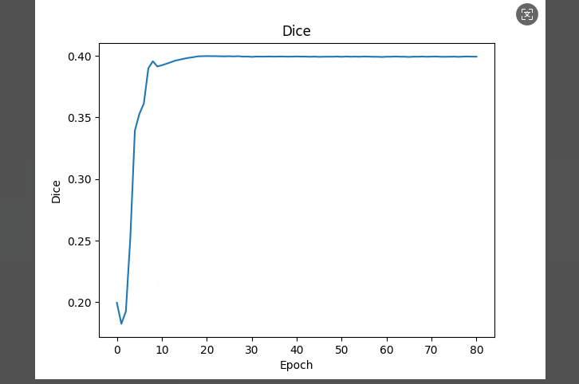

 |  | epoch1 |  | 10 |  |  | 20 |  | 30 |  | 40
 |  | Class-wise Metrics: |  | Class-wise Metrics: |  |  | Class-wise Metrics: |  | Class-wise Metrics: |  | Class-wise Metrics:
 |  | Class | DSC |  | Class | DSC |  |  | Class | DSC |  | Class | DSC |  | Class | DSC
 |  | ---------------------- |  | ---------------------- |  |  | ---------------------- |  | ---------------------- |  | ----------------------
 |  | 1 | 0.3127 |  | 1 | 0.3296 |  |  | 1 | 0.3288 |  | 1 | 0.3301 |  | 1 | 0.3384
 |  | 2 | 0.0154 |  | 2 | 0.0203 |  |  | 2 | 0.0220 |  | 2 | 0.0268 |  | 2 | 0.0562
 |  | 3 | 0.0001 |  | 3 | 0.0001 |  |  | 3 | 0.0002 |  | 3 | 0.0002 |  | 3 | 0.0003
 |  | 4 | 0.0882 |  | 4 | 0.1247 |  |  | 4 | 0.1205 |  | 4 | 0.0955 |  | 4 | 0.0664
 |  | 5 | 0.2783 |  | 5 | 0.1831 |  |  | 5 | 0.1529 |  | 5 | 0.1156 |  | 5 | 0.0846
 |  | 6 | 0.0233 |  | 6 | 0.0176 |  |  | 6 | 0.0251 |  | 6 | 0.0459 |  | 6 | 0.0529
 |  | 7 | 0.1801 |  | 7 | 0.1598 |  |  | 7 | 0.1523 |  | 7 | 0.1508 |  | 7 | 0.1283
 |  | 8 | 0.3226 |  | 8 | 0.2815 |  |  | 8 | 0.2901 |  | 8 | 0.2896 |  | 8 | 0.3155
 |  | 11 | 0.4914 |  | 11 | 0.5608 |  |  | 11 | 0.5594 |  | 11 | 0.5366 |  | 11 | 0.4466
 |  | 12 | 0.2372 |  | 12 | 0.2716 |  |  | 12 | 0.2816 |  | 12 | 0.2739 |  | 12 | 0.2373
 |  | 13 | 0.1374 |  | 13 | 0.1741 |  |  | 13 | 0.1970 |  | 13 | 0.2337 |  | 13 | 0.2545
 |  | 14 | 0.2129 |  | 14 | 0.2541 |  |  | 14 | 0.2628 |  | 14 | 0.2752 |  | 14 | 0.2624
 |  | 15 | 0.0333 |  | 15 | 0.1387 |  |  | 15 | 0.1377 |  | 15 | 0.1120 |  | 15 | 0.0751
 |  | 16 | 0.1560 |  | 16 | 0.1757 |  |  | 16 | 0.1714 |  | 16 | 0.1708 |  | 16 | 0.1597
 |  | 17 | 0.1908 |  | 17 | 0.1502 |  |  | 17 | 0.1339 |  | 17 | 0.1098 |  | 17 | 0.0848

 |  | Average Metrics (across classes): |  | Average Metrics (across classes): |  |  | Average Metrics (across classes): |  | Average Metrics (across classes): |  | Average Metrics (across classes):
 |  | Average DSC: 0.1786 |  | Average DSC: 0.1895 |  |  | Average DSC: 0.1890 |  | Average DSC: 0.1844 |  | Average DSC: 0.1709
 |  |  |  | --- End of Metrics --- |  |  | --- End of Metrics --- |  | --- End of Metrics --- |  | --- End of Metrics ---

 |  |  |  |  |  |  |  |  |  |  |  |  |  | 推论精度
 |  |  |  |  |  |  |  |  |  |  |  |  |  | epoch1 | epoch10 | epoch20 | epoch30 | epoch40
 |  |  |  |  |  |  |  |  |  |  |  |  |  | 0.1786 | 0.1895 | 0.189 | 0.1844 | 0.1709

