artigo
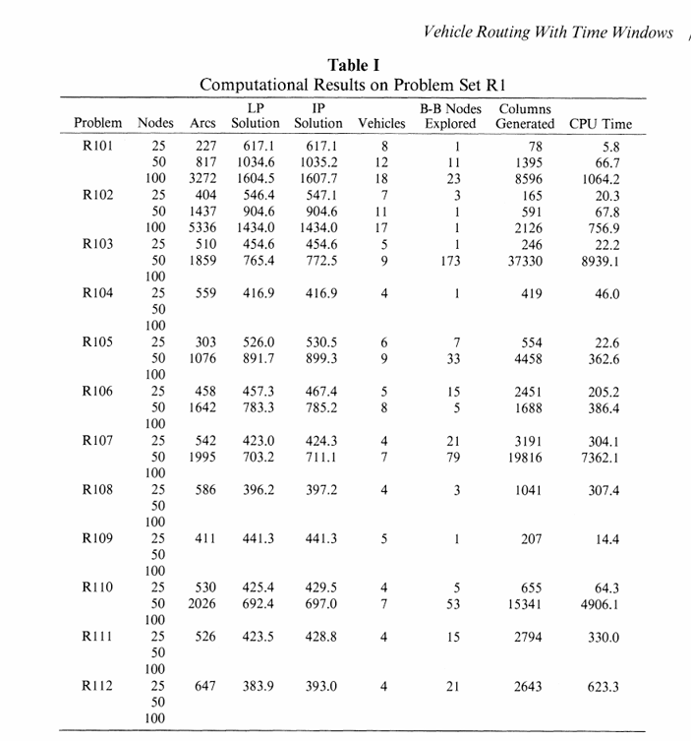
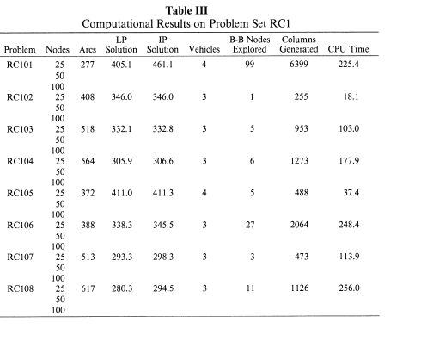
 | ARTIGO BASE
Problema | Nodes | Arcs | LP | IP | Vehicles | BB_Nodes | Columns | CPU
R101 | 25 | 227 | 617.1 | 617.1 | 8 | 1 | 78 | 5.8
R101 | 50 | 817 | 1034.6 | 1035.2 | 12 | 11 | 1395 | 66.7
R101 | 100 | 3272 | 1604.5 | 1607.7 | 18 | 23 | 8596 | 1064.2
R102 | 25 | 404 | 546.4 | 547.1 | 7 | 3 | 165 | 20.3
R102 | 50 | 1437 | 904.6 | 904.6 | 11 | 1 | 591 | 67.8
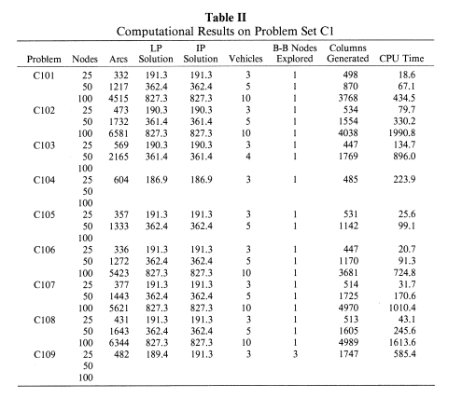
R102 | 100 | 5336 | 1434 | 1434 | 17 | 1 | 2126 | 756.9
R103 | 25 | 510 | 454.6 | 454.6 | 5 | 1 | 246 | 22.2
R103 | 50 | 1859 | 765.4 | 772.5 | 9 | 173 | 37330 | 8939.1
R104 | 25 | 559 | 416.9 | 416.9 | 4 | 1 | 419 | 46
R105 | 25 | 303 | 526 | 530.5 | 6 | 7 | 554 | 22.6
R105 | 50 | 1076 | 891.7 | 899.3 | 9 | 33 | 4458 | 362.6
R106 | 25 | 458 | 457.3 | 467.4 | 5 | 15 | 2451 | 205.2
R106 | 50 | 1642 | 783.3 | 785.2 | 8 | 5 | 1688 | 386.4
R107 | 25 | 542 | 423 | 424.3 | 4 | 21 | 3191 | 304.1
R107 | 50 | 1995 | 703.2 | 711.1 | 7 | 79 | 19816 | 7362.1
R108 | 25 | 586 | 396.2 | 397.2 | 4 | 3 | 1041 | 307.4
R109 | 25 | 411 | 441.3 | 441.3 | 5 | 1 | 207 | 14.4
R110 | 25 | 530 | 425.4 | 429.5 | 4 | 5 | 655 | 64.3
R110 | 50 | 2026 | 692.4 | 697 | 7 | 53 | 15341 | 4906.1
R111 | 25 | 526 | 423.5 | 428.8 | 4 | 15 | 2794 | 330
R112 | 25 | 647 | 383.9 | 393 | 4 | 21 | 2643 | 623.3

C101 | 25 | 332 | 191.3 | 191.3 | 3 | 1 | 498 | 18.6
C101 | 50 | 1217 | 362.4 | 362.4 | 5 | 1 | 870 | 67.1
C101 | 100 | 4515 | 827.3 | 827.3 | 10 | 1 | 3768 | 434.5
C102 | 25 | 473 | 190.3 | 190.3 | 3 | 1 | 534 | 79.7
C102 | 50 | 1732 | 361.4 | 361.4 | 5 | 1 | 1554 | 330.2
C102 | 100 | 6581 | 827.3 | 827.3 | 10 | 1 | 4038 | 1990.8
C103 | 25 | 569 | 190.3 | 190.3 | 3 | 1 | 447 | 134.7
C103 | 50 | 2165 | 361.4 | 361.4 | 4 | 1 | 1769 | 896
C104 | 25 | 604 | 186.9 | 186.9 | 3 | 1 | 485 | 223.9
C105 | 25 | 357 | 191.3 | 191.3 | 3 | 1 | 531 | 25.6
C105 | 50 | 1333 | 362.4 | 362.4 | 5 | 1 | 1142 | 99.1
C106 | 25 | 336 | 191.3 | 191.3 | 3 | 1 | 447 | 20.7
C106 | 50 | 1272 | 362.4 | 362.4 | 5 | 1 | 1170 | 91.3
C106 | 100 | 5423 | 827.3 | 827.3 | 10 | 1 | 3681 | 724.8
C107 | 25 | 377 | 191.3 | 191.3 | 3 | 1 | 514 | 31.7
C107 | 50 | 1443 | 362.4 | 362.4 | 5 | 1 | 1725 | 170.6
C107 | 100 | 5621 | 827.3 | 827.3 | 10 | 1 | 4970 | 1010.4
C108 | 25 | 431 | 191.3 | 191.3 | 3 | 1 | 513 | 43.1
C108 | 50 | 1643 | 362.4 | 362.4 | 5 | 1 | 1605 | 245.6
C108 | 100 | 6344 | 827.3 | 827.3 | 10 | 1 | 4989 | 1613.6
C109 | 25 | 482 | 189.4 | 191.3 | 3 | 3 | 1747 | 585.4

RC101 | 25 | 277 | 405.1 | 461.1 | 4 | 99 | 6399 | 225.4
RC102 | 25 | 408 | 346 | 346 | 3 | 1 | 255 | 18.1
RC103 | 25 | 518 | 332.1 | 332.8 | 3 | 5 | 953 | 103
RC104 | 25 | 564 | 305.9 | 306.6 | 3 | 6 | 1273 | 177.9
RC105 | 25 | 372 | 411 | 411.3 | 4 | 5 | 488 | 37.4
RC106 | 25 | 388 | 338.3 | 345.5 | 3 | 27 | 2064 | 248.4
RC107 | 25 | 513 | 293.3 | 298.3 | 3 | 3 | 473 | 113.9
RC108 | 25 | 617 | 280.3 | 294.5 | 3 | 11 | 1126 | 256

