Hoja1
delta = | 0.25 | m
E = | 2.10E+11 | Pa |  |  |  |  |  |  | -93823.300779
I = | 0.000225 | m^4

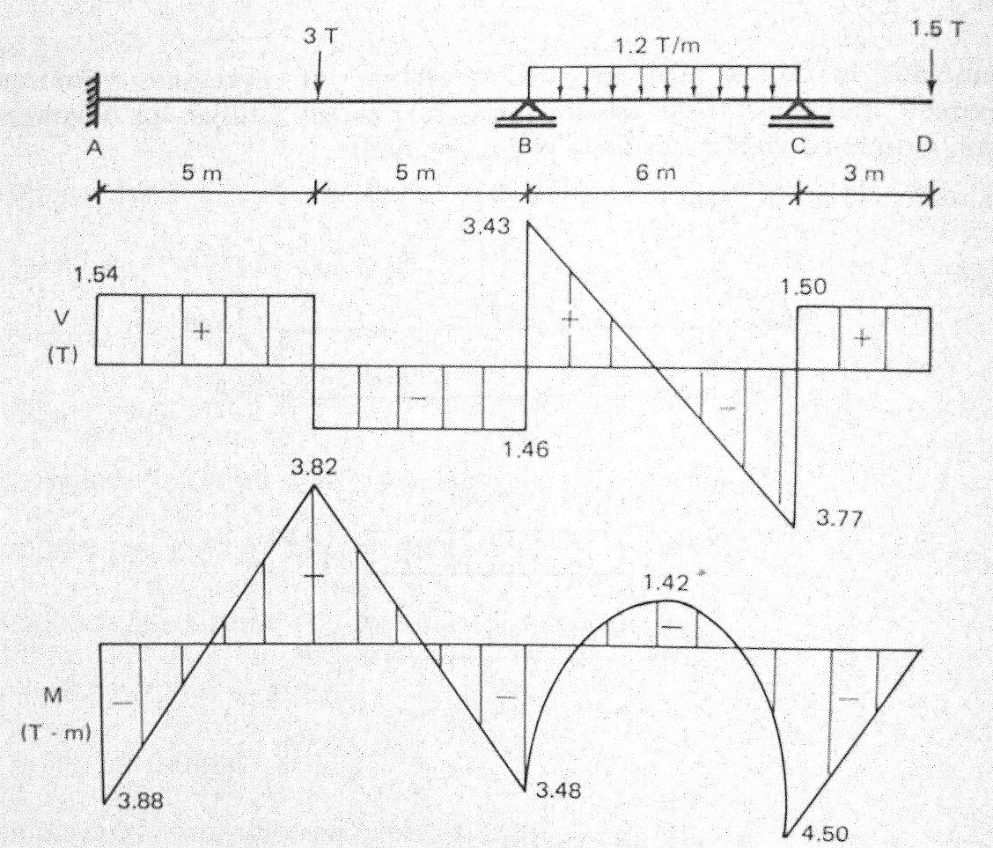
 |  |  | w (m) | theta | M (N-m) | V (N) | q (N/m)
x | q (N/m) |  | -2.5695E-09
0.00 | 0 |  | 0.0000E+00 | 0.0000E+00 | -3.8850 | 1.5405 | 0.0000
0.25 | 0 |  | -2.5695E-09 | -1.9537E-08 | -3.4999 | 1.5405 | 0.0000 | q
0.50 | 0 |  | -9.7684E-09 | -3.7036E-08 | -3.1148 | 1.5405 | 0.0000
0.75 | 0 |  | -2.1087E-08 | -5.2497E-08 | -2.7296 | 1.5405 | 0.0000
1.00 | 0 |  | -3.6017E-08 | -6.5921E-08 | -2.3445 | 1.5405 | 0.0000
1.25 | 0 |  | -5.4048E-08 | -7.7307E-08 | -1.9594 | 1.5405 | 0.0000
1.50 | 0 |  | -7.4670E-08 | -8.6655E-08 | -1.5742 | 1.5405 | 0.0000
1.75 | 0 |  | -9.7375E-08 | -9.3965E-08 | -1.1891 | 1.5405 | 0.0000
2.00 | 0 |  | -1.2165E-07 | -9.9238E-08 | -0.8040 | 1.5405 | 0.0000
2.25 | 0 |  | -1.4699E-07 | -1.0247E-07 | -0.4188 | 1.5405 | 0.0000
2.50 | 0 |  | -1.7289E-07 | -1.0367E-07 | -0.0337 | 1.5405 | 0.0000 | V
2.75 | 0 |  | -1.9883E-07 | -1.0283E-07 | 0.3514 | 1.5405 | 0.0000
3.00 | 0 |  | -2.2430E-07 | -9.9951E-08 | 0.7366 | 1.5405 | 0.0000
3.25 | 0 |  | -2.4880E-07 | -9.5035E-08 | 1.1217 | 1.5405 | 0.0000
3.50 | 0 |  | -2.7182E-07 | -8.8081E-08 | 1.5068 | 1.5405 | 0.0000
3.75 | 0 |  | -2.9284E-07 | -7.9089E-08 | 1.8920 | 1.5405 | 0.0000
4.00 | 0 |  | -3.1137E-07 | -6.8060E-08 | 2.2771 | 1.5405 | 0.0000
4.25 | 0 |  | -3.2687E-07 | -5.4993E-08 | 2.6622 | 1.5405 | 0.0000
4.50 | 0 |  | -3.3886E-07 | -3.9888E-08 | 3.0474 | 1.5405 | 0.0000
4.75 | 0 |  | -3.4682E-07 | -2.2746E-08 | 3.4325 | 1.5405 | -3.0000 | M
5.00 | -12 |  | -3.5023E-07 | -3.5653E-09 | 3.8176 | 0.0405 | -6.0000
5.25 | 0 |  | -3.4860E-07 | 1.5669E-08 | 3.4528 | -1.4595 | -3.0000
5.50 | 0 |  | -3.4240E-07 | 3.2972E-08 | 3.0879 | -1.4595 | 0.0000
5.75 | 0 |  | -3.3212E-07 | 4.8345E-08 | 2.7230 | -1.4595 | 0.0000
6.00 | 0 |  | -3.1823E-07 | 6.1787E-08 | 2.3582 | -1.4595 | 0.0000
6.25 | 0 |  | -3.0122E-07 | 7.3299E-08 | 1.9933 | -1.4595 | 0.0000
6.50 | 0 |  | -2.8158E-07 | 8.2880E-08 | 1.6284 | -1.4595 | 0.0000
6.75 | 0 |  | -2.5978E-07 | 9.0531E-08 | 1.2636 | -1.4595 | 0.0000
7.00 | 0 |  | -2.3631E-07 | 9.6251E-08 | 0.8987 | -1.4595 | 0.0000 | theta
7.25 | 0 |  | -2.1166E-07 | 1.0004E-07 | 0.5338 | -1.4595 | 0.0000
7.50 | 0 |  | -1.8629E-07 | 1.0190E-07 | 0.1690 | -1.4595 | 0.0000
7.75 | 0 |  | -1.6071E-07 | 1.0183E-07 | -0.1959 | -1.4595 | 0.0000
8.00 | 0 |  | -1.3538E-07 | 9.9827E-08 | -0.5608 | -1.4595 | 0.0000
8.25 | 0 |  | -1.1079E-07 | 9.5895E-08 | -0.9256 | -1.4595 | 0.0000
8.50 | 0 |  | -8.7430E-08 | 9.0032E-08 | -1.2905 | -1.4595 | 0.0000
8.75 | 0 |  | -6.5776E-08 | 8.2239E-08 | -1.6554 | -1.4595 | 0.0000
9.00 | 0 |  | -4.6311E-08 | 7.2515E-08 | -2.0202 | -1.4595 | 0.0000
9.25 | 0 |  | -2.9518E-08 | 6.0861E-08 | -2.3851 | -1.4595 | 0.0000 | w
9.50 | 0 |  | -1.5880E-08 | 4.7276E-08 | -2.7500 | -1.4595 | 0.0000
9.75 | 0 |  | -5.8801E-09 | 3.1761E-08 | -3.1148 | -1.4595 | 4.7394
10.00 | -0.6 |  | 0.0000E+00 | 1.4315E-08 | -3.4797 | 0.9102 | 9.1788
10.25 | -1.2 |  | 1.2773E-09 | -1.9269E-09 | -2.6597 | 3.1300 | 3.8394
10.50 | -1.2 |  | -9.6345E-10 | -1.4029E-08 | -1.9147 | 2.8300 | -1.2000
10.75 | -1.2 |  | -5.7370E-09 | -2.2387E-08 | -1.2447 | 2.5300 | -1.2000
11.00 | -1.2 |  | -1.2157E-08 | -2.7399E-08 | -0.6498 | 2.2300 | -1.2000
11.25 | -1.2 |  | -1.9436E-08 | -2.9461E-08 | -0.1298 | 1.9300 | -1.2000
11.50 | -1.2 |  | -2.6887E-08 | -2.8970E-08 | 0.3152 | 1.6300 | -1.2000
11.75 | -1.2 |  | -3.3922E-08 | -2.6324E-08 | 0.6852 | 1.3300 | -1.2000
12.00 | -1.2 |  | -4.0049E-08 | -2.1918E-08 | 0.9802 | 1.0300 | -1.2000
12.25 | -1.2 |  | -4.4881E-08 | -1.6150E-08 | 1.2002 | 0.7300 | -1.2000
12.50 | -1.2 |  | -4.8124E-08 | -9.4159E-09 | 1.3452 | 0.4300 | -1.2000
12.75 | -1.2 |  | -4.9588E-08 | -2.1135E-09 | 1.4152 | 0.1300 | -1.2000
13.00 | -1.2 |  | -4.9181E-08 | 5.3609E-09 | 1.4101 | -0.1700 | -1.2000
13.25 | -1.2 |  | -4.6908E-08 | 1.2610E-08 | 1.3301 | -0.4700 | -1.2000
13.50 | -1.2 |  | -4.2876E-08 | 1.9238E-08 | 1.1751 | -0.7700 | -1.2000
13.75 | -1.2 |  | -3.7289E-08 | 2.4847E-08 | 0.9451 | -1.0700 | -1.2000
14.00 | -1.2 |  | -3.0452E-08 | 2.9041E-08 | 0.6401 | -1.3700 | -1.2000
14.25 | -1.2 |  | -2.2769E-08 | 3.1422E-08 | 0.2601 | -1.6700 | -1.2000
14.50 | -1.2 |  | -1.4741E-08 | 3.1595E-08 | -0.1949 | -1.9700 | -1.2000
14.75 | -1.2 |  | -6.9713E-09 | 2.9161E-08 | -0.7249 | -2.2700 | -1.2000
15.00 | -1.2 |  | -1.6047E-10 | 2.3725E-08 | -1.3300 | -2.5700 | -1.2000
15.25 | -1.2 |  | 4.8912E-09 | 1.4889E-08 | -2.0100 | -2.8700 | -1.2000
15.50 | -1.2 |  | 7.2841E-09 | 2.2571E-09 | -2.7650 | -3.1700 | -1.2000
15.75 | -1.2 |  | 6.0197E-09 | -1.4568E-08 | -3.5950 | -3.4700 | 4.2200
16.00 | -0.6 |  | 0.0000E+00 | -3.5984E-08 | -4.5000 | -1.0600 | 9.9401
16.25 | 0 |  | -1.1972E-08 | -5.8801E-08 | -4.1250 | 1.5000 | 5.1200
16.50 | 0 |  | -2.9401E-08 | -7.9634E-08 | -3.7500 | 1.5000 | 0.0000
16.75 | 0 |  | -5.1789E-08 | -9.8484E-08 | -3.3750 | 1.5000 | 0.0000
17.00 | 0 |  | -7.8642E-08 | -1.1535E-07 | -3.0000 | 1.5000 | 0.0000
17.25 | 0 |  | -1.0946E-07 | -1.3023E-07 | -2.6250 | 1.5000 | 0.0000
17.50 | 0 |  | -1.4376E-07 | -1.4313E-07 | -2.2500 | 1.5000 | 0.0000
17.75 | 0 |  | -1.8103E-07 | -1.5404E-07 | -1.8750 | 1.5000 | 0.0000
18.00 | 0 |  | -2.2078E-07 | -1.6297E-07 | -1.5000 | 1.5000 | 0.0000
18.25 | 0 |  | -2.6251E-07 | -1.6991E-07 | -1.1250 | 1.5000 | 0.0000
18.50 | 0 |  | -3.0573E-07 | -1.7487E-07 | -0.7500 | 1.5000 | 0.0000
18.75 | 0 |  | -3.4995E-07 | -1.7785E-07 | -0.3750 | 1.5000 | 0.0000
19.00 | 0 |  | -3.9466E-07 | -1.7884E-07 | 0.0000 | 1.5000 | 0.0000
 |  |  | -4.3937E-07
 |  |  | -4.8358E-07

