Hoja2
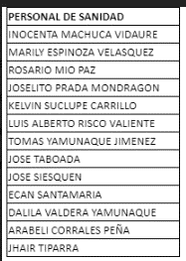
VIGILANCIA | MOI
SANIDAD | MOI
MANTENIMIENTO | MOI
CALIDAD | MOI
ALMACEN | MOI
DESPACHOS | MOI

