rect_Al7075_2mm_13x9.5_13x5
Sat_Bandeja_Inf_9rig_rect_Al7075_2mm_13x9.5_13x5

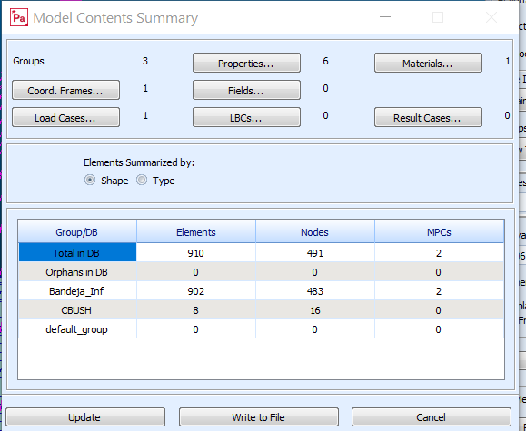

 | MODE EXTRACTION EIGENVALUE RADIANS CYCLES GENERALIZED GENERALIZED
 | NO. ORDER MASS STIFFNESS
 | 1 1 1.647818E+05 4.059332E+02 6.460628E+01 1.000000E+00 1.647818E+05
 | 2 2 1.647936E+05 4.059477E+02 6.460859E+01 1.000000E+00 1.647936E+05
 | 3 3 9.401159E+05 9.695957E+02 1.543160E+02 1.000000E+00 9.401159E+05
 | 4 4 2.231530E+06 1.493831E+03 2.377505E+02 1.000000E+00 2.231530E+06
 | 5 5 3.910143E+06 1.977408E+03 3.147143E+02 1.000000E+00 3.910143E+06
 | 6 6 3.910146E+06 1.977409E+03 3.147144E+02 1.000000E+00 3.910146E+06
 | 7 7 3.966352E+07 6.297898E+03 1.002342E+03 1.000000E+00 3.966352E+07
 | 8 8 1.170977E+08 1.082117E+04 1.722243E+03 1.000000E+00 1.170977E+08
 | 9 9 1.170978E+08 1.082117E+04 1.722243E+03 1.000000E+00 1.170978E+08
 | 10 10 1.396402E+08 1.181695E+04 1.880725E+03 1.000000E+00 1.396402E+08

 | 0 MAXIMUM DISPLACEMENTS
 | SUBCASE/
 | DAREA ID T1 T2 T3 R1 R2 R3
 | 0 1 1.0874797E-01 1.1596850E-01 1.2978412E-01 2.2539689E+00 2.1136287E+00 1.5961752E-01
 | 0 2 1.1596852E-01 1.0874797E-01 1.2978789E-01 2.1137593E+00 2.2540970E+00 1.5962622E-01
 | 0 3 3.5382661E-03 3.5381805E-03 1.5672593E-01 5.3217087E+00 5.3217204E+00 3.9346087E-01
 | 0 4 9.0585863E-03 9.0585736E-03 4.5171630E-01 4.5178268E+00 4.5178291E+00 3.3068563E-01
 | 0 5 1.7142221E-01 2.4094461E-01 4.4087222E-01 5.6506370E+00 5.6402290E+00 5.2407512E-01
 | 0 6 2.4094461E-01 1.7142221E-01 4.4087238E-01 5.6402489E+00 5.6506461E+00 5.2407561E-01
 | 0 7 4.2783860E-02 4.2784155E-02 2.4189149E+00 2.9489920E+01 2.9489920E+01 2.1964137E+00
 | 0 8 8.7269945E-02 1.0564005E-01 2.1329714E+00 5.5874093E+01 5.4162688E+01 3.5139973E+00
 | 0 9 1.0563971E-01 8.7269681E-02 2.1329725E+00 5.4162738E+01 5.5874136E+01 3.5139992E+00
 | 0 10 6.9763363E-02 6.9763260E-02 1.8678570E+00 5.2460771E+01 5.2460816E+01 5.6078861E+00
 | 1 MSC.NASTRAN JOB CREATED ON 22-APR-21 AT 00:32:16 **STUDENT EDITION* APRIL 22, 2021 MSC Nastran 8/ 4/20 PAGE 9

It1 - 11 rig
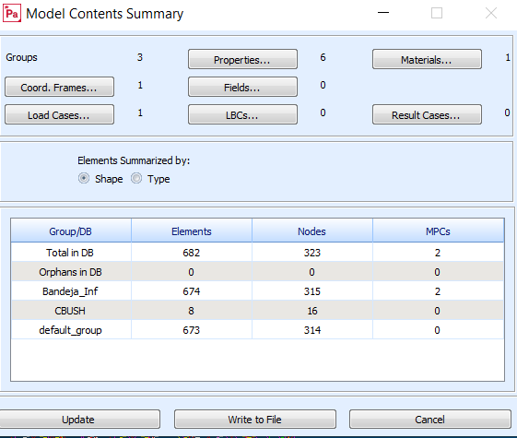
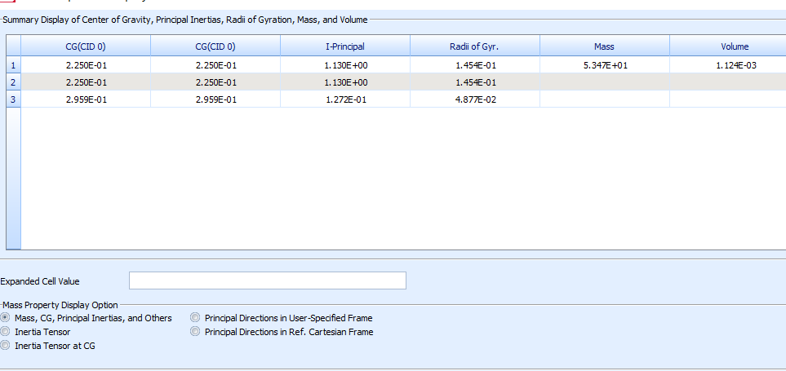
TIPO DE ELEMENTO | NUMERACIÓN
NODOS GEOMETRIA | 1000-1480
ELEMENTOS TRIA | 3000-3179
ELEMENTOS QUAD | 1000-1359
NODOS APLIACION MASA | 4560

PUNTO GEOMETRIA M_equip | 126
PUNTO GEOMETRIA M_sat | 127
RBE2 M_equip | 4000-
MPC ID: 4561
RBE2 M_sat | 5000-
MPC ID: 4562
NODOS CBUSH | 1-8
ELEMENTOS CBUSH | 1-8

