data
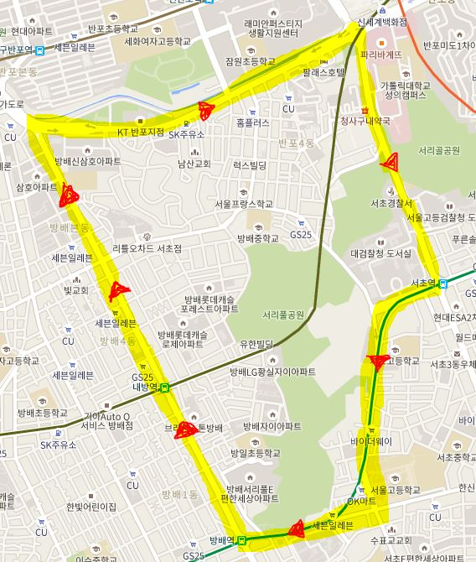
index | timestamp | double | double | int | int | boolean
ID | TIMESTAMP | LATITUDE | LONGITUDE | LANE | SIGN_NUM | INTER
1 | 2015-09-14 12:10:01 | 37.484578 | 126.995579 | 2 | 3 | FALSE
2 | 2015-09-14 12:10:30 | 37.486613 | 126.994324 | 3 | 2 | FALSE
3 | 2015-09-14 12:11:00 | 37.487618 | 126.993616 | 3 | NULL | TRUE
4 | 2015-09-14 12:12:01 | 37.491065 | 126.991546 | 2 | 3 | FALSE
5 | 2015-09-14 12:12:31 | 37.493772 | 126.989818 | 2 | 1 | FALSE
6 | 2015-09-14 12:13:01 | 37.496760 | 126.987877 | 3 | 2 | FALSE
7 | 2015-09-14 12:14:01 | 37.498156 | 126.987104 | 2 | 1 | FALSE
8 | 2015-09-14 12:15:01 | 37.498134 | 126.989944 | 2 | 3 | FALSE
9 | 2015-09-14 12:16:01 | 37.499474 | 126.996899 | 4 | 4 | TRUE
10 | 2015-09-14 12:17:01 | 37.500921 | 127.000579 | 2 | 1 | FALSE
11 | 2015-09-14 12:18:01 | 37.501824 | 127.003057 | 4 | NULL | TRUE
12 | 2015-09-14 12:19:01 | 37.499292 | 127.004141 | 4 | 2 | FALSE
13 | 2015-09-14 12:20:01 | 37.496772 | 127.005160 | 4 | 3 | FALSE
14 | 2015-09-14 12:21:01 | 37.493606 | 127.006662 | 4 | 1 | FALSE
15 | 2015-09-14 12:22:01 | 37.491971 | 127.007563 | 4 | NULL | TRUE
16 | 2015-09-14 12:23:01 | 37.489145 | 127.004516 | 2 | 2 | FALSE
17 | 2015-09-14 12:24:01 | 37.486629 | 127.004167 | 2 | 3 | FALSE
18 | 2015-09-14 12:25:01 | 37.484318 | 127.003781 | 2 | 1 | FALSE
19 | 2015-09-14 12:26:01 | 37.482747 | 127.004441 | 3 | NULL | TRUE
20 | 2015-09-14 12:27:01 | 37.481691 | 126.999742 | 3 | 2 | FALSE
21 | 2015-09-15 12:28:01 | 37.481602 | 126.997795 | 3 | 3 | TRUE
22 | 2015-09-16 12:29:01 | 37.482283 | 126.997065 | 3 | 1 | FALSE

sign data





id | sign
1 | stop
2 | no straight
3 | no parking
4 | no passing
5 | speed limit

