summary
Demonstrated Reliability
 | CLB 90% - 10% |  | CLB 90% - 10% |  | CLB 90% - 10% |  | R1 |  | R2 |  | R3 |  | today |  | R Ref |  | Weibull SR |  | Weibull G3
 | 72% | 0 | 97% | 0 | 95% | 0 | 00% | 0 | 00% | 0 | 00% | 7728 | 0.00 | 7728 | 94% | 0 | 100% | 0 | 100%
 | 72% | 232 | 97% | 232 | 95% | 232 | 00% | 232 | 00% | 232 | 08% | 7728 | 1.00 |  |  | 232 | 100% | 232 | 100%
 | 72% | 618 | 97% | 618 | 95% | 618 | 01% | 618 | 00% | 618 | 53% |  |  |  |  | 618 | 100% | 618 | 100%
 | 72% | 1159 | 97% | 1159 | 95% | 1159 | 30% | 1159 | 02% | 1159 | 83% |  |  |  |  | 1159 | 100% | 1159 | 99%
 | 72% | 1546 | 97% | 1546 | 95% | 1546 | 50% | 1546 | 10% | 1546 | 90% |  |  |  |  | 1546 | 100% | 1546 | 99%
 | 72% | 1932 | 97% | 1932 | 95% | 1932 | 63% | 1932 | 22% | 1932 | 93% |  |  |  |  | 1932 | 100% | 1932 | 99%
 | 61% | 2318 | 97% | 2318 | 95% | 2318 | 73% | 2318 | 34% | 2318 | 95% |  |  |  |  | 2318 | 100% | 2318 | 99%
 | 51% | 2705 | 97% | 2705 | 95% | 2705 | 79% | 2705 | 46% | 2705 | 96% |  |  |  |  | 2705 | 100% | 2705 | 98%
 | 43% | 3091 | 97% | 3091 | 95% | 3091 | 83% | 3091 | 54% | 3091 | 97% |  |  |  |  | 3091 | 100% | 3091 | 98%
 | 36% | 3478 | 97% | 3478 | 95% | 3478 | 87% | 3478 | 62% | 3478 | 98% |  |  |  |  | 3478 | 100% | 3478 | 98%
 | 30% | 3864 | 97% | 3864 | 95% | 3864 | 89% | 3864 | 69% | 3864 | 98% |  |  |  |  | 3864 | 100% | 3864 | 98%
 | 25% | 4250 | 97% | 4250 | 95% | 4250 | 91% | 4250 | 74% | 4250 | 99% |  |  |  |  | 4250 | 100% | 4250 | 98%
 | 21% | 4637 | 97% | 4637 | 95% | 4637 | 93% | 4637 | 78% | 4637 | 99% |  |  |  |  | 4637 | 100% | 4637 | 97%
 | 18% | 5023 | 97% | 5023 | 95% | 5023 | 94% | 5023 | 82% | 5023 | 99% |  |  |  |  | 5023 | 100% | 5023 | 97%
 | 15% | 5410 | 97% | 5410 | 95% | 5410 | 95% | 5410 | 84% | 5410 | 99% |  |  |  |  | 5410 | 100% | 5410 | 97%
 | 13% | 5796 | 97% | 5796 | 95% | 5796 | 96% | 5796 | 87% | 5796 | 99% |  |  |  |  | 5796 | 100% | 5796 | 97%
 | 11% | 6182 | 97% | 6182 | 95% | 6182 | 96% | 6182 | 89% | 6182 | 99% |  |  |  |  | 6182 | 100% | 6182 | 97%
 | 09% | 6569 | 97% | 6569 | 95% | 6569 | 97% | 6569 | 90% | 6569 | 100% |  |  |  |  | 6569 | 100% | 6569 | 96%
 | 08% | 6955 | 97% | 6955 | 95% | 6955 | 97% | 6955 | 92% | 6955 | 100% |  |  |  |  | 6955 | 100% | 6955 | 96%
 | 07% | 7342 | 97% | 7342 | 95% | 7342 | 98% | 7342 | 93% | 7342 | 100% |  |  |  |  | 7342 | 100% | 7342 | 96%
 | 06% | 7728 | 97% | 7728 | 95% | 7728 | 98% | 7728 | 94% | 7728 | 100% |  |  |  |  | 7728 | 100% | 7728 | 96%
 | 05% | 8501 | 97% | 8501 | 95% | 8501 | 98% | 8501 | 95% | 8501 | 100% |  |  |  |  | 8501 | 100% | 8501 | 95%
 | 07% | 8501 | 97% | 8501 | 95% | 8501 | 96% | 8501 | 92% | 8501 | 99% |  |  |  |  | 8501 | 100% | 8501 | 95%
 | 06% | 8887 | 97% | 8887 | 95% | 8887 | 97% | 8887 | 92% | 8887 | 99% |  |  |  |  | 8887 | 100% | 8887 | 95%
 | 06% | 9274 | 97% | 9274 | 95% | 9274 | 97% | 9274 | 93% | 9274 | 99% |  |  |  |  | 9274 | 100% | 9274 | 95%
 | 05% | 9660 | 97% | 9660 | 95% | 9660 | 97% | 9660 | 94% | 9660 | 99% |  |  |  |  | 9660 | 100% | 9660 | 95%
 | 05% | 10046 | 97% | 10046 | 95% | 10046 | 97% | 10046 | 94% | 10046 | 99% |  |  |  |  | 10046 | 99% | 10046 | 95%
 | 04% | 10819 | 97% | 10819 | 95% | 10819 | 98% | 10819 | 95% | 10819 | 99% |  |  |  |  | 10819 | 99% | 10819 | 94%
 | 05% | 10819 | 97% | 10819 | 95% | 10819 | 97% | 10819 | 93% | 10819 | 99% |  |  |  |  | 10819 | 99% | 10819 | 94%
 | 05% | 11206 | 97% | 11206 | 95% | 11206 | 97% | 11206 | 94% | 11206 | 99% |  |  |  |  | 11206 | 99% | 11206 | 94%
 | 05% | 11592 | 97% | 11592 | 95% | 11592 | 97% | 11592 | 94% | 11592 | 99% |  |  |  |  | 11592 | 99% | 11592 | 94%
 | 04% | 11978 | 97% | 11978 | 95% | 11978 | 97% | 11978 | 94% | 11978 | 99% |  |  |  |  | 11978 | 99% | 11978 | 94%
 | 04% | 12365 | 97% | 12365 | 95% | 12365 | 97% | 12365 | 95% | 12365 | 99% |  |  |  |  | 12365 | 99% | 12365 | 93%
 | 04% | 12751 | 97% | 12751 | 95% | 12751 | 97% | 12751 | 95% | 12751 | 99% |  |  |  |  | 12751 | 99% | 12751 | 93%
 | 04% | 13138 | 97% | 13138 | 95% | 13138 | 98% | 13138 | 95% | 13138 | 99% |  |  |  |  | 13138 | 99% | 13138 | 93%
 | 04% | 13524 | 97% | 13524 | 95% | 13524 | 98% | 13524 | 95% | 13524 | 99% |  |  |  |  | 13524 | 99% | 13524 | 93%
 | 03% | 13910 | 97% | 13910 | 95% | 13910 | 98% | 13910 | 96% | 13910 | 99% |  |  |  |  | 13910 | 99% | 13910 | 93%
 | 03% | 14297 | 97% | 14297 | 95% | 14297 | 98% | 14297 | 96% | 14297 | 99% |  |  |  |  | 14297 | 99% | 14297 | 92%
 | 03% | 14683 | 97% | 14683 | 95% | 14683 | 98% | 14683 | 96% | 14683 | 99% |  |  |  |  | 14683 | 99% | 14683 | 92%
 | 03% | 15070 | 97% | 15070 | 95% | 15070 | 98% | 15070 | 96% | 15070 | 99% |  |  |  |  | 15070 | 99% | 15070 | 92%
 | 03% | 15456 | 97% | 15456 | 95% | 15456 | 98% | 15456 | 96% | 15456 | 99% |  |  |  |  | 15456 | 99% | 15456 | 92%
 |  |  |  |  |  |  | Pn | 1013 | mbar | Tn | 0 | °C | 9.8 | kWh / mn3
Validation Fleet Status |  | Date | 12/25/20 |  |  |  | ETAMOT not fully plausible ?
624 | 18 |  | Cum hours | 78048
620 | 6 |  | Fl Leader | 6341
616 | 7 |  | Avg hours | 2439 |  |  |  |  |  |  |  |  |  | 0
612 | 1 |  | 2000 | 16 |  |  |  |  |  |  |  |  |  | 0
Sum Engines | 32 |  | 4000 | 4 |  |  |  |  |  |  |  |  |  | 0
Sum PU's | 676 |  | 6000 | 2 |  |  |  |  |  |  |  |  |  | 0
 |  |  |  |  |  |  |  |  |  |  |  |  |  | 0
Beta | Running | Available | Not Available | Error |  |  |  |  |  |  |  |  |  | 0
1.210 | 18 | 6 | 8 | 0 |  |  |  |  |  |  |  |  |  | 0
 |  |  |  |  |  |  |  |  |  |  |  |  |  | 0
 | T | CL | BETA | R |  |  |  |  |  |  |  |  |  | 0
R1 | 30000 | 50% | 1.210 | 98.1% |  |  |  |  |  |  |  |  |  | 0
R2 | 30000 | 90% | 1.210 | 93.7% |  |  |  |  |  |  |  |  |  | 0
R3 | 30000 | 10% | 1.210 | 99.7% |  |  |  |  |  |  |  |  |  | 0
 |  |  |  |  |  |  |  |  |  |  |  |  |  | 0
Field Validation Results vs. CTQ's |  |  |  | CTQ |  |  |  |  |  |  |  |  |  | 0
1. R(CL 50%) > 97% @ß = |  | 1.210 | 98.1% | 97% |  |  |  |  |  |  |  |  |  | 0
2. R(CL 90%) > 90% @ß = |  | 1.210 | 93.7% | 90% |  |  |  |  |  |  |  |  |  | 0
3. 4 Engines > 6000 oph |  |  | 2 | 4 |  |  |  |  |  |  |  |  |  | 0
 |  |  |  |  | 1.210 | 1.21 |  |  |  |  |  |  |  | 0
 | BR6 |  | hours s. VS | 7728 | 6341 | 6341 |  |  |  |  |  |  |  | 0
Bohrung [mm] | 190 |  | pess PU F | 7.9% | 232.2 | 232.2 |  |  |  |  |  |  |  | 0
Hub [mm] | 220 |  | pess PU F | 53 | 98.0% |  |  |  |  |  |  |  |  | 0
Validation Fleet oph
 |  |  | Date |  | Date line |  | 2000 |  | 6000 |  | 1386177 |  | 1393153 |  | 1320072 |  | 1184199 |  | 1352268 |  | 1320022 |  | 1250575
2/7/20 | 0 | 12/25/20 | 6341 | 12/25/20 | 0 | 2/7/20 | 2000 | 2/7/20 | 6000 | 2/7/20 | 0 | 2/7/20 | 0 | 2/7/20 | 0 | 2/7/20 | 0 | 2/7/20 | 0 | 2/7/20 | 0 | 2/7/20 | 0
2/16/20 | 232 |  |  | 12/25/20 | 6341 | 11/12/21 | 2000 | 11/12/21 | 6000 | 2/16/20 | 0 | 2/16/20 | 0 | 2/16/20 | 157 | 2/16/20 | 0 | 2/16/20 | 0 | 2/16/20 | 0 | 2/16/20 | 0
3/3/20 | 618 |  |  |  |  |  |  |  |  | 3/3/20 | 37 | 3/3/20 | 0 | 3/3/20 | 418 | 3/3/20 | 0 | 3/3/20 | 0 | 3/3/20 | 0 | 3/3/20 | 0
3/26/20 | 1159 |  |  |  |  |  |  |  |  | 3/26/20 | 517 | 3/26/20 | 74 | 3/26/20 | 784 | 3/26/20 | 0 | 3/26/20 | 0 | 3/26/20 | 0 | 3/26/20 | 0
4/11/20 | 1546 |  |  |  |  |  |  |  |  | 4/11/20 | 860 | 4/11/20 | 433 | 4/11/20 | 1045 | 4/11/20 | 0 | 4/11/20 | 0 | 4/11/20 | 0 | 4/11/20 | 0
4/27/20 | 1932 |  |  |  |  |  |  |  |  | 4/27/20 | 1202 | 4/27/20 | 792 | 4/27/20 | 1307 | 4/27/20 | 10 | 4/27/20 | 0 | 4/27/20 | 0 | 4/27/20 | 0
5/13/20 | 2318 |  |  |  |  |  |  |  |  | 5/13/20 | 1545 | 5/13/20 | 1151 | 5/13/20 | 1568 | 5/13/20 | 348 | 5/13/20 | 151 | 5/13/20 | 0 | 5/13/20 | 0
5/29/20 | 2705 |  |  |  |  |  |  |  |  | 5/29/20 | 1887 | 5/29/20 | 1510 | 5/29/20 | 1829 | 5/29/20 | 685 | 5/29/20 | 405 | 5/29/20 | 0 | 5/29/20 | 0
6/14/20 | 3091 |  |  |  |  |  |  |  |  | 6/14/20 | 2230 | 6/14/20 | 1869 | 6/14/20 | 2090 | 6/14/20 | 1023 | 6/14/20 | 659 | 6/14/20 | 119 | 6/14/20 | 0
6/30/20 | 3478 |  |  |  |  |  |  |  |  | 6/30/20 | 2573 | 6/30/20 | 2228 | 6/30/20 | 2352 | 6/30/20 | 1360 | 6/30/20 | 913 | 6/30/20 | 401 | 6/30/20 | 275
7/17/20 | 3864 |  |  |  |  |  |  |  |  | 7/17/20 | 2915 | 7/17/20 | 2587 | 7/17/20 | 2613 | 7/17/20 | 1698 | 7/17/20 | 1167 | 7/17/20 | 683 | 7/17/20 | 554
8/2/20 | 4250 |  |  |  |  |  |  |  |  | 8/2/20 | 3258 | 8/2/20 | 2946 | 8/2/20 | 2874 | 8/2/20 | 2035 | 8/2/20 | 1421 | 8/2/20 | 965 | 8/2/20 | 833
8/18/20 | 4637 |  |  |  |  |  |  |  |  | 8/18/20 | 3600 | 8/18/20 | 3305 | 8/18/20 | 3136 | 8/18/20 | 2373 | 8/18/20 | 1674 | 8/18/20 | 1246 | 8/18/20 | 1111
9/3/20 | 5023 |  |  |  |  |  |  |  |  | 9/3/20 | 3943 | 9/3/20 | 3664 | 9/3/20 | 3397 | 9/3/20 | 2710 | 9/3/20 | 1928 | 9/3/20 | 1528 | 9/3/20 | 1390
9/19/20 | 5410 |  |  |  |  |  |  |  |  | 9/19/20 | 4285 | 9/19/20 | 4024 | 9/19/20 | 3658 | 9/19/20 | 3048 | 9/19/20 | 2182 | 9/19/20 | 1810 | 9/19/20 | 1669
10/5/20 | 5796 |  |  |  |  |  |  |  |  | 10/5/20 | 4628 | 10/5/20 | 4383 | 10/5/20 | 3920 | 10/5/20 | 3385 | 10/5/20 | 2436 | 10/5/20 | 2092 | 10/5/20 | 1947
10/21/20 | 6182 |  |  |  |  |  |  |  |  | 10/21/20 | 4971 | 10/21/20 | 4742 | 10/21/20 | 4181 | 10/21/20 | 3723 | 10/21/20 | 2690 | 10/21/20 | 2374 | 10/21/20 | 2226
11/6/20 | 6569 |  |  |  |  |  |  |  |  | 11/6/20 | 5313 | 11/6/20 | 5101 | 11/6/20 | 4442 | 11/6/20 | 4060 | 11/6/20 | 2944 | 11/6/20 | 2656 | 11/6/20 | 2505
11/22/20 | 6955 |  |  |  |  |  |  |  |  | 11/22/20 | 5656 | 11/22/20 | 5460 | 11/22/20 | 4703 | 11/22/20 | 4398 | 11/22/20 | 3197 | 11/22/20 | 2937 | 11/22/20 | 2784
12/8/20 | 7342 |  |  |  |  |  |  |  |  | 12/8/20 | 5998 | 12/8/20 | 5819 | 12/8/20 | 4965 | 12/8/20 | 4735 | 12/8/20 | 3451 | 12/8/20 | 3219 | 12/8/20 | 3062
12/25/20 | 7728 |  |  |  |  |  |  |  |  | 12/25/20 | 6341 | 12/25/20 | 6178 | 12/25/20 | 5226 | 12/25/20 | 5073 | 12/25/20 | 3705 | 12/25/20 | 3501 | 12/25/20 | 3341
1/26/21 | 8501 |  |  |  |  |  |  |  |  | 1/26/21 | 7026 | 1/26/21 | 6896 | 1/26/21 | 5749 | 1/26/21 | 5748 | 1/26/21 | 4213 | 1/26/21 | 4065 | 1/26/21 | 3898
1/26/21 | 8501 |  |  |  |  |  |  |  |  | 1/26/21 | 7026 | 1/26/21 | 6896 | 1/26/21 | 5749 | 1/26/21 | 5748 | 1/26/21 | 4213 | 1/26/21 | 4065 | 1/26/21 | 3898
2/11/21 | 8887 |  |  |  |  |  |  |  |  | 2/11/21 | 7369 | 2/11/21 | 7255 | 2/11/21 | 6010 | 2/11/21 | 6086 | 2/11/21 | 4466 | 2/11/21 | 4346 | 2/11/21 | 4177
2/27/21 | 9274 |  |  |  |  |  |  |  |  | 2/27/21 | 7711 | 2/27/21 | 7614 | 2/27/21 | 6271 | 2/27/21 | 6423 | 2/27/21 | 4720 | 2/27/21 | 4628 | 2/27/21 | 4456
3/15/21 | 9660 |  |  |  |  |  |  |  |  | 3/15/21 | 8054 | 3/15/21 | 7973 | 3/15/21 | 6533 | 3/15/21 | 6761 | 3/15/21 | 4974 | 3/15/21 | 4910 | 3/15/21 | 4735
3/31/21 | 10046 |  |  |  |  |  |  |  |  | 3/31/21 | 8397 | 3/31/21 | 8332 | 3/31/21 | 6794 | 3/31/21 | 7098 | 3/31/21 | 5228 | 3/31/21 | 5192 | 3/31/21 | 5013
5/2/21 | 10819 |  |  |  |  |  |  |  |  | 5/2/21 | 9082 | 5/2/21 | 9051 | 5/2/21 | 7316 | 5/2/21 | 7773 | 5/2/21 | 5736 | 5/2/21 | 5756 | 5/2/21 | 5571
5/2/21 | 10819 |  |  |  |  |  |  |  |  | 5/2/21 | 9082 | 5/2/21 | 9051 | 5/2/21 | 7316 | 5/2/21 | 7773 | 5/2/21 | 5736 | 5/2/21 | 5756 | 5/2/21 | 5571
5/18/21 | 11206 |  |  |  |  |  |  |  |  | 5/18/21 | 9424 | 5/18/21 | 9410 | 5/18/21 | 7578 | 5/18/21 | 8111 | 5/18/21 | 5989 | 5/18/21 | 6037 | 5/18/21 | 5849
6/4/21 | 11592 |  |  |  |  |  |  |  |  | 6/4/21 | 9767 | 6/4/21 | 9769 | 6/4/21 | 7839 | 6/4/21 | 8448 | 6/4/21 | 6243 | 6/4/21 | 6319 | 6/4/21 | 6128
6/20/21 | 11978 |  |  |  |  |  |  |  |  | 6/20/21 | 10109 | 6/20/21 | 10128 | 6/20/21 | 8100 | 6/20/21 | 8786 | 6/20/21 | 6497 | 6/20/21 | 6601 | 6/20/21 | 6407
7/6/21 | 12365 |  |  |  |  |  |  |  |  | 7/6/21 | 10452 | 7/6/21 | 10487 | 7/6/21 | 8362 | 7/6/21 | 9123 | 7/6/21 | 6751 | 7/6/21 | 6883 | 7/6/21 | 6685
7/22/21 | 12751 |  |  |  |  |  |  |  |  | 7/22/21 | 10795 | 7/22/21 | 10846 | 7/22/21 | 8623 | 7/22/21 | 9461 | 7/22/21 | 7005 | 7/22/21 | 7165 | 7/22/21 | 6964
8/7/21 | 13138 |  |  |  |  |  |  |  |  | 8/7/21 | 11137 | 8/7/21 | 11205 | 8/7/21 | 8884 | 8/7/21 | 9798 | 8/7/21 | 7259 | 8/7/21 | 7447 | 8/7/21 | 7243
8/23/21 | 13524 |  |  |  |  |  |  |  |  | 8/23/21 | 11480 | 8/23/21 | 11564 | 8/23/21 | 9146 | 8/23/21 | 10136 | 8/23/21 | 7512 | 8/23/21 | 7728 | 8/23/21 | 7522
9/8/21 | 13910 |  |  |  |  |  |  |  |  | 9/8/21 | 11822 | 9/8/21 | 11923 | 9/8/21 | 9407 | 9/8/21 | 10473 | 9/8/21 | 7766 | 9/8/21 | 8010 | 9/8/21 | 7800
9/24/21 | 14297 |  |  |  |  |  |  |  |  | 9/24/21 | 12165 | 9/24/21 | 12282 | 9/24/21 | 9668 | 9/24/21 | 10811 | 9/24/21 | 8020 | 9/24/21 | 8292 | 9/24/21 | 8079
10/10/21 | 14683 |  |  |  |  |  |  |  |  | 10/10/21 | 12508 | 10/10/21 | 12641 | 10/10/21 | 9929 | 10/10/21 | 11148 | 10/10/21 | 8274 | 10/10/21 | 8574 | 10/10/21 | 8358
10/26/21 | 15070 |  |  |  |  |  |  |  |  | 10/26/21 | 12850 | 10/26/21 | 13001 | 10/26/21 | 10191 | 10/26/21 | 11486 | 10/26/21 | 8528 | 10/26/21 | 8856 | 10/26/21 | 8636
11/12/21 | 15456 |  |  |  |  |  |  |  |  | 11/12/21 | 13193 | 11/12/21 | 13360 | 11/12/21 | 10452 | 11/12/21 | 11823 | 11/12/21 | 8782 | 11/12/21 | 9138 | 11/12/21 | 8915
VH zyl [dm3] | 6.24 |  | like PU F | 1.9% | 161552 | 1398941.2705 |  |  |  |  |  |  |  | 0
 |  |  | like PU F | 13 | 87.8% |  |  |  |  |  |  |  |  | 0
 |  |  |  | 2289.8352894 | 12.23% | 0.15% |  |  |  |  |  |  |  | 0
 |  |  |  |  | 28.39 | 0.9859 |  |  |  |  |  |  |  | 0
Engines | ~ BMP Avg | z | VH [dm3] | etael |  |  |  |  |  |  |  |  |  | 0
624 | 24.2 | 24 | 149.7 | 98.1% |  |  |  |  |  |  |  |  |  | 0
620 | 22.0 | 20 | 124.8 | 98.0% |  |  |  |  |  |  |  |  |  | 0
616 | 22.0 | 16 | 99.8 | 97.6% |  |  |  |  |  |  |  |  |  | 0
612 | 22.0 | 12 | 74.9 | 98.6% |  |  |  |  |  |  |  |  |  | 0
 |  |  |  |  |  |  |  |  |  |  |  |  |  | 0
BMEP Avg | BMEP Min | BMEP Max | NOX | MN | Version | #
24.3 | 24.0 | 24.5 | 500 | 80 | K01 | 3
24.3 | 24.0 | 24.5 | 500 | 80 | H01 | 12
24.0 | 24.0 | 24.0 | 250 | 80 | H02 | 1
 | 0.0 | 0.0 | 500 | 70 | H101 | 0
24.5 | 24.5 | 24.5 | 250 | 70 | H12 | 1
22.0 | 22.0 | 22.0 | 500 | 80 | F01 | 5
22.0 | 22.0 | 22.0 | 500 | 80 | J01 | 2
22.0 | 22.0 | 22.0 | 500 | 70 | J101 | 1
22.0 | 22.0 | 22.0 | 500 | 70 | J11 | 1
22.0 | 22.0 | 22.0 | 500 | 70 | F11 | 1
22.0 | 22.0 | 22.0 | 250 | 70 | F12 | 1
22.0 | 22.0 | 22.0 | 250 | 70 | J12 | 3
22.9 | 22.9 | 22.9 | 500 | 80 | K505 | 1
 |  |  |  |  |  | 32

ndReliaCalc2
 | Data Date | 2020-12-25 21:13:33
 | Val Start | 2020-02-07
 | Val Period (days) | 322
 | Beta (R2) | 1.21

 |  |  |  | 2000h line | 2000 | 2000
 |  |  |  |  | 2019-05-01 | 2021-12-31
 |  |  |  | 6000h line | 6000 | 6000
 |  |  |  |  | 2019-05-01 | 2021-12-31

 |  |  |  |  |  |  |  | R1 failures | 0 | 0 | 0 | 0 | 0 | 0 | 0 | 0 | 0 | 0 | 0 | 0 | 0 | 0 | 0 | 0 | 0 | 0 | 0 | 0 | 0 | 0 | 1 | 1 | 1 | 1 | 1 | 1 | 2 | 2 | 2 | 2 | 2 | 2 | 2 | 2 | 2 | 2 | 2 | 2 | 2
 |  |  |  |  |  |  |  | R2 failures | 0 | 0 | 0 | 0 | 0 | 0 | 0 | 0 | 0 | 0 | 0 | 0 | 0 | 0 | 0 | 0 | 0 | 0 | 0 | 0 | 0 | 0 | 1 | 1 | 1 | 1 | 1 | 1 | 2 | 2 | 2 | 2 | 2 | 2 | 2 | 2 | 2 | 2 | 2 | 2 | 2
 |  |  |  | f1 | 2020-12-15 21:13:33 | 0 | 97% | 312 | 0 | 0 | 0 | 0 | 0 | 0 | 0 | 0 | 0 | 0 | 0 | 0 | 0 | 0 | 0 | 0 | 0 | 0 | 0 | 0 | 0 | 0 | 0 | 0 | 0 | 0 | 0 | 0 | 0 | 0 | 0 | 0 | 0 | 0 | 0 | 0 | 0 | 0 | 0 | 0 | 0
 |  |  |  | f2 | 2021-01-24 21:13:33 | 1 | 109% | 352 | 0 | 0 | 0 | 0 | 0 | 0 | 0 | 0 | 0 | 0 | 0 | 0 | 0 | 0 | 0 | 0 | 0 | 0 | 0 | 0 | 0 | 0 | 1 | 1 | 1 | 1 | 1 | 1 | 1 | 1 | 1 | 1 | 1 | 1 | 1 | 1 | 1 | 1 | 1 | 1 | 1
 |  |  |  | f3 | 2020-11-24 21:13:33 | 0 | 90% | 291 | 0 | 0 | 0 | 0 | 0 | 0 | 0 | 0 | 0 | 0 | 0 | 0 | 0 | 0 | 0 | 0 | 0 | 0 | 0 | 0 | 0 | 0 | 0 | 0 | 0 | 0 | 0 | 0 | 0 | 0 | 0 | 0 | 0 | 0 | 0 | 0 | 0 | 0 | 0 | 0 | 0
 |  |  |  | f4 | 2020-08-23 21:13:33 | 0 | 61% | 198 | 0 | 0 | 0 | 0 | 0 | 0 | 0 | 0 | 0 | 0 | 0 | 0 | 0 | 0 | 0 | 0 | 0 | 0 | 0 | 0 | 0 | 0 | 0 | 0 | 0 | 0 | 0 | 0 | 0 | 0 | 0 | 0 | 0 | 0 | 0 | 0 | 0 | 0 | 0 | 0 | 0
 |  |  |  | f5 | 2021-04-28 21:13:33 | 1 | 139% | 446 | 0 | 0 | 0 | 0 | 0 | 0 | 0 | 0 | 0 | 0 | 0 | 0 | 0 | 0 | 0 | 0 | 0 | 0 | 0 | 0 | 0 | 0 | 0 | 0 | 0 | 0 | 0 | 0 | 1 | 1 | 1 | 1 | 1 | 1 | 1 | 1 | 1 | 1 | 1 | 1 | 1
 |  |  |  | f6 | 2021-06-29 21:13:33 | 0 | 158% | 508 | 0 | 0 | 0 | 0 | 0 | 0 | 0 | 0 | 0 | 0 | 0 | 0 | 0 | 0 | 0 | 0 | 0 | 0 | 0 | 0 | 0 | 0 | 0 | 0 | 0 | 0 | 0 | 0 | 0 | 0 | 0 | 0 | 0 | 0 | 0 | 0 | 0 | 0 | 0 | 0 | 0
 |  |  |  | f7 | 0 | 0 | -13624% | -43868 | 0 | 0 | 0 | 0 | 0 | 0 | 0 | 0 | 0 | 0 | 0 | 0 | 0 | 0 | 0 | 0 | 0 | 0 | 0 | 0 | 0 | 0 | 0 | 0 | 0 | 0 | 0 | 0 | 0 | 0 | 0 | 0 | 0 | 0 | 0 | 0 | 0 | 0 | 0 | 0 | 0
 |  |  |  | f8 | 0 | 0 | -13624% | -43868 | 0 | 0 | 0 | 0 | 0 | 0 | 0 | 0 | 0 | 0 | 0 | 0 | 0 | 0 | 0 | 0 | 0 | 0 | 0 | 0 | 0 | 0 | 0 | 0 | 0 | 0 | 0 | 0 | 0 | 0 | 0 | 0 | 0 | 0 | 0 | 0 | 0 | 0 | 0 | 0 | 0
 |  |  |  | f9 | 0 | 0 | -13624% | -43868 | 0 | 0 | 0 | 0 | 0 | 0 | 0 | 0 | 0 | 0 | 0 | 0 | 0 | 0 | 0 | 0 | 0 | 0 | 0 | 0 | 0 | 0 | 0 | 0 | 0 | 0 | 0 | 0 | 0 | 0 | 0 | 0 | 0 | 0 | 0 | 0 | 0 | 0 | 0 | 0 | 0
 |  |  |  | f10 | 0 | 0 | -13624% | -43868 | 0 | 0 | 0 | 0 | 0 | 0 | 0 | 0 | 0 | 0 | 0 | 0 | 0 | 0 | 0 | 0 | 0 | 0 | 0 | 0 | 0 | 0 | 0 | 0 | 0 | 0 | 0 | 0 | 0 | 0 | 0 | 0 | 0 | 0 | 0 | 0 | 0 | 0 | 0 | 0 | 0
 |  |  |  | f11 | 0 | 0 | -13624% | -43868 | 0 | 0 | 0 | 0 | 0 | 0 | 0 | 0 | 0 | 0 | 0 | 0 | 0 | 0 | 0 | 0 | 0 | 0 | 0 | 0 | 0 | 0 | 0 | 0 | 0 | 0 | 0 | 0 | 0 | 0 | 0 | 0 | 0 | 0 | 0 | 0 | 0 | 0 | 0 | 0 | 0
 |  |  |  | f12 | 0 | 0 | -13624% | -43868 | 0 | 0 | 0 | 0 | 0 | 0 | 0 | 0 | 0 | 0 | 0 | 0 | 0 | 0 | 0 | 0 | 0 | 0 | 0 | 0 | 0 | 0 | 0 | 0 | 0 | 0 | 0 | 0 | 0 | 0 | 0 | 0 | 0 | 0 | 0 | 0 | 0 | 0 | 0 | 0 | 0
 |  |  |  | f13 | 0 | 0 | -13624% | -43868 | 0 | 0 | 0 | 0 | 0 | 0 | 0 | 0 | 0 | 0 | 0 | 0 | 0 | 0 | 0 | 0 | 0 | 0 | 0 | 0 | 0 | 0 | 0 | 0 | 0 | 0 | 0 | 0 | 0 | 0 | 0 | 0 | 0 | 0 | 0 | 0 | 0 | 0 | 0 | 0 | 0
 |  |  |  | f14 | 0 | 0 | -13624% | -43868 | 0 | 0 | 0 | 0 | 0 | 0 | 0 | 0 | 0 | 0 | 0 | 0 | 0 | 0 | 0 | 0 | 0 | 0 | 0 | 0 | 0 | 0 | 0 | 0 | 0 | 0 | 0 | 0 | 0 | 0 | 0 | 0 | 0 | 0 | 0 | 0 | 0 | 0 | 0 | 0 | 0
 |  |  |  | f15 | 0 | 0 | -13624% | -43868 | 0 | 0 | 0 | 0 | 0 | 0 | 0 | 0 | 0 | 0 | 0 | 0 | 0 | 0 | 0 | 0 | 0 | 0 | 0 | 0 | 0 | 0 | 0 | 0 | 0 | 0 | 0 | 0 | 0 | 0 | 0 | 0 | 0 | 0 | 0 | 0 | 0 | 0 | 0 | 0 | 0
 |  |  |  | f16 | 0 | 0 | -13624% | -43868 | 0 | 0 | 0 | 0 | 0 | 0 | 0 | 0 | 0 | 0 | 0 | 0 | 0 | 0 | 0 | 0 | 0 | 0 | 0 | 0 | 0 | 0 | 0 | 0 | 0 | 0 | 0 | 0 | 0 | 0 | 0 | 0 | 0 | 0 | 0 | 0 | 0 | 0 | 0 | 0 | 0
 |  |  |  | f17 | 0 | 0 | -13624% | -43868 | 0 | 0 | 0 | 0 | 0 | 0 | 0 | 0 | 0 | 0 | 0 | 0 | 0 | 0 | 0 | 0 | 0 | 0 | 0 | 0 | 0 | 0 | 0 | 0 | 0 | 0 | 0 | 0 | 0 | 0 | 0 | 0 | 0 | 0 | 0 | 0 | 0 | 0 | 0 | 0 | 0
 |  |  |  | f18 | 0 | 0 | -13624% | -43868 | 0 | 0 | 0 | 0 | 0 | 0 | 0 | 0 | 0 | 0 | 0 | 0 | 0 | 0 | 0 | 0 | 0 | 0 | 0 | 0 | 0 | 0 | 0 | 0 | 0 | 0 | 0 | 0 | 0 | 0 | 0 | 0 | 0 | 0 | 0 | 0 | 0 | 0 | 0 | 0 | 0
 |  |  |  | f19 | 0 | 0 | -13624% | -43868 | 0 | 0 | 0 | 0 | 0 | 0 | 0 | 0 | 0 | 0 | 0 | 0 | 0 | 0 | 0 | 0 | 0 | 0 | 0 | 0 | 0 | 0 | 0 | 0 | 0 | 0 | 0 | 0 | 0 | 0 | 0 | 0 | 0 | 0 | 0 | 0 | 0 | 0 | 0 | 0 | 0
 |  |  |  | f20 | 0 | 0 | -13624% | -43868 | 0 | 0 | 0 | 0 | 0 | 0 | 0 | 0 | 0 | 0 | 0 | 0 | 0 | 0 | 0 | 0 | 0 | 0 | 0 | 0 | 0 | 0 | 0 | 0 | 0 | 0 | 0 | 0 | 0 | 0 | 0 | 0 | 0 | 0 | 0 | 0 | 0 | 0 | 0 | 0 | 0
 |  |  |  | f21 | 0 | 0 | -13624% | -43868 | 0 | 0 | 0 | 0 | 0 | 0 | 0 | 0 | 0 | 0 | 0 | 0 | 0 | 0 | 0 | 0 | 0 | 0 | 0 | 0 | 0 | 0 | 0 | 0 | 0 | 0 | 0 | 0 | 0 | 0 | 0 | 0 | 0 | 0 | 0 | 0 | 0 | 0 | 0 | 0 | 0
 |  |  |  | f22 | 0 | 0 | -13624% | -43868 | 0 | 0 | 0 | 0 | 0 | 0 | 0 | 0 | 0 | 0 | 0 | 0 | 0 | 0 | 0 | 0 | 0 | 0 | 0 | 0 | 0 | 0 | 0 | 0 | 0 | 0 | 0 | 0 | 0 | 0 | 0 | 0 | 0 | 0 | 0 | 0 | 0 | 0 | 0 | 0 | 0
 |  |  |  | f23 | 0 | 0 | -13624% | -43868 | 0 | 0 | 0 | 0 | 0 | 0 | 0 | 0 | 0 | 0 | 0 | 0 | 0 | 0 | 0 | 0 | 0 | 0 | 0 | 0 | 0 | 0 | 0 | 0 | 0 | 0 | 0 | 0 | 0 | 0 | 0 | 0 | 0 | 0 | 0 | 0 | 0 | 0 | 0 | 0 | 0
 |  |  |  | f24 | 0 | 0 | -13624% | -43868 | 0 | 0 | 0 | 0 | 0 | 0 | 0 | 0 | 0 | 0 | 0 | 0 | 0 | 0 | 0 | 0 | 0 | 0 | 0 | 0 | 0 | 0 | 0 | 0 | 0 | 0 | 0 | 0 | 0 | 0 | 0 | 0 | 0 | 0 | 0 | 0 | 0 | 0 | 0 | 0 | 0
 |  |  |  | f25 | 0 | 0 | -13624% | -43868 | 0 | 0 | 0 | 0 | 0 | 0 | 0 | 0 | 0 | 0 | 0 | 0 | 0 | 0 | 0 | 0 | 0 | 0 | 0 | 0 | 0 | 0 | 0 | 0 | 0 | 0 | 0 | 0 | 0 | 0 | 0 | 0 | 0 | 0 | 0 | 0 | 0 | 0 | 0 | 0 | 0 | 2
 |  |  |  |  |  | Sum failures |  |  | 0 | 0 | 0 | 0 | 0 | 0 | 0 | 0 | 0 | 0 | 0 | 0 | 0 | 0 | 0 | 0 | 0 | 0 | 0 | 0 | 0 | 0 | 1 | 1 | 1 | 1 | 1 | 1 | 2 | 2 | 2 | 2 | 2 | 2 | 2 | 2 | 2 | 2 | 2 | 2 | 2
 |  |  |  |  |  | Input |  |  | 0% | 3% | 8% | 15% | 20% | 25% | 30% | 35% | 40% | 45% | 50% | 55% | 60% | 65% | 70% | 75% | 80% | 85% | 90% | 95% | 100% | 105% | 110% | 115% | 120% | 125% | 130% | 135% | 140% | 145% | 150% | 155% | 160% | 165% | 170% | 175% | 180% | 185% | 190% | 195% | 200%
 |  |  |  |  |  | calc % for diagram (failures) |  |  | 0% | 3% | 8% | 15% | 20% | 25% | 30% | 35% | 40% | 45% | 50% | 55% | 60% | 65% | 70% | 75% | 80% | 85% | 90% | 95% | 100% | 110% | 110% | 115% | 120% | 125% | 130% | 140% | 140% | 145% | 150% | 155% | 160% | 165% | 170% | 175% | 180% | 185% | 190% | 195% | 200%
 |  |  |  |  |  | Val test Time % |  |  | 0% | 3% | 8% | 15% | 20% | 25% | 30% | 35% | 40% | 45% | 50% | 55% | 60% | 65% | 70% | 75% | 80% | 85% | 90% | 95% | 100% | 110% | 110% | 115% | 120% | 125% | 130% | 140% | 140% | 145% | 150% | 155% | 160% | 165% | 170% | 175% | 180% | 185% | 190% | 195% | 200%
 |  |  |  |  |  | days |  |  | 0.0 | 9.7 | 25.8 | 48.3 | 64.4 | 80.5 | 96.6 | 112.7 | 128.8 | 144.9 | 161.0 | 177.1 | 193.2 | 209.3 | 225.4 | 241.5 | 257.6 | 273.7 | 289.8 | 305.9 | 322.0 | 354.2 | 354.2 | 370.3 | 386.4 | 402.5 | 418.6 | 450.8 | 450.8 | 466.9 | 483.0 | 499.1 | 515.2 | 531.3 | 547.4 | 563.5 | 579.6 | 595.7 | 611.8 | 627.9 | 644.0
 |  |  |  |  |  |  |  |  | 0.00 | 1.00 |  | R Ref | 93.7% |  | R HRS | 6341
 |  |  |  |  |  |  |  | today | 7728 | 7728 |  | 2020-12-25 | 7728 |  | 2020-12-25 | 7728
 |  |  |  |  |  | CLB 90% - 10% |  |  | 71.7% | 71.7% | 71.7% | 71.7% | 71.7% | 71.7% | 60.8% | 50.8% | 42.8% | 35.5% | 29.6% | 24.6% | 20.8% | 17.5% | 14.8% | 12.6% | 10.7% | 9.1% | 7.8% | 6.8% | 6.0% | 4.8% | 7.1% | 6.5% | 5.9% | 5.4% | 5.0% | 4.3% | 5.4% | 5.0% | 4.7% | 4.5% | 4.2% | 4.0% | 3.8% | 3.6% | 3.4% | 3.3% | 3.1% | 3.0% | 2.9%
 |  |  |  |  |  |  | R | 97.0% | 97.0% | 97.0% | 97.0% | 97.0% | 97.0% | 97.0% | 97.0% | 97.0% | 97.0% | 97.0% | 97.0% | 97.0% | 97.0% | 97.0% | 97.0% | 97.0% | 97.0% | 97.0% | 97.0% | 97.0% | 97.0% | 97.0% | 97.0% | 97.0% | 97.0% | 97.0% | 97.0% | 97.0% | 97.0% | 97.0% | 97.0% | 97.0% | 97.0% | 97.0% | 97.0% | 97.0% | 97.0% | 97.0% | 97.0% | 97.0% | 97.0%
 |  |  |  |  |  |  | R | 95.0% | 95.0% | 95.0% | 95.0% | 95.0% | 95.0% | 95.0% | 95.0% | 95.0% | 95.0% | 95.0% | 95.0% | 95.0% | 95.0% | 95.0% | 95.0% | 95.0% | 95.0% | 95.0% | 95.0% | 95.0% | 95.0% | 95.0% | 95.0% | 95.0% | 95.0% | 95.0% | 95.0% | 95.0% | 95.0% | 95.0% | 95.0% | 95.0% | 95.0% | 95.0% | 95.0% | 95.0% | 95.0% | 95.0% | 95.0% | 95.0% | 95.0%
 |  |  |  |  | Weibull G3 | R | alpha | beta
 |  |  |  |  | R | 85.0% | 195372 | 0.97 | 100.0% | 99.9% | 99.6% | 99.3% | 99.1% | 98.9% | 98.7% | 98.4% | 98.2% | 98.0% | 97.8% | 97.6% | 97.4% | 97.2% | 97.0% | 96.8% | 96.6% | 96.3% | 96.1% | 95.9% | 95.7% | 95.3% | 95.3% | 95.1% | 94.9% | 94.7% | 94.5% | 94.1% | 94.1% | 93.9% | 93.7% | 93.6% | 93.4% | 93.2% | 93.0% | 92.8% | 92.6% | 92.4% | 92.2% | 92.0% | 91.8%
 |  |  |  |  | Weibull SR | R | alpha | beta
 |  |  |  |  | 30000 | 98.1% | 774482 | 1.21 | 100.0% | 100.0% | 100.0% | 100.0% | 99.9% | 99.9% | 99.9% | 99.9% | 99.9% | 99.9% | 99.8% | 99.8% | 99.8% | 99.8% | 99.8% | 99.7% | 99.7% | 99.7% | 99.7% | 99.6% | 99.6% | 99.6% | 99.6% | 99.6% | 99.5% | 99.5% | 99.5% | 99.4% | 99.4% | 99.4% | 99.4% | 99.4% | 99.3% | 99.3% | 99.3% | 99.3% | 99.2% | 99.2% | 99.2% | 99.2% | 99.1%
 |  |  |  |  | R1 | 30000 | 50% | 1.21 |  | 0.0% | 1.5% | 30.0% | 50.4% | 63.0% | 72.6% | 79.0% | 83.3% | 86.7% | 89.3% | 91.3% | 92.8% | 94.0% | 95.0% | 95.8% | 96.5% | 97.0% | 97.4% | 97.8% | 98.1% | 98.5% | 96.3% | 96.7% | 97.0% | 97.2% | 97.4% | 97.8% | 96.5% | 96.7% | 96.9% | 97.1% | 97.3% | 97.4% | 97.6% | 97.7% | 97.8% | 97.9% | 98.0% | 98.1% | 98.2%
 |  |  |  |  | R2 | 30000 | 90% | 1.21 |  | 0.0% | 0.0% | 1.8% | 10.3% | 21.5% | 34.5% | 45.7% | 54.5% | 62.4% | 68.7% | 74.0% | 78.1% | 81.6% | 84.4% | 86.7% | 88.7% | 90.4% | 91.8% | 92.8% | 93.7% | 95.0% | 91.7% | 92.5% | 93.1% | 93.7% | 94.2% | 95.0% | 93.2% | 93.6% | 94.0% | 94.3% | 94.7% | 94.9% | 95.2% | 95.4% | 95.7% | 95.9% | 96.0% | 96.2% | 96.4%
 |  |  |  |  | R3 | 30000 | 10% | 1.21 |  | 7.9% | 52.6% | 83.3% | 90.1% | 93.2% | 95.2% | 96.5% | 97.3% | 97.9% | 98.3% | 98.6% | 98.9% | 99.1% | 99.2% | 99.4% | 99.5% | 99.5% | 99.6% | 99.7% | 99.7% | 99.8% | 98.8% | 98.9% | 99.0% | 99.1% | 99.2% | 99.3% | 98.5% | 98.6% | 98.7% | 98.8% | 98.9% | 98.9% | 99.0% | 99.0% | 99.1% | 99.1% | 99.2% | 99.2% | 99.2%
 |  |  |  |  | R4 | 30000 | 90% | 1.21 |  | 0.0% | 0.0% | 1.8% | 10.3% | 21.5% | 34.5% | 45.7% | 54.5% | 62.4% | 68.7% | 74.0% | 78.1% | 81.6% | 84.4% | 86.7% | 88.7% | 90.4% | 91.8% | 92.8% | 93.7% | 95.0% | 91.7% | 92.5% | 93.1% | 93.7% | 94.2% | 95.0% | 93.2% | 93.6% | 94.0% | 94.3% | 94.7% | 94.9% | 95.2% | 95.4% | 95.7% | 95.9% | 96.0% | 96.2% | 96.4%
 |  |  |  |  | nL |  |  | 1.21 |  | 24.0 | 28.8 | 47.4 | 58.8 | 66.5 | 76.9 | 83.4 | 88.0 | 95.2 | 103.2 | 112.2 | 121.3 | 131.6 | 143.2 | 155.4 | 169.4 | 186.0 | 202.0 | 217.4 | 232.2 | 259.1 | 259.1 | 271.1 | 282.2 | 292.5 | 302.1 | 319.2 | 319.2 | 327.0 | 334.2 | 340.3 | 346.1 | 351.4 | 356.5 | 361.3 | 365.8 | 370.1 | 374.1 | 377.9 | 381.5
 |  |  |  |  |  |  |  |  | 0 | 232 | 618 | 1159 | 1546 | 1932 | 2318 | 2705 | 3091 | 3478 | 3864 | 4250 | 4637 | 5023 | 5410 | 5796 | 6182 | 6569 | 6955 | 7342 | 7728 | 8501 | 8501 | 8887 | 9274 | 9660 | 10046 | 10819 | 10819 | 11206 | 11592 | 11978 | 12365 | 12751 | 13138 | 13524 | 13910 | 14297 | 14683 | 15070 | 15456
 |  |  |  |  |  |  |  | Date line | 0 | 6341 |  | Date | 6341 |  |  | 2000 | 2000 | 2000 |  | 6000 | 6000 | 6000
 |  |  |  |  |  |  |  |  | 2020-12-25 | 2020-12-25 |  |  | 2020-12-25 |  |  |  | 2020-02-07 | 2021-11-12 |  |  | 2020-02-07 | 2021-11-12
Serial Number | Name | Engine ID | Val Start | Part hrs | parts | h / day | Engine | Version | 2020-02-07 | 2020-02-16 15:50:24 | 2020-03-03 18:14:24 | 2020-03-26 07:12:00 | 2020-04-11 09:36:00 | 2020-04-27 12:00:00 | 2020-05-13 14:24:00 | 2020-05-29 16:48:00 | 2020-06-14 19:12:00 | 2020-06-30 21:36:00 | 2020-07-17 | 2020-08-02 02:24:00 | 2020-08-18 04:48:00 | 2020-09-03 07:12:00 | 2020-09-19 09:36:00 | 2020-10-05 12:00:00 | 2020-10-21 14:24:00 | 2020-11-06 16:48:00 | 2020-11-22 19:12:00 | 2020-12-08 21:36:00 | 2020-12-25 | 2021-01-26 04:48:00 | 2021-01-26 04:48:00 | 2021-02-11 07:12:00 | 2021-02-27 09:36:00 | 2021-03-15 12:00:00 | 2021-03-31 14:24:00 | 2021-05-02 19:12:00 | 2021-05-02 19:12:00 | 2021-05-18 21:36:00 | 2021-06-04 | 2021-06-20 02:24:00 | 2021-07-06 04:48:00 | 2021-07-22 07:12:00 | 2021-08-07 09:36:00 | 2021-08-23 12:00:00 | 2021-09-08 14:24:00 | 2021-09-24 16:48:00 | 2021-10-10 19:12:00 | 2021-10-26 21:36:00 | 2021-11-12
1386177 | ABINSK | M09 | 2020-03-02 | 6341 | 24 | 21.28 | 624 | H01 | 0 | 0 | 37 | 517 | 860 | 1202 | 1545 | 1887 | 2230 | 2573 | 2915 | 3258 | 3600 | 3943 | 4285 | 4628 | 4971 | 5313 | 5656 | 5998 | 6341 | 7026 | 7026 | 7369 | 7711 | 8054 | 8397 | 9082 | 9082 | 9424 | 9767 | 10109 | 10452 | 10795 | 11137 | 11480 | 11822 | 12165 | 12508 | 12850 | 13193
1393153 | BLESSED TEXTILE | M01 | 2020-03-23 | 6178 | 20 | 22.30 | 620 | J101 | 0 | 0 | 0 | 74 | 433 | 792 | 1151 | 1510 | 1869 | 2228 | 2587 | 2946 | 3305 | 3664 | 4024 | 4383 | 4742 | 5101 | 5460 | 5819 | 6178 | 6896 | 6896 | 7255 | 7614 | 7973 | 8332 | 9051 | 9051 | 9410 | 9769 | 10128 | 10487 | 10846 | 11205 | 11564 | 11923 | 12282 | 12641 | 13001 | 13360
1320072 | BMW LANDSHUT 4.10 | M04 | 2020-02-07 | 5226 | 24 | 16.23 | 624 | H01 | 0 | 157 | 418 | 784 | 1045 | 1307 | 1568 | 1829 | 2090 | 2352 | 2613 | 2874 | 3136 | 3397 | 3658 | 3920 | 4181 | 4442 | 4703 | 4965 | 5226 | 5749 | 5749 | 6010 | 6271 | 6533 | 6794 | 7316 | 7316 | 7578 | 7839 | 8100 | 8362 | 8623 | 8884 | 9146 | 9407 | 9668 | 9929 | 10191 | 10452
1184199 | ROCHE PENZBERG KWKK | M01 | 2020-04-27 | 5073 | 24 | 20.96 | 624 | H02 | 0 | 0 | 0 | 0 | 0 | 10 | 348 | 685 | 1023 | 1360 | 1698 | 2035 | 2373 | 2710 | 3048 | 3385 | 3723 | 4060 | 4398 | 4735 | 5073 | 5748 | 5748 | 6086 | 6423 | 6761 | 7098 | 7773 | 7773 | 8111 | 8448 | 8786 | 9123 | 9461 | 9798 | 10136 | 10473 | 10811 | 11148 | 11486 | 11823
1352268 | BMW DINGOLFING 2.4 | M06 | 2020-05-04 | 3705 | 24 | 15.77 | 624 | H01 | 0 | 0 | 0 | 0 | 0 | 0 | 151 | 405 | 659 | 913 | 1167 | 1421 | 1674 | 1928 | 2182 | 2436 | 2690 | 2944 | 3197 | 3451 | 3705 | 4213 | 4213 | 4466 | 4720 | 4974 | 5228 | 5736 | 5736 | 5989 | 6243 | 6497 | 6751 | 7005 | 7259 | 7512 | 7766 | 8020 | 8274 | 8528 | 8782
1320022 | BMW MÜNCHEN | M01 | 2020-06-08 | 3501 | 24 | 17.51 | 624 | H01 | 0 | 0 | 0 | 0 | 0 | 0 | 0 | 0 | 119 | 401 | 683 | 965 | 1246 | 1528 | 1810 | 2092 | 2374 | 2656 | 2937 | 3219 | 3501 | 4065 | 4065 | 4346 | 4628 | 4910 | 5192 | 5756 | 5756 | 6037 | 6319 | 6601 | 6883 | 7165 | 7447 | 7728 | 8010 | 8292 | 8574 | 8856 | 9138
1250575 | ABINSK | M01 | 2020-06-15 | 3341 | 24 | 17.31 | 624 | K01 | 0 | 0 | 0 | 0 | 0 | 0 | 0 | 0 | 0 | 275 | 554 | 833 | 1111 | 1390 | 1669 | 1947 | 2226 | 2505 | 2784 | 3062 | 3341 | 3898 | 3898 | 4177 | 4456 | 4735 | 5013 | 5571 | 5571 | 5849 | 6128 | 6407 | 6685 | 6964 | 7243 | 7522 | 7800 | 8079 | 8358 | 8636 | 8915
1386260 | ABINSK | M10 | 2020-07-13 | 3285 | 24 | 19.91 | 624 | H01 | 0 | 0 | 0 | 0 | 0 | 0 | 0 | 0 | 0 | 0 | 80 | 400 | 721 | 1041 | 1362 | 1682 | 2003 | 2323 | 2644 | 2964 | 3285 | 3926 | 3926 | 4247 | 4567 | 4888 | 5208 | 5849 | 5849 | 6170 | 6490 | 6811 | 7131 | 7452 | 7773 | 8093 | 8414 | 8734 | 9055 | 9375 | 9696
1320114 | BMW LANDSHUT 4.10 | M03 | 2020-02-24 | 2987 | 24 | 9.79 | 624 | H01 | 0 | 0 | 86 | 307 | 464 | 622 | 780 | 937 | 1095 | 1253 | 1410 | 1568 | 1726 | 1883 | 2041 | 2199 | 2356 | 2514 | 2672 | 2829 | 2987 | 3302 | 3302 | 3460 | 3618 | 3775 | 3933 | 4248 | 4248 | 4406 | 4564 | 4721 | 4879 | 5037 | 5194 | 5352 | 5510 | 5667 | 5825 | 5983 | 6140
1352323 | BMW DINGOLFING 2.4 | M07 | 2020-06-22 | 3046 | 24 | 16.38 | 624 | H01 | 0 | 0 | 0 | 0 | 0 | 0 | 0 | 0 | 0 | 146 | 409 | 673 | 937 | 1200 | 1464 | 1728 | 1991 | 2255 | 2519 | 2782 | 3046 | 3573 | 3573 | 3837 | 4101 | 4364 | 4628 | 5155 | 5155 | 5419 | 5683 | 5946 | 6210 | 6474 | 6737 | 7001 | 7265 | 7528 | 7792 | 8056 | 8319
1243360 | BMW REGENSBURG M3 | M03 | 2020-08-17 | 2577 | 16 | 19.82 | 616 | J01 | 0 | 0 | 0 | 0 | 0 | 0 | 0 | 0 | 0 | 0 | 0 | 0 | 24 | 343 | 662 | 981 | 1300 | 1620 | 1939 | 2258 | 2577 | 3215 | 3215 | 3534 | 3854 | 4173 | 4492 | 5130 | 5130 | 5449 | 5769 | 6088 | 6407 | 6726 | 7045 | 7364 | 7683 | 8003 | 8322 | 8641 | 8960
1319997 | BMW MÜNCHEN | M02 | 2020-08-24 | 2484 | 24 | 20.20 | 624 | H01 | 0 | 0 | 0 | 0 | 0 | 0 | 0 | 0 | 0 | 0 | 0 | 0 | 0 | 208 | 533 | 858 | 1183 | 1509 | 1834 | 2159 | 2484 | 3134 | 3134 | 3459 | 3785 | 4110 | 4435 | 5085 | 5085 | 5410 | 5735 | 6061 | 6386 | 6711 | 7036 | 7361 | 7686 | 8011 | 8337 | 8662 | 8987
1319151 | BMW MÜNCHEN | M01 | 2020-07-06 | 2319 | 20 | 13.48 | 620 | F01 | 0 | 0 | 0 | 0 | 0 | 0 | 0 | 0 | 0 | 0 | 148 | 365 | 582 | 800 | 1017 | 1234 | 1451 | 1668 | 1885 | 2102 | 2319 | 2753 | 2753 | 2970 | 3187 | 3404 | 3621 | 4056 | 4056 | 4273 | 4490 | 4707 | 4924 | 5141 | 5358 | 5575 | 5792 | 6009 | 6226 | 6443 | 6660
1320030 | BMW MÜNCHEN | M03 | 2020-08-03 | 2163 | 24 | 15.02 | 624 | H01 | 0 | 0 | 0 | 0 | 0 | 0 | 0 | 0 | 0 | 0 | 0 | 0 | 228 | 470 | 712 | 954 | 1196 | 1437 | 1679 | 1921 | 2163 | 2647 | 2647 | 2889 | 3130 | 3372 | 3614 | 4098 | 4098 | 4340 | 4581 | 4823 | 5065 | 5307 | 5549 | 5791 | 6032 | 6274 | 6516 | 6758 | 7000
1319138 | BMW MÜNCHEN | M02 | 2020-07-20 | 2135 | 20 | 13.51 | 620 | F01 | 0 | 0 | 0 | 0 | 0 | 0 | 0 | 0 | 0 | 0 | 0 | 177 | 395 | 612 | 830 | 1047 | 1265 | 1482 | 1700 | 1917 | 2135 | 2570 | 2570 | 2788 | 3005 | 3223 | 3440 | 3875 | 3875 | 4093 | 4311 | 4528 | 4746 | 4963 | 5181 | 5398 | 5616 | 5833 | 6051 | 6269 | 6486
1319157 | BMW MÜNCHEN | M03 | 2020-08-17 | 2011 | 20 | 15.47 | 620 | F01 | 0 | 0 | 0 | 0 | 0 | 0 | 0 | 0 | 0 | 0 | 0 | 0 | 19 | 268 | 517 | 766 | 1015 | 1264 | 1513 | 1762 | 2011 | 2509 | 2509 | 2758 | 3007 | 3256 | 3505 | 4003 | 4003 | 4252 | 4502 | 4751 | 5000 | 5249 | 5498 | 5747 | 5996 | 6245 | 6494 | 6743 | 6992
1319133 | BMW MÜNCHEN | M04 | 2020-08-31 | 1896 | 20 | 16.34 | 620 | F01 | 0 | 0 | 0 | 0 | 0 | 0 | 0 | 0 | 0 | 0 | 0 | 0 | 0 | 54 | 317 | 580 | 843 | 1107 | 1370 | 1633 | 1896 | 2422 | 2422 | 2685 | 2949 | 3212 | 3475 | 4001 | 4001 | 4264 | 4528 | 4791 | 5054 | 5317 | 5580 | 5843 | 6106 | 6370 | 6633 | 6896 | 7159
1243362 | REGENSBURG | M02 | 2020-09-07 | 1961 | 16 | 17.99 | 616 | J01 | 0 | 0 | 0 | 0 | 0 | 0 | 0 | 0 | 0 | 0 | 0 | 0 | 0 | 0 | 223 | 513 | 802 | 1092 | 1382 | 1671 | 1961 | 2540 | 2540 | 2830 | 3120 | 3409 | 3699 | 4278 | 4278 | 4568 | 4858 | 5147 | 5437 | 5726 | 6016 | 6306 | 6595 | 6885 | 7175 | 7464 | 7754
1175579 | REGENSBURG | M05 | 2020-09-14 | 1874 | 16 | 18.37 | 616 | F01 | 0 | 0 | 0 | 0 | 0 | 0 | 0 | 0 | 0 | 0 | 0 | 0 | 0 | 0 | 99 | 395 | 691 | 987 | 1282 | 1578 | 1874 | 2466 | 2466 | 2761 | 3057 | 3353 | 3649 | 4240 | 4240 | 4536 | 4832 | 5128 | 5424 | 5719 | 6015 | 6311 | 6607 | 6903 | 7198 | 7494 | 7790
1415410 | Salmmeir 2 | M02 | 2020-10-02 | 1792 | 24 | 21.33 | 624 | K01 | 0 | 0 | 0 | 0 | 0 | 0 | 0 | 0 | 0 | 0 | 0 | 0 | 0 | 0 | 0 | 75 | 418 | 762 | 1105 | 1449 | 1792 | 2479 | 2479 | 2822 | 3166 | 3509 | 3853 | 4540 | 4540 | 4883 | 5227 | 5570 | 5914 | 6257 | 6601 | 6944 | 7287 | 7631 | 7974 | 8318 | 8661
1145166 | POLYNT - 2 (1145166-T241) --> Sept | M02 | 2020-10-12 | 1704 | 24 | 23.03 | 624 | H01 | 0 | 0 | 0 | 0 | 0 | 0 | 0 | 0 | 0 | 0 | 0 | 0 | 0 | 0 | 0 | 0 | 221 | 592 | 963 | 1333 | 1704 | 2445 | 2445 | 2816 | 3187 | 3558 | 3928 | 4670 | 4670 | 5041 | 5411 | 5782 | 6153 | 6524 | 6894 | 7265 | 7636 | 8006 | 8377 | 8748 | 9119
1250578 | PROSPERITY WEAVING MILLS LTD - 1 (1351388-X243) | M01 | 2020-10-12 | 1688 | 24 | 22.81 | 624 | K505 | 0 | 0 | 0 | 0 | 0 | 0 | 0 | 0 | 0 | 0 | 0 | 0 | 0 | 0 | 0 | 0 | 219 | 586 | 953 | 1321 | 1688 | 2423 | 2423 | 2790 | 3157 | 3524 | 3892 | 4626 | 4626 | 4993 | 5361 | 5728 | 6095 | 6462 | 6830 | 7197 | 7564 | 7931 | 8299 | 8666 | 9033
1198719 | ECOGEN ENERGY SYSTEMS BVBA | M02 | 2020-10-15 | 1623 | 16 | 22.86 | 616 | F12 | 0 | 0 | 0 | 0 | 0 | 0 | 0 | 0 | 0 | 0 | 0 | 0 | 0 | 0 | 0 | 0 | 151 | 519 | 887 | 1255 | 1623 | 2359 | 2359 | 2727 | 3095 | 3463 | 3831 | 4567 | 4567 | 4935 | 5303 | 5671 | 6039 | 6407 | 6775 | 7143 | 7512 | 7880 | 8248 | 8616 | 8984
1345851 | GAZ DE LACQ | M03 | 2020-10-22 | 1505 | 16 | 23.52 | 616 | J12 | 0 | 0 | 0 | 0 | 0 | 0 | 0 | 0 | 0 | 0 | 0 | 0 | 0 | 0 | 0 | 0 | 0 | 369 | 748 | 1126 | 1505 | 2262 | 2262 | 2641 | 3019 | 3398 | 3777 | 4534 | 4534 | 4912 | 5291 | 5670 | 6048 | 6427 | 6805 | 7184 | 7563 | 7941 | 8320 | 8698 | 9077
1415409 | Salmmeir 1 | M01 | 2020-10-21 | 1400 | 24 | 21.54 | 624 | K01 | 0 | 0 | 0 | 0 | 0 | 0 | 0 | 0 | 0 | 0 | 0 | 0 | 0 | 0 | 0 | 0 | 13 | 360 | 706 | 1053 | 1400 | 2094 | 2094 | 2440 | 2787 | 3134 | 3481 | 4174 | 4174 | 4521 | 4868 | 5214 | 5561 | 5908 | 6255 | 6602 | 6948 | 7295 | 7642 | 7989 | 8335
1310773 | SOTERNIX RENOVE | M01 | 2020-09-25 | 1292 | 16 | 14.20 | 616 | F11 | 0 | 0 | 0 | 0 | 0 | 0 | 0 | 0 | 0 | 0 | 0 | 0 | 0 | 0 | 0 | 149 | 378 | 606 | 835 | 1063 | 1292 | 1749 | 1749 | 1978 | 2206 | 2435 | 2664 | 3121 | 3121 | 3349 | 3578 | 3806 | 4035 | 4264 | 4492 | 4721 | 4949 | 5178 | 5407 | 5635 | 5864
1325927 | LES COURONNERIES | M01 | 2020-09-09 | 1326 | 24 | 12.39 | 624 | H12 | 0 | 0 | 0 | 0 | 0 | 0 | 0 | 0 | 0 | 0 | 0 | 0 | 0 | 0 | 129 | 328 | 528 | 727 | 927 | 1126 | 1326 | 1725 | 1725 | 1925 | 2124 | 2324 | 2523 | 2922 | 2922 | 3122 | 3321 | 3521 | 3720 | 3920 | 4119 | 4319 | 4518 | 4718 | 4917 | 5117 | 5316
1320090 | BMW LANDSHUT M1 | M01 | 2020-10-12 | 1148 | 24 | 15.51 | 624 | H01 | 0 | 0 | 0 | 0 | 0 | 0 | 0 | 0 | 0 | 0 | 0 | 0 | 0 | 0 | 0 | 0 | 149 | 399 | 648 | 898 | 1148 | 1648 | 1648 | 1897 | 2147 | 2397 | 2647 | 3146 | 3146 | 3396 | 3646 | 3895 | 4145 | 4395 | 4645 | 4895 | 5144 | 5394 | 5644 | 5894 | 6143
1364066 | TOM VILLE | M01 | 2020-09-25 | 780 | 20 | 8.57 | 620 | J12 | 0 | 0 | 0 | 0 | 0 | 0 | 0 | 0 | 0 | 0 | 0 | 0 | 0 | 0 | 0 | 90 | 228 | 366 | 504 | 642 | 780 | 1056 | 1056 | 1194 | 1332 | 1470 | 1608 | 1884 | 1884 | 2022 | 2160 | 2298 | 2436 | 2574 | 2712 | 2850 | 2988 | 3126 | 3264 | 3402 | 3540
1361965 | FRONERI - FERENTINO | M01 | 2020-11-18 01:00:00 | 774 | 16 | 20.92 | 616 | J11 | 0 | 0 | 0 | 0 | 0 | 0 | 0 | 0 | 0 | 0 | 0 | 0 | 0 | 0 | 0 | 0 | 0 | 0 | 100 | 437 | 774 | 1448 | 1448 | 1784 | 2121 | 2458 | 2795 | 3468 | 3468 | 3805 | 4142 | 4479 | 4816 | 5152 | 5489 | 5826 | 6163 | 6500 | 6836 | 7173 | 7510
1339812 | DALOMA | M01 | 2020-11-02 | 595 | 12 | 11.23 | 612 | J12 | 0 | 0 | 0 | 0 | 0 | 0 | 0 | 0 | 0 | 0 | 0 | 0 | 0 | 0 | 0 | 0 | 0 | 53 | 234 | 414 | 595 | 956 | 956 | 1137 | 1318 | 1499 | 1679 | 2041 | 2041 | 2222 | 2402 | 2583 | 2764 | 2945 | 3125 | 3306 | 3487 | 3668 | 3848 | 4029 | 4210
1386147 | ABINSK | M06 | 2020-12-11 | 318 | 24 | 22.71 | 624 | H01 | 0 | 0 | 0 | 0 | 0 | 0 | 0 | 0 | 0 | 0 | 0 | 0 | 0 | 0 | 0 | 0 | 0 | 0 | 0 | 0 | 318 | 1049 | 1049 | 1415 | 1781 | 2147 | 2512 | 3244 | 3244 | 3609 | 3975 | 4341 | 4706 | 5072 | 5438 | 5804 | 6169 | 6535 | 6901 | 7266 | 7632
0 | 0 | 0 | 0 | 0 | 0 | 0.00 | 0 | 0 | 0 | 0 | 0 | 0 | 0 | 0 | 0 | 0 | 0 | 0 | 0 | 0 | 0 | 0 | 0 | 0 | 0 | 0 | 0 | 0 | 0 | 0 | 0 | 0 | 0 | 0 | 0 | 0 | 0 | 0 | 0 | 0 | 0 | 0 | 0 | 0 | 0 | 0 | 0 | 0 | 0
0 | 0 | 0 | 0 | 0 | 0 | 0.00 | 0 | 0 | 0 | 0 | 0 | 0 | 0 | 0 | 0 | 0 | 0 | 0 | 0 | 0 | 0 | 0 | 0 | 0 | 0 | 0 | 0 | 0 | 0 | 0 | 0 | 0 | 0 | 0 | 0 | 0 | 0 | 0 | 0 | 0 | 0 | 0 | 0 | 0 | 0 | 0 | 0 | 0 | 0
0 | 0 | 0 | 0 | 0 | 0 | 0.00 | 0 | 0 | 0 | 0 | 0 | 0 | 0 | 0 | 0 | 0 | 0 | 0 | 0 | 0 | 0 | 0 | 0 | 0 | 0 | 0 | 0 | 0 | 0 | 0 | 0 | 0 | 0 | 0 | 0 | 0 | 0 | 0 | 0 | 0 | 0 | 0 | 0 | 0 | 0 | 0 | 0 | 0 | 0
0 | 0 | 0 | 0 | 0 | 0 | 0.00 | 0 | 0 | 0 | 0 | 0 | 0 | 0 | 0 | 0 | 0 | 0 | 0 | 0 | 0 | 0 | 0 | 0 | 0 | 0 | 0 | 0 | 0 | 0 | 0 | 0 | 0 | 0 | 0 | 0 | 0 | 0 | 0 | 0 | 0 | 0 | 0 | 0 | 0 | 0 | 0 | 0 | 0 | 0
0 | 0 | 0 | 0 | 0 | 0 | 0.00 | 0 | 0 | 0 | 0 | 0 | 0 | 0 | 0 | 0 | 0 | 0 | 0 | 0 | 0 | 0 | 0 | 0 | 0 | 0 | 0 | 0 | 0 | 0 | 0 | 0 | 0 | 0 | 0 | 0 | 0 | 0 | 0 | 0 | 0 | 0 | 0 | 0 | 0 | 0 | 0 | 0 | 0 | 0
0 | 0 | 0 | 0 | 0 | 0 | 0.00 | 0 | 0 | 0 | 0 | 0 | 0 | 0 | 0 | 0 | 0 | 0 | 0 | 0 | 0 | 0 | 0 | 0 | 0 | 0 | 0 | 0 | 0 | 0 | 0 | 0 | 0 | 0 | 0 | 0 | 0 | 0 | 0 | 0 | 0 | 0 | 0 | 0 | 0 | 0 | 0 | 0 | 0 | 0
0 | 0 | 0 | 0 | 0 | 0 | 0.00 | 0 | 0 | 0 | 0 | 0 | 0 | 0 | 0 | 0 | 0 | 0 | 0 | 0 | 0 | 0 | 0 | 0 | 0 | 0 | 0 | 0 | 0 | 0 | 0 | 0 | 0 | 0 | 0 | 0 | 0 | 0 | 0 | 0 | 0 | 0 | 0 | 0 | 0 | 0 | 0 | 0 | 0 | 0
0 | 0 | 0 | 0 | 0 | 0 | 0.00 | 0 | 0 | 0 | 0 | 0 | 0 | 0 | 0 | 0 | 0 | 0 | 0 | 0 | 0 | 0 | 0 | 0 | 0 | 0 | 0 | 0 | 0 | 0 | 0 | 0 | 0 | 0 | 0 | 0 | 0 | 0 | 0 | 0 | 0 | 0 | 0 | 0 | 0 | 0 | 0 | 0 | 0 | 0
0 | 0 | 0 | 0 | 0 | 0 | 0.00 | 0 | 0 | 0 | 0 | 0 | 0 | 0 | 0 | 0 | 0 | 0 | 0 | 0 | 0 | 0 | 0 | 0 | 0 | 0 | 0 | 0 | 0 | 0 | 0 | 0 | 0 | 0 | 0 | 0 | 0 | 0 | 0 | 0 | 0 | 0 | 0 | 0 | 0 | 0 | 0 | 0 | 0 | 0
0 | 0 | 0 | 0 | 0 | 0 | 0.00 | 0 | 0 | 0 | 0 | 0 | 0 | 0 | 0 | 0 | 0 | 0 | 0 | 0 | 0 | 0 | 0 | 0 | 0 | 0 | 0 | 0 | 0 | 0 | 0 | 0 | 0 | 0 | 0 | 0 | 0 | 0 | 0 | 0 | 0 | 0 | 0 | 0 | 0 | 0 | 0 | 0 | 0 | 0
0 | 0 | 0 | 0 | 0 | 0 | 0.00 | 0 | 0 | 0 | 0 | 0 | 0 | 0 | 0 | 0 | 0 | 0 | 0 | 0 | 0 | 0 | 0 | 0 | 0 | 0 | 0 | 0 | 0 | 0 | 0 | 0 | 0 | 0 | 0 | 0 | 0 | 0 | 0 | 0 | 0 | 0 | 0 | 0 | 0 | 0 | 0 | 0 | 0 | 0
0 | 0 | 0 | 0 | 0 | 0 | 0.00 | 0 | 0 | 0 | 0 | 0 | 0 | 0 | 0 | 0 | 0 | 0 | 0 | 0 | 0 | 0 | 0 | 0 | 0 | 0 | 0 | 0 | 0 | 0 | 0 | 0 | 0 | 0 | 0 | 0 | 0 | 0 | 0 | 0 | 0 | 0 | 0 | 0 | 0 | 0 | 0 | 0 | 0 | 0
0 | 0 | 0 | 0 | 0 | 0 | 0.00 | 0 | 0 | 0 | 0 | 0 | 0 | 0 | 0 | 0 | 0 | 0 | 0 | 0 | 0 | 0 | 0 | 0 | 0 | 0 | 0 | 0 | 0 | 0 | 0 | 0 | 0 | 0 | 0 | 0 | 0 | 0 | 0 | 0 | 0 | 0 | 0 | 0 | 0 | 0 | 0 | 0 | 0 | 0
0 | 0 | 0 | 0 | 0 | 0 | 0.00 | 0 | 0 | 0 | 0 | 0 | 0 | 0 | 0 | 0 | 0 | 0 | 0 | 0 | 0 | 0 | 0 | 0 | 0 | 0 | 0 | 0 | 0 | 0 | 0 | 0 | 0 | 0 | 0 | 0 | 0 | 0 | 0 | 0 | 0 | 0 | 0 | 0 | 0 | 0 | 0 | 0 | 0 | 0
0 | 0 | 0 | 0 | 0 | 0 | 0.00 | 0 | 0 | 0 | 0 | 0 | 0 | 0 | 0 | 0 | 0 | 0 | 0 | 0 | 0 | 0 | 0 | 0 | 0 | 0 | 0 | 0 | 0 | 0 | 0 | 0 | 0 | 0 | 0 | 0 | 0 | 0 | 0 | 0 | 0 | 0 | 0 | 0 | 0 | 0 | 0 | 0 | 0 | 0
0 | 0 | 0 | 0 | 0 | 0 | 0.00 | 0 | 0 | 0 | 0 | 0 | 0 | 0 | 0 | 0 | 0 | 0 | 0 | 0 | 0 | 0 | 0 | 0 | 0 | 0 | 0 | 0 | 0 | 0 | 0 | 0 | 0 | 0 | 0 | 0 | 0 | 0 | 0 | 0 | 0 | 0 | 0 | 0 | 0 | 0 | 0 | 0 | 0 | 0
0 | 0 | 0 | 0 | 0 | 0 | 0.00 | 0 | 0 | 0 | 0 | 0 | 0 | 0 | 0 | 0 | 0 | 0 | 0 | 0 | 0 | 0 | 0 | 0 | 0 | 0 | 0 | 0 | 0 | 0 | 0 | 0 | 0 | 0 | 0 | 0 | 0 | 0 | 0 | 0 | 0 | 0 | 0 | 0 | 0 | 0 | 0 | 0 | 0 | 0
0 | 0 | 0 | 0 | 0 | 0 | 0.00 | 0 | 0 | 0 | 0 | 0 | 0 | 0 | 0 | 0 | 0 | 0 | 0 | 0 | 0 | 0 | 0 | 0 | 0 | 0 | 0 | 0 | 0 | 0 | 0 | 0 | 0 | 0 | 0 | 0 | 0 | 0 | 0 | 0 | 0 | 0 | 0 | 0 | 0 | 0 | 0 | 0 | 0 | 0
0 | 0 | 0 | 0 | 0 | 0 | 0.00 | 0 | 0 | 0 | 0 | 0 | 0 | 0 | 0 | 0 | 0 | 0 | 0 | 0 | 0 | 0 | 0 | 0 | 0 | 0 | 0 | 0 | 0 | 0 | 0 | 0 | 0 | 0 | 0 | 0 | 0 | 0 | 0 | 0 | 0 | 0 | 0 | 0 | 0 | 0 | 0 | 0 | 0 | 0
0 | 0 | 0 | 0 | 0 | 0 | 0.00 | 0 | 0 | 0 | 0 | 0 | 0 | 0 | 0 | 0 | 0 | 0 | 0 | 0 | 0 | 0 | 0 | 0 | 0 | 0 | 0 | 0 | 0 | 0 | 0 | 0 | 0 | 0 | 0 | 0 | 0 | 0 | 0 | 0 | 0 | 0 | 0 | 0 | 0 | 0 | 0 | 0 | 0 | 0
0 | 0 | 0 | 0 | 0 | 0 | 0.00 | 0 | 0 | 0 | 0 | 0 | 0 | 0 | 0 | 0 | 0 | 0 | 0 | 0 | 0 | 0 | 0 | 0 | 0 | 0 | 0 | 0 | 0 | 0 | 0 | 0 | 0 | 0 | 0 | 0 | 0 | 0 | 0 | 0 | 0 | 0 | 0 | 0 | 0 | 0 | 0 | 0 | 0 | 0
0 | 0 | 0 | 0 | 0 | 0 | 0.00 | 0 | 0 | 0 | 0 | 0 | 0 | 0 | 0 | 0 | 0 | 0 | 0 | 0 | 0 | 0 | 0 | 0 | 0 | 0 | 0 | 0 | 0 | 0 | 0 | 0 | 0 | 0 | 0 | 0 | 0 | 0 | 0 | 0 | 0 | 0 | 0 | 0 | 0 | 0 | 0 | 0 | 0 | 0
0 | 0 | 0 | 0 | 0 | 0 | 0.00 | 0 | 0 | 0 | 0 | 0 | 0 | 0 | 0 | 0 | 0 | 0 | 0 | 0 | 0 | 0 | 0 | 0 | 0 | 0 | 0 | 0 | 0 | 0 | 0 | 0 | 0 | 0 | 0 | 0 | 0 | 0 | 0 | 0 | 0 | 0 | 0 | 0 | 0 | 0 | 0 | 0 | 0 | 0
0 | 0 | 0 | 0 | 0 | 0 | 0.00 | 0 | 0 | 0 | 0 | 0 | 0 | 0 | 0 | 0 | 0 | 0 | 0 | 0 | 0 | 0 | 0 | 0 | 0 | 0 | 0 | 0 | 0 | 0 | 0 | 0 | 0 | 0 | 0 | 0 | 0 | 0 | 0 | 0 | 0 | 0 | 0 | 0 | 0 | 0 | 0 | 0 | 0 | 0
0 | 0 | 0 | 0 | 0 | 0 | 0.00 | 0 | 0 | 0 | 0 | 0 | 0 | 0 | 0 | 0 | 0 | 0 | 0 | 0 | 0 | 0 | 0 | 0 | 0 | 0 | 0 | 0 | 0 | 0 | 0 | 0 | 0 | 0 | 0 | 0 | 0 | 0 | 0 | 0 | 0 | 0 | 0 | 0 | 0 | 0 | 0 | 0 | 0 | 0
0 | 0 | 0 | 0 | 0 | 0 | 0.00 | 0 | 0 | 0 | 0 | 0 | 0 | 0 | 0 | 0 | 0 | 0 | 0 | 0 | 0 | 0 | 0 | 0 | 0 | 0 | 0 | 0 | 0 | 0 | 0 | 0 | 0 | 0 | 0 | 0 | 0 | 0 | 0 | 0 | 0 | 0 | 0 | 0 | 0 | 0 | 0 | 0 | 0 | 0
0 | 0 | 0 | 0 | 0 | 0 | 0.00 | 0 | 0 | 0 | 0 | 0 | 0 | 0 | 0 | 0 | 0 | 0 | 0 | 0 | 0 | 0 | 0 | 0 | 0 | 0 | 0 | 0 | 0 | 0 | 0 | 0 | 0 | 0 | 0 | 0 | 0 | 0 | 0 | 0 | 0 | 0 | 0 | 0 | 0 | 0 | 0 | 0 | 0 | 0
0 | 0 | 0 | 0 | 0 | 0 | 0.00 | 0 | 0 | 0 | 0 | 0 | 0 | 0 | 0 | 0 | 0 | 0 | 0 | 0 | 0 | 0 | 0 | 0 | 0 | 0 | 0 | 0 | 0 | 0 | 0 | 0 | 0 | 0 | 0 | 0 | 0 | 0 | 0 | 0 | 0 | 0 | 0 | 0 | 0 | 0 | 0 | 0 | 0 | 0
0 | 0 | 0 | 0 | 0 | 0 | 0.00 | 0 | 0 | 0 | 0 | 0 | 0 | 0 | 0 | 0 | 0 | 0 | 0 | 0 | 0 | 0 | 0 | 0 | 0 | 0 | 0 | 0 | 0 | 0 | 0 | 0 | 0 | 0 | 0 | 0 | 0 | 0 | 0 | 0 | 0 | 0 | 0 | 0 | 0 | 0 | 0 | 0 | 0 | 0
0 | 0 | 0 | 0 | 0 | 0 | 0.00 | 0 | 0 | 0 | 0 | 0 | 0 | 0 | 0 | 0 | 0 | 0 | 0 | 0 | 0 | 0 | 0 | 0 | 0 | 0 | 0 | 0 | 0 | 0 | 0 | 0 | 0 | 0 | 0 | 0 | 0 | 0 | 0 | 0 | 0 | 0 | 0 | 0 | 0 | 0 | 0 | 0 | 0 | 0
0 | 0 | 0 | 0 | 0 | 0 | 0.00 | 0 | 0 | 0 | 0 | 0 | 0 | 0 | 0 | 0 | 0 | 0 | 0 | 0 | 0 | 0 | 0 | 0 | 0 | 0 | 0 | 0 | 0 | 0 | 0 | 0 | 0 | 0 | 0 | 0 | 0 | 0 | 0 | 0 | 0 | 0 | 0 | 0 | 0 | 0 | 0 | 0 | 0 | 0
0 | 0 | 0 | 0 | 0 | 0 | 0.00 | 0 | 0 | 0 | 0 | 0 | 0 | 0 | 0 | 0 | 0 | 0 | 0 | 0 | 0 | 0 | 0 | 0 | 0 | 0 | 0 | 0 | 0 | 0 | 0 | 0 | 0 | 0 | 0 | 0 | 0 | 0 | 0 | 0 | 0 | 0 | 0 | 0 | 0 | 0 | 0 | 0 | 0 | 0
0 | 0 | 0 | 0 | 0 | 0 | 0.00 | 0 | 0 | 0 | 0 | 0 | 0 | 0 | 0 | 0 | 0 | 0 | 0 | 0 | 0 | 0 | 0 | 0 | 0 | 0 | 0 | 0 | 0 | 0 | 0 | 0 | 0 | 0 | 0 | 0 | 0 | 0 | 0 | 0 | 0 | 0 | 0 | 0 | 0 | 0 | 0 | 0 | 0 | 0
0 | 0 | 0 | 0 | 0 | 0 | 0.00 | 0 | 0 | 0 | 0 | 0 | 0 | 0 | 0 | 0 | 0 | 0 | 0 | 0 | 0 | 0 | 0 | 0 | 0 | 0 | 0 | 0 | 0 | 0 | 0 | 0 | 0 | 0 | 0 | 0 | 0 | 0 | 0 | 0 | 0 | 0 | 0 | 0 | 0 | 0 | 0 | 0 | 0 | 0
0 | 0 | 0 | 0 | 0 | 0 | 0.00 | 0 | 0 | 0 | 0 | 0 | 0 | 0 | 0 | 0 | 0 | 0 | 0 | 0 | 0 | 0 | 0 | 0 | 0 | 0 | 0 | 0 | 0 | 0 | 0 | 0 | 0 | 0 | 0 | 0 | 0 | 0 | 0 | 0 | 0 | 0 | 0 | 0 | 0 | 0 | 0 | 0 | 0 | 0
0 | 0 | 0 | 0 | 0 | 0 | 0.00 | 0 | 0 | 0 | 0 | 0 | 0 | 0 | 0 | 0 | 0 | 0 | 0 | 0 | 0 | 0 | 0 | 0 | 0 | 0 | 0 | 0 | 0 | 0 | 0 | 0 | 0 | 0 | 0 | 0 | 0 | 0 | 0 | 0 | 0 | 0 | 0 | 0 | 0 | 0 | 0 | 0 | 0 | 0
0 | 0 | 0 | 0 | 0 | 0 | 0.00 | 0 | 0 | 0 | 0 | 0 | 0 | 0 | 0 | 0 | 0 | 0 | 0 | 0 | 0 | 0 | 0 | 0 | 0 | 0 | 0 | 0 | 0 | 0 | 0 | 0 | 0 | 0 | 0 | 0 | 0 | 0 | 0 | 0 | 0 | 0 | 0 | 0 | 0 | 0 | 0 | 0 | 0 | 0
0 | 0 | 0 | 0 | 0 | 0 | 0.00 | 0 | 0 | 0 | 0 | 0 | 0 | 0 | 0 | 0 | 0 | 0 | 0 | 0 | 0 | 0 | 0 | 0 | 0 | 0 | 0 | 0 | 0 | 0 | 0 | 0 | 0 | 0 | 0 | 0 | 0 | 0 | 0 | 0 | 0 | 0 | 0 | 0 | 0 | 0 | 0 | 0 | 0 | 0
0 | 0 | 0 | 0 | 0 | 0 | 0.00 | 0 | 0 | 0 | 0 | 0 | 0 | 0 | 0 | 0 | 0 | 0 | 0 | 0 | 0 | 0 | 0 | 0 | 0 | 0 | 0 | 0 | 0 | 0 | 0 | 0 | 0 | 0 | 0 | 0 | 0 | 0 | 0 | 0 | 0 | 0 | 0 | 0 | 0 | 0 | 0 | 0 | 0 | 0
0 | 0 | 0 | 0 | 0 | 0 | 0.00 | 0 | 0 | 0 | 0 | 0 | 0 | 0 | 0 | 0 | 0 | 0 | 0 | 0 | 0 | 0 | 0 | 0 | 0 | 0 | 0 | 0 | 0 | 0 | 0 | 0 | 0 | 0 | 0 | 0 | 0 | 0 | 0 | 0 | 0 | 0 | 0 | 0 | 0 | 0 | 0 | 0 | 0 | 0
0 | 0 | 0 | 0 | 0 | 0 | 0.00 | 0 | 0 | 0 | 0 | 0 | 0 | 0 | 0 | 0 | 0 | 0 | 0 | 0 | 0 | 0 | 0 | 0 | 0 | 0 | 0 | 0 | 0 | 0 | 0 | 0 | 0 | 0 | 0 | 0 | 0 | 0 | 0 | 0 | 0 | 0 | 0 | 0 | 0 | 0 | 0 | 0 | 0 | 0
0 | 0 | 0 | 0 | 0 | 0 | 0.00 | 0 | 0 | 0 | 0 | 0 | 0 | 0 | 0 | 0 | 0 | 0 | 0 | 0 | 0 | 0 | 0 | 0 | 0 | 0 | 0 | 0 | 0 | 0 | 0 | 0 | 0 | 0 | 0 | 0 | 0 | 0 | 0 | 0 | 0 | 0 | 0 | 0 | 0 | 0 | 0 | 0 | 0 | 0
0 | 0 | 0 | 0 | 0 | 0 | 0.00 | 0 | 0 | 0 | 0 | 0 | 0 | 0 | 0 | 0 | 0 | 0 | 0 | 0 | 0 | 0 | 0 | 0 | 0 | 0 | 0 | 0 | 0 | 0 | 0 | 0 | 0 | 0 | 0 | 0 | 0 | 0 | 0 | 0 | 0 | 0 | 0 | 0 | 0 | 0 | 0 | 0 | 0 | 0
0 | 0 | 0 | 0 | 0 | 0 | 0.00 | 0 | 0 | 0 | 0 | 0 | 0 | 0 | 0 | 0 | 0 | 0 | 0 | 0 | 0 | 0 | 0 | 0 | 0 | 0 | 0 | 0 | 0 | 0 | 0 | 0 | 0 | 0 | 0 | 0 | 0 | 0 | 0 | 0 | 0 | 0 | 0 | 0 | 0 | 0 | 0 | 0 | 0 | 0
0 | 0 | 0 | 0 | 0 | 0 | 0.00 | 0 | 0 | 0 | 0 | 0 | 0 | 0 | 0 | 0 | 0 | 0 | 0 | 0 | 0 | 0 | 0 | 0 | 0 | 0 | 0 | 0 | 0 | 0 | 0 | 0 | 0 | 0 | 0 | 0 | 0 | 0 | 0 | 0 | 0 | 0 | 0 | 0 | 0 | 0 | 0 | 0 | 0 | 0
0 | 0 | 0 | 0 | 0 | 0 | 0.00 | 0 | 0 | 0 | 0 | 0 | 0 | 0 | 0 | 0 | 0 | 0 | 0 | 0 | 0 | 0 | 0 | 0 | 0 | 0 | 0 | 0 | 0 | 0 | 0 | 0 | 0 | 0 | 0 | 0 | 0 | 0 | 0 | 0 | 0 | 0 | 0 | 0 | 0 | 0 | 0 | 0 | 0 | 0
0 | 0 | 0 | 0 | 0 | 0 | 0.00 | 0 | 0 | 0 | 0 | 0 | 0 | 0 | 0 | 0 | 0 | 0 | 0 | 0 | 0 | 0 | 0 | 0 | 0 | 0 | 0 | 0 | 0 | 0 | 0 | 0 | 0 | 0 | 0 | 0 | 0 | 0 | 0 | 0 | 0 | 0 | 0 | 0 | 0 | 0 | 0 | 0 | 0 | 0
0 | 0 | 0 | 0 | 0 | 0 | 0.00 | 0 | 0 | 0 | 0 | 0 | 0 | 0 | 0 | 0 | 0 | 0 | 0 | 0 | 0 | 0 | 0 | 0 | 0 | 0 | 0 | 0 | 0 | 0 | 0 | 0 | 0 | 0 | 0 | 0 | 0 | 0 | 0 | 0 | 0 | 0 | 0 | 0 | 0 | 0 | 0 | 0 | 0 | 0
0 | 0 | 0 | 0 | 0 | 0 | 0.00 | 0 | 0 | 0 | 0 | 0 | 0 | 0 | 0 | 0 | 0 | 0 | 0 | 0 | 0 | 0 | 0 | 0 | 0 | 0 | 0 | 0 | 0 | 0 | 0 | 0 | 0 | 0 | 0 | 0 | 0 | 0 | 0 | 0 | 0 | 0 | 0 | 0 | 0 | 0 | 0 | 0 | 0 | 0
0 | 0 | 0 | 0 | 0 | 0 | 0.00 | 0 | 0 | 0 | 0 | 0 | 0 | 0 | 0 | 0 | 0 | 0 | 0 | 0 | 0 | 0 | 0 | 0 | 0 | 0 | 0 | 0 | 0 | 0 | 0 | 0 | 0 | 0 | 0 | 0 | 0 | 0 | 0 | 0 | 0 | 0 | 0 | 0 | 0 | 0 | 0 | 0 | 0 | 0
0 | 0 | 0 | 0 | 0 | 0 | 0.00 | 0 | 0 | 0 | 0 | 0 | 0 | 0 | 0 | 0 | 0 | 0 | 0 | 0 | 0 | 0 | 0 | 0 | 0 | 0 | 0 | 0 | 0 | 0 | 0 | 0 | 0 | 0 | 0 | 0 | 0 | 0 | 0 | 0 | 0 | 0 | 0 | 0 | 0 | 0 | 0 | 0 | 0 | 0
0 | 0 | 0 | 0 | 0 | 0 | 0.00 | 0 | 0 | 0 | 0 | 0 | 0 | 0 | 0 | 0 | 0 | 0 | 0 | 0 | 0 | 0 | 0 | 0 | 0 | 0 | 0 | 0 | 0 | 0 | 0 | 0 | 0 | 0 | 0 | 0 | 0 | 0 | 0 | 0 | 0 | 0 | 0 | 0 | 0 | 0 | 0 | 0 | 0 | 0
0 | 0 | 0 | 0 | 0 | 0 | 0.00 | 0 | 0 | 0 | 0 | 0 | 0 | 0 | 0 | 0 | 0 | 0 | 0 | 0 | 0 | 0 | 0 | 0 | 0 | 0 | 0 | 0 | 0 | 0 | 0 | 0 | 0 | 0 | 0 | 0 | 0 | 0 | 0 | 0 | 0 | 0 | 0 | 0 | 0 | 0 | 0 | 0 | 0 | 0
0 | 0 | 0 | 0 | 0 | 0 | 0.00 | 0 | 0 | 0 | 0 | 0 | 0 | 0 | 0 | 0 | 0 | 0 | 0 | 0 | 0 | 0 | 0 | 0 | 0 | 0 | 0 | 0 | 0 | 0 | 0 | 0 | 0 | 0 | 0 | 0 | 0 | 0 | 0 | 0 | 0 | 0 | 0 | 0 | 0 | 0 | 0 | 0 | 0 | 0
0 | 0 | 0 | 0 | 0 | 0 | 0.00 | 0 | 0 | 0 | 0 | 0 | 0 | 0 | 0 | 0 | 0 | 0 | 0 | 0 | 0 | 0 | 0 | 0 | 0 | 0 | 0 | 0 | 0 | 0 | 0 | 0 | 0 | 0 | 0 | 0 | 0 | 0 | 0 | 0 | 0 | 0 | 0 | 0 | 0 | 0 | 0 | 0 | 0 | 0
0 | 0 | 0 | 0 | 0 | 0 | 0.00 | 0 | 0 | 0 | 0 | 0 | 0 | 0 | 0 | 0 | 0 | 0 | 0 | 0 | 0 | 0 | 0 | 0 | 0 | 0 | 0 | 0 | 0 | 0 | 0 | 0 | 0 | 0 | 0 | 0 | 0 | 0 | 0 | 0 | 0 | 0 | 0 | 0 | 0 | 0 | 0 | 0 | 0 | 0
0 | 0 | 0 | 0 | 0 | 0 | 0.00 | 0 | 0 | 0 | 0 | 0 | 0 | 0 | 0 | 0 | 0 | 0 | 0 | 0 | 0 | 0 | 0 | 0 | 0 | 0 | 0 | 0 | 0 | 0 | 0 | 0 | 0 | 0 | 0 | 0 | 0 | 0 | 0 | 0 | 0 | 0 | 0 | 0 | 0 | 0 | 0 | 0 | 0 | 0
0 | 0 | 0 | 0 | 0 | 0 | 0.00 | 0 | 0 | 0 | 0 | 0 | 0 | 0 | 0 | 0 | 0 | 0 | 0 | 0 | 0 | 0 | 0 | 0 | 0 | 0 | 0 | 0 | 0 | 0 | 0 | 0 | 0 | 0 | 0 | 0 | 0 | 0 | 0 | 0 | 0 | 0 | 0 | 0 | 0 | 0 | 0 | 0 | 0 | 0
0 | 0 | 0 | 0 | 0 | 0 | 0.00 | 0 | 0 | 0 | 0 | 0 | 0 | 0 | 0 | 0 | 0 | 0 | 0 | 0 | 0 | 0 | 0 | 0 | 0 | 0 | 0 | 0 | 0 | 0 | 0 | 0 | 0 | 0 | 0 | 0 | 0 | 0 | 0 | 0 | 0 | 0 | 0 | 0 | 0 | 0 | 0 | 0 | 0 | 0
0 | 0 | 0 | 0 | 0 | 0 | 0.00 | 0 | 0 | 0 | 0 | 0 | 0 | 0 | 0 | 0 | 0 | 0 | 0 | 0 | 0 | 0 | 0 | 0 | 0 | 0 | 0 | 0 | 0 | 0 | 0 | 0 | 0 | 0 | 0 | 0 | 0 | 0 | 0 | 0 | 0 | 0 | 0 | 0 | 0 | 0 | 0 | 0 | 0 | 0
0 | 0 | 0 | 0 | 0 | 0 | 0.00 | 0 | 0 | 0 | 0 | 0 | 0 | 0 | 0 | 0 | 0 | 0 | 0 | 0 | 0 | 0 | 0 | 0 | 0 | 0 | 0 | 0 | 0 | 0 | 0 | 0 | 0 | 0 | 0 | 0 | 0 | 0 | 0 | 0 | 0 | 0 | 0 | 0 | 0 | 0 | 0 | 0 | 0 | 0
0 | 0 | 0 | 0 | 0 | 0 | 0.00 | 0 | 0 | 0 | 0 | 0 | 0 | 0 | 0 | 0 | 0 | 0 | 0 | 0 | 0 | 0 | 0 | 0 | 0 | 0 | 0 | 0 | 0 | 0 | 0 | 0 | 0 | 0 | 0 | 0 | 0 | 0 | 0 | 0 | 0 | 0 | 0 | 0 | 0 | 0 | 0 | 0 | 0 | 0
0 | 0 | 0 | 0 | 0 | 0 | 0.00 | 0 | 0 | 0 | 0 | 0 | 0 | 0 | 0 | 0 | 0 | 0 | 0 | 0 | 0 | 0 | 0 | 0 | 0 | 0 | 0 | 0 | 0 | 0 | 0 | 0 | 0 | 0 | 0 | 0 | 0 | 0 | 0 | 0 | 0 | 0 | 0 | 0 | 0 | 0 | 0 | 0 | 0 | 0
0 | 0 | 0 | 0 | 0 | 0 | 0.00 | 0 | 0 | 0 | 0 | 0 | 0 | 0 | 0 | 0 | 0 | 0 | 0 | 0 | 0 | 0 | 0 | 0 | 0 | 0 | 0 | 0 | 0 | 0 | 0 | 0 | 0 | 0 | 0 | 0 | 0 | 0 | 0 | 0 | 0 | 0 | 0 | 0 | 0 | 0 | 0 | 0 | 0 | 0
0 | 0 | 0 | 0 | 0 | 0 | 0.00 | 0 | 0 | 0 | 0 | 0 | 0 | 0 | 0 | 0 | 0 | 0 | 0 | 0 | 0 | 0 | 0 | 0 | 0 | 0 | 0 | 0 | 0 | 0 | 0 | 0 | 0 | 0 | 0 | 0 | 0 | 0 | 0 | 0 | 0 | 0 | 0 | 0 | 0 | 0 | 0 | 0 | 0 | 0
0 | 0 | 0 | 0 | 0 | 0 | 0.00 | 0 | 0 | 0 | 0 | 0 | 0 | 0 | 0 | 0 | 0 | 0 | 0 | 0 | 0 | 0 | 0 | 0 | 0 | 0 | 0 | 0 | 0 | 0 | 0 | 0 | 0 | 0 | 0 | 0 | 0 | 0 | 0 | 0 | 0 | 0 | 0 | 0 | 0 | 0 | 0 | 0 | 0 | 0
0 | 0 | 0 | 0 | 0 | 0 | 0.00 | 0 | 0 | 0 | 0 | 0 | 0 | 0 | 0 | 0 | 0 | 0 | 0 | 0 | 0 | 0 | 0 | 0 | 0 | 0 | 0 | 0 | 0 | 0 | 0 | 0 | 0 | 0 | 0 | 0 | 0 | 0 | 0 | 0 | 0 | 0 | 0 | 0 | 0 | 0 | 0 | 0 | 0 | 0
0 | 0 | 0 | 0 | 0 | 0 | 0.00 | 0 | 0 | 0 | 0 | 0 | 0 | 0 | 0 | 0 | 0 | 0 | 0 | 0 | 0 | 0 | 0 | 0 | 0 | 0 | 0 | 0 | 0 | 0 | 0 | 0 | 0 | 0 | 0 | 0 | 0 | 0 | 0 | 0 | 0 | 0 | 0 | 0 | 0 | 0 | 0 | 0 | 0 | 0

Weibulls
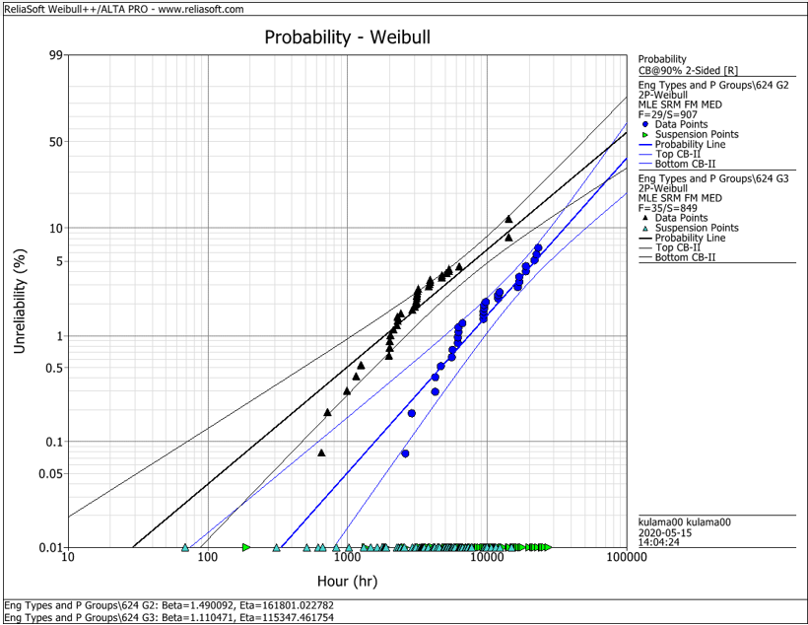
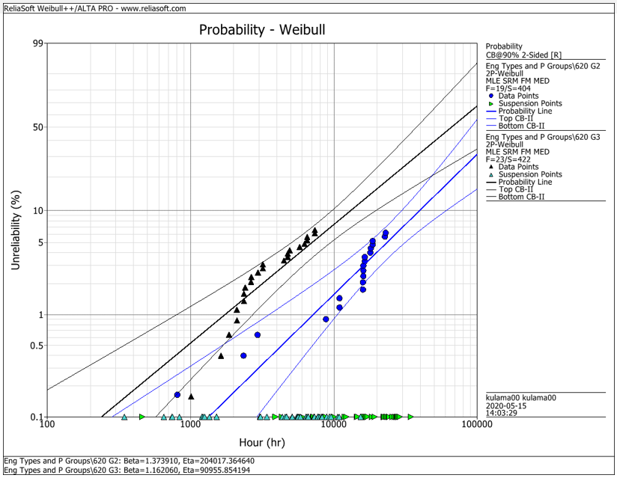
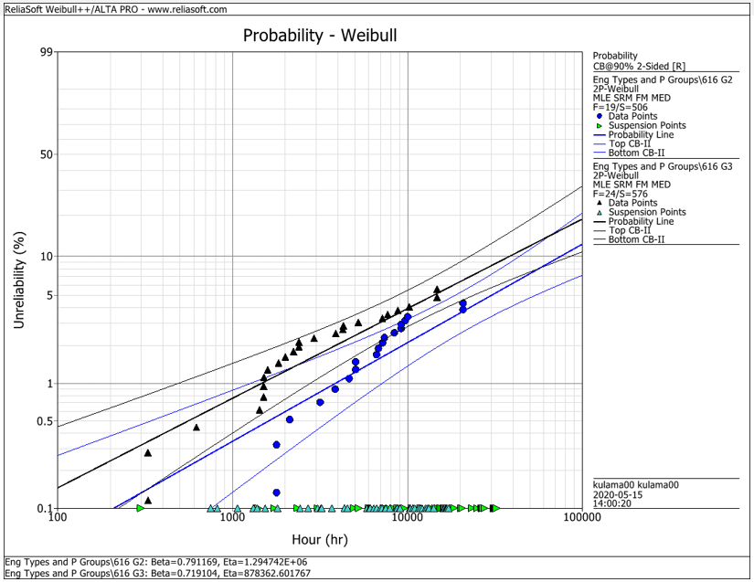
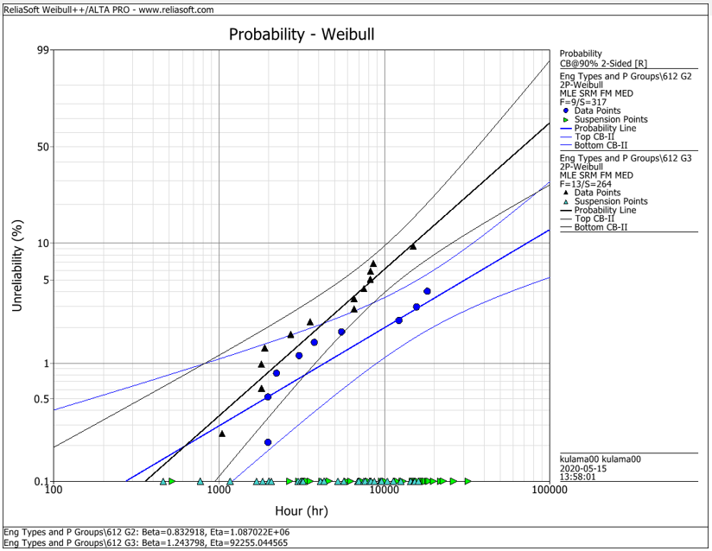
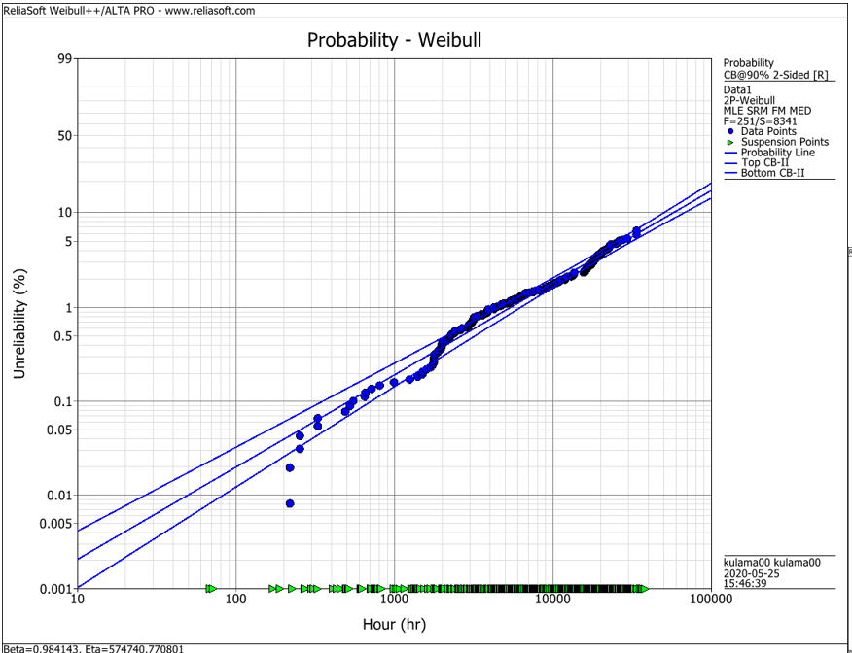
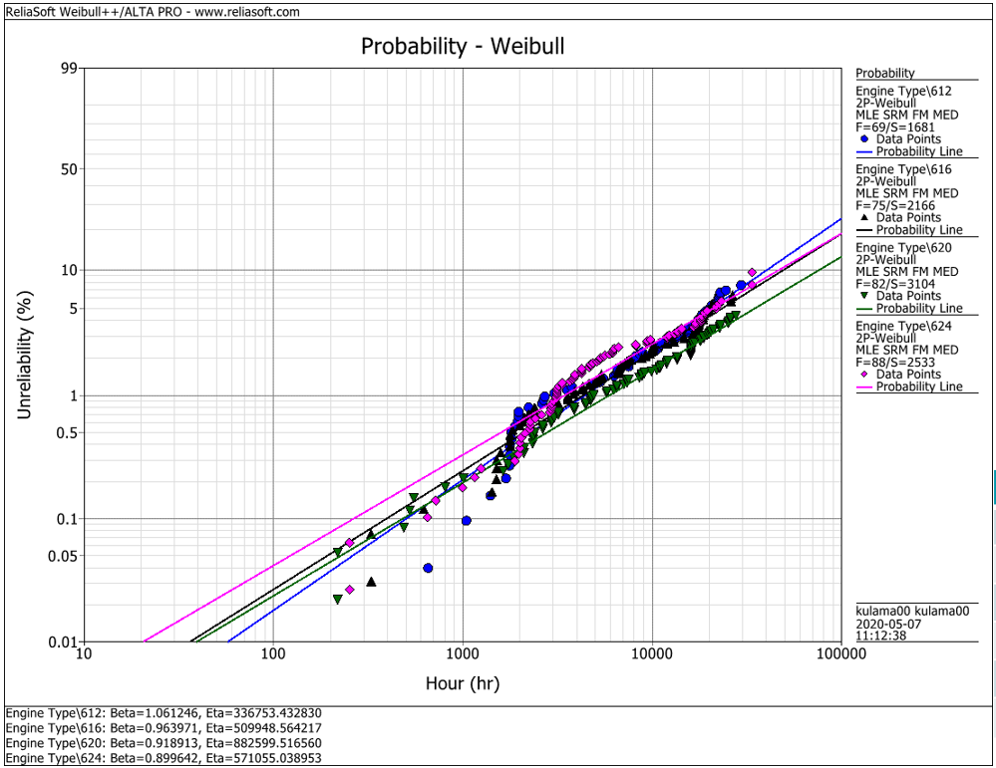
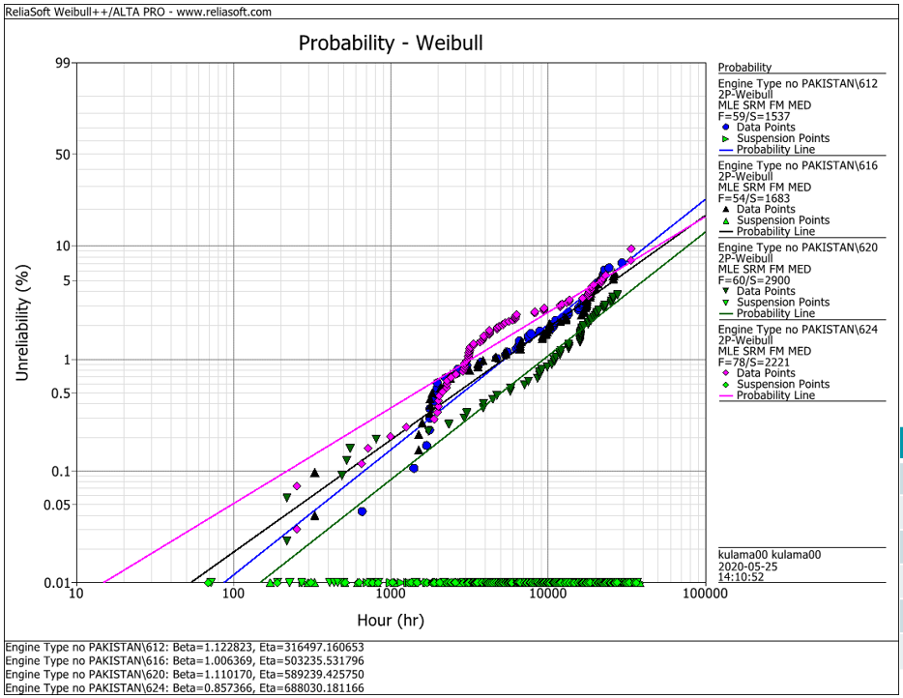
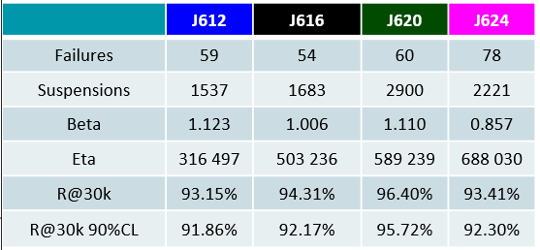
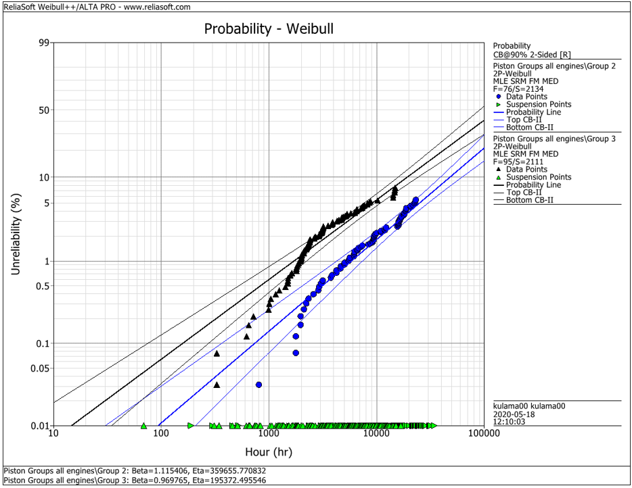
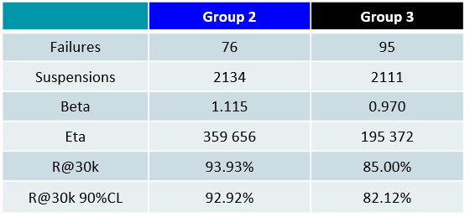
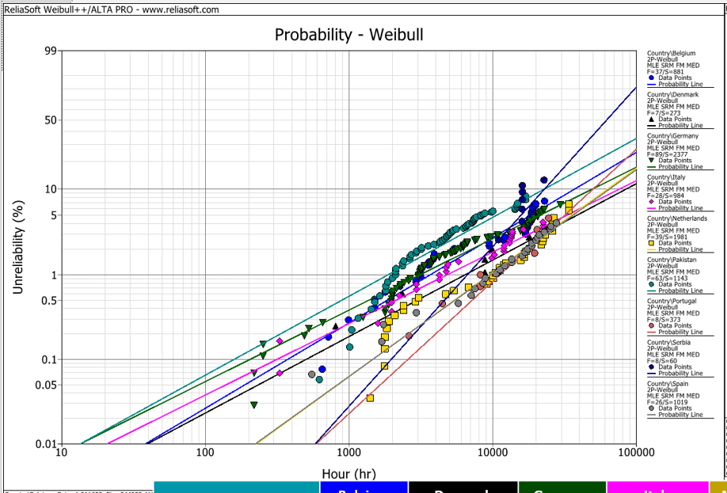
EDC Weibull Comparison
 | beta | R@30k 90%CL
G2 | 0,001 | 92%
G2 | 0,001 | 93%
G2 | 0,001 | 95%
G2 | 0,001 | 95%
G2 | 0,001 | 93%
G3 | 0,001 | 80%
G3 | 0,001 | 75%
G3 | 0,001 | 92%
G3 | 0,001 | 79%
G3 | 0,001 | 82%
all | 0,001 | 94%
all | 0,001 | 91%
all | 0,001 | 93%
all | 0,001 | 95%
all | 0,001 | 92%
all w/o Pak | 0,001 | 92%
all w/o Pak | 0,001 | 92%
all w/o Pak | 0,001 | 96%
all w/o Pak | 0,001 | 93%

 |  | f | s | beta | eta | R@30k 90%CL | Comment
J624 | G2 | 29 | 907 | 1.490 | 161801 | 92.2% | T23 with LKZ OCR
J620 | G2 | 19 | 404 | 1.374 | 204017 | 93.0% | T23 with LKZ OCR
J616 | G2 | 19 | 506 | 0.791 | 1294700 | 95.0% | T23 with LKZ OCR
J612 | G2 | 9 | 317 | 0.830 | 1088700 | 95.0% | T23 with LKZ OCR
J6xx | G2 | 76 | 2134 | 1.115 | 359656 | 92.9% | T23 with LKZ OCR

J624 | G3 | 35 | 849 | 1.110 | 115347 | 80.0% | T23 with flat OCR
J620 | G3 | 23 | 422 | 1.162 | 90955 | 75.0% | T23 with flat OCR
J616 | G3 | 24 | 576 | 0.719 | 878362 | 91.5% | T23 with LKZ OCR
J612 | G3 | 13 | 264 | 1.244 | 92255 | 79.0% | T23 with LKZ OCR
J6xx | G3 | 95 | 2111 | 0.970 | 195372 | 82.1% | T23 with LKZ OCR

J6xx | all | 251 | 8341 | 0.984 | 574741 | 94.2% | Source - cleaned by Maciej 2020-05_25
J612 | all | 69 | 1681 | 1.061 | 336753 | 91.3% | Source - cleaned by Maciej 2020-05_25
J616 | all | 75 | 2166 | 0.964 | 509948 | 92.6% | Source - cleaned by Maciej 2020-05_25
J620 | all | 82 | 3104 | 0.919 | 882599 | 94.9% | Source - cleaned by Maciej 2020-05_25
J624 | all | 88 | 2533 | 0.899 | 571055 | 92.1% | Source - cleaned by Maciej 2020-05_25

J612 | all w/o Pak | 59 | 1537 | 1.123 | 316497 | 91.9% | Source - cleaned by Maciej 2020-05_25
J616 | all w/o Pak | 54 | 1683 | 1.006 | 503236 | 92.2% | Source - cleaned by Maciej 2020-05_25
J620 | all w/o Pak | 60 | 2900 | 1.110 | 589239 | 95.7% | Source - cleaned by Maciej 2020-05_25
J624 | all w/o Pak | 78 | 2221 | 0.857 | 688030 | 93.4% | Source - cleaned by Maciej 2020-05_25

 |  | beta | 1.490 | max
 |  |  | 0.719 | min
 |  |  | 1.038 | mittel
 |  |  | 1.006 | median

