summary
Demonstrated Reliability
 | CLB 90% - 10% |  | CLB 90% - 10% |  | CLB 90% - 10% |  | R1 |  | R2 |  | R3 |  | today |  | R Ref
0 | 72% | 0 | 97% | 0 | 95% | 0 | 00% | 0 | 00% | 0 | 00% | 7632 | 0.00 | 7632 | 94%
229 | 72% | 229 | 97% | 229 | 95% | 229 | 00% | 229 | 00% | 229 | 08% | 7632 | 1.00
611 | 72% | 611 | 97% | 611 | 95% | 611 | 01% | 611 | 00% | 611 | 52%
1145 | 72% | 1145 | 97% | 1145 | 95% | 1145 | 29% | 1145 | 02% | 1145 | 83%
1526 | 72% | 1526 | 97% | 1526 | 95% | 1526 | 50% | 1526 | 10% | 1526 | 90%
1908 | 72% | 1908 | 97% | 1908 | 95% | 1908 | 62% | 1908 | 21% | 1908 | 93%
2290 | 62% | 2290 | 97% | 2290 | 95% | 2290 | 72% | 2290 | 34% | 2290 | 95%
2671 | 52% | 2671 | 97% | 2671 | 95% | 2671 | 79% | 2671 | 45% | 2671 | 96%
3053 | 44% | 3053 | 97% | 3053 | 95% | 3053 | 83% | 3053 | 54% | 3053 | 97%
3434 | 36% | 3434 | 97% | 3434 | 95% | 3434 | 86% | 3434 | 62% | 3434 | 98%
3816 | 30% | 3816 | 97% | 3816 | 95% | 3816 | 89% | 3816 | 68% | 3816 | 98%
4198 | 25% | 4198 | 97% | 4198 | 95% | 4198 | 91% | 4198 | 73% | 4198 | 99%
4579 | 21% | 4579 | 97% | 4579 | 95% | 4579 | 93% | 4579 | 78% | 4579 | 99%
4961 | 18% | 4961 | 97% | 4961 | 95% | 4961 | 94% | 4961 | 81% | 4961 | 99%
5342 | 15% | 5342 | 97% | 5342 | 95% | 5342 | 95% | 5342 | 84% | 5342 | 99%
5724 | 13% | 5724 | 97% | 5724 | 95% | 5724 | 96% | 5724 | 86% | 5724 | 99%
6106 | 11% | 6106 | 97% | 6106 | 95% | 6106 | 96% | 6106 | 88% | 6106 | 99%
6487 | 09% | 6487 | 97% | 6487 | 95% | 6487 | 97% | 6487 | 90% | 6487 | 100%
6869 | 08% | 6869 | 97% | 6869 | 95% | 6869 | 97% | 6869 | 92% | 6869 | 100%
7250 | 07% | 7250 | 97% | 7250 | 95% | 7250 | 98% | 7250 | 93% | 7250 | 100%
7632 | 06% | 7632 | 97% | 7632 | 95% | 7632 | 98% | 7632 | 94% | 7632 | 100%
8014 | 05% | 8014 | 97% | 8014 | 95% | 8014 | 98% | 8014 | 94% | 8014 | 100%
8395 | 05% | 8395 | 97% | 8395 | 95% | 8395 | 98% | 8395 | 95% | 8395 | 100%
8777 | 04% | 8777 | 97% | 8777 | 95% | 8777 | 99% | 8777 | 95% | 8777 | 100%
9158 | 04% | 9158 | 97% | 9158 | 95% | 9158 | 99% | 9158 | 96% | 9158 | 100%
9540 | 04% | 9540 | 97% | 9540 | 95% | 9540 | 99% | 9540 | 96% | 9540 | 100%
9922 | 03% | 9922 | 97% | 9922 | 95% | 9922 | 99% | 9922 | 96% | 9922 | 100%
10303 | 03% | 10303 | 97% | 10303 | 95% | 10303 | 99% | 10303 | 97% | 10303 | 100%
10685 | 03% | 10685 | 97% | 10685 | 95% | 10685 | 99% | 10685 | 97% | 10685 | 100%
11066 | 03% | 11066 | 97% | 11066 | 95% | 11066 | 99% | 11066 | 97% | 11066 | 100%
11448 | 03% | 11448 | 97% | 11448 | 95% | 11448 | 99% | 11448 | 97% | 11448 | 100%
11830 | 02% | 11830 | 97% | 11830 | 95% | 11830 | 99% | 11830 | 97% | 11830 | 100%
12211 | 02% | 12211 | 97% | 12211 | 95% | 12211 | 99% | 12211 | 98% | 12211 | 100%
12593 | 02% | 12593 | 97% | 12593 | 95% | 12593 | 99% | 12593 | 98% | 12593 | 100%
12974 | 02% | 12974 | 97% | 12974 | 95% | 12974 | 99% | 12974 | 98% | 12974 | 100%
13356 | 02% | 13356 | 97% | 13356 | 95% | 13356 | 99% | 13356 | 98% | 13356 | 100%
13738 | 02% | 13738 | 97% | 13738 | 95% | 13738 | 99% | 13738 | 98% | 13738 | 100%
14119 | 02% | 14119 | 97% | 14119 | 95% | 14119 | 99% | 14119 | 98% | 14119 | 100%
14501 | 02% | 14501 | 97% | 14501 | 95% | 14501 | 99% | 14501 | 98% | 14501 | 100%
14882 | 02% | 14882 | 97% | 14882 | 95% | 14882 | 99% | 14882 | 98% | 14882 | 100%
15264 | 02% | 15264 | 97% | 15264 | 95% | 15264 | 100% | 15264 | 98% | 15264 | 100%
 |  |  |  |  |  |  | Pn | 1013 | mbar | Tn | 0 | °C | 9.8 | kWh / mn3
Validation Fleet Status |  | Date | 12/21/20 |  |  |  | ETAMOT not fully plausible ?
624 | 18 |  | Cum hours | 75789
620 | 6 |  | Fl Leader | 6243
616 | 7 |  | Avg hours | 2368 |  |  |  |  |  |  |  |  |  | 0
612 | 1 |  | 2000 | 15 |  |  |  |  |  |  |  |  |  | 0
Sum Engines | 32 |  | 4000 | 4 |  |  |  |  |  |  |  |  |  | 0
Sum PU's | 676 |  | 6000 | 2 |  |  |  |  |  |  |  |  |  | 0
 |  |  |  |  |  |  |  |  |  |  |  |  |  | 0
Beta | Running | Available | Not Available | Error |  |  |  |  |  |  |  |  |  | 0
1.210 | 26 | 3 | 3 | 0 |  |  |  |  |  |  |  |  |  | 0
 |  |  |  |  |  |  |  |  |  |  |  |  |  | 0
 | T | CL | BETA | R |  |  |  |  |  |  |  |  |  | 0
R1 | 30000 | 50% | 1.210 | 98.0% |  |  |  |  |  |  |  |  |  | 0
R2 | 30000 | 90% | 1.210 | 93.5% |  |  |  |  |  |  |  |  |  | 0
R3 | 30000 | 10% | 1.210 | 99.7% |  |  |  |  |  |  |  |  |  | 0
 |  |  |  |  |  |  |  |  |  |  |  |  |  | 0
Field Validation Results vs. CTQ's |  |  |  | CTQ |  |  |  |  |  |  |  |  |  | 0
1. R(CL 50%) > 97% @ß = |  | 1.210 | 98.0% | 97% |  |  |  |  |  |  |  |  |  | 0
2. R(CL 90%) > 90% @ß = |  | 1.210 | 93.5% | 90% |  |  |  |  |  |  |  |  |  | 0
3. 4 Engines > 6000 oph |  |  | 2 | 4 |  |  |  |  |  |  |  |  |  | 0
 |  |  |  |  | 1.210 | 1.21 |  |  |  |  |  |  |  | 0
 | BR6 |  | hours s. VS | 7632 | 6243 | 6243 |  |  |  |  |  |  |  | 0
Bohrung [mm] | 190 |  | pess PU F | 8.1% | 229.1 | 229.1 |  |  |  |  |  |  |  | 0
Hub [mm] | 220 |  | pess PU F | 55 | 99.4% |  |  |  |  |  |  |  |  | 0
Validation Fleet oph
 |  |  | Date |  | Date line |  | 2000 |  | 6000 |  | 1386177 |  | 1393153 |  | 1320072 |  | 1184199 |  | 1352268 |  | 1320022 |  | 1250575
2/7/20 | 0 | 12/21/20 | 6243 | 12/21/20 | 0 | 2/7/20 | 2000 | 2/7/20 | 6000 | 2/7/20 | 0 | 2/7/20 | 0 | 2/7/20 | 0 | 2/7/20 | 0 | 2/7/20 | 0 | 2/7/20 | 0 | 2/7/20 | 0
2/16/20 | 229 |  |  | 12/21/20 | 6243 | 11/4/21 | 2000 | 11/4/21 | 6000 | 2/16/20 | 0 | 2/16/20 | 0 | 2/16/20 | 156 | 2/16/20 | 0 | 2/16/20 | 0 | 2/16/20 | 0 | 2/16/20 | 0
3/3/20 | 611 |  |  |  |  |  |  |  |  | 3/3/20 | 31 | 3/3/20 | 0 | 3/3/20 | 415 | 3/3/20 | 0 | 3/3/20 | 0 | 3/3/20 | 0 | 3/3/20 | 0
3/25/20 | 1145 |  |  |  |  |  |  |  |  | 3/25/20 | 503 | 3/25/20 | 60 | 3/25/20 | 779 | 3/25/20 | 0 | 3/25/20 | 0 | 3/25/20 | 0 | 3/25/20 | 0
4/10/20 | 1526 |  |  |  |  |  |  |  |  | 4/10/20 | 841 | 4/10/20 | 415 | 4/10/20 | 1038 | 4/10/20 | 0 | 4/10/20 | 0 | 4/10/20 | 0 | 4/10/20 | 0
4/26/20 | 1908 |  |  |  |  |  |  |  |  | 4/26/20 | 1179 | 4/26/20 | 770 | 4/26/20 | 1298 | 4/26/20 | 0 | 4/26/20 | 0 | 4/26/20 | 0 | 4/26/20 | 0
5/12/20 | 2290 |  |  |  |  |  |  |  |  | 5/12/20 | 1516 | 5/12/20 | 1125 | 5/12/20 | 1558 | 5/12/20 | 322 | 5/12/20 | 131 | 5/12/20 | 0 | 5/12/20 | 0
5/28/20 | 2671 |  |  |  |  |  |  |  |  | 5/28/20 | 1854 | 5/28/20 | 1480 | 5/28/20 | 1817 | 5/28/20 | 654 | 5/28/20 | 380 | 5/28/20 | 0 | 5/28/20 | 0
6/13/20 | 3053 |  |  |  |  |  |  |  |  | 6/13/20 | 2191 | 6/13/20 | 1835 | 6/13/20 | 2077 | 6/13/20 | 986 | 6/13/20 | 628 | 6/13/20 | 90 | 6/13/20 | 0
6/29/20 | 3434 |  |  |  |  |  |  |  |  | 6/29/20 | 2529 | 6/29/20 | 2189 | 6/29/20 | 2336 | 6/29/20 | 1318 | 6/29/20 | 876 | 6/29/20 | 366 | 6/29/20 | 242
7/15/20 | 3816 |  |  |  |  |  |  |  |  | 7/15/20 | 2867 | 7/15/20 | 2544 | 7/15/20 | 2596 | 7/15/20 | 1650 | 7/15/20 | 1125 | 7/15/20 | 641 | 7/15/20 | 514
7/30/20 | 4198 |  |  |  |  |  |  |  |  | 7/30/20 | 3204 | 7/30/20 | 2899 | 7/30/20 | 2856 | 7/30/20 | 1982 | 7/30/20 | 1373 | 7/30/20 | 917 | 7/30/20 | 786
8/15/20 | 4579 |  |  |  |  |  |  |  |  | 8/15/20 | 3542 | 8/15/20 | 3254 | 8/15/20 | 3115 | 8/15/20 | 2314 | 8/15/20 | 1621 | 8/15/20 | 1192 | 8/15/20 | 1059
8/31/20 | 4961 |  |  |  |  |  |  |  |  | 8/31/20 | 3880 | 8/31/20 | 3609 | 8/31/20 | 3375 | 8/31/20 | 2646 | 8/31/20 | 1870 | 8/31/20 | 1468 | 8/31/20 | 1331
9/16/20 | 5342 |  |  |  |  |  |  |  |  | 9/16/20 | 4217 | 9/16/20 | 3964 | 9/16/20 | 3634 | 9/16/20 | 2978 | 9/16/20 | 2118 | 9/16/20 | 1744 | 9/16/20 | 1604
10/2/20 | 5724 |  |  |  |  |  |  |  |  | 10/2/20 | 4555 | 10/2/20 | 4319 | 10/2/20 | 3894 | 10/2/20 | 3310 | 10/2/20 | 2366 | 10/2/20 | 2019 | 10/2/20 | 1876
10/18/20 | 6106 |  |  |  |  |  |  |  |  | 10/18/20 | 4892 | 10/18/20 | 4674 | 10/18/20 | 4154 | 10/18/20 | 3642 | 10/18/20 | 2615 | 10/18/20 | 2295 | 10/18/20 | 2148
11/3/20 | 6487 |  |  |  |  |  |  |  |  | 11/3/20 | 5230 | 11/3/20 | 5028 | 11/3/20 | 4413 | 11/3/20 | 3974 | 11/3/20 | 2863 | 11/3/20 | 2570 | 11/3/20 | 2421
11/19/20 | 6869 |  |  |  |  |  |  |  |  | 11/19/20 | 5568 | 11/19/20 | 5383 | 11/19/20 | 4673 | 11/19/20 | 4306 | 11/19/20 | 3111 | 11/19/20 | 2846 | 11/19/20 | 2693
12/5/20 | 7250 |  |  |  |  |  |  |  |  | 12/5/20 | 5905 | 12/5/20 | 5738 | 12/5/20 | 4932 | 12/5/20 | 4638 | 12/5/20 | 3360 | 12/5/20 | 3121 | 12/5/20 | 2966
12/21/20 | 7632 |  |  |  |  |  |  |  |  | 12/21/20 | 6243 | 12/21/20 | 6093 | 12/21/20 | 5192 | 12/21/20 | 4970 | 12/21/20 | 3608 | 12/21/20 | 3397 | 12/21/20 | 3238
1/5/21 | 8014 |  |  |  |  |  |  |  |  | 1/5/21 | 6581 | 1/5/21 | 6448 | 1/5/21 | 5452 | 1/5/21 | 5302 | 1/5/21 | 3856 | 1/5/21 | 3673 | 1/5/21 | 3510
1/21/21 | 8395 |  |  |  |  |  |  |  |  | 1/21/21 | 6918 | 1/21/21 | 6803 | 1/21/21 | 5711 | 1/21/21 | 5634 | 1/21/21 | 4105 | 1/21/21 | 3948 | 1/21/21 | 3783
2/6/21 | 8777 |  |  |  |  |  |  |  |  | 2/6/21 | 7256 | 2/6/21 | 7158 | 2/6/21 | 5971 | 2/6/21 | 5966 | 2/6/21 | 4353 | 2/6/21 | 4224 | 2/6/21 | 4055
2/22/21 | 9158 |  |  |  |  |  |  |  |  | 2/22/21 | 7594 | 2/22/21 | 7512 | 2/22/21 | 6230 | 2/22/21 | 6298 | 2/22/21 | 4601 | 2/22/21 | 4499 | 2/22/21 | 4328
3/10/21 | 9540 |  |  |  |  |  |  |  |  | 3/10/21 | 7931 | 3/10/21 | 7867 | 3/10/21 | 6490 | 3/10/21 | 6630 | 3/10/21 | 4850 | 3/10/21 | 4775 | 3/10/21 | 4600
3/26/21 | 9922 |  |  |  |  |  |  |  |  | 3/26/21 | 8269 | 3/26/21 | 8222 | 3/26/21 | 6750 | 3/26/21 | 6962 | 3/26/21 | 5098 | 3/26/21 | 5050 | 3/26/21 | 4872
4/11/21 | 10303 |  |  |  |  |  |  |  |  | 4/11/21 | 8606 | 4/11/21 | 8577 | 4/11/21 | 7009 | 4/11/21 | 7294 | 4/11/21 | 5346 | 4/11/21 | 5326 | 4/11/21 | 5145
4/27/21 | 10685 |  |  |  |  |  |  |  |  | 4/27/21 | 8944 | 4/27/21 | 8932 | 4/27/21 | 7269 | 4/27/21 | 7626 | 4/27/21 | 5595 | 4/27/21 | 5602 | 4/27/21 | 5417
5/13/21 | 11066 |  |  |  |  |  |  |  |  | 5/13/21 | 9282 | 5/13/21 | 9287 | 5/13/21 | 7528 | 5/13/21 | 7958 | 5/13/21 | 5843 | 5/13/21 | 5877 | 5/13/21 | 5690
5/29/21 | 11448 |  |  |  |  |  |  |  |  | 5/29/21 | 9619 | 5/29/21 | 9642 | 5/29/21 | 7788 | 5/29/21 | 8290 | 5/29/21 | 6091 | 5/29/21 | 6153 | 5/29/21 | 5962
6/13/21 | 11830 |  |  |  |  |  |  |  |  | 6/13/21 | 9957 | 6/13/21 | 9997 | 6/13/21 | 8048 | 6/13/21 | 8622 | 6/13/21 | 6340 | 6/13/21 | 6428 | 6/13/21 | 6234
6/29/21 | 12211 |  |  |  |  |  |  |  |  | 6/29/21 | 10295 | 6/29/21 | 10351 | 6/29/21 | 8307 | 6/29/21 | 8954 | 6/29/21 | 6588 | 6/29/21 | 6704 | 6/29/21 | 6507
7/15/21 | 12593 |  |  |  |  |  |  |  |  | 7/15/21 | 10632 | 7/15/21 | 10706 | 7/15/21 | 8567 | 7/15/21 | 9286 | 7/15/21 | 6836 | 7/15/21 | 6979 | 7/15/21 | 6779
7/31/21 | 12974 |  |  |  |  |  |  |  |  | 7/31/21 | 10970 | 7/31/21 | 11061 | 7/31/21 | 8826 | 7/31/21 | 9618 | 7/31/21 | 7085 | 7/31/21 | 7255 | 7/31/21 | 7052
8/16/21 | 13356 |  |  |  |  |  |  |  |  | 8/16/21 | 11307 | 8/16/21 | 11416 | 8/16/21 | 9086 | 8/16/21 | 9950 | 8/16/21 | 7333 | 8/16/21 | 7531 | 8/16/21 | 7324
9/1/21 | 13738 |  |  |  |  |  |  |  |  | 9/1/21 | 11645 | 9/1/21 | 11771 | 9/1/21 | 9346 | 9/1/21 | 10282 | 9/1/21 | 7581 | 9/1/21 | 7806 | 9/1/21 | 7596
9/17/21 | 14119 |  |  |  |  |  |  |  |  | 9/17/21 | 11983 | 9/17/21 | 12126 | 9/17/21 | 9605 | 9/17/21 | 10615 | 9/17/21 | 7830 | 9/17/21 | 8082 | 9/17/21 | 7869
10/3/21 | 14501 |  |  |  |  |  |  |  |  | 10/3/21 | 12320 | 10/3/21 | 12481 | 10/3/21 | 9865 | 10/3/21 | 10947 | 10/3/21 | 8078 | 10/3/21 | 8357 | 10/3/21 | 8141
10/19/21 | 14882 |  |  |  |  |  |  |  |  | 10/19/21 | 12658 | 10/19/21 | 12835 | 10/19/21 | 10124 | 10/19/21 | 11279 | 10/19/21 | 8327 | 10/19/21 | 8633 | 10/19/21 | 8414
11/4/21 | 15264 |  |  |  |  |  |  |  |  | 11/4/21 | 12996 | 11/4/21 | 13190 | 11/4/21 | 10384 | 11/4/21 | 11611 | 11/4/21 | 8575 | 11/4/21 | 8908 | 11/4/21 | 8686
VH zyl [dm3] | 6.24 |  | like PU F | 2.0% | 433932 | 1358925.5525 |  |  |  |  |  |  |  | 0
 |  |  | like PU F | 14 | 96.1% |  |  |  |  |  |  |  |  | 0
 |  |  |  |  | 3.87% | 0.15% |  |  |  |  |  |  |  | 0
 |  |  |  |  | 8.86 | 1.0020 |  |  |  |  |  |  |  | 0
Engines | ~ BMP Avg | z | VH [dm3] | etael |  |  |  |  |  |  |  |  |  | 0
624 | 24.2 | 24 | 149.7 | 98.1% |  |  |  |  |  |  |  |  |  | 0
620 | 22.0 | 20 | 124.8 | 98.0% |  |  |  |  |  |  |  |  |  | 0
616 | 22.0 | 16 | 99.8 | 97.6% |  |  |  |  |  |  |  |  |  | 0
612 | 22.0 | 12 | 74.9 | 98.6% |  |  |  |  |  |  |  |  |  | 0
 |  |  |  |  |  |  |  |  |  |  |  |  |  | 0
BMEP Avg | BMEP Min | BMEP Max | NOX | MN | Version | #
24.3 | 24.0 | 24.5 | 500 | 80 | K01 | 3
24.3 | 24.0 | 24.5 | 500 | 80 | H01 | 12
24.0 | 24.0 | 24.0 | 250 | 80 | H02 | 1
 | 0.0 | 0.0 | 500 | 70 | H101 | 0
24.5 | 24.5 | 24.5 | 250 | 70 | H12 | 1
22.0 | 22.0 | 22.0 | 500 | 80 | F01 | 5
22.0 | 22.0 | 22.0 | 500 | 80 | J01 | 2
22.0 | 22.0 | 22.0 | 500 | 70 | J101 | 1
22.0 | 22.0 | 22.0 | 500 | 70 | J11 | 1
22.0 | 22.0 | 22.0 | 500 | 70 | F11 | 1
22.0 | 22.0 | 22.0 | 250 | 70 | F12 | 1
22.0 | 22.0 | 22.0 | 250 | 70 | J12 | 3
22.9 | 22.9 | 22.9 | 500 | 80 | K505 | 1
 |  |  |  |  |  | 32

ndReliaCalc2
 | Data Date | 2020-12-21 13:09:44
 | Val Start | 2020-02-07
 | Val Period (days) | 318
 | Beta (R2) | 1.21

 |  |  |  | 2000h line | 2000 | 2000
 |  |  |  |  | 2019-05-01 | 2021-12-31
 |  |  |  | 6000h line | 6000 | 6000
 |  |  |  |  | 2019-05-01 | 2021-12-31

 |  |  |  |  |  |  |  | R1 failures | 0 | 0 | 0 | 0 | 0 | 0 | 0 | 0 | 0 | 0 | 0 | 0 | 0 | 0 | 0 | 0 | 0 | 0 | 0 | 0 | 0 | 0 | 0 | 0 | 0 | 0 | 0 | 0 | 0 | 0 | 0 | 0 | 0 | 0 | 0 | 0 | 0 | 0 | 0 | 0 | 0
 |  |  |  |  |  |  |  | R2 failures | 0 | 0 | 0 | 0 | 0 | 0 | 0 | 0 | 0 | 0 | 0 | 0 | 0 | 0 | 0 | 0 | 0 | 0 | 0 | 0 | 0 | 0 | 0 | 0 | 0 | 0 | 0 | 0 | 0 | 0 | 0 | 0 | 0 | 0 | 0 | 0 | 0 | 0 | 0 | 0 | 0
 |  |  |  | f1 | 2020-12-11 13:09:44 | 0 | 97% | 308 | 0 | 0 | 0 | 0 | 0 | 0 | 0 | 0 | 0 | 0 | 0 | 0 | 0 | 0 | 0 | 0 | 0 | 0 | 0 | 0 | 0 | 0 | 0 | 0 | 0 | 0 | 0 | 0 | 0 | 0 | 0 | 0 | 0 | 0 | 0 | 0 | 0 | 0 | 0 | 0 | 0
 |  |  |  | f2 | 2021-01-20 13:09:44 | 0 | 109% | 348 | 0 | 0 | 0 | 0 | 0 | 0 | 0 | 0 | 0 | 0 | 0 | 0 | 0 | 0 | 0 | 0 | 0 | 0 | 0 | 0 | 0 | 0 | 0 | 0 | 0 | 0 | 0 | 0 | 0 | 0 | 0 | 0 | 0 | 0 | 0 | 0 | 0 | 0 | 0 | 0 | 0
 |  |  |  | f3 | 2020-11-20 13:09:44 | 0 | 90% | 287 | 0 | 0 | 0 | 0 | 0 | 0 | 0 | 0 | 0 | 0 | 0 | 0 | 0 | 0 | 0 | 0 | 0 | 0 | 0 | 0 | 0 | 0 | 0 | 0 | 0 | 0 | 0 | 0 | 0 | 0 | 0 | 0 | 0 | 0 | 0 | 0 | 0 | 0 | 0 | 0 | 0
 |  |  |  | f4 | 2020-08-19 13:09:44 | 0 | 61% | 194 | 0 | 0 | 0 | 0 | 0 | 0 | 0 | 0 | 0 | 0 | 0 | 0 | 0 | 0 | 0 | 0 | 0 | 0 | 0 | 0 | 0 | 0 | 0 | 0 | 0 | 0 | 0 | 0 | 0 | 0 | 0 | 0 | 0 | 0 | 0 | 0 | 0 | 0 | 0 | 0 | 0
 |  |  |  | f5 | 2021-04-24 13:09:44 | 0 | 139% | 442 | 0 | 0 | 0 | 0 | 0 | 0 | 0 | 0 | 0 | 0 | 0 | 0 | 0 | 0 | 0 | 0 | 0 | 0 | 0 | 0 | 0 | 0 | 0 | 0 | 0 | 0 | 0 | 0 | 0 | 0 | 0 | 0 | 0 | 0 | 0 | 0 | 0 | 0 | 0 | 0 | 0
 |  |  |  | f6 | 2021-06-25 13:09:44 | 0 | 158% | 504 | 0 | 0 | 0 | 0 | 0 | 0 | 0 | 0 | 0 | 0 | 0 | 0 | 0 | 0 | 0 | 0 | 0 | 0 | 0 | 0 | 0 | 0 | 0 | 0 | 0 | 0 | 0 | 0 | 0 | 0 | 0 | 0 | 0 | 0 | 0 | 0 | 0 | 0 | 0 | 0 | 0
 |  |  |  | f7 | 0 | 0 | -13795% | -43868 | 0 | 0 | 0 | 0 | 0 | 0 | 0 | 0 | 0 | 0 | 0 | 0 | 0 | 0 | 0 | 0 | 0 | 0 | 0 | 0 | 0 | 0 | 0 | 0 | 0 | 0 | 0 | 0 | 0 | 0 | 0 | 0 | 0 | 0 | 0 | 0 | 0 | 0 | 0 | 0 | 0
 |  |  |  | f8 | 0 | 0 | -13795% | -43868 | 0 | 0 | 0 | 0 | 0 | 0 | 0 | 0 | 0 | 0 | 0 | 0 | 0 | 0 | 0 | 0 | 0 | 0 | 0 | 0 | 0 | 0 | 0 | 0 | 0 | 0 | 0 | 0 | 0 | 0 | 0 | 0 | 0 | 0 | 0 | 0 | 0 | 0 | 0 | 0 | 0
 |  |  |  | f9 | 0 | 0 | -13795% | -43868 | 0 | 0 | 0 | 0 | 0 | 0 | 0 | 0 | 0 | 0 | 0 | 0 | 0 | 0 | 0 | 0 | 0 | 0 | 0 | 0 | 0 | 0 | 0 | 0 | 0 | 0 | 0 | 0 | 0 | 0 | 0 | 0 | 0 | 0 | 0 | 0 | 0 | 0 | 0 | 0 | 0
 |  |  |  | f10 | 0 | 0 | -13795% | -43868 | 0 | 0 | 0 | 0 | 0 | 0 | 0 | 0 | 0 | 0 | 0 | 0 | 0 | 0 | 0 | 0 | 0 | 0 | 0 | 0 | 0 | 0 | 0 | 0 | 0 | 0 | 0 | 0 | 0 | 0 | 0 | 0 | 0 | 0 | 0 | 0 | 0 | 0 | 0 | 0 | 0
 |  |  |  | f11 | 0 | 0 | -13795% | -43868 | 0 | 0 | 0 | 0 | 0 | 0 | 0 | 0 | 0 | 0 | 0 | 0 | 0 | 0 | 0 | 0 | 0 | 0 | 0 | 0 | 0 | 0 | 0 | 0 | 0 | 0 | 0 | 0 | 0 | 0 | 0 | 0 | 0 | 0 | 0 | 0 | 0 | 0 | 0 | 0 | 0
 |  |  |  | f12 | 0 | 0 | -13795% | -43868 | 0 | 0 | 0 | 0 | 0 | 0 | 0 | 0 | 0 | 0 | 0 | 0 | 0 | 0 | 0 | 0 | 0 | 0 | 0 | 0 | 0 | 0 | 0 | 0 | 0 | 0 | 0 | 0 | 0 | 0 | 0 | 0 | 0 | 0 | 0 | 0 | 0 | 0 | 0 | 0 | 0
 |  |  |  | f13 | 0 | 0 | -13795% | -43868 | 0 | 0 | 0 | 0 | 0 | 0 | 0 | 0 | 0 | 0 | 0 | 0 | 0 | 0 | 0 | 0 | 0 | 0 | 0 | 0 | 0 | 0 | 0 | 0 | 0 | 0 | 0 | 0 | 0 | 0 | 0 | 0 | 0 | 0 | 0 | 0 | 0 | 0 | 0 | 0 | 0
 |  |  |  | f14 | 0 | 0 | -13795% | -43868 | 0 | 0 | 0 | 0 | 0 | 0 | 0 | 0 | 0 | 0 | 0 | 0 | 0 | 0 | 0 | 0 | 0 | 0 | 0 | 0 | 0 | 0 | 0 | 0 | 0 | 0 | 0 | 0 | 0 | 0 | 0 | 0 | 0 | 0 | 0 | 0 | 0 | 0 | 0 | 0 | 0
 |  |  |  | f15 | 0 | 0 | -13795% | -43868 | 0 | 0 | 0 | 0 | 0 | 0 | 0 | 0 | 0 | 0 | 0 | 0 | 0 | 0 | 0 | 0 | 0 | 0 | 0 | 0 | 0 | 0 | 0 | 0 | 0 | 0 | 0 | 0 | 0 | 0 | 0 | 0 | 0 | 0 | 0 | 0 | 0 | 0 | 0 | 0 | 0
 |  |  |  | f16 | 0 | 0 | -13795% | -43868 | 0 | 0 | 0 | 0 | 0 | 0 | 0 | 0 | 0 | 0 | 0 | 0 | 0 | 0 | 0 | 0 | 0 | 0 | 0 | 0 | 0 | 0 | 0 | 0 | 0 | 0 | 0 | 0 | 0 | 0 | 0 | 0 | 0 | 0 | 0 | 0 | 0 | 0 | 0 | 0 | 0
 |  |  |  | f17 | 0 | 0 | -13795% | -43868 | 0 | 0 | 0 | 0 | 0 | 0 | 0 | 0 | 0 | 0 | 0 | 0 | 0 | 0 | 0 | 0 | 0 | 0 | 0 | 0 | 0 | 0 | 0 | 0 | 0 | 0 | 0 | 0 | 0 | 0 | 0 | 0 | 0 | 0 | 0 | 0 | 0 | 0 | 0 | 0 | 0
 |  |  |  | f18 | 0 | 0 | -13795% | -43868 | 0 | 0 | 0 | 0 | 0 | 0 | 0 | 0 | 0 | 0 | 0 | 0 | 0 | 0 | 0 | 0 | 0 | 0 | 0 | 0 | 0 | 0 | 0 | 0 | 0 | 0 | 0 | 0 | 0 | 0 | 0 | 0 | 0 | 0 | 0 | 0 | 0 | 0 | 0 | 0 | 0
 |  |  |  | f19 | 0 | 0 | -13795% | -43868 | 0 | 0 | 0 | 0 | 0 | 0 | 0 | 0 | 0 | 0 | 0 | 0 | 0 | 0 | 0 | 0 | 0 | 0 | 0 | 0 | 0 | 0 | 0 | 0 | 0 | 0 | 0 | 0 | 0 | 0 | 0 | 0 | 0 | 0 | 0 | 0 | 0 | 0 | 0 | 0 | 0
 |  |  |  | f20 | 0 | 0 | -13795% | -43868 | 0 | 0 | 0 | 0 | 0 | 0 | 0 | 0 | 0 | 0 | 0 | 0 | 0 | 0 | 0 | 0 | 0 | 0 | 0 | 0 | 0 | 0 | 0 | 0 | 0 | 0 | 0 | 0 | 0 | 0 | 0 | 0 | 0 | 0 | 0 | 0 | 0 | 0 | 0 | 0 | 0
 |  |  |  | f21 | 0 | 0 | -13795% | -43868 | 0 | 0 | 0 | 0 | 0 | 0 | 0 | 0 | 0 | 0 | 0 | 0 | 0 | 0 | 0 | 0 | 0 | 0 | 0 | 0 | 0 | 0 | 0 | 0 | 0 | 0 | 0 | 0 | 0 | 0 | 0 | 0 | 0 | 0 | 0 | 0 | 0 | 0 | 0 | 0 | 0
 |  |  |  | f22 | 0 | 0 | -13795% | -43868 | 0 | 0 | 0 | 0 | 0 | 0 | 0 | 0 | 0 | 0 | 0 | 0 | 0 | 0 | 0 | 0 | 0 | 0 | 0 | 0 | 0 | 0 | 0 | 0 | 0 | 0 | 0 | 0 | 0 | 0 | 0 | 0 | 0 | 0 | 0 | 0 | 0 | 0 | 0 | 0 | 0
 |  |  |  | f23 | 0 | 0 | -13795% | -43868 | 0 | 0 | 0 | 0 | 0 | 0 | 0 | 0 | 0 | 0 | 0 | 0 | 0 | 0 | 0 | 0 | 0 | 0 | 0 | 0 | 0 | 0 | 0 | 0 | 0 | 0 | 0 | 0 | 0 | 0 | 0 | 0 | 0 | 0 | 0 | 0 | 0 | 0 | 0 | 0 | 0
 |  |  |  | f24 | 0 | 0 | -13795% | -43868 | 0 | 0 | 0 | 0 | 0 | 0 | 0 | 0 | 0 | 0 | 0 | 0 | 0 | 0 | 0 | 0 | 0 | 0 | 0 | 0 | 0 | 0 | 0 | 0 | 0 | 0 | 0 | 0 | 0 | 0 | 0 | 0 | 0 | 0 | 0 | 0 | 0 | 0 | 0 | 0 | 0
 |  |  |  | f25 | 0 | 0 | -13795% | -43868 | 0 | 0 | 0 | 0 | 0 | 0 | 0 | 0 | 0 | 0 | 0 | 0 | 0 | 0 | 0 | 0 | 0 | 0 | 0 | 0 | 0 | 0 | 0 | 0 | 0 | 0 | 0 | 0 | 0 | 0 | 0 | 0 | 0 | 0 | 0 | 0 | 0 | 0 | 0 | 0 | 0 | 0
 |  |  |  |  |  | Sum failures |  |  | 0 | 0 | 0 | 0 | 0 | 0 | 0 | 0 | 0 | 0 | 0 | 0 | 0 | 0 | 0 | 0 | 0 | 0 | 0 | 0 | 0 | 0 | 0 | 0 | 0 | 0 | 0 | 0 | 0 | 0 | 0 | 0 | 0 | 0 | 0 | 0 | 0 | 0 | 0 | 0 | 0
 |  |  |  |  |  | Input |  |  | 0% | 3% | 8% | 15% | 20% | 25% | 30% | 35% | 40% | 45% | 50% | 55% | 60% | 65% | 70% | 75% | 80% | 85% | 90% | 95% | 100% | 105% | 110% | 115% | 120% | 125% | 130% | 135% | 140% | 145% | 150% | 155% | 160% | 165% | 170% | 175% | 180% | 185% | 190% | 195% | 200%
 |  |  |  |  |  | calc % for diagram (failures) |  |  | 0% | 3% | 8% | 15% | 20% | 25% | 30% | 35% | 40% | 45% | 50% | 55% | 60% | 65% | 70% | 75% | 80% | 85% | 90% | 95% | 100% | 105% | 110% | 115% | 120% | 125% | 130% | 135% | 140% | 145% | 150% | 155% | 160% | 165% | 170% | 175% | 180% | 185% | 190% | 195% | 200%
 |  |  |  |  |  | Val test Time % |  |  | 0% | 3% | 8% | 15% | 20% | 25% | 30% | 35% | 40% | 45% | 50% | 55% | 60% | 65% | 70% | 75% | 80% | 85% | 90% | 95% | 100% | 105% | 110% | 115% | 120% | 125% | 130% | 135% | 140% | 145% | 150% | 155% | 160% | 165% | 170% | 175% | 180% | 185% | 190% | 195% | 200%
 |  |  |  |  |  | days |  |  | 0.0 | 9.5 | 25.4 | 47.7 | 63.6 | 79.5 | 95.4 | 111.3 | 127.2 | 143.1 | 159.0 | 174.9 | 190.8 | 206.7 | 222.6 | 238.5 | 254.4 | 270.3 | 286.2 | 302.1 | 318.0 | 333.9 | 349.8 | 365.7 | 381.6 | 397.5 | 413.4 | 429.3 | 445.2 | 461.1 | 477.0 | 492.9 | 508.8 | 524.7 | 540.6 | 556.5 | 572.4 | 588.3 | 604.2 | 620.1 | 636.0
 |  |  |  |  |  |  |  |  | 0.00 | 1.00 |  | R Ref | 93.5% |  | R HRS | 6243
 |  |  |  |  |  |  |  | today | 7632 | 7632 |  | 2020-12-21 | 7632 |  | 2020-12-21 | 7632
 |  |  |  |  |  | CLB 90% - 10% |  |  | 72.2% | 72.2% | 72.2% | 72.2% | 72.2% | 72.2% | 61.5% | 51.6% | 43.5% | 36.3% | 30.3% | 25.3% | 21.3% | 18.0% | 15.3% | 13.0% | 11.1% | 9.4% | 8.1% | 7.0% | 6.2% | 5.5% | 4.9% | 4.4% | 4.1% | 3.7% | 3.4% | 3.2% | 3.0% | 2.8% | 2.6% | 2.4% | 2.3% | 2.2% | 2.1% | 2.0% | 1.9% | 1.8% | 1.7% | 1.6% | 1.6%
 |  |  |  |  |  |  | R | 97.0% | 97.0% | 97.0% | 97.0% | 97.0% | 97.0% | 97.0% | 97.0% | 97.0% | 97.0% | 97.0% | 97.0% | 97.0% | 97.0% | 97.0% | 97.0% | 97.0% | 97.0% | 97.0% | 97.0% | 97.0% | 97.0% | 97.0% | 97.0% | 97.0% | 97.0% | 97.0% | 97.0% | 97.0% | 97.0% | 97.0% | 97.0% | 97.0% | 97.0% | 97.0% | 97.0% | 97.0% | 97.0% | 97.0% | 97.0% | 97.0% | 97.0%
 |  |  |  |  |  |  | R | 95.0% | 95.0% | 95.0% | 95.0% | 95.0% | 95.0% | 95.0% | 95.0% | 95.0% | 95.0% | 95.0% | 95.0% | 95.0% | 95.0% | 95.0% | 95.0% | 95.0% | 95.0% | 95.0% | 95.0% | 95.0% | 95.0% | 95.0% | 95.0% | 95.0% | 95.0% | 95.0% | 95.0% | 95.0% | 95.0% | 95.0% | 95.0% | 95.0% | 95.0% | 95.0% | 95.0% | 95.0% | 95.0% | 95.0% | 95.0% | 95.0% | 95.0%
 |  |  |  |  | failures
 |  |  |  |  | R1 | 30000 | 50% | 1.21 |  | 0.0% | 1.3% | 29.2% | 49.7% | 62.4% | 72.0% | 78.5% | 82.9% | 86.4% | 89.0% | 91.1% | 92.6% | 93.9% | 94.9% | 95.7% | 96.3% | 96.9% | 97.4% | 97.7% | 98.0% | 98.2% | 98.4% | 98.6% | 98.7% | 98.8% | 98.9% | 99.0% | 99.1% | 99.1% | 99.2% | 99.2% | 99.3% | 99.3% | 99.3% | 99.4% | 99.4% | 99.4% | 99.5% | 99.5% | 99.5%
 |  |  |  |  | R2 | 30000 | 90% | 1.21 |  | 0.0% | 0.0% | 1.7% | 9.8% | 20.9% | 33.6% | 44.8% | 53.7% | 61.5% | 68.0% | 73.3% | 77.5% | 81.0% | 84.0% | 86.3% | 88.3% | 90.1% | 91.5% | 92.6% | 93.5% | 94.2% | 94.8% | 95.3% | 95.7% | 96.1% | 96.4% | 96.7% | 96.9% | 97.1% | 97.3% | 97.5% | 97.6% | 97.7% | 97.8% | 98.0% | 98.1% | 98.1% | 98.2% | 98.3% | 98.4%
 |  |  |  |  | R3 | 30000 | 10% | 1.21 |  | 7.8% | 51.8% | 82.9% | 89.9% | 93.1% | 95.1% | 96.4% | 97.2% | 97.8% | 98.2% | 98.6% | 98.8% | 99.0% | 99.2% | 99.3% | 99.4% | 99.5% | 99.6% | 99.6% | 99.7% | 99.7% | 99.8% | 99.8% | 99.8% | 99.8% | 99.8% | 99.8% | 99.9% | 99.9% | 99.9% | 99.9% | 99.9% | 99.9% | 99.9% | 99.9% | 99.9% | 99.9% | 99.9% | 99.9% | 99.9%
 |  |  |  |  | R4 | 30000 | 90% | 1.21 |  | 0.0% | 0.0% | 1.7% | 9.8% | 20.9% | 33.6% | 44.8% | 53.7% | 61.5% | 68.0% | 73.3% | 77.5% | 81.0% | 84.0% | 86.3% | 88.3% | 90.1% | 91.5% | 92.6% | 93.5% | 94.2% | 94.8% | 95.3% | 95.7% | 96.1% | 96.4% | 96.7% | 96.9% | 97.1% | 97.3% | 97.5% | 97.6% | 97.7% | 97.8% | 98.0% | 98.1% | 98.1% | 98.2% | 98.3% | 98.4%
 |  |  |  |  | nL |  |  | 1.21 |  | 24.0 | 28.4 | 46.6 | 58.1 | 65.6 | 75.7 | 83.3 | 87.7 | 94.5 | 102.2 | 111.1 | 120.1 | 130.1 | 141.4 | 153.3 | 166.7 | 182.9 | 198.9 | 214.4 | 229.1 | 243.2 | 256.2 | 268.3 | 279.5 | 289.8 | 299.5 | 308.5 | 316.8 | 324.4 | 331.0 | 337.2 | 343.0 | 348.5 | 353.6 | 358.4 | 362.9 | 367.2 | 371.3 | 375.1 | 378.8
 |  |  |  |  |  |  |  |  | 0 | 229 | 611 | 1145 | 1526 | 1908 | 2290 | 2671 | 3053 | 3434 | 3816 | 4198 | 4579 | 4961 | 5342 | 5724 | 6106 | 6487 | 6869 | 7250 | 7632 | 8014 | 8395 | 8777 | 9158 | 9540 | 9922 | 10303 | 10685 | 11066 | 11448 | 11830 | 12211 | 12593 | 12974 | 13356 | 13738 | 14119 | 14501 | 14882 | 15264
 |  |  |  |  |  |  |  | Date line | 0 | 6243 |  | Date | 6243 |  |  | 2000 | 2000 | 2000 |  | 6000 | 6000 | 6000
 |  |  |  |  |  |  |  |  | 2020-12-21 | 2020-12-21 |  |  | 2020-12-21 |  |  |  | 2020-02-07 | 2021-11-04 |  |  | 2020-02-07 | 2021-11-04
Serial Number | Name | Engine ID | Val Start | Part hrs | parts | h / day | Engine | Version | 2020-02-07 | 2020-02-16 12:57:36 | 2020-03-03 10:33:36 | 2020-03-25 16:48:00 | 2020-04-10 14:24:00 | 2020-04-26 12:00:00 | 2020-05-12 09:36:00 | 2020-05-28 07:12:00 | 2020-06-13 04:48:00 | 2020-06-29 02:24:00 | 2020-07-15 | 2020-07-30 21:36:00 | 2020-08-15 19:12:00 | 2020-08-31 16:48:00 | 2020-09-16 14:24:00 | 2020-10-02 12:00:00 | 2020-10-18 09:36:00 | 2020-11-03 07:12:00 | 2020-11-19 04:48:00 | 2020-12-05 02:24:00 | 2020-12-21 | 2021-01-05 21:36:00 | 2021-01-21 19:12:00 | 2021-02-06 16:48:00 | 2021-02-22 14:24:00 | 2021-03-10 12:00:00 | 2021-03-26 09:36:00 | 2021-04-11 07:12:00 | 2021-04-27 04:48:00 | 2021-05-13 02:24:00 | 2021-05-29 | 2021-06-13 21:36:00 | 2021-06-29 19:12:00 | 2021-07-15 16:48:00 | 2021-07-31 14:24:00 | 2021-08-16 12:00:00 | 2021-09-01 09:36:00 | 2021-09-17 07:12:00 | 2021-10-03 04:48:00 | 2021-10-19 02:24:00 | 2021-11-04
1386177 | ABINSK | M09 | 2020-03-02 | 6243 | 24 | 21.23 | 624 | H01 | 0 | 0 | 31 | 503 | 841 | 1179 | 1516 | 1854 | 2191 | 2529 | 2867 | 3204 | 3542 | 3880 | 4217 | 4555 | 4892 | 5230 | 5568 | 5905 | 6243 | 6581 | 6918 | 7256 | 7594 | 7931 | 8269 | 8606 | 8944 | 9282 | 9619 | 9957 | 10295 | 10632 | 10970 | 11307 | 11645 | 11983 | 12320 | 12658 | 12996
1393153 | BLESSED TEXTILE | M01 | 2020-03-23 | 6093 | 20 | 22.32 | 620 | J101 | 0 | 0 | 0 | 60 | 415 | 770 | 1125 | 1480 | 1835 | 2189 | 2544 | 2899 | 3254 | 3609 | 3964 | 4319 | 4674 | 5028 | 5383 | 5738 | 6093 | 6448 | 6803 | 7158 | 7512 | 7867 | 8222 | 8577 | 8932 | 9287 | 9642 | 9997 | 10351 | 10706 | 11061 | 11416 | 11771 | 12126 | 12481 | 12835 | 13190
1320072 | BMW LANDSHUT 4.10 | M04 | 2020-02-07 | 5192 | 24 | 16.33 | 624 | H01 | 0 | 156 | 415 | 779 | 1038 | 1298 | 1558 | 1817 | 2077 | 2336 | 2596 | 2856 | 3115 | 3375 | 3634 | 3894 | 4154 | 4413 | 4673 | 4932 | 5192 | 5452 | 5711 | 5971 | 6230 | 6490 | 6750 | 7009 | 7269 | 7528 | 7788 | 8048 | 8307 | 8567 | 8826 | 9086 | 9346 | 9605 | 9865 | 10124 | 10384
1184199 | ROCHE PENZBERG KWKK | M01 | 2020-04-27 | 4970 | 24 | 20.88 | 624 | H02 | 0 | 0 | 0 | 0 | 0 | 0 | 322 | 654 | 986 | 1318 | 1650 | 1982 | 2314 | 2646 | 2978 | 3310 | 3642 | 3974 | 4306 | 4638 | 4970 | 5302 | 5634 | 5966 | 6298 | 6630 | 6962 | 7294 | 7626 | 7958 | 8290 | 8622 | 8954 | 9286 | 9618 | 9950 | 10282 | 10615 | 10947 | 11279 | 11611
1352268 | BMW DINGOLFING 2.4 | M06 | 2020-05-04 | 3608 | 24 | 15.62 | 624 | H01 | 0 | 0 | 0 | 0 | 0 | 0 | 131 | 380 | 628 | 876 | 1125 | 1373 | 1621 | 1870 | 2118 | 2366 | 2615 | 2863 | 3111 | 3360 | 3608 | 3856 | 4105 | 4353 | 4601 | 4850 | 5098 | 5346 | 5595 | 5843 | 6091 | 6340 | 6588 | 6836 | 7085 | 7333 | 7581 | 7830 | 8078 | 8327 | 8575
1320022 | BMW MÜNCHEN | M01 | 2020-06-08 | 3397 | 24 | 17.33 | 624 | H01 | 0 | 0 | 0 | 0 | 0 | 0 | 0 | 0 | 90 | 366 | 641 | 917 | 1192 | 1468 | 1744 | 2019 | 2295 | 2570 | 2846 | 3121 | 3397 | 3673 | 3948 | 4224 | 4499 | 4775 | 5050 | 5326 | 5602 | 5877 | 6153 | 6428 | 6704 | 6979 | 7255 | 7531 | 7806 | 8082 | 8357 | 8633 | 8908
1250575 | ABINSK | M01 | 2020-06-15 | 3238 | 24 | 17.13 | 624 | K01 | 0 | 0 | 0 | 0 | 0 | 0 | 0 | 0 | 0 | 242 | 514 | 786 | 1059 | 1331 | 1604 | 1876 | 2148 | 2421 | 2693 | 2966 | 3238 | 3510 | 3783 | 4055 | 4328 | 4600 | 4872 | 5145 | 5417 | 5690 | 5962 | 6234 | 6507 | 6779 | 7052 | 7324 | 7596 | 7869 | 8141 | 8414 | 8686
1386260 | ABINSK | M10 | 2020-07-13 | 3183 | 24 | 19.77 | 624 | H01 | 0 | 0 | 0 | 0 | 0 | 0 | 0 | 0 | 0 | 0 | 40 | 354 | 668 | 983 | 1297 | 1611 | 1926 | 2240 | 2554 | 2869 | 3183 | 3497 | 3812 | 4126 | 4440 | 4755 | 5069 | 5383 | 5698 | 6012 | 6326 | 6641 | 6955 | 7269 | 7584 | 7898 | 8213 | 8527 | 8841 | 9156 | 9470
1320114 | BMW LANDSHUT 4.10 | M03 | 2020-02-24 | 2947 | 24 | 9.79 | 624 | H01 | 0 | 0 | 83 | 301 | 456 | 612 | 768 | 923 | 1079 | 1235 | 1390 | 1546 | 1702 | 1857 | 2013 | 2169 | 2324 | 2480 | 2636 | 2791 | 2947 | 3103 | 3258 | 3414 | 3570 | 3725 | 3881 | 4037 | 4192 | 4348 | 4504 | 4659 | 4815 | 4971 | 5126 | 5282 | 5438 | 5593 | 5749 | 5905 | 6060
1352323 | BMW DINGOLFING 2.4 | M07 | 2020-06-22 | 2990 | 24 | 16.43 | 624 | H01 | 0 | 0 | 0 | 0 | 0 | 0 | 0 | 0 | 0 | 117 | 378 | 639 | 900 | 1162 | 1423 | 1684 | 1945 | 2206 | 2468 | 2729 | 2990 | 3251 | 3512 | 3774 | 4035 | 4296 | 4557 | 4819 | 5080 | 5341 | 5602 | 5863 | 6125 | 6386 | 6647 | 6908 | 7169 | 7431 | 7692 | 7953 | 8214
1243360 | BMW REGENSBURG M3 | M03 | 2020-08-17 | 2508 | 16 | 19.90 | 616 | J01 | 0 | 0 | 0 | 0 | 0 | 0 | 0 | 0 | 0 | 0 | 0 | 0 | 0 | 293 | 609 | 926 | 1242 | 1559 | 1875 | 2192 | 2508 | 2824 | 3141 | 3457 | 3774 | 4090 | 4407 | 4723 | 5040 | 5356 | 5673 | 5989 | 6306 | 6622 | 6939 | 7255 | 7572 | 7888 | 8205 | 8521 | 8838
1319997 | BMW MÜNCHEN | M02 | 2020-08-24 | 2406 | 24 | 20.22 | 624 | H01 | 0 | 0 | 0 | 0 | 0 | 0 | 0 | 0 | 0 | 0 | 0 | 0 | 0 | 156 | 477 | 799 | 1120 | 1442 | 1763 | 2085 | 2406 | 2727 | 3049 | 3370 | 3692 | 4013 | 4335 | 4656 | 4978 | 5299 | 5621 | 5942 | 6264 | 6585 | 6907 | 7228 | 7550 | 7871 | 8193 | 8514 | 8835
1319151 | BMW MÜNCHEN | M01 | 2020-07-06 | 2310 | 20 | 13.75 | 620 | F01 | 0 | 0 | 0 | 0 | 0 | 0 | 0 | 0 | 0 | 0 | 124 | 342 | 561 | 780 | 998 | 1217 | 1436 | 1654 | 1873 | 2091 | 2310 | 2529 | 2747 | 2966 | 3184 | 3403 | 3622 | 3840 | 4059 | 4278 | 4496 | 4715 | 4934 | 5152 | 5371 | 5589 | 5808 | 6027 | 6245 | 6464 | 6683
1320030 | BMW MÜNCHEN | M03 | 2020-08-03 | 2132 | 24 | 15.23 | 624 | H01 | 0 | 0 | 0 | 0 | 0 | 0 | 0 | 0 | 0 | 0 | 0 | 0 | 195 | 437 | 679 | 921 | 1163 | 1406 | 1648 | 1890 | 2132 | 2374 | 2616 | 2858 | 3101 | 3343 | 3585 | 3827 | 4069 | 4311 | 4553 | 4795 | 5038 | 5280 | 5522 | 5764 | 6006 | 6248 | 6490 | 6733 | 6975
1319138 | BMW MÜNCHEN | M02 | 2020-07-20 | 2119 | 20 | 13.76 | 620 | F01 | 0 | 0 | 0 | 0 | 0 | 0 | 0 | 0 | 0 | 0 | 0 | 150 | 369 | 588 | 806 | 1025 | 1244 | 1463 | 1681 | 1900 | 2119 | 2338 | 2557 | 2775 | 2994 | 3213 | 3432 | 3650 | 3869 | 4088 | 4307 | 4526 | 4744 | 4963 | 5182 | 5401 | 5619 | 5838 | 6057 | 6276 | 6495
1319157 | BMW MÜNCHEN | M03 | 2020-08-17 | 1953 | 20 | 15.50 | 620 | F01 | 0 | 0 | 0 | 0 | 0 | 0 | 0 | 0 | 0 | 0 | 0 | 0 | 0 | 228 | 474 | 721 | 967 | 1214 | 1460 | 1707 | 1953 | 2199 | 2446 | 2692 | 2939 | 3185 | 3432 | 3678 | 3925 | 4171 | 4418 | 4664 | 4910 | 5157 | 5403 | 5650 | 5896 | 6143 | 6389 | 6636 | 6882
1319133 | BMW MÜNCHEN | M04 | 2020-08-31 | 1837 | 20 | 16.40 | 620 | F01 | 0 | 0 | 0 | 0 | 0 | 0 | 0 | 0 | 0 | 0 | 0 | 0 | 0 | 11 | 272 | 533 | 794 | 1055 | 1315 | 1576 | 1837 | 2098 | 2359 | 2619 | 2880 | 3141 | 3402 | 3663 | 3923 | 4184 | 4445 | 4706 | 4966 | 5227 | 5488 | 5749 | 6010 | 6270 | 6531 | 6792 | 7053
1243362 | REGENSBURG | M02 | 2020-09-07 | 1898 | 16 | 18.08 | 616 | J01 | 0 | 0 | 0 | 0 | 0 | 0 | 0 | 0 | 0 | 0 | 0 | 0 | 0 | 0 | 174 | 461 | 748 | 1036 | 1323 | 1611 | 1898 | 2185 | 2473 | 2760 | 3048 | 3335 | 3622 | 3910 | 4197 | 4485 | 4772 | 5060 | 5347 | 5634 | 5922 | 6209 | 6497 | 6784 | 7071 | 7359 | 7646
1175579 | REGENSBURG | M05 | 2020-09-14 | 1866 | 16 | 19.04 | 616 | F01 | 0 | 0 | 0 | 0 | 0 | 0 | 0 | 0 | 0 | 0 | 0 | 0 | 0 | 0 | 50 | 352 | 655 | 958 | 1261 | 1563 | 1866 | 2169 | 2471 | 2774 | 3077 | 3380 | 3682 | 3985 | 4288 | 4591 | 4893 | 5196 | 5499 | 5802 | 6104 | 6407 | 6710 | 7013 | 7315 | 7618 | 7921
1415410 | Salmmeir 2 | M02 | 2020-10-02 | 1693 | 24 | 21.16 | 624 | K01 | 0 | 0 | 0 | 0 | 0 | 0 | 0 | 0 | 0 | 0 | 0 | 0 | 0 | 0 | 0 | 11 | 347 | 684 | 1020 | 1357 | 1693 | 2029 | 2366 | 2702 | 3039 | 3375 | 3712 | 4048 | 4385 | 4721 | 5058 | 5394 | 5731 | 6067 | 6404 | 6740 | 7077 | 7413 | 7750 | 8086 | 8423
1145166 | POLYNT - 2 (1145166-T241) --> Sept | M02 | 2020-10-12 | 1600 | 24 | 22.86 | 624 | H01 | 0 | 0 | 0 | 0 | 0 | 0 | 0 | 0 | 0 | 0 | 0 | 0 | 0 | 0 | 0 | 0 | 146 | 510 | 873 | 1237 | 1600 | 1963 | 2327 | 2690 | 3054 | 3417 | 3781 | 4144 | 4507 | 4871 | 5234 | 5598 | 5961 | 6325 | 6688 | 7051 | 7415 | 7778 | 8142 | 8505 | 8869
1250578 | PROSPERITY WEAVING MILLS LTD - 1 (1351388-X243) | M01 | 2020-10-12 | 1583 | 24 | 22.61 | 624 | K505 | 0 | 0 | 0 | 0 | 0 | 0 | 0 | 0 | 0 | 0 | 0 | 0 | 0 | 0 | 0 | 0 | 145 | 504 | 864 | 1223 | 1583 | 1943 | 2302 | 2662 | 3021 | 3381 | 3740 | 4100 | 4460 | 4819 | 5179 | 5538 | 5898 | 6257 | 6617 | 6977 | 7336 | 7696 | 8055 | 8415 | 8774
1198719 | ECOGEN ENERGY SYSTEMS BVBA | M02 | 2020-10-15 | 1542 | 16 | 23.01 | 616 | F12 | 0 | 0 | 0 | 0 | 0 | 0 | 0 | 0 | 0 | 0 | 0 | 0 | 0 | 0 | 0 | 0 | 78 | 444 | 810 | 1176 | 1542 | 1908 | 2274 | 2640 | 3006 | 3372 | 3738 | 4104 | 4469 | 4835 | 5201 | 5567 | 5933 | 6299 | 6665 | 7031 | 7397 | 7763 | 8129 | 8495 | 8861
1345851 | GAZ DE LACQ | M03 | 2020-10-22 | 1401 | 16 | 23.35 | 616 | J12 | 0 | 0 | 0 | 0 | 0 | 0 | 0 | 0 | 0 | 0 | 0 | 0 | 0 | 0 | 0 | 0 | 0 | 287 | 658 | 1030 | 1401 | 1772 | 2144 | 2515 | 2886 | 3257 | 3629 | 4000 | 4371 | 4742 | 5114 | 5485 | 5856 | 6227 | 6599 | 6970 | 7341 | 7713 | 8084 | 8455 | 8826
1415409 | Salmmeir 1 | M01 | 2020-10-21 | 1300 | 24 | 21.31 | 624 | K01 | 0 | 0 | 0 | 0 | 0 | 0 | 0 | 0 | 0 | 0 | 0 | 0 | 0 | 0 | 0 | 0 | 0 | 283 | 622 | 961 | 1300 | 1639 | 1978 | 2317 | 2655 | 2994 | 3333 | 3672 | 4011 | 4350 | 4689 | 5027 | 5366 | 5705 | 6044 | 6383 | 6722 | 7060 | 7399 | 7738 | 8077
1310773 | SOTERNIX RENOVE | M01 | 2020-09-25 | 1226 | 16 | 14.09 | 616 | F11 | 0 | 0 | 0 | 0 | 0 | 0 | 0 | 0 | 0 | 0 | 0 | 0 | 0 | 0 | 0 | 106 | 330 | 554 | 778 | 1002 | 1226 | 1450 | 1674 | 1898 | 2122 | 2346 | 2570 | 2794 | 3018 | 3243 | 3467 | 3691 | 3915 | 4139 | 4363 | 4587 | 4811 | 5035 | 5259 | 5483 | 5707
1325927 | LES COURONNERIES | M01 | 2020-09-09 | 1221 | 24 | 11.85 | 624 | H12 | 0 | 0 | 0 | 0 | 0 | 0 | 0 | 0 | 0 | 0 | 0 | 0 | 0 | 0 | 90 | 279 | 467 | 656 | 844 | 1033 | 1221 | 1409 | 1598 | 1786 | 1975 | 2163 | 2352 | 2540 | 2729 | 2917 | 3106 | 3294 | 3483 | 3671 | 3860 | 4048 | 4237 | 4425 | 4614 | 4802 | 4991
1320090 | BMW LANDSHUT M1 | M01 | 2020-10-12 | 1148 | 24 | 16.40 | 624 | H01 | 0 | 0 | 0 | 0 | 0 | 0 | 0 | 0 | 0 | 0 | 0 | 0 | 0 | 0 | 0 | 0 | 105 | 366 | 626 | 887 | 1148 | 1409 | 1670 | 1930 | 2191 | 2452 | 2713 | 2973 | 3234 | 3495 | 3756 | 4016 | 4277 | 4538 | 4799 | 5059 | 5320 | 5581 | 5842 | 6102 | 6363
1364066 | TOM VILLE | M01 | 2020-09-25 | 780 | 20 | 8.97 | 620 | J12 | 0 | 0 | 0 | 0 | 0 | 0 | 0 | 0 | 0 | 0 | 0 | 0 | 0 | 0 | 0 | 67 | 210 | 352 | 495 | 637 | 780 | 923 | 1065 | 1208 | 1350 | 1493 | 1635 | 1778 | 1920 | 2063 | 2206 | 2348 | 2491 | 2633 | 2776 | 2918 | 3061 | 3203 | 3346 | 3488 | 3631
1361965 | FRONERI - FERENTINO | M01 | 2020-11-18 01:00:00 | 698 | 16 | 21.15 | 616 | J11 | 0 | 0 | 0 | 0 | 0 | 0 | 0 | 0 | 0 | 0 | 0 | 0 | 0 | 0 | 0 | 0 | 0 | 0 | 25 | 362 | 698 | 1034 | 1371 | 1707 | 2043 | 2380 | 2716 | 3052 | 3388 | 3725 | 4061 | 4397 | 4734 | 5070 | 5406 | 5743 | 6079 | 6415 | 6752 | 7088 | 7424
1339812 | DALOMA | M01 | 2020-11-02 | 491 | 12 | 10.02 | 612 | J12 | 0 | 0 | 0 | 0 | 0 | 0 | 0 | 0 | 0 | 0 | 0 | 0 | 0 | 0 | 0 | 0 | 0 | 13 | 172 | 332 | 491 | 650 | 810 | 969 | 1128 | 1288 | 1447 | 1606 | 1766 | 1925 | 2084 | 2244 | 2403 | 2562 | 2722 | 2881 | 3040 | 3200 | 3359 | 3518 | 3677
1386147 | ABINSK | M06 | 2020-12-11 | 216 | 24 | 21.60 | 624 | H01 | 0 | 0 | 0 | 0 | 0 | 0 | 0 | 0 | 0 | 0 | 0 | 0 | 0 | 0 | 0 | 0 | 0 | 0 | 0 | 0 | 216 | 559 | 903 | 1246 | 1590 | 1933 | 2277 | 2620 | 2964 | 3307 | 3650 | 3994 | 4337 | 4681 | 5024 | 5368 | 5711 | 6054 | 6398 | 6741 | 7085
0 | 0 | 0 | 0 | 0 | 0 | 0.00 | 0 | 0 | 0 | 0 | 0 | 0 | 0 | 0 | 0 | 0 | 0 | 0 | 0 | 0 | 0 | 0 | 0 | 0 | 0 | 0 | 0 | 0 | 0 | 0 | 0 | 0 | 0 | 0 | 0 | 0 | 0 | 0 | 0 | 0 | 0 | 0 | 0 | 0 | 0 | 0 | 0 | 0 | 0
0 | 0 | 0 | 0 | 0 | 0 | 0.00 | 0 | 0 | 0 | 0 | 0 | 0 | 0 | 0 | 0 | 0 | 0 | 0 | 0 | 0 | 0 | 0 | 0 | 0 | 0 | 0 | 0 | 0 | 0 | 0 | 0 | 0 | 0 | 0 | 0 | 0 | 0 | 0 | 0 | 0 | 0 | 0 | 0 | 0 | 0 | 0 | 0 | 0 | 0
0 | 0 | 0 | 0 | 0 | 0 | 0.00 | 0 | 0 | 0 | 0 | 0 | 0 | 0 | 0 | 0 | 0 | 0 | 0 | 0 | 0 | 0 | 0 | 0 | 0 | 0 | 0 | 0 | 0 | 0 | 0 | 0 | 0 | 0 | 0 | 0 | 0 | 0 | 0 | 0 | 0 | 0 | 0 | 0 | 0 | 0 | 0 | 0 | 0 | 0
0 | 0 | 0 | 0 | 0 | 0 | 0.00 | 0 | 0 | 0 | 0 | 0 | 0 | 0 | 0 | 0 | 0 | 0 | 0 | 0 | 0 | 0 | 0 | 0 | 0 | 0 | 0 | 0 | 0 | 0 | 0 | 0 | 0 | 0 | 0 | 0 | 0 | 0 | 0 | 0 | 0 | 0 | 0 | 0 | 0 | 0 | 0 | 0 | 0 | 0
0 | 0 | 0 | 0 | 0 | 0 | 0.00 | 0 | 0 | 0 | 0 | 0 | 0 | 0 | 0 | 0 | 0 | 0 | 0 | 0 | 0 | 0 | 0 | 0 | 0 | 0 | 0 | 0 | 0 | 0 | 0 | 0 | 0 | 0 | 0 | 0 | 0 | 0 | 0 | 0 | 0 | 0 | 0 | 0 | 0 | 0 | 0 | 0 | 0 | 0
0 | 0 | 0 | 0 | 0 | 0 | 0.00 | 0 | 0 | 0 | 0 | 0 | 0 | 0 | 0 | 0 | 0 | 0 | 0 | 0 | 0 | 0 | 0 | 0 | 0 | 0 | 0 | 0 | 0 | 0 | 0 | 0 | 0 | 0 | 0 | 0 | 0 | 0 | 0 | 0 | 0 | 0 | 0 | 0 | 0 | 0 | 0 | 0 | 0 | 0
0 | 0 | 0 | 0 | 0 | 0 | 0.00 | 0 | 0 | 0 | 0 | 0 | 0 | 0 | 0 | 0 | 0 | 0 | 0 | 0 | 0 | 0 | 0 | 0 | 0 | 0 | 0 | 0 | 0 | 0 | 0 | 0 | 0 | 0 | 0 | 0 | 0 | 0 | 0 | 0 | 0 | 0 | 0 | 0 | 0 | 0 | 0 | 0 | 0 | 0
0 | 0 | 0 | 0 | 0 | 0 | 0.00 | 0 | 0 | 0 | 0 | 0 | 0 | 0 | 0 | 0 | 0 | 0 | 0 | 0 | 0 | 0 | 0 | 0 | 0 | 0 | 0 | 0 | 0 | 0 | 0 | 0 | 0 | 0 | 0 | 0 | 0 | 0 | 0 | 0 | 0 | 0 | 0 | 0 | 0 | 0 | 0 | 0 | 0 | 0
0 | 0 | 0 | 0 | 0 | 0 | 0.00 | 0 | 0 | 0 | 0 | 0 | 0 | 0 | 0 | 0 | 0 | 0 | 0 | 0 | 0 | 0 | 0 | 0 | 0 | 0 | 0 | 0 | 0 | 0 | 0 | 0 | 0 | 0 | 0 | 0 | 0 | 0 | 0 | 0 | 0 | 0 | 0 | 0 | 0 | 0 | 0 | 0 | 0 | 0
0 | 0 | 0 | 0 | 0 | 0 | 0.00 | 0 | 0 | 0 | 0 | 0 | 0 | 0 | 0 | 0 | 0 | 0 | 0 | 0 | 0 | 0 | 0 | 0 | 0 | 0 | 0 | 0 | 0 | 0 | 0 | 0 | 0 | 0 | 0 | 0 | 0 | 0 | 0 | 0 | 0 | 0 | 0 | 0 | 0 | 0 | 0 | 0 | 0 | 0
0 | 0 | 0 | 0 | 0 | 0 | 0.00 | 0 | 0 | 0 | 0 | 0 | 0 | 0 | 0 | 0 | 0 | 0 | 0 | 0 | 0 | 0 | 0 | 0 | 0 | 0 | 0 | 0 | 0 | 0 | 0 | 0 | 0 | 0 | 0 | 0 | 0 | 0 | 0 | 0 | 0 | 0 | 0 | 0 | 0 | 0 | 0 | 0 | 0 | 0
0 | 0 | 0 | 0 | 0 | 0 | 0.00 | 0 | 0 | 0 | 0 | 0 | 0 | 0 | 0 | 0 | 0 | 0 | 0 | 0 | 0 | 0 | 0 | 0 | 0 | 0 | 0 | 0 | 0 | 0 | 0 | 0 | 0 | 0 | 0 | 0 | 0 | 0 | 0 | 0 | 0 | 0 | 0 | 0 | 0 | 0 | 0 | 0 | 0 | 0
0 | 0 | 0 | 0 | 0 | 0 | 0.00 | 0 | 0 | 0 | 0 | 0 | 0 | 0 | 0 | 0 | 0 | 0 | 0 | 0 | 0 | 0 | 0 | 0 | 0 | 0 | 0 | 0 | 0 | 0 | 0 | 0 | 0 | 0 | 0 | 0 | 0 | 0 | 0 | 0 | 0 | 0 | 0 | 0 | 0 | 0 | 0 | 0 | 0 | 0
0 | 0 | 0 | 0 | 0 | 0 | 0.00 | 0 | 0 | 0 | 0 | 0 | 0 | 0 | 0 | 0 | 0 | 0 | 0 | 0 | 0 | 0 | 0 | 0 | 0 | 0 | 0 | 0 | 0 | 0 | 0 | 0 | 0 | 0 | 0 | 0 | 0 | 0 | 0 | 0 | 0 | 0 | 0 | 0 | 0 | 0 | 0 | 0 | 0 | 0
0 | 0 | 0 | 0 | 0 | 0 | 0.00 | 0 | 0 | 0 | 0 | 0 | 0 | 0 | 0 | 0 | 0 | 0 | 0 | 0 | 0 | 0 | 0 | 0 | 0 | 0 | 0 | 0 | 0 | 0 | 0 | 0 | 0 | 0 | 0 | 0 | 0 | 0 | 0 | 0 | 0 | 0 | 0 | 0 | 0 | 0 | 0 | 0 | 0 | 0
0 | 0 | 0 | 0 | 0 | 0 | 0.00 | 0 | 0 | 0 | 0 | 0 | 0 | 0 | 0 | 0 | 0 | 0 | 0 | 0 | 0 | 0 | 0 | 0 | 0 | 0 | 0 | 0 | 0 | 0 | 0 | 0 | 0 | 0 | 0 | 0 | 0 | 0 | 0 | 0 | 0 | 0 | 0 | 0 | 0 | 0 | 0 | 0 | 0 | 0
0 | 0 | 0 | 0 | 0 | 0 | 0.00 | 0 | 0 | 0 | 0 | 0 | 0 | 0 | 0 | 0 | 0 | 0 | 0 | 0 | 0 | 0 | 0 | 0 | 0 | 0 | 0 | 0 | 0 | 0 | 0 | 0 | 0 | 0 | 0 | 0 | 0 | 0 | 0 | 0 | 0 | 0 | 0 | 0 | 0 | 0 | 0 | 0 | 0 | 0
0 | 0 | 0 | 0 | 0 | 0 | 0.00 | 0 | 0 | 0 | 0 | 0 | 0 | 0 | 0 | 0 | 0 | 0 | 0 | 0 | 0 | 0 | 0 | 0 | 0 | 0 | 0 | 0 | 0 | 0 | 0 | 0 | 0 | 0 | 0 | 0 | 0 | 0 | 0 | 0 | 0 | 0 | 0 | 0 | 0 | 0 | 0 | 0 | 0 | 0
0 | 0 | 0 | 0 | 0 | 0 | 0.00 | 0 | 0 | 0 | 0 | 0 | 0 | 0 | 0 | 0 | 0 | 0 | 0 | 0 | 0 | 0 | 0 | 0 | 0 | 0 | 0 | 0 | 0 | 0 | 0 | 0 | 0 | 0 | 0 | 0 | 0 | 0 | 0 | 0 | 0 | 0 | 0 | 0 | 0 | 0 | 0 | 0 | 0 | 0
0 | 0 | 0 | 0 | 0 | 0 | 0.00 | 0 | 0 | 0 | 0 | 0 | 0 | 0 | 0 | 0 | 0 | 0 | 0 | 0 | 0 | 0 | 0 | 0 | 0 | 0 | 0 | 0 | 0 | 0 | 0 | 0 | 0 | 0 | 0 | 0 | 0 | 0 | 0 | 0 | 0 | 0 | 0 | 0 | 0 | 0 | 0 | 0 | 0 | 0
0 | 0 | 0 | 0 | 0 | 0 | 0.00 | 0 | 0 | 0 | 0 | 0 | 0 | 0 | 0 | 0 | 0 | 0 | 0 | 0 | 0 | 0 | 0 | 0 | 0 | 0 | 0 | 0 | 0 | 0 | 0 | 0 | 0 | 0 | 0 | 0 | 0 | 0 | 0 | 0 | 0 | 0 | 0 | 0 | 0 | 0 | 0 | 0 | 0 | 0
0 | 0 | 0 | 0 | 0 | 0 | 0.00 | 0 | 0 | 0 | 0 | 0 | 0 | 0 | 0 | 0 | 0 | 0 | 0 | 0 | 0 | 0 | 0 | 0 | 0 | 0 | 0 | 0 | 0 | 0 | 0 | 0 | 0 | 0 | 0 | 0 | 0 | 0 | 0 | 0 | 0 | 0 | 0 | 0 | 0 | 0 | 0 | 0 | 0 | 0
0 | 0 | 0 | 0 | 0 | 0 | 0.00 | 0 | 0 | 0 | 0 | 0 | 0 | 0 | 0 | 0 | 0 | 0 | 0 | 0 | 0 | 0 | 0 | 0 | 0 | 0 | 0 | 0 | 0 | 0 | 0 | 0 | 0 | 0 | 0 | 0 | 0 | 0 | 0 | 0 | 0 | 0 | 0 | 0 | 0 | 0 | 0 | 0 | 0 | 0
0 | 0 | 0 | 0 | 0 | 0 | 0.00 | 0 | 0 | 0 | 0 | 0 | 0 | 0 | 0 | 0 | 0 | 0 | 0 | 0 | 0 | 0 | 0 | 0 | 0 | 0 | 0 | 0 | 0 | 0 | 0 | 0 | 0 | 0 | 0 | 0 | 0 | 0 | 0 | 0 | 0 | 0 | 0 | 0 | 0 | 0 | 0 | 0 | 0 | 0
0 | 0 | 0 | 0 | 0 | 0 | 0.00 | 0 | 0 | 0 | 0 | 0 | 0 | 0 | 0 | 0 | 0 | 0 | 0 | 0 | 0 | 0 | 0 | 0 | 0 | 0 | 0 | 0 | 0 | 0 | 0 | 0 | 0 | 0 | 0 | 0 | 0 | 0 | 0 | 0 | 0 | 0 | 0 | 0 | 0 | 0 | 0 | 0 | 0 | 0
0 | 0 | 0 | 0 | 0 | 0 | 0.00 | 0 | 0 | 0 | 0 | 0 | 0 | 0 | 0 | 0 | 0 | 0 | 0 | 0 | 0 | 0 | 0 | 0 | 0 | 0 | 0 | 0 | 0 | 0 | 0 | 0 | 0 | 0 | 0 | 0 | 0 | 0 | 0 | 0 | 0 | 0 | 0 | 0 | 0 | 0 | 0 | 0 | 0 | 0
0 | 0 | 0 | 0 | 0 | 0 | 0.00 | 0 | 0 | 0 | 0 | 0 | 0 | 0 | 0 | 0 | 0 | 0 | 0 | 0 | 0 | 0 | 0 | 0 | 0 | 0 | 0 | 0 | 0 | 0 | 0 | 0 | 0 | 0 | 0 | 0 | 0 | 0 | 0 | 0 | 0 | 0 | 0 | 0 | 0 | 0 | 0 | 0 | 0 | 0
0 | 0 | 0 | 0 | 0 | 0 | 0.00 | 0 | 0 | 0 | 0 | 0 | 0 | 0 | 0 | 0 | 0 | 0 | 0 | 0 | 0 | 0 | 0 | 0 | 0 | 0 | 0 | 0 | 0 | 0 | 0 | 0 | 0 | 0 | 0 | 0 | 0 | 0 | 0 | 0 | 0 | 0 | 0 | 0 | 0 | 0 | 0 | 0 | 0 | 0
0 | 0 | 0 | 0 | 0 | 0 | 0.00 | 0 | 0 | 0 | 0 | 0 | 0 | 0 | 0 | 0 | 0 | 0 | 0 | 0 | 0 | 0 | 0 | 0 | 0 | 0 | 0 | 0 | 0 | 0 | 0 | 0 | 0 | 0 | 0 | 0 | 0 | 0 | 0 | 0 | 0 | 0 | 0 | 0 | 0 | 0 | 0 | 0 | 0 | 0
0 | 0 | 0 | 0 | 0 | 0 | 0.00 | 0 | 0 | 0 | 0 | 0 | 0 | 0 | 0 | 0 | 0 | 0 | 0 | 0 | 0 | 0 | 0 | 0 | 0 | 0 | 0 | 0 | 0 | 0 | 0 | 0 | 0 | 0 | 0 | 0 | 0 | 0 | 0 | 0 | 0 | 0 | 0 | 0 | 0 | 0 | 0 | 0 | 0 | 0
0 | 0 | 0 | 0 | 0 | 0 | 0.00 | 0 | 0 | 0 | 0 | 0 | 0 | 0 | 0 | 0 | 0 | 0 | 0 | 0 | 0 | 0 | 0 | 0 | 0 | 0 | 0 | 0 | 0 | 0 | 0 | 0 | 0 | 0 | 0 | 0 | 0 | 0 | 0 | 0 | 0 | 0 | 0 | 0 | 0 | 0 | 0 | 0 | 0 | 0
0 | 0 | 0 | 0 | 0 | 0 | 0.00 | 0 | 0 | 0 | 0 | 0 | 0 | 0 | 0 | 0 | 0 | 0 | 0 | 0 | 0 | 0 | 0 | 0 | 0 | 0 | 0 | 0 | 0 | 0 | 0 | 0 | 0 | 0 | 0 | 0 | 0 | 0 | 0 | 0 | 0 | 0 | 0 | 0 | 0 | 0 | 0 | 0 | 0 | 0
0 | 0 | 0 | 0 | 0 | 0 | 0.00 | 0 | 0 | 0 | 0 | 0 | 0 | 0 | 0 | 0 | 0 | 0 | 0 | 0 | 0 | 0 | 0 | 0 | 0 | 0 | 0 | 0 | 0 | 0 | 0 | 0 | 0 | 0 | 0 | 0 | 0 | 0 | 0 | 0 | 0 | 0 | 0 | 0 | 0 | 0 | 0 | 0 | 0 | 0
0 | 0 | 0 | 0 | 0 | 0 | 0.00 | 0 | 0 | 0 | 0 | 0 | 0 | 0 | 0 | 0 | 0 | 0 | 0 | 0 | 0 | 0 | 0 | 0 | 0 | 0 | 0 | 0 | 0 | 0 | 0 | 0 | 0 | 0 | 0 | 0 | 0 | 0 | 0 | 0 | 0 | 0 | 0 | 0 | 0 | 0 | 0 | 0 | 0 | 0
0 | 0 | 0 | 0 | 0 | 0 | 0.00 | 0 | 0 | 0 | 0 | 0 | 0 | 0 | 0 | 0 | 0 | 0 | 0 | 0 | 0 | 0 | 0 | 0 | 0 | 0 | 0 | 0 | 0 | 0 | 0 | 0 | 0 | 0 | 0 | 0 | 0 | 0 | 0 | 0 | 0 | 0 | 0 | 0 | 0 | 0 | 0 | 0 | 0 | 0
0 | 0 | 0 | 0 | 0 | 0 | 0.00 | 0 | 0 | 0 | 0 | 0 | 0 | 0 | 0 | 0 | 0 | 0 | 0 | 0 | 0 | 0 | 0 | 0 | 0 | 0 | 0 | 0 | 0 | 0 | 0 | 0 | 0 | 0 | 0 | 0 | 0 | 0 | 0 | 0 | 0 | 0 | 0 | 0 | 0 | 0 | 0 | 0 | 0 | 0
0 | 0 | 0 | 0 | 0 | 0 | 0.00 | 0 | 0 | 0 | 0 | 0 | 0 | 0 | 0 | 0 | 0 | 0 | 0 | 0 | 0 | 0 | 0 | 0 | 0 | 0 | 0 | 0 | 0 | 0 | 0 | 0 | 0 | 0 | 0 | 0 | 0 | 0 | 0 | 0 | 0 | 0 | 0 | 0 | 0 | 0 | 0 | 0 | 0 | 0
0 | 0 | 0 | 0 | 0 | 0 | 0.00 | 0 | 0 | 0 | 0 | 0 | 0 | 0 | 0 | 0 | 0 | 0 | 0 | 0 | 0 | 0 | 0 | 0 | 0 | 0 | 0 | 0 | 0 | 0 | 0 | 0 | 0 | 0 | 0 | 0 | 0 | 0 | 0 | 0 | 0 | 0 | 0 | 0 | 0 | 0 | 0 | 0 | 0 | 0
0 | 0 | 0 | 0 | 0 | 0 | 0.00 | 0 | 0 | 0 | 0 | 0 | 0 | 0 | 0 | 0 | 0 | 0 | 0 | 0 | 0 | 0 | 0 | 0 | 0 | 0 | 0 | 0 | 0 | 0 | 0 | 0 | 0 | 0 | 0 | 0 | 0 | 0 | 0 | 0 | 0 | 0 | 0 | 0 | 0 | 0 | 0 | 0 | 0 | 0
0 | 0 | 0 | 0 | 0 | 0 | 0.00 | 0 | 0 | 0 | 0 | 0 | 0 | 0 | 0 | 0 | 0 | 0 | 0 | 0 | 0 | 0 | 0 | 0 | 0 | 0 | 0 | 0 | 0 | 0 | 0 | 0 | 0 | 0 | 0 | 0 | 0 | 0 | 0 | 0 | 0 | 0 | 0 | 0 | 0 | 0 | 0 | 0 | 0 | 0
0 | 0 | 0 | 0 | 0 | 0 | 0.00 | 0 | 0 | 0 | 0 | 0 | 0 | 0 | 0 | 0 | 0 | 0 | 0 | 0 | 0 | 0 | 0 | 0 | 0 | 0 | 0 | 0 | 0 | 0 | 0 | 0 | 0 | 0 | 0 | 0 | 0 | 0 | 0 | 0 | 0 | 0 | 0 | 0 | 0 | 0 | 0 | 0 | 0 | 0
0 | 0 | 0 | 0 | 0 | 0 | 0.00 | 0 | 0 | 0 | 0 | 0 | 0 | 0 | 0 | 0 | 0 | 0 | 0 | 0 | 0 | 0 | 0 | 0 | 0 | 0 | 0 | 0 | 0 | 0 | 0 | 0 | 0 | 0 | 0 | 0 | 0 | 0 | 0 | 0 | 0 | 0 | 0 | 0 | 0 | 0 | 0 | 0 | 0 | 0
0 | 0 | 0 | 0 | 0 | 0 | 0.00 | 0 | 0 | 0 | 0 | 0 | 0 | 0 | 0 | 0 | 0 | 0 | 0 | 0 | 0 | 0 | 0 | 0 | 0 | 0 | 0 | 0 | 0 | 0 | 0 | 0 | 0 | 0 | 0 | 0 | 0 | 0 | 0 | 0 | 0 | 0 | 0 | 0 | 0 | 0 | 0 | 0 | 0 | 0
0 | 0 | 0 | 0 | 0 | 0 | 0.00 | 0 | 0 | 0 | 0 | 0 | 0 | 0 | 0 | 0 | 0 | 0 | 0 | 0 | 0 | 0 | 0 | 0 | 0 | 0 | 0 | 0 | 0 | 0 | 0 | 0 | 0 | 0 | 0 | 0 | 0 | 0 | 0 | 0 | 0 | 0 | 0 | 0 | 0 | 0 | 0 | 0 | 0 | 0
0 | 0 | 0 | 0 | 0 | 0 | 0.00 | 0 | 0 | 0 | 0 | 0 | 0 | 0 | 0 | 0 | 0 | 0 | 0 | 0 | 0 | 0 | 0 | 0 | 0 | 0 | 0 | 0 | 0 | 0 | 0 | 0 | 0 | 0 | 0 | 0 | 0 | 0 | 0 | 0 | 0 | 0 | 0 | 0 | 0 | 0 | 0 | 0 | 0 | 0
0 | 0 | 0 | 0 | 0 | 0 | 0.00 | 0 | 0 | 0 | 0 | 0 | 0 | 0 | 0 | 0 | 0 | 0 | 0 | 0 | 0 | 0 | 0 | 0 | 0 | 0 | 0 | 0 | 0 | 0 | 0 | 0 | 0 | 0 | 0 | 0 | 0 | 0 | 0 | 0 | 0 | 0 | 0 | 0 | 0 | 0 | 0 | 0 | 0 | 0
0 | 0 | 0 | 0 | 0 | 0 | 0.00 | 0 | 0 | 0 | 0 | 0 | 0 | 0 | 0 | 0 | 0 | 0 | 0 | 0 | 0 | 0 | 0 | 0 | 0 | 0 | 0 | 0 | 0 | 0 | 0 | 0 | 0 | 0 | 0 | 0 | 0 | 0 | 0 | 0 | 0 | 0 | 0 | 0 | 0 | 0 | 0 | 0 | 0 | 0
0 | 0 | 0 | 0 | 0 | 0 | 0.00 | 0 | 0 | 0 | 0 | 0 | 0 | 0 | 0 | 0 | 0 | 0 | 0 | 0 | 0 | 0 | 0 | 0 | 0 | 0 | 0 | 0 | 0 | 0 | 0 | 0 | 0 | 0 | 0 | 0 | 0 | 0 | 0 | 0 | 0 | 0 | 0 | 0 | 0 | 0 | 0 | 0 | 0 | 0
0 | 0 | 0 | 0 | 0 | 0 | 0.00 | 0 | 0 | 0 | 0 | 0 | 0 | 0 | 0 | 0 | 0 | 0 | 0 | 0 | 0 | 0 | 0 | 0 | 0 | 0 | 0 | 0 | 0 | 0 | 0 | 0 | 0 | 0 | 0 | 0 | 0 | 0 | 0 | 0 | 0 | 0 | 0 | 0 | 0 | 0 | 0 | 0 | 0 | 0
0 | 0 | 0 | 0 | 0 | 0 | 0.00 | 0 | 0 | 0 | 0 | 0 | 0 | 0 | 0 | 0 | 0 | 0 | 0 | 0 | 0 | 0 | 0 | 0 | 0 | 0 | 0 | 0 | 0 | 0 | 0 | 0 | 0 | 0 | 0 | 0 | 0 | 0 | 0 | 0 | 0 | 0 | 0 | 0 | 0 | 0 | 0 | 0 | 0 | 0
0 | 0 | 0 | 0 | 0 | 0 | 0.00 | 0 | 0 | 0 | 0 | 0 | 0 | 0 | 0 | 0 | 0 | 0 | 0 | 0 | 0 | 0 | 0 | 0 | 0 | 0 | 0 | 0 | 0 | 0 | 0 | 0 | 0 | 0 | 0 | 0 | 0 | 0 | 0 | 0 | 0 | 0 | 0 | 0 | 0 | 0 | 0 | 0 | 0 | 0
0 | 0 | 0 | 0 | 0 | 0 | 0.00 | 0 | 0 | 0 | 0 | 0 | 0 | 0 | 0 | 0 | 0 | 0 | 0 | 0 | 0 | 0 | 0 | 0 | 0 | 0 | 0 | 0 | 0 | 0 | 0 | 0 | 0 | 0 | 0 | 0 | 0 | 0 | 0 | 0 | 0 | 0 | 0 | 0 | 0 | 0 | 0 | 0 | 0 | 0
0 | 0 | 0 | 0 | 0 | 0 | 0.00 | 0 | 0 | 0 | 0 | 0 | 0 | 0 | 0 | 0 | 0 | 0 | 0 | 0 | 0 | 0 | 0 | 0 | 0 | 0 | 0 | 0 | 0 | 0 | 0 | 0 | 0 | 0 | 0 | 0 | 0 | 0 | 0 | 0 | 0 | 0 | 0 | 0 | 0 | 0 | 0 | 0 | 0 | 0
0 | 0 | 0 | 0 | 0 | 0 | 0.00 | 0 | 0 | 0 | 0 | 0 | 0 | 0 | 0 | 0 | 0 | 0 | 0 | 0 | 0 | 0 | 0 | 0 | 0 | 0 | 0 | 0 | 0 | 0 | 0 | 0 | 0 | 0 | 0 | 0 | 0 | 0 | 0 | 0 | 0 | 0 | 0 | 0 | 0 | 0 | 0 | 0 | 0 | 0
0 | 0 | 0 | 0 | 0 | 0 | 0.00 | 0 | 0 | 0 | 0 | 0 | 0 | 0 | 0 | 0 | 0 | 0 | 0 | 0 | 0 | 0 | 0 | 0 | 0 | 0 | 0 | 0 | 0 | 0 | 0 | 0 | 0 | 0 | 0 | 0 | 0 | 0 | 0 | 0 | 0 | 0 | 0 | 0 | 0 | 0 | 0 | 0 | 0 | 0
0 | 0 | 0 | 0 | 0 | 0 | 0.00 | 0 | 0 | 0 | 0 | 0 | 0 | 0 | 0 | 0 | 0 | 0 | 0 | 0 | 0 | 0 | 0 | 0 | 0 | 0 | 0 | 0 | 0 | 0 | 0 | 0 | 0 | 0 | 0 | 0 | 0 | 0 | 0 | 0 | 0 | 0 | 0 | 0 | 0 | 0 | 0 | 0 | 0 | 0
0 | 0 | 0 | 0 | 0 | 0 | 0.00 | 0 | 0 | 0 | 0 | 0 | 0 | 0 | 0 | 0 | 0 | 0 | 0 | 0 | 0 | 0 | 0 | 0 | 0 | 0 | 0 | 0 | 0 | 0 | 0 | 0 | 0 | 0 | 0 | 0 | 0 | 0 | 0 | 0 | 0 | 0 | 0 | 0 | 0 | 0 | 0 | 0 | 0 | 0
0 | 0 | 0 | 0 | 0 | 0 | 0.00 | 0 | 0 | 0 | 0 | 0 | 0 | 0 | 0 | 0 | 0 | 0 | 0 | 0 | 0 | 0 | 0 | 0 | 0 | 0 | 0 | 0 | 0 | 0 | 0 | 0 | 0 | 0 | 0 | 0 | 0 | 0 | 0 | 0 | 0 | 0 | 0 | 0 | 0 | 0 | 0 | 0 | 0 | 0
0 | 0 | 0 | 0 | 0 | 0 | 0.00 | 0 | 0 | 0 | 0 | 0 | 0 | 0 | 0 | 0 | 0 | 0 | 0 | 0 | 0 | 0 | 0 | 0 | 0 | 0 | 0 | 0 | 0 | 0 | 0 | 0 | 0 | 0 | 0 | 0 | 0 | 0 | 0 | 0 | 0 | 0 | 0 | 0 | 0 | 0 | 0 | 0 | 0 | 0
0 | 0 | 0 | 0 | 0 | 0 | 0.00 | 0 | 0 | 0 | 0 | 0 | 0 | 0 | 0 | 0 | 0 | 0 | 0 | 0 | 0 | 0 | 0 | 0 | 0 | 0 | 0 | 0 | 0 | 0 | 0 | 0 | 0 | 0 | 0 | 0 | 0 | 0 | 0 | 0 | 0 | 0 | 0 | 0 | 0 | 0 | 0 | 0 | 0 | 0
0 | 0 | 0 | 0 | 0 | 0 | 0.00 | 0 | 0 | 0 | 0 | 0 | 0 | 0 | 0 | 0 | 0 | 0 | 0 | 0 | 0 | 0 | 0 | 0 | 0 | 0 | 0 | 0 | 0 | 0 | 0 | 0 | 0 | 0 | 0 | 0 | 0 | 0 | 0 | 0 | 0 | 0 | 0 | 0 | 0 | 0 | 0 | 0 | 0 | 0
0 | 0 | 0 | 0 | 0 | 0 | 0.00 | 0 | 0 | 0 | 0 | 0 | 0 | 0 | 0 | 0 | 0 | 0 | 0 | 0 | 0 | 0 | 0 | 0 | 0 | 0 | 0 | 0 | 0 | 0 | 0 | 0 | 0 | 0 | 0 | 0 | 0 | 0 | 0 | 0 | 0 | 0 | 0 | 0 | 0 | 0 | 0 | 0 | 0 | 0
0 | 0 | 0 | 0 | 0 | 0 | 0.00 | 0 | 0 | 0 | 0 | 0 | 0 | 0 | 0 | 0 | 0 | 0 | 0 | 0 | 0 | 0 | 0 | 0 | 0 | 0 | 0 | 0 | 0 | 0 | 0 | 0 | 0 | 0 | 0 | 0 | 0 | 0 | 0 | 0 | 0 | 0 | 0 | 0 | 0 | 0 | 0 | 0 | 0 | 0
0 | 0 | 0 | 0 | 0 | 0 | 0.00 | 0 | 0 | 0 | 0 | 0 | 0 | 0 | 0 | 0 | 0 | 0 | 0 | 0 | 0 | 0 | 0 | 0 | 0 | 0 | 0 | 0 | 0 | 0 | 0 | 0 | 0 | 0 | 0 | 0 | 0 | 0 | 0 | 0 | 0 | 0 | 0 | 0 | 0 | 0 | 0 | 0 | 0 | 0
0 | 0 | 0 | 0 | 0 | 0 | 0.00 | 0 | 0 | 0 | 0 | 0 | 0 | 0 | 0 | 0 | 0 | 0 | 0 | 0 | 0 | 0 | 0 | 0 | 0 | 0 | 0 | 0 | 0 | 0 | 0 | 0 | 0 | 0 | 0 | 0 | 0 | 0 | 0 | 0 | 0 | 0 | 0 | 0 | 0 | 0 | 0 | 0 | 0 | 0
0 | 0 | 0 | 0 | 0 | 0 | 0.00 | 0 | 0 | 0 | 0 | 0 | 0 | 0 | 0 | 0 | 0 | 0 | 0 | 0 | 0 | 0 | 0 | 0 | 0 | 0 | 0 | 0 | 0 | 0 | 0 | 0 | 0 | 0 | 0 | 0 | 0 | 0 | 0 | 0 | 0 | 0 | 0 | 0 | 0 | 0 | 0 | 0 | 0 | 0
0 | 0 | 0 | 0 | 0 | 0 | 0.00 | 0 | 0 | 0 | 0 | 0 | 0 | 0 | 0 | 0 | 0 | 0 | 0 | 0 | 0 | 0 | 0 | 0 | 0 | 0 | 0 | 0 | 0 | 0 | 0 | 0 | 0 | 0 | 0 | 0 | 0 | 0 | 0 | 0 | 0 | 0 | 0 | 0 | 0 | 0 | 0 | 0 | 0 | 0
0 | 0 | 0 | 0 | 0 | 0 | 0.00 | 0 | 0 | 0 | 0 | 0 | 0 | 0 | 0 | 0 | 0 | 0 | 0 | 0 | 0 | 0 | 0 | 0 | 0 | 0 | 0 | 0 | 0 | 0 | 0 | 0 | 0 | 0 | 0 | 0 | 0 | 0 | 0 | 0 | 0 | 0 | 0 | 0 | 0 | 0 | 0 | 0 | 0 | 0

Weibulls
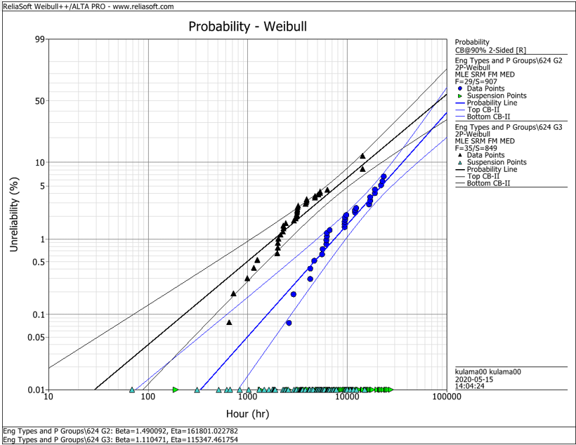
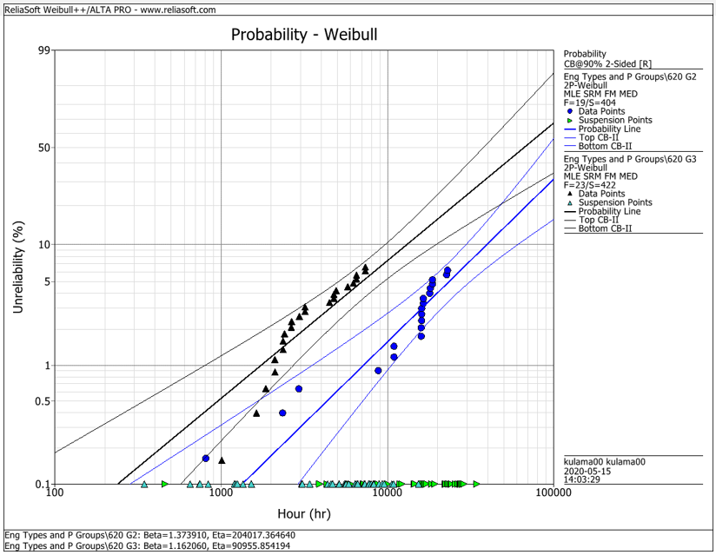
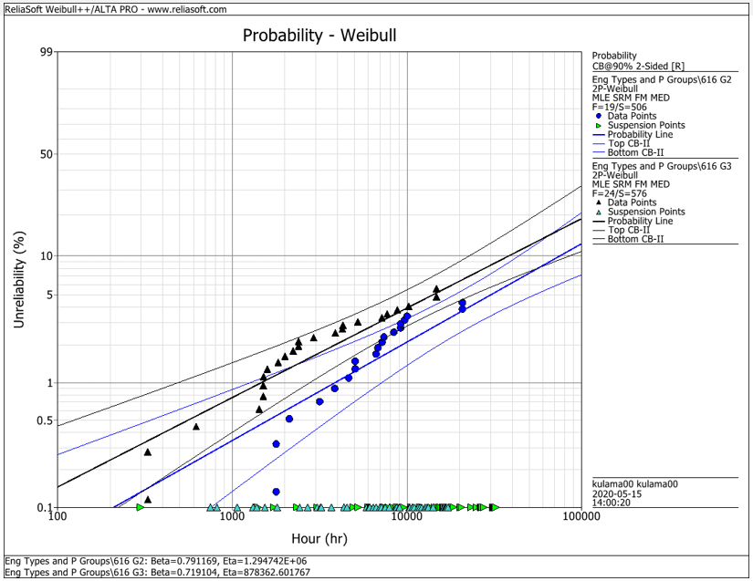
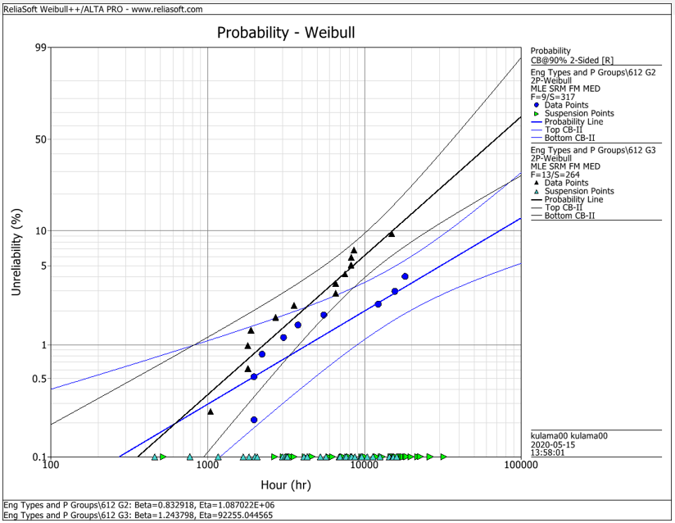
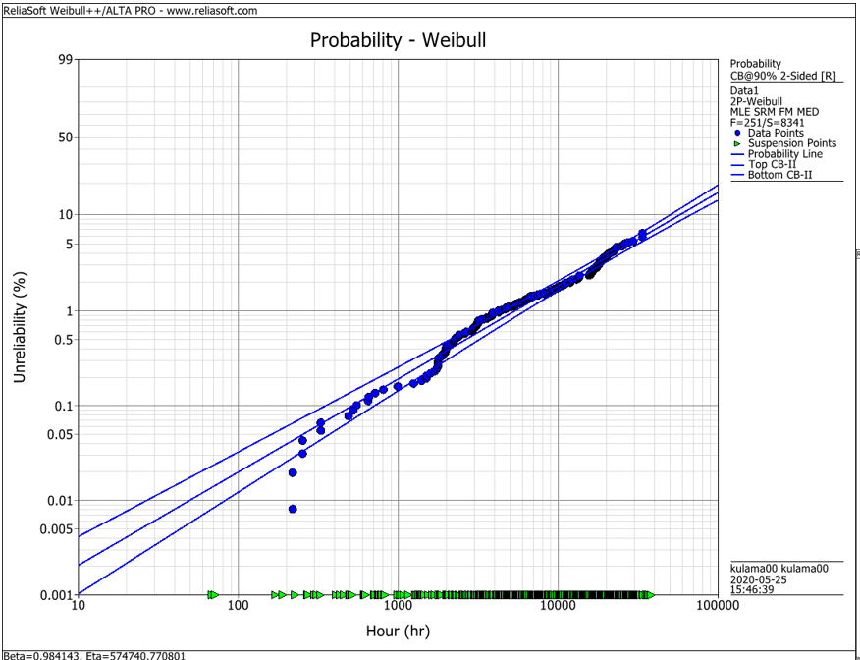
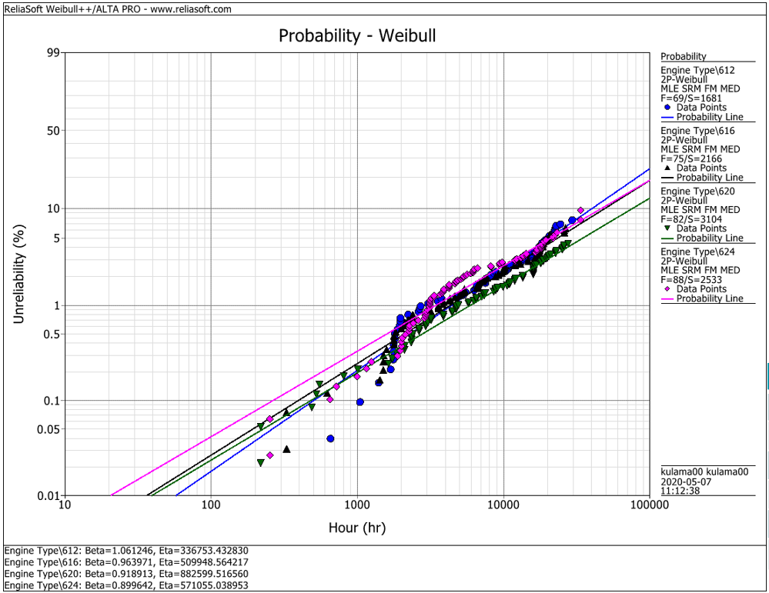
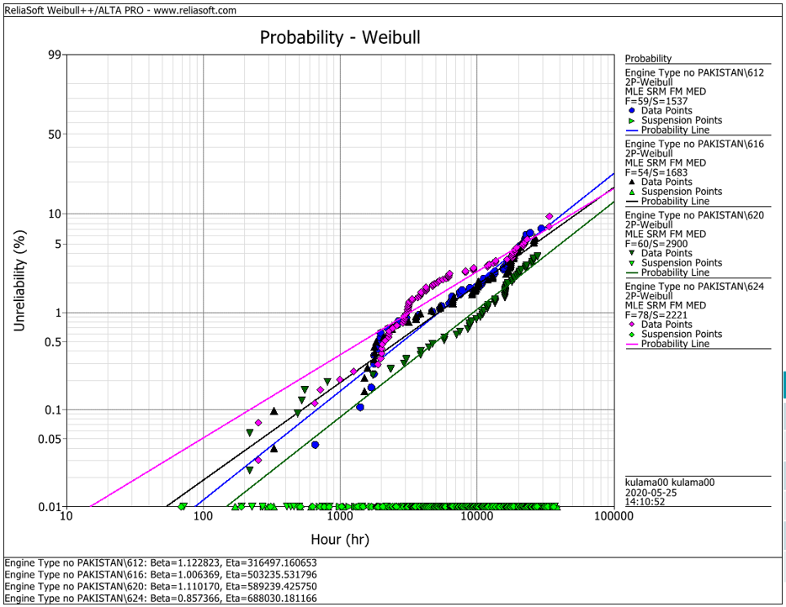
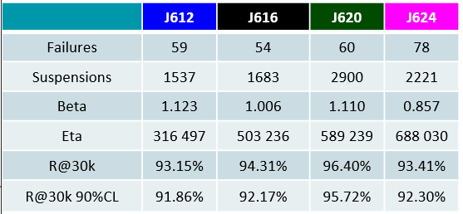
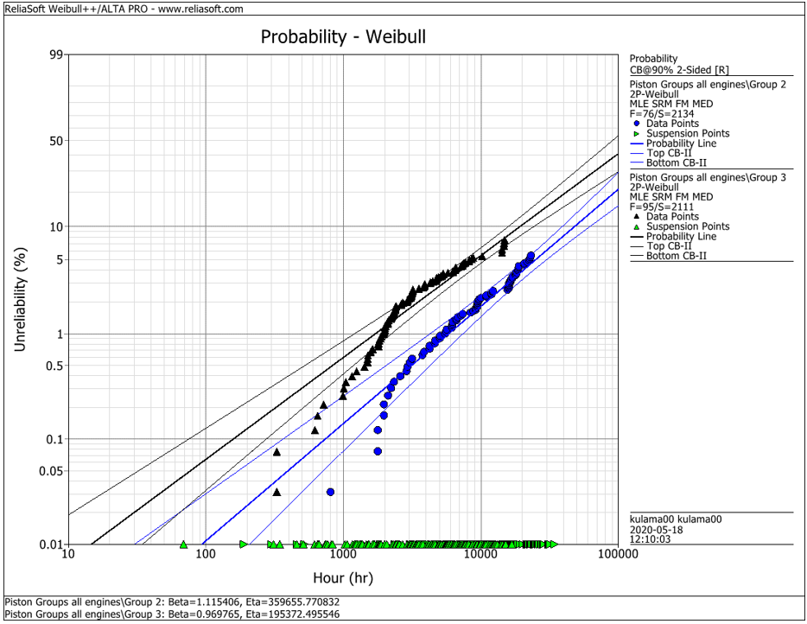
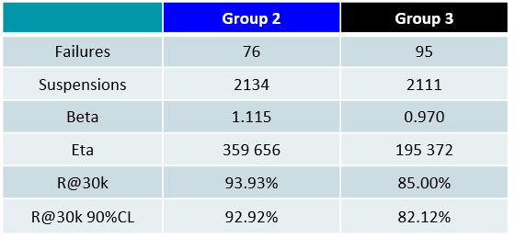
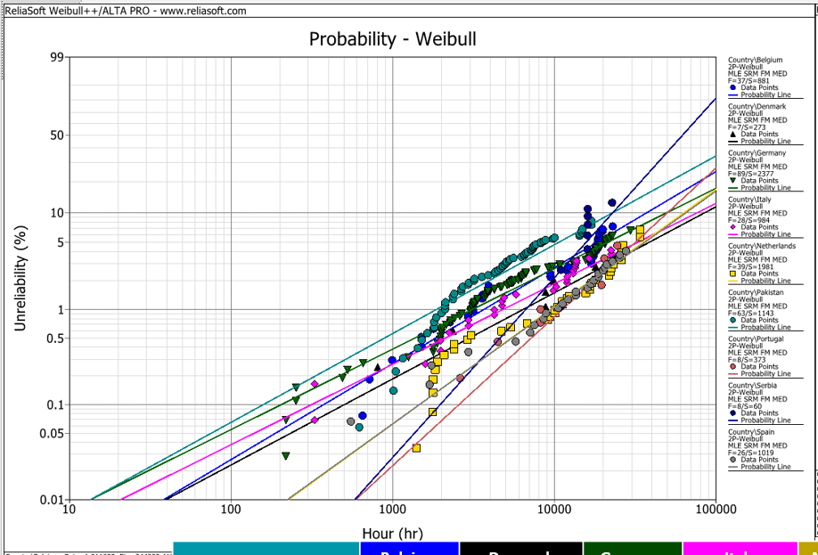
EDC Weibull Comparison
 | beta | R@30k 90%CL
G2 | 0,001 | 92%
G2 | 0,001 | 93%
G2 | 0,001 | 95%
G2 | 0,001 | 95%
G2 | 0,001 | 93%
G3 | 0,001 | 80%
G3 | 0,001 | 75%
G3 | 0,001 | 92%
G3 | 0,001 | 79%
G3 | 0,001 | 82%
all | 0,001 | 94%
all | 0,001 | 91%
all | 0,001 | 93%
all | 0,001 | 95%
all | 0,001 | 92%
all w/o Pak | 0,001 | 92%
all w/o Pak | 0,001 | 92%
all w/o Pak | 0,001 | 96%
all w/o Pak | 0,001 | 93%

 |  | f | s | beta | eta | R@30k 90%CL | Comment
J624 | G2 | 29 | 907 | 1.490 | 161801 | 92.2% | T23 with LKZ OCR
J620 | G2 | 19 | 404 | 1.374 | 204017 | 93.0% | T23 with LKZ OCR
J616 | G2 | 19 | 506 | 0.791 | 1294700 | 95.0% | T23 with LKZ OCR
J612 | G2 | 9 | 317 | 0.830 | 1088700 | 95.0% | T23 with LKZ OCR
J6xx | G2 | 76 | 2134 | 1.115 | 359656 | 92.9% | T23 with LKZ OCR

J624 | G3 | 35 | 849 | 1.110 | 115347 | 80.0% | T23 with flat OCR
J620 | G3 | 23 | 422 | 1.162 | 90955 | 75.0% | T23 with flat OCR
J616 | G3 | 24 | 576 | 0.719 | 878362 | 91.5% | T23 with LKZ OCR
J612 | G3 | 13 | 264 | 1.244 | 92255 | 79.0% | T23 with LKZ OCR
J6xx | G3 | 95 | 2111 | 0.970 | 195372 | 82.1% | T23 with LKZ OCR

J6xx | all | 251 | 8341 | 0.984 | 574741 | 94.2% | Source - cleaned by Maciej 2020-05_25
J612 | all | 69 | 1681 | 1.061 | 336753 | 91.3% | Source - cleaned by Maciej 2020-05_25
J616 | all | 75 | 2166 | 0.964 | 509948 | 92.6% | Source - cleaned by Maciej 2020-05_25
J620 | all | 82 | 3104 | 0.919 | 882599 | 94.9% | Source - cleaned by Maciej 2020-05_25
J624 | all | 88 | 2533 | 0.899 | 571055 | 92.1% | Source - cleaned by Maciej 2020-05_25

J612 | all w/o Pak | 59 | 1537 | 1.123 | 316497 | 91.9% | Source - cleaned by Maciej 2020-05_25
J616 | all w/o Pak | 54 | 1683 | 1.006 | 503236 | 92.2% | Source - cleaned by Maciej 2020-05_25
J620 | all w/o Pak | 60 | 2900 | 1.110 | 589239 | 95.7% | Source - cleaned by Maciej 2020-05_25
J624 | all w/o Pak | 78 | 2221 | 0.857 | 688030 | 93.4% | Source - cleaned by Maciej 2020-05_25

 |  | beta | 1.490 | max
 |  |  | 0.719 | min
 |  |  | 1.038 | mittel
 |  |  | 1.006 | median

