summary
Demonstrated Reliability
 | CLB 90% - 10% |  | CLB 90% - 10% |  | CLB 90% - 10% |  | R1 |  | R2 |  | R3 |  | today |  | R Ref |  | Weibull, b = 1,21 |  | Weibull G3, b 0,97
 | 71.3% | 0 | 97% | 0 | 95% | 0 | 0.0% | 0 | 0.0% | 0 | 0.0% | 7824 | 0.00 | 7824 | 93.9% | 0 | 100.0% | 0 | 100.0%
 | 71.3% | 235 | 97% | 235 | 95% | 235 | 0.0% | 235 | 0.0% | 235 | 7.9% | 7824 | 1.00 |  |  | 235 | 100.0% | 235 | 99.9%
 | 71.3% | 626 | 97% | 626 | 95% | 626 | 1.5% | 626 | 0.0% | 626 | 53.0% |  |  |  |  | 626 | 100.0% | 626 | 99.6%
 | 71.3% | 1174 | 97% | 1174 | 95% | 1174 | 30.6% | 1174 | 2.0% | 1174 | 83.5% |  |  |  |  | 1174 | 100.0% | 1174 | 99.3%
 | 71.3% | 1565 | 97% | 1565 | 95% | 1565 | 50.9% | 1565 | 10.6% | 1565 | 90.3% |  |  |  |  | 1565 | 99.9% | 1565 | 99.1%
 | 71.3% | 1956 | 97% | 1956 | 95% | 1956 | 63.5% | 1956 | 22.1% | 1956 | 93.3% |  |  |  |  | 1956 | 99.9% | 1956 | 98.9%
 | 60.1% | 2347 | 97% | 2347 | 95% | 2347 | 73.0% | 2347 | 35.2% | 2347 | 95.3% |  |  |  |  | 2347 | 99.9% | 2347 | 98.6%
 | 50.2% | 2738 | 97% | 2738 | 95% | 2738 | 79.3% | 2738 | 46.3% | 2738 | 96.5% |  |  |  |  | 2738 | 99.9% | 2738 | 98.4%
 | 42.1% | 3130 | 97% | 3130 | 95% | 3130 | 83.6% | 3130 | 55.2% | 3130 | 97.3% |  |  |  |  | 3130 | 99.9% | 3130 | 98.2%
 | 34.9% | 3521 | 97% | 3521 | 95% | 3521 | 87.0% | 3521 | 63.0% | 3521 | 97.9% |  |  |  |  | 3521 | 99.9% | 3521 | 98.0%
 | 29.0% | 3912 | 97% | 3912 | 95% | 3912 | 89.6% | 3912 | 69.4% | 3912 | 98.3% |  |  |  |  | 3912 | 99.8% | 3912 | 97.8%
 | 24.1% | 4303 | 97% | 4303 | 95% | 4303 | 91.5% | 4303 | 74.5% | 4303 | 98.7% |  |  |  |  | 4303 | 99.8% | 4303 | 97.6%
 | 20.3% | 4694 | 97% | 4694 | 95% | 4694 | 93.0% | 4694 | 78.6% | 4694 | 98.9% |  |  |  |  | 4694 | 99.8% | 4694 | 97.3%
 | 17.1% | 5086 | 97% | 5086 | 95% | 5086 | 94.2% | 5086 | 82.0% | 5086 | 99.1% |  |  |  |  | 5086 | 99.8% | 5086 | 97.1%
 | 14.4% | 5477 | 97% | 5477 | 95% | 5477 | 95.2% | 5477 | 84.8% | 5477 | 99.2% |  |  |  |  | 5477 | 99.8% | 5477 | 96.9%
 | 12.3% | 5868 | 97% | 5868 | 95% | 5868 | 95.9% | 5868 | 87.1% | 5868 | 99.4% |  |  |  |  | 5868 | 99.7% | 5868 | 96.7%
 | 10.4% | 6259 | 97% | 6259 | 95% | 6259 | 96.6% | 6259 | 89.0% | 6259 | 99.5% |  |  |  |  | 6259 | 99.7% | 6259 | 96.5%
 | 8.8% | 6650 | 97% | 6650 | 95% | 6650 | 97.1% | 6650 | 90.7% | 6650 | 99.6% |  |  |  |  | 6650 | 99.7% | 6650 | 96.3%
 | 7.6% | 7042 | 97% | 7042 | 95% | 7042 | 97.5% | 7042 | 92.0% | 7042 | 99.6% |  |  |  |  | 7042 | 99.7% | 7042 | 96.1%
 | 6.6% | 7433 | 97% | 7433 | 95% | 7433 | 97.8% | 7433 | 93.0% | 7433 | 99.7% |  |  |  |  | 7433 | 99.6% | 7433 | 95.9%
 | 5.8% | 7824 | 97% | 7824 | 95% | 7824 | 98.1% | 7824 | 93.9% | 7824 | 99.7% |  |  |  |  | 7824 | 99.6% | 7824 | 95.7%
 | 5.2% | 8215 | 97% | 8215 | 95% | 8215 | 98.3% | 8215 | 94.5% | 8215 | 99.7% |  |  |  |  | 8215 | 99.6% | 8215 | 95.5%
 | 4.7% | 8606 | 97% | 8606 | 95% | 8606 | 98.5% | 8606 | 95.1% | 8606 | 99.8% |  |  |  |  | 8606 | 99.6% | 8606 | 95.3%
 | 4.2% | 8998 | 97% | 8998 | 95% | 8998 | 98.6% | 8998 | 95.6% | 8998 | 99.8% |  |  |  |  | 8998 | 99.6% | 8998 | 95.1%
 | 3.9% | 9389 | 97% | 9389 | 95% | 9389 | 98.8% | 9389 | 95.9% | 9389 | 99.8% |  |  |  |  | 9389 | 99.5% | 9389 | 94.9%
 | 3.5% | 9780 | 97% | 9780 | 95% | 9780 | 98.9% | 9780 | 96.3% | 9780 | 99.8% |  |  |  |  | 9780 | 99.5% | 9780 | 94.7%
 | 3.3% | 10171 | 97% | 10171 | 95% | 10171 | 99.0% | 10171 | 96.6% | 10171 | 99.8% |  |  |  |  | 10171 | 99.5% | 10171 | 94.5%
 | 3.0% | 10562 | 97% | 10562 | 95% | 10562 | 99.0% | 10562 | 96.8% | 10562 | 99.9% |  |  |  |  | 10562 | 99.5% | 10562 | 94.3%
 | 2.8% | 10954 | 97% | 10954 | 95% | 10954 | 99.1% | 10954 | 97.0% | 10954 | 99.9% |  |  |  |  | 10954 | 99.4% | 10954 | 94.1%
 | 2.6% | 11345 | 97% | 11345 | 95% | 11345 | 99.2% | 11345 | 97.2% | 11345 | 99.9% |  |  |  |  | 11345 | 99.4% | 11345 | 93.9%
 | 2.5% | 11736 | 97% | 11736 | 95% | 11736 | 99.2% | 11736 | 97.4% | 11736 | 99.9% |  |  |  |  | 11736 | 99.4% | 11736 | 93.7%
 | 2.3% | 12127 | 97% | 12127 | 95% | 12127 | 99.3% | 12127 | 97.6% | 12127 | 99.9% |  |  |  |  | 12127 | 99.4% | 12127 | 93.5%
 | 2.2% | 12518 | 97% | 12518 | 95% | 12518 | 99.3% | 12518 | 97.7% | 12518 | 99.9% |  |  |  |  | 12518 | 99.3% | 12518 | 93.3%
 | 2.1% | 12910 | 97% | 12910 | 95% | 12910 | 99.3% | 12910 | 97.8% | 12910 | 99.9% |  |  |  |  | 12910 | 99.3% | 12910 | 93.1%
 | 2.0% | 13301 | 97% | 13301 | 95% | 13301 | 99.4% | 13301 | 97.9% | 13301 | 99.9% |  |  |  |  | 13301 | 99.3% | 13301 | 92.9%
 | 1.9% | 13692 | 97% | 13692 | 95% | 13692 | 99.4% | 13692 | 98.0% | 13692 | 99.9% |  |  |  |  | 13692 | 99.3% | 13692 | 92.7%
 | 1.8% | 14083 | 97% | 14083 | 95% | 14083 | 99.4% | 14083 | 98.1% | 14083 | 99.9% |  |  |  |  | 14083 | 99.2% | 14083 | 92.5%
 | 1.7% | 14474 | 97% | 14474 | 95% | 14474 | 99.5% | 14474 | 98.2% | 14474 | 99.9% |  |  |  |  | 14474 | 99.2% | 14474 | 92.3%
 | 1.6% | 14866 | 97% | 14866 | 95% | 14866 | 99.5% | 14866 | 98.3% | 14866 | 99.9% |  |  |  |  | 14866 | 99.2% | 14866 | 92.1%
 | 1.6% | 15257 | 97% | 15257 | 95% | 15257 | 99.5% | 15257 | 98.4% | 15257 | 99.9% |  |  |  |  | 15257 | 99.2% | 15257 | 91.9%
 | 1.5% | 15648 | 97% | 15648 | 95% | 15648 | 99.5% | 15648 | 98.4% | 15648 | 99.9% |  |  |  |  | 15648 | 99.1% | 15648 | 91.7%
 |  |  |  |  |  |  | Pn | 1013 | mbar | Tn | 0 | °C | 9.8 | kWh / mn3
Validation Fleet Status |  | Date | 12/29/20 |  |  |  | ETAMOT not fully plausible ?
624 | 18 |  | Cum hours | 79879
620 | 6 |  | Fl Leader | 6434
616 | 7 |  | Avg hours | 2496 |  |  |  |  |  |  |  |  |  | 0
612 | 1 |  | 2000 | 16 |  |  |  |  |  |  |  |  |  | 0
Sum Engines | 32 |  | 4000 | 4 |  |  |  |  |  |  |  |  |  | 0
Sum PU's | 676 |  | 6000 | 2 |  |  |  |  |  |  |  |  |  | 0
 |  |  |  |  |  |  |  |  |  |  |  |  |  | 0
Beta | Running | Available | Not Available | Error |  |  |  |  |  |  |  |  |  | 0
1.210 | 22 | 4 | 5 | 1 |  |  |  |  |  |  |  |  |  | 0
 |  |  |  |  |  |  |  |  |  |  |  |  |  | 0
 | T | CL | BETA | R |  |  |  |  |  |  |  |  |  | 0
R1 | 30000 | 50% | 1.210 | 98.1% |  |  |  |  |  |  |  |  |  | 0
R2 | 30000 | 90% | 1.210 | 93.9% |  |  |  |  |  |  |  |  |  | 0
R3 | 30000 | 10% | 1.210 | 99.7% |  |  |  |  |  |  |  |  |  | 0
 |  |  |  |  |  |  |  |  |  |  |  |  |  | 0
Field Validation Results vs. CTQ's |  |  |  | CTQ |  |  |  |  |  |  |  |  |  | 0
1. R(CL 50%) > 97% @ß = |  | 1.210 | 98.1% | 97% |  |  |  |  |  |  |  |  |  | 0
2. R(CL 90%) > 90% @ß = |  | 1.210 | 93.9% | 90% |  |  |  |  |  |  |  |  |  | 0
3. 4 Engines > 6000 oph |  |  | 2 | 4 |  |  |  |  |  |  |  |  |  | 0
 |  |  |  |  | 1.210 | 1.21 |  |  |  |  |  |  |  | 0
 | BR6 |  | hours s. VS | 7824 | 6434 | 6434 |  |  |  |  |  |  |  | 0
Bohrung [mm] | 190 |  | pess PU F | 7.7% | 234.2 | 234.2 |  |  |  |  |  |  |  | 0
Hub [mm] | 220 |  | pess PU F | 52 | 99.4% |  |  |  |  |  |  |  |  | 0
Validation Fleet oph
 |  |  | Date |  | Date line |  | 2000 |  | 6000 |  | 1386177 |  | 1393153 |  | 1320072 |  | 1184199 |  | 1352268 |  | 1320022 |  | 1250575
2/7/20 | 0 | 12/29/20 | 6434 | 12/29/20 | 0 | 2/7/20 | 2000 | 2/7/20 | 6000 | 2/7/20 | 0 | 2/7/20 | 0 | 2/7/20 | 0 | 2/7/20 | 0 | 2/7/20 | 0 | 2/7/20 | 0 | 2/7/20 | 0
2/16/20 | 235 |  |  | 12/29/20 | 6434 | 11/20/21 | 2000 | 11/20/21 | 6000 | 2/16/20 | 0 | 2/16/20 | 0 | 2/16/20 | 157 | 2/16/20 | 0 | 2/16/20 | 0 | 2/16/20 | 0 | 2/16/20 | 0
3/4/20 | 626 |  |  |  |  |  |  |  |  | 3/4/20 | 44 | 3/4/20 | 0 | 3/4/20 | 418 | 3/4/20 | 0 | 3/4/20 | 0 | 3/4/20 | 0 | 3/4/20 | 0
3/26/20 | 1174 |  |  |  |  |  |  |  |  | 3/26/20 | 530 | 3/26/20 | 87 | 3/26/20 | 784 | 3/26/20 | 0 | 3/26/20 | 0 | 3/26/20 | 0 | 3/26/20 | 0
4/12/20 | 1565 |  |  |  |  |  |  |  |  | 4/12/20 | 878 | 4/12/20 | 451 | 4/12/20 | 1045 | 4/12/20 | 0 | 4/12/20 | 0 | 4/12/20 | 0 | 4/12/20 | 0
4/28/20 | 1956 |  |  |  |  |  |  |  |  | 4/28/20 | 1225 | 4/28/20 | 814 | 4/28/20 | 1307 | 4/28/20 | 31 | 4/28/20 | 0 | 4/28/20 | 0 | 4/28/20 | 0
5/14/20 | 2347 |  |  |  |  |  |  |  |  | 5/14/20 | 1572 | 5/14/20 | 1178 | 5/14/20 | 1568 | 5/14/20 | 374 | 5/14/20 | 172 | 5/14/20 | 0 | 5/14/20 | 0
5/31/20 | 2738 |  |  |  |  |  |  |  |  | 5/31/20 | 1920 | 5/31/20 | 1542 | 5/31/20 | 1829 | 5/31/20 | 716 | 5/31/20 | 431 | 5/31/20 | 0 | 5/31/20 | 0
6/16/20 | 3130 |  |  |  |  |  |  |  |  | 6/16/20 | 2267 | 6/16/20 | 1906 | 6/16/20 | 2090 | 6/16/20 | 1058 | 6/16/20 | 689 | 6/16/20 | 148 | 6/16/20 | 24
7/2/20 | 3521 |  |  |  |  |  |  |  |  | 7/2/20 | 2614 | 7/2/20 | 2269 | 7/2/20 | 2352 | 7/2/20 | 1400 | 7/2/20 | 948 | 7/2/20 | 435 | 7/2/20 | 308
7/19/20 | 3912 |  |  |  |  |  |  |  |  | 7/19/20 | 2961 | 7/19/20 | 2633 | 7/19/20 | 2613 | 7/19/20 | 1742 | 7/19/20 | 1207 | 7/19/20 | 722 | 7/19/20 | 592
8/4/20 | 4303 |  |  |  |  |  |  |  |  | 8/4/20 | 3309 | 8/4/20 | 2997 | 8/4/20 | 2874 | 8/4/20 | 2084 | 8/4/20 | 1466 | 8/4/20 | 1009 | 8/4/20 | 877
8/20/20 | 4694 |  |  |  |  |  |  |  |  | 8/20/20 | 3656 | 8/20/20 | 3360 | 8/20/20 | 3136 | 8/20/20 | 2427 | 8/20/20 | 1725 | 8/20/20 | 1297 | 8/20/20 | 1161
9/5/20 | 5086 |  |  |  |  |  |  |  |  | 9/5/20 | 4003 | 9/5/20 | 3724 | 9/5/20 | 3397 | 9/5/20 | 2769 | 9/5/20 | 1984 | 9/5/20 | 1584 | 9/5/20 | 1445
9/22/20 | 5477 |  |  |  |  |  |  |  |  | 9/22/20 | 4350 | 9/22/20 | 4088 | 9/22/20 | 3658 | 9/22/20 | 3111 | 9/22/20 | 2243 | 9/22/20 | 1871 | 9/22/20 | 1729
10/8/20 | 5868 |  |  |  |  |  |  |  |  | 10/8/20 | 4698 | 10/8/20 | 4451 | 10/8/20 | 3920 | 10/8/20 | 3453 | 10/8/20 | 2502 | 10/8/20 | 2158 | 10/8/20 | 2013
10/24/20 | 6259 |  |  |  |  |  |  |  |  | 10/24/20 | 5045 | 10/24/20 | 4815 | 10/24/20 | 4181 | 10/24/20 | 3795 | 10/24/20 | 2761 | 10/24/20 | 2445 | 10/24/20 | 2297
11/10/20 | 6650 |  |  |  |  |  |  |  |  | 11/10/20 | 5392 | 11/10/20 | 5179 | 11/10/20 | 4442 | 11/10/20 | 4137 | 11/10/20 | 3020 | 11/10/20 | 2732 | 11/10/20 | 2581
11/26/20 | 7042 |  |  |  |  |  |  |  |  | 11/26/20 | 5739 | 11/26/20 | 5543 | 11/26/20 | 4703 | 11/26/20 | 4480 | 11/26/20 | 3279 | 11/26/20 | 3020 | 11/26/20 | 2865
12/12/20 | 7433 |  |  |  |  |  |  |  |  | 12/12/20 | 6087 | 12/12/20 | 5906 | 12/12/20 | 4965 | 12/12/20 | 4822 | 12/12/20 | 3538 | 12/12/20 | 3307 | 12/12/20 | 3149
12/29/20 | 7824 |  |  |  |  |  |  |  |  | 12/29/20 | 6434 | 12/29/20 | 6270 | 12/29/20 | 5226 | 12/29/20 | 5164 | 12/29/20 | 3797 | 12/29/20 | 3594 | 12/29/20 | 3433
1/14/21 | 8215 |  |  |  |  |  |  |  |  | 1/14/21 | 6781 | 1/14/21 | 6634 | 1/14/21 | 5487 | 1/14/21 | 5506 | 1/14/21 | 4056 | 1/14/21 | 3881 | 1/14/21 | 3717
1/30/21 | 8606 |  |  |  |  |  |  |  |  | 1/30/21 | 7129 | 1/30/21 | 6997 | 1/30/21 | 5749 | 1/30/21 | 5848 | 1/30/21 | 4315 | 1/30/21 | 4168 | 1/30/21 | 4001
2/15/21 | 8998 |  |  |  |  |  |  |  |  | 2/15/21 | 7476 | 2/15/21 | 7361 | 2/15/21 | 6010 | 2/15/21 | 6191 | 2/15/21 | 4574 | 2/15/21 | 4456 | 2/15/21 | 4285
3/4/21 | 9389 |  |  |  |  |  |  |  |  | 3/4/21 | 7823 | 3/4/21 | 7725 | 3/4/21 | 6271 | 3/4/21 | 6533 | 3/4/21 | 4833 | 3/4/21 | 4743 | 3/4/21 | 4569
3/20/21 | 9780 |  |  |  |  |  |  |  |  | 3/20/21 | 8170 | 3/20/21 | 8089 | 3/20/21 | 6533 | 3/20/21 | 6875 | 3/20/21 | 5092 | 3/20/21 | 5030 | 3/20/21 | 4853
4/5/21 | 10171 |  |  |  |  |  |  |  |  | 4/5/21 | 8518 | 4/5/21 | 8452 | 4/5/21 | 6794 | 4/5/21 | 7217 | 4/5/21 | 5351 | 4/5/21 | 5317 | 4/5/21 | 5137
4/22/21 | 10562 |  |  |  |  |  |  |  |  | 4/22/21 | 8865 | 4/22/21 | 8816 | 4/22/21 | 7055 | 4/22/21 | 7559 | 4/22/21 | 5610 | 4/22/21 | 5604 | 4/22/21 | 5421
5/8/21 | 10954 |  |  |  |  |  |  |  |  | 5/8/21 | 9212 | 5/8/21 | 9180 | 5/8/21 | 7316 | 5/8/21 | 7901 | 5/8/21 | 5869 | 5/8/21 | 5891 | 5/8/21 | 5705
5/24/21 | 11345 |  |  |  |  |  |  |  |  | 5/24/21 | 9559 | 5/24/21 | 9543 | 5/24/21 | 7578 | 5/24/21 | 8244 | 5/24/21 | 6128 | 5/24/21 | 6179 | 5/24/21 | 5989
6/10/21 | 11736 |  |  |  |  |  |  |  |  | 6/10/21 | 9907 | 6/10/21 | 9907 | 6/10/21 | 7839 | 6/10/21 | 8586 | 6/10/21 | 6387 | 6/10/21 | 6466 | 6/10/21 | 6274
6/26/21 | 12127 |  |  |  |  |  |  |  |  | 6/26/21 | 10254 | 6/26/21 | 10271 | 6/26/21 | 8100 | 6/26/21 | 8928 | 6/26/21 | 6646 | 6/26/21 | 6753 | 6/26/21 | 6558
7/12/21 | 12518 |  |  |  |  |  |  |  |  | 7/12/21 | 10601 | 7/12/21 | 10634 | 7/12/21 | 8362 | 7/12/21 | 9270 | 7/12/21 | 6905 | 7/12/21 | 7040 | 7/12/21 | 6842
7/28/21 | 12910 |  |  |  |  |  |  |  |  | 7/28/21 | 10948 | 7/28/21 | 10998 | 7/28/21 | 8623 | 7/28/21 | 9612 | 7/28/21 | 7163 | 7/28/21 | 7327 | 7/28/21 | 7126
8/14/21 | 13301 |  |  |  |  |  |  |  |  | 8/14/21 | 11296 | 8/14/21 | 11362 | 8/14/21 | 8884 | 8/14/21 | 9954 | 8/14/21 | 7422 | 8/14/21 | 7614 | 8/14/21 | 7410
8/30/21 | 13692 |  |  |  |  |  |  |  |  | 8/30/21 | 11643 | 8/30/21 | 11726 | 8/30/21 | 9146 | 8/30/21 | 10297 | 8/30/21 | 7681 | 8/30/21 | 7902 | 8/30/21 | 7694
9/15/21 | 14083 |  |  |  |  |  |  |  |  | 9/15/21 | 11990 | 9/15/21 | 12089 | 9/15/21 | 9407 | 9/15/21 | 10639 | 9/15/21 | 7940 | 9/15/21 | 8189 | 9/15/21 | 7978
10/2/21 | 14474 |  |  |  |  |  |  |  |  | 10/2/21 | 12338 | 10/2/21 | 12453 | 10/2/21 | 9668 | 10/2/21 | 10981 | 10/2/21 | 8199 | 10/2/21 | 8476 | 10/2/21 | 8262
10/18/21 | 14866 |  |  |  |  |  |  |  |  | 10/18/21 | 12685 | 10/18/21 | 12817 | 10/18/21 | 9929 | 10/18/21 | 11323 | 10/18/21 | 8458 | 10/18/21 | 8763 | 10/18/21 | 8546
11/3/21 | 15257 |  |  |  |  |  |  |  |  | 11/3/21 | 13032 | 11/3/21 | 13180 | 11/3/21 | 10191 | 11/3/21 | 11665 | 11/3/21 | 8717 | 11/3/21 | 9050 | 11/3/21 | 8830
11/20/21 | 15648 |  |  |  |  |  |  |  |  | 11/20/21 | 13379 | 11/20/21 | 13544 | 11/20/21 | 10452 | 11/20/21 | 12007 | 11/20/21 | 8976 | 11/20/21 | 9337 | 11/20/21 | 9114
VH zyl [dm3] | 6.24 |  | like PU F | 1.9% | 455359 | 1431445.7269 |  |  |  |  |  |  |  | 0
 |  |  | like PU F | 13 | 96.3% |  |  |  |  |  |  |  |  | 0
 |  |  |  | 2349.6258514 | 3.65% | 0.14% |  |  |  |  |  |  |  | 0
 |  |  |  |  | 8.56 | 0.9759 |  |  |  |  |  |  |  | 0
Engines | ~ BMP Avg | z | VH [dm3] | etael |  |  |  |  |  |  |  |  |  | 0
624 | 24.2 | 24 | 149.7 | 98.1% |  |  |  |  |  |  |  |  |  | 0
620 | 22.0 | 20 | 124.8 | 98.0% |  |  |  |  |  |  |  |  |  | 0
616 | 22.0 | 16 | 99.8 | 97.6% |  |  |  |  |  |  |  |  |  | 0
612 | 22.0 | 12 | 74.9 | 98.6% |  |  |  |  |  |  |  |  |  | 0
 |  |  |  |  |  |  |  |  |  |  |  |  |  | 0
BMEP Avg | BMEP Min | BMEP Max | NOX | MN | Version | #
24.3 | 24.0 | 24.5 | 500 | 80 | K01 | 3
24.3 | 24.0 | 24.5 | 500 | 80 | H01 | 12
24.0 | 24.0 | 24.0 | 250 | 80 | H02 | 1
 | 0.0 | 0.0 | 500 | 70 | H101 | 0
24.5 | 24.5 | 24.5 | 250 | 70 | H12 | 1
22.0 | 22.0 | 22.0 | 500 | 80 | F01 | 5
22.0 | 22.0 | 22.0 | 500 | 80 | J01 | 2
22.0 | 22.0 | 22.0 | 500 | 70 | J101 | 1
22.0 | 22.0 | 22.0 | 500 | 70 | J11 | 1
22.0 | 22.0 | 22.0 | 500 | 70 | F11 | 1
22.0 | 22.0 | 22.0 | 250 | 70 | F12 | 1
22.0 | 22.0 | 22.0 | 250 | 70 | J12 | 3
22.9 | 22.9 | 22.9 | 500 | 80 | K505 | 1
 |  |  |  |  |  | 32

ndReliaCalc2
 | Data Date | 2020-12-29 17:59:51
 | Val Start | 2020-02-07
 | Val Period (days) | 326
 | Beta (R2) | 1.21

 |  |  |  | 2000h line | 2000 | 2000
 |  |  |  |  | 2019-05-01 | 2021-12-31
 |  |  |  | 6000h line | 6000 | 6000
 |  |  |  |  | 2019-05-01 | 2021-12-31

 |  |  |  |  |  |  |  | R1 failures | 0 | 0 | 0 | 0 | 0 | 0 | 0 | 0 | 0 | 0 | 0 | 0 | 0 | 0 | 0 | 0 | 0 | 0 | 0 | 0 | 0 | 0 | 0 | 0 | 0 | 0 | 0 | 0 | 0 | 0 | 0 | 0 | 0 | 0 | 0 | 0 | 0 | 0 | 0 | 0 | 0
 |  |  |  |  |  |  |  | R2 failures | 0 | 0 | 0 | 0 | 0 | 0 | 0 | 0 | 0 | 0 | 0 | 0 | 0 | 0 | 0 | 0 | 0 | 0 | 0 | 0 | 0 | 0 | 0 | 0 | 0 | 0 | 0 | 0 | 0 | 0 | 0 | 0 | 0 | 0 | 0 | 0 | 0 | 0 | 0 | 0 | 0
 |  |  |  | f1 | 2020-12-19 17:59:51 | 0 | 97% | 316 | 0 | 0 | 0 | 0 | 0 | 0 | 0 | 0 | 0 | 0 | 0 | 0 | 0 | 0 | 0 | 0 | 0 | 0 | 0 | 0 | 0 | 0 | 0 | 0 | 0 | 0 | 0 | 0 | 0 | 0 | 0 | 0 | 0 | 0 | 0 | 0 | 0 | 0 | 0 | 0 | 0
 |  |  |  | f2 | 2021-01-28 17:59:51 | 0 | 109% | 356 | 0 | 0 | 0 | 0 | 0 | 0 | 0 | 0 | 0 | 0 | 0 | 0 | 0 | 0 | 0 | 0 | 0 | 0 | 0 | 0 | 0 | 0 | 0 | 0 | 0 | 0 | 0 | 0 | 0 | 0 | 0 | 0 | 0 | 0 | 0 | 0 | 0 | 0 | 0 | 0 | 0
 |  |  |  | f3 | 2020-11-28 17:59:51 | 0 | 90% | 295 | 0 | 0 | 0 | 0 | 0 | 0 | 0 | 0 | 0 | 0 | 0 | 0 | 0 | 0 | 0 | 0 | 0 | 0 | 0 | 0 | 0 | 0 | 0 | 0 | 0 | 0 | 0 | 0 | 0 | 0 | 0 | 0 | 0 | 0 | 0 | 0 | 0 | 0 | 0 | 0 | 0
 |  |  |  | f4 | 2020-08-27 17:59:51 | 0 | 62% | 202 | 0 | 0 | 0 | 0 | 0 | 0 | 0 | 0 | 0 | 0 | 0 | 0 | 0 | 0 | 0 | 0 | 0 | 0 | 0 | 0 | 0 | 0 | 0 | 0 | 0 | 0 | 0 | 0 | 0 | 0 | 0 | 0 | 0 | 0 | 0 | 0 | 0 | 0 | 0 | 0 | 0
 |  |  |  | f5 | 2021-05-02 17:59:51 | 0 | 138% | 450 | 0 | 0 | 0 | 0 | 0 | 0 | 0 | 0 | 0 | 0 | 0 | 0 | 0 | 0 | 0 | 0 | 0 | 0 | 0 | 0 | 0 | 0 | 0 | 0 | 0 | 0 | 0 | 0 | 0 | 0 | 0 | 0 | 0 | 0 | 0 | 0 | 0 | 0 | 0 | 0 | 0
 |  |  |  | f6 | 2021-07-03 17:59:51 | 0 | 157% | 512 | 0 | 0 | 0 | 0 | 0 | 0 | 0 | 0 | 0 | 0 | 0 | 0 | 0 | 0 | 0 | 0 | 0 | 0 | 0 | 0 | 0 | 0 | 0 | 0 | 0 | 0 | 0 | 0 | 0 | 0 | 0 | 0 | 0 | 0 | 0 | 0 | 0 | 0 | 0 | 0 | 0
 |  |  |  | f7 | 0 | 0 | -13456% | -43868 | 0 | 0 | 0 | 0 | 0 | 0 | 0 | 0 | 0 | 0 | 0 | 0 | 0 | 0 | 0 | 0 | 0 | 0 | 0 | 0 | 0 | 0 | 0 | 0 | 0 | 0 | 0 | 0 | 0 | 0 | 0 | 0 | 0 | 0 | 0 | 0 | 0 | 0 | 0 | 0 | 0
 |  |  |  | f8 | 0 | 0 | -13456% | -43868 | 0 | 0 | 0 | 0 | 0 | 0 | 0 | 0 | 0 | 0 | 0 | 0 | 0 | 0 | 0 | 0 | 0 | 0 | 0 | 0 | 0 | 0 | 0 | 0 | 0 | 0 | 0 | 0 | 0 | 0 | 0 | 0 | 0 | 0 | 0 | 0 | 0 | 0 | 0 | 0 | 0
 |  |  |  | f9 | 0 | 0 | -13456% | -43868 | 0 | 0 | 0 | 0 | 0 | 0 | 0 | 0 | 0 | 0 | 0 | 0 | 0 | 0 | 0 | 0 | 0 | 0 | 0 | 0 | 0 | 0 | 0 | 0 | 0 | 0 | 0 | 0 | 0 | 0 | 0 | 0 | 0 | 0 | 0 | 0 | 0 | 0 | 0 | 0 | 0
 |  |  |  | f10 | 0 | 0 | -13456% | -43868 | 0 | 0 | 0 | 0 | 0 | 0 | 0 | 0 | 0 | 0 | 0 | 0 | 0 | 0 | 0 | 0 | 0 | 0 | 0 | 0 | 0 | 0 | 0 | 0 | 0 | 0 | 0 | 0 | 0 | 0 | 0 | 0 | 0 | 0 | 0 | 0 | 0 | 0 | 0 | 0 | 0
 |  |  |  | f11 | 0 | 0 | -13456% | -43868 | 0 | 0 | 0 | 0 | 0 | 0 | 0 | 0 | 0 | 0 | 0 | 0 | 0 | 0 | 0 | 0 | 0 | 0 | 0 | 0 | 0 | 0 | 0 | 0 | 0 | 0 | 0 | 0 | 0 | 0 | 0 | 0 | 0 | 0 | 0 | 0 | 0 | 0 | 0 | 0 | 0
 |  |  |  | f12 | 0 | 0 | -13456% | -43868 | 0 | 0 | 0 | 0 | 0 | 0 | 0 | 0 | 0 | 0 | 0 | 0 | 0 | 0 | 0 | 0 | 0 | 0 | 0 | 0 | 0 | 0 | 0 | 0 | 0 | 0 | 0 | 0 | 0 | 0 | 0 | 0 | 0 | 0 | 0 | 0 | 0 | 0 | 0 | 0 | 0
 |  |  |  | f13 | 0 | 0 | -13456% | -43868 | 0 | 0 | 0 | 0 | 0 | 0 | 0 | 0 | 0 | 0 | 0 | 0 | 0 | 0 | 0 | 0 | 0 | 0 | 0 | 0 | 0 | 0 | 0 | 0 | 0 | 0 | 0 | 0 | 0 | 0 | 0 | 0 | 0 | 0 | 0 | 0 | 0 | 0 | 0 | 0 | 0
 |  |  |  | f14 | 0 | 0 | -13456% | -43868 | 0 | 0 | 0 | 0 | 0 | 0 | 0 | 0 | 0 | 0 | 0 | 0 | 0 | 0 | 0 | 0 | 0 | 0 | 0 | 0 | 0 | 0 | 0 | 0 | 0 | 0 | 0 | 0 | 0 | 0 | 0 | 0 | 0 | 0 | 0 | 0 | 0 | 0 | 0 | 0 | 0
 |  |  |  | f15 | 0 | 0 | -13456% | -43868 | 0 | 0 | 0 | 0 | 0 | 0 | 0 | 0 | 0 | 0 | 0 | 0 | 0 | 0 | 0 | 0 | 0 | 0 | 0 | 0 | 0 | 0 | 0 | 0 | 0 | 0 | 0 | 0 | 0 | 0 | 0 | 0 | 0 | 0 | 0 | 0 | 0 | 0 | 0 | 0 | 0
 |  |  |  | f16 | 0 | 0 | -13456% | -43868 | 0 | 0 | 0 | 0 | 0 | 0 | 0 | 0 | 0 | 0 | 0 | 0 | 0 | 0 | 0 | 0 | 0 | 0 | 0 | 0 | 0 | 0 | 0 | 0 | 0 | 0 | 0 | 0 | 0 | 0 | 0 | 0 | 0 | 0 | 0 | 0 | 0 | 0 | 0 | 0 | 0
 |  |  |  | f17 | 0 | 0 | -13456% | -43868 | 0 | 0 | 0 | 0 | 0 | 0 | 0 | 0 | 0 | 0 | 0 | 0 | 0 | 0 | 0 | 0 | 0 | 0 | 0 | 0 | 0 | 0 | 0 | 0 | 0 | 0 | 0 | 0 | 0 | 0 | 0 | 0 | 0 | 0 | 0 | 0 | 0 | 0 | 0 | 0 | 0
 |  |  |  | f18 | 0 | 0 | -13456% | -43868 | 0 | 0 | 0 | 0 | 0 | 0 | 0 | 0 | 0 | 0 | 0 | 0 | 0 | 0 | 0 | 0 | 0 | 0 | 0 | 0 | 0 | 0 | 0 | 0 | 0 | 0 | 0 | 0 | 0 | 0 | 0 | 0 | 0 | 0 | 0 | 0 | 0 | 0 | 0 | 0 | 0
 |  |  |  | f19 | 0 | 0 | -13456% | -43868 | 0 | 0 | 0 | 0 | 0 | 0 | 0 | 0 | 0 | 0 | 0 | 0 | 0 | 0 | 0 | 0 | 0 | 0 | 0 | 0 | 0 | 0 | 0 | 0 | 0 | 0 | 0 | 0 | 0 | 0 | 0 | 0 | 0 | 0 | 0 | 0 | 0 | 0 | 0 | 0 | 0
 |  |  |  | f20 | 0 | 0 | -13456% | -43868 | 0 | 0 | 0 | 0 | 0 | 0 | 0 | 0 | 0 | 0 | 0 | 0 | 0 | 0 | 0 | 0 | 0 | 0 | 0 | 0 | 0 | 0 | 0 | 0 | 0 | 0 | 0 | 0 | 0 | 0 | 0 | 0 | 0 | 0 | 0 | 0 | 0 | 0 | 0 | 0 | 0
 |  |  |  | f21 | 0 | 0 | -13456% | -43868 | 0 | 0 | 0 | 0 | 0 | 0 | 0 | 0 | 0 | 0 | 0 | 0 | 0 | 0 | 0 | 0 | 0 | 0 | 0 | 0 | 0 | 0 | 0 | 0 | 0 | 0 | 0 | 0 | 0 | 0 | 0 | 0 | 0 | 0 | 0 | 0 | 0 | 0 | 0 | 0 | 0
 |  |  |  | f22 | 0 | 0 | -13456% | -43868 | 0 | 0 | 0 | 0 | 0 | 0 | 0 | 0 | 0 | 0 | 0 | 0 | 0 | 0 | 0 | 0 | 0 | 0 | 0 | 0 | 0 | 0 | 0 | 0 | 0 | 0 | 0 | 0 | 0 | 0 | 0 | 0 | 0 | 0 | 0 | 0 | 0 | 0 | 0 | 0 | 0
 |  |  |  | f23 | 0 | 0 | -13456% | -43868 | 0 | 0 | 0 | 0 | 0 | 0 | 0 | 0 | 0 | 0 | 0 | 0 | 0 | 0 | 0 | 0 | 0 | 0 | 0 | 0 | 0 | 0 | 0 | 0 | 0 | 0 | 0 | 0 | 0 | 0 | 0 | 0 | 0 | 0 | 0 | 0 | 0 | 0 | 0 | 0 | 0
 |  |  |  | f24 | 0 | 0 | -13456% | -43868 | 0 | 0 | 0 | 0 | 0 | 0 | 0 | 0 | 0 | 0 | 0 | 0 | 0 | 0 | 0 | 0 | 0 | 0 | 0 | 0 | 0 | 0 | 0 | 0 | 0 | 0 | 0 | 0 | 0 | 0 | 0 | 0 | 0 | 0 | 0 | 0 | 0 | 0 | 0 | 0 | 0
 |  |  |  | f25 | 0 | 0 | -13456% | -43868 | 0 | 0 | 0 | 0 | 0 | 0 | 0 | 0 | 0 | 0 | 0 | 0 | 0 | 0 | 0 | 0 | 0 | 0 | 0 | 0 | 0 | 0 | 0 | 0 | 0 | 0 | 0 | 0 | 0 | 0 | 0 | 0 | 0 | 0 | 0 | 0 | 0 | 0 | 0 | 0 | 0 | 0
 |  |  |  |  |  | Sum failures |  |  | 0 | 0 | 0 | 0 | 0 | 0 | 0 | 0 | 0 | 0 | 0 | 0 | 0 | 0 | 0 | 0 | 0 | 0 | 0 | 0 | 0 | 0 | 0 | 0 | 0 | 0 | 0 | 0 | 0 | 0 | 0 | 0 | 0 | 0 | 0 | 0 | 0 | 0 | 0 | 0 | 0
 |  |  |  |  |  | Input |  |  | 0% | 3% | 8% | 15% | 20% | 25% | 30% | 35% | 40% | 45% | 50% | 55% | 60% | 65% | 70% | 75% | 80% | 85% | 90% | 95% | 100% | 105% | 110% | 115% | 120% | 125% | 130% | 135% | 140% | 145% | 150% | 155% | 160% | 165% | 170% | 175% | 180% | 185% | 190% | 195% | 200%
 |  |  |  |  |  | calc % for diagram (failures) |  |  | 0% | 3% | 8% | 15% | 20% | 25% | 30% | 35% | 40% | 45% | 50% | 55% | 60% | 65% | 70% | 75% | 80% | 85% | 90% | 95% | 100% | 105% | 110% | 115% | 120% | 125% | 130% | 135% | 140% | 145% | 150% | 155% | 160% | 165% | 170% | 175% | 180% | 185% | 190% | 195% | 200%
 |  |  |  |  |  | Val test Time % |  |  | 0% | 3% | 8% | 15% | 20% | 25% | 30% | 35% | 40% | 45% | 50% | 55% | 60% | 65% | 70% | 75% | 80% | 85% | 90% | 95% | 100% | 105% | 110% | 115% | 120% | 125% | 130% | 135% | 140% | 145% | 150% | 155% | 160% | 165% | 170% | 175% | 180% | 185% | 190% | 195% | 200%
 |  |  |  |  |  | days |  |  | 0.0 | 9.8 | 26.1 | 48.9 | 65.2 | 81.5 | 97.8 | 114.1 | 130.4 | 146.7 | 163.0 | 179.3 | 195.6 | 211.9 | 228.2 | 244.5 | 260.8 | 277.1 | 293.4 | 309.7 | 326.0 | 342.3 | 358.6 | 374.9 | 391.2 | 407.5 | 423.8 | 440.1 | 456.4 | 472.7 | 489.0 | 505.3 | 521.6 | 537.9 | 554.2 | 570.5 | 586.8 | 603.1 | 619.4 | 635.7 | 652.0
 |  |  |  |  |  |  |  |  | 0.00 | 1.00 |  | R Ref | 93.9% |  | R HRS | 6434
 |  |  |  |  |  |  |  | today | 7824 | 7824 |  | 2020-12-29 | 7824 |  | 2020-12-29 | 7824
 |  |  |  |  |  | CLB 90% - 10% |  |  | 71.3% | 71.3% | 71.3% | 71.3% | 71.3% | 71.3% | 60.1% | 50.2% | 42.1% | 34.9% | 29.0% | 24.1% | 20.3% | 17.1% | 14.4% | 12.3% | 10.4% | 8.8% | 7.6% | 6.6% | 5.8% | 5.2% | 4.7% | 4.2% | 3.9% | 3.5% | 3.3% | 3.0% | 2.8% | 2.6% | 2.5% | 2.3% | 2.2% | 2.1% | 2.0% | 1.9% | 1.8% | 1.7% | 1.6% | 1.6% | 1.5%
 |  |  |  |  |  |  | R | 97.0% | 97.0% | 97.0% | 97.0% | 97.0% | 97.0% | 97.0% | 97.0% | 97.0% | 97.0% | 97.0% | 97.0% | 97.0% | 97.0% | 97.0% | 97.0% | 97.0% | 97.0% | 97.0% | 97.0% | 97.0% | 97.0% | 97.0% | 97.0% | 97.0% | 97.0% | 97.0% | 97.0% | 97.0% | 97.0% | 97.0% | 97.0% | 97.0% | 97.0% | 97.0% | 97.0% | 97.0% | 97.0% | 97.0% | 97.0% | 97.0% | 97.0%
 |  |  |  |  |  |  | R | 95.0% | 95.0% | 95.0% | 95.0% | 95.0% | 95.0% | 95.0% | 95.0% | 95.0% | 95.0% | 95.0% | 95.0% | 95.0% | 95.0% | 95.0% | 95.0% | 95.0% | 95.0% | 95.0% | 95.0% | 95.0% | 95.0% | 95.0% | 95.0% | 95.0% | 95.0% | 95.0% | 95.0% | 95.0% | 95.0% | 95.0% | 95.0% | 95.0% | 95.0% | 95.0% | 95.0% | 95.0% | 95.0% | 95.0% | 95.0% | 95.0% | 95.0%
 |  |  |  |  | Weibull G3, b 0,97 | R | alpha | beta
 |  |  |  |  | R | 85.0% | 195372 | 0.97 | 100.0% | 99.9% | 99.6% | 99.3% | 99.1% | 98.9% | 98.6% | 98.4% | 98.2% | 98.0% | 97.8% | 97.6% | 97.3% | 97.1% | 96.9% | 96.7% | 96.5% | 96.3% | 96.1% | 95.9% | 95.7% | 95.5% | 95.3% | 95.1% | 94.9% | 94.7% | 94.5% | 94.3% | 94.1% | 93.9% | 93.7% | 93.5% | 93.3% | 93.1% | 92.9% | 92.7% | 92.5% | 92.3% | 92.1% | 91.9% | 91.7%
 |  |  |  |  | Weibull, b = 1,21 | R | alpha | beta
 |  |  |  |  | 30000 | 98.1% | 791321 | 1.21 | 100.0% | 100.0% | 100.0% | 100.0% | 99.9% | 99.9% | 99.9% | 99.9% | 99.9% | 99.9% | 99.8% | 99.8% | 99.8% | 99.8% | 99.8% | 99.7% | 99.7% | 99.7% | 99.7% | 99.6% | 99.6% | 99.6% | 99.6% | 99.6% | 99.5% | 99.5% | 99.5% | 99.5% | 99.4% | 99.4% | 99.4% | 99.4% | 99.3% | 99.3% | 99.3% | 99.3% | 99.2% | 99.2% | 99.2% | 99.2% | 99.1%
 |  |  |  |  | R1 | 30000 | 50% | 1.21 |  | 0.0% | 1.5% | 30.6% | 50.9% | 63.5% | 73.0% | 79.3% | 83.6% | 87.0% | 89.6% | 91.5% | 93.0% | 94.2% | 95.2% | 95.9% | 96.6% | 97.1% | 97.5% | 97.8% | 98.1% | 98.3% | 98.5% | 98.6% | 98.8% | 98.9% | 99.0% | 99.0% | 99.1% | 99.2% | 99.2% | 99.3% | 99.3% | 99.3% | 99.4% | 99.4% | 99.4% | 99.5% | 99.5% | 99.5% | 99.5%
 |  |  |  |  | R2 | 30000 | 90% | 1.21 |  | 0.0% | 0.0% | 2.0% | 10.6% | 22.1% | 35.2% | 46.3% | 55.2% | 63.0% | 69.4% | 74.5% | 78.6% | 82.0% | 84.8% | 87.1% | 89.0% | 90.7% | 92.0% | 93.0% | 93.9% | 94.5% | 95.1% | 95.6% | 95.9% | 96.3% | 96.6% | 96.8% | 97.0% | 97.2% | 97.4% | 97.6% | 97.7% | 97.8% | 97.9% | 98.0% | 98.1% | 98.2% | 98.3% | 98.4% | 98.4%
 |  |  |  |  | R3 | 30000 | 10% | 1.21 |  | 7.9% | 53.0% | 83.5% | 90.3% | 93.3% | 95.3% | 96.5% | 97.3% | 97.9% | 98.3% | 98.7% | 98.9% | 99.1% | 99.2% | 99.4% | 99.5% | 99.6% | 99.6% | 99.7% | 99.7% | 99.7% | 99.8% | 99.8% | 99.8% | 99.8% | 99.8% | 99.9% | 99.9% | 99.9% | 99.9% | 99.9% | 99.9% | 99.9% | 99.9% | 99.9% | 99.9% | 99.9% | 99.9% | 99.9% | 99.9%
 |  |  |  |  | R4 | 30000 | 90% | 1.21 |  | 0.0% | 0.0% | 2.0% | 10.6% | 22.1% | 35.2% | 46.3% | 55.2% | 63.0% | 69.4% | 74.5% | 78.6% | 82.0% | 84.8% | 87.1% | 89.0% | 90.7% | 92.0% | 93.0% | 93.9% | 94.5% | 95.1% | 95.6% | 95.9% | 96.3% | 96.6% | 96.8% | 97.0% | 97.2% | 97.4% | 97.6% | 97.7% | 97.8% | 97.9% | 98.0% | 98.1% | 98.2% | 98.3% | 98.4% | 98.4%
 |  |  |  |  | nL |  |  | 1.21 |  | 24.0 | 29.2 | 48.1 | 59.7 | 67.6 | 78.2 | 83.3 | 88.2 | 95.6 | 103.8 | 112.9 | 122.2 | 132.8 | 144.6 | 156.9 | 171.7 | 188.3 | 204.3 | 219.5 | 234.2 | 247.9 | 260.6 | 272.3 | 283.2 | 293.3 | 302.6 | 311.3 | 319.4 | 327.0 | 334.1 | 340.1 | 345.7 | 351.0 | 355.9 | 360.6 | 365.0 | 369.2 | 373.1 | 376.8 | 380.4
 |  |  |  |  |  |  |  |  | 0 | 235 | 626 | 1174 | 1565 | 1956 | 2347 | 2738 | 3130 | 3521 | 3912 | 4303 | 4694 | 5086 | 5477 | 5868 | 6259 | 6650 | 7042 | 7433 | 7824 | 8215 | 8606 | 8998 | 9389 | 9780 | 10171 | 10562 | 10954 | 11345 | 11736 | 12127 | 12518 | 12910 | 13301 | 13692 | 14083 | 14474 | 14866 | 15257 | 15648
 |  |  |  |  |  |  |  | Date line | 0 | 6434 |  | Date | 6434 |  |  | 2000 | 2000 | 2000 |  | 6000 | 6000 | 6000
 |  |  |  |  |  |  |  |  | 2020-12-29 | 2020-12-29 |  |  | 2020-12-29 |  |  |  | 2020-02-07 | 2021-11-20 |  |  | 2020-02-07 | 2021-11-20
Serial Number | Name | Engine ID | Val Start | Part hrs | parts | h / day | Engine | Version | 2020-02-07 | 2020-02-16 18:43:12 | 2020-03-04 01:55:12 | 2020-03-26 21:36:00 | 2020-04-12 04:48:00 | 2020-04-28 12:00:00 | 2020-05-14 19:12:00 | 2020-05-31 02:24:00 | 2020-06-16 09:36:00 | 2020-07-02 16:48:00 | 2020-07-19 | 2020-08-04 07:12:00 | 2020-08-20 14:24:00 | 2020-09-05 21:36:00 | 2020-09-22 04:48:00 | 2020-10-08 12:00:00 | 2020-10-24 19:12:00 | 2020-11-10 02:24:00 | 2020-11-26 09:36:00 | 2020-12-12 16:48:00 | 2020-12-29 | 2021-01-14 07:12:00 | 2021-01-30 14:24:00 | 2021-02-15 21:36:00 | 2021-03-04 04:48:00 | 2021-03-20 12:00:00 | 2021-04-05 19:12:00 | 2021-04-22 02:24:00 | 2021-05-08 09:36:00 | 2021-05-24 16:48:00 | 2021-06-10 | 2021-06-26 07:12:00 | 2021-07-12 14:24:00 | 2021-07-28 21:36:00 | 2021-08-14 04:48:00 | 2021-08-30 12:00:00 | 2021-09-15 19:12:00 | 2021-10-02 02:24:00 | 2021-10-18 09:36:00 | 2021-11-03 16:48:00 | 2021-11-20
1386177 | ABINSK | M09 | 2020-03-02 | 6434 | 24 | 21.30 | 624 | H01 | 0 | 0 | 44 | 530 | 878 | 1225 | 1572 | 1920 | 2267 | 2614 | 2961 | 3309 | 3656 | 4003 | 4350 | 4698 | 5045 | 5392 | 5739 | 6087 | 6434 | 6781 | 7129 | 7476 | 7823 | 8170 | 8518 | 8865 | 9212 | 9559 | 9907 | 10254 | 10601 | 10948 | 11296 | 11643 | 11990 | 12338 | 12685 | 13032 | 13379
1393153 | BLESSED TEXTILE | M01 | 2020-03-23 | 6270 | 20 | 22.31 | 620 | J101 | 0 | 0 | 0 | 87 | 451 | 814 | 1178 | 1542 | 1906 | 2269 | 2633 | 2997 | 3360 | 3724 | 4088 | 4451 | 4815 | 5179 | 5543 | 5906 | 6270 | 6634 | 6997 | 7361 | 7725 | 8089 | 8452 | 8816 | 9180 | 9543 | 9907 | 10271 | 10634 | 10998 | 11362 | 11726 | 12089 | 12453 | 12817 | 13180 | 13544
1320072 | BMW LANDSHUT 4.10 | M04 | 2020-02-07 | 5226 | 24 | 16.03 | 624 | H01 | 0 | 157 | 418 | 784 | 1045 | 1307 | 1568 | 1829 | 2090 | 2352 | 2613 | 2874 | 3136 | 3397 | 3658 | 3920 | 4181 | 4442 | 4703 | 4965 | 5226 | 5487 | 5749 | 6010 | 6271 | 6533 | 6794 | 7055 | 7316 | 7578 | 7839 | 8100 | 8362 | 8623 | 8884 | 9146 | 9407 | 9668 | 9929 | 10191 | 10452
1184199 | ROCHE PENZBERG KWKK | M01 | 2020-04-27 | 5164 | 24 | 20.99 | 624 | H02 | 0 | 0 | 0 | 0 | 0 | 31 | 374 | 716 | 1058 | 1400 | 1742 | 2084 | 2427 | 2769 | 3111 | 3453 | 3795 | 4137 | 4480 | 4822 | 5164 | 5506 | 5848 | 6191 | 6533 | 6875 | 7217 | 7559 | 7901 | 8244 | 8586 | 8928 | 9270 | 9612 | 9954 | 10297 | 10639 | 10981 | 11323 | 11665 | 12007
1352268 | BMW DINGOLFING 2.4 | M06 | 2020-05-04 | 3797 | 24 | 15.89 | 624 | H01 | 0 | 0 | 0 | 0 | 0 | 0 | 172 | 431 | 689 | 948 | 1207 | 1466 | 1725 | 1984 | 2243 | 2502 | 2761 | 3020 | 3279 | 3538 | 3797 | 4056 | 4315 | 4574 | 4833 | 5092 | 5351 | 5610 | 5869 | 6128 | 6387 | 6646 | 6905 | 7163 | 7422 | 7681 | 7940 | 8199 | 8458 | 8717 | 8976
1320022 | BMW MÜNCHEN | M01 | 2020-06-08 | 3594 | 24 | 17.62 | 624 | H01 | 0 | 0 | 0 | 0 | 0 | 0 | 0 | 0 | 148 | 435 | 722 | 1009 | 1297 | 1584 | 1871 | 2158 | 2445 | 2732 | 3020 | 3307 | 3594 | 3881 | 4168 | 4456 | 4743 | 5030 | 5317 | 5604 | 5891 | 6179 | 6466 | 6753 | 7040 | 7327 | 7614 | 7902 | 8189 | 8476 | 8763 | 9050 | 9337
1250575 | ABINSK | M01 | 2020-06-15 | 3433 | 24 | 17.43 | 624 | K01 | 0 | 0 | 0 | 0 | 0 | 0 | 0 | 0 | 24 | 308 | 592 | 877 | 1161 | 1445 | 1729 | 2013 | 2297 | 2581 | 2865 | 3149 | 3433 | 3717 | 4001 | 4285 | 4569 | 4853 | 5137 | 5421 | 5705 | 5989 | 6274 | 6558 | 6842 | 7126 | 7410 | 7694 | 7978 | 8262 | 8546 | 8830 | 9114
1386260 | ABINSK | M10 | 2020-07-13 | 3378 | 24 | 19.99 | 624 | H01 | 0 | 0 | 0 | 0 | 0 | 0 | 0 | 0 | 0 | 0 | 120 | 446 | 772 | 1097 | 1423 | 1749 | 2075 | 2401 | 2726 | 3052 | 3378 | 3704 | 4030 | 4355 | 4681 | 5007 | 5333 | 5659 | 5984 | 6310 | 6636 | 6962 | 7288 | 7613 | 7939 | 8265 | 8591 | 8917 | 9243 | 9568 | 9894
1320114 | BMW LANDSHUT 4.10 | M03 | 2020-02-24 | 2988 | 24 | 9.67 | 624 | H01 | 0 | 0 | 88 | 308 | 466 | 624 | 781 | 939 | 1097 | 1254 | 1412 | 1569 | 1727 | 1885 | 2042 | 2200 | 2358 | 2515 | 2673 | 2830 | 2988 | 3146 | 3303 | 3461 | 3618 | 3776 | 3934 | 4091 | 4249 | 4407 | 4564 | 4722 | 4879 | 5037 | 5195 | 5352 | 5510 | 5668 | 5825 | 5983 | 6140
1352323 | BMW DINGOLFING 2.4 | M07 | 2020-06-22 | 3072 | 24 | 16.17 | 624 | H01 | 0 | 0 | 0 | 0 | 0 | 0 | 0 | 0 | 0 | 173 | 437 | 700 | 964 | 1227 | 1491 | 1754 | 2018 | 2281 | 2545 | 2808 | 3072 | 3336 | 3599 | 3863 | 4126 | 4390 | 4653 | 4917 | 5180 | 5444 | 5707 | 5971 | 6235 | 6498 | 6762 | 7025 | 7289 | 7552 | 7816 | 8079 | 8343
1243360 | BMW REGENSBURG M3 | M03 | 2020-08-17 | 2577 | 16 | 19.23 | 616 | J01 | 0 | 0 | 0 | 0 | 0 | 0 | 0 | 0 | 0 | 0 | 0 | 0 | 69 | 383 | 696 | 1010 | 1323 | 1637 | 1950 | 2264 | 2577 | 2890 | 3204 | 3517 | 3831 | 4144 | 4458 | 4771 | 5085 | 5398 | 5712 | 6025 | 6339 | 6652 | 6966 | 7279 | 7593 | 7906 | 8219 | 8533 | 8846
1319997 | BMW MÜNCHEN | M02 | 2020-08-24 | 2576 | 24 | 20.28 | 624 | H01 | 0 | 0 | 0 | 0 | 0 | 0 | 0 | 0 | 0 | 0 | 0 | 0 | 0 | 262 | 592 | 923 | 1254 | 1584 | 1915 | 2245 | 2576 | 2907 | 3237 | 3568 | 3898 | 4229 | 4560 | 4890 | 5221 | 5552 | 5882 | 6213 | 6543 | 6874 | 7205 | 7535 | 7866 | 8197 | 8527 | 8858 | 9188
1319151 | BMW MÜNCHEN | M01 | 2020-07-06 | 2345 | 20 | 13.32 | 620 | F01 | 0 | 0 | 0 | 0 | 0 | 0 | 0 | 0 | 0 | 0 | 173 | 390 | 608 | 825 | 1042 | 1259 | 1476 | 1693 | 1911 | 2128 | 2345 | 2562 | 2779 | 2997 | 3214 | 3431 | 3648 | 3865 | 4082 | 4300 | 4517 | 4734 | 4951 | 5168 | 5386 | 5603 | 5820 | 6037 | 6254 | 6471 | 6689
1320030 | BMW MÜNCHEN | M03 | 2020-08-03 | 2163 | 24 | 14.61 | 624 | H01 | 0 | 0 | 0 | 0 | 0 | 0 | 0 | 0 | 0 | 0 | 0 | 19 | 257 | 495 | 734 | 972 | 1210 | 1448 | 1687 | 1925 | 2163 | 2401 | 2639 | 2878 | 3116 | 3354 | 3592 | 3831 | 4069 | 4307 | 4545 | 4783 | 5022 | 5260 | 5498 | 5736 | 5975 | 6213 | 6451 | 6689 | 6927
1319138 | BMW MÜNCHEN | M02 | 2020-07-20 | 2135 | 20 | 13.18 | 620 | F01 | 0 | 0 | 0 | 0 | 0 | 0 | 0 | 0 | 0 | 0 | 0 | 202 | 416 | 631 | 846 | 1061 | 1276 | 1491 | 1705 | 1920 | 2135 | 2350 | 2565 | 2779 | 2994 | 3209 | 3424 | 3639 | 3854 | 4068 | 4283 | 4498 | 4713 | 4928 | 5142 | 5357 | 5572 | 5787 | 6002 | 6217 | 6431
1319157 | BMW MÜNCHEN | M03 | 2020-08-17 | 2078 | 20 | 15.51 | 620 | F01 | 0 | 0 | 0 | 0 | 0 | 0 | 0 | 0 | 0 | 0 | 0 | 0 | 56 | 309 | 561 | 814 | 1067 | 1320 | 1572 | 1825 | 2078 | 2331 | 2584 | 2836 | 3089 | 3342 | 3595 | 3847 | 4100 | 4353 | 4606 | 4858 | 5111 | 5364 | 5617 | 5870 | 6122 | 6375 | 6628 | 6881 | 7133
1319133 | BMW MÜNCHEN | M04 | 2020-08-31 | 1925 | 20 | 16.04 | 620 | F01 | 0 | 0 | 0 | 0 | 0 | 0 | 0 | 0 | 0 | 0 | 0 | 0 | 0 | 95 | 356 | 618 | 879 | 1141 | 1402 | 1664 | 1925 | 2186 | 2448 | 2709 | 2971 | 3232 | 3494 | 3755 | 4017 | 4278 | 4540 | 4801 | 5063 | 5324 | 5586 | 5847 | 6109 | 6370 | 6632 | 6893 | 7155
1243362 | REGENSBURG | M02 | 2020-09-07 | 1969 | 16 | 17.42 | 616 | J01 | 0 | 0 | 0 | 0 | 0 | 0 | 0 | 0 | 0 | 0 | 0 | 0 | 0 | 0 | 265 | 549 | 833 | 1117 | 1401 | 1685 | 1969 | 2253 | 2537 | 2821 | 3105 | 3389 | 3673 | 3957 | 4241 | 4525 | 4809 | 5093 | 5377 | 5661 | 5945 | 6229 | 6513 | 6797 | 7081 | 7365 | 7649
1175579 | REGENSBURG | M05 | 2020-09-14 | 1944 | 16 | 18.34 | 616 | F01 | 0 | 0 | 0 | 0 | 0 | 0 | 0 | 0 | 0 | 0 | 0 | 0 | 0 | 0 | 150 | 449 | 748 | 1047 | 1346 | 1645 | 1944 | 2243 | 2542 | 2841 | 3140 | 3439 | 3738 | 4037 | 4335 | 4634 | 4933 | 5232 | 5531 | 5830 | 6129 | 6428 | 6727 | 7026 | 7325 | 7624 | 7923
1415410 | Salmmeir 2 | M02 | 2020-10-02 | 1881 | 24 | 21.38 | 624 | K01 | 0 | 0 | 0 | 0 | 0 | 0 | 0 | 0 | 0 | 0 | 0 | 0 | 0 | 0 | 0 | 139 | 487 | 836 | 1184 | 1533 | 1881 | 2229 | 2578 | 2926 | 3275 | 3623 | 3971 | 4320 | 4668 | 5017 | 5365 | 5714 | 6062 | 6410 | 6759 | 7107 | 7456 | 7804 | 8152 | 8501 | 8849
1145166 | POLYNT - 2 (1145166-T241) --> Sept | M02 | 2020-10-12 | 1796 | 24 | 23.03 | 624 | H01 | 0 | 0 | 0 | 0 | 0 | 0 | 0 | 0 | 0 | 0 | 0 | 0 | 0 | 0 | 0 | 0 | 295 | 670 | 1045 | 1421 | 1796 | 2171 | 2547 | 2922 | 3297 | 3673 | 4048 | 4423 | 4799 | 5174 | 5549 | 5924 | 6300 | 6675 | 7050 | 7426 | 7801 | 8176 | 8552 | 8927 | 9302
1250578 | PROSPERITY WEAVING MILLS LTD - 1 (1351388-X243) | M01 | 2020-10-12 | 1780 | 24 | 22.82 | 624 | K505 | 0 | 0 | 0 | 0 | 0 | 0 | 0 | 0 | 0 | 0 | 0 | 0 | 0 | 0 | 0 | 0 | 292 | 664 | 1036 | 1408 | 1780 | 2152 | 2524 | 2896 | 3268 | 3640 | 4012 | 4384 | 4756 | 5128 | 5500 | 5872 | 6244 | 6616 | 6988 | 7360 | 7732 | 8104 | 8476 | 8848 | 9219
1198719 | ECOGEN ENERGY SYSTEMS BVBA | M02 | 2020-10-15 | 1716 | 16 | 22.88 | 616 | F12 | 0 | 0 | 0 | 0 | 0 | 0 | 0 | 0 | 0 | 0 | 0 | 0 | 0 | 0 | 0 | 0 | 224 | 597 | 970 | 1343 | 1716 | 2089 | 2462 | 2835 | 3208 | 3581 | 3954 | 4327 | 4700 | 5072 | 5445 | 5818 | 6191 | 6564 | 6937 | 7310 | 7683 | 8056 | 8429 | 8802 | 9175
1345851 | GAZ DE LACQ | M03 | 2020-10-22 | 1597 | 16 | 23.49 | 616 | J12 | 0 | 0 | 0 | 0 | 0 | 0 | 0 | 0 | 0 | 0 | 0 | 0 | 0 | 0 | 0 | 0 | 66 | 449 | 831 | 1214 | 1597 | 1980 | 2363 | 2745 | 3128 | 3511 | 3894 | 4277 | 4659 | 5042 | 5425 | 5808 | 6191 | 6574 | 6956 | 7339 | 7722 | 8105 | 8488 | 8870 | 9253
1415409 | Salmmeir 1 | M01 | 2020-10-21 | 1493 | 24 | 21.64 | 624 | K01 | 0 | 0 | 0 | 0 | 0 | 0 | 0 | 0 | 0 | 0 | 0 | 0 | 0 | 0 | 0 | 0 | 82 | 435 | 788 | 1140 | 1493 | 1846 | 2198 | 2551 | 2904 | 3256 | 3609 | 3962 | 4315 | 4667 | 5020 | 5373 | 5725 | 6078 | 6431 | 6783 | 7136 | 7489 | 7841 | 8194 | 8547
1310773 | SOTERNIX RENOVE | M01 | 2020-09-25 | 1327 | 16 | 13.97 | 616 | F11 | 0 | 0 | 0 | 0 | 0 | 0 | 0 | 0 | 0 | 0 | 0 | 0 | 0 | 0 | 0 | 189 | 416 | 644 | 872 | 1099 | 1327 | 1555 | 1782 | 2010 | 2238 | 2465 | 2693 | 2921 | 3148 | 3376 | 3604 | 3832 | 4059 | 4287 | 4515 | 4742 | 4970 | 5198 | 5425 | 5653 | 5881
1325927 | LES COURONNERIES | M01 | 2020-09-09 | 1418 | 24 | 12.77 | 624 | H12 | 0 | 0 | 0 | 0 | 0 | 0 | 0 | 0 | 0 | 0 | 0 | 0 | 0 | 0 | 169 | 377 | 585 | 793 | 1002 | 1210 | 1418 | 1626 | 1834 | 2043 | 2251 | 2459 | 2667 | 2876 | 3084 | 3292 | 3500 | 3709 | 3917 | 4125 | 4333 | 4541 | 4750 | 4958 | 5166 | 5374 | 5583
1320090 | BMW LANDSHUT M1 | M01 | 2020-10-12 | 1150 | 24 | 14.74 | 624 | H01 | 0 | 0 | 0 | 0 | 0 | 0 | 0 | 0 | 0 | 0 | 0 | 0 | 0 | 0 | 0 | 0 | 189 | 429 | 669 | 910 | 1150 | 1390 | 1631 | 1871 | 2111 | 2352 | 2592 | 2832 | 3073 | 3313 | 3553 | 3794 | 4034 | 4274 | 4514 | 4755 | 4995 | 5235 | 5476 | 5716 | 5956
1364066 | TOM VILLE | M01 | 2020-09-25 | 780 | 20 | 8.21 | 620 | J12 | 0 | 0 | 0 | 0 | 0 | 0 | 0 | 0 | 0 | 0 | 0 | 0 | 0 | 0 | 0 | 111 | 245 | 379 | 512 | 646 | 780 | 914 | 1048 | 1181 | 1315 | 1449 | 1583 | 1717 | 1851 | 1984 | 2118 | 2252 | 2386 | 2520 | 2654 | 2787 | 2921 | 3055 | 3189 | 3323 | 3457
1361965 | FRONERI - FERENTINO | M01 | 2020-11-18 01:00:00 | 774 | 16 | 18.88 | 616 | J11 | 0 | 0 | 0 | 0 | 0 | 0 | 0 | 0 | 0 | 0 | 0 | 0 | 0 | 0 | 0 | 0 | 0 | 0 | 159 | 466 | 774 | 1082 | 1389 | 1697 | 2005 | 2313 | 2620 | 2928 | 3236 | 3543 | 3851 | 4159 | 4467 | 4774 | 5082 | 5390 | 5697 | 6005 | 6313 | 6621 | 6928
1339812 | DALOMA | M01 | 2020-11-02 | 688 | 12 | 12.07 | 612 | J12 | 0 | 0 | 0 | 0 | 0 | 0 | 0 | 0 | 0 | 0 | 0 | 0 | 0 | 0 | 0 | 0 | 0 | 98 | 295 | 491 | 688 | 885 | 1081 | 1278 | 1475 | 1672 | 1868 | 2065 | 2262 | 2459 | 2655 | 2852 | 3049 | 3246 | 3442 | 3639 | 3836 | 4033 | 4229 | 4426 | 4623
1386147 | ABINSK | M06 | 2020-12-11 | 411 | 24 | 22.83 | 624 | H01 | 0 | 0 | 0 | 0 | 0 | 0 | 0 | 0 | 0 | 0 | 0 | 0 | 0 | 0 | 0 | 0 | 0 | 0 | 0 | 39 | 411 | 783 | 1155 | 1528 | 1900 | 2272 | 2644 | 3016 | 3388 | 3761 | 4133 | 4505 | 4877 | 5249 | 5622 | 5994 | 6366 | 6738 | 7110 | 7482 | 7855
0 | 0 | 0 | 0 | 0 | 0 | 0.00 | 0 | 0 | 0 | 0 | 0 | 0 | 0 | 0 | 0 | 0 | 0 | 0 | 0 | 0 | 0 | 0 | 0 | 0 | 0 | 0 | 0 | 0 | 0 | 0 | 0 | 0 | 0 | 0 | 0 | 0 | 0 | 0 | 0 | 0 | 0 | 0 | 0 | 0 | 0 | 0 | 0 | 0 | 0
0 | 0 | 0 | 0 | 0 | 0 | 0.00 | 0 | 0 | 0 | 0 | 0 | 0 | 0 | 0 | 0 | 0 | 0 | 0 | 0 | 0 | 0 | 0 | 0 | 0 | 0 | 0 | 0 | 0 | 0 | 0 | 0 | 0 | 0 | 0 | 0 | 0 | 0 | 0 | 0 | 0 | 0 | 0 | 0 | 0 | 0 | 0 | 0 | 0 | 0
0 | 0 | 0 | 0 | 0 | 0 | 0.00 | 0 | 0 | 0 | 0 | 0 | 0 | 0 | 0 | 0 | 0 | 0 | 0 | 0 | 0 | 0 | 0 | 0 | 0 | 0 | 0 | 0 | 0 | 0 | 0 | 0 | 0 | 0 | 0 | 0 | 0 | 0 | 0 | 0 | 0 | 0 | 0 | 0 | 0 | 0 | 0 | 0 | 0 | 0
0 | 0 | 0 | 0 | 0 | 0 | 0.00 | 0 | 0 | 0 | 0 | 0 | 0 | 0 | 0 | 0 | 0 | 0 | 0 | 0 | 0 | 0 | 0 | 0 | 0 | 0 | 0 | 0 | 0 | 0 | 0 | 0 | 0 | 0 | 0 | 0 | 0 | 0 | 0 | 0 | 0 | 0 | 0 | 0 | 0 | 0 | 0 | 0 | 0 | 0
0 | 0 | 0 | 0 | 0 | 0 | 0.00 | 0 | 0 | 0 | 0 | 0 | 0 | 0 | 0 | 0 | 0 | 0 | 0 | 0 | 0 | 0 | 0 | 0 | 0 | 0 | 0 | 0 | 0 | 0 | 0 | 0 | 0 | 0 | 0 | 0 | 0 | 0 | 0 | 0 | 0 | 0 | 0 | 0 | 0 | 0 | 0 | 0 | 0 | 0
0 | 0 | 0 | 0 | 0 | 0 | 0.00 | 0 | 0 | 0 | 0 | 0 | 0 | 0 | 0 | 0 | 0 | 0 | 0 | 0 | 0 | 0 | 0 | 0 | 0 | 0 | 0 | 0 | 0 | 0 | 0 | 0 | 0 | 0 | 0 | 0 | 0 | 0 | 0 | 0 | 0 | 0 | 0 | 0 | 0 | 0 | 0 | 0 | 0 | 0
0 | 0 | 0 | 0 | 0 | 0 | 0.00 | 0 | 0 | 0 | 0 | 0 | 0 | 0 | 0 | 0 | 0 | 0 | 0 | 0 | 0 | 0 | 0 | 0 | 0 | 0 | 0 | 0 | 0 | 0 | 0 | 0 | 0 | 0 | 0 | 0 | 0 | 0 | 0 | 0 | 0 | 0 | 0 | 0 | 0 | 0 | 0 | 0 | 0 | 0
0 | 0 | 0 | 0 | 0 | 0 | 0.00 | 0 | 0 | 0 | 0 | 0 | 0 | 0 | 0 | 0 | 0 | 0 | 0 | 0 | 0 | 0 | 0 | 0 | 0 | 0 | 0 | 0 | 0 | 0 | 0 | 0 | 0 | 0 | 0 | 0 | 0 | 0 | 0 | 0 | 0 | 0 | 0 | 0 | 0 | 0 | 0 | 0 | 0 | 0
0 | 0 | 0 | 0 | 0 | 0 | 0.00 | 0 | 0 | 0 | 0 | 0 | 0 | 0 | 0 | 0 | 0 | 0 | 0 | 0 | 0 | 0 | 0 | 0 | 0 | 0 | 0 | 0 | 0 | 0 | 0 | 0 | 0 | 0 | 0 | 0 | 0 | 0 | 0 | 0 | 0 | 0 | 0 | 0 | 0 | 0 | 0 | 0 | 0 | 0
0 | 0 | 0 | 0 | 0 | 0 | 0.00 | 0 | 0 | 0 | 0 | 0 | 0 | 0 | 0 | 0 | 0 | 0 | 0 | 0 | 0 | 0 | 0 | 0 | 0 | 0 | 0 | 0 | 0 | 0 | 0 | 0 | 0 | 0 | 0 | 0 | 0 | 0 | 0 | 0 | 0 | 0 | 0 | 0 | 0 | 0 | 0 | 0 | 0 | 0
0 | 0 | 0 | 0 | 0 | 0 | 0.00 | 0 | 0 | 0 | 0 | 0 | 0 | 0 | 0 | 0 | 0 | 0 | 0 | 0 | 0 | 0 | 0 | 0 | 0 | 0 | 0 | 0 | 0 | 0 | 0 | 0 | 0 | 0 | 0 | 0 | 0 | 0 | 0 | 0 | 0 | 0 | 0 | 0 | 0 | 0 | 0 | 0 | 0 | 0
0 | 0 | 0 | 0 | 0 | 0 | 0.00 | 0 | 0 | 0 | 0 | 0 | 0 | 0 | 0 | 0 | 0 | 0 | 0 | 0 | 0 | 0 | 0 | 0 | 0 | 0 | 0 | 0 | 0 | 0 | 0 | 0 | 0 | 0 | 0 | 0 | 0 | 0 | 0 | 0 | 0 | 0 | 0 | 0 | 0 | 0 | 0 | 0 | 0 | 0
0 | 0 | 0 | 0 | 0 | 0 | 0.00 | 0 | 0 | 0 | 0 | 0 | 0 | 0 | 0 | 0 | 0 | 0 | 0 | 0 | 0 | 0 | 0 | 0 | 0 | 0 | 0 | 0 | 0 | 0 | 0 | 0 | 0 | 0 | 0 | 0 | 0 | 0 | 0 | 0 | 0 | 0 | 0 | 0 | 0 | 0 | 0 | 0 | 0 | 0
0 | 0 | 0 | 0 | 0 | 0 | 0.00 | 0 | 0 | 0 | 0 | 0 | 0 | 0 | 0 | 0 | 0 | 0 | 0 | 0 | 0 | 0 | 0 | 0 | 0 | 0 | 0 | 0 | 0 | 0 | 0 | 0 | 0 | 0 | 0 | 0 | 0 | 0 | 0 | 0 | 0 | 0 | 0 | 0 | 0 | 0 | 0 | 0 | 0 | 0
0 | 0 | 0 | 0 | 0 | 0 | 0.00 | 0 | 0 | 0 | 0 | 0 | 0 | 0 | 0 | 0 | 0 | 0 | 0 | 0 | 0 | 0 | 0 | 0 | 0 | 0 | 0 | 0 | 0 | 0 | 0 | 0 | 0 | 0 | 0 | 0 | 0 | 0 | 0 | 0 | 0 | 0 | 0 | 0 | 0 | 0 | 0 | 0 | 0 | 0
0 | 0 | 0 | 0 | 0 | 0 | 0.00 | 0 | 0 | 0 | 0 | 0 | 0 | 0 | 0 | 0 | 0 | 0 | 0 | 0 | 0 | 0 | 0 | 0 | 0 | 0 | 0 | 0 | 0 | 0 | 0 | 0 | 0 | 0 | 0 | 0 | 0 | 0 | 0 | 0 | 0 | 0 | 0 | 0 | 0 | 0 | 0 | 0 | 0 | 0
0 | 0 | 0 | 0 | 0 | 0 | 0.00 | 0 | 0 | 0 | 0 | 0 | 0 | 0 | 0 | 0 | 0 | 0 | 0 | 0 | 0 | 0 | 0 | 0 | 0 | 0 | 0 | 0 | 0 | 0 | 0 | 0 | 0 | 0 | 0 | 0 | 0 | 0 | 0 | 0 | 0 | 0 | 0 | 0 | 0 | 0 | 0 | 0 | 0 | 0
0 | 0 | 0 | 0 | 0 | 0 | 0.00 | 0 | 0 | 0 | 0 | 0 | 0 | 0 | 0 | 0 | 0 | 0 | 0 | 0 | 0 | 0 | 0 | 0 | 0 | 0 | 0 | 0 | 0 | 0 | 0 | 0 | 0 | 0 | 0 | 0 | 0 | 0 | 0 | 0 | 0 | 0 | 0 | 0 | 0 | 0 | 0 | 0 | 0 | 0
0 | 0 | 0 | 0 | 0 | 0 | 0.00 | 0 | 0 | 0 | 0 | 0 | 0 | 0 | 0 | 0 | 0 | 0 | 0 | 0 | 0 | 0 | 0 | 0 | 0 | 0 | 0 | 0 | 0 | 0 | 0 | 0 | 0 | 0 | 0 | 0 | 0 | 0 | 0 | 0 | 0 | 0 | 0 | 0 | 0 | 0 | 0 | 0 | 0 | 0
0 | 0 | 0 | 0 | 0 | 0 | 0.00 | 0 | 0 | 0 | 0 | 0 | 0 | 0 | 0 | 0 | 0 | 0 | 0 | 0 | 0 | 0 | 0 | 0 | 0 | 0 | 0 | 0 | 0 | 0 | 0 | 0 | 0 | 0 | 0 | 0 | 0 | 0 | 0 | 0 | 0 | 0 | 0 | 0 | 0 | 0 | 0 | 0 | 0 | 0
0 | 0 | 0 | 0 | 0 | 0 | 0.00 | 0 | 0 | 0 | 0 | 0 | 0 | 0 | 0 | 0 | 0 | 0 | 0 | 0 | 0 | 0 | 0 | 0 | 0 | 0 | 0 | 0 | 0 | 0 | 0 | 0 | 0 | 0 | 0 | 0 | 0 | 0 | 0 | 0 | 0 | 0 | 0 | 0 | 0 | 0 | 0 | 0 | 0 | 0
0 | 0 | 0 | 0 | 0 | 0 | 0.00 | 0 | 0 | 0 | 0 | 0 | 0 | 0 | 0 | 0 | 0 | 0 | 0 | 0 | 0 | 0 | 0 | 0 | 0 | 0 | 0 | 0 | 0 | 0 | 0 | 0 | 0 | 0 | 0 | 0 | 0 | 0 | 0 | 0 | 0 | 0 | 0 | 0 | 0 | 0 | 0 | 0 | 0 | 0
0 | 0 | 0 | 0 | 0 | 0 | 0.00 | 0 | 0 | 0 | 0 | 0 | 0 | 0 | 0 | 0 | 0 | 0 | 0 | 0 | 0 | 0 | 0 | 0 | 0 | 0 | 0 | 0 | 0 | 0 | 0 | 0 | 0 | 0 | 0 | 0 | 0 | 0 | 0 | 0 | 0 | 0 | 0 | 0 | 0 | 0 | 0 | 0 | 0 | 0
0 | 0 | 0 | 0 | 0 | 0 | 0.00 | 0 | 0 | 0 | 0 | 0 | 0 | 0 | 0 | 0 | 0 | 0 | 0 | 0 | 0 | 0 | 0 | 0 | 0 | 0 | 0 | 0 | 0 | 0 | 0 | 0 | 0 | 0 | 0 | 0 | 0 | 0 | 0 | 0 | 0 | 0 | 0 | 0 | 0 | 0 | 0 | 0 | 0 | 0
0 | 0 | 0 | 0 | 0 | 0 | 0.00 | 0 | 0 | 0 | 0 | 0 | 0 | 0 | 0 | 0 | 0 | 0 | 0 | 0 | 0 | 0 | 0 | 0 | 0 | 0 | 0 | 0 | 0 | 0 | 0 | 0 | 0 | 0 | 0 | 0 | 0 | 0 | 0 | 0 | 0 | 0 | 0 | 0 | 0 | 0 | 0 | 0 | 0 | 0
0 | 0 | 0 | 0 | 0 | 0 | 0.00 | 0 | 0 | 0 | 0 | 0 | 0 | 0 | 0 | 0 | 0 | 0 | 0 | 0 | 0 | 0 | 0 | 0 | 0 | 0 | 0 | 0 | 0 | 0 | 0 | 0 | 0 | 0 | 0 | 0 | 0 | 0 | 0 | 0 | 0 | 0 | 0 | 0 | 0 | 0 | 0 | 0 | 0 | 0
0 | 0 | 0 | 0 | 0 | 0 | 0.00 | 0 | 0 | 0 | 0 | 0 | 0 | 0 | 0 | 0 | 0 | 0 | 0 | 0 | 0 | 0 | 0 | 0 | 0 | 0 | 0 | 0 | 0 | 0 | 0 | 0 | 0 | 0 | 0 | 0 | 0 | 0 | 0 | 0 | 0 | 0 | 0 | 0 | 0 | 0 | 0 | 0 | 0 | 0
0 | 0 | 0 | 0 | 0 | 0 | 0.00 | 0 | 0 | 0 | 0 | 0 | 0 | 0 | 0 | 0 | 0 | 0 | 0 | 0 | 0 | 0 | 0 | 0 | 0 | 0 | 0 | 0 | 0 | 0 | 0 | 0 | 0 | 0 | 0 | 0 | 0 | 0 | 0 | 0 | 0 | 0 | 0 | 0 | 0 | 0 | 0 | 0 | 0 | 0
0 | 0 | 0 | 0 | 0 | 0 | 0.00 | 0 | 0 | 0 | 0 | 0 | 0 | 0 | 0 | 0 | 0 | 0 | 0 | 0 | 0 | 0 | 0 | 0 | 0 | 0 | 0 | 0 | 0 | 0 | 0 | 0 | 0 | 0 | 0 | 0 | 0 | 0 | 0 | 0 | 0 | 0 | 0 | 0 | 0 | 0 | 0 | 0 | 0 | 0
0 | 0 | 0 | 0 | 0 | 0 | 0.00 | 0 | 0 | 0 | 0 | 0 | 0 | 0 | 0 | 0 | 0 | 0 | 0 | 0 | 0 | 0 | 0 | 0 | 0 | 0 | 0 | 0 | 0 | 0 | 0 | 0 | 0 | 0 | 0 | 0 | 0 | 0 | 0 | 0 | 0 | 0 | 0 | 0 | 0 | 0 | 0 | 0 | 0 | 0
0 | 0 | 0 | 0 | 0 | 0 | 0.00 | 0 | 0 | 0 | 0 | 0 | 0 | 0 | 0 | 0 | 0 | 0 | 0 | 0 | 0 | 0 | 0 | 0 | 0 | 0 | 0 | 0 | 0 | 0 | 0 | 0 | 0 | 0 | 0 | 0 | 0 | 0 | 0 | 0 | 0 | 0 | 0 | 0 | 0 | 0 | 0 | 0 | 0 | 0
0 | 0 | 0 | 0 | 0 | 0 | 0.00 | 0 | 0 | 0 | 0 | 0 | 0 | 0 | 0 | 0 | 0 | 0 | 0 | 0 | 0 | 0 | 0 | 0 | 0 | 0 | 0 | 0 | 0 | 0 | 0 | 0 | 0 | 0 | 0 | 0 | 0 | 0 | 0 | 0 | 0 | 0 | 0 | 0 | 0 | 0 | 0 | 0 | 0 | 0
0 | 0 | 0 | 0 | 0 | 0 | 0.00 | 0 | 0 | 0 | 0 | 0 | 0 | 0 | 0 | 0 | 0 | 0 | 0 | 0 | 0 | 0 | 0 | 0 | 0 | 0 | 0 | 0 | 0 | 0 | 0 | 0 | 0 | 0 | 0 | 0 | 0 | 0 | 0 | 0 | 0 | 0 | 0 | 0 | 0 | 0 | 0 | 0 | 0 | 0
0 | 0 | 0 | 0 | 0 | 0 | 0.00 | 0 | 0 | 0 | 0 | 0 | 0 | 0 | 0 | 0 | 0 | 0 | 0 | 0 | 0 | 0 | 0 | 0 | 0 | 0 | 0 | 0 | 0 | 0 | 0 | 0 | 0 | 0 | 0 | 0 | 0 | 0 | 0 | 0 | 0 | 0 | 0 | 0 | 0 | 0 | 0 | 0 | 0 | 0
0 | 0 | 0 | 0 | 0 | 0 | 0.00 | 0 | 0 | 0 | 0 | 0 | 0 | 0 | 0 | 0 | 0 | 0 | 0 | 0 | 0 | 0 | 0 | 0 | 0 | 0 | 0 | 0 | 0 | 0 | 0 | 0 | 0 | 0 | 0 | 0 | 0 | 0 | 0 | 0 | 0 | 0 | 0 | 0 | 0 | 0 | 0 | 0 | 0 | 0
0 | 0 | 0 | 0 | 0 | 0 | 0.00 | 0 | 0 | 0 | 0 | 0 | 0 | 0 | 0 | 0 | 0 | 0 | 0 | 0 | 0 | 0 | 0 | 0 | 0 | 0 | 0 | 0 | 0 | 0 | 0 | 0 | 0 | 0 | 0 | 0 | 0 | 0 | 0 | 0 | 0 | 0 | 0 | 0 | 0 | 0 | 0 | 0 | 0 | 0
0 | 0 | 0 | 0 | 0 | 0 | 0.00 | 0 | 0 | 0 | 0 | 0 | 0 | 0 | 0 | 0 | 0 | 0 | 0 | 0 | 0 | 0 | 0 | 0 | 0 | 0 | 0 | 0 | 0 | 0 | 0 | 0 | 0 | 0 | 0 | 0 | 0 | 0 | 0 | 0 | 0 | 0 | 0 | 0 | 0 | 0 | 0 | 0 | 0 | 0
0 | 0 | 0 | 0 | 0 | 0 | 0.00 | 0 | 0 | 0 | 0 | 0 | 0 | 0 | 0 | 0 | 0 | 0 | 0 | 0 | 0 | 0 | 0 | 0 | 0 | 0 | 0 | 0 | 0 | 0 | 0 | 0 | 0 | 0 | 0 | 0 | 0 | 0 | 0 | 0 | 0 | 0 | 0 | 0 | 0 | 0 | 0 | 0 | 0 | 0
0 | 0 | 0 | 0 | 0 | 0 | 0.00 | 0 | 0 | 0 | 0 | 0 | 0 | 0 | 0 | 0 | 0 | 0 | 0 | 0 | 0 | 0 | 0 | 0 | 0 | 0 | 0 | 0 | 0 | 0 | 0 | 0 | 0 | 0 | 0 | 0 | 0 | 0 | 0 | 0 | 0 | 0 | 0 | 0 | 0 | 0 | 0 | 0 | 0 | 0
0 | 0 | 0 | 0 | 0 | 0 | 0.00 | 0 | 0 | 0 | 0 | 0 | 0 | 0 | 0 | 0 | 0 | 0 | 0 | 0 | 0 | 0 | 0 | 0 | 0 | 0 | 0 | 0 | 0 | 0 | 0 | 0 | 0 | 0 | 0 | 0 | 0 | 0 | 0 | 0 | 0 | 0 | 0 | 0 | 0 | 0 | 0 | 0 | 0 | 0
0 | 0 | 0 | 0 | 0 | 0 | 0.00 | 0 | 0 | 0 | 0 | 0 | 0 | 0 | 0 | 0 | 0 | 0 | 0 | 0 | 0 | 0 | 0 | 0 | 0 | 0 | 0 | 0 | 0 | 0 | 0 | 0 | 0 | 0 | 0 | 0 | 0 | 0 | 0 | 0 | 0 | 0 | 0 | 0 | 0 | 0 | 0 | 0 | 0 | 0
0 | 0 | 0 | 0 | 0 | 0 | 0.00 | 0 | 0 | 0 | 0 | 0 | 0 | 0 | 0 | 0 | 0 | 0 | 0 | 0 | 0 | 0 | 0 | 0 | 0 | 0 | 0 | 0 | 0 | 0 | 0 | 0 | 0 | 0 | 0 | 0 | 0 | 0 | 0 | 0 | 0 | 0 | 0 | 0 | 0 | 0 | 0 | 0 | 0 | 0
0 | 0 | 0 | 0 | 0 | 0 | 0.00 | 0 | 0 | 0 | 0 | 0 | 0 | 0 | 0 | 0 | 0 | 0 | 0 | 0 | 0 | 0 | 0 | 0 | 0 | 0 | 0 | 0 | 0 | 0 | 0 | 0 | 0 | 0 | 0 | 0 | 0 | 0 | 0 | 0 | 0 | 0 | 0 | 0 | 0 | 0 | 0 | 0 | 0 | 0
0 | 0 | 0 | 0 | 0 | 0 | 0.00 | 0 | 0 | 0 | 0 | 0 | 0 | 0 | 0 | 0 | 0 | 0 | 0 | 0 | 0 | 0 | 0 | 0 | 0 | 0 | 0 | 0 | 0 | 0 | 0 | 0 | 0 | 0 | 0 | 0 | 0 | 0 | 0 | 0 | 0 | 0 | 0 | 0 | 0 | 0 | 0 | 0 | 0 | 0
0 | 0 | 0 | 0 | 0 | 0 | 0.00 | 0 | 0 | 0 | 0 | 0 | 0 | 0 | 0 | 0 | 0 | 0 | 0 | 0 | 0 | 0 | 0 | 0 | 0 | 0 | 0 | 0 | 0 | 0 | 0 | 0 | 0 | 0 | 0 | 0 | 0 | 0 | 0 | 0 | 0 | 0 | 0 | 0 | 0 | 0 | 0 | 0 | 0 | 0
0 | 0 | 0 | 0 | 0 | 0 | 0.00 | 0 | 0 | 0 | 0 | 0 | 0 | 0 | 0 | 0 | 0 | 0 | 0 | 0 | 0 | 0 | 0 | 0 | 0 | 0 | 0 | 0 | 0 | 0 | 0 | 0 | 0 | 0 | 0 | 0 | 0 | 0 | 0 | 0 | 0 | 0 | 0 | 0 | 0 | 0 | 0 | 0 | 0 | 0
0 | 0 | 0 | 0 | 0 | 0 | 0.00 | 0 | 0 | 0 | 0 | 0 | 0 | 0 | 0 | 0 | 0 | 0 | 0 | 0 | 0 | 0 | 0 | 0 | 0 | 0 | 0 | 0 | 0 | 0 | 0 | 0 | 0 | 0 | 0 | 0 | 0 | 0 | 0 | 0 | 0 | 0 | 0 | 0 | 0 | 0 | 0 | 0 | 0 | 0
0 | 0 | 0 | 0 | 0 | 0 | 0.00 | 0 | 0 | 0 | 0 | 0 | 0 | 0 | 0 | 0 | 0 | 0 | 0 | 0 | 0 | 0 | 0 | 0 | 0 | 0 | 0 | 0 | 0 | 0 | 0 | 0 | 0 | 0 | 0 | 0 | 0 | 0 | 0 | 0 | 0 | 0 | 0 | 0 | 0 | 0 | 0 | 0 | 0 | 0
0 | 0 | 0 | 0 | 0 | 0 | 0.00 | 0 | 0 | 0 | 0 | 0 | 0 | 0 | 0 | 0 | 0 | 0 | 0 | 0 | 0 | 0 | 0 | 0 | 0 | 0 | 0 | 0 | 0 | 0 | 0 | 0 | 0 | 0 | 0 | 0 | 0 | 0 | 0 | 0 | 0 | 0 | 0 | 0 | 0 | 0 | 0 | 0 | 0 | 0
0 | 0 | 0 | 0 | 0 | 0 | 0.00 | 0 | 0 | 0 | 0 | 0 | 0 | 0 | 0 | 0 | 0 | 0 | 0 | 0 | 0 | 0 | 0 | 0 | 0 | 0 | 0 | 0 | 0 | 0 | 0 | 0 | 0 | 0 | 0 | 0 | 0 | 0 | 0 | 0 | 0 | 0 | 0 | 0 | 0 | 0 | 0 | 0 | 0 | 0
0 | 0 | 0 | 0 | 0 | 0 | 0.00 | 0 | 0 | 0 | 0 | 0 | 0 | 0 | 0 | 0 | 0 | 0 | 0 | 0 | 0 | 0 | 0 | 0 | 0 | 0 | 0 | 0 | 0 | 0 | 0 | 0 | 0 | 0 | 0 | 0 | 0 | 0 | 0 | 0 | 0 | 0 | 0 | 0 | 0 | 0 | 0 | 0 | 0 | 0
0 | 0 | 0 | 0 | 0 | 0 | 0.00 | 0 | 0 | 0 | 0 | 0 | 0 | 0 | 0 | 0 | 0 | 0 | 0 | 0 | 0 | 0 | 0 | 0 | 0 | 0 | 0 | 0 | 0 | 0 | 0 | 0 | 0 | 0 | 0 | 0 | 0 | 0 | 0 | 0 | 0 | 0 | 0 | 0 | 0 | 0 | 0 | 0 | 0 | 0
0 | 0 | 0 | 0 | 0 | 0 | 0.00 | 0 | 0 | 0 | 0 | 0 | 0 | 0 | 0 | 0 | 0 | 0 | 0 | 0 | 0 | 0 | 0 | 0 | 0 | 0 | 0 | 0 | 0 | 0 | 0 | 0 | 0 | 0 | 0 | 0 | 0 | 0 | 0 | 0 | 0 | 0 | 0 | 0 | 0 | 0 | 0 | 0 | 0 | 0
0 | 0 | 0 | 0 | 0 | 0 | 0.00 | 0 | 0 | 0 | 0 | 0 | 0 | 0 | 0 | 0 | 0 | 0 | 0 | 0 | 0 | 0 | 0 | 0 | 0 | 0 | 0 | 0 | 0 | 0 | 0 | 0 | 0 | 0 | 0 | 0 | 0 | 0 | 0 | 0 | 0 | 0 | 0 | 0 | 0 | 0 | 0 | 0 | 0 | 0
0 | 0 | 0 | 0 | 0 | 0 | 0.00 | 0 | 0 | 0 | 0 | 0 | 0 | 0 | 0 | 0 | 0 | 0 | 0 | 0 | 0 | 0 | 0 | 0 | 0 | 0 | 0 | 0 | 0 | 0 | 0 | 0 | 0 | 0 | 0 | 0 | 0 | 0 | 0 | 0 | 0 | 0 | 0 | 0 | 0 | 0 | 0 | 0 | 0 | 0
0 | 0 | 0 | 0 | 0 | 0 | 0.00 | 0 | 0 | 0 | 0 | 0 | 0 | 0 | 0 | 0 | 0 | 0 | 0 | 0 | 0 | 0 | 0 | 0 | 0 | 0 | 0 | 0 | 0 | 0 | 0 | 0 | 0 | 0 | 0 | 0 | 0 | 0 | 0 | 0 | 0 | 0 | 0 | 0 | 0 | 0 | 0 | 0 | 0 | 0
0 | 0 | 0 | 0 | 0 | 0 | 0.00 | 0 | 0 | 0 | 0 | 0 | 0 | 0 | 0 | 0 | 0 | 0 | 0 | 0 | 0 | 0 | 0 | 0 | 0 | 0 | 0 | 0 | 0 | 0 | 0 | 0 | 0 | 0 | 0 | 0 | 0 | 0 | 0 | 0 | 0 | 0 | 0 | 0 | 0 | 0 | 0 | 0 | 0 | 0
0 | 0 | 0 | 0 | 0 | 0 | 0.00 | 0 | 0 | 0 | 0 | 0 | 0 | 0 | 0 | 0 | 0 | 0 | 0 | 0 | 0 | 0 | 0 | 0 | 0 | 0 | 0 | 0 | 0 | 0 | 0 | 0 | 0 | 0 | 0 | 0 | 0 | 0 | 0 | 0 | 0 | 0 | 0 | 0 | 0 | 0 | 0 | 0 | 0 | 0
0 | 0 | 0 | 0 | 0 | 0 | 0.00 | 0 | 0 | 0 | 0 | 0 | 0 | 0 | 0 | 0 | 0 | 0 | 0 | 0 | 0 | 0 | 0 | 0 | 0 | 0 | 0 | 0 | 0 | 0 | 0 | 0 | 0 | 0 | 0 | 0 | 0 | 0 | 0 | 0 | 0 | 0 | 0 | 0 | 0 | 0 | 0 | 0 | 0 | 0
0 | 0 | 0 | 0 | 0 | 0 | 0.00 | 0 | 0 | 0 | 0 | 0 | 0 | 0 | 0 | 0 | 0 | 0 | 0 | 0 | 0 | 0 | 0 | 0 | 0 | 0 | 0 | 0 | 0 | 0 | 0 | 0 | 0 | 0 | 0 | 0 | 0 | 0 | 0 | 0 | 0 | 0 | 0 | 0 | 0 | 0 | 0 | 0 | 0 | 0
0 | 0 | 0 | 0 | 0 | 0 | 0.00 | 0 | 0 | 0 | 0 | 0 | 0 | 0 | 0 | 0 | 0 | 0 | 0 | 0 | 0 | 0 | 0 | 0 | 0 | 0 | 0 | 0 | 0 | 0 | 0 | 0 | 0 | 0 | 0 | 0 | 0 | 0 | 0 | 0 | 0 | 0 | 0 | 0 | 0 | 0 | 0 | 0 | 0 | 0
0 | 0 | 0 | 0 | 0 | 0 | 0.00 | 0 | 0 | 0 | 0 | 0 | 0 | 0 | 0 | 0 | 0 | 0 | 0 | 0 | 0 | 0 | 0 | 0 | 0 | 0 | 0 | 0 | 0 | 0 | 0 | 0 | 0 | 0 | 0 | 0 | 0 | 0 | 0 | 0 | 0 | 0 | 0 | 0 | 0 | 0 | 0 | 0 | 0 | 0
0 | 0 | 0 | 0 | 0 | 0 | 0.00 | 0 | 0 | 0 | 0 | 0 | 0 | 0 | 0 | 0 | 0 | 0 | 0 | 0 | 0 | 0 | 0 | 0 | 0 | 0 | 0 | 0 | 0 | 0 | 0 | 0 | 0 | 0 | 0 | 0 | 0 | 0 | 0 | 0 | 0 | 0 | 0 | 0 | 0 | 0 | 0 | 0 | 0 | 0
0 | 0 | 0 | 0 | 0 | 0 | 0.00 | 0 | 0 | 0 | 0 | 0 | 0 | 0 | 0 | 0 | 0 | 0 | 0 | 0 | 0 | 0 | 0 | 0 | 0 | 0 | 0 | 0 | 0 | 0 | 0 | 0 | 0 | 0 | 0 | 0 | 0 | 0 | 0 | 0 | 0 | 0 | 0 | 0 | 0 | 0 | 0 | 0 | 0 | 0
0 | 0 | 0 | 0 | 0 | 0 | 0.00 | 0 | 0 | 0 | 0 | 0 | 0 | 0 | 0 | 0 | 0 | 0 | 0 | 0 | 0 | 0 | 0 | 0 | 0 | 0 | 0 | 0 | 0 | 0 | 0 | 0 | 0 | 0 | 0 | 0 | 0 | 0 | 0 | 0 | 0 | 0 | 0 | 0 | 0 | 0 | 0 | 0 | 0 | 0
0 | 0 | 0 | 0 | 0 | 0 | 0.00 | 0 | 0 | 0 | 0 | 0 | 0 | 0 | 0 | 0 | 0 | 0 | 0 | 0 | 0 | 0 | 0 | 0 | 0 | 0 | 0 | 0 | 0 | 0 | 0 | 0 | 0 | 0 | 0 | 0 | 0 | 0 | 0 | 0 | 0 | 0 | 0 | 0 | 0 | 0 | 0 | 0 | 0 | 0
0 | 0 | 0 | 0 | 0 | 0 | 0.00 | 0 | 0 | 0 | 0 | 0 | 0 | 0 | 0 | 0 | 0 | 0 | 0 | 0 | 0 | 0 | 0 | 0 | 0 | 0 | 0 | 0 | 0 | 0 | 0 | 0 | 0 | 0 | 0 | 0 | 0 | 0 | 0 | 0 | 0 | 0 | 0 | 0 | 0 | 0 | 0 | 0 | 0 | 0
0 | 0 | 0 | 0 | 0 | 0 | 0.00 | 0 | 0 | 0 | 0 | 0 | 0 | 0 | 0 | 0 | 0 | 0 | 0 | 0 | 0 | 0 | 0 | 0 | 0 | 0 | 0 | 0 | 0 | 0 | 0 | 0 | 0 | 0 | 0 | 0 | 0 | 0 | 0 | 0 | 0 | 0 | 0 | 0 | 0 | 0 | 0 | 0 | 0 | 0

Weibulls
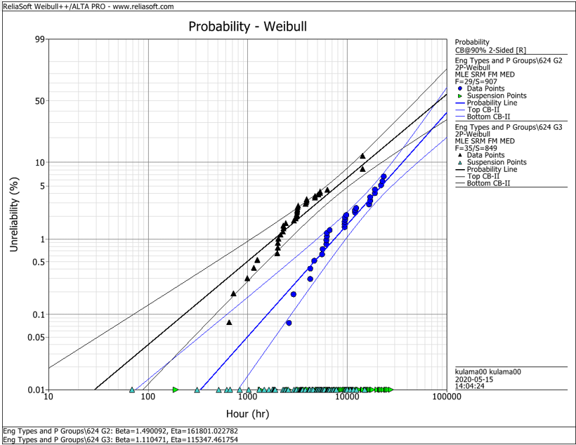
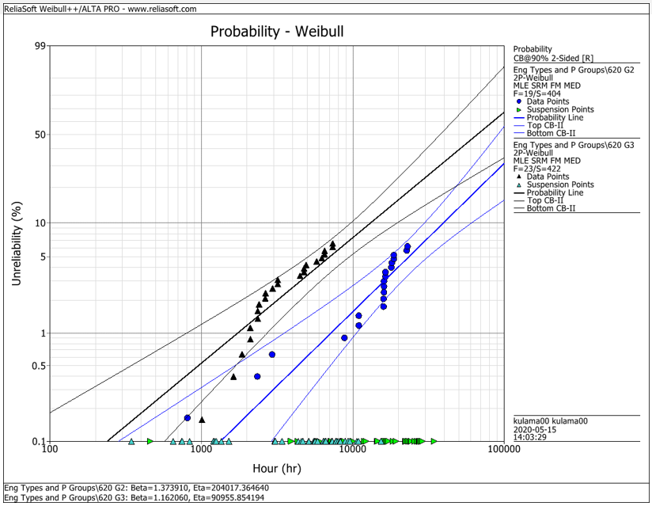
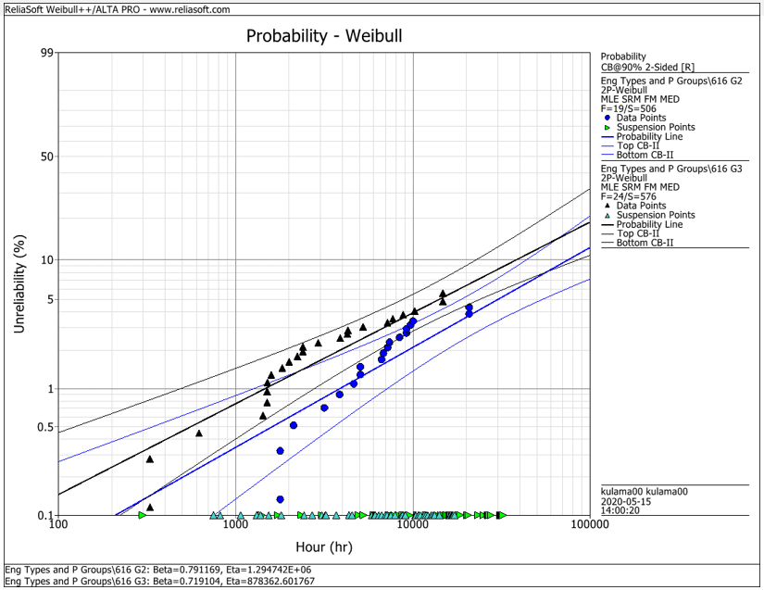
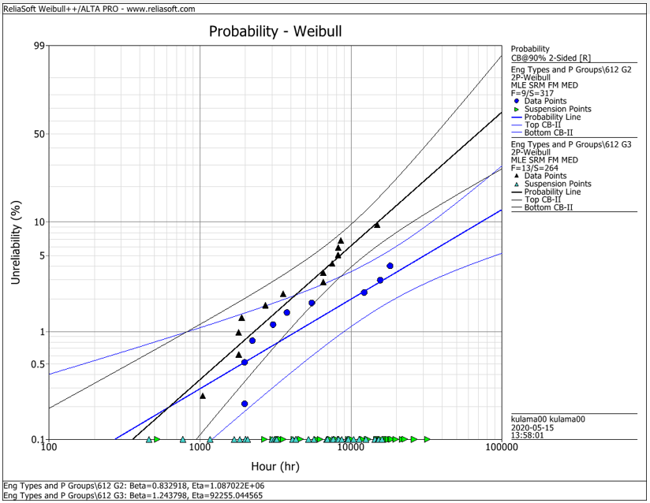
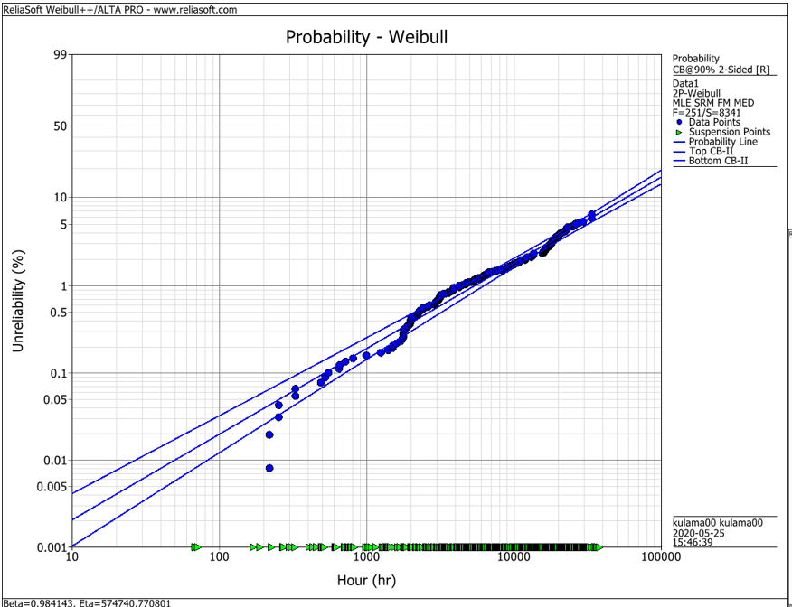
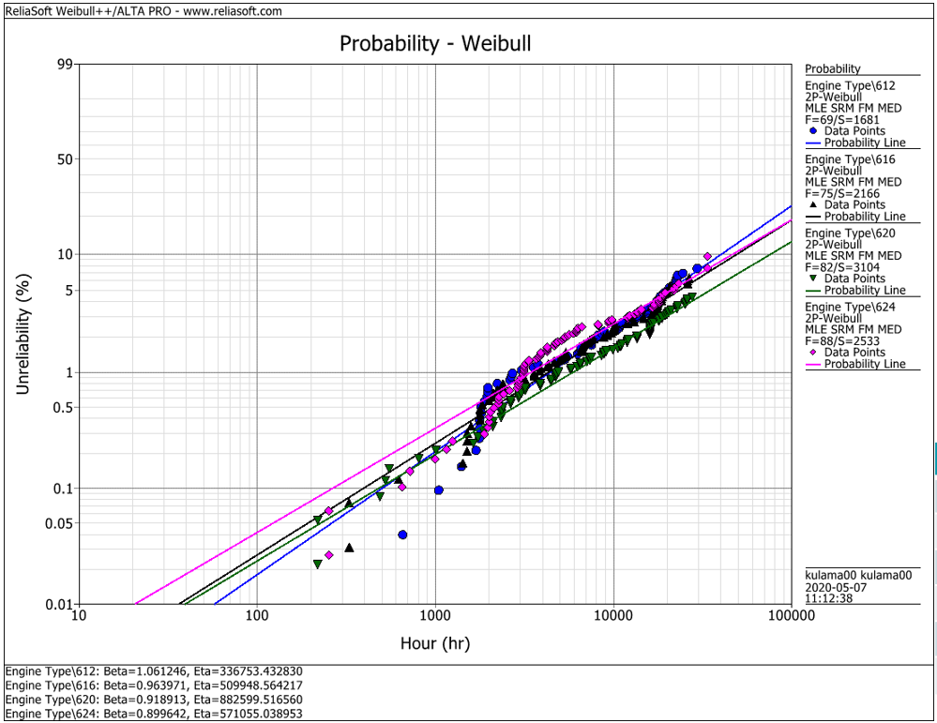
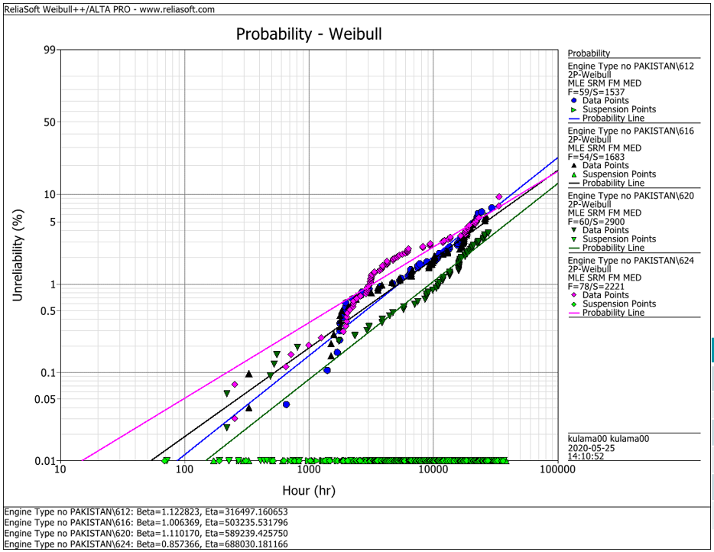
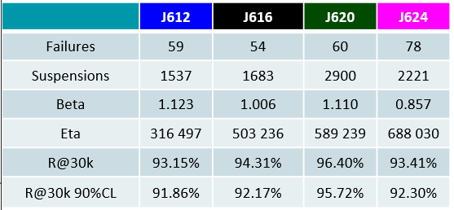
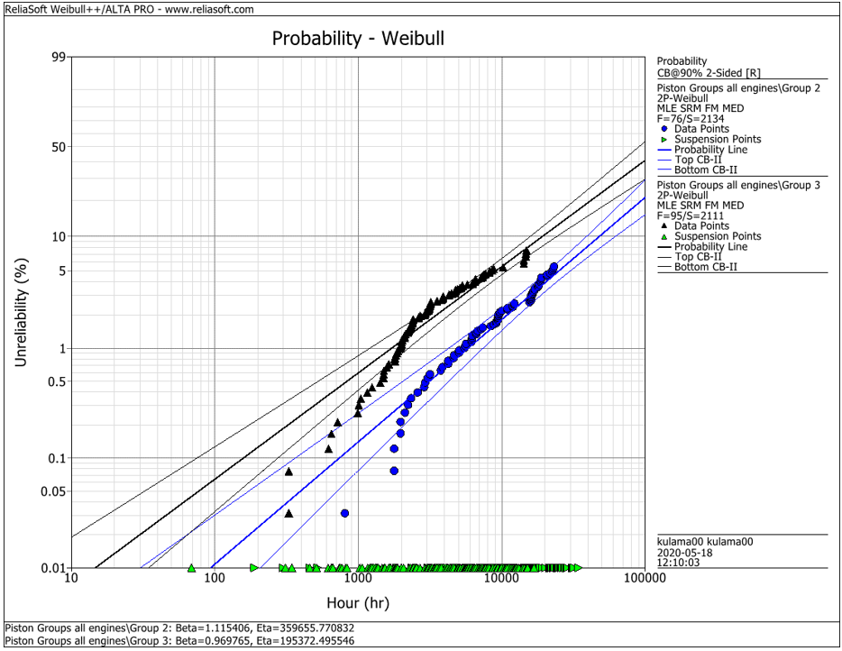
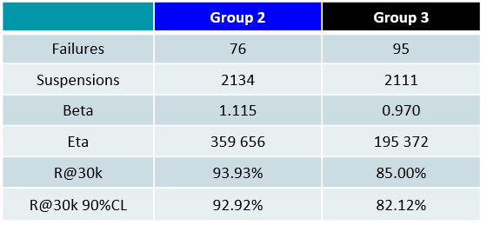
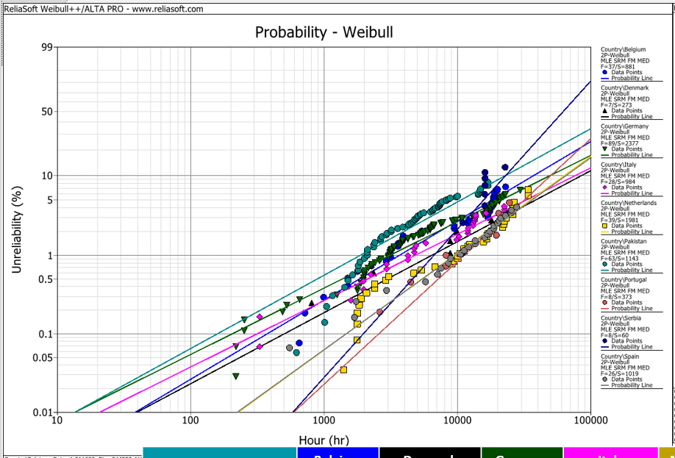
EDC Weibull Comparison
 | beta | R@30k 90%CL
G2 | 0,001 | 92%
G2 | 0,001 | 93%
G2 | 0,001 | 95%
G2 | 0,001 | 95%
G2 | 0,001 | 93%
G3 | 0,001 | 80%
G3 | 0,001 | 75%
G3 | 0,001 | 92%
G3 | 0,001 | 79%
G3 | 0,001 | 82%
all | 0,001 | 94%
all | 0,001 | 91%
all | 0,001 | 93%
all | 0,001 | 95%
all | 0,001 | 92%
all w/o Pak | 0,001 | 92%
all w/o Pak | 0,001 | 92%
all w/o Pak | 0,001 | 96%
all w/o Pak | 0,001 | 93%

 |  | f | s | beta | eta | R@30k 90%CL | Comment
J624 | G2 | 29 | 907 | 1.490 | 161801 | 92.2% | T23 with LKZ OCR
J620 | G2 | 19 | 404 | 1.374 | 204017 | 93.0% | T23 with LKZ OCR
J616 | G2 | 19 | 506 | 0.791 | 1294700 | 95.0% | T23 with LKZ OCR
J612 | G2 | 9 | 317 | 0.830 | 1088700 | 95.0% | T23 with LKZ OCR
J6xx | G2 | 76 | 2134 | 1.115 | 359656 | 92.9% | T23 with LKZ OCR

J624 | G3 | 35 | 849 | 1.110 | 115347 | 80.0% | T23 with flat OCR
J620 | G3 | 23 | 422 | 1.162 | 90955 | 75.0% | T23 with flat OCR
J616 | G3 | 24 | 576 | 0.719 | 878362 | 91.5% | T23 with LKZ OCR
J612 | G3 | 13 | 264 | 1.244 | 92255 | 79.0% | T23 with LKZ OCR
J6xx | G3 | 95 | 2111 | 0.970 | 195372 | 82.1% | T23 with LKZ OCR

J6xx | all | 251 | 8341 | 0.984 | 574741 | 94.2% | Source - cleaned by Maciej 2020-05_25
J612 | all | 69 | 1681 | 1.061 | 336753 | 91.3% | Source - cleaned by Maciej 2020-05_25
J616 | all | 75 | 2166 | 0.964 | 509948 | 92.6% | Source - cleaned by Maciej 2020-05_25
J620 | all | 82 | 3104 | 0.919 | 882599 | 94.9% | Source - cleaned by Maciej 2020-05_25
J624 | all | 88 | 2533 | 0.899 | 571055 | 92.1% | Source - cleaned by Maciej 2020-05_25

J612 | all w/o Pak | 59 | 1537 | 1.123 | 316497 | 91.9% | Source - cleaned by Maciej 2020-05_25
J616 | all w/o Pak | 54 | 1683 | 1.006 | 503236 | 92.2% | Source - cleaned by Maciej 2020-05_25
J620 | all w/o Pak | 60 | 2900 | 1.110 | 589239 | 95.7% | Source - cleaned by Maciej 2020-05_25
J624 | all w/o Pak | 78 | 2221 | 0.857 | 688030 | 93.4% | Source - cleaned by Maciej 2020-05_25

 |  | beta | 1.490 | max
 |  |  | 0.719 | min
 |  |  | 1.038 | mittel
 |  |  | 1.006 | median

