summary
Demonstrated Reliability
 | CLB 90% - 10% |  | CLB 90% - 10% |  | CLB 90% - 10% |  | R1 |  | R2 |  | R3 |  | today |  | R Ref
0 | 82% | 0 | 97% | 0 | 95% | 0 | 00% | 0 | 00% | 0 | 00% | 7608 | 0.00 | 7608 | 90%
228 | 82% | 228 | 97% | 228 | 95% | 228 | 00% | 228 | 00% | 228 | 00% | 7608 | 1.00
609 | 82% | 609 | 97% | 609 | 95% | 609 | 00% | 609 | 00% | 609 | 21%
1141 | 82% | 1141 | 97% | 1141 | 95% | 1141 | 07% | 1141 | 00% | 1141 | 67%
1522 | 82% | 1522 | 97% | 1522 | 95% | 1522 | 25% | 1522 | 01% | 1522 | 81%
1902 | 82% | 1902 | 97% | 1902 | 95% | 1902 | 41% | 1902 | 05% | 1902 | 87%
2282 | 78% | 2282 | 97% | 2282 | 95% | 2282 | 54% | 2282 | 13% | 2282 | 91%
2663 | 70% | 2663 | 97% | 2663 | 95% | 2663 | 65% | 2663 | 24% | 2663 | 94%
3043 | 61% | 3043 | 97% | 3043 | 95% | 3043 | 72% | 3043 | 34% | 3043 | 95%
3424 | 53% | 3424 | 97% | 3424 | 95% | 3424 | 78% | 3424 | 43% | 3424 | 96%
3804 | 45% | 3804 | 97% | 3804 | 95% | 3804 | 82% | 3804 | 52% | 3804 | 97%
4184 | 38% | 4184 | 97% | 4184 | 95% | 4184 | 86% | 4184 | 60% | 4184 | 98%
4565 | 32% | 4565 | 97% | 4565 | 95% | 4565 | 88% | 4565 | 66% | 4565 | 98%
4945 | 28% | 4945 | 97% | 4945 | 95% | 4945 | 90% | 4945 | 71% | 4945 | 98%
5326 | 23% | 5326 | 97% | 5326 | 95% | 5326 | 92% | 5326 | 75% | 5326 | 99%
5706 | 20% | 5706 | 97% | 5706 | 95% | 5706 | 93% | 5706 | 79% | 5706 | 99%
6086 | 17% | 6086 | 97% | 6086 | 95% | 6086 | 94% | 6086 | 82% | 6086 | 99%
6467 | 14% | 6467 | 97% | 6467 | 95% | 6467 | 95% | 6467 | 85% | 6467 | 99%
6847 | 12% | 6847 | 97% | 6847 | 95% | 6847 | 96% | 6847 | 87% | 6847 | 99%
7228 | 11% | 7228 | 97% | 7228 | 95% | 7228 | 96% | 7228 | 89% | 7228 | 99%
7608 | 09% | 7608 | 97% | 7608 | 95% | 7608 | 97% | 7608 | 90% | 7608 | 100%
7988 | 08% | 7988 | 97% | 7988 | 95% | 7988 | 97% | 7988 | 91% | 7988 | 100%
8369 | 07% | 8369 | 97% | 8369 | 95% | 8369 | 98% | 8369 | 92% | 8369 | 100%
8749 | 07% | 8749 | 97% | 8749 | 95% | 8749 | 98% | 8749 | 93% | 8749 | 100%
9130 | 06% | 9130 | 97% | 9130 | 95% | 9130 | 98% | 9130 | 94% | 9130 | 100%
9510 | 05% | 9510 | 97% | 9510 | 95% | 9510 | 98% | 9510 | 94% | 9510 | 100%
9890 | 05% | 9890 | 97% | 9890 | 95% | 9890 | 98% | 9890 | 95% | 9890 | 100%
10271 | 04% | 10271 | 97% | 10271 | 95% | 10271 | 99% | 10271 | 95% | 10271 | 100%
10651 | 04% | 10651 | 97% | 10651 | 95% | 10651 | 99% | 10651 | 96% | 10651 | 100%
11032 | 04% | 11032 | 97% | 11032 | 95% | 11032 | 99% | 11032 | 96% | 11032 | 100%
11412 | 04% | 11412 | 97% | 11412 | 95% | 11412 | 99% | 11412 | 96% | 11412 | 100%
11792 | 03% | 11792 | 97% | 11792 | 95% | 11792 | 99% | 11792 | 97% | 11792 | 100%
12173 | 03% | 12173 | 97% | 12173 | 95% | 12173 | 99% | 12173 | 97% | 12173 | 100%
12553 | 03% | 12553 | 97% | 12553 | 95% | 12553 | 99% | 12553 | 97% | 12553 | 100%
12934 | 03% | 12934 | 97% | 12934 | 95% | 12934 | 99% | 12934 | 97% | 12934 | 100%
13314 | 03% | 13314 | 97% | 13314 | 95% | 13314 | 99% | 13314 | 97% | 13314 | 100%
13694 | 02% | 13694 | 97% | 13694 | 95% | 13694 | 99% | 13694 | 97% | 13694 | 100%
14075 | 02% | 14075 | 97% | 14075 | 95% | 14075 | 99% | 14075 | 98% | 14075 | 100%
14455 | 02% | 14455 | 97% | 14455 | 95% | 14455 | 99% | 14455 | 98% | 14455 | 100%
14836 | 02% | 14836 | 97% | 14836 | 95% | 14836 | 99% | 14836 | 98% | 14836 | 100%
15216 | 02% | 15216 | 97% | 15216 | 95% | 15216 | 99% | 15216 | 98% | 15216 | 100%
 |  |  |  |  |  |  | Pn | 1013 | mbar | Tn | 0 | °C | 9.8 | kWh / mn3
Validation Fleet Status |  | Date | 12/20/20 |  |  |  | ETAMOT not fully plausible ?
624 | 18 |  | Cum hours | 75330
620 | 6 |  | Fl Leader | 6224
616 | 7 |  | Avg hours | 2354 |  |  |  |  |  |  |  |  |  | 0
612 | 1 |  | 2000 | 15 |  |  |  |  |  |  |  |  |  | 0
Sum Engines | 32 |  | 4000 | 4 |  |  |  |  |  |  |  |  |  | 0
Sum PU's | 676 |  | 6000 | 2 |  |  |  |  |  |  |  |  |  | 0
 |  |  |  |  |  |  |  |  |  |  |  |  |  | 0
Beta | Running | Available | Not Available | Error |  |  |  |  |  |  |  |  |  | 0
1.400 | 22 | 8 | 2 | 0 |  |  |  |  |  |  |  |  |  | 0
 |  |  |  |  |  |  |  |  |  |  |  |  |  | 0
 | T | CL | BETA | R |  |  |  |  |  |  |  |  |  | 0
R1 | 30000 | 50% | 1.400 | 96.9% |  |  |  |  |  |  |  |  |  | 0
R2 | 30000 | 90% | 1.400 | 90.2% |  |  |  |  |  |  |  |  |  | 0
R3 | 30000 | 10% | 1.400 | 99.5% |  |  |  |  |  |  |  |  |  | 0
 |  |  |  |  |  |  |  |  |  |  |  |  |  | 0
Field Validation Results vs. CTQ's |  |  |  | CTQ |  |  |  |  |  |  |  |  |  | 0
1. R(CL 50%) > 97% @ß = |  | 1.400 | 96.9% | 97% |  |  |  |  |  |  |  |  |  | 0
2. R(CL 90%) > 90% @ß = |  | 1.400 | 90.2% | 90% |  |  |  |  |  |  |  |  |  | 0
3. 4 Engines > 6000 oph |  |  | 2 | 4 |  |  |  |  |  |  |  |  |  | 0
 |  |  |  |  | 1.400 | 1.21 |  |  |  |  |  |  |  | 0
 | BR6 |  | hours s. VS | 7608 | 6224 | 6224 |  |  |  |  |  |  |  | 0
Bohrung [mm] | 190 |  | pess PU F | 12.3% | 228.5 | 228.5 |  |  |  |  |  |  |  | 0
Hub [mm] | 220 |  | pess PU F | 83 | 99.4% |  |  |  |  |  |  |  |  | 0
Validation Fleet oph
 |  |  | Date |  | Date line |  | 2000 |  | 6000 |  | 1386177 |  | 1393153 |  | 1320072 |  | 1184199 |  | 1352268 |  | 1320022 |  | 1250575
2/7/20 | 0 | 12/20/20 | 6224 | 12/20/20 | 0 | 2/7/20 | 2000 | 2/7/20 | 6000 | 2/7/20 | 0 | 2/7/20 | 0 | 2/7/20 | 0 | 2/7/20 | 0 | 2/7/20 | 0 | 2/7/20 | 0 | 2/7/20 | 0
2/16/20 | 228 |  |  | 12/20/20 | 6224 | 11/2/21 | 2000 | 11/2/21 | 6000 | 2/16/20 | 0 | 2/16/20 | 0 | 2/16/20 | 155 | 2/16/20 | 0 | 2/16/20 | 0 | 2/16/20 | 0 | 2/16/20 | 0
3/3/20 | 609 |  |  |  |  |  |  |  |  | 3/3/20 | 29 | 3/3/20 | 0 | 3/3/20 | 414 | 3/3/20 | 0 | 3/3/20 | 0 | 3/3/20 | 0 | 3/3/20 | 0
3/25/20 | 1141 |  |  |  |  |  |  |  |  | 3/25/20 | 500 | 3/25/20 | 57 | 3/25/20 | 777 | 3/25/20 | 0 | 3/25/20 | 0 | 3/25/20 | 0 | 3/25/20 | 0
4/10/20 | 1522 |  |  |  |  |  |  |  |  | 4/10/20 | 837 | 4/10/20 | 411 | 4/10/20 | 1035 | 4/10/20 | 0 | 4/10/20 | 0 | 4/10/20 | 0 | 4/10/20 | 0
4/26/20 | 1902 |  |  |  |  |  |  |  |  | 4/26/20 | 1174 | 4/26/20 | 765 | 4/26/20 | 1294 | 4/26/20 | 0 | 4/26/20 | 0 | 4/26/20 | 0 | 4/26/20 | 0
5/12/20 | 2282 |  |  |  |  |  |  |  |  | 5/12/20 | 1510 | 5/12/20 | 1120 | 5/12/20 | 1553 | 5/12/20 | 315 | 5/12/20 | 126 | 5/12/20 | 0 | 5/12/20 | 0
5/27/20 | 2663 |  |  |  |  |  |  |  |  | 5/27/20 | 1847 | 5/27/20 | 1474 | 5/27/20 | 1812 | 5/27/20 | 647 | 5/27/20 | 374 | 5/27/20 | 0 | 5/27/20 | 0
6/12/20 | 3043 |  |  |  |  |  |  |  |  | 6/12/20 | 2184 | 6/12/20 | 1828 | 6/12/20 | 2071 | 6/12/20 | 978 | 6/12/20 | 621 | 6/12/20 | 83 | 6/12/20 | 0
6/28/20 | 3424 |  |  |  |  |  |  |  |  | 6/28/20 | 2520 | 6/28/20 | 2182 | 6/28/20 | 2330 | 6/28/20 | 1309 | 6/28/20 | 868 | 6/28/20 | 358 | 6/28/20 | 234
7/14/20 | 3804 |  |  |  |  |  |  |  |  | 7/14/20 | 2857 | 7/14/20 | 2536 | 7/14/20 | 2589 | 7/14/20 | 1640 | 7/14/20 | 1116 | 7/14/20 | 632 | 7/14/20 | 506
7/30/20 | 4184 |  |  |  |  |  |  |  |  | 7/30/20 | 3194 | 7/30/20 | 2890 | 7/30/20 | 2847 | 7/30/20 | 1971 | 7/30/20 | 1363 | 7/30/20 | 907 | 7/30/20 | 777
8/15/20 | 4565 |  |  |  |  |  |  |  |  | 8/15/20 | 3530 | 8/15/20 | 3245 | 8/15/20 | 3106 | 8/15/20 | 2302 | 8/15/20 | 1610 | 8/15/20 | 1181 | 8/15/20 | 1049
8/31/20 | 4945 |  |  |  |  |  |  |  |  | 8/31/20 | 3867 | 8/31/20 | 3599 | 8/31/20 | 3365 | 8/31/20 | 2633 | 8/31/20 | 1858 | 8/31/20 | 1456 | 8/31/20 | 1321
9/15/20 | 5326 |  |  |  |  |  |  |  |  | 9/15/20 | 4204 | 9/15/20 | 3953 | 9/15/20 | 3624 | 9/15/20 | 2964 | 9/15/20 | 2105 | 9/15/20 | 1731 | 9/15/20 | 1593
10/1/20 | 5706 |  |  |  |  |  |  |  |  | 10/1/20 | 4541 | 10/1/20 | 4307 | 10/1/20 | 3883 | 10/1/20 | 3295 | 10/1/20 | 2352 | 10/1/20 | 2005 | 10/1/20 | 1864
10/17/20 | 6086 |  |  |  |  |  |  |  |  | 10/17/20 | 4877 | 10/17/20 | 4661 | 10/17/20 | 4142 | 10/17/20 | 3627 | 10/17/20 | 2600 | 10/17/20 | 2280 | 10/17/20 | 2136
11/2/20 | 6467 |  |  |  |  |  |  |  |  | 11/2/20 | 5214 | 11/2/20 | 5015 | 11/2/20 | 4400 | 11/2/20 | 3958 | 11/2/20 | 2847 | 11/2/20 | 2554 | 11/2/20 | 2408
11/18/20 | 6847 |  |  |  |  |  |  |  |  | 11/18/20 | 5551 | 11/18/20 | 5370 | 11/18/20 | 4659 | 11/18/20 | 4289 | 11/18/20 | 3094 | 11/18/20 | 2829 | 11/18/20 | 2680
12/4/20 | 7228 |  |  |  |  |  |  |  |  | 12/4/20 | 5887 | 12/4/20 | 5724 | 12/4/20 | 4918 | 12/4/20 | 4620 | 12/4/20 | 3342 | 12/4/20 | 3103 | 12/4/20 | 2951
12/20/20 | 7608 |  |  |  |  |  |  |  |  | 12/20/20 | 6224 | 12/20/20 | 6078 | 12/20/20 | 5177 | 12/20/20 | 4951 | 12/20/20 | 3589 | 12/20/20 | 3378 | 12/20/20 | 3223
1/4/21 | 7988 |  |  |  |  |  |  |  |  | 1/4/21 | 6561 | 1/4/21 | 6432 | 1/4/21 | 5436 | 1/4/21 | 5282 | 1/4/21 | 3836 | 1/4/21 | 3653 | 1/4/21 | 3495
1/20/21 | 8369 |  |  |  |  |  |  |  |  | 1/20/21 | 6897 | 1/20/21 | 6786 | 1/20/21 | 5695 | 1/20/21 | 5613 | 1/20/21 | 4084 | 1/20/21 | 3927 | 1/20/21 | 3766
2/5/21 | 8749 |  |  |  |  |  |  |  |  | 2/5/21 | 7234 | 2/5/21 | 7141 | 2/5/21 | 5954 | 2/5/21 | 5944 | 2/5/21 | 4331 | 2/5/21 | 4202 | 2/5/21 | 4038
2/21/21 | 9130 |  |  |  |  |  |  |  |  | 2/21/21 | 7571 | 2/21/21 | 7495 | 2/21/21 | 6212 | 2/21/21 | 6275 | 2/21/21 | 4578 | 2/21/21 | 4476 | 2/21/21 | 4310
3/9/21 | 9510 |  |  |  |  |  |  |  |  | 3/9/21 | 7907 | 3/9/21 | 7849 | 3/9/21 | 6471 | 3/9/21 | 6607 | 3/9/21 | 4826 | 3/9/21 | 4751 | 3/9/21 | 4582
3/25/21 | 9890 |  |  |  |  |  |  |  |  | 3/25/21 | 8244 | 3/25/21 | 8203 | 3/25/21 | 6730 | 3/25/21 | 6938 | 3/25/21 | 5073 | 3/25/21 | 5025 | 3/25/21 | 4853
4/9/21 | 10271 |  |  |  |  |  |  |  |  | 4/9/21 | 8581 | 4/9/21 | 8557 | 4/9/21 | 6989 | 4/9/21 | 7269 | 4/9/21 | 5320 | 4/9/21 | 5300 | 4/9/21 | 5125
4/25/21 | 10651 |  |  |  |  |  |  |  |  | 4/25/21 | 8918 | 4/25/21 | 8911 | 4/25/21 | 7248 | 4/25/21 | 7600 | 4/25/21 | 5568 | 4/25/21 | 5575 | 4/25/21 | 5397
5/11/21 | 11032 |  |  |  |  |  |  |  |  | 5/11/21 | 9254 | 5/11/21 | 9266 | 5/11/21 | 7507 | 5/11/21 | 7931 | 5/11/21 | 5815 | 5/11/21 | 5849 | 5/11/21 | 5669
5/27/21 | 11412 |  |  |  |  |  |  |  |  | 5/27/21 | 9591 | 5/27/21 | 9620 | 5/27/21 | 7766 | 5/27/21 | 8262 | 5/27/21 | 6062 | 5/27/21 | 6124 | 5/27/21 | 5940
6/12/21 | 11792 |  |  |  |  |  |  |  |  | 6/12/21 | 9928 | 6/12/21 | 9974 | 6/12/21 | 8024 | 6/12/21 | 8593 | 6/12/21 | 6310 | 6/12/21 | 6398 | 6/12/21 | 6212
6/28/21 | 12173 |  |  |  |  |  |  |  |  | 6/28/21 | 10264 | 6/28/21 | 10328 | 6/28/21 | 8283 | 6/28/21 | 8924 | 6/28/21 | 6557 | 6/28/21 | 6673 | 6/28/21 | 6484
7/14/21 | 12553 |  |  |  |  |  |  |  |  | 7/14/21 | 10601 | 7/14/21 | 10682 | 7/14/21 | 8542 | 7/14/21 | 9255 | 7/14/21 | 6804 | 7/14/21 | 6947 | 7/14/21 | 6755
7/29/21 | 12934 |  |  |  |  |  |  |  |  | 7/29/21 | 10938 | 7/29/21 | 11036 | 7/29/21 | 8801 | 7/29/21 | 9587 | 7/29/21 | 7052 | 7/29/21 | 7222 | 7/29/21 | 7027
8/14/21 | 13314 |  |  |  |  |  |  |  |  | 8/14/21 | 11274 | 8/14/21 | 11391 | 8/14/21 | 9060 | 8/14/21 | 9918 | 8/14/21 | 7299 | 8/14/21 | 7497 | 8/14/21 | 7299
8/30/21 | 13694 |  |  |  |  |  |  |  |  | 8/30/21 | 11611 | 8/30/21 | 11745 | 8/30/21 | 9319 | 8/30/21 | 10249 | 8/30/21 | 7546 | 8/30/21 | 7771 | 8/30/21 | 7571
9/15/21 | 14075 |  |  |  |  |  |  |  |  | 9/15/21 | 11948 | 9/15/21 | 12099 | 9/15/21 | 9577 | 9/15/21 | 10580 | 9/15/21 | 7794 | 9/15/21 | 8046 | 9/15/21 | 7842
10/1/21 | 14455 |  |  |  |  |  |  |  |  | 10/1/21 | 12284 | 10/1/21 | 12453 | 10/1/21 | 9836 | 10/1/21 | 10911 | 10/1/21 | 8041 | 10/1/21 | 8320 | 10/1/21 | 8114
10/17/21 | 14836 |  |  |  |  |  |  |  |  | 10/17/21 | 12621 | 10/17/21 | 12807 | 10/17/21 | 10095 | 10/17/21 | 11242 | 10/17/21 | 8288 | 10/17/21 | 8595 | 10/17/21 | 8386
11/2/21 | 15216 |  |  |  |  |  |  |  |  | 11/2/21 | 12958 | 11/2/21 | 13162 | 11/2/21 | 10354 | 11/2/21 | 11573 | 11/2/21 | 8536 | 11/2/21 | 8869 | 11/2/21 | 8658
VH zyl [dm3] | 6.24 |  | like PU F | 3.1% | 242770 | 1350805.1454 |  |  |  |  |  |  |  | 0
 |  |  | like PU F | 21 | 94.8% |  |  |  |  |  |  |  |  | 0
 |  |  |  |  | 5.21% | 0.15% |  |  |  |  |  |  |  | 0
 |  |  |  |  | 11.91 | 1.0056 |  |  |  |  |  |  |  | 0
Engines | ~ BMP Avg | z | VH [dm3] | etael |  |  |  |  |  |  |  |  |  | 0
624 | 24.2 | 24 | 149.7 | 98.1% |  |  |  |  |  |  |  |  |  | 0
620 | 22.0 | 20 | 124.8 | 98.0% |  |  |  |  |  |  |  |  |  | 0
616 | 22.0 | 16 | 99.8 | 97.6% |  |  |  |  |  |  |  |  |  | 0
612 | 22.0 | 12 | 74.9 | 98.6% |  |  |  |  |  |  |  |  |  | 0
 |  |  |  |  |  |  |  |  |  |  |  |  |  | 0
BMEP Avg | BMEP Min | BMEP Max | NOX | MN | Version | #
24.3 | 24.0 | 24.5 | 500 | 80 | K01 | 3
24.3 | 24.0 | 24.5 | 500 | 80 | H01 | 12
24.0 | 24.0 | 24.0 | 250 | 80 | H02 | 1
 | 0.0 | 0.0 | 500 | 70 | H101 | 0
24.5 | 24.5 | 24.5 | 250 | 70 | H12 | 1
22.0 | 22.0 | 22.0 | 500 | 80 | F01 | 5
22.0 | 22.0 | 22.0 | 500 | 80 | J01 | 2
22.0 | 22.0 | 22.0 | 500 | 70 | J101 | 1
22.0 | 22.0 | 22.0 | 500 | 70 | J11 | 1
22.0 | 22.0 | 22.0 | 500 | 70 | F11 | 1
22.0 | 22.0 | 22.0 | 250 | 70 | F12 | 1
22.0 | 22.0 | 22.0 | 250 | 70 | J12 | 3
22.9 | 22.9 | 22.9 | 500 | 80 | K505 | 1
 |  |  |  |  |  | 32

ndReliaCalc2
 | Data Date | 2020-12-20 18:09:53
 | Val Start | 2020-02-07
 | Val Period (days) | 317
 | Beta (R2) | 1.4

 |  |  |  | 2000h line | 2000 | 2000
 |  |  |  |  | 2019-05-01 | 2021-12-31
 |  |  |  | 6000h line | 6000 | 6000
 |  |  |  |  | 2019-05-01 | 2021-12-31

 |  |  |  |  |  |  |  | R1 failures | 0 | 0 | 0 | 0 | 0 | 0 | 0 | 0 | 0 | 0 | 0 | 0 | 0 | 0 | 0 | 0 | 0 | 0 | 0 | 0 | 0 | 0 | 0 | 0 | 0 | 0 | 0 | 0 | 0 | 0 | 0 | 0 | 0 | 0 | 0 | 0 | 0 | 0 | 0 | 0 | 0
 |  |  |  |  |  |  |  | R2 failures | 0 | 0 | 0 | 0 | 0 | 0 | 0 | 0 | 0 | 0 | 0 | 0 | 0 | 0 | 0 | 0 | 0 | 0 | 0 | 0 | 0 | 0 | 0 | 0 | 0 | 0 | 0 | 0 | 0 | 0 | 0 | 0 | 0 | 0 | 0 | 0 | 0 | 0 | 0 | 0 | 0
 |  |  |  | f1 | 2020-12-10 18:09:53 | 0 | 97% | 307 | 0 | 0 | 0 | 0 | 0 | 0 | 0 | 0 | 0 | 0 | 0 | 0 | 0 | 0 | 0 | 0 | 0 | 0 | 0 | 0 | 0 | 0 | 0 | 0 | 0 | 0 | 0 | 0 | 0 | 0 | 0 | 0 | 0 | 0 | 0 | 0 | 0 | 0 | 0 | 0 | 0
 |  |  |  | f2 | 2021-01-19 18:09:53 | 0 | 109% | 347 | 0 | 0 | 0 | 0 | 0 | 0 | 0 | 0 | 0 | 0 | 0 | 0 | 0 | 0 | 0 | 0 | 0 | 0 | 0 | 0 | 0 | 0 | 0 | 0 | 0 | 0 | 0 | 0 | 0 | 0 | 0 | 0 | 0 | 0 | 0 | 0 | 0 | 0 | 0 | 0 | 0
 |  |  |  | f3 | 2020-11-19 18:09:53 | 0 | 90% | 286 | 0 | 0 | 0 | 0 | 0 | 0 | 0 | 0 | 0 | 0 | 0 | 0 | 0 | 0 | 0 | 0 | 0 | 0 | 0 | 0 | 0 | 0 | 0 | 0 | 0 | 0 | 0 | 0 | 0 | 0 | 0 | 0 | 0 | 0 | 0 | 0 | 0 | 0 | 0 | 0 | 0
 |  |  |  | f4 | 2020-08-18 18:09:53 | 0 | 61% | 193 | 0 | 0 | 0 | 0 | 0 | 0 | 0 | 0 | 0 | 0 | 0 | 0 | 0 | 0 | 0 | 0 | 0 | 0 | 0 | 0 | 0 | 0 | 0 | 0 | 0 | 0 | 0 | 0 | 0 | 0 | 0 | 0 | 0 | 0 | 0 | 0 | 0 | 0 | 0 | 0 | 0
 |  |  |  | f5 | 2021-04-23 18:09:53 | 0 | 139% | 441 | 0 | 0 | 0 | 0 | 0 | 0 | 0 | 0 | 0 | 0 | 0 | 0 | 0 | 0 | 0 | 0 | 0 | 0 | 0 | 0 | 0 | 0 | 0 | 0 | 0 | 0 | 0 | 0 | 0 | 0 | 0 | 0 | 0 | 0 | 0 | 0 | 0 | 0 | 0 | 0 | 0
 |  |  |  | f6 | 2021-06-24 18:09:53 | 0 | 159% | 503 | 0 | 0 | 0 | 0 | 0 | 0 | 0 | 0 | 0 | 0 | 0 | 0 | 0 | 0 | 0 | 0 | 0 | 0 | 0 | 0 | 0 | 0 | 0 | 0 | 0 | 0 | 0 | 0 | 0 | 0 | 0 | 0 | 0 | 0 | 0 | 0 | 0 | 0 | 0 | 0 | 0
 |  |  |  | f7 | 0 | 0 | -13838% | -43868 | 0 | 0 | 0 | 0 | 0 | 0 | 0 | 0 | 0 | 0 | 0 | 0 | 0 | 0 | 0 | 0 | 0 | 0 | 0 | 0 | 0 | 0 | 0 | 0 | 0 | 0 | 0 | 0 | 0 | 0 | 0 | 0 | 0 | 0 | 0 | 0 | 0 | 0 | 0 | 0 | 0
 |  |  |  | f8 | 0 | 0 | -13838% | -43868 | 0 | 0 | 0 | 0 | 0 | 0 | 0 | 0 | 0 | 0 | 0 | 0 | 0 | 0 | 0 | 0 | 0 | 0 | 0 | 0 | 0 | 0 | 0 | 0 | 0 | 0 | 0 | 0 | 0 | 0 | 0 | 0 | 0 | 0 | 0 | 0 | 0 | 0 | 0 | 0 | 0
 |  |  |  | f9 | 0 | 0 | -13838% | -43868 | 0 | 0 | 0 | 0 | 0 | 0 | 0 | 0 | 0 | 0 | 0 | 0 | 0 | 0 | 0 | 0 | 0 | 0 | 0 | 0 | 0 | 0 | 0 | 0 | 0 | 0 | 0 | 0 | 0 | 0 | 0 | 0 | 0 | 0 | 0 | 0 | 0 | 0 | 0 | 0 | 0
 |  |  |  | f10 | 0 | 0 | -13838% | -43868 | 0 | 0 | 0 | 0 | 0 | 0 | 0 | 0 | 0 | 0 | 0 | 0 | 0 | 0 | 0 | 0 | 0 | 0 | 0 | 0 | 0 | 0 | 0 | 0 | 0 | 0 | 0 | 0 | 0 | 0 | 0 | 0 | 0 | 0 | 0 | 0 | 0 | 0 | 0 | 0 | 0
 |  |  |  | f11 | 0 | 0 | -13838% | -43868 | 0 | 0 | 0 | 0 | 0 | 0 | 0 | 0 | 0 | 0 | 0 | 0 | 0 | 0 | 0 | 0 | 0 | 0 | 0 | 0 | 0 | 0 | 0 | 0 | 0 | 0 | 0 | 0 | 0 | 0 | 0 | 0 | 0 | 0 | 0 | 0 | 0 | 0 | 0 | 0 | 0
 |  |  |  | f12 | 0 | 0 | -13838% | -43868 | 0 | 0 | 0 | 0 | 0 | 0 | 0 | 0 | 0 | 0 | 0 | 0 | 0 | 0 | 0 | 0 | 0 | 0 | 0 | 0 | 0 | 0 | 0 | 0 | 0 | 0 | 0 | 0 | 0 | 0 | 0 | 0 | 0 | 0 | 0 | 0 | 0 | 0 | 0 | 0 | 0
 |  |  |  | f13 | 0 | 0 | -13838% | -43868 | 0 | 0 | 0 | 0 | 0 | 0 | 0 | 0 | 0 | 0 | 0 | 0 | 0 | 0 | 0 | 0 | 0 | 0 | 0 | 0 | 0 | 0 | 0 | 0 | 0 | 0 | 0 | 0 | 0 | 0 | 0 | 0 | 0 | 0 | 0 | 0 | 0 | 0 | 0 | 0 | 0
 |  |  |  | f14 | 0 | 0 | -13838% | -43868 | 0 | 0 | 0 | 0 | 0 | 0 | 0 | 0 | 0 | 0 | 0 | 0 | 0 | 0 | 0 | 0 | 0 | 0 | 0 | 0 | 0 | 0 | 0 | 0 | 0 | 0 | 0 | 0 | 0 | 0 | 0 | 0 | 0 | 0 | 0 | 0 | 0 | 0 | 0 | 0 | 0
 |  |  |  | f15 | 0 | 0 | -13838% | -43868 | 0 | 0 | 0 | 0 | 0 | 0 | 0 | 0 | 0 | 0 | 0 | 0 | 0 | 0 | 0 | 0 | 0 | 0 | 0 | 0 | 0 | 0 | 0 | 0 | 0 | 0 | 0 | 0 | 0 | 0 | 0 | 0 | 0 | 0 | 0 | 0 | 0 | 0 | 0 | 0 | 0
 |  |  |  | f16 | 0 | 0 | -13838% | -43868 | 0 | 0 | 0 | 0 | 0 | 0 | 0 | 0 | 0 | 0 | 0 | 0 | 0 | 0 | 0 | 0 | 0 | 0 | 0 | 0 | 0 | 0 | 0 | 0 | 0 | 0 | 0 | 0 | 0 | 0 | 0 | 0 | 0 | 0 | 0 | 0 | 0 | 0 | 0 | 0 | 0
 |  |  |  | f17 | 0 | 0 | -13838% | -43868 | 0 | 0 | 0 | 0 | 0 | 0 | 0 | 0 | 0 | 0 | 0 | 0 | 0 | 0 | 0 | 0 | 0 | 0 | 0 | 0 | 0 | 0 | 0 | 0 | 0 | 0 | 0 | 0 | 0 | 0 | 0 | 0 | 0 | 0 | 0 | 0 | 0 | 0 | 0 | 0 | 0
 |  |  |  | f18 | 0 | 0 | -13838% | -43868 | 0 | 0 | 0 | 0 | 0 | 0 | 0 | 0 | 0 | 0 | 0 | 0 | 0 | 0 | 0 | 0 | 0 | 0 | 0 | 0 | 0 | 0 | 0 | 0 | 0 | 0 | 0 | 0 | 0 | 0 | 0 | 0 | 0 | 0 | 0 | 0 | 0 | 0 | 0 | 0 | 0
 |  |  |  | f19 | 0 | 0 | -13838% | -43868 | 0 | 0 | 0 | 0 | 0 | 0 | 0 | 0 | 0 | 0 | 0 | 0 | 0 | 0 | 0 | 0 | 0 | 0 | 0 | 0 | 0 | 0 | 0 | 0 | 0 | 0 | 0 | 0 | 0 | 0 | 0 | 0 | 0 | 0 | 0 | 0 | 0 | 0 | 0 | 0 | 0
 |  |  |  | f20 | 0 | 0 | -13838% | -43868 | 0 | 0 | 0 | 0 | 0 | 0 | 0 | 0 | 0 | 0 | 0 | 0 | 0 | 0 | 0 | 0 | 0 | 0 | 0 | 0 | 0 | 0 | 0 | 0 | 0 | 0 | 0 | 0 | 0 | 0 | 0 | 0 | 0 | 0 | 0 | 0 | 0 | 0 | 0 | 0 | 0
 |  |  |  | f21 | 0 | 0 | -13838% | -43868 | 0 | 0 | 0 | 0 | 0 | 0 | 0 | 0 | 0 | 0 | 0 | 0 | 0 | 0 | 0 | 0 | 0 | 0 | 0 | 0 | 0 | 0 | 0 | 0 | 0 | 0 | 0 | 0 | 0 | 0 | 0 | 0 | 0 | 0 | 0 | 0 | 0 | 0 | 0 | 0 | 0
 |  |  |  | f22 | 0 | 0 | -13838% | -43868 | 0 | 0 | 0 | 0 | 0 | 0 | 0 | 0 | 0 | 0 | 0 | 0 | 0 | 0 | 0 | 0 | 0 | 0 | 0 | 0 | 0 | 0 | 0 | 0 | 0 | 0 | 0 | 0 | 0 | 0 | 0 | 0 | 0 | 0 | 0 | 0 | 0 | 0 | 0 | 0 | 0
 |  |  |  | f23 | 0 | 0 | -13838% | -43868 | 0 | 0 | 0 | 0 | 0 | 0 | 0 | 0 | 0 | 0 | 0 | 0 | 0 | 0 | 0 | 0 | 0 | 0 | 0 | 0 | 0 | 0 | 0 | 0 | 0 | 0 | 0 | 0 | 0 | 0 | 0 | 0 | 0 | 0 | 0 | 0 | 0 | 0 | 0 | 0 | 0
 |  |  |  | f24 | 0 | 0 | -13838% | -43868 | 0 | 0 | 0 | 0 | 0 | 0 | 0 | 0 | 0 | 0 | 0 | 0 | 0 | 0 | 0 | 0 | 0 | 0 | 0 | 0 | 0 | 0 | 0 | 0 | 0 | 0 | 0 | 0 | 0 | 0 | 0 | 0 | 0 | 0 | 0 | 0 | 0 | 0 | 0 | 0 | 0
 |  |  |  | f25 | 0 | 0 | -13838% | -43868 | 0 | 0 | 0 | 0 | 0 | 0 | 0 | 0 | 0 | 0 | 0 | 0 | 0 | 0 | 0 | 0 | 0 | 0 | 0 | 0 | 0 | 0 | 0 | 0 | 0 | 0 | 0 | 0 | 0 | 0 | 0 | 0 | 0 | 0 | 0 | 0 | 0 | 0 | 0 | 0 | 0 | 0
 |  |  |  |  |  | Sum failures |  |  | 0 | 0 | 0 | 0 | 0 | 0 | 0 | 0 | 0 | 0 | 0 | 0 | 0 | 0 | 0 | 0 | 0 | 0 | 0 | 0 | 0 | 0 | 0 | 0 | 0 | 0 | 0 | 0 | 0 | 0 | 0 | 0 | 0 | 0 | 0 | 0 | 0 | 0 | 0 | 0 | 0
 |  |  |  |  |  | Input |  |  | 0% | 3% | 8% | 15% | 20% | 25% | 30% | 35% | 40% | 45% | 50% | 55% | 60% | 65% | 70% | 75% | 80% | 85% | 90% | 95% | 100% | 105% | 110% | 115% | 120% | 125% | 130% | 135% | 140% | 145% | 150% | 155% | 160% | 165% | 170% | 175% | 180% | 185% | 190% | 195% | 200%
 |  |  |  |  |  | calc % for diagram (failures) |  |  | 0% | 3% | 8% | 15% | 20% | 25% | 30% | 35% | 40% | 45% | 50% | 55% | 60% | 65% | 70% | 75% | 80% | 85% | 90% | 95% | 100% | 105% | 110% | 115% | 120% | 125% | 130% | 135% | 140% | 145% | 150% | 155% | 160% | 165% | 170% | 175% | 180% | 185% | 190% | 195% | 200%
 |  |  |  |  |  | Val test Time % |  |  | 0% | 3% | 8% | 15% | 20% | 25% | 30% | 35% | 40% | 45% | 50% | 55% | 60% | 65% | 70% | 75% | 80% | 85% | 90% | 95% | 100% | 105% | 110% | 115% | 120% | 125% | 130% | 135% | 140% | 145% | 150% | 155% | 160% | 165% | 170% | 175% | 180% | 185% | 190% | 195% | 200%
 |  |  |  |  |  | days |  |  | 0.0 | 9.5 | 25.4 | 47.6 | 63.4 | 79.3 | 95.1 | 110.9 | 126.8 | 142.7 | 158.5 | 174.4 | 190.2 | 206.1 | 221.9 | 237.8 | 253.6 | 269.5 | 285.3 | 301.2 | 317.0 | 332.9 | 348.7 | 364.5 | 380.4 | 396.3 | 412.1 | 428.0 | 443.8 | 459.7 | 475.5 | 491.4 | 507.2 | 523.1 | 538.9 | 554.8 | 570.6 | 586.5 | 602.3 | 618.2 | 634.0
 |  |  |  |  |  |  |  |  | 0.00 | 1.00 |  | R Ref | 90.2% |  | R HRS | 6224
 |  |  |  |  |  |  |  | today | 7608 | 7608 |  | 2020-12-20 | 7608 |  | 2020-12-20 | 7608
 |  |  |  |  |  | CLB 90% - 10% |  |  | 82.2% | 82.2% | 82.2% | 82.2% | 82.2% | 82.2% | 77.9% | 70.0% | 61.4% | 52.9% | 45.1% | 38.2% | 32.4% | 27.5% | 23.4% | 19.9% | 17.0% | 14.5% | 12.4% | 10.7% | 9.3% | 8.2% | 7.3% | 6.5% | 5.9% | 5.3% | 4.9% | 4.5% | 4.1% | 3.8% | 3.5% | 3.3% | 3.1% | 2.9% | 2.7% | 2.6% | 2.4% | 2.3% | 2.2% | 2.1% | 2.0%
 |  |  |  |  |  |  | R | 97.0% | 97.0% | 97.0% | 97.0% | 97.0% | 97.0% | 97.0% | 97.0% | 97.0% | 97.0% | 97.0% | 97.0% | 97.0% | 97.0% | 97.0% | 97.0% | 97.0% | 97.0% | 97.0% | 97.0% | 97.0% | 97.0% | 97.0% | 97.0% | 97.0% | 97.0% | 97.0% | 97.0% | 97.0% | 97.0% | 97.0% | 97.0% | 97.0% | 97.0% | 97.0% | 97.0% | 97.0% | 97.0% | 97.0% | 97.0% | 97.0% | 97.0%
 |  |  |  |  |  |  | R | 95.0% | 95.0% | 95.0% | 95.0% | 95.0% | 95.0% | 95.0% | 95.0% | 95.0% | 95.0% | 95.0% | 95.0% | 95.0% | 95.0% | 95.0% | 95.0% | 95.0% | 95.0% | 95.0% | 95.0% | 95.0% | 95.0% | 95.0% | 95.0% | 95.0% | 95.0% | 95.0% | 95.0% | 95.0% | 95.0% | 95.0% | 95.0% | 95.0% | 95.0% | 95.0% | 95.0% | 95.0% | 95.0% | 95.0% | 95.0% | 95.0% | 95.0%
 |  |  |  |  | failures
 |  |  |  |  | R1 | 30000 | 50% | 1.4 |  | 0.0% | 0.0% | 7.2% | 24.5% | 40.7% | 54.4% | 64.8% | 72.1% | 77.8% | 82.1% | 85.5% | 88.1% | 90.2% | 91.8% | 93.1% | 94.2% | 95.1% | 95.9% | 96.5% | 96.9% | 97.3% | 97.6% | 97.9% | 98.1% | 98.3% | 98.4% | 98.6% | 98.7% | 98.8% | 98.9% | 98.9% | 99.0% | 99.1% | 99.1% | 99.2% | 99.2% | 99.3% | 99.3% | 99.3% | 99.4%
 |  |  |  |  | R2 | 30000 | 90% | 1.4 |  | 0.0% | 0.0% | 0.0% | 0.9% | 5.1% | 13.3% | 23.6% | 33.7% | 43.4% | 52.0% | 59.5% | 65.7% | 70.9% | 75.3% | 79.0% | 82.1% | 84.7% | 87.0% | 88.7% | 90.2% | 91.4% | 92.3% | 93.2% | 93.8% | 94.4% | 94.9% | 95.3% | 95.7% | 96.0% | 96.3% | 96.5% | 96.8% | 97.0% | 97.1% | 97.3% | 97.5% | 97.6% | 97.7% | 97.8% | 97.9%
 |  |  |  |  | R3 | 30000 | 10% | 1.4 |  | 0.1% | 20.9% | 67.0% | 80.8% | 87.2% | 91.2% | 93.6% | 95.1% | 96.2% | 97.1% | 97.7% | 98.1% | 98.4% | 98.7% | 98.9% | 99.1% | 99.2% | 99.4% | 99.5% | 99.5% | 99.6% | 99.6% | 99.7% | 99.7% | 99.7% | 99.8% | 99.8% | 99.8% | 99.8% | 99.8% | 99.8% | 99.8% | 99.9% | 99.9% | 99.9% | 99.9% | 99.9% | 99.9% | 99.9% | 99.9%
 |  |  |  |  | R4 | 30000 | 90% | 1.21 |  | 0.0% | 0.0% | 1.6% | 9.7% | 20.7% | 33.4% | 44.6% | 53.5% | 61.3% | 67.8% | 73.2% | 77.4% | 80.9% | 83.8% | 86.2% | 88.3% | 90.0% | 91.4% | 92.6% | 93.5% | 94.2% | 94.8% | 95.3% | 95.7% | 96.1% | 96.4% | 96.7% | 96.9% | 97.1% | 97.3% | 97.4% | 97.6% | 97.7% | 97.8% | 97.9% | 98.0% | 98.1% | 98.2% | 98.3% | 98.4%
 |  |  |  |  | nL |  |  | 1.21 |  | 24.0 | 28.3 | 46.5 | 58.0 | 65.6 | 75.5 | 83.2 | 87.6 | 94.3 | 101.9 | 110.8 | 119.7 | 129.6 | 140.9 | 152.8 | 166.0 | 182.1 | 198.2 | 213.7 | 228.5 | 242.6 | 255.7 | 267.8 | 279.1 | 289.5 | 299.2 | 308.3 | 316.7 | 324.1 | 330.7 | 337.0 | 342.8 | 348.3 | 353.4 | 358.2 | 362.8 | 367.1 | 371.2 | 375.1 | 378.8
 |  |  |  |  |  |  |  |  | 0 | 228 | 609 | 1141 | 1522 | 1902 | 2282 | 2663 | 3043 | 3424 | 3804 | 4184 | 4565 | 4945 | 5326 | 5706 | 6086 | 6467 | 6847 | 7228 | 7608 | 7988 | 8369 | 8749 | 9130 | 9510 | 9890 | 10271 | 10651 | 11032 | 11412 | 11792 | 12173 | 12553 | 12934 | 13314 | 13694 | 14075 | 14455 | 14836 | 15216
 |  |  |  |  |  |  |  | Date line | 0 | 6224 |  | Date | 6224 |  |  | 2000 | 2000 | 2000 |  | 6000 | 6000 | 6000
 |  |  |  |  |  |  |  |  | 2020-12-20 | 2020-12-20 |  |  | 2020-12-20 |  |  |  | 2020-02-07 | 2021-11-02 |  |  | 2020-02-07 | 2021-11-02
Serial Number | Name | Engine ID | Val Start | Part hrs | parts | h / day | Engine | Version | 2020-02-07 | 2020-02-16 12:14:24 | 2020-03-03 08:38:24 | 2020-03-25 13:12:00 | 2020-04-10 09:36:00 | 2020-04-26 06:00:00 | 2020-05-12 02:24:00 | 2020-05-27 22:48:00 | 2020-06-12 19:12:00 | 2020-06-28 15:36:00 | 2020-07-14 12:00:00 | 2020-07-30 08:24:00 | 2020-08-15 04:48:00 | 2020-08-31 01:12:00 | 2020-09-15 21:36:00 | 2020-10-01 18:00:00 | 2020-10-17 14:24:00 | 2020-11-02 10:48:00 | 2020-11-18 07:12:00 | 2020-12-04 03:36:00 | 2020-12-20 | 2021-01-04 20:24:00 | 2021-01-20 16:48:00 | 2021-02-05 13:12:00 | 2021-02-21 09:36:00 | 2021-03-09 06:00:00 | 2021-03-25 02:24:00 | 2021-04-09 22:48:00 | 2021-04-25 19:12:00 | 2021-05-11 15:36:00 | 2021-05-27 12:00:00 | 2021-06-12 08:24:00 | 2021-06-28 04:48:00 | 2021-07-14 01:12:00 | 2021-07-29 21:36:00 | 2021-08-14 18:00:00 | 2021-08-30 14:24:00 | 2021-09-15 10:48:00 | 2021-10-01 07:12:00 | 2021-10-17 03:36:00 | 2021-11-02
1386177 | ABINSK | M09 | 2020-03-02 | 6224 | 24 | 21.24 | 624 | H01 | 0 | 0 | 29 | 500 | 837 | 1174 | 1510 | 1847 | 2184 | 2520 | 2857 | 3194 | 3530 | 3867 | 4204 | 4541 | 4877 | 5214 | 5551 | 5887 | 6224 | 6561 | 6897 | 7234 | 7571 | 7907 | 8244 | 8581 | 8918 | 9254 | 9591 | 9928 | 10264 | 10601 | 10938 | 11274 | 11611 | 11948 | 12284 | 12621 | 12958
1393153 | BLESSED TEXTILE | M01 | 2020-03-23 | 6078 | 20 | 22.35 | 620 | J101 | 0 | 0 | 0 | 57 | 411 | 765 | 1120 | 1474 | 1828 | 2182 | 2536 | 2890 | 3245 | 3599 | 3953 | 4307 | 4661 | 5015 | 5370 | 5724 | 6078 | 6432 | 6786 | 7141 | 7495 | 7849 | 8203 | 8557 | 8911 | 9266 | 9620 | 9974 | 10328 | 10682 | 11036 | 11391 | 11745 | 12099 | 12453 | 12807 | 13162
1320072 | BMW LANDSHUT 4.10 | M04 | 2020-02-07 | 5177 | 24 | 16.33 | 624 | H01 | 0 | 155 | 414 | 777 | 1035 | 1294 | 1553 | 1812 | 2071 | 2330 | 2589 | 2847 | 3106 | 3365 | 3624 | 3883 | 4142 | 4400 | 4659 | 4918 | 5177 | 5436 | 5695 | 5954 | 6212 | 6471 | 6730 | 6989 | 7248 | 7507 | 7766 | 8024 | 8283 | 8542 | 8801 | 9060 | 9319 | 9577 | 9836 | 10095 | 10354
1184199 | ROCHE PENZBERG KWKK | M01 | 2020-04-27 | 4951 | 24 | 20.89 | 624 | H02 | 0 | 0 | 0 | 0 | 0 | 0 | 315 | 647 | 978 | 1309 | 1640 | 1971 | 2302 | 2633 | 2964 | 3295 | 3627 | 3958 | 4289 | 4620 | 4951 | 5282 | 5613 | 5944 | 6275 | 6607 | 6938 | 7269 | 7600 | 7931 | 8262 | 8593 | 8924 | 9255 | 9587 | 9918 | 10249 | 10580 | 10911 | 11242 | 11573
1352268 | BMW DINGOLFING 2.4 | M06 | 2020-05-04 | 3589 | 24 | 15.60 | 624 | H01 | 0 | 0 | 0 | 0 | 0 | 0 | 126 | 374 | 621 | 868 | 1116 | 1363 | 1610 | 1858 | 2105 | 2352 | 2600 | 2847 | 3094 | 3342 | 3589 | 3836 | 4084 | 4331 | 4578 | 4826 | 5073 | 5320 | 5568 | 5815 | 6062 | 6310 | 6557 | 6804 | 7052 | 7299 | 7546 | 7794 | 8041 | 8288 | 8536
1320022 | BMW MÜNCHEN | M01 | 2020-06-08 | 3378 | 24 | 17.32 | 624 | H01 | 0 | 0 | 0 | 0 | 0 | 0 | 0 | 0 | 83 | 358 | 632 | 907 | 1181 | 1456 | 1731 | 2005 | 2280 | 2554 | 2829 | 3103 | 3378 | 3653 | 3927 | 4202 | 4476 | 4751 | 5025 | 5300 | 5575 | 5849 | 6124 | 6398 | 6673 | 6947 | 7222 | 7497 | 7771 | 8046 | 8320 | 8595 | 8869
1250575 | ABINSK | M01 | 2020-06-15 | 3223 | 24 | 17.14 | 624 | K01 | 0 | 0 | 0 | 0 | 0 | 0 | 0 | 0 | 0 | 234 | 506 | 777 | 1049 | 1321 | 1593 | 1864 | 2136 | 2408 | 2680 | 2951 | 3223 | 3495 | 3766 | 4038 | 4310 | 4582 | 4853 | 5125 | 5397 | 5669 | 5940 | 6212 | 6484 | 6755 | 7027 | 7299 | 7571 | 7842 | 8114 | 8386 | 8658
1386260 | ABINSK | M10 | 2020-07-13 | 3164 | 24 | 19.78 | 624 | H01 | 0 | 0 | 0 | 0 | 0 | 0 | 0 | 0 | 0 | 0 | 30 | 343 | 657 | 970 | 1283 | 1597 | 1910 | 2224 | 2537 | 2851 | 3164 | 3477 | 3791 | 4104 | 4418 | 4731 | 5045 | 5358 | 5671 | 5985 | 6298 | 6612 | 6925 | 7239 | 7552 | 7866 | 8179 | 8492 | 8806 | 9119 | 9433
1320114 | BMW LANDSHUT 4.10 | M03 | 2020-02-24 | 2941 | 24 | 9.80 | 624 | H01 | 0 | 0 | 82 | 299 | 455 | 610 | 766 | 921 | 1076 | 1232 | 1387 | 1543 | 1698 | 1853 | 2009 | 2164 | 2319 | 2475 | 2630 | 2786 | 2941 | 3096 | 3252 | 3407 | 3563 | 3718 | 3873 | 4029 | 4184 | 4339 | 4495 | 4650 | 4806 | 4961 | 5116 | 5272 | 5427 | 5583 | 5738 | 5893 | 6049
1352323 | BMW DINGOLFING 2.4 | M07 | 2020-06-22 | 2971 | 24 | 16.41 | 624 | H01 | 0 | 0 | 0 | 0 | 0 | 0 | 0 | 0 | 0 | 109 | 369 | 629 | 890 | 1150 | 1410 | 1670 | 1930 | 2190 | 2451 | 2711 | 2971 | 3231 | 3491 | 3752 | 4012 | 4272 | 4532 | 4792 | 5052 | 5313 | 5573 | 5833 | 6093 | 6353 | 6613 | 6874 | 7134 | 7394 | 7654 | 7914 | 8174
1243360 | BMW REGENSBURG M3 | M03 | 2020-08-17 | 2500 | 16 | 20.00 | 616 | J01 | 0 | 0 | 0 | 0 | 0 | 0 | 0 | 0 | 0 | 0 | 0 | 0 | 0 | 281 | 598 | 915 | 1232 | 1549 | 1866 | 2183 | 2500 | 2817 | 3134 | 3451 | 3768 | 4085 | 4402 | 4719 | 5036 | 5353 | 5670 | 5987 | 6304 | 6621 | 6938 | 7255 | 7572 | 7889 | 8206 | 8523 | 8840
1319997 | BMW MÜNCHEN | M02 | 2020-08-24 | 2386 | 24 | 20.22 | 624 | H01 | 0 | 0 | 0 | 0 | 0 | 0 | 0 | 0 | 0 | 0 | 0 | 0 | 0 | 143 | 463 | 784 | 1104 | 1425 | 1745 | 2066 | 2386 | 2706 | 3027 | 3347 | 3668 | 3988 | 4309 | 4629 | 4950 | 5270 | 5591 | 5911 | 6232 | 6552 | 6873 | 7193 | 7514 | 7834 | 8155 | 8475 | 8796
1319151 | BMW MÜNCHEN | M01 | 2020-07-06 | 2292 | 20 | 13.72 | 620 | F01 | 0 | 0 | 0 | 0 | 0 | 0 | 0 | 0 | 0 | 0 | 117 | 334 | 552 | 769 | 987 | 1204 | 1422 | 1639 | 1857 | 2074 | 2292 | 2510 | 2727 | 2945 | 3162 | 3380 | 3597 | 3815 | 4032 | 4250 | 4467 | 4685 | 4902 | 5120 | 5337 | 5555 | 5773 | 5990 | 6208 | 6425 | 6643
1320030 | BMW MÜNCHEN | M03 | 2020-08-03 | 2127 | 24 | 15.30 | 624 | H01 | 0 | 0 | 0 | 0 | 0 | 0 | 0 | 0 | 0 | 0 | 0 | 0 | 187 | 429 | 672 | 914 | 1157 | 1399 | 1642 | 1884 | 2127 | 2370 | 2612 | 2855 | 3097 | 3340 | 3582 | 3825 | 4067 | 4310 | 4552 | 4795 | 5037 | 5280 | 5523 | 5765 | 6008 | 6250 | 6493 | 6735 | 6978
1319138 | BMW MÜNCHEN | M02 | 2020-07-20 | 2112 | 20 | 13.80 | 620 | F01 | 0 | 0 | 0 | 0 | 0 | 0 | 0 | 0 | 0 | 0 | 0 | 143 | 362 | 580 | 799 | 1018 | 1237 | 1456 | 1674 | 1893 | 2112 | 2331 | 2550 | 2768 | 2987 | 3206 | 3425 | 3644 | 3862 | 4081 | 4300 | 4519 | 4738 | 4956 | 5175 | 5394 | 5613 | 5831 | 6050 | 6269 | 6488
1319157 | BMW MÜNCHEN | M03 | 2020-08-17 | 1952 | 20 | 15.62 | 620 | F01 | 0 | 0 | 0 | 0 | 0 | 0 | 0 | 0 | 0 | 0 | 0 | 0 | 0 | 219 | 467 | 714 | 962 | 1209 | 1457 | 1704 | 1952 | 2200 | 2447 | 2695 | 2942 | 3190 | 3437 | 3685 | 3932 | 4180 | 4427 | 4675 | 4922 | 5170 | 5417 | 5665 | 5912 | 6160 | 6407 | 6655 | 6902
1319133 | BMW MÜNCHEN | M04 | 2020-08-31 | 1835 | 20 | 16.53 | 620 | F01 | 0 | 0 | 0 | 0 | 0 | 0 | 0 | 0 | 0 | 0 | 0 | 0 | 0 | 1 | 263 | 525 | 787 | 1049 | 1311 | 1573 | 1835 | 2097 | 2359 | 2621 | 2883 | 3145 | 3407 | 3669 | 3931 | 4193 | 4455 | 4717 | 4979 | 5241 | 5503 | 5765 | 6027 | 6289 | 6551 | 6813 | 7075
1243362 | REGENSBURG | M02 | 2020-09-07 | 1879 | 16 | 18.07 | 616 | J01 | 0 | 0 | 0 | 0 | 0 | 0 | 0 | 0 | 0 | 0 | 0 | 0 | 0 | 0 | 161 | 447 | 734 | 1020 | 1306 | 1593 | 1879 | 2165 | 2452 | 2738 | 3024 | 3311 | 3597 | 3884 | 4170 | 4456 | 4743 | 5029 | 5315 | 5602 | 5888 | 6175 | 6461 | 6747 | 7034 | 7320 | 7606
1175579 | REGENSBURG | M05 | 2020-09-14 | 1847 | 16 | 19.04 | 616 | F01 | 0 | 0 | 0 | 0 | 0 | 0 | 0 | 0 | 0 | 0 | 0 | 0 | 0 | 0 | 36 | 338 | 640 | 942 | 1243 | 1545 | 1847 | 2149 | 2451 | 2752 | 3054 | 3356 | 3658 | 3960 | 4261 | 4563 | 4865 | 5167 | 5469 | 5770 | 6072 | 6374 | 6676 | 6978 | 7279 | 7581 | 7883
1415410 | Salmmeir 2 | M02 | 2020-10-02 | 1676 | 24 | 21.22 | 624 | K01 | 0 | 0 | 0 | 0 | 0 | 0 | 0 | 0 | 0 | 0 | 0 | 0 | 0 | 0 | 0 | 0 | 331 | 667 | 1003 | 1340 | 1676 | 2012 | 2349 | 2685 | 3021 | 3357 | 3694 | 4030 | 4366 | 4702 | 5039 | 5375 | 5711 | 6047 | 6384 | 6720 | 7056 | 7392 | 7729 | 8065 | 8401
1145166 | POLYNT - 2 (1145166-T241) --> Sept | M02 | 2020-10-12 | 1580 | 24 | 22.90 | 624 | H01 | 0 | 0 | 0 | 0 | 0 | 0 | 0 | 0 | 0 | 0 | 0 | 0 | 0 | 0 | 0 | 0 | 128 | 491 | 854 | 1217 | 1580 | 1943 | 2306 | 2669 | 3032 | 3395 | 3758 | 4121 | 4484 | 4846 | 5209 | 5572 | 5935 | 6298 | 6661 | 7024 | 7387 | 7750 | 8113 | 8476 | 8839
1250578 | PROSPERITY WEAVING MILLS LTD - 1 (1351388-X243) | M01 | 2020-10-12 | 1564 | 24 | 22.67 | 624 | K505 | 0 | 0 | 0 | 0 | 0 | 0 | 0 | 0 | 0 | 0 | 0 | 0 | 0 | 0 | 0 | 0 | 127 | 486 | 845 | 1205 | 1564 | 1923 | 2283 | 2642 | 3001 | 3360 | 3720 | 4079 | 4438 | 4797 | 5157 | 5516 | 5875 | 6234 | 6594 | 6953 | 7312 | 7672 | 8031 | 8390 | 8749
1198719 | ECOGEN ENERGY SYSTEMS BVBA | M02 | 2020-10-15 | 1523 | 16 | 23.08 | 616 | F12 | 0 | 0 | 0 | 0 | 0 | 0 | 0 | 0 | 0 | 0 | 0 | 0 | 0 | 0 | 0 | 0 | 60 | 426 | 791 | 1157 | 1523 | 1889 | 2255 | 2620 | 2986 | 3352 | 3718 | 4083 | 4449 | 4815 | 5181 | 5546 | 5912 | 6278 | 6644 | 7009 | 7375 | 7741 | 8107 | 8472 | 8838
1345851 | GAZ DE LACQ | M03 | 2020-10-22 | 1381 | 16 | 23.41 | 616 | J12 | 0 | 0 | 0 | 0 | 0 | 0 | 0 | 0 | 0 | 0 | 0 | 0 | 0 | 0 | 0 | 0 | 0 | 268 | 639 | 1010 | 1381 | 1752 | 2123 | 2494 | 2865 | 3236 | 3607 | 3978 | 4349 | 4720 | 5091 | 5462 | 5833 | 6204 | 6575 | 6946 | 7317 | 7688 | 8059 | 8430 | 8801
1415409 | Salmmeir 1 | M01 | 2020-10-21 | 1282 | 24 | 21.37 | 624 | K01 | 0 | 0 | 0 | 0 | 0 | 0 | 0 | 0 | 0 | 0 | 0 | 0 | 0 | 0 | 0 | 0 | 0 | 266 | 605 | 943 | 1282 | 1621 | 1959 | 2298 | 2637 | 2975 | 3314 | 3653 | 3991 | 4330 | 4669 | 5007 | 5346 | 5685 | 6023 | 6362 | 6701 | 7039 | 7378 | 7717 | 8055
1310773 | SOTERNIX RENOVE | M01 | 2020-09-25 | 1220 | 16 | 14.19 | 616 | F11 | 0 | 0 | 0 | 0 | 0 | 0 | 0 | 0 | 0 | 0 | 0 | 0 | 0 | 0 | 0 | 96 | 321 | 545 | 770 | 995 | 1220 | 1445 | 1670 | 1895 | 2119 | 2344 | 2569 | 2794 | 3019 | 3244 | 3468 | 3693 | 3918 | 4143 | 4368 | 4593 | 4818 | 5042 | 5267 | 5492 | 5717
1325927 | LES COURONNERIES | M01 | 2020-09-09 | 1201 | 24 | 11.77 | 624 | H12 | 0 | 0 | 0 | 0 | 0 | 0 | 0 | 0 | 0 | 0 | 0 | 0 | 0 | 0 | 81 | 268 | 454 | 641 | 828 | 1014 | 1201 | 1388 | 1574 | 1761 | 1948 | 2134 | 2321 | 2507 | 2694 | 2881 | 3067 | 3254 | 3441 | 3627 | 3814 | 4000 | 4187 | 4374 | 4560 | 4747 | 4934
1320090 | BMW LANDSHUT M1 | M01 | 2020-10-12 | 1147 | 24 | 16.62 | 624 | H01 | 0 | 0 | 0 | 0 | 0 | 0 | 0 | 0 | 0 | 0 | 0 | 0 | 0 | 0 | 0 | 0 | 93 | 357 | 620 | 884 | 1147 | 1410 | 1674 | 1937 | 2201 | 2464 | 2728 | 2991 | 3255 | 3518 | 3782 | 4045 | 4309 | 4572 | 4836 | 5099 | 5363 | 5626 | 5890 | 6153 | 6417
1364066 | TOM VILLE | M01 | 2020-09-25 | 780 | 20 | 9.07 | 620 | J12 | 0 | 0 | 0 | 0 | 0 | 0 | 0 | 0 | 0 | 0 | 0 | 0 | 0 | 0 | 0 | 61 | 205 | 349 | 492 | 636 | 780 | 924 | 1068 | 1211 | 1355 | 1499 | 1643 | 1786 | 1930 | 2074 | 2218 | 2361 | 2505 | 2649 | 2793 | 2936 | 3080 | 3224 | 3368 | 3511 | 3655
1361965 | FRONERI - FERENTINO | M01 | 2020-11-18 01:00:00 | 679 | 16 | 21.22 | 616 | J11 | 0 | 0 | 0 | 0 | 0 | 0 | 0 | 0 | 0 | 0 | 0 | 0 | 0 | 0 | 0 | 0 | 0 | 0 | 6 | 343 | 679 | 1015 | 1352 | 1688 | 2024 | 2361 | 2697 | 3033 | 3370 | 3706 | 4042 | 4378 | 4715 | 5051 | 5387 | 5724 | 6060 | 6396 | 6733 | 7069 | 7405
1339812 | DALOMA | M01 | 2020-11-02 | 473 | 12 | 9.85 | 612 | J12 | 0 | 0 | 0 | 0 | 0 | 0 | 0 | 0 | 0 | 0 | 0 | 0 | 0 | 0 | 0 | 0 | 0 | 4 | 161 | 317 | 473 | 629 | 785 | 942 | 1098 | 1254 | 1410 | 1566 | 1723 | 1879 | 2035 | 2191 | 2347 | 2503 | 2660 | 2816 | 2972 | 3128 | 3284 | 3441 | 3597
1386147 | ABINSK | M06 | 2020-12-11 | 198 | 24 | 22.00 | 624 | H01 | 0 | 0 | 0 | 0 | 0 | 0 | 0 | 0 | 0 | 0 | 0 | 0 | 0 | 0 | 0 | 0 | 0 | 0 | 0 | 0 | 198 | 547 | 895 | 1244 | 1593 | 1942 | 2290 | 2639 | 2988 | 3336 | 3685 | 4034 | 4382 | 4731 | 5080 | 5429 | 5777 | 6126 | 6475 | 6823 | 7172
0 | 0 | 0 | 0 | 0 | 0 | 0.00 | 0 | 0 | 0 | 0 | 0 | 0 | 0 | 0 | 0 | 0 | 0 | 0 | 0 | 0 | 0 | 0 | 0 | 0 | 0 | 0 | 0 | 0 | 0 | 0 | 0 | 0 | 0 | 0 | 0 | 0 | 0 | 0 | 0 | 0 | 0 | 0 | 0 | 0 | 0 | 0 | 0 | 0 | 0
0 | 0 | 0 | 0 | 0 | 0 | 0.00 | 0 | 0 | 0 | 0 | 0 | 0 | 0 | 0 | 0 | 0 | 0 | 0 | 0 | 0 | 0 | 0 | 0 | 0 | 0 | 0 | 0 | 0 | 0 | 0 | 0 | 0 | 0 | 0 | 0 | 0 | 0 | 0 | 0 | 0 | 0 | 0 | 0 | 0 | 0 | 0 | 0 | 0 | 0
0 | 0 | 0 | 0 | 0 | 0 | 0.00 | 0 | 0 | 0 | 0 | 0 | 0 | 0 | 0 | 0 | 0 | 0 | 0 | 0 | 0 | 0 | 0 | 0 | 0 | 0 | 0 | 0 | 0 | 0 | 0 | 0 | 0 | 0 | 0 | 0 | 0 | 0 | 0 | 0 | 0 | 0 | 0 | 0 | 0 | 0 | 0 | 0 | 0 | 0
0 | 0 | 0 | 0 | 0 | 0 | 0.00 | 0 | 0 | 0 | 0 | 0 | 0 | 0 | 0 | 0 | 0 | 0 | 0 | 0 | 0 | 0 | 0 | 0 | 0 | 0 | 0 | 0 | 0 | 0 | 0 | 0 | 0 | 0 | 0 | 0 | 0 | 0 | 0 | 0 | 0 | 0 | 0 | 0 | 0 | 0 | 0 | 0 | 0 | 0
0 | 0 | 0 | 0 | 0 | 0 | 0.00 | 0 | 0 | 0 | 0 | 0 | 0 | 0 | 0 | 0 | 0 | 0 | 0 | 0 | 0 | 0 | 0 | 0 | 0 | 0 | 0 | 0 | 0 | 0 | 0 | 0 | 0 | 0 | 0 | 0 | 0 | 0 | 0 | 0 | 0 | 0 | 0 | 0 | 0 | 0 | 0 | 0 | 0 | 0
0 | 0 | 0 | 0 | 0 | 0 | 0.00 | 0 | 0 | 0 | 0 | 0 | 0 | 0 | 0 | 0 | 0 | 0 | 0 | 0 | 0 | 0 | 0 | 0 | 0 | 0 | 0 | 0 | 0 | 0 | 0 | 0 | 0 | 0 | 0 | 0 | 0 | 0 | 0 | 0 | 0 | 0 | 0 | 0 | 0 | 0 | 0 | 0 | 0 | 0
0 | 0 | 0 | 0 | 0 | 0 | 0.00 | 0 | 0 | 0 | 0 | 0 | 0 | 0 | 0 | 0 | 0 | 0 | 0 | 0 | 0 | 0 | 0 | 0 | 0 | 0 | 0 | 0 | 0 | 0 | 0 | 0 | 0 | 0 | 0 | 0 | 0 | 0 | 0 | 0 | 0 | 0 | 0 | 0 | 0 | 0 | 0 | 0 | 0 | 0
0 | 0 | 0 | 0 | 0 | 0 | 0.00 | 0 | 0 | 0 | 0 | 0 | 0 | 0 | 0 | 0 | 0 | 0 | 0 | 0 | 0 | 0 | 0 | 0 | 0 | 0 | 0 | 0 | 0 | 0 | 0 | 0 | 0 | 0 | 0 | 0 | 0 | 0 | 0 | 0 | 0 | 0 | 0 | 0 | 0 | 0 | 0 | 0 | 0 | 0
0 | 0 | 0 | 0 | 0 | 0 | 0.00 | 0 | 0 | 0 | 0 | 0 | 0 | 0 | 0 | 0 | 0 | 0 | 0 | 0 | 0 | 0 | 0 | 0 | 0 | 0 | 0 | 0 | 0 | 0 | 0 | 0 | 0 | 0 | 0 | 0 | 0 | 0 | 0 | 0 | 0 | 0 | 0 | 0 | 0 | 0 | 0 | 0 | 0 | 0
0 | 0 | 0 | 0 | 0 | 0 | 0.00 | 0 | 0 | 0 | 0 | 0 | 0 | 0 | 0 | 0 | 0 | 0 | 0 | 0 | 0 | 0 | 0 | 0 | 0 | 0 | 0 | 0 | 0 | 0 | 0 | 0 | 0 | 0 | 0 | 0 | 0 | 0 | 0 | 0 | 0 | 0 | 0 | 0 | 0 | 0 | 0 | 0 | 0 | 0
0 | 0 | 0 | 0 | 0 | 0 | 0.00 | 0 | 0 | 0 | 0 | 0 | 0 | 0 | 0 | 0 | 0 | 0 | 0 | 0 | 0 | 0 | 0 | 0 | 0 | 0 | 0 | 0 | 0 | 0 | 0 | 0 | 0 | 0 | 0 | 0 | 0 | 0 | 0 | 0 | 0 | 0 | 0 | 0 | 0 | 0 | 0 | 0 | 0 | 0
0 | 0 | 0 | 0 | 0 | 0 | 0.00 | 0 | 0 | 0 | 0 | 0 | 0 | 0 | 0 | 0 | 0 | 0 | 0 | 0 | 0 | 0 | 0 | 0 | 0 | 0 | 0 | 0 | 0 | 0 | 0 | 0 | 0 | 0 | 0 | 0 | 0 | 0 | 0 | 0 | 0 | 0 | 0 | 0 | 0 | 0 | 0 | 0 | 0 | 0
0 | 0 | 0 | 0 | 0 | 0 | 0.00 | 0 | 0 | 0 | 0 | 0 | 0 | 0 | 0 | 0 | 0 | 0 | 0 | 0 | 0 | 0 | 0 | 0 | 0 | 0 | 0 | 0 | 0 | 0 | 0 | 0 | 0 | 0 | 0 | 0 | 0 | 0 | 0 | 0 | 0 | 0 | 0 | 0 | 0 | 0 | 0 | 0 | 0 | 0
0 | 0 | 0 | 0 | 0 | 0 | 0.00 | 0 | 0 | 0 | 0 | 0 | 0 | 0 | 0 | 0 | 0 | 0 | 0 | 0 | 0 | 0 | 0 | 0 | 0 | 0 | 0 | 0 | 0 | 0 | 0 | 0 | 0 | 0 | 0 | 0 | 0 | 0 | 0 | 0 | 0 | 0 | 0 | 0 | 0 | 0 | 0 | 0 | 0 | 0
0 | 0 | 0 | 0 | 0 | 0 | 0.00 | 0 | 0 | 0 | 0 | 0 | 0 | 0 | 0 | 0 | 0 | 0 | 0 | 0 | 0 | 0 | 0 | 0 | 0 | 0 | 0 | 0 | 0 | 0 | 0 | 0 | 0 | 0 | 0 | 0 | 0 | 0 | 0 | 0 | 0 | 0 | 0 | 0 | 0 | 0 | 0 | 0 | 0 | 0
0 | 0 | 0 | 0 | 0 | 0 | 0.00 | 0 | 0 | 0 | 0 | 0 | 0 | 0 | 0 | 0 | 0 | 0 | 0 | 0 | 0 | 0 | 0 | 0 | 0 | 0 | 0 | 0 | 0 | 0 | 0 | 0 | 0 | 0 | 0 | 0 | 0 | 0 | 0 | 0 | 0 | 0 | 0 | 0 | 0 | 0 | 0 | 0 | 0 | 0
0 | 0 | 0 | 0 | 0 | 0 | 0.00 | 0 | 0 | 0 | 0 | 0 | 0 | 0 | 0 | 0 | 0 | 0 | 0 | 0 | 0 | 0 | 0 | 0 | 0 | 0 | 0 | 0 | 0 | 0 | 0 | 0 | 0 | 0 | 0 | 0 | 0 | 0 | 0 | 0 | 0 | 0 | 0 | 0 | 0 | 0 | 0 | 0 | 0 | 0
0 | 0 | 0 | 0 | 0 | 0 | 0.00 | 0 | 0 | 0 | 0 | 0 | 0 | 0 | 0 | 0 | 0 | 0 | 0 | 0 | 0 | 0 | 0 | 0 | 0 | 0 | 0 | 0 | 0 | 0 | 0 | 0 | 0 | 0 | 0 | 0 | 0 | 0 | 0 | 0 | 0 | 0 | 0 | 0 | 0 | 0 | 0 | 0 | 0 | 0
0 | 0 | 0 | 0 | 0 | 0 | 0.00 | 0 | 0 | 0 | 0 | 0 | 0 | 0 | 0 | 0 | 0 | 0 | 0 | 0 | 0 | 0 | 0 | 0 | 0 | 0 | 0 | 0 | 0 | 0 | 0 | 0 | 0 | 0 | 0 | 0 | 0 | 0 | 0 | 0 | 0 | 0 | 0 | 0 | 0 | 0 | 0 | 0 | 0 | 0
0 | 0 | 0 | 0 | 0 | 0 | 0.00 | 0 | 0 | 0 | 0 | 0 | 0 | 0 | 0 | 0 | 0 | 0 | 0 | 0 | 0 | 0 | 0 | 0 | 0 | 0 | 0 | 0 | 0 | 0 | 0 | 0 | 0 | 0 | 0 | 0 | 0 | 0 | 0 | 0 | 0 | 0 | 0 | 0 | 0 | 0 | 0 | 0 | 0 | 0
0 | 0 | 0 | 0 | 0 | 0 | 0.00 | 0 | 0 | 0 | 0 | 0 | 0 | 0 | 0 | 0 | 0 | 0 | 0 | 0 | 0 | 0 | 0 | 0 | 0 | 0 | 0 | 0 | 0 | 0 | 0 | 0 | 0 | 0 | 0 | 0 | 0 | 0 | 0 | 0 | 0 | 0 | 0 | 0 | 0 | 0 | 0 | 0 | 0 | 0
0 | 0 | 0 | 0 | 0 | 0 | 0.00 | 0 | 0 | 0 | 0 | 0 | 0 | 0 | 0 | 0 | 0 | 0 | 0 | 0 | 0 | 0 | 0 | 0 | 0 | 0 | 0 | 0 | 0 | 0 | 0 | 0 | 0 | 0 | 0 | 0 | 0 | 0 | 0 | 0 | 0 | 0 | 0 | 0 | 0 | 0 | 0 | 0 | 0 | 0
0 | 0 | 0 | 0 | 0 | 0 | 0.00 | 0 | 0 | 0 | 0 | 0 | 0 | 0 | 0 | 0 | 0 | 0 | 0 | 0 | 0 | 0 | 0 | 0 | 0 | 0 | 0 | 0 | 0 | 0 | 0 | 0 | 0 | 0 | 0 | 0 | 0 | 0 | 0 | 0 | 0 | 0 | 0 | 0 | 0 | 0 | 0 | 0 | 0 | 0
0 | 0 | 0 | 0 | 0 | 0 | 0.00 | 0 | 0 | 0 | 0 | 0 | 0 | 0 | 0 | 0 | 0 | 0 | 0 | 0 | 0 | 0 | 0 | 0 | 0 | 0 | 0 | 0 | 0 | 0 | 0 | 0 | 0 | 0 | 0 | 0 | 0 | 0 | 0 | 0 | 0 | 0 | 0 | 0 | 0 | 0 | 0 | 0 | 0 | 0
0 | 0 | 0 | 0 | 0 | 0 | 0.00 | 0 | 0 | 0 | 0 | 0 | 0 | 0 | 0 | 0 | 0 | 0 | 0 | 0 | 0 | 0 | 0 | 0 | 0 | 0 | 0 | 0 | 0 | 0 | 0 | 0 | 0 | 0 | 0 | 0 | 0 | 0 | 0 | 0 | 0 | 0 | 0 | 0 | 0 | 0 | 0 | 0 | 0 | 0
0 | 0 | 0 | 0 | 0 | 0 | 0.00 | 0 | 0 | 0 | 0 | 0 | 0 | 0 | 0 | 0 | 0 | 0 | 0 | 0 | 0 | 0 | 0 | 0 | 0 | 0 | 0 | 0 | 0 | 0 | 0 | 0 | 0 | 0 | 0 | 0 | 0 | 0 | 0 | 0 | 0 | 0 | 0 | 0 | 0 | 0 | 0 | 0 | 0 | 0
0 | 0 | 0 | 0 | 0 | 0 | 0.00 | 0 | 0 | 0 | 0 | 0 | 0 | 0 | 0 | 0 | 0 | 0 | 0 | 0 | 0 | 0 | 0 | 0 | 0 | 0 | 0 | 0 | 0 | 0 | 0 | 0 | 0 | 0 | 0 | 0 | 0 | 0 | 0 | 0 | 0 | 0 | 0 | 0 | 0 | 0 | 0 | 0 | 0 | 0
0 | 0 | 0 | 0 | 0 | 0 | 0.00 | 0 | 0 | 0 | 0 | 0 | 0 | 0 | 0 | 0 | 0 | 0 | 0 | 0 | 0 | 0 | 0 | 0 | 0 | 0 | 0 | 0 | 0 | 0 | 0 | 0 | 0 | 0 | 0 | 0 | 0 | 0 | 0 | 0 | 0 | 0 | 0 | 0 | 0 | 0 | 0 | 0 | 0 | 0
0 | 0 | 0 | 0 | 0 | 0 | 0.00 | 0 | 0 | 0 | 0 | 0 | 0 | 0 | 0 | 0 | 0 | 0 | 0 | 0 | 0 | 0 | 0 | 0 | 0 | 0 | 0 | 0 | 0 | 0 | 0 | 0 | 0 | 0 | 0 | 0 | 0 | 0 | 0 | 0 | 0 | 0 | 0 | 0 | 0 | 0 | 0 | 0 | 0 | 0
0 | 0 | 0 | 0 | 0 | 0 | 0.00 | 0 | 0 | 0 | 0 | 0 | 0 | 0 | 0 | 0 | 0 | 0 | 0 | 0 | 0 | 0 | 0 | 0 | 0 | 0 | 0 | 0 | 0 | 0 | 0 | 0 | 0 | 0 | 0 | 0 | 0 | 0 | 0 | 0 | 0 | 0 | 0 | 0 | 0 | 0 | 0 | 0 | 0 | 0
0 | 0 | 0 | 0 | 0 | 0 | 0.00 | 0 | 0 | 0 | 0 | 0 | 0 | 0 | 0 | 0 | 0 | 0 | 0 | 0 | 0 | 0 | 0 | 0 | 0 | 0 | 0 | 0 | 0 | 0 | 0 | 0 | 0 | 0 | 0 | 0 | 0 | 0 | 0 | 0 | 0 | 0 | 0 | 0 | 0 | 0 | 0 | 0 | 0 | 0
0 | 0 | 0 | 0 | 0 | 0 | 0.00 | 0 | 0 | 0 | 0 | 0 | 0 | 0 | 0 | 0 | 0 | 0 | 0 | 0 | 0 | 0 | 0 | 0 | 0 | 0 | 0 | 0 | 0 | 0 | 0 | 0 | 0 | 0 | 0 | 0 | 0 | 0 | 0 | 0 | 0 | 0 | 0 | 0 | 0 | 0 | 0 | 0 | 0 | 0
0 | 0 | 0 | 0 | 0 | 0 | 0.00 | 0 | 0 | 0 | 0 | 0 | 0 | 0 | 0 | 0 | 0 | 0 | 0 | 0 | 0 | 0 | 0 | 0 | 0 | 0 | 0 | 0 | 0 | 0 | 0 | 0 | 0 | 0 | 0 | 0 | 0 | 0 | 0 | 0 | 0 | 0 | 0 | 0 | 0 | 0 | 0 | 0 | 0 | 0
0 | 0 | 0 | 0 | 0 | 0 | 0.00 | 0 | 0 | 0 | 0 | 0 | 0 | 0 | 0 | 0 | 0 | 0 | 0 | 0 | 0 | 0 | 0 | 0 | 0 | 0 | 0 | 0 | 0 | 0 | 0 | 0 | 0 | 0 | 0 | 0 | 0 | 0 | 0 | 0 | 0 | 0 | 0 | 0 | 0 | 0 | 0 | 0 | 0 | 0
0 | 0 | 0 | 0 | 0 | 0 | 0.00 | 0 | 0 | 0 | 0 | 0 | 0 | 0 | 0 | 0 | 0 | 0 | 0 | 0 | 0 | 0 | 0 | 0 | 0 | 0 | 0 | 0 | 0 | 0 | 0 | 0 | 0 | 0 | 0 | 0 | 0 | 0 | 0 | 0 | 0 | 0 | 0 | 0 | 0 | 0 | 0 | 0 | 0 | 0
0 | 0 | 0 | 0 | 0 | 0 | 0.00 | 0 | 0 | 0 | 0 | 0 | 0 | 0 | 0 | 0 | 0 | 0 | 0 | 0 | 0 | 0 | 0 | 0 | 0 | 0 | 0 | 0 | 0 | 0 | 0 | 0 | 0 | 0 | 0 | 0 | 0 | 0 | 0 | 0 | 0 | 0 | 0 | 0 | 0 | 0 | 0 | 0 | 0 | 0
0 | 0 | 0 | 0 | 0 | 0 | 0.00 | 0 | 0 | 0 | 0 | 0 | 0 | 0 | 0 | 0 | 0 | 0 | 0 | 0 | 0 | 0 | 0 | 0 | 0 | 0 | 0 | 0 | 0 | 0 | 0 | 0 | 0 | 0 | 0 | 0 | 0 | 0 | 0 | 0 | 0 | 0 | 0 | 0 | 0 | 0 | 0 | 0 | 0 | 0
0 | 0 | 0 | 0 | 0 | 0 | 0.00 | 0 | 0 | 0 | 0 | 0 | 0 | 0 | 0 | 0 | 0 | 0 | 0 | 0 | 0 | 0 | 0 | 0 | 0 | 0 | 0 | 0 | 0 | 0 | 0 | 0 | 0 | 0 | 0 | 0 | 0 | 0 | 0 | 0 | 0 | 0 | 0 | 0 | 0 | 0 | 0 | 0 | 0 | 0
0 | 0 | 0 | 0 | 0 | 0 | 0.00 | 0 | 0 | 0 | 0 | 0 | 0 | 0 | 0 | 0 | 0 | 0 | 0 | 0 | 0 | 0 | 0 | 0 | 0 | 0 | 0 | 0 | 0 | 0 | 0 | 0 | 0 | 0 | 0 | 0 | 0 | 0 | 0 | 0 | 0 | 0 | 0 | 0 | 0 | 0 | 0 | 0 | 0 | 0
0 | 0 | 0 | 0 | 0 | 0 | 0.00 | 0 | 0 | 0 | 0 | 0 | 0 | 0 | 0 | 0 | 0 | 0 | 0 | 0 | 0 | 0 | 0 | 0 | 0 | 0 | 0 | 0 | 0 | 0 | 0 | 0 | 0 | 0 | 0 | 0 | 0 | 0 | 0 | 0 | 0 | 0 | 0 | 0 | 0 | 0 | 0 | 0 | 0 | 0
0 | 0 | 0 | 0 | 0 | 0 | 0.00 | 0 | 0 | 0 | 0 | 0 | 0 | 0 | 0 | 0 | 0 | 0 | 0 | 0 | 0 | 0 | 0 | 0 | 0 | 0 | 0 | 0 | 0 | 0 | 0 | 0 | 0 | 0 | 0 | 0 | 0 | 0 | 0 | 0 | 0 | 0 | 0 | 0 | 0 | 0 | 0 | 0 | 0 | 0
0 | 0 | 0 | 0 | 0 | 0 | 0.00 | 0 | 0 | 0 | 0 | 0 | 0 | 0 | 0 | 0 | 0 | 0 | 0 | 0 | 0 | 0 | 0 | 0 | 0 | 0 | 0 | 0 | 0 | 0 | 0 | 0 | 0 | 0 | 0 | 0 | 0 | 0 | 0 | 0 | 0 | 0 | 0 | 0 | 0 | 0 | 0 | 0 | 0 | 0
0 | 0 | 0 | 0 | 0 | 0 | 0.00 | 0 | 0 | 0 | 0 | 0 | 0 | 0 | 0 | 0 | 0 | 0 | 0 | 0 | 0 | 0 | 0 | 0 | 0 | 0 | 0 | 0 | 0 | 0 | 0 | 0 | 0 | 0 | 0 | 0 | 0 | 0 | 0 | 0 | 0 | 0 | 0 | 0 | 0 | 0 | 0 | 0 | 0 | 0
0 | 0 | 0 | 0 | 0 | 0 | 0.00 | 0 | 0 | 0 | 0 | 0 | 0 | 0 | 0 | 0 | 0 | 0 | 0 | 0 | 0 | 0 | 0 | 0 | 0 | 0 | 0 | 0 | 0 | 0 | 0 | 0 | 0 | 0 | 0 | 0 | 0 | 0 | 0 | 0 | 0 | 0 | 0 | 0 | 0 | 0 | 0 | 0 | 0 | 0
0 | 0 | 0 | 0 | 0 | 0 | 0.00 | 0 | 0 | 0 | 0 | 0 | 0 | 0 | 0 | 0 | 0 | 0 | 0 | 0 | 0 | 0 | 0 | 0 | 0 | 0 | 0 | 0 | 0 | 0 | 0 | 0 | 0 | 0 | 0 | 0 | 0 | 0 | 0 | 0 | 0 | 0 | 0 | 0 | 0 | 0 | 0 | 0 | 0 | 0
0 | 0 | 0 | 0 | 0 | 0 | 0.00 | 0 | 0 | 0 | 0 | 0 | 0 | 0 | 0 | 0 | 0 | 0 | 0 | 0 | 0 | 0 | 0 | 0 | 0 | 0 | 0 | 0 | 0 | 0 | 0 | 0 | 0 | 0 | 0 | 0 | 0 | 0 | 0 | 0 | 0 | 0 | 0 | 0 | 0 | 0 | 0 | 0 | 0 | 0
0 | 0 | 0 | 0 | 0 | 0 | 0.00 | 0 | 0 | 0 | 0 | 0 | 0 | 0 | 0 | 0 | 0 | 0 | 0 | 0 | 0 | 0 | 0 | 0 | 0 | 0 | 0 | 0 | 0 | 0 | 0 | 0 | 0 | 0 | 0 | 0 | 0 | 0 | 0 | 0 | 0 | 0 | 0 | 0 | 0 | 0 | 0 | 0 | 0 | 0
0 | 0 | 0 | 0 | 0 | 0 | 0.00 | 0 | 0 | 0 | 0 | 0 | 0 | 0 | 0 | 0 | 0 | 0 | 0 | 0 | 0 | 0 | 0 | 0 | 0 | 0 | 0 | 0 | 0 | 0 | 0 | 0 | 0 | 0 | 0 | 0 | 0 | 0 | 0 | 0 | 0 | 0 | 0 | 0 | 0 | 0 | 0 | 0 | 0 | 0
0 | 0 | 0 | 0 | 0 | 0 | 0.00 | 0 | 0 | 0 | 0 | 0 | 0 | 0 | 0 | 0 | 0 | 0 | 0 | 0 | 0 | 0 | 0 | 0 | 0 | 0 | 0 | 0 | 0 | 0 | 0 | 0 | 0 | 0 | 0 | 0 | 0 | 0 | 0 | 0 | 0 | 0 | 0 | 0 | 0 | 0 | 0 | 0 | 0 | 0
0 | 0 | 0 | 0 | 0 | 0 | 0.00 | 0 | 0 | 0 | 0 | 0 | 0 | 0 | 0 | 0 | 0 | 0 | 0 | 0 | 0 | 0 | 0 | 0 | 0 | 0 | 0 | 0 | 0 | 0 | 0 | 0 | 0 | 0 | 0 | 0 | 0 | 0 | 0 | 0 | 0 | 0 | 0 | 0 | 0 | 0 | 0 | 0 | 0 | 0
0 | 0 | 0 | 0 | 0 | 0 | 0.00 | 0 | 0 | 0 | 0 | 0 | 0 | 0 | 0 | 0 | 0 | 0 | 0 | 0 | 0 | 0 | 0 | 0 | 0 | 0 | 0 | 0 | 0 | 0 | 0 | 0 | 0 | 0 | 0 | 0 | 0 | 0 | 0 | 0 | 0 | 0 | 0 | 0 | 0 | 0 | 0 | 0 | 0 | 0
0 | 0 | 0 | 0 | 0 | 0 | 0.00 | 0 | 0 | 0 | 0 | 0 | 0 | 0 | 0 | 0 | 0 | 0 | 0 | 0 | 0 | 0 | 0 | 0 | 0 | 0 | 0 | 0 | 0 | 0 | 0 | 0 | 0 | 0 | 0 | 0 | 0 | 0 | 0 | 0 | 0 | 0 | 0 | 0 | 0 | 0 | 0 | 0 | 0 | 0
0 | 0 | 0 | 0 | 0 | 0 | 0.00 | 0 | 0 | 0 | 0 | 0 | 0 | 0 | 0 | 0 | 0 | 0 | 0 | 0 | 0 | 0 | 0 | 0 | 0 | 0 | 0 | 0 | 0 | 0 | 0 | 0 | 0 | 0 | 0 | 0 | 0 | 0 | 0 | 0 | 0 | 0 | 0 | 0 | 0 | 0 | 0 | 0 | 0 | 0
0 | 0 | 0 | 0 | 0 | 0 | 0.00 | 0 | 0 | 0 | 0 | 0 | 0 | 0 | 0 | 0 | 0 | 0 | 0 | 0 | 0 | 0 | 0 | 0 | 0 | 0 | 0 | 0 | 0 | 0 | 0 | 0 | 0 | 0 | 0 | 0 | 0 | 0 | 0 | 0 | 0 | 0 | 0 | 0 | 0 | 0 | 0 | 0 | 0 | 0
0 | 0 | 0 | 0 | 0 | 0 | 0.00 | 0 | 0 | 0 | 0 | 0 | 0 | 0 | 0 | 0 | 0 | 0 | 0 | 0 | 0 | 0 | 0 | 0 | 0 | 0 | 0 | 0 | 0 | 0 | 0 | 0 | 0 | 0 | 0 | 0 | 0 | 0 | 0 | 0 | 0 | 0 | 0 | 0 | 0 | 0 | 0 | 0 | 0 | 0
0 | 0 | 0 | 0 | 0 | 0 | 0.00 | 0 | 0 | 0 | 0 | 0 | 0 | 0 | 0 | 0 | 0 | 0 | 0 | 0 | 0 | 0 | 0 | 0 | 0 | 0 | 0 | 0 | 0 | 0 | 0 | 0 | 0 | 0 | 0 | 0 | 0 | 0 | 0 | 0 | 0 | 0 | 0 | 0 | 0 | 0 | 0 | 0 | 0 | 0
0 | 0 | 0 | 0 | 0 | 0 | 0.00 | 0 | 0 | 0 | 0 | 0 | 0 | 0 | 0 | 0 | 0 | 0 | 0 | 0 | 0 | 0 | 0 | 0 | 0 | 0 | 0 | 0 | 0 | 0 | 0 | 0 | 0 | 0 | 0 | 0 | 0 | 0 | 0 | 0 | 0 | 0 | 0 | 0 | 0 | 0 | 0 | 0 | 0 | 0
0 | 0 | 0 | 0 | 0 | 0 | 0.00 | 0 | 0 | 0 | 0 | 0 | 0 | 0 | 0 | 0 | 0 | 0 | 0 | 0 | 0 | 0 | 0 | 0 | 0 | 0 | 0 | 0 | 0 | 0 | 0 | 0 | 0 | 0 | 0 | 0 | 0 | 0 | 0 | 0 | 0 | 0 | 0 | 0 | 0 | 0 | 0 | 0 | 0 | 0
0 | 0 | 0 | 0 | 0 | 0 | 0.00 | 0 | 0 | 0 | 0 | 0 | 0 | 0 | 0 | 0 | 0 | 0 | 0 | 0 | 0 | 0 | 0 | 0 | 0 | 0 | 0 | 0 | 0 | 0 | 0 | 0 | 0 | 0 | 0 | 0 | 0 | 0 | 0 | 0 | 0 | 0 | 0 | 0 | 0 | 0 | 0 | 0 | 0 | 0
0 | 0 | 0 | 0 | 0 | 0 | 0.00 | 0 | 0 | 0 | 0 | 0 | 0 | 0 | 0 | 0 | 0 | 0 | 0 | 0 | 0 | 0 | 0 | 0 | 0 | 0 | 0 | 0 | 0 | 0 | 0 | 0 | 0 | 0 | 0 | 0 | 0 | 0 | 0 | 0 | 0 | 0 | 0 | 0 | 0 | 0 | 0 | 0 | 0 | 0
0 | 0 | 0 | 0 | 0 | 0 | 0.00 | 0 | 0 | 0 | 0 | 0 | 0 | 0 | 0 | 0 | 0 | 0 | 0 | 0 | 0 | 0 | 0 | 0 | 0 | 0 | 0 | 0 | 0 | 0 | 0 | 0 | 0 | 0 | 0 | 0 | 0 | 0 | 0 | 0 | 0 | 0 | 0 | 0 | 0 | 0 | 0 | 0 | 0 | 0
0 | 0 | 0 | 0 | 0 | 0 | 0.00 | 0 | 0 | 0 | 0 | 0 | 0 | 0 | 0 | 0 | 0 | 0 | 0 | 0 | 0 | 0 | 0 | 0 | 0 | 0 | 0 | 0 | 0 | 0 | 0 | 0 | 0 | 0 | 0 | 0 | 0 | 0 | 0 | 0 | 0 | 0 | 0 | 0 | 0 | 0 | 0 | 0 | 0 | 0
0 | 0 | 0 | 0 | 0 | 0 | 0.00 | 0 | 0 | 0 | 0 | 0 | 0 | 0 | 0 | 0 | 0 | 0 | 0 | 0 | 0 | 0 | 0 | 0 | 0 | 0 | 0 | 0 | 0 | 0 | 0 | 0 | 0 | 0 | 0 | 0 | 0 | 0 | 0 | 0 | 0 | 0 | 0 | 0 | 0 | 0 | 0 | 0 | 0 | 0
0 | 0 | 0 | 0 | 0 | 0 | 0.00 | 0 | 0 | 0 | 0 | 0 | 0 | 0 | 0 | 0 | 0 | 0 | 0 | 0 | 0 | 0 | 0 | 0 | 0 | 0 | 0 | 0 | 0 | 0 | 0 | 0 | 0 | 0 | 0 | 0 | 0 | 0 | 0 | 0 | 0 | 0 | 0 | 0 | 0 | 0 | 0 | 0 | 0 | 0
0 | 0 | 0 | 0 | 0 | 0 | 0.00 | 0 | 0 | 0 | 0 | 0 | 0 | 0 | 0 | 0 | 0 | 0 | 0 | 0 | 0 | 0 | 0 | 0 | 0 | 0 | 0 | 0 | 0 | 0 | 0 | 0 | 0 | 0 | 0 | 0 | 0 | 0 | 0 | 0 | 0 | 0 | 0 | 0 | 0 | 0 | 0 | 0 | 0 | 0
0 | 0 | 0 | 0 | 0 | 0 | 0.00 | 0 | 0 | 0 | 0 | 0 | 0 | 0 | 0 | 0 | 0 | 0 | 0 | 0 | 0 | 0 | 0 | 0 | 0 | 0 | 0 | 0 | 0 | 0 | 0 | 0 | 0 | 0 | 0 | 0 | 0 | 0 | 0 | 0 | 0 | 0 | 0 | 0 | 0 | 0 | 0 | 0 | 0 | 0
0 | 0 | 0 | 0 | 0 | 0 | 0.00 | 0 | 0 | 0 | 0 | 0 | 0 | 0 | 0 | 0 | 0 | 0 | 0 | 0 | 0 | 0 | 0 | 0 | 0 | 0 | 0 | 0 | 0 | 0 | 0 | 0 | 0 | 0 | 0 | 0 | 0 | 0 | 0 | 0 | 0 | 0 | 0 | 0 | 0 | 0 | 0 | 0 | 0 | 0
0 | 0 | 0 | 0 | 0 | 0 | 0.00 | 0 | 0 | 0 | 0 | 0 | 0 | 0 | 0 | 0 | 0 | 0 | 0 | 0 | 0 | 0 | 0 | 0 | 0 | 0 | 0 | 0 | 0 | 0 | 0 | 0 | 0 | 0 | 0 | 0 | 0 | 0 | 0 | 0 | 0 | 0 | 0 | 0 | 0 | 0 | 0 | 0 | 0 | 0

Weibulls
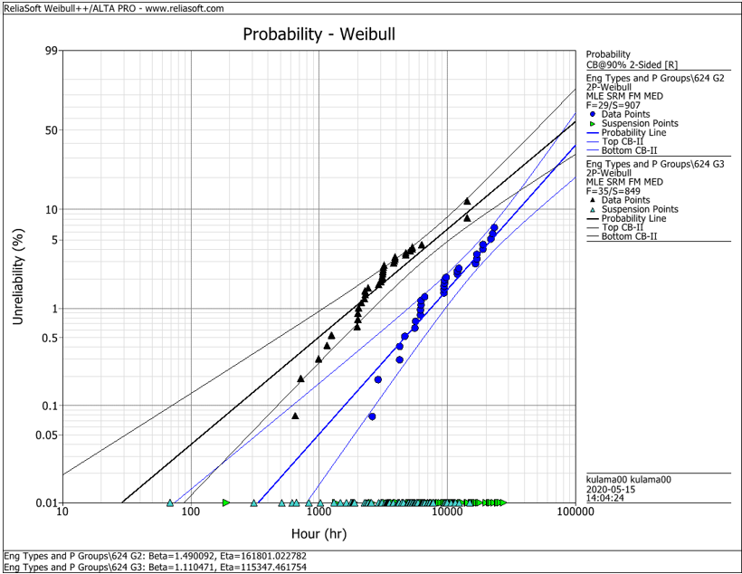
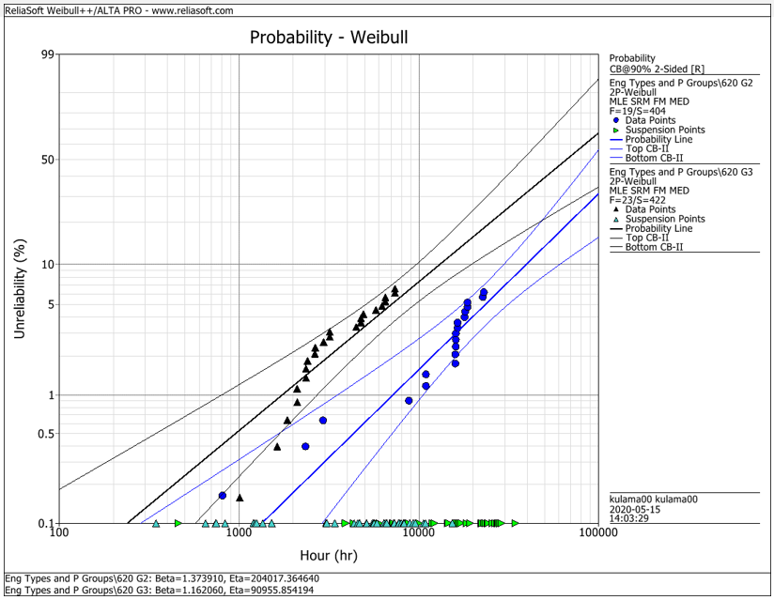
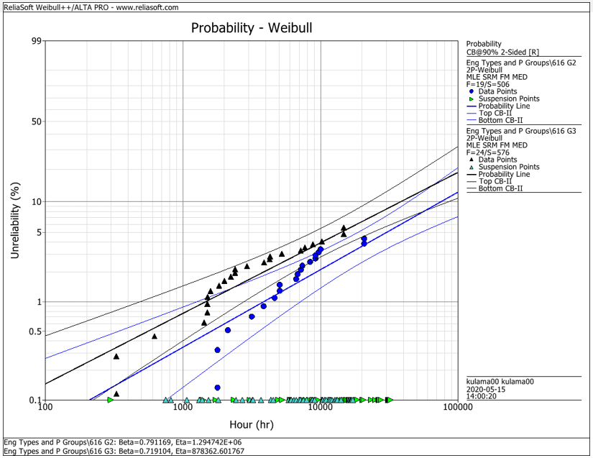
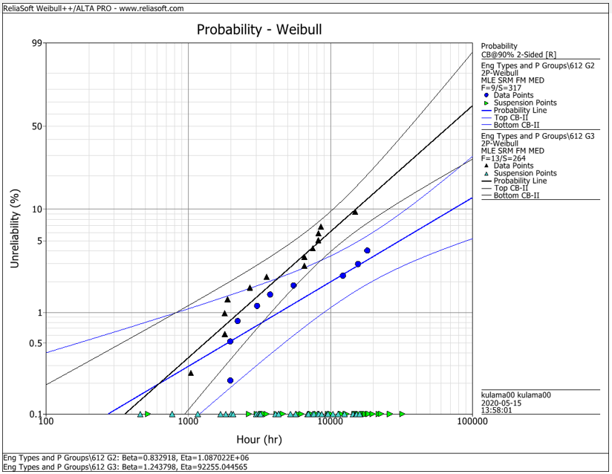
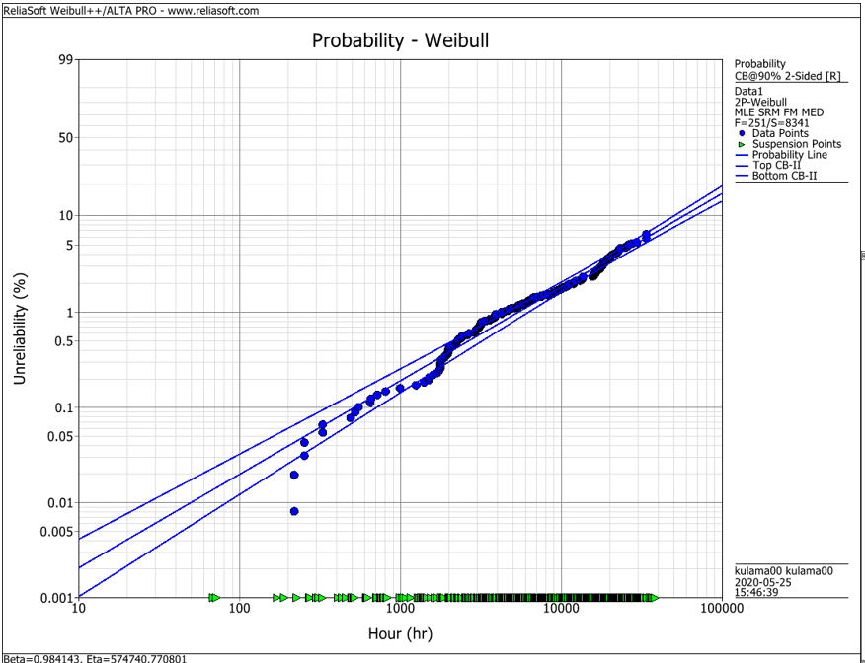
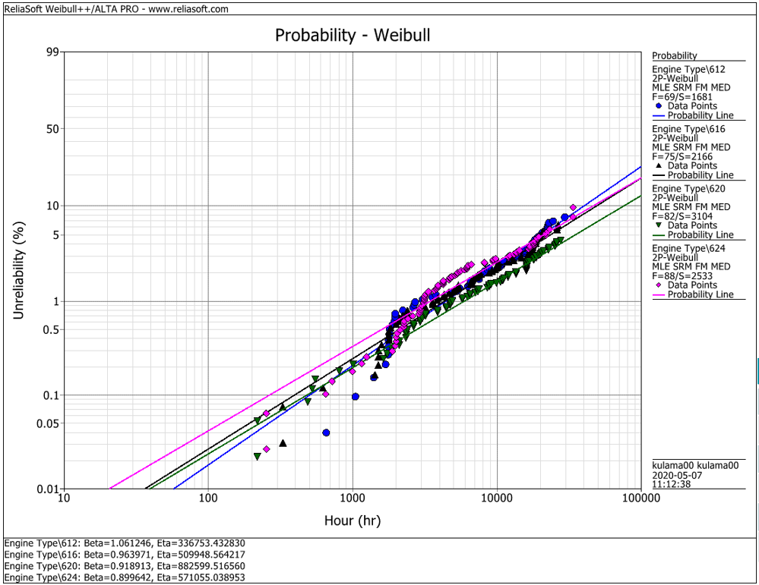
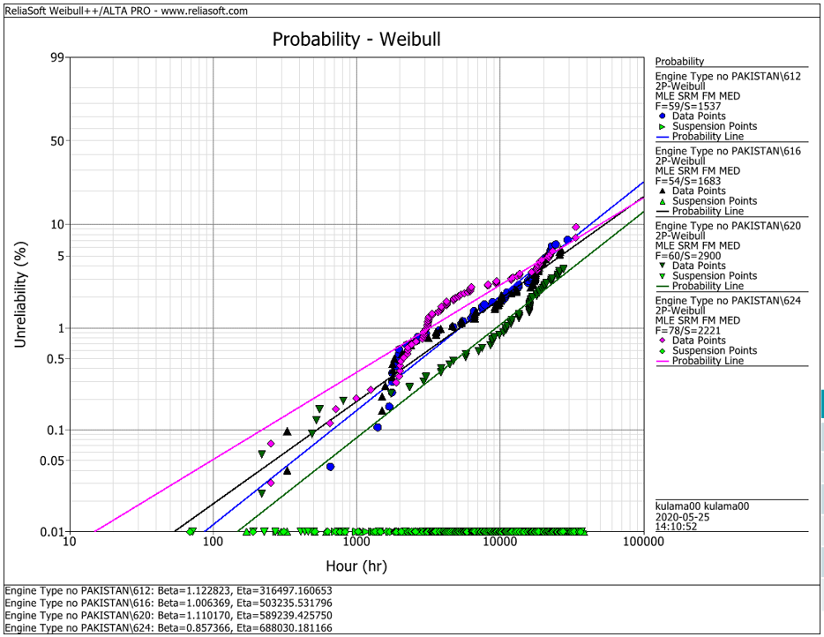
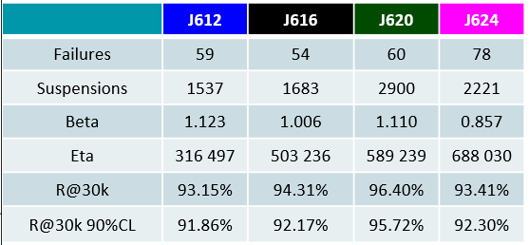
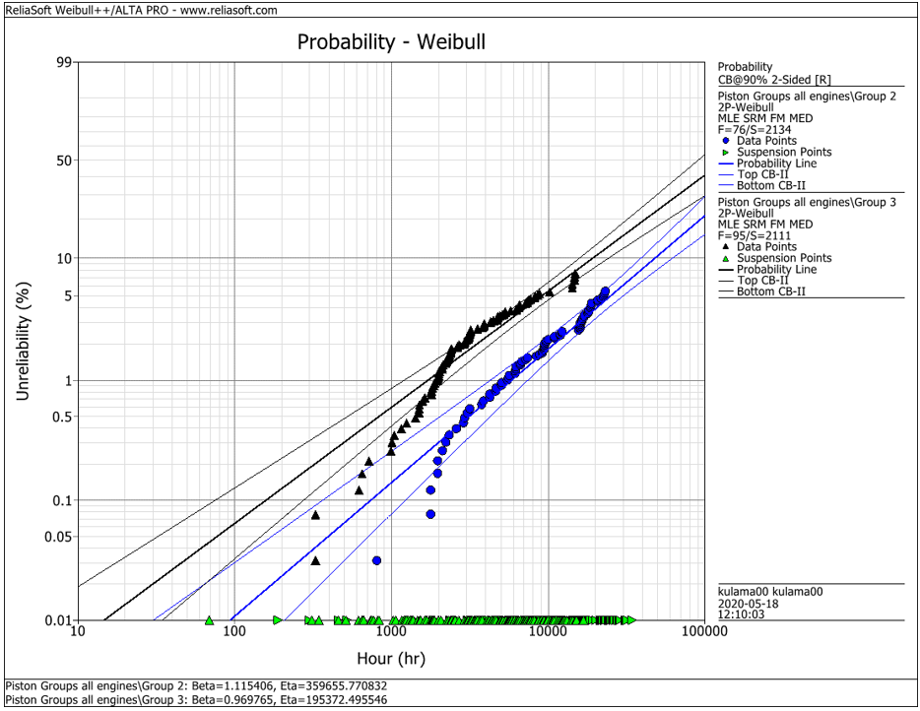
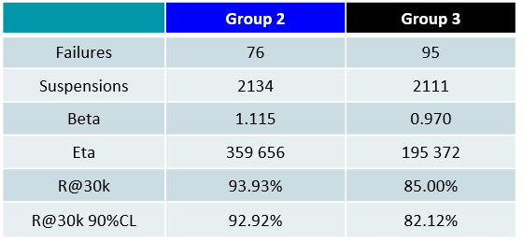
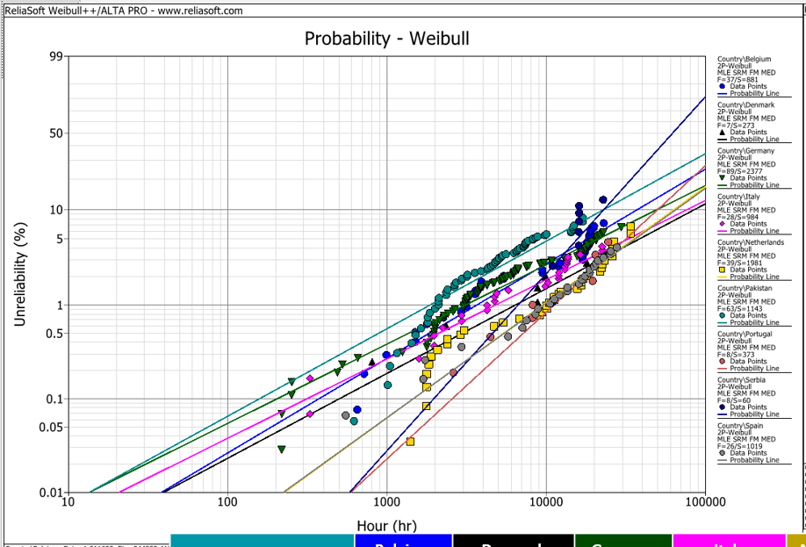
EDC Weibull Comparison
 | beta | R@30k 90%CL
G2 | 0,001 | 92%
G2 | 0,001 | 93%
G2 | 0,001 | 95%
G2 | 0,001 | 95%
G2 | 0,001 | 93%
G3 | 0,001 | 80%
G3 | 0,001 | 75%
G3 | 0,001 | 92%
G3 | 0,001 | 79%
G3 | 0,001 | 82%
all | 0,001 | 94%
all | 0,001 | 91%
all | 0,001 | 93%
all | 0,001 | 95%
all | 0,001 | 92%
all w/o Pak | 0,001 | 92%
all w/o Pak | 0,001 | 92%
all w/o Pak | 0,001 | 96%
all w/o Pak | 0,001 | 93%

 |  | f | s | beta | eta | R@30k 90%CL | Comment
J624 | G2 | 29 | 907 | 1.490 | 161801 | 92.2% | T23 with LKZ OCR
J620 | G2 | 19 | 404 | 1.374 | 204017 | 93.0% | T23 with LKZ OCR
J616 | G2 | 19 | 506 | 0.791 | 1294700 | 95.0% | T23 with LKZ OCR
J612 | G2 | 9 | 317 | 0.830 | 1088700 | 95.0% | T23 with LKZ OCR
J6xx | G2 | 76 | 2134 | 1.115 | 359656 | 92.9% | T23 with LKZ OCR

J624 | G3 | 35 | 849 | 1.110 | 115347 | 80.0% | T23 with flat OCR
J620 | G3 | 23 | 422 | 1.162 | 90955 | 75.0% | T23 with flat OCR
J616 | G3 | 24 | 576 | 0.719 | 878362 | 91.5% | T23 with LKZ OCR
J612 | G3 | 13 | 264 | 1.244 | 92255 | 79.0% | T23 with LKZ OCR
J6xx | G3 | 95 | 2111 | 0.970 | 195372 | 82.1% | T23 with LKZ OCR

J6xx | all | 251 | 8341 | 0.984 | 574741 | 94.2% | Source - cleaned by Maciej 2020-05_25
J612 | all | 69 | 1681 | 1.061 | 336753 | 91.3% | Source - cleaned by Maciej 2020-05_25
J616 | all | 75 | 2166 | 0.964 | 509948 | 92.6% | Source - cleaned by Maciej 2020-05_25
J620 | all | 82 | 3104 | 0.919 | 882599 | 94.9% | Source - cleaned by Maciej 2020-05_25
J624 | all | 88 | 2533 | 0.899 | 571055 | 92.1% | Source - cleaned by Maciej 2020-05_25

J612 | all w/o Pak | 59 | 1537 | 1.123 | 316497 | 91.9% | Source - cleaned by Maciej 2020-05_25
J616 | all w/o Pak | 54 | 1683 | 1.006 | 503236 | 92.2% | Source - cleaned by Maciej 2020-05_25
J620 | all w/o Pak | 60 | 2900 | 1.110 | 589239 | 95.7% | Source - cleaned by Maciej 2020-05_25
J624 | all w/o Pak | 78 | 2221 | 0.857 | 688030 | 93.4% | Source - cleaned by Maciej 2020-05_25

 |  | beta | 1.490 | max
 |  |  | 0.719 | min
 |  |  | 1.038 | mittel
 |  |  | 1.006 | median

