summary
Demonstrated Reliability
 | CLB 90% - 10% |  | CLB 90% - 10% |  | CLB 90% - 10% |  | R1 |  | R2 |  | R3 |  | today |  | R Ref
0 | 82.2% | 0 | 97% | 0 | 95% | 0 | 0.0% | 0 | 0.0% | 0 | 0.0% | 7608 | 0.00 | 7608 | 90.2%
228 | 82.2% | 228 | 97% | 228 | 95% | 228 | 0.0% | 228 | 0.0% | 228 | 0.1% | 7608 | 1.00
609 | 82.2% | 609 | 97% | 609 | 95% | 609 | 0.0% | 609 | 0.0% | 609 | 20.9%
1141 | 82.2% | 1141 | 97% | 1141 | 95% | 1141 | 7.2% | 1141 | 0.0% | 1141 | 67.0%
1522 | 82.2% | 1522 | 97% | 1522 | 95% | 1522 | 24.5% | 1522 | 0.9% | 1522 | 80.7%
1902 | 82.2% | 1902 | 97% | 1902 | 95% | 1902 | 40.7% | 1902 | 5.1% | 1902 | 87.2%
2282 | 77.9% | 2282 | 97% | 2282 | 95% | 2282 | 54.4% | 2282 | 13.2% | 2282 | 91.2%
2663 | 70.0% | 2663 | 97% | 2663 | 95% | 2663 | 64.8% | 2663 | 23.6% | 2663 | 93.6%
3043 | 61.5% | 3043 | 97% | 3043 | 95% | 3043 | 72.1% | 3043 | 33.7% | 3043 | 95.1%
3424 | 52.9% | 3424 | 97% | 3424 | 95% | 3424 | 77.8% | 3424 | 43.3% | 3424 | 96.2%
3804 | 45.1% | 3804 | 97% | 3804 | 95% | 3804 | 82.1% | 3804 | 52.0% | 3804 | 97.0%
4184 | 38.2% | 4184 | 97% | 4184 | 95% | 4184 | 85.5% | 4184 | 59.5% | 4184 | 97.7%
4565 | 32.4% | 4565 | 97% | 4565 | 95% | 4565 | 88.1% | 4565 | 65.7% | 4565 | 98.1%
4945 | 27.5% | 4945 | 97% | 4945 | 95% | 4945 | 90.2% | 4945 | 70.9% | 4945 | 98.4%
5326 | 23.4% | 5326 | 97% | 5326 | 95% | 5326 | 91.8% | 5326 | 75.3% | 5326 | 98.7%
5706 | 20.0% | 5706 | 97% | 5706 | 95% | 5706 | 93.1% | 5706 | 79.0% | 5706 | 98.9%
6086 | 17.1% | 6086 | 97% | 6086 | 95% | 6086 | 94.2% | 6086 | 82.0% | 6086 | 99.1%
6467 | 14.5% | 6467 | 97% | 6467 | 95% | 6467 | 95.1% | 6467 | 84.7% | 6467 | 99.2%
6847 | 12.4% | 6847 | 97% | 6847 | 95% | 6847 | 95.9% | 6847 | 86.9% | 6847 | 99.4%
7228 | 10.7% | 7228 | 97% | 7228 | 95% | 7228 | 96.5% | 7228 | 88.7% | 7228 | 99.5%
7608 | 9.4% | 7608 | 97% | 7608 | 95% | 7608 | 96.9% | 7608 | 90.2% | 7608 | 99.5%
7988 | 8.2% | 7988 | 97% | 7988 | 95% | 7988 | 97.3% | 7988 | 91.4% | 7988 | 99.6%
8369 | 7.3% | 8369 | 97% | 8369 | 95% | 8369 | 97.6% | 8369 | 92.3% | 8369 | 99.6%
8749 | 6.5% | 8749 | 97% | 8749 | 95% | 8749 | 97.9% | 8749 | 93.1% | 8749 | 99.7%
9130 | 5.9% | 9130 | 97% | 9130 | 95% | 9130 | 98.1% | 9130 | 93.8% | 9130 | 99.7%
9510 | 5.3% | 9510 | 97% | 9510 | 95% | 9510 | 98.3% | 9510 | 94.4% | 9510 | 99.7%
9890 | 4.9% | 9890 | 97% | 9890 | 95% | 9890 | 98.4% | 9890 | 94.9% | 9890 | 99.8%
10271 | 4.5% | 10271 | 97% | 10271 | 95% | 10271 | 98.6% | 10271 | 95.3% | 10271 | 99.8%
10651 | 4.1% | 10651 | 97% | 10651 | 95% | 10651 | 98.7% | 10651 | 95.7% | 10651 | 99.8%
11032 | 3.8% | 11032 | 97% | 11032 | 95% | 11032 | 98.8% | 11032 | 96.0% | 11032 | 99.8%
11412 | 3.5% | 11412 | 97% | 11412 | 95% | 11412 | 98.9% | 11412 | 96.3% | 11412 | 99.8%
11792 | 3.3% | 11792 | 97% | 11792 | 95% | 11792 | 98.9% | 11792 | 96.5% | 11792 | 99.8%
12173 | 3.1% | 12173 | 97% | 12173 | 95% | 12173 | 99.0% | 12173 | 96.8% | 12173 | 99.8%
12553 | 2.9% | 12553 | 97% | 12553 | 95% | 12553 | 99.1% | 12553 | 97.0% | 12553 | 99.9%
12934 | 2.7% | 12934 | 97% | 12934 | 95% | 12934 | 99.1% | 12934 | 97.1% | 12934 | 99.9%
13314 | 2.6% | 13314 | 97% | 13314 | 95% | 13314 | 99.2% | 13314 | 97.3% | 13314 | 99.9%
13694 | 2.4% | 13694 | 97% | 13694 | 95% | 13694 | 99.2% | 13694 | 97.5% | 13694 | 99.9%
14075 | 2.3% | 14075 | 97% | 14075 | 95% | 14075 | 99.3% | 14075 | 97.6% | 14075 | 99.9%
14455 | 2.2% | 14455 | 97% | 14455 | 95% | 14455 | 99.3% | 14455 | 97.7% | 14455 | 99.9%
14836 | 2.1% | 14836 | 97% | 14836 | 95% | 14836 | 99.3% | 14836 | 97.8% | 14836 | 99.9%
15216 | 2.0% | 15216 | 97% | 15216 | 95% | 15216 | 99.4% | 15216 | 97.9% | 15216 | 99.9%
 |  |  |  |  |  |  | Pn | 1013 | mbar | Tn | 0 | °C | 9.8 | kWh / mn3
Validation Fleet Status |  | Date | 12/20/20 |  |  |  | ETAMOT not fully plausible ?
624 | 18 |  | Cum hours | 75260
620 | 6 |  | Fl Leader | 6220
616 | 7 |  | Avg hours | 2352 |  |  |  |  |  |  |  |  |  | 0
612 | 1 |  | 2000 | 15 |  |  |  |  |  |  |  |  |  | 0
Sum Engines | 32 |  | 4000 | 4 |  |  |  |  |  |  |  |  |  | 0
Sum PU's | 676 |  | 6000 | 2 |  |  |  |  |  |  |  |  |  | 0
 |  |  |  |  |  |  |  |  |  |  |  |  |  | 0
Beta | Running | Available | Not Available | Error |  |  |  |  |  |  |  |  |  | 0
1.400 | 21 | 9 | 2 | 0 |  |  |  |  |  |  |  |  |  | 0
 |  |  |  |  |  |  |  |  |  |  |  |  |  | 0
 | T | CL | BETA | R |  |  |  |  |  |  |  |  |  | 0
R1 | 30000 | 50% | 1.400 | 96.9% |  |  |  |  |  |  |  |  |  | 0
R2 | 30000 | 90% | 1.400 | 90.2% |  |  |  |  |  |  |  |  |  | 0
R3 | 30000 | 10% | 1.400 | 99.5% |  |  |  |  |  |  |  |  |  | 0
 |  |  |  |  |  |  |  |  |  |  |  |  |  | 0
Field Validation Results vs. CTQ's |  |  |  | CTQ |  |  |  |  |  |  |  |  |  | 0
1. R(CL 50%) > 97% @ß = |  | 1.400 | 96.9% | 97% |  |  |  |  |  |  |  |  |  | 0
2. R(CL 90%) > 90% @ß = |  | 1.400 | 90.2% | 90% |  |  |  |  |  |  |  |  |  | 0
3. 4 Engines > 6000 oph |  |  | 2 | 4 |  |  |  |  |  |  |  |  |  | 0
 |  |  |  |  | 1.400 | 1.21 |  |  |  |  |  |  |  | 0
 | BR6 |  | hours s. VS | 7608 | 6220 | 6220 |  |  |  |  |  |  |  | 0
Bohrung [mm] | 190 |  | pess PU F | 12.3% | 228.4 | 228.4 |  |  |  |  |  |  |  | 0
Hub [mm] | 220 |  | pess PU F | 83 | 99.4% |  |  |  |  |  |  |  |  | 0
Validation Fleet oph
 |  |  | Date |  | Date line |  | 2000 |  | 6000 |  | 1386177 |  | 1393153 |  | 1320072 |  | 1184199 |  | 1352268 |  | 1320022 |  | 1250575
2/7/20 | 0 | 12/20/20 | 6220 | 12/20/20 | 0 | 2/7/20 | 2000 | 2/7/20 | 6000 | 2/7/20 | 0 | 2/7/20 | 0 | 2/7/20 | 0 | 2/7/20 | 0 | 2/7/20 | 0 | 2/7/20 | 0 | 2/7/20 | 0
2/16/20 | 228 |  |  | 12/20/20 | 6220 | 11/2/21 | 2000 | 11/2/21 | 6000 | 2/16/20 | 0 | 2/16/20 | 0 | 2/16/20 | 155 | 2/16/20 | 0 | 2/16/20 | 0 | 2/16/20 | 0 | 2/16/20 | 0
3/3/20 | 609 |  |  |  |  |  |  |  |  | 3/3/20 | 29 | 3/3/20 | 0 | 3/3/20 | 414 | 3/3/20 | 0 | 3/3/20 | 0 | 3/3/20 | 0 | 3/3/20 | 0
3/25/20 | 1141 |  |  |  |  |  |  |  |  | 3/25/20 | 500 | 3/25/20 | 57 | 3/25/20 | 777 | 3/25/20 | 0 | 3/25/20 | 0 | 3/25/20 | 0 | 3/25/20 | 0
4/10/20 | 1522 |  |  |  |  |  |  |  |  | 4/10/20 | 836 | 4/10/20 | 411 | 4/10/20 | 1035 | 4/10/20 | 0 | 4/10/20 | 0 | 4/10/20 | 0 | 4/10/20 | 0
4/26/20 | 1902 |  |  |  |  |  |  |  |  | 4/26/20 | 1173 | 4/26/20 | 765 | 4/26/20 | 1294 | 4/26/20 | 0 | 4/26/20 | 0 | 4/26/20 | 0 | 4/26/20 | 0
5/12/20 | 2282 |  |  |  |  |  |  |  |  | 5/12/20 | 1509 | 5/12/20 | 1119 | 5/12/20 | 1553 | 5/12/20 | 315 | 5/12/20 | 126 | 5/12/20 | 0 | 5/12/20 | 0
5/27/20 | 2663 |  |  |  |  |  |  |  |  | 5/27/20 | 1846 | 5/27/20 | 1473 | 5/27/20 | 1812 | 5/27/20 | 646 | 5/27/20 | 373 | 5/27/20 | 0 | 5/27/20 | 0
6/12/20 | 3043 |  |  |  |  |  |  |  |  | 6/12/20 | 2182 | 6/12/20 | 1827 | 6/12/20 | 2071 | 6/12/20 | 977 | 6/12/20 | 620 | 6/12/20 | 83 | 6/12/20 | 0
6/28/20 | 3424 |  |  |  |  |  |  |  |  | 6/28/20 | 2519 | 6/28/20 | 2181 | 6/28/20 | 2330 | 6/28/20 | 1308 | 6/28/20 | 867 | 6/28/20 | 357 | 6/28/20 | 234
7/14/20 | 3804 |  |  |  |  |  |  |  |  | 7/14/20 | 2855 | 7/14/20 | 2535 | 7/14/20 | 2589 | 7/14/20 | 1639 | 7/14/20 | 1114 | 7/14/20 | 632 | 7/14/20 | 505
7/30/20 | 4184 |  |  |  |  |  |  |  |  | 7/30/20 | 3192 | 7/30/20 | 2889 | 7/30/20 | 2847 | 7/30/20 | 1970 | 7/30/20 | 1362 | 7/30/20 | 906 | 7/30/20 | 777
8/15/20 | 4565 |  |  |  |  |  |  |  |  | 8/15/20 | 3528 | 8/15/20 | 3243 | 8/15/20 | 3106 | 8/15/20 | 2301 | 8/15/20 | 1609 | 8/15/20 | 1180 | 8/15/20 | 1048
8/31/20 | 4945 |  |  |  |  |  |  |  |  | 8/31/20 | 3865 | 8/31/20 | 3597 | 8/31/20 | 3365 | 8/31/20 | 2632 | 8/31/20 | 1856 | 8/31/20 | 1454 | 8/31/20 | 1320
9/15/20 | 5326 |  |  |  |  |  |  |  |  | 9/15/20 | 4201 | 9/15/20 | 3951 | 9/15/20 | 3624 | 9/15/20 | 2963 | 9/15/20 | 2103 | 9/15/20 | 1729 | 9/15/20 | 1591
10/1/20 | 5706 |  |  |  |  |  |  |  |  | 10/1/20 | 4538 | 10/1/20 | 4305 | 10/1/20 | 3883 | 10/1/20 | 3293 | 10/1/20 | 2350 | 10/1/20 | 2003 | 10/1/20 | 1863
10/17/20 | 6086 |  |  |  |  |  |  |  |  | 10/17/20 | 4874 | 10/17/20 | 4659 | 10/17/20 | 4142 | 10/17/20 | 3624 | 10/17/20 | 2597 | 10/17/20 | 2277 | 10/17/20 | 2134
11/2/20 | 6467 |  |  |  |  |  |  |  |  | 11/2/20 | 5211 | 11/2/20 | 5013 | 11/2/20 | 4400 | 11/2/20 | 3955 | 11/2/20 | 2844 | 11/2/20 | 2551 | 11/2/20 | 2406
11/18/20 | 6847 |  |  |  |  |  |  |  |  | 11/18/20 | 5547 | 11/18/20 | 5367 | 11/18/20 | 4659 | 11/18/20 | 4286 | 11/18/20 | 3091 | 11/18/20 | 2826 | 11/18/20 | 2677
12/4/20 | 7228 |  |  |  |  |  |  |  |  | 12/4/20 | 5884 | 12/4/20 | 5721 | 12/4/20 | 4918 | 12/4/20 | 4617 | 12/4/20 | 3338 | 12/4/20 | 3100 | 12/4/20 | 2949
12/20/20 | 7608 |  |  |  |  |  |  |  |  | 12/20/20 | 6220 | 12/20/20 | 6075 | 12/20/20 | 5177 | 12/20/20 | 4948 | 12/20/20 | 3585 | 12/20/20 | 3374 | 12/20/20 | 3220
1/4/21 | 7988 |  |  |  |  |  |  |  |  | 1/4/21 | 6556 | 1/4/21 | 6429 | 1/4/21 | 5436 | 1/4/21 | 5279 | 1/4/21 | 3832 | 1/4/21 | 3648 | 1/4/21 | 3491
1/20/21 | 8369 |  |  |  |  |  |  |  |  | 1/20/21 | 6893 | 1/20/21 | 6783 | 1/20/21 | 5695 | 1/20/21 | 5610 | 1/20/21 | 4079 | 1/20/21 | 3922 | 1/20/21 | 3763
2/5/21 | 8749 |  |  |  |  |  |  |  |  | 2/5/21 | 7229 | 2/5/21 | 7137 | 2/5/21 | 5954 | 2/5/21 | 5941 | 2/5/21 | 4326 | 2/5/21 | 4197 | 2/5/21 | 4034
2/21/21 | 9130 |  |  |  |  |  |  |  |  | 2/21/21 | 7566 | 2/21/21 | 7491 | 2/21/21 | 6212 | 2/21/21 | 6272 | 2/21/21 | 4573 | 2/21/21 | 4471 | 2/21/21 | 4306
3/9/21 | 9510 |  |  |  |  |  |  |  |  | 3/9/21 | 7902 | 3/9/21 | 7845 | 3/9/21 | 6471 | 3/9/21 | 6603 | 3/9/21 | 4820 | 3/9/21 | 4745 | 3/9/21 | 4577
3/25/21 | 9890 |  |  |  |  |  |  |  |  | 3/25/21 | 8239 | 3/25/21 | 8199 | 3/25/21 | 6730 | 3/25/21 | 6933 | 3/25/21 | 5067 | 3/25/21 | 5019 | 3/25/21 | 4849
4/9/21 | 10271 |  |  |  |  |  |  |  |  | 4/9/21 | 8575 | 4/9/21 | 8553 | 4/9/21 | 6989 | 4/9/21 | 7264 | 4/9/21 | 5314 | 4/9/21 | 5294 | 4/9/21 | 5120
4/25/21 | 10651 |  |  |  |  |  |  |  |  | 4/25/21 | 8912 | 4/25/21 | 8907 | 4/25/21 | 7248 | 4/25/21 | 7595 | 4/25/21 | 5561 | 4/25/21 | 5568 | 4/25/21 | 5392
5/11/21 | 11032 |  |  |  |  |  |  |  |  | 5/11/21 | 9248 | 5/11/21 | 9261 | 5/11/21 | 7507 | 5/11/21 | 7926 | 5/11/21 | 5808 | 5/11/21 | 5842 | 5/11/21 | 5663
5/27/21 | 11412 |  |  |  |  |  |  |  |  | 5/27/21 | 9585 | 5/27/21 | 9615 | 5/27/21 | 7766 | 5/27/21 | 8257 | 5/27/21 | 6056 | 5/27/21 | 6116 | 5/27/21 | 5935
6/12/21 | 11792 |  |  |  |  |  |  |  |  | 6/12/21 | 9921 | 6/12/21 | 9969 | 6/12/21 | 8024 | 6/12/21 | 8588 | 6/12/21 | 6303 | 6/12/21 | 6391 | 6/12/21 | 6206
6/28/21 | 12173 |  |  |  |  |  |  |  |  | 6/28/21 | 10258 | 6/28/21 | 10323 | 6/28/21 | 8283 | 6/28/21 | 8919 | 6/28/21 | 6550 | 6/28/21 | 6665 | 6/28/21 | 6478
7/14/21 | 12553 |  |  |  |  |  |  |  |  | 7/14/21 | 10594 | 7/14/21 | 10677 | 7/14/21 | 8542 | 7/14/21 | 9250 | 7/14/21 | 6797 | 7/14/21 | 6939 | 7/14/21 | 6749
7/29/21 | 12934 |  |  |  |  |  |  |  |  | 7/29/21 | 10931 | 7/29/21 | 11031 | 7/29/21 | 8801 | 7/29/21 | 9581 | 7/29/21 | 7044 | 7/29/21 | 7213 | 7/29/21 | 7021
8/14/21 | 13314 |  |  |  |  |  |  |  |  | 8/14/21 | 11267 | 8/14/21 | 11385 | 8/14/21 | 9060 | 8/14/21 | 9912 | 8/14/21 | 7291 | 8/14/21 | 7488 | 8/14/21 | 7292
8/30/21 | 13694 |  |  |  |  |  |  |  |  | 8/30/21 | 11604 | 8/30/21 | 11739 | 8/30/21 | 9319 | 8/30/21 | 10243 | 8/30/21 | 7538 | 8/30/21 | 7762 | 8/30/21 | 7564
9/15/21 | 14075 |  |  |  |  |  |  |  |  | 9/15/21 | 11940 | 9/15/21 | 12093 | 9/15/21 | 9577 | 9/15/21 | 10573 | 9/15/21 | 7785 | 9/15/21 | 8036 | 9/15/21 | 7835
10/1/21 | 14455 |  |  |  |  |  |  |  |  | 10/1/21 | 12277 | 10/1/21 | 12447 | 10/1/21 | 9836 | 10/1/21 | 10904 | 10/1/21 | 8032 | 10/1/21 | 8310 | 10/1/21 | 8107
10/17/21 | 14836 |  |  |  |  |  |  |  |  | 10/17/21 | 12613 | 10/17/21 | 12801 | 10/17/21 | 10095 | 10/17/21 | 11235 | 10/17/21 | 8279 | 10/17/21 | 8585 | 10/17/21 | 8378
11/2/21 | 15216 |  |  |  |  |  |  |  |  | 11/2/21 | 12949 | 11/2/21 | 13155 | 11/2/21 | 10354 | 11/2/21 | 11566 | 11/2/21 | 8526 | 11/2/21 | 8859 | 11/2/21 | 8649
VH zyl [dm3] | 6.24 |  | like PU F | 3.1% | 242570 | 1349599.8127 |  |  |  |  |  |  |  | 0
 |  |  | like PU F | 21 | 94.8% |  |  |  |  |  |  |  |  | 0
 |  |  |  |  | 5.22% | 0.15% |  |  |  |  |  |  |  | 0
 |  |  |  |  | 11.92 | 1.0059 |  |  |  |  |  |  |  | 0
Engines | ~ BMP Avg | z | VH [dm3] | etael |  |  |  |  |  |  |  |  |  | 0
624 | 24.2 | 24 | 149.7 | 98.1% |  |  |  |  |  |  |  |  |  | 0
620 | 22.0 | 20 | 124.8 | 98.0% |  |  |  |  |  |  |  |  |  | 0
616 | 22.0 | 16 | 99.8 | 97.6% |  |  |  |  |  |  |  |  |  | 0
612 | 22.0 | 12 | 74.9 | 98.6% |  |  |  |  |  |  |  |  |  | 0
 |  |  |  |  |  |  |  |  |  |  |  |  |  | 0
BMEP Avg | BMEP Min | BMEP Max | NOX | MN | Version | #
24.3 | 24.0 | 24.5 | 500 | 80 | K01 | 3
24.3 | 24.0 | 24.5 | 500 | 80 | H01 | 12
24.0 | 24.0 | 24.0 | 250 | 80 | H02 | 1
 | 0.0 | 0.0 | 500 | 70 | H101 | 0
24.5 | 24.5 | 24.5 | 250 | 70 | H12 | 1
22.0 | 22.0 | 22.0 | 500 | 80 | F01 | 5
22.0 | 22.0 | 22.0 | 500 | 80 | J01 | 2
22.0 | 22.0 | 22.0 | 500 | 70 | J101 | 1
22.0 | 22.0 | 22.0 | 500 | 70 | J11 | 1
22.0 | 22.0 | 22.0 | 500 | 70 | F11 | 1
22.0 | 22.0 | 22.0 | 250 | 70 | F12 | 1
22.0 | 22.0 | 22.0 | 250 | 70 | J12 | 3
22.9 | 22.9 | 22.9 | 500 | 80 | K505 | 1
 |  |  |  |  |  | 32

ndReliaCalc2
 | Data Date | 2020-12-20 15:14:30
 | Val Start | 2020-02-07
 | Val Period (days) | 317
 | Beta (R2) | 1.4

 |  |  |  | 2000h line | 2000 | 2000
 |  |  |  |  | 2019-05-01 | 2021-12-31
 |  |  |  | 6000h line | 6000 | 6000
 |  |  |  |  | 2019-05-01 | 2021-12-31

 |  |  |  |  |  |  |  | R1 failures | 0 | 0 | 0 | 0 | 0 | 0 | 0 | 0 | 0 | 0 | 0 | 0 | 0 | 0 | 0 | 0 | 0 | 0 | 0 | 0 | 0 | 0 | 0 | 0 | 0 | 0 | 0 | 0 | 0 | 0 | 0 | 0 | 0 | 0 | 0 | 0 | 0 | 0 | 0 | 0 | 0
 |  |  |  |  |  |  |  | R2 failures | 0 | 0 | 0 | 0 | 0 | 0 | 0 | 0 | 0 | 0 | 0 | 0 | 0 | 0 | 0 | 0 | 0 | 0 | 0 | 0 | 0 | 0 | 0 | 0 | 0 | 0 | 0 | 0 | 0 | 0 | 0 | 0 | 0 | 0 | 0 | 0 | 0 | 0 | 0 | 0 | 0
 |  |  |  | f1 | 2020-12-10 15:14:30 | 0 | 97% | 307 | 0 | 0 | 0 | 0 | 0 | 0 | 0 | 0 | 0 | 0 | 0 | 0 | 0 | 0 | 0 | 0 | 0 | 0 | 0 | 0 | 0 | 0 | 0 | 0 | 0 | 0 | 0 | 0 | 0 | 0 | 0 | 0 | 0 | 0 | 0 | 0 | 0 | 0 | 0 | 0 | 0
 |  |  |  | f2 | 2021-01-19 15:14:30 | 0 | 109% | 347 | 0 | 0 | 0 | 0 | 0 | 0 | 0 | 0 | 0 | 0 | 0 | 0 | 0 | 0 | 0 | 0 | 0 | 0 | 0 | 0 | 0 | 0 | 0 | 0 | 0 | 0 | 0 | 0 | 0 | 0 | 0 | 0 | 0 | 0 | 0 | 0 | 0 | 0 | 0 | 0 | 0
 |  |  |  | f3 | 2020-11-19 15:14:30 | 0 | 90% | 286 | 0 | 0 | 0 | 0 | 0 | 0 | 0 | 0 | 0 | 0 | 0 | 0 | 0 | 0 | 0 | 0 | 0 | 0 | 0 | 0 | 0 | 0 | 0 | 0 | 0 | 0 | 0 | 0 | 0 | 0 | 0 | 0 | 0 | 0 | 0 | 0 | 0 | 0 | 0 | 0 | 0
 |  |  |  | f4 | 2020-08-18 15:14:30 | 0 | 61% | 193 | 0 | 0 | 0 | 0 | 0 | 0 | 0 | 0 | 0 | 0 | 0 | 0 | 0 | 0 | 0 | 0 | 0 | 0 | 0 | 0 | 0 | 0 | 0 | 0 | 0 | 0 | 0 | 0 | 0 | 0 | 0 | 0 | 0 | 0 | 0 | 0 | 0 | 0 | 0 | 0 | 0
 |  |  |  | f5 | 2021-04-23 15:14:30 | 0 | 139% | 441 | 0 | 0 | 0 | 0 | 0 | 0 | 0 | 0 | 0 | 0 | 0 | 0 | 0 | 0 | 0 | 0 | 0 | 0 | 0 | 0 | 0 | 0 | 0 | 0 | 0 | 0 | 0 | 0 | 0 | 0 | 0 | 0 | 0 | 0 | 0 | 0 | 0 | 0 | 0 | 0 | 0
 |  |  |  | f6 | 2021-06-24 15:14:30 | 0 | 159% | 503 | 0 | 0 | 0 | 0 | 0 | 0 | 0 | 0 | 0 | 0 | 0 | 0 | 0 | 0 | 0 | 0 | 0 | 0 | 0 | 0 | 0 | 0 | 0 | 0 | 0 | 0 | 0 | 0 | 0 | 0 | 0 | 0 | 0 | 0 | 0 | 0 | 0 | 0 | 0 | 0 | 0
 |  |  |  | f7 | 0 | 0 | -13838% | -43868 | 0 | 0 | 0 | 0 | 0 | 0 | 0 | 0 | 0 | 0 | 0 | 0 | 0 | 0 | 0 | 0 | 0 | 0 | 0 | 0 | 0 | 0 | 0 | 0 | 0 | 0 | 0 | 0 | 0 | 0 | 0 | 0 | 0 | 0 | 0 | 0 | 0 | 0 | 0 | 0 | 0
 |  |  |  | f8 | 0 | 0 | -13838% | -43868 | 0 | 0 | 0 | 0 | 0 | 0 | 0 | 0 | 0 | 0 | 0 | 0 | 0 | 0 | 0 | 0 | 0 | 0 | 0 | 0 | 0 | 0 | 0 | 0 | 0 | 0 | 0 | 0 | 0 | 0 | 0 | 0 | 0 | 0 | 0 | 0 | 0 | 0 | 0 | 0 | 0
 |  |  |  | f9 | 0 | 0 | -13838% | -43868 | 0 | 0 | 0 | 0 | 0 | 0 | 0 | 0 | 0 | 0 | 0 | 0 | 0 | 0 | 0 | 0 | 0 | 0 | 0 | 0 | 0 | 0 | 0 | 0 | 0 | 0 | 0 | 0 | 0 | 0 | 0 | 0 | 0 | 0 | 0 | 0 | 0 | 0 | 0 | 0 | 0
 |  |  |  | f10 | 0 | 0 | -13838% | -43868 | 0 | 0 | 0 | 0 | 0 | 0 | 0 | 0 | 0 | 0 | 0 | 0 | 0 | 0 | 0 | 0 | 0 | 0 | 0 | 0 | 0 | 0 | 0 | 0 | 0 | 0 | 0 | 0 | 0 | 0 | 0 | 0 | 0 | 0 | 0 | 0 | 0 | 0 | 0 | 0 | 0
 |  |  |  | f11 | 0 | 0 | -13838% | -43868 | 0 | 0 | 0 | 0 | 0 | 0 | 0 | 0 | 0 | 0 | 0 | 0 | 0 | 0 | 0 | 0 | 0 | 0 | 0 | 0 | 0 | 0 | 0 | 0 | 0 | 0 | 0 | 0 | 0 | 0 | 0 | 0 | 0 | 0 | 0 | 0 | 0 | 0 | 0 | 0 | 0
 |  |  |  | f12 | 0 | 0 | -13838% | -43868 | 0 | 0 | 0 | 0 | 0 | 0 | 0 | 0 | 0 | 0 | 0 | 0 | 0 | 0 | 0 | 0 | 0 | 0 | 0 | 0 | 0 | 0 | 0 | 0 | 0 | 0 | 0 | 0 | 0 | 0 | 0 | 0 | 0 | 0 | 0 | 0 | 0 | 0 | 0 | 0 | 0
 |  |  |  | f13 | 0 | 0 | -13838% | -43868 | 0 | 0 | 0 | 0 | 0 | 0 | 0 | 0 | 0 | 0 | 0 | 0 | 0 | 0 | 0 | 0 | 0 | 0 | 0 | 0 | 0 | 0 | 0 | 0 | 0 | 0 | 0 | 0 | 0 | 0 | 0 | 0 | 0 | 0 | 0 | 0 | 0 | 0 | 0 | 0 | 0
 |  |  |  | f14 | 0 | 0 | -13838% | -43868 | 0 | 0 | 0 | 0 | 0 | 0 | 0 | 0 | 0 | 0 | 0 | 0 | 0 | 0 | 0 | 0 | 0 | 0 | 0 | 0 | 0 | 0 | 0 | 0 | 0 | 0 | 0 | 0 | 0 | 0 | 0 | 0 | 0 | 0 | 0 | 0 | 0 | 0 | 0 | 0 | 0
 |  |  |  | f15 | 0 | 0 | -13838% | -43868 | 0 | 0 | 0 | 0 | 0 | 0 | 0 | 0 | 0 | 0 | 0 | 0 | 0 | 0 | 0 | 0 | 0 | 0 | 0 | 0 | 0 | 0 | 0 | 0 | 0 | 0 | 0 | 0 | 0 | 0 | 0 | 0 | 0 | 0 | 0 | 0 | 0 | 0 | 0 | 0 | 0
 |  |  |  | f16 | 0 | 0 | -13838% | -43868 | 0 | 0 | 0 | 0 | 0 | 0 | 0 | 0 | 0 | 0 | 0 | 0 | 0 | 0 | 0 | 0 | 0 | 0 | 0 | 0 | 0 | 0 | 0 | 0 | 0 | 0 | 0 | 0 | 0 | 0 | 0 | 0 | 0 | 0 | 0 | 0 | 0 | 0 | 0 | 0 | 0
 |  |  |  | f17 | 0 | 0 | -13838% | -43868 | 0 | 0 | 0 | 0 | 0 | 0 | 0 | 0 | 0 | 0 | 0 | 0 | 0 | 0 | 0 | 0 | 0 | 0 | 0 | 0 | 0 | 0 | 0 | 0 | 0 | 0 | 0 | 0 | 0 | 0 | 0 | 0 | 0 | 0 | 0 | 0 | 0 | 0 | 0 | 0 | 0
 |  |  |  | f18 | 0 | 0 | -13838% | -43868 | 0 | 0 | 0 | 0 | 0 | 0 | 0 | 0 | 0 | 0 | 0 | 0 | 0 | 0 | 0 | 0 | 0 | 0 | 0 | 0 | 0 | 0 | 0 | 0 | 0 | 0 | 0 | 0 | 0 | 0 | 0 | 0 | 0 | 0 | 0 | 0 | 0 | 0 | 0 | 0 | 0
 |  |  |  | f19 | 0 | 0 | -13838% | -43868 | 0 | 0 | 0 | 0 | 0 | 0 | 0 | 0 | 0 | 0 | 0 | 0 | 0 | 0 | 0 | 0 | 0 | 0 | 0 | 0 | 0 | 0 | 0 | 0 | 0 | 0 | 0 | 0 | 0 | 0 | 0 | 0 | 0 | 0 | 0 | 0 | 0 | 0 | 0 | 0 | 0
 |  |  |  | f20 | 0 | 0 | -13838% | -43868 | 0 | 0 | 0 | 0 | 0 | 0 | 0 | 0 | 0 | 0 | 0 | 0 | 0 | 0 | 0 | 0 | 0 | 0 | 0 | 0 | 0 | 0 | 0 | 0 | 0 | 0 | 0 | 0 | 0 | 0 | 0 | 0 | 0 | 0 | 0 | 0 | 0 | 0 | 0 | 0 | 0
 |  |  |  | f21 | 0 | 0 | -13838% | -43868 | 0 | 0 | 0 | 0 | 0 | 0 | 0 | 0 | 0 | 0 | 0 | 0 | 0 | 0 | 0 | 0 | 0 | 0 | 0 | 0 | 0 | 0 | 0 | 0 | 0 | 0 | 0 | 0 | 0 | 0 | 0 | 0 | 0 | 0 | 0 | 0 | 0 | 0 | 0 | 0 | 0
 |  |  |  | f22 | 0 | 0 | -13838% | -43868 | 0 | 0 | 0 | 0 | 0 | 0 | 0 | 0 | 0 | 0 | 0 | 0 | 0 | 0 | 0 | 0 | 0 | 0 | 0 | 0 | 0 | 0 | 0 | 0 | 0 | 0 | 0 | 0 | 0 | 0 | 0 | 0 | 0 | 0 | 0 | 0 | 0 | 0 | 0 | 0 | 0
 |  |  |  | f23 | 0 | 0 | -13838% | -43868 | 0 | 0 | 0 | 0 | 0 | 0 | 0 | 0 | 0 | 0 | 0 | 0 | 0 | 0 | 0 | 0 | 0 | 0 | 0 | 0 | 0 | 0 | 0 | 0 | 0 | 0 | 0 | 0 | 0 | 0 | 0 | 0 | 0 | 0 | 0 | 0 | 0 | 0 | 0 | 0 | 0
 |  |  |  | f24 | 0 | 0 | -13838% | -43868 | 0 | 0 | 0 | 0 | 0 | 0 | 0 | 0 | 0 | 0 | 0 | 0 | 0 | 0 | 0 | 0 | 0 | 0 | 0 | 0 | 0 | 0 | 0 | 0 | 0 | 0 | 0 | 0 | 0 | 0 | 0 | 0 | 0 | 0 | 0 | 0 | 0 | 0 | 0 | 0 | 0
 |  |  |  | f25 | 0 | 0 | -13838% | -43868 | 0 | 0 | 0 | 0 | 0 | 0 | 0 | 0 | 0 | 0 | 0 | 0 | 0 | 0 | 0 | 0 | 0 | 0 | 0 | 0 | 0 | 0 | 0 | 0 | 0 | 0 | 0 | 0 | 0 | 0 | 0 | 0 | 0 | 0 | 0 | 0 | 0 | 0 | 0 | 0 | 0 | 0
 |  |  |  |  |  | Sum failures |  |  | 0 | 0 | 0 | 0 | 0 | 0 | 0 | 0 | 0 | 0 | 0 | 0 | 0 | 0 | 0 | 0 | 0 | 0 | 0 | 0 | 0 | 0 | 0 | 0 | 0 | 0 | 0 | 0 | 0 | 0 | 0 | 0 | 0 | 0 | 0 | 0 | 0 | 0 | 0 | 0 | 0
 |  |  |  |  |  | Input |  |  | 0% | 3% | 8% | 15% | 20% | 25% | 30% | 35% | 40% | 45% | 50% | 55% | 60% | 65% | 70% | 75% | 80% | 85% | 90% | 95% | 100% | 105% | 110% | 115% | 120% | 125% | 130% | 135% | 140% | 145% | 150% | 155% | 160% | 165% | 170% | 175% | 180% | 185% | 190% | 195% | 200%
 |  |  |  |  |  | calc % for diagram (failures) |  |  | 0% | 3% | 8% | 15% | 20% | 25% | 30% | 35% | 40% | 45% | 50% | 55% | 60% | 65% | 70% | 75% | 80% | 85% | 90% | 95% | 100% | 105% | 110% | 115% | 120% | 125% | 130% | 135% | 140% | 145% | 150% | 155% | 160% | 165% | 170% | 175% | 180% | 185% | 190% | 195% | 200%
 |  |  |  |  |  | Val test Time % |  |  | 0% | 3% | 8% | 15% | 20% | 25% | 30% | 35% | 40% | 45% | 50% | 55% | 60% | 65% | 70% | 75% | 80% | 85% | 90% | 95% | 100% | 105% | 110% | 115% | 120% | 125% | 130% | 135% | 140% | 145% | 150% | 155% | 160% | 165% | 170% | 175% | 180% | 185% | 190% | 195% | 200%
 |  |  |  |  |  | days |  |  | 0.0 | 9.5 | 25.4 | 47.6 | 63.4 | 79.3 | 95.1 | 110.9 | 126.8 | 142.7 | 158.5 | 174.4 | 190.2 | 206.1 | 221.9 | 237.8 | 253.6 | 269.5 | 285.3 | 301.2 | 317.0 | 332.9 | 348.7 | 364.5 | 380.4 | 396.3 | 412.1 | 428.0 | 443.8 | 459.7 | 475.5 | 491.4 | 507.2 | 523.1 | 538.9 | 554.8 | 570.6 | 586.5 | 602.3 | 618.2 | 634.0
 |  |  |  |  |  |  |  |  | 0.00 | 1.00 |  | R Ref | 90.2% |  | R HRS | 6220
 |  |  |  |  |  |  |  | today | 7608 | 7608 |  | 2020-12-20 | 7608 |  | 2020-12-20 | 7608
 |  |  |  |  |  | CLB 90% - 10% |  |  | 82.2% | 82.2% | 82.2% | 82.2% | 82.2% | 82.2% | 77.9% | 70.0% | 61.5% | 52.9% | 45.1% | 38.2% | 32.4% | 27.5% | 23.4% | 20.0% | 17.1% | 14.5% | 12.4% | 10.7% | 9.4% | 8.2% | 7.3% | 6.5% | 5.9% | 5.3% | 4.9% | 4.5% | 4.1% | 3.8% | 3.5% | 3.3% | 3.1% | 2.9% | 2.7% | 2.6% | 2.4% | 2.3% | 2.2% | 2.1% | 2.0%
 |  |  |  |  |  |  | R | 97.0% | 97.0% | 97.0% | 97.0% | 97.0% | 97.0% | 97.0% | 97.0% | 97.0% | 97.0% | 97.0% | 97.0% | 97.0% | 97.0% | 97.0% | 97.0% | 97.0% | 97.0% | 97.0% | 97.0% | 97.0% | 97.0% | 97.0% | 97.0% | 97.0% | 97.0% | 97.0% | 97.0% | 97.0% | 97.0% | 97.0% | 97.0% | 97.0% | 97.0% | 97.0% | 97.0% | 97.0% | 97.0% | 97.0% | 97.0% | 97.0% | 97.0%
 |  |  |  |  |  |  | R | 95.0% | 95.0% | 95.0% | 95.0% | 95.0% | 95.0% | 95.0% | 95.0% | 95.0% | 95.0% | 95.0% | 95.0% | 95.0% | 95.0% | 95.0% | 95.0% | 95.0% | 95.0% | 95.0% | 95.0% | 95.0% | 95.0% | 95.0% | 95.0% | 95.0% | 95.0% | 95.0% | 95.0% | 95.0% | 95.0% | 95.0% | 95.0% | 95.0% | 95.0% | 95.0% | 95.0% | 95.0% | 95.0% | 95.0% | 95.0% | 95.0% | 95.0%
 |  |  |  |  | failures
 |  |  |  |  | R1 | 30000 | 50% | 1.4 |  | 0.0% | 0.0% | 7.2% | 24.5% | 40.7% | 54.4% | 64.8% | 72.1% | 77.8% | 82.1% | 85.5% | 88.1% | 90.2% | 91.8% | 93.1% | 94.2% | 95.1% | 95.9% | 96.5% | 96.9% | 97.3% | 97.6% | 97.9% | 98.1% | 98.3% | 98.4% | 98.6% | 98.7% | 98.8% | 98.9% | 98.9% | 99.0% | 99.1% | 99.1% | 99.2% | 99.2% | 99.3% | 99.3% | 99.3% | 99.4%
 |  |  |  |  | R2 | 30000 | 90% | 1.4 |  | 0.0% | 0.0% | 0.0% | 0.9% | 5.1% | 13.2% | 23.6% | 33.7% | 43.3% | 52.0% | 59.5% | 65.7% | 70.9% | 75.3% | 79.0% | 82.0% | 84.7% | 86.9% | 88.7% | 90.2% | 91.4% | 92.3% | 93.1% | 93.8% | 94.4% | 94.9% | 95.3% | 95.7% | 96.0% | 96.3% | 96.5% | 96.8% | 97.0% | 97.1% | 97.3% | 97.5% | 97.6% | 97.7% | 97.8% | 97.9%
 |  |  |  |  | R3 | 30000 | 10% | 1.4 |  | 0.1% | 20.9% | 67.0% | 80.7% | 87.2% | 91.2% | 93.6% | 95.1% | 96.2% | 97.0% | 97.7% | 98.1% | 98.4% | 98.7% | 98.9% | 99.1% | 99.2% | 99.4% | 99.5% | 99.5% | 99.6% | 99.6% | 99.7% | 99.7% | 99.7% | 99.8% | 99.8% | 99.8% | 99.8% | 99.8% | 99.8% | 99.8% | 99.9% | 99.9% | 99.9% | 99.9% | 99.9% | 99.9% | 99.9% | 99.9%
 |  |  |  |  | R4 | 30000 | 90% | 1.21 |  | 0.0% | 0.0% | 1.6% | 9.7% | 20.7% | 33.4% | 44.6% | 53.5% | 61.3% | 67.8% | 73.2% | 77.4% | 80.9% | 83.8% | 86.2% | 88.2% | 90.0% | 91.4% | 92.6% | 93.5% | 94.2% | 94.8% | 95.3% | 95.7% | 96.1% | 96.4% | 96.7% | 96.9% | 97.1% | 97.3% | 97.4% | 97.6% | 97.7% | 97.8% | 97.9% | 98.0% | 98.1% | 98.2% | 98.3% | 98.4%
 |  |  |  |  | nL |  |  | 1.21 |  | 24.0 | 28.3 | 46.5 | 57.9 | 65.6 | 75.5 | 83.2 | 87.6 | 94.4 | 101.9 | 110.8 | 119.8 | 129.6 | 140.9 | 152.8 | 166.0 | 182.1 | 198.2 | 213.6 | 228.4 | 242.5 | 255.6 | 267.7 | 278.9 | 289.3 | 299.0 | 308.0 | 316.4 | 323.8 | 330.4 | 336.6 | 342.4 | 347.9 | 353.0 | 357.8 | 362.4 | 366.7 | 370.8 | 374.6 | 378.3
 |  |  |  |  |  |  |  |  | 0 | 228 | 609 | 1141 | 1522 | 1902 | 2282 | 2663 | 3043 | 3424 | 3804 | 4184 | 4565 | 4945 | 5326 | 5706 | 6086 | 6467 | 6847 | 7228 | 7608 | 7988 | 8369 | 8749 | 9130 | 9510 | 9890 | 10271 | 10651 | 11032 | 11412 | 11792 | 12173 | 12553 | 12934 | 13314 | 13694 | 14075 | 14455 | 14836 | 15216
 |  |  |  |  |  |  |  | Date line | 0 | 6220 |  | Date | 6220 |  |  | 2000 | 2000 | 2000 |  | 6000 | 6000 | 6000
 |  |  |  |  |  |  |  |  | 2020-12-20 | 2020-12-20 |  |  | 2020-12-20 |  |  |  | 2020-02-07 | 2021-11-02 |  |  | 2020-02-07 | 2021-11-02
Serial Number | Name | Engine ID | Val Start | Part hrs | parts | h / day | Engine | Version | 2020-02-07 | 2020-02-16 12:14:24 | 2020-03-03 08:38:24 | 2020-03-25 13:12:00 | 2020-04-10 09:36:00 | 2020-04-26 06:00:00 | 2020-05-12 02:24:00 | 2020-05-27 22:48:00 | 2020-06-12 19:12:00 | 2020-06-28 15:36:00 | 2020-07-14 12:00:00 | 2020-07-30 08:24:00 | 2020-08-15 04:48:00 | 2020-08-31 01:12:00 | 2020-09-15 21:36:00 | 2020-10-01 18:00:00 | 2020-10-17 14:24:00 | 2020-11-02 10:48:00 | 2020-11-18 07:12:00 | 2020-12-04 03:36:00 | 2020-12-20 | 2021-01-04 20:24:00 | 2021-01-20 16:48:00 | 2021-02-05 13:12:00 | 2021-02-21 09:36:00 | 2021-03-09 06:00:00 | 2021-03-25 02:24:00 | 2021-04-09 22:48:00 | 2021-04-25 19:12:00 | 2021-05-11 15:36:00 | 2021-05-27 12:00:00 | 2021-06-12 08:24:00 | 2021-06-28 04:48:00 | 2021-07-14 01:12:00 | 2021-07-29 21:36:00 | 2021-08-14 18:00:00 | 2021-08-30 14:24:00 | 2021-09-15 10:48:00 | 2021-10-01 07:12:00 | 2021-10-17 03:36:00 | 2021-11-02
1386177 | ABINSK | M09 | 2020-03-02 | 6220 | 24 | 21.23 | 624 | H01 | 0 | 0 | 29 | 500 | 836 | 1173 | 1509 | 1846 | 2182 | 2519 | 2855 | 3192 | 3528 | 3865 | 4201 | 4538 | 4874 | 5211 | 5547 | 5884 | 6220 | 6556 | 6893 | 7229 | 7566 | 7902 | 8239 | 8575 | 8912 | 9248 | 9585 | 9921 | 10258 | 10594 | 10931 | 11267 | 11604 | 11940 | 12277 | 12613 | 12949
1393153 | BLESSED TEXTILE | M01 | 2020-03-23 | 6075 | 20 | 22.33 | 620 | J101 | 0 | 0 | 0 | 57 | 411 | 765 | 1119 | 1473 | 1827 | 2181 | 2535 | 2889 | 3243 | 3597 | 3951 | 4305 | 4659 | 5013 | 5367 | 5721 | 6075 | 6429 | 6783 | 7137 | 7491 | 7845 | 8199 | 8553 | 8907 | 9261 | 9615 | 9969 | 10323 | 10677 | 11031 | 11385 | 11739 | 12093 | 12447 | 12801 | 13155
1320072 | BMW LANDSHUT 4.10 | M04 | 2020-02-07 | 5177 | 24 | 16.33 | 624 | H01 | 0 | 155 | 414 | 777 | 1035 | 1294 | 1553 | 1812 | 2071 | 2330 | 2589 | 2847 | 3106 | 3365 | 3624 | 3883 | 4142 | 4400 | 4659 | 4918 | 5177 | 5436 | 5695 | 5954 | 6212 | 6471 | 6730 | 6989 | 7248 | 7507 | 7766 | 8024 | 8283 | 8542 | 8801 | 9060 | 9319 | 9577 | 9836 | 10095 | 10354
1184199 | ROCHE PENZBERG KWKK | M01 | 2020-04-27 | 4948 | 24 | 20.88 | 624 | H02 | 0 | 0 | 0 | 0 | 0 | 0 | 315 | 646 | 977 | 1308 | 1639 | 1970 | 2301 | 2632 | 2963 | 3293 | 3624 | 3955 | 4286 | 4617 | 4948 | 5279 | 5610 | 5941 | 6272 | 6603 | 6933 | 7264 | 7595 | 7926 | 8257 | 8588 | 8919 | 9250 | 9581 | 9912 | 10243 | 10573 | 10904 | 11235 | 11566
1352268 | BMW DINGOLFING 2.4 | M06 | 2020-05-04 | 3585 | 24 | 15.59 | 624 | H01 | 0 | 0 | 0 | 0 | 0 | 0 | 126 | 373 | 620 | 867 | 1114 | 1362 | 1609 | 1856 | 2103 | 2350 | 2597 | 2844 | 3091 | 3338 | 3585 | 3832 | 4079 | 4326 | 4573 | 4820 | 5067 | 5314 | 5561 | 5808 | 6056 | 6303 | 6550 | 6797 | 7044 | 7291 | 7538 | 7785 | 8032 | 8279 | 8526
1320022 | BMW MÜNCHEN | M01 | 2020-06-08 | 3374 | 24 | 17.30 | 624 | H01 | 0 | 0 | 0 | 0 | 0 | 0 | 0 | 0 | 83 | 357 | 632 | 906 | 1180 | 1454 | 1729 | 2003 | 2277 | 2551 | 2826 | 3100 | 3374 | 3648 | 3922 | 4197 | 4471 | 4745 | 5019 | 5294 | 5568 | 5842 | 6116 | 6391 | 6665 | 6939 | 7213 | 7488 | 7762 | 8036 | 8310 | 8585 | 8859
1250575 | ABINSK | M01 | 2020-06-15 | 3220 | 24 | 17.13 | 624 | K01 | 0 | 0 | 0 | 0 | 0 | 0 | 0 | 0 | 0 | 234 | 505 | 777 | 1048 | 1320 | 1591 | 1863 | 2134 | 2406 | 2677 | 2949 | 3220 | 3491 | 3763 | 4034 | 4306 | 4577 | 4849 | 5120 | 5392 | 5663 | 5935 | 6206 | 6478 | 6749 | 7021 | 7292 | 7564 | 7835 | 8107 | 8378 | 8649
1386260 | ABINSK | M10 | 2020-07-13 | 3161 | 24 | 19.76 | 624 | H01 | 0 | 0 | 0 | 0 | 0 | 0 | 0 | 0 | 0 | 0 | 30 | 343 | 656 | 969 | 1282 | 1595 | 1908 | 2222 | 2535 | 2848 | 3161 | 3474 | 3787 | 4100 | 4414 | 4727 | 5040 | 5353 | 5666 | 5979 | 6292 | 6606 | 6919 | 7232 | 7545 | 7858 | 8171 | 8484 | 8797 | 9111 | 9424
1320114 | BMW LANDSHUT 4.10 | M03 | 2020-02-24 | 2941 | 24 | 9.80 | 624 | H01 | 0 | 0 | 82 | 299 | 455 | 610 | 766 | 921 | 1076 | 1232 | 1387 | 1543 | 1698 | 1853 | 2009 | 2164 | 2319 | 2475 | 2630 | 2786 | 2941 | 3096 | 3252 | 3407 | 3563 | 3718 | 3873 | 4029 | 4184 | 4339 | 4495 | 4650 | 4806 | 4961 | 5116 | 5272 | 5427 | 5583 | 5738 | 5893 | 6049
1352323 | BMW DINGOLFING 2.4 | M07 | 2020-06-22 | 2968 | 24 | 16.40 | 624 | H01 | 0 | 0 | 0 | 0 | 0 | 0 | 0 | 0 | 0 | 109 | 369 | 629 | 889 | 1149 | 1409 | 1668 | 1928 | 2188 | 2448 | 2708 | 2968 | 3228 | 3488 | 3748 | 4008 | 4268 | 4527 | 4787 | 5047 | 5307 | 5567 | 5827 | 6087 | 6347 | 6607 | 6867 | 7126 | 7386 | 7646 | 7906 | 8166
1243360 | BMW REGENSBURG M3 | M03 | 2020-08-17 | 2500 | 16 | 20.00 | 616 | J01 | 0 | 0 | 0 | 0 | 0 | 0 | 0 | 0 | 0 | 0 | 0 | 0 | 0 | 281 | 598 | 915 | 1232 | 1549 | 1866 | 2183 | 2500 | 2817 | 3134 | 3451 | 3768 | 4085 | 4402 | 4719 | 5036 | 5353 | 5670 | 5987 | 6304 | 6621 | 6938 | 7255 | 7572 | 7889 | 8206 | 8523 | 8840
1319997 | BMW MÜNCHEN | M02 | 2020-08-24 | 2383 | 24 | 20.19 | 624 | H01 | 0 | 0 | 0 | 0 | 0 | 0 | 0 | 0 | 0 | 0 | 0 | 0 | 0 | 142 | 462 | 783 | 1103 | 1423 | 1743 | 2063 | 2383 | 2703 | 3023 | 3343 | 3663 | 3983 | 4304 | 4624 | 4944 | 5264 | 5584 | 5904 | 6224 | 6544 | 6864 | 7184 | 7504 | 7825 | 8145 | 8465 | 8785
1319151 | BMW MÜNCHEN | M01 | 2020-07-06 | 2289 | 20 | 13.71 | 620 | F01 | 0 | 0 | 0 | 0 | 0 | 0 | 0 | 0 | 0 | 0 | 117 | 334 | 551 | 768 | 986 | 1203 | 1420 | 1637 | 1855 | 2072 | 2289 | 2506 | 2723 | 2941 | 3158 | 3375 | 3592 | 3810 | 4027 | 4244 | 4461 | 4679 | 4896 | 5113 | 5330 | 5548 | 5765 | 5982 | 6199 | 6417 | 6634
1320030 | BMW MÜNCHEN | M03 | 2020-08-03 | 2127 | 24 | 15.30 | 624 | H01 | 0 | 0 | 0 | 0 | 0 | 0 | 0 | 0 | 0 | 0 | 0 | 0 | 187 | 429 | 672 | 914 | 1157 | 1399 | 1642 | 1884 | 2127 | 2370 | 2612 | 2855 | 3097 | 3340 | 3582 | 3825 | 4067 | 4310 | 4552 | 4795 | 5037 | 5280 | 5523 | 5765 | 6008 | 6250 | 6493 | 6735 | 6978
1319138 | BMW MÜNCHEN | M02 | 2020-07-20 | 2112 | 20 | 13.80 | 620 | F01 | 0 | 0 | 0 | 0 | 0 | 0 | 0 | 0 | 0 | 0 | 0 | 143 | 362 | 580 | 799 | 1018 | 1237 | 1456 | 1674 | 1893 | 2112 | 2331 | 2550 | 2768 | 2987 | 3206 | 3425 | 3644 | 3862 | 4081 | 4300 | 4519 | 4738 | 4956 | 5175 | 5394 | 5613 | 5831 | 6050 | 6269 | 6488
1319157 | BMW MÜNCHEN | M03 | 2020-08-17 | 1952 | 20 | 15.62 | 620 | F01 | 0 | 0 | 0 | 0 | 0 | 0 | 0 | 0 | 0 | 0 | 0 | 0 | 0 | 219 | 467 | 714 | 962 | 1209 | 1457 | 1704 | 1952 | 2200 | 2447 | 2695 | 2942 | 3190 | 3437 | 3685 | 3932 | 4180 | 4427 | 4675 | 4922 | 5170 | 5417 | 5665 | 5912 | 6160 | 6407 | 6655 | 6902
1319133 | BMW MÜNCHEN | M04 | 2020-08-31 | 1835 | 20 | 16.53 | 620 | F01 | 0 | 0 | 0 | 0 | 0 | 0 | 0 | 0 | 0 | 0 | 0 | 0 | 0 | 1 | 263 | 525 | 787 | 1049 | 1311 | 1573 | 1835 | 2097 | 2359 | 2621 | 2883 | 3145 | 3407 | 3669 | 3931 | 4193 | 4455 | 4717 | 4979 | 5241 | 5503 | 5765 | 6027 | 6289 | 6551 | 6813 | 7075
1243362 | REGENSBURG | M02 | 2020-09-07 | 1876 | 16 | 18.04 | 616 | J01 | 0 | 0 | 0 | 0 | 0 | 0 | 0 | 0 | 0 | 0 | 0 | 0 | 0 | 0 | 161 | 446 | 732 | 1018 | 1304 | 1590 | 1876 | 2162 | 2448 | 2734 | 3020 | 3306 | 3591 | 3877 | 4163 | 4449 | 4735 | 5021 | 5307 | 5593 | 5879 | 6165 | 6451 | 6736 | 7022 | 7308 | 7594
1175579 | REGENSBURG | M05 | 2020-09-14 | 1844 | 16 | 19.01 | 616 | F01 | 0 | 0 | 0 | 0 | 0 | 0 | 0 | 0 | 0 | 0 | 0 | 0 | 0 | 0 | 36 | 337 | 639 | 940 | 1241 | 1543 | 1844 | 2145 | 2447 | 2748 | 3049 | 3351 | 3652 | 3953 | 4255 | 4556 | 4857 | 5158 | 5460 | 5761 | 6062 | 6364 | 6665 | 6966 | 7268 | 7569 | 7870
1415410 | Salmmeir 2 | M02 | 2020-10-02 | 1672 | 24 | 21.16 | 624 | K01 | 0 | 0 | 0 | 0 | 0 | 0 | 0 | 0 | 0 | 0 | 0 | 0 | 0 | 0 | 0 | 0 | 330 | 666 | 1001 | 1337 | 1672 | 2007 | 2343 | 2678 | 3014 | 3349 | 3685 | 4020 | 4356 | 4691 | 5027 | 5362 | 5697 | 6033 | 6368 | 6704 | 7039 | 7375 | 7710 | 8046 | 8381
1145166 | POLYNT - 2 (1145166-T241) --> Sept | M02 | 2020-10-12 | 1577 | 24 | 22.86 | 624 | H01 | 0 | 0 | 0 | 0 | 0 | 0 | 0 | 0 | 0 | 0 | 0 | 0 | 0 | 0 | 0 | 0 | 128 | 490 | 852 | 1215 | 1577 | 1939 | 2302 | 2664 | 3026 | 3388 | 3751 | 4113 | 4475 | 4837 | 5200 | 5562 | 5924 | 6286 | 6649 | 7011 | 7373 | 7735 | 8098 | 8460 | 8822
1250578 | PROSPERITY WEAVING MILLS LTD - 1 (1351388-X243) | M01 | 2020-10-12 | 1561 | 24 | 22.62 | 624 | K505 | 0 | 0 | 0 | 0 | 0 | 0 | 0 | 0 | 0 | 0 | 0 | 0 | 0 | 0 | 0 | 0 | 127 | 485 | 844 | 1202 | 1561 | 1920 | 2278 | 2637 | 2995 | 3354 | 3712 | 4071 | 4430 | 4788 | 5147 | 5505 | 5864 | 6223 | 6581 | 6940 | 7298 | 7657 | 8015 | 8374 | 8733
1198719 | ECOGEN ENERGY SYSTEMS BVBA | M02 | 2020-10-15 | 1520 | 16 | 23.03 | 616 | F12 | 0 | 0 | 0 | 0 | 0 | 0 | 0 | 0 | 0 | 0 | 0 | 0 | 0 | 0 | 0 | 0 | 60 | 425 | 790 | 1155 | 1520 | 1885 | 2250 | 2615 | 2980 | 3345 | 3710 | 4075 | 4440 | 4805 | 5170 | 5535 | 5900 | 6265 | 6630 | 6995 | 7360 | 7726 | 8091 | 8456 | 8821
1345851 | GAZ DE LACQ | M03 | 2020-10-22 | 1378 | 16 | 23.36 | 616 | J12 | 0 | 0 | 0 | 0 | 0 | 0 | 0 | 0 | 0 | 0 | 0 | 0 | 0 | 0 | 0 | 0 | 0 | 267 | 638 | 1008 | 1378 | 1748 | 2118 | 2489 | 2859 | 3229 | 3599 | 3969 | 4340 | 4710 | 5080 | 5450 | 5820 | 6190 | 6561 | 6931 | 7301 | 7671 | 8041 | 8412 | 8782
1415409 | Salmmeir 1 | M01 | 2020-10-21 | 1278 | 24 | 21.30 | 624 | K01 | 0 | 0 | 0 | 0 | 0 | 0 | 0 | 0 | 0 | 0 | 0 | 0 | 0 | 0 | 0 | 0 | 0 | 265 | 603 | 940 | 1278 | 1616 | 1953 | 2291 | 2628 | 2966 | 3304 | 3641 | 3979 | 4316 | 4654 | 4992 | 5329 | 5667 | 6004 | 6342 | 6680 | 7017 | 7355 | 7692 | 8030
1310773 | SOTERNIX RENOVE | M01 | 2020-09-25 | 1220 | 16 | 14.19 | 616 | F11 | 0 | 0 | 0 | 0 | 0 | 0 | 0 | 0 | 0 | 0 | 0 | 0 | 0 | 0 | 0 | 96 | 321 | 545 | 770 | 995 | 1220 | 1445 | 1670 | 1895 | 2119 | 2344 | 2569 | 2794 | 3019 | 3244 | 3468 | 3693 | 3918 | 4143 | 4368 | 4593 | 4818 | 5042 | 5267 | 5492 | 5717
1325927 | LES COURONNERIES | M01 | 2020-09-09 | 1198 | 24 | 11.75 | 624 | H12 | 0 | 0 | 0 | 0 | 0 | 0 | 0 | 0 | 0 | 0 | 0 | 0 | 0 | 0 | 81 | 267 | 453 | 640 | 826 | 1012 | 1198 | 1384 | 1570 | 1756 | 1943 | 2129 | 2315 | 2501 | 2687 | 2873 | 3060 | 3246 | 3432 | 3618 | 3804 | 3990 | 4177 | 4363 | 4549 | 4735 | 4921
1320090 | BMW LANDSHUT M1 | M01 | 2020-10-12 | 1147 | 24 | 16.62 | 624 | H01 | 0 | 0 | 0 | 0 | 0 | 0 | 0 | 0 | 0 | 0 | 0 | 0 | 0 | 0 | 0 | 0 | 93 | 357 | 620 | 884 | 1147 | 1410 | 1674 | 1937 | 2201 | 2464 | 2728 | 2991 | 3255 | 3518 | 3782 | 4045 | 4309 | 4572 | 4836 | 5099 | 5363 | 5626 | 5890 | 6153 | 6417
1364066 | TOM VILLE | M01 | 2020-09-25 | 780 | 20 | 9.07 | 620 | J12 | 0 | 0 | 0 | 0 | 0 | 0 | 0 | 0 | 0 | 0 | 0 | 0 | 0 | 0 | 0 | 61 | 205 | 349 | 492 | 636 | 780 | 924 | 1068 | 1211 | 1355 | 1499 | 1643 | 1786 | 1930 | 2074 | 2218 | 2361 | 2505 | 2649 | 2793 | 2936 | 3080 | 3224 | 3368 | 3511 | 3655
1361965 | FRONERI - FERENTINO | M01 | 2020-11-18 01:00:00 | 678 | 16 | 21.19 | 616 | J11 | 0 | 0 | 0 | 0 | 0 | 0 | 0 | 0 | 0 | 0 | 0 | 0 | 0 | 0 | 0 | 0 | 0 | 0 | 6 | 342 | 678 | 1014 | 1350 | 1685 | 2021 | 2357 | 2693 | 3029 | 3365 | 3700 | 4036 | 4372 | 4708 | 5044 | 5380 | 5715 | 6051 | 6387 | 6723 | 7059 | 7394
1339812 | DALOMA | M01 | 2020-11-02 | 469 | 12 | 9.77 | 612 | J12 | 0 | 0 | 0 | 0 | 0 | 0 | 0 | 0 | 0 | 0 | 0 | 0 | 0 | 0 | 0 | 0 | 0 | 4 | 159 | 314 | 469 | 624 | 779 | 934 | 1088 | 1243 | 1398 | 1553 | 1708 | 1863 | 2018 | 2173 | 2327 | 2482 | 2637 | 2792 | 2947 | 3102 | 3257 | 3411 | 3566
1386147 | ABINSK | M06 | 2020-12-11 | 195 | 24 | 21.67 | 624 | H01 | 0 | 0 | 0 | 0 | 0 | 0 | 0 | 0 | 0 | 0 | 0 | 0 | 0 | 0 | 0 | 0 | 0 | 0 | 0 | 0 | 195 | 538 | 882 | 1225 | 1569 | 1912 | 2256 | 2599 | 2942 | 3286 | 3629 | 3973 | 4316 | 4659 | 5003 | 5346 | 5690 | 6033 | 6376 | 6720 | 7063
0 | 0 | 0 | 0 | 0 | 0 | 0.00 | 0 | 0 | 0 | 0 | 0 | 0 | 0 | 0 | 0 | 0 | 0 | 0 | 0 | 0 | 0 | 0 | 0 | 0 | 0 | 0 | 0 | 0 | 0 | 0 | 0 | 0 | 0 | 0 | 0 | 0 | 0 | 0 | 0 | 0 | 0 | 0 | 0 | 0 | 0 | 0 | 0 | 0 | 0
0 | 0 | 0 | 0 | 0 | 0 | 0.00 | 0 | 0 | 0 | 0 | 0 | 0 | 0 | 0 | 0 | 0 | 0 | 0 | 0 | 0 | 0 | 0 | 0 | 0 | 0 | 0 | 0 | 0 | 0 | 0 | 0 | 0 | 0 | 0 | 0 | 0 | 0 | 0 | 0 | 0 | 0 | 0 | 0 | 0 | 0 | 0 | 0 | 0 | 0
0 | 0 | 0 | 0 | 0 | 0 | 0.00 | 0 | 0 | 0 | 0 | 0 | 0 | 0 | 0 | 0 | 0 | 0 | 0 | 0 | 0 | 0 | 0 | 0 | 0 | 0 | 0 | 0 | 0 | 0 | 0 | 0 | 0 | 0 | 0 | 0 | 0 | 0 | 0 | 0 | 0 | 0 | 0 | 0 | 0 | 0 | 0 | 0 | 0 | 0
0 | 0 | 0 | 0 | 0 | 0 | 0.00 | 0 | 0 | 0 | 0 | 0 | 0 | 0 | 0 | 0 | 0 | 0 | 0 | 0 | 0 | 0 | 0 | 0 | 0 | 0 | 0 | 0 | 0 | 0 | 0 | 0 | 0 | 0 | 0 | 0 | 0 | 0 | 0 | 0 | 0 | 0 | 0 | 0 | 0 | 0 | 0 | 0 | 0 | 0
0 | 0 | 0 | 0 | 0 | 0 | 0.00 | 0 | 0 | 0 | 0 | 0 | 0 | 0 | 0 | 0 | 0 | 0 | 0 | 0 | 0 | 0 | 0 | 0 | 0 | 0 | 0 | 0 | 0 | 0 | 0 | 0 | 0 | 0 | 0 | 0 | 0 | 0 | 0 | 0 | 0 | 0 | 0 | 0 | 0 | 0 | 0 | 0 | 0 | 0
0 | 0 | 0 | 0 | 0 | 0 | 0.00 | 0 | 0 | 0 | 0 | 0 | 0 | 0 | 0 | 0 | 0 | 0 | 0 | 0 | 0 | 0 | 0 | 0 | 0 | 0 | 0 | 0 | 0 | 0 | 0 | 0 | 0 | 0 | 0 | 0 | 0 | 0 | 0 | 0 | 0 | 0 | 0 | 0 | 0 | 0 | 0 | 0 | 0 | 0
0 | 0 | 0 | 0 | 0 | 0 | 0.00 | 0 | 0 | 0 | 0 | 0 | 0 | 0 | 0 | 0 | 0 | 0 | 0 | 0 | 0 | 0 | 0 | 0 | 0 | 0 | 0 | 0 | 0 | 0 | 0 | 0 | 0 | 0 | 0 | 0 | 0 | 0 | 0 | 0 | 0 | 0 | 0 | 0 | 0 | 0 | 0 | 0 | 0 | 0
0 | 0 | 0 | 0 | 0 | 0 | 0.00 | 0 | 0 | 0 | 0 | 0 | 0 | 0 | 0 | 0 | 0 | 0 | 0 | 0 | 0 | 0 | 0 | 0 | 0 | 0 | 0 | 0 | 0 | 0 | 0 | 0 | 0 | 0 | 0 | 0 | 0 | 0 | 0 | 0 | 0 | 0 | 0 | 0 | 0 | 0 | 0 | 0 | 0 | 0
0 | 0 | 0 | 0 | 0 | 0 | 0.00 | 0 | 0 | 0 | 0 | 0 | 0 | 0 | 0 | 0 | 0 | 0 | 0 | 0 | 0 | 0 | 0 | 0 | 0 | 0 | 0 | 0 | 0 | 0 | 0 | 0 | 0 | 0 | 0 | 0 | 0 | 0 | 0 | 0 | 0 | 0 | 0 | 0 | 0 | 0 | 0 | 0 | 0 | 0
0 | 0 | 0 | 0 | 0 | 0 | 0.00 | 0 | 0 | 0 | 0 | 0 | 0 | 0 | 0 | 0 | 0 | 0 | 0 | 0 | 0 | 0 | 0 | 0 | 0 | 0 | 0 | 0 | 0 | 0 | 0 | 0 | 0 | 0 | 0 | 0 | 0 | 0 | 0 | 0 | 0 | 0 | 0 | 0 | 0 | 0 | 0 | 0 | 0 | 0
0 | 0 | 0 | 0 | 0 | 0 | 0.00 | 0 | 0 | 0 | 0 | 0 | 0 | 0 | 0 | 0 | 0 | 0 | 0 | 0 | 0 | 0 | 0 | 0 | 0 | 0 | 0 | 0 | 0 | 0 | 0 | 0 | 0 | 0 | 0 | 0 | 0 | 0 | 0 | 0 | 0 | 0 | 0 | 0 | 0 | 0 | 0 | 0 | 0 | 0
0 | 0 | 0 | 0 | 0 | 0 | 0.00 | 0 | 0 | 0 | 0 | 0 | 0 | 0 | 0 | 0 | 0 | 0 | 0 | 0 | 0 | 0 | 0 | 0 | 0 | 0 | 0 | 0 | 0 | 0 | 0 | 0 | 0 | 0 | 0 | 0 | 0 | 0 | 0 | 0 | 0 | 0 | 0 | 0 | 0 | 0 | 0 | 0 | 0 | 0
0 | 0 | 0 | 0 | 0 | 0 | 0.00 | 0 | 0 | 0 | 0 | 0 | 0 | 0 | 0 | 0 | 0 | 0 | 0 | 0 | 0 | 0 | 0 | 0 | 0 | 0 | 0 | 0 | 0 | 0 | 0 | 0 | 0 | 0 | 0 | 0 | 0 | 0 | 0 | 0 | 0 | 0 | 0 | 0 | 0 | 0 | 0 | 0 | 0 | 0
0 | 0 | 0 | 0 | 0 | 0 | 0.00 | 0 | 0 | 0 | 0 | 0 | 0 | 0 | 0 | 0 | 0 | 0 | 0 | 0 | 0 | 0 | 0 | 0 | 0 | 0 | 0 | 0 | 0 | 0 | 0 | 0 | 0 | 0 | 0 | 0 | 0 | 0 | 0 | 0 | 0 | 0 | 0 | 0 | 0 | 0 | 0 | 0 | 0 | 0
0 | 0 | 0 | 0 | 0 | 0 | 0.00 | 0 | 0 | 0 | 0 | 0 | 0 | 0 | 0 | 0 | 0 | 0 | 0 | 0 | 0 | 0 | 0 | 0 | 0 | 0 | 0 | 0 | 0 | 0 | 0 | 0 | 0 | 0 | 0 | 0 | 0 | 0 | 0 | 0 | 0 | 0 | 0 | 0 | 0 | 0 | 0 | 0 | 0 | 0
0 | 0 | 0 | 0 | 0 | 0 | 0.00 | 0 | 0 | 0 | 0 | 0 | 0 | 0 | 0 | 0 | 0 | 0 | 0 | 0 | 0 | 0 | 0 | 0 | 0 | 0 | 0 | 0 | 0 | 0 | 0 | 0 | 0 | 0 | 0 | 0 | 0 | 0 | 0 | 0 | 0 | 0 | 0 | 0 | 0 | 0 | 0 | 0 | 0 | 0
0 | 0 | 0 | 0 | 0 | 0 | 0.00 | 0 | 0 | 0 | 0 | 0 | 0 | 0 | 0 | 0 | 0 | 0 | 0 | 0 | 0 | 0 | 0 | 0 | 0 | 0 | 0 | 0 | 0 | 0 | 0 | 0 | 0 | 0 | 0 | 0 | 0 | 0 | 0 | 0 | 0 | 0 | 0 | 0 | 0 | 0 | 0 | 0 | 0 | 0
0 | 0 | 0 | 0 | 0 | 0 | 0.00 | 0 | 0 | 0 | 0 | 0 | 0 | 0 | 0 | 0 | 0 | 0 | 0 | 0 | 0 | 0 | 0 | 0 | 0 | 0 | 0 | 0 | 0 | 0 | 0 | 0 | 0 | 0 | 0 | 0 | 0 | 0 | 0 | 0 | 0 | 0 | 0 | 0 | 0 | 0 | 0 | 0 | 0 | 0
0 | 0 | 0 | 0 | 0 | 0 | 0.00 | 0 | 0 | 0 | 0 | 0 | 0 | 0 | 0 | 0 | 0 | 0 | 0 | 0 | 0 | 0 | 0 | 0 | 0 | 0 | 0 | 0 | 0 | 0 | 0 | 0 | 0 | 0 | 0 | 0 | 0 | 0 | 0 | 0 | 0 | 0 | 0 | 0 | 0 | 0 | 0 | 0 | 0 | 0
0 | 0 | 0 | 0 | 0 | 0 | 0.00 | 0 | 0 | 0 | 0 | 0 | 0 | 0 | 0 | 0 | 0 | 0 | 0 | 0 | 0 | 0 | 0 | 0 | 0 | 0 | 0 | 0 | 0 | 0 | 0 | 0 | 0 | 0 | 0 | 0 | 0 | 0 | 0 | 0 | 0 | 0 | 0 | 0 | 0 | 0 | 0 | 0 | 0 | 0
0 | 0 | 0 | 0 | 0 | 0 | 0.00 | 0 | 0 | 0 | 0 | 0 | 0 | 0 | 0 | 0 | 0 | 0 | 0 | 0 | 0 | 0 | 0 | 0 | 0 | 0 | 0 | 0 | 0 | 0 | 0 | 0 | 0 | 0 | 0 | 0 | 0 | 0 | 0 | 0 | 0 | 0 | 0 | 0 | 0 | 0 | 0 | 0 | 0 | 0
0 | 0 | 0 | 0 | 0 | 0 | 0.00 | 0 | 0 | 0 | 0 | 0 | 0 | 0 | 0 | 0 | 0 | 0 | 0 | 0 | 0 | 0 | 0 | 0 | 0 | 0 | 0 | 0 | 0 | 0 | 0 | 0 | 0 | 0 | 0 | 0 | 0 | 0 | 0 | 0 | 0 | 0 | 0 | 0 | 0 | 0 | 0 | 0 | 0 | 0
0 | 0 | 0 | 0 | 0 | 0 | 0.00 | 0 | 0 | 0 | 0 | 0 | 0 | 0 | 0 | 0 | 0 | 0 | 0 | 0 | 0 | 0 | 0 | 0 | 0 | 0 | 0 | 0 | 0 | 0 | 0 | 0 | 0 | 0 | 0 | 0 | 0 | 0 | 0 | 0 | 0 | 0 | 0 | 0 | 0 | 0 | 0 | 0 | 0 | 0
0 | 0 | 0 | 0 | 0 | 0 | 0.00 | 0 | 0 | 0 | 0 | 0 | 0 | 0 | 0 | 0 | 0 | 0 | 0 | 0 | 0 | 0 | 0 | 0 | 0 | 0 | 0 | 0 | 0 | 0 | 0 | 0 | 0 | 0 | 0 | 0 | 0 | 0 | 0 | 0 | 0 | 0 | 0 | 0 | 0 | 0 | 0 | 0 | 0 | 0
0 | 0 | 0 | 0 | 0 | 0 | 0.00 | 0 | 0 | 0 | 0 | 0 | 0 | 0 | 0 | 0 | 0 | 0 | 0 | 0 | 0 | 0 | 0 | 0 | 0 | 0 | 0 | 0 | 0 | 0 | 0 | 0 | 0 | 0 | 0 | 0 | 0 | 0 | 0 | 0 | 0 | 0 | 0 | 0 | 0 | 0 | 0 | 0 | 0 | 0
0 | 0 | 0 | 0 | 0 | 0 | 0.00 | 0 | 0 | 0 | 0 | 0 | 0 | 0 | 0 | 0 | 0 | 0 | 0 | 0 | 0 | 0 | 0 | 0 | 0 | 0 | 0 | 0 | 0 | 0 | 0 | 0 | 0 | 0 | 0 | 0 | 0 | 0 | 0 | 0 | 0 | 0 | 0 | 0 | 0 | 0 | 0 | 0 | 0 | 0
0 | 0 | 0 | 0 | 0 | 0 | 0.00 | 0 | 0 | 0 | 0 | 0 | 0 | 0 | 0 | 0 | 0 | 0 | 0 | 0 | 0 | 0 | 0 | 0 | 0 | 0 | 0 | 0 | 0 | 0 | 0 | 0 | 0 | 0 | 0 | 0 | 0 | 0 | 0 | 0 | 0 | 0 | 0 | 0 | 0 | 0 | 0 | 0 | 0 | 0
0 | 0 | 0 | 0 | 0 | 0 | 0.00 | 0 | 0 | 0 | 0 | 0 | 0 | 0 | 0 | 0 | 0 | 0 | 0 | 0 | 0 | 0 | 0 | 0 | 0 | 0 | 0 | 0 | 0 | 0 | 0 | 0 | 0 | 0 | 0 | 0 | 0 | 0 | 0 | 0 | 0 | 0 | 0 | 0 | 0 | 0 | 0 | 0 | 0 | 0
0 | 0 | 0 | 0 | 0 | 0 | 0.00 | 0 | 0 | 0 | 0 | 0 | 0 | 0 | 0 | 0 | 0 | 0 | 0 | 0 | 0 | 0 | 0 | 0 | 0 | 0 | 0 | 0 | 0 | 0 | 0 | 0 | 0 | 0 | 0 | 0 | 0 | 0 | 0 | 0 | 0 | 0 | 0 | 0 | 0 | 0 | 0 | 0 | 0 | 0
0 | 0 | 0 | 0 | 0 | 0 | 0.00 | 0 | 0 | 0 | 0 | 0 | 0 | 0 | 0 | 0 | 0 | 0 | 0 | 0 | 0 | 0 | 0 | 0 | 0 | 0 | 0 | 0 | 0 | 0 | 0 | 0 | 0 | 0 | 0 | 0 | 0 | 0 | 0 | 0 | 0 | 0 | 0 | 0 | 0 | 0 | 0 | 0 | 0 | 0
0 | 0 | 0 | 0 | 0 | 0 | 0.00 | 0 | 0 | 0 | 0 | 0 | 0 | 0 | 0 | 0 | 0 | 0 | 0 | 0 | 0 | 0 | 0 | 0 | 0 | 0 | 0 | 0 | 0 | 0 | 0 | 0 | 0 | 0 | 0 | 0 | 0 | 0 | 0 | 0 | 0 | 0 | 0 | 0 | 0 | 0 | 0 | 0 | 0 | 0
0 | 0 | 0 | 0 | 0 | 0 | 0.00 | 0 | 0 | 0 | 0 | 0 | 0 | 0 | 0 | 0 | 0 | 0 | 0 | 0 | 0 | 0 | 0 | 0 | 0 | 0 | 0 | 0 | 0 | 0 | 0 | 0 | 0 | 0 | 0 | 0 | 0 | 0 | 0 | 0 | 0 | 0 | 0 | 0 | 0 | 0 | 0 | 0 | 0 | 0
0 | 0 | 0 | 0 | 0 | 0 | 0.00 | 0 | 0 | 0 | 0 | 0 | 0 | 0 | 0 | 0 | 0 | 0 | 0 | 0 | 0 | 0 | 0 | 0 | 0 | 0 | 0 | 0 | 0 | 0 | 0 | 0 | 0 | 0 | 0 | 0 | 0 | 0 | 0 | 0 | 0 | 0 | 0 | 0 | 0 | 0 | 0 | 0 | 0 | 0
0 | 0 | 0 | 0 | 0 | 0 | 0.00 | 0 | 0 | 0 | 0 | 0 | 0 | 0 | 0 | 0 | 0 | 0 | 0 | 0 | 0 | 0 | 0 | 0 | 0 | 0 | 0 | 0 | 0 | 0 | 0 | 0 | 0 | 0 | 0 | 0 | 0 | 0 | 0 | 0 | 0 | 0 | 0 | 0 | 0 | 0 | 0 | 0 | 0 | 0
0 | 0 | 0 | 0 | 0 | 0 | 0.00 | 0 | 0 | 0 | 0 | 0 | 0 | 0 | 0 | 0 | 0 | 0 | 0 | 0 | 0 | 0 | 0 | 0 | 0 | 0 | 0 | 0 | 0 | 0 | 0 | 0 | 0 | 0 | 0 | 0 | 0 | 0 | 0 | 0 | 0 | 0 | 0 | 0 | 0 | 0 | 0 | 0 | 0 | 0
0 | 0 | 0 | 0 | 0 | 0 | 0.00 | 0 | 0 | 0 | 0 | 0 | 0 | 0 | 0 | 0 | 0 | 0 | 0 | 0 | 0 | 0 | 0 | 0 | 0 | 0 | 0 | 0 | 0 | 0 | 0 | 0 | 0 | 0 | 0 | 0 | 0 | 0 | 0 | 0 | 0 | 0 | 0 | 0 | 0 | 0 | 0 | 0 | 0 | 0
0 | 0 | 0 | 0 | 0 | 0 | 0.00 | 0 | 0 | 0 | 0 | 0 | 0 | 0 | 0 | 0 | 0 | 0 | 0 | 0 | 0 | 0 | 0 | 0 | 0 | 0 | 0 | 0 | 0 | 0 | 0 | 0 | 0 | 0 | 0 | 0 | 0 | 0 | 0 | 0 | 0 | 0 | 0 | 0 | 0 | 0 | 0 | 0 | 0 | 0
0 | 0 | 0 | 0 | 0 | 0 | 0.00 | 0 | 0 | 0 | 0 | 0 | 0 | 0 | 0 | 0 | 0 | 0 | 0 | 0 | 0 | 0 | 0 | 0 | 0 | 0 | 0 | 0 | 0 | 0 | 0 | 0 | 0 | 0 | 0 | 0 | 0 | 0 | 0 | 0 | 0 | 0 | 0 | 0 | 0 | 0 | 0 | 0 | 0 | 0
0 | 0 | 0 | 0 | 0 | 0 | 0.00 | 0 | 0 | 0 | 0 | 0 | 0 | 0 | 0 | 0 | 0 | 0 | 0 | 0 | 0 | 0 | 0 | 0 | 0 | 0 | 0 | 0 | 0 | 0 | 0 | 0 | 0 | 0 | 0 | 0 | 0 | 0 | 0 | 0 | 0 | 0 | 0 | 0 | 0 | 0 | 0 | 0 | 0 | 0
0 | 0 | 0 | 0 | 0 | 0 | 0.00 | 0 | 0 | 0 | 0 | 0 | 0 | 0 | 0 | 0 | 0 | 0 | 0 | 0 | 0 | 0 | 0 | 0 | 0 | 0 | 0 | 0 | 0 | 0 | 0 | 0 | 0 | 0 | 0 | 0 | 0 | 0 | 0 | 0 | 0 | 0 | 0 | 0 | 0 | 0 | 0 | 0 | 0 | 0
0 | 0 | 0 | 0 | 0 | 0 | 0.00 | 0 | 0 | 0 | 0 | 0 | 0 | 0 | 0 | 0 | 0 | 0 | 0 | 0 | 0 | 0 | 0 | 0 | 0 | 0 | 0 | 0 | 0 | 0 | 0 | 0 | 0 | 0 | 0 | 0 | 0 | 0 | 0 | 0 | 0 | 0 | 0 | 0 | 0 | 0 | 0 | 0 | 0 | 0
0 | 0 | 0 | 0 | 0 | 0 | 0.00 | 0 | 0 | 0 | 0 | 0 | 0 | 0 | 0 | 0 | 0 | 0 | 0 | 0 | 0 | 0 | 0 | 0 | 0 | 0 | 0 | 0 | 0 | 0 | 0 | 0 | 0 | 0 | 0 | 0 | 0 | 0 | 0 | 0 | 0 | 0 | 0 | 0 | 0 | 0 | 0 | 0 | 0 | 0
0 | 0 | 0 | 0 | 0 | 0 | 0.00 | 0 | 0 | 0 | 0 | 0 | 0 | 0 | 0 | 0 | 0 | 0 | 0 | 0 | 0 | 0 | 0 | 0 | 0 | 0 | 0 | 0 | 0 | 0 | 0 | 0 | 0 | 0 | 0 | 0 | 0 | 0 | 0 | 0 | 0 | 0 | 0 | 0 | 0 | 0 | 0 | 0 | 0 | 0
0 | 0 | 0 | 0 | 0 | 0 | 0.00 | 0 | 0 | 0 | 0 | 0 | 0 | 0 | 0 | 0 | 0 | 0 | 0 | 0 | 0 | 0 | 0 | 0 | 0 | 0 | 0 | 0 | 0 | 0 | 0 | 0 | 0 | 0 | 0 | 0 | 0 | 0 | 0 | 0 | 0 | 0 | 0 | 0 | 0 | 0 | 0 | 0 | 0 | 0
0 | 0 | 0 | 0 | 0 | 0 | 0.00 | 0 | 0 | 0 | 0 | 0 | 0 | 0 | 0 | 0 | 0 | 0 | 0 | 0 | 0 | 0 | 0 | 0 | 0 | 0 | 0 | 0 | 0 | 0 | 0 | 0 | 0 | 0 | 0 | 0 | 0 | 0 | 0 | 0 | 0 | 0 | 0 | 0 | 0 | 0 | 0 | 0 | 0 | 0
0 | 0 | 0 | 0 | 0 | 0 | 0.00 | 0 | 0 | 0 | 0 | 0 | 0 | 0 | 0 | 0 | 0 | 0 | 0 | 0 | 0 | 0 | 0 | 0 | 0 | 0 | 0 | 0 | 0 | 0 | 0 | 0 | 0 | 0 | 0 | 0 | 0 | 0 | 0 | 0 | 0 | 0 | 0 | 0 | 0 | 0 | 0 | 0 | 0 | 0
0 | 0 | 0 | 0 | 0 | 0 | 0.00 | 0 | 0 | 0 | 0 | 0 | 0 | 0 | 0 | 0 | 0 | 0 | 0 | 0 | 0 | 0 | 0 | 0 | 0 | 0 | 0 | 0 | 0 | 0 | 0 | 0 | 0 | 0 | 0 | 0 | 0 | 0 | 0 | 0 | 0 | 0 | 0 | 0 | 0 | 0 | 0 | 0 | 0 | 0
0 | 0 | 0 | 0 | 0 | 0 | 0.00 | 0 | 0 | 0 | 0 | 0 | 0 | 0 | 0 | 0 | 0 | 0 | 0 | 0 | 0 | 0 | 0 | 0 | 0 | 0 | 0 | 0 | 0 | 0 | 0 | 0 | 0 | 0 | 0 | 0 | 0 | 0 | 0 | 0 | 0 | 0 | 0 | 0 | 0 | 0 | 0 | 0 | 0 | 0
0 | 0 | 0 | 0 | 0 | 0 | 0.00 | 0 | 0 | 0 | 0 | 0 | 0 | 0 | 0 | 0 | 0 | 0 | 0 | 0 | 0 | 0 | 0 | 0 | 0 | 0 | 0 | 0 | 0 | 0 | 0 | 0 | 0 | 0 | 0 | 0 | 0 | 0 | 0 | 0 | 0 | 0 | 0 | 0 | 0 | 0 | 0 | 0 | 0 | 0
0 | 0 | 0 | 0 | 0 | 0 | 0.00 | 0 | 0 | 0 | 0 | 0 | 0 | 0 | 0 | 0 | 0 | 0 | 0 | 0 | 0 | 0 | 0 | 0 | 0 | 0 | 0 | 0 | 0 | 0 | 0 | 0 | 0 | 0 | 0 | 0 | 0 | 0 | 0 | 0 | 0 | 0 | 0 | 0 | 0 | 0 | 0 | 0 | 0 | 0
0 | 0 | 0 | 0 | 0 | 0 | 0.00 | 0 | 0 | 0 | 0 | 0 | 0 | 0 | 0 | 0 | 0 | 0 | 0 | 0 | 0 | 0 | 0 | 0 | 0 | 0 | 0 | 0 | 0 | 0 | 0 | 0 | 0 | 0 | 0 | 0 | 0 | 0 | 0 | 0 | 0 | 0 | 0 | 0 | 0 | 0 | 0 | 0 | 0 | 0
0 | 0 | 0 | 0 | 0 | 0 | 0.00 | 0 | 0 | 0 | 0 | 0 | 0 | 0 | 0 | 0 | 0 | 0 | 0 | 0 | 0 | 0 | 0 | 0 | 0 | 0 | 0 | 0 | 0 | 0 | 0 | 0 | 0 | 0 | 0 | 0 | 0 | 0 | 0 | 0 | 0 | 0 | 0 | 0 | 0 | 0 | 0 | 0 | 0 | 0
0 | 0 | 0 | 0 | 0 | 0 | 0.00 | 0 | 0 | 0 | 0 | 0 | 0 | 0 | 0 | 0 | 0 | 0 | 0 | 0 | 0 | 0 | 0 | 0 | 0 | 0 | 0 | 0 | 0 | 0 | 0 | 0 | 0 | 0 | 0 | 0 | 0 | 0 | 0 | 0 | 0 | 0 | 0 | 0 | 0 | 0 | 0 | 0 | 0 | 0
0 | 0 | 0 | 0 | 0 | 0 | 0.00 | 0 | 0 | 0 | 0 | 0 | 0 | 0 | 0 | 0 | 0 | 0 | 0 | 0 | 0 | 0 | 0 | 0 | 0 | 0 | 0 | 0 | 0 | 0 | 0 | 0 | 0 | 0 | 0 | 0 | 0 | 0 | 0 | 0 | 0 | 0 | 0 | 0 | 0 | 0 | 0 | 0 | 0 | 0
0 | 0 | 0 | 0 | 0 | 0 | 0.00 | 0 | 0 | 0 | 0 | 0 | 0 | 0 | 0 | 0 | 0 | 0 | 0 | 0 | 0 | 0 | 0 | 0 | 0 | 0 | 0 | 0 | 0 | 0 | 0 | 0 | 0 | 0 | 0 | 0 | 0 | 0 | 0 | 0 | 0 | 0 | 0 | 0 | 0 | 0 | 0 | 0 | 0 | 0
0 | 0 | 0 | 0 | 0 | 0 | 0.00 | 0 | 0 | 0 | 0 | 0 | 0 | 0 | 0 | 0 | 0 | 0 | 0 | 0 | 0 | 0 | 0 | 0 | 0 | 0 | 0 | 0 | 0 | 0 | 0 | 0 | 0 | 0 | 0 | 0 | 0 | 0 | 0 | 0 | 0 | 0 | 0 | 0 | 0 | 0 | 0 | 0 | 0 | 0
0 | 0 | 0 | 0 | 0 | 0 | 0.00 | 0 | 0 | 0 | 0 | 0 | 0 | 0 | 0 | 0 | 0 | 0 | 0 | 0 | 0 | 0 | 0 | 0 | 0 | 0 | 0 | 0 | 0 | 0 | 0 | 0 | 0 | 0 | 0 | 0 | 0 | 0 | 0 | 0 | 0 | 0 | 0 | 0 | 0 | 0 | 0 | 0 | 0 | 0
0 | 0 | 0 | 0 | 0 | 0 | 0.00 | 0 | 0 | 0 | 0 | 0 | 0 | 0 | 0 | 0 | 0 | 0 | 0 | 0 | 0 | 0 | 0 | 0 | 0 | 0 | 0 | 0 | 0 | 0 | 0 | 0 | 0 | 0 | 0 | 0 | 0 | 0 | 0 | 0 | 0 | 0 | 0 | 0 | 0 | 0 | 0 | 0 | 0 | 0
0 | 0 | 0 | 0 | 0 | 0 | 0.00 | 0 | 0 | 0 | 0 | 0 | 0 | 0 | 0 | 0 | 0 | 0 | 0 | 0 | 0 | 0 | 0 | 0 | 0 | 0 | 0 | 0 | 0 | 0 | 0 | 0 | 0 | 0 | 0 | 0 | 0 | 0 | 0 | 0 | 0 | 0 | 0 | 0 | 0 | 0 | 0 | 0 | 0 | 0
0 | 0 | 0 | 0 | 0 | 0 | 0.00 | 0 | 0 | 0 | 0 | 0 | 0 | 0 | 0 | 0 | 0 | 0 | 0 | 0 | 0 | 0 | 0 | 0 | 0 | 0 | 0 | 0 | 0 | 0 | 0 | 0 | 0 | 0 | 0 | 0 | 0 | 0 | 0 | 0 | 0 | 0 | 0 | 0 | 0 | 0 | 0 | 0 | 0 | 0
0 | 0 | 0 | 0 | 0 | 0 | 0.00 | 0 | 0 | 0 | 0 | 0 | 0 | 0 | 0 | 0 | 0 | 0 | 0 | 0 | 0 | 0 | 0 | 0 | 0 | 0 | 0 | 0 | 0 | 0 | 0 | 0 | 0 | 0 | 0 | 0 | 0 | 0 | 0 | 0 | 0 | 0 | 0 | 0 | 0 | 0 | 0 | 0 | 0 | 0
0 | 0 | 0 | 0 | 0 | 0 | 0.00 | 0 | 0 | 0 | 0 | 0 | 0 | 0 | 0 | 0 | 0 | 0 | 0 | 0 | 0 | 0 | 0 | 0 | 0 | 0 | 0 | 0 | 0 | 0 | 0 | 0 | 0 | 0 | 0 | 0 | 0 | 0 | 0 | 0 | 0 | 0 | 0 | 0 | 0 | 0 | 0 | 0 | 0 | 0
0 | 0 | 0 | 0 | 0 | 0 | 0.00 | 0 | 0 | 0 | 0 | 0 | 0 | 0 | 0 | 0 | 0 | 0 | 0 | 0 | 0 | 0 | 0 | 0 | 0 | 0 | 0 | 0 | 0 | 0 | 0 | 0 | 0 | 0 | 0 | 0 | 0 | 0 | 0 | 0 | 0 | 0 | 0 | 0 | 0 | 0 | 0 | 0 | 0 | 0
0 | 0 | 0 | 0 | 0 | 0 | 0.00 | 0 | 0 | 0 | 0 | 0 | 0 | 0 | 0 | 0 | 0 | 0 | 0 | 0 | 0 | 0 | 0 | 0 | 0 | 0 | 0 | 0 | 0 | 0 | 0 | 0 | 0 | 0 | 0 | 0 | 0 | 0 | 0 | 0 | 0 | 0 | 0 | 0 | 0 | 0 | 0 | 0 | 0 | 0
0 | 0 | 0 | 0 | 0 | 0 | 0.00 | 0 | 0 | 0 | 0 | 0 | 0 | 0 | 0 | 0 | 0 | 0 | 0 | 0 | 0 | 0 | 0 | 0 | 0 | 0 | 0 | 0 | 0 | 0 | 0 | 0 | 0 | 0 | 0 | 0 | 0 | 0 | 0 | 0 | 0 | 0 | 0 | 0 | 0 | 0 | 0 | 0 | 0 | 0
0 | 0 | 0 | 0 | 0 | 0 | 0.00 | 0 | 0 | 0 | 0 | 0 | 0 | 0 | 0 | 0 | 0 | 0 | 0 | 0 | 0 | 0 | 0 | 0 | 0 | 0 | 0 | 0 | 0 | 0 | 0 | 0 | 0 | 0 | 0 | 0 | 0 | 0 | 0 | 0 | 0 | 0 | 0 | 0 | 0 | 0 | 0 | 0 | 0 | 0
0 | 0 | 0 | 0 | 0 | 0 | 0.00 | 0 | 0 | 0 | 0 | 0 | 0 | 0 | 0 | 0 | 0 | 0 | 0 | 0 | 0 | 0 | 0 | 0 | 0 | 0 | 0 | 0 | 0 | 0 | 0 | 0 | 0 | 0 | 0 | 0 | 0 | 0 | 0 | 0 | 0 | 0 | 0 | 0 | 0 | 0 | 0 | 0 | 0 | 0
0 | 0 | 0 | 0 | 0 | 0 | 0.00 | 0 | 0 | 0 | 0 | 0 | 0 | 0 | 0 | 0 | 0 | 0 | 0 | 0 | 0 | 0 | 0 | 0 | 0 | 0 | 0 | 0 | 0 | 0 | 0 | 0 | 0 | 0 | 0 | 0 | 0 | 0 | 0 | 0 | 0 | 0 | 0 | 0 | 0 | 0 | 0 | 0 | 0 | 0

Weibulls
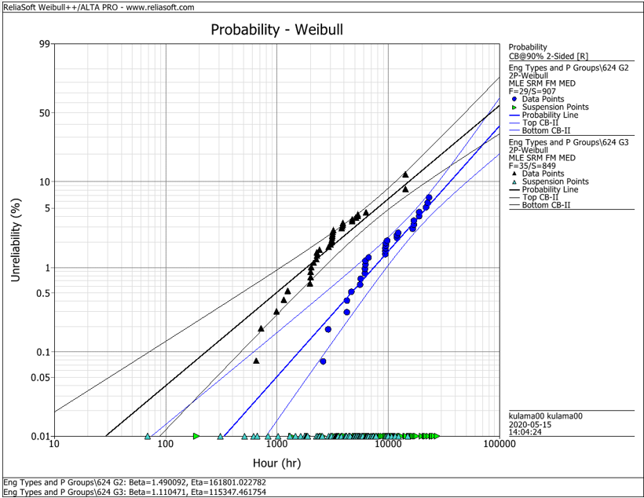
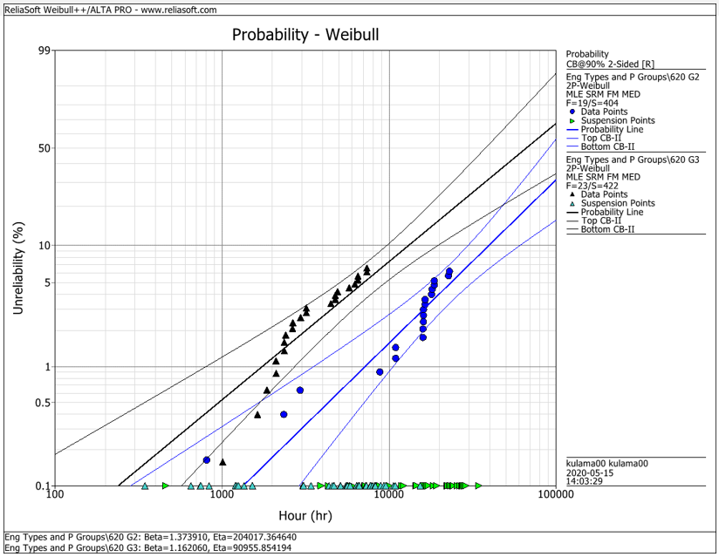
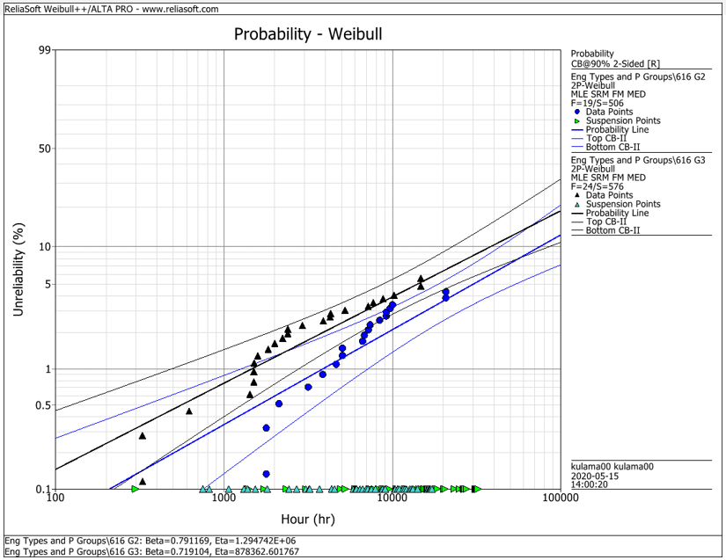
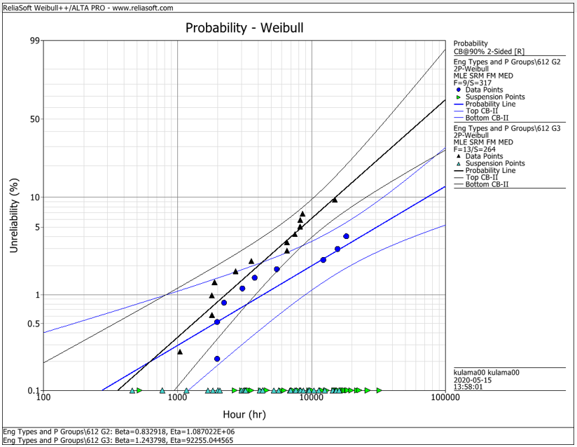
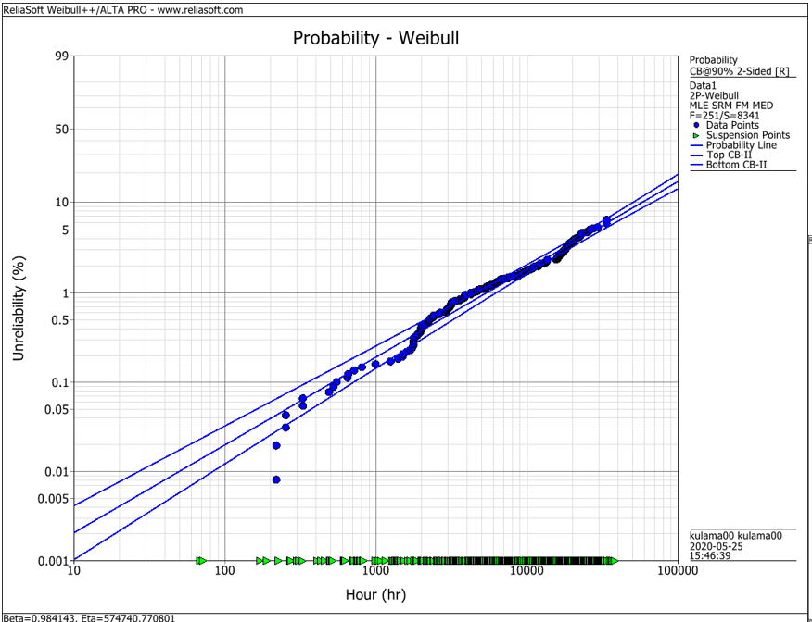
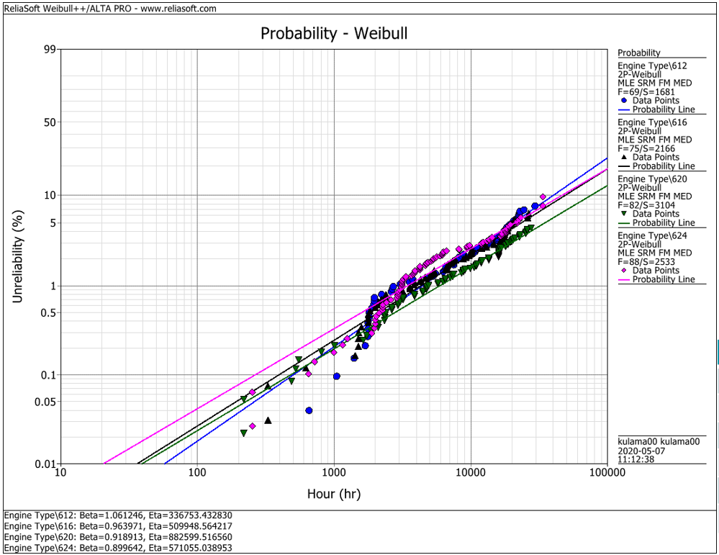
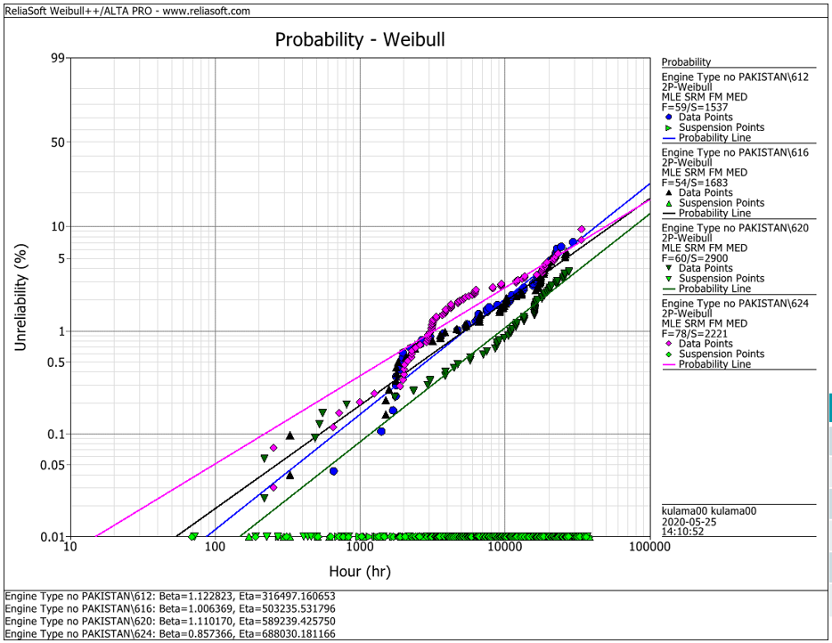
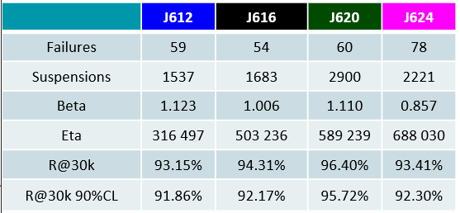
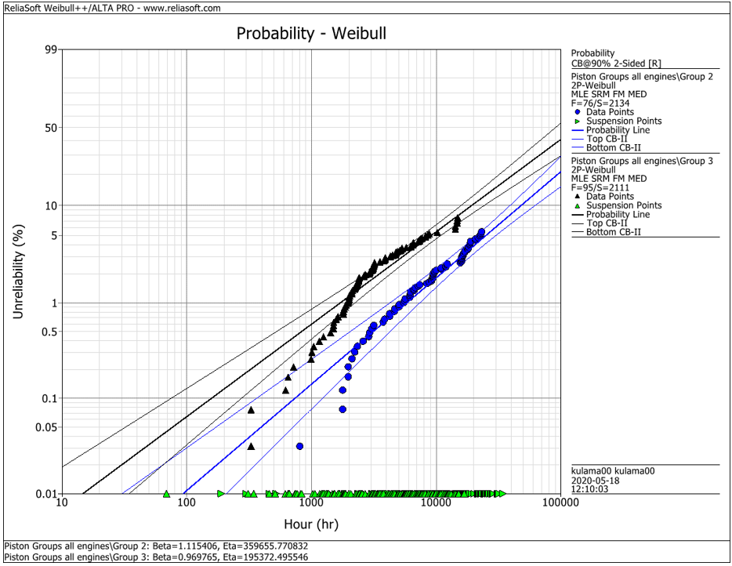
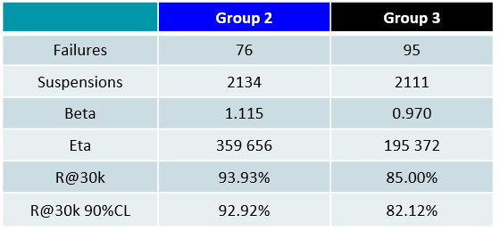
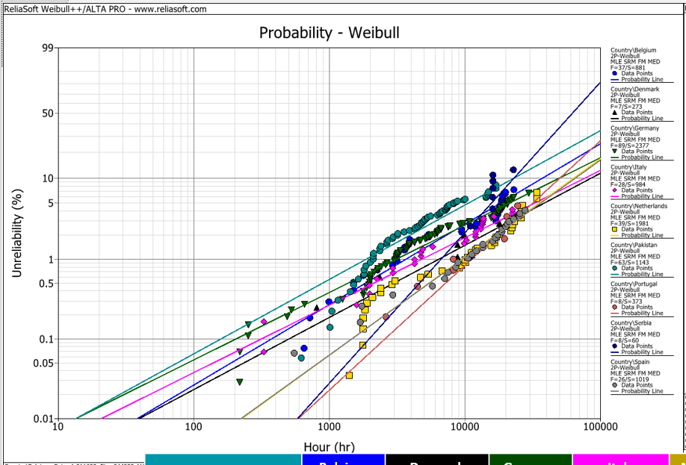
EDC Weibull Comparison
 | beta | R@30k 90%CL
G2 | 0,001 | 92%
G2 | 0,001 | 93%
G2 | 0,001 | 95%
G2 | 0,001 | 95%
G2 | 0,001 | 93%
G3 | 0,001 | 80%
G3 | 0,001 | 75%
G3 | 0,001 | 92%
G3 | 0,001 | 79%
G3 | 0,001 | 82%
all | 0,001 | 94%
all | 0,001 | 91%
all | 0,001 | 93%
all | 0,001 | 95%
all | 0,001 | 92%
all w/o Pak | 0,001 | 92%
all w/o Pak | 0,001 | 92%
all w/o Pak | 0,001 | 96%
all w/o Pak | 0,001 | 93%

 |  | f | s | beta | eta | R@30k 90%CL | Comment
J624 | G2 | 29 | 907 | 1.490 | 161801 | 92.2% | T23 with LKZ OCR
J620 | G2 | 19 | 404 | 1.374 | 204017 | 93.0% | T23 with LKZ OCR
J616 | G2 | 19 | 506 | 0.791 | 1294700 | 95.0% | T23 with LKZ OCR
J612 | G2 | 9 | 317 | 0.830 | 1088700 | 95.0% | T23 with LKZ OCR
J6xx | G2 | 76 | 2134 | 1.115 | 359656 | 92.9% | T23 with LKZ OCR

J624 | G3 | 35 | 849 | 1.110 | 115347 | 80.0% | T23 with flat OCR
J620 | G3 | 23 | 422 | 1.162 | 90955 | 75.0% | T23 with flat OCR
J616 | G3 | 24 | 576 | 0.719 | 878362 | 91.5% | T23 with LKZ OCR
J612 | G3 | 13 | 264 | 1.244 | 92255 | 79.0% | T23 with LKZ OCR
J6xx | G3 | 95 | 2111 | 0.970 | 195372 | 82.1% | T23 with LKZ OCR

J6xx | all | 251 | 8341 | 0.984 | 574741 | 94.2% | Source - cleaned by Maciej 2020-05_25
J612 | all | 69 | 1681 | 1.061 | 336753 | 91.3% | Source - cleaned by Maciej 2020-05_25
J616 | all | 75 | 2166 | 0.964 | 509948 | 92.6% | Source - cleaned by Maciej 2020-05_25
J620 | all | 82 | 3104 | 0.919 | 882599 | 94.9% | Source - cleaned by Maciej 2020-05_25
J624 | all | 88 | 2533 | 0.899 | 571055 | 92.1% | Source - cleaned by Maciej 2020-05_25

J612 | all w/o Pak | 59 | 1537 | 1.123 | 316497 | 91.9% | Source - cleaned by Maciej 2020-05_25
J616 | all w/o Pak | 54 | 1683 | 1.006 | 503236 | 92.2% | Source - cleaned by Maciej 2020-05_25
J620 | all w/o Pak | 60 | 2900 | 1.110 | 589239 | 95.7% | Source - cleaned by Maciej 2020-05_25
J624 | all w/o Pak | 78 | 2221 | 0.857 | 688030 | 93.4% | Source - cleaned by Maciej 2020-05_25

 |  | beta | 1.490 | max
 |  |  | 0.719 | min
 |  |  | 1.038 | mittel
 |  |  | 1.006 | median

