summary
Demonstrated Reliability
 | CLB 90% - 10% |  | CLB 90% - 10% |  | CLB 90% - 10% |  | R1 |  | R2 |  | R3 |  | today |  | R Ref
0 | 82.2% | 0 | 97.0% | 0 | 95.0% | 0 | 0.0% | 0 | 0.0% | 0 | 0.0% | 7632 | 0.00 | 7632 | 90.2%
229 | 82.2% | 229 | 97.0% | 229 | 95.0% | 229 | 0.0% | 229 | 0.0% | 229 | 0.1% | 7632 | 1.00
611 | 82.2% | 611 | 97.0% | 611 | 95.0% | 611 | 0.0% | 611 | 0.0% | 611 | 21.1%
1145 | 82.2% | 1145 | 97.0% | 1145 | 95.0% | 1145 | 7.3% | 1145 | 0.0% | 1145 | 67.1%
1526 | 82.2% | 1526 | 97.0% | 1526 | 95.0% | 1526 | 24.7% | 1526 | 1.0% | 1526 | 80.8%
1908 | 82.2% | 1908 | 97.0% | 1908 | 95.0% | 1908 | 40.9% | 1908 | 5.1% | 1908 | 87.3%
2290 | 77.8% | 2290 | 97.0% | 2290 | 95.0% | 2290 | 54.6% | 2290 | 13.4% | 2290 | 91.2%
2671 | 69.8% | 2671 | 97.0% | 2671 | 95.0% | 2671 | 64.9% | 2671 | 23.8% | 2671 | 93.6%
3053 | 61.3% | 3053 | 97.0% | 3053 | 95.0% | 3053 | 72.2% | 3053 | 33.9% | 3053 | 95.2%
3434 | 52.7% | 3434 | 97.0% | 3434 | 95.0% | 3434 | 77.9% | 3434 | 43.6% | 3434 | 96.3%
3816 | 44.9% | 3816 | 97.0% | 3816 | 95.0% | 3816 | 82.2% | 3816 | 52.2% | 3816 | 97.1%
4198 | 38.0% | 4198 | 97.0% | 4198 | 95.0% | 4198 | 85.6% | 4198 | 59.7% | 4198 | 97.7%
4579 | 32.2% | 4579 | 97.0% | 4579 | 95.0% | 4579 | 88.2% | 4579 | 65.9% | 4579 | 98.1%
4961 | 27.4% | 4961 | 97.0% | 4961 | 95.0% | 4961 | 90.2% | 4961 | 71.1% | 4961 | 98.4%
5342 | 23.3% | 5342 | 97.0% | 5342 | 95.0% | 5342 | 91.9% | 5342 | 75.4% | 5342 | 98.7%
5724 | 19.8% | 5724 | 97.0% | 5724 | 95.0% | 5724 | 93.2% | 5724 | 79.1% | 5724 | 98.9%
6106 | 16.9% | 6106 | 97.0% | 6106 | 95.0% | 6106 | 94.3% | 6106 | 82.2% | 6106 | 99.1%
6487 | 14.4% | 6487 | 97.0% | 6487 | 95.0% | 6487 | 95.2% | 6487 | 84.8% | 6487 | 99.3%
6869 | 12.3% | 6869 | 97.0% | 6869 | 95.0% | 6869 | 95.9% | 6869 | 87.0% | 6869 | 99.4%
7250 | 10.7% | 7250 | 97.0% | 7250 | 95.0% | 7250 | 96.5% | 7250 | 88.8% | 7250 | 99.5%
7632 | 9.3% | 7632 | 97.0% | 7632 | 95.0% | 7632 | 97.0% | 7632 | 90.2% | 7632 | 99.5%
8014 | 8.2% | 8014 | 97.0% | 8014 | 95.0% | 8014 | 97.3% | 8014 | 91.4% | 8014 | 99.6%
8395 | 7.3% | 8395 | 97.0% | 8395 | 95.0% | 8395 | 97.6% | 8395 | 92.4% | 8395 | 99.6%
8777 | 6.5% | 8777 | 97.0% | 8777 | 95.0% | 8777 | 97.9% | 8777 | 93.2% | 8777 | 99.7%
9158 | 5.9% | 9158 | 97.0% | 9158 | 95.0% | 9158 | 98.1% | 9158 | 93.8% | 9158 | 99.7%
9540 | 5.3% | 9540 | 97.0% | 9540 | 95.0% | 9540 | 98.3% | 9540 | 94.4% | 9540 | 99.7%
9922 | 4.9% | 9922 | 97.0% | 9922 | 95.0% | 9922 | 98.4% | 9922 | 94.9% | 9922 | 99.8%
10303 | 4.5% | 10303 | 97.0% | 10303 | 95.0% | 10303 | 98.6% | 10303 | 95.3% | 10303 | 99.8%
10685 | 4.1% | 10685 | 97.0% | 10685 | 95.0% | 10685 | 98.7% | 10685 | 95.7% | 10685 | 99.8%
11066 | 3.8% | 11066 | 97.0% | 11066 | 95.0% | 11066 | 98.8% | 11066 | 96.0% | 11066 | 99.8%
11448 | 3.5% | 11448 | 97.0% | 11448 | 95.0% | 11448 | 98.9% | 11448 | 96.3% | 11448 | 99.8%
11830 | 3.3% | 11830 | 97.0% | 11830 | 95.0% | 11830 | 98.9% | 11830 | 96.5% | 11830 | 99.8%
12211 | 3.1% | 12211 | 97.0% | 12211 | 95.0% | 12211 | 99.0% | 12211 | 96.8% | 12211 | 99.8%
12593 | 2.9% | 12593 | 97.0% | 12593 | 95.0% | 12593 | 99.1% | 12593 | 97.0% | 12593 | 99.9%
12974 | 2.7% | 12974 | 97.0% | 12974 | 95.0% | 12974 | 99.1% | 12974 | 97.1% | 12974 | 99.9%
13356 | 2.6% | 13356 | 97.0% | 13356 | 95.0% | 13356 | 99.2% | 13356 | 97.3% | 13356 | 99.9%
13738 | 2.4% | 13738 | 97.0% | 13738 | 95.0% | 13738 | 99.2% | 13738 | 97.5% | 13738 | 99.9%
14119 | 2.3% | 14119 | 97.0% | 14119 | 95.0% | 14119 | 99.3% | 14119 | 97.6% | 14119 | 99.9%
14501 | 2.2% | 14501 | 97.0% | 14501 | 95.0% | 14501 | 99.3% | 14501 | 97.7% | 14501 | 99.9%
14882 | 2.1% | 14882 | 97.0% | 14882 | 95.0% | 14882 | 99.3% | 14882 | 97.8% | 14882 | 99.9%
15264 | 2.0% | 15264 | 97.0% | 15264 | 95.0% | 15264 | 99.4% | 15264 | 97.9% | 15264 | 99.9%
 |  |  |  |  |  |  | Pn | 1013 | mbar | Tn | 0 | °C | 9.8 | kWh / mn3
Validation Fleet Status |  | Date | 12/21/20 |  |  |  | ETAMOT not fully plausible ?
624 | 18 |  | Cum hours | 75625
620 | 6 |  | Fl Leader | 6237
616 | 7 |  | Avg hours | 2363 |  |  |  |  |  |  |  |  |  | 0
612 | 1 |  | 2000 | 15 |  |  |  |  |  |  |  |  |  | 0
Sum Engines | 32 |  | 4000 | 4 |  |  |  |  |  |  |  |  |  | 0
Sum PU's | 676 |  | 6000 | 2 |  |  |  |  |  |  |  |  |  | 0
 |  |  |  |  |  |  |  |  |  |  |  |  |  | 0
Beta | Running | Available | Not Available | Error |  |  |  |  |  |  |  |  |  | 0
1.400 | 26 | 2 | 4 | 0 |  |  |  |  |  |  |  |  |  | 0
 |  |  |  |  |  |  |  |  |  |  |  |  |  | 0
 | T | CL | BETA | R |  |  |  |  |  |  |  |  |  | 0
R1 | 30000 | 50% | 1.400 | 97.0% |  |  |  |  |  |  |  |  |  | 0
R2 | 30000 | 90% | 1.400 | 90.2% |  |  |  |  |  |  |  |  |  | 0
R3 | 30000 | 10% | 1.400 | 99.5% |  |  |  |  |  |  |  |  |  | 0
 |  |  |  |  |  |  |  |  |  |  |  |  |  | 0
Field Validation Results vs. CTQ's |  |  |  | CTQ |  |  |  |  |  |  |  |  |  | 0
1. R(CL 50%) > 97% @ß = |  | 1.400 | 97.0% | 97% |  |  |  |  |  |  |  |  |  | 0
2. R(CL 90%) > 90% @ß = |  | 1.400 | 90.2% | 90% |  |  |  |  |  |  |  |  |  | 0
3. 4 Engines > 6000 oph |  |  | 2 | 4 |  |  |  |  |  |  |  |  |  | 0
 |  |  |  |  | 1.400 | 1.21 |  |  |  |  |  |  |  | 0
 | BR6 |  | hours s. VS | 7632 | 6237 | 6237 |  |  |  |  |  |  |  | 0
Bohrung [mm] | 190 |  | pess PU F | 12.2% | 228.9 | 228.9 |  |  |  |  |  |  |  | 0
Hub [mm] | 220 |  | pess PU F | 83 | 99.4% |  |  |  |  |  |  |  |  | 0
Validation Fleet oph
 |  |  | Date |  | Date line |  | 2000 |  | 6000 |  | 1386177 |  | 1393153 |  | 1320072 |  | 1184199 |  | 1352268 |  | 1320022 |  | 1250575
2/7/20 | 0 | 12/21/20 | 6237 | 12/21/20 | 0 | 2/7/20 | 2000 | 2/7/20 | 6000 | 2/7/20 | 0 | 2/7/20 | 0 | 2/7/20 | 0 | 2/7/20 | 0 | 2/7/20 | 0 | 2/7/20 | 0 | 2/7/20 | 0
2/16/20 | 229 |  |  | 12/21/20 | 6237 | 11/4/21 | 2000 | 11/4/21 | 6000 | 2/16/20 | 0 | 2/16/20 | 0 | 2/16/20 | 156 | 2/16/20 | 0 | 2/16/20 | 0 | 2/16/20 | 0 | 2/16/20 | 0
3/3/20 | 611 |  |  |  |  |  |  |  |  | 3/3/20 | 31 | 3/3/20 | 0 | 3/3/20 | 415 | 3/3/20 | 0 | 3/3/20 | 0 | 3/3/20 | 0 | 3/3/20 | 0
3/25/20 | 1145 |  |  |  |  |  |  |  |  | 3/25/20 | 503 | 3/25/20 | 60 | 3/25/20 | 778 | 3/25/20 | 0 | 3/25/20 | 0 | 3/25/20 | 0 | 3/25/20 | 0
4/10/20 | 1526 |  |  |  |  |  |  |  |  | 4/10/20 | 840 | 4/10/20 | 415 | 4/10/20 | 1037 | 4/10/20 | 0 | 4/10/20 | 0 | 4/10/20 | 0 | 4/10/20 | 0
4/26/20 | 1908 |  |  |  |  |  |  |  |  | 4/26/20 | 1177 | 4/26/20 | 770 | 4/26/20 | 1297 | 4/26/20 | 0 | 4/26/20 | 0 | 4/26/20 | 0 | 4/26/20 | 0
5/12/20 | 2290 |  |  |  |  |  |  |  |  | 5/12/20 | 1515 | 5/12/20 | 1125 | 5/12/20 | 1556 | 5/12/20 | 321 | 5/12/20 | 131 | 5/12/20 | 0 | 5/12/20 | 0
5/28/20 | 2671 |  |  |  |  |  |  |  |  | 5/28/20 | 1852 | 5/28/20 | 1479 | 5/28/20 | 1815 | 5/28/20 | 653 | 5/28/20 | 379 | 5/28/20 | 0 | 5/28/20 | 0
6/13/20 | 3053 |  |  |  |  |  |  |  |  | 6/13/20 | 2189 | 6/13/20 | 1834 | 6/13/20 | 2074 | 6/13/20 | 984 | 6/13/20 | 627 | 6/13/20 | 90 | 6/13/20 | 0
6/29/20 | 3434 |  |  |  |  |  |  |  |  | 6/29/20 | 2527 | 6/29/20 | 2189 | 6/29/20 | 2334 | 6/29/20 | 1316 | 6/29/20 | 875 | 6/29/20 | 365 | 6/29/20 | 241
7/15/20 | 3816 |  |  |  |  |  |  |  |  | 7/15/20 | 2864 | 7/15/20 | 2544 | 7/15/20 | 2593 | 7/15/20 | 1648 | 7/15/20 | 1123 | 7/15/20 | 640 | 7/15/20 | 513
7/30/20 | 4198 |  |  |  |  |  |  |  |  | 7/30/20 | 3201 | 7/30/20 | 2899 | 7/30/20 | 2852 | 7/30/20 | 1979 | 7/30/20 | 1371 | 7/30/20 | 915 | 7/30/20 | 785
8/15/20 | 4579 |  |  |  |  |  |  |  |  | 8/15/20 | 3539 | 8/15/20 | 3254 | 8/15/20 | 3112 | 8/15/20 | 2311 | 8/15/20 | 1619 | 8/15/20 | 1190 | 8/15/20 | 1057
8/31/20 | 4961 |  |  |  |  |  |  |  |  | 8/31/20 | 3876 | 8/31/20 | 3608 | 8/31/20 | 3371 | 8/31/20 | 2643 | 8/31/20 | 1866 | 8/31/20 | 1465 | 8/31/20 | 1329
9/16/20 | 5342 |  |  |  |  |  |  |  |  | 9/16/20 | 4213 | 9/16/20 | 3963 | 9/16/20 | 3630 | 9/16/20 | 2974 | 9/16/20 | 2114 | 9/16/20 | 1740 | 9/16/20 | 1601
10/2/20 | 5724 |  |  |  |  |  |  |  |  | 10/2/20 | 4550 | 10/2/20 | 4318 | 10/2/20 | 3890 | 10/2/20 | 3306 | 10/2/20 | 2362 | 10/2/20 | 2016 | 10/2/20 | 1873
10/18/20 | 6106 |  |  |  |  |  |  |  |  | 10/18/20 | 4888 | 10/18/20 | 4673 | 10/18/20 | 4149 | 10/18/20 | 3637 | 10/18/20 | 2610 | 10/18/20 | 2291 | 10/18/20 | 2145
11/3/20 | 6487 |  |  |  |  |  |  |  |  | 11/3/20 | 5225 | 11/3/20 | 5028 | 11/3/20 | 4408 | 11/3/20 | 3969 | 11/3/20 | 2858 | 11/3/20 | 2566 | 11/3/20 | 2417
11/19/20 | 6869 |  |  |  |  |  |  |  |  | 11/19/20 | 5562 | 11/19/20 | 5382 | 11/19/20 | 4667 | 11/19/20 | 4301 | 11/19/20 | 3106 | 11/19/20 | 2841 | 11/19/20 | 2689
12/5/20 | 7250 |  |  |  |  |  |  |  |  | 12/5/20 | 5900 | 12/5/20 | 5737 | 12/5/20 | 4927 | 12/5/20 | 4632 | 12/5/20 | 3354 | 12/5/20 | 3116 | 12/5/20 | 2961
12/21/20 | 7632 |  |  |  |  |  |  |  |  | 12/21/20 | 6237 | 12/21/20 | 6092 | 12/21/20 | 5186 | 12/21/20 | 4964 | 12/21/20 | 3602 | 12/21/20 | 3391 | 12/21/20 | 3233
1/5/21 | 8014 |  |  |  |  |  |  |  |  | 1/5/21 | 6574 | 1/5/21 | 6447 | 1/5/21 | 5445 | 1/5/21 | 5296 | 1/5/21 | 3850 | 1/5/21 | 3666 | 1/5/21 | 3505
1/21/21 | 8395 |  |  |  |  |  |  |  |  | 1/21/21 | 6912 | 1/21/21 | 6802 | 1/21/21 | 5705 | 1/21/21 | 5627 | 1/21/21 | 4098 | 1/21/21 | 3941 | 1/21/21 | 3777
2/6/21 | 8777 |  |  |  |  |  |  |  |  | 2/6/21 | 7249 | 2/6/21 | 7156 | 2/6/21 | 5964 | 2/6/21 | 5959 | 2/6/21 | 4346 | 2/6/21 | 4216 | 2/6/21 | 4049
2/22/21 | 9158 |  |  |  |  |  |  |  |  | 2/22/21 | 7586 | 2/22/21 | 7511 | 2/22/21 | 6223 | 2/22/21 | 6291 | 2/22/21 | 4594 | 2/22/21 | 4491 | 2/22/21 | 4321
3/10/21 | 9540 |  |  |  |  |  |  |  |  | 3/10/21 | 7924 | 3/10/21 | 7866 | 3/10/21 | 6483 | 3/10/21 | 6622 | 3/10/21 | 4842 | 3/10/21 | 4766 | 3/10/21 | 4593
3/26/21 | 9922 |  |  |  |  |  |  |  |  | 3/26/21 | 8261 | 3/26/21 | 8221 | 3/26/21 | 6742 | 3/26/21 | 6954 | 3/26/21 | 5090 | 3/26/21 | 5042 | 3/26/21 | 4865
4/11/21 | 10303 |  |  |  |  |  |  |  |  | 4/11/21 | 8598 | 4/11/21 | 8576 | 4/11/21 | 7001 | 4/11/21 | 7285 | 4/11/21 | 5338 | 4/11/21 | 5317 | 4/11/21 | 5137
4/27/21 | 10685 |  |  |  |  |  |  |  |  | 4/27/21 | 8935 | 4/27/21 | 8930 | 4/27/21 | 7260 | 4/27/21 | 7617 | 4/27/21 | 5585 | 4/27/21 | 5592 | 4/27/21 | 5409
5/13/21 | 11066 |  |  |  |  |  |  |  |  | 5/13/21 | 9273 | 5/13/21 | 9285 | 5/13/21 | 7520 | 5/13/21 | 7949 | 5/13/21 | 5833 | 5/13/21 | 5867 | 5/13/21 | 5681
5/29/21 | 11448 |  |  |  |  |  |  |  |  | 5/29/21 | 9610 | 5/29/21 | 9640 | 5/29/21 | 7779 | 5/29/21 | 8280 | 5/29/21 | 6081 | 5/29/21 | 6142 | 5/29/21 | 5953
6/13/21 | 11830 |  |  |  |  |  |  |  |  | 6/13/21 | 9947 | 6/13/21 | 9995 | 6/13/21 | 8038 | 6/13/21 | 8612 | 6/13/21 | 6329 | 6/13/21 | 6417 | 6/13/21 | 6225
6/29/21 | 12211 |  |  |  |  |  |  |  |  | 6/29/21 | 10285 | 6/29/21 | 10350 | 6/29/21 | 8298 | 6/29/21 | 8944 | 6/29/21 | 6577 | 6/29/21 | 6692 | 6/29/21 | 6497
7/15/21 | 12593 |  |  |  |  |  |  |  |  | 7/15/21 | 10622 | 7/15/21 | 10705 | 7/15/21 | 8557 | 7/15/21 | 9275 | 7/15/21 | 6825 | 7/15/21 | 6967 | 7/15/21 | 6769
7/31/21 | 12974 |  |  |  |  |  |  |  |  | 7/31/21 | 10959 | 7/31/21 | 11059 | 7/31/21 | 8816 | 7/31/21 | 9607 | 7/31/21 | 7073 | 7/31/21 | 7242 | 7/31/21 | 7041
8/16/21 | 13356 |  |  |  |  |  |  |  |  | 8/16/21 | 11297 | 8/16/21 | 11414 | 8/16/21 | 9076 | 8/16/21 | 9938 | 8/16/21 | 7321 | 8/16/21 | 7517 | 8/16/21 | 7313
9/1/21 | 13738 |  |  |  |  |  |  |  |  | 9/1/21 | 11634 | 9/1/21 | 11769 | 9/1/21 | 9335 | 9/1/21 | 10270 | 9/1/21 | 7569 | 9/1/21 | 7792 | 9/1/21 | 7585
9/17/21 | 14119 |  |  |  |  |  |  |  |  | 9/17/21 | 11971 | 9/17/21 | 12124 | 9/17/21 | 9594 | 9/17/21 | 10602 | 9/17/21 | 7817 | 9/17/21 | 8067 | 9/17/21 | 7857
10/3/21 | 14501 |  |  |  |  |  |  |  |  | 10/3/21 | 12309 | 10/3/21 | 12479 | 10/3/21 | 9853 | 10/3/21 | 10933 | 10/3/21 | 8065 | 10/3/21 | 8343 | 10/3/21 | 8129
10/19/21 | 14882 |  |  |  |  |  |  |  |  | 10/19/21 | 12646 | 10/19/21 | 12833 | 10/19/21 | 10113 | 10/19/21 | 11265 | 10/19/21 | 8313 | 10/19/21 | 8618 | 10/19/21 | 8401
11/4/21 | 15264 |  |  |  |  |  |  |  |  | 11/4/21 | 12983 | 11/4/21 | 13188 | 11/4/21 | 10372 | 11/4/21 | 11597 | 11/4/21 | 8561 | 11/4/21 | 8893 | 11/4/21 | 8673
VH zyl [dm3] | 6.24 |  | like PU F | 3.0% | 243583 | 1356014.0575 |  |  |  |  |  |  |  | 0
 |  |  | like PU F | 21 | 94.8% |  |  |  |  |  |  |  |  | 0
 |  |  |  |  | 5.19% | 0.15% |  |  |  |  |  |  |  | 0
 |  |  |  |  | 11.88 | 1.0035 |  |  |  |  |  |  |  | 0
Engines | ~ BMP Avg | z | VH [dm3] | etael |  |  |  |  |  |  |  |  |  | 0
624 | 24.2 | 24 | 149.7 | 98.1% |  |  |  |  |  |  |  |  |  | 0
620 | 22.0 | 20 | 124.8 | 98.0% |  |  |  |  |  |  |  |  |  | 0
616 | 22.0 | 16 | 99.8 | 97.6% |  |  |  |  |  |  |  |  |  | 0
612 | 22.0 | 12 | 74.9 | 98.6% |  |  |  |  |  |  |  |  |  | 0
 |  |  |  |  |  |  |  |  |  |  |  |  |  | 0
BMEP Avg | BMEP Min | BMEP Max | NOX | MN | Version | #
24.3 | 24.0 | 24.5 | 500 | 80 | K01 | 3
24.3 | 24.0 | 24.5 | 500 | 80 | H01 | 12
24.0 | 24.0 | 24.0 | 250 | 80 | H02 | 1
 | 0.0 | 0.0 | 500 | 70 | H101 | 0
24.5 | 24.5 | 24.5 | 250 | 70 | H12 | 1
22.0 | 22.0 | 22.0 | 500 | 80 | F01 | 5
22.0 | 22.0 | 22.0 | 500 | 80 | J01 | 2
22.0 | 22.0 | 22.0 | 500 | 70 | J101 | 1
22.0 | 22.0 | 22.0 | 500 | 70 | J11 | 1
22.0 | 22.0 | 22.0 | 500 | 70 | F11 | 1
22.0 | 22.0 | 22.0 | 250 | 70 | F12 | 1
22.0 | 22.0 | 22.0 | 250 | 70 | J12 | 3
22.9 | 22.9 | 22.9 | 500 | 80 | K505 | 1
 |  |  |  |  |  | 32

ndReliaCalc2
 | Data Date | 2020-12-21 07:08:04
 | Val Start | 2020-02-07
 | Val Period (days) | 318
 | Beta (R2) | 1.4

 |  |  |  | 2000h line | 2000 | 2000
 |  |  |  |  | 2019-05-01 | 2021-12-31
 |  |  |  | 6000h line | 6000 | 6000
 |  |  |  |  | 2019-05-01 | 2021-12-31

 |  |  |  |  |  |  |  | R1 failures | 0 | 0 | 0 | 0 | 0 | 0 | 0 | 0 | 0 | 0 | 0 | 0 | 0 | 0 | 0 | 0 | 0 | 0 | 0 | 0 | 0 | 0 | 0 | 0 | 0 | 0 | 0 | 0 | 0 | 0 | 0 | 0 | 0 | 0 | 0 | 0 | 0 | 0 | 0 | 0 | 0
 |  |  |  |  |  |  |  | R2 failures | 0 | 0 | 0 | 0 | 0 | 0 | 0 | 0 | 0 | 0 | 0 | 0 | 0 | 0 | 0 | 0 | 0 | 0 | 0 | 0 | 0 | 0 | 0 | 0 | 0 | 0 | 0 | 0 | 0 | 0 | 0 | 0 | 0 | 0 | 0 | 0 | 0 | 0 | 0 | 0 | 0
 |  |  |  | f1 | 2020-12-11 07:08:04 | 0 | 97% | 308 | 0 | 0 | 0 | 0 | 0 | 0 | 0 | 0 | 0 | 0 | 0 | 0 | 0 | 0 | 0 | 0 | 0 | 0 | 0 | 0 | 0 | 0 | 0 | 0 | 0 | 0 | 0 | 0 | 0 | 0 | 0 | 0 | 0 | 0 | 0 | 0 | 0 | 0 | 0 | 0 | 0
 |  |  |  | f2 | 2021-01-20 07:08:04 | 0 | 109% | 348 | 0 | 0 | 0 | 0 | 0 | 0 | 0 | 0 | 0 | 0 | 0 | 0 | 0 | 0 | 0 | 0 | 0 | 0 | 0 | 0 | 0 | 0 | 0 | 0 | 0 | 0 | 0 | 0 | 0 | 0 | 0 | 0 | 0 | 0 | 0 | 0 | 0 | 0 | 0 | 0 | 0
 |  |  |  | f3 | 2020-11-20 07:08:04 | 0 | 90% | 287 | 0 | 0 | 0 | 0 | 0 | 0 | 0 | 0 | 0 | 0 | 0 | 0 | 0 | 0 | 0 | 0 | 0 | 0 | 0 | 0 | 0 | 0 | 0 | 0 | 0 | 0 | 0 | 0 | 0 | 0 | 0 | 0 | 0 | 0 | 0 | 0 | 0 | 0 | 0 | 0 | 0
 |  |  |  | f4 | 2020-08-19 07:08:04 | 0 | 61% | 194 | 0 | 0 | 0 | 0 | 0 | 0 | 0 | 0 | 0 | 0 | 0 | 0 | 0 | 0 | 0 | 0 | 0 | 0 | 0 | 0 | 0 | 0 | 0 | 0 | 0 | 0 | 0 | 0 | 0 | 0 | 0 | 0 | 0 | 0 | 0 | 0 | 0 | 0 | 0 | 0 | 0
 |  |  |  | f5 | 2021-04-24 07:08:04 | 0 | 139% | 442 | 0 | 0 | 0 | 0 | 0 | 0 | 0 | 0 | 0 | 0 | 0 | 0 | 0 | 0 | 0 | 0 | 0 | 0 | 0 | 0 | 0 | 0 | 0 | 0 | 0 | 0 | 0 | 0 | 0 | 0 | 0 | 0 | 0 | 0 | 0 | 0 | 0 | 0 | 0 | 0 | 0
 |  |  |  | f6 | 2021-06-25 07:08:04 | 0 | 158% | 504 | 0 | 0 | 0 | 0 | 0 | 0 | 0 | 0 | 0 | 0 | 0 | 0 | 0 | 0 | 0 | 0 | 0 | 0 | 0 | 0 | 0 | 0 | 0 | 0 | 0 | 0 | 0 | 0 | 0 | 0 | 0 | 0 | 0 | 0 | 0 | 0 | 0 | 0 | 0 | 0 | 0
 |  |  |  | f7 | 0 | 0 | -13795% | -43868 | 0 | 0 | 0 | 0 | 0 | 0 | 0 | 0 | 0 | 0 | 0 | 0 | 0 | 0 | 0 | 0 | 0 | 0 | 0 | 0 | 0 | 0 | 0 | 0 | 0 | 0 | 0 | 0 | 0 | 0 | 0 | 0 | 0 | 0 | 0 | 0 | 0 | 0 | 0 | 0 | 0
 |  |  |  | f8 | 0 | 0 | -13795% | -43868 | 0 | 0 | 0 | 0 | 0 | 0 | 0 | 0 | 0 | 0 | 0 | 0 | 0 | 0 | 0 | 0 | 0 | 0 | 0 | 0 | 0 | 0 | 0 | 0 | 0 | 0 | 0 | 0 | 0 | 0 | 0 | 0 | 0 | 0 | 0 | 0 | 0 | 0 | 0 | 0 | 0
 |  |  |  | f9 | 0 | 0 | -13795% | -43868 | 0 | 0 | 0 | 0 | 0 | 0 | 0 | 0 | 0 | 0 | 0 | 0 | 0 | 0 | 0 | 0 | 0 | 0 | 0 | 0 | 0 | 0 | 0 | 0 | 0 | 0 | 0 | 0 | 0 | 0 | 0 | 0 | 0 | 0 | 0 | 0 | 0 | 0 | 0 | 0 | 0
 |  |  |  | f10 | 0 | 0 | -13795% | -43868 | 0 | 0 | 0 | 0 | 0 | 0 | 0 | 0 | 0 | 0 | 0 | 0 | 0 | 0 | 0 | 0 | 0 | 0 | 0 | 0 | 0 | 0 | 0 | 0 | 0 | 0 | 0 | 0 | 0 | 0 | 0 | 0 | 0 | 0 | 0 | 0 | 0 | 0 | 0 | 0 | 0
 |  |  |  | f11 | 0 | 0 | -13795% | -43868 | 0 | 0 | 0 | 0 | 0 | 0 | 0 | 0 | 0 | 0 | 0 | 0 | 0 | 0 | 0 | 0 | 0 | 0 | 0 | 0 | 0 | 0 | 0 | 0 | 0 | 0 | 0 | 0 | 0 | 0 | 0 | 0 | 0 | 0 | 0 | 0 | 0 | 0 | 0 | 0 | 0
 |  |  |  | f12 | 0 | 0 | -13795% | -43868 | 0 | 0 | 0 | 0 | 0 | 0 | 0 | 0 | 0 | 0 | 0 | 0 | 0 | 0 | 0 | 0 | 0 | 0 | 0 | 0 | 0 | 0 | 0 | 0 | 0 | 0 | 0 | 0 | 0 | 0 | 0 | 0 | 0 | 0 | 0 | 0 | 0 | 0 | 0 | 0 | 0
 |  |  |  | f13 | 0 | 0 | -13795% | -43868 | 0 | 0 | 0 | 0 | 0 | 0 | 0 | 0 | 0 | 0 | 0 | 0 | 0 | 0 | 0 | 0 | 0 | 0 | 0 | 0 | 0 | 0 | 0 | 0 | 0 | 0 | 0 | 0 | 0 | 0 | 0 | 0 | 0 | 0 | 0 | 0 | 0 | 0 | 0 | 0 | 0
 |  |  |  | f14 | 0 | 0 | -13795% | -43868 | 0 | 0 | 0 | 0 | 0 | 0 | 0 | 0 | 0 | 0 | 0 | 0 | 0 | 0 | 0 | 0 | 0 | 0 | 0 | 0 | 0 | 0 | 0 | 0 | 0 | 0 | 0 | 0 | 0 | 0 | 0 | 0 | 0 | 0 | 0 | 0 | 0 | 0 | 0 | 0 | 0
 |  |  |  | f15 | 0 | 0 | -13795% | -43868 | 0 | 0 | 0 | 0 | 0 | 0 | 0 | 0 | 0 | 0 | 0 | 0 | 0 | 0 | 0 | 0 | 0 | 0 | 0 | 0 | 0 | 0 | 0 | 0 | 0 | 0 | 0 | 0 | 0 | 0 | 0 | 0 | 0 | 0 | 0 | 0 | 0 | 0 | 0 | 0 | 0
 |  |  |  | f16 | 0 | 0 | -13795% | -43868 | 0 | 0 | 0 | 0 | 0 | 0 | 0 | 0 | 0 | 0 | 0 | 0 | 0 | 0 | 0 | 0 | 0 | 0 | 0 | 0 | 0 | 0 | 0 | 0 | 0 | 0 | 0 | 0 | 0 | 0 | 0 | 0 | 0 | 0 | 0 | 0 | 0 | 0 | 0 | 0 | 0
 |  |  |  | f17 | 0 | 0 | -13795% | -43868 | 0 | 0 | 0 | 0 | 0 | 0 | 0 | 0 | 0 | 0 | 0 | 0 | 0 | 0 | 0 | 0 | 0 | 0 | 0 | 0 | 0 | 0 | 0 | 0 | 0 | 0 | 0 | 0 | 0 | 0 | 0 | 0 | 0 | 0 | 0 | 0 | 0 | 0 | 0 | 0 | 0
 |  |  |  | f18 | 0 | 0 | -13795% | -43868 | 0 | 0 | 0 | 0 | 0 | 0 | 0 | 0 | 0 | 0 | 0 | 0 | 0 | 0 | 0 | 0 | 0 | 0 | 0 | 0 | 0 | 0 | 0 | 0 | 0 | 0 | 0 | 0 | 0 | 0 | 0 | 0 | 0 | 0 | 0 | 0 | 0 | 0 | 0 | 0 | 0
 |  |  |  | f19 | 0 | 0 | -13795% | -43868 | 0 | 0 | 0 | 0 | 0 | 0 | 0 | 0 | 0 | 0 | 0 | 0 | 0 | 0 | 0 | 0 | 0 | 0 | 0 | 0 | 0 | 0 | 0 | 0 | 0 | 0 | 0 | 0 | 0 | 0 | 0 | 0 | 0 | 0 | 0 | 0 | 0 | 0 | 0 | 0 | 0
 |  |  |  | f20 | 0 | 0 | -13795% | -43868 | 0 | 0 | 0 | 0 | 0 | 0 | 0 | 0 | 0 | 0 | 0 | 0 | 0 | 0 | 0 | 0 | 0 | 0 | 0 | 0 | 0 | 0 | 0 | 0 | 0 | 0 | 0 | 0 | 0 | 0 | 0 | 0 | 0 | 0 | 0 | 0 | 0 | 0 | 0 | 0 | 0
 |  |  |  | f21 | 0 | 0 | -13795% | -43868 | 0 | 0 | 0 | 0 | 0 | 0 | 0 | 0 | 0 | 0 | 0 | 0 | 0 | 0 | 0 | 0 | 0 | 0 | 0 | 0 | 0 | 0 | 0 | 0 | 0 | 0 | 0 | 0 | 0 | 0 | 0 | 0 | 0 | 0 | 0 | 0 | 0 | 0 | 0 | 0 | 0
 |  |  |  | f22 | 0 | 0 | -13795% | -43868 | 0 | 0 | 0 | 0 | 0 | 0 | 0 | 0 | 0 | 0 | 0 | 0 | 0 | 0 | 0 | 0 | 0 | 0 | 0 | 0 | 0 | 0 | 0 | 0 | 0 | 0 | 0 | 0 | 0 | 0 | 0 | 0 | 0 | 0 | 0 | 0 | 0 | 0 | 0 | 0 | 0
 |  |  |  | f23 | 0 | 0 | -13795% | -43868 | 0 | 0 | 0 | 0 | 0 | 0 | 0 | 0 | 0 | 0 | 0 | 0 | 0 | 0 | 0 | 0 | 0 | 0 | 0 | 0 | 0 | 0 | 0 | 0 | 0 | 0 | 0 | 0 | 0 | 0 | 0 | 0 | 0 | 0 | 0 | 0 | 0 | 0 | 0 | 0 | 0
 |  |  |  | f24 | 0 | 0 | -13795% | -43868 | 0 | 0 | 0 | 0 | 0 | 0 | 0 | 0 | 0 | 0 | 0 | 0 | 0 | 0 | 0 | 0 | 0 | 0 | 0 | 0 | 0 | 0 | 0 | 0 | 0 | 0 | 0 | 0 | 0 | 0 | 0 | 0 | 0 | 0 | 0 | 0 | 0 | 0 | 0 | 0 | 0
 |  |  |  | f25 | 0 | 0 | -13795% | -43868 | 0 | 0 | 0 | 0 | 0 | 0 | 0 | 0 | 0 | 0 | 0 | 0 | 0 | 0 | 0 | 0 | 0 | 0 | 0 | 0 | 0 | 0 | 0 | 0 | 0 | 0 | 0 | 0 | 0 | 0 | 0 | 0 | 0 | 0 | 0 | 0 | 0 | 0 | 0 | 0 | 0 | 0
 |  |  |  |  |  | Sum failures |  |  | 0 | 0 | 0 | 0 | 0 | 0 | 0 | 0 | 0 | 0 | 0 | 0 | 0 | 0 | 0 | 0 | 0 | 0 | 0 | 0 | 0 | 0 | 0 | 0 | 0 | 0 | 0 | 0 | 0 | 0 | 0 | 0 | 0 | 0 | 0 | 0 | 0 | 0 | 0 | 0 | 0
 |  |  |  |  |  | Input |  |  | 0% | 3% | 8% | 15% | 20% | 25% | 30% | 35% | 40% | 45% | 50% | 55% | 60% | 65% | 70% | 75% | 80% | 85% | 90% | 95% | 100% | 105% | 110% | 115% | 120% | 125% | 130% | 135% | 140% | 145% | 150% | 155% | 160% | 165% | 170% | 175% | 180% | 185% | 190% | 195% | 200%
 |  |  |  |  |  | calc % for diagram (failures) |  |  | 0% | 3% | 8% | 15% | 20% | 25% | 30% | 35% | 40% | 45% | 50% | 55% | 60% | 65% | 70% | 75% | 80% | 85% | 90% | 95% | 100% | 105% | 110% | 115% | 120% | 125% | 130% | 135% | 140% | 145% | 150% | 155% | 160% | 165% | 170% | 175% | 180% | 185% | 190% | 195% | 200%
 |  |  |  |  |  | Val test Time % |  |  | 0% | 3% | 8% | 15% | 20% | 25% | 30% | 35% | 40% | 45% | 50% | 55% | 60% | 65% | 70% | 75% | 80% | 85% | 90% | 95% | 100% | 105% | 110% | 115% | 120% | 125% | 130% | 135% | 140% | 145% | 150% | 155% | 160% | 165% | 170% | 175% | 180% | 185% | 190% | 195% | 200%
 |  |  |  |  |  | days |  |  | 0.0 | 9.5 | 25.4 | 47.7 | 63.6 | 79.5 | 95.4 | 111.3 | 127.2 | 143.1 | 159.0 | 174.9 | 190.8 | 206.7 | 222.6 | 238.5 | 254.4 | 270.3 | 286.2 | 302.1 | 318.0 | 333.9 | 349.8 | 365.7 | 381.6 | 397.5 | 413.4 | 429.3 | 445.2 | 461.1 | 477.0 | 492.9 | 508.8 | 524.7 | 540.6 | 556.5 | 572.4 | 588.3 | 604.2 | 620.1 | 636.0
 |  |  |  |  |  |  |  |  | 0.00 | 1.00 |  | R Ref | 90.2% |  | R HRS | 6237
 |  |  |  |  |  |  |  | today | 7632 | 7632 |  | 2020-12-21 | 7632 |  | 2020-12-21 | 7632
 |  |  |  |  |  | CLB 90% - 10% |  |  | 82.2% | 82.2% | 82.2% | 82.2% | 82.2% | 82.2% | 77.8% | 69.8% | 61.3% | 52.7% | 44.9% | 38.0% | 32.2% | 27.4% | 23.3% | 19.8% | 16.9% | 14.4% | 12.3% | 10.7% | 9.3% | 8.2% | 7.3% | 6.5% | 5.9% | 5.3% | 4.9% | 4.5% | 4.1% | 3.8% | 3.5% | 3.3% | 3.1% | 2.9% | 2.7% | 2.6% | 2.4% | 2.3% | 2.2% | 2.1% | 2.0%
 |  |  |  |  |  |  | R | 97.0% | 97.0% | 97.0% | 97.0% | 97.0% | 97.0% | 97.0% | 97.0% | 97.0% | 97.0% | 97.0% | 97.0% | 97.0% | 97.0% | 97.0% | 97.0% | 97.0% | 97.0% | 97.0% | 97.0% | 97.0% | 97.0% | 97.0% | 97.0% | 97.0% | 97.0% | 97.0% | 97.0% | 97.0% | 97.0% | 97.0% | 97.0% | 97.0% | 97.0% | 97.0% | 97.0% | 97.0% | 97.0% | 97.0% | 97.0% | 97.0% | 97.0%
 |  |  |  |  |  |  | R | 95.0% | 95.0% | 95.0% | 95.0% | 95.0% | 95.0% | 95.0% | 95.0% | 95.0% | 95.0% | 95.0% | 95.0% | 95.0% | 95.0% | 95.0% | 95.0% | 95.0% | 95.0% | 95.0% | 95.0% | 95.0% | 95.0% | 95.0% | 95.0% | 95.0% | 95.0% | 95.0% | 95.0% | 95.0% | 95.0% | 95.0% | 95.0% | 95.0% | 95.0% | 95.0% | 95.0% | 95.0% | 95.0% | 95.0% | 95.0% | 95.0% | 95.0%
 |  |  |  |  | failures
 |  |  |  |  | R1 | 30000 | 50% | 1.4 |  | 0.0% | 0.0% | 7.3% | 24.7% | 40.9% | 54.6% | 64.9% | 72.2% | 77.9% | 82.2% | 85.6% | 88.2% | 90.2% | 91.9% | 93.2% | 94.3% | 95.2% | 95.9% | 96.5% | 97.0% | 97.3% | 97.6% | 97.9% | 98.1% | 98.3% | 98.4% | 98.6% | 98.7% | 98.8% | 98.9% | 98.9% | 99.0% | 99.1% | 99.1% | 99.2% | 99.2% | 99.3% | 99.3% | 99.3% | 99.4%
 |  |  |  |  | R2 | 30000 | 90% | 1.4 |  | 0.0% | 0.0% | 0.0% | 1.0% | 5.1% | 13.4% | 23.8% | 33.9% | 43.6% | 52.2% | 59.7% | 65.9% | 71.1% | 75.4% | 79.1% | 82.2% | 84.8% | 87.0% | 88.8% | 90.2% | 91.4% | 92.4% | 93.2% | 93.8% | 94.4% | 94.9% | 95.3% | 95.7% | 96.0% | 96.3% | 96.5% | 96.8% | 97.0% | 97.1% | 97.3% | 97.5% | 97.6% | 97.7% | 97.8% | 97.9%
 |  |  |  |  | R3 | 30000 | 10% | 1.4 |  | 0.1% | 21.1% | 67.1% | 80.8% | 87.3% | 91.2% | 93.6% | 95.2% | 96.3% | 97.1% | 97.7% | 98.1% | 98.4% | 98.7% | 98.9% | 99.1% | 99.3% | 99.4% | 99.5% | 99.5% | 99.6% | 99.6% | 99.7% | 99.7% | 99.7% | 99.8% | 99.8% | 99.8% | 99.8% | 99.8% | 99.8% | 99.8% | 99.9% | 99.9% | 99.9% | 99.9% | 99.9% | 99.9% | 99.9% | 99.9%
 |  |  |  |  | R4 | 30000 | 90% | 1.21 |  | 0.0% | 0.0% | 1.7% | 9.8% | 20.8% | 33.6% | 44.8% | 53.6% | 61.5% | 67.9% | 73.3% | 77.5% | 81.0% | 83.9% | 86.3% | 88.3% | 90.1% | 91.5% | 92.6% | 93.5% | 94.2% | 94.8% | 95.3% | 95.7% | 96.1% | 96.4% | 96.7% | 96.9% | 97.1% | 97.3% | 97.4% | 97.6% | 97.7% | 97.8% | 97.9% | 98.0% | 98.1% | 98.2% | 98.3% | 98.4%
 |  |  |  |  | nL |  |  | 1.21 |  | 24.0 | 28.4 | 46.6 | 58.1 | 65.7 | 75.7 | 83.3 | 87.7 | 94.5 | 102.2 | 111.1 | 120.0 | 130.0 | 141.3 | 153.2 | 166.6 | 182.8 | 198.8 | 214.2 | 228.9 | 242.8 | 255.8 | 267.8 | 278.9 | 289.3 | 298.9 | 307.8 | 316.1 | 323.4 | 330.0 | 336.1 | 341.8 | 347.2 | 352.3 | 357.1 | 361.6 | 365.9 | 369.9 | 373.7 | 377.3
 |  |  |  |  |  |  |  |  | 0 | 229 | 611 | 1145 | 1526 | 1908 | 2290 | 2671 | 3053 | 3434 | 3816 | 4198 | 4579 | 4961 | 5342 | 5724 | 6106 | 6487 | 6869 | 7250 | 7632 | 8014 | 8395 | 8777 | 9158 | 9540 | 9922 | 10303 | 10685 | 11066 | 11448 | 11830 | 12211 | 12593 | 12974 | 13356 | 13738 | 14119 | 14501 | 14882 | 15264
 |  |  |  |  |  |  |  | Date line | 0 | 6237 |  | Date | 6237 |  |  | 2000 | 2000 | 2000 |  | 6000 | 6000 | 6000
 |  |  |  |  |  |  |  |  | 2020-12-21 | 2020-12-21 |  |  | 2020-12-21 |  |  |  | 2020-02-07 | 2021-11-04 |  |  | 2020-02-07 | 2021-11-04
Serial Number | Name | Engine ID | Val Start | Part hrs | parts | h / day | Engine | Version | 2020-02-07 | 2020-02-16 12:57:36 | 2020-03-03 10:33:36 | 2020-03-25 16:48:00 | 2020-04-10 14:24:00 | 2020-04-26 12:00:00 | 2020-05-12 09:36:00 | 2020-05-28 07:12:00 | 2020-06-13 04:48:00 | 2020-06-29 02:24:00 | 2020-07-15 | 2020-07-30 21:36:00 | 2020-08-15 19:12:00 | 2020-08-31 16:48:00 | 2020-09-16 14:24:00 | 2020-10-02 12:00:00 | 2020-10-18 09:36:00 | 2020-11-03 07:12:00 | 2020-11-19 04:48:00 | 2020-12-05 02:24:00 | 2020-12-21 | 2021-01-05 21:36:00 | 2021-01-21 19:12:00 | 2021-02-06 16:48:00 | 2021-02-22 14:24:00 | 2021-03-10 12:00:00 | 2021-03-26 09:36:00 | 2021-04-11 07:12:00 | 2021-04-27 04:48:00 | 2021-05-13 02:24:00 | 2021-05-29 | 2021-06-13 21:36:00 | 2021-06-29 19:12:00 | 2021-07-15 16:48:00 | 2021-07-31 14:24:00 | 2021-08-16 12:00:00 | 2021-09-01 09:36:00 | 2021-09-17 07:12:00 | 2021-10-03 04:48:00 | 2021-10-19 02:24:00 | 2021-11-04
1386177 | ABINSK | M09 | 2020-03-02 | 6237 | 24 | 21.21 | 624 | H01 | 0 | 0 | 31 | 503 | 840 | 1177 | 1515 | 1852 | 2189 | 2527 | 2864 | 3201 | 3539 | 3876 | 4213 | 4550 | 4888 | 5225 | 5562 | 5900 | 6237 | 6574 | 6912 | 7249 | 7586 | 7924 | 8261 | 8598 | 8935 | 9273 | 9610 | 9947 | 10285 | 10622 | 10959 | 11297 | 11634 | 11971 | 12309 | 12646 | 12983
1393153 | BLESSED TEXTILE | M01 | 2020-03-23 | 6092 | 20 | 22.32 | 620 | J101 | 0 | 0 | 0 | 60 | 415 | 770 | 1125 | 1479 | 1834 | 2189 | 2544 | 2899 | 3254 | 3608 | 3963 | 4318 | 4673 | 5028 | 5382 | 5737 | 6092 | 6447 | 6802 | 7156 | 7511 | 7866 | 8221 | 8576 | 8930 | 9285 | 9640 | 9995 | 10350 | 10705 | 11059 | 11414 | 11769 | 12124 | 12479 | 12833 | 13188
1320072 | BMW LANDSHUT 4.10 | M04 | 2020-02-07 | 5186 | 24 | 16.31 | 624 | H01 | 0 | 156 | 415 | 778 | 1037 | 1297 | 1556 | 1815 | 2074 | 2334 | 2593 | 2852 | 3112 | 3371 | 3630 | 3890 | 4149 | 4408 | 4667 | 4927 | 5186 | 5445 | 5705 | 5964 | 6223 | 6483 | 6742 | 7001 | 7260 | 7520 | 7779 | 8038 | 8298 | 8557 | 8816 | 9076 | 9335 | 9594 | 9853 | 10113 | 10372
1184199 | ROCHE PENZBERG KWKK | M01 | 2020-04-27 | 4964 | 24 | 20.86 | 624 | H02 | 0 | 0 | 0 | 0 | 0 | 0 | 321 | 653 | 984 | 1316 | 1648 | 1979 | 2311 | 2643 | 2974 | 3306 | 3637 | 3969 | 4301 | 4632 | 4964 | 5296 | 5627 | 5959 | 6291 | 6622 | 6954 | 7285 | 7617 | 7949 | 8280 | 8612 | 8944 | 9275 | 9607 | 9938 | 10270 | 10602 | 10933 | 11265 | 11597
1352268 | BMW DINGOLFING 2.4 | M06 | 2020-05-04 | 3602 | 24 | 15.59 | 624 | H01 | 0 | 0 | 0 | 0 | 0 | 0 | 131 | 379 | 627 | 875 | 1123 | 1371 | 1619 | 1866 | 2114 | 2362 | 2610 | 2858 | 3106 | 3354 | 3602 | 3850 | 4098 | 4346 | 4594 | 4842 | 5090 | 5338 | 5585 | 5833 | 6081 | 6329 | 6577 | 6825 | 7073 | 7321 | 7569 | 7817 | 8065 | 8313 | 8561
1320022 | BMW MÜNCHEN | M01 | 2020-06-08 | 3391 | 24 | 17.30 | 624 | H01 | 0 | 0 | 0 | 0 | 0 | 0 | 0 | 0 | 90 | 365 | 640 | 915 | 1190 | 1465 | 1740 | 2016 | 2291 | 2566 | 2841 | 3116 | 3391 | 3666 | 3941 | 4216 | 4491 | 4766 | 5042 | 5317 | 5592 | 5867 | 6142 | 6417 | 6692 | 6967 | 7242 | 7517 | 7792 | 8067 | 8343 | 8618 | 8893
1250575 | ABINSK | M01 | 2020-06-15 | 3233 | 24 | 17.11 | 624 | K01 | 0 | 0 | 0 | 0 | 0 | 0 | 0 | 0 | 0 | 241 | 513 | 785 | 1057 | 1329 | 1601 | 1873 | 2145 | 2417 | 2689 | 2961 | 3233 | 3505 | 3777 | 4049 | 4321 | 4593 | 4865 | 5137 | 5409 | 5681 | 5953 | 6225 | 6497 | 6769 | 7041 | 7313 | 7585 | 7857 | 8129 | 8401 | 8673
1386260 | ABINSK | M10 | 2020-07-13 | 3177 | 24 | 19.73 | 624 | H01 | 0 | 0 | 0 | 0 | 0 | 0 | 0 | 0 | 0 | 0 | 39 | 353 | 667 | 981 | 1294 | 1608 | 1922 | 2236 | 2549 | 2863 | 3177 | 3491 | 3805 | 4118 | 4432 | 4746 | 5060 | 5373 | 5687 | 6001 | 6315 | 6628 | 6942 | 7256 | 7570 | 7883 | 8197 | 8511 | 8825 | 9138 | 9452
1320114 | BMW LANDSHUT 4.10 | M03 | 2020-02-24 | 2942 | 24 | 9.77 | 624 | H01 | 0 | 0 | 82 | 300 | 455 | 611 | 766 | 922 | 1077 | 1233 | 1388 | 1543 | 1699 | 1854 | 2010 | 2165 | 2320 | 2476 | 2631 | 2787 | 2942 | 3097 | 3253 | 3408 | 3564 | 3719 | 3874 | 4030 | 4185 | 4341 | 4496 | 4651 | 4807 | 4962 | 5118 | 5273 | 5429 | 5584 | 5739 | 5895 | 6050
1352323 | BMW DINGOLFING 2.4 | M07 | 2020-06-22 | 2984 | 24 | 16.40 | 624 | H01 | 0 | 0 | 0 | 0 | 0 | 0 | 0 | 0 | 0 | 116 | 377 | 638 | 898 | 1159 | 1420 | 1681 | 1941 | 2202 | 2463 | 2723 | 2984 | 3245 | 3505 | 3766 | 4027 | 4287 | 4548 | 4809 | 5070 | 5330 | 5591 | 5852 | 6112 | 6373 | 6634 | 6894 | 7155 | 7416 | 7676 | 7937 | 8198
1243360 | BMW REGENSBURG M3 | M03 | 2020-08-17 | 2502 | 16 | 19.86 | 616 | J01 | 0 | 0 | 0 | 0 | 0 | 0 | 0 | 0 | 0 | 0 | 0 | 0 | 0 | 292 | 608 | 923 | 1239 | 1555 | 1871 | 2186 | 2502 | 2818 | 3133 | 3449 | 3765 | 4081 | 4396 | 4712 | 5028 | 5344 | 5659 | 5975 | 6291 | 6606 | 6922 | 7238 | 7554 | 7869 | 8185 | 8501 | 8817
1319997 | BMW MÜNCHEN | M02 | 2020-08-24 | 2400 | 24 | 20.17 | 624 | H01 | 0 | 0 | 0 | 0 | 0 | 0 | 0 | 0 | 0 | 0 | 0 | 0 | 0 | 155 | 476 | 797 | 1117 | 1438 | 1759 | 2079 | 2400 | 2721 | 3041 | 3362 | 3683 | 4003 | 4324 | 4645 | 4965 | 5286 | 5607 | 5927 | 6248 | 6569 | 6889 | 7210 | 7531 | 7851 | 8172 | 8493 | 8813
1319151 | BMW MÜNCHEN | M01 | 2020-07-06 | 2305 | 20 | 13.72 | 620 | F01 | 0 | 0 | 0 | 0 | 0 | 0 | 0 | 0 | 0 | 0 | 123 | 342 | 560 | 778 | 996 | 1214 | 1432 | 1651 | 1869 | 2087 | 2305 | 2523 | 2741 | 2959 | 3178 | 3396 | 3614 | 3832 | 4050 | 4268 | 4487 | 4705 | 4923 | 5141 | 5359 | 5577 | 5795 | 6014 | 6232 | 6450 | 6668
1320030 | BMW MÜNCHEN | M03 | 2020-08-03 | 2127 | 24 | 15.19 | 624 | H01 | 0 | 0 | 0 | 0 | 0 | 0 | 0 | 0 | 0 | 0 | 0 | 0 | 194 | 436 | 678 | 919 | 1161 | 1402 | 1644 | 1885 | 2127 | 2369 | 2610 | 2852 | 3093 | 3335 | 3576 | 3818 | 4060 | 4301 | 4543 | 4784 | 5026 | 5267 | 5509 | 5750 | 5992 | 6234 | 6475 | 6717 | 6958
1319138 | BMW MÜNCHEN | M02 | 2020-07-20 | 2113 | 20 | 13.72 | 620 | F01 | 0 | 0 | 0 | 0 | 0 | 0 | 0 | 0 | 0 | 0 | 0 | 150 | 368 | 586 | 804 | 1022 | 1240 | 1459 | 1677 | 1895 | 2113 | 2331 | 2549 | 2767 | 2986 | 3204 | 3422 | 3640 | 3858 | 4076 | 4295 | 4513 | 4731 | 4949 | 5167 | 5385 | 5604 | 5822 | 6040 | 6258 | 6476
1319157 | BMW MÜNCHEN | M03 | 2020-08-17 | 1953 | 20 | 15.50 | 620 | F01 | 0 | 0 | 0 | 0 | 0 | 0 | 0 | 0 | 0 | 0 | 0 | 0 | 0 | 228 | 474 | 721 | 967 | 1214 | 1460 | 1707 | 1953 | 2199 | 2446 | 2692 | 2939 | 3185 | 3432 | 3678 | 3925 | 4171 | 4418 | 4664 | 4910 | 5157 | 5403 | 5650 | 5896 | 6143 | 6389 | 6636 | 6882
1319133 | BMW MÜNCHEN | M04 | 2020-08-31 | 1835 | 20 | 16.38 | 620 | F01 | 0 | 0 | 0 | 0 | 0 | 0 | 0 | 0 | 0 | 0 | 0 | 0 | 0 | 11 | 272 | 532 | 793 | 1053 | 1314 | 1574 | 1835 | 2096 | 2356 | 2617 | 2877 | 3138 | 3398 | 3659 | 3919 | 4180 | 4440 | 4701 | 4961 | 5222 | 5482 | 5743 | 6003 | 6264 | 6524 | 6785 | 7045
1243362 | REGENSBURG | M02 | 2020-09-07 | 1892 | 16 | 18.02 | 616 | J01 | 0 | 0 | 0 | 0 | 0 | 0 | 0 | 0 | 0 | 0 | 0 | 0 | 0 | 0 | 173 | 459 | 746 | 1032 | 1319 | 1605 | 1892 | 2179 | 2465 | 2752 | 3038 | 3325 | 3611 | 3898 | 4184 | 4471 | 4757 | 5044 | 5330 | 5617 | 5903 | 6190 | 6476 | 6763 | 7049 | 7336 | 7622
1175579 | REGENSBURG | M05 | 2020-09-14 | 1860 | 16 | 18.98 | 616 | F01 | 0 | 0 | 0 | 0 | 0 | 0 | 0 | 0 | 0 | 0 | 0 | 0 | 0 | 0 | 49 | 351 | 653 | 955 | 1256 | 1558 | 1860 | 2162 | 2464 | 2765 | 3067 | 3369 | 3671 | 3972 | 4274 | 4576 | 4878 | 5180 | 5481 | 5783 | 6085 | 6387 | 6688 | 6990 | 7292 | 7594 | 7896
1415410 | Salmmeir 2 | M02 | 2020-10-02 | 1687 | 24 | 21.09 | 624 | K01 | 0 | 0 | 0 | 0 | 0 | 0 | 0 | 0 | 0 | 0 | 0 | 0 | 0 | 0 | 0 | 11 | 346 | 681 | 1016 | 1352 | 1687 | 2022 | 2358 | 2693 | 3028 | 3363 | 3699 | 4034 | 4369 | 4705 | 5040 | 5375 | 5710 | 6046 | 6381 | 6716 | 7052 | 7387 | 7722 | 8058 | 8393
1145166 | POLYNT - 2 (1145166-T241) --> Sept | M02 | 2020-10-12 | 1593 | 24 | 22.76 | 624 | H01 | 0 | 0 | 0 | 0 | 0 | 0 | 0 | 0 | 0 | 0 | 0 | 0 | 0 | 0 | 0 | 0 | 146 | 507 | 869 | 1231 | 1593 | 1955 | 2317 | 2679 | 3040 | 3402 | 3764 | 4126 | 4488 | 4850 | 5211 | 5573 | 5935 | 6297 | 6659 | 7021 | 7382 | 7744 | 8106 | 8468 | 8830
1250578 | PROSPERITY WEAVING MILLS LTD - 1 (1351388-X243) | M01 | 2020-10-12 | 1577 | 24 | 22.53 | 624 | K505 | 0 | 0 | 0 | 0 | 0 | 0 | 0 | 0 | 0 | 0 | 0 | 0 | 0 | 0 | 0 | 0 | 144 | 502 | 861 | 1219 | 1577 | 1935 | 2293 | 2652 | 3010 | 3368 | 3726 | 4084 | 4443 | 4801 | 5159 | 5517 | 5875 | 6234 | 6592 | 6950 | 7308 | 7666 | 8025 | 8383 | 8741
1198719 | ECOGEN ENERGY SYSTEMS BVBA | M02 | 2020-10-15 | 1536 | 16 | 22.93 | 616 | F12 | 0 | 0 | 0 | 0 | 0 | 0 | 0 | 0 | 0 | 0 | 0 | 0 | 0 | 0 | 0 | 0 | 78 | 442 | 807 | 1171 | 1536 | 1901 | 2265 | 2630 | 2994 | 3359 | 3723 | 4088 | 4452 | 4817 | 5181 | 5546 | 5910 | 6275 | 6639 | 7004 | 7368 | 7733 | 8097 | 8462 | 8826
1345851 | GAZ DE LACQ | M03 | 2020-10-22 | 1394 | 16 | 23.23 | 616 | J12 | 0 | 0 | 0 | 0 | 0 | 0 | 0 | 0 | 0 | 0 | 0 | 0 | 0 | 0 | 0 | 0 | 0 | 286 | 655 | 1025 | 1394 | 1763 | 2133 | 2502 | 2872 | 3241 | 3610 | 3980 | 4349 | 4719 | 5088 | 5458 | 5827 | 6196 | 6566 | 6935 | 7305 | 7674 | 8043 | 8413 | 8782
1415409 | Salmmeir 1 | M01 | 2020-10-21 | 1293 | 24 | 21.20 | 624 | K01 | 0 | 0 | 0 | 0 | 0 | 0 | 0 | 0 | 0 | 0 | 0 | 0 | 0 | 0 | 0 | 0 | 0 | 282 | 619 | 956 | 1293 | 1630 | 1967 | 2304 | 2641 | 2978 | 3315 | 3652 | 3989 | 4326 | 4663 | 5000 | 5337 | 5674 | 6011 | 6348 | 6685 | 7022 | 7360 | 7697 | 8034
1310773 | SOTERNIX RENOVE | M01 | 2020-09-25 | 1220 | 16 | 14.02 | 616 | F11 | 0 | 0 | 0 | 0 | 0 | 0 | 0 | 0 | 0 | 0 | 0 | 0 | 0 | 0 | 0 | 105 | 328 | 551 | 774 | 997 | 1220 | 1443 | 1666 | 1889 | 2112 | 2335 | 2558 | 2781 | 3004 | 3227 | 3450 | 3673 | 3896 | 4119 | 4342 | 4564 | 4787 | 5010 | 5233 | 5456 | 5679
1325927 | LES COURONNERIES | M01 | 2020-09-09 | 1215 | 24 | 11.80 | 624 | H12 | 0 | 0 | 0 | 0 | 0 | 0 | 0 | 0 | 0 | 0 | 0 | 0 | 0 | 0 | 90 | 277 | 465 | 652 | 840 | 1027 | 1215 | 1403 | 1590 | 1778 | 1965 | 2153 | 2340 | 2528 | 2715 | 2903 | 3091 | 3278 | 3466 | 3653 | 3841 | 4028 | 4216 | 4403 | 4591 | 4779 | 4966
1320090 | BMW LANDSHUT M1 | M01 | 2020-10-12 | 1147 | 24 | 16.39 | 624 | H01 | 0 | 0 | 0 | 0 | 0 | 0 | 0 | 0 | 0 | 0 | 0 | 0 | 0 | 0 | 0 | 0 | 105 | 365 | 626 | 886 | 1147 | 1408 | 1668 | 1929 | 2189 | 2450 | 2710 | 2971 | 3231 | 3492 | 3752 | 4013 | 4273 | 4534 | 4794 | 5055 | 5316 | 5576 | 5837 | 6097 | 6358
1364066 | TOM VILLE | M01 | 2020-09-25 | 780 | 20 | 8.97 | 620 | J12 | 0 | 0 | 0 | 0 | 0 | 0 | 0 | 0 | 0 | 0 | 0 | 0 | 0 | 0 | 0 | 67 | 210 | 352 | 495 | 637 | 780 | 923 | 1065 | 1208 | 1350 | 1493 | 1635 | 1778 | 1920 | 2063 | 2206 | 2348 | 2491 | 2633 | 2776 | 2918 | 3061 | 3203 | 3346 | 3488 | 3631
1361965 | FRONERI - FERENTINO | M01 | 2020-11-18 01:00:00 | 692 | 16 | 20.97 | 616 | J11 | 0 | 0 | 0 | 0 | 0 | 0 | 0 | 0 | 0 | 0 | 0 | 0 | 0 | 0 | 0 | 0 | 0 | 0 | 25 | 359 | 692 | 1025 | 1359 | 1692 | 2026 | 2359 | 2693 | 3026 | 3359 | 3693 | 4026 | 4360 | 4693 | 5026 | 5360 | 5693 | 6027 | 6360 | 6694 | 7027 | 7360
1339812 | DALOMA | M01 | 2020-11-02 | 486 | 12 | 9.92 | 612 | J12 | 0 | 0 | 0 | 0 | 0 | 0 | 0 | 0 | 0 | 0 | 0 | 0 | 0 | 0 | 0 | 0 | 0 | 13 | 171 | 328 | 486 | 644 | 801 | 959 | 1117 | 1275 | 1432 | 1590 | 1748 | 1905 | 2063 | 2221 | 2378 | 2536 | 2694 | 2852 | 3009 | 3167 | 3325 | 3482 | 3640
1386147 | ABINSK | M06 | 2020-12-11 | 210 | 24 | 21.00 | 624 | H01 | 0 | 0 | 0 | 0 | 0 | 0 | 0 | 0 | 0 | 0 | 0 | 0 | 0 | 0 | 0 | 0 | 0 | 0 | 0 | 0 | 210 | 544 | 878 | 1212 | 1546 | 1880 | 2213 | 2547 | 2881 | 3215 | 3549 | 3883 | 4217 | 4551 | 4885 | 5219 | 5552 | 5886 | 6220 | 6554 | 6888
0 | 0 | 0 | 0 | 0 | 0 | 0.00 | 0 | 0 | 0 | 0 | 0 | 0 | 0 | 0 | 0 | 0 | 0 | 0 | 0 | 0 | 0 | 0 | 0 | 0 | 0 | 0 | 0 | 0 | 0 | 0 | 0 | 0 | 0 | 0 | 0 | 0 | 0 | 0 | 0 | 0 | 0 | 0 | 0 | 0 | 0 | 0 | 0 | 0 | 0
0 | 0 | 0 | 0 | 0 | 0 | 0.00 | 0 | 0 | 0 | 0 | 0 | 0 | 0 | 0 | 0 | 0 | 0 | 0 | 0 | 0 | 0 | 0 | 0 | 0 | 0 | 0 | 0 | 0 | 0 | 0 | 0 | 0 | 0 | 0 | 0 | 0 | 0 | 0 | 0 | 0 | 0 | 0 | 0 | 0 | 0 | 0 | 0 | 0 | 0
0 | 0 | 0 | 0 | 0 | 0 | 0.00 | 0 | 0 | 0 | 0 | 0 | 0 | 0 | 0 | 0 | 0 | 0 | 0 | 0 | 0 | 0 | 0 | 0 | 0 | 0 | 0 | 0 | 0 | 0 | 0 | 0 | 0 | 0 | 0 | 0 | 0 | 0 | 0 | 0 | 0 | 0 | 0 | 0 | 0 | 0 | 0 | 0 | 0 | 0
0 | 0 | 0 | 0 | 0 | 0 | 0.00 | 0 | 0 | 0 | 0 | 0 | 0 | 0 | 0 | 0 | 0 | 0 | 0 | 0 | 0 | 0 | 0 | 0 | 0 | 0 | 0 | 0 | 0 | 0 | 0 | 0 | 0 | 0 | 0 | 0 | 0 | 0 | 0 | 0 | 0 | 0 | 0 | 0 | 0 | 0 | 0 | 0 | 0 | 0
0 | 0 | 0 | 0 | 0 | 0 | 0.00 | 0 | 0 | 0 | 0 | 0 | 0 | 0 | 0 | 0 | 0 | 0 | 0 | 0 | 0 | 0 | 0 | 0 | 0 | 0 | 0 | 0 | 0 | 0 | 0 | 0 | 0 | 0 | 0 | 0 | 0 | 0 | 0 | 0 | 0 | 0 | 0 | 0 | 0 | 0 | 0 | 0 | 0 | 0
0 | 0 | 0 | 0 | 0 | 0 | 0.00 | 0 | 0 | 0 | 0 | 0 | 0 | 0 | 0 | 0 | 0 | 0 | 0 | 0 | 0 | 0 | 0 | 0 | 0 | 0 | 0 | 0 | 0 | 0 | 0 | 0 | 0 | 0 | 0 | 0 | 0 | 0 | 0 | 0 | 0 | 0 | 0 | 0 | 0 | 0 | 0 | 0 | 0 | 0
0 | 0 | 0 | 0 | 0 | 0 | 0.00 | 0 | 0 | 0 | 0 | 0 | 0 | 0 | 0 | 0 | 0 | 0 | 0 | 0 | 0 | 0 | 0 | 0 | 0 | 0 | 0 | 0 | 0 | 0 | 0 | 0 | 0 | 0 | 0 | 0 | 0 | 0 | 0 | 0 | 0 | 0 | 0 | 0 | 0 | 0 | 0 | 0 | 0 | 0
0 | 0 | 0 | 0 | 0 | 0 | 0.00 | 0 | 0 | 0 | 0 | 0 | 0 | 0 | 0 | 0 | 0 | 0 | 0 | 0 | 0 | 0 | 0 | 0 | 0 | 0 | 0 | 0 | 0 | 0 | 0 | 0 | 0 | 0 | 0 | 0 | 0 | 0 | 0 | 0 | 0 | 0 | 0 | 0 | 0 | 0 | 0 | 0 | 0 | 0
0 | 0 | 0 | 0 | 0 | 0 | 0.00 | 0 | 0 | 0 | 0 | 0 | 0 | 0 | 0 | 0 | 0 | 0 | 0 | 0 | 0 | 0 | 0 | 0 | 0 | 0 | 0 | 0 | 0 | 0 | 0 | 0 | 0 | 0 | 0 | 0 | 0 | 0 | 0 | 0 | 0 | 0 | 0 | 0 | 0 | 0 | 0 | 0 | 0 | 0
0 | 0 | 0 | 0 | 0 | 0 | 0.00 | 0 | 0 | 0 | 0 | 0 | 0 | 0 | 0 | 0 | 0 | 0 | 0 | 0 | 0 | 0 | 0 | 0 | 0 | 0 | 0 | 0 | 0 | 0 | 0 | 0 | 0 | 0 | 0 | 0 | 0 | 0 | 0 | 0 | 0 | 0 | 0 | 0 | 0 | 0 | 0 | 0 | 0 | 0
0 | 0 | 0 | 0 | 0 | 0 | 0.00 | 0 | 0 | 0 | 0 | 0 | 0 | 0 | 0 | 0 | 0 | 0 | 0 | 0 | 0 | 0 | 0 | 0 | 0 | 0 | 0 | 0 | 0 | 0 | 0 | 0 | 0 | 0 | 0 | 0 | 0 | 0 | 0 | 0 | 0 | 0 | 0 | 0 | 0 | 0 | 0 | 0 | 0 | 0
0 | 0 | 0 | 0 | 0 | 0 | 0.00 | 0 | 0 | 0 | 0 | 0 | 0 | 0 | 0 | 0 | 0 | 0 | 0 | 0 | 0 | 0 | 0 | 0 | 0 | 0 | 0 | 0 | 0 | 0 | 0 | 0 | 0 | 0 | 0 | 0 | 0 | 0 | 0 | 0 | 0 | 0 | 0 | 0 | 0 | 0 | 0 | 0 | 0 | 0
0 | 0 | 0 | 0 | 0 | 0 | 0.00 | 0 | 0 | 0 | 0 | 0 | 0 | 0 | 0 | 0 | 0 | 0 | 0 | 0 | 0 | 0 | 0 | 0 | 0 | 0 | 0 | 0 | 0 | 0 | 0 | 0 | 0 | 0 | 0 | 0 | 0 | 0 | 0 | 0 | 0 | 0 | 0 | 0 | 0 | 0 | 0 | 0 | 0 | 0
0 | 0 | 0 | 0 | 0 | 0 | 0.00 | 0 | 0 | 0 | 0 | 0 | 0 | 0 | 0 | 0 | 0 | 0 | 0 | 0 | 0 | 0 | 0 | 0 | 0 | 0 | 0 | 0 | 0 | 0 | 0 | 0 | 0 | 0 | 0 | 0 | 0 | 0 | 0 | 0 | 0 | 0 | 0 | 0 | 0 | 0 | 0 | 0 | 0 | 0
0 | 0 | 0 | 0 | 0 | 0 | 0.00 | 0 | 0 | 0 | 0 | 0 | 0 | 0 | 0 | 0 | 0 | 0 | 0 | 0 | 0 | 0 | 0 | 0 | 0 | 0 | 0 | 0 | 0 | 0 | 0 | 0 | 0 | 0 | 0 | 0 | 0 | 0 | 0 | 0 | 0 | 0 | 0 | 0 | 0 | 0 | 0 | 0 | 0 | 0
0 | 0 | 0 | 0 | 0 | 0 | 0.00 | 0 | 0 | 0 | 0 | 0 | 0 | 0 | 0 | 0 | 0 | 0 | 0 | 0 | 0 | 0 | 0 | 0 | 0 | 0 | 0 | 0 | 0 | 0 | 0 | 0 | 0 | 0 | 0 | 0 | 0 | 0 | 0 | 0 | 0 | 0 | 0 | 0 | 0 | 0 | 0 | 0 | 0 | 0
0 | 0 | 0 | 0 | 0 | 0 | 0.00 | 0 | 0 | 0 | 0 | 0 | 0 | 0 | 0 | 0 | 0 | 0 | 0 | 0 | 0 | 0 | 0 | 0 | 0 | 0 | 0 | 0 | 0 | 0 | 0 | 0 | 0 | 0 | 0 | 0 | 0 | 0 | 0 | 0 | 0 | 0 | 0 | 0 | 0 | 0 | 0 | 0 | 0 | 0
0 | 0 | 0 | 0 | 0 | 0 | 0.00 | 0 | 0 | 0 | 0 | 0 | 0 | 0 | 0 | 0 | 0 | 0 | 0 | 0 | 0 | 0 | 0 | 0 | 0 | 0 | 0 | 0 | 0 | 0 | 0 | 0 | 0 | 0 | 0 | 0 | 0 | 0 | 0 | 0 | 0 | 0 | 0 | 0 | 0 | 0 | 0 | 0 | 0 | 0
0 | 0 | 0 | 0 | 0 | 0 | 0.00 | 0 | 0 | 0 | 0 | 0 | 0 | 0 | 0 | 0 | 0 | 0 | 0 | 0 | 0 | 0 | 0 | 0 | 0 | 0 | 0 | 0 | 0 | 0 | 0 | 0 | 0 | 0 | 0 | 0 | 0 | 0 | 0 | 0 | 0 | 0 | 0 | 0 | 0 | 0 | 0 | 0 | 0 | 0
0 | 0 | 0 | 0 | 0 | 0 | 0.00 | 0 | 0 | 0 | 0 | 0 | 0 | 0 | 0 | 0 | 0 | 0 | 0 | 0 | 0 | 0 | 0 | 0 | 0 | 0 | 0 | 0 | 0 | 0 | 0 | 0 | 0 | 0 | 0 | 0 | 0 | 0 | 0 | 0 | 0 | 0 | 0 | 0 | 0 | 0 | 0 | 0 | 0 | 0
0 | 0 | 0 | 0 | 0 | 0 | 0.00 | 0 | 0 | 0 | 0 | 0 | 0 | 0 | 0 | 0 | 0 | 0 | 0 | 0 | 0 | 0 | 0 | 0 | 0 | 0 | 0 | 0 | 0 | 0 | 0 | 0 | 0 | 0 | 0 | 0 | 0 | 0 | 0 | 0 | 0 | 0 | 0 | 0 | 0 | 0 | 0 | 0 | 0 | 0
0 | 0 | 0 | 0 | 0 | 0 | 0.00 | 0 | 0 | 0 | 0 | 0 | 0 | 0 | 0 | 0 | 0 | 0 | 0 | 0 | 0 | 0 | 0 | 0 | 0 | 0 | 0 | 0 | 0 | 0 | 0 | 0 | 0 | 0 | 0 | 0 | 0 | 0 | 0 | 0 | 0 | 0 | 0 | 0 | 0 | 0 | 0 | 0 | 0 | 0
0 | 0 | 0 | 0 | 0 | 0 | 0.00 | 0 | 0 | 0 | 0 | 0 | 0 | 0 | 0 | 0 | 0 | 0 | 0 | 0 | 0 | 0 | 0 | 0 | 0 | 0 | 0 | 0 | 0 | 0 | 0 | 0 | 0 | 0 | 0 | 0 | 0 | 0 | 0 | 0 | 0 | 0 | 0 | 0 | 0 | 0 | 0 | 0 | 0 | 0
0 | 0 | 0 | 0 | 0 | 0 | 0.00 | 0 | 0 | 0 | 0 | 0 | 0 | 0 | 0 | 0 | 0 | 0 | 0 | 0 | 0 | 0 | 0 | 0 | 0 | 0 | 0 | 0 | 0 | 0 | 0 | 0 | 0 | 0 | 0 | 0 | 0 | 0 | 0 | 0 | 0 | 0 | 0 | 0 | 0 | 0 | 0 | 0 | 0 | 0
0 | 0 | 0 | 0 | 0 | 0 | 0.00 | 0 | 0 | 0 | 0 | 0 | 0 | 0 | 0 | 0 | 0 | 0 | 0 | 0 | 0 | 0 | 0 | 0 | 0 | 0 | 0 | 0 | 0 | 0 | 0 | 0 | 0 | 0 | 0 | 0 | 0 | 0 | 0 | 0 | 0 | 0 | 0 | 0 | 0 | 0 | 0 | 0 | 0 | 0
0 | 0 | 0 | 0 | 0 | 0 | 0.00 | 0 | 0 | 0 | 0 | 0 | 0 | 0 | 0 | 0 | 0 | 0 | 0 | 0 | 0 | 0 | 0 | 0 | 0 | 0 | 0 | 0 | 0 | 0 | 0 | 0 | 0 | 0 | 0 | 0 | 0 | 0 | 0 | 0 | 0 | 0 | 0 | 0 | 0 | 0 | 0 | 0 | 0 | 0
0 | 0 | 0 | 0 | 0 | 0 | 0.00 | 0 | 0 | 0 | 0 | 0 | 0 | 0 | 0 | 0 | 0 | 0 | 0 | 0 | 0 | 0 | 0 | 0 | 0 | 0 | 0 | 0 | 0 | 0 | 0 | 0 | 0 | 0 | 0 | 0 | 0 | 0 | 0 | 0 | 0 | 0 | 0 | 0 | 0 | 0 | 0 | 0 | 0 | 0
0 | 0 | 0 | 0 | 0 | 0 | 0.00 | 0 | 0 | 0 | 0 | 0 | 0 | 0 | 0 | 0 | 0 | 0 | 0 | 0 | 0 | 0 | 0 | 0 | 0 | 0 | 0 | 0 | 0 | 0 | 0 | 0 | 0 | 0 | 0 | 0 | 0 | 0 | 0 | 0 | 0 | 0 | 0 | 0 | 0 | 0 | 0 | 0 | 0 | 0
0 | 0 | 0 | 0 | 0 | 0 | 0.00 | 0 | 0 | 0 | 0 | 0 | 0 | 0 | 0 | 0 | 0 | 0 | 0 | 0 | 0 | 0 | 0 | 0 | 0 | 0 | 0 | 0 | 0 | 0 | 0 | 0 | 0 | 0 | 0 | 0 | 0 | 0 | 0 | 0 | 0 | 0 | 0 | 0 | 0 | 0 | 0 | 0 | 0 | 0
0 | 0 | 0 | 0 | 0 | 0 | 0.00 | 0 | 0 | 0 | 0 | 0 | 0 | 0 | 0 | 0 | 0 | 0 | 0 | 0 | 0 | 0 | 0 | 0 | 0 | 0 | 0 | 0 | 0 | 0 | 0 | 0 | 0 | 0 | 0 | 0 | 0 | 0 | 0 | 0 | 0 | 0 | 0 | 0 | 0 | 0 | 0 | 0 | 0 | 0
0 | 0 | 0 | 0 | 0 | 0 | 0.00 | 0 | 0 | 0 | 0 | 0 | 0 | 0 | 0 | 0 | 0 | 0 | 0 | 0 | 0 | 0 | 0 | 0 | 0 | 0 | 0 | 0 | 0 | 0 | 0 | 0 | 0 | 0 | 0 | 0 | 0 | 0 | 0 | 0 | 0 | 0 | 0 | 0 | 0 | 0 | 0 | 0 | 0 | 0
0 | 0 | 0 | 0 | 0 | 0 | 0.00 | 0 | 0 | 0 | 0 | 0 | 0 | 0 | 0 | 0 | 0 | 0 | 0 | 0 | 0 | 0 | 0 | 0 | 0 | 0 | 0 | 0 | 0 | 0 | 0 | 0 | 0 | 0 | 0 | 0 | 0 | 0 | 0 | 0 | 0 | 0 | 0 | 0 | 0 | 0 | 0 | 0 | 0 | 0
0 | 0 | 0 | 0 | 0 | 0 | 0.00 | 0 | 0 | 0 | 0 | 0 | 0 | 0 | 0 | 0 | 0 | 0 | 0 | 0 | 0 | 0 | 0 | 0 | 0 | 0 | 0 | 0 | 0 | 0 | 0 | 0 | 0 | 0 | 0 | 0 | 0 | 0 | 0 | 0 | 0 | 0 | 0 | 0 | 0 | 0 | 0 | 0 | 0 | 0
0 | 0 | 0 | 0 | 0 | 0 | 0.00 | 0 | 0 | 0 | 0 | 0 | 0 | 0 | 0 | 0 | 0 | 0 | 0 | 0 | 0 | 0 | 0 | 0 | 0 | 0 | 0 | 0 | 0 | 0 | 0 | 0 | 0 | 0 | 0 | 0 | 0 | 0 | 0 | 0 | 0 | 0 | 0 | 0 | 0 | 0 | 0 | 0 | 0 | 0
0 | 0 | 0 | 0 | 0 | 0 | 0.00 | 0 | 0 | 0 | 0 | 0 | 0 | 0 | 0 | 0 | 0 | 0 | 0 | 0 | 0 | 0 | 0 | 0 | 0 | 0 | 0 | 0 | 0 | 0 | 0 | 0 | 0 | 0 | 0 | 0 | 0 | 0 | 0 | 0 | 0 | 0 | 0 | 0 | 0 | 0 | 0 | 0 | 0 | 0
0 | 0 | 0 | 0 | 0 | 0 | 0.00 | 0 | 0 | 0 | 0 | 0 | 0 | 0 | 0 | 0 | 0 | 0 | 0 | 0 | 0 | 0 | 0 | 0 | 0 | 0 | 0 | 0 | 0 | 0 | 0 | 0 | 0 | 0 | 0 | 0 | 0 | 0 | 0 | 0 | 0 | 0 | 0 | 0 | 0 | 0 | 0 | 0 | 0 | 0
0 | 0 | 0 | 0 | 0 | 0 | 0.00 | 0 | 0 | 0 | 0 | 0 | 0 | 0 | 0 | 0 | 0 | 0 | 0 | 0 | 0 | 0 | 0 | 0 | 0 | 0 | 0 | 0 | 0 | 0 | 0 | 0 | 0 | 0 | 0 | 0 | 0 | 0 | 0 | 0 | 0 | 0 | 0 | 0 | 0 | 0 | 0 | 0 | 0 | 0
0 | 0 | 0 | 0 | 0 | 0 | 0.00 | 0 | 0 | 0 | 0 | 0 | 0 | 0 | 0 | 0 | 0 | 0 | 0 | 0 | 0 | 0 | 0 | 0 | 0 | 0 | 0 | 0 | 0 | 0 | 0 | 0 | 0 | 0 | 0 | 0 | 0 | 0 | 0 | 0 | 0 | 0 | 0 | 0 | 0 | 0 | 0 | 0 | 0 | 0
0 | 0 | 0 | 0 | 0 | 0 | 0.00 | 0 | 0 | 0 | 0 | 0 | 0 | 0 | 0 | 0 | 0 | 0 | 0 | 0 | 0 | 0 | 0 | 0 | 0 | 0 | 0 | 0 | 0 | 0 | 0 | 0 | 0 | 0 | 0 | 0 | 0 | 0 | 0 | 0 | 0 | 0 | 0 | 0 | 0 | 0 | 0 | 0 | 0 | 0
0 | 0 | 0 | 0 | 0 | 0 | 0.00 | 0 | 0 | 0 | 0 | 0 | 0 | 0 | 0 | 0 | 0 | 0 | 0 | 0 | 0 | 0 | 0 | 0 | 0 | 0 | 0 | 0 | 0 | 0 | 0 | 0 | 0 | 0 | 0 | 0 | 0 | 0 | 0 | 0 | 0 | 0 | 0 | 0 | 0 | 0 | 0 | 0 | 0 | 0
0 | 0 | 0 | 0 | 0 | 0 | 0.00 | 0 | 0 | 0 | 0 | 0 | 0 | 0 | 0 | 0 | 0 | 0 | 0 | 0 | 0 | 0 | 0 | 0 | 0 | 0 | 0 | 0 | 0 | 0 | 0 | 0 | 0 | 0 | 0 | 0 | 0 | 0 | 0 | 0 | 0 | 0 | 0 | 0 | 0 | 0 | 0 | 0 | 0 | 0
0 | 0 | 0 | 0 | 0 | 0 | 0.00 | 0 | 0 | 0 | 0 | 0 | 0 | 0 | 0 | 0 | 0 | 0 | 0 | 0 | 0 | 0 | 0 | 0 | 0 | 0 | 0 | 0 | 0 | 0 | 0 | 0 | 0 | 0 | 0 | 0 | 0 | 0 | 0 | 0 | 0 | 0 | 0 | 0 | 0 | 0 | 0 | 0 | 0 | 0
0 | 0 | 0 | 0 | 0 | 0 | 0.00 | 0 | 0 | 0 | 0 | 0 | 0 | 0 | 0 | 0 | 0 | 0 | 0 | 0 | 0 | 0 | 0 | 0 | 0 | 0 | 0 | 0 | 0 | 0 | 0 | 0 | 0 | 0 | 0 | 0 | 0 | 0 | 0 | 0 | 0 | 0 | 0 | 0 | 0 | 0 | 0 | 0 | 0 | 0
0 | 0 | 0 | 0 | 0 | 0 | 0.00 | 0 | 0 | 0 | 0 | 0 | 0 | 0 | 0 | 0 | 0 | 0 | 0 | 0 | 0 | 0 | 0 | 0 | 0 | 0 | 0 | 0 | 0 | 0 | 0 | 0 | 0 | 0 | 0 | 0 | 0 | 0 | 0 | 0 | 0 | 0 | 0 | 0 | 0 | 0 | 0 | 0 | 0 | 0
0 | 0 | 0 | 0 | 0 | 0 | 0.00 | 0 | 0 | 0 | 0 | 0 | 0 | 0 | 0 | 0 | 0 | 0 | 0 | 0 | 0 | 0 | 0 | 0 | 0 | 0 | 0 | 0 | 0 | 0 | 0 | 0 | 0 | 0 | 0 | 0 | 0 | 0 | 0 | 0 | 0 | 0 | 0 | 0 | 0 | 0 | 0 | 0 | 0 | 0
0 | 0 | 0 | 0 | 0 | 0 | 0.00 | 0 | 0 | 0 | 0 | 0 | 0 | 0 | 0 | 0 | 0 | 0 | 0 | 0 | 0 | 0 | 0 | 0 | 0 | 0 | 0 | 0 | 0 | 0 | 0 | 0 | 0 | 0 | 0 | 0 | 0 | 0 | 0 | 0 | 0 | 0 | 0 | 0 | 0 | 0 | 0 | 0 | 0 | 0
0 | 0 | 0 | 0 | 0 | 0 | 0.00 | 0 | 0 | 0 | 0 | 0 | 0 | 0 | 0 | 0 | 0 | 0 | 0 | 0 | 0 | 0 | 0 | 0 | 0 | 0 | 0 | 0 | 0 | 0 | 0 | 0 | 0 | 0 | 0 | 0 | 0 | 0 | 0 | 0 | 0 | 0 | 0 | 0 | 0 | 0 | 0 | 0 | 0 | 0
0 | 0 | 0 | 0 | 0 | 0 | 0.00 | 0 | 0 | 0 | 0 | 0 | 0 | 0 | 0 | 0 | 0 | 0 | 0 | 0 | 0 | 0 | 0 | 0 | 0 | 0 | 0 | 0 | 0 | 0 | 0 | 0 | 0 | 0 | 0 | 0 | 0 | 0 | 0 | 0 | 0 | 0 | 0 | 0 | 0 | 0 | 0 | 0 | 0 | 0
0 | 0 | 0 | 0 | 0 | 0 | 0.00 | 0 | 0 | 0 | 0 | 0 | 0 | 0 | 0 | 0 | 0 | 0 | 0 | 0 | 0 | 0 | 0 | 0 | 0 | 0 | 0 | 0 | 0 | 0 | 0 | 0 | 0 | 0 | 0 | 0 | 0 | 0 | 0 | 0 | 0 | 0 | 0 | 0 | 0 | 0 | 0 | 0 | 0 | 0
0 | 0 | 0 | 0 | 0 | 0 | 0.00 | 0 | 0 | 0 | 0 | 0 | 0 | 0 | 0 | 0 | 0 | 0 | 0 | 0 | 0 | 0 | 0 | 0 | 0 | 0 | 0 | 0 | 0 | 0 | 0 | 0 | 0 | 0 | 0 | 0 | 0 | 0 | 0 | 0 | 0 | 0 | 0 | 0 | 0 | 0 | 0 | 0 | 0 | 0
0 | 0 | 0 | 0 | 0 | 0 | 0.00 | 0 | 0 | 0 | 0 | 0 | 0 | 0 | 0 | 0 | 0 | 0 | 0 | 0 | 0 | 0 | 0 | 0 | 0 | 0 | 0 | 0 | 0 | 0 | 0 | 0 | 0 | 0 | 0 | 0 | 0 | 0 | 0 | 0 | 0 | 0 | 0 | 0 | 0 | 0 | 0 | 0 | 0 | 0
0 | 0 | 0 | 0 | 0 | 0 | 0.00 | 0 | 0 | 0 | 0 | 0 | 0 | 0 | 0 | 0 | 0 | 0 | 0 | 0 | 0 | 0 | 0 | 0 | 0 | 0 | 0 | 0 | 0 | 0 | 0 | 0 | 0 | 0 | 0 | 0 | 0 | 0 | 0 | 0 | 0 | 0 | 0 | 0 | 0 | 0 | 0 | 0 | 0 | 0
0 | 0 | 0 | 0 | 0 | 0 | 0.00 | 0 | 0 | 0 | 0 | 0 | 0 | 0 | 0 | 0 | 0 | 0 | 0 | 0 | 0 | 0 | 0 | 0 | 0 | 0 | 0 | 0 | 0 | 0 | 0 | 0 | 0 | 0 | 0 | 0 | 0 | 0 | 0 | 0 | 0 | 0 | 0 | 0 | 0 | 0 | 0 | 0 | 0 | 0
0 | 0 | 0 | 0 | 0 | 0 | 0.00 | 0 | 0 | 0 | 0 | 0 | 0 | 0 | 0 | 0 | 0 | 0 | 0 | 0 | 0 | 0 | 0 | 0 | 0 | 0 | 0 | 0 | 0 | 0 | 0 | 0 | 0 | 0 | 0 | 0 | 0 | 0 | 0 | 0 | 0 | 0 | 0 | 0 | 0 | 0 | 0 | 0 | 0 | 0
0 | 0 | 0 | 0 | 0 | 0 | 0.00 | 0 | 0 | 0 | 0 | 0 | 0 | 0 | 0 | 0 | 0 | 0 | 0 | 0 | 0 | 0 | 0 | 0 | 0 | 0 | 0 | 0 | 0 | 0 | 0 | 0 | 0 | 0 | 0 | 0 | 0 | 0 | 0 | 0 | 0 | 0 | 0 | 0 | 0 | 0 | 0 | 0 | 0 | 0
0 | 0 | 0 | 0 | 0 | 0 | 0.00 | 0 | 0 | 0 | 0 | 0 | 0 | 0 | 0 | 0 | 0 | 0 | 0 | 0 | 0 | 0 | 0 | 0 | 0 | 0 | 0 | 0 | 0 | 0 | 0 | 0 | 0 | 0 | 0 | 0 | 0 | 0 | 0 | 0 | 0 | 0 | 0 | 0 | 0 | 0 | 0 | 0 | 0 | 0
0 | 0 | 0 | 0 | 0 | 0 | 0.00 | 0 | 0 | 0 | 0 | 0 | 0 | 0 | 0 | 0 | 0 | 0 | 0 | 0 | 0 | 0 | 0 | 0 | 0 | 0 | 0 | 0 | 0 | 0 | 0 | 0 | 0 | 0 | 0 | 0 | 0 | 0 | 0 | 0 | 0 | 0 | 0 | 0 | 0 | 0 | 0 | 0 | 0 | 0
0 | 0 | 0 | 0 | 0 | 0 | 0.00 | 0 | 0 | 0 | 0 | 0 | 0 | 0 | 0 | 0 | 0 | 0 | 0 | 0 | 0 | 0 | 0 | 0 | 0 | 0 | 0 | 0 | 0 | 0 | 0 | 0 | 0 | 0 | 0 | 0 | 0 | 0 | 0 | 0 | 0 | 0 | 0 | 0 | 0 | 0 | 0 | 0 | 0 | 0
0 | 0 | 0 | 0 | 0 | 0 | 0.00 | 0 | 0 | 0 | 0 | 0 | 0 | 0 | 0 | 0 | 0 | 0 | 0 | 0 | 0 | 0 | 0 | 0 | 0 | 0 | 0 | 0 | 0 | 0 | 0 | 0 | 0 | 0 | 0 | 0 | 0 | 0 | 0 | 0 | 0 | 0 | 0 | 0 | 0 | 0 | 0 | 0 | 0 | 0
0 | 0 | 0 | 0 | 0 | 0 | 0.00 | 0 | 0 | 0 | 0 | 0 | 0 | 0 | 0 | 0 | 0 | 0 | 0 | 0 | 0 | 0 | 0 | 0 | 0 | 0 | 0 | 0 | 0 | 0 | 0 | 0 | 0 | 0 | 0 | 0 | 0 | 0 | 0 | 0 | 0 | 0 | 0 | 0 | 0 | 0 | 0 | 0 | 0 | 0
0 | 0 | 0 | 0 | 0 | 0 | 0.00 | 0 | 0 | 0 | 0 | 0 | 0 | 0 | 0 | 0 | 0 | 0 | 0 | 0 | 0 | 0 | 0 | 0 | 0 | 0 | 0 | 0 | 0 | 0 | 0 | 0 | 0 | 0 | 0 | 0 | 0 | 0 | 0 | 0 | 0 | 0 | 0 | 0 | 0 | 0 | 0 | 0 | 0 | 0
0 | 0 | 0 | 0 | 0 | 0 | 0.00 | 0 | 0 | 0 | 0 | 0 | 0 | 0 | 0 | 0 | 0 | 0 | 0 | 0 | 0 | 0 | 0 | 0 | 0 | 0 | 0 | 0 | 0 | 0 | 0 | 0 | 0 | 0 | 0 | 0 | 0 | 0 | 0 | 0 | 0 | 0 | 0 | 0 | 0 | 0 | 0 | 0 | 0 | 0
0 | 0 | 0 | 0 | 0 | 0 | 0.00 | 0 | 0 | 0 | 0 | 0 | 0 | 0 | 0 | 0 | 0 | 0 | 0 | 0 | 0 | 0 | 0 | 0 | 0 | 0 | 0 | 0 | 0 | 0 | 0 | 0 | 0 | 0 | 0 | 0 | 0 | 0 | 0 | 0 | 0 | 0 | 0 | 0 | 0 | 0 | 0 | 0 | 0 | 0
0 | 0 | 0 | 0 | 0 | 0 | 0.00 | 0 | 0 | 0 | 0 | 0 | 0 | 0 | 0 | 0 | 0 | 0 | 0 | 0 | 0 | 0 | 0 | 0 | 0 | 0 | 0 | 0 | 0 | 0 | 0 | 0 | 0 | 0 | 0 | 0 | 0 | 0 | 0 | 0 | 0 | 0 | 0 | 0 | 0 | 0 | 0 | 0 | 0 | 0
0 | 0 | 0 | 0 | 0 | 0 | 0.00 | 0 | 0 | 0 | 0 | 0 | 0 | 0 | 0 | 0 | 0 | 0 | 0 | 0 | 0 | 0 | 0 | 0 | 0 | 0 | 0 | 0 | 0 | 0 | 0 | 0 | 0 | 0 | 0 | 0 | 0 | 0 | 0 | 0 | 0 | 0 | 0 | 0 | 0 | 0 | 0 | 0 | 0 | 0
0 | 0 | 0 | 0 | 0 | 0 | 0.00 | 0 | 0 | 0 | 0 | 0 | 0 | 0 | 0 | 0 | 0 | 0 | 0 | 0 | 0 | 0 | 0 | 0 | 0 | 0 | 0 | 0 | 0 | 0 | 0 | 0 | 0 | 0 | 0 | 0 | 0 | 0 | 0 | 0 | 0 | 0 | 0 | 0 | 0 | 0 | 0 | 0 | 0 | 0
0 | 0 | 0 | 0 | 0 | 0 | 0.00 | 0 | 0 | 0 | 0 | 0 | 0 | 0 | 0 | 0 | 0 | 0 | 0 | 0 | 0 | 0 | 0 | 0 | 0 | 0 | 0 | 0 | 0 | 0 | 0 | 0 | 0 | 0 | 0 | 0 | 0 | 0 | 0 | 0 | 0 | 0 | 0 | 0 | 0 | 0 | 0 | 0 | 0 | 0
0 | 0 | 0 | 0 | 0 | 0 | 0.00 | 0 | 0 | 0 | 0 | 0 | 0 | 0 | 0 | 0 | 0 | 0 | 0 | 0 | 0 | 0 | 0 | 0 | 0 | 0 | 0 | 0 | 0 | 0 | 0 | 0 | 0 | 0 | 0 | 0 | 0 | 0 | 0 | 0 | 0 | 0 | 0 | 0 | 0 | 0 | 0 | 0 | 0 | 0

Weibulls
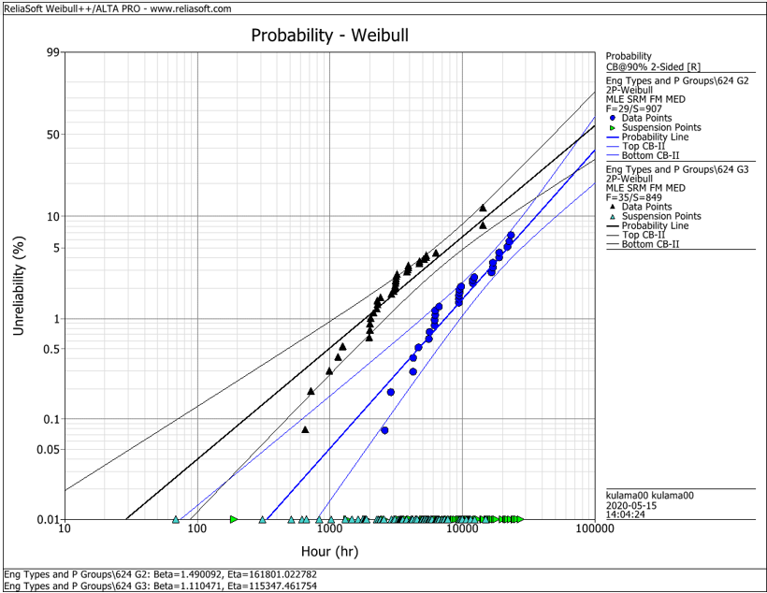
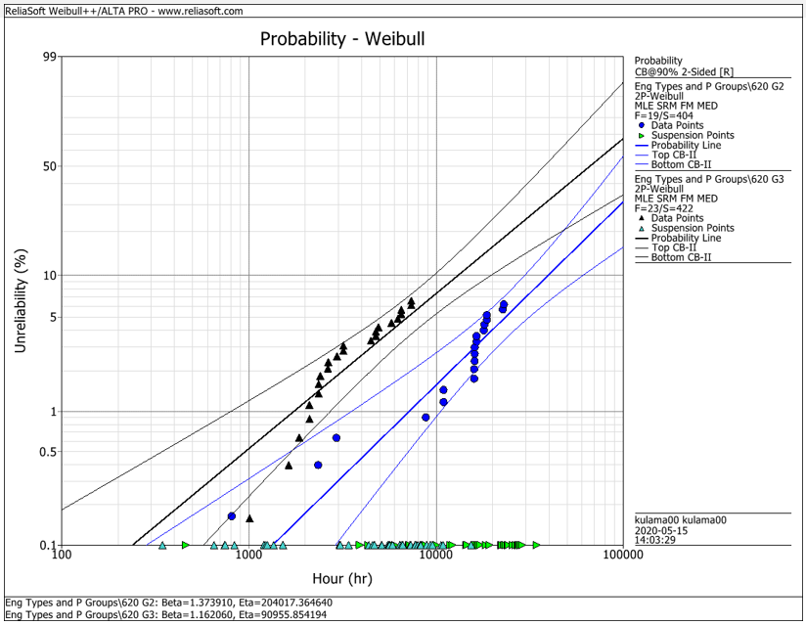
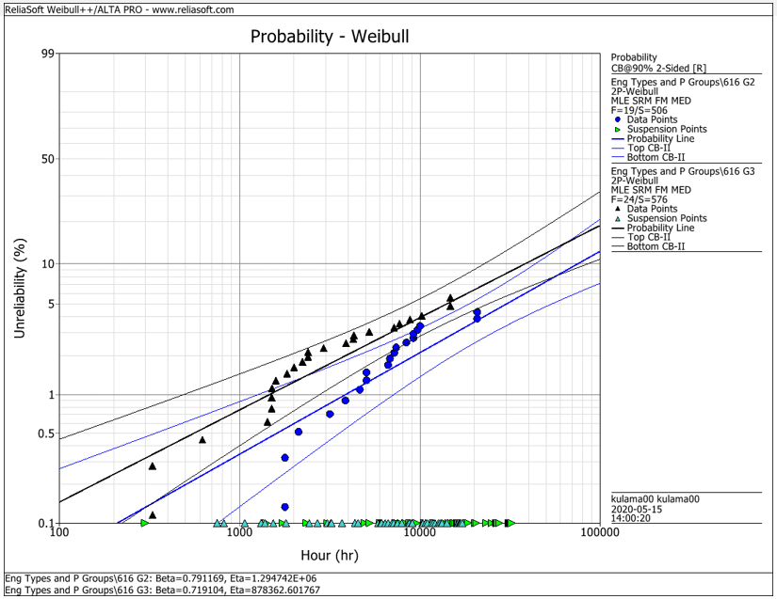
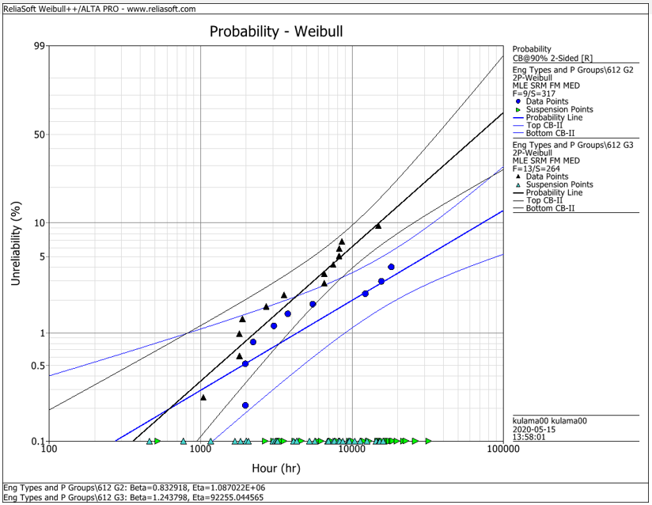
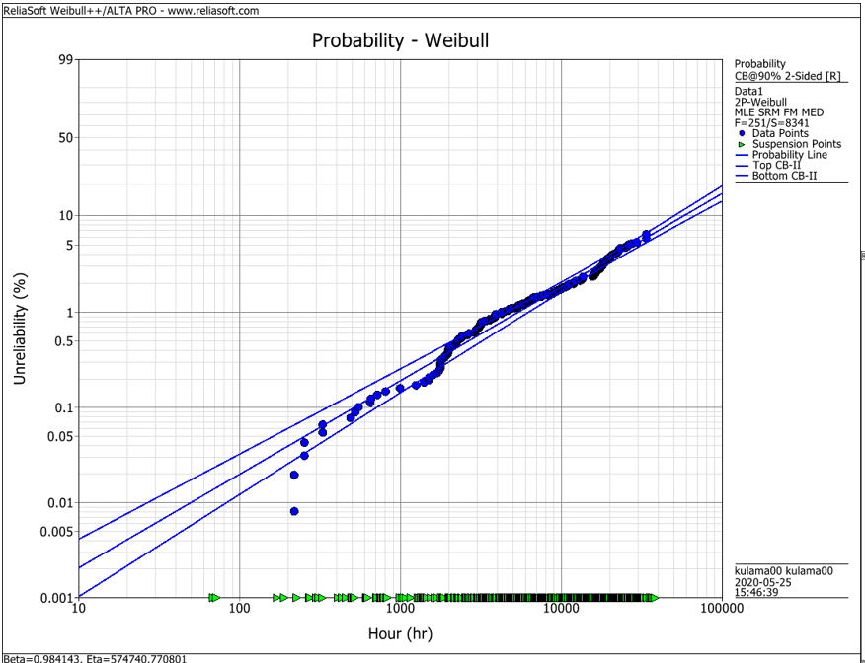
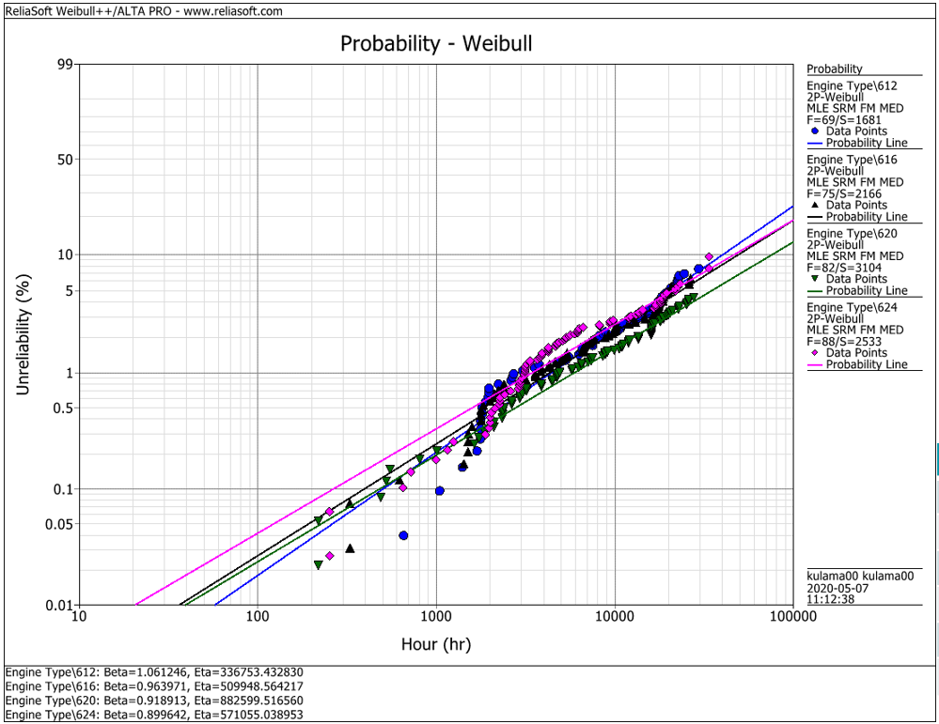
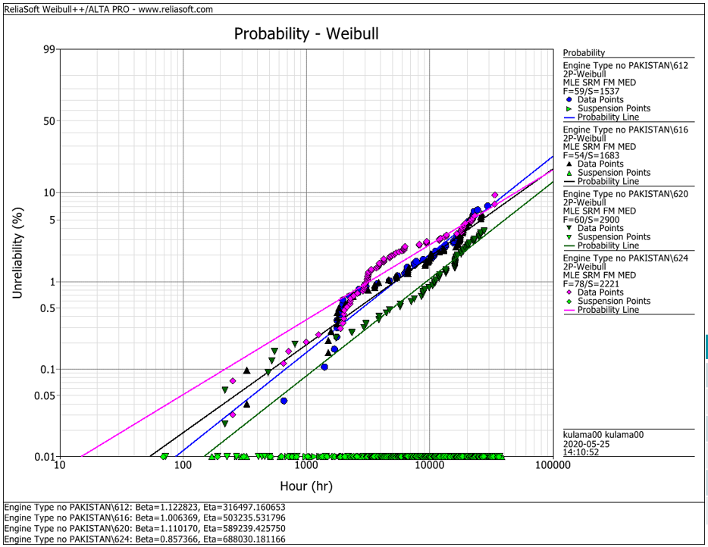
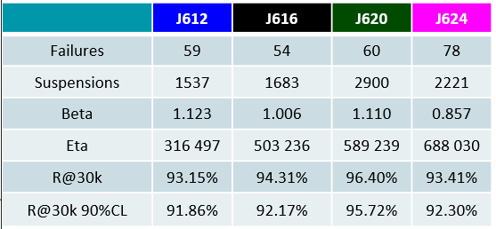
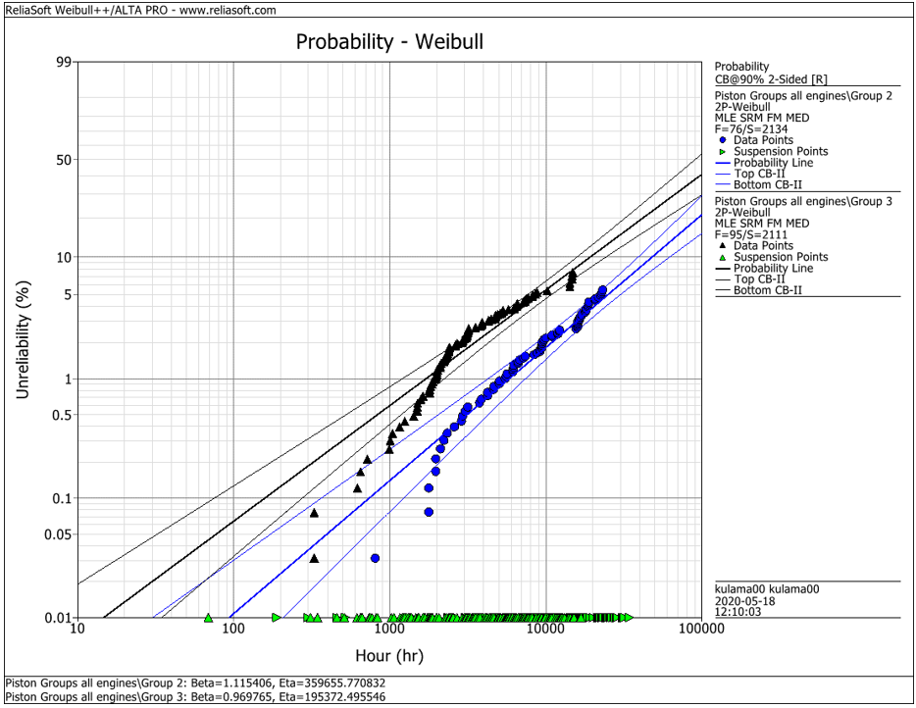
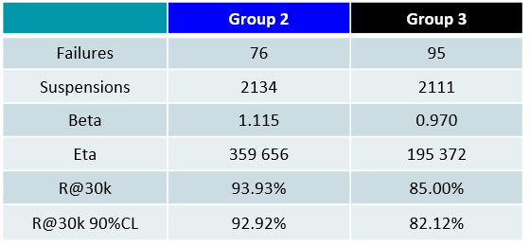
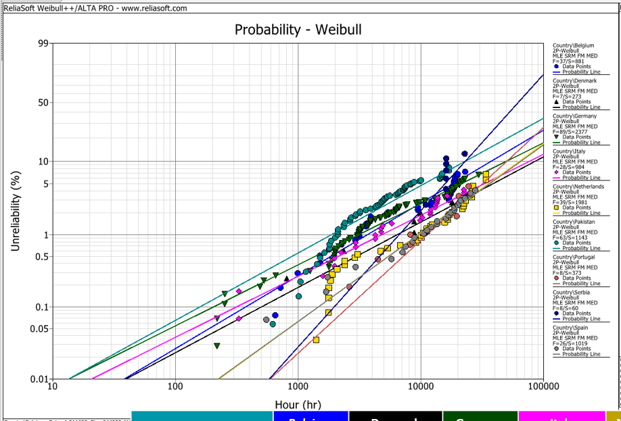
EDC Weibull Comparison
 | beta | R@30k 90%CL
G2 | 1.490 | 92.2%
G2 | 1.374 | 93.0%
G2 | 0.791 | 95.0%
G2 | 0.830 | 95.0%
G2 | 1.115 | 92.9%
G3 | 1.110 | 80.0%
G3 | 1.162 | 75.0%
G3 | 0.719 | 91.5%
G3 | 1.244 | 79.0%
G3 | 0.970 | 82.1%
all | 0.984 | 94.2%
all | 1.061 | 91.3%
all | 0.964 | 92.6%
all | 0.919 | 94.9%
all | 0.899 | 92.1%
all w/o Pak | 1.123 | 91.9%
all w/o Pak | 1.006 | 92.2%
all w/o Pak | 1.110 | 95.7%
all w/o Pak | 0.857 | 93.4%

 |  | f | s | beta | eta | R@30k 90%CL | Comment
J624 | G2 | 29 | 907 | 1.490 | 161801 | 92.2% | T23 with LKZ OCR
J620 | G2 | 19 | 404 | 1.374 | 204017 | 93.0% | T23 with LKZ OCR
J616 | G2 | 19 | 506 | 0.791 | 1294700 | 95.0% | T23 with LKZ OCR
J612 | G2 | 9 | 317 | 0.830 | 1088700 | 95.0% | T23 with LKZ OCR
J6xx | G2 | 76 | 2134 | 1.115 | 359656 | 92.9% | T23 with LKZ OCR

J624 | G3 | 35 | 849 | 1.110 | 115347 | 80.0% | T23 with flat OCR
J620 | G3 | 23 | 422 | 1.162 | 90955 | 75.0% | T23 with flat OCR
J616 | G3 | 24 | 576 | 0.719 | 878362 | 91.5% | T23 with LKZ OCR
J612 | G3 | 13 | 264 | 1.244 | 92255 | 79.0% | T23 with LKZ OCR
J6xx | G3 | 95 | 2111 | 0.970 | 195372 | 82.1% | T23 with LKZ OCR

J6xx | all | 251 | 8341 | 0.984 | 574741 | 94.2% | Source - cleaned by Maciej 2020-05_25
J612 | all | 69 | 1681 | 1.061 | 336753 | 91.3% | Source - cleaned by Maciej 2020-05_25
J616 | all | 75 | 2166 | 0.964 | 509948 | 92.6% | Source - cleaned by Maciej 2020-05_25
J620 | all | 82 | 3104 | 0.919 | 882599 | 94.9% | Source - cleaned by Maciej 2020-05_25
J624 | all | 88 | 2533 | 0.899 | 571055 | 92.1% | Source - cleaned by Maciej 2020-05_25

J612 | all w/o Pak | 59 | 1537 | 1.123 | 316497 | 91.9% | Source - cleaned by Maciej 2020-05_25
J616 | all w/o Pak | 54 | 1683 | 1.006 | 503236 | 92.2% | Source - cleaned by Maciej 2020-05_25
J620 | all w/o Pak | 60 | 2900 | 1.110 | 589239 | 95.7% | Source - cleaned by Maciej 2020-05_25
J624 | all w/o Pak | 78 | 2221 | 0.857 | 688030 | 93.4% | Source - cleaned by Maciej 2020-05_25

 |  | beta | 1.490 | max
 |  |  | 0.719 | min
 |  |  | 1.038 | mittel
 |  |  | 1.006 | median

