summary
Demonstrated Reliability
 | CLB 90% - 10% |  | CLB 90% - 10% |  | CLB 90% - 10% |  | R1 |  | R2 |  | R3 |  | today |  | R Ref |  | Weibull, b = 1,21 |  | Weibull G3, b 0,97
 | 71.5% | 0 | 97.0% | 0 | 95.0% | 0 | 0.0% | 0 | 0.0% | 0 | 0.0% | 7776 | 0.00 | 7776 | 93.8% | 0 | 100.0% | 0 | 100.0%
 | 71.5% | 233 | 97.0% | 233 | 95.0% | 233 | 0.0% | 233 | 0.0% | 233 | 7.9% | 7776 | 1.00 |  |  | 233 | 100.0% | 233 | 99.9%
 | 71.5% | 622 | 97.0% | 622 | 95.0% | 622 | 1.5% | 622 | 0.0% | 622 | 52.8% |  |  |  |  | 622 | 100.0% | 622 | 99.6%
 | 71.5% | 1166 | 97.0% | 1166 | 95.0% | 1166 | 30.3% | 1166 | 1.9% | 1166 | 83.4% |  |  |  |  | 1166 | 100.0% | 1166 | 99.3%
 | 71.5% | 1555 | 97.0% | 1555 | 95.0% | 1555 | 50.7% | 1555 | 10.5% | 1555 | 90.2% |  |  |  |  | 1555 | 99.9% | 1555 | 99.1%
 | 71.5% | 1944 | 97.0% | 1944 | 95.0% | 1944 | 63.2% | 1944 | 21.8% | 1944 | 93.3% |  |  |  |  | 1944 | 99.9% | 1944 | 98.9%
 | 60.4% | 2333 | 97.0% | 2333 | 95.0% | 2333 | 72.8% | 2333 | 34.9% | 2333 | 95.3% |  |  |  |  | 2333 | 99.9% | 2333 | 98.6%
 | 50.5% | 2722 | 97.0% | 2722 | 95.0% | 2722 | 79.2% | 2722 | 46.0% | 2722 | 96.5% |  |  |  |  | 2722 | 99.9% | 2722 | 98.4%
 | 42.5% | 3110 | 97.0% | 3110 | 95.0% | 3110 | 83.5% | 3110 | 54.8% | 3110 | 97.3% |  |  |  |  | 3110 | 99.9% | 3110 | 98.2%
 | 35.2% | 3499 | 97.0% | 3499 | 95.0% | 3499 | 86.9% | 3499 | 62.7% | 3499 | 97.9% |  |  |  |  | 3499 | 99.9% | 3499 | 98.0%
 | 29.3% | 3888 | 97.0% | 3888 | 95.0% | 3888 | 89.5% | 3888 | 69.1% | 3888 | 98.3% |  |  |  |  | 3888 | 99.8% | 3888 | 97.8%
 | 24.4% | 4277 | 97.0% | 4277 | 95.0% | 4277 | 91.4% | 4277 | 74.3% | 4277 | 98.6% |  |  |  |  | 4277 | 99.8% | 4277 | 97.6%
 | 20.5% | 4666 | 97.0% | 4666 | 95.0% | 4666 | 92.9% | 4666 | 78.4% | 4666 | 98.9% |  |  |  |  | 4666 | 99.8% | 4666 | 97.4%
 | 17.3% | 5054 | 97.0% | 5054 | 95.0% | 5054 | 94.1% | 5054 | 81.8% | 5054 | 99.1% |  |  |  |  | 5054 | 99.8% | 5054 | 97.2%
 | 14.6% | 5443 | 97.0% | 5443 | 95.0% | 5443 | 95.1% | 5443 | 84.6% | 5443 | 99.2% |  |  |  |  | 5443 | 99.8% | 5443 | 96.9%
 | 12.4% | 5832 | 97.0% | 5832 | 95.0% | 5832 | 95.9% | 5832 | 86.9% | 5832 | 99.4% |  |  |  |  | 5832 | 99.7% | 5832 | 96.7%
 | 10.6% | 6221 | 97.0% | 6221 | 95.0% | 6221 | 96.5% | 6221 | 88.9% | 6221 | 99.5% |  |  |  |  | 6221 | 99.7% | 6221 | 96.5%
 | 9.0% | 6610 | 97.0% | 6610 | 95.0% | 6610 | 97.1% | 6610 | 90.6% | 6610 | 99.5% |  |  |  |  | 6610 | 99.7% | 6610 | 96.3%
 | 7.7% | 6998 | 97.0% | 6998 | 95.0% | 6998 | 97.5% | 6998 | 91.9% | 6998 | 99.6% |  |  |  |  | 6998 | 99.7% | 6998 | 96.1%
 | 6.7% | 7387 | 97.0% | 7387 | 95.0% | 7387 | 97.8% | 7387 | 92.9% | 7387 | 99.7% |  |  |  |  | 7387 | 99.6% | 7387 | 95.9%
 | 5.9% | 7776 | 97.0% | 7776 | 95.0% | 7776 | 98.1% | 7776 | 93.8% | 7776 | 99.7% |  |  |  |  | 7776 | 99.6% | 7776 | 95.7%
 | 5.3% | 8165 | 97.0% | 8165 | 95.0% | 8165 | 98.3% | 8165 | 94.5% | 8165 | 99.7% |  |  |  |  | 8165 | 99.6% | 8165 | 95.5%
 | 4.7% | 8554 | 97.0% | 8554 | 95.0% | 8554 | 98.5% | 8554 | 95.0% | 8554 | 99.8% |  |  |  |  | 8554 | 99.6% | 8554 | 95.3%
 | 4.3% | 8942 | 97.0% | 8942 | 95.0% | 8942 | 98.6% | 8942 | 95.5% | 8942 | 99.8% |  |  |  |  | 8942 | 99.6% | 8942 | 95.1%
 | 3.9% | 9331 | 97.0% | 9331 | 95.0% | 9331 | 98.7% | 9331 | 95.9% | 9331 | 99.8% |  |  |  |  | 9331 | 99.5% | 9331 | 94.9%
 | 3.6% | 9720 | 97.0% | 9720 | 95.0% | 9720 | 98.9% | 9720 | 96.2% | 9720 | 99.8% |  |  |  |  | 9720 | 99.5% | 9720 | 94.7%
 | 3.3% | 10109 | 97.0% | 10109 | 95.0% | 10109 | 98.9% | 10109 | 96.5% | 10109 | 99.8% |  |  |  |  | 10109 | 99.5% | 10109 | 94.5%
 | 3.1% | 10498 | 97.0% | 10498 | 95.0% | 10498 | 99.0% | 10498 | 96.8% | 10498 | 99.9% |  |  |  |  | 10498 | 99.5% | 10498 | 94.3%
 | 2.9% | 10886 | 97.0% | 10886 | 95.0% | 10886 | 99.1% | 10886 | 97.0% | 10886 | 99.9% |  |  |  |  | 10886 | 99.4% | 10886 | 94.1%
 | 2.7% | 11275 | 97.0% | 11275 | 95.0% | 11275 | 99.2% | 11275 | 97.2% | 11275 | 99.9% |  |  |  |  | 11275 | 99.4% | 11275 | 93.9%
 | 2.5% | 11664 | 97.0% | 11664 | 95.0% | 11664 | 99.2% | 11664 | 97.4% | 11664 | 99.9% |  |  |  |  | 11664 | 99.4% | 11664 | 93.7%
 | 2.4% | 12053 | 97.0% | 12053 | 95.0% | 12053 | 99.3% | 12053 | 97.5% | 12053 | 99.9% |  |  |  |  | 12053 | 99.4% | 12053 | 93.5%
 | 2.2% | 12442 | 97.0% | 12442 | 95.0% | 12442 | 99.3% | 12442 | 97.7% | 12442 | 99.9% |  |  |  |  | 12442 | 99.3% | 12442 | 93.3%
 | 2.1% | 12830 | 97.0% | 12830 | 95.0% | 12830 | 99.3% | 12830 | 97.8% | 12830 | 99.9% |  |  |  |  | 12830 | 99.3% | 12830 | 93.1%
 | 2.0% | 13219 | 97.0% | 13219 | 95.0% | 13219 | 99.4% | 13219 | 97.9% | 13219 | 99.9% |  |  |  |  | 13219 | 99.3% | 13219 | 92.9%
 | 1.9% | 13608 | 97.0% | 13608 | 95.0% | 13608 | 99.4% | 13608 | 98.0% | 13608 | 99.9% |  |  |  |  | 13608 | 99.3% | 13608 | 92.7%
 | 1.8% | 13997 | 97.0% | 13997 | 95.0% | 13997 | 99.4% | 13997 | 98.1% | 13997 | 99.9% |  |  |  |  | 13997 | 99.2% | 13997 | 92.5%
 | 1.7% | 14386 | 97.0% | 14386 | 95.0% | 14386 | 99.5% | 14386 | 98.2% | 14386 | 99.9% |  |  |  |  | 14386 | 99.2% | 14386 | 92.3%
 | 1.6% | 14774 | 97.0% | 14774 | 95.0% | 14774 | 99.5% | 14774 | 98.3% | 14774 | 99.9% |  |  |  |  | 14774 | 99.2% | 14774 | 92.2%
 | 1.6% | 15163 | 97.0% | 15163 | 95.0% | 15163 | 99.5% | 15163 | 98.3% | 15163 | 99.9% |  |  |  |  | 15163 | 99.2% | 15163 | 92.0%
 | 1.5% | 15552 | 97.0% | 15552 | 95.0% | 15552 | 99.5% | 15552 | 98.4% | 15552 | 99.9% |  |  |  |  | 15552 | 99.1% | 15552 | 91.8%
 |  |  |  |  |  |  | Pn | 1013 | mbar | Tn | 0 | °C | 9.8 | kWh / mn3
Validation Fleet Status |  | Date | 12/27/20 |  |  |  | ETAMOT not fully plausible ?
624 | 18 |  | Cum hours | 78936
620 | 6 |  | Fl Leader | 6390
616 | 7 |  | Avg hours | 2467 |  |  |  |  |  |  |  |  |  | 0
612 | 1 |  | 2000 | 16 |  |  |  |  |  |  |  |  |  | 0
Sum Engines | 32 |  | 4000 | 4 |  |  |  |  |  |  |  |  |  | 0
Sum PU's | 676 |  | 6000 | 2 |  |  |  |  |  |  |  |  |  | 0
 |  |  |  |  |  |  |  |  |  |  |  |  |  | 0
Beta | Running | Available | Not Available | Error |  |  |  |  |  |  |  |  |  | 0
1.210 | 19 | 6 | 6 | 1 |  |  |  |  |  |  |  |  |  | 0
 |  |  |  |  |  |  |  |  |  |  |  |  |  | 0
 | T | CL | BETA | R |  |  |  |  |  |  |  |  |  | 0
R1 | 30000 | 50% | 1.210 | 98.1% |  |  |  |  |  |  |  |  |  | 0
R2 | 30000 | 90% | 1.210 | 93.8% |  |  |  |  |  |  |  |  |  | 0
R3 | 30000 | 10% | 1.210 | 99.7% |  |  |  |  |  |  |  |  |  | 0
 |  |  |  |  |  |  |  |  |  |  |  |  |  | 0
Field Validation Results vs. CTQ's |  |  |  | CTQ |  |  |  |  |  |  |  |  |  | 0
1. R(CL 50%) > 97% @ß = |  | 1.210 | 98.1% | 97% |  |  |  |  |  |  |  |  |  | 0
2. R(CL 90%) > 90% @ß = |  | 1.210 | 93.8% | 90% |  |  |  |  |  |  |  |  |  | 0
3. 4 Engines > 6000 oph |  |  | 2 | 4 |  |  |  |  |  |  |  |  |  | 0
 |  |  |  |  | 1.210 | 1.21 |  |  |  |  |  |  |  | 0
 | BR6 |  | hours s. VS | 7776 | 6390 | 6390 |  |  |  |  |  |  |  | 0
Bohrung [mm] | 190 |  | pess PU F | 7.8% | 233.0 | 233.0 |  |  |  |  |  |  |  | 0
Hub [mm] | 220 |  | pess PU F | 53 | 99.4% |  |  |  |  |  |  |  |  | 0
Validation Fleet oph
 |  |  | Date |  | Date line |  | 2000 |  | 6000 |  | 1386177 |  | 1393153 |  | 1320072 |  | 1184199 |  | 1352268 |  | 1320022 |  | 1250575
2/7/2020 | 0 | 12/27/2020 | 6390 | 12/27/2020 | 0 | 2/7/2020 | 2000 | 2/7/2020 | 6000 | 2/7/2020 | 0 | 2/7/2020 | 0 | 2/7/2020 | 0 | 2/7/2020 | 0 | 2/7/2020 | 0 | 2/7/2020 | 0 | 2/7/2020 | 0
2/16/2020 | 233 |  |  | 12/27/2020 | 6390 | 11/16/2021 | 2000 | 11/16/2021 | 6000 | 2/16/2020 | 0 | 2/16/2020 | 0 | 2/16/2020 | 157 | 2/16/2020 | 0 | 2/16/2020 | 0 | 2/16/2020 | 0 | 2/16/2020 | 0
3/3/2020 | 622 |  |  |  |  |  |  |  |  | 3/3/2020 | 41 | 3/3/2020 | 0 | 3/3/2020 | 418 | 3/3/2020 | 0 | 3/3/2020 | 0 | 3/3/2020 | 0 | 3/3/2020 | 0
3/26/2020 | 1166 |  |  |  |  |  |  |  |  | 3/26/2020 | 524 | 3/26/2020 | 80 | 3/26/2020 | 784 | 3/26/2020 | 0 | 3/26/2020 | 0 | 3/26/2020 | 0 | 3/26/2020 | 0
4/11/2020 | 1555 |  |  |  |  |  |  |  |  | 4/11/2020 | 869 | 4/11/2020 | 442 | 4/11/2020 | 1045 | 4/11/2020 | 0 | 4/11/2020 | 0 | 4/11/2020 | 0 | 4/11/2020 | 0
4/28/2020 | 1944 |  |  |  |  |  |  |  |  | 4/28/2020 | 1214 | 4/28/2020 | 803 | 4/28/2020 | 1307 | 4/28/2020 | 21 | 4/28/2020 | 0 | 4/28/2020 | 0 | 4/28/2020 | 0
5/14/2020 | 2333 |  |  |  |  |  |  |  |  | 5/14/2020 | 1559 | 5/14/2020 | 1165 | 5/14/2020 | 1568 | 5/14/2020 | 361 | 5/14/2020 | 162 | 5/14/2020 | 0 | 5/14/2020 | 0
5/30/2020 | 2722 |  |  |  |  |  |  |  |  | 5/30/2020 | 1904 | 5/30/2020 | 1526 | 5/30/2020 | 1829 | 5/30/2020 | 701 | 5/30/2020 | 418 | 5/30/2020 | 0 | 5/30/2020 | 0
6/15/2020 | 3110 |  |  |  |  |  |  |  |  | 6/15/2020 | 2249 | 6/15/2020 | 1888 | 6/15/2020 | 2090 | 6/15/2020 | 1041 | 6/15/2020 | 675 | 6/15/2020 | 134 | 6/15/2020 | 10
7/1/2020 | 3499 |  |  |  |  |  |  |  |  | 7/1/2020 | 2594 | 7/1/2020 | 2249 | 7/1/2020 | 2352 | 7/1/2020 | 1380 | 7/1/2020 | 931 | 7/1/2020 | 418 | 7/1/2020 | 292
7/18/2020 | 3888 |  |  |  |  |  |  |  |  | 7/18/2020 | 2939 | 7/18/2020 | 2611 | 7/18/2020 | 2613 | 7/18/2020 | 1720 | 7/18/2020 | 1188 | 7/18/2020 | 703 | 7/18/2020 | 574
8/3/2020 | 4277 |  |  |  |  |  |  |  |  | 8/3/2020 | 3284 | 8/3/2020 | 2972 | 8/3/2020 | 2874 | 8/3/2020 | 2060 | 8/3/2020 | 1444 | 8/3/2020 | 988 | 8/3/2020 | 855
8/19/2020 | 4666 |  |  |  |  |  |  |  |  | 8/19/2020 | 3630 | 8/19/2020 | 3334 | 8/19/2020 | 3136 | 8/19/2020 | 2400 | 8/19/2020 | 1701 | 8/19/2020 | 1272 | 8/19/2020 | 1137
9/4/2020 | 5054 |  |  |  |  |  |  |  |  | 9/4/2020 | 3975 | 9/4/2020 | 3695 | 9/4/2020 | 3397 | 9/4/2020 | 2740 | 9/4/2020 | 1957 | 9/4/2020 | 1557 | 9/4/2020 | 1418
9/20/2020 | 5443 |  |  |  |  |  |  |  |  | 9/20/2020 | 4320 | 9/20/2020 | 4057 | 9/20/2020 | 3658 | 9/20/2020 | 3080 | 9/20/2020 | 2214 | 9/20/2020 | 1842 | 9/20/2020 | 1700
10/7/2020 | 5832 |  |  |  |  |  |  |  |  | 10/7/2020 | 4665 | 10/7/2020 | 4418 | 10/7/2020 | 3920 | 10/7/2020 | 3420 | 10/7/2020 | 2470 | 10/7/2020 | 2126 | 10/7/2020 | 1981
10/23/2020 | 6221 |  |  |  |  |  |  |  |  | 10/23/2020 | 5010 | 10/23/2020 | 4780 | 10/23/2020 | 4181 | 10/23/2020 | 3760 | 10/23/2020 | 2727 | 10/23/2020 | 2411 | 10/23/2020 | 2263
11/8/2020 | 6610 |  |  |  |  |  |  |  |  | 11/8/2020 | 5355 | 11/8/2020 | 5141 | 11/8/2020 | 4442 | 11/8/2020 | 4099 | 11/8/2020 | 2983 | 11/8/2020 | 2696 | 11/8/2020 | 2544
11/24/2020 | 6998 |  |  |  |  |  |  |  |  | 11/24/2020 | 5700 | 11/24/2020 | 5503 | 11/24/2020 | 4703 | 11/24/2020 | 4439 | 11/24/2020 | 3240 | 11/24/2020 | 2981 | 11/24/2020 | 2826
12/10/2020 | 7387 |  |  |  |  |  |  |  |  | 12/10/2020 | 6045 | 12/10/2020 | 5864 | 12/10/2020 | 4965 | 12/10/2020 | 4779 | 12/10/2020 | 3496 | 12/10/2020 | 3265 | 12/10/2020 | 3107
12/27/2020 | 7776 |  |  |  |  |  |  |  |  | 12/27/2020 | 6390 | 12/27/2020 | 6226 | 12/27/2020 | 5226 | 12/27/2020 | 5119 | 12/27/2020 | 3753 | 12/27/2020 | 3550 | 12/27/2020 | 3389
1/12/2021 | 8165 |  |  |  |  |  |  |  |  | 1/12/2021 | 6735 | 1/12/2021 | 6588 | 1/12/2021 | 5487 | 1/12/2021 | 5459 | 1/12/2021 | 4010 | 1/12/2021 | 3835 | 1/12/2021 | 3671
1/28/2021 | 8554 |  |  |  |  |  |  |  |  | 1/28/2021 | 7080 | 1/28/2021 | 6949 | 1/28/2021 | 5749 | 1/28/2021 | 5799 | 1/28/2021 | 4266 | 1/28/2021 | 4119 | 1/28/2021 | 3952
2/13/2021 | 8942 |  |  |  |  |  |  |  |  | 2/13/2021 | 7425 | 2/13/2021 | 7311 | 2/13/2021 | 6010 | 2/13/2021 | 6139 | 2/13/2021 | 4523 | 2/13/2021 | 4404 | 2/13/2021 | 4234
3/1/2021 | 9331 |  |  |  |  |  |  |  |  | 3/1/2021 | 7770 | 3/1/2021 | 7672 | 3/1/2021 | 6271 | 3/1/2021 | 6478 | 3/1/2021 | 4779 | 3/1/2021 | 4689 | 3/1/2021 | 4515
3/18/2021 | 9720 |  |  |  |  |  |  |  |  | 3/18/2021 | 8115 | 3/18/2021 | 8034 | 3/18/2021 | 6533 | 3/18/2021 | 6818 | 3/18/2021 | 5036 | 3/18/2021 | 4974 | 3/18/2021 | 4797
4/3/2021 | 10109 |  |  |  |  |  |  |  |  | 4/3/2021 | 8460 | 4/3/2021 | 8395 | 4/3/2021 | 6794 | 4/3/2021 | 7158 | 4/3/2021 | 5292 | 4/3/2021 | 5258 | 4/3/2021 | 5078
4/19/2021 | 10498 |  |  |  |  |  |  |  |  | 4/19/2021 | 8805 | 4/19/2021 | 8757 | 4/19/2021 | 7055 | 4/19/2021 | 7498 | 4/19/2021 | 5549 | 4/19/2021 | 5543 | 4/19/2021 | 5360
5/5/2021 | 10886 |  |  |  |  |  |  |  |  | 5/5/2021 | 9150 | 5/5/2021 | 9118 | 5/5/2021 | 7316 | 5/5/2021 | 7838 | 5/5/2021 | 5805 | 5/5/2021 | 5828 | 5/5/2021 | 5641
5/21/2021 | 11275 |  |  |  |  |  |  |  |  | 5/21/2021 | 9496 | 5/21/2021 | 9480 | 5/21/2021 | 7578 | 5/21/2021 | 8178 | 5/21/2021 | 6062 | 5/21/2021 | 6112 | 5/21/2021 | 5923
6/7/2021 | 11664 |  |  |  |  |  |  |  |  | 6/7/2021 | 9841 | 6/7/2021 | 9841 | 6/7/2021 | 7839 | 6/7/2021 | 8518 | 6/7/2021 | 6318 | 6/7/2021 | 6397 | 6/7/2021 | 6204
6/23/2021 | 12053 |  |  |  |  |  |  |  |  | 6/23/2021 | 10186 | 6/23/2021 | 10203 | 6/23/2021 | 8100 | 6/23/2021 | 8858 | 6/23/2021 | 6575 | 6/23/2021 | 6682 | 6/23/2021 | 6486
7/9/2021 | 12442 |  |  |  |  |  |  |  |  | 7/9/2021 | 10531 | 7/9/2021 | 10564 | 7/9/2021 | 8362 | 7/9/2021 | 9197 | 7/9/2021 | 6831 | 7/9/2021 | 6966 | 7/9/2021 | 6768
7/25/2021 | 12830 |  |  |  |  |  |  |  |  | 7/25/2021 | 10876 | 7/25/2021 | 10926 | 7/25/2021 | 8623 | 7/25/2021 | 9537 | 7/25/2021 | 7088 | 7/25/2021 | 7251 | 7/25/2021 | 7049
8/10/2021 | 13219 |  |  |  |  |  |  |  |  | 8/10/2021 | 11221 | 8/10/2021 | 11287 | 8/10/2021 | 8884 | 8/10/2021 | 9877 | 8/10/2021 | 7344 | 8/10/2021 | 7536 | 8/10/2021 | 7331
8/27/2021 | 13608 |  |  |  |  |  |  |  |  | 8/27/2021 | 11566 | 8/27/2021 | 11649 | 8/27/2021 | 9146 | 8/27/2021 | 10217 | 8/27/2021 | 7601 | 8/27/2021 | 7821 | 8/27/2021 | 7612
9/12/2021 | 13997 |  |  |  |  |  |  |  |  | 9/12/2021 | 11911 | 9/12/2021 | 12010 | 9/12/2021 | 9407 | 9/12/2021 | 10557 | 9/12/2021 | 7858 | 9/12/2021 | 8105 | 9/12/2021 | 7894
9/28/2021 | 14386 |  |  |  |  |  |  |  |  | 9/28/2021 | 12256 | 9/28/2021 | 12372 | 9/28/2021 | 9668 | 9/28/2021 | 10897 | 9/28/2021 | 8114 | 9/28/2021 | 8390 | 9/28/2021 | 8175
10/14/2021 | 14774 |  |  |  |  |  |  |  |  | 10/14/2021 | 12601 | 10/14/2021 | 12733 | 10/14/2021 | 9929 | 10/14/2021 | 11237 | 10/14/2021 | 8371 | 10/14/2021 | 8675 | 10/14/2021 | 8457
10/30/2021 | 15163 |  |  |  |  |  |  |  |  | 10/30/2021 | 12946 | 10/30/2021 | 13095 | 10/30/2021 | 10191 | 10/30/2021 | 11576 | 10/30/2021 | 8627 | 10/30/2021 | 8959 | 10/30/2021 | 8738
11/16/2021 | 15552 |  |  |  |  |  |  |  |  | 11/16/2021 | 13291 | 11/16/2021 | 13456 | 11/16/2021 | 10452 | 11/16/2021 | 11916 | 11/16/2021 | 8884 | 11/16/2021 | 9244 | 11/16/2021 | 9020
VH zyl [dm3] | 6.24 |  | like PU F | 1.9% | 450416 | 1414704.1426 |  |  |  |  |  |  |  | 0
 |  |  | like PU F | 13 | 96.3% |  |  |  |  |  |  |  |  | 0
 |  |  |  | 2319.0946528 | 3.70% | 0.15% |  |  |  |  |  |  |  | 0
 |  |  |  |  | 8.62 | 0.9817 |  |  |  |  |  |  |  | 0
Engines | ~ BMP Avg | z | VH [dm3] | etael |  |  |  |  |  |  |  |  |  | 0
624 | 24.2 | 24 | 149.7 | 98.1% |  |  |  |  |  |  |  |  |  | 0
620 | 22.0 | 20 | 124.8 | 98.0% |  |  |  |  |  |  |  |  |  | 0
616 | 22.0 | 16 | 99.8 | 97.6% |  |  |  |  |  |  |  |  |  | 0
612 | 22.0 | 12 | 74.9 | 98.6% |  |  |  |  |  |  |  |  |  | 0
 |  |  |  |  |  |  |  |  |  |  |  |  |  | 0
BMEP Avg | BMEP Min | BMEP Max | NOX | MN | Version | #
24.3 | 24.0 | 24.5 | 500 | 80 | K01 | 3
24.3 | 24.0 | 24.5 | 500 | 80 | H01 | 12
24.0 | 24.0 | 24.0 | 250 | 80 | H02 | 1
 | 0.0 | 0.0 | 500 | 70 | H101 | 0
24.5 | 24.5 | 24.5 | 250 | 70 | H12 | 1
22.0 | 22.0 | 22.0 | 500 | 80 | F01 | 5
22.0 | 22.0 | 22.0 | 500 | 80 | J01 | 2
22.0 | 22.0 | 22.0 | 500 | 70 | J101 | 1
22.0 | 22.0 | 22.0 | 500 | 70 | J11 | 1
22.0 | 22.0 | 22.0 | 500 | 70 | F11 | 1
22.0 | 22.0 | 22.0 | 250 | 70 | F12 | 1
22.0 | 22.0 | 22.0 | 250 | 70 | J12 | 3
22.9 | 22.9 | 22.9 | 500 | 80 | K505 | 1
 |  |  |  |  |  | 32

ndReliaCalc2
 | Data Date | 2020-12-27 21:34:42
 | Val Start | 2020-02-07
 | Val Period (days) | 324
 | Beta (R2) | 1.21

 |  |  |  | 2000h line | 2000 | 2000
 |  |  |  |  | 2019-05-01 | 2021-12-31
 |  |  |  | 6000h line | 6000 | 6000
 |  |  |  |  | 2019-05-01 | 2021-12-31

 |  |  |  |  |  |  |  | R1 failures | 0 | 0 | 0 | 0 | 0 | 0 | 0 | 0 | 0 | 0 | 0 | 0 | 0 | 0 | 0 | 0 | 0 | 0 | 0 | 0 | 0 | 0 | 0 | 0 | 0 | 0 | 0 | 0 | 0 | 0 | 0 | 0 | 0 | 0 | 0 | 0 | 0 | 0 | 0 | 0 | 0
 |  |  |  |  |  |  |  | R2 failures | 0 | 0 | 0 | 0 | 0 | 0 | 0 | 0 | 0 | 0 | 0 | 0 | 0 | 0 | 0 | 0 | 0 | 0 | 0 | 0 | 0 | 0 | 0 | 0 | 0 | 0 | 0 | 0 | 0 | 0 | 0 | 0 | 0 | 0 | 0 | 0 | 0 | 0 | 0 | 0 | 0
 |  |  |  | f1 | 2020-12-17 21:34:42 | 0 | 97% | 314 | 0 | 0 | 0 | 0 | 0 | 0 | 0 | 0 | 0 | 0 | 0 | 0 | 0 | 0 | 0 | 0 | 0 | 0 | 0 | 0 | 0 | 0 | 0 | 0 | 0 | 0 | 0 | 0 | 0 | 0 | 0 | 0 | 0 | 0 | 0 | 0 | 0 | 0 | 0 | 0 | 0
 |  |  |  | f2 | 2021-01-26 21:34:42 | 0 | 109% | 354 | 0 | 0 | 0 | 0 | 0 | 0 | 0 | 0 | 0 | 0 | 0 | 0 | 0 | 0 | 0 | 0 | 0 | 0 | 0 | 0 | 0 | 0 | 0 | 0 | 0 | 0 | 0 | 0 | 0 | 0 | 0 | 0 | 0 | 0 | 0 | 0 | 0 | 0 | 0 | 0 | 0
 |  |  |  | f3 | 2020-11-26 21:34:42 | 0 | 90% | 293 | 0 | 0 | 0 | 0 | 0 | 0 | 0 | 0 | 0 | 0 | 0 | 0 | 0 | 0 | 0 | 0 | 0 | 0 | 0 | 0 | 0 | 0 | 0 | 0 | 0 | 0 | 0 | 0 | 0 | 0 | 0 | 0 | 0 | 0 | 0 | 0 | 0 | 0 | 0 | 0 | 0
 |  |  |  | f4 | 2020-08-25 21:34:42 | 0 | 62% | 200 | 0 | 0 | 0 | 0 | 0 | 0 | 0 | 0 | 0 | 0 | 0 | 0 | 0 | 0 | 0 | 0 | 0 | 0 | 0 | 0 | 0 | 0 | 0 | 0 | 0 | 0 | 0 | 0 | 0 | 0 | 0 | 0 | 0 | 0 | 0 | 0 | 0 | 0 | 0 | 0 | 0
 |  |  |  | f5 | 2021-04-30 21:34:42 | 0 | 138% | 448 | 0 | 0 | 0 | 0 | 0 | 0 | 0 | 0 | 0 | 0 | 0 | 0 | 0 | 0 | 0 | 0 | 0 | 0 | 0 | 0 | 0 | 0 | 0 | 0 | 0 | 0 | 0 | 0 | 0 | 0 | 0 | 0 | 0 | 0 | 0 | 0 | 0 | 0 | 0 | 0 | 0
 |  |  |  | f6 | 2021-07-01 21:34:42 | 0 | 157% | 510 | 0 | 0 | 0 | 0 | 0 | 0 | 0 | 0 | 0 | 0 | 0 | 0 | 0 | 0 | 0 | 0 | 0 | 0 | 0 | 0 | 0 | 0 | 0 | 0 | 0 | 0 | 0 | 0 | 0 | 0 | 0 | 0 | 0 | 0 | 0 | 0 | 0 | 0 | 0 | 0 | 0
 |  |  |  | f7 | 0 | 0 | -13540% | -43868 | 0 | 0 | 0 | 0 | 0 | 0 | 0 | 0 | 0 | 0 | 0 | 0 | 0 | 0 | 0 | 0 | 0 | 0 | 0 | 0 | 0 | 0 | 0 | 0 | 0 | 0 | 0 | 0 | 0 | 0 | 0 | 0 | 0 | 0 | 0 | 0 | 0 | 0 | 0 | 0 | 0
 |  |  |  | f8 | 0 | 0 | -13540% | -43868 | 0 | 0 | 0 | 0 | 0 | 0 | 0 | 0 | 0 | 0 | 0 | 0 | 0 | 0 | 0 | 0 | 0 | 0 | 0 | 0 | 0 | 0 | 0 | 0 | 0 | 0 | 0 | 0 | 0 | 0 | 0 | 0 | 0 | 0 | 0 | 0 | 0 | 0 | 0 | 0 | 0
 |  |  |  | f9 | 0 | 0 | -13540% | -43868 | 0 | 0 | 0 | 0 | 0 | 0 | 0 | 0 | 0 | 0 | 0 | 0 | 0 | 0 | 0 | 0 | 0 | 0 | 0 | 0 | 0 | 0 | 0 | 0 | 0 | 0 | 0 | 0 | 0 | 0 | 0 | 0 | 0 | 0 | 0 | 0 | 0 | 0 | 0 | 0 | 0
 |  |  |  | f10 | 0 | 0 | -13540% | -43868 | 0 | 0 | 0 | 0 | 0 | 0 | 0 | 0 | 0 | 0 | 0 | 0 | 0 | 0 | 0 | 0 | 0 | 0 | 0 | 0 | 0 | 0 | 0 | 0 | 0 | 0 | 0 | 0 | 0 | 0 | 0 | 0 | 0 | 0 | 0 | 0 | 0 | 0 | 0 | 0 | 0
 |  |  |  | f11 | 0 | 0 | -13540% | -43868 | 0 | 0 | 0 | 0 | 0 | 0 | 0 | 0 | 0 | 0 | 0 | 0 | 0 | 0 | 0 | 0 | 0 | 0 | 0 | 0 | 0 | 0 | 0 | 0 | 0 | 0 | 0 | 0 | 0 | 0 | 0 | 0 | 0 | 0 | 0 | 0 | 0 | 0 | 0 | 0 | 0
 |  |  |  | f12 | 0 | 0 | -13540% | -43868 | 0 | 0 | 0 | 0 | 0 | 0 | 0 | 0 | 0 | 0 | 0 | 0 | 0 | 0 | 0 | 0 | 0 | 0 | 0 | 0 | 0 | 0 | 0 | 0 | 0 | 0 | 0 | 0 | 0 | 0 | 0 | 0 | 0 | 0 | 0 | 0 | 0 | 0 | 0 | 0 | 0
 |  |  |  | f13 | 0 | 0 | -13540% | -43868 | 0 | 0 | 0 | 0 | 0 | 0 | 0 | 0 | 0 | 0 | 0 | 0 | 0 | 0 | 0 | 0 | 0 | 0 | 0 | 0 | 0 | 0 | 0 | 0 | 0 | 0 | 0 | 0 | 0 | 0 | 0 | 0 | 0 | 0 | 0 | 0 | 0 | 0 | 0 | 0 | 0
 |  |  |  | f14 | 0 | 0 | -13540% | -43868 | 0 | 0 | 0 | 0 | 0 | 0 | 0 | 0 | 0 | 0 | 0 | 0 | 0 | 0 | 0 | 0 | 0 | 0 | 0 | 0 | 0 | 0 | 0 | 0 | 0 | 0 | 0 | 0 | 0 | 0 | 0 | 0 | 0 | 0 | 0 | 0 | 0 | 0 | 0 | 0 | 0
 |  |  |  | f15 | 0 | 0 | -13540% | -43868 | 0 | 0 | 0 | 0 | 0 | 0 | 0 | 0 | 0 | 0 | 0 | 0 | 0 | 0 | 0 | 0 | 0 | 0 | 0 | 0 | 0 | 0 | 0 | 0 | 0 | 0 | 0 | 0 | 0 | 0 | 0 | 0 | 0 | 0 | 0 | 0 | 0 | 0 | 0 | 0 | 0
 |  |  |  | f16 | 0 | 0 | -13540% | -43868 | 0 | 0 | 0 | 0 | 0 | 0 | 0 | 0 | 0 | 0 | 0 | 0 | 0 | 0 | 0 | 0 | 0 | 0 | 0 | 0 | 0 | 0 | 0 | 0 | 0 | 0 | 0 | 0 | 0 | 0 | 0 | 0 | 0 | 0 | 0 | 0 | 0 | 0 | 0 | 0 | 0
 |  |  |  | f17 | 0 | 0 | -13540% | -43868 | 0 | 0 | 0 | 0 | 0 | 0 | 0 | 0 | 0 | 0 | 0 | 0 | 0 | 0 | 0 | 0 | 0 | 0 | 0 | 0 | 0 | 0 | 0 | 0 | 0 | 0 | 0 | 0 | 0 | 0 | 0 | 0 | 0 | 0 | 0 | 0 | 0 | 0 | 0 | 0 | 0
 |  |  |  | f18 | 0 | 0 | -13540% | -43868 | 0 | 0 | 0 | 0 | 0 | 0 | 0 | 0 | 0 | 0 | 0 | 0 | 0 | 0 | 0 | 0 | 0 | 0 | 0 | 0 | 0 | 0 | 0 | 0 | 0 | 0 | 0 | 0 | 0 | 0 | 0 | 0 | 0 | 0 | 0 | 0 | 0 | 0 | 0 | 0 | 0
 |  |  |  | f19 | 0 | 0 | -13540% | -43868 | 0 | 0 | 0 | 0 | 0 | 0 | 0 | 0 | 0 | 0 | 0 | 0 | 0 | 0 | 0 | 0 | 0 | 0 | 0 | 0 | 0 | 0 | 0 | 0 | 0 | 0 | 0 | 0 | 0 | 0 | 0 | 0 | 0 | 0 | 0 | 0 | 0 | 0 | 0 | 0 | 0
 |  |  |  | f20 | 0 | 0 | -13540% | -43868 | 0 | 0 | 0 | 0 | 0 | 0 | 0 | 0 | 0 | 0 | 0 | 0 | 0 | 0 | 0 | 0 | 0 | 0 | 0 | 0 | 0 | 0 | 0 | 0 | 0 | 0 | 0 | 0 | 0 | 0 | 0 | 0 | 0 | 0 | 0 | 0 | 0 | 0 | 0 | 0 | 0
 |  |  |  | f21 | 0 | 0 | -13540% | -43868 | 0 | 0 | 0 | 0 | 0 | 0 | 0 | 0 | 0 | 0 | 0 | 0 | 0 | 0 | 0 | 0 | 0 | 0 | 0 | 0 | 0 | 0 | 0 | 0 | 0 | 0 | 0 | 0 | 0 | 0 | 0 | 0 | 0 | 0 | 0 | 0 | 0 | 0 | 0 | 0 | 0
 |  |  |  | f22 | 0 | 0 | -13540% | -43868 | 0 | 0 | 0 | 0 | 0 | 0 | 0 | 0 | 0 | 0 | 0 | 0 | 0 | 0 | 0 | 0 | 0 | 0 | 0 | 0 | 0 | 0 | 0 | 0 | 0 | 0 | 0 | 0 | 0 | 0 | 0 | 0 | 0 | 0 | 0 | 0 | 0 | 0 | 0 | 0 | 0
 |  |  |  | f23 | 0 | 0 | -13540% | -43868 | 0 | 0 | 0 | 0 | 0 | 0 | 0 | 0 | 0 | 0 | 0 | 0 | 0 | 0 | 0 | 0 | 0 | 0 | 0 | 0 | 0 | 0 | 0 | 0 | 0 | 0 | 0 | 0 | 0 | 0 | 0 | 0 | 0 | 0 | 0 | 0 | 0 | 0 | 0 | 0 | 0
 |  |  |  | f24 | 0 | 0 | -13540% | -43868 | 0 | 0 | 0 | 0 | 0 | 0 | 0 | 0 | 0 | 0 | 0 | 0 | 0 | 0 | 0 | 0 | 0 | 0 | 0 | 0 | 0 | 0 | 0 | 0 | 0 | 0 | 0 | 0 | 0 | 0 | 0 | 0 | 0 | 0 | 0 | 0 | 0 | 0 | 0 | 0 | 0
 |  |  |  | f25 | 0 | 0 | -13540% | -43868 | 0 | 0 | 0 | 0 | 0 | 0 | 0 | 0 | 0 | 0 | 0 | 0 | 0 | 0 | 0 | 0 | 0 | 0 | 0 | 0 | 0 | 0 | 0 | 0 | 0 | 0 | 0 | 0 | 0 | 0 | 0 | 0 | 0 | 0 | 0 | 0 | 0 | 0 | 0 | 0 | 0 | 0
 |  |  |  |  |  | Sum failures |  |  | 0 | 0 | 0 | 0 | 0 | 0 | 0 | 0 | 0 | 0 | 0 | 0 | 0 | 0 | 0 | 0 | 0 | 0 | 0 | 0 | 0 | 0 | 0 | 0 | 0 | 0 | 0 | 0 | 0 | 0 | 0 | 0 | 0 | 0 | 0 | 0 | 0 | 0 | 0 | 0 | 0
 |  |  |  |  |  | Input |  |  | 0% | 3% | 8% | 15% | 20% | 25% | 30% | 35% | 40% | 45% | 50% | 55% | 60% | 65% | 70% | 75% | 80% | 85% | 90% | 95% | 100% | 105% | 110% | 115% | 120% | 125% | 130% | 135% | 140% | 145% | 150% | 155% | 160% | 165% | 170% | 175% | 180% | 185% | 190% | 195% | 200%
 |  |  |  |  |  | calc % for diagram (failures) |  |  | 0% | 3% | 8% | 15% | 20% | 25% | 30% | 35% | 40% | 45% | 50% | 55% | 60% | 65% | 70% | 75% | 80% | 85% | 90% | 95% | 100% | 105% | 110% | 115% | 120% | 125% | 130% | 135% | 140% | 145% | 150% | 155% | 160% | 165% | 170% | 175% | 180% | 185% | 190% | 195% | 200%
 |  |  |  |  |  | Val test Time % |  |  | 0% | 3% | 8% | 15% | 20% | 25% | 30% | 35% | 40% | 45% | 50% | 55% | 60% | 65% | 70% | 75% | 80% | 85% | 90% | 95% | 100% | 105% | 110% | 115% | 120% | 125% | 130% | 135% | 140% | 145% | 150% | 155% | 160% | 165% | 170% | 175% | 180% | 185% | 190% | 195% | 200%
 |  |  |  |  |  | days |  |  | 0.0 | 9.7 | 25.9 | 48.6 | 64.8 | 81.0 | 97.2 | 113.4 | 129.6 | 145.8 | 162.0 | 178.2 | 194.4 | 210.6 | 226.8 | 243.0 | 259.2 | 275.4 | 291.6 | 307.8 | 324.0 | 340.2 | 356.4 | 372.6 | 388.8 | 405.0 | 421.2 | 437.4 | 453.6 | 469.8 | 486.0 | 502.2 | 518.4 | 534.6 | 550.8 | 567.0 | 583.2 | 599.4 | 615.6 | 631.8 | 648.0
 |  |  |  |  |  |  |  |  | 0.00 | 1.00 |  | R Ref | 93.8% |  | R HRS | 6390
 |  |  |  |  |  |  |  | today | 7776 | 7776 |  | 2020-12-27 | 7776 |  | 2020-12-27 | 7776
 |  |  |  |  |  | CLB 90% - 10% |  |  | 71.5% | 71.5% | 71.5% | 71.5% | 71.5% | 71.5% | 60.4% | 50.5% | 42.5% | 35.2% | 29.3% | 24.4% | 20.5% | 17.3% | 14.6% | 12.4% | 10.6% | 9.0% | 7.7% | 6.7% | 5.9% | 5.3% | 4.7% | 4.3% | 3.9% | 3.6% | 3.3% | 3.1% | 2.9% | 2.7% | 2.5% | 2.4% | 2.2% | 2.1% | 2.0% | 1.9% | 1.8% | 1.7% | 1.6% | 1.6% | 1.5%
 |  |  |  |  |  |  | R | 97.0% | 97.0% | 97.0% | 97.0% | 97.0% | 97.0% | 97.0% | 97.0% | 97.0% | 97.0% | 97.0% | 97.0% | 97.0% | 97.0% | 97.0% | 97.0% | 97.0% | 97.0% | 97.0% | 97.0% | 97.0% | 97.0% | 97.0% | 97.0% | 97.0% | 97.0% | 97.0% | 97.0% | 97.0% | 97.0% | 97.0% | 97.0% | 97.0% | 97.0% | 97.0% | 97.0% | 97.0% | 97.0% | 97.0% | 97.0% | 97.0% | 97.0%
 |  |  |  |  |  |  | R | 95.0% | 95.0% | 95.0% | 95.0% | 95.0% | 95.0% | 95.0% | 95.0% | 95.0% | 95.0% | 95.0% | 95.0% | 95.0% | 95.0% | 95.0% | 95.0% | 95.0% | 95.0% | 95.0% | 95.0% | 95.0% | 95.0% | 95.0% | 95.0% | 95.0% | 95.0% | 95.0% | 95.0% | 95.0% | 95.0% | 95.0% | 95.0% | 95.0% | 95.0% | 95.0% | 95.0% | 95.0% | 95.0% | 95.0% | 95.0% | 95.0% | 95.0%
 |  |  |  |  | Weibull G3, b 0,97 | R | alpha | beta
 |  |  |  |  | R | 85.0% | 195372 | 0.97 | 100.0% | 99.9% | 99.6% | 99.3% | 99.1% | 98.9% | 98.6% | 98.4% | 98.2% | 98.0% | 97.8% | 97.6% | 97.4% | 97.2% | 96.9% | 96.7% | 96.5% | 96.3% | 96.1% | 95.9% | 95.7% | 95.5% | 95.3% | 95.1% | 94.9% | 94.7% | 94.5% | 94.3% | 94.1% | 93.9% | 93.7% | 93.5% | 93.3% | 93.1% | 92.9% | 92.7% | 92.5% | 92.3% | 92.2% | 92.0% | 91.8%
 |  |  |  |  | Weibull, b = 1,21 | R | alpha | beta
 |  |  |  |  | 30000 | 98.1% | 782732 | 1.21 | 100.0% | 100.0% | 100.0% | 100.0% | 99.9% | 99.9% | 99.9% | 99.9% | 99.9% | 99.9% | 99.8% | 99.8% | 99.8% | 99.8% | 99.8% | 99.7% | 99.7% | 99.7% | 99.7% | 99.6% | 99.6% | 99.6% | 99.6% | 99.6% | 99.5% | 99.5% | 99.5% | 99.5% | 99.4% | 99.4% | 99.4% | 99.4% | 99.3% | 99.3% | 99.3% | 99.3% | 99.2% | 99.2% | 99.2% | 99.2% | 99.1%
 |  |  |  |  | R1 | 30000 | 50% | 1.21 |  | 0.0% | 1.5% | 30.3% | 50.7% | 63.2% | 72.8% | 79.2% | 83.5% | 86.9% | 89.5% | 91.4% | 92.9% | 94.1% | 95.1% | 95.9% | 96.5% | 97.1% | 97.5% | 97.8% | 98.1% | 98.3% | 98.5% | 98.6% | 98.7% | 98.9% | 98.9% | 99.0% | 99.1% | 99.2% | 99.2% | 99.3% | 99.3% | 99.3% | 99.4% | 99.4% | 99.4% | 99.5% | 99.5% | 99.5% | 99.5%
 |  |  |  |  | R2 | 30000 | 90% | 1.21 |  | 0.0% | 0.0% | 1.9% | 10.5% | 21.8% | 34.9% | 46.0% | 54.8% | 62.7% | 69.1% | 74.3% | 78.4% | 81.8% | 84.6% | 86.9% | 88.9% | 90.6% | 91.9% | 92.9% | 93.8% | 94.5% | 95.0% | 95.5% | 95.9% | 96.2% | 96.5% | 96.8% | 97.0% | 97.2% | 97.4% | 97.5% | 97.7% | 97.8% | 97.9% | 98.0% | 98.1% | 98.2% | 98.3% | 98.3% | 98.4%
 |  |  |  |  | R3 | 30000 | 10% | 1.21 |  | 7.9% | 52.8% | 83.4% | 90.2% | 93.3% | 95.3% | 96.5% | 97.3% | 97.9% | 98.3% | 98.6% | 98.9% | 99.1% | 99.2% | 99.4% | 99.5% | 99.5% | 99.6% | 99.7% | 99.7% | 99.7% | 99.8% | 99.8% | 99.8% | 99.8% | 99.8% | 99.9% | 99.9% | 99.9% | 99.9% | 99.9% | 99.9% | 99.9% | 99.9% | 99.9% | 99.9% | 99.9% | 99.9% | 99.9% | 99.9%
 |  |  |  |  | R4 | 30000 | 90% | 1.21 |  | 0.0% | 0.0% | 1.9% | 10.5% | 21.8% | 34.9% | 46.0% | 54.8% | 62.7% | 69.1% | 74.3% | 78.4% | 81.8% | 84.6% | 86.9% | 88.9% | 90.6% | 91.9% | 92.9% | 93.8% | 94.5% | 95.0% | 95.5% | 95.9% | 96.2% | 96.5% | 96.8% | 97.0% | 97.2% | 97.4% | 97.5% | 97.7% | 97.8% | 97.9% | 98.0% | 98.1% | 98.2% | 98.3% | 98.3% | 98.4%
 |  |  |  |  | nL |  |  | 1.21 |  | 24.0 | 29.0 | 47.7 | 59.3 | 67.0 | 77.7 | 83.3 | 88.1 | 95.4 | 103.4 | 112.5 | 121.7 | 132.1 | 143.8 | 156.0 | 170.4 | 187.0 | 203.0 | 218.2 | 233.0 | 246.9 | 259.7 | 271.5 | 282.5 | 292.7 | 302.1 | 310.9 | 319.1 | 326.8 | 333.9 | 340.0 | 345.7 | 351.0 | 356.0 | 360.7 | 365.2 | 369.4 | 373.4 | 377.2 | 380.7
 |  |  |  |  |  |  |  |  | 0 | 233 | 622 | 1166 | 1555 | 1944 | 2333 | 2722 | 3110 | 3499 | 3888 | 4277 | 4666 | 5054 | 5443 | 5832 | 6221 | 6610 | 6998 | 7387 | 7776 | 8165 | 8554 | 8942 | 9331 | 9720 | 10109 | 10498 | 10886 | 11275 | 11664 | 12053 | 12442 | 12830 | 13219 | 13608 | 13997 | 14386 | 14774 | 15163 | 15552
 |  |  |  |  |  |  |  | Date line | 0 | 6390 |  | Date | 6390 |  |  | 2000 | 2000 | 2000 |  | 6000 | 6000 | 6000
 |  |  |  |  |  |  |  |  | 2020-12-27 | 2020-12-27 |  |  | 2020-12-27 |  |  |  | 2020-02-07 | 2021-11-16 |  |  | 2020-02-07 | 2021-11-16
Serial Number | Name | Engine ID | Val Start | Part hrs | parts | h / day | Engine | Version | 2020-02-07 | 2020-02-16 17:16:48 | 2020-03-03 22:04:48 | 2020-03-26 14:24:00 | 2020-04-11 19:12:00 | 2020-04-28 | 2020-05-14 04:48:00 | 2020-05-30 09:36:00 | 2020-06-15 14:24:00 | 2020-07-01 19:12:00 | 2020-07-18 | 2020-08-03 04:48:00 | 2020-08-19 09:36:00 | 2020-09-04 14:24:00 | 2020-09-20 19:12:00 | 2020-10-07 | 2020-10-23 04:48:00 | 2020-11-08 09:36:00 | 2020-11-24 14:24:00 | 2020-12-10 19:12:00 | 2020-12-27 | 2021-01-12 04:48:00 | 2021-01-28 09:36:00 | 2021-02-13 14:24:00 | 2021-03-01 19:12:00 | 2021-03-18 | 2021-04-03 04:48:00 | 2021-04-19 09:36:00 | 2021-05-05 14:24:00 | 2021-05-21 19:12:00 | 2021-06-07 | 2021-06-23 04:48:00 | 2021-07-09 09:36:00 | 2021-07-25 14:24:00 | 2021-08-10 19:12:00 | 2021-08-27 | 2021-09-12 04:48:00 | 2021-09-28 09:36:00 | 2021-10-14 14:24:00 | 2021-10-30 19:12:00 | 2021-11-16
1386177 | ABINSK | M09 | 2020-03-02 | 6390 | 24 | 21.30 | 624 | H01 | 0 | 0 | 41 | 524 | 869 | 1214 | 1559 | 1904 | 2249 | 2594 | 2939 | 3284 | 3630 | 3975 | 4320 | 4665 | 5010 | 5355 | 5700 | 6045 | 6390 | 6735 | 7080 | 7425 | 7770 | 8115 | 8460 | 8805 | 9150 | 9496 | 9841 | 10186 | 10531 | 10876 | 11221 | 11566 | 11911 | 12256 | 12601 | 12946 | 13291
1393153 | BLESSED TEXTILE | M01 | 2020-03-23 | 6226 | 20 | 22.32 | 620 | J101 | 0 | 0 | 0 | 80 | 442 | 803 | 1165 | 1526 | 1888 | 2249 | 2611 | 2972 | 3334 | 3695 | 4057 | 4418 | 4780 | 5141 | 5503 | 5864 | 6226 | 6588 | 6949 | 7311 | 7672 | 8034 | 8395 | 8757 | 9118 | 9480 | 9841 | 10203 | 10564 | 10926 | 11287 | 11649 | 12010 | 12372 | 12733 | 13095 | 13456
1320072 | BMW LANDSHUT 4.10 | M04 | 2020-02-07 | 5226 | 24 | 16.13 | 624 | H01 | 0 | 157 | 418 | 784 | 1045 | 1307 | 1568 | 1829 | 2090 | 2352 | 2613 | 2874 | 3136 | 3397 | 3658 | 3920 | 4181 | 4442 | 4703 | 4965 | 5226 | 5487 | 5749 | 6010 | 6271 | 6533 | 6794 | 7055 | 7316 | 7578 | 7839 | 8100 | 8362 | 8623 | 8884 | 9146 | 9407 | 9668 | 9929 | 10191 | 10452
1184199 | ROCHE PENZBERG KWKK | M01 | 2020-04-27 | 5119 | 24 | 20.98 | 624 | H02 | 0 | 0 | 0 | 0 | 0 | 21 | 361 | 701 | 1041 | 1380 | 1720 | 2060 | 2400 | 2740 | 3080 | 3420 | 3760 | 4099 | 4439 | 4779 | 5119 | 5459 | 5799 | 6139 | 6478 | 6818 | 7158 | 7498 | 7838 | 8178 | 8518 | 8858 | 9197 | 9537 | 9877 | 10217 | 10557 | 10897 | 11237 | 11576 | 11916
1352268 | BMW DINGOLFING 2.4 | M06 | 2020-05-04 | 3753 | 24 | 15.84 | 624 | H01 | 0 | 0 | 0 | 0 | 0 | 0 | 162 | 418 | 675 | 931 | 1188 | 1444 | 1701 | 1957 | 2214 | 2470 | 2727 | 2983 | 3240 | 3496 | 3753 | 4010 | 4266 | 4523 | 4779 | 5036 | 5292 | 5549 | 5805 | 6062 | 6318 | 6575 | 6831 | 7088 | 7344 | 7601 | 7858 | 8114 | 8371 | 8627 | 8884
1320022 | BMW MÜNCHEN | M01 | 2020-06-08 | 3550 | 24 | 17.57 | 624 | H01 | 0 | 0 | 0 | 0 | 0 | 0 | 0 | 0 | 134 | 418 | 703 | 988 | 1272 | 1557 | 1842 | 2126 | 2411 | 2696 | 2981 | 3265 | 3550 | 3835 | 4119 | 4404 | 4689 | 4974 | 5258 | 5543 | 5828 | 6112 | 6397 | 6682 | 6966 | 7251 | 7536 | 7821 | 8105 | 8390 | 8675 | 8959 | 9244
1250575 | ABINSK | M01 | 2020-06-15 | 3389 | 24 | 17.38 | 624 | K01 | 0 | 0 | 0 | 0 | 0 | 0 | 0 | 0 | 10 | 292 | 574 | 855 | 1137 | 1418 | 1700 | 1981 | 2263 | 2544 | 2826 | 3107 | 3389 | 3671 | 3952 | 4234 | 4515 | 4797 | 5078 | 5360 | 5641 | 5923 | 6204 | 6486 | 6768 | 7049 | 7331 | 7612 | 7894 | 8175 | 8457 | 8738 | 9020
1386260 | ABINSK | M10 | 2020-07-13 | 3333 | 24 | 19.96 | 624 | H01 | 0 | 0 | 0 | 0 | 0 | 0 | 0 | 0 | 0 | 0 | 100 | 423 | 746 | 1070 | 1393 | 1716 | 2040 | 2363 | 2686 | 3010 | 3333 | 3656 | 3980 | 4303 | 4626 | 4950 | 5273 | 5596 | 5920 | 6243 | 6566 | 6890 | 7213 | 7536 | 7859 | 8183 | 8506 | 8829 | 9153 | 9476 | 9799
1320114 | BMW LANDSHUT 4.10 | M03 | 2020-02-24 | 2987 | 24 | 9.73 | 624 | H01 | 0 | 0 | 87 | 307 | 465 | 623 | 780 | 938 | 1096 | 1253 | 1411 | 1568 | 1726 | 1884 | 2041 | 2199 | 2357 | 2514 | 2672 | 2829 | 2987 | 3145 | 3302 | 3460 | 3617 | 3775 | 3933 | 4090 | 4248 | 4406 | 4563 | 4721 | 4878 | 5036 | 5194 | 5351 | 5509 | 5667 | 5824 | 5982 | 6139
1352323 | BMW DINGOLFING 2.4 | M07 | 2020-06-22 | 3046 | 24 | 16.20 | 624 | H01 | 0 | 0 | 0 | 0 | 0 | 0 | 0 | 0 | 0 | 159 | 421 | 684 | 946 | 1209 | 1471 | 1734 | 1996 | 2259 | 2521 | 2784 | 3046 | 3308 | 3571 | 3833 | 4096 | 4358 | 4621 | 4883 | 5146 | 5408 | 5671 | 5933 | 6196 | 6458 | 6721 | 6983 | 7246 | 7508 | 7771 | 8033 | 8295
1243360 | BMW REGENSBURG M3 | M03 | 2020-08-17 | 2577 | 16 | 19.52 | 616 | J01 | 0 | 0 | 0 | 0 | 0 | 0 | 0 | 0 | 0 | 0 | 0 | 0 | 47 | 363 | 679 | 996 | 1312 | 1628 | 1944 | 2261 | 2577 | 2893 | 3210 | 3526 | 3842 | 4158 | 4475 | 4791 | 5107 | 5423 | 5740 | 6056 | 6372 | 6688 | 7005 | 7321 | 7637 | 7954 | 8270 | 8586 | 8902
1319997 | BMW MÜNCHEN | M02 | 2020-08-24 | 2532 | 24 | 20.26 | 624 | H01 | 0 | 0 | 0 | 0 | 0 | 0 | 0 | 0 | 0 | 0 | 0 | 0 | 0 | 235 | 563 | 891 | 1219 | 1548 | 1876 | 2204 | 2532 | 2860 | 3188 | 3516 | 3845 | 4173 | 4501 | 4829 | 5157 | 5485 | 5813 | 6142 | 6470 | 6798 | 7126 | 7454 | 7782 | 8111 | 8439 | 8767 | 9095
1319151 | BMW MÜNCHEN | M01 | 2020-07-06 | 2319 | 20 | 13.33 | 620 | F01 | 0 | 0 | 0 | 0 | 0 | 0 | 0 | 0 | 0 | 0 | 160 | 376 | 592 | 808 | 1024 | 1239 | 1455 | 1671 | 1887 | 2103 | 2319 | 2535 | 2751 | 2967 | 3183 | 3399 | 3614 | 3830 | 4046 | 4262 | 4478 | 4694 | 4910 | 5126 | 5342 | 5558 | 5774 | 5989 | 6205 | 6421 | 6637
1320030 | BMW MÜNCHEN | M03 | 2020-08-03 | 2163 | 24 | 14.82 | 624 | H01 | 0 | 0 | 0 | 0 | 0 | 0 | 0 | 0 | 0 | 0 | 0 | 3 | 243 | 483 | 723 | 963 | 1203 | 1443 | 1683 | 1923 | 2163 | 2403 | 2643 | 2883 | 3123 | 3363 | 3603 | 3843 | 4083 | 4323 | 4563 | 4803 | 5043 | 5283 | 5523 | 5763 | 6003 | 6243 | 6483 | 6723 | 6963
1319138 | BMW MÜNCHEN | M02 | 2020-07-20 | 2135 | 20 | 13.34 | 620 | F01 | 0 | 0 | 0 | 0 | 0 | 0 | 0 | 0 | 0 | 0 | 0 | 189 | 406 | 622 | 838 | 1054 | 1270 | 1486 | 1703 | 1919 | 2135 | 2351 | 2567 | 2784 | 3000 | 3216 | 3432 | 3648 | 3864 | 4081 | 4297 | 4513 | 4729 | 4945 | 5161 | 5378 | 5594 | 5810 | 6026 | 6242 | 6458
1319157 | BMW MÜNCHEN | M03 | 2020-08-17 | 2059 | 20 | 15.60 | 620 | F01 | 0 | 0 | 0 | 0 | 0 | 0 | 0 | 0 | 0 | 0 | 0 | 0 | 37 | 290 | 543 | 796 | 1048 | 1301 | 1554 | 1806 | 2059 | 2312 | 2564 | 2817 | 3070 | 3322 | 3575 | 3828 | 4081 | 4333 | 4586 | 4839 | 5091 | 5344 | 5597 | 5849 | 6102 | 6355 | 6608 | 6860 | 7113
1319133 | BMW MÜNCHEN | M04 | 2020-08-31 | 1896 | 20 | 16.07 | 620 | F01 | 0 | 0 | 0 | 0 | 0 | 0 | 0 | 0 | 0 | 0 | 0 | 0 | 0 | 74 | 334 | 595 | 855 | 1115 | 1375 | 1636 | 1896 | 2156 | 2417 | 2677 | 2937 | 3197 | 3458 | 3718 | 3978 | 4239 | 4499 | 4759 | 5020 | 5280 | 5540 | 5800 | 6061 | 6321 | 6581 | 6842 | 7102
1243362 | REGENSBURG | M02 | 2020-09-07 | 1961 | 16 | 17.67 | 616 | J01 | 0 | 0 | 0 | 0 | 0 | 0 | 0 | 0 | 0 | 0 | 0 | 0 | 0 | 0 | 244 | 530 | 816 | 1102 | 1389 | 1675 | 1961 | 2247 | 2533 | 2820 | 3106 | 3392 | 3678 | 3964 | 4251 | 4537 | 4823 | 5109 | 5395 | 5682 | 5968 | 6254 | 6540 | 6826 | 7113 | 7399 | 7685
1175579 | REGENSBURG | M05 | 2020-09-14 | 1899 | 16 | 18.26 | 616 | F01 | 0 | 0 | 0 | 0 | 0 | 0 | 0 | 0 | 0 | 0 | 0 | 0 | 0 | 0 | 124 | 420 | 716 | 1012 | 1307 | 1603 | 1899 | 2195 | 2491 | 2786 | 3082 | 3378 | 3674 | 3970 | 4265 | 4561 | 4857 | 5153 | 5449 | 5744 | 6040 | 6336 | 6632 | 6928 | 7224 | 7519 | 7815
1415410 | Salmmeir 2 | M02 | 2020-10-02 | 1839 | 24 | 21.38 | 624 | K01 | 0 | 0 | 0 | 0 | 0 | 0 | 0 | 0 | 0 | 0 | 0 | 0 | 0 | 0 | 0 | 107 | 453 | 800 | 1146 | 1493 | 1839 | 2185 | 2532 | 2878 | 3225 | 3571 | 3917 | 4264 | 4610 | 4957 | 5303 | 5650 | 5996 | 6342 | 6689 | 7035 | 7382 | 7728 | 8074 | 8421 | 8767
1145166 | POLYNT - 2 (1145166-T241) --> Sept | M02 | 2020-10-12 | 1752 | 24 | 23.05 | 624 | H01 | 0 | 0 | 0 | 0 | 0 | 0 | 0 | 0 | 0 | 0 | 0 | 0 | 0 | 0 | 0 | 0 | 258 | 632 | 1005 | 1379 | 1752 | 2125 | 2499 | 2872 | 3246 | 3619 | 3993 | 4366 | 4740 | 5113 | 5487 | 5860 | 6233 | 6607 | 6980 | 7354 | 7727 | 8101 | 8474 | 8848 | 9221
1250578 | PROSPERITY WEAVING MILLS LTD - 1 (1351388-X243) | M01 | 2020-10-12 | 1736 | 24 | 22.84 | 624 | K505 | 0 | 0 | 0 | 0 | 0 | 0 | 0 | 0 | 0 | 0 | 0 | 0 | 0 | 0 | 0 | 0 | 256 | 626 | 996 | 1366 | 1736 | 2106 | 2476 | 2846 | 3216 | 3586 | 3956 | 4326 | 4696 | 5066 | 5436 | 5806 | 6177 | 6547 | 6917 | 7287 | 7657 | 8027 | 8397 | 8767 | 9137
1198719 | ECOGEN ENERGY SYSTEMS BVBA | M02 | 2020-10-15 | 1671 | 16 | 22.89 | 616 | F12 | 0 | 0 | 0 | 0 | 0 | 0 | 0 | 0 | 0 | 0 | 0 | 0 | 0 | 0 | 0 | 0 | 188 | 559 | 929 | 1300 | 1671 | 2042 | 2413 | 2783 | 3154 | 3525 | 3896 | 4267 | 4638 | 5008 | 5379 | 5750 | 6121 | 6492 | 6863 | 7233 | 7604 | 7975 | 8346 | 8717 | 9087
1345851 | GAZ DE LACQ | M03 | 2020-10-22 | 1553 | 16 | 23.53 | 616 | J12 | 0 | 0 | 0 | 0 | 0 | 0 | 0 | 0 | 0 | 0 | 0 | 0 | 0 | 0 | 0 | 0 | 28 | 409 | 791 | 1172 | 1553 | 1934 | 2315 | 2697 | 3078 | 3459 | 3840 | 4221 | 4603 | 4984 | 5365 | 5746 | 6127 | 6508 | 6890 | 7271 | 7652 | 8033 | 8414 | 8796 | 9177
1415409 | Salmmeir 1 | M01 | 2020-10-21 | 1448 | 24 | 21.61 | 624 | K01 | 0 | 0 | 0 | 0 | 0 | 0 | 0 | 0 | 0 | 0 | 0 | 0 | 0 | 0 | 0 | 0 | 48 | 398 | 748 | 1098 | 1448 | 1798 | 2148 | 2498 | 2848 | 3199 | 3549 | 3899 | 4249 | 4599 | 4949 | 5299 | 5649 | 5999 | 6350 | 6700 | 7050 | 7400 | 7750 | 8100 | 8450
1310773 | SOTERNIX RENOVE | M01 | 2020-09-25 | 1292 | 16 | 13.89 | 616 | F11 | 0 | 0 | 0 | 0 | 0 | 0 | 0 | 0 | 0 | 0 | 0 | 0 | 0 | 0 | 0 | 167 | 392 | 617 | 842 | 1067 | 1292 | 1517 | 1742 | 1967 | 2192 | 2417 | 2642 | 2867 | 3092 | 3318 | 3543 | 3768 | 3993 | 4218 | 4443 | 4668 | 4893 | 5118 | 5343 | 5568 | 5793
1325927 | LES COURONNERIES | M01 | 2020-09-09 | 1374 | 24 | 12.61 | 624 | H12 | 0 | 0 | 0 | 0 | 0 | 0 | 0 | 0 | 0 | 0 | 0 | 0 | 0 | 0 | 149 | 353 | 557 | 761 | 966 | 1170 | 1374 | 1578 | 1782 | 1987 | 2191 | 2395 | 2599 | 2803 | 3008 | 3212 | 3416 | 3620 | 3825 | 4029 | 4233 | 4437 | 4641 | 4846 | 5050 | 5254 | 5458
1320090 | BMW LANDSHUT M1 | M01 | 2020-10-12 | 1148 | 24 | 15.11 | 624 | H01 | 0 | 0 | 0 | 0 | 0 | 0 | 0 | 0 | 0 | 0 | 0 | 0 | 0 | 0 | 0 | 0 | 169 | 414 | 659 | 903 | 1148 | 1393 | 1637 | 1882 | 2127 | 2372 | 2616 | 2861 | 3106 | 3350 | 3595 | 3840 | 4084 | 4329 | 4574 | 4819 | 5063 | 5308 | 5553 | 5797 | 6042
1364066 | TOM VILLE | M01 | 2020-09-25 | 780 | 20 | 8.39 | 620 | J12 | 0 | 0 | 0 | 0 | 0 | 0 | 0 | 0 | 0 | 0 | 0 | 0 | 0 | 0 | 0 | 101 | 237 | 372 | 508 | 644 | 780 | 916 | 1052 | 1188 | 1323 | 1459 | 1595 | 1731 | 1867 | 2003 | 2139 | 2275 | 2410 | 2546 | 2682 | 2818 | 2954 | 3090 | 3226 | 3362 | 3497
1361965 | FRONERI - FERENTINO | M01 | 2020-11-18 01:00:00 | 774 | 16 | 19.85 | 616 | J11 | 0 | 0 | 0 | 0 | 0 | 0 | 0 | 0 | 0 | 0 | 0 | 0 | 0 | 0 | 0 | 0 | 0 | 0 | 131 | 452 | 774 | 1096 | 1417 | 1739 | 2060 | 2382 | 2703 | 3025 | 3346 | 3668 | 3989 | 4311 | 4632 | 4954 | 5275 | 5597 | 5918 | 6240 | 6561 | 6883 | 7204
1339812 | DALOMA | M01 | 2020-11-02 | 643 | 12 | 11.69 | 612 | J12 | 0 | 0 | 0 | 0 | 0 | 0 | 0 | 0 | 0 | 0 | 0 | 0 | 0 | 0 | 0 | 0 | 0 | 75 | 264 | 454 | 643 | 832 | 1022 | 1211 | 1401 | 1590 | 1779 | 1969 | 2158 | 2348 | 2537 | 2726 | 2916 | 3105 | 3294 | 3484 | 3673 | 3863 | 4052 | 4241 | 4431
1386147 | ABINSK | M06 | 2020-12-11 | 366 | 24 | 22.88 | 624 | H01 | 0 | 0 | 0 | 0 | 0 | 0 | 0 | 0 | 0 | 0 | 0 | 0 | 0 | 0 | 0 | 0 | 0 | 0 | 0 | 0 | 366 | 737 | 1107 | 1478 | 1848 | 2219 | 2589 | 2960 | 3331 | 3701 | 4072 | 4442 | 4813 | 5183 | 5554 | 5925 | 6295 | 6666 | 7036 | 7407 | 7778
0 | 0 | 0 | 0 | 0 | 0 | 0.00 | 0 | 0 | 0 | 0 | 0 | 0 | 0 | 0 | 0 | 0 | 0 | 0 | 0 | 0 | 0 | 0 | 0 | 0 | 0 | 0 | 0 | 0 | 0 | 0 | 0 | 0 | 0 | 0 | 0 | 0 | 0 | 0 | 0 | 0 | 0 | 0 | 0 | 0 | 0 | 0 | 0 | 0 | 0
0 | 0 | 0 | 0 | 0 | 0 | 0.00 | 0 | 0 | 0 | 0 | 0 | 0 | 0 | 0 | 0 | 0 | 0 | 0 | 0 | 0 | 0 | 0 | 0 | 0 | 0 | 0 | 0 | 0 | 0 | 0 | 0 | 0 | 0 | 0 | 0 | 0 | 0 | 0 | 0 | 0 | 0 | 0 | 0 | 0 | 0 | 0 | 0 | 0 | 0
0 | 0 | 0 | 0 | 0 | 0 | 0.00 | 0 | 0 | 0 | 0 | 0 | 0 | 0 | 0 | 0 | 0 | 0 | 0 | 0 | 0 | 0 | 0 | 0 | 0 | 0 | 0 | 0 | 0 | 0 | 0 | 0 | 0 | 0 | 0 | 0 | 0 | 0 | 0 | 0 | 0 | 0 | 0 | 0 | 0 | 0 | 0 | 0 | 0 | 0
0 | 0 | 0 | 0 | 0 | 0 | 0.00 | 0 | 0 | 0 | 0 | 0 | 0 | 0 | 0 | 0 | 0 | 0 | 0 | 0 | 0 | 0 | 0 | 0 | 0 | 0 | 0 | 0 | 0 | 0 | 0 | 0 | 0 | 0 | 0 | 0 | 0 | 0 | 0 | 0 | 0 | 0 | 0 | 0 | 0 | 0 | 0 | 0 | 0 | 0
0 | 0 | 0 | 0 | 0 | 0 | 0.00 | 0 | 0 | 0 | 0 | 0 | 0 | 0 | 0 | 0 | 0 | 0 | 0 | 0 | 0 | 0 | 0 | 0 | 0 | 0 | 0 | 0 | 0 | 0 | 0 | 0 | 0 | 0 | 0 | 0 | 0 | 0 | 0 | 0 | 0 | 0 | 0 | 0 | 0 | 0 | 0 | 0 | 0 | 0
0 | 0 | 0 | 0 | 0 | 0 | 0.00 | 0 | 0 | 0 | 0 | 0 | 0 | 0 | 0 | 0 | 0 | 0 | 0 | 0 | 0 | 0 | 0 | 0 | 0 | 0 | 0 | 0 | 0 | 0 | 0 | 0 | 0 | 0 | 0 | 0 | 0 | 0 | 0 | 0 | 0 | 0 | 0 | 0 | 0 | 0 | 0 | 0 | 0 | 0
0 | 0 | 0 | 0 | 0 | 0 | 0.00 | 0 | 0 | 0 | 0 | 0 | 0 | 0 | 0 | 0 | 0 | 0 | 0 | 0 | 0 | 0 | 0 | 0 | 0 | 0 | 0 | 0 | 0 | 0 | 0 | 0 | 0 | 0 | 0 | 0 | 0 | 0 | 0 | 0 | 0 | 0 | 0 | 0 | 0 | 0 | 0 | 0 | 0 | 0
0 | 0 | 0 | 0 | 0 | 0 | 0.00 | 0 | 0 | 0 | 0 | 0 | 0 | 0 | 0 | 0 | 0 | 0 | 0 | 0 | 0 | 0 | 0 | 0 | 0 | 0 | 0 | 0 | 0 | 0 | 0 | 0 | 0 | 0 | 0 | 0 | 0 | 0 | 0 | 0 | 0 | 0 | 0 | 0 | 0 | 0 | 0 | 0 | 0 | 0
0 | 0 | 0 | 0 | 0 | 0 | 0.00 | 0 | 0 | 0 | 0 | 0 | 0 | 0 | 0 | 0 | 0 | 0 | 0 | 0 | 0 | 0 | 0 | 0 | 0 | 0 | 0 | 0 | 0 | 0 | 0 | 0 | 0 | 0 | 0 | 0 | 0 | 0 | 0 | 0 | 0 | 0 | 0 | 0 | 0 | 0 | 0 | 0 | 0 | 0
0 | 0 | 0 | 0 | 0 | 0 | 0.00 | 0 | 0 | 0 | 0 | 0 | 0 | 0 | 0 | 0 | 0 | 0 | 0 | 0 | 0 | 0 | 0 | 0 | 0 | 0 | 0 | 0 | 0 | 0 | 0 | 0 | 0 | 0 | 0 | 0 | 0 | 0 | 0 | 0 | 0 | 0 | 0 | 0 | 0 | 0 | 0 | 0 | 0 | 0
0 | 0 | 0 | 0 | 0 | 0 | 0.00 | 0 | 0 | 0 | 0 | 0 | 0 | 0 | 0 | 0 | 0 | 0 | 0 | 0 | 0 | 0 | 0 | 0 | 0 | 0 | 0 | 0 | 0 | 0 | 0 | 0 | 0 | 0 | 0 | 0 | 0 | 0 | 0 | 0 | 0 | 0 | 0 | 0 | 0 | 0 | 0 | 0 | 0 | 0
0 | 0 | 0 | 0 | 0 | 0 | 0.00 | 0 | 0 | 0 | 0 | 0 | 0 | 0 | 0 | 0 | 0 | 0 | 0 | 0 | 0 | 0 | 0 | 0 | 0 | 0 | 0 | 0 | 0 | 0 | 0 | 0 | 0 | 0 | 0 | 0 | 0 | 0 | 0 | 0 | 0 | 0 | 0 | 0 | 0 | 0 | 0 | 0 | 0 | 0
0 | 0 | 0 | 0 | 0 | 0 | 0.00 | 0 | 0 | 0 | 0 | 0 | 0 | 0 | 0 | 0 | 0 | 0 | 0 | 0 | 0 | 0 | 0 | 0 | 0 | 0 | 0 | 0 | 0 | 0 | 0 | 0 | 0 | 0 | 0 | 0 | 0 | 0 | 0 | 0 | 0 | 0 | 0 | 0 | 0 | 0 | 0 | 0 | 0 | 0
0 | 0 | 0 | 0 | 0 | 0 | 0.00 | 0 | 0 | 0 | 0 | 0 | 0 | 0 | 0 | 0 | 0 | 0 | 0 | 0 | 0 | 0 | 0 | 0 | 0 | 0 | 0 | 0 | 0 | 0 | 0 | 0 | 0 | 0 | 0 | 0 | 0 | 0 | 0 | 0 | 0 | 0 | 0 | 0 | 0 | 0 | 0 | 0 | 0 | 0
0 | 0 | 0 | 0 | 0 | 0 | 0.00 | 0 | 0 | 0 | 0 | 0 | 0 | 0 | 0 | 0 | 0 | 0 | 0 | 0 | 0 | 0 | 0 | 0 | 0 | 0 | 0 | 0 | 0 | 0 | 0 | 0 | 0 | 0 | 0 | 0 | 0 | 0 | 0 | 0 | 0 | 0 | 0 | 0 | 0 | 0 | 0 | 0 | 0 | 0
0 | 0 | 0 | 0 | 0 | 0 | 0.00 | 0 | 0 | 0 | 0 | 0 | 0 | 0 | 0 | 0 | 0 | 0 | 0 | 0 | 0 | 0 | 0 | 0 | 0 | 0 | 0 | 0 | 0 | 0 | 0 | 0 | 0 | 0 | 0 | 0 | 0 | 0 | 0 | 0 | 0 | 0 | 0 | 0 | 0 | 0 | 0 | 0 | 0 | 0
0 | 0 | 0 | 0 | 0 | 0 | 0.00 | 0 | 0 | 0 | 0 | 0 | 0 | 0 | 0 | 0 | 0 | 0 | 0 | 0 | 0 | 0 | 0 | 0 | 0 | 0 | 0 | 0 | 0 | 0 | 0 | 0 | 0 | 0 | 0 | 0 | 0 | 0 | 0 | 0 | 0 | 0 | 0 | 0 | 0 | 0 | 0 | 0 | 0 | 0
0 | 0 | 0 | 0 | 0 | 0 | 0.00 | 0 | 0 | 0 | 0 | 0 | 0 | 0 | 0 | 0 | 0 | 0 | 0 | 0 | 0 | 0 | 0 | 0 | 0 | 0 | 0 | 0 | 0 | 0 | 0 | 0 | 0 | 0 | 0 | 0 | 0 | 0 | 0 | 0 | 0 | 0 | 0 | 0 | 0 | 0 | 0 | 0 | 0 | 0
0 | 0 | 0 | 0 | 0 | 0 | 0.00 | 0 | 0 | 0 | 0 | 0 | 0 | 0 | 0 | 0 | 0 | 0 | 0 | 0 | 0 | 0 | 0 | 0 | 0 | 0 | 0 | 0 | 0 | 0 | 0 | 0 | 0 | 0 | 0 | 0 | 0 | 0 | 0 | 0 | 0 | 0 | 0 | 0 | 0 | 0 | 0 | 0 | 0 | 0
0 | 0 | 0 | 0 | 0 | 0 | 0.00 | 0 | 0 | 0 | 0 | 0 | 0 | 0 | 0 | 0 | 0 | 0 | 0 | 0 | 0 | 0 | 0 | 0 | 0 | 0 | 0 | 0 | 0 | 0 | 0 | 0 | 0 | 0 | 0 | 0 | 0 | 0 | 0 | 0 | 0 | 0 | 0 | 0 | 0 | 0 | 0 | 0 | 0 | 0
0 | 0 | 0 | 0 | 0 | 0 | 0.00 | 0 | 0 | 0 | 0 | 0 | 0 | 0 | 0 | 0 | 0 | 0 | 0 | 0 | 0 | 0 | 0 | 0 | 0 | 0 | 0 | 0 | 0 | 0 | 0 | 0 | 0 | 0 | 0 | 0 | 0 | 0 | 0 | 0 | 0 | 0 | 0 | 0 | 0 | 0 | 0 | 0 | 0 | 0
0 | 0 | 0 | 0 | 0 | 0 | 0.00 | 0 | 0 | 0 | 0 | 0 | 0 | 0 | 0 | 0 | 0 | 0 | 0 | 0 | 0 | 0 | 0 | 0 | 0 | 0 | 0 | 0 | 0 | 0 | 0 | 0 | 0 | 0 | 0 | 0 | 0 | 0 | 0 | 0 | 0 | 0 | 0 | 0 | 0 | 0 | 0 | 0 | 0 | 0
0 | 0 | 0 | 0 | 0 | 0 | 0.00 | 0 | 0 | 0 | 0 | 0 | 0 | 0 | 0 | 0 | 0 | 0 | 0 | 0 | 0 | 0 | 0 | 0 | 0 | 0 | 0 | 0 | 0 | 0 | 0 | 0 | 0 | 0 | 0 | 0 | 0 | 0 | 0 | 0 | 0 | 0 | 0 | 0 | 0 | 0 | 0 | 0 | 0 | 0
0 | 0 | 0 | 0 | 0 | 0 | 0.00 | 0 | 0 | 0 | 0 | 0 | 0 | 0 | 0 | 0 | 0 | 0 | 0 | 0 | 0 | 0 | 0 | 0 | 0 | 0 | 0 | 0 | 0 | 0 | 0 | 0 | 0 | 0 | 0 | 0 | 0 | 0 | 0 | 0 | 0 | 0 | 0 | 0 | 0 | 0 | 0 | 0 | 0 | 0
0 | 0 | 0 | 0 | 0 | 0 | 0.00 | 0 | 0 | 0 | 0 | 0 | 0 | 0 | 0 | 0 | 0 | 0 | 0 | 0 | 0 | 0 | 0 | 0 | 0 | 0 | 0 | 0 | 0 | 0 | 0 | 0 | 0 | 0 | 0 | 0 | 0 | 0 | 0 | 0 | 0 | 0 | 0 | 0 | 0 | 0 | 0 | 0 | 0 | 0
0 | 0 | 0 | 0 | 0 | 0 | 0.00 | 0 | 0 | 0 | 0 | 0 | 0 | 0 | 0 | 0 | 0 | 0 | 0 | 0 | 0 | 0 | 0 | 0 | 0 | 0 | 0 | 0 | 0 | 0 | 0 | 0 | 0 | 0 | 0 | 0 | 0 | 0 | 0 | 0 | 0 | 0 | 0 | 0 | 0 | 0 | 0 | 0 | 0 | 0
0 | 0 | 0 | 0 | 0 | 0 | 0.00 | 0 | 0 | 0 | 0 | 0 | 0 | 0 | 0 | 0 | 0 | 0 | 0 | 0 | 0 | 0 | 0 | 0 | 0 | 0 | 0 | 0 | 0 | 0 | 0 | 0 | 0 | 0 | 0 | 0 | 0 | 0 | 0 | 0 | 0 | 0 | 0 | 0 | 0 | 0 | 0 | 0 | 0 | 0
0 | 0 | 0 | 0 | 0 | 0 | 0.00 | 0 | 0 | 0 | 0 | 0 | 0 | 0 | 0 | 0 | 0 | 0 | 0 | 0 | 0 | 0 | 0 | 0 | 0 | 0 | 0 | 0 | 0 | 0 | 0 | 0 | 0 | 0 | 0 | 0 | 0 | 0 | 0 | 0 | 0 | 0 | 0 | 0 | 0 | 0 | 0 | 0 | 0 | 0
0 | 0 | 0 | 0 | 0 | 0 | 0.00 | 0 | 0 | 0 | 0 | 0 | 0 | 0 | 0 | 0 | 0 | 0 | 0 | 0 | 0 | 0 | 0 | 0 | 0 | 0 | 0 | 0 | 0 | 0 | 0 | 0 | 0 | 0 | 0 | 0 | 0 | 0 | 0 | 0 | 0 | 0 | 0 | 0 | 0 | 0 | 0 | 0 | 0 | 0
0 | 0 | 0 | 0 | 0 | 0 | 0.00 | 0 | 0 | 0 | 0 | 0 | 0 | 0 | 0 | 0 | 0 | 0 | 0 | 0 | 0 | 0 | 0 | 0 | 0 | 0 | 0 | 0 | 0 | 0 | 0 | 0 | 0 | 0 | 0 | 0 | 0 | 0 | 0 | 0 | 0 | 0 | 0 | 0 | 0 | 0 | 0 | 0 | 0 | 0
0 | 0 | 0 | 0 | 0 | 0 | 0.00 | 0 | 0 | 0 | 0 | 0 | 0 | 0 | 0 | 0 | 0 | 0 | 0 | 0 | 0 | 0 | 0 | 0 | 0 | 0 | 0 | 0 | 0 | 0 | 0 | 0 | 0 | 0 | 0 | 0 | 0 | 0 | 0 | 0 | 0 | 0 | 0 | 0 | 0 | 0 | 0 | 0 | 0 | 0
0 | 0 | 0 | 0 | 0 | 0 | 0.00 | 0 | 0 | 0 | 0 | 0 | 0 | 0 | 0 | 0 | 0 | 0 | 0 | 0 | 0 | 0 | 0 | 0 | 0 | 0 | 0 | 0 | 0 | 0 | 0 | 0 | 0 | 0 | 0 | 0 | 0 | 0 | 0 | 0 | 0 | 0 | 0 | 0 | 0 | 0 | 0 | 0 | 0 | 0
0 | 0 | 0 | 0 | 0 | 0 | 0.00 | 0 | 0 | 0 | 0 | 0 | 0 | 0 | 0 | 0 | 0 | 0 | 0 | 0 | 0 | 0 | 0 | 0 | 0 | 0 | 0 | 0 | 0 | 0 | 0 | 0 | 0 | 0 | 0 | 0 | 0 | 0 | 0 | 0 | 0 | 0 | 0 | 0 | 0 | 0 | 0 | 0 | 0 | 0
0 | 0 | 0 | 0 | 0 | 0 | 0.00 | 0 | 0 | 0 | 0 | 0 | 0 | 0 | 0 | 0 | 0 | 0 | 0 | 0 | 0 | 0 | 0 | 0 | 0 | 0 | 0 | 0 | 0 | 0 | 0 | 0 | 0 | 0 | 0 | 0 | 0 | 0 | 0 | 0 | 0 | 0 | 0 | 0 | 0 | 0 | 0 | 0 | 0 | 0
0 | 0 | 0 | 0 | 0 | 0 | 0.00 | 0 | 0 | 0 | 0 | 0 | 0 | 0 | 0 | 0 | 0 | 0 | 0 | 0 | 0 | 0 | 0 | 0 | 0 | 0 | 0 | 0 | 0 | 0 | 0 | 0 | 0 | 0 | 0 | 0 | 0 | 0 | 0 | 0 | 0 | 0 | 0 | 0 | 0 | 0 | 0 | 0 | 0 | 0
0 | 0 | 0 | 0 | 0 | 0 | 0.00 | 0 | 0 | 0 | 0 | 0 | 0 | 0 | 0 | 0 | 0 | 0 | 0 | 0 | 0 | 0 | 0 | 0 | 0 | 0 | 0 | 0 | 0 | 0 | 0 | 0 | 0 | 0 | 0 | 0 | 0 | 0 | 0 | 0 | 0 | 0 | 0 | 0 | 0 | 0 | 0 | 0 | 0 | 0
0 | 0 | 0 | 0 | 0 | 0 | 0.00 | 0 | 0 | 0 | 0 | 0 | 0 | 0 | 0 | 0 | 0 | 0 | 0 | 0 | 0 | 0 | 0 | 0 | 0 | 0 | 0 | 0 | 0 | 0 | 0 | 0 | 0 | 0 | 0 | 0 | 0 | 0 | 0 | 0 | 0 | 0 | 0 | 0 | 0 | 0 | 0 | 0 | 0 | 0
0 | 0 | 0 | 0 | 0 | 0 | 0.00 | 0 | 0 | 0 | 0 | 0 | 0 | 0 | 0 | 0 | 0 | 0 | 0 | 0 | 0 | 0 | 0 | 0 | 0 | 0 | 0 | 0 | 0 | 0 | 0 | 0 | 0 | 0 | 0 | 0 | 0 | 0 | 0 | 0 | 0 | 0 | 0 | 0 | 0 | 0 | 0 | 0 | 0 | 0
0 | 0 | 0 | 0 | 0 | 0 | 0.00 | 0 | 0 | 0 | 0 | 0 | 0 | 0 | 0 | 0 | 0 | 0 | 0 | 0 | 0 | 0 | 0 | 0 | 0 | 0 | 0 | 0 | 0 | 0 | 0 | 0 | 0 | 0 | 0 | 0 | 0 | 0 | 0 | 0 | 0 | 0 | 0 | 0 | 0 | 0 | 0 | 0 | 0 | 0
0 | 0 | 0 | 0 | 0 | 0 | 0.00 | 0 | 0 | 0 | 0 | 0 | 0 | 0 | 0 | 0 | 0 | 0 | 0 | 0 | 0 | 0 | 0 | 0 | 0 | 0 | 0 | 0 | 0 | 0 | 0 | 0 | 0 | 0 | 0 | 0 | 0 | 0 | 0 | 0 | 0 | 0 | 0 | 0 | 0 | 0 | 0 | 0 | 0 | 0
0 | 0 | 0 | 0 | 0 | 0 | 0.00 | 0 | 0 | 0 | 0 | 0 | 0 | 0 | 0 | 0 | 0 | 0 | 0 | 0 | 0 | 0 | 0 | 0 | 0 | 0 | 0 | 0 | 0 | 0 | 0 | 0 | 0 | 0 | 0 | 0 | 0 | 0 | 0 | 0 | 0 | 0 | 0 | 0 | 0 | 0 | 0 | 0 | 0 | 0
0 | 0 | 0 | 0 | 0 | 0 | 0.00 | 0 | 0 | 0 | 0 | 0 | 0 | 0 | 0 | 0 | 0 | 0 | 0 | 0 | 0 | 0 | 0 | 0 | 0 | 0 | 0 | 0 | 0 | 0 | 0 | 0 | 0 | 0 | 0 | 0 | 0 | 0 | 0 | 0 | 0 | 0 | 0 | 0 | 0 | 0 | 0 | 0 | 0 | 0
0 | 0 | 0 | 0 | 0 | 0 | 0.00 | 0 | 0 | 0 | 0 | 0 | 0 | 0 | 0 | 0 | 0 | 0 | 0 | 0 | 0 | 0 | 0 | 0 | 0 | 0 | 0 | 0 | 0 | 0 | 0 | 0 | 0 | 0 | 0 | 0 | 0 | 0 | 0 | 0 | 0 | 0 | 0 | 0 | 0 | 0 | 0 | 0 | 0 | 0
0 | 0 | 0 | 0 | 0 | 0 | 0.00 | 0 | 0 | 0 | 0 | 0 | 0 | 0 | 0 | 0 | 0 | 0 | 0 | 0 | 0 | 0 | 0 | 0 | 0 | 0 | 0 | 0 | 0 | 0 | 0 | 0 | 0 | 0 | 0 | 0 | 0 | 0 | 0 | 0 | 0 | 0 | 0 | 0 | 0 | 0 | 0 | 0 | 0 | 0
0 | 0 | 0 | 0 | 0 | 0 | 0.00 | 0 | 0 | 0 | 0 | 0 | 0 | 0 | 0 | 0 | 0 | 0 | 0 | 0 | 0 | 0 | 0 | 0 | 0 | 0 | 0 | 0 | 0 | 0 | 0 | 0 | 0 | 0 | 0 | 0 | 0 | 0 | 0 | 0 | 0 | 0 | 0 | 0 | 0 | 0 | 0 | 0 | 0 | 0
0 | 0 | 0 | 0 | 0 | 0 | 0.00 | 0 | 0 | 0 | 0 | 0 | 0 | 0 | 0 | 0 | 0 | 0 | 0 | 0 | 0 | 0 | 0 | 0 | 0 | 0 | 0 | 0 | 0 | 0 | 0 | 0 | 0 | 0 | 0 | 0 | 0 | 0 | 0 | 0 | 0 | 0 | 0 | 0 | 0 | 0 | 0 | 0 | 0 | 0
0 | 0 | 0 | 0 | 0 | 0 | 0.00 | 0 | 0 | 0 | 0 | 0 | 0 | 0 | 0 | 0 | 0 | 0 | 0 | 0 | 0 | 0 | 0 | 0 | 0 | 0 | 0 | 0 | 0 | 0 | 0 | 0 | 0 | 0 | 0 | 0 | 0 | 0 | 0 | 0 | 0 | 0 | 0 | 0 | 0 | 0 | 0 | 0 | 0 | 0
0 | 0 | 0 | 0 | 0 | 0 | 0.00 | 0 | 0 | 0 | 0 | 0 | 0 | 0 | 0 | 0 | 0 | 0 | 0 | 0 | 0 | 0 | 0 | 0 | 0 | 0 | 0 | 0 | 0 | 0 | 0 | 0 | 0 | 0 | 0 | 0 | 0 | 0 | 0 | 0 | 0 | 0 | 0 | 0 | 0 | 0 | 0 | 0 | 0 | 0
0 | 0 | 0 | 0 | 0 | 0 | 0.00 | 0 | 0 | 0 | 0 | 0 | 0 | 0 | 0 | 0 | 0 | 0 | 0 | 0 | 0 | 0 | 0 | 0 | 0 | 0 | 0 | 0 | 0 | 0 | 0 | 0 | 0 | 0 | 0 | 0 | 0 | 0 | 0 | 0 | 0 | 0 | 0 | 0 | 0 | 0 | 0 | 0 | 0 | 0
0 | 0 | 0 | 0 | 0 | 0 | 0.00 | 0 | 0 | 0 | 0 | 0 | 0 | 0 | 0 | 0 | 0 | 0 | 0 | 0 | 0 | 0 | 0 | 0 | 0 | 0 | 0 | 0 | 0 | 0 | 0 | 0 | 0 | 0 | 0 | 0 | 0 | 0 | 0 | 0 | 0 | 0 | 0 | 0 | 0 | 0 | 0 | 0 | 0 | 0
0 | 0 | 0 | 0 | 0 | 0 | 0.00 | 0 | 0 | 0 | 0 | 0 | 0 | 0 | 0 | 0 | 0 | 0 | 0 | 0 | 0 | 0 | 0 | 0 | 0 | 0 | 0 | 0 | 0 | 0 | 0 | 0 | 0 | 0 | 0 | 0 | 0 | 0 | 0 | 0 | 0 | 0 | 0 | 0 | 0 | 0 | 0 | 0 | 0 | 0
0 | 0 | 0 | 0 | 0 | 0 | 0.00 | 0 | 0 | 0 | 0 | 0 | 0 | 0 | 0 | 0 | 0 | 0 | 0 | 0 | 0 | 0 | 0 | 0 | 0 | 0 | 0 | 0 | 0 | 0 | 0 | 0 | 0 | 0 | 0 | 0 | 0 | 0 | 0 | 0 | 0 | 0 | 0 | 0 | 0 | 0 | 0 | 0 | 0 | 0
0 | 0 | 0 | 0 | 0 | 0 | 0.00 | 0 | 0 | 0 | 0 | 0 | 0 | 0 | 0 | 0 | 0 | 0 | 0 | 0 | 0 | 0 | 0 | 0 | 0 | 0 | 0 | 0 | 0 | 0 | 0 | 0 | 0 | 0 | 0 | 0 | 0 | 0 | 0 | 0 | 0 | 0 | 0 | 0 | 0 | 0 | 0 | 0 | 0 | 0
0 | 0 | 0 | 0 | 0 | 0 | 0.00 | 0 | 0 | 0 | 0 | 0 | 0 | 0 | 0 | 0 | 0 | 0 | 0 | 0 | 0 | 0 | 0 | 0 | 0 | 0 | 0 | 0 | 0 | 0 | 0 | 0 | 0 | 0 | 0 | 0 | 0 | 0 | 0 | 0 | 0 | 0 | 0 | 0 | 0 | 0 | 0 | 0 | 0 | 0
0 | 0 | 0 | 0 | 0 | 0 | 0.00 | 0 | 0 | 0 | 0 | 0 | 0 | 0 | 0 | 0 | 0 | 0 | 0 | 0 | 0 | 0 | 0 | 0 | 0 | 0 | 0 | 0 | 0 | 0 | 0 | 0 | 0 | 0 | 0 | 0 | 0 | 0 | 0 | 0 | 0 | 0 | 0 | 0 | 0 | 0 | 0 | 0 | 0 | 0
0 | 0 | 0 | 0 | 0 | 0 | 0.00 | 0 | 0 | 0 | 0 | 0 | 0 | 0 | 0 | 0 | 0 | 0 | 0 | 0 | 0 | 0 | 0 | 0 | 0 | 0 | 0 | 0 | 0 | 0 | 0 | 0 | 0 | 0 | 0 | 0 | 0 | 0 | 0 | 0 | 0 | 0 | 0 | 0 | 0 | 0 | 0 | 0 | 0 | 0
0 | 0 | 0 | 0 | 0 | 0 | 0.00 | 0 | 0 | 0 | 0 | 0 | 0 | 0 | 0 | 0 | 0 | 0 | 0 | 0 | 0 | 0 | 0 | 0 | 0 | 0 | 0 | 0 | 0 | 0 | 0 | 0 | 0 | 0 | 0 | 0 | 0 | 0 | 0 | 0 | 0 | 0 | 0 | 0 | 0 | 0 | 0 | 0 | 0 | 0
0 | 0 | 0 | 0 | 0 | 0 | 0.00 | 0 | 0 | 0 | 0 | 0 | 0 | 0 | 0 | 0 | 0 | 0 | 0 | 0 | 0 | 0 | 0 | 0 | 0 | 0 | 0 | 0 | 0 | 0 | 0 | 0 | 0 | 0 | 0 | 0 | 0 | 0 | 0 | 0 | 0 | 0 | 0 | 0 | 0 | 0 | 0 | 0 | 0 | 0
0 | 0 | 0 | 0 | 0 | 0 | 0.00 | 0 | 0 | 0 | 0 | 0 | 0 | 0 | 0 | 0 | 0 | 0 | 0 | 0 | 0 | 0 | 0 | 0 | 0 | 0 | 0 | 0 | 0 | 0 | 0 | 0 | 0 | 0 | 0 | 0 | 0 | 0 | 0 | 0 | 0 | 0 | 0 | 0 | 0 | 0 | 0 | 0 | 0 | 0
0 | 0 | 0 | 0 | 0 | 0 | 0.00 | 0 | 0 | 0 | 0 | 0 | 0 | 0 | 0 | 0 | 0 | 0 | 0 | 0 | 0 | 0 | 0 | 0 | 0 | 0 | 0 | 0 | 0 | 0 | 0 | 0 | 0 | 0 | 0 | 0 | 0 | 0 | 0 | 0 | 0 | 0 | 0 | 0 | 0 | 0 | 0 | 0 | 0 | 0
0 | 0 | 0 | 0 | 0 | 0 | 0.00 | 0 | 0 | 0 | 0 | 0 | 0 | 0 | 0 | 0 | 0 | 0 | 0 | 0 | 0 | 0 | 0 | 0 | 0 | 0 | 0 | 0 | 0 | 0 | 0 | 0 | 0 | 0 | 0 | 0 | 0 | 0 | 0 | 0 | 0 | 0 | 0 | 0 | 0 | 0 | 0 | 0 | 0 | 0
0 | 0 | 0 | 0 | 0 | 0 | 0.00 | 0 | 0 | 0 | 0 | 0 | 0 | 0 | 0 | 0 | 0 | 0 | 0 | 0 | 0 | 0 | 0 | 0 | 0 | 0 | 0 | 0 | 0 | 0 | 0 | 0 | 0 | 0 | 0 | 0 | 0 | 0 | 0 | 0 | 0 | 0 | 0 | 0 | 0 | 0 | 0 | 0 | 0 | 0
0 | 0 | 0 | 0 | 0 | 0 | 0.00 | 0 | 0 | 0 | 0 | 0 | 0 | 0 | 0 | 0 | 0 | 0 | 0 | 0 | 0 | 0 | 0 | 0 | 0 | 0 | 0 | 0 | 0 | 0 | 0 | 0 | 0 | 0 | 0 | 0 | 0 | 0 | 0 | 0 | 0 | 0 | 0 | 0 | 0 | 0 | 0 | 0 | 0 | 0
0 | 0 | 0 | 0 | 0 | 0 | 0.00 | 0 | 0 | 0 | 0 | 0 | 0 | 0 | 0 | 0 | 0 | 0 | 0 | 0 | 0 | 0 | 0 | 0 | 0 | 0 | 0 | 0 | 0 | 0 | 0 | 0 | 0 | 0 | 0 | 0 | 0 | 0 | 0 | 0 | 0 | 0 | 0 | 0 | 0 | 0 | 0 | 0 | 0 | 0
0 | 0 | 0 | 0 | 0 | 0 | 0.00 | 0 | 0 | 0 | 0 | 0 | 0 | 0 | 0 | 0 | 0 | 0 | 0 | 0 | 0 | 0 | 0 | 0 | 0 | 0 | 0 | 0 | 0 | 0 | 0 | 0 | 0 | 0 | 0 | 0 | 0 | 0 | 0 | 0 | 0 | 0 | 0 | 0 | 0 | 0 | 0 | 0 | 0 | 0
0 | 0 | 0 | 0 | 0 | 0 | 0.00 | 0 | 0 | 0 | 0 | 0 | 0 | 0 | 0 | 0 | 0 | 0 | 0 | 0 | 0 | 0 | 0 | 0 | 0 | 0 | 0 | 0 | 0 | 0 | 0 | 0 | 0 | 0 | 0 | 0 | 0 | 0 | 0 | 0 | 0 | 0 | 0 | 0 | 0 | 0 | 0 | 0 | 0 | 0
0 | 0 | 0 | 0 | 0 | 0 | 0.00 | 0 | 0 | 0 | 0 | 0 | 0 | 0 | 0 | 0 | 0 | 0 | 0 | 0 | 0 | 0 | 0 | 0 | 0 | 0 | 0 | 0 | 0 | 0 | 0 | 0 | 0 | 0 | 0 | 0 | 0 | 0 | 0 | 0 | 0 | 0 | 0 | 0 | 0 | 0 | 0 | 0 | 0 | 0
0 | 0 | 0 | 0 | 0 | 0 | 0.00 | 0 | 0 | 0 | 0 | 0 | 0 | 0 | 0 | 0 | 0 | 0 | 0 | 0 | 0 | 0 | 0 | 0 | 0 | 0 | 0 | 0 | 0 | 0 | 0 | 0 | 0 | 0 | 0 | 0 | 0 | 0 | 0 | 0 | 0 | 0 | 0 | 0 | 0 | 0 | 0 | 0 | 0 | 0

Weibulls
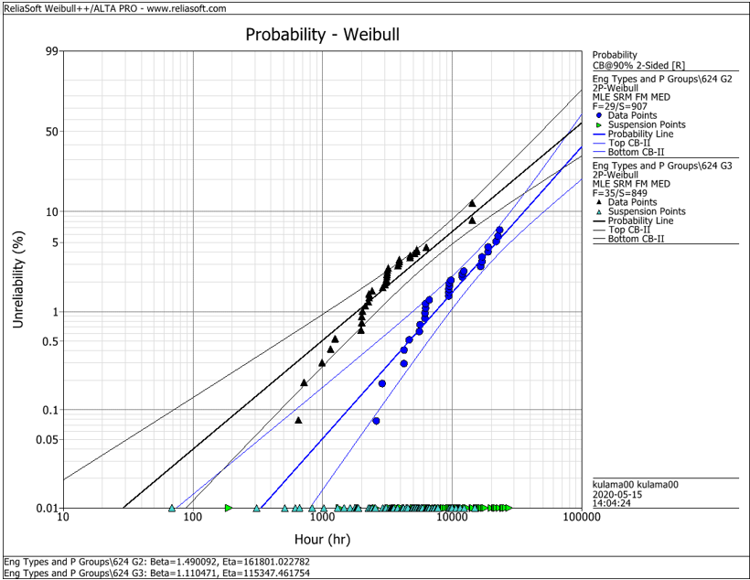
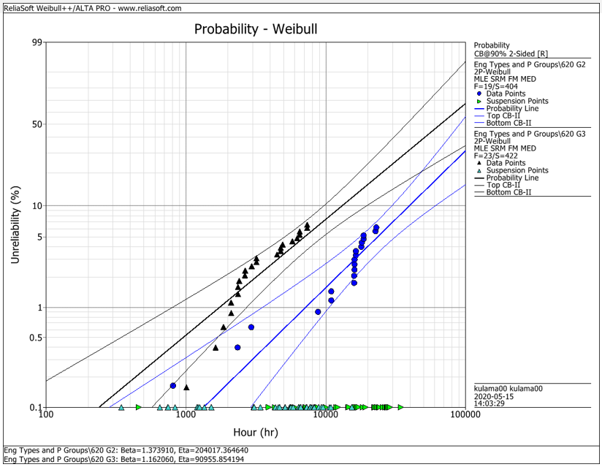
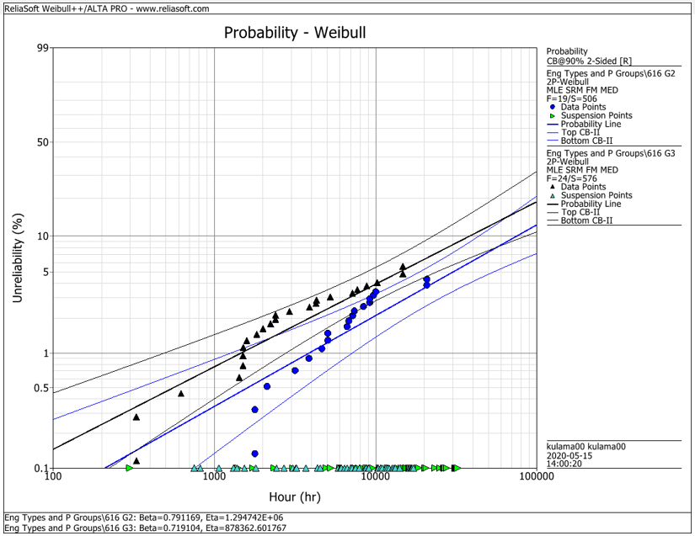
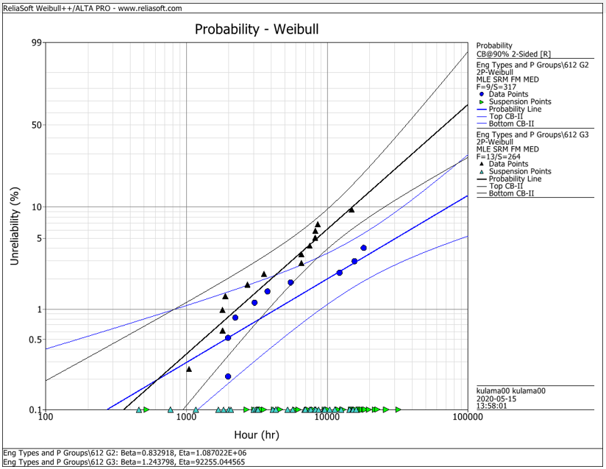
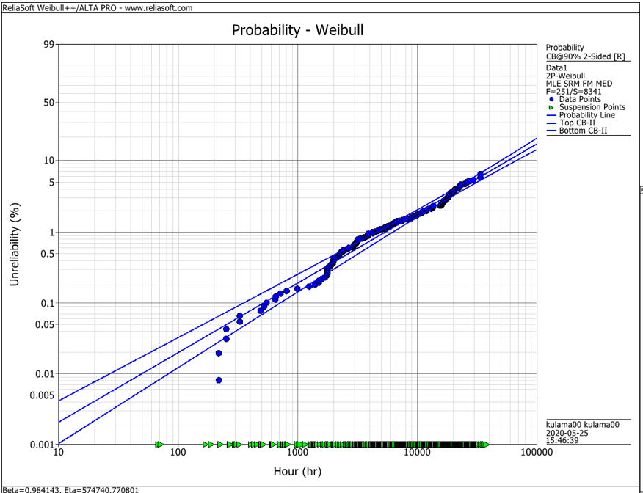
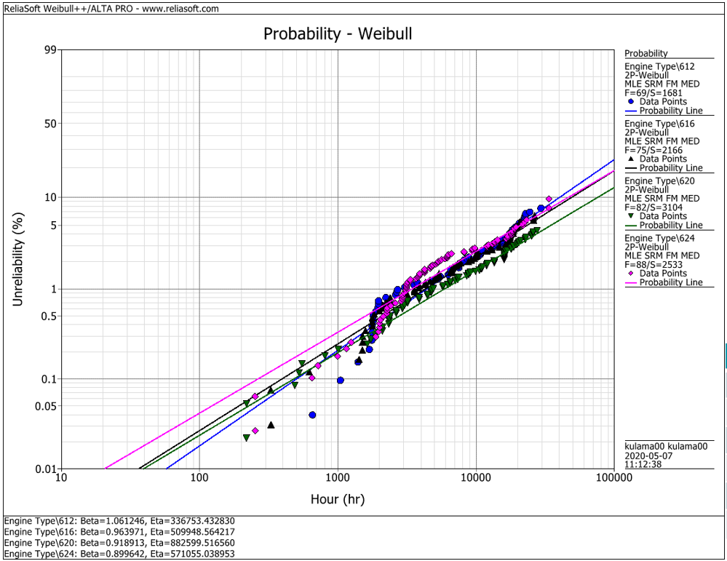
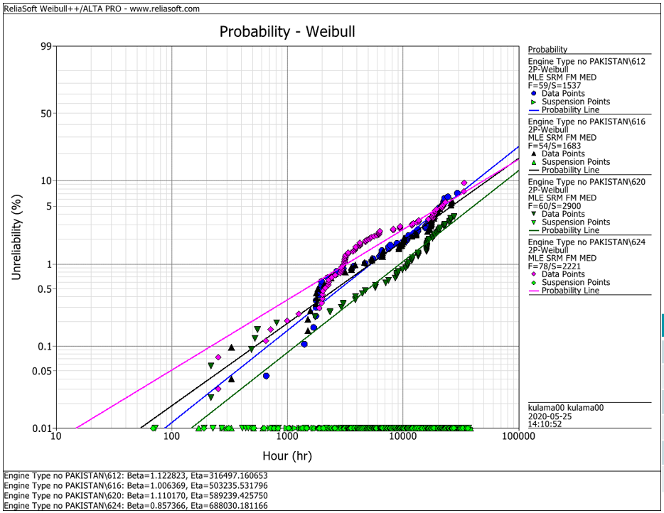
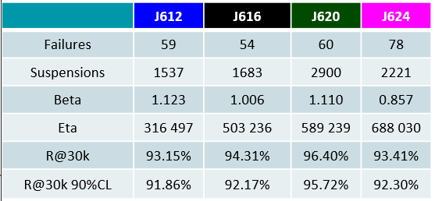
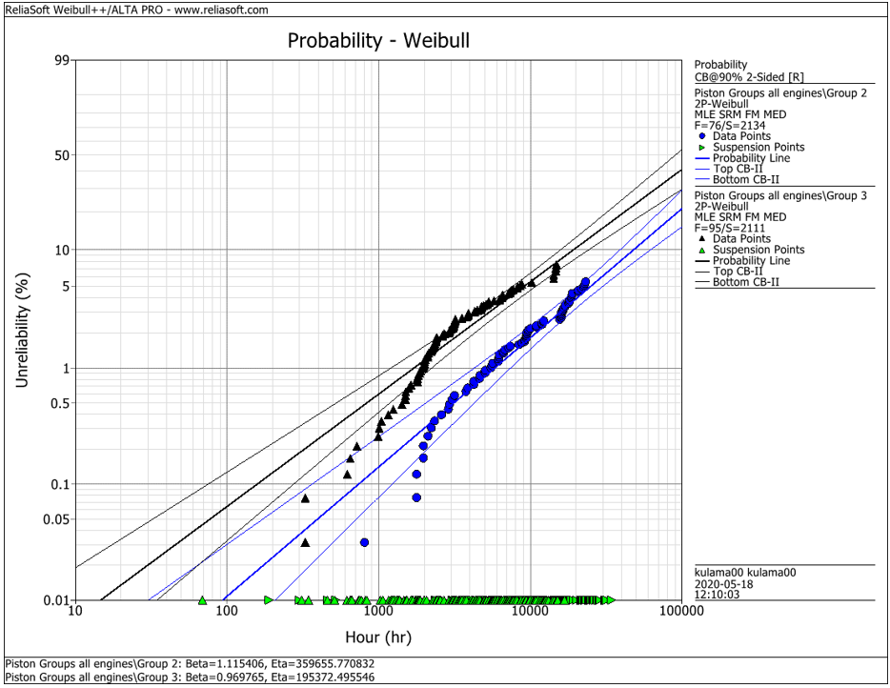
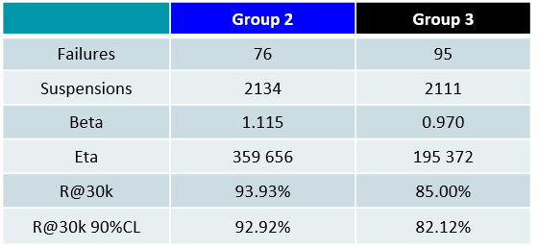
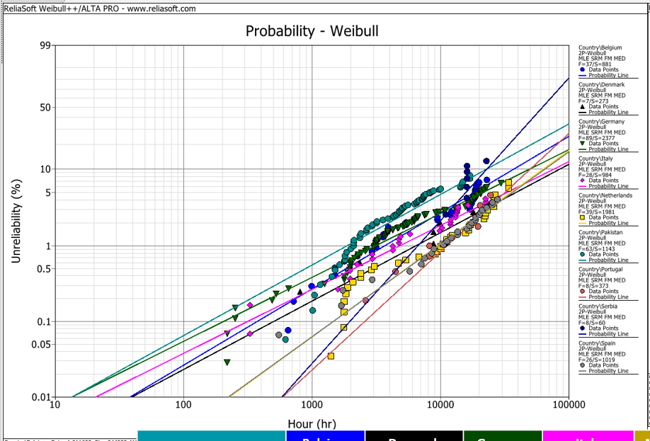
EDC Weibull Comparison
 | beta | R@30k 90%CL
G2 | 1.490 | 92.2%
G2 | 1.374 | 93.0%
G2 | 0.791 | 95.0%
G2 | 0.830 | 95.0%
G2 | 1.115 | 92.9%
G3 | 1.110 | 80.0%
G3 | 1.162 | 75.0%
G3 | 0.719 | 91.5%
G3 | 1.244 | 79.0%
G3 | 0.970 | 82.1%
all | 0.984 | 94.2%
all | 1.061 | 91.3%
all | 0.964 | 92.6%
all | 0.919 | 94.9%
all | 0.899 | 92.1%
all w/o Pak | 1.123 | 91.9%
all w/o Pak | 1.006 | 92.2%
all w/o Pak | 1.110 | 95.7%
all w/o Pak | 0.857 | 93.4%

 |  | f | s | beta | eta | R@30k 90%CL | Comment
J624 | G2 | 29 | 907 | 1.490 | 161801 | 92.2% | T23 with LKZ OCR
J620 | G2 | 19 | 404 | 1.374 | 204017 | 93.0% | T23 with LKZ OCR
J616 | G2 | 19 | 506 | 0.791 | 1294700 | 95.0% | T23 with LKZ OCR
J612 | G2 | 9 | 317 | 0.830 | 1088700 | 95.0% | T23 with LKZ OCR
J6xx | G2 | 76 | 2134 | 1.115 | 359656 | 92.9% | T23 with LKZ OCR

J624 | G3 | 35 | 849 | 1.110 | 115347 | 80.0% | T23 with flat OCR
J620 | G3 | 23 | 422 | 1.162 | 90955 | 75.0% | T23 with flat OCR
J616 | G3 | 24 | 576 | 0.719 | 878362 | 91.5% | T23 with LKZ OCR
J612 | G3 | 13 | 264 | 1.244 | 92255 | 79.0% | T23 with LKZ OCR
J6xx | G3 | 95 | 2111 | 0.970 | 195372 | 82.1% | T23 with LKZ OCR

J6xx | all | 251 | 8341 | 0.984 | 574741 | 94.2% | Source - cleaned by Maciej 2020-05_25
J612 | all | 69 | 1681 | 1.061 | 336753 | 91.3% | Source - cleaned by Maciej 2020-05_25
J616 | all | 75 | 2166 | 0.964 | 509948 | 92.6% | Source - cleaned by Maciej 2020-05_25
J620 | all | 82 | 3104 | 0.919 | 882599 | 94.9% | Source - cleaned by Maciej 2020-05_25
J624 | all | 88 | 2533 | 0.899 | 571055 | 92.1% | Source - cleaned by Maciej 2020-05_25

J612 | all w/o Pak | 59 | 1537 | 1.123 | 316497 | 91.9% | Source - cleaned by Maciej 2020-05_25
J616 | all w/o Pak | 54 | 1683 | 1.006 | 503236 | 92.2% | Source - cleaned by Maciej 2020-05_25
J620 | all w/o Pak | 60 | 2900 | 1.110 | 589239 | 95.7% | Source - cleaned by Maciej 2020-05_25
J624 | all w/o Pak | 78 | 2221 | 0.857 | 688030 | 93.4% | Source - cleaned by Maciej 2020-05_25

 |  | beta | 1.490 | max
 |  |  | 0.719 | min
 |  |  | 1.038 | mittel
 |  |  | 1.006 | median

