summary
Demonstrated Reliability
 | CLB 90% - 10% |  | CLB 90% - 10% |  | CLB 90% - 10% |  | R1 |  | R2 |  | R3 |  | today |  | R Ref |  | Weibull, b = 1,21 |  | Weibull G3, b 0,97
 | 17.8% | 0 | 97.0% | 0 | 95.0% | 0 | 0.0% | 0 | 0.0% | 0 | 0.0% | 83160 | 0.00 | 83160 | 99.2% | 0 | 100.0% | 0 | 100.0%
 | 17.8% | 2495 | 97.0% | 2495 | 95.0% | 2495 | 30.4% | 2495 | 1.9% | 2495 | 83.5% | 83160 | 1.00 |  |  | 2495 | 100.0% | 2495 | 98.6%
 | 17.8% | 6653 | 97.0% | 6653 | 95.0% | 6653 | 69.6% | 6653 | 29.9% | 6653 | 94.6% |  |  |  |  | 6653 | 100.0% | 6653 | 96.3%
 | 17.8% | 12474 | 97.0% | 12474 | 95.0% | 12474 | 85.1% | 12474 | 58.5% | 12474 | 97.6% |  |  |  |  | 12474 | 99.9% | 12474 | 93.3%
 | 17.8% | 16632 | 97.0% | 16632 | 95.0% | 16632 | 91.2% | 16632 | 73.5% | 16632 | 98.6% |  |  |  |  | 16632 | 99.9% | 16632 | 91.2%
 | 17.8% | 20790 | 97.0% | 20790 | 95.0% | 20790 | 93.9% | 20790 | 81.3% | 20790 | 99.1% |  |  |  |  | 20790 | 99.8% | 20790 | 89.2%
 | 13.6% | 24948 | 97.0% | 24948 | 95.0% | 24948 | 95.5% | 24948 | 85.7% | 24948 | 99.3% |  |  |  |  | 24948 | 99.8% | 24948 | 87.3%
 | 10.8% | 29106 | 97.0% | 29106 | 95.0% | 29106 | 96.4% | 29106 | 88.6% | 29106 | 99.4% |  |  |  |  | 29106 | 99.8% | 29106 | 85.4%
 | 9.0% | 33264 | 97.0% | 33264 | 95.0% | 33264 | 97.1% | 33264 | 90.6% | 33264 | 99.5% |  |  |  |  | 33264 | 99.7% | 33264 | 83.6%
 | 7.6% | 37422 | 97.0% | 37422 | 95.0% | 37422 | 97.5% | 37422 | 92.0% | 37422 | 99.6% |  |  |  |  | 37422 | 99.7% | 37422 | 81.8%
 | 6.6% | 41580 | 97.0% | 41580 | 95.0% | 41580 | 97.9% | 41580 | 93.1% | 41580 | 99.7% |  |  |  |  | 41580 | 99.6% | 41580 | 80.0%
 | 5.8% | 45738 | 97.0% | 45738 | 95.0% | 45738 | 98.1% | 45738 | 94.0% | 45738 | 99.7% |  |  |  |  | 45738 | 99.6% | 45738 | 78.3%
 | 4.8% | 49896 | 97.0% | 49896 | 95.0% | 49896 | 98.5% | 49896 | 95.0% | 49896 | 99.8% |  |  |  |  | 49896 | 99.5% | 49896 | 76.6%
 | 3.7% | 54054 | 97.0% | 54054 | 95.0% | 54054 | 98.8% | 54054 | 96.1% | 54054 | 99.8% |  |  |  |  | 54054 | 99.5% | 54054 | 75.0%
 | 3.0% | 58212 | 97.0% | 58212 | 95.0% | 58212 | 99.1% | 58212 | 96.9% | 58212 | 99.9% |  |  |  |  | 58212 | 99.4% | 58212 | 73.4%
 | 2.4% | 62370 | 97.0% | 62370 | 95.0% | 62370 | 99.2% | 62370 | 97.5% | 62370 | 99.9% |  |  |  |  | 62370 | 99.4% | 62370 | 71.9%
 | 2.0% | 66528 | 97.0% | 66528 | 95.0% | 66528 | 99.4% | 66528 | 97.9% | 66528 | 99.9% |  |  |  |  | 66528 | 99.3% | 66528 | 70.3%
 | 1.6% | 70686 | 97.0% | 70686 | 95.0% | 70686 | 99.5% | 70686 | 98.3% | 70686 | 99.9% |  |  |  |  | 70686 | 99.3% | 70686 | 68.9%
 | 1.3% | 74844 | 97.0% | 74844 | 95.0% | 74844 | 99.6% | 74844 | 98.6% | 74844 | 99.9% |  |  |  |  | 74844 | 99.2% | 74844 | 67.4%
 | 1.0% | 79002 | 97.0% | 79002 | 95.0% | 79002 | 99.7% | 79002 | 99.0% | 79002 | 100.0% |  |  |  |  | 79002 | 99.2% | 79002 | 66.0%
 | 0.8% | 83160 | 97.0% | 83160 | 95.0% | 83160 | 99.7% | 83160 | 99.2% | 83160 | 100.0% |  |  |  |  | 83160 | 99.1% | 83160 | 64.6%
 | 0.7% | 87318 | 97.0% | 87318 | 95.0% | 87318 | 99.8% | 87318 | 99.3% | 87318 | 100.0% |  |  |  |  | 87318 | 99.1% | 87318 | 63.3%
 | 0.6% | 91476 | 97.0% | 91476 | 95.0% | 91476 | 99.8% | 91476 | 99.4% | 91476 | 100.0% |  |  |  |  | 91476 | 99.0% | 91476 | 61.9%
 | 0.5% | 95634 | 97.0% | 95634 | 95.0% | 95634 | 99.8% | 95634 | 99.5% | 95634 | 100.0% |  |  |  |  | 95634 | 99.0% | 95634 | 60.6%
 | 0.4% | 99792 | 97.0% | 99792 | 95.0% | 99792 | 99.9% | 99792 | 99.6% | 99792 | 100.0% |  |  |  |  | 99792 | 98.9% | 99792 | 59.4%
 | 0.4% | 103950 | 97.0% | 103950 | 95.0% | 103950 | 99.9% | 103950 | 99.6% | 103950 | 100.0% |  |  |  |  | 103950 | 98.9% | 103950 | 58.1%
 | 0.3% | 108108 | 97.0% | 108108 | 95.0% | 108108 | 99.9% | 108108 | 99.6% | 108108 | 100.0% |  |  |  |  | 108108 | 98.8% | 108108 | 56.9%
 | 0.3% | 112266 | 97.0% | 112266 | 95.0% | 112266 | 99.9% | 112266 | 99.7% | 112266 | 100.0% |  |  |  |  | 112266 | 98.8% | 112266 | 55.8%
 | 0.3% | 116424 | 97.0% | 116424 | 95.0% | 116424 | 99.9% | 116424 | 99.7% | 116424 | 100.0% |  |  |  |  | 116424 | 98.7% | 116424 | 54.6%
 | 0.3% | 120582 | 97.0% | 120582 | 95.0% | 120582 | 99.9% | 120582 | 99.7% | 120582 | 100.0% |  |  |  |  | 120582 | 98.6% | 120582 | 53.5%
 | 0.2% | 124740 | 97.0% | 124740 | 95.0% | 124740 | 99.9% | 124740 | 99.8% | 124740 | 100.0% |  |  |  |  | 124740 | 98.6% | 124740 | 52.4%
 | 0.2% | 128898 | 97.0% | 128898 | 95.0% | 128898 | 99.9% | 128898 | 99.8% | 128898 | 100.0% |  |  |  |  | 128898 | 98.5% | 128898 | 51.3%
 | 0.2% | 133056 | 97.0% | 133056 | 95.0% | 133056 | 99.9% | 133056 | 99.8% | 133056 | 100.0% |  |  |  |  | 133056 | 98.5% | 133056 | 50.2%
 | 0.2% | 137214 | 97.0% | 137214 | 95.0% | 137214 | 99.9% | 137214 | 99.8% | 137214 | 100.0% |  |  |  |  | 137214 | 98.4% | 137214 | 49.2%
 | 0.2% | 141372 | 97.0% | 141372 | 95.0% | 141372 | 99.9% | 141372 | 99.8% | 141372 | 100.0% |  |  |  |  | 141372 | 98.4% | 141372 | 48.2%
 | 0.2% | 145530 | 97.0% | 145530 | 95.0% | 145530 | 99.9% | 145530 | 99.8% | 145530 | 100.0% |  |  |  |  | 145530 | 98.3% | 145530 | 47.2%
 | 0.2% | 149688 | 97.0% | 149688 | 95.0% | 149688 | 99.9% | 149688 | 99.8% | 149688 | 100.0% |  |  |  |  | 149688 | 98.2% | 149688 | 46.2%
 | 0.2% | 153846 | 97.0% | 153846 | 95.0% | 153846 | 100.0% | 153846 | 99.8% | 153846 | 100.0% |  |  |  |  | 153846 | 98.2% | 153846 | 45.2%
 | 0.1% | 158004 | 97.0% | 158004 | 95.0% | 158004 | 100.0% | 158004 | 99.9% | 158004 | 100.0% |  |  |  |  | 158004 | 98.1% | 158004 | 44.3%
 | 0.1% | 162162 | 97.0% | 162162 | 95.0% | 162162 | 100.0% | 162162 | 99.9% | 162162 | 100.0% |  |  |  |  | 162162 | 98.1% | 162162 | 43.4%
 | 0.1% | 166320 | 97.0% | 166320 | 95.0% | 166320 | 100.0% | 166320 | 99.9% | 166320 | 100.0% |  |  |  |  | 166320 | 98.0% | 166320 | 42.5%
 |  |  |  |  |  |  | Pn | 1013 | mbar | Tn | 0 | °C | 9.8 | kWh / mn3
Validation Fleet Status |  | Date | 12/28/20 |  |  |  | ETAMOT not fully plausible ?
624 | 16 |  | Cum hours | 447339
620 | 4 |  | Fl Leader | 66470
616 | 7 |  | Avg hours | 15976 |  |  |  |  |  |  |  |  |  | 0
612 | 1 |  | 2000 | 27 |  |  |  |  |  |  |  |  |  | 0
Sum Engines | 28 |  | 4000 | 27 |  |  |  |  |  |  |  |  |  | 0
Sum PU's | 588 |  | 6000 | 25 |  |  |  |  |  |  |  |  |  | 0
 |  |  |  |  |  |  |  |  |  |  |  |  |  | 0
Beta | Running | Available | Not Available | Error |  |  |  |  |  |  |  |  |  | 0
1.210 | 20 | 1 | 6 | 1 |  |  |  |  |  |  |  |  |  | 0
 |  |  |  |  |  |  |  |  |  |  |  |  |  | 0
 | T | CL | BETA | R |  |  |  |  |  |  |  |  |  | 0
R1 | 30000 | 50% | 1.210 | 99.7% |  |  |  |  |  |  |  |  |  | 0
R2 | 30000 | 90% | 1.210 | 99.2% |  |  |  |  |  |  |  |  |  | 0
R3 | 30000 | 10% | 1.210 | 100.0% |  |  |  |  |  |  |  |  |  | 0
 |  |  |  |  |  |  |  |  |  |  |  |  |  | 0
Field Validation Results vs. CTQ's |  |  |  | CTQ |  |  |  |  |  |  |  |  |  | 0
1. R(CL 50%) > 97% @ß = |  | 1.210 | 99.7% | 97% |  |  |  |  |  |  |  |  |  | 0
2. R(CL 90%) > 90% @ß = |  | 1.210 | 99.2% | 90% |  |  |  |  |  |  |  |  |  | 0
3. 4 Engines > 6000 oph |  |  | 25 | 4 |  |  |  |  |  |  |  |  |  | 0
 |  |  |  |  | 1.210 | 1.21 |  |  |  |  |  |  |  | 0
 | BR6 |  | hours s. VS | 83160 | 66470 | 66470 |  |  |  |  |  |  |  | 0
Bohrung [mm] | 190 |  | pess PU F | 1.0% | 104.5 | 104.5 |  |  |  |  |  |  |  | 0
Hub [mm] | 220 |  | pess PU F | 6 | 98.7% |  |  |  |  |  |  |  |  | 0
Validation Fleet oph
 |  |  | Date |  | Date line |  | 2000 |  | 6000 |  | 1145166 |  | 1175579 |  | 1184199 |  | 1198719 |  | 1243360 |  | 1243362 |  | 1250575
7/4/2011 | 0 | 12/28/2020 | 66470 | 12/28/2020 | 0 | 7/4/2011 | 2000 | 7/4/2011 | 6000 | 7/4/2011 | 0 | 7/4/2011 | 0 | 7/4/2011 | 0 | 7/4/2011 | 0 | 7/4/2011 | 0 | 7/4/2011 | 0 | 7/4/2011 | 0
10/15/2011 | 2495 |  |  | 12/28/2020 | 66470 | 6/24/2030 | 2000 | 6/24/2030 | 6000 | 10/15/2011 | 0 | 10/15/2011 | 0 | 10/15/2011 | 0 | 10/15/2011 | 0 | 10/15/2011 | 0 | 10/15/2011 | 1942 | 10/15/2011 | 0
4/6/2012 | 6653 |  |  |  |  |  |  |  |  | 4/6/2012 | 0 | 4/6/2012 | 0 | 4/6/2012 | 0 | 4/6/2012 | 0 | 4/6/2012 | 0 | 4/6/2012 | 5178 | 4/6/2012 | 0
12/4/2012 | 12474 |  |  |  |  |  |  |  |  | 12/4/2012 | 0 | 12/4/2012 | 0 | 12/4/2012 | 0 | 12/4/2012 | 0 | 12/4/2012 | 841 | 12/4/2012 | 9709 | 12/4/2012 | 0
5/27/2013 | 16632 |  |  |  |  |  |  |  |  | 5/27/2013 | 0 | 5/27/2013 | 0 | 5/27/2013 | 0 | 5/27/2013 | 0 | 5/27/2013 | 4702 | 5/27/2013 | 12945 | 5/27/2013 | 0
11/16/2013 | 20790 |  |  |  |  |  |  |  |  | 11/16/2013 | 0 | 11/16/2013 | 0 | 11/16/2013 | 0 | 11/16/2013 | 0 | 11/16/2013 | 8562 | 11/16/2013 | 16182 | 11/16/2013 | 0
5/8/2014 | 24948 |  |  |  |  |  |  |  |  | 5/8/2014 | 0 | 5/8/2014 | 0 | 5/8/2014 | 0 | 5/8/2014 | 0 | 5/8/2014 | 12423 | 5/8/2014 | 19418 | 5/8/2014 | 0
10/28/2014 | 29106 |  |  |  |  |  |  |  |  | 10/28/2014 | 0 | 10/28/2014 | 0 | 10/28/2014 | 0 | 10/28/2014 | 0 | 10/28/2014 | 16283 | 10/28/2014 | 22654 | 10/28/2014 | 0
4/20/2015 | 33264 |  |  |  |  |  |  |  |  | 4/20/2015 | 0 | 4/20/2015 | 0 | 4/20/2015 | 0 | 4/20/2015 | 0 | 4/20/2015 | 20144 | 4/20/2015 | 25890 | 4/20/2015 | 0
10/10/2015 | 37422 |  |  |  |  |  |  |  |  | 10/10/2015 | 0 | 10/10/2015 | 0 | 10/10/2015 | 0 | 10/10/2015 | 0 | 10/10/2015 | 24004 | 10/10/2015 | 29127 | 10/10/2015 | 0
3/31/2016 | 41580 |  |  |  |  |  |  |  |  | 3/31/2016 | 0 | 3/31/2016 | 0 | 3/31/2016 | 0 | 3/31/2016 | 0 | 3/31/2016 | 27865 | 3/31/2016 | 32363 | 3/31/2016 | 0
9/20/2016 | 45738 |  |  |  |  |  |  |  |  | 9/20/2016 | 0 | 9/20/2016 | 605 | 9/20/2016 | 0 | 9/20/2016 | 0 | 9/20/2016 | 31725 | 9/20/2016 | 35599 | 9/20/2016 | 0
3/13/2017 | 49896 |  |  |  |  |  |  |  |  | 3/13/2017 | 2100 | 3/13/2017 | 4128 | 3/13/2017 | 1675 | 3/13/2017 | 0 | 3/13/2017 | 35586 | 3/13/2017 | 38836 | 3/13/2017 | 0
9/2/2017 | 54054 |  |  |  |  |  |  |  |  | 9/2/2017 | 5969 | 9/2/2017 | 7652 | 9/2/2017 | 5258 | 9/2/2017 | 3435 | 9/2/2017 | 39446 | 9/2/2017 | 42072 | 9/2/2017 | 0
2/22/2018 | 58212 |  |  |  |  |  |  |  |  | 2/22/2018 | 9839 | 2/22/2018 | 11175 | 2/22/2018 | 8842 | 2/22/2018 | 7268 | 2/22/2018 | 43307 | 2/22/2018 | 45308 | 2/22/2018 | 0
8/14/2018 | 62370 |  |  |  |  |  |  |  |  | 8/14/2018 | 13709 | 8/14/2018 | 14698 | 8/14/2018 | 12425 | 8/14/2018 | 11102 | 8/14/2018 | 47167 | 8/14/2018 | 48545 | 8/14/2018 | 0
2/4/2019 | 66528 |  |  |  |  |  |  |  |  | 2/4/2019 | 17578 | 2/4/2019 | 18222 | 2/4/2019 | 16008 | 2/4/2019 | 14935 | 2/4/2019 | 51028 | 2/4/2019 | 51781 | 2/4/2019 | 0
7/27/2019 | 70686 |  |  |  |  |  |  |  |  | 7/27/2019 | 21448 | 7/27/2019 | 21745 | 7/27/2019 | 19591 | 7/27/2019 | 18768 | 7/27/2019 | 54888 | 7/27/2019 | 55017 | 7/27/2019 | 0
1/16/2020 | 74844 |  |  |  |  |  |  |  |  | 1/16/2020 | 25318 | 1/16/2020 | 25268 | 1/16/2020 | 23175 | 1/16/2020 | 22601 | 1/16/2020 | 58749 | 1/16/2020 | 58253 | 1/16/2020 | 1170
7/7/2020 | 79002 |  |  |  |  |  |  |  |  | 7/7/2020 | 29187 | 7/7/2020 | 28792 | 7/7/2020 | 26758 | 7/7/2020 | 26435 | 7/7/2020 | 62609 | 7/7/2020 | 61490 | 7/7/2020 | 2665
12/28/2020 | 83160 |  |  |  |  |  |  |  |  | 12/28/2020 | 33057 | 12/28/2020 | 32315 | 12/28/2020 | 30341 | 12/28/2020 | 30268 | 12/28/2020 | 66470 | 12/28/2020 | 64726 | 12/28/2020 | 4161
6/19/2021 | 87318 |  |  |  |  |  |  |  |  | 6/19/2021 | 36927 | 6/19/2021 | 35838 | 6/19/2021 | 33924 | 6/19/2021 | 34101 | 6/19/2021 | 70331 | 6/19/2021 | 67962 | 6/19/2021 | 5657
12/9/2021 | 91476 |  |  |  |  |  |  |  |  | 12/9/2021 | 40796 | 12/9/2021 | 39362 | 12/9/2021 | 37507 | 12/9/2021 | 37935 | 12/9/2021 | 74191 | 12/9/2021 | 71199 | 12/9/2021 | 7152
5/31/2022 | 95634 |  |  |  |  |  |  |  |  | 5/31/2022 | 44666 | 5/31/2022 | 42885 | 5/31/2022 | 41091 | 5/31/2022 | 41768 | 5/31/2022 | 78052 | 5/31/2022 | 74435 | 5/31/2022 | 8648
11/21/2022 | 99792 |  |  |  |  |  |  |  |  | 11/21/2022 | 48536 | 11/21/2022 | 46408 | 11/21/2022 | 44674 | 11/21/2022 | 45601 | 11/21/2022 | 81912 | 11/21/2022 | 77671 | 11/21/2022 | 10144
5/13/2023 | 103950 |  |  |  |  |  |  |  |  | 5/13/2023 | 52405 | 5/13/2023 | 49932 | 5/13/2023 | 48257 | 5/13/2023 | 49434 | 5/13/2023 | 85773 | 5/13/2023 | 80908 | 5/13/2023 | 11639
11/2/2023 | 108108 |  |  |  |  |  |  |  |  | 11/2/2023 | 56275 | 11/2/2023 | 53455 | 11/2/2023 | 51840 | 11/2/2023 | 53268 | 11/2/2023 | 89633 | 11/2/2023 | 84144 | 11/2/2023 | 13135
4/23/2024 | 112266 |  |  |  |  |  |  |  |  | 4/23/2024 | 60145 | 4/23/2024 | 56978 | 4/23/2024 | 55424 | 4/23/2024 | 57101 | 4/23/2024 | 93494 | 4/23/2024 | 87380 | 4/23/2024 | 14630
10/14/2024 | 116424 |  |  |  |  |  |  |  |  | 10/14/2024 | 64014 | 10/14/2024 | 60502 | 10/14/2024 | 59007 | 10/14/2024 | 60934 | 10/14/2024 | 97354 | 10/14/2024 | 90616 | 10/14/2024 | 16126
4/5/2025 | 120582 |  |  |  |  |  |  |  |  | 4/5/2025 | 67884 | 4/5/2025 | 64025 | 4/5/2025 | 62590 | 4/5/2025 | 64768 | 4/5/2025 | 101215 | 4/5/2025 | 93853 | 4/5/2025 | 17622
9/25/2025 | 124740 |  |  |  |  |  |  |  |  | 9/25/2025 | 71754 | 9/25/2025 | 67548 | 9/25/2025 | 66173 | 9/25/2025 | 68601 | 9/25/2025 | 105075 | 9/25/2025 | 97089 | 9/25/2025 | 19117
3/17/2026 | 128898 |  |  |  |  |  |  |  |  | 3/17/2026 | 75623 | 3/17/2026 | 71072 | 3/17/2026 | 69756 | 3/17/2026 | 72434 | 3/17/2026 | 108936 | 3/17/2026 | 100325 | 3/17/2026 | 20613
9/7/2026 | 133056 |  |  |  |  |  |  |  |  | 9/7/2026 | 79493 | 9/7/2026 | 74595 | 9/7/2026 | 73340 | 9/7/2026 | 76267 | 9/7/2026 | 112796 | 9/7/2026 | 103562 | 9/7/2026 | 22109
2/27/2027 | 137214 |  |  |  |  |  |  |  |  | 2/27/2027 | 83363 | 2/27/2027 | 78118 | 2/27/2027 | 76923 | 2/27/2027 | 80101 | 2/27/2027 | 116657 | 2/27/2027 | 106798 | 2/27/2027 | 23604
8/19/2027 | 141372 |  |  |  |  |  |  |  |  | 8/19/2027 | 87233 | 8/19/2027 | 81642 | 8/19/2027 | 80506 | 8/19/2027 | 83934 | 8/19/2027 | 120517 | 8/19/2027 | 110034 | 8/19/2027 | 25100
2/8/2028 | 145530 |  |  |  |  |  |  |  |  | 2/8/2028 | 91102 | 2/8/2028 | 85165 | 2/8/2028 | 84089 | 2/8/2028 | 87767 | 2/8/2028 | 124378 | 2/8/2028 | 113271 | 2/8/2028 | 26595
7/31/2028 | 149688 |  |  |  |  |  |  |  |  | 7/31/2028 | 94972 | 7/31/2028 | 88688 | 7/31/2028 | 87672 | 7/31/2028 | 91601 | 7/31/2028 | 128238 | 7/31/2028 | 116507 | 7/31/2028 | 28091
1/20/2029 | 153846 |  |  |  |  |  |  |  |  | 1/20/2029 | 98842 | 1/20/2029 | 92212 | 1/20/2029 | 91256 | 1/20/2029 | 95434 | 1/20/2029 | 132099 | 1/20/2029 | 119743 | 1/20/2029 | 29587
7/12/2029 | 158004 |  |  |  |  |  |  |  |  | 7/12/2029 | 102711 | 7/12/2029 | 95735 | 7/12/2029 | 94839 | 7/12/2029 | 99267 | 7/12/2029 | 135959 | 7/12/2029 | 122979 | 7/12/2029 | 31082
1/1/2030 | 162162 |  |  |  |  |  |  |  |  | 1/1/2030 | 106581 | 1/1/2030 | 99258 | 1/1/2030 | 98422 | 1/1/2030 | 103100 | 1/1/2030 | 139820 | 1/1/2030 | 126216 | 1/1/2030 | 32578
6/24/2030 | 166320 |  |  |  |  |  |  |  |  | 6/24/2030 | 110451 | 6/24/2030 | 102782 | 6/24/2030 | 102005 | 6/24/2030 | 106934 | 6/24/2030 | 143680 | 6/24/2030 | 129452 | 6/24/2030 | 34074
VH zyl [dm3] | 6.24 |  | like PU F | 0.3% | 2414012 | 6596467.2182 |  |  |  |  |  |  |  | 0
 |  |  | like PU F | 1 | 99.5% |  |  |  |  |  |  |  |  | 0
 |  |  |  | 20160.025424 | 0.49% | 0.38% |  |  |  |  |  |  |  | 0
 |  |  |  |  | 0.52 | 2.2519 |  |  |  |  |  |  |  | 0
Engines | ~ BMP Avg | z | VH [dm3] | etael |  |  |  |  |  |  |  |  |  | 0
624 | 24.2 | 24 | 149.7 | 98.1% |  |  |  |  |  |  |  |  |  | 0
620 | 22.0 | 20 | 124.8 | 98.0% |  |  |  |  |  |  |  |  |  | 0
616 | 22.0 | 16 | 99.8 | 97.6% |  |  |  |  |  |  |  |  |  | 0
612 | 22.0 | 12 | 74.9 | 98.6% |  |  |  |  |  |  |  |  |  | 0
 |  |  |  |  |  |  |  |  |  |  |  |  |  | 0
BMEP Avg | BMEP Min | BMEP Max | NOX | MN | Version | #
24.2 | 24.0 | 24.5 | 500 | 80 | K01 | 2
24.4 | 24.0 | 24.5 | 500 | 80 | H01 | 11
24.0 | 24.0 | 24.0 | 250 | 80 | H02 | 1
 | 0.0 | 0.0 | 500 | 70 | H101 | 0
24.5 | 24.5 | 24.5 | 250 | 70 | H12 | 1
22.0 | 22.0 | 22.0 | 500 | 80 | F01 | 4
22.0 | 22.0 | 22.0 | 500 | 80 | J01 | 2
22.0 | 22.0 | 22.0 | 500 | 70 | J101 | 1
22.0 | 22.0 | 22.0 | 500 | 70 | J11 | 1
22.0 | 22.0 | 22.0 | 500 | 70 | F11 | 1
22.0 | 22.0 | 22.0 | 250 | 70 | F12 | 1
22.0 | 22.0 | 22.0 | 250 | 70 | J12 | 2
22.9 | 22.9 | 22.9 | 500 | 80 | K505 | 1
 |  |  |  |  |  | 28

ndReliaCalc2
 | Data Date | 2020-12-28 11:22:14
 | Val Start | 2011-07-04
 | Val Period (days) | 3465
 | Beta (R2) | 1.21

 |  |  |  | 2000h line | 2000 | 2000
 |  |  |  |  | 2019-05-01 | 2021-12-31
 |  |  |  | 6000h line | 6000 | 6000
 |  |  |  |  | 2019-05-01 | 2021-12-31

 |  |  |  |  |  |  |  | R1 failures | 0 | 0 | 0 | 0 | 0 | 0 | 0 | 0 | 0 | 0 | 0 | 0 | 0 | 0 | 0 | 0 | 0 | 0 | 0 | 0 | 0 | 0 | 0 | 0 | 0 | 0 | 0 | 0 | 0 | 0 | 0 | 0 | 0 | 0 | 0 | 0 | 0 | 0 | 0 | 0 | 0
 |  |  |  |  |  |  |  | R2 failures | 0 | 0 | 0 | 0 | 0 | 0 | 0 | 0 | 0 | 0 | 0 | 0 | 0 | 0 | 0 | 0 | 0 | 0 | 0 | 0 | 0 | 0 | 0 | 0 | 0 | 0 | 0 | 0 | 0 | 0 | 0 | 0 | 0 | 0 | 0 | 0 | 0 | 0 | 0 | 0 | 0
 |  |  |  | f1 | 2020-12-18 11:22:14 | 0 | 100% | 3455 | 0 | 0 | 0 | 0 | 0 | 0 | 0 | 0 | 0 | 0 | 0 | 0 | 0 | 0 | 0 | 0 | 0 | 0 | 0 | 0 | 0 | 0 | 0 | 0 | 0 | 0 | 0 | 0 | 0 | 0 | 0 | 0 | 0 | 0 | 0 | 0 | 0 | 0 | 0 | 0 | 0
 |  |  |  | f2 | 2021-01-27 11:22:14 | 0 | 101% | 3495 | 0 | 0 | 0 | 0 | 0 | 0 | 0 | 0 | 0 | 0 | 0 | 0 | 0 | 0 | 0 | 0 | 0 | 0 | 0 | 0 | 0 | 0 | 0 | 0 | 0 | 0 | 0 | 0 | 0 | 0 | 0 | 0 | 0 | 0 | 0 | 0 | 0 | 0 | 0 | 0 | 0
 |  |  |  | f3 | 2020-11-27 11:22:14 | 0 | 99% | 3434 | 0 | 0 | 0 | 0 | 0 | 0 | 0 | 0 | 0 | 0 | 0 | 0 | 0 | 0 | 0 | 0 | 0 | 0 | 0 | 0 | 0 | 0 | 0 | 0 | 0 | 0 | 0 | 0 | 0 | 0 | 0 | 0 | 0 | 0 | 0 | 0 | 0 | 0 | 0 | 0 | 0
 |  |  |  | f4 | 2020-08-26 11:22:14 | 0 | 96% | 3341 | 0 | 0 | 0 | 0 | 0 | 0 | 0 | 0 | 0 | 0 | 0 | 0 | 0 | 0 | 0 | 0 | 0 | 0 | 0 | 0 | 0 | 0 | 0 | 0 | 0 | 0 | 0 | 0 | 0 | 0 | 0 | 0 | 0 | 0 | 0 | 0 | 0 | 0 | 0 | 0 | 0
 |  |  |  | f5 | 2021-05-01 11:22:14 | 0 | 104% | 3589 | 0 | 0 | 0 | 0 | 0 | 0 | 0 | 0 | 0 | 0 | 0 | 0 | 0 | 0 | 0 | 0 | 0 | 0 | 0 | 0 | 0 | 0 | 0 | 0 | 0 | 0 | 0 | 0 | 0 | 0 | 0 | 0 | 0 | 0 | 0 | 0 | 0 | 0 | 0 | 0 | 0
 |  |  |  | f6 | 2021-07-02 11:22:14 | 0 | 105% | 3651 | 0 | 0 | 0 | 0 | 0 | 0 | 0 | 0 | 0 | 0 | 0 | 0 | 0 | 0 | 0 | 0 | 0 | 0 | 0 | 0 | 0 | 0 | 0 | 0 | 0 | 0 | 0 | 0 | 0 | 0 | 0 | 0 | 0 | 0 | 0 | 0 | 0 | 0 | 0 | 0 | 0
 |  |  |  | f7 | 0 | 0 | -1175% | -40728 | 0 | 0 | 0 | 0 | 0 | 0 | 0 | 0 | 0 | 0 | 0 | 0 | 0 | 0 | 0 | 0 | 0 | 0 | 0 | 0 | 0 | 0 | 0 | 0 | 0 | 0 | 0 | 0 | 0 | 0 | 0 | 0 | 0 | 0 | 0 | 0 | 0 | 0 | 0 | 0 | 0
 |  |  |  | f8 | 0 | 0 | -1175% | -40728 | 0 | 0 | 0 | 0 | 0 | 0 | 0 | 0 | 0 | 0 | 0 | 0 | 0 | 0 | 0 | 0 | 0 | 0 | 0 | 0 | 0 | 0 | 0 | 0 | 0 | 0 | 0 | 0 | 0 | 0 | 0 | 0 | 0 | 0 | 0 | 0 | 0 | 0 | 0 | 0 | 0
 |  |  |  | f9 | 0 | 0 | -1175% | -40728 | 0 | 0 | 0 | 0 | 0 | 0 | 0 | 0 | 0 | 0 | 0 | 0 | 0 | 0 | 0 | 0 | 0 | 0 | 0 | 0 | 0 | 0 | 0 | 0 | 0 | 0 | 0 | 0 | 0 | 0 | 0 | 0 | 0 | 0 | 0 | 0 | 0 | 0 | 0 | 0 | 0
 |  |  |  | f10 | 0 | 0 | -1175% | -40728 | 0 | 0 | 0 | 0 | 0 | 0 | 0 | 0 | 0 | 0 | 0 | 0 | 0 | 0 | 0 | 0 | 0 | 0 | 0 | 0 | 0 | 0 | 0 | 0 | 0 | 0 | 0 | 0 | 0 | 0 | 0 | 0 | 0 | 0 | 0 | 0 | 0 | 0 | 0 | 0 | 0
 |  |  |  | f11 | 0 | 0 | -1175% | -40728 | 0 | 0 | 0 | 0 | 0 | 0 | 0 | 0 | 0 | 0 | 0 | 0 | 0 | 0 | 0 | 0 | 0 | 0 | 0 | 0 | 0 | 0 | 0 | 0 | 0 | 0 | 0 | 0 | 0 | 0 | 0 | 0 | 0 | 0 | 0 | 0 | 0 | 0 | 0 | 0 | 0
 |  |  |  | f12 | 0 | 0 | -1175% | -40728 | 0 | 0 | 0 | 0 | 0 | 0 | 0 | 0 | 0 | 0 | 0 | 0 | 0 | 0 | 0 | 0 | 0 | 0 | 0 | 0 | 0 | 0 | 0 | 0 | 0 | 0 | 0 | 0 | 0 | 0 | 0 | 0 | 0 | 0 | 0 | 0 | 0 | 0 | 0 | 0 | 0
 |  |  |  | f13 | 0 | 0 | -1175% | -40728 | 0 | 0 | 0 | 0 | 0 | 0 | 0 | 0 | 0 | 0 | 0 | 0 | 0 | 0 | 0 | 0 | 0 | 0 | 0 | 0 | 0 | 0 | 0 | 0 | 0 | 0 | 0 | 0 | 0 | 0 | 0 | 0 | 0 | 0 | 0 | 0 | 0 | 0 | 0 | 0 | 0
 |  |  |  | f14 | 0 | 0 | -1175% | -40728 | 0 | 0 | 0 | 0 | 0 | 0 | 0 | 0 | 0 | 0 | 0 | 0 | 0 | 0 | 0 | 0 | 0 | 0 | 0 | 0 | 0 | 0 | 0 | 0 | 0 | 0 | 0 | 0 | 0 | 0 | 0 | 0 | 0 | 0 | 0 | 0 | 0 | 0 | 0 | 0 | 0
 |  |  |  | f15 | 0 | 0 | -1175% | -40728 | 0 | 0 | 0 | 0 | 0 | 0 | 0 | 0 | 0 | 0 | 0 | 0 | 0 | 0 | 0 | 0 | 0 | 0 | 0 | 0 | 0 | 0 | 0 | 0 | 0 | 0 | 0 | 0 | 0 | 0 | 0 | 0 | 0 | 0 | 0 | 0 | 0 | 0 | 0 | 0 | 0
 |  |  |  | f16 | 0 | 0 | -1175% | -40728 | 0 | 0 | 0 | 0 | 0 | 0 | 0 | 0 | 0 | 0 | 0 | 0 | 0 | 0 | 0 | 0 | 0 | 0 | 0 | 0 | 0 | 0 | 0 | 0 | 0 | 0 | 0 | 0 | 0 | 0 | 0 | 0 | 0 | 0 | 0 | 0 | 0 | 0 | 0 | 0 | 0
 |  |  |  | f17 | 0 | 0 | -1175% | -40728 | 0 | 0 | 0 | 0 | 0 | 0 | 0 | 0 | 0 | 0 | 0 | 0 | 0 | 0 | 0 | 0 | 0 | 0 | 0 | 0 | 0 | 0 | 0 | 0 | 0 | 0 | 0 | 0 | 0 | 0 | 0 | 0 | 0 | 0 | 0 | 0 | 0 | 0 | 0 | 0 | 0
 |  |  |  | f18 | 0 | 0 | -1175% | -40728 | 0 | 0 | 0 | 0 | 0 | 0 | 0 | 0 | 0 | 0 | 0 | 0 | 0 | 0 | 0 | 0 | 0 | 0 | 0 | 0 | 0 | 0 | 0 | 0 | 0 | 0 | 0 | 0 | 0 | 0 | 0 | 0 | 0 | 0 | 0 | 0 | 0 | 0 | 0 | 0 | 0
 |  |  |  | f19 | 0 | 0 | -1175% | -40728 | 0 | 0 | 0 | 0 | 0 | 0 | 0 | 0 | 0 | 0 | 0 | 0 | 0 | 0 | 0 | 0 | 0 | 0 | 0 | 0 | 0 | 0 | 0 | 0 | 0 | 0 | 0 | 0 | 0 | 0 | 0 | 0 | 0 | 0 | 0 | 0 | 0 | 0 | 0 | 0 | 0
 |  |  |  | f20 | 0 | 0 | -1175% | -40728 | 0 | 0 | 0 | 0 | 0 | 0 | 0 | 0 | 0 | 0 | 0 | 0 | 0 | 0 | 0 | 0 | 0 | 0 | 0 | 0 | 0 | 0 | 0 | 0 | 0 | 0 | 0 | 0 | 0 | 0 | 0 | 0 | 0 | 0 | 0 | 0 | 0 | 0 | 0 | 0 | 0
 |  |  |  | f21 | 0 | 0 | -1175% | -40728 | 0 | 0 | 0 | 0 | 0 | 0 | 0 | 0 | 0 | 0 | 0 | 0 | 0 | 0 | 0 | 0 | 0 | 0 | 0 | 0 | 0 | 0 | 0 | 0 | 0 | 0 | 0 | 0 | 0 | 0 | 0 | 0 | 0 | 0 | 0 | 0 | 0 | 0 | 0 | 0 | 0
 |  |  |  | f22 | 0 | 0 | -1175% | -40728 | 0 | 0 | 0 | 0 | 0 | 0 | 0 | 0 | 0 | 0 | 0 | 0 | 0 | 0 | 0 | 0 | 0 | 0 | 0 | 0 | 0 | 0 | 0 | 0 | 0 | 0 | 0 | 0 | 0 | 0 | 0 | 0 | 0 | 0 | 0 | 0 | 0 | 0 | 0 | 0 | 0
 |  |  |  | f23 | 0 | 0 | -1175% | -40728 | 0 | 0 | 0 | 0 | 0 | 0 | 0 | 0 | 0 | 0 | 0 | 0 | 0 | 0 | 0 | 0 | 0 | 0 | 0 | 0 | 0 | 0 | 0 | 0 | 0 | 0 | 0 | 0 | 0 | 0 | 0 | 0 | 0 | 0 | 0 | 0 | 0 | 0 | 0 | 0 | 0
 |  |  |  | f24 | 0 | 0 | -1175% | -40728 | 0 | 0 | 0 | 0 | 0 | 0 | 0 | 0 | 0 | 0 | 0 | 0 | 0 | 0 | 0 | 0 | 0 | 0 | 0 | 0 | 0 | 0 | 0 | 0 | 0 | 0 | 0 | 0 | 0 | 0 | 0 | 0 | 0 | 0 | 0 | 0 | 0 | 0 | 0 | 0 | 0
 |  |  |  | f25 | 0 | 0 | -1175% | -40728 | 0 | 0 | 0 | 0 | 0 | 0 | 0 | 0 | 0 | 0 | 0 | 0 | 0 | 0 | 0 | 0 | 0 | 0 | 0 | 0 | 0 | 0 | 0 | 0 | 0 | 0 | 0 | 0 | 0 | 0 | 0 | 0 | 0 | 0 | 0 | 0 | 0 | 0 | 0 | 0 | 0 | 0
 |  |  |  |  |  | Sum failures |  |  | 0 | 0 | 0 | 0 | 0 | 0 | 0 | 0 | 0 | 0 | 0 | 0 | 0 | 0 | 0 | 0 | 0 | 0 | 0 | 0 | 0 | 0 | 0 | 0 | 0 | 0 | 0 | 0 | 0 | 0 | 0 | 0 | 0 | 0 | 0 | 0 | 0 | 0 | 0 | 0 | 0
 |  |  |  |  |  | Input |  |  | 0% | 3% | 8% | 15% | 20% | 25% | 30% | 35% | 40% | 45% | 50% | 55% | 60% | 65% | 70% | 75% | 80% | 85% | 90% | 95% | 100% | 105% | 110% | 115% | 120% | 125% | 130% | 135% | 140% | 145% | 150% | 155% | 160% | 165% | 170% | 175% | 180% | 185% | 190% | 195% | 200%
 |  |  |  |  |  | calc % for diagram (failures) |  |  | 0% | 3% | 8% | 15% | 20% | 25% | 30% | 35% | 40% | 45% | 50% | 55% | 60% | 65% | 70% | 75% | 80% | 85% | 90% | 95% | 100% | 105% | 110% | 115% | 120% | 125% | 130% | 135% | 140% | 145% | 150% | 155% | 160% | 165% | 170% | 175% | 180% | 185% | 190% | 195% | 200%
 |  |  |  |  |  | Val test Time % |  |  | 0% | 3% | 8% | 15% | 20% | 25% | 30% | 35% | 40% | 45% | 50% | 55% | 60% | 65% | 70% | 75% | 80% | 85% | 90% | 95% | 100% | 105% | 110% | 115% | 120% | 125% | 130% | 135% | 140% | 145% | 150% | 155% | 160% | 165% | 170% | 175% | 180% | 185% | 190% | 195% | 200%
 |  |  |  |  |  | days |  |  | 0.0 | 104.0 | 277.2 | 519.8 | 693.0 | 866.3 | 1039.5 | 1212.8 | 1386.0 | 1559.3 | 1732.5 | 1905.8 | 2079.0 | 2252.3 | 2425.5 | 2598.8 | 2772.0 | 2945.3 | 3118.5 | 3291.8 | 3465.0 | 3638.3 | 3811.5 | 3984.7 | 4158.0 | 4331.3 | 4504.5 | 4677.8 | 4851.0 | 5024.3 | 5197.5 | 5370.8 | 5544.0 | 5717.3 | 5890.5 | 6063.8 | 6237.0 | 6410.3 | 6583.5 | 6756.8 | 6930.0
 |  |  |  |  |  |  |  |  | 0.00 | 1.00 |  | R Ref | 99.2% |  | R HRS | 33057
 |  |  |  |  |  |  |  | today | 83160 | 83160 |  | 2020-12-28 | 83160 |  | 2020-12-28 | 83160
 |  |  |  |  |  | CLB 90% - 10% |  |  | 17.8% | 17.8% | 17.8% | 17.8% | 17.8% | 17.8% | 13.6% | 10.8% | 9.0% | 7.6% | 6.6% | 5.8% | 4.8% | 3.7% | 3.0% | 2.4% | 2.0% | 1.6% | 1.3% | 1.0% | 0.8% | 0.7% | 0.6% | 0.5% | 0.4% | 0.4% | 0.3% | 0.3% | 0.3% | 0.3% | 0.2% | 0.2% | 0.2% | 0.2% | 0.2% | 0.2% | 0.2% | 0.2% | 0.1% | 0.1% | 0.1%
 |  |  |  |  |  |  | R | 97.0% | 97.0% | 97.0% | 97.0% | 97.0% | 97.0% | 97.0% | 97.0% | 97.0% | 97.0% | 97.0% | 97.0% | 97.0% | 97.0% | 97.0% | 97.0% | 97.0% | 97.0% | 97.0% | 97.0% | 97.0% | 97.0% | 97.0% | 97.0% | 97.0% | 97.0% | 97.0% | 97.0% | 97.0% | 97.0% | 97.0% | 97.0% | 97.0% | 97.0% | 97.0% | 97.0% | 97.0% | 97.0% | 97.0% | 97.0% | 97.0% | 97.0%
 |  |  |  |  |  |  | R | 95.0% | 95.0% | 95.0% | 95.0% | 95.0% | 95.0% | 95.0% | 95.0% | 95.0% | 95.0% | 95.0% | 95.0% | 95.0% | 95.0% | 95.0% | 95.0% | 95.0% | 95.0% | 95.0% | 95.0% | 95.0% | 95.0% | 95.0% | 95.0% | 95.0% | 95.0% | 95.0% | 95.0% | 95.0% | 95.0% | 95.0% | 95.0% | 95.0% | 95.0% | 95.0% | 95.0% | 95.0% | 95.0% | 95.0% | 95.0% | 95.0% | 95.0%
 |  |  |  |  | Weibull G3, b 0,97 | R | alpha | beta
 |  |  |  |  | R | 85.0% | 195372 | 0.97 | 100.0% | 98.6% | 96.3% | 93.3% | 91.2% | 89.2% | 87.3% | 85.4% | 83.6% | 81.8% | 80.0% | 78.3% | 76.6% | 75.0% | 73.4% | 71.9% | 70.3% | 68.9% | 67.4% | 66.0% | 64.6% | 63.3% | 61.9% | 60.6% | 59.4% | 58.1% | 56.9% | 55.8% | 54.6% | 53.5% | 52.4% | 51.3% | 50.2% | 49.2% | 48.2% | 47.2% | 46.2% | 45.2% | 44.3% | 43.4% | 42.5%
 |  |  |  |  | Weibull, b = 1,21 | R | alpha | beta
 |  |  |  |  | 30000 | 99.7% | 4195064 | 1.21 | 100.0% | 100.0% | 100.0% | 99.9% | 99.9% | 99.8% | 99.8% | 99.8% | 99.7% | 99.7% | 99.6% | 99.6% | 99.5% | 99.5% | 99.4% | 99.4% | 99.3% | 99.3% | 99.2% | 99.2% | 99.1% | 99.1% | 99.0% | 99.0% | 98.9% | 98.9% | 98.8% | 98.8% | 98.7% | 98.6% | 98.6% | 98.5% | 98.5% | 98.4% | 98.4% | 98.3% | 98.2% | 98.2% | 98.1% | 98.1% | 98.0%
 |  |  |  |  | R1 | 30000 | 50% | 1.21 |  | 30.4% | 69.6% | 85.1% | 91.2% | 93.9% | 95.5% | 96.4% | 97.1% | 97.5% | 97.9% | 98.1% | 98.5% | 98.8% | 99.1% | 99.2% | 99.4% | 99.5% | 99.6% | 99.7% | 99.7% | 99.8% | 99.8% | 99.8% | 99.9% | 99.9% | 99.9% | 99.9% | 99.9% | 99.9% | 99.9% | 99.9% | 99.9% | 99.9% | 99.9% | 99.9% | 99.9% | 100.0% | 100.0% | 100.0% | 100.0%
 |  |  |  |  | R2 | 30000 | 90% | 1.21 |  | 1.9% | 29.9% | 58.5% | 73.5% | 81.3% | 85.7% | 88.6% | 90.6% | 92.0% | 93.1% | 94.0% | 95.0% | 96.1% | 96.9% | 97.5% | 97.9% | 98.3% | 98.6% | 99.0% | 99.2% | 99.3% | 99.4% | 99.5% | 99.6% | 99.6% | 99.6% | 99.7% | 99.7% | 99.7% | 99.8% | 99.8% | 99.8% | 99.8% | 99.8% | 99.8% | 99.8% | 99.8% | 99.9% | 99.9% | 99.9%
 |  |  |  |  | R3 | 30000 | 10% | 1.21 |  | 83.5% | 94.6% | 97.6% | 98.6% | 99.1% | 99.3% | 99.4% | 99.5% | 99.6% | 99.7% | 99.7% | 99.8% | 99.8% | 99.9% | 99.9% | 99.9% | 99.9% | 99.9% | 100.0% | 100.0% | 100.0% | 100.0% | 100.0% | 100.0% | 100.0% | 100.0% | 100.0% | 100.0% | 100.0% | 100.0% | 100.0% | 100.0% | 100.0% | 100.0% | 100.0% | 100.0% | 100.0% | 100.0% | 100.0% | 100.0%
 |  |  |  |  | R4 | 30000 | 90% | 1.21 |  | 1.9% | 29.9% | 58.5% | 73.5% | 81.3% | 85.7% | 88.6% | 90.6% | 92.0% | 93.1% | 94.0% | 95.0% | 96.1% | 96.9% | 97.5% | 97.9% | 98.3% | 98.6% | 99.0% | 99.2% | 99.3% | 99.4% | 99.5% | 99.6% | 99.6% | 99.6% | 99.7% | 99.7% | 99.7% | 99.8% | 99.8% | 99.8% | 99.8% | 99.8% | 99.8% | 99.8% | 99.8% | 99.9% | 99.9% | 99.9%
 |  |  |  |  | nL |  |  | 1.21 |  | 16.0 | 16.0 | 16.8 | 20.7 | 23.4 | 25.3 | 26.7 | 27.8 | 28.7 | 29.3 | 30.0 | 32.7 | 38.2 | 44.2 | 49.9 | 55.7 | 63.4 | 75.0 | 90.0 | 104.5 | 118.1 | 130.7 | 142.4 | 153.3 | 163.3 | 172.7 | 181.3 | 189.4 | 196.9 | 204.0 | 210.6 | 216.8 | 222.6 | 228.0 | 233.2 | 238.1 | 242.7 | 247.0 | 251.2 | 255.1
 |  |  |  |  |  |  |  |  | 0 | 2495 | 6653 | 12474 | 16632 | 20790 | 24948 | 29106 | 33264 | 37422 | 41580 | 45738 | 49896 | 54054 | 58212 | 62370 | 66528 | 70686 | 74844 | 79002 | 83160 | 87318 | 91476 | 95634 | 99792 | 103950 | 108108 | 112266 | 116424 | 120582 | 124740 | 128898 | 133056 | 137214 | 141372 | 145530 | 149688 | 153846 | 158004 | 162162 | 166320
 |  |  |  |  |  |  |  | Date line | 0 | 66470 |  | Date | 66470 |  |  | 2000 | 2000 | 2000 |  | 6000 | 6000 | 6000
 |  |  |  |  |  |  |  |  | 2020-12-28 | 2020-12-28 |  |  | 2020-12-28 |  |  |  | 2011-07-04 | 2030-06-24 |  |  | 2011-07-04 | 2030-06-24
Serial Number | Name | Engine ID | Val Start | Part hrs | parts | h / day | Engine | Version | 2011-07-04 | 2011-10-15 22:48:00 | 2012-04-06 04:48:00 | 2012-12-04 18:00:00 | 2013-05-27 | 2013-11-16 06:00:00 | 2014-05-08 12:00:00 | 2014-10-28 18:00:00 | 2015-04-20 | 2015-10-10 06:00:00 | 2016-03-31 12:00:00 | 2016-09-20 18:00:00 | 2017-03-13 | 2017-09-02 06:00:00 | 2018-02-22 12:00:00 | 2018-08-14 18:00:00 | 2019-02-04 | 2019-07-27 06:00:00 | 2020-01-16 12:00:00 | 2020-07-07 18:00:00 | 2020-12-28 | 2021-06-19 06:00:00 | 2021-12-09 12:00:00 | 2022-05-31 18:00:00 | 2022-11-21 | 2023-05-13 06:00:00 | 2023-11-02 12:00:00 | 2024-04-23 18:00:00 | 2024-10-14 | 2025-04-05 06:00:00 | 2025-09-25 12:00:00 | 2026-03-17 18:00:00 | 2026-09-07 | 2027-02-27 06:00:00 | 2027-08-19 12:00:00 | 2028-02-08 18:00:00 | 2028-07-31 | 2029-01-20 06:00:00 | 2029-07-12 12:00:00 | 2030-01-01 18:00:00 | 2030-06-24
1145166 | POLYNT - 2 (1145166-T241) --> Sept | M02 | 2016-12-09 | 33057 | 24 | 22.34 | 624 | H01 | 0 | 0 | 0 | 0 | 0 | 0 | 0 | 0 | 0 | 0 | 0 | 0 | 2100 | 5969 | 9839 | 13709 | 17578 | 21448 | 25318 | 29187 | 33057 | 36927 | 40796 | 44666 | 48536 | 52405 | 56275 | 60145 | 64014 | 67884 | 71754 | 75623 | 79493 | 83363 | 87233 | 91102 | 94972 | 98842 | 102711 | 106581 | 110451
1175579 | REGENSBURG | M05 | 2016-08-22 | 32315 | 16 | 20.34 | 616 | F01 | 0 | 0 | 0 | 0 | 0 | 0 | 0 | 0 | 0 | 0 | 0 | 605 | 4128 | 7652 | 11175 | 14698 | 18222 | 21745 | 25268 | 28792 | 32315 | 35838 | 39362 | 42885 | 46408 | 49932 | 53455 | 56978 | 60502 | 64025 | 67548 | 71072 | 74595 | 78118 | 81642 | 85165 | 88688 | 92212 | 95735 | 99258 | 102782
1184199 | ROCHE PENZBERG KWKK | M01 | 2016-12-22 | 30341 | 24 | 20.68 | 624 | H02 | 0 | 0 | 0 | 0 | 0 | 0 | 0 | 0 | 0 | 0 | 0 | 0 | 1675 | 5258 | 8842 | 12425 | 16008 | 19591 | 23175 | 26758 | 30341 | 33924 | 37507 | 41091 | 44674 | 48257 | 51840 | 55424 | 59007 | 62590 | 66173 | 69756 | 73340 | 76923 | 80506 | 84089 | 87672 | 91256 | 94839 | 98422 | 102005
1198719 | ECOGEN ENERGY SYSTEMS BVBA | M02 | 2017-03-31 | 30268 | 16 | 22.13 | 616 | F12 | 0 | 0 | 0 | 0 | 0 | 0 | 0 | 0 | 0 | 0 | 0 | 0 | 0 | 3435 | 7268 | 11102 | 14935 | 18768 | 22601 | 26435 | 30268 | 34101 | 37935 | 41768 | 45601 | 49434 | 53268 | 57101 | 60934 | 64768 | 68601 | 72434 | 76267 | 80101 | 83934 | 87767 | 91601 | 95434 | 99267 | 103100 | 106934
1243360 | BMW REGENSBURG M3 | M03 | 2012-10-28 | 66470 | 16 | 22.28 | 616 | J01 | 0 | 0 | 0 | 841 | 4702 | 8562 | 12423 | 16283 | 20144 | 24004 | 27865 | 31725 | 35586 | 39446 | 43307 | 47167 | 51028 | 54888 | 58749 | 62609 | 66470 | 70331 | 74191 | 78052 | 81912 | 85773 | 89633 | 93494 | 97354 | 101215 | 105075 | 108936 | 112796 | 116657 | 120517 | 124378 | 128238 | 132099 | 135959 | 139820 | 143680
1243362 | REGENSBURG | M02 | 2011-07-04 | 64726 | 16 | 18.68 | 616 | J01 | 0 | 1942 | 5178 | 9709 | 12945 | 16182 | 19418 | 22654 | 25890 | 29127 | 32363 | 35599 | 38836 | 42072 | 45308 | 48545 | 51781 | 55017 | 58253 | 61490 | 64726 | 67962 | 71199 | 74435 | 77671 | 80908 | 84144 | 87380 | 90616 | 93853 | 97089 | 100325 | 103562 | 106798 | 110034 | 113271 | 116507 | 119743 | 122979 | 126216 | 129452
1250575 | ABINSK | M01 | 2019-09-03 | 4161 | 24 | 8.63 | 624 | K01 | 0 | 0 | 0 | 0 | 0 | 0 | 0 | 0 | 0 | 0 | 0 | 0 | 0 | 0 | 0 | 0 | 0 | 0 | 1170 | 2665 | 4161 | 5657 | 7152 | 8648 | 10144 | 11639 | 13135 | 14630 | 16126 | 17622 | 19117 | 20613 | 22109 | 23604 | 25100 | 26595 | 28091 | 29587 | 31082 | 32578 | 34074
1250578 | PROSPERITY WEAVING MILLS LTD - 1 (1351388-X243) | M01 | 2018-10-15 | 1750 | 24 | 2.17 | 624 | K505 | 0 | 0 | 0 | 0 | 0 | 0 | 0 | 0 | 0 | 0 | 0 | 0 | 0 | 0 | 0 | 0 | 243 | 620 | 997 | 1373 | 1750 | 2127 | 2503 | 2880 | 3257 | 3633 | 4010 | 4386 | 4763 | 5140 | 5516 | 5893 | 6270 | 6646 | 7023 | 7399 | 7776 | 8153 | 8529 | 8906 | 9283
1310773 | SOTERNIX RENOVE | M01 | 2017-04-12 | 19735 | 16 | 14.55 | 616 | F11 | 0 | 0 | 0 | 0 | 0 | 0 | 0 | 0 | 0 | 0 | 0 | 0 | 0 | 2085 | 4606 | 7128 | 9649 | 12171 | 14692 | 17214 | 19735 | 22256 | 24778 | 27299 | 29821 | 32342 | 34864 | 37385 | 39907 | 42428 | 44950 | 47471 | 49992 | 52514 | 55035 | 57557 | 60078 | 62600 | 65121 | 67643 | 70164
1319133 | BMW MÜNCHEN | M04 | 2020-01-01 | 6433 | 20 | 17.77 | 620 | F01 | 0 | 0 | 0 | 0 | 0 | 0 | 0 | 0 | 0 | 0 | 0 | 0 | 0 | 0 | 0 | 0 | 0 | 0 | 275 | 3354 | 6433 | 9512 | 12591 | 15669 | 18748 | 21827 | 24906 | 27984 | 31063 | 34142 | 37221 | 40300 | 43378 | 46457 | 49536 | 52615 | 55693 | 58772 | 61851 | 64930 | 68009
1319138 | BMW MÜNCHEN | M02 | 2020-01-01 | 6427 | 20 | 17.75 | 620 | F01 | 0 | 0 | 0 | 0 | 0 | 0 | 0 | 0 | 0 | 0 | 0 | 0 | 0 | 0 | 0 | 0 | 0 | 0 | 275 | 3351 | 6427 | 9503 | 12579 | 15655 | 18731 | 21807 | 24882 | 27958 | 31034 | 34110 | 37186 | 40262 | 43338 | 46414 | 49490 | 52566 | 55641 | 58717 | 61793 | 64869 | 67945
1319157 | BMW MÜNCHEN | M03 | 2019-09-16 | 6489 | 20 | 13.84 | 620 | F01 | 0 | 0 | 0 | 0 | 0 | 0 | 0 | 0 | 0 | 0 | 0 | 0 | 0 | 0 | 0 | 0 | 0 | 0 | 1695 | 4092 | 6489 | 8886 | 11283 | 13680 | 16077 | 18474 | 20871 | 23268 | 25665 | 28063 | 30460 | 32857 | 35254 | 37651 | 40048 | 42445 | 44842 | 47239 | 49636 | 52033 | 54430
1319997 | BMW MÜNCHEN | M02 | 2019-09-16 | 7538 | 24 | 16.07 | 624 | H01 | 0 | 0 | 0 | 0 | 0 | 0 | 0 | 0 | 0 | 0 | 0 | 0 | 0 | 0 | 0 | 0 | 0 | 0 | 1969 | 4753 | 7538 | 10323 | 13107 | 15892 | 18676 | 21461 | 24245 | 27030 | 29814 | 32599 | 35384 | 38168 | 40953 | 43737 | 46522 | 49306 | 52091 | 54876 | 57660 | 60445 | 63229
1320022 | BMW MÜNCHEN | M01 | 2019-09-16 | 7548 | 24 | 16.09 | 624 | H01 | 0 | 0 | 0 | 0 | 0 | 0 | 0 | 0 | 0 | 0 | 0 | 0 | 0 | 0 | 0 | 0 | 0 | 0 | 1971 | 4760 | 7548 | 10336 | 13125 | 15913 | 18701 | 21489 | 24278 | 27066 | 29854 | 32642 | 35431 | 38219 | 41007 | 43795 | 46584 | 49372 | 52160 | 54948 | 57737 | 60525 | 63313
1320030 | BMW LANDSHUT 4.10 | M03 | 2019-01-09 | 7641 | 24 | 10.63 | 624 | H01 | 0 | 0 | 0 | 0 | 0 | 0 | 0 | 0 | 0 | 0 | 0 | 0 | 0 | 0 | 0 | 0 | 276 | 2117 | 3959 | 5800 | 7641 | 9482 | 11323 | 13165 | 15006 | 16847 | 18688 | 20529 | 22370 | 24212 | 26053 | 27894 | 29735 | 31576 | 33417 | 35259 | 37100 | 38941 | 40782 | 42623 | 44464
1320072 | BMW LANDSHUT M1 | M04 | 2019-01-07 | 11542 | 24 | 16.01 | 624 | H01 | 0 | 0 | 0 | 0 | 0 | 0 | 0 | 0 | 0 | 0 | 0 | 0 | 0 | 0 | 0 | 0 | 448 | 3222 | 5995 | 8769 | 11542 | 14315 | 17089 | 19862 | 22636 | 25409 | 28183 | 30956 | 33730 | 36503 | 39276 | 42050 | 44823 | 47597 | 50370 | 53144 | 55917 | 58691 | 61464 | 64237 | 67011
1320090 | BMW LANDSHUT 4.10 | M01 | 2019-01-09 | 9226 | 24 | 12.83 | 624 | H01 | 0 | 0 | 0 | 0 | 0 | 0 | 0 | 0 | 0 | 0 | 0 | 0 | 0 | 0 | 0 | 0 | 334 | 2557 | 4780 | 7003 | 9226 | 11449 | 13672 | 15895 | 18118 | 20341 | 22565 | 24788 | 27011 | 29234 | 31457 | 33680 | 35903 | 38126 | 40349 | 42572 | 44796 | 47019 | 49242 | 51465 | 53688
1320114 | LES COURONNERIES | M03 | 2017-11-02 | 9482 | 24 | 8.23 | 624 | H01 | 0 | 0 | 0 | 0 | 0 | 0 | 0 | 0 | 0 | 0 | 0 | 0 | 0 | 0 | 926 | 2352 | 3778 | 5204 | 6630 | 8056 | 9482 | 10908 | 12334 | 13760 | 15186 | 16612 | 18038 | 19464 | 20890 | 22316 | 23742 | 25168 | 26594 | 28020 | 29446 | 30872 | 32298 | 33724 | 35150 | 36576 | 38002
1325927 | DALOMA | M01 | 2018-11-23 | 11192 | 24 | 14.61 | 624 | H12 | 0 | 0 | 0 | 0 | 0 | 0 | 0 | 0 | 0 | 0 | 0 | 0 | 0 | 0 | 0 | 0 | 1067 | 3598 | 6129 | 8661 | 11192 | 13723 | 16255 | 18786 | 21317 | 23849 | 26380 | 28911 | 31443 | 33974 | 36505 | 39037 | 41568 | 44100 | 46631 | 49162 | 51694 | 54225 | 56756 | 59288 | 61819
1339812 | GAZ DE LACQ | M01 | 2018-10-31 | 5905 | 12 | 7.48 | 612 | J12 | 0 | 0 | 0 | 0 | 0 | 0 | 0 | 0 | 0 | 0 | 0 | 0 | 0 | 0 | 0 | 0 | 718 | 2015 | 3312 | 4608 | 5905 | 7202 | 8498 | 9795 | 11092 | 12388 | 13685 | 14981 | 16278 | 17575 | 18871 | 20168 | 21465 | 22761 | 24058 | 25354 | 26651 | 27948 | 29244 | 30541 | 31838
1345851 | BMW DINGOLFING 2.4 | M03 | 2019-10-11 | 8819 | 16 | 19.86 | 616 | J12 | 0 | 0 | 0 | 0 | 0 | 0 | 0 | 0 | 0 | 0 | 0 | 0 | 0 | 0 | 0 | 0 | 0 | 0 | 1937 | 5378 | 8819 | 12260 | 15701 | 19143 | 22584 | 26025 | 29466 | 32907 | 36349 | 39790 | 43231 | 46672 | 50113 | 53555 | 56996 | 60437 | 63878 | 67319 | 70761 | 74202 | 77643
1352268 | BMW DINGOLFING 2.4 | M06 | 2019-10-10 | 9523 | 24 | 21.40 | 624 | H01 | 0 | 0 | 0 | 0 | 0 | 0 | 0 | 0 | 0 | 0 | 0 | 0 | 0 | 0 | 0 | 0 | 0 | 0 | 2108 | 5815 | 9523 | 13231 | 16938 | 20646 | 24353 | 28061 | 31768 | 35476 | 39183 | 42891 | 46599 | 50306 | 54014 | 57721 | 61429 | 65136 | 68844 | 72551 | 76259 | 79966 | 83674
1352323 | FRONERI - FERENTINO | M07 | 2019-07-19 | 9311 | 24 | 17.63 | 624 | H01 | 0 | 0 | 0 | 0 | 0 | 0 | 0 | 0 | 0 | 0 | 0 | 0 | 0 | 0 | 0 | 0 | 0 | 145 | 3201 | 6256 | 9311 | 12366 | 15421 | 18477 | 21532 | 24587 | 27642 | 30697 | 33752 | 36808 | 39863 | 42918 | 45973 | 49028 | 52083 | 55139 | 58194 | 61249 | 64304 | 67359 | 70414
1361965 | ABINSK | M01 | 2019-09-03 | 8003 | 16 | 16.60 | 616 | J11 | 0 | 0 | 0 | 0 | 0 | 0 | 0 | 0 | 0 | 0 | 0 | 0 | 0 | 0 | 0 | 0 | 0 | 0 | 2250 | 5126 | 8003 | 10880 | 13756 | 16633 | 19509 | 22386 | 25263 | 28139 | 31016 | 33892 | 36769 | 39646 | 42522 | 45399 | 48275 | 51152 | 54029 | 56905 | 59782 | 62658 | 65535
1386147 | ABINSK | M06 | 2019-09-03 | 9300 | 24 | 19.29 | 624 | H01 | 0 | 0 | 0 | 0 | 0 | 0 | 0 | 0 | 0 | 0 | 0 | 0 | 0 | 0 | 0 | 0 | 0 | 0 | 2614 | 5957 | 9300 | 12643 | 15986 | 19328 | 22671 | 26014 | 29357 | 32700 | 36042 | 39385 | 42728 | 46071 | 49413 | 52756 | 56099 | 59442 | 62785 | 66127 | 69470 | 72813 | 76156
1386177 | BLESSED TEXTILE | M09 | 2019-04-08 | 8249 | 24 | 13.09 | 624 | H01 | 0 | 0 | 0 | 0 | 0 | 0 | 0 | 0 | 0 | 0 | 0 | 0 | 0 | 0 | 0 | 0 | 0 | 1444 | 3712 | 5981 | 8249 | 10517 | 12786 | 15054 | 17323 | 19591 | 21860 | 24128 | 26397 | 28665 | 30934 | 33202 | 35471 | 37739 | 40008 | 42276 | 44545 | 46813 | 49082 | 51350 | 53619
1393153 | Salmmeir 1 | M01 | 2019-09-15 | 13555 | 20 | 28.84 | 620 | J101 | 0 | 0 | 0 | 0 | 0 | 0 | 0 | 0 | 0 | 0 | 0 | 0 | 0 | 0 | 0 | 0 | 0 | 0 | 3562 | 8558 | 13555 | 18552 | 23548 | 28545 | 33541 | 38538 | 43535 | 48531 | 53528 | 58524 | 63521 | 68518 | 73514 | 78511 | 83507 | 88504 | 93501 | 98497 | 103494 | 108490 | 113487
1415409 | Salmmeir 2 | M01 | 2019-09-15 | 8333 | 24 | 17.73 | 624 | K01 | 0 | 0 | 0 | 0 | 0 | 0 | 0 | 0 | 0 | 0 | 0 | 0 | 0 | 0 | 0 | 0 | 0 | 0 | 2190 | 5261 | 8333 | 11405 | 14476 | 17548 | 20620 | 23691 | 26763 | 29835 | 32906 | 35978 | 39050 | 42122 | 45193 | 48265 | 51337 | 54408 | 57480 | 60552 | 63623 | 66695 | 69767
0 | 0 | 0 | 0 | 0 | 0 | 0.00 | 0 | 0 | 0 | 0 | 0 | 0 | 0 | 0 | 0 | 0 | 0 | 0 | 0 | 0 | 0 | 0 | 0 | 0 | 0 | 0 | 0 | 0 | 0 | 0 | 0 | 0 | 0 | 0 | 0 | 0 | 0 | 0 | 0 | 0 | 0 | 0 | 0 | 0 | 0 | 0 | 0 | 0 | 0
0 | 0 | 0 | 0 | 0 | 0 | 0.00 | 0 | 0 | 0 | 0 | 0 | 0 | 0 | 0 | 0 | 0 | 0 | 0 | 0 | 0 | 0 | 0 | 0 | 0 | 0 | 0 | 0 | 0 | 0 | 0 | 0 | 0 | 0 | 0 | 0 | 0 | 0 | 0 | 0 | 0 | 0 | 0 | 0 | 0 | 0 | 0 | 0 | 0 | 0
0 | 0 | 0 | 0 | 0 | 0 | 0.00 | 0 | 0 | 0 | 0 | 0 | 0 | 0 | 0 | 0 | 0 | 0 | 0 | 0 | 0 | 0 | 0 | 0 | 0 | 0 | 0 | 0 | 0 | 0 | 0 | 0 | 0 | 0 | 0 | 0 | 0 | 0 | 0 | 0 | 0 | 0 | 0 | 0 | 0 | 0 | 0 | 0 | 0 | 0
0 | 0 | 0 | 0 | 0 | 0 | 0.00 | 0 | 0 | 0 | 0 | 0 | 0 | 0 | 0 | 0 | 0 | 0 | 0 | 0 | 0 | 0 | 0 | 0 | 0 | 0 | 0 | 0 | 0 | 0 | 0 | 0 | 0 | 0 | 0 | 0 | 0 | 0 | 0 | 0 | 0 | 0 | 0 | 0 | 0 | 0 | 0 | 0 | 0 | 0
0 | 0 | 0 | 0 | 0 | 0 | 0.00 | 0 | 0 | 0 | 0 | 0 | 0 | 0 | 0 | 0 | 0 | 0 | 0 | 0 | 0 | 0 | 0 | 0 | 0 | 0 | 0 | 0 | 0 | 0 | 0 | 0 | 0 | 0 | 0 | 0 | 0 | 0 | 0 | 0 | 0 | 0 | 0 | 0 | 0 | 0 | 0 | 0 | 0 | 0
0 | 0 | 0 | 0 | 0 | 0 | 0.00 | 0 | 0 | 0 | 0 | 0 | 0 | 0 | 0 | 0 | 0 | 0 | 0 | 0 | 0 | 0 | 0 | 0 | 0 | 0 | 0 | 0 | 0 | 0 | 0 | 0 | 0 | 0 | 0 | 0 | 0 | 0 | 0 | 0 | 0 | 0 | 0 | 0 | 0 | 0 | 0 | 0 | 0 | 0
0 | 0 | 0 | 0 | 0 | 0 | 0.00 | 0 | 0 | 0 | 0 | 0 | 0 | 0 | 0 | 0 | 0 | 0 | 0 | 0 | 0 | 0 | 0 | 0 | 0 | 0 | 0 | 0 | 0 | 0 | 0 | 0 | 0 | 0 | 0 | 0 | 0 | 0 | 0 | 0 | 0 | 0 | 0 | 0 | 0 | 0 | 0 | 0 | 0 | 0
0 | 0 | 0 | 0 | 0 | 0 | 0.00 | 0 | 0 | 0 | 0 | 0 | 0 | 0 | 0 | 0 | 0 | 0 | 0 | 0 | 0 | 0 | 0 | 0 | 0 | 0 | 0 | 0 | 0 | 0 | 0 | 0 | 0 | 0 | 0 | 0 | 0 | 0 | 0 | 0 | 0 | 0 | 0 | 0 | 0 | 0 | 0 | 0 | 0 | 0
0 | 0 | 0 | 0 | 0 | 0 | 0.00 | 0 | 0 | 0 | 0 | 0 | 0 | 0 | 0 | 0 | 0 | 0 | 0 | 0 | 0 | 0 | 0 | 0 | 0 | 0 | 0 | 0 | 0 | 0 | 0 | 0 | 0 | 0 | 0 | 0 | 0 | 0 | 0 | 0 | 0 | 0 | 0 | 0 | 0 | 0 | 0 | 0 | 0 | 0
0 | 0 | 0 | 0 | 0 | 0 | 0.00 | 0 | 0 | 0 | 0 | 0 | 0 | 0 | 0 | 0 | 0 | 0 | 0 | 0 | 0 | 0 | 0 | 0 | 0 | 0 | 0 | 0 | 0 | 0 | 0 | 0 | 0 | 0 | 0 | 0 | 0 | 0 | 0 | 0 | 0 | 0 | 0 | 0 | 0 | 0 | 0 | 0 | 0 | 0
0 | 0 | 0 | 0 | 0 | 0 | 0.00 | 0 | 0 | 0 | 0 | 0 | 0 | 0 | 0 | 0 | 0 | 0 | 0 | 0 | 0 | 0 | 0 | 0 | 0 | 0 | 0 | 0 | 0 | 0 | 0 | 0 | 0 | 0 | 0 | 0 | 0 | 0 | 0 | 0 | 0 | 0 | 0 | 0 | 0 | 0 | 0 | 0 | 0 | 0
0 | 0 | 0 | 0 | 0 | 0 | 0.00 | 0 | 0 | 0 | 0 | 0 | 0 | 0 | 0 | 0 | 0 | 0 | 0 | 0 | 0 | 0 | 0 | 0 | 0 | 0 | 0 | 0 | 0 | 0 | 0 | 0 | 0 | 0 | 0 | 0 | 0 | 0 | 0 | 0 | 0 | 0 | 0 | 0 | 0 | 0 | 0 | 0 | 0 | 0
0 | 0 | 0 | 0 | 0 | 0 | 0.00 | 0 | 0 | 0 | 0 | 0 | 0 | 0 | 0 | 0 | 0 | 0 | 0 | 0 | 0 | 0 | 0 | 0 | 0 | 0 | 0 | 0 | 0 | 0 | 0 | 0 | 0 | 0 | 0 | 0 | 0 | 0 | 0 | 0 | 0 | 0 | 0 | 0 | 0 | 0 | 0 | 0 | 0 | 0
0 | 0 | 0 | 0 | 0 | 0 | 0.00 | 0 | 0 | 0 | 0 | 0 | 0 | 0 | 0 | 0 | 0 | 0 | 0 | 0 | 0 | 0 | 0 | 0 | 0 | 0 | 0 | 0 | 0 | 0 | 0 | 0 | 0 | 0 | 0 | 0 | 0 | 0 | 0 | 0 | 0 | 0 | 0 | 0 | 0 | 0 | 0 | 0 | 0 | 0
0 | 0 | 0 | 0 | 0 | 0 | 0.00 | 0 | 0 | 0 | 0 | 0 | 0 | 0 | 0 | 0 | 0 | 0 | 0 | 0 | 0 | 0 | 0 | 0 | 0 | 0 | 0 | 0 | 0 | 0 | 0 | 0 | 0 | 0 | 0 | 0 | 0 | 0 | 0 | 0 | 0 | 0 | 0 | 0 | 0 | 0 | 0 | 0 | 0 | 0
0 | 0 | 0 | 0 | 0 | 0 | 0.00 | 0 | 0 | 0 | 0 | 0 | 0 | 0 | 0 | 0 | 0 | 0 | 0 | 0 | 0 | 0 | 0 | 0 | 0 | 0 | 0 | 0 | 0 | 0 | 0 | 0 | 0 | 0 | 0 | 0 | 0 | 0 | 0 | 0 | 0 | 0 | 0 | 0 | 0 | 0 | 0 | 0 | 0 | 0
0 | 0 | 0 | 0 | 0 | 0 | 0.00 | 0 | 0 | 0 | 0 | 0 | 0 | 0 | 0 | 0 | 0 | 0 | 0 | 0 | 0 | 0 | 0 | 0 | 0 | 0 | 0 | 0 | 0 | 0 | 0 | 0 | 0 | 0 | 0 | 0 | 0 | 0 | 0 | 0 | 0 | 0 | 0 | 0 | 0 | 0 | 0 | 0 | 0 | 0
0 | 0 | 0 | 0 | 0 | 0 | 0.00 | 0 | 0 | 0 | 0 | 0 | 0 | 0 | 0 | 0 | 0 | 0 | 0 | 0 | 0 | 0 | 0 | 0 | 0 | 0 | 0 | 0 | 0 | 0 | 0 | 0 | 0 | 0 | 0 | 0 | 0 | 0 | 0 | 0 | 0 | 0 | 0 | 0 | 0 | 0 | 0 | 0 | 0 | 0
0 | 0 | 0 | 0 | 0 | 0 | 0.00 | 0 | 0 | 0 | 0 | 0 | 0 | 0 | 0 | 0 | 0 | 0 | 0 | 0 | 0 | 0 | 0 | 0 | 0 | 0 | 0 | 0 | 0 | 0 | 0 | 0 | 0 | 0 | 0 | 0 | 0 | 0 | 0 | 0 | 0 | 0 | 0 | 0 | 0 | 0 | 0 | 0 | 0 | 0
0 | 0 | 0 | 0 | 0 | 0 | 0.00 | 0 | 0 | 0 | 0 | 0 | 0 | 0 | 0 | 0 | 0 | 0 | 0 | 0 | 0 | 0 | 0 | 0 | 0 | 0 | 0 | 0 | 0 | 0 | 0 | 0 | 0 | 0 | 0 | 0 | 0 | 0 | 0 | 0 | 0 | 0 | 0 | 0 | 0 | 0 | 0 | 0 | 0 | 0
0 | 0 | 0 | 0 | 0 | 0 | 0.00 | 0 | 0 | 0 | 0 | 0 | 0 | 0 | 0 | 0 | 0 | 0 | 0 | 0 | 0 | 0 | 0 | 0 | 0 | 0 | 0 | 0 | 0 | 0 | 0 | 0 | 0 | 0 | 0 | 0 | 0 | 0 | 0 | 0 | 0 | 0 | 0 | 0 | 0 | 0 | 0 | 0 | 0 | 0
0 | 0 | 0 | 0 | 0 | 0 | 0.00 | 0 | 0 | 0 | 0 | 0 | 0 | 0 | 0 | 0 | 0 | 0 | 0 | 0 | 0 | 0 | 0 | 0 | 0 | 0 | 0 | 0 | 0 | 0 | 0 | 0 | 0 | 0 | 0 | 0 | 0 | 0 | 0 | 0 | 0 | 0 | 0 | 0 | 0 | 0 | 0 | 0 | 0 | 0
0 | 0 | 0 | 0 | 0 | 0 | 0.00 | 0 | 0 | 0 | 0 | 0 | 0 | 0 | 0 | 0 | 0 | 0 | 0 | 0 | 0 | 0 | 0 | 0 | 0 | 0 | 0 | 0 | 0 | 0 | 0 | 0 | 0 | 0 | 0 | 0 | 0 | 0 | 0 | 0 | 0 | 0 | 0 | 0 | 0 | 0 | 0 | 0 | 0 | 0
0 | 0 | 0 | 0 | 0 | 0 | 0.00 | 0 | 0 | 0 | 0 | 0 | 0 | 0 | 0 | 0 | 0 | 0 | 0 | 0 | 0 | 0 | 0 | 0 | 0 | 0 | 0 | 0 | 0 | 0 | 0 | 0 | 0 | 0 | 0 | 0 | 0 | 0 | 0 | 0 | 0 | 0 | 0 | 0 | 0 | 0 | 0 | 0 | 0 | 0
0 | 0 | 0 | 0 | 0 | 0 | 0.00 | 0 | 0 | 0 | 0 | 0 | 0 | 0 | 0 | 0 | 0 | 0 | 0 | 0 | 0 | 0 | 0 | 0 | 0 | 0 | 0 | 0 | 0 | 0 | 0 | 0 | 0 | 0 | 0 | 0 | 0 | 0 | 0 | 0 | 0 | 0 | 0 | 0 | 0 | 0 | 0 | 0 | 0 | 0
0 | 0 | 0 | 0 | 0 | 0 | 0.00 | 0 | 0 | 0 | 0 | 0 | 0 | 0 | 0 | 0 | 0 | 0 | 0 | 0 | 0 | 0 | 0 | 0 | 0 | 0 | 0 | 0 | 0 | 0 | 0 | 0 | 0 | 0 | 0 | 0 | 0 | 0 | 0 | 0 | 0 | 0 | 0 | 0 | 0 | 0 | 0 | 0 | 0 | 0
0 | 0 | 0 | 0 | 0 | 0 | 0.00 | 0 | 0 | 0 | 0 | 0 | 0 | 0 | 0 | 0 | 0 | 0 | 0 | 0 | 0 | 0 | 0 | 0 | 0 | 0 | 0 | 0 | 0 | 0 | 0 | 0 | 0 | 0 | 0 | 0 | 0 | 0 | 0 | 0 | 0 | 0 | 0 | 0 | 0 | 0 | 0 | 0 | 0 | 0
0 | 0 | 0 | 0 | 0 | 0 | 0.00 | 0 | 0 | 0 | 0 | 0 | 0 | 0 | 0 | 0 | 0 | 0 | 0 | 0 | 0 | 0 | 0 | 0 | 0 | 0 | 0 | 0 | 0 | 0 | 0 | 0 | 0 | 0 | 0 | 0 | 0 | 0 | 0 | 0 | 0 | 0 | 0 | 0 | 0 | 0 | 0 | 0 | 0 | 0
0 | 0 | 0 | 0 | 0 | 0 | 0.00 | 0 | 0 | 0 | 0 | 0 | 0 | 0 | 0 | 0 | 0 | 0 | 0 | 0 | 0 | 0 | 0 | 0 | 0 | 0 | 0 | 0 | 0 | 0 | 0 | 0 | 0 | 0 | 0 | 0 | 0 | 0 | 0 | 0 | 0 | 0 | 0 | 0 | 0 | 0 | 0 | 0 | 0 | 0
0 | 0 | 0 | 0 | 0 | 0 | 0.00 | 0 | 0 | 0 | 0 | 0 | 0 | 0 | 0 | 0 | 0 | 0 | 0 | 0 | 0 | 0 | 0 | 0 | 0 | 0 | 0 | 0 | 0 | 0 | 0 | 0 | 0 | 0 | 0 | 0 | 0 | 0 | 0 | 0 | 0 | 0 | 0 | 0 | 0 | 0 | 0 | 0 | 0 | 0
0 | 0 | 0 | 0 | 0 | 0 | 0.00 | 0 | 0 | 0 | 0 | 0 | 0 | 0 | 0 | 0 | 0 | 0 | 0 | 0 | 0 | 0 | 0 | 0 | 0 | 0 | 0 | 0 | 0 | 0 | 0 | 0 | 0 | 0 | 0 | 0 | 0 | 0 | 0 | 0 | 0 | 0 | 0 | 0 | 0 | 0 | 0 | 0 | 0 | 0
0 | 0 | 0 | 0 | 0 | 0 | 0.00 | 0 | 0 | 0 | 0 | 0 | 0 | 0 | 0 | 0 | 0 | 0 | 0 | 0 | 0 | 0 | 0 | 0 | 0 | 0 | 0 | 0 | 0 | 0 | 0 | 0 | 0 | 0 | 0 | 0 | 0 | 0 | 0 | 0 | 0 | 0 | 0 | 0 | 0 | 0 | 0 | 0 | 0 | 0
0 | 0 | 0 | 0 | 0 | 0 | 0.00 | 0 | 0 | 0 | 0 | 0 | 0 | 0 | 0 | 0 | 0 | 0 | 0 | 0 | 0 | 0 | 0 | 0 | 0 | 0 | 0 | 0 | 0 | 0 | 0 | 0 | 0 | 0 | 0 | 0 | 0 | 0 | 0 | 0 | 0 | 0 | 0 | 0 | 0 | 0 | 0 | 0 | 0 | 0
0 | 0 | 0 | 0 | 0 | 0 | 0.00 | 0 | 0 | 0 | 0 | 0 | 0 | 0 | 0 | 0 | 0 | 0 | 0 | 0 | 0 | 0 | 0 | 0 | 0 | 0 | 0 | 0 | 0 | 0 | 0 | 0 | 0 | 0 | 0 | 0 | 0 | 0 | 0 | 0 | 0 | 0 | 0 | 0 | 0 | 0 | 0 | 0 | 0 | 0
0 | 0 | 0 | 0 | 0 | 0 | 0.00 | 0 | 0 | 0 | 0 | 0 | 0 | 0 | 0 | 0 | 0 | 0 | 0 | 0 | 0 | 0 | 0 | 0 | 0 | 0 | 0 | 0 | 0 | 0 | 0 | 0 | 0 | 0 | 0 | 0 | 0 | 0 | 0 | 0 | 0 | 0 | 0 | 0 | 0 | 0 | 0 | 0 | 0 | 0
0 | 0 | 0 | 0 | 0 | 0 | 0.00 | 0 | 0 | 0 | 0 | 0 | 0 | 0 | 0 | 0 | 0 | 0 | 0 | 0 | 0 | 0 | 0 | 0 | 0 | 0 | 0 | 0 | 0 | 0 | 0 | 0 | 0 | 0 | 0 | 0 | 0 | 0 | 0 | 0 | 0 | 0 | 0 | 0 | 0 | 0 | 0 | 0 | 0 | 0
0 | 0 | 0 | 0 | 0 | 0 | 0.00 | 0 | 0 | 0 | 0 | 0 | 0 | 0 | 0 | 0 | 0 | 0 | 0 | 0 | 0 | 0 | 0 | 0 | 0 | 0 | 0 | 0 | 0 | 0 | 0 | 0 | 0 | 0 | 0 | 0 | 0 | 0 | 0 | 0 | 0 | 0 | 0 | 0 | 0 | 0 | 0 | 0 | 0 | 0
0 | 0 | 0 | 0 | 0 | 0 | 0.00 | 0 | 0 | 0 | 0 | 0 | 0 | 0 | 0 | 0 | 0 | 0 | 0 | 0 | 0 | 0 | 0 | 0 | 0 | 0 | 0 | 0 | 0 | 0 | 0 | 0 | 0 | 0 | 0 | 0 | 0 | 0 | 0 | 0 | 0 | 0 | 0 | 0 | 0 | 0 | 0 | 0 | 0 | 0
0 | 0 | 0 | 0 | 0 | 0 | 0.00 | 0 | 0 | 0 | 0 | 0 | 0 | 0 | 0 | 0 | 0 | 0 | 0 | 0 | 0 | 0 | 0 | 0 | 0 | 0 | 0 | 0 | 0 | 0 | 0 | 0 | 0 | 0 | 0 | 0 | 0 | 0 | 0 | 0 | 0 | 0 | 0 | 0 | 0 | 0 | 0 | 0 | 0 | 0
0 | 0 | 0 | 0 | 0 | 0 | 0.00 | 0 | 0 | 0 | 0 | 0 | 0 | 0 | 0 | 0 | 0 | 0 | 0 | 0 | 0 | 0 | 0 | 0 | 0 | 0 | 0 | 0 | 0 | 0 | 0 | 0 | 0 | 0 | 0 | 0 | 0 | 0 | 0 | 0 | 0 | 0 | 0 | 0 | 0 | 0 | 0 | 0 | 0 | 0
0 | 0 | 0 | 0 | 0 | 0 | 0.00 | 0 | 0 | 0 | 0 | 0 | 0 | 0 | 0 | 0 | 0 | 0 | 0 | 0 | 0 | 0 | 0 | 0 | 0 | 0 | 0 | 0 | 0 | 0 | 0 | 0 | 0 | 0 | 0 | 0 | 0 | 0 | 0 | 0 | 0 | 0 | 0 | 0 | 0 | 0 | 0 | 0 | 0 | 0
0 | 0 | 0 | 0 | 0 | 0 | 0.00 | 0 | 0 | 0 | 0 | 0 | 0 | 0 | 0 | 0 | 0 | 0 | 0 | 0 | 0 | 0 | 0 | 0 | 0 | 0 | 0 | 0 | 0 | 0 | 0 | 0 | 0 | 0 | 0 | 0 | 0 | 0 | 0 | 0 | 0 | 0 | 0 | 0 | 0 | 0 | 0 | 0 | 0 | 0
0 | 0 | 0 | 0 | 0 | 0 | 0.00 | 0 | 0 | 0 | 0 | 0 | 0 | 0 | 0 | 0 | 0 | 0 | 0 | 0 | 0 | 0 | 0 | 0 | 0 | 0 | 0 | 0 | 0 | 0 | 0 | 0 | 0 | 0 | 0 | 0 | 0 | 0 | 0 | 0 | 0 | 0 | 0 | 0 | 0 | 0 | 0 | 0 | 0 | 0
0 | 0 | 0 | 0 | 0 | 0 | 0.00 | 0 | 0 | 0 | 0 | 0 | 0 | 0 | 0 | 0 | 0 | 0 | 0 | 0 | 0 | 0 | 0 | 0 | 0 | 0 | 0 | 0 | 0 | 0 | 0 | 0 | 0 | 0 | 0 | 0 | 0 | 0 | 0 | 0 | 0 | 0 | 0 | 0 | 0 | 0 | 0 | 0 | 0 | 0
0 | 0 | 0 | 0 | 0 | 0 | 0.00 | 0 | 0 | 0 | 0 | 0 | 0 | 0 | 0 | 0 | 0 | 0 | 0 | 0 | 0 | 0 | 0 | 0 | 0 | 0 | 0 | 0 | 0 | 0 | 0 | 0 | 0 | 0 | 0 | 0 | 0 | 0 | 0 | 0 | 0 | 0 | 0 | 0 | 0 | 0 | 0 | 0 | 0 | 0
0 | 0 | 0 | 0 | 0 | 0 | 0.00 | 0 | 0 | 0 | 0 | 0 | 0 | 0 | 0 | 0 | 0 | 0 | 0 | 0 | 0 | 0 | 0 | 0 | 0 | 0 | 0 | 0 | 0 | 0 | 0 | 0 | 0 | 0 | 0 | 0 | 0 | 0 | 0 | 0 | 0 | 0 | 0 | 0 | 0 | 0 | 0 | 0 | 0 | 0
0 | 0 | 0 | 0 | 0 | 0 | 0.00 | 0 | 0 | 0 | 0 | 0 | 0 | 0 | 0 | 0 | 0 | 0 | 0 | 0 | 0 | 0 | 0 | 0 | 0 | 0 | 0 | 0 | 0 | 0 | 0 | 0 | 0 | 0 | 0 | 0 | 0 | 0 | 0 | 0 | 0 | 0 | 0 | 0 | 0 | 0 | 0 | 0 | 0 | 0
0 | 0 | 0 | 0 | 0 | 0 | 0.00 | 0 | 0 | 0 | 0 | 0 | 0 | 0 | 0 | 0 | 0 | 0 | 0 | 0 | 0 | 0 | 0 | 0 | 0 | 0 | 0 | 0 | 0 | 0 | 0 | 0 | 0 | 0 | 0 | 0 | 0 | 0 | 0 | 0 | 0 | 0 | 0 | 0 | 0 | 0 | 0 | 0 | 0 | 0
0 | 0 | 0 | 0 | 0 | 0 | 0.00 | 0 | 0 | 0 | 0 | 0 | 0 | 0 | 0 | 0 | 0 | 0 | 0 | 0 | 0 | 0 | 0 | 0 | 0 | 0 | 0 | 0 | 0 | 0 | 0 | 0 | 0 | 0 | 0 | 0 | 0 | 0 | 0 | 0 | 0 | 0 | 0 | 0 | 0 | 0 | 0 | 0 | 0 | 0
0 | 0 | 0 | 0 | 0 | 0 | 0.00 | 0 | 0 | 0 | 0 | 0 | 0 | 0 | 0 | 0 | 0 | 0 | 0 | 0 | 0 | 0 | 0 | 0 | 0 | 0 | 0 | 0 | 0 | 0 | 0 | 0 | 0 | 0 | 0 | 0 | 0 | 0 | 0 | 0 | 0 | 0 | 0 | 0 | 0 | 0 | 0 | 0 | 0 | 0
0 | 0 | 0 | 0 | 0 | 0 | 0.00 | 0 | 0 | 0 | 0 | 0 | 0 | 0 | 0 | 0 | 0 | 0 | 0 | 0 | 0 | 0 | 0 | 0 | 0 | 0 | 0 | 0 | 0 | 0 | 0 | 0 | 0 | 0 | 0 | 0 | 0 | 0 | 0 | 0 | 0 | 0 | 0 | 0 | 0 | 0 | 0 | 0 | 0 | 0
0 | 0 | 0 | 0 | 0 | 0 | 0.00 | 0 | 0 | 0 | 0 | 0 | 0 | 0 | 0 | 0 | 0 | 0 | 0 | 0 | 0 | 0 | 0 | 0 | 0 | 0 | 0 | 0 | 0 | 0 | 0 | 0 | 0 | 0 | 0 | 0 | 0 | 0 | 0 | 0 | 0 | 0 | 0 | 0 | 0 | 0 | 0 | 0 | 0 | 0
0 | 0 | 0 | 0 | 0 | 0 | 0.00 | 0 | 0 | 0 | 0 | 0 | 0 | 0 | 0 | 0 | 0 | 0 | 0 | 0 | 0 | 0 | 0 | 0 | 0 | 0 | 0 | 0 | 0 | 0 | 0 | 0 | 0 | 0 | 0 | 0 | 0 | 0 | 0 | 0 | 0 | 0 | 0 | 0 | 0 | 0 | 0 | 0 | 0 | 0
0 | 0 | 0 | 0 | 0 | 0 | 0.00 | 0 | 0 | 0 | 0 | 0 | 0 | 0 | 0 | 0 | 0 | 0 | 0 | 0 | 0 | 0 | 0 | 0 | 0 | 0 | 0 | 0 | 0 | 0 | 0 | 0 | 0 | 0 | 0 | 0 | 0 | 0 | 0 | 0 | 0 | 0 | 0 | 0 | 0 | 0 | 0 | 0 | 0 | 0
0 | 0 | 0 | 0 | 0 | 0 | 0.00 | 0 | 0 | 0 | 0 | 0 | 0 | 0 | 0 | 0 | 0 | 0 | 0 | 0 | 0 | 0 | 0 | 0 | 0 | 0 | 0 | 0 | 0 | 0 | 0 | 0 | 0 | 0 | 0 | 0 | 0 | 0 | 0 | 0 | 0 | 0 | 0 | 0 | 0 | 0 | 0 | 0 | 0 | 0
0 | 0 | 0 | 0 | 0 | 0 | 0.00 | 0 | 0 | 0 | 0 | 0 | 0 | 0 | 0 | 0 | 0 | 0 | 0 | 0 | 0 | 0 | 0 | 0 | 0 | 0 | 0 | 0 | 0 | 0 | 0 | 0 | 0 | 0 | 0 | 0 | 0 | 0 | 0 | 0 | 0 | 0 | 0 | 0 | 0 | 0 | 0 | 0 | 0 | 0
0 | 0 | 0 | 0 | 0 | 0 | 0.00 | 0 | 0 | 0 | 0 | 0 | 0 | 0 | 0 | 0 | 0 | 0 | 0 | 0 | 0 | 0 | 0 | 0 | 0 | 0 | 0 | 0 | 0 | 0 | 0 | 0 | 0 | 0 | 0 | 0 | 0 | 0 | 0 | 0 | 0 | 0 | 0 | 0 | 0 | 0 | 0 | 0 | 0 | 0
0 | 0 | 0 | 0 | 0 | 0 | 0.00 | 0 | 0 | 0 | 0 | 0 | 0 | 0 | 0 | 0 | 0 | 0 | 0 | 0 | 0 | 0 | 0 | 0 | 0 | 0 | 0 | 0 | 0 | 0 | 0 | 0 | 0 | 0 | 0 | 0 | 0 | 0 | 0 | 0 | 0 | 0 | 0 | 0 | 0 | 0 | 0 | 0 | 0 | 0
0 | 0 | 0 | 0 | 0 | 0 | 0.00 | 0 | 0 | 0 | 0 | 0 | 0 | 0 | 0 | 0 | 0 | 0 | 0 | 0 | 0 | 0 | 0 | 0 | 0 | 0 | 0 | 0 | 0 | 0 | 0 | 0 | 0 | 0 | 0 | 0 | 0 | 0 | 0 | 0 | 0 | 0 | 0 | 0 | 0 | 0 | 0 | 0 | 0 | 0
0 | 0 | 0 | 0 | 0 | 0 | 0.00 | 0 | 0 | 0 | 0 | 0 | 0 | 0 | 0 | 0 | 0 | 0 | 0 | 0 | 0 | 0 | 0 | 0 | 0 | 0 | 0 | 0 | 0 | 0 | 0 | 0 | 0 | 0 | 0 | 0 | 0 | 0 | 0 | 0 | 0 | 0 | 0 | 0 | 0 | 0 | 0 | 0 | 0 | 0
0 | 0 | 0 | 0 | 0 | 0 | 0.00 | 0 | 0 | 0 | 0 | 0 | 0 | 0 | 0 | 0 | 0 | 0 | 0 | 0 | 0 | 0 | 0 | 0 | 0 | 0 | 0 | 0 | 0 | 0 | 0 | 0 | 0 | 0 | 0 | 0 | 0 | 0 | 0 | 0 | 0 | 0 | 0 | 0 | 0 | 0 | 0 | 0 | 0 | 0
0 | 0 | 0 | 0 | 0 | 0 | 0.00 | 0 | 0 | 0 | 0 | 0 | 0 | 0 | 0 | 0 | 0 | 0 | 0 | 0 | 0 | 0 | 0 | 0 | 0 | 0 | 0 | 0 | 0 | 0 | 0 | 0 | 0 | 0 | 0 | 0 | 0 | 0 | 0 | 0 | 0 | 0 | 0 | 0 | 0 | 0 | 0 | 0 | 0 | 0
0 | 0 | 0 | 0 | 0 | 0 | 0.00 | 0 | 0 | 0 | 0 | 0 | 0 | 0 | 0 | 0 | 0 | 0 | 0 | 0 | 0 | 0 | 0 | 0 | 0 | 0 | 0 | 0 | 0 | 0 | 0 | 0 | 0 | 0 | 0 | 0 | 0 | 0 | 0 | 0 | 0 | 0 | 0 | 0 | 0 | 0 | 0 | 0 | 0 | 0
0 | 0 | 0 | 0 | 0 | 0 | 0.00 | 0 | 0 | 0 | 0 | 0 | 0 | 0 | 0 | 0 | 0 | 0 | 0 | 0 | 0 | 0 | 0 | 0 | 0 | 0 | 0 | 0 | 0 | 0 | 0 | 0 | 0 | 0 | 0 | 0 | 0 | 0 | 0 | 0 | 0 | 0 | 0 | 0 | 0 | 0 | 0 | 0 | 0 | 0
0 | 0 | 0 | 0 | 0 | 0 | 0.00 | 0 | 0 | 0 | 0 | 0 | 0 | 0 | 0 | 0 | 0 | 0 | 0 | 0 | 0 | 0 | 0 | 0 | 0 | 0 | 0 | 0 | 0 | 0 | 0 | 0 | 0 | 0 | 0 | 0 | 0 | 0 | 0 | 0 | 0 | 0 | 0 | 0 | 0 | 0 | 0 | 0 | 0 | 0
0 | 0 | 0 | 0 | 0 | 0 | 0.00 | 0 | 0 | 0 | 0 | 0 | 0 | 0 | 0 | 0 | 0 | 0 | 0 | 0 | 0 | 0 | 0 | 0 | 0 | 0 | 0 | 0 | 0 | 0 | 0 | 0 | 0 | 0 | 0 | 0 | 0 | 0 | 0 | 0 | 0 | 0 | 0 | 0 | 0 | 0 | 0 | 0 | 0 | 0
0 | 0 | 0 | 0 | 0 | 0 | 0.00 | 0 | 0 | 0 | 0 | 0 | 0 | 0 | 0 | 0 | 0 | 0 | 0 | 0 | 0 | 0 | 0 | 0 | 0 | 0 | 0 | 0 | 0 | 0 | 0 | 0 | 0 | 0 | 0 | 0 | 0 | 0 | 0 | 0 | 0 | 0 | 0 | 0 | 0 | 0 | 0 | 0 | 0 | 0
0 | 0 | 0 | 0 | 0 | 0 | 0.00 | 0 | 0 | 0 | 0 | 0 | 0 | 0 | 0 | 0 | 0 | 0 | 0 | 0 | 0 | 0 | 0 | 0 | 0 | 0 | 0 | 0 | 0 | 0 | 0 | 0 | 0 | 0 | 0 | 0 | 0 | 0 | 0 | 0 | 0 | 0 | 0 | 0 | 0 | 0 | 0 | 0 | 0 | 0
0 | 0 | 0 | 0 | 0 | 0 | 0.00 | 0 | 0 | 0 | 0 | 0 | 0 | 0 | 0 | 0 | 0 | 0 | 0 | 0 | 0 | 0 | 0 | 0 | 0 | 0 | 0 | 0 | 0 | 0 | 0 | 0 | 0 | 0 | 0 | 0 | 0 | 0 | 0 | 0 | 0 | 0 | 0 | 0 | 0 | 0 | 0 | 0 | 0 | 0
0 | 0 | 0 | 0 | 0 | 0 | 0.00 | 0 | 0 | 0 | 0 | 0 | 0 | 0 | 0 | 0 | 0 | 0 | 0 | 0 | 0 | 0 | 0 | 0 | 0 | 0 | 0 | 0 | 0 | 0 | 0 | 0 | 0 | 0 | 0 | 0 | 0 | 0 | 0 | 0 | 0 | 0 | 0 | 0 | 0 | 0 | 0 | 0 | 0 | 0
0 | 0 | 0 | 0 | 0 | 0 | 0.00 | 0 | 0 | 0 | 0 | 0 | 0 | 0 | 0 | 0 | 0 | 0 | 0 | 0 | 0 | 0 | 0 | 0 | 0 | 0 | 0 | 0 | 0 | 0 | 0 | 0 | 0 | 0 | 0 | 0 | 0 | 0 | 0 | 0 | 0 | 0 | 0 | 0 | 0 | 0 | 0 | 0 | 0 | 0
0 | 0 | 0 | 0 | 0 | 0 | 0.00 | 0 | 0 | 0 | 0 | 0 | 0 | 0 | 0 | 0 | 0 | 0 | 0 | 0 | 0 | 0 | 0 | 0 | 0 | 0 | 0 | 0 | 0 | 0 | 0 | 0 | 0 | 0 | 0 | 0 | 0 | 0 | 0 | 0 | 0 | 0 | 0 | 0 | 0 | 0 | 0 | 0 | 0 | 0

Weibulls
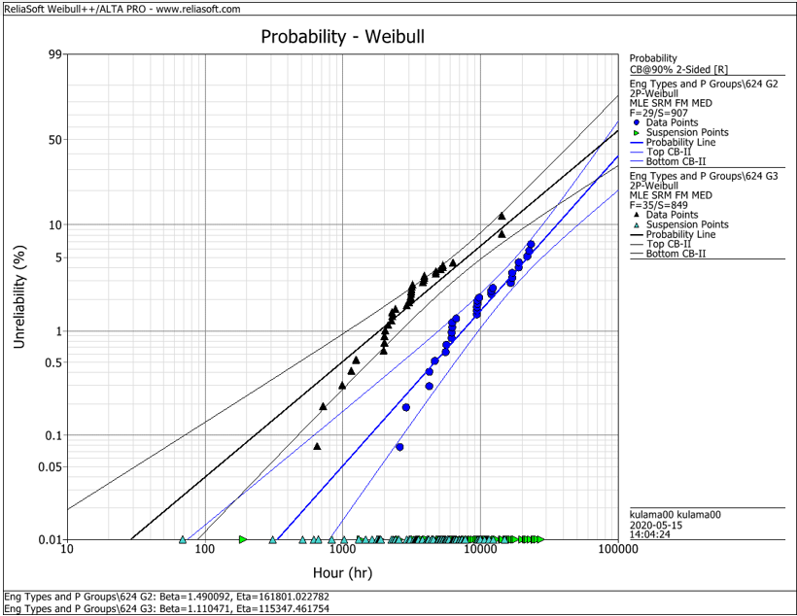
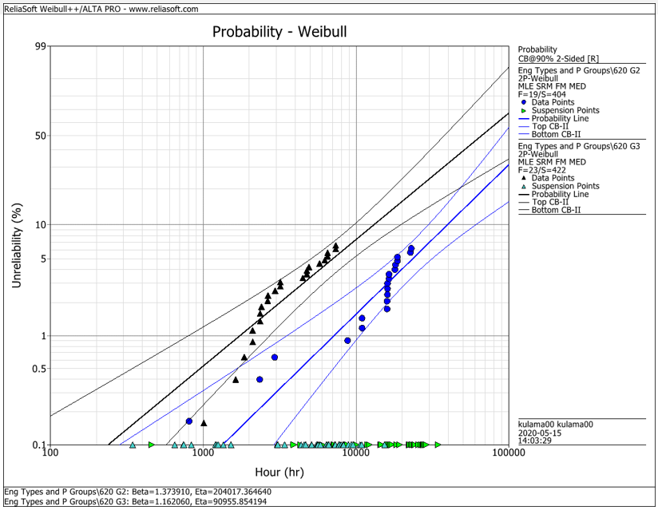
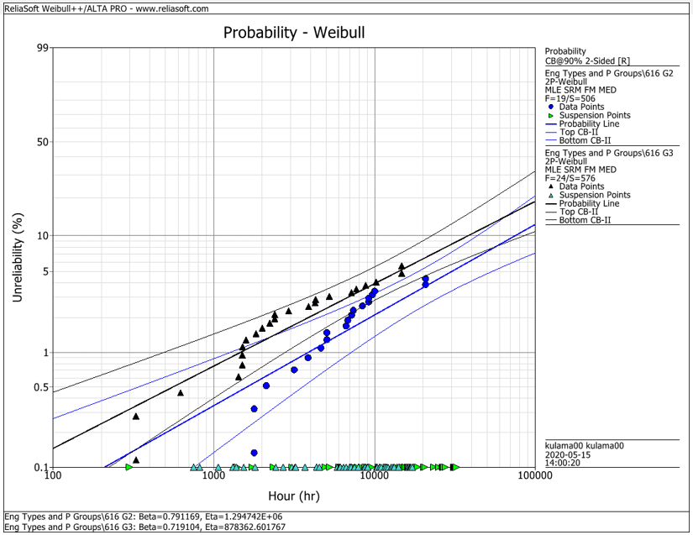
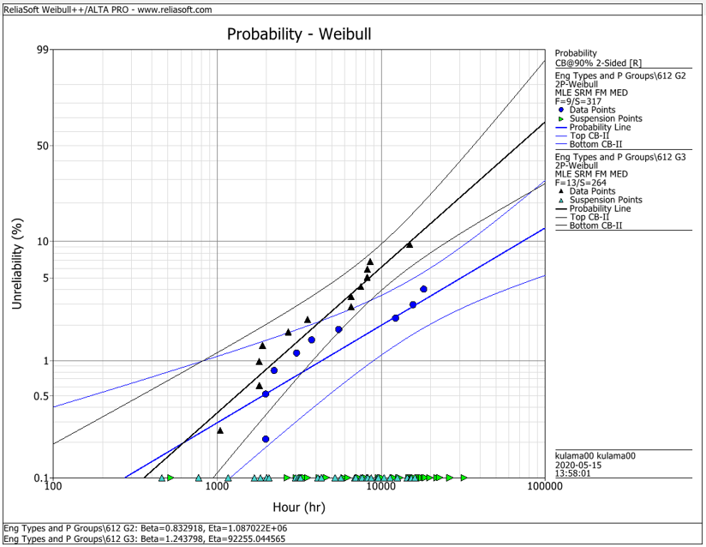
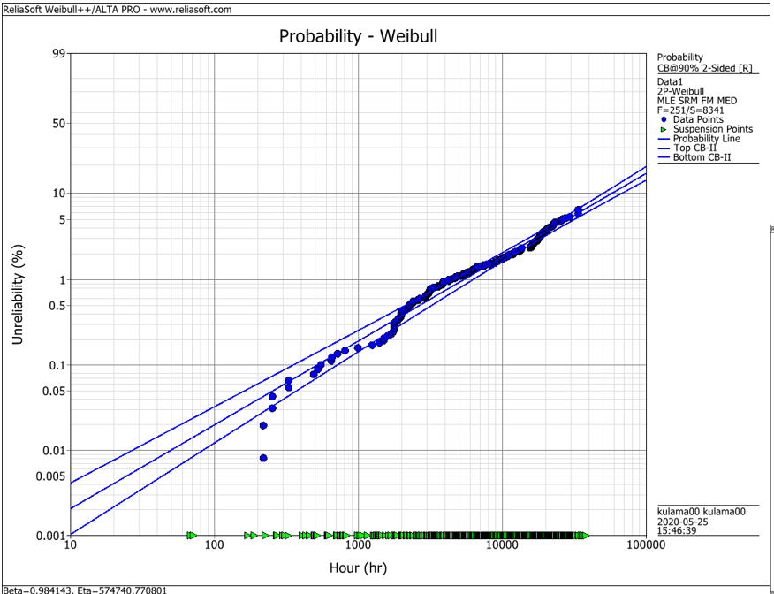
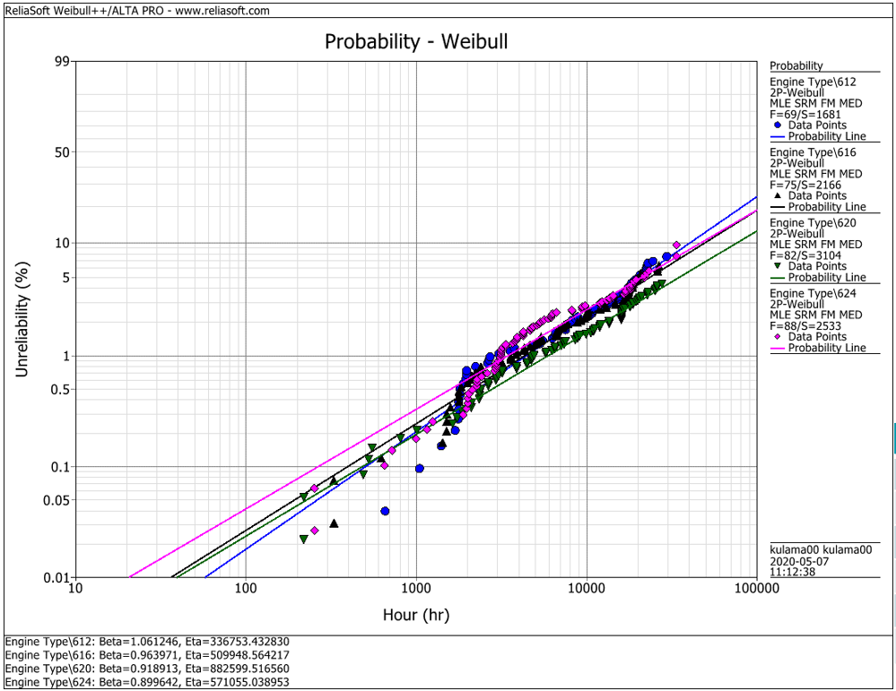
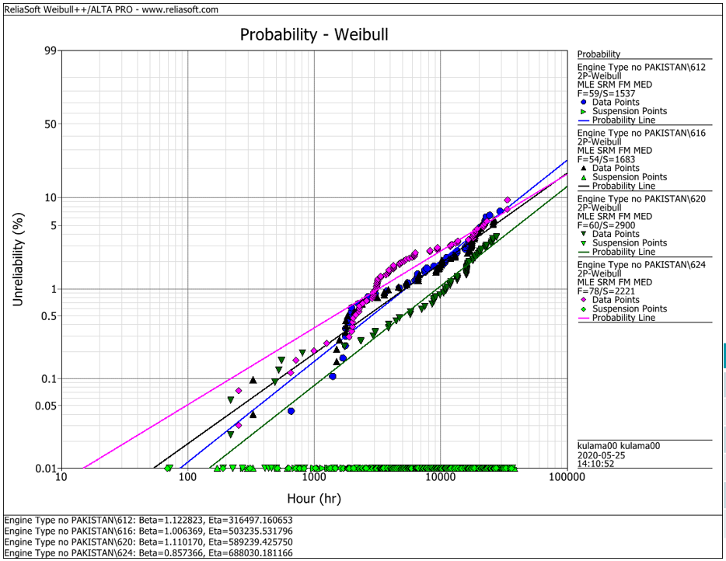
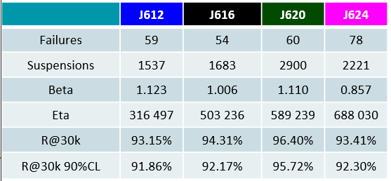
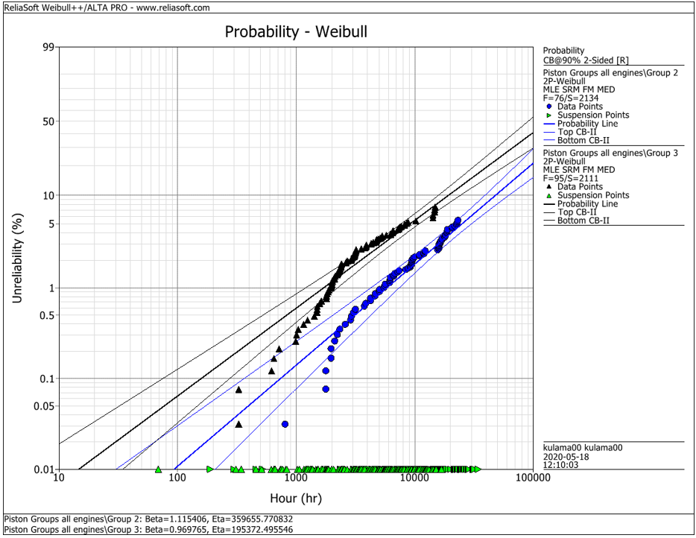
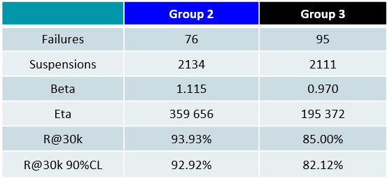
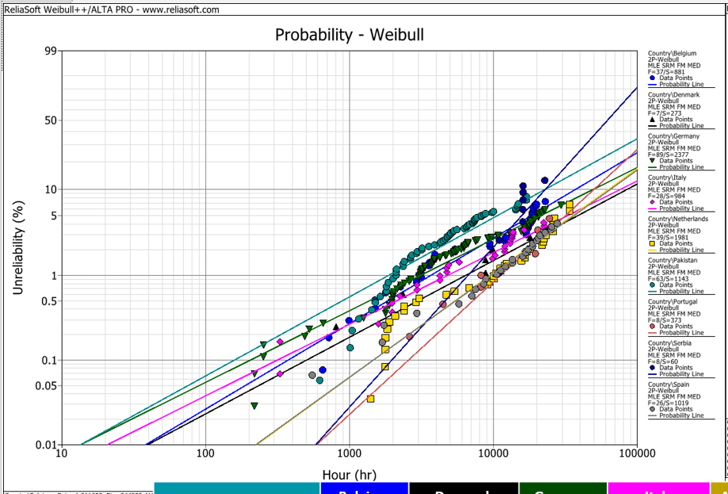
EDC Weibull Comparison
 | beta | R@30k 90%CL
G2 | 1.490 | 92.2%
G2 | 1.374 | 93.0%
G2 | 0.791 | 95.0%
G2 | 0.830 | 95.0%
G2 | 1.115 | 92.9%
G3 | 1.110 | 80.0%
G3 | 1.162 | 75.0%
G3 | 0.719 | 91.5%
G3 | 1.244 | 79.0%
G3 | 0.970 | 82.1%
all | 0.984 | 94.2%
all | 1.061 | 91.3%
all | 0.964 | 92.6%
all | 0.919 | 94.9%
all | 0.899 | 92.1%
all w/o Pak | 1.123 | 91.9%
all w/o Pak | 1.006 | 92.2%
all w/o Pak | 1.110 | 95.7%
all w/o Pak | 0.857 | 93.4%

 |  | f | s | beta | eta | R@30k 90%CL | Comment
J624 | G2 | 29 | 907 | 1.490 | 161801 | 92.2% | T23 with LKZ OCR
J620 | G2 | 19 | 404 | 1.374 | 204017 | 93.0% | T23 with LKZ OCR
J616 | G2 | 19 | 506 | 0.791 | 1294700 | 95.0% | T23 with LKZ OCR
J612 | G2 | 9 | 317 | 0.830 | 1088700 | 95.0% | T23 with LKZ OCR
J6xx | G2 | 76 | 2134 | 1.115 | 359656 | 92.9% | T23 with LKZ OCR

J624 | G3 | 35 | 849 | 1.110 | 115347 | 80.0% | T23 with flat OCR
J620 | G3 | 23 | 422 | 1.162 | 90955 | 75.0% | T23 with flat OCR
J616 | G3 | 24 | 576 | 0.719 | 878362 | 91.5% | T23 with LKZ OCR
J612 | G3 | 13 | 264 | 1.244 | 92255 | 79.0% | T23 with LKZ OCR
J6xx | G3 | 95 | 2111 | 0.970 | 195372 | 82.1% | T23 with LKZ OCR

J6xx | all | 251 | 8341 | 0.984 | 574741 | 94.2% | Source - cleaned by Maciej 2020-05_25
J612 | all | 69 | 1681 | 1.061 | 336753 | 91.3% | Source - cleaned by Maciej 2020-05_25
J616 | all | 75 | 2166 | 0.964 | 509948 | 92.6% | Source - cleaned by Maciej 2020-05_25
J620 | all | 82 | 3104 | 0.919 | 882599 | 94.9% | Source - cleaned by Maciej 2020-05_25
J624 | all | 88 | 2533 | 0.899 | 571055 | 92.1% | Source - cleaned by Maciej 2020-05_25

J612 | all w/o Pak | 59 | 1537 | 1.123 | 316497 | 91.9% | Source - cleaned by Maciej 2020-05_25
J616 | all w/o Pak | 54 | 1683 | 1.006 | 503236 | 92.2% | Source - cleaned by Maciej 2020-05_25
J620 | all w/o Pak | 60 | 2900 | 1.110 | 589239 | 95.7% | Source - cleaned by Maciej 2020-05_25
J624 | all w/o Pak | 78 | 2221 | 0.857 | 688030 | 93.4% | Source - cleaned by Maciej 2020-05_25

 |  | beta | 1.490 | max
 |  |  | 0.719 | min
 |  |  | 1.038 | mittel
 |  |  | 1.006 | median

