summary
Demonstrated Reliability
 | CLB 90% - 10% |  | CLB 90% - 10% |  | CLB 90% - 10% |  | R1 |  | R2 |  | R3 |  | today |  | R Ref |  | Weibull, b = 1,21 |  | Weibull G3, b 0,97
 | 66.0% | 0 | 97.0% | 0 | 95.0% | 0 | 0.0% | 0 | 0.0% | 0 | 0.0% | 8592 | 0.00 | 8592 | 95.1% | 0 | 100.0% | 0 | 100.0%
 | 66.0% | 258 | 97.0% | 258 | 95.0% | 258 | 0.0% | 258 | 0.0% | 258 | 9.9% | 8592 | 1.00 |  |  | 258 | 100.0% | 258 | 99.8%
 | 66.0% | 687 | 97.0% | 687 | 95.0% | 687 | 3.2% | 687 | 0.0% | 687 | 59.3% |  |  |  |  | 687 | 100.0% | 687 | 99.6%
 | 66.0% | 1289 | 97.0% | 1289 | 95.0% | 1289 | 37.4% | 1289 | 3.8% | 1289 | 86.1% |  |  |  |  | 1289 | 100.0% | 1289 | 99.2%
 | 66.0% | 1718 | 97.0% | 1718 | 95.0% | 1718 | 56.4% | 1718 | 14.9% | 1718 | 91.7% |  |  |  |  | 1718 | 100.0% | 1718 | 99.0%
 | 66.0% | 2148 | 97.0% | 2148 | 95.0% | 2148 | 68.5% | 2148 | 28.4% | 2148 | 94.4% |  |  |  |  | 2148 | 99.9% | 2148 | 98.7%
 | 54.0% | 2578 | 97.0% | 2578 | 95.0% | 2578 | 77.1% | 2578 | 42.1% | 2578 | 96.1% |  |  |  |  | 2578 | 99.9% | 2578 | 98.5%
 | 44.5% | 3007 | 97.0% | 3007 | 95.0% | 3007 | 82.4% | 3007 | 52.6% | 3007 | 97.1% |  |  |  |  | 3007 | 99.9% | 3007 | 98.3%
 | 36.1% | 3437 | 97.0% | 3437 | 95.0% | 3437 | 86.5% | 3437 | 61.7% | 3437 | 97.8% |  |  |  |  | 3437 | 99.9% | 3437 | 98.0%
 | 29.4% | 3866 | 97.0% | 3866 | 95.0% | 3866 | 89.4% | 3866 | 68.9% | 3866 | 98.3% |  |  |  |  | 3866 | 99.9% | 3866 | 97.8%
 | 23.9% | 4296 | 97.0% | 4296 | 95.0% | 4296 | 91.6% | 4296 | 74.7% | 4296 | 98.7% |  |  |  |  | 4296 | 99.9% | 4296 | 97.6%
 | 19.8% | 4726 | 97.0% | 4726 | 95.0% | 4726 | 93.2% | 4726 | 79.2% | 4726 | 98.9% |  |  |  |  | 4726 | 99.8% | 4726 | 97.3%
 | 16.4% | 5155 | 97.0% | 5155 | 95.0% | 5155 | 94.5% | 5155 | 82.8% | 5155 | 99.1% |  |  |  |  | 5155 | 99.8% | 5155 | 97.1%
 | 13.6% | 5585 | 97.0% | 5585 | 95.0% | 5585 | 95.5% | 5585 | 85.7% | 5585 | 99.3% |  |  |  |  | 5585 | 99.8% | 5585 | 96.9%
 | 11.4% | 6014 | 97.0% | 6014 | 95.0% | 6014 | 96.2% | 6014 | 88.0% | 6014 | 99.4% |  |  |  |  | 6014 | 99.8% | 6014 | 96.6%
 | 9.5% | 6444 | 97.0% | 6444 | 95.0% | 6444 | 96.9% | 6444 | 90.0% | 6444 | 99.5% |  |  |  |  | 6444 | 99.8% | 6444 | 96.4%
 | 8.0% | 6874 | 97.0% | 6874 | 95.0% | 6874 | 97.4% | 6874 | 91.6% | 6874 | 99.6% |  |  |  |  | 6874 | 99.7% | 6874 | 96.2%
 | 6.9% | 7303 | 97.0% | 7303 | 95.0% | 7303 | 97.8% | 7303 | 92.8% | 7303 | 99.7% |  |  |  |  | 7303 | 99.7% | 7303 | 96.0%
 | 5.9% | 7733 | 97.0% | 7733 | 95.0% | 7733 | 98.1% | 7733 | 93.8% | 7733 | 99.7% |  |  |  |  | 7733 | 99.7% | 7733 | 95.7%
 | 5.2% | 8162 | 97.0% | 8162 | 95.0% | 8162 | 98.3% | 8162 | 94.5% | 8162 | 99.7% |  |  |  |  | 8162 | 99.7% | 8162 | 95.5%
 | 4.6% | 8592 | 97.0% | 8592 | 95.0% | 8592 | 98.5% | 8592 | 95.1% | 8592 | 99.8% |  |  |  |  | 8592 | 99.7% | 8592 | 95.3%
 | 4.2% | 9022 | 97.0% | 9022 | 95.0% | 9022 | 98.7% | 9022 | 95.6% | 9022 | 99.8% |  |  |  |  | 9022 | 99.7% | 9022 | 95.1%
 | 3.8% | 9451 | 97.0% | 9451 | 95.0% | 9451 | 98.8% | 9451 | 96.1% | 9451 | 99.8% |  |  |  |  | 9451 | 99.6% | 9451 | 94.8%
 | 3.4% | 9881 | 97.0% | 9881 | 95.0% | 9881 | 98.9% | 9881 | 96.4% | 9881 | 99.8% |  |  |  |  | 9881 | 99.6% | 9881 | 94.6%
 | 3.1% | 10310 | 97.0% | 10310 | 95.0% | 10310 | 99.0% | 10310 | 96.7% | 10310 | 99.8% |  |  |  |  | 10310 | 99.6% | 10310 | 94.4%
 | 2.9% | 10740 | 97.0% | 10740 | 95.0% | 10740 | 99.1% | 10740 | 97.0% | 10740 | 99.9% |  |  |  |  | 10740 | 99.6% | 10740 | 94.2%
 | 2.7% | 11170 | 97.0% | 11170 | 95.0% | 11170 | 99.1% | 11170 | 97.2% | 11170 | 99.9% |  |  |  |  | 11170 | 99.5% | 11170 | 94.0%
 | 2.5% | 11599 | 97.0% | 11599 | 95.0% | 11599 | 99.2% | 11599 | 97.4% | 11599 | 99.9% |  |  |  |  | 11599 | 99.5% | 11599 | 93.7%
 | 2.3% | 12029 | 97.0% | 12029 | 95.0% | 12029 | 99.3% | 12029 | 97.5% | 12029 | 99.9% |  |  |  |  | 12029 | 99.5% | 12029 | 93.5%
 | 2.2% | 12458 | 97.0% | 12458 | 95.0% | 12458 | 99.3% | 12458 | 97.7% | 12458 | 99.9% |  |  |  |  | 12458 | 99.5% | 12458 | 93.3%
 | 2.1% | 12888 | 97.0% | 12888 | 95.0% | 12888 | 99.3% | 12888 | 97.8% | 12888 | 99.9% |  |  |  |  | 12888 | 99.5% | 12888 | 93.1%
 | 1.9% | 13318 | 97.0% | 13318 | 95.0% | 13318 | 99.4% | 13318 | 98.0% | 13318 | 99.9% |  |  |  |  | 13318 | 99.4% | 13318 | 92.9%
 | 1.8% | 13747 | 97.0% | 13747 | 95.0% | 13747 | 99.4% | 13747 | 98.1% | 13747 | 99.9% |  |  |  |  | 13747 | 99.4% | 13747 | 92.7%
 | 1.7% | 14177 | 97.0% | 14177 | 95.0% | 14177 | 99.4% | 14177 | 98.2% | 14177 | 99.9% |  |  |  |  | 14177 | 99.4% | 14177 | 92.4%
 | 1.7% | 14606 | 97.0% | 14606 | 95.0% | 14606 | 99.5% | 14606 | 98.3% | 14606 | 99.9% |  |  |  |  | 14606 | 99.4% | 14606 | 92.2%
 | 1.6% | 15036 | 97.0% | 15036 | 95.0% | 15036 | 99.5% | 15036 | 98.3% | 15036 | 99.9% |  |  |  |  | 15036 | 99.4% | 15036 | 92.0%
 | 1.5% | 15466 | 97.0% | 15466 | 95.0% | 15466 | 99.5% | 15466 | 98.4% | 15466 | 99.9% |  |  |  |  | 15466 | 99.3% | 15466 | 91.8%
 | 1.4% | 15895 | 97.0% | 15895 | 95.0% | 15895 | 99.5% | 15895 | 98.5% | 15895 | 99.9% |  |  |  |  | 15895 | 99.3% | 15895 | 91.6%
 | 1.4% | 16325 | 97.0% | 16325 | 95.0% | 16325 | 99.6% | 16325 | 98.6% | 16325 | 99.9% |  |  |  |  | 16325 | 99.3% | 16325 | 91.4%
 | 1.3% | 16754 | 97.0% | 16754 | 95.0% | 16754 | 99.6% | 16754 | 98.6% | 16754 | 99.9% |  |  |  |  | 16754 | 99.3% | 16754 | 91.2%
 | 1.3% | 17184 | 97.0% | 17184 | 95.0% | 17184 | 99.6% | 17184 | 98.7% | 17184 | 99.9% |  |  |  |  | 17184 | 99.2% | 17184 | 91.0%
 |  |  |  |  |  |  | Pn | 1013 | mbar | Tn | 0 | °C | 9.8 | kWh / mn3
Validation Fleet Status |  | Date | 1/30/21 |  |  |  | ETAMOT not fully plausible ?
624 | 18 |  | Cum hours | 99074
620 | 6 |  | Fl Leader | 7189
616 | 7 |  | Avg hours | 3096 |  |  |  |  |  |  |  |  |  | 0
612 | 1 |  | 2000 | 25 |  |  |  |  |  |  |  |  |  | 0
Sum Engines | 32 |  | 4000 | 8 |  |  |  |  |  |  |  |  |  | 0
Sum PU's | 676 |  | 6000 | 2 |  |  |  |  |  |  |  |  |  | 0
 |  |  |  |  |  |  |  |  |  |  |  |  |  | 0
Beta | Running | Available | Not Available | Error |  |  |  |  |  |  |  |  |  | 0
1.210 | 24 | 7 | 1 | 0 |  |  |  |  |  |  |  |  |  | 0
 |  |  |  |  |  |  |  |  |  |  |  |  |  | 0
 | T | CL | BETA | R |  |  |  |  |  |  |  |  |  | 0
R1 | 30000 | 50% | 1.210 | 98.5% |  |  |  |  |  |  |  |  |  | 0
R2 | 30000 | 90% | 1.210 | 95.1% |  |  |  |  |  |  |  |  |  | 0
R3 | 30000 | 10% | 1.210 | 99.8% |  |  |  |  |  |  |  |  |  | 0
 |  |  |  |  |  |  |  |  |  |  |  |  |  | 0
Field Validation Results vs. CTQ's |  |  |  | CTQ |  |  |  |  |  |  |  |  |  | 0
1. R(CL 50%) > 97% @ß = |  | 1.210 | 98.5% | 97% |  |  |  |  |  |  |  |  |  | 0
2. R(CL 90%) > 90% @ß = |  | 1.210 | 95.1% | 90% |  |  |  |  |  |  |  |  |  | 0
3. 4 Engines > 6000 oph |  |  | 2 | 4 |  |  |  |  |  |  |  |  |  | 0
 |  |  |  |  | 1.210 | 1.21 |  |  |  |  |  |  |  | 0
 | BR6 |  | hours s. VS | 8592 | 7189 | 7189 |  |  |  |  |  |  |  | 0
Bohrung [mm] | 190 |  | pess PU F | 6.1% | 260.5 | 260.5 |  |  |  |  |  |  |  | 0
Hub [mm] | 220 |  | pess PU F | 41 | 99.5% |  |  |  |  |  |  |  |  | 0
Validation Fleet oph
 |  |  | Date |  | Date line |  | 2000 |  | 6000 |  | 1386177 |  | 1393153 |  | 1320072 |  | 1184199 |  | 1352268 |  | 1320022 |  | 1250575
2/7/20 | 0 | 1/30/21 | 7189 | 1/30/21 | 0 | 2/7/20 | 2000 | 2/7/20 | 6000 | 2/7/20 | 0 | 2/7/20 | 0 | 2/7/20 | 0 | 2/7/20 | 0 | 2/7/20 | 0 | 2/7/20 | 0 | 2/7/20 | 0
2/17/20 | 258 |  |  | 1/30/21 | 7189 | 1/23/22 | 2000 | 1/23/22 | 6000 | 2/17/20 | 0 | 2/17/20 | 0 | 2/17/20 | 169 | 2/17/20 | 0 | 2/17/20 | 0 | 2/17/20 | 0 | 2/17/20 | 0
3/6/20 | 687 |  |  |  |  |  |  |  |  | 3/6/20 | 100 | 3/6/20 | 0 | 3/6/20 | 450 | 3/6/20 | 0 | 3/6/20 | 0 | 3/6/20 | 0 | 3/6/20 | 0
3/31/20 | 1289 |  |  |  |  |  |  |  |  | 3/31/20 | 639 | 3/31/20 | 193 | 3/31/20 | 845 | 3/31/20 | 0 | 3/31/20 | 0 | 3/31/20 | 0 | 3/31/20 | 0
4/18/20 | 1718 |  |  |  |  |  |  |  |  | 4/18/20 | 1025 | 4/18/20 | 591 | 4/18/20 | 1126 | 4/18/20 | 0 | 4/18/20 | 0 | 4/18/20 | 0 | 4/18/20 | 0
5/6/20 | 2148 |  |  |  |  |  |  |  |  | 5/6/20 | 1410 | 5/6/20 | 989 | 5/6/20 | 1408 | 5/6/20 | 202 | 5/6/20 | 41 | 5/6/20 | 0 | 5/6/20 | 0
5/24/20 | 2578 |  |  |  |  |  |  |  |  | 5/24/20 | 1795 | 5/24/20 | 1387 | 5/24/20 | 1689 | 5/24/20 | 583 | 5/24/20 | 337 | 5/24/20 | 0 | 5/24/20 | 0
6/11/20 | 3007 |  |  |  |  |  |  |  |  | 6/11/20 | 2180 | 6/11/20 | 1784 | 6/11/20 | 1971 | 6/11/20 | 963 | 6/11/20 | 633 | 6/11/20 | 61 | 6/11/20 | 0
6/29/20 | 3437 |  |  |  |  |  |  |  |  | 6/29/20 | 2566 | 6/29/20 | 2182 | 6/29/20 | 2252 | 6/29/20 | 1344 | 6/29/20 | 929 | 6/29/20 | 389 | 6/29/20 | 258
7/17/20 | 3866 |  |  |  |  |  |  |  |  | 7/17/20 | 2951 | 7/17/20 | 2580 | 7/17/20 | 2534 | 7/17/20 | 1725 | 7/17/20 | 1226 | 7/17/20 | 718 | 7/17/20 | 583
8/4/20 | 4296 |  |  |  |  |  |  |  |  | 8/4/20 | 3336 | 8/4/20 | 2978 | 8/4/20 | 2815 | 8/4/20 | 2105 | 8/4/20 | 1522 | 8/4/20 | 1046 | 8/4/20 | 908
8/21/20 | 4726 |  |  |  |  |  |  |  |  | 8/21/20 | 3721 | 8/21/20 | 3375 | 8/21/20 | 3097 | 8/21/20 | 2486 | 8/21/20 | 1818 | 8/21/20 | 1375 | 8/21/20 | 1233
9/8/20 | 5155 |  |  |  |  |  |  |  |  | 9/8/20 | 4107 | 9/8/20 | 3773 | 9/8/20 | 3378 | 9/8/20 | 2867 | 9/8/20 | 2114 | 9/8/20 | 1703 | 9/8/20 | 1558
9/26/20 | 5585 |  |  |  |  |  |  |  |  | 9/26/20 | 4492 | 9/26/20 | 4171 | 9/26/20 | 3660 | 9/26/20 | 3247 | 9/26/20 | 2410 | 9/26/20 | 2032 | 9/26/20 | 1882
10/14/20 | 6014 |  |  |  |  |  |  |  |  | 10/14/20 | 4877 | 10/14/20 | 4569 | 10/14/20 | 3941 | 10/14/20 | 3628 | 10/14/20 | 2706 | 10/14/20 | 2361 | 10/14/20 | 2207
11/1/20 | 6444 |  |  |  |  |  |  |  |  | 11/1/20 | 5263 | 11/1/20 | 4966 | 11/1/20 | 4223 | 11/1/20 | 4009 | 11/1/20 | 3002 | 11/1/20 | 2689 | 11/1/20 | 2532
11/19/20 | 6874 |  |  |  |  |  |  |  |  | 11/19/20 | 5648 | 11/19/20 | 5364 | 11/19/20 | 4504 | 11/19/20 | 4389 | 11/19/20 | 3298 | 11/19/20 | 3018 | 11/19/20 | 2857
12/7/20 | 7303 |  |  |  |  |  |  |  |  | 12/7/20 | 6033 | 12/7/20 | 5762 | 12/7/20 | 4786 | 12/7/20 | 4770 | 12/7/20 | 3594 | 12/7/20 | 3346 | 12/7/20 | 3182
12/25/20 | 7733 |  |  |  |  |  |  |  |  | 12/25/20 | 6418 | 12/25/20 | 6160 | 12/25/20 | 5067 | 12/25/20 | 5151 | 12/25/20 | 3890 | 12/25/20 | 3675 | 12/25/20 | 3507
1/12/21 | 8162 |  |  |  |  |  |  |  |  | 1/12/21 | 6804 | 1/12/21 | 6557 | 1/12/21 | 5348 | 1/12/21 | 5531 | 1/12/21 | 4186 | 1/12/21 | 4003 | 1/12/21 | 3832
1/30/21 | 8592 |  |  |  |  |  |  |  |  | 1/30/21 | 7189 | 1/30/21 | 6955 | 1/30/21 | 5630 | 1/30/21 | 5912 | 1/30/21 | 4482 | 1/30/21 | 4332 | 1/30/21 | 4157
2/16/21 | 9022 |  |  |  |  |  |  |  |  | 2/16/21 | 7574 | 2/16/21 | 7353 | 2/16/21 | 5912 | 2/16/21 | 6293 | 2/16/21 | 4778 | 2/16/21 | 4661 | 2/16/21 | 4482
3/6/21 | 9451 |  |  |  |  |  |  |  |  | 3/6/21 | 7960 | 3/6/21 | 7750 | 3/6/21 | 6193 | 3/6/21 | 6673 | 3/6/21 | 5074 | 3/6/21 | 4989 | 3/6/21 | 4807
3/24/21 | 9881 |  |  |  |  |  |  |  |  | 3/24/21 | 8345 | 3/24/21 | 8148 | 3/24/21 | 6475 | 3/24/21 | 7054 | 3/24/21 | 5370 | 3/24/21 | 5318 | 3/24/21 | 5132
4/11/21 | 10310 |  |  |  |  |  |  |  |  | 4/11/21 | 8730 | 4/11/21 | 8546 | 4/11/21 | 6756 | 4/11/21 | 7435 | 4/11/21 | 5666 | 4/11/21 | 5646 | 4/11/21 | 5457
4/29/21 | 10740 |  |  |  |  |  |  |  |  | 4/29/21 | 9115 | 4/29/21 | 8944 | 4/29/21 | 7038 | 4/29/21 | 7815 | 4/29/21 | 5962 | 4/29/21 | 5975 | 4/29/21 | 5782
5/17/21 | 11170 |  |  |  |  |  |  |  |  | 5/17/21 | 9501 | 5/17/21 | 9341 | 5/17/21 | 7319 | 5/17/21 | 8196 | 5/17/21 | 6258 | 5/17/21 | 6303 | 5/17/21 | 6107
6/4/21 | 11599 |  |  |  |  |  |  |  |  | 6/4/21 | 9886 | 6/4/21 | 9739 | 6/4/21 | 7601 | 6/4/21 | 8577 | 6/4/21 | 6554 | 6/4/21 | 6632 | 6/4/21 | 6432
6/22/21 | 12029 |  |  |  |  |  |  |  |  | 6/22/21 | 10271 | 6/22/21 | 10137 | 6/22/21 | 7882 | 6/22/21 | 8957 | 6/22/21 | 6850 | 6/22/21 | 6961 | 6/22/21 | 6756
7/10/21 | 12458 |  |  |  |  |  |  |  |  | 7/10/21 | 10657 | 7/10/21 | 10535 | 7/10/21 | 8164 | 7/10/21 | 9338 | 7/10/21 | 7146 | 7/10/21 | 7289 | 7/10/21 | 7081
7/28/21 | 12888 |  |  |  |  |  |  |  |  | 7/28/21 | 11042 | 7/28/21 | 10932 | 7/28/21 | 8445 | 7/28/21 | 9719 | 7/28/21 | 7442 | 7/28/21 | 7618 | 7/28/21 | 7406
8/14/21 | 13318 |  |  |  |  |  |  |  |  | 8/14/21 | 11427 | 8/14/21 | 11330 | 8/14/21 | 8727 | 8/14/21 | 10099 | 8/14/21 | 7738 | 8/14/21 | 7946 | 8/14/21 | 7731
9/1/21 | 13747 |  |  |  |  |  |  |  |  | 9/1/21 | 11812 | 9/1/21 | 11728 | 9/1/21 | 9008 | 9/1/21 | 10480 | 9/1/21 | 8035 | 9/1/21 | 8275 | 9/1/21 | 8056
9/19/21 | 14177 |  |  |  |  |  |  |  |  | 9/19/21 | 12198 | 9/19/21 | 12126 | 9/19/21 | 9289 | 9/19/21 | 10861 | 9/19/21 | 8331 | 9/19/21 | 8603 | 9/19/21 | 8381
10/7/21 | 14606 |  |  |  |  |  |  |  |  | 10/7/21 | 12583 | 10/7/21 | 12523 | 10/7/21 | 9571 | 10/7/21 | 11241 | 10/7/21 | 8627 | 10/7/21 | 8932 | 10/7/21 | 8706
10/25/21 | 15036 |  |  |  |  |  |  |  |  | 10/25/21 | 12968 | 10/25/21 | 12921 | 10/25/21 | 9853 | 10/25/21 | 11622 | 10/25/21 | 8923 | 10/25/21 | 9261 | 10/25/21 | 9031
11/12/21 | 15466 |  |  |  |  |  |  |  |  | 11/12/21 | 13353 | 11/12/21 | 13319 | 11/12/21 | 10134 | 11/12/21 | 12003 | 11/12/21 | 9219 | 11/12/21 | 9589 | 11/12/21 | 9356
11/30/21 | 15895 |  |  |  |  |  |  |  |  | 11/30/21 | 13739 | 11/30/21 | 13717 | 11/30/21 | 10416 | 11/30/21 | 12383 | 11/30/21 | 9515 | 11/30/21 | 9918 | 11/30/21 | 9681
12/18/21 | 16325 |  |  |  |  |  |  |  |  | 12/18/21 | 14124 | 12/18/21 | 14114 | 12/18/21 | 10697 | 12/18/21 | 12764 | 12/18/21 | 9811 | 12/18/21 | 10246 | 12/18/21 | 10006
1/5/22 | 16754 |  |  |  |  |  |  |  |  | 1/5/22 | 14509 | 1/5/22 | 14512 | 1/5/22 | 10979 | 1/5/22 | 13145 | 1/5/22 | 10107 | 1/5/22 | 10575 | 1/5/22 | 10331
1/23/22 | 17184 |  |  |  |  |  |  |  |  | 1/23/22 | 14895 | 1/23/22 | 14910 | 1/23/22 | 11260 | 1/23/22 | 13525 | 1/23/22 | 10403 | 1/23/22 | 10903 | 1/23/22 | 10656
VH zyl [dm3] | 6.24 |  | like PU F | 1.5% | 555582 | 1779071.4566 |  |  |  |  |  |  |  | 0
 |  |  | like PU F | 10 | 97.1% |  |  |  |  |  |  |  |  | 0
 |  |  |  | 2983.0003019 | 2.88% | 0.13% |  |  |  |  |  |  |  | 0
 |  |  |  |  | 7.51 | 0.8580 |  |  |  |  |  |  |  | 0
Engines | ~ BMP Avg | z | VH [dm3] | etael |  |  |  |  |  |  |  |  |  | 0
624 | 24.2 | 24 | 149.7 | 98.1% |  |  |  |  |  |  |  |  |  | 0
620 | 22.0 | 20 | 124.8 | 98.0% |  |  |  |  |  |  |  |  |  | 0
616 | 22.0 | 16 | 99.8 | 97.6% |  |  |  |  |  |  |  |  |  | 0
612 | 22.0 | 12 | 74.9 | 98.6% |  |  |  |  |  |  |  |  |  | 0
 |  |  |  |  |  |  |  |  |  |  |  |  |  | 0
BMEP Avg | BMEP Min | BMEP Max | NOX | MN | Version | #
24.3 | 24.0 | 24.5 | 500 | 80 | K01 | 3
24.3 | 24.0 | 24.5 | 500 | 80 | H01 | 12
24.0 | 24.0 | 24.0 | 250 | 80 | H02 | 1
 | 0.0 | 0.0 | 500 | 70 | H101 | 0
24.5 | 24.5 | 24.5 | 250 | 70 | H12 | 1
22.0 | 22.0 | 22.0 | 500 | 80 | F01 | 5
22.0 | 22.0 | 22.0 | 500 | 80 | J01 | 2
22.0 | 22.0 | 22.0 | 500 | 70 | J101 | 1
22.0 | 22.0 | 22.0 | 500 | 70 | J11 | 1
22.0 | 22.0 | 22.0 | 500 | 70 | F11 | 1
22.0 | 22.0 | 22.0 | 250 | 70 | F12 | 1
22.0 | 22.0 | 22.0 | 250 | 70 | J12 | 3
22.9 | 22.9 | 22.9 | 500 | 80 | K505 | 1
 |  |  |  |  |  | 32

ndReliaCalc2
 | Data Date | 2021-01-30 10:27:04
 | Val Start | 2020-02-07
 | Val Period (days) | 358
 | Beta (R2) | 1.21

 |  |  |  | 2000h line | 2000 | 2000
 |  |  |  |  | 2019-05-01 | 2021-12-31
 |  |  |  | 6000h line | 6000 | 6000
 |  |  |  |  | 2019-05-01 | 2021-12-31

 |  |  |  |  |  |  |  | R1 failures | 0 | 0 | 0 | 0 | 0 | 0 | 0 | 0 | 0 | 0 | 0 | 0 | 0 | 0 | 0 | 0 | 0 | 0 | 0 | 0 | 0 | 0 | 0 | 0 | 0 | 0 | 0 | 0 | 0 | 0 | 0 | 0 | 0 | 0 | 0 | 0 | 0 | 0 | 0 | 0 | 0
 |  |  |  |  |  |  |  | R2 failures | 0 | 0 | 0 | 0 | 0 | 0 | 0 | 0 | 0 | 0 | 0 | 0 | 0 | 0 | 0 | 0 | 0 | 0 | 0 | 0 | 0 | 0 | 0 | 0 | 0 | 0 | 0 | 0 | 0 | 0 | 0 | 0 | 0 | 0 | 0 | 0 | 0 | 0 | 0 | 0 | 0
 |  |  |  | f1 | 2021-01-20 10:27:04 | 0 | 97% | 348 | 0 | 0 | 0 | 0 | 0 | 0 | 0 | 0 | 0 | 0 | 0 | 0 | 0 | 0 | 0 | 0 | 0 | 0 | 0 | 0 | 0 | 0 | 0 | 0 | 0 | 0 | 0 | 0 | 0 | 0 | 0 | 0 | 0 | 0 | 0 | 0 | 0 | 0 | 0 | 0 | 0
 |  |  |  | f2 | 2021-03-01 10:27:04 | 0 | 108% | 388 | 0 | 0 | 0 | 0 | 0 | 0 | 0 | 0 | 0 | 0 | 0 | 0 | 0 | 0 | 0 | 0 | 0 | 0 | 0 | 0 | 0 | 0 | 0 | 0 | 0 | 0 | 0 | 0 | 0 | 0 | 0 | 0 | 0 | 0 | 0 | 0 | 0 | 0 | 0 | 0 | 0
 |  |  |  | f3 | 2020-12-30 10:27:04 | 0 | 91% | 327 | 0 | 0 | 0 | 0 | 0 | 0 | 0 | 0 | 0 | 0 | 0 | 0 | 0 | 0 | 0 | 0 | 0 | 0 | 0 | 0 | 0 | 0 | 0 | 0 | 0 | 0 | 0 | 0 | 0 | 0 | 0 | 0 | 0 | 0 | 0 | 0 | 0 | 0 | 0 | 0 | 0
 |  |  |  | f4 | 2020-09-28 10:27:04 | 0 | 65% | 234 | 0 | 0 | 0 | 0 | 0 | 0 | 0 | 0 | 0 | 0 | 0 | 0 | 0 | 0 | 0 | 0 | 0 | 0 | 0 | 0 | 0 | 0 | 0 | 0 | 0 | 0 | 0 | 0 | 0 | 0 | 0 | 0 | 0 | 0 | 0 | 0 | 0 | 0 | 0 | 0 | 0
 |  |  |  | f5 | 2021-06-03 10:27:04 | 0 | 135% | 482 | 0 | 0 | 0 | 0 | 0 | 0 | 0 | 0 | 0 | 0 | 0 | 0 | 0 | 0 | 0 | 0 | 0 | 0 | 0 | 0 | 0 | 0 | 0 | 0 | 0 | 0 | 0 | 0 | 0 | 0 | 0 | 0 | 0 | 0 | 0 | 0 | 0 | 0 | 0 | 0 | 0
 |  |  |  | f6 | 2021-08-04 10:27:04 | 0 | 152% | 544 | 0 | 0 | 0 | 0 | 0 | 0 | 0 | 0 | 0 | 0 | 0 | 0 | 0 | 0 | 0 | 0 | 0 | 0 | 0 | 0 | 0 | 0 | 0 | 0 | 0 | 0 | 0 | 0 | 0 | 0 | 0 | 0 | 0 | 0 | 0 | 0 | 0 | 0 | 0 | 0 | 0
 |  |  |  | f7 | 0 | 0 | -12254% | -43868 | 0 | 0 | 0 | 0 | 0 | 0 | 0 | 0 | 0 | 0 | 0 | 0 | 0 | 0 | 0 | 0 | 0 | 0 | 0 | 0 | 0 | 0 | 0 | 0 | 0 | 0 | 0 | 0 | 0 | 0 | 0 | 0 | 0 | 0 | 0 | 0 | 0 | 0 | 0 | 0 | 0
 |  |  |  | f8 | 0 | 0 | -12254% | -43868 | 0 | 0 | 0 | 0 | 0 | 0 | 0 | 0 | 0 | 0 | 0 | 0 | 0 | 0 | 0 | 0 | 0 | 0 | 0 | 0 | 0 | 0 | 0 | 0 | 0 | 0 | 0 | 0 | 0 | 0 | 0 | 0 | 0 | 0 | 0 | 0 | 0 | 0 | 0 | 0 | 0
 |  |  |  | f9 | 0 | 0 | -12254% | -43868 | 0 | 0 | 0 | 0 | 0 | 0 | 0 | 0 | 0 | 0 | 0 | 0 | 0 | 0 | 0 | 0 | 0 | 0 | 0 | 0 | 0 | 0 | 0 | 0 | 0 | 0 | 0 | 0 | 0 | 0 | 0 | 0 | 0 | 0 | 0 | 0 | 0 | 0 | 0 | 0 | 0
 |  |  |  | f10 | 0 | 0 | -12254% | -43868 | 0 | 0 | 0 | 0 | 0 | 0 | 0 | 0 | 0 | 0 | 0 | 0 | 0 | 0 | 0 | 0 | 0 | 0 | 0 | 0 | 0 | 0 | 0 | 0 | 0 | 0 | 0 | 0 | 0 | 0 | 0 | 0 | 0 | 0 | 0 | 0 | 0 | 0 | 0 | 0 | 0
 |  |  |  | f11 | 0 | 0 | -12254% | -43868 | 0 | 0 | 0 | 0 | 0 | 0 | 0 | 0 | 0 | 0 | 0 | 0 | 0 | 0 | 0 | 0 | 0 | 0 | 0 | 0 | 0 | 0 | 0 | 0 | 0 | 0 | 0 | 0 | 0 | 0 | 0 | 0 | 0 | 0 | 0 | 0 | 0 | 0 | 0 | 0 | 0
 |  |  |  | f12 | 0 | 0 | -12254% | -43868 | 0 | 0 | 0 | 0 | 0 | 0 | 0 | 0 | 0 | 0 | 0 | 0 | 0 | 0 | 0 | 0 | 0 | 0 | 0 | 0 | 0 | 0 | 0 | 0 | 0 | 0 | 0 | 0 | 0 | 0 | 0 | 0 | 0 | 0 | 0 | 0 | 0 | 0 | 0 | 0 | 0
 |  |  |  | f13 | 0 | 0 | -12254% | -43868 | 0 | 0 | 0 | 0 | 0 | 0 | 0 | 0 | 0 | 0 | 0 | 0 | 0 | 0 | 0 | 0 | 0 | 0 | 0 | 0 | 0 | 0 | 0 | 0 | 0 | 0 | 0 | 0 | 0 | 0 | 0 | 0 | 0 | 0 | 0 | 0 | 0 | 0 | 0 | 0 | 0
 |  |  |  | f14 | 0 | 0 | -12254% | -43868 | 0 | 0 | 0 | 0 | 0 | 0 | 0 | 0 | 0 | 0 | 0 | 0 | 0 | 0 | 0 | 0 | 0 | 0 | 0 | 0 | 0 | 0 | 0 | 0 | 0 | 0 | 0 | 0 | 0 | 0 | 0 | 0 | 0 | 0 | 0 | 0 | 0 | 0 | 0 | 0 | 0
 |  |  |  | f15 | 0 | 0 | -12254% | -43868 | 0 | 0 | 0 | 0 | 0 | 0 | 0 | 0 | 0 | 0 | 0 | 0 | 0 | 0 | 0 | 0 | 0 | 0 | 0 | 0 | 0 | 0 | 0 | 0 | 0 | 0 | 0 | 0 | 0 | 0 | 0 | 0 | 0 | 0 | 0 | 0 | 0 | 0 | 0 | 0 | 0
 |  |  |  | f16 | 0 | 0 | -12254% | -43868 | 0 | 0 | 0 | 0 | 0 | 0 | 0 | 0 | 0 | 0 | 0 | 0 | 0 | 0 | 0 | 0 | 0 | 0 | 0 | 0 | 0 | 0 | 0 | 0 | 0 | 0 | 0 | 0 | 0 | 0 | 0 | 0 | 0 | 0 | 0 | 0 | 0 | 0 | 0 | 0 | 0
 |  |  |  | f17 | 0 | 0 | -12254% | -43868 | 0 | 0 | 0 | 0 | 0 | 0 | 0 | 0 | 0 | 0 | 0 | 0 | 0 | 0 | 0 | 0 | 0 | 0 | 0 | 0 | 0 | 0 | 0 | 0 | 0 | 0 | 0 | 0 | 0 | 0 | 0 | 0 | 0 | 0 | 0 | 0 | 0 | 0 | 0 | 0 | 0
 |  |  |  | f18 | 0 | 0 | -12254% | -43868 | 0 | 0 | 0 | 0 | 0 | 0 | 0 | 0 | 0 | 0 | 0 | 0 | 0 | 0 | 0 | 0 | 0 | 0 | 0 | 0 | 0 | 0 | 0 | 0 | 0 | 0 | 0 | 0 | 0 | 0 | 0 | 0 | 0 | 0 | 0 | 0 | 0 | 0 | 0 | 0 | 0
 |  |  |  | f19 | 0 | 0 | -12254% | -43868 | 0 | 0 | 0 | 0 | 0 | 0 | 0 | 0 | 0 | 0 | 0 | 0 | 0 | 0 | 0 | 0 | 0 | 0 | 0 | 0 | 0 | 0 | 0 | 0 | 0 | 0 | 0 | 0 | 0 | 0 | 0 | 0 | 0 | 0 | 0 | 0 | 0 | 0 | 0 | 0 | 0
 |  |  |  | f20 | 0 | 0 | -12254% | -43868 | 0 | 0 | 0 | 0 | 0 | 0 | 0 | 0 | 0 | 0 | 0 | 0 | 0 | 0 | 0 | 0 | 0 | 0 | 0 | 0 | 0 | 0 | 0 | 0 | 0 | 0 | 0 | 0 | 0 | 0 | 0 | 0 | 0 | 0 | 0 | 0 | 0 | 0 | 0 | 0 | 0
 |  |  |  | f21 | 0 | 0 | -12254% | -43868 | 0 | 0 | 0 | 0 | 0 | 0 | 0 | 0 | 0 | 0 | 0 | 0 | 0 | 0 | 0 | 0 | 0 | 0 | 0 | 0 | 0 | 0 | 0 | 0 | 0 | 0 | 0 | 0 | 0 | 0 | 0 | 0 | 0 | 0 | 0 | 0 | 0 | 0 | 0 | 0 | 0
 |  |  |  | f22 | 0 | 0 | -12254% | -43868 | 0 | 0 | 0 | 0 | 0 | 0 | 0 | 0 | 0 | 0 | 0 | 0 | 0 | 0 | 0 | 0 | 0 | 0 | 0 | 0 | 0 | 0 | 0 | 0 | 0 | 0 | 0 | 0 | 0 | 0 | 0 | 0 | 0 | 0 | 0 | 0 | 0 | 0 | 0 | 0 | 0
 |  |  |  | f23 | 0 | 0 | -12254% | -43868 | 0 | 0 | 0 | 0 | 0 | 0 | 0 | 0 | 0 | 0 | 0 | 0 | 0 | 0 | 0 | 0 | 0 | 0 | 0 | 0 | 0 | 0 | 0 | 0 | 0 | 0 | 0 | 0 | 0 | 0 | 0 | 0 | 0 | 0 | 0 | 0 | 0 | 0 | 0 | 0 | 0
 |  |  |  | f24 | 0 | 0 | -12254% | -43868 | 0 | 0 | 0 | 0 | 0 | 0 | 0 | 0 | 0 | 0 | 0 | 0 | 0 | 0 | 0 | 0 | 0 | 0 | 0 | 0 | 0 | 0 | 0 | 0 | 0 | 0 | 0 | 0 | 0 | 0 | 0 | 0 | 0 | 0 | 0 | 0 | 0 | 0 | 0 | 0 | 0
 |  |  |  | f25 | 0 | 0 | -12254% | -43868 | 0 | 0 | 0 | 0 | 0 | 0 | 0 | 0 | 0 | 0 | 0 | 0 | 0 | 0 | 0 | 0 | 0 | 0 | 0 | 0 | 0 | 0 | 0 | 0 | 0 | 0 | 0 | 0 | 0 | 0 | 0 | 0 | 0 | 0 | 0 | 0 | 0 | 0 | 0 | 0 | 0 | 0
 |  |  |  |  |  | Sum failures |  |  | 0 | 0 | 0 | 0 | 0 | 0 | 0 | 0 | 0 | 0 | 0 | 0 | 0 | 0 | 0 | 0 | 0 | 0 | 0 | 0 | 0 | 0 | 0 | 0 | 0 | 0 | 0 | 0 | 0 | 0 | 0 | 0 | 0 | 0 | 0 | 0 | 0 | 0 | 0 | 0 | 0
 |  |  |  |  |  | Input |  |  | 0% | 3% | 8% | 15% | 20% | 25% | 30% | 35% | 40% | 45% | 50% | 55% | 60% | 65% | 70% | 75% | 80% | 85% | 90% | 95% | 100% | 105% | 110% | 115% | 120% | 125% | 130% | 135% | 140% | 145% | 150% | 155% | 160% | 165% | 170% | 175% | 180% | 185% | 190% | 195% | 200%
 |  |  |  |  |  | calc % for diagram (failures) |  |  | 0% | 3% | 8% | 15% | 20% | 25% | 30% | 35% | 40% | 45% | 50% | 55% | 60% | 65% | 70% | 75% | 80% | 85% | 90% | 95% | 100% | 105% | 110% | 115% | 120% | 125% | 130% | 135% | 140% | 145% | 150% | 155% | 160% | 165% | 170% | 175% | 180% | 185% | 190% | 195% | 200%
 |  |  |  |  |  | Val test Time % |  |  | 0% | 3% | 8% | 15% | 20% | 25% | 30% | 35% | 40% | 45% | 50% | 55% | 60% | 65% | 70% | 75% | 80% | 85% | 90% | 95% | 100% | 105% | 110% | 115% | 120% | 125% | 130% | 135% | 140% | 145% | 150% | 155% | 160% | 165% | 170% | 175% | 180% | 185% | 190% | 195% | 200%
 |  |  |  |  |  | days |  |  | 0.0 | 10.7 | 28.6 | 53.7 | 71.6 | 89.5 | 107.4 | 125.3 | 143.2 | 161.1 | 179.0 | 196.9 | 214.8 | 232.7 | 250.6 | 268.5 | 286.4 | 304.3 | 322.2 | 340.1 | 358.0 | 375.9 | 393.8 | 411.7 | 429.6 | 447.5 | 465.4 | 483.3 | 501.2 | 519.1 | 537.0 | 554.9 | 572.8 | 590.7 | 608.6 | 626.5 | 644.4 | 662.3 | 680.2 | 698.1 | 716.0
 |  |  |  |  |  |  |  |  | 0.00 | 1.00 |  | R Ref | 95.1% |  | R HRS | 7189
 |  |  |  |  |  |  |  | today | 8592 | 8592 |  | 2021-01-30 | 8592 |  | 2021-01-30 | 8592
 |  |  |  |  |  | CLB 90% - 10% |  |  | 66.0% | 66.0% | 66.0% | 66.0% | 66.0% | 66.0% | 54.0% | 44.5% | 36.1% | 29.4% | 23.9% | 19.8% | 16.4% | 13.6% | 11.4% | 9.5% | 8.0% | 6.9% | 5.9% | 5.2% | 4.6% | 4.2% | 3.8% | 3.4% | 3.1% | 2.9% | 2.7% | 2.5% | 2.3% | 2.2% | 2.1% | 1.9% | 1.8% | 1.7% | 1.7% | 1.6% | 1.5% | 1.4% | 1.4% | 1.3% | 1.3%
 |  |  |  |  |  |  | R | 97.0% | 97.0% | 97.0% | 97.0% | 97.0% | 97.0% | 97.0% | 97.0% | 97.0% | 97.0% | 97.0% | 97.0% | 97.0% | 97.0% | 97.0% | 97.0% | 97.0% | 97.0% | 97.0% | 97.0% | 97.0% | 97.0% | 97.0% | 97.0% | 97.0% | 97.0% | 97.0% | 97.0% | 97.0% | 97.0% | 97.0% | 97.0% | 97.0% | 97.0% | 97.0% | 97.0% | 97.0% | 97.0% | 97.0% | 97.0% | 97.0% | 97.0%
 |  |  |  |  |  |  | R | 95.0% | 95.0% | 95.0% | 95.0% | 95.0% | 95.0% | 95.0% | 95.0% | 95.0% | 95.0% | 95.0% | 95.0% | 95.0% | 95.0% | 95.0% | 95.0% | 95.0% | 95.0% | 95.0% | 95.0% | 95.0% | 95.0% | 95.0% | 95.0% | 95.0% | 95.0% | 95.0% | 95.0% | 95.0% | 95.0% | 95.0% | 95.0% | 95.0% | 95.0% | 95.0% | 95.0% | 95.0% | 95.0% | 95.0% | 95.0% | 95.0% | 95.0%
 |  |  |  |  | Weibull G3, b 0,97 | R | alpha | beta
 |  |  |  |  | R | 85.0% | 195372 | 0.97 | 100.0% | 99.8% | 99.6% | 99.2% | 99.0% | 98.7% | 98.5% | 98.3% | 98.0% | 97.8% | 97.6% | 97.3% | 97.1% | 96.9% | 96.6% | 96.4% | 96.2% | 96.0% | 95.7% | 95.5% | 95.3% | 95.1% | 94.8% | 94.6% | 94.4% | 94.2% | 94.0% | 93.7% | 93.5% | 93.3% | 93.1% | 92.9% | 92.7% | 92.4% | 92.2% | 92.0% | 91.8% | 91.6% | 91.4% | 91.2% | 91.0%
 |  |  |  |  | Weibull, b = 1,21 | R | alpha | beta
 |  |  |  |  | 30000 | 98.5% | 965490 | 1.21 | 100.0% | 100.0% | 100.0% | 100.0% | 100.0% | 99.9% | 99.9% | 99.9% | 99.9% | 99.9% | 99.9% | 99.8% | 99.8% | 99.8% | 99.8% | 99.8% | 99.7% | 99.7% | 99.7% | 99.7% | 99.7% | 99.7% | 99.6% | 99.6% | 99.6% | 99.6% | 99.5% | 99.5% | 99.5% | 99.5% | 99.5% | 99.4% | 99.4% | 99.4% | 99.4% | 99.4% | 99.3% | 99.3% | 99.3% | 99.3% | 99.2%
 |  |  |  |  | R1 | 30000 | 50% | 1.21 |  | 0.0% | 3.2% | 37.4% | 56.4% | 68.5% | 77.1% | 82.4% | 86.5% | 89.4% | 91.6% | 93.2% | 94.5% | 95.5% | 96.2% | 96.9% | 97.4% | 97.8% | 98.1% | 98.3% | 98.5% | 98.7% | 98.8% | 98.9% | 99.0% | 99.1% | 99.1% | 99.2% | 99.3% | 99.3% | 99.3% | 99.4% | 99.4% | 99.4% | 99.5% | 99.5% | 99.5% | 99.5% | 99.6% | 99.6% | 99.6%
 |  |  |  |  | R2 | 30000 | 90% | 1.21 |  | 0.0% | 0.0% | 3.8% | 14.9% | 28.4% | 42.1% | 52.6% | 61.7% | 68.9% | 74.7% | 79.2% | 82.8% | 85.7% | 88.0% | 90.0% | 91.6% | 92.8% | 93.8% | 94.5% | 95.1% | 95.6% | 96.1% | 96.4% | 96.7% | 97.0% | 97.2% | 97.4% | 97.5% | 97.7% | 97.8% | 98.0% | 98.1% | 98.2% | 98.3% | 98.3% | 98.4% | 98.5% | 98.6% | 98.6% | 98.7%
 |  |  |  |  | R3 | 30000 | 10% | 1.21 |  | 9.9% | 59.3% | 86.1% | 91.7% | 94.4% | 96.1% | 97.1% | 97.8% | 98.3% | 98.7% | 98.9% | 99.1% | 99.3% | 99.4% | 99.5% | 99.6% | 99.7% | 99.7% | 99.7% | 99.8% | 99.8% | 99.8% | 99.8% | 99.8% | 99.9% | 99.9% | 99.9% | 99.9% | 99.9% | 99.9% | 99.9% | 99.9% | 99.9% | 99.9% | 99.9% | 99.9% | 99.9% | 99.9% | 99.9% | 99.9%
 |  |  |  |  | R4 | 30000 | 90% | 1.21 |  | 0.0% | 0.0% | 3.8% | 14.9% | 28.4% | 42.1% | 52.6% | 61.7% | 68.9% | 74.7% | 79.2% | 82.8% | 85.7% | 88.0% | 90.0% | 91.6% | 92.8% | 93.8% | 94.5% | 95.1% | 95.6% | 96.1% | 96.4% | 96.7% | 97.0% | 97.2% | 97.4% | 97.5% | 97.7% | 97.8% | 98.0% | 98.1% | 98.2% | 98.3% | 98.3% | 98.4% | 98.5% | 98.6% | 98.6% | 98.7%
 |  |  |  |  | nL |  |  | 1.21 |  | 24.0 | 32.4 | 53.0 | 64.3 | 74.0 | 80.4 | 85.6 | 93.4 | 102.4 | 112.7 | 123.2 | 135.1 | 148.3 | 162.3 | 179.9 | 197.8 | 214.9 | 231.2 | 246.5 | 260.5 | 273.4 | 285.2 | 296.1 | 306.1 | 315.4 | 324.0 | 332.0 | 339.5 | 346.4 | 352.9 | 359.0 | 364.8 | 370.2 | 375.2 | 380.0 | 384.6 | 388.8 | 392.9 | 396.7 | 399.9
 |  |  |  |  |  |  |  |  | 0 | 258 | 687 | 1289 | 1718 | 2148 | 2578 | 3007 | 3437 | 3866 | 4296 | 4726 | 5155 | 5585 | 6014 | 6444 | 6874 | 7303 | 7733 | 8162 | 8592 | 9022 | 9451 | 9881 | 10310 | 10740 | 11170 | 11599 | 12029 | 12458 | 12888 | 13318 | 13747 | 14177 | 14606 | 15036 | 15466 | 15895 | 16325 | 16754 | 17184
 |  |  |  |  |  |  |  | Date line | 0 | 7189 |  | Date | 7189 |  |  | 2000 | 2000 | 2000 |  | 6000 | 6000 | 6000
 |  |  |  |  |  |  |  |  | 2021-01-30 | 2021-01-30 |  |  | 2021-01-30 |  |  |  | 2020-02-07 | 2022-01-23 |  |  | 2020-02-07 | 2022-01-23
Serial Number | Name | Engine ID | Val Start | Part hrs | parts | h / day | Engine | Version | 2020-02-07 | 2020-02-17 17:45:36 | 2020-03-06 15:21:36 | 2020-03-31 16:48:00 | 2020-04-18 14:24:00 | 2020-05-06 12:00:00 | 2020-05-24 09:36:00 | 2020-06-11 07:12:00 | 2020-06-29 04:48:00 | 2020-07-17 02:24:00 | 2020-08-04 | 2020-08-21 21:36:00 | 2020-09-08 19:12:00 | 2020-09-26 16:48:00 | 2020-10-14 14:24:00 | 2020-11-01 12:00:00 | 2020-11-19 09:36:00 | 2020-12-07 07:12:00 | 2020-12-25 04:48:00 | 2021-01-12 02:24:00 | 2021-01-30 | 2021-02-16 21:36:00 | 2021-03-06 19:12:00 | 2021-03-24 16:48:00 | 2021-04-11 14:24:00 | 2021-04-29 12:00:00 | 2021-05-17 09:36:00 | 2021-06-04 07:12:00 | 2021-06-22 04:48:00 | 2021-07-10 02:24:00 | 2021-07-28 | 2021-08-14 21:36:00 | 2021-09-01 19:12:00 | 2021-09-19 16:48:00 | 2021-10-07 14:24:00 | 2021-10-25 12:00:00 | 2021-11-12 09:36:00 | 2021-11-30 07:12:00 | 2021-12-18 04:48:00 | 2022-01-05 02:24:00 | 2022-01-23
1386177 | ABINSK | M09 | 2020-03-02 | 7189 | 24 | 21.52 | 624 | H01 | 0 | 0 | 100 | 639 | 1025 | 1410 | 1795 | 2180 | 2566 | 2951 | 3336 | 3721 | 4107 | 4492 | 4877 | 5263 | 5648 | 6033 | 6418 | 6804 | 7189 | 7574 | 7960 | 8345 | 8730 | 9115 | 9501 | 9886 | 10271 | 10657 | 11042 | 11427 | 11812 | 12198 | 12583 | 12968 | 13353 | 13739 | 14124 | 14509 | 14895
1393153 | BLESSED TEXTILE | M01 | 2020-03-23 | 6955 | 20 | 22.22 | 620 | J101 | 0 | 0 | 0 | 193 | 591 | 989 | 1387 | 1784 | 2182 | 2580 | 2978 | 3375 | 3773 | 4171 | 4569 | 4966 | 5364 | 5762 | 6160 | 6557 | 6955 | 7353 | 7750 | 8148 | 8546 | 8944 | 9341 | 9739 | 10137 | 10535 | 10932 | 11330 | 11728 | 12126 | 12523 | 12921 | 13319 | 13717 | 14114 | 14512 | 14910
1320072 | BMW LANDSHUT 4.10 | M04 | 2020-02-07 | 5630 | 24 | 15.73 | 624 | H01 | 0 | 169 | 450 | 845 | 1126 | 1408 | 1689 | 1971 | 2252 | 2534 | 2815 | 3097 | 3378 | 3660 | 3941 | 4223 | 4504 | 4786 | 5067 | 5348 | 5630 | 5912 | 6193 | 6475 | 6756 | 7038 | 7319 | 7601 | 7882 | 8164 | 8445 | 8727 | 9008 | 9289 | 9571 | 9853 | 10134 | 10416 | 10697 | 10979 | 11260
1184199 | ROCHE PENZBERG KWKK | M01 | 2020-04-27 | 5912 | 24 | 21.27 | 624 | H02 | 0 | 0 | 0 | 0 | 0 | 202 | 583 | 963 | 1344 | 1725 | 2105 | 2486 | 2867 | 3247 | 3628 | 4009 | 4389 | 4770 | 5151 | 5531 | 5912 | 6293 | 6673 | 7054 | 7435 | 7815 | 8196 | 8577 | 8957 | 9338 | 9719 | 10099 | 10480 | 10861 | 11241 | 11622 | 12003 | 12383 | 12764 | 13145 | 13525
1352268 | BMW DINGOLFING 2.4 | M06 | 2020-05-04 | 4482 | 24 | 16.54 | 624 | H01 | 0 | 0 | 0 | 0 | 0 | 41 | 337 | 633 | 929 | 1226 | 1522 | 1818 | 2114 | 2410 | 2706 | 3002 | 3298 | 3594 | 3890 | 4186 | 4482 | 4778 | 5074 | 5370 | 5666 | 5962 | 6258 | 6554 | 6850 | 7146 | 7442 | 7738 | 8035 | 8331 | 8627 | 8923 | 9219 | 9515 | 9811 | 10107 | 10403
1320022 | BMW MÜNCHEN | M01 | 2020-06-08 | 4332 | 24 | 18.36 | 624 | H01 | 0 | 0 | 0 | 0 | 0 | 0 | 0 | 61 | 389 | 718 | 1046 | 1375 | 1703 | 2032 | 2361 | 2689 | 3018 | 3346 | 3675 | 4003 | 4332 | 4661 | 4989 | 5318 | 5646 | 5975 | 6303 | 6632 | 6961 | 7289 | 7618 | 7946 | 8275 | 8603 | 8932 | 9261 | 9589 | 9918 | 10246 | 10575 | 10903
1250575 | ABINSK | M01 | 2020-06-15 | 4157 | 24 | 18.15 | 624 | K01 | 0 | 0 | 0 | 0 | 0 | 0 | 0 | 0 | 258 | 583 | 908 | 1233 | 1558 | 1882 | 2207 | 2532 | 2857 | 3182 | 3507 | 3832 | 4157 | 4482 | 4807 | 5132 | 5457 | 5782 | 6107 | 6432 | 6756 | 7081 | 7406 | 7731 | 8056 | 8381 | 8706 | 9031 | 9356 | 9681 | 10006 | 10331 | 10656
1386260 | ABINSK | M10 | 2020-07-13 | 4109 | 24 | 20.44 | 624 | H01 | 0 | 0 | 0 | 0 | 0 | 0 | 0 | 0 | 0 | 84 | 450 | 816 | 1182 | 1548 | 1913 | 2279 | 2645 | 3011 | 3377 | 3743 | 4109 | 4475 | 4841 | 5207 | 5573 | 5939 | 6305 | 6670 | 7036 | 7402 | 7768 | 8134 | 8500 | 8866 | 9232 | 9598 | 9964 | 10330 | 10696 | 11062 | 11428
1320114 | BMW LANDSHUT 4.10 | M03 | 2020-02-24 | 3334 | 24 | 9.78 | 624 | H01 | 0 | 0 | 114 | 359 | 534 | 709 | 884 | 1059 | 1234 | 1409 | 1584 | 1759 | 1934 | 2109 | 2284 | 2459 | 2634 | 2809 | 2984 | 3159 | 3334 | 3509 | 3684 | 3859 | 4034 | 4209 | 4384 | 4559 | 4734 | 4909 | 5084 | 5259 | 5434 | 5609 | 5784 | 5959 | 6134 | 6309 | 6484 | 6659 | 6834
1352323 | BMW DINGOLFING 2.4 | M07 | 2020-06-22 | 3730 | 24 | 16.80 | 624 | H01 | 0 | 0 | 0 | 0 | 0 | 0 | 0 | 0 | 121 | 422 | 722 | 1023 | 1324 | 1625 | 1925 | 2226 | 2527 | 2828 | 3128 | 3429 | 3730 | 4031 | 4332 | 4632 | 4933 | 5234 | 5535 | 5835 | 6136 | 6437 | 6738 | 7038 | 7339 | 7640 | 7941 | 8241 | 8542 | 8843 | 9144 | 9444 | 9745
1243360 | BMW REGENSBURG M3 | M03 | 2020-08-17 | 3080 | 16 | 18.55 | 616 | J01 | 0 | 0 | 0 | 0 | 0 | 0 | 0 | 0 | 0 | 0 | 0 | 91 | 423 | 755 | 1087 | 1419 | 1752 | 2084 | 2416 | 2748 | 3080 | 3412 | 3744 | 4076 | 4408 | 4741 | 5073 | 5405 | 5737 | 6069 | 6401 | 6733 | 7065 | 7398 | 7730 | 8062 | 8394 | 8726 | 9058 | 9390 | 9722
1319997 | BMW MÜNCHEN | M02 | 2020-08-24 | 3241 | 24 | 20.38 | 624 | H01 | 0 | 0 | 0 | 0 | 0 | 0 | 0 | 0 | 0 | 0 | 0 | 0 | 322 | 687 | 1052 | 1417 | 1782 | 2146 | 2511 | 2876 | 3241 | 3606 | 3971 | 4336 | 4700 | 5065 | 5430 | 5795 | 6160 | 6525 | 6890 | 7255 | 7619 | 7984 | 8349 | 8714 | 9079 | 9444 | 9809 | 10173 | 10538
1319151 | BMW MÜNCHEN | M01 | 2020-07-06 | 2828 | 20 | 13.60 | 620 | F01 | 0 | 0 | 0 | 0 | 0 | 0 | 0 | 0 | 0 | 151 | 394 | 638 | 881 | 1124 | 1368 | 1611 | 1855 | 2098 | 2341 | 2585 | 2828 | 3071 | 3315 | 3558 | 3801 | 4045 | 4288 | 4532 | 4775 | 5018 | 5262 | 5505 | 5748 | 5992 | 6235 | 6479 | 6722 | 6965 | 7209 | 7452 | 7695
1320030 | BMW MÜNCHEN | M03 | 2020-08-03 | 2727 | 24 | 15.15 | 624 | H01 | 0 | 0 | 0 | 0 | 0 | 0 | 0 | 0 | 0 | 0 | 15 | 286 | 558 | 829 | 1100 | 1371 | 1642 | 1913 | 2185 | 2456 | 2727 | 2998 | 3269 | 3541 | 3812 | 4083 | 4354 | 4625 | 4896 | 5168 | 5439 | 5710 | 5981 | 6252 | 6524 | 6795 | 7066 | 7337 | 7608 | 7880 | 8151
1319138 | BMW MÜNCHEN | M02 | 2020-07-20 | 2637 | 20 | 13.59 | 620 | F01 | 0 | 0 | 0 | 0 | 0 | 0 | 0 | 0 | 0 | 0 | 204 | 447 | 691 | 934 | 1177 | 1420 | 1664 | 1907 | 2150 | 2394 | 2637 | 2880 | 3124 | 3367 | 3610 | 3854 | 4097 | 4340 | 4583 | 4827 | 5070 | 5313 | 5557 | 5800 | 6043 | 6287 | 6530 | 6773 | 7017 | 7260 | 7503
1319157 | BMW MÜNCHEN | M03 | 2020-08-17 | 2533 | 20 | 15.26 | 620 | F01 | 0 | 0 | 0 | 0 | 0 | 0 | 0 | 0 | 0 | 0 | 0 | 75 | 348 | 621 | 894 | 1167 | 1440 | 1714 | 1987 | 2260 | 2533 | 2806 | 3079 | 3352 | 3626 | 3899 | 4172 | 4445 | 4718 | 4991 | 5264 | 5538 | 5811 | 6084 | 6357 | 6630 | 6903 | 7176 | 7449 | 7723 | 7996
1319133 | BMW MÜNCHEN | M04 | 2020-08-31 | 2407 | 20 | 15.84 | 620 | F01 | 0 | 0 | 0 | 0 | 0 | 0 | 0 | 0 | 0 | 0 | 0 | 0 | 139 | 423 | 706 | 990 | 1273 | 1557 | 1840 | 2124 | 2407 | 2690 | 2974 | 3257 | 3541 | 3824 | 4108 | 4391 | 4675 | 4958 | 5242 | 5525 | 5808 | 6092 | 6375 | 6659 | 6942 | 7226 | 7509 | 7793 | 8076
1243362 | REGENSBURG | M02 | 2020-09-07 | 2453 | 16 | 16.92 | 616 | J01 | 0 | 0 | 0 | 0 | 0 | 0 | 0 | 0 | 0 | 0 | 0 | 0 | 30 | 333 | 636 | 939 | 1242 | 1545 | 1847 | 2150 | 2453 | 2756 | 3059 | 3361 | 3664 | 3967 | 4270 | 4573 | 4876 | 5178 | 5481 | 5784 | 6087 | 6390 | 6692 | 6995 | 7298 | 7601 | 7904 | 8207 | 8509
1175579 | REGENSBURG | M05 | 2020-09-14 | 2694 | 16 | 19.52 | 616 | F01 | 0 | 0 | 0 | 0 | 0 | 0 | 0 | 0 | 0 | 0 | 0 | 0 | 0 | 248 | 597 | 947 | 1296 | 1646 | 1995 | 2345 | 2694 | 3043 | 3393 | 3742 | 4092 | 4441 | 4791 | 5140 | 5490 | 5839 | 6188 | 6538 | 6887 | 7237 | 7586 | 7936 | 8285 | 8634 | 8984 | 9333 | 9683
1415410 | Salmmeir 2 | M02 | 2020-10-02 | 2575 | 24 | 21.46 | 624 | K01 | 0 | 0 | 0 | 0 | 0 | 0 | 0 | 0 | 0 | 0 | 0 | 0 | 0 | 0 | 270 | 654 | 1039 | 1423 | 1807 | 2191 | 2575 | 2959 | 3343 | 3727 | 4111 | 4496 | 4880 | 5264 | 5648 | 6032 | 6416 | 6800 | 7184 | 7568 | 7952 | 8337 | 8721 | 9105 | 9489 | 9873 | 10257
1145166 | POLYNT - 2 (1145166-T241) --> Sept | M02 | 2020-10-12 | 2550 | 24 | 23.18 | 624 | H01 | 0 | 0 | 0 | 0 | 0 | 0 | 0 | 0 | 0 | 0 | 0 | 0 | 0 | 0 | 60 | 475 | 890 | 1305 | 1720 | 2135 | 2550 | 2965 | 3380 | 3795 | 4210 | 4625 | 5040 | 5455 | 5870 | 6285 | 6700 | 7115 | 7529 | 7944 | 8359 | 8774 | 9189 | 9604 | 10019 | 10434 | 10849
1250578 | PROSPERITY WEAVING MILLS LTD - 1 (1351388-X243) | M01 | 2020-10-12 | 2466 | 24 | 22.42 | 624 | K505 | 0 | 0 | 0 | 0 | 0 | 0 | 0 | 0 | 0 | 0 | 0 | 0 | 0 | 0 | 58 | 460 | 861 | 1262 | 1663 | 2065 | 2466 | 2867 | 3269 | 3670 | 4071 | 4472 | 4874 | 5275 | 5676 | 6078 | 6479 | 6880 | 7281 | 7683 | 8084 | 8485 | 8887 | 9288 | 9689 | 10090 | 10492
1198719 | ECOGEN ENERGY SYSTEMS BVBA | M02 | 2020-10-15 | 2463 | 16 | 23.02 | 616 | F12 | 0 | 0 | 0 | 0 | 0 | 0 | 0 | 0 | 0 | 0 | 0 | 0 | 0 | 0 | 0 | 403 | 815 | 1227 | 1639 | 2051 | 2463 | 2875 | 3287 | 3699 | 4111 | 4523 | 4935 | 5347 | 5759 | 6171 | 6583 | 6995 | 7407 | 7819 | 8231 | 8644 | 9056 | 9468 | 9880 | 10292 | 10704
1345851 | GAZ DE LACQ | M03 | 2020-10-22 | 2352 | 16 | 23.52 | 616 | J12 | 0 | 0 | 0 | 0 | 0 | 0 | 0 | 0 | 0 | 0 | 0 | 0 | 0 | 0 | 0 | 247 | 668 | 1089 | 1510 | 1931 | 2352 | 2773 | 3194 | 3615 | 4036 | 4457 | 4878 | 5299 | 5720 | 6141 | 6562 | 6983 | 7404 | 7825 | 8246 | 8667 | 9088 | 9509 | 9930 | 10351 | 10772
1415409 | Salmmeir 1 | M01 | 2020-10-21 | 2240 | 24 | 22.18 | 624 | K01 | 0 | 0 | 0 | 0 | 0 | 0 | 0 | 0 | 0 | 0 | 0 | 0 | 0 | 0 | 0 | 255 | 652 | 1049 | 1446 | 1843 | 2240 | 2637 | 3034 | 3431 | 3828 | 4225 | 4622 | 5019 | 5416 | 5813 | 6210 | 6607 | 7004 | 7401 | 7798 | 8195 | 8592 | 8989 | 9386 | 9783 | 10180
1310773 | SOTERNIX RENOVE | M01 | 2020-09-25 | 1841 | 16 | 14.50 | 616 | F11 | 0 | 0 | 0 | 0 | 0 | 0 | 0 | 0 | 0 | 0 | 0 | 0 | 0 | 25 | 284 | 544 | 803 | 1063 | 1322 | 1582 | 1841 | 2100 | 2360 | 2619 | 2879 | 3138 | 3398 | 3657 | 3917 | 4176 | 4436 | 4695 | 4955 | 5214 | 5474 | 5733 | 5993 | 6252 | 6512 | 6771 | 7031
1325927 | LES COURONNERIES | M01 | 2020-09-09 | 1899 | 24 | 13.28 | 624 | H12 | 0 | 0 | 0 | 0 | 0 | 0 | 0 | 0 | 0 | 0 | 0 | 0 | 0 | 235 | 473 | 710 | 948 | 1186 | 1424 | 1661 | 1899 | 2137 | 2374 | 2612 | 2850 | 3088 | 3325 | 3563 | 3801 | 4038 | 4276 | 4514 | 4751 | 4989 | 5227 | 5465 | 5702 | 5940 | 6178 | 6415 | 6653
1320090 | BMW LANDSHUT M1 | M01 | 2020-10-12 | 1508 | 24 | 13.71 | 624 | H01 | 0 | 0 | 0 | 0 | 0 | 0 | 0 | 0 | 0 | 0 | 0 | 0 | 0 | 0 | 36 | 281 | 526 | 772 | 1017 | 1263 | 1508 | 1753 | 1999 | 2244 | 2490 | 2735 | 2980 | 3226 | 3471 | 3717 | 3962 | 4207 | 4453 | 4698 | 4943 | 5189 | 5434 | 5680 | 5925 | 6170 | 6416
1364066 | TOM VILLE | M01 | 2020-09-25 | 788 | 20 | 6.20 | 620 | J12 | 0 | 0 | 0 | 0 | 0 | 0 | 0 | 0 | 0 | 0 | 0 | 0 | 0 | 11 | 122 | 233 | 344 | 455 | 566 | 677 | 788 | 899 | 1010 | 1121 | 1232 | 1343 | 1454 | 1565 | 1677 | 1788 | 1899 | 2010 | 2121 | 2232 | 2343 | 2454 | 2565 | 2676 | 2787 | 2898 | 3009
1361965 | FRONERI - FERENTINO | M01 | 2020-11-18 01:00:00 | 1352 | 16 | 18.52 | 616 | J11 | 0 | 0 | 0 | 0 | 0 | 0 | 0 | 0 | 0 | 0 | 0 | 0 | 0 | 0 | 0 | 0 | 26 | 357 | 689 | 1020 | 1352 | 1684 | 2015 | 2347 | 2678 | 3010 | 3341 | 3673 | 4004 | 4336 | 4667 | 4999 | 5330 | 5662 | 5993 | 6325 | 6656 | 6988 | 7319 | 7651 | 7982
1339812 | DALOMA | M01 | 2020-11-02 | 1443 | 12 | 16.21 | 612 | J12 | 0 | 0 | 0 | 0 | 0 | 0 | 0 | 0 | 0 | 0 | 0 | 0 | 0 | 0 | 0 | 0 | 282 | 572 | 863 | 1153 | 1443 | 1733 | 2023 | 2314 | 2604 | 2894 | 3184 | 3475 | 3765 | 4055 | 4345 | 4635 | 4926 | 5216 | 5506 | 5796 | 6087 | 6377 | 6667 | 6957 | 7247
1386147 | ABINSK | M06 | 2020-12-11 | 1167 | 24 | 23.34 | 624 | H01 | 0 | 0 | 0 | 0 | 0 | 0 | 0 | 0 | 0 | 0 | 0 | 0 | 0 | 0 | 0 | 0 | 0 | 0 | 331 | 749 | 1167 | 1585 | 2003 | 2420 | 2838 | 3256 | 3674 | 4092 | 4509 | 4927 | 5345 | 5763 | 6180 | 6598 | 7016 | 7434 | 7852 | 8269 | 8687 | 9105 | 9523
0 | 0 | 0 | 0 | 0 | 0 | 0.00 | 0 | 0 | 0 | 0 | 0 | 0 | 0 | 0 | 0 | 0 | 0 | 0 | 0 | 0 | 0 | 0 | 0 | 0 | 0 | 0 | 0 | 0 | 0 | 0 | 0 | 0 | 0 | 0 | 0 | 0 | 0 | 0 | 0 | 0 | 0 | 0 | 0 | 0 | 0 | 0 | 0 | 0 | 0
0 | 0 | 0 | 0 | 0 | 0 | 0.00 | 0 | 0 | 0 | 0 | 0 | 0 | 0 | 0 | 0 | 0 | 0 | 0 | 0 | 0 | 0 | 0 | 0 | 0 | 0 | 0 | 0 | 0 | 0 | 0 | 0 | 0 | 0 | 0 | 0 | 0 | 0 | 0 | 0 | 0 | 0 | 0 | 0 | 0 | 0 | 0 | 0 | 0 | 0
0 | 0 | 0 | 0 | 0 | 0 | 0.00 | 0 | 0 | 0 | 0 | 0 | 0 | 0 | 0 | 0 | 0 | 0 | 0 | 0 | 0 | 0 | 0 | 0 | 0 | 0 | 0 | 0 | 0 | 0 | 0 | 0 | 0 | 0 | 0 | 0 | 0 | 0 | 0 | 0 | 0 | 0 | 0 | 0 | 0 | 0 | 0 | 0 | 0 | 0
0 | 0 | 0 | 0 | 0 | 0 | 0.00 | 0 | 0 | 0 | 0 | 0 | 0 | 0 | 0 | 0 | 0 | 0 | 0 | 0 | 0 | 0 | 0 | 0 | 0 | 0 | 0 | 0 | 0 | 0 | 0 | 0 | 0 | 0 | 0 | 0 | 0 | 0 | 0 | 0 | 0 | 0 | 0 | 0 | 0 | 0 | 0 | 0 | 0 | 0
0 | 0 | 0 | 0 | 0 | 0 | 0.00 | 0 | 0 | 0 | 0 | 0 | 0 | 0 | 0 | 0 | 0 | 0 | 0 | 0 | 0 | 0 | 0 | 0 | 0 | 0 | 0 | 0 | 0 | 0 | 0 | 0 | 0 | 0 | 0 | 0 | 0 | 0 | 0 | 0 | 0 | 0 | 0 | 0 | 0 | 0 | 0 | 0 | 0 | 0
0 | 0 | 0 | 0 | 0 | 0 | 0.00 | 0 | 0 | 0 | 0 | 0 | 0 | 0 | 0 | 0 | 0 | 0 | 0 | 0 | 0 | 0 | 0 | 0 | 0 | 0 | 0 | 0 | 0 | 0 | 0 | 0 | 0 | 0 | 0 | 0 | 0 | 0 | 0 | 0 | 0 | 0 | 0 | 0 | 0 | 0 | 0 | 0 | 0 | 0
0 | 0 | 0 | 0 | 0 | 0 | 0.00 | 0 | 0 | 0 | 0 | 0 | 0 | 0 | 0 | 0 | 0 | 0 | 0 | 0 | 0 | 0 | 0 | 0 | 0 | 0 | 0 | 0 | 0 | 0 | 0 | 0 | 0 | 0 | 0 | 0 | 0 | 0 | 0 | 0 | 0 | 0 | 0 | 0 | 0 | 0 | 0 | 0 | 0 | 0
0 | 0 | 0 | 0 | 0 | 0 | 0.00 | 0 | 0 | 0 | 0 | 0 | 0 | 0 | 0 | 0 | 0 | 0 | 0 | 0 | 0 | 0 | 0 | 0 | 0 | 0 | 0 | 0 | 0 | 0 | 0 | 0 | 0 | 0 | 0 | 0 | 0 | 0 | 0 | 0 | 0 | 0 | 0 | 0 | 0 | 0 | 0 | 0 | 0 | 0
0 | 0 | 0 | 0 | 0 | 0 | 0.00 | 0 | 0 | 0 | 0 | 0 | 0 | 0 | 0 | 0 | 0 | 0 | 0 | 0 | 0 | 0 | 0 | 0 | 0 | 0 | 0 | 0 | 0 | 0 | 0 | 0 | 0 | 0 | 0 | 0 | 0 | 0 | 0 | 0 | 0 | 0 | 0 | 0 | 0 | 0 | 0 | 0 | 0 | 0
0 | 0 | 0 | 0 | 0 | 0 | 0.00 | 0 | 0 | 0 | 0 | 0 | 0 | 0 | 0 | 0 | 0 | 0 | 0 | 0 | 0 | 0 | 0 | 0 | 0 | 0 | 0 | 0 | 0 | 0 | 0 | 0 | 0 | 0 | 0 | 0 | 0 | 0 | 0 | 0 | 0 | 0 | 0 | 0 | 0 | 0 | 0 | 0 | 0 | 0
0 | 0 | 0 | 0 | 0 | 0 | 0.00 | 0 | 0 | 0 | 0 | 0 | 0 | 0 | 0 | 0 | 0 | 0 | 0 | 0 | 0 | 0 | 0 | 0 | 0 | 0 | 0 | 0 | 0 | 0 | 0 | 0 | 0 | 0 | 0 | 0 | 0 | 0 | 0 | 0 | 0 | 0 | 0 | 0 | 0 | 0 | 0 | 0 | 0 | 0
0 | 0 | 0 | 0 | 0 | 0 | 0.00 | 0 | 0 | 0 | 0 | 0 | 0 | 0 | 0 | 0 | 0 | 0 | 0 | 0 | 0 | 0 | 0 | 0 | 0 | 0 | 0 | 0 | 0 | 0 | 0 | 0 | 0 | 0 | 0 | 0 | 0 | 0 | 0 | 0 | 0 | 0 | 0 | 0 | 0 | 0 | 0 | 0 | 0 | 0
0 | 0 | 0 | 0 | 0 | 0 | 0.00 | 0 | 0 | 0 | 0 | 0 | 0 | 0 | 0 | 0 | 0 | 0 | 0 | 0 | 0 | 0 | 0 | 0 | 0 | 0 | 0 | 0 | 0 | 0 | 0 | 0 | 0 | 0 | 0 | 0 | 0 | 0 | 0 | 0 | 0 | 0 | 0 | 0 | 0 | 0 | 0 | 0 | 0 | 0
0 | 0 | 0 | 0 | 0 | 0 | 0.00 | 0 | 0 | 0 | 0 | 0 | 0 | 0 | 0 | 0 | 0 | 0 | 0 | 0 | 0 | 0 | 0 | 0 | 0 | 0 | 0 | 0 | 0 | 0 | 0 | 0 | 0 | 0 | 0 | 0 | 0 | 0 | 0 | 0 | 0 | 0 | 0 | 0 | 0 | 0 | 0 | 0 | 0 | 0
0 | 0 | 0 | 0 | 0 | 0 | 0.00 | 0 | 0 | 0 | 0 | 0 | 0 | 0 | 0 | 0 | 0 | 0 | 0 | 0 | 0 | 0 | 0 | 0 | 0 | 0 | 0 | 0 | 0 | 0 | 0 | 0 | 0 | 0 | 0 | 0 | 0 | 0 | 0 | 0 | 0 | 0 | 0 | 0 | 0 | 0 | 0 | 0 | 0 | 0
0 | 0 | 0 | 0 | 0 | 0 | 0.00 | 0 | 0 | 0 | 0 | 0 | 0 | 0 | 0 | 0 | 0 | 0 | 0 | 0 | 0 | 0 | 0 | 0 | 0 | 0 | 0 | 0 | 0 | 0 | 0 | 0 | 0 | 0 | 0 | 0 | 0 | 0 | 0 | 0 | 0 | 0 | 0 | 0 | 0 | 0 | 0 | 0 | 0 | 0
0 | 0 | 0 | 0 | 0 | 0 | 0.00 | 0 | 0 | 0 | 0 | 0 | 0 | 0 | 0 | 0 | 0 | 0 | 0 | 0 | 0 | 0 | 0 | 0 | 0 | 0 | 0 | 0 | 0 | 0 | 0 | 0 | 0 | 0 | 0 | 0 | 0 | 0 | 0 | 0 | 0 | 0 | 0 | 0 | 0 | 0 | 0 | 0 | 0 | 0
0 | 0 | 0 | 0 | 0 | 0 | 0.00 | 0 | 0 | 0 | 0 | 0 | 0 | 0 | 0 | 0 | 0 | 0 | 0 | 0 | 0 | 0 | 0 | 0 | 0 | 0 | 0 | 0 | 0 | 0 | 0 | 0 | 0 | 0 | 0 | 0 | 0 | 0 | 0 | 0 | 0 | 0 | 0 | 0 | 0 | 0 | 0 | 0 | 0 | 0
0 | 0 | 0 | 0 | 0 | 0 | 0.00 | 0 | 0 | 0 | 0 | 0 | 0 | 0 | 0 | 0 | 0 | 0 | 0 | 0 | 0 | 0 | 0 | 0 | 0 | 0 | 0 | 0 | 0 | 0 | 0 | 0 | 0 | 0 | 0 | 0 | 0 | 0 | 0 | 0 | 0 | 0 | 0 | 0 | 0 | 0 | 0 | 0 | 0 | 0
0 | 0 | 0 | 0 | 0 | 0 | 0.00 | 0 | 0 | 0 | 0 | 0 | 0 | 0 | 0 | 0 | 0 | 0 | 0 | 0 | 0 | 0 | 0 | 0 | 0 | 0 | 0 | 0 | 0 | 0 | 0 | 0 | 0 | 0 | 0 | 0 | 0 | 0 | 0 | 0 | 0 | 0 | 0 | 0 | 0 | 0 | 0 | 0 | 0 | 0
0 | 0 | 0 | 0 | 0 | 0 | 0.00 | 0 | 0 | 0 | 0 | 0 | 0 | 0 | 0 | 0 | 0 | 0 | 0 | 0 | 0 | 0 | 0 | 0 | 0 | 0 | 0 | 0 | 0 | 0 | 0 | 0 | 0 | 0 | 0 | 0 | 0 | 0 | 0 | 0 | 0 | 0 | 0 | 0 | 0 | 0 | 0 | 0 | 0 | 0
0 | 0 | 0 | 0 | 0 | 0 | 0.00 | 0 | 0 | 0 | 0 | 0 | 0 | 0 | 0 | 0 | 0 | 0 | 0 | 0 | 0 | 0 | 0 | 0 | 0 | 0 | 0 | 0 | 0 | 0 | 0 | 0 | 0 | 0 | 0 | 0 | 0 | 0 | 0 | 0 | 0 | 0 | 0 | 0 | 0 | 0 | 0 | 0 | 0 | 0
0 | 0 | 0 | 0 | 0 | 0 | 0.00 | 0 | 0 | 0 | 0 | 0 | 0 | 0 | 0 | 0 | 0 | 0 | 0 | 0 | 0 | 0 | 0 | 0 | 0 | 0 | 0 | 0 | 0 | 0 | 0 | 0 | 0 | 0 | 0 | 0 | 0 | 0 | 0 | 0 | 0 | 0 | 0 | 0 | 0 | 0 | 0 | 0 | 0 | 0
0 | 0 | 0 | 0 | 0 | 0 | 0.00 | 0 | 0 | 0 | 0 | 0 | 0 | 0 | 0 | 0 | 0 | 0 | 0 | 0 | 0 | 0 | 0 | 0 | 0 | 0 | 0 | 0 | 0 | 0 | 0 | 0 | 0 | 0 | 0 | 0 | 0 | 0 | 0 | 0 | 0 | 0 | 0 | 0 | 0 | 0 | 0 | 0 | 0 | 0
0 | 0 | 0 | 0 | 0 | 0 | 0.00 | 0 | 0 | 0 | 0 | 0 | 0 | 0 | 0 | 0 | 0 | 0 | 0 | 0 | 0 | 0 | 0 | 0 | 0 | 0 | 0 | 0 | 0 | 0 | 0 | 0 | 0 | 0 | 0 | 0 | 0 | 0 | 0 | 0 | 0 | 0 | 0 | 0 | 0 | 0 | 0 | 0 | 0 | 0
0 | 0 | 0 | 0 | 0 | 0 | 0.00 | 0 | 0 | 0 | 0 | 0 | 0 | 0 | 0 | 0 | 0 | 0 | 0 | 0 | 0 | 0 | 0 | 0 | 0 | 0 | 0 | 0 | 0 | 0 | 0 | 0 | 0 | 0 | 0 | 0 | 0 | 0 | 0 | 0 | 0 | 0 | 0 | 0 | 0 | 0 | 0 | 0 | 0 | 0
0 | 0 | 0 | 0 | 0 | 0 | 0.00 | 0 | 0 | 0 | 0 | 0 | 0 | 0 | 0 | 0 | 0 | 0 | 0 | 0 | 0 | 0 | 0 | 0 | 0 | 0 | 0 | 0 | 0 | 0 | 0 | 0 | 0 | 0 | 0 | 0 | 0 | 0 | 0 | 0 | 0 | 0 | 0 | 0 | 0 | 0 | 0 | 0 | 0 | 0
0 | 0 | 0 | 0 | 0 | 0 | 0.00 | 0 | 0 | 0 | 0 | 0 | 0 | 0 | 0 | 0 | 0 | 0 | 0 | 0 | 0 | 0 | 0 | 0 | 0 | 0 | 0 | 0 | 0 | 0 | 0 | 0 | 0 | 0 | 0 | 0 | 0 | 0 | 0 | 0 | 0 | 0 | 0 | 0 | 0 | 0 | 0 | 0 | 0 | 0
0 | 0 | 0 | 0 | 0 | 0 | 0.00 | 0 | 0 | 0 | 0 | 0 | 0 | 0 | 0 | 0 | 0 | 0 | 0 | 0 | 0 | 0 | 0 | 0 | 0 | 0 | 0 | 0 | 0 | 0 | 0 | 0 | 0 | 0 | 0 | 0 | 0 | 0 | 0 | 0 | 0 | 0 | 0 | 0 | 0 | 0 | 0 | 0 | 0 | 0
0 | 0 | 0 | 0 | 0 | 0 | 0.00 | 0 | 0 | 0 | 0 | 0 | 0 | 0 | 0 | 0 | 0 | 0 | 0 | 0 | 0 | 0 | 0 | 0 | 0 | 0 | 0 | 0 | 0 | 0 | 0 | 0 | 0 | 0 | 0 | 0 | 0 | 0 | 0 | 0 | 0 | 0 | 0 | 0 | 0 | 0 | 0 | 0 | 0 | 0
0 | 0 | 0 | 0 | 0 | 0 | 0.00 | 0 | 0 | 0 | 0 | 0 | 0 | 0 | 0 | 0 | 0 | 0 | 0 | 0 | 0 | 0 | 0 | 0 | 0 | 0 | 0 | 0 | 0 | 0 | 0 | 0 | 0 | 0 | 0 | 0 | 0 | 0 | 0 | 0 | 0 | 0 | 0 | 0 | 0 | 0 | 0 | 0 | 0 | 0
0 | 0 | 0 | 0 | 0 | 0 | 0.00 | 0 | 0 | 0 | 0 | 0 | 0 | 0 | 0 | 0 | 0 | 0 | 0 | 0 | 0 | 0 | 0 | 0 | 0 | 0 | 0 | 0 | 0 | 0 | 0 | 0 | 0 | 0 | 0 | 0 | 0 | 0 | 0 | 0 | 0 | 0 | 0 | 0 | 0 | 0 | 0 | 0 | 0 | 0
0 | 0 | 0 | 0 | 0 | 0 | 0.00 | 0 | 0 | 0 | 0 | 0 | 0 | 0 | 0 | 0 | 0 | 0 | 0 | 0 | 0 | 0 | 0 | 0 | 0 | 0 | 0 | 0 | 0 | 0 | 0 | 0 | 0 | 0 | 0 | 0 | 0 | 0 | 0 | 0 | 0 | 0 | 0 | 0 | 0 | 0 | 0 | 0 | 0 | 0
0 | 0 | 0 | 0 | 0 | 0 | 0.00 | 0 | 0 | 0 | 0 | 0 | 0 | 0 | 0 | 0 | 0 | 0 | 0 | 0 | 0 | 0 | 0 | 0 | 0 | 0 | 0 | 0 | 0 | 0 | 0 | 0 | 0 | 0 | 0 | 0 | 0 | 0 | 0 | 0 | 0 | 0 | 0 | 0 | 0 | 0 | 0 | 0 | 0 | 0
0 | 0 | 0 | 0 | 0 | 0 | 0.00 | 0 | 0 | 0 | 0 | 0 | 0 | 0 | 0 | 0 | 0 | 0 | 0 | 0 | 0 | 0 | 0 | 0 | 0 | 0 | 0 | 0 | 0 | 0 | 0 | 0 | 0 | 0 | 0 | 0 | 0 | 0 | 0 | 0 | 0 | 0 | 0 | 0 | 0 | 0 | 0 | 0 | 0 | 0
0 | 0 | 0 | 0 | 0 | 0 | 0.00 | 0 | 0 | 0 | 0 | 0 | 0 | 0 | 0 | 0 | 0 | 0 | 0 | 0 | 0 | 0 | 0 | 0 | 0 | 0 | 0 | 0 | 0 | 0 | 0 | 0 | 0 | 0 | 0 | 0 | 0 | 0 | 0 | 0 | 0 | 0 | 0 | 0 | 0 | 0 | 0 | 0 | 0 | 0
0 | 0 | 0 | 0 | 0 | 0 | 0.00 | 0 | 0 | 0 | 0 | 0 | 0 | 0 | 0 | 0 | 0 | 0 | 0 | 0 | 0 | 0 | 0 | 0 | 0 | 0 | 0 | 0 | 0 | 0 | 0 | 0 | 0 | 0 | 0 | 0 | 0 | 0 | 0 | 0 | 0 | 0 | 0 | 0 | 0 | 0 | 0 | 0 | 0 | 0
0 | 0 | 0 | 0 | 0 | 0 | 0.00 | 0 | 0 | 0 | 0 | 0 | 0 | 0 | 0 | 0 | 0 | 0 | 0 | 0 | 0 | 0 | 0 | 0 | 0 | 0 | 0 | 0 | 0 | 0 | 0 | 0 | 0 | 0 | 0 | 0 | 0 | 0 | 0 | 0 | 0 | 0 | 0 | 0 | 0 | 0 | 0 | 0 | 0 | 0
0 | 0 | 0 | 0 | 0 | 0 | 0.00 | 0 | 0 | 0 | 0 | 0 | 0 | 0 | 0 | 0 | 0 | 0 | 0 | 0 | 0 | 0 | 0 | 0 | 0 | 0 | 0 | 0 | 0 | 0 | 0 | 0 | 0 | 0 | 0 | 0 | 0 | 0 | 0 | 0 | 0 | 0 | 0 | 0 | 0 | 0 | 0 | 0 | 0 | 0
0 | 0 | 0 | 0 | 0 | 0 | 0.00 | 0 | 0 | 0 | 0 | 0 | 0 | 0 | 0 | 0 | 0 | 0 | 0 | 0 | 0 | 0 | 0 | 0 | 0 | 0 | 0 | 0 | 0 | 0 | 0 | 0 | 0 | 0 | 0 | 0 | 0 | 0 | 0 | 0 | 0 | 0 | 0 | 0 | 0 | 0 | 0 | 0 | 0 | 0
0 | 0 | 0 | 0 | 0 | 0 | 0.00 | 0 | 0 | 0 | 0 | 0 | 0 | 0 | 0 | 0 | 0 | 0 | 0 | 0 | 0 | 0 | 0 | 0 | 0 | 0 | 0 | 0 | 0 | 0 | 0 | 0 | 0 | 0 | 0 | 0 | 0 | 0 | 0 | 0 | 0 | 0 | 0 | 0 | 0 | 0 | 0 | 0 | 0 | 0
0 | 0 | 0 | 0 | 0 | 0 | 0.00 | 0 | 0 | 0 | 0 | 0 | 0 | 0 | 0 | 0 | 0 | 0 | 0 | 0 | 0 | 0 | 0 | 0 | 0 | 0 | 0 | 0 | 0 | 0 | 0 | 0 | 0 | 0 | 0 | 0 | 0 | 0 | 0 | 0 | 0 | 0 | 0 | 0 | 0 | 0 | 0 | 0 | 0 | 0
0 | 0 | 0 | 0 | 0 | 0 | 0.00 | 0 | 0 | 0 | 0 | 0 | 0 | 0 | 0 | 0 | 0 | 0 | 0 | 0 | 0 | 0 | 0 | 0 | 0 | 0 | 0 | 0 | 0 | 0 | 0 | 0 | 0 | 0 | 0 | 0 | 0 | 0 | 0 | 0 | 0 | 0 | 0 | 0 | 0 | 0 | 0 | 0 | 0 | 0
0 | 0 | 0 | 0 | 0 | 0 | 0.00 | 0 | 0 | 0 | 0 | 0 | 0 | 0 | 0 | 0 | 0 | 0 | 0 | 0 | 0 | 0 | 0 | 0 | 0 | 0 | 0 | 0 | 0 | 0 | 0 | 0 | 0 | 0 | 0 | 0 | 0 | 0 | 0 | 0 | 0 | 0 | 0 | 0 | 0 | 0 | 0 | 0 | 0 | 0
0 | 0 | 0 | 0 | 0 | 0 | 0.00 | 0 | 0 | 0 | 0 | 0 | 0 | 0 | 0 | 0 | 0 | 0 | 0 | 0 | 0 | 0 | 0 | 0 | 0 | 0 | 0 | 0 | 0 | 0 | 0 | 0 | 0 | 0 | 0 | 0 | 0 | 0 | 0 | 0 | 0 | 0 | 0 | 0 | 0 | 0 | 0 | 0 | 0 | 0
0 | 0 | 0 | 0 | 0 | 0 | 0.00 | 0 | 0 | 0 | 0 | 0 | 0 | 0 | 0 | 0 | 0 | 0 | 0 | 0 | 0 | 0 | 0 | 0 | 0 | 0 | 0 | 0 | 0 | 0 | 0 | 0 | 0 | 0 | 0 | 0 | 0 | 0 | 0 | 0 | 0 | 0 | 0 | 0 | 0 | 0 | 0 | 0 | 0 | 0
0 | 0 | 0 | 0 | 0 | 0 | 0.00 | 0 | 0 | 0 | 0 | 0 | 0 | 0 | 0 | 0 | 0 | 0 | 0 | 0 | 0 | 0 | 0 | 0 | 0 | 0 | 0 | 0 | 0 | 0 | 0 | 0 | 0 | 0 | 0 | 0 | 0 | 0 | 0 | 0 | 0 | 0 | 0 | 0 | 0 | 0 | 0 | 0 | 0 | 0
0 | 0 | 0 | 0 | 0 | 0 | 0.00 | 0 | 0 | 0 | 0 | 0 | 0 | 0 | 0 | 0 | 0 | 0 | 0 | 0 | 0 | 0 | 0 | 0 | 0 | 0 | 0 | 0 | 0 | 0 | 0 | 0 | 0 | 0 | 0 | 0 | 0 | 0 | 0 | 0 | 0 | 0 | 0 | 0 | 0 | 0 | 0 | 0 | 0 | 0
0 | 0 | 0 | 0 | 0 | 0 | 0.00 | 0 | 0 | 0 | 0 | 0 | 0 | 0 | 0 | 0 | 0 | 0 | 0 | 0 | 0 | 0 | 0 | 0 | 0 | 0 | 0 | 0 | 0 | 0 | 0 | 0 | 0 | 0 | 0 | 0 | 0 | 0 | 0 | 0 | 0 | 0 | 0 | 0 | 0 | 0 | 0 | 0 | 0 | 0
0 | 0 | 0 | 0 | 0 | 0 | 0.00 | 0 | 0 | 0 | 0 | 0 | 0 | 0 | 0 | 0 | 0 | 0 | 0 | 0 | 0 | 0 | 0 | 0 | 0 | 0 | 0 | 0 | 0 | 0 | 0 | 0 | 0 | 0 | 0 | 0 | 0 | 0 | 0 | 0 | 0 | 0 | 0 | 0 | 0 | 0 | 0 | 0 | 0 | 0
0 | 0 | 0 | 0 | 0 | 0 | 0.00 | 0 | 0 | 0 | 0 | 0 | 0 | 0 | 0 | 0 | 0 | 0 | 0 | 0 | 0 | 0 | 0 | 0 | 0 | 0 | 0 | 0 | 0 | 0 | 0 | 0 | 0 | 0 | 0 | 0 | 0 | 0 | 0 | 0 | 0 | 0 | 0 | 0 | 0 | 0 | 0 | 0 | 0 | 0
0 | 0 | 0 | 0 | 0 | 0 | 0.00 | 0 | 0 | 0 | 0 | 0 | 0 | 0 | 0 | 0 | 0 | 0 | 0 | 0 | 0 | 0 | 0 | 0 | 0 | 0 | 0 | 0 | 0 | 0 | 0 | 0 | 0 | 0 | 0 | 0 | 0 | 0 | 0 | 0 | 0 | 0 | 0 | 0 | 0 | 0 | 0 | 0 | 0 | 0
0 | 0 | 0 | 0 | 0 | 0 | 0.00 | 0 | 0 | 0 | 0 | 0 | 0 | 0 | 0 | 0 | 0 | 0 | 0 | 0 | 0 | 0 | 0 | 0 | 0 | 0 | 0 | 0 | 0 | 0 | 0 | 0 | 0 | 0 | 0 | 0 | 0 | 0 | 0 | 0 | 0 | 0 | 0 | 0 | 0 | 0 | 0 | 0 | 0 | 0
0 | 0 | 0 | 0 | 0 | 0 | 0.00 | 0 | 0 | 0 | 0 | 0 | 0 | 0 | 0 | 0 | 0 | 0 | 0 | 0 | 0 | 0 | 0 | 0 | 0 | 0 | 0 | 0 | 0 | 0 | 0 | 0 | 0 | 0 | 0 | 0 | 0 | 0 | 0 | 0 | 0 | 0 | 0 | 0 | 0 | 0 | 0 | 0 | 0 | 0
0 | 0 | 0 | 0 | 0 | 0 | 0.00 | 0 | 0 | 0 | 0 | 0 | 0 | 0 | 0 | 0 | 0 | 0 | 0 | 0 | 0 | 0 | 0 | 0 | 0 | 0 | 0 | 0 | 0 | 0 | 0 | 0 | 0 | 0 | 0 | 0 | 0 | 0 | 0 | 0 | 0 | 0 | 0 | 0 | 0 | 0 | 0 | 0 | 0 | 0
0 | 0 | 0 | 0 | 0 | 0 | 0.00 | 0 | 0 | 0 | 0 | 0 | 0 | 0 | 0 | 0 | 0 | 0 | 0 | 0 | 0 | 0 | 0 | 0 | 0 | 0 | 0 | 0 | 0 | 0 | 0 | 0 | 0 | 0 | 0 | 0 | 0 | 0 | 0 | 0 | 0 | 0 | 0 | 0 | 0 | 0 | 0 | 0 | 0 | 0
0 | 0 | 0 | 0 | 0 | 0 | 0.00 | 0 | 0 | 0 | 0 | 0 | 0 | 0 | 0 | 0 | 0 | 0 | 0 | 0 | 0 | 0 | 0 | 0 | 0 | 0 | 0 | 0 | 0 | 0 | 0 | 0 | 0 | 0 | 0 | 0 | 0 | 0 | 0 | 0 | 0 | 0 | 0 | 0 | 0 | 0 | 0 | 0 | 0 | 0
0 | 0 | 0 | 0 | 0 | 0 | 0.00 | 0 | 0 | 0 | 0 | 0 | 0 | 0 | 0 | 0 | 0 | 0 | 0 | 0 | 0 | 0 | 0 | 0 | 0 | 0 | 0 | 0 | 0 | 0 | 0 | 0 | 0 | 0 | 0 | 0 | 0 | 0 | 0 | 0 | 0 | 0 | 0 | 0 | 0 | 0 | 0 | 0 | 0 | 0
0 | 0 | 0 | 0 | 0 | 0 | 0.00 | 0 | 0 | 0 | 0 | 0 | 0 | 0 | 0 | 0 | 0 | 0 | 0 | 0 | 0 | 0 | 0 | 0 | 0 | 0 | 0 | 0 | 0 | 0 | 0 | 0 | 0 | 0 | 0 | 0 | 0 | 0 | 0 | 0 | 0 | 0 | 0 | 0 | 0 | 0 | 0 | 0 | 0 | 0
0 | 0 | 0 | 0 | 0 | 0 | 0.00 | 0 | 0 | 0 | 0 | 0 | 0 | 0 | 0 | 0 | 0 | 0 | 0 | 0 | 0 | 0 | 0 | 0 | 0 | 0 | 0 | 0 | 0 | 0 | 0 | 0 | 0 | 0 | 0 | 0 | 0 | 0 | 0 | 0 | 0 | 0 | 0 | 0 | 0 | 0 | 0 | 0 | 0 | 0
0 | 0 | 0 | 0 | 0 | 0 | 0.00 | 0 | 0 | 0 | 0 | 0 | 0 | 0 | 0 | 0 | 0 | 0 | 0 | 0 | 0 | 0 | 0 | 0 | 0 | 0 | 0 | 0 | 0 | 0 | 0 | 0 | 0 | 0 | 0 | 0 | 0 | 0 | 0 | 0 | 0 | 0 | 0 | 0 | 0 | 0 | 0 | 0 | 0 | 0
0 | 0 | 0 | 0 | 0 | 0 | 0.00 | 0 | 0 | 0 | 0 | 0 | 0 | 0 | 0 | 0 | 0 | 0 | 0 | 0 | 0 | 0 | 0 | 0 | 0 | 0 | 0 | 0 | 0 | 0 | 0 | 0 | 0 | 0 | 0 | 0 | 0 | 0 | 0 | 0 | 0 | 0 | 0 | 0 | 0 | 0 | 0 | 0 | 0 | 0
0 | 0 | 0 | 0 | 0 | 0 | 0.00 | 0 | 0 | 0 | 0 | 0 | 0 | 0 | 0 | 0 | 0 | 0 | 0 | 0 | 0 | 0 | 0 | 0 | 0 | 0 | 0 | 0 | 0 | 0 | 0 | 0 | 0 | 0 | 0 | 0 | 0 | 0 | 0 | 0 | 0 | 0 | 0 | 0 | 0 | 0 | 0 | 0 | 0 | 0
0 | 0 | 0 | 0 | 0 | 0 | 0.00 | 0 | 0 | 0 | 0 | 0 | 0 | 0 | 0 | 0 | 0 | 0 | 0 | 0 | 0 | 0 | 0 | 0 | 0 | 0 | 0 | 0 | 0 | 0 | 0 | 0 | 0 | 0 | 0 | 0 | 0 | 0 | 0 | 0 | 0 | 0 | 0 | 0 | 0 | 0 | 0 | 0 | 0 | 0
0 | 0 | 0 | 0 | 0 | 0 | 0.00 | 0 | 0 | 0 | 0 | 0 | 0 | 0 | 0 | 0 | 0 | 0 | 0 | 0 | 0 | 0 | 0 | 0 | 0 | 0 | 0 | 0 | 0 | 0 | 0 | 0 | 0 | 0 | 0 | 0 | 0 | 0 | 0 | 0 | 0 | 0 | 0 | 0 | 0 | 0 | 0 | 0 | 0 | 0
0 | 0 | 0 | 0 | 0 | 0 | 0.00 | 0 | 0 | 0 | 0 | 0 | 0 | 0 | 0 | 0 | 0 | 0 | 0 | 0 | 0 | 0 | 0 | 0 | 0 | 0 | 0 | 0 | 0 | 0 | 0 | 0 | 0 | 0 | 0 | 0 | 0 | 0 | 0 | 0 | 0 | 0 | 0 | 0 | 0 | 0 | 0 | 0 | 0 | 0
0 | 0 | 0 | 0 | 0 | 0 | 0.00 | 0 | 0 | 0 | 0 | 0 | 0 | 0 | 0 | 0 | 0 | 0 | 0 | 0 | 0 | 0 | 0 | 0 | 0 | 0 | 0 | 0 | 0 | 0 | 0 | 0 | 0 | 0 | 0 | 0 | 0 | 0 | 0 | 0 | 0 | 0 | 0 | 0 | 0 | 0 | 0 | 0 | 0 | 0
0 | 0 | 0 | 0 | 0 | 0 | 0.00 | 0 | 0 | 0 | 0 | 0 | 0 | 0 | 0 | 0 | 0 | 0 | 0 | 0 | 0 | 0 | 0 | 0 | 0 | 0 | 0 | 0 | 0 | 0 | 0 | 0 | 0 | 0 | 0 | 0 | 0 | 0 | 0 | 0 | 0 | 0 | 0 | 0 | 0 | 0 | 0 | 0 | 0 | 0

Weibulls
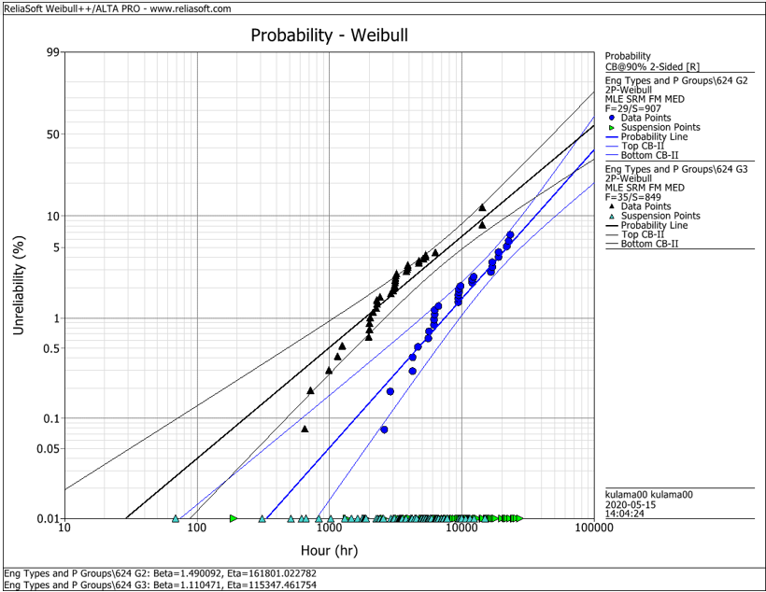
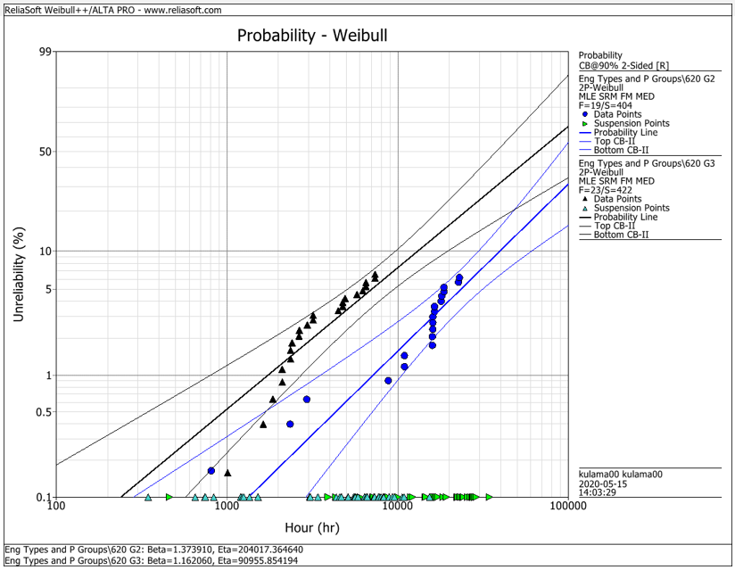
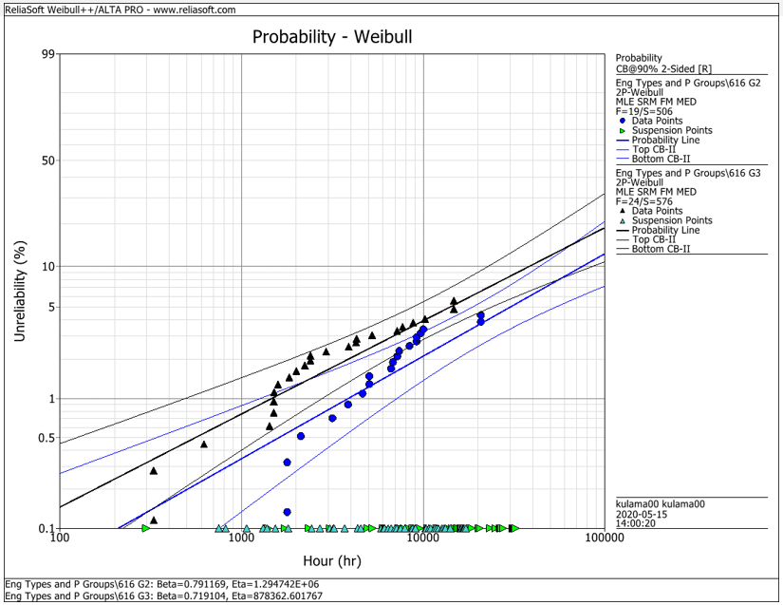
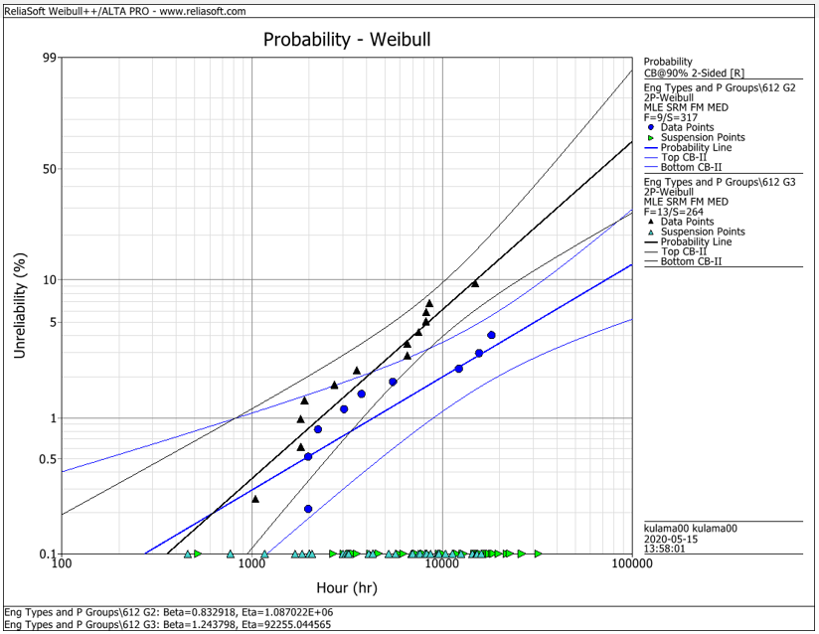
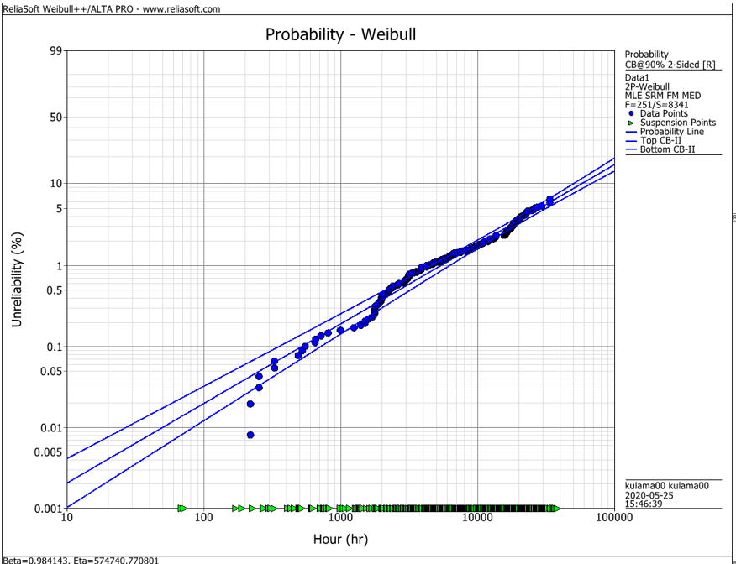
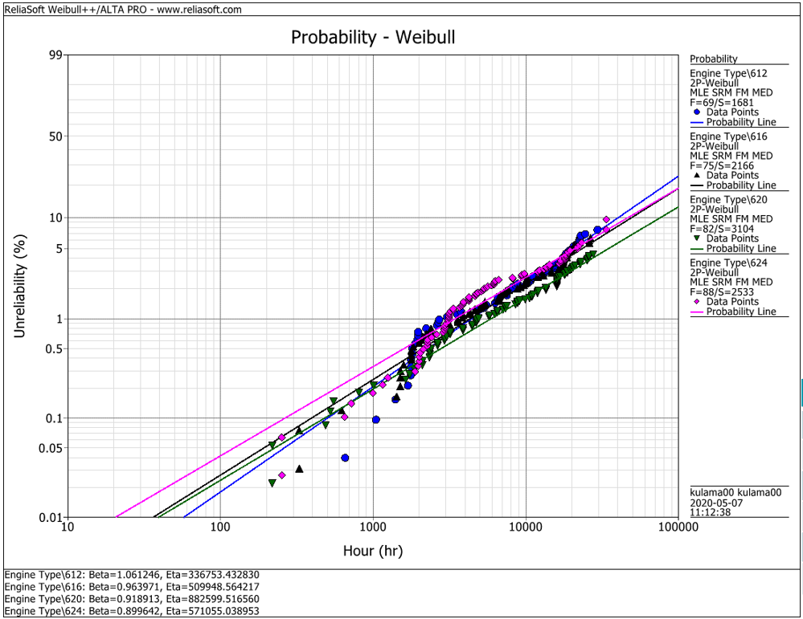
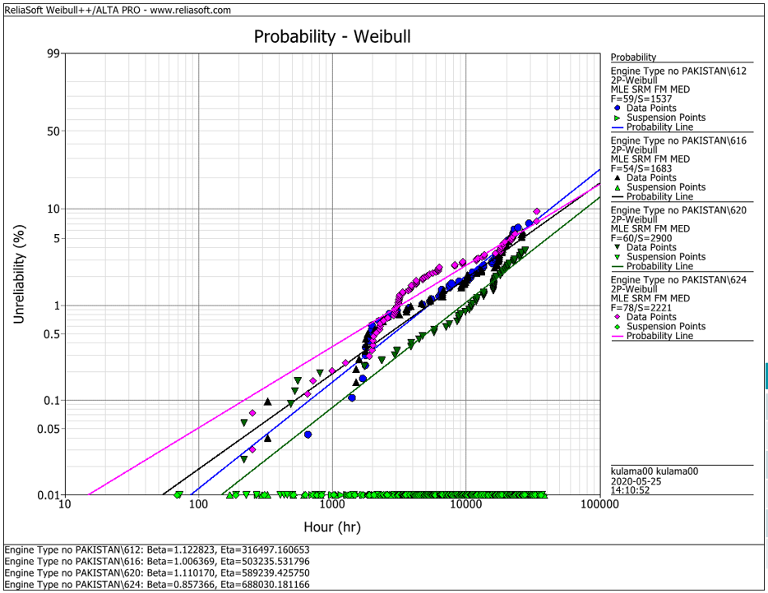
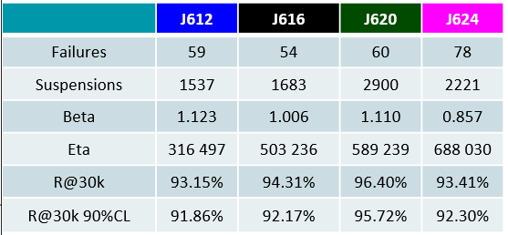
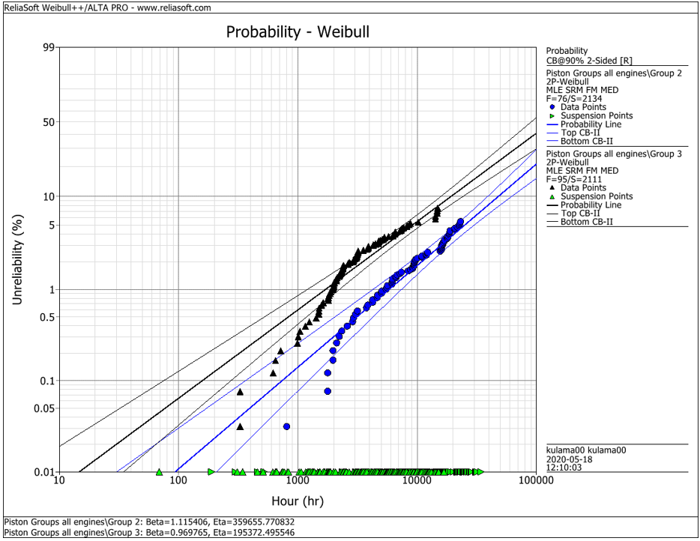
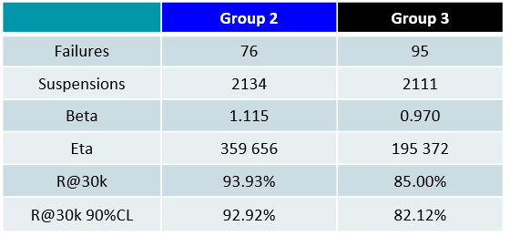
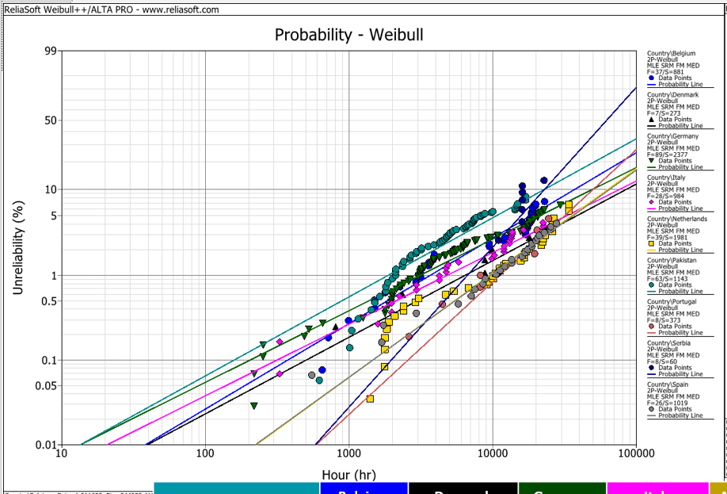
EDC Weibull Comparison
 | beta | R@30k 90%CL
G2 | 1.490 | 92.2%
G2 | 1.374 | 93.0%
G2 | 0.791 | 95.0%
G2 | 0.830 | 95.0%
G2 | 1.115 | 92.9%
G3 | 1.110 | 80.0%
G3 | 1.162 | 75.0%
G3 | 0.719 | 91.5%
G3 | 1.244 | 79.0%
G3 | 0.970 | 82.1%
all | 0.984 | 94.2%
all | 1.061 | 91.3%
all | 0.964 | 92.6%
all | 0.919 | 94.9%
all | 0.899 | 92.1%
all w/o Pak | 1.123 | 91.9%
all w/o Pak | 1.006 | 92.2%
all w/o Pak | 1.110 | 95.7%
all w/o Pak | 0.857 | 93.4%

 |  | f | s | beta | eta | R@30k 90%CL | Comment
J624 | G2 | 29 | 907 | 1.490 | 161801 | 92.2% | T23 with LKZ OCR
J620 | G2 | 19 | 404 | 1.374 | 204017 | 93.0% | T23 with LKZ OCR
J616 | G2 | 19 | 506 | 0.791 | 1294700 | 95.0% | T23 with LKZ OCR
J612 | G2 | 9 | 317 | 0.830 | 1088700 | 95.0% | T23 with LKZ OCR
J6xx | G2 | 76 | 2134 | 1.115 | 359656 | 92.9% | T23 with LKZ OCR

J624 | G3 | 35 | 849 | 1.110 | 115347 | 80.0% | T23 with flat OCR
J620 | G3 | 23 | 422 | 1.162 | 90955 | 75.0% | T23 with flat OCR
J616 | G3 | 24 | 576 | 0.719 | 878362 | 91.5% | T23 with LKZ OCR
J612 | G3 | 13 | 264 | 1.244 | 92255 | 79.0% | T23 with LKZ OCR
J6xx | G3 | 95 | 2111 | 0.970 | 195372 | 82.1% | T23 with LKZ OCR

J6xx | all | 251 | 8341 | 0.984 | 574741 | 94.2% | Source - cleaned by Maciej 2020-05_25
J612 | all | 69 | 1681 | 1.061 | 336753 | 91.3% | Source - cleaned by Maciej 2020-05_25
J616 | all | 75 | 2166 | 0.964 | 509948 | 92.6% | Source - cleaned by Maciej 2020-05_25
J620 | all | 82 | 3104 | 0.919 | 882599 | 94.9% | Source - cleaned by Maciej 2020-05_25
J624 | all | 88 | 2533 | 0.899 | 571055 | 92.1% | Source - cleaned by Maciej 2020-05_25

J612 | all w/o Pak | 59 | 1537 | 1.123 | 316497 | 91.9% | Source - cleaned by Maciej 2020-05_25
J616 | all w/o Pak | 54 | 1683 | 1.006 | 503236 | 92.2% | Source - cleaned by Maciej 2020-05_25
J620 | all w/o Pak | 60 | 2900 | 1.110 | 589239 | 95.7% | Source - cleaned by Maciej 2020-05_25
J624 | all w/o Pak | 78 | 2221 | 0.857 | 688030 | 93.4% | Source - cleaned by Maciej 2020-05_25

 |  | beta | 1.490 | max
 |  |  | 0.719 | min
 |  |  | 1.038 | mittel
 |  |  | 1.006 | median

