summary
Demonstrated Reliability
 | CLB 90% - 10% |  | CLB 90% - 10% |  | CLB 90% - 10% |  | R1 |  | R2 |  | R3 |  | today |  | R Ref |  | Weibull, b = 1,21 |  | Weibull G3, b 0,97
 | 17% | 0 | 97% | 0 | 95% | 0 | 00% | 0 | 00% | 0 | 00% | 84264 | 0.00 | 84264 | 99% | 0 | 100% | 0 | 100%
 | 17% | 2528 | 97% | 2528 | 95% | 2528 | 31% | 2528 | 02% | 2528 | 84% | 84264 | 1.00 |  |  | 2528 | 100% | 2528 | 99%
 | 17% | 6741 | 97% | 6741 | 95% | 6741 | 70% | 6741 | 30% | 6741 | 95% |  |  |  |  | 6741 | 100% | 6741 | 96%
 | 17% | 12640 | 97% | 12640 | 95% | 12640 | 85% | 12640 | 59% | 12640 | 98% |  |  |  |  | 12640 | 100% | 12640 | 93%
 | 17% | 16853 | 97% | 16853 | 95% | 16853 | 91% | 16853 | 74% | 16853 | 99% |  |  |  |  | 16853 | 100% | 16853 | 91%
 | 17% | 21066 | 97% | 21066 | 95% | 21066 | 94% | 21066 | 82% | 21066 | 99% |  |  |  |  | 21066 | 100% | 21066 | 89%
 | 13% | 25279 | 97% | 25279 | 95% | 25279 | 96% | 25279 | 86% | 25279 | 99% |  |  |  |  | 25279 | 100% | 25279 | 87%
 | 11% | 29492 | 97% | 29492 | 95% | 29492 | 96% | 29492 | 89% | 29492 | 99% |  |  |  |  | 29492 | 100% | 29492 | 85%
 | 09% | 33706 | 97% | 33706 | 95% | 33706 | 97% | 33706 | 91% | 33706 | 100% |  |  |  |  | 33706 | 100% | 33706 | 83%
 | 07% | 37919 | 97% | 37919 | 95% | 37919 | 98% | 37919 | 92% | 37919 | 100% |  |  |  |  | 37919 | 100% | 37919 | 82%
 | 06% | 42132 | 97% | 42132 | 95% | 42132 | 98% | 42132 | 93% | 42132 | 100% |  |  |  |  | 42132 | 100% | 42132 | 80%
 | 06% | 46345 | 97% | 46345 | 95% | 46345 | 98% | 46345 | 94% | 46345 | 100% |  |  |  |  | 46345 | 100% | 46345 | 78%
 | 05% | 50558 | 97% | 50558 | 95% | 50558 | 99% | 50558 | 95% | 50558 | 100% |  |  |  |  | 50558 | 100% | 50558 | 76%
 | 04% | 54772 | 97% | 54772 | 95% | 54772 | 99% | 54772 | 96% | 54772 | 100% |  |  |  |  | 54772 | 100% | 54772 | 75%
 | 03% | 58985 | 97% | 58985 | 95% | 58985 | 99% | 58985 | 97% | 58985 | 100% |  |  |  |  | 58985 | 99% | 58985 | 73%
 | 02% | 63198 | 97% | 63198 | 95% | 63198 | 99% | 63198 | 98% | 63198 | 100% |  |  |  |  | 63198 | 99% | 63198 | 72%
 | 02% | 67411 | 97% | 67411 | 95% | 67411 | 99% | 67411 | 98% | 67411 | 100% |  |  |  |  | 67411 | 99% | 67411 | 70%
 | 02% | 71624 | 97% | 71624 | 95% | 71624 | 100% | 71624 | 98% | 71624 | 100% |  |  |  |  | 71624 | 99% | 71624 | 69%
 | 01% | 75838 | 97% | 75838 | 95% | 75838 | 100% | 75838 | 99% | 75838 | 100% |  |  |  |  | 75838 | 99% | 75838 | 67%
 | 01% | 80051 | 97% | 80051 | 95% | 80051 | 100% | 80051 | 99% | 80051 | 100% |  |  |  |  | 80051 | 99% | 80051 | 66%
 | 01% | 84264 | 97% | 84264 | 95% | 84264 | 100% | 84264 | 99% | 84264 | 100% |  |  |  |  | 84264 | 99% | 84264 | 64%
 | 01% | 88477 | 97% | 88477 | 95% | 88477 | 100% | 88477 | 99% | 88477 | 100% |  |  |  |  | 88477 | 99% | 88477 | 63%
 | 01% | 92690 | 97% | 92690 | 95% | 92690 | 100% | 92690 | 99% | 92690 | 100% |  |  |  |  | 92690 | 99% | 92690 | 62%
 | 00% | 96904 | 97% | 96904 | 95% | 96904 | 100% | 96904 | 100% | 96904 | 100% |  |  |  |  | 96904 | 99% | 96904 | 60%
 | 00% | 101117 | 97% | 101117 | 95% | 101117 | 100% | 101117 | 100% | 101117 | 100% |  |  |  |  | 101117 | 99% | 101117 | 59%
 | 00% | 105330 | 97% | 105330 | 95% | 105330 | 100% | 105330 | 100% | 105330 | 100% |  |  |  |  | 105330 | 99% | 105330 | 58%
 | 00% | 109543 | 97% | 109543 | 95% | 109543 | 100% | 109543 | 100% | 109543 | 100% |  |  |  |  | 109543 | 99% | 109543 | 57%
 | 00% | 113756 | 97% | 113756 | 95% | 113756 | 100% | 113756 | 100% | 113756 | 100% |  |  |  |  | 113756 | 99% | 113756 | 55%
 | 00% | 117970 | 97% | 117970 | 95% | 117970 | 100% | 117970 | 100% | 117970 | 100% |  |  |  |  | 117970 | 99% | 117970 | 54%
 | 00% | 122183 | 97% | 122183 | 95% | 122183 | 100% | 122183 | 100% | 122183 | 100% |  |  |  |  | 122183 | 99% | 122183 | 53%
 | 00% | 126396 | 97% | 126396 | 95% | 126396 | 100% | 126396 | 100% | 126396 | 100% |  |  |  |  | 126396 | 99% | 126396 | 52%
 | 00% | 130609 | 97% | 130609 | 95% | 130609 | 100% | 130609 | 100% | 130609 | 100% |  |  |  |  | 130609 | 99% | 130609 | 51%
 | 00% | 134822 | 97% | 134822 | 95% | 134822 | 100% | 134822 | 100% | 134822 | 100% |  |  |  |  | 134822 | 99% | 134822 | 50%
 | 00% | 139036 | 97% | 139036 | 95% | 139036 | 100% | 139036 | 100% | 139036 | 100% |  |  |  |  | 139036 | 99% | 139036 | 49%
 | 00% | 143249 | 97% | 143249 | 95% | 143249 | 100% | 143249 | 100% | 143249 | 100% |  |  |  |  | 143249 | 98% | 143249 | 48%
 | 00% | 147462 | 97% | 147462 | 95% | 147462 | 100% | 147462 | 100% | 147462 | 100% |  |  |  |  | 147462 | 98% | 147462 | 47%
 | 00% | 151675 | 97% | 151675 | 95% | 151675 | 100% | 151675 | 100% | 151675 | 100% |  |  |  |  | 151675 | 98% | 151675 | 46%
 | 00% | 155888 | 97% | 155888 | 95% | 155888 | 100% | 155888 | 100% | 155888 | 100% |  |  |  |  | 155888 | 98% | 155888 | 45%
 | 00% | 160102 | 97% | 160102 | 95% | 160102 | 100% | 160102 | 100% | 160102 | 100% |  |  |  |  | 160102 | 98% | 160102 | 44%
 | 00% | 164315 | 97% | 164315 | 95% | 164315 | 100% | 164315 | 100% | 164315 | 100% |  |  |  |  | 164315 | 98% | 164315 | 43%
 | 00% | 168528 | 97% | 168528 | 95% | 168528 | 100% | 168528 | 100% | 168528 | 100% |  |  |  |  | 168528 | 98% | 168528 | 42%
 |  |  |  |  |  |  | Pn | 1013 | mbar | Tn | 0 | °C | 9.8 | kWh / mn3
Validation Fleet Status |  | Date | 2/12/21 |  |  |  | ETAMOT not fully plausible ?
624 | 17 |  | Cum hours | 474943
620 | 3 |  | Fl Leader | 67233
616 | 7 |  | Avg hours | 16962 |  |  |  |  |  |  |  |  |  | 0
612 | 1 |  | 2000 | 28 |  |  |  |  |  |  |  |  |  | 0
Sum Engines | 28 |  | 4000 | 27 |  |  |  |  |  |  |  |  |  | 0
Sum PU's | 592 |  | 6000 | 26 |  |  |  |  |  |  |  |  |  | 0
 |  |  |  |  |  |  |  |  |  |  |  |  |  | 0
Beta | Running | Available | Not Available | Error |  |  |  |  |  |  |  |  |  | 0
1.210 | 26 | 1 | 1 | 0 |  |  |  |  |  |  |  |  |  | 0
 |  |  |  |  |  |  |  |  |  |  |  |  |  | 0
 | T | CL | BETA | R |  |  |  |  |  |  |  |  |  | 0
R1 | 30000 | 50% | 1.210 | 99.8% |  |  |  |  |  |  |  |  |  | 0
R2 | 30000 | 90% | 1.210 | 99.2% |  |  |  |  |  |  |  |  |  | 0
R3 | 30000 | 10% | 1.210 | 100.0% |  |  |  |  |  |  |  |  |  | 0
 |  |  |  |  |  |  |  |  |  |  |  |  |  | 0
Field Validation Results vs. CTQ's |  |  |  | CTQ |  |  |  |  |  |  |  |  |  | 0
1. R(CL 50%) > 97% @ß = |  | 1.210 | 99.8% | 97% |  |  |  |  |  |  |  |  |  | 0
2. R(CL 90%) > 90% @ß = |  | 1.210 | 99.2% | 90% |  |  |  |  |  |  |  |  |  | 0
3. 4 Engines > 6000 oph |  |  | 26 | 4 |  |  |  |  |  |  |  |  |  | 0
 |  |  |  |  | 1.210 | 1.21 |  |  |  |  |  |  |  | 0
 | BR6 |  | hours s. VS | 84264 | 67233 | 67233 |  |  |  |  |  |  |  | 0
Bohrung [mm] | 190 |  | pess PU F | 1.0% | 110.6 | 110.6 |  |  |  |  |  |  |  | 0
Hub [mm] | 220 |  | pess PU F | 6 | 98.8% |  |  |  |  |  |  |  |  | 0
Validation Fleet oph
 |  |  | Date |  | Date line |  | 2000 |  | 6000 |  | 1145166 |  | 1175579 |  | 1184199 |  | 1198719 |  | 1243360 |  | 1243362 |  | 1250575
7/4/11 | 0 | 2/12/21 | 67233 | 2/12/21 | 0 | 7/4/11 | 2000 | 7/4/11 | 6000 | 7/4/11 | 0 | 7/4/11 | 0 | 7/4/11 | 0 | 7/4/11 | 0 | 7/4/11 | 0 | 7/4/11 | 0 | 7/4/11 | 0
10/17/11 | 2528 |  |  | 2/12/21 | 67233 | 9/24/30 | 2000 | 9/24/30 | 6000 | 10/17/11 | 0 | 10/17/11 | 0 | 10/17/11 | 0 | 10/17/11 | 0 | 10/17/11 | 0 | 10/17/11 | 1965 | 10/17/11 | 0
4/9/12 | 6741 |  |  |  |  |  |  |  |  | 4/9/12 | 0 | 4/9/12 | 0 | 4/9/12 | 0 | 4/9/12 | 0 | 4/9/12 | 0 | 4/9/12 | 5241 | 4/9/12 | 0
12/11/12 | 12640 |  |  |  |  |  |  |  |  | 12/11/12 | 0 | 12/11/12 | 0 | 12/11/12 | 0 | 12/11/12 | 0 | 12/11/12 | 991 | 12/11/12 | 9827 | 12/11/12 | 0
6/5/13 | 16853 |  |  |  |  |  |  |  |  | 6/5/13 | 0 | 6/5/13 | 0 | 6/5/13 | 0 | 6/5/13 | 0 | 6/5/13 | 4888 | 6/5/13 | 13103 | 6/5/13 | 0
11/27/13 | 21066 |  |  |  |  |  |  |  |  | 11/27/13 | 0 | 11/27/13 | 0 | 11/27/13 | 0 | 11/27/13 | 0 | 11/27/13 | 8784 | 11/27/13 | 16379 | 11/27/13 | 0
5/22/14 | 25279 |  |  |  |  |  |  |  |  | 5/22/14 | 0 | 5/22/14 | 0 | 5/22/14 | 0 | 5/22/14 | 0 | 5/22/14 | 12681 | 5/22/14 | 19654 | 5/22/14 | 0
11/13/14 | 29492 |  |  |  |  |  |  |  |  | 11/13/14 | 0 | 11/13/14 | 0 | 11/13/14 | 0 | 11/13/14 | 0 | 11/13/14 | 16577 | 11/13/14 | 22930 | 11/13/14 | 0
5/8/15 | 33706 |  |  |  |  |  |  |  |  | 5/8/15 | 0 | 5/8/15 | 0 | 5/8/15 | 0 | 5/8/15 | 0 | 5/8/15 | 20474 | 5/8/15 | 26206 | 5/8/15 | 0
10/30/15 | 37919 |  |  |  |  |  |  |  |  | 10/30/15 | 0 | 10/30/15 | 0 | 10/30/15 | 0 | 10/30/15 | 0 | 10/30/15 | 24371 | 10/30/15 | 29481 | 10/30/15 | 0
4/23/16 | 42132 |  |  |  |  |  |  |  |  | 4/23/16 | 0 | 4/23/16 | 0 | 4/23/16 | 0 | 4/23/16 | 0 | 4/23/16 | 28267 | 4/23/16 | 32757 | 4/23/16 | 0
10/16/16 | 46345 |  |  |  |  |  |  |  |  | 10/16/16 | 0 | 10/16/16 | 1125 | 10/16/16 | 0 | 10/16/16 | 0 | 10/16/16 | 32164 | 10/16/16 | 36033 | 10/16/16 | 0
4/9/17 | 50558 |  |  |  |  |  |  |  |  | 4/9/17 | 2722 | 4/9/17 | 4712 | 4/9/17 | 2256 | 4/9/17 | 213 | 4/9/17 | 36060 | 4/9/17 | 39308 | 4/9/17 | 0
10/2/17 | 54772 |  |  |  |  |  |  |  |  | 10/2/17 | 6651 | 10/2/17 | 8299 | 10/2/17 | 5903 | 10/2/17 | 4106 | 10/2/17 | 39957 | 10/2/17 | 42584 | 10/2/17 | 0
3/26/18 | 58985 |  |  |  |  |  |  |  |  | 3/26/18 | 10580 | 3/26/18 | 11887 | 3/26/18 | 9550 | 3/26/18 | 7999 | 3/26/18 | 43853 | 3/26/18 | 45860 | 3/26/18 | 0
9/18/18 | 63198 |  |  |  |  |  |  |  |  | 9/18/18 | 14509 | 9/18/18 | 15474 | 9/18/18 | 13197 | 9/18/18 | 11892 | 9/18/18 | 47750 | 9/18/18 | 49136 | 9/18/18 | 0
3/12/19 | 67411 |  |  |  |  |  |  |  |  | 3/12/19 | 18438 | 3/12/19 | 19061 | 3/12/19 | 16845 | 3/12/19 | 15785 | 3/12/19 | 51647 | 3/12/19 | 52411 | 3/12/19 | 0
9/4/19 | 71624 |  |  |  |  |  |  |  |  | 9/4/19 | 22367 | 9/4/19 | 22648 | 9/4/19 | 20492 | 9/4/19 | 19679 | 9/4/19 | 55543 | 9/4/19 | 55687 | 9/4/19 | 13
2/26/20 | 75838 |  |  |  |  |  |  |  |  | 2/26/20 | 26297 | 2/26/20 | 26236 | 2/26/20 | 24139 | 2/26/20 | 23572 | 2/26/20 | 59440 | 2/26/20 | 58963 | 2/26/20 | 1751
8/20/20 | 80051 |  |  |  |  |  |  |  |  | 8/20/20 | 30226 | 8/20/20 | 29823 | 8/20/20 | 27786 | 8/20/20 | 27465 | 8/20/20 | 63336 | 8/20/20 | 62238 | 8/20/20 | 3489
2/12/21 | 84264 |  |  |  |  |  |  |  |  | 2/12/21 | 34155 | 2/12/21 | 33410 | 2/12/21 | 31433 | 2/12/21 | 31358 | 2/12/21 | 67233 | 2/12/21 | 65514 | 2/12/21 | 5227
8/6/21 | 88477 |  |  |  |  |  |  |  |  | 8/6/21 | 38084 | 8/6/21 | 36997 | 8/6/21 | 35080 | 8/6/21 | 35251 | 8/6/21 | 71130 | 8/6/21 | 68790 | 8/6/21 | 6965
1/29/22 | 92690 |  |  |  |  |  |  |  |  | 1/29/22 | 42013 | 1/29/22 | 40584 | 1/29/22 | 38727 | 1/29/22 | 39144 | 1/29/22 | 75026 | 1/29/22 | 72065 | 1/29/22 | 8703
7/23/22 | 96904 |  |  |  |  |  |  |  |  | 7/23/22 | 45943 | 7/23/22 | 44172 | 7/23/22 | 42374 | 7/23/22 | 43037 | 7/23/22 | 78923 | 7/23/22 | 75341 | 7/23/22 | 10441
1/15/23 | 101117 |  |  |  |  |  |  |  |  | 1/15/23 | 49872 | 1/15/23 | 47759 | 1/15/23 | 46021 | 1/15/23 | 46931 | 1/15/23 | 82819 | 1/15/23 | 78617 | 1/15/23 | 12179
7/9/23 | 105330 |  |  |  |  |  |  |  |  | 7/9/23 | 53801 | 7/9/23 | 51346 | 7/9/23 | 49669 | 7/9/23 | 50824 | 7/9/23 | 86716 | 7/9/23 | 81893 | 7/9/23 | 13916
1/1/24 | 109543 |  |  |  |  |  |  |  |  | 1/1/24 | 57730 | 1/1/24 | 54933 | 1/1/24 | 53316 | 1/1/24 | 54717 | 1/1/24 | 90613 | 1/1/24 | 85168 | 1/1/24 | 15654
6/24/24 | 113756 |  |  |  |  |  |  |  |  | 6/24/24 | 61659 | 6/24/24 | 58521 | 6/24/24 | 56963 | 6/24/24 | 58610 | 6/24/24 | 94509 | 6/24/24 | 88444 | 6/24/24 | 17392
12/17/24 | 117970 |  |  |  |  |  |  |  |  | 12/17/24 | 65588 | 12/17/24 | 62108 | 12/17/24 | 60610 | 12/17/24 | 62503 | 12/17/24 | 98406 | 12/17/24 | 91720 | 12/17/24 | 19130
6/10/25 | 122183 |  |  |  |  |  |  |  |  | 6/10/25 | 69518 | 6/10/25 | 65695 | 6/10/25 | 64257 | 6/10/25 | 66396 | 6/10/25 | 102302 | 6/10/25 | 94995 | 6/10/25 | 20868
12/3/25 | 126396 |  |  |  |  |  |  |  |  | 12/3/25 | 73447 | 12/3/25 | 69282 | 12/3/25 | 67904 | 12/3/25 | 70289 | 12/3/25 | 106199 | 12/3/25 | 98271 | 12/3/25 | 22606
5/28/26 | 130609 |  |  |  |  |  |  |  |  | 5/28/26 | 77376 | 5/28/26 | 72870 | 5/28/26 | 71551 | 5/28/26 | 74183 | 5/28/26 | 110095 | 5/28/26 | 101547 | 5/28/26 | 24344
11/19/26 | 134822 |  |  |  |  |  |  |  |  | 11/19/26 | 81305 | 11/19/26 | 76457 | 11/19/26 | 75198 | 11/19/26 | 78076 | 11/19/26 | 113992 | 11/19/26 | 104822 | 11/19/26 | 26082
5/14/27 | 139036 |  |  |  |  |  |  |  |  | 5/14/27 | 85234 | 5/14/27 | 80044 | 5/14/27 | 78845 | 5/14/27 | 81969 | 5/14/27 | 117889 | 5/14/27 | 108098 | 5/14/27 | 27819
11/5/27 | 143249 |  |  |  |  |  |  |  |  | 11/5/27 | 89163 | 11/5/27 | 83631 | 11/5/27 | 82492 | 11/5/27 | 85862 | 11/5/27 | 121785 | 11/5/27 | 111374 | 11/5/27 | 29557
4/29/28 | 147462 |  |  |  |  |  |  |  |  | 4/29/28 | 93093 | 4/29/28 | 87218 | 4/29/28 | 86140 | 4/29/28 | 89755 | 4/29/28 | 125682 | 4/29/28 | 114650 | 4/29/28 | 31295
10/21/28 | 151675 |  |  |  |  |  |  |  |  | 10/21/28 | 97022 | 10/21/28 | 90806 | 10/21/28 | 89787 | 10/21/28 | 93648 | 10/21/28 | 129578 | 10/21/28 | 117925 | 10/21/28 | 33033
4/15/29 | 155888 |  |  |  |  |  |  |  |  | 4/15/29 | 100951 | 4/15/29 | 94393 | 4/15/29 | 93434 | 4/15/29 | 97541 | 4/15/29 | 133475 | 4/15/29 | 121201 | 4/15/29 | 34771
10/7/29 | 160102 |  |  |  |  |  |  |  |  | 10/7/29 | 104880 | 10/7/29 | 97980 | 10/7/29 | 97081 | 10/7/29 | 101434 | 10/7/29 | 137372 | 10/7/29 | 124477 | 10/7/29 | 36509
4/1/30 | 164315 |  |  |  |  |  |  |  |  | 4/1/30 | 108809 | 4/1/30 | 101567 | 4/1/30 | 100728 | 4/1/30 | 105328 | 4/1/30 | 141268 | 4/1/30 | 127752 | 4/1/30 | 38247
9/24/30 | 168528 |  |  |  |  |  |  |  |  | 9/24/30 | 112738 | 9/24/30 | 105155 | 9/24/30 | 104375 | 9/24/30 | 109221 | 9/24/30 | 145165 | 9/24/30 | 131028 | 9/24/30 | 39985
VH zyl [dm3] | 6.24 |  | like PU F | 0.2% | 2559188 | 7062516.5757 |  |  |  |  |  |  |  | 0
 |  |  | like PU F | 1 | 99.5% |  |  |  |  |  |  |  |  | 0
 |  |  |  | 21488.107675 | 0.46% | 0.36% |  |  |  |  |  |  |  | 0
 |  |  |  |  | 0.51 | 2.1168 |  |  |  |  |  |  |  | 0
Engines | ~ BMP Avg | z | VH [dm3] | etael |  |  |  |  |  |  |  |  |  | 0
624 | 24.2 | 24 | 149.7 | 98.1% |  |  |  |  |  |  |  |  |  | 0
620 | 22.0 | 20 | 124.8 | 98.0% |  |  |  |  |  |  |  |  |  | 0
616 | 21.7 | 16 | 99.8 | 97.6% |  |  |  |  |  |  |  |  |  | 0
612 | 22.0 | 12 | 74.9 | 98.6% |  |  |  |  |  |  |  |  |  | 0
 |  |  |  |  |  |  |  |  |  |  |  |  |  | 0
BMEP Avg | BMEP Min | BMEP Max | NOX | MN | Version | #
24.3 | 24.0 | 24.5 | 500 | 80 | K01 | 3
24.4 | 24.0 | 24.5 | 500 | 80 | H01 | 11
24.0 | 24.0 | 24.0 | 250 | 80 | H02 | 1
 | 0.0 | 0.0 | 500 | 70 | H101 | 0
24.5 | 24.5 | 24.5 | 250 | 70 | H12 | 1
22.0 | 22.0 | 22.0 | 500 | 80 | F01 | 3
21.0 | 19.9 | 22.0 | 500 | 80 | J01 | 2
22.0 | 22.0 | 22.0 | 500 | 70 | J101 | 1
22.0 | 22.0 | 22.0 | 500 | 70 | J11 | 1
22.0 | 22.0 | 22.0 | 500 | 70 | F11 | 1
22.0 | 22.0 | 22.0 | 250 | 70 | F12 | 1
22.0 | 22.0 | 22.0 | 250 | 70 | J12 | 2
22.9 | 22.9 | 22.9 | 500 | 80 | K505 | 1
 |  |  |  |  |  | 28

ndReliaCalc2
 | Data Date | 2021-02-12 11:49:46
 | Val Start | 2011-07-04
 | Val Period (days) | 3511
 | Beta (R2) | 1.21

 |  |  |  | 2000h line | 2000 | 2000
 |  |  |  |  | 2019-05-01 | 2021-12-31
 |  |  |  | 6000h line | 6000 | 6000
 |  |  |  |  | 2019-05-01 | 2021-12-31

 |  |  |  |  |  |  |  | R1 failures | 0 | 0 | 0 | 0 | 0 | 0 | 0 | 0 | 0 | 0 | 0 | 0 | 0 | 0 | 0 | 0 | 0 | 0 | 0 | 0 | 0 | 0 | 0 | 0 | 0 | 0 | 0 | 0 | 0 | 0 | 0 | 0 | 0 | 0 | 0 | 0 | 0 | 0 | 0 | 0 | 0
 |  |  |  |  |  |  |  | R2 failures | 0 | 0 | 0 | 0 | 0 | 0 | 0 | 0 | 0 | 0 | 0 | 0 | 0 | 0 | 0 | 0 | 0 | 0 | 0 | 0 | 0 | 0 | 0 | 0 | 0 | 0 | 0 | 0 | 0 | 0 | 0 | 0 | 0 | 0 | 0 | 0 | 0 | 0 | 0 | 0 | 0
 |  |  |  | f1 | 2021-02-02 11:49:46 | 0 | 100% | 3501 | 0 | 0 | 0 | 0 | 0 | 0 | 0 | 0 | 0 | 0 | 0 | 0 | 0 | 0 | 0 | 0 | 0 | 0 | 0 | 0 | 0 | 0 | 0 | 0 | 0 | 0 | 0 | 0 | 0 | 0 | 0 | 0 | 0 | 0 | 0 | 0 | 0 | 0 | 0 | 0 | 0
 |  |  |  | f2 | 2021-03-14 11:49:46 | 0 | 101% | 3541 | 0 | 0 | 0 | 0 | 0 | 0 | 0 | 0 | 0 | 0 | 0 | 0 | 0 | 0 | 0 | 0 | 0 | 0 | 0 | 0 | 0 | 0 | 0 | 0 | 0 | 0 | 0 | 0 | 0 | 0 | 0 | 0 | 0 | 0 | 0 | 0 | 0 | 0 | 0 | 0 | 0
 |  |  |  | f3 | 2021-01-12 11:49:46 | 0 | 99% | 3480 | 0 | 0 | 0 | 0 | 0 | 0 | 0 | 0 | 0 | 0 | 0 | 0 | 0 | 0 | 0 | 0 | 0 | 0 | 0 | 0 | 0 | 0 | 0 | 0 | 0 | 0 | 0 | 0 | 0 | 0 | 0 | 0 | 0 | 0 | 0 | 0 | 0 | 0 | 0 | 0 | 0
 |  |  |  | f4 | 2020-10-11 11:49:46 | 0 | 96% | 3387 | 0 | 0 | 0 | 0 | 0 | 0 | 0 | 0 | 0 | 0 | 0 | 0 | 0 | 0 | 0 | 0 | 0 | 0 | 0 | 0 | 0 | 0 | 0 | 0 | 0 | 0 | 0 | 0 | 0 | 0 | 0 | 0 | 0 | 0 | 0 | 0 | 0 | 0 | 0 | 0 | 0
 |  |  |  | f5 | 2021-06-16 11:49:46 | 0 | 104% | 3635 | 0 | 0 | 0 | 0 | 0 | 0 | 0 | 0 | 0 | 0 | 0 | 0 | 0 | 0 | 0 | 0 | 0 | 0 | 0 | 0 | 0 | 0 | 0 | 0 | 0 | 0 | 0 | 0 | 0 | 0 | 0 | 0 | 0 | 0 | 0 | 0 | 0 | 0 | 0 | 0 | 0
 |  |  |  | f6 | 2021-08-17 11:49:46 | 0 | 105% | 3697 | 0 | 0 | 0 | 0 | 0 | 0 | 0 | 0 | 0 | 0 | 0 | 0 | 0 | 0 | 0 | 0 | 0 | 0 | 0 | 0 | 0 | 0 | 0 | 0 | 0 | 0 | 0 | 0 | 0 | 0 | 0 | 0 | 0 | 0 | 0 | 0 | 0 | 0 | 0 | 0 | 0
 |  |  |  | f7 | 0 | 0 | -1160% | -40728 | 0 | 0 | 0 | 0 | 0 | 0 | 0 | 0 | 0 | 0 | 0 | 0 | 0 | 0 | 0 | 0 | 0 | 0 | 0 | 0 | 0 | 0 | 0 | 0 | 0 | 0 | 0 | 0 | 0 | 0 | 0 | 0 | 0 | 0 | 0 | 0 | 0 | 0 | 0 | 0 | 0
 |  |  |  | f8 | 0 | 0 | -1160% | -40728 | 0 | 0 | 0 | 0 | 0 | 0 | 0 | 0 | 0 | 0 | 0 | 0 | 0 | 0 | 0 | 0 | 0 | 0 | 0 | 0 | 0 | 0 | 0 | 0 | 0 | 0 | 0 | 0 | 0 | 0 | 0 | 0 | 0 | 0 | 0 | 0 | 0 | 0 | 0 | 0 | 0
 |  |  |  | f9 | 0 | 0 | -1160% | -40728 | 0 | 0 | 0 | 0 | 0 | 0 | 0 | 0 | 0 | 0 | 0 | 0 | 0 | 0 | 0 | 0 | 0 | 0 | 0 | 0 | 0 | 0 | 0 | 0 | 0 | 0 | 0 | 0 | 0 | 0 | 0 | 0 | 0 | 0 | 0 | 0 | 0 | 0 | 0 | 0 | 0
 |  |  |  | f10 | 0 | 0 | -1160% | -40728 | 0 | 0 | 0 | 0 | 0 | 0 | 0 | 0 | 0 | 0 | 0 | 0 | 0 | 0 | 0 | 0 | 0 | 0 | 0 | 0 | 0 | 0 | 0 | 0 | 0 | 0 | 0 | 0 | 0 | 0 | 0 | 0 | 0 | 0 | 0 | 0 | 0 | 0 | 0 | 0 | 0
 |  |  |  | f11 | 0 | 0 | -1160% | -40728 | 0 | 0 | 0 | 0 | 0 | 0 | 0 | 0 | 0 | 0 | 0 | 0 | 0 | 0 | 0 | 0 | 0 | 0 | 0 | 0 | 0 | 0 | 0 | 0 | 0 | 0 | 0 | 0 | 0 | 0 | 0 | 0 | 0 | 0 | 0 | 0 | 0 | 0 | 0 | 0 | 0
 |  |  |  | f12 | 0 | 0 | -1160% | -40728 | 0 | 0 | 0 | 0 | 0 | 0 | 0 | 0 | 0 | 0 | 0 | 0 | 0 | 0 | 0 | 0 | 0 | 0 | 0 | 0 | 0 | 0 | 0 | 0 | 0 | 0 | 0 | 0 | 0 | 0 | 0 | 0 | 0 | 0 | 0 | 0 | 0 | 0 | 0 | 0 | 0
 |  |  |  | f13 | 0 | 0 | -1160% | -40728 | 0 | 0 | 0 | 0 | 0 | 0 | 0 | 0 | 0 | 0 | 0 | 0 | 0 | 0 | 0 | 0 | 0 | 0 | 0 | 0 | 0 | 0 | 0 | 0 | 0 | 0 | 0 | 0 | 0 | 0 | 0 | 0 | 0 | 0 | 0 | 0 | 0 | 0 | 0 | 0 | 0
 |  |  |  | f14 | 0 | 0 | -1160% | -40728 | 0 | 0 | 0 | 0 | 0 | 0 | 0 | 0 | 0 | 0 | 0 | 0 | 0 | 0 | 0 | 0 | 0 | 0 | 0 | 0 | 0 | 0 | 0 | 0 | 0 | 0 | 0 | 0 | 0 | 0 | 0 | 0 | 0 | 0 | 0 | 0 | 0 | 0 | 0 | 0 | 0
 |  |  |  | f15 | 0 | 0 | -1160% | -40728 | 0 | 0 | 0 | 0 | 0 | 0 | 0 | 0 | 0 | 0 | 0 | 0 | 0 | 0 | 0 | 0 | 0 | 0 | 0 | 0 | 0 | 0 | 0 | 0 | 0 | 0 | 0 | 0 | 0 | 0 | 0 | 0 | 0 | 0 | 0 | 0 | 0 | 0 | 0 | 0 | 0
 |  |  |  | f16 | 0 | 0 | -1160% | -40728 | 0 | 0 | 0 | 0 | 0 | 0 | 0 | 0 | 0 | 0 | 0 | 0 | 0 | 0 | 0 | 0 | 0 | 0 | 0 | 0 | 0 | 0 | 0 | 0 | 0 | 0 | 0 | 0 | 0 | 0 | 0 | 0 | 0 | 0 | 0 | 0 | 0 | 0 | 0 | 0 | 0
 |  |  |  | f17 | 0 | 0 | -1160% | -40728 | 0 | 0 | 0 | 0 | 0 | 0 | 0 | 0 | 0 | 0 | 0 | 0 | 0 | 0 | 0 | 0 | 0 | 0 | 0 | 0 | 0 | 0 | 0 | 0 | 0 | 0 | 0 | 0 | 0 | 0 | 0 | 0 | 0 | 0 | 0 | 0 | 0 | 0 | 0 | 0 | 0
 |  |  |  | f18 | 0 | 0 | -1160% | -40728 | 0 | 0 | 0 | 0 | 0 | 0 | 0 | 0 | 0 | 0 | 0 | 0 | 0 | 0 | 0 | 0 | 0 | 0 | 0 | 0 | 0 | 0 | 0 | 0 | 0 | 0 | 0 | 0 | 0 | 0 | 0 | 0 | 0 | 0 | 0 | 0 | 0 | 0 | 0 | 0 | 0
 |  |  |  | f19 | 0 | 0 | -1160% | -40728 | 0 | 0 | 0 | 0 | 0 | 0 | 0 | 0 | 0 | 0 | 0 | 0 | 0 | 0 | 0 | 0 | 0 | 0 | 0 | 0 | 0 | 0 | 0 | 0 | 0 | 0 | 0 | 0 | 0 | 0 | 0 | 0 | 0 | 0 | 0 | 0 | 0 | 0 | 0 | 0 | 0
 |  |  |  | f20 | 0 | 0 | -1160% | -40728 | 0 | 0 | 0 | 0 | 0 | 0 | 0 | 0 | 0 | 0 | 0 | 0 | 0 | 0 | 0 | 0 | 0 | 0 | 0 | 0 | 0 | 0 | 0 | 0 | 0 | 0 | 0 | 0 | 0 | 0 | 0 | 0 | 0 | 0 | 0 | 0 | 0 | 0 | 0 | 0 | 0
 |  |  |  | f21 | 0 | 0 | -1160% | -40728 | 0 | 0 | 0 | 0 | 0 | 0 | 0 | 0 | 0 | 0 | 0 | 0 | 0 | 0 | 0 | 0 | 0 | 0 | 0 | 0 | 0 | 0 | 0 | 0 | 0 | 0 | 0 | 0 | 0 | 0 | 0 | 0 | 0 | 0 | 0 | 0 | 0 | 0 | 0 | 0 | 0
 |  |  |  | f22 | 0 | 0 | -1160% | -40728 | 0 | 0 | 0 | 0 | 0 | 0 | 0 | 0 | 0 | 0 | 0 | 0 | 0 | 0 | 0 | 0 | 0 | 0 | 0 | 0 | 0 | 0 | 0 | 0 | 0 | 0 | 0 | 0 | 0 | 0 | 0 | 0 | 0 | 0 | 0 | 0 | 0 | 0 | 0 | 0 | 0
 |  |  |  | f23 | 0 | 0 | -1160% | -40728 | 0 | 0 | 0 | 0 | 0 | 0 | 0 | 0 | 0 | 0 | 0 | 0 | 0 | 0 | 0 | 0 | 0 | 0 | 0 | 0 | 0 | 0 | 0 | 0 | 0 | 0 | 0 | 0 | 0 | 0 | 0 | 0 | 0 | 0 | 0 | 0 | 0 | 0 | 0 | 0 | 0
 |  |  |  | f24 | 0 | 0 | -1160% | -40728 | 0 | 0 | 0 | 0 | 0 | 0 | 0 | 0 | 0 | 0 | 0 | 0 | 0 | 0 | 0 | 0 | 0 | 0 | 0 | 0 | 0 | 0 | 0 | 0 | 0 | 0 | 0 | 0 | 0 | 0 | 0 | 0 | 0 | 0 | 0 | 0 | 0 | 0 | 0 | 0 | 0
 |  |  |  | f25 | 0 | 0 | -1160% | -40728 | 0 | 0 | 0 | 0 | 0 | 0 | 0 | 0 | 0 | 0 | 0 | 0 | 0 | 0 | 0 | 0 | 0 | 0 | 0 | 0 | 0 | 0 | 0 | 0 | 0 | 0 | 0 | 0 | 0 | 0 | 0 | 0 | 0 | 0 | 0 | 0 | 0 | 0 | 0 | 0 | 0 | 0
 |  |  |  |  |  | Sum failures |  |  | 0 | 0 | 0 | 0 | 0 | 0 | 0 | 0 | 0 | 0 | 0 | 0 | 0 | 0 | 0 | 0 | 0 | 0 | 0 | 0 | 0 | 0 | 0 | 0 | 0 | 0 | 0 | 0 | 0 | 0 | 0 | 0 | 0 | 0 | 0 | 0 | 0 | 0 | 0 | 0 | 0
 |  |  |  |  |  | Input |  |  | 0% | 3% | 8% | 15% | 20% | 25% | 30% | 35% | 40% | 45% | 50% | 55% | 60% | 65% | 70% | 75% | 80% | 85% | 90% | 95% | 100% | 105% | 110% | 115% | 120% | 125% | 130% | 135% | 140% | 145% | 150% | 155% | 160% | 165% | 170% | 175% | 180% | 185% | 190% | 195% | 200%
 |  |  |  |  |  | calc % for diagram (failures) |  |  | 0% | 3% | 8% | 15% | 20% | 25% | 30% | 35% | 40% | 45% | 50% | 55% | 60% | 65% | 70% | 75% | 80% | 85% | 90% | 95% | 100% | 105% | 110% | 115% | 120% | 125% | 130% | 135% | 140% | 145% | 150% | 155% | 160% | 165% | 170% | 175% | 180% | 185% | 190% | 195% | 200%
 |  |  |  |  |  | Val test Time % |  |  | 0% | 3% | 8% | 15% | 20% | 25% | 30% | 35% | 40% | 45% | 50% | 55% | 60% | 65% | 70% | 75% | 80% | 85% | 90% | 95% | 100% | 105% | 110% | 115% | 120% | 125% | 130% | 135% | 140% | 145% | 150% | 155% | 160% | 165% | 170% | 175% | 180% | 185% | 190% | 195% | 200%
 |  |  |  |  |  | days |  |  | 0.0 | 105.3 | 280.9 | 526.7 | 702.2 | 877.8 | 1053.3 | 1228.9 | 1404.4 | 1580.0 | 1755.5 | 1931.1 | 2106.6 | 2282.2 | 2457.7 | 2633.3 | 2808.8 | 2984.4 | 3159.9 | 3335.5 | 3511.0 | 3686.6 | 3862.1 | 4037.6 | 4213.2 | 4388.8 | 4564.3 | 4739.9 | 4915.4 | 5091.0 | 5266.5 | 5442.1 | 5617.6 | 5793.2 | 5968.7 | 6144.3 | 6319.8 | 6495.4 | 6670.9 | 6846.5 | 7022.0
 |  |  |  |  |  |  |  |  | 0.00 | 1.00 |  | R Ref | 99.2% |  | R HRS | 34155
 |  |  |  |  |  |  |  | today | 84264 | 84264 |  | 2021-02-12 | 84264 |  | 2021-02-12 | 84264
 |  |  |  |  |  | CLB 90% - 10% |  |  | 17.5% | 17.5% | 17.5% | 17.5% | 17.5% | 17.5% | 13.3% | 10.7% | 8.8% | 7.5% | 6.5% | 5.6% | 4.6% | 3.6% | 2.9% | 2.3% | 1.9% | 1.6% | 1.2% | 0.9% | 0.7% | 0.6% | 0.5% | 0.5% | 0.4% | 0.4% | 0.3% | 0.3% | 0.3% | 0.2% | 0.2% | 0.2% | 0.2% | 0.2% | 0.2% | 0.2% | 0.2% | 0.1% | 0.1% | 0.1% | 0.1%
 |  |  |  |  |  |  | R | 97.0% | 97.0% | 97.0% | 97.0% | 97.0% | 97.0% | 97.0% | 97.0% | 97.0% | 97.0% | 97.0% | 97.0% | 97.0% | 97.0% | 97.0% | 97.0% | 97.0% | 97.0% | 97.0% | 97.0% | 97.0% | 97.0% | 97.0% | 97.0% | 97.0% | 97.0% | 97.0% | 97.0% | 97.0% | 97.0% | 97.0% | 97.0% | 97.0% | 97.0% | 97.0% | 97.0% | 97.0% | 97.0% | 97.0% | 97.0% | 97.0% | 97.0%
 |  |  |  |  |  |  | R | 95.0% | 95.0% | 95.0% | 95.0% | 95.0% | 95.0% | 95.0% | 95.0% | 95.0% | 95.0% | 95.0% | 95.0% | 95.0% | 95.0% | 95.0% | 95.0% | 95.0% | 95.0% | 95.0% | 95.0% | 95.0% | 95.0% | 95.0% | 95.0% | 95.0% | 95.0% | 95.0% | 95.0% | 95.0% | 95.0% | 95.0% | 95.0% | 95.0% | 95.0% | 95.0% | 95.0% | 95.0% | 95.0% | 95.0% | 95.0% | 95.0% | 95.0%
 |  |  |  |  | Weibull G3, b 0,97 | R | alpha | beta
 |  |  |  |  | R | 85.0% | 195372 | 0.97 | 100.0% | 98.5% | 96.3% | 93.2% | 91.1% | 89.1% | 87.1% | 85.2% | 83.4% | 81.6% | 79.8% | 78.1% | 76.4% | 74.7% | 73.1% | 71.6% | 70.0% | 68.5% | 67.1% | 65.6% | 64.3% | 62.9% | 61.6% | 60.3% | 59.0% | 57.7% | 56.5% | 55.3% | 54.2% | 53.0% | 51.9% | 50.8% | 49.8% | 48.7% | 47.7% | 46.7% | 45.7% | 44.8% | 43.9% | 42.9% | 42.0%
 |  |  |  |  | Weibull, b = 1,21 | R | alpha | beta
 |  |  |  |  | 30000 | 99.8% | 4447351 | 1.21 | 100.0% | 100.0% | 100.0% | 99.9% | 99.9% | 99.8% | 99.8% | 99.8% | 99.7% | 99.7% | 99.6% | 99.6% | 99.6% | 99.5% | 99.5% | 99.4% | 99.4% | 99.3% | 99.3% | 99.2% | 99.2% | 99.1% | 99.1% | 99.0% | 99.0% | 98.9% | 98.9% | 98.8% | 98.8% | 98.7% | 98.7% | 98.6% | 98.6% | 98.5% | 98.4% | 98.4% | 98.3% | 98.3% | 98.2% | 98.2% | 98.1%
 |  |  |  |  | R1 | 30000 | 50% | 1.21 |  | 31.0% | 69.9% | 85.4% | 91.3% | 94.1% | 95.6% | 96.5% | 97.1% | 97.6% | 97.9% | 98.2% | 98.5% | 98.9% | 99.1% | 99.3% | 99.4% | 99.5% | 99.6% | 99.7% | 99.8% | 99.8% | 99.8% | 99.9% | 99.9% | 99.9% | 99.9% | 99.9% | 99.9% | 99.9% | 99.9% | 99.9% | 99.9% | 99.9% | 99.9% | 99.9% | 100.0% | 100.0% | 100.0% | 100.0% | 100.0%
 |  |  |  |  | R2 | 30000 | 90% | 1.21 |  | 2.0% | 30.5% | 59.3% | 74.0% | 81.6% | 86.0% | 88.8% | 90.7% | 92.1% | 93.2% | 94.1% | 95.1% | 96.2% | 97.0% | 97.6% | 98.0% | 98.4% | 98.7% | 99.0% | 99.2% | 99.4% | 99.5% | 99.5% | 99.6% | 99.6% | 99.7% | 99.7% | 99.7% | 99.7% | 99.8% | 99.8% | 99.8% | 99.8% | 99.8% | 99.8% | 99.8% | 99.9% | 99.9% | 99.9% | 99.9%
 |  |  |  |  | R3 | 30000 | 10% | 1.21 |  | 83.7% | 94.7% | 97.6% | 98.6% | 99.1% | 99.3% | 99.5% | 99.6% | 99.6% | 99.7% | 99.7% | 99.8% | 99.8% | 99.9% | 99.9% | 99.9% | 99.9% | 99.9% | 100.0% | 100.0% | 100.0% | 100.0% | 100.0% | 100.0% | 100.0% | 100.0% | 100.0% | 100.0% | 100.0% | 100.0% | 100.0% | 100.0% | 100.0% | 100.0% | 100.0% | 100.0% | 100.0% | 100.0% | 100.0% | 100.0%
 |  |  |  |  | R4 | 30000 | 90% | 1.21 |  | 2.0% | 30.5% | 59.3% | 74.0% | 81.6% | 86.0% | 88.8% | 90.7% | 92.1% | 93.2% | 94.1% | 95.1% | 96.2% | 97.0% | 97.6% | 98.0% | 98.4% | 98.7% | 99.0% | 99.2% | 99.4% | 99.5% | 99.5% | 99.6% | 99.6% | 99.7% | 99.7% | 99.7% | 99.7% | 99.8% | 99.8% | 99.8% | 99.8% | 99.8% | 99.8% | 99.8% | 99.9% | 99.9% | 99.9% | 99.9%
 |  |  |  |  | nL |  |  | 1.21 |  | 16.0 | 16.0 | 17.0 | 20.9 | 23.5 | 25.4 | 26.8 | 27.9 | 28.7 | 29.4 | 30.2 | 33.4 | 39.2 | 45.4 | 51.2 | 57.5 | 65.7 | 79.7 | 95.5 | 110.6 | 124.7 | 137.8 | 149.9 | 161.1 | 171.5 | 181.1 | 190.0 | 198.4 | 206.1 | 213.4 | 220.2 | 226.6 | 232.6 | 238.2 | 243.5 | 248.5 | 253.3 | 257.8 | 262.0 | 266.1
 |  |  |  |  |  |  |  |  | 0 | 2528 | 6741 | 12640 | 16853 | 21066 | 25279 | 29492 | 33706 | 37919 | 42132 | 46345 | 50558 | 54772 | 58985 | 63198 | 67411 | 71624 | 75838 | 80051 | 84264 | 88477 | 92690 | 96904 | 101117 | 105330 | 109543 | 113756 | 117970 | 122183 | 126396 | 130609 | 134822 | 139036 | 143249 | 147462 | 151675 | 155888 | 160102 | 164315 | 168528
 |  |  |  |  |  |  |  | Date line | 0 | 67233 |  | Date | 67233 |  |  | 2000 | 2000 | 2000 |  | 6000 | 6000 | 6000
 |  |  |  |  |  |  |  |  | 2021-02-12 | 2021-02-12 |  |  | 2021-02-12 |  |  |  | 2011-07-04 | 2030-09-24 |  |  | 2011-07-04 | 2030-09-24
Serial Number | Name | Engine ID | Val Start | Part hrs | parts | h / day | Engine | Version | 2011-07-04 | 2011-10-17 07:55:12 | 2012-04-09 21:07:12 | 2012-12-11 15:36:00 | 2013-06-05 04:48:00 | 2013-11-27 18:00:00 | 2014-05-22 07:12:00 | 2014-11-13 20:24:00 | 2015-05-08 09:36:00 | 2015-10-30 22:48:00 | 2016-04-23 12:00:00 | 2016-10-16 01:12:00 | 2017-04-09 14:24:00 | 2017-10-02 03:36:00 | 2018-03-26 16:48:00 | 2018-09-18 06:00:00 | 2019-03-12 19:12:00 | 2019-09-04 08:24:00 | 2020-02-26 21:36:00 | 2020-08-20 10:48:00 | 2021-02-12 | 2021-08-06 13:12:00 | 2022-01-29 02:24:00 | 2022-07-23 15:36:00 | 2023-01-15 04:48:00 | 2023-07-09 18:00:00 | 2024-01-01 07:12:00 | 2024-06-24 20:24:00 | 2024-12-17 09:36:00 | 2025-06-10 22:48:00 | 2025-12-03 12:00:00 | 2026-05-28 01:12:00 | 2026-11-19 14:24:00 | 2027-05-14 03:36:00 | 2027-11-05 16:48:00 | 2028-04-29 06:00:00 | 2028-10-21 19:12:00 | 2029-04-15 08:24:00 | 2029-10-07 21:36:00 | 2030-04-01 10:48:00 | 2030-09-24
1145166 | POLYNT - 2 (1145166-T241) --> Sept | M02 | 2016-12-09 | 34155 | 24 | 22.38 | 624 | H01 | 0 | 0 | 0 | 0 | 0 | 0 | 0 | 0 | 0 | 0 | 0 | 0 | 2722 | 6651 | 10580 | 14509 | 18438 | 22367 | 26297 | 30226 | 34155 | 38084 | 42013 | 45943 | 49872 | 53801 | 57730 | 61659 | 65588 | 69518 | 73447 | 77376 | 81305 | 85234 | 89163 | 93093 | 97022 | 100951 | 104880 | 108809 | 112738
1175579 | REGENSBURG | M05 | 2016-08-22 | 33410 | 16 | 20.43 | 616 | F01 | 0 | 0 | 0 | 0 | 0 | 0 | 0 | 0 | 0 | 0 | 0 | 1125 | 4712 | 8299 | 11887 | 15474 | 19061 | 22648 | 26236 | 29823 | 33410 | 36997 | 40584 | 44172 | 47759 | 51346 | 54933 | 58521 | 62108 | 65695 | 69282 | 72870 | 76457 | 80044 | 83631 | 87218 | 90806 | 94393 | 97980 | 101567 | 105155
1184199 | ROCHE PENZBERG KWKK | M01 | 2016-12-22 | 31433 | 24 | 20.78 | 624 | H02 | 0 | 0 | 0 | 0 | 0 | 0 | 0 | 0 | 0 | 0 | 0 | 0 | 2256 | 5903 | 9550 | 13197 | 16845 | 20492 | 24139 | 27786 | 31433 | 35080 | 38727 | 42374 | 46021 | 49669 | 53316 | 56963 | 60610 | 64257 | 67904 | 71551 | 75198 | 78845 | 82492 | 86140 | 89787 | 93434 | 97081 | 100728 | 104375
1198719 | ECOGEN ENERGY SYSTEMS BVBA | M02 | 2017-03-31 | 31358 | 16 | 22.18 | 616 | F12 | 0 | 0 | 0 | 0 | 0 | 0 | 0 | 0 | 0 | 0 | 0 | 0 | 213 | 4106 | 7999 | 11892 | 15785 | 19679 | 23572 | 27465 | 31358 | 35251 | 39144 | 43037 | 46931 | 50824 | 54717 | 58610 | 62503 | 66396 | 70289 | 74183 | 78076 | 81969 | 85862 | 89755 | 93648 | 97541 | 101434 | 105328 | 109221
1243360 | BMW REGENSBURG M3 | M03 | 2012-10-28 | 67233 | 16 | 22.20 | 616 | J01 | 0 | 0 | 0 | 991 | 4888 | 8784 | 12681 | 16577 | 20474 | 24371 | 28267 | 32164 | 36060 | 39957 | 43853 | 47750 | 51647 | 55543 | 59440 | 63336 | 67233 | 71130 | 75026 | 78923 | 82819 | 86716 | 90613 | 94509 | 98406 | 102302 | 106199 | 110095 | 113992 | 117889 | 121785 | 125682 | 129578 | 133475 | 137372 | 141268 | 145165
1243362 | REGENSBURG | M02 | 2011-07-04 | 65514 | 16 | 18.66 | 616 | J01 | 0 | 1965 | 5241 | 9827 | 13103 | 16379 | 19654 | 22930 | 26206 | 29481 | 32757 | 36033 | 39308 | 42584 | 45860 | 49136 | 52411 | 55687 | 58963 | 62238 | 65514 | 68790 | 72065 | 75341 | 78617 | 81893 | 85168 | 88444 | 91720 | 94995 | 98271 | 101547 | 104822 | 108098 | 111374 | 114650 | 117925 | 121201 | 124477 | 127752 | 131028
1250575 | ABINSK | M01 | 2019-09-03 | 5227 | 24 | 9.90 | 624 | K01 | 0 | 0 | 0 | 0 | 0 | 0 | 0 | 0 | 0 | 0 | 0 | 0 | 0 | 0 | 0 | 0 | 0 | 13 | 1751 | 3489 | 5227 | 6965 | 8703 | 10441 | 12179 | 13916 | 15654 | 17392 | 19130 | 20868 | 22606 | 24344 | 26082 | 27819 | 29557 | 31295 | 33033 | 34771 | 36509 | 38247 | 39985
1250578 | PROSPERITY WEAVING MILLS LTD - 1 (1351388-X243) | M01 | 2018-10-15 | 2778 | 24 | 3.26 | 624 | K505 | 0 | 0 | 0 | 0 | 0 | 0 | 0 | 0 | 0 | 0 | 0 | 0 | 0 | 0 | 0 | 0 | 486 | 1059 | 1632 | 2205 | 2778 | 3351 | 3924 | 4497 | 5070 | 5643 | 6216 | 6789 | 7363 | 7936 | 8509 | 9082 | 9655 | 10228 | 10801 | 11374 | 11947 | 12520 | 13093 | 13666 | 14239
1310773 | SOTERNIX RENOVE | M01 | 2017-04-12 | 20500 | 16 | 14.62 | 616 | F11 | 0 | 0 | 0 | 0 | 0 | 0 | 0 | 0 | 0 | 0 | 0 | 0 | 0 | 2532 | 5099 | 7666 | 10232 | 12799 | 15366 | 17933 | 20500 | 23067 | 25634 | 28201 | 30768 | 33334 | 35901 | 38468 | 41035 | 43602 | 46169 | 48736 | 51303 | 53870 | 56436 | 59003 | 61570 | 64137 | 66704 | 69271 | 71838
1319138 | BMW MÜNCHEN | M02 | 2020-01-01 | 7141 | 20 | 17.50 | 620 | F01 | 0 | 0 | 0 | 0 | 0 | 0 | 0 | 0 | 0 | 0 | 0 | 0 | 0 | 0 | 0 | 0 | 0 | 0 | 996 | 4068 | 7141 | 10214 | 13286 | 16359 | 19431 | 22504 | 25576 | 28649 | 31721 | 34794 | 37867 | 40939 | 44012 | 47084 | 50157 | 53229 | 56302 | 59374 | 62447 | 65520 | 68592
1319157 | BMW MÜNCHEN | M03 | 2020-01-01 | 7146 | 20 | 17.51 | 620 | F01 | 0 | 0 | 0 | 0 | 0 | 0 | 0 | 0 | 0 | 0 | 0 | 0 | 0 | 0 | 0 | 0 | 0 | 0 | 997 | 4071 | 7146 | 10221 | 13295 | 16370 | 19445 | 22520 | 25594 | 28669 | 31744 | 34818 | 37893 | 40968 | 44042 | 47117 | 50192 | 53267 | 56341 | 59416 | 62491 | 65565 | 68640
1319997 | BMW MÜNCHEN | M02 | 2019-09-16 | 8489 | 24 | 16.48 | 624 | H01 | 0 | 0 | 0 | 0 | 0 | 0 | 0 | 0 | 0 | 0 | 0 | 0 | 0 | 0 | 0 | 0 | 0 | 0 | 2702 | 5595 | 8489 | 11383 | 14276 | 17170 | 20064 | 22957 | 25851 | 28745 | 31638 | 34532 | 37426 | 40319 | 43213 | 46107 | 49000 | 51894 | 54788 | 57682 | 60575 | 63469 | 66363
1320022 | BMW MÜNCHEN | M01 | 2019-09-16 | 8579 | 24 | 16.66 | 624 | H01 | 0 | 0 | 0 | 0 | 0 | 0 | 0 | 0 | 0 | 0 | 0 | 0 | 0 | 0 | 0 | 0 | 0 | 0 | 2730 | 5655 | 8579 | 11503 | 14428 | 17352 | 20276 | 23201 | 26125 | 29049 | 31974 | 34898 | 37823 | 40747 | 43671 | 46596 | 49520 | 52444 | 55369 | 58293 | 61217 | 64142 | 67066
1320030 | BMW MÜNCHEN | M03 | 2019-09-16 | 8500 | 24 | 16.50 | 624 | H01 | 0 | 0 | 0 | 0 | 0 | 0 | 0 | 0 | 0 | 0 | 0 | 0 | 0 | 0 | 0 | 0 | 0 | 0 | 2705 | 5603 | 8500 | 11397 | 14295 | 17192 | 20090 | 22987 | 25885 | 28782 | 31679 | 34577 | 37474 | 40372 | 43269 | 46167 | 49064 | 51961 | 54859 | 57756 | 60654 | 63551 | 66449
1320072 | BMW LANDSHUT 4.10 | M04 | 2019-01-09 | 12256 | 24 | 16.02 | 624 | H01 | 0 | 0 | 0 | 0 | 0 | 0 | 0 | 0 | 0 | 0 | 0 | 0 | 0 | 0 | 0 | 0 | 1006 | 3819 | 6631 | 9444 | 12256 | 15068 | 17881 | 20693 | 23506 | 26318 | 29131 | 31943 | 34756 | 37568 | 40381 | 43193 | 46006 | 48818 | 51631 | 54443 | 57256 | 60068 | 62880 | 65693 | 68505
1320090 | BMW LANDSHUT M1 | M01 | 2019-01-07 | 9816 | 24 | 12.80 | 624 | H01 | 0 | 0 | 0 | 0 | 0 | 0 | 0 | 0 | 0 | 0 | 0 | 0 | 0 | 0 | 0 | 0 | 829 | 3076 | 5323 | 7569 | 9816 | 12063 | 14309 | 16556 | 18803 | 21049 | 23296 | 25543 | 27789 | 30036 | 32283 | 34529 | 36776 | 39023 | 41269 | 43516 | 45763 | 48009 | 50256 | 52503 | 54749
1320114 | BMW LANDSHUT 4.10 | M03 | 2019-01-09 | 9904 | 24 | 12.95 | 624 | H01 | 0 | 0 | 0 | 0 | 0 | 0 | 0 | 0 | 0 | 0 | 0 | 0 | 0 | 0 | 0 | 0 | 813 | 3086 | 5359 | 7631 | 9904 | 12177 | 14449 | 16722 | 18995 | 21268 | 23540 | 25813 | 28086 | 30359 | 32631 | 34904 | 37177 | 39450 | 41722 | 43995 | 46268 | 48541 | 50813 | 53086 | 55359
1325927 | LES COURONNERIES | M01 | 2017-11-02 | 11703 | 24 | 9.77 | 624 | H12 | 0 | 0 | 0 | 0 | 0 | 0 | 0 | 0 | 0 | 0 | 0 | 0 | 0 | 0 | 1414 | 3128 | 4843 | 6558 | 8273 | 9988 | 11703 | 13418 | 15133 | 16848 | 18563 | 20278 | 21992 | 23707 | 25422 | 27137 | 28852 | 30567 | 32282 | 33997 | 35712 | 37427 | 39142 | 40856 | 42571 | 44286 | 46001
1339812 | DALOMA | M01 | 2018-11-23 | 7004 | 12 | 8.63 | 612 | J12 | 0 | 0 | 0 | 0 | 0 | 0 | 0 | 0 | 0 | 0 | 0 | 0 | 0 | 0 | 0 | 0 | 947 | 2461 | 3976 | 5490 | 7004 | 8518 | 10032 | 11547 | 13061 | 14575 | 16089 | 17604 | 19118 | 20632 | 22146 | 23660 | 25175 | 26689 | 28203 | 29717 | 31232 | 32746 | 34260 | 35774 | 37289
1345851 | GAZ DE LACQ | M03 | 2018-10-31 | 9915 | 16 | 11.87 | 616 | J12 | 0 | 0 | 0 | 0 | 0 | 0 | 0 | 0 | 0 | 0 | 0 | 0 | 0 | 0 | 0 | 0 | 1577 | 3661 | 5746 | 7830 | 9915 | 12000 | 14084 | 16169 | 18253 | 20338 | 22422 | 24507 | 26591 | 28676 | 30760 | 32845 | 34929 | 37014 | 39098 | 41183 | 43267 | 45352 | 47436 | 49521 | 51605
1352268 | BMW DINGOLFING 2.4 | M06 | 2019-10-11 | 10549 | 24 | 21.53 | 624 | H01 | 0 | 0 | 0 | 0 | 0 | 0 | 0 | 0 | 0 | 0 | 0 | 0 | 0 | 0 | 0 | 0 | 0 | 0 | 2990 | 6770 | 10549 | 14328 | 18108 | 21887 | 25666 | 29446 | 33225 | 37004 | 40784 | 44563 | 48342 | 52122 | 55901 | 59680 | 63460 | 67239 | 71018 | 74798 | 78577 | 82356 | 86136
1352323 | BMW DINGOLFING 2.4 | M07 | 2019-10-10 | 10295 | 24 | 20.97 | 624 | H01 | 0 | 0 | 0 | 0 | 0 | 0 | 0 | 0 | 0 | 0 | 0 | 0 | 0 | 0 | 0 | 0 | 0 | 0 | 2933 | 6614 | 10295 | 13976 | 17657 | 21337 | 25018 | 28699 | 32380 | 36061 | 39742 | 43422 | 47103 | 50784 | 54465 | 58146 | 61827 | 65507 | 69188 | 72869 | 76550 | 80231 | 83912
1361965 | FRONERI - FERENTINO | M01 | 2019-07-19 | 8881 | 16 | 15.47 | 616 | J11 | 0 | 0 | 0 | 0 | 0 | 0 | 0 | 0 | 0 | 0 | 0 | 0 | 0 | 0 | 0 | 0 | 0 | 733 | 3449 | 6165 | 8881 | 11597 | 14313 | 17029 | 19746 | 22462 | 25178 | 27894 | 30610 | 33326 | 36042 | 38758 | 41475 | 44191 | 46907 | 49623 | 52339 | 55055 | 57771 | 60488 | 63204
1386147 | ABINSK | M06 | 2019-09-03 | 10397 | 24 | 19.69 | 624 | H01 | 0 | 0 | 0 | 0 | 0 | 0 | 0 | 0 | 0 | 0 | 0 | 0 | 0 | 0 | 0 | 0 | 0 | 27 | 3483 | 6940 | 10397 | 13854 | 17311 | 20767 | 24224 | 27681 | 31138 | 34595 | 38051 | 41508 | 44965 | 48422 | 51879 | 55335 | 58792 | 62249 | 65706 | 69163 | 72620 | 76076 | 79533
1386177 | ABINSK | M09 | 2019-09-03 | 9342 | 24 | 17.69 | 624 | H01 | 0 | 0 | 0 | 0 | 0 | 0 | 0 | 0 | 0 | 0 | 0 | 0 | 0 | 0 | 0 | 0 | 0 | 24 | 3130 | 6236 | 9342 | 12448 | 15554 | 18660 | 21766 | 24872 | 27978 | 31084 | 34190 | 37296 | 40402 | 43508 | 46614 | 49720 | 52827 | 55933 | 59039 | 62145 | 65251 | 68357 | 71463
1393153 | BLESSED TEXTILE | M01 | 2019-04-08 | 14558 | 20 | 21.54 | 620 | J101 | 0 | 0 | 0 | 0 | 0 | 0 | 0 | 0 | 0 | 0 | 0 | 0 | 0 | 0 | 0 | 0 | 0 | 3216 | 6997 | 10777 | 14558 | 18339 | 22119 | 25900 | 29680 | 33461 | 37241 | 41022 | 44802 | 48583 | 52364 | 56144 | 59925 | 63705 | 67486 | 71266 | 75047 | 78827 | 82608 | 86389 | 90169
1415409 | Salmmeir 1 | M01 | 2019-09-15 | 9414 | 24 | 18.24 | 624 | K01 | 0 | 0 | 0 | 0 | 0 | 0 | 0 | 0 | 0 | 0 | 0 | 0 | 0 | 0 | 0 | 0 | 0 | 0 | 3008 | 6211 | 9414 | 12617 | 15820 | 19022 | 22225 | 25428 | 28631 | 31833 | 35036 | 38239 | 41442 | 44644 | 47847 | 51050 | 54253 | 57456 | 60658 | 63861 | 67064 | 70267 | 73469
1415410 | Salmmeir 2 | M02 | 2019-09-15 | 9446 | 24 | 18.31 | 624 | K01 | 0 | 0 | 0 | 0 | 0 | 0 | 0 | 0 | 0 | 0 | 0 | 0 | 0 | 0 | 0 | 0 | 0 | 0 | 3019 | 6232 | 9446 | 12660 | 15873 | 19087 | 22301 | 25514 | 28728 | 31942 | 35155 | 38369 | 41583 | 44796 | 48010 | 51223 | 54437 | 57651 | 60864 | 64078 | 67292 | 70505 | 73719
0 | 0 | 0 | 0 | 0 | 0 | 0.00 | 0 | 0 | 0 | 0 | 0 | 0 | 0 | 0 | 0 | 0 | 0 | 0 | 0 | 0 | 0 | 0 | 0 | 0 | 0 | 0 | 0 | 0 | 0 | 0 | 0 | 0 | 0 | 0 | 0 | 0 | 0 | 0 | 0 | 0 | 0 | 0 | 0 | 0 | 0 | 0 | 0 | 0 | 0
0 | 0 | 0 | 0 | 0 | 0 | 0.00 | 0 | 0 | 0 | 0 | 0 | 0 | 0 | 0 | 0 | 0 | 0 | 0 | 0 | 0 | 0 | 0 | 0 | 0 | 0 | 0 | 0 | 0 | 0 | 0 | 0 | 0 | 0 | 0 | 0 | 0 | 0 | 0 | 0 | 0 | 0 | 0 | 0 | 0 | 0 | 0 | 0 | 0 | 0
0 | 0 | 0 | 0 | 0 | 0 | 0.00 | 0 | 0 | 0 | 0 | 0 | 0 | 0 | 0 | 0 | 0 | 0 | 0 | 0 | 0 | 0 | 0 | 0 | 0 | 0 | 0 | 0 | 0 | 0 | 0 | 0 | 0 | 0 | 0 | 0 | 0 | 0 | 0 | 0 | 0 | 0 | 0 | 0 | 0 | 0 | 0 | 0 | 0 | 0
0 | 0 | 0 | 0 | 0 | 0 | 0.00 | 0 | 0 | 0 | 0 | 0 | 0 | 0 | 0 | 0 | 0 | 0 | 0 | 0 | 0 | 0 | 0 | 0 | 0 | 0 | 0 | 0 | 0 | 0 | 0 | 0 | 0 | 0 | 0 | 0 | 0 | 0 | 0 | 0 | 0 | 0 | 0 | 0 | 0 | 0 | 0 | 0 | 0 | 0
0 | 0 | 0 | 0 | 0 | 0 | 0.00 | 0 | 0 | 0 | 0 | 0 | 0 | 0 | 0 | 0 | 0 | 0 | 0 | 0 | 0 | 0 | 0 | 0 | 0 | 0 | 0 | 0 | 0 | 0 | 0 | 0 | 0 | 0 | 0 | 0 | 0 | 0 | 0 | 0 | 0 | 0 | 0 | 0 | 0 | 0 | 0 | 0 | 0 | 0
0 | 0 | 0 | 0 | 0 | 0 | 0.00 | 0 | 0 | 0 | 0 | 0 | 0 | 0 | 0 | 0 | 0 | 0 | 0 | 0 | 0 | 0 | 0 | 0 | 0 | 0 | 0 | 0 | 0 | 0 | 0 | 0 | 0 | 0 | 0 | 0 | 0 | 0 | 0 | 0 | 0 | 0 | 0 | 0 | 0 | 0 | 0 | 0 | 0 | 0
0 | 0 | 0 | 0 | 0 | 0 | 0.00 | 0 | 0 | 0 | 0 | 0 | 0 | 0 | 0 | 0 | 0 | 0 | 0 | 0 | 0 | 0 | 0 | 0 | 0 | 0 | 0 | 0 | 0 | 0 | 0 | 0 | 0 | 0 | 0 | 0 | 0 | 0 | 0 | 0 | 0 | 0 | 0 | 0 | 0 | 0 | 0 | 0 | 0 | 0
0 | 0 | 0 | 0 | 0 | 0 | 0.00 | 0 | 0 | 0 | 0 | 0 | 0 | 0 | 0 | 0 | 0 | 0 | 0 | 0 | 0 | 0 | 0 | 0 | 0 | 0 | 0 | 0 | 0 | 0 | 0 | 0 | 0 | 0 | 0 | 0 | 0 | 0 | 0 | 0 | 0 | 0 | 0 | 0 | 0 | 0 | 0 | 0 | 0 | 0
0 | 0 | 0 | 0 | 0 | 0 | 0.00 | 0 | 0 | 0 | 0 | 0 | 0 | 0 | 0 | 0 | 0 | 0 | 0 | 0 | 0 | 0 | 0 | 0 | 0 | 0 | 0 | 0 | 0 | 0 | 0 | 0 | 0 | 0 | 0 | 0 | 0 | 0 | 0 | 0 | 0 | 0 | 0 | 0 | 0 | 0 | 0 | 0 | 0 | 0
0 | 0 | 0 | 0 | 0 | 0 | 0.00 | 0 | 0 | 0 | 0 | 0 | 0 | 0 | 0 | 0 | 0 | 0 | 0 | 0 | 0 | 0 | 0 | 0 | 0 | 0 | 0 | 0 | 0 | 0 | 0 | 0 | 0 | 0 | 0 | 0 | 0 | 0 | 0 | 0 | 0 | 0 | 0 | 0 | 0 | 0 | 0 | 0 | 0 | 0
0 | 0 | 0 | 0 | 0 | 0 | 0.00 | 0 | 0 | 0 | 0 | 0 | 0 | 0 | 0 | 0 | 0 | 0 | 0 | 0 | 0 | 0 | 0 | 0 | 0 | 0 | 0 | 0 | 0 | 0 | 0 | 0 | 0 | 0 | 0 | 0 | 0 | 0 | 0 | 0 | 0 | 0 | 0 | 0 | 0 | 0 | 0 | 0 | 0 | 0
0 | 0 | 0 | 0 | 0 | 0 | 0.00 | 0 | 0 | 0 | 0 | 0 | 0 | 0 | 0 | 0 | 0 | 0 | 0 | 0 | 0 | 0 | 0 | 0 | 0 | 0 | 0 | 0 | 0 | 0 | 0 | 0 | 0 | 0 | 0 | 0 | 0 | 0 | 0 | 0 | 0 | 0 | 0 | 0 | 0 | 0 | 0 | 0 | 0 | 0
0 | 0 | 0 | 0 | 0 | 0 | 0.00 | 0 | 0 | 0 | 0 | 0 | 0 | 0 | 0 | 0 | 0 | 0 | 0 | 0 | 0 | 0 | 0 | 0 | 0 | 0 | 0 | 0 | 0 | 0 | 0 | 0 | 0 | 0 | 0 | 0 | 0 | 0 | 0 | 0 | 0 | 0 | 0 | 0 | 0 | 0 | 0 | 0 | 0 | 0
0 | 0 | 0 | 0 | 0 | 0 | 0.00 | 0 | 0 | 0 | 0 | 0 | 0 | 0 | 0 | 0 | 0 | 0 | 0 | 0 | 0 | 0 | 0 | 0 | 0 | 0 | 0 | 0 | 0 | 0 | 0 | 0 | 0 | 0 | 0 | 0 | 0 | 0 | 0 | 0 | 0 | 0 | 0 | 0 | 0 | 0 | 0 | 0 | 0 | 0
0 | 0 | 0 | 0 | 0 | 0 | 0.00 | 0 | 0 | 0 | 0 | 0 | 0 | 0 | 0 | 0 | 0 | 0 | 0 | 0 | 0 | 0 | 0 | 0 | 0 | 0 | 0 | 0 | 0 | 0 | 0 | 0 | 0 | 0 | 0 | 0 | 0 | 0 | 0 | 0 | 0 | 0 | 0 | 0 | 0 | 0 | 0 | 0 | 0 | 0
0 | 0 | 0 | 0 | 0 | 0 | 0.00 | 0 | 0 | 0 | 0 | 0 | 0 | 0 | 0 | 0 | 0 | 0 | 0 | 0 | 0 | 0 | 0 | 0 | 0 | 0 | 0 | 0 | 0 | 0 | 0 | 0 | 0 | 0 | 0 | 0 | 0 | 0 | 0 | 0 | 0 | 0 | 0 | 0 | 0 | 0 | 0 | 0 | 0 | 0
0 | 0 | 0 | 0 | 0 | 0 | 0.00 | 0 | 0 | 0 | 0 | 0 | 0 | 0 | 0 | 0 | 0 | 0 | 0 | 0 | 0 | 0 | 0 | 0 | 0 | 0 | 0 | 0 | 0 | 0 | 0 | 0 | 0 | 0 | 0 | 0 | 0 | 0 | 0 | 0 | 0 | 0 | 0 | 0 | 0 | 0 | 0 | 0 | 0 | 0
0 | 0 | 0 | 0 | 0 | 0 | 0.00 | 0 | 0 | 0 | 0 | 0 | 0 | 0 | 0 | 0 | 0 | 0 | 0 | 0 | 0 | 0 | 0 | 0 | 0 | 0 | 0 | 0 | 0 | 0 | 0 | 0 | 0 | 0 | 0 | 0 | 0 | 0 | 0 | 0 | 0 | 0 | 0 | 0 | 0 | 0 | 0 | 0 | 0 | 0
0 | 0 | 0 | 0 | 0 | 0 | 0.00 | 0 | 0 | 0 | 0 | 0 | 0 | 0 | 0 | 0 | 0 | 0 | 0 | 0 | 0 | 0 | 0 | 0 | 0 | 0 | 0 | 0 | 0 | 0 | 0 | 0 | 0 | 0 | 0 | 0 | 0 | 0 | 0 | 0 | 0 | 0 | 0 | 0 | 0 | 0 | 0 | 0 | 0 | 0
0 | 0 | 0 | 0 | 0 | 0 | 0.00 | 0 | 0 | 0 | 0 | 0 | 0 | 0 | 0 | 0 | 0 | 0 | 0 | 0 | 0 | 0 | 0 | 0 | 0 | 0 | 0 | 0 | 0 | 0 | 0 | 0 | 0 | 0 | 0 | 0 | 0 | 0 | 0 | 0 | 0 | 0 | 0 | 0 | 0 | 0 | 0 | 0 | 0 | 0
0 | 0 | 0 | 0 | 0 | 0 | 0.00 | 0 | 0 | 0 | 0 | 0 | 0 | 0 | 0 | 0 | 0 | 0 | 0 | 0 | 0 | 0 | 0 | 0 | 0 | 0 | 0 | 0 | 0 | 0 | 0 | 0 | 0 | 0 | 0 | 0 | 0 | 0 | 0 | 0 | 0 | 0 | 0 | 0 | 0 | 0 | 0 | 0 | 0 | 0
0 | 0 | 0 | 0 | 0 | 0 | 0.00 | 0 | 0 | 0 | 0 | 0 | 0 | 0 | 0 | 0 | 0 | 0 | 0 | 0 | 0 | 0 | 0 | 0 | 0 | 0 | 0 | 0 | 0 | 0 | 0 | 0 | 0 | 0 | 0 | 0 | 0 | 0 | 0 | 0 | 0 | 0 | 0 | 0 | 0 | 0 | 0 | 0 | 0 | 0
0 | 0 | 0 | 0 | 0 | 0 | 0.00 | 0 | 0 | 0 | 0 | 0 | 0 | 0 | 0 | 0 | 0 | 0 | 0 | 0 | 0 | 0 | 0 | 0 | 0 | 0 | 0 | 0 | 0 | 0 | 0 | 0 | 0 | 0 | 0 | 0 | 0 | 0 | 0 | 0 | 0 | 0 | 0 | 0 | 0 | 0 | 0 | 0 | 0 | 0
0 | 0 | 0 | 0 | 0 | 0 | 0.00 | 0 | 0 | 0 | 0 | 0 | 0 | 0 | 0 | 0 | 0 | 0 | 0 | 0 | 0 | 0 | 0 | 0 | 0 | 0 | 0 | 0 | 0 | 0 | 0 | 0 | 0 | 0 | 0 | 0 | 0 | 0 | 0 | 0 | 0 | 0 | 0 | 0 | 0 | 0 | 0 | 0 | 0 | 0
0 | 0 | 0 | 0 | 0 | 0 | 0.00 | 0 | 0 | 0 | 0 | 0 | 0 | 0 | 0 | 0 | 0 | 0 | 0 | 0 | 0 | 0 | 0 | 0 | 0 | 0 | 0 | 0 | 0 | 0 | 0 | 0 | 0 | 0 | 0 | 0 | 0 | 0 | 0 | 0 | 0 | 0 | 0 | 0 | 0 | 0 | 0 | 0 | 0 | 0
0 | 0 | 0 | 0 | 0 | 0 | 0.00 | 0 | 0 | 0 | 0 | 0 | 0 | 0 | 0 | 0 | 0 | 0 | 0 | 0 | 0 | 0 | 0 | 0 | 0 | 0 | 0 | 0 | 0 | 0 | 0 | 0 | 0 | 0 | 0 | 0 | 0 | 0 | 0 | 0 | 0 | 0 | 0 | 0 | 0 | 0 | 0 | 0 | 0 | 0
0 | 0 | 0 | 0 | 0 | 0 | 0.00 | 0 | 0 | 0 | 0 | 0 | 0 | 0 | 0 | 0 | 0 | 0 | 0 | 0 | 0 | 0 | 0 | 0 | 0 | 0 | 0 | 0 | 0 | 0 | 0 | 0 | 0 | 0 | 0 | 0 | 0 | 0 | 0 | 0 | 0 | 0 | 0 | 0 | 0 | 0 | 0 | 0 | 0 | 0
0 | 0 | 0 | 0 | 0 | 0 | 0.00 | 0 | 0 | 0 | 0 | 0 | 0 | 0 | 0 | 0 | 0 | 0 | 0 | 0 | 0 | 0 | 0 | 0 | 0 | 0 | 0 | 0 | 0 | 0 | 0 | 0 | 0 | 0 | 0 | 0 | 0 | 0 | 0 | 0 | 0 | 0 | 0 | 0 | 0 | 0 | 0 | 0 | 0 | 0
0 | 0 | 0 | 0 | 0 | 0 | 0.00 | 0 | 0 | 0 | 0 | 0 | 0 | 0 | 0 | 0 | 0 | 0 | 0 | 0 | 0 | 0 | 0 | 0 | 0 | 0 | 0 | 0 | 0 | 0 | 0 | 0 | 0 | 0 | 0 | 0 | 0 | 0 | 0 | 0 | 0 | 0 | 0 | 0 | 0 | 0 | 0 | 0 | 0 | 0
0 | 0 | 0 | 0 | 0 | 0 | 0.00 | 0 | 0 | 0 | 0 | 0 | 0 | 0 | 0 | 0 | 0 | 0 | 0 | 0 | 0 | 0 | 0 | 0 | 0 | 0 | 0 | 0 | 0 | 0 | 0 | 0 | 0 | 0 | 0 | 0 | 0 | 0 | 0 | 0 | 0 | 0 | 0 | 0 | 0 | 0 | 0 | 0 | 0 | 0
0 | 0 | 0 | 0 | 0 | 0 | 0.00 | 0 | 0 | 0 | 0 | 0 | 0 | 0 | 0 | 0 | 0 | 0 | 0 | 0 | 0 | 0 | 0 | 0 | 0 | 0 | 0 | 0 | 0 | 0 | 0 | 0 | 0 | 0 | 0 | 0 | 0 | 0 | 0 | 0 | 0 | 0 | 0 | 0 | 0 | 0 | 0 | 0 | 0 | 0
0 | 0 | 0 | 0 | 0 | 0 | 0.00 | 0 | 0 | 0 | 0 | 0 | 0 | 0 | 0 | 0 | 0 | 0 | 0 | 0 | 0 | 0 | 0 | 0 | 0 | 0 | 0 | 0 | 0 | 0 | 0 | 0 | 0 | 0 | 0 | 0 | 0 | 0 | 0 | 0 | 0 | 0 | 0 | 0 | 0 | 0 | 0 | 0 | 0 | 0
0 | 0 | 0 | 0 | 0 | 0 | 0.00 | 0 | 0 | 0 | 0 | 0 | 0 | 0 | 0 | 0 | 0 | 0 | 0 | 0 | 0 | 0 | 0 | 0 | 0 | 0 | 0 | 0 | 0 | 0 | 0 | 0 | 0 | 0 | 0 | 0 | 0 | 0 | 0 | 0 | 0 | 0 | 0 | 0 | 0 | 0 | 0 | 0 | 0 | 0
0 | 0 | 0 | 0 | 0 | 0 | 0.00 | 0 | 0 | 0 | 0 | 0 | 0 | 0 | 0 | 0 | 0 | 0 | 0 | 0 | 0 | 0 | 0 | 0 | 0 | 0 | 0 | 0 | 0 | 0 | 0 | 0 | 0 | 0 | 0 | 0 | 0 | 0 | 0 | 0 | 0 | 0 | 0 | 0 | 0 | 0 | 0 | 0 | 0 | 0
0 | 0 | 0 | 0 | 0 | 0 | 0.00 | 0 | 0 | 0 | 0 | 0 | 0 | 0 | 0 | 0 | 0 | 0 | 0 | 0 | 0 | 0 | 0 | 0 | 0 | 0 | 0 | 0 | 0 | 0 | 0 | 0 | 0 | 0 | 0 | 0 | 0 | 0 | 0 | 0 | 0 | 0 | 0 | 0 | 0 | 0 | 0 | 0 | 0 | 0
0 | 0 | 0 | 0 | 0 | 0 | 0.00 | 0 | 0 | 0 | 0 | 0 | 0 | 0 | 0 | 0 | 0 | 0 | 0 | 0 | 0 | 0 | 0 | 0 | 0 | 0 | 0 | 0 | 0 | 0 | 0 | 0 | 0 | 0 | 0 | 0 | 0 | 0 | 0 | 0 | 0 | 0 | 0 | 0 | 0 | 0 | 0 | 0 | 0 | 0
0 | 0 | 0 | 0 | 0 | 0 | 0.00 | 0 | 0 | 0 | 0 | 0 | 0 | 0 | 0 | 0 | 0 | 0 | 0 | 0 | 0 | 0 | 0 | 0 | 0 | 0 | 0 | 0 | 0 | 0 | 0 | 0 | 0 | 0 | 0 | 0 | 0 | 0 | 0 | 0 | 0 | 0 | 0 | 0 | 0 | 0 | 0 | 0 | 0 | 0
0 | 0 | 0 | 0 | 0 | 0 | 0.00 | 0 | 0 | 0 | 0 | 0 | 0 | 0 | 0 | 0 | 0 | 0 | 0 | 0 | 0 | 0 | 0 | 0 | 0 | 0 | 0 | 0 | 0 | 0 | 0 | 0 | 0 | 0 | 0 | 0 | 0 | 0 | 0 | 0 | 0 | 0 | 0 | 0 | 0 | 0 | 0 | 0 | 0 | 0
0 | 0 | 0 | 0 | 0 | 0 | 0.00 | 0 | 0 | 0 | 0 | 0 | 0 | 0 | 0 | 0 | 0 | 0 | 0 | 0 | 0 | 0 | 0 | 0 | 0 | 0 | 0 | 0 | 0 | 0 | 0 | 0 | 0 | 0 | 0 | 0 | 0 | 0 | 0 | 0 | 0 | 0 | 0 | 0 | 0 | 0 | 0 | 0 | 0 | 0
0 | 0 | 0 | 0 | 0 | 0 | 0.00 | 0 | 0 | 0 | 0 | 0 | 0 | 0 | 0 | 0 | 0 | 0 | 0 | 0 | 0 | 0 | 0 | 0 | 0 | 0 | 0 | 0 | 0 | 0 | 0 | 0 | 0 | 0 | 0 | 0 | 0 | 0 | 0 | 0 | 0 | 0 | 0 | 0 | 0 | 0 | 0 | 0 | 0 | 0
0 | 0 | 0 | 0 | 0 | 0 | 0.00 | 0 | 0 | 0 | 0 | 0 | 0 | 0 | 0 | 0 | 0 | 0 | 0 | 0 | 0 | 0 | 0 | 0 | 0 | 0 | 0 | 0 | 0 | 0 | 0 | 0 | 0 | 0 | 0 | 0 | 0 | 0 | 0 | 0 | 0 | 0 | 0 | 0 | 0 | 0 | 0 | 0 | 0 | 0
0 | 0 | 0 | 0 | 0 | 0 | 0.00 | 0 | 0 | 0 | 0 | 0 | 0 | 0 | 0 | 0 | 0 | 0 | 0 | 0 | 0 | 0 | 0 | 0 | 0 | 0 | 0 | 0 | 0 | 0 | 0 | 0 | 0 | 0 | 0 | 0 | 0 | 0 | 0 | 0 | 0 | 0 | 0 | 0 | 0 | 0 | 0 | 0 | 0 | 0
0 | 0 | 0 | 0 | 0 | 0 | 0.00 | 0 | 0 | 0 | 0 | 0 | 0 | 0 | 0 | 0 | 0 | 0 | 0 | 0 | 0 | 0 | 0 | 0 | 0 | 0 | 0 | 0 | 0 | 0 | 0 | 0 | 0 | 0 | 0 | 0 | 0 | 0 | 0 | 0 | 0 | 0 | 0 | 0 | 0 | 0 | 0 | 0 | 0 | 0
0 | 0 | 0 | 0 | 0 | 0 | 0.00 | 0 | 0 | 0 | 0 | 0 | 0 | 0 | 0 | 0 | 0 | 0 | 0 | 0 | 0 | 0 | 0 | 0 | 0 | 0 | 0 | 0 | 0 | 0 | 0 | 0 | 0 | 0 | 0 | 0 | 0 | 0 | 0 | 0 | 0 | 0 | 0 | 0 | 0 | 0 | 0 | 0 | 0 | 0
0 | 0 | 0 | 0 | 0 | 0 | 0.00 | 0 | 0 | 0 | 0 | 0 | 0 | 0 | 0 | 0 | 0 | 0 | 0 | 0 | 0 | 0 | 0 | 0 | 0 | 0 | 0 | 0 | 0 | 0 | 0 | 0 | 0 | 0 | 0 | 0 | 0 | 0 | 0 | 0 | 0 | 0 | 0 | 0 | 0 | 0 | 0 | 0 | 0 | 0
0 | 0 | 0 | 0 | 0 | 0 | 0.00 | 0 | 0 | 0 | 0 | 0 | 0 | 0 | 0 | 0 | 0 | 0 | 0 | 0 | 0 | 0 | 0 | 0 | 0 | 0 | 0 | 0 | 0 | 0 | 0 | 0 | 0 | 0 | 0 | 0 | 0 | 0 | 0 | 0 | 0 | 0 | 0 | 0 | 0 | 0 | 0 | 0 | 0 | 0
0 | 0 | 0 | 0 | 0 | 0 | 0.00 | 0 | 0 | 0 | 0 | 0 | 0 | 0 | 0 | 0 | 0 | 0 | 0 | 0 | 0 | 0 | 0 | 0 | 0 | 0 | 0 | 0 | 0 | 0 | 0 | 0 | 0 | 0 | 0 | 0 | 0 | 0 | 0 | 0 | 0 | 0 | 0 | 0 | 0 | 0 | 0 | 0 | 0 | 0
0 | 0 | 0 | 0 | 0 | 0 | 0.00 | 0 | 0 | 0 | 0 | 0 | 0 | 0 | 0 | 0 | 0 | 0 | 0 | 0 | 0 | 0 | 0 | 0 | 0 | 0 | 0 | 0 | 0 | 0 | 0 | 0 | 0 | 0 | 0 | 0 | 0 | 0 | 0 | 0 | 0 | 0 | 0 | 0 | 0 | 0 | 0 | 0 | 0 | 0
0 | 0 | 0 | 0 | 0 | 0 | 0.00 | 0 | 0 | 0 | 0 | 0 | 0 | 0 | 0 | 0 | 0 | 0 | 0 | 0 | 0 | 0 | 0 | 0 | 0 | 0 | 0 | 0 | 0 | 0 | 0 | 0 | 0 | 0 | 0 | 0 | 0 | 0 | 0 | 0 | 0 | 0 | 0 | 0 | 0 | 0 | 0 | 0 | 0 | 0
0 | 0 | 0 | 0 | 0 | 0 | 0.00 | 0 | 0 | 0 | 0 | 0 | 0 | 0 | 0 | 0 | 0 | 0 | 0 | 0 | 0 | 0 | 0 | 0 | 0 | 0 | 0 | 0 | 0 | 0 | 0 | 0 | 0 | 0 | 0 | 0 | 0 | 0 | 0 | 0 | 0 | 0 | 0 | 0 | 0 | 0 | 0 | 0 | 0 | 0
0 | 0 | 0 | 0 | 0 | 0 | 0.00 | 0 | 0 | 0 | 0 | 0 | 0 | 0 | 0 | 0 | 0 | 0 | 0 | 0 | 0 | 0 | 0 | 0 | 0 | 0 | 0 | 0 | 0 | 0 | 0 | 0 | 0 | 0 | 0 | 0 | 0 | 0 | 0 | 0 | 0 | 0 | 0 | 0 | 0 | 0 | 0 | 0 | 0 | 0
0 | 0 | 0 | 0 | 0 | 0 | 0.00 | 0 | 0 | 0 | 0 | 0 | 0 | 0 | 0 | 0 | 0 | 0 | 0 | 0 | 0 | 0 | 0 | 0 | 0 | 0 | 0 | 0 | 0 | 0 | 0 | 0 | 0 | 0 | 0 | 0 | 0 | 0 | 0 | 0 | 0 | 0 | 0 | 0 | 0 | 0 | 0 | 0 | 0 | 0
0 | 0 | 0 | 0 | 0 | 0 | 0.00 | 0 | 0 | 0 | 0 | 0 | 0 | 0 | 0 | 0 | 0 | 0 | 0 | 0 | 0 | 0 | 0 | 0 | 0 | 0 | 0 | 0 | 0 | 0 | 0 | 0 | 0 | 0 | 0 | 0 | 0 | 0 | 0 | 0 | 0 | 0 | 0 | 0 | 0 | 0 | 0 | 0 | 0 | 0
0 | 0 | 0 | 0 | 0 | 0 | 0.00 | 0 | 0 | 0 | 0 | 0 | 0 | 0 | 0 | 0 | 0 | 0 | 0 | 0 | 0 | 0 | 0 | 0 | 0 | 0 | 0 | 0 | 0 | 0 | 0 | 0 | 0 | 0 | 0 | 0 | 0 | 0 | 0 | 0 | 0 | 0 | 0 | 0 | 0 | 0 | 0 | 0 | 0 | 0
0 | 0 | 0 | 0 | 0 | 0 | 0.00 | 0 | 0 | 0 | 0 | 0 | 0 | 0 | 0 | 0 | 0 | 0 | 0 | 0 | 0 | 0 | 0 | 0 | 0 | 0 | 0 | 0 | 0 | 0 | 0 | 0 | 0 | 0 | 0 | 0 | 0 | 0 | 0 | 0 | 0 | 0 | 0 | 0 | 0 | 0 | 0 | 0 | 0 | 0
0 | 0 | 0 | 0 | 0 | 0 | 0.00 | 0 | 0 | 0 | 0 | 0 | 0 | 0 | 0 | 0 | 0 | 0 | 0 | 0 | 0 | 0 | 0 | 0 | 0 | 0 | 0 | 0 | 0 | 0 | 0 | 0 | 0 | 0 | 0 | 0 | 0 | 0 | 0 | 0 | 0 | 0 | 0 | 0 | 0 | 0 | 0 | 0 | 0 | 0
0 | 0 | 0 | 0 | 0 | 0 | 0.00 | 0 | 0 | 0 | 0 | 0 | 0 | 0 | 0 | 0 | 0 | 0 | 0 | 0 | 0 | 0 | 0 | 0 | 0 | 0 | 0 | 0 | 0 | 0 | 0 | 0 | 0 | 0 | 0 | 0 | 0 | 0 | 0 | 0 | 0 | 0 | 0 | 0 | 0 | 0 | 0 | 0 | 0 | 0
0 | 0 | 0 | 0 | 0 | 0 | 0.00 | 0 | 0 | 0 | 0 | 0 | 0 | 0 | 0 | 0 | 0 | 0 | 0 | 0 | 0 | 0 | 0 | 0 | 0 | 0 | 0 | 0 | 0 | 0 | 0 | 0 | 0 | 0 | 0 | 0 | 0 | 0 | 0 | 0 | 0 | 0 | 0 | 0 | 0 | 0 | 0 | 0 | 0 | 0
0 | 0 | 0 | 0 | 0 | 0 | 0.00 | 0 | 0 | 0 | 0 | 0 | 0 | 0 | 0 | 0 | 0 | 0 | 0 | 0 | 0 | 0 | 0 | 0 | 0 | 0 | 0 | 0 | 0 | 0 | 0 | 0 | 0 | 0 | 0 | 0 | 0 | 0 | 0 | 0 | 0 | 0 | 0 | 0 | 0 | 0 | 0 | 0 | 0 | 0
0 | 0 | 0 | 0 | 0 | 0 | 0.00 | 0 | 0 | 0 | 0 | 0 | 0 | 0 | 0 | 0 | 0 | 0 | 0 | 0 | 0 | 0 | 0 | 0 | 0 | 0 | 0 | 0 | 0 | 0 | 0 | 0 | 0 | 0 | 0 | 0 | 0 | 0 | 0 | 0 | 0 | 0 | 0 | 0 | 0 | 0 | 0 | 0 | 0 | 0
0 | 0 | 0 | 0 | 0 | 0 | 0.00 | 0 | 0 | 0 | 0 | 0 | 0 | 0 | 0 | 0 | 0 | 0 | 0 | 0 | 0 | 0 | 0 | 0 | 0 | 0 | 0 | 0 | 0 | 0 | 0 | 0 | 0 | 0 | 0 | 0 | 0 | 0 | 0 | 0 | 0 | 0 | 0 | 0 | 0 | 0 | 0 | 0 | 0 | 0
0 | 0 | 0 | 0 | 0 | 0 | 0.00 | 0 | 0 | 0 | 0 | 0 | 0 | 0 | 0 | 0 | 0 | 0 | 0 | 0 | 0 | 0 | 0 | 0 | 0 | 0 | 0 | 0 | 0 | 0 | 0 | 0 | 0 | 0 | 0 | 0 | 0 | 0 | 0 | 0 | 0 | 0 | 0 | 0 | 0 | 0 | 0 | 0 | 0 | 0
0 | 0 | 0 | 0 | 0 | 0 | 0.00 | 0 | 0 | 0 | 0 | 0 | 0 | 0 | 0 | 0 | 0 | 0 | 0 | 0 | 0 | 0 | 0 | 0 | 0 | 0 | 0 | 0 | 0 | 0 | 0 | 0 | 0 | 0 | 0 | 0 | 0 | 0 | 0 | 0 | 0 | 0 | 0 | 0 | 0 | 0 | 0 | 0 | 0 | 0
0 | 0 | 0 | 0 | 0 | 0 | 0.00 | 0 | 0 | 0 | 0 | 0 | 0 | 0 | 0 | 0 | 0 | 0 | 0 | 0 | 0 | 0 | 0 | 0 | 0 | 0 | 0 | 0 | 0 | 0 | 0 | 0 | 0 | 0 | 0 | 0 | 0 | 0 | 0 | 0 | 0 | 0 | 0 | 0 | 0 | 0 | 0 | 0 | 0 | 0
0 | 0 | 0 | 0 | 0 | 0 | 0.00 | 0 | 0 | 0 | 0 | 0 | 0 | 0 | 0 | 0 | 0 | 0 | 0 | 0 | 0 | 0 | 0 | 0 | 0 | 0 | 0 | 0 | 0 | 0 | 0 | 0 | 0 | 0 | 0 | 0 | 0 | 0 | 0 | 0 | 0 | 0 | 0 | 0 | 0 | 0 | 0 | 0 | 0 | 0
0 | 0 | 0 | 0 | 0 | 0 | 0.00 | 0 | 0 | 0 | 0 | 0 | 0 | 0 | 0 | 0 | 0 | 0 | 0 | 0 | 0 | 0 | 0 | 0 | 0 | 0 | 0 | 0 | 0 | 0 | 0 | 0 | 0 | 0 | 0 | 0 | 0 | 0 | 0 | 0 | 0 | 0 | 0 | 0 | 0 | 0 | 0 | 0 | 0 | 0
0 | 0 | 0 | 0 | 0 | 0 | 0.00 | 0 | 0 | 0 | 0 | 0 | 0 | 0 | 0 | 0 | 0 | 0 | 0 | 0 | 0 | 0 | 0 | 0 | 0 | 0 | 0 | 0 | 0 | 0 | 0 | 0 | 0 | 0 | 0 | 0 | 0 | 0 | 0 | 0 | 0 | 0 | 0 | 0 | 0 | 0 | 0 | 0 | 0 | 0
0 | 0 | 0 | 0 | 0 | 0 | 0.00 | 0 | 0 | 0 | 0 | 0 | 0 | 0 | 0 | 0 | 0 | 0 | 0 | 0 | 0 | 0 | 0 | 0 | 0 | 0 | 0 | 0 | 0 | 0 | 0 | 0 | 0 | 0 | 0 | 0 | 0 | 0 | 0 | 0 | 0 | 0 | 0 | 0 | 0 | 0 | 0 | 0 | 0 | 0
0 | 0 | 0 | 0 | 0 | 0 | 0.00 | 0 | 0 | 0 | 0 | 0 | 0 | 0 | 0 | 0 | 0 | 0 | 0 | 0 | 0 | 0 | 0 | 0 | 0 | 0 | 0 | 0 | 0 | 0 | 0 | 0 | 0 | 0 | 0 | 0 | 0 | 0 | 0 | 0 | 0 | 0 | 0 | 0 | 0 | 0 | 0 | 0 | 0 | 0
0 | 0 | 0 | 0 | 0 | 0 | 0.00 | 0 | 0 | 0 | 0 | 0 | 0 | 0 | 0 | 0 | 0 | 0 | 0 | 0 | 0 | 0 | 0 | 0 | 0 | 0 | 0 | 0 | 0 | 0 | 0 | 0 | 0 | 0 | 0 | 0 | 0 | 0 | 0 | 0 | 0 | 0 | 0 | 0 | 0 | 0 | 0 | 0 | 0 | 0
0 | 0 | 0 | 0 | 0 | 0 | 0.00 | 0 | 0 | 0 | 0 | 0 | 0 | 0 | 0 | 0 | 0 | 0 | 0 | 0 | 0 | 0 | 0 | 0 | 0 | 0 | 0 | 0 | 0 | 0 | 0 | 0 | 0 | 0 | 0 | 0 | 0 | 0 | 0 | 0 | 0 | 0 | 0 | 0 | 0 | 0 | 0 | 0 | 0 | 0
0 | 0 | 0 | 0 | 0 | 0 | 0.00 | 0 | 0 | 0 | 0 | 0 | 0 | 0 | 0 | 0 | 0 | 0 | 0 | 0 | 0 | 0 | 0 | 0 | 0 | 0 | 0 | 0 | 0 | 0 | 0 | 0 | 0 | 0 | 0 | 0 | 0 | 0 | 0 | 0 | 0 | 0 | 0 | 0 | 0 | 0 | 0 | 0 | 0 | 0

Weibulls
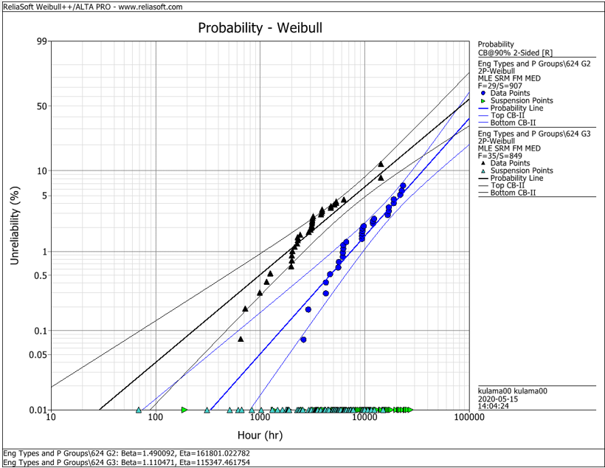
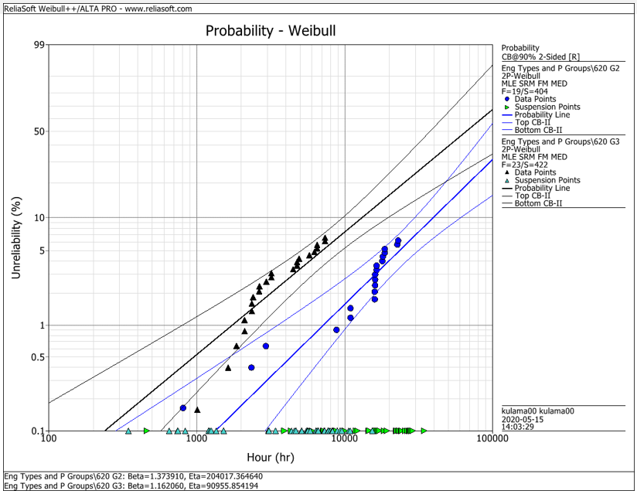
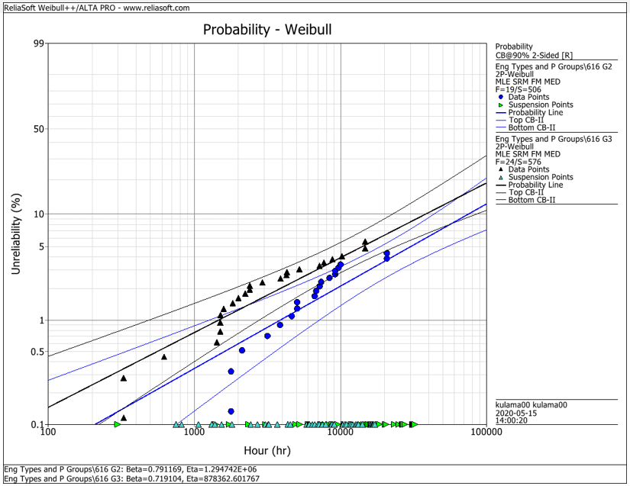
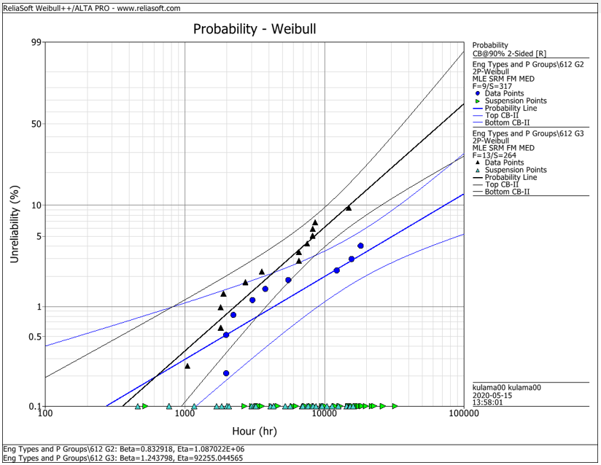
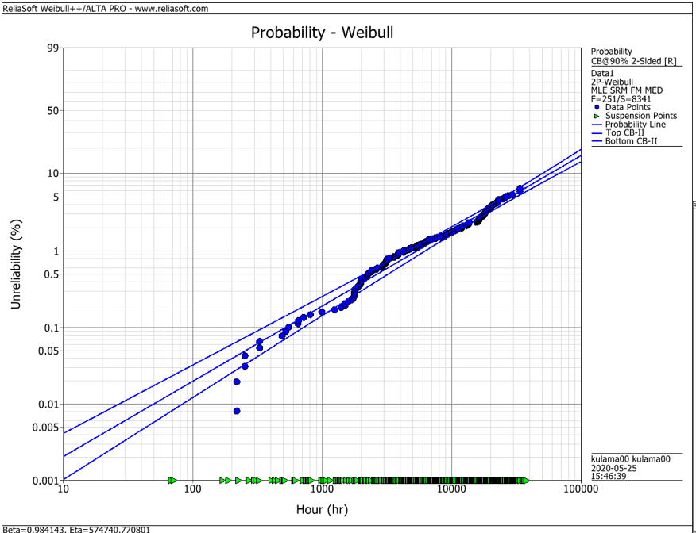
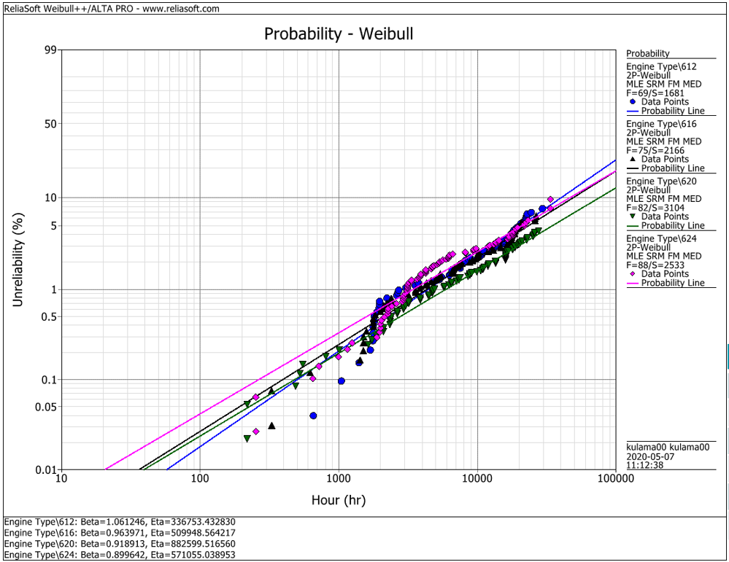
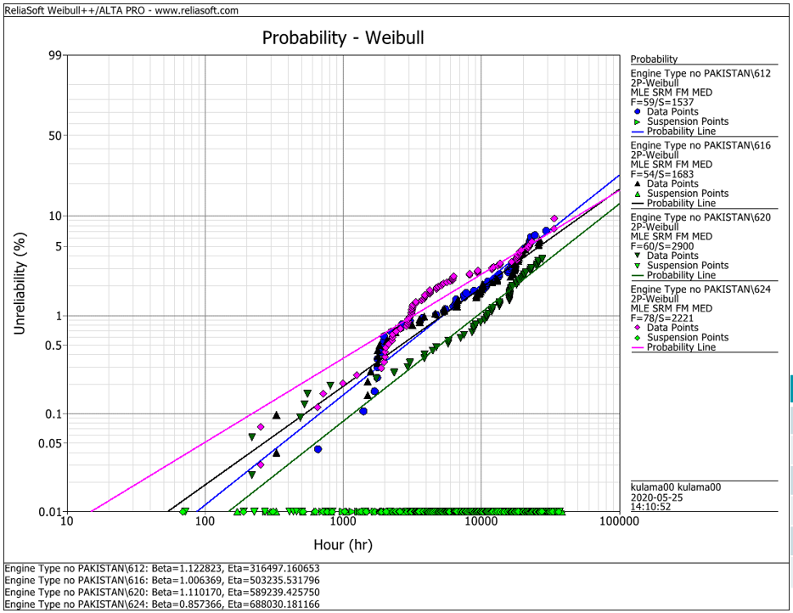
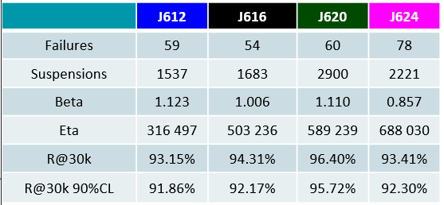
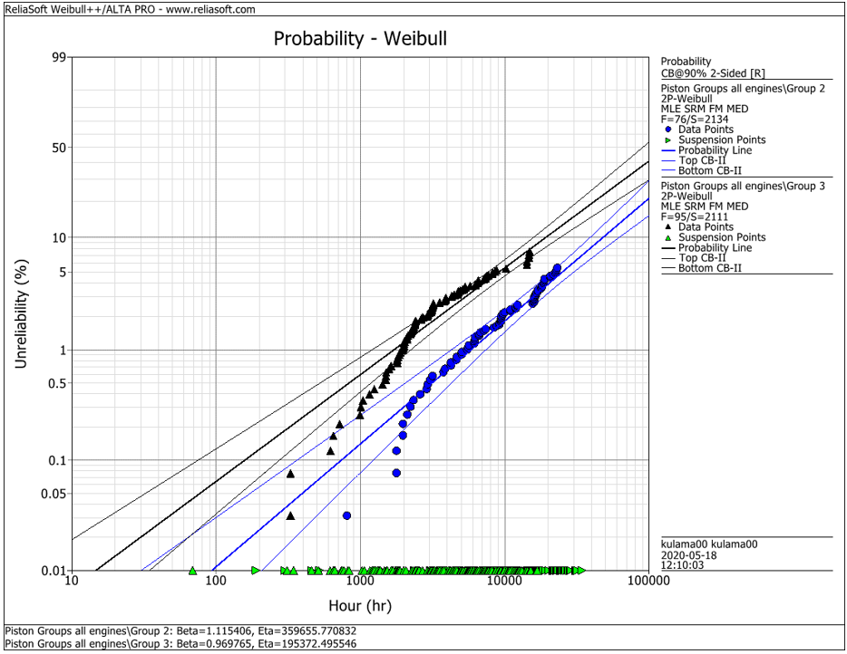
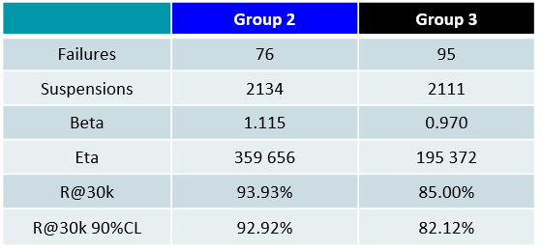
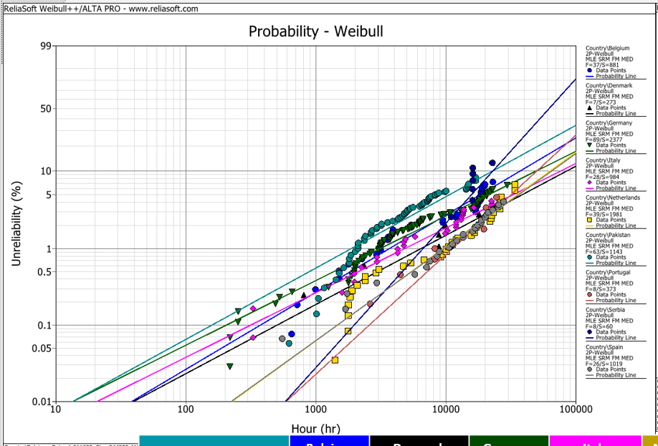
EDC Weibull Comparison
 | beta | R@30k 90%CL
G2 | 0,001 | 92%
G2 | 0,001 | 93%
G2 | 0,001 | 95%
G2 | 0,001 | 95%
G2 | 0,001 | 93%
G3 | 0,001 | 80%
G3 | 0,001 | 75%
G3 | 0,001 | 92%
G3 | 0,001 | 79%
G3 | 0,001 | 82%
all | 0,001 | 94%
all | 0,001 | 91%
all | 0,001 | 93%
all | 0,001 | 95%
all | 0,001 | 92%
all w/o Pak | 0,001 | 92%
all w/o Pak | 0,001 | 92%
all w/o Pak | 0,001 | 96%
all w/o Pak | 0,001 | 93%

 |  | f | s | beta | eta | R@30k 90%CL | Comment
J624 | G2 | 29 | 907 | 1.490 | 161801 | 92.2% | T23 with LKZ OCR
J620 | G2 | 19 | 404 | 1.374 | 204017 | 93.0% | T23 with LKZ OCR
J616 | G2 | 19 | 506 | 0.791 | 1294700 | 95.0% | T23 with LKZ OCR
J612 | G2 | 9 | 317 | 0.830 | 1088700 | 95.0% | T23 with LKZ OCR
J6xx | G2 | 76 | 2134 | 1.115 | 359656 | 92.9% | T23 with LKZ OCR

J624 | G3 | 35 | 849 | 1.110 | 115347 | 80.0% | T23 with flat OCR
J620 | G3 | 23 | 422 | 1.162 | 90955 | 75.0% | T23 with flat OCR
J616 | G3 | 24 | 576 | 0.719 | 878362 | 91.5% | T23 with LKZ OCR
J612 | G3 | 13 | 264 | 1.244 | 92255 | 79.0% | T23 with LKZ OCR
J6xx | G3 | 95 | 2111 | 0.970 | 195372 | 82.1% | T23 with LKZ OCR

J6xx | all | 251 | 8341 | 0.984 | 574741 | 94.2% | Source - cleaned by Maciej 2020-05_25
J612 | all | 69 | 1681 | 1.061 | 336753 | 91.3% | Source - cleaned by Maciej 2020-05_25
J616 | all | 75 | 2166 | 0.964 | 509948 | 92.6% | Source - cleaned by Maciej 2020-05_25
J620 | all | 82 | 3104 | 0.919 | 882599 | 94.9% | Source - cleaned by Maciej 2020-05_25
J624 | all | 88 | 2533 | 0.899 | 571055 | 92.1% | Source - cleaned by Maciej 2020-05_25

J612 | all w/o Pak | 59 | 1537 | 1.123 | 316497 | 91.9% | Source - cleaned by Maciej 2020-05_25
J616 | all w/o Pak | 54 | 1683 | 1.006 | 503236 | 92.2% | Source - cleaned by Maciej 2020-05_25
J620 | all w/o Pak | 60 | 2900 | 1.110 | 589239 | 95.7% | Source - cleaned by Maciej 2020-05_25
J624 | all w/o Pak | 78 | 2221 | 0.857 | 688030 | 93.4% | Source - cleaned by Maciej 2020-05_25

 |  | beta | 1.490 | max
 |  |  | 0.719 | min
 |  |  | 1.038 | mittel
 |  |  | 1.006 | median

