summary
Demonstrated Reliability
 | CLB 90% - 10% |  | CLB 90% - 10% |  | CLB 90% - 10% |  | R1 |  | R2 |  | R3 |  | today |  | R Ref |  | Weibull, b = 1,21 |  | Weibull G3, b 0,97
 | 72% | 0 | 97% | 0 | 95% | 0 | 00% | 0 | 00% | 0 | 00% | 7776 | 0.00 | 7776 | 94% | 0 | 100% | 0 | 100%
 | 72% | 233 | 97% | 233 | 95% | 233 | 00% | 233 | 00% | 233 | 08% | 7776 | 1.00 |  |  | 233 | 100% | 233 | 100%
 | 72% | 622 | 97% | 622 | 95% | 622 | 01% | 622 | 00% | 622 | 53% |  |  |  |  | 622 | 100% | 622 | 100%
 | 72% | 1166 | 97% | 1166 | 95% | 1166 | 30% | 1166 | 02% | 1166 | 83% |  |  |  |  | 1166 | 100% | 1166 | 99%
 | 72% | 1555 | 97% | 1555 | 95% | 1555 | 51% | 1555 | 10% | 1555 | 90% |  |  |  |  | 1555 | 100% | 1555 | 99%
 | 72% | 1944 | 97% | 1944 | 95% | 1944 | 63% | 1944 | 22% | 1944 | 93% |  |  |  |  | 1944 | 100% | 1944 | 99%
 | 60% | 2333 | 97% | 2333 | 95% | 2333 | 73% | 2333 | 35% | 2333 | 95% |  |  |  |  | 2333 | 100% | 2333 | 99%
 | 51% | 2722 | 97% | 2722 | 95% | 2722 | 79% | 2722 | 46% | 2722 | 97% |  |  |  |  | 2722 | 100% | 2722 | 98%
 | 43% | 3110 | 97% | 3110 | 95% | 3110 | 83% | 3110 | 55% | 3110 | 97% |  |  |  |  | 3110 | 100% | 3110 | 98%
 | 35% | 3499 | 97% | 3499 | 95% | 3499 | 87% | 3499 | 63% | 3499 | 98% |  |  |  |  | 3499 | 100% | 3499 | 98%
 | 29% | 3888 | 97% | 3888 | 95% | 3888 | 89% | 3888 | 69% | 3888 | 98% |  |  |  |  | 3888 | 100% | 3888 | 98%
 | 24% | 4277 | 97% | 4277 | 95% | 4277 | 91% | 4277 | 74% | 4277 | 99% |  |  |  |  | 4277 | 100% | 4277 | 98%
 | 21% | 4666 | 97% | 4666 | 95% | 4666 | 93% | 4666 | 78% | 4666 | 99% |  |  |  |  | 4666 | 100% | 4666 | 97%
 | 17% | 5054 | 97% | 5054 | 95% | 5054 | 94% | 5054 | 82% | 5054 | 99% |  |  |  |  | 5054 | 100% | 5054 | 97%
 | 15% | 5443 | 97% | 5443 | 95% | 5443 | 95% | 5443 | 85% | 5443 | 99% |  |  |  |  | 5443 | 100% | 5443 | 97%
 | 12% | 5832 | 97% | 5832 | 95% | 5832 | 96% | 5832 | 87% | 5832 | 99% |  |  |  |  | 5832 | 100% | 5832 | 97%
 | 11% | 6221 | 97% | 6221 | 95% | 6221 | 97% | 6221 | 89% | 6221 | 99% |  |  |  |  | 6221 | 100% | 6221 | 97%
 | 09% | 6610 | 97% | 6610 | 95% | 6610 | 97% | 6610 | 91% | 6610 | 100% |  |  |  |  | 6610 | 100% | 6610 | 96%
 | 08% | 6998 | 97% | 6998 | 95% | 6998 | 97% | 6998 | 92% | 6998 | 100% |  |  |  |  | 6998 | 100% | 6998 | 96%
 | 07% | 7387 | 97% | 7387 | 95% | 7387 | 98% | 7387 | 93% | 7387 | 100% |  |  |  |  | 7387 | 100% | 7387 | 96%
 | 06% | 7776 | 97% | 7776 | 95% | 7776 | 98% | 7776 | 94% | 7776 | 100% |  |  |  |  | 7776 | 100% | 7776 | 96%
 | 05% | 8165 | 97% | 8165 | 95% | 8165 | 98% | 8165 | 94% | 8165 | 100% |  |  |  |  | 8165 | 100% | 8165 | 96%
 | 05% | 8554 | 97% | 8554 | 95% | 8554 | 98% | 8554 | 95% | 8554 | 100% |  |  |  |  | 8554 | 100% | 8554 | 95%
 | 04% | 8942 | 97% | 8942 | 95% | 8942 | 99% | 8942 | 95% | 8942 | 100% |  |  |  |  | 8942 | 100% | 8942 | 95%
 | 04% | 9331 | 97% | 9331 | 95% | 9331 | 99% | 9331 | 96% | 9331 | 100% |  |  |  |  | 9331 | 100% | 9331 | 95%
 | 04% | 9720 | 97% | 9720 | 95% | 9720 | 99% | 9720 | 96% | 9720 | 100% |  |  |  |  | 9720 | 100% | 9720 | 95%
 | 03% | 10109 | 97% | 10109 | 95% | 10109 | 99% | 10109 | 97% | 10109 | 100% |  |  |  |  | 10109 | 99% | 10109 | 95%
 | 03% | 10498 | 97% | 10498 | 95% | 10498 | 99% | 10498 | 97% | 10498 | 100% |  |  |  |  | 10498 | 99% | 10498 | 94%
 | 03% | 10886 | 97% | 10886 | 95% | 10886 | 99% | 10886 | 97% | 10886 | 100% |  |  |  |  | 10886 | 99% | 10886 | 94%
 | 03% | 11275 | 97% | 11275 | 95% | 11275 | 99% | 11275 | 97% | 11275 | 100% |  |  |  |  | 11275 | 99% | 11275 | 94%
 | 03% | 11664 | 97% | 11664 | 95% | 11664 | 99% | 11664 | 97% | 11664 | 100% |  |  |  |  | 11664 | 99% | 11664 | 94%
 | 02% | 12053 | 97% | 12053 | 95% | 12053 | 99% | 12053 | 98% | 12053 | 100% |  |  |  |  | 12053 | 99% | 12053 | 94%
 | 02% | 12442 | 97% | 12442 | 95% | 12442 | 99% | 12442 | 98% | 12442 | 100% |  |  |  |  | 12442 | 99% | 12442 | 93%
 | 02% | 12830 | 97% | 12830 | 95% | 12830 | 99% | 12830 | 98% | 12830 | 100% |  |  |  |  | 12830 | 99% | 12830 | 93%
 | 02% | 13219 | 97% | 13219 | 95% | 13219 | 99% | 13219 | 98% | 13219 | 100% |  |  |  |  | 13219 | 99% | 13219 | 93%
 | 02% | 13608 | 97% | 13608 | 95% | 13608 | 99% | 13608 | 98% | 13608 | 100% |  |  |  |  | 13608 | 99% | 13608 | 93%
 | 02% | 13997 | 97% | 13997 | 95% | 13997 | 99% | 13997 | 98% | 13997 | 100% |  |  |  |  | 13997 | 99% | 13997 | 93%
 | 02% | 14386 | 97% | 14386 | 95% | 14386 | 99% | 14386 | 98% | 14386 | 100% |  |  |  |  | 14386 | 99% | 14386 | 92%
 | 02% | 14774 | 97% | 14774 | 95% | 14774 | 99% | 14774 | 98% | 14774 | 100% |  |  |  |  | 14774 | 99% | 14774 | 92%
 | 02% | 15163 | 97% | 15163 | 95% | 15163 | 99% | 15163 | 98% | 15163 | 100% |  |  |  |  | 15163 | 99% | 15163 | 92%
 | 02% | 15552 | 97% | 15552 | 95% | 15552 | 100% | 15552 | 98% | 15552 | 100% |  |  |  |  | 15552 | 99% | 15552 | 92%
 |  |  |  |  |  |  | Pn | 1013 | mbar | Tn | 0 | °C | 9.8 | kWh / mn3
Validation Fleet Status |  | Date | 12/27/20 |  |  |  | ETAMOT not fully plausible ?
624 | 18 |  | Cum hours | 78686
620 | 6 |  | Fl Leader | 6376
616 | 7 |  | Avg hours | 2459 |  |  |  |  |  |  |  |  |  | 0
612 | 1 |  | 2000 | 16 |  |  |  |  |  |  |  |  |  | 0
Sum Engines | 32 |  | 4000 | 4 |  |  |  |  |  |  |  |  |  | 0
Sum PU's | 676 |  | 6000 | 2 |  |  |  |  |  |  |  |  |  | 0
 |  |  |  |  |  |  |  |  |  |  |  |  |  | 0
Beta | Running | Available | Not Available | Error |  |  |  |  |  |  |  |  |  | 0
1.210 | 19 | 6 | 7 | 0 |  |  |  |  |  |  |  |  |  | 0
 |  |  |  |  |  |  |  |  |  |  |  |  |  | 0
 | T | CL | BETA | R |  |  |  |  |  |  |  |  |  | 0
R1 | 30000 | 50% | 1.210 | 98.1% |  |  |  |  |  |  |  |  |  | 0
R2 | 30000 | 90% | 1.210 | 93.8% |  |  |  |  |  |  |  |  |  | 0
R3 | 30000 | 10% | 1.210 | 99.7% |  |  |  |  |  |  |  |  |  | 0
 |  |  |  |  |  |  |  |  |  |  |  |  |  | 0
Field Validation Results vs. CTQ's |  |  |  | CTQ |  |  |  |  |  |  |  |  |  | 0
1. R(CL 50%) > 97% @ß = |  | 1.210 | 98.1% | 97% |  |  |  |  |  |  |  |  |  | 0
2. R(CL 90%) > 90% @ß = |  | 1.210 | 93.8% | 90% |  |  |  |  |  |  |  |  |  | 0
3. 4 Engines > 6000 oph |  |  | 2 | 4 |  |  |  |  |  |  |  |  |  | 0
 |  |  |  |  | 1.210 | 1.21 |  |  |  |  |  |  |  | 0
 | BR6 |  | hours s. VS | 7776 | 6376 | 6376 |  |  |  |  |  |  |  | 0
Bohrung [mm] | 190 |  | pess PU F | 7.8% | 232.8 | 232.8 |  |  |  |  |  |  |  | 0
Hub [mm] | 220 |  | pess PU F | 53 | 99.4% |  |  |  |  |  |  |  |  | 0
Validation Fleet oph
 |  |  | Date |  | Date line |  | 2000 |  | 6000 |  | 1386177 |  | 1393153 |  | 1320072 |  | 1184199 |  | 1352268 |  | 1320022 |  | 1250575
2/7/20 | 0 | 12/27/20 | 6376 | 12/27/20 | 0 | 2/7/20 | 2000 | 2/7/20 | 6000 | 2/7/20 | 0 | 2/7/20 | 0 | 2/7/20 | 0 | 2/7/20 | 0 | 2/7/20 | 0 | 2/7/20 | 0 | 2/7/20 | 0
2/16/20 | 233 |  |  | 12/27/20 | 6376 | 11/16/21 | 2000 | 11/16/21 | 6000 | 2/16/20 | 0 | 2/16/20 | 0 | 2/16/20 | 157 | 2/16/20 | 0 | 2/16/20 | 0 | 2/16/20 | 0 | 2/16/20 | 0
3/3/20 | 622 |  |  |  |  |  |  |  |  | 3/3/20 | 41 | 3/3/20 | 0 | 3/3/20 | 418 | 3/3/20 | 0 | 3/3/20 | 0 | 3/3/20 | 0 | 3/3/20 | 0
3/26/20 | 1166 |  |  |  |  |  |  |  |  | 3/26/20 | 523 | 3/26/20 | 80 | 3/26/20 | 784 | 3/26/20 | 0 | 3/26/20 | 0 | 3/26/20 | 0 | 3/26/20 | 0
4/11/20 | 1555 |  |  |  |  |  |  |  |  | 4/11/20 | 867 | 4/11/20 | 441 | 4/11/20 | 1045 | 4/11/20 | 0 | 4/11/20 | 0 | 4/11/20 | 0 | 4/11/20 | 0
4/28/20 | 1944 |  |  |  |  |  |  |  |  | 4/28/20 | 1211 | 4/28/20 | 802 | 4/28/20 | 1307 | 4/28/20 | 21 | 4/28/20 | 0 | 4/28/20 | 0 | 4/28/20 | 0
5/14/20 | 2333 |  |  |  |  |  |  |  |  | 5/14/20 | 1556 | 5/14/20 | 1162 | 5/14/20 | 1568 | 5/14/20 | 360 | 5/14/20 | 161 | 5/14/20 | 0 | 5/14/20 | 0
5/30/20 | 2722 |  |  |  |  |  |  |  |  | 5/30/20 | 1900 | 5/30/20 | 1523 | 5/30/20 | 1829 | 5/30/20 | 699 | 5/30/20 | 417 | 5/30/20 | 0 | 5/30/20 | 0
6/15/20 | 3110 |  |  |  |  |  |  |  |  | 6/15/20 | 2244 | 6/15/20 | 1884 | 6/15/20 | 2090 | 6/15/20 | 1038 | 6/15/20 | 672 | 6/15/20 | 133 | 6/15/20 | 10
7/1/20 | 3499 |  |  |  |  |  |  |  |  | 7/1/20 | 2589 | 7/1/20 | 2245 | 7/1/20 | 2352 | 7/1/20 | 1377 | 7/1/20 | 928 | 7/1/20 | 417 | 7/1/20 | 291
7/18/20 | 3888 |  |  |  |  |  |  |  |  | 7/18/20 | 2933 | 7/18/20 | 2605 | 7/18/20 | 2613 | 7/18/20 | 1716 | 7/18/20 | 1184 | 7/18/20 | 700 | 7/18/20 | 571
8/3/20 | 4277 |  |  |  |  |  |  |  |  | 8/3/20 | 3277 | 8/3/20 | 2966 | 8/3/20 | 2874 | 8/3/20 | 2055 | 8/3/20 | 1439 | 8/3/20 | 984 | 8/3/20 | 852
8/19/20 | 4666 |  |  |  |  |  |  |  |  | 8/19/20 | 3622 | 8/19/20 | 3327 | 8/19/20 | 3136 | 8/19/20 | 2394 | 8/19/20 | 1695 | 8/19/20 | 1267 | 8/19/20 | 1132
9/4/20 | 5054 |  |  |  |  |  |  |  |  | 9/4/20 | 3966 | 9/4/20 | 3688 | 9/4/20 | 3397 | 9/4/20 | 2733 | 9/4/20 | 1950 | 9/4/20 | 1551 | 9/4/20 | 1413
9/20/20 | 5443 |  |  |  |  |  |  |  |  | 9/20/20 | 4310 | 9/20/20 | 4048 | 9/20/20 | 3658 | 9/20/20 | 3072 | 9/20/20 | 2206 | 9/20/20 | 1835 | 9/20/20 | 1693
10/7/20 | 5832 |  |  |  |  |  |  |  |  | 10/7/20 | 4654 | 10/7/20 | 4409 | 10/7/20 | 3920 | 10/7/20 | 3411 | 10/7/20 | 2462 | 10/7/20 | 2118 | 10/7/20 | 1974
10/23/20 | 6221 |  |  |  |  |  |  |  |  | 10/23/20 | 4999 | 10/23/20 | 4770 | 10/23/20 | 4181 | 10/23/20 | 3750 | 10/23/20 | 2717 | 10/23/20 | 2402 | 10/23/20 | 2254
11/8/20 | 6610 |  |  |  |  |  |  |  |  | 11/8/20 | 5343 | 11/8/20 | 5131 | 11/8/20 | 4442 | 11/8/20 | 4089 | 11/8/20 | 2973 | 11/8/20 | 2685 | 11/8/20 | 2535
11/24/20 | 6998 |  |  |  |  |  |  |  |  | 11/24/20 | 5687 | 11/24/20 | 5491 | 11/24/20 | 4703 | 11/24/20 | 4428 | 11/24/20 | 3229 | 11/24/20 | 2969 | 11/24/20 | 2815
12/10/20 | 7387 |  |  |  |  |  |  |  |  | 12/10/20 | 6032 | 12/10/20 | 5852 | 12/10/20 | 4965 | 12/10/20 | 4767 | 12/10/20 | 3484 | 12/10/20 | 3252 | 12/10/20 | 3096
12/27/20 | 7776 |  |  |  |  |  |  |  |  | 12/27/20 | 6376 | 12/27/20 | 6213 | 12/27/20 | 5226 | 12/27/20 | 5106 | 12/27/20 | 3740 | 12/27/20 | 3536 | 12/27/20 | 3376
1/12/21 | 8165 |  |  |  |  |  |  |  |  | 1/12/21 | 6720 | 1/12/21 | 6574 | 1/12/21 | 5487 | 1/12/21 | 5445 | 1/12/21 | 3996 | 1/12/21 | 3820 | 1/12/21 | 3656
1/28/21 | 8554 |  |  |  |  |  |  |  |  | 1/28/21 | 7065 | 1/28/21 | 6935 | 1/28/21 | 5749 | 1/28/21 | 5784 | 1/28/21 | 4251 | 1/28/21 | 4103 | 1/28/21 | 3937
2/13/21 | 8942 |  |  |  |  |  |  |  |  | 2/13/21 | 7409 | 2/13/21 | 7295 | 2/13/21 | 6010 | 2/13/21 | 6123 | 2/13/21 | 4507 | 2/13/21 | 4387 | 2/13/21 | 4217
3/1/21 | 9331 |  |  |  |  |  |  |  |  | 3/1/21 | 7753 | 3/1/21 | 7656 | 3/1/21 | 6271 | 3/1/21 | 6462 | 3/1/21 | 4763 | 3/1/21 | 4670 | 3/1/21 | 4498
3/18/21 | 9720 |  |  |  |  |  |  |  |  | 3/18/21 | 8098 | 3/18/21 | 8017 | 3/18/21 | 6533 | 3/18/21 | 6801 | 3/18/21 | 5018 | 3/18/21 | 4954 | 3/18/21 | 4778
4/3/21 | 10109 |  |  |  |  |  |  |  |  | 4/3/21 | 8442 | 4/3/21 | 8378 | 4/3/21 | 6794 | 4/3/21 | 7140 | 4/3/21 | 5274 | 4/3/21 | 5237 | 4/3/21 | 5059
4/19/21 | 10498 |  |  |  |  |  |  |  |  | 4/19/21 | 8786 | 4/19/21 | 8738 | 4/19/21 | 7055 | 4/19/21 | 7479 | 4/19/21 | 5530 | 4/19/21 | 5521 | 4/19/21 | 5339
5/5/21 | 10886 |  |  |  |  |  |  |  |  | 5/5/21 | 9130 | 5/5/21 | 9099 | 5/5/21 | 7316 | 5/5/21 | 7818 | 5/5/21 | 5785 | 5/5/21 | 5805 | 5/5/21 | 5620
5/21/21 | 11275 |  |  |  |  |  |  |  |  | 5/21/21 | 9475 | 5/21/21 | 9460 | 5/21/21 | 7578 | 5/21/21 | 8157 | 5/21/21 | 6041 | 5/21/21 | 6088 | 5/21/21 | 5900
6/7/21 | 11664 |  |  |  |  |  |  |  |  | 6/7/21 | 9819 | 6/7/21 | 9821 | 6/7/21 | 7839 | 6/7/21 | 8496 | 6/7/21 | 6296 | 6/7/21 | 6372 | 6/7/21 | 6181
6/23/21 | 12053 |  |  |  |  |  |  |  |  | 6/23/21 | 10163 | 6/23/21 | 10181 | 6/23/21 | 8100 | 6/23/21 | 8835 | 6/23/21 | 6552 | 6/23/21 | 6655 | 6/23/21 | 6461
7/9/21 | 12442 |  |  |  |  |  |  |  |  | 7/9/21 | 10508 | 7/9/21 | 10542 | 7/9/21 | 8362 | 7/9/21 | 9174 | 7/9/21 | 6808 | 7/9/21 | 6939 | 7/9/21 | 6742
7/25/21 | 12830 |  |  |  |  |  |  |  |  | 7/25/21 | 10852 | 7/25/21 | 10903 | 7/25/21 | 8623 | 7/25/21 | 9513 | 7/25/21 | 7063 | 7/25/21 | 7223 | 7/25/21 | 7022
8/10/21 | 13219 |  |  |  |  |  |  |  |  | 8/10/21 | 11196 | 8/10/21 | 11264 | 8/10/21 | 8884 | 8/10/21 | 9852 | 8/10/21 | 7319 | 8/10/21 | 7506 | 8/10/21 | 7303
8/27/21 | 13608 |  |  |  |  |  |  |  |  | 8/27/21 | 11541 | 8/27/21 | 11624 | 8/27/21 | 9146 | 8/27/21 | 10191 | 8/27/21 | 7575 | 8/27/21 | 7790 | 8/27/21 | 7583
9/12/21 | 13997 |  |  |  |  |  |  |  |  | 9/12/21 | 11885 | 9/12/21 | 11985 | 9/12/21 | 9407 | 9/12/21 | 10530 | 9/12/21 | 7830 | 9/12/21 | 8073 | 9/12/21 | 7863
9/28/21 | 14386 |  |  |  |  |  |  |  |  | 9/28/21 | 12229 | 9/28/21 | 12346 | 9/28/21 | 9668 | 9/28/21 | 10869 | 9/28/21 | 8086 | 9/28/21 | 8357 | 9/28/21 | 8144
10/14/21 | 14774 |  |  |  |  |  |  |  |  | 10/14/21 | 12573 | 10/14/21 | 12707 | 10/14/21 | 9929 | 10/14/21 | 11208 | 10/14/21 | 8342 | 10/14/21 | 8640 | 10/14/21 | 8424
10/30/21 | 15163 |  |  |  |  |  |  |  |  | 10/30/21 | 12918 | 10/30/21 | 13067 | 10/30/21 | 10191 | 10/30/21 | 11547 | 10/30/21 | 8597 | 10/30/21 | 8924 | 10/30/21 | 8705
11/16/21 | 15552 |  |  |  |  |  |  |  |  | 11/16/21 | 13262 | 11/16/21 | 13428 | 11/16/21 | 10452 | 11/16/21 | 11886 | 11/16/21 | 8853 | 11/16/21 | 9208 | 11/16/21 | 8985
VH zyl [dm3] | 6.24 |  | like PU F | 1.9% | 449085 | 1410295.1741 |  |  |  |  |  |  |  | 0
 |  |  | like PU F | 13 | 96.3% |  |  |  |  |  |  |  |  | 0
 |  |  |  | 2310.8823779 | 3.71% | 0.15% |  |  |  |  |  |  |  | 0
 |  |  |  |  | 8.65 | 0.9828 |  |  |  |  |  |  |  | 0
Engines | ~ BMP Avg | z | VH [dm3] | etael |  |  |  |  |  |  |  |  |  | 0
624 | 24.2 | 24 | 149.7 | 98.1% |  |  |  |  |  |  |  |  |  | 0
620 | 22.0 | 20 | 124.8 | 98.0% |  |  |  |  |  |  |  |  |  | 0
616 | 22.0 | 16 | 99.8 | 97.6% |  |  |  |  |  |  |  |  |  | 0
612 | 22.0 | 12 | 74.9 | 98.6% |  |  |  |  |  |  |  |  |  | 0
 |  |  |  |  |  |  |  |  |  |  |  |  |  | 0
BMEP Avg | BMEP Min | BMEP Max | NOX | MN | Version | #
24.3 | 24.0 | 24.5 | 500 | 80 | K01 | 3
24.3 | 24.0 | 24.5 | 500 | 80 | H01 | 12
24.0 | 24.0 | 24.0 | 250 | 80 | H02 | 1
 | 0.0 | 0.0 | 500 | 70 | H101 | 0
24.5 | 24.5 | 24.5 | 250 | 70 | H12 | 1
22.0 | 22.0 | 22.0 | 500 | 80 | F01 | 5
22.0 | 22.0 | 22.0 | 500 | 80 | J01 | 2
22.0 | 22.0 | 22.0 | 500 | 70 | J101 | 1
22.0 | 22.0 | 22.0 | 500 | 70 | J11 | 1
22.0 | 22.0 | 22.0 | 500 | 70 | F11 | 1
22.0 | 22.0 | 22.0 | 250 | 70 | F12 | 1
22.0 | 22.0 | 22.0 | 250 | 70 | J12 | 3
22.9 | 22.9 | 22.9 | 500 | 80 | K505 | 1
 |  |  |  |  |  | 32

ndReliaCalc2
 | Data Date | 2020-12-27 08:14:56
 | Val Start | 2020-02-07
 | Val Period (days) | 324
 | Beta (R2) | 1.21

 |  |  |  | 2000h line | 2000 | 2000
 |  |  |  |  | 2019-05-01 | 2021-12-31
 |  |  |  | 6000h line | 6000 | 6000
 |  |  |  |  | 2019-05-01 | 2021-12-31

 |  |  |  |  |  |  |  | R1 failures | 0 | 0 | 0 | 0 | 0 | 0 | 0 | 0 | 0 | 0 | 0 | 0 | 0 | 0 | 0 | 0 | 0 | 0 | 0 | 0 | 0 | 0 | 0 | 0 | 0 | 0 | 0 | 0 | 0 | 0 | 0 | 0 | 0 | 0 | 0 | 0 | 0 | 0 | 0 | 0 | 0
 |  |  |  |  |  |  |  | R2 failures | 0 | 0 | 0 | 0 | 0 | 0 | 0 | 0 | 0 | 0 | 0 | 0 | 0 | 0 | 0 | 0 | 0 | 0 | 0 | 0 | 0 | 0 | 0 | 0 | 0 | 0 | 0 | 0 | 0 | 0 | 0 | 0 | 0 | 0 | 0 | 0 | 0 | 0 | 0 | 0 | 0
 |  |  |  | f1 | 2020-12-17 08:14:56 | 0 | 97% | 314 | 0 | 0 | 0 | 0 | 0 | 0 | 0 | 0 | 0 | 0 | 0 | 0 | 0 | 0 | 0 | 0 | 0 | 0 | 0 | 0 | 0 | 0 | 0 | 0 | 0 | 0 | 0 | 0 | 0 | 0 | 0 | 0 | 0 | 0 | 0 | 0 | 0 | 0 | 0 | 0 | 0
 |  |  |  | f2 | 2021-01-26 08:14:56 | 0 | 109% | 354 | 0 | 0 | 0 | 0 | 0 | 0 | 0 | 0 | 0 | 0 | 0 | 0 | 0 | 0 | 0 | 0 | 0 | 0 | 0 | 0 | 0 | 0 | 0 | 0 | 0 | 0 | 0 | 0 | 0 | 0 | 0 | 0 | 0 | 0 | 0 | 0 | 0 | 0 | 0 | 0 | 0
 |  |  |  | f3 | 2020-11-26 08:14:56 | 0 | 90% | 293 | 0 | 0 | 0 | 0 | 0 | 0 | 0 | 0 | 0 | 0 | 0 | 0 | 0 | 0 | 0 | 0 | 0 | 0 | 0 | 0 | 0 | 0 | 0 | 0 | 0 | 0 | 0 | 0 | 0 | 0 | 0 | 0 | 0 | 0 | 0 | 0 | 0 | 0 | 0 | 0 | 0
 |  |  |  | f4 | 2020-08-25 08:14:56 | 0 | 62% | 200 | 0 | 0 | 0 | 0 | 0 | 0 | 0 | 0 | 0 | 0 | 0 | 0 | 0 | 0 | 0 | 0 | 0 | 0 | 0 | 0 | 0 | 0 | 0 | 0 | 0 | 0 | 0 | 0 | 0 | 0 | 0 | 0 | 0 | 0 | 0 | 0 | 0 | 0 | 0 | 0 | 0
 |  |  |  | f5 | 2021-04-30 08:14:56 | 0 | 138% | 448 | 0 | 0 | 0 | 0 | 0 | 0 | 0 | 0 | 0 | 0 | 0 | 0 | 0 | 0 | 0 | 0 | 0 | 0 | 0 | 0 | 0 | 0 | 0 | 0 | 0 | 0 | 0 | 0 | 0 | 0 | 0 | 0 | 0 | 0 | 0 | 0 | 0 | 0 | 0 | 0 | 0
 |  |  |  | f6 | 2021-07-01 08:14:56 | 0 | 157% | 510 | 0 | 0 | 0 | 0 | 0 | 0 | 0 | 0 | 0 | 0 | 0 | 0 | 0 | 0 | 0 | 0 | 0 | 0 | 0 | 0 | 0 | 0 | 0 | 0 | 0 | 0 | 0 | 0 | 0 | 0 | 0 | 0 | 0 | 0 | 0 | 0 | 0 | 0 | 0 | 0 | 0
 |  |  |  | f7 | 0 | 0 | -13540% | -43868 | 0 | 0 | 0 | 0 | 0 | 0 | 0 | 0 | 0 | 0 | 0 | 0 | 0 | 0 | 0 | 0 | 0 | 0 | 0 | 0 | 0 | 0 | 0 | 0 | 0 | 0 | 0 | 0 | 0 | 0 | 0 | 0 | 0 | 0 | 0 | 0 | 0 | 0 | 0 | 0 | 0
 |  |  |  | f8 | 0 | 0 | -13540% | -43868 | 0 | 0 | 0 | 0 | 0 | 0 | 0 | 0 | 0 | 0 | 0 | 0 | 0 | 0 | 0 | 0 | 0 | 0 | 0 | 0 | 0 | 0 | 0 | 0 | 0 | 0 | 0 | 0 | 0 | 0 | 0 | 0 | 0 | 0 | 0 | 0 | 0 | 0 | 0 | 0 | 0
 |  |  |  | f9 | 0 | 0 | -13540% | -43868 | 0 | 0 | 0 | 0 | 0 | 0 | 0 | 0 | 0 | 0 | 0 | 0 | 0 | 0 | 0 | 0 | 0 | 0 | 0 | 0 | 0 | 0 | 0 | 0 | 0 | 0 | 0 | 0 | 0 | 0 | 0 | 0 | 0 | 0 | 0 | 0 | 0 | 0 | 0 | 0 | 0
 |  |  |  | f10 | 0 | 0 | -13540% | -43868 | 0 | 0 | 0 | 0 | 0 | 0 | 0 | 0 | 0 | 0 | 0 | 0 | 0 | 0 | 0 | 0 | 0 | 0 | 0 | 0 | 0 | 0 | 0 | 0 | 0 | 0 | 0 | 0 | 0 | 0 | 0 | 0 | 0 | 0 | 0 | 0 | 0 | 0 | 0 | 0 | 0
 |  |  |  | f11 | 0 | 0 | -13540% | -43868 | 0 | 0 | 0 | 0 | 0 | 0 | 0 | 0 | 0 | 0 | 0 | 0 | 0 | 0 | 0 | 0 | 0 | 0 | 0 | 0 | 0 | 0 | 0 | 0 | 0 | 0 | 0 | 0 | 0 | 0 | 0 | 0 | 0 | 0 | 0 | 0 | 0 | 0 | 0 | 0 | 0
 |  |  |  | f12 | 0 | 0 | -13540% | -43868 | 0 | 0 | 0 | 0 | 0 | 0 | 0 | 0 | 0 | 0 | 0 | 0 | 0 | 0 | 0 | 0 | 0 | 0 | 0 | 0 | 0 | 0 | 0 | 0 | 0 | 0 | 0 | 0 | 0 | 0 | 0 | 0 | 0 | 0 | 0 | 0 | 0 | 0 | 0 | 0 | 0
 |  |  |  | f13 | 0 | 0 | -13540% | -43868 | 0 | 0 | 0 | 0 | 0 | 0 | 0 | 0 | 0 | 0 | 0 | 0 | 0 | 0 | 0 | 0 | 0 | 0 | 0 | 0 | 0 | 0 | 0 | 0 | 0 | 0 | 0 | 0 | 0 | 0 | 0 | 0 | 0 | 0 | 0 | 0 | 0 | 0 | 0 | 0 | 0
 |  |  |  | f14 | 0 | 0 | -13540% | -43868 | 0 | 0 | 0 | 0 | 0 | 0 | 0 | 0 | 0 | 0 | 0 | 0 | 0 | 0 | 0 | 0 | 0 | 0 | 0 | 0 | 0 | 0 | 0 | 0 | 0 | 0 | 0 | 0 | 0 | 0 | 0 | 0 | 0 | 0 | 0 | 0 | 0 | 0 | 0 | 0 | 0
 |  |  |  | f15 | 0 | 0 | -13540% | -43868 | 0 | 0 | 0 | 0 | 0 | 0 | 0 | 0 | 0 | 0 | 0 | 0 | 0 | 0 | 0 | 0 | 0 | 0 | 0 | 0 | 0 | 0 | 0 | 0 | 0 | 0 | 0 | 0 | 0 | 0 | 0 | 0 | 0 | 0 | 0 | 0 | 0 | 0 | 0 | 0 | 0
 |  |  |  | f16 | 0 | 0 | -13540% | -43868 | 0 | 0 | 0 | 0 | 0 | 0 | 0 | 0 | 0 | 0 | 0 | 0 | 0 | 0 | 0 | 0 | 0 | 0 | 0 | 0 | 0 | 0 | 0 | 0 | 0 | 0 | 0 | 0 | 0 | 0 | 0 | 0 | 0 | 0 | 0 | 0 | 0 | 0 | 0 | 0 | 0
 |  |  |  | f17 | 0 | 0 | -13540% | -43868 | 0 | 0 | 0 | 0 | 0 | 0 | 0 | 0 | 0 | 0 | 0 | 0 | 0 | 0 | 0 | 0 | 0 | 0 | 0 | 0 | 0 | 0 | 0 | 0 | 0 | 0 | 0 | 0 | 0 | 0 | 0 | 0 | 0 | 0 | 0 | 0 | 0 | 0 | 0 | 0 | 0
 |  |  |  | f18 | 0 | 0 | -13540% | -43868 | 0 | 0 | 0 | 0 | 0 | 0 | 0 | 0 | 0 | 0 | 0 | 0 | 0 | 0 | 0 | 0 | 0 | 0 | 0 | 0 | 0 | 0 | 0 | 0 | 0 | 0 | 0 | 0 | 0 | 0 | 0 | 0 | 0 | 0 | 0 | 0 | 0 | 0 | 0 | 0 | 0
 |  |  |  | f19 | 0 | 0 | -13540% | -43868 | 0 | 0 | 0 | 0 | 0 | 0 | 0 | 0 | 0 | 0 | 0 | 0 | 0 | 0 | 0 | 0 | 0 | 0 | 0 | 0 | 0 | 0 | 0 | 0 | 0 | 0 | 0 | 0 | 0 | 0 | 0 | 0 | 0 | 0 | 0 | 0 | 0 | 0 | 0 | 0 | 0
 |  |  |  | f20 | 0 | 0 | -13540% | -43868 | 0 | 0 | 0 | 0 | 0 | 0 | 0 | 0 | 0 | 0 | 0 | 0 | 0 | 0 | 0 | 0 | 0 | 0 | 0 | 0 | 0 | 0 | 0 | 0 | 0 | 0 | 0 | 0 | 0 | 0 | 0 | 0 | 0 | 0 | 0 | 0 | 0 | 0 | 0 | 0 | 0
 |  |  |  | f21 | 0 | 0 | -13540% | -43868 | 0 | 0 | 0 | 0 | 0 | 0 | 0 | 0 | 0 | 0 | 0 | 0 | 0 | 0 | 0 | 0 | 0 | 0 | 0 | 0 | 0 | 0 | 0 | 0 | 0 | 0 | 0 | 0 | 0 | 0 | 0 | 0 | 0 | 0 | 0 | 0 | 0 | 0 | 0 | 0 | 0
 |  |  |  | f22 | 0 | 0 | -13540% | -43868 | 0 | 0 | 0 | 0 | 0 | 0 | 0 | 0 | 0 | 0 | 0 | 0 | 0 | 0 | 0 | 0 | 0 | 0 | 0 | 0 | 0 | 0 | 0 | 0 | 0 | 0 | 0 | 0 | 0 | 0 | 0 | 0 | 0 | 0 | 0 | 0 | 0 | 0 | 0 | 0 | 0
 |  |  |  | f23 | 0 | 0 | -13540% | -43868 | 0 | 0 | 0 | 0 | 0 | 0 | 0 | 0 | 0 | 0 | 0 | 0 | 0 | 0 | 0 | 0 | 0 | 0 | 0 | 0 | 0 | 0 | 0 | 0 | 0 | 0 | 0 | 0 | 0 | 0 | 0 | 0 | 0 | 0 | 0 | 0 | 0 | 0 | 0 | 0 | 0
 |  |  |  | f24 | 0 | 0 | -13540% | -43868 | 0 | 0 | 0 | 0 | 0 | 0 | 0 | 0 | 0 | 0 | 0 | 0 | 0 | 0 | 0 | 0 | 0 | 0 | 0 | 0 | 0 | 0 | 0 | 0 | 0 | 0 | 0 | 0 | 0 | 0 | 0 | 0 | 0 | 0 | 0 | 0 | 0 | 0 | 0 | 0 | 0
 |  |  |  | f25 | 0 | 0 | -13540% | -43868 | 0 | 0 | 0 | 0 | 0 | 0 | 0 | 0 | 0 | 0 | 0 | 0 | 0 | 0 | 0 | 0 | 0 | 0 | 0 | 0 | 0 | 0 | 0 | 0 | 0 | 0 | 0 | 0 | 0 | 0 | 0 | 0 | 0 | 0 | 0 | 0 | 0 | 0 | 0 | 0 | 0 | 0
 |  |  |  |  |  | Sum failures |  |  | 0 | 0 | 0 | 0 | 0 | 0 | 0 | 0 | 0 | 0 | 0 | 0 | 0 | 0 | 0 | 0 | 0 | 0 | 0 | 0 | 0 | 0 | 0 | 0 | 0 | 0 | 0 | 0 | 0 | 0 | 0 | 0 | 0 | 0 | 0 | 0 | 0 | 0 | 0 | 0 | 0
 |  |  |  |  |  | Input |  |  | 0% | 3% | 8% | 15% | 20% | 25% | 30% | 35% | 40% | 45% | 50% | 55% | 60% | 65% | 70% | 75% | 80% | 85% | 90% | 95% | 100% | 105% | 110% | 115% | 120% | 125% | 130% | 135% | 140% | 145% | 150% | 155% | 160% | 165% | 170% | 175% | 180% | 185% | 190% | 195% | 200%
 |  |  |  |  |  | calc % for diagram (failures) |  |  | 0% | 3% | 8% | 15% | 20% | 25% | 30% | 35% | 40% | 45% | 50% | 55% | 60% | 65% | 70% | 75% | 80% | 85% | 90% | 95% | 100% | 105% | 110% | 115% | 120% | 125% | 130% | 135% | 140% | 145% | 150% | 155% | 160% | 165% | 170% | 175% | 180% | 185% | 190% | 195% | 200%
 |  |  |  |  |  | Val test Time % |  |  | 0% | 3% | 8% | 15% | 20% | 25% | 30% | 35% | 40% | 45% | 50% | 55% | 60% | 65% | 70% | 75% | 80% | 85% | 90% | 95% | 100% | 105% | 110% | 115% | 120% | 125% | 130% | 135% | 140% | 145% | 150% | 155% | 160% | 165% | 170% | 175% | 180% | 185% | 190% | 195% | 200%
 |  |  |  |  |  | days |  |  | 0.0 | 9.7 | 25.9 | 48.6 | 64.8 | 81.0 | 97.2 | 113.4 | 129.6 | 145.8 | 162.0 | 178.2 | 194.4 | 210.6 | 226.8 | 243.0 | 259.2 | 275.4 | 291.6 | 307.8 | 324.0 | 340.2 | 356.4 | 372.6 | 388.8 | 405.0 | 421.2 | 437.4 | 453.6 | 469.8 | 486.0 | 502.2 | 518.4 | 534.6 | 550.8 | 567.0 | 583.2 | 599.4 | 615.6 | 631.8 | 648.0
 |  |  |  |  |  |  |  |  | 0.00 | 1.00 |  | R Ref | 93.8% |  | R HRS | 6376
 |  |  |  |  |  |  |  | today | 7776 | 7776 |  | 2020-12-27 | 7776 |  | 2020-12-27 | 7776
 |  |  |  |  |  | CLB 90% - 10% |  |  | 71.5% | 71.5% | 71.5% | 71.5% | 71.5% | 71.5% | 60.5% | 50.6% | 42.5% | 35.2% | 29.3% | 24.4% | 20.6% | 17.3% | 14.7% | 12.5% | 10.6% | 9.0% | 7.7% | 6.8% | 5.9% | 5.3% | 4.7% | 4.3% | 3.9% | 3.6% | 3.3% | 3.1% | 2.9% | 2.7% | 2.5% | 2.4% | 2.2% | 2.1% | 2.0% | 1.9% | 1.8% | 1.7% | 1.7% | 1.6% | 1.5%
 |  |  |  |  |  |  | R | 97.0% | 97.0% | 97.0% | 97.0% | 97.0% | 97.0% | 97.0% | 97.0% | 97.0% | 97.0% | 97.0% | 97.0% | 97.0% | 97.0% | 97.0% | 97.0% | 97.0% | 97.0% | 97.0% | 97.0% | 97.0% | 97.0% | 97.0% | 97.0% | 97.0% | 97.0% | 97.0% | 97.0% | 97.0% | 97.0% | 97.0% | 97.0% | 97.0% | 97.0% | 97.0% | 97.0% | 97.0% | 97.0% | 97.0% | 97.0% | 97.0% | 97.0%
 |  |  |  |  |  |  | R | 95.0% | 95.0% | 95.0% | 95.0% | 95.0% | 95.0% | 95.0% | 95.0% | 95.0% | 95.0% | 95.0% | 95.0% | 95.0% | 95.0% | 95.0% | 95.0% | 95.0% | 95.0% | 95.0% | 95.0% | 95.0% | 95.0% | 95.0% | 95.0% | 95.0% | 95.0% | 95.0% | 95.0% | 95.0% | 95.0% | 95.0% | 95.0% | 95.0% | 95.0% | 95.0% | 95.0% | 95.0% | 95.0% | 95.0% | 95.0% | 95.0% | 95.0%
 |  |  |  |  | Weibull G3, b 0,97 | R | alpha | beta
 |  |  |  |  | R | 85.0% | 195372 | 0.97 | 100.0% | 99.9% | 99.6% | 99.3% | 99.1% | 98.9% | 98.6% | 98.4% | 98.2% | 98.0% | 97.8% | 97.6% | 97.4% | 97.2% | 96.9% | 96.7% | 96.5% | 96.3% | 96.1% | 95.9% | 95.7% | 95.5% | 95.3% | 95.1% | 94.9% | 94.7% | 94.5% | 94.3% | 94.1% | 93.9% | 93.7% | 93.5% | 93.3% | 93.1% | 92.9% | 92.7% | 92.5% | 92.3% | 92.2% | 92.0% | 91.8%
 |  |  |  |  | Weibull, b = 1,21 | R | alpha | beta
 |  |  |  |  | 30000 | 98.1% | 780418 | 1.21 | 100.0% | 100.0% | 100.0% | 100.0% | 99.9% | 99.9% | 99.9% | 99.9% | 99.9% | 99.9% | 99.8% | 99.8% | 99.8% | 99.8% | 99.8% | 99.7% | 99.7% | 99.7% | 99.7% | 99.6% | 99.6% | 99.6% | 99.6% | 99.6% | 99.5% | 99.5% | 99.5% | 99.5% | 99.4% | 99.4% | 99.4% | 99.4% | 99.3% | 99.3% | 99.3% | 99.3% | 99.2% | 99.2% | 99.2% | 99.2% | 99.1%
 |  |  |  |  | R1 | 30000 | 50% | 1.21 |  | 0.0% | 1.5% | 30.3% | 50.7% | 63.2% | 72.8% | 79.1% | 83.4% | 86.9% | 89.4% | 91.4% | 92.9% | 94.1% | 95.1% | 95.9% | 96.5% | 97.1% | 97.5% | 97.8% | 98.1% | 98.3% | 98.5% | 98.6% | 98.7% | 98.8% | 98.9% | 99.0% | 99.1% | 99.1% | 99.2% | 99.2% | 99.3% | 99.3% | 99.4% | 99.4% | 99.4% | 99.5% | 99.5% | 99.5% | 99.5%
 |  |  |  |  | R2 | 30000 | 90% | 1.21 |  | 0.0% | 0.0% | 1.9% | 10.4% | 21.8% | 34.8% | 45.9% | 54.8% | 62.6% | 69.0% | 74.2% | 78.3% | 81.7% | 84.6% | 86.9% | 88.9% | 90.5% | 91.9% | 92.9% | 93.8% | 94.5% | 95.0% | 95.5% | 95.9% | 96.2% | 96.5% | 96.8% | 97.0% | 97.2% | 97.4% | 97.5% | 97.7% | 97.8% | 97.9% | 98.0% | 98.1% | 98.2% | 98.3% | 98.3% | 98.4%
 |  |  |  |  | R3 | 30000 | 10% | 1.21 |  | 7.9% | 52.8% | 83.4% | 90.2% | 93.3% | 95.3% | 96.5% | 97.3% | 97.9% | 98.3% | 98.6% | 98.9% | 99.1% | 99.2% | 99.4% | 99.5% | 99.5% | 99.6% | 99.7% | 99.7% | 99.7% | 99.8% | 99.8% | 99.8% | 99.8% | 99.8% | 99.9% | 99.9% | 99.9% | 99.9% | 99.9% | 99.9% | 99.9% | 99.9% | 99.9% | 99.9% | 99.9% | 99.9% | 99.9% | 99.9%
 |  |  |  |  | R4 | 30000 | 90% | 1.21 |  | 0.0% | 0.0% | 1.9% | 10.4% | 21.8% | 34.8% | 45.9% | 54.8% | 62.6% | 69.0% | 74.2% | 78.3% | 81.7% | 84.6% | 86.9% | 88.9% | 90.5% | 91.9% | 92.9% | 93.8% | 94.5% | 95.0% | 95.5% | 95.9% | 96.2% | 96.5% | 96.8% | 97.0% | 97.2% | 97.4% | 97.5% | 97.7% | 97.8% | 97.9% | 98.0% | 98.1% | 98.2% | 98.3% | 98.3% | 98.4%
 |  |  |  |  | nL |  |  | 1.21 |  | 24.0 | 29.0 | 47.7 | 59.2 | 66.9 | 77.6 | 83.4 | 88.1 | 95.4 | 103.5 | 112.6 | 121.7 | 132.2 | 143.9 | 156.1 | 170.4 | 187.0 | 202.9 | 218.1 | 232.8 | 246.6 | 259.3 | 271.1 | 282.0 | 292.1 | 301.5 | 310.3 | 318.4 | 326.0 | 333.1 | 339.1 | 344.7 | 350.0 | 355.0 | 359.7 | 364.1 | 368.3 | 372.3 | 376.0 | 379.6
 |  |  |  |  |  |  |  |  | 0 | 233 | 622 | 1166 | 1555 | 1944 | 2333 | 2722 | 3110 | 3499 | 3888 | 4277 | 4666 | 5054 | 5443 | 5832 | 6221 | 6610 | 6998 | 7387 | 7776 | 8165 | 8554 | 8942 | 9331 | 9720 | 10109 | 10498 | 10886 | 11275 | 11664 | 12053 | 12442 | 12830 | 13219 | 13608 | 13997 | 14386 | 14774 | 15163 | 15552
 |  |  |  |  |  |  |  | Date line | 0 | 6376 |  | Date | 6376 |  |  | 2000 | 2000 | 2000 |  | 6000 | 6000 | 6000
 |  |  |  |  |  |  |  |  | 2020-12-27 | 2020-12-27 |  |  | 2020-12-27 |  |  |  | 2020-02-07 | 2021-11-16 |  |  | 2020-02-07 | 2021-11-16
Serial Number | Name | Engine ID | Val Start | Part hrs | parts | h / day | Engine | Version | 2020-02-07 | 2020-02-16 17:16:48 | 2020-03-03 22:04:48 | 2020-03-26 14:24:00 | 2020-04-11 19:12:00 | 2020-04-28 | 2020-05-14 04:48:00 | 2020-05-30 09:36:00 | 2020-06-15 14:24:00 | 2020-07-01 19:12:00 | 2020-07-18 | 2020-08-03 04:48:00 | 2020-08-19 09:36:00 | 2020-09-04 14:24:00 | 2020-09-20 19:12:00 | 2020-10-07 | 2020-10-23 04:48:00 | 2020-11-08 09:36:00 | 2020-11-24 14:24:00 | 2020-12-10 19:12:00 | 2020-12-27 | 2021-01-12 04:48:00 | 2021-01-28 09:36:00 | 2021-02-13 14:24:00 | 2021-03-01 19:12:00 | 2021-03-18 | 2021-04-03 04:48:00 | 2021-04-19 09:36:00 | 2021-05-05 14:24:00 | 2021-05-21 19:12:00 | 2021-06-07 | 2021-06-23 04:48:00 | 2021-07-09 09:36:00 | 2021-07-25 14:24:00 | 2021-08-10 19:12:00 | 2021-08-27 | 2021-09-12 04:48:00 | 2021-09-28 09:36:00 | 2021-10-14 14:24:00 | 2021-10-30 19:12:00 | 2021-11-16
1386177 | ABINSK | M09 | 2020-03-02 | 6376 | 24 | 21.25 | 624 | H01 | 0 | 0 | 41 | 523 | 867 | 1211 | 1556 | 1900 | 2244 | 2589 | 2933 | 3277 | 3622 | 3966 | 4310 | 4654 | 4999 | 5343 | 5687 | 6032 | 6376 | 6720 | 7065 | 7409 | 7753 | 8098 | 8442 | 8786 | 9130 | 9475 | 9819 | 10163 | 10508 | 10852 | 11196 | 11541 | 11885 | 12229 | 12573 | 12918 | 13262
1393153 | BLESSED TEXTILE | M01 | 2020-03-23 | 6213 | 20 | 22.27 | 620 | J101 | 0 | 0 | 0 | 80 | 441 | 802 | 1162 | 1523 | 1884 | 2245 | 2605 | 2966 | 3327 | 3688 | 4048 | 4409 | 4770 | 5131 | 5491 | 5852 | 6213 | 6574 | 6935 | 7295 | 7656 | 8017 | 8378 | 8738 | 9099 | 9460 | 9821 | 10181 | 10542 | 10903 | 11264 | 11624 | 11985 | 12346 | 12707 | 13067 | 13428
1320072 | BMW LANDSHUT 4.10 | M04 | 2020-02-07 | 5226 | 24 | 16.13 | 624 | H01 | 0 | 157 | 418 | 784 | 1045 | 1307 | 1568 | 1829 | 2090 | 2352 | 2613 | 2874 | 3136 | 3397 | 3658 | 3920 | 4181 | 4442 | 4703 | 4965 | 5226 | 5487 | 5749 | 6010 | 6271 | 6533 | 6794 | 7055 | 7316 | 7578 | 7839 | 8100 | 8362 | 8623 | 8884 | 9146 | 9407 | 9668 | 9929 | 10191 | 10452
1184199 | ROCHE PENZBERG KWKK | M01 | 2020-04-27 | 5106 | 24 | 20.93 | 624 | H02 | 0 | 0 | 0 | 0 | 0 | 21 | 360 | 699 | 1038 | 1377 | 1716 | 2055 | 2394 | 2733 | 3072 | 3411 | 3750 | 4089 | 4428 | 4767 | 5106 | 5445 | 5784 | 6123 | 6462 | 6801 | 7140 | 7479 | 7818 | 8157 | 8496 | 8835 | 9174 | 9513 | 9852 | 10191 | 10530 | 10869 | 11208 | 11547 | 11886
1352268 | BMW DINGOLFING 2.4 | M06 | 2020-05-04 | 3740 | 24 | 15.78 | 624 | H01 | 0 | 0 | 0 | 0 | 0 | 0 | 161 | 417 | 672 | 928 | 1184 | 1439 | 1695 | 1950 | 2206 | 2462 | 2717 | 2973 | 3229 | 3484 | 3740 | 3996 | 4251 | 4507 | 4763 | 5018 | 5274 | 5530 | 5785 | 6041 | 6296 | 6552 | 6808 | 7063 | 7319 | 7575 | 7830 | 8086 | 8342 | 8597 | 8853
1320022 | BMW MÜNCHEN | M01 | 2020-06-08 | 3536 | 24 | 17.50 | 624 | H01 | 0 | 0 | 0 | 0 | 0 | 0 | 0 | 0 | 133 | 417 | 700 | 984 | 1267 | 1551 | 1835 | 2118 | 2402 | 2685 | 2969 | 3252 | 3536 | 3820 | 4103 | 4387 | 4670 | 4954 | 5237 | 5521 | 5805 | 6088 | 6372 | 6655 | 6939 | 7223 | 7506 | 7790 | 8073 | 8357 | 8640 | 8924 | 9208
1250575 | ABINSK | M01 | 2020-06-15 | 3376 | 24 | 17.31 | 624 | K01 | 0 | 0 | 0 | 0 | 0 | 0 | 0 | 0 | 10 | 291 | 571 | 852 | 1132 | 1413 | 1693 | 1974 | 2254 | 2535 | 2815 | 3096 | 3376 | 3656 | 3937 | 4217 | 4498 | 4778 | 5059 | 5339 | 5620 | 5900 | 6181 | 6461 | 6742 | 7022 | 7303 | 7583 | 7863 | 8144 | 8424 | 8705 | 8985
1386260 | ABINSK | M10 | 2020-07-13 | 3320 | 24 | 19.88 | 624 | H01 | 0 | 0 | 0 | 0 | 0 | 0 | 0 | 0 | 0 | 0 | 99 | 421 | 744 | 1066 | 1388 | 1710 | 2032 | 2354 | 2676 | 2998 | 3320 | 3642 | 3964 | 4286 | 4608 | 4930 | 5252 | 5574 | 5896 | 6219 | 6541 | 6863 | 7185 | 7507 | 7829 | 8151 | 8473 | 8795 | 9117 | 9439 | 9761
1320114 | BMW LANDSHUT 4.10 | M03 | 2020-02-24 | 2987 | 24 | 9.73 | 624 | H01 | 0 | 0 | 87 | 307 | 465 | 623 | 780 | 938 | 1096 | 1253 | 1411 | 1568 | 1726 | 1884 | 2041 | 2199 | 2357 | 2514 | 2672 | 2829 | 2987 | 3145 | 3302 | 3460 | 3617 | 3775 | 3933 | 4090 | 4248 | 4406 | 4563 | 4721 | 4878 | 5036 | 5194 | 5351 | 5509 | 5667 | 5824 | 5982 | 6139
1352323 | BMW DINGOLFING 2.4 | M07 | 2020-06-22 | 3046 | 24 | 16.20 | 624 | H01 | 0 | 0 | 0 | 0 | 0 | 0 | 0 | 0 | 0 | 159 | 421 | 684 | 946 | 1209 | 1471 | 1734 | 1996 | 2259 | 2521 | 2784 | 3046 | 3308 | 3571 | 3833 | 4096 | 4358 | 4621 | 4883 | 5146 | 5408 | 5671 | 5933 | 6196 | 6458 | 6721 | 6983 | 7246 | 7508 | 7771 | 8033 | 8295
1243360 | BMW REGENSBURG M3 | M03 | 2020-08-17 | 2577 | 16 | 19.52 | 616 | J01 | 0 | 0 | 0 | 0 | 0 | 0 | 0 | 0 | 0 | 0 | 0 | 0 | 47 | 363 | 679 | 996 | 1312 | 1628 | 1944 | 2261 | 2577 | 2893 | 3210 | 3526 | 3842 | 4158 | 4475 | 4791 | 5107 | 5423 | 5740 | 6056 | 6372 | 6688 | 7005 | 7321 | 7637 | 7954 | 8270 | 8586 | 8902
1319997 | BMW MÜNCHEN | M02 | 2020-08-24 | 2519 | 24 | 20.15 | 624 | H01 | 0 | 0 | 0 | 0 | 0 | 0 | 0 | 0 | 0 | 0 | 0 | 0 | 0 | 234 | 560 | 887 | 1213 | 1540 | 1866 | 2193 | 2519 | 2845 | 3172 | 3498 | 3825 | 4151 | 4478 | 4804 | 5131 | 5457 | 5784 | 6110 | 6437 | 6763 | 7089 | 7416 | 7742 | 8069 | 8395 | 8722 | 9048
1319151 | BMW MÜNCHEN | M01 | 2020-07-06 | 2319 | 20 | 13.33 | 620 | F01 | 0 | 0 | 0 | 0 | 0 | 0 | 0 | 0 | 0 | 0 | 160 | 376 | 592 | 808 | 1024 | 1239 | 1455 | 1671 | 1887 | 2103 | 2319 | 2535 | 2751 | 2967 | 3183 | 3399 | 3614 | 3830 | 4046 | 4262 | 4478 | 4694 | 4910 | 5126 | 5342 | 5558 | 5774 | 5989 | 6205 | 6421 | 6637
1320030 | BMW MÜNCHEN | M03 | 2020-08-03 | 2163 | 24 | 14.82 | 624 | H01 | 0 | 0 | 0 | 0 | 0 | 0 | 0 | 0 | 0 | 0 | 0 | 3 | 243 | 483 | 723 | 963 | 1203 | 1443 | 1683 | 1923 | 2163 | 2403 | 2643 | 2883 | 3123 | 3363 | 3603 | 3843 | 4083 | 4323 | 4563 | 4803 | 5043 | 5283 | 5523 | 5763 | 6003 | 6243 | 6483 | 6723 | 6963
1319138 | BMW MÜNCHEN | M02 | 2020-07-20 | 2135 | 20 | 13.34 | 620 | F01 | 0 | 0 | 0 | 0 | 0 | 0 | 0 | 0 | 0 | 0 | 0 | 189 | 406 | 622 | 838 | 1054 | 1270 | 1486 | 1703 | 1919 | 2135 | 2351 | 2567 | 2784 | 3000 | 3216 | 3432 | 3648 | 3864 | 4081 | 4297 | 4513 | 4729 | 4945 | 5161 | 5378 | 5594 | 5810 | 6026 | 6242 | 6458
1319157 | BMW MÜNCHEN | M03 | 2020-08-17 | 2046 | 20 | 15.50 | 620 | F01 | 0 | 0 | 0 | 0 | 0 | 0 | 0 | 0 | 0 | 0 | 0 | 0 | 37 | 288 | 539 | 791 | 1042 | 1293 | 1544 | 1795 | 2046 | 2297 | 2548 | 2799 | 3050 | 3302 | 3553 | 3804 | 4055 | 4306 | 4557 | 4808 | 5059 | 5310 | 5561 | 5813 | 6064 | 6315 | 6566 | 6817 | 7068
1319133 | BMW MÜNCHEN | M04 | 2020-08-31 | 1896 | 20 | 16.07 | 620 | F01 | 0 | 0 | 0 | 0 | 0 | 0 | 0 | 0 | 0 | 0 | 0 | 0 | 0 | 74 | 334 | 595 | 855 | 1115 | 1375 | 1636 | 1896 | 2156 | 2417 | 2677 | 2937 | 3197 | 3458 | 3718 | 3978 | 4239 | 4499 | 4759 | 5020 | 5280 | 5540 | 5800 | 6061 | 6321 | 6581 | 6842 | 7102
1243362 | REGENSBURG | M02 | 2020-09-07 | 1961 | 16 | 17.67 | 616 | J01 | 0 | 0 | 0 | 0 | 0 | 0 | 0 | 0 | 0 | 0 | 0 | 0 | 0 | 0 | 244 | 530 | 816 | 1102 | 1389 | 1675 | 1961 | 2247 | 2533 | 2820 | 3106 | 3392 | 3678 | 3964 | 4251 | 4537 | 4823 | 5109 | 5395 | 5682 | 5968 | 6254 | 6540 | 6826 | 7113 | 7399 | 7685
1175579 | REGENSBURG | M05 | 2020-09-14 | 1886 | 16 | 18.13 | 616 | F01 | 0 | 0 | 0 | 0 | 0 | 0 | 0 | 0 | 0 | 0 | 0 | 0 | 0 | 0 | 123 | 417 | 711 | 1005 | 1298 | 1592 | 1886 | 2180 | 2474 | 2767 | 3061 | 3355 | 3649 | 3942 | 4236 | 4530 | 4824 | 5118 | 5411 | 5705 | 5999 | 6293 | 6586 | 6880 | 7174 | 7468 | 7762
1415410 | Salmmeir 2 | M02 | 2020-10-02 | 1825 | 24 | 21.22 | 624 | K01 | 0 | 0 | 0 | 0 | 0 | 0 | 0 | 0 | 0 | 0 | 0 | 0 | 0 | 0 | 0 | 106 | 450 | 794 | 1137 | 1481 | 1825 | 2169 | 2513 | 2856 | 3200 | 3544 | 3888 | 4231 | 4575 | 4919 | 5263 | 5607 | 5950 | 6294 | 6638 | 6982 | 7325 | 7669 | 8013 | 8357 | 8701
1145166 | POLYNT - 2 (1145166-T241) --> Sept | M02 | 2020-10-12 | 1739 | 24 | 22.88 | 624 | H01 | 0 | 0 | 0 | 0 | 0 | 0 | 0 | 0 | 0 | 0 | 0 | 0 | 0 | 0 | 0 | 0 | 256 | 627 | 998 | 1368 | 1739 | 2110 | 2480 | 2851 | 3222 | 3592 | 3963 | 4334 | 4704 | 5075 | 5446 | 5816 | 6187 | 6558 | 6929 | 7299 | 7670 | 8041 | 8411 | 8782 | 9153
1250578 | PROSPERITY WEAVING MILLS LTD - 1 (1351388-X243) | M01 | 2020-10-12 | 1723 | 24 | 22.67 | 624 | K505 | 0 | 0 | 0 | 0 | 0 | 0 | 0 | 0 | 0 | 0 | 0 | 0 | 0 | 0 | 0 | 0 | 254 | 621 | 988 | 1356 | 1723 | 2090 | 2458 | 2825 | 3192 | 3559 | 3927 | 4294 | 4661 | 5028 | 5396 | 5763 | 6130 | 6498 | 6865 | 7232 | 7599 | 7967 | 8334 | 8701 | 9068
1198719 | ECOGEN ENERGY SYSTEMS BVBA | M02 | 2020-10-15 | 1658 | 16 | 22.71 | 616 | F12 | 0 | 0 | 0 | 0 | 0 | 0 | 0 | 0 | 0 | 0 | 0 | 0 | 0 | 0 | 0 | 0 | 186 | 554 | 922 | 1290 | 1658 | 2026 | 2394 | 2762 | 3130 | 3498 | 3866 | 4234 | 4602 | 4969 | 5337 | 5705 | 6073 | 6441 | 6809 | 7177 | 7545 | 7913 | 8281 | 8649 | 9017
1345851 | GAZ DE LACQ | M03 | 2020-10-22 | 1540 | 16 | 23.33 | 616 | J12 | 0 | 0 | 0 | 0 | 0 | 0 | 0 | 0 | 0 | 0 | 0 | 0 | 0 | 0 | 0 | 0 | 28 | 406 | 784 | 1162 | 1540 | 1918 | 2296 | 2674 | 3052 | 3430 | 3808 | 4186 | 4564 | 4942 | 5320 | 5698 | 6076 | 6454 | 6832 | 7210 | 7588 | 7966 | 8344 | 8722 | 9100
1415409 | Salmmeir 1 | M01 | 2020-10-21 | 1435 | 24 | 21.42 | 624 | K01 | 0 | 0 | 0 | 0 | 0 | 0 | 0 | 0 | 0 | 0 | 0 | 0 | 0 | 0 | 0 | 0 | 47 | 394 | 741 | 1088 | 1435 | 1782 | 2129 | 2476 | 2823 | 3170 | 3517 | 3864 | 4211 | 4558 | 4905 | 5252 | 5599 | 5946 | 6293 | 6640 | 6987 | 7333 | 7680 | 8027 | 8374
1310773 | SOTERNIX RENOVE | M01 | 2020-09-25 | 1292 | 16 | 13.89 | 616 | F11 | 0 | 0 | 0 | 0 | 0 | 0 | 0 | 0 | 0 | 0 | 0 | 0 | 0 | 0 | 0 | 167 | 392 | 617 | 842 | 1067 | 1292 | 1517 | 1742 | 1967 | 2192 | 2417 | 2642 | 2867 | 3092 | 3318 | 3543 | 3768 | 3993 | 4218 | 4443 | 4668 | 4893 | 5118 | 5343 | 5568 | 5793
1325927 | LES COURONNERIES | M01 | 2020-09-09 | 1361 | 24 | 12.49 | 624 | H12 | 0 | 0 | 0 | 0 | 0 | 0 | 0 | 0 | 0 | 0 | 0 | 0 | 0 | 0 | 147 | 350 | 552 | 754 | 956 | 1159 | 1361 | 1563 | 1766 | 1968 | 2170 | 2372 | 2575 | 2777 | 2979 | 3181 | 3384 | 3586 | 3788 | 3991 | 4193 | 4395 | 4597 | 4800 | 5002 | 5204 | 5407
1320090 | BMW LANDSHUT M1 | M01 | 2020-10-12 | 1148 | 24 | 15.11 | 624 | H01 | 0 | 0 | 0 | 0 | 0 | 0 | 0 | 0 | 0 | 0 | 0 | 0 | 0 | 0 | 0 | 0 | 169 | 414 | 659 | 903 | 1148 | 1393 | 1637 | 1882 | 2127 | 2372 | 2616 | 2861 | 3106 | 3350 | 3595 | 3840 | 4084 | 4329 | 4574 | 4819 | 5063 | 5308 | 5553 | 5797 | 6042
1364066 | TOM VILLE | M01 | 2020-09-25 | 780 | 20 | 8.39 | 620 | J12 | 0 | 0 | 0 | 0 | 0 | 0 | 0 | 0 | 0 | 0 | 0 | 0 | 0 | 0 | 0 | 101 | 237 | 372 | 508 | 644 | 780 | 916 | 1052 | 1188 | 1323 | 1459 | 1595 | 1731 | 1867 | 2003 | 2139 | 2275 | 2410 | 2546 | 2682 | 2818 | 2954 | 3090 | 3226 | 3362 | 3497
1361965 | FRONERI - FERENTINO | M01 | 2020-11-18 01:00:00 | 774 | 16 | 19.85 | 616 | J11 | 0 | 0 | 0 | 0 | 0 | 0 | 0 | 0 | 0 | 0 | 0 | 0 | 0 | 0 | 0 | 0 | 0 | 0 | 131 | 452 | 774 | 1096 | 1417 | 1739 | 2060 | 2382 | 2703 | 3025 | 3346 | 3668 | 3989 | 4311 | 4632 | 4954 | 5275 | 5597 | 5918 | 6240 | 6561 | 6883 | 7204
1339812 | DALOMA | M01 | 2020-11-02 | 630 | 12 | 11.45 | 612 | J12 | 0 | 0 | 0 | 0 | 0 | 0 | 0 | 0 | 0 | 0 | 0 | 0 | 0 | 0 | 0 | 0 | 0 | 73 | 259 | 444 | 630 | 816 | 1001 | 1187 | 1372 | 1558 | 1743 | 1929 | 2115 | 2300 | 2486 | 2671 | 2857 | 3042 | 3228 | 3413 | 3599 | 3785 | 3970 | 4156 | 4341
1386147 | ABINSK | M06 | 2020-12-11 | 353 | 24 | 22.06 | 624 | H01 | 0 | 0 | 0 | 0 | 0 | 0 | 0 | 0 | 0 | 0 | 0 | 0 | 0 | 0 | 0 | 0 | 0 | 0 | 0 | 0 | 353 | 710 | 1068 | 1425 | 1783 | 2140 | 2497 | 2855 | 3212 | 3570 | 3927 | 4285 | 4642 | 4999 | 5357 | 5714 | 6072 | 6429 | 6786 | 7144 | 7501
0 | 0 | 0 | 0 | 0 | 0 | 0.00 | 0 | 0 | 0 | 0 | 0 | 0 | 0 | 0 | 0 | 0 | 0 | 0 | 0 | 0 | 0 | 0 | 0 | 0 | 0 | 0 | 0 | 0 | 0 | 0 | 0 | 0 | 0 | 0 | 0 | 0 | 0 | 0 | 0 | 0 | 0 | 0 | 0 | 0 | 0 | 0 | 0 | 0 | 0
0 | 0 | 0 | 0 | 0 | 0 | 0.00 | 0 | 0 | 0 | 0 | 0 | 0 | 0 | 0 | 0 | 0 | 0 | 0 | 0 | 0 | 0 | 0 | 0 | 0 | 0 | 0 | 0 | 0 | 0 | 0 | 0 | 0 | 0 | 0 | 0 | 0 | 0 | 0 | 0 | 0 | 0 | 0 | 0 | 0 | 0 | 0 | 0 | 0 | 0
0 | 0 | 0 | 0 | 0 | 0 | 0.00 | 0 | 0 | 0 | 0 | 0 | 0 | 0 | 0 | 0 | 0 | 0 | 0 | 0 | 0 | 0 | 0 | 0 | 0 | 0 | 0 | 0 | 0 | 0 | 0 | 0 | 0 | 0 | 0 | 0 | 0 | 0 | 0 | 0 | 0 | 0 | 0 | 0 | 0 | 0 | 0 | 0 | 0 | 0
0 | 0 | 0 | 0 | 0 | 0 | 0.00 | 0 | 0 | 0 | 0 | 0 | 0 | 0 | 0 | 0 | 0 | 0 | 0 | 0 | 0 | 0 | 0 | 0 | 0 | 0 | 0 | 0 | 0 | 0 | 0 | 0 | 0 | 0 | 0 | 0 | 0 | 0 | 0 | 0 | 0 | 0 | 0 | 0 | 0 | 0 | 0 | 0 | 0 | 0
0 | 0 | 0 | 0 | 0 | 0 | 0.00 | 0 | 0 | 0 | 0 | 0 | 0 | 0 | 0 | 0 | 0 | 0 | 0 | 0 | 0 | 0 | 0 | 0 | 0 | 0 | 0 | 0 | 0 | 0 | 0 | 0 | 0 | 0 | 0 | 0 | 0 | 0 | 0 | 0 | 0 | 0 | 0 | 0 | 0 | 0 | 0 | 0 | 0 | 0
0 | 0 | 0 | 0 | 0 | 0 | 0.00 | 0 | 0 | 0 | 0 | 0 | 0 | 0 | 0 | 0 | 0 | 0 | 0 | 0 | 0 | 0 | 0 | 0 | 0 | 0 | 0 | 0 | 0 | 0 | 0 | 0 | 0 | 0 | 0 | 0 | 0 | 0 | 0 | 0 | 0 | 0 | 0 | 0 | 0 | 0 | 0 | 0 | 0 | 0
0 | 0 | 0 | 0 | 0 | 0 | 0.00 | 0 | 0 | 0 | 0 | 0 | 0 | 0 | 0 | 0 | 0 | 0 | 0 | 0 | 0 | 0 | 0 | 0 | 0 | 0 | 0 | 0 | 0 | 0 | 0 | 0 | 0 | 0 | 0 | 0 | 0 | 0 | 0 | 0 | 0 | 0 | 0 | 0 | 0 | 0 | 0 | 0 | 0 | 0
0 | 0 | 0 | 0 | 0 | 0 | 0.00 | 0 | 0 | 0 | 0 | 0 | 0 | 0 | 0 | 0 | 0 | 0 | 0 | 0 | 0 | 0 | 0 | 0 | 0 | 0 | 0 | 0 | 0 | 0 | 0 | 0 | 0 | 0 | 0 | 0 | 0 | 0 | 0 | 0 | 0 | 0 | 0 | 0 | 0 | 0 | 0 | 0 | 0 | 0
0 | 0 | 0 | 0 | 0 | 0 | 0.00 | 0 | 0 | 0 | 0 | 0 | 0 | 0 | 0 | 0 | 0 | 0 | 0 | 0 | 0 | 0 | 0 | 0 | 0 | 0 | 0 | 0 | 0 | 0 | 0 | 0 | 0 | 0 | 0 | 0 | 0 | 0 | 0 | 0 | 0 | 0 | 0 | 0 | 0 | 0 | 0 | 0 | 0 | 0
0 | 0 | 0 | 0 | 0 | 0 | 0.00 | 0 | 0 | 0 | 0 | 0 | 0 | 0 | 0 | 0 | 0 | 0 | 0 | 0 | 0 | 0 | 0 | 0 | 0 | 0 | 0 | 0 | 0 | 0 | 0 | 0 | 0 | 0 | 0 | 0 | 0 | 0 | 0 | 0 | 0 | 0 | 0 | 0 | 0 | 0 | 0 | 0 | 0 | 0
0 | 0 | 0 | 0 | 0 | 0 | 0.00 | 0 | 0 | 0 | 0 | 0 | 0 | 0 | 0 | 0 | 0 | 0 | 0 | 0 | 0 | 0 | 0 | 0 | 0 | 0 | 0 | 0 | 0 | 0 | 0 | 0 | 0 | 0 | 0 | 0 | 0 | 0 | 0 | 0 | 0 | 0 | 0 | 0 | 0 | 0 | 0 | 0 | 0 | 0
0 | 0 | 0 | 0 | 0 | 0 | 0.00 | 0 | 0 | 0 | 0 | 0 | 0 | 0 | 0 | 0 | 0 | 0 | 0 | 0 | 0 | 0 | 0 | 0 | 0 | 0 | 0 | 0 | 0 | 0 | 0 | 0 | 0 | 0 | 0 | 0 | 0 | 0 | 0 | 0 | 0 | 0 | 0 | 0 | 0 | 0 | 0 | 0 | 0 | 0
0 | 0 | 0 | 0 | 0 | 0 | 0.00 | 0 | 0 | 0 | 0 | 0 | 0 | 0 | 0 | 0 | 0 | 0 | 0 | 0 | 0 | 0 | 0 | 0 | 0 | 0 | 0 | 0 | 0 | 0 | 0 | 0 | 0 | 0 | 0 | 0 | 0 | 0 | 0 | 0 | 0 | 0 | 0 | 0 | 0 | 0 | 0 | 0 | 0 | 0
0 | 0 | 0 | 0 | 0 | 0 | 0.00 | 0 | 0 | 0 | 0 | 0 | 0 | 0 | 0 | 0 | 0 | 0 | 0 | 0 | 0 | 0 | 0 | 0 | 0 | 0 | 0 | 0 | 0 | 0 | 0 | 0 | 0 | 0 | 0 | 0 | 0 | 0 | 0 | 0 | 0 | 0 | 0 | 0 | 0 | 0 | 0 | 0 | 0 | 0
0 | 0 | 0 | 0 | 0 | 0 | 0.00 | 0 | 0 | 0 | 0 | 0 | 0 | 0 | 0 | 0 | 0 | 0 | 0 | 0 | 0 | 0 | 0 | 0 | 0 | 0 | 0 | 0 | 0 | 0 | 0 | 0 | 0 | 0 | 0 | 0 | 0 | 0 | 0 | 0 | 0 | 0 | 0 | 0 | 0 | 0 | 0 | 0 | 0 | 0
0 | 0 | 0 | 0 | 0 | 0 | 0.00 | 0 | 0 | 0 | 0 | 0 | 0 | 0 | 0 | 0 | 0 | 0 | 0 | 0 | 0 | 0 | 0 | 0 | 0 | 0 | 0 | 0 | 0 | 0 | 0 | 0 | 0 | 0 | 0 | 0 | 0 | 0 | 0 | 0 | 0 | 0 | 0 | 0 | 0 | 0 | 0 | 0 | 0 | 0
0 | 0 | 0 | 0 | 0 | 0 | 0.00 | 0 | 0 | 0 | 0 | 0 | 0 | 0 | 0 | 0 | 0 | 0 | 0 | 0 | 0 | 0 | 0 | 0 | 0 | 0 | 0 | 0 | 0 | 0 | 0 | 0 | 0 | 0 | 0 | 0 | 0 | 0 | 0 | 0 | 0 | 0 | 0 | 0 | 0 | 0 | 0 | 0 | 0 | 0
0 | 0 | 0 | 0 | 0 | 0 | 0.00 | 0 | 0 | 0 | 0 | 0 | 0 | 0 | 0 | 0 | 0 | 0 | 0 | 0 | 0 | 0 | 0 | 0 | 0 | 0 | 0 | 0 | 0 | 0 | 0 | 0 | 0 | 0 | 0 | 0 | 0 | 0 | 0 | 0 | 0 | 0 | 0 | 0 | 0 | 0 | 0 | 0 | 0 | 0
0 | 0 | 0 | 0 | 0 | 0 | 0.00 | 0 | 0 | 0 | 0 | 0 | 0 | 0 | 0 | 0 | 0 | 0 | 0 | 0 | 0 | 0 | 0 | 0 | 0 | 0 | 0 | 0 | 0 | 0 | 0 | 0 | 0 | 0 | 0 | 0 | 0 | 0 | 0 | 0 | 0 | 0 | 0 | 0 | 0 | 0 | 0 | 0 | 0 | 0
0 | 0 | 0 | 0 | 0 | 0 | 0.00 | 0 | 0 | 0 | 0 | 0 | 0 | 0 | 0 | 0 | 0 | 0 | 0 | 0 | 0 | 0 | 0 | 0 | 0 | 0 | 0 | 0 | 0 | 0 | 0 | 0 | 0 | 0 | 0 | 0 | 0 | 0 | 0 | 0 | 0 | 0 | 0 | 0 | 0 | 0 | 0 | 0 | 0 | 0
0 | 0 | 0 | 0 | 0 | 0 | 0.00 | 0 | 0 | 0 | 0 | 0 | 0 | 0 | 0 | 0 | 0 | 0 | 0 | 0 | 0 | 0 | 0 | 0 | 0 | 0 | 0 | 0 | 0 | 0 | 0 | 0 | 0 | 0 | 0 | 0 | 0 | 0 | 0 | 0 | 0 | 0 | 0 | 0 | 0 | 0 | 0 | 0 | 0 | 0
0 | 0 | 0 | 0 | 0 | 0 | 0.00 | 0 | 0 | 0 | 0 | 0 | 0 | 0 | 0 | 0 | 0 | 0 | 0 | 0 | 0 | 0 | 0 | 0 | 0 | 0 | 0 | 0 | 0 | 0 | 0 | 0 | 0 | 0 | 0 | 0 | 0 | 0 | 0 | 0 | 0 | 0 | 0 | 0 | 0 | 0 | 0 | 0 | 0 | 0
0 | 0 | 0 | 0 | 0 | 0 | 0.00 | 0 | 0 | 0 | 0 | 0 | 0 | 0 | 0 | 0 | 0 | 0 | 0 | 0 | 0 | 0 | 0 | 0 | 0 | 0 | 0 | 0 | 0 | 0 | 0 | 0 | 0 | 0 | 0 | 0 | 0 | 0 | 0 | 0 | 0 | 0 | 0 | 0 | 0 | 0 | 0 | 0 | 0 | 0
0 | 0 | 0 | 0 | 0 | 0 | 0.00 | 0 | 0 | 0 | 0 | 0 | 0 | 0 | 0 | 0 | 0 | 0 | 0 | 0 | 0 | 0 | 0 | 0 | 0 | 0 | 0 | 0 | 0 | 0 | 0 | 0 | 0 | 0 | 0 | 0 | 0 | 0 | 0 | 0 | 0 | 0 | 0 | 0 | 0 | 0 | 0 | 0 | 0 | 0
0 | 0 | 0 | 0 | 0 | 0 | 0.00 | 0 | 0 | 0 | 0 | 0 | 0 | 0 | 0 | 0 | 0 | 0 | 0 | 0 | 0 | 0 | 0 | 0 | 0 | 0 | 0 | 0 | 0 | 0 | 0 | 0 | 0 | 0 | 0 | 0 | 0 | 0 | 0 | 0 | 0 | 0 | 0 | 0 | 0 | 0 | 0 | 0 | 0 | 0
0 | 0 | 0 | 0 | 0 | 0 | 0.00 | 0 | 0 | 0 | 0 | 0 | 0 | 0 | 0 | 0 | 0 | 0 | 0 | 0 | 0 | 0 | 0 | 0 | 0 | 0 | 0 | 0 | 0 | 0 | 0 | 0 | 0 | 0 | 0 | 0 | 0 | 0 | 0 | 0 | 0 | 0 | 0 | 0 | 0 | 0 | 0 | 0 | 0 | 0
0 | 0 | 0 | 0 | 0 | 0 | 0.00 | 0 | 0 | 0 | 0 | 0 | 0 | 0 | 0 | 0 | 0 | 0 | 0 | 0 | 0 | 0 | 0 | 0 | 0 | 0 | 0 | 0 | 0 | 0 | 0 | 0 | 0 | 0 | 0 | 0 | 0 | 0 | 0 | 0 | 0 | 0 | 0 | 0 | 0 | 0 | 0 | 0 | 0 | 0
0 | 0 | 0 | 0 | 0 | 0 | 0.00 | 0 | 0 | 0 | 0 | 0 | 0 | 0 | 0 | 0 | 0 | 0 | 0 | 0 | 0 | 0 | 0 | 0 | 0 | 0 | 0 | 0 | 0 | 0 | 0 | 0 | 0 | 0 | 0 | 0 | 0 | 0 | 0 | 0 | 0 | 0 | 0 | 0 | 0 | 0 | 0 | 0 | 0 | 0
0 | 0 | 0 | 0 | 0 | 0 | 0.00 | 0 | 0 | 0 | 0 | 0 | 0 | 0 | 0 | 0 | 0 | 0 | 0 | 0 | 0 | 0 | 0 | 0 | 0 | 0 | 0 | 0 | 0 | 0 | 0 | 0 | 0 | 0 | 0 | 0 | 0 | 0 | 0 | 0 | 0 | 0 | 0 | 0 | 0 | 0 | 0 | 0 | 0 | 0
0 | 0 | 0 | 0 | 0 | 0 | 0.00 | 0 | 0 | 0 | 0 | 0 | 0 | 0 | 0 | 0 | 0 | 0 | 0 | 0 | 0 | 0 | 0 | 0 | 0 | 0 | 0 | 0 | 0 | 0 | 0 | 0 | 0 | 0 | 0 | 0 | 0 | 0 | 0 | 0 | 0 | 0 | 0 | 0 | 0 | 0 | 0 | 0 | 0 | 0
0 | 0 | 0 | 0 | 0 | 0 | 0.00 | 0 | 0 | 0 | 0 | 0 | 0 | 0 | 0 | 0 | 0 | 0 | 0 | 0 | 0 | 0 | 0 | 0 | 0 | 0 | 0 | 0 | 0 | 0 | 0 | 0 | 0 | 0 | 0 | 0 | 0 | 0 | 0 | 0 | 0 | 0 | 0 | 0 | 0 | 0 | 0 | 0 | 0 | 0
0 | 0 | 0 | 0 | 0 | 0 | 0.00 | 0 | 0 | 0 | 0 | 0 | 0 | 0 | 0 | 0 | 0 | 0 | 0 | 0 | 0 | 0 | 0 | 0 | 0 | 0 | 0 | 0 | 0 | 0 | 0 | 0 | 0 | 0 | 0 | 0 | 0 | 0 | 0 | 0 | 0 | 0 | 0 | 0 | 0 | 0 | 0 | 0 | 0 | 0
0 | 0 | 0 | 0 | 0 | 0 | 0.00 | 0 | 0 | 0 | 0 | 0 | 0 | 0 | 0 | 0 | 0 | 0 | 0 | 0 | 0 | 0 | 0 | 0 | 0 | 0 | 0 | 0 | 0 | 0 | 0 | 0 | 0 | 0 | 0 | 0 | 0 | 0 | 0 | 0 | 0 | 0 | 0 | 0 | 0 | 0 | 0 | 0 | 0 | 0
0 | 0 | 0 | 0 | 0 | 0 | 0.00 | 0 | 0 | 0 | 0 | 0 | 0 | 0 | 0 | 0 | 0 | 0 | 0 | 0 | 0 | 0 | 0 | 0 | 0 | 0 | 0 | 0 | 0 | 0 | 0 | 0 | 0 | 0 | 0 | 0 | 0 | 0 | 0 | 0 | 0 | 0 | 0 | 0 | 0 | 0 | 0 | 0 | 0 | 0
0 | 0 | 0 | 0 | 0 | 0 | 0.00 | 0 | 0 | 0 | 0 | 0 | 0 | 0 | 0 | 0 | 0 | 0 | 0 | 0 | 0 | 0 | 0 | 0 | 0 | 0 | 0 | 0 | 0 | 0 | 0 | 0 | 0 | 0 | 0 | 0 | 0 | 0 | 0 | 0 | 0 | 0 | 0 | 0 | 0 | 0 | 0 | 0 | 0 | 0
0 | 0 | 0 | 0 | 0 | 0 | 0.00 | 0 | 0 | 0 | 0 | 0 | 0 | 0 | 0 | 0 | 0 | 0 | 0 | 0 | 0 | 0 | 0 | 0 | 0 | 0 | 0 | 0 | 0 | 0 | 0 | 0 | 0 | 0 | 0 | 0 | 0 | 0 | 0 | 0 | 0 | 0 | 0 | 0 | 0 | 0 | 0 | 0 | 0 | 0
0 | 0 | 0 | 0 | 0 | 0 | 0.00 | 0 | 0 | 0 | 0 | 0 | 0 | 0 | 0 | 0 | 0 | 0 | 0 | 0 | 0 | 0 | 0 | 0 | 0 | 0 | 0 | 0 | 0 | 0 | 0 | 0 | 0 | 0 | 0 | 0 | 0 | 0 | 0 | 0 | 0 | 0 | 0 | 0 | 0 | 0 | 0 | 0 | 0 | 0
0 | 0 | 0 | 0 | 0 | 0 | 0.00 | 0 | 0 | 0 | 0 | 0 | 0 | 0 | 0 | 0 | 0 | 0 | 0 | 0 | 0 | 0 | 0 | 0 | 0 | 0 | 0 | 0 | 0 | 0 | 0 | 0 | 0 | 0 | 0 | 0 | 0 | 0 | 0 | 0 | 0 | 0 | 0 | 0 | 0 | 0 | 0 | 0 | 0 | 0
0 | 0 | 0 | 0 | 0 | 0 | 0.00 | 0 | 0 | 0 | 0 | 0 | 0 | 0 | 0 | 0 | 0 | 0 | 0 | 0 | 0 | 0 | 0 | 0 | 0 | 0 | 0 | 0 | 0 | 0 | 0 | 0 | 0 | 0 | 0 | 0 | 0 | 0 | 0 | 0 | 0 | 0 | 0 | 0 | 0 | 0 | 0 | 0 | 0 | 0
0 | 0 | 0 | 0 | 0 | 0 | 0.00 | 0 | 0 | 0 | 0 | 0 | 0 | 0 | 0 | 0 | 0 | 0 | 0 | 0 | 0 | 0 | 0 | 0 | 0 | 0 | 0 | 0 | 0 | 0 | 0 | 0 | 0 | 0 | 0 | 0 | 0 | 0 | 0 | 0 | 0 | 0 | 0 | 0 | 0 | 0 | 0 | 0 | 0 | 0
0 | 0 | 0 | 0 | 0 | 0 | 0.00 | 0 | 0 | 0 | 0 | 0 | 0 | 0 | 0 | 0 | 0 | 0 | 0 | 0 | 0 | 0 | 0 | 0 | 0 | 0 | 0 | 0 | 0 | 0 | 0 | 0 | 0 | 0 | 0 | 0 | 0 | 0 | 0 | 0 | 0 | 0 | 0 | 0 | 0 | 0 | 0 | 0 | 0 | 0
0 | 0 | 0 | 0 | 0 | 0 | 0.00 | 0 | 0 | 0 | 0 | 0 | 0 | 0 | 0 | 0 | 0 | 0 | 0 | 0 | 0 | 0 | 0 | 0 | 0 | 0 | 0 | 0 | 0 | 0 | 0 | 0 | 0 | 0 | 0 | 0 | 0 | 0 | 0 | 0 | 0 | 0 | 0 | 0 | 0 | 0 | 0 | 0 | 0 | 0
0 | 0 | 0 | 0 | 0 | 0 | 0.00 | 0 | 0 | 0 | 0 | 0 | 0 | 0 | 0 | 0 | 0 | 0 | 0 | 0 | 0 | 0 | 0 | 0 | 0 | 0 | 0 | 0 | 0 | 0 | 0 | 0 | 0 | 0 | 0 | 0 | 0 | 0 | 0 | 0 | 0 | 0 | 0 | 0 | 0 | 0 | 0 | 0 | 0 | 0
0 | 0 | 0 | 0 | 0 | 0 | 0.00 | 0 | 0 | 0 | 0 | 0 | 0 | 0 | 0 | 0 | 0 | 0 | 0 | 0 | 0 | 0 | 0 | 0 | 0 | 0 | 0 | 0 | 0 | 0 | 0 | 0 | 0 | 0 | 0 | 0 | 0 | 0 | 0 | 0 | 0 | 0 | 0 | 0 | 0 | 0 | 0 | 0 | 0 | 0
0 | 0 | 0 | 0 | 0 | 0 | 0.00 | 0 | 0 | 0 | 0 | 0 | 0 | 0 | 0 | 0 | 0 | 0 | 0 | 0 | 0 | 0 | 0 | 0 | 0 | 0 | 0 | 0 | 0 | 0 | 0 | 0 | 0 | 0 | 0 | 0 | 0 | 0 | 0 | 0 | 0 | 0 | 0 | 0 | 0 | 0 | 0 | 0 | 0 | 0
0 | 0 | 0 | 0 | 0 | 0 | 0.00 | 0 | 0 | 0 | 0 | 0 | 0 | 0 | 0 | 0 | 0 | 0 | 0 | 0 | 0 | 0 | 0 | 0 | 0 | 0 | 0 | 0 | 0 | 0 | 0 | 0 | 0 | 0 | 0 | 0 | 0 | 0 | 0 | 0 | 0 | 0 | 0 | 0 | 0 | 0 | 0 | 0 | 0 | 0
0 | 0 | 0 | 0 | 0 | 0 | 0.00 | 0 | 0 | 0 | 0 | 0 | 0 | 0 | 0 | 0 | 0 | 0 | 0 | 0 | 0 | 0 | 0 | 0 | 0 | 0 | 0 | 0 | 0 | 0 | 0 | 0 | 0 | 0 | 0 | 0 | 0 | 0 | 0 | 0 | 0 | 0 | 0 | 0 | 0 | 0 | 0 | 0 | 0 | 0
0 | 0 | 0 | 0 | 0 | 0 | 0.00 | 0 | 0 | 0 | 0 | 0 | 0 | 0 | 0 | 0 | 0 | 0 | 0 | 0 | 0 | 0 | 0 | 0 | 0 | 0 | 0 | 0 | 0 | 0 | 0 | 0 | 0 | 0 | 0 | 0 | 0 | 0 | 0 | 0 | 0 | 0 | 0 | 0 | 0 | 0 | 0 | 0 | 0 | 0
0 | 0 | 0 | 0 | 0 | 0 | 0.00 | 0 | 0 | 0 | 0 | 0 | 0 | 0 | 0 | 0 | 0 | 0 | 0 | 0 | 0 | 0 | 0 | 0 | 0 | 0 | 0 | 0 | 0 | 0 | 0 | 0 | 0 | 0 | 0 | 0 | 0 | 0 | 0 | 0 | 0 | 0 | 0 | 0 | 0 | 0 | 0 | 0 | 0 | 0
0 | 0 | 0 | 0 | 0 | 0 | 0.00 | 0 | 0 | 0 | 0 | 0 | 0 | 0 | 0 | 0 | 0 | 0 | 0 | 0 | 0 | 0 | 0 | 0 | 0 | 0 | 0 | 0 | 0 | 0 | 0 | 0 | 0 | 0 | 0 | 0 | 0 | 0 | 0 | 0 | 0 | 0 | 0 | 0 | 0 | 0 | 0 | 0 | 0 | 0
0 | 0 | 0 | 0 | 0 | 0 | 0.00 | 0 | 0 | 0 | 0 | 0 | 0 | 0 | 0 | 0 | 0 | 0 | 0 | 0 | 0 | 0 | 0 | 0 | 0 | 0 | 0 | 0 | 0 | 0 | 0 | 0 | 0 | 0 | 0 | 0 | 0 | 0 | 0 | 0 | 0 | 0 | 0 | 0 | 0 | 0 | 0 | 0 | 0 | 0
0 | 0 | 0 | 0 | 0 | 0 | 0.00 | 0 | 0 | 0 | 0 | 0 | 0 | 0 | 0 | 0 | 0 | 0 | 0 | 0 | 0 | 0 | 0 | 0 | 0 | 0 | 0 | 0 | 0 | 0 | 0 | 0 | 0 | 0 | 0 | 0 | 0 | 0 | 0 | 0 | 0 | 0 | 0 | 0 | 0 | 0 | 0 | 0 | 0 | 0
0 | 0 | 0 | 0 | 0 | 0 | 0.00 | 0 | 0 | 0 | 0 | 0 | 0 | 0 | 0 | 0 | 0 | 0 | 0 | 0 | 0 | 0 | 0 | 0 | 0 | 0 | 0 | 0 | 0 | 0 | 0 | 0 | 0 | 0 | 0 | 0 | 0 | 0 | 0 | 0 | 0 | 0 | 0 | 0 | 0 | 0 | 0 | 0 | 0 | 0
0 | 0 | 0 | 0 | 0 | 0 | 0.00 | 0 | 0 | 0 | 0 | 0 | 0 | 0 | 0 | 0 | 0 | 0 | 0 | 0 | 0 | 0 | 0 | 0 | 0 | 0 | 0 | 0 | 0 | 0 | 0 | 0 | 0 | 0 | 0 | 0 | 0 | 0 | 0 | 0 | 0 | 0 | 0 | 0 | 0 | 0 | 0 | 0 | 0 | 0
0 | 0 | 0 | 0 | 0 | 0 | 0.00 | 0 | 0 | 0 | 0 | 0 | 0 | 0 | 0 | 0 | 0 | 0 | 0 | 0 | 0 | 0 | 0 | 0 | 0 | 0 | 0 | 0 | 0 | 0 | 0 | 0 | 0 | 0 | 0 | 0 | 0 | 0 | 0 | 0 | 0 | 0 | 0 | 0 | 0 | 0 | 0 | 0 | 0 | 0
0 | 0 | 0 | 0 | 0 | 0 | 0.00 | 0 | 0 | 0 | 0 | 0 | 0 | 0 | 0 | 0 | 0 | 0 | 0 | 0 | 0 | 0 | 0 | 0 | 0 | 0 | 0 | 0 | 0 | 0 | 0 | 0 | 0 | 0 | 0 | 0 | 0 | 0 | 0 | 0 | 0 | 0 | 0 | 0 | 0 | 0 | 0 | 0 | 0 | 0
0 | 0 | 0 | 0 | 0 | 0 | 0.00 | 0 | 0 | 0 | 0 | 0 | 0 | 0 | 0 | 0 | 0 | 0 | 0 | 0 | 0 | 0 | 0 | 0 | 0 | 0 | 0 | 0 | 0 | 0 | 0 | 0 | 0 | 0 | 0 | 0 | 0 | 0 | 0 | 0 | 0 | 0 | 0 | 0 | 0 | 0 | 0 | 0 | 0 | 0
0 | 0 | 0 | 0 | 0 | 0 | 0.00 | 0 | 0 | 0 | 0 | 0 | 0 | 0 | 0 | 0 | 0 | 0 | 0 | 0 | 0 | 0 | 0 | 0 | 0 | 0 | 0 | 0 | 0 | 0 | 0 | 0 | 0 | 0 | 0 | 0 | 0 | 0 | 0 | 0 | 0 | 0 | 0 | 0 | 0 | 0 | 0 | 0 | 0 | 0
0 | 0 | 0 | 0 | 0 | 0 | 0.00 | 0 | 0 | 0 | 0 | 0 | 0 | 0 | 0 | 0 | 0 | 0 | 0 | 0 | 0 | 0 | 0 | 0 | 0 | 0 | 0 | 0 | 0 | 0 | 0 | 0 | 0 | 0 | 0 | 0 | 0 | 0 | 0 | 0 | 0 | 0 | 0 | 0 | 0 | 0 | 0 | 0 | 0 | 0
0 | 0 | 0 | 0 | 0 | 0 | 0.00 | 0 | 0 | 0 | 0 | 0 | 0 | 0 | 0 | 0 | 0 | 0 | 0 | 0 | 0 | 0 | 0 | 0 | 0 | 0 | 0 | 0 | 0 | 0 | 0 | 0 | 0 | 0 | 0 | 0 | 0 | 0 | 0 | 0 | 0 | 0 | 0 | 0 | 0 | 0 | 0 | 0 | 0 | 0
0 | 0 | 0 | 0 | 0 | 0 | 0.00 | 0 | 0 | 0 | 0 | 0 | 0 | 0 | 0 | 0 | 0 | 0 | 0 | 0 | 0 | 0 | 0 | 0 | 0 | 0 | 0 | 0 | 0 | 0 | 0 | 0 | 0 | 0 | 0 | 0 | 0 | 0 | 0 | 0 | 0 | 0 | 0 | 0 | 0 | 0 | 0 | 0 | 0 | 0
0 | 0 | 0 | 0 | 0 | 0 | 0.00 | 0 | 0 | 0 | 0 | 0 | 0 | 0 | 0 | 0 | 0 | 0 | 0 | 0 | 0 | 0 | 0 | 0 | 0 | 0 | 0 | 0 | 0 | 0 | 0 | 0 | 0 | 0 | 0 | 0 | 0 | 0 | 0 | 0 | 0 | 0 | 0 | 0 | 0 | 0 | 0 | 0 | 0 | 0
0 | 0 | 0 | 0 | 0 | 0 | 0.00 | 0 | 0 | 0 | 0 | 0 | 0 | 0 | 0 | 0 | 0 | 0 | 0 | 0 | 0 | 0 | 0 | 0 | 0 | 0 | 0 | 0 | 0 | 0 | 0 | 0 | 0 | 0 | 0 | 0 | 0 | 0 | 0 | 0 | 0 | 0 | 0 | 0 | 0 | 0 | 0 | 0 | 0 | 0
0 | 0 | 0 | 0 | 0 | 0 | 0.00 | 0 | 0 | 0 | 0 | 0 | 0 | 0 | 0 | 0 | 0 | 0 | 0 | 0 | 0 | 0 | 0 | 0 | 0 | 0 | 0 | 0 | 0 | 0 | 0 | 0 | 0 | 0 | 0 | 0 | 0 | 0 | 0 | 0 | 0 | 0 | 0 | 0 | 0 | 0 | 0 | 0 | 0 | 0
0 | 0 | 0 | 0 | 0 | 0 | 0.00 | 0 | 0 | 0 | 0 | 0 | 0 | 0 | 0 | 0 | 0 | 0 | 0 | 0 | 0 | 0 | 0 | 0 | 0 | 0 | 0 | 0 | 0 | 0 | 0 | 0 | 0 | 0 | 0 | 0 | 0 | 0 | 0 | 0 | 0 | 0 | 0 | 0 | 0 | 0 | 0 | 0 | 0 | 0
0 | 0 | 0 | 0 | 0 | 0 | 0.00 | 0 | 0 | 0 | 0 | 0 | 0 | 0 | 0 | 0 | 0 | 0 | 0 | 0 | 0 | 0 | 0 | 0 | 0 | 0 | 0 | 0 | 0 | 0 | 0 | 0 | 0 | 0 | 0 | 0 | 0 | 0 | 0 | 0 | 0 | 0 | 0 | 0 | 0 | 0 | 0 | 0 | 0 | 0
0 | 0 | 0 | 0 | 0 | 0 | 0.00 | 0 | 0 | 0 | 0 | 0 | 0 | 0 | 0 | 0 | 0 | 0 | 0 | 0 | 0 | 0 | 0 | 0 | 0 | 0 | 0 | 0 | 0 | 0 | 0 | 0 | 0 | 0 | 0 | 0 | 0 | 0 | 0 | 0 | 0 | 0 | 0 | 0 | 0 | 0 | 0 | 0 | 0 | 0
0 | 0 | 0 | 0 | 0 | 0 | 0.00 | 0 | 0 | 0 | 0 | 0 | 0 | 0 | 0 | 0 | 0 | 0 | 0 | 0 | 0 | 0 | 0 | 0 | 0 | 0 | 0 | 0 | 0 | 0 | 0 | 0 | 0 | 0 | 0 | 0 | 0 | 0 | 0 | 0 | 0 | 0 | 0 | 0 | 0 | 0 | 0 | 0 | 0 | 0

Weibulls
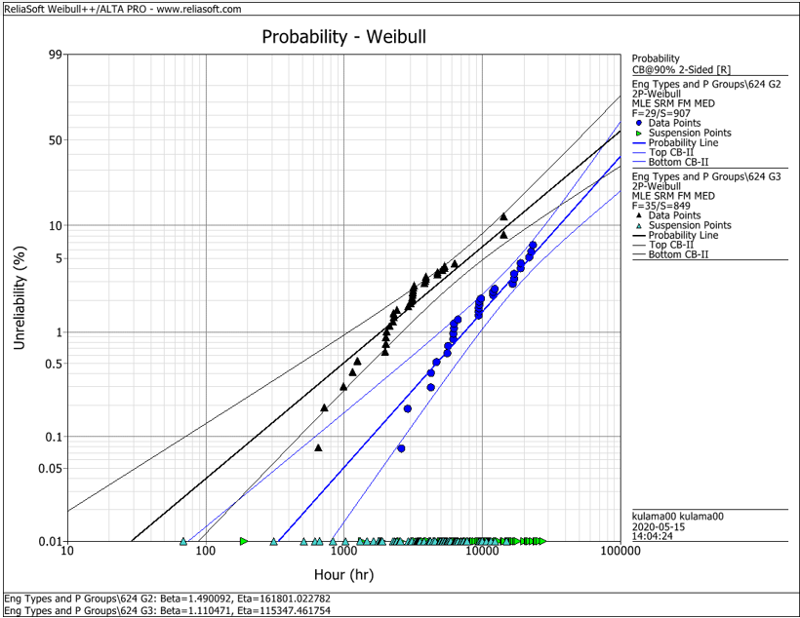
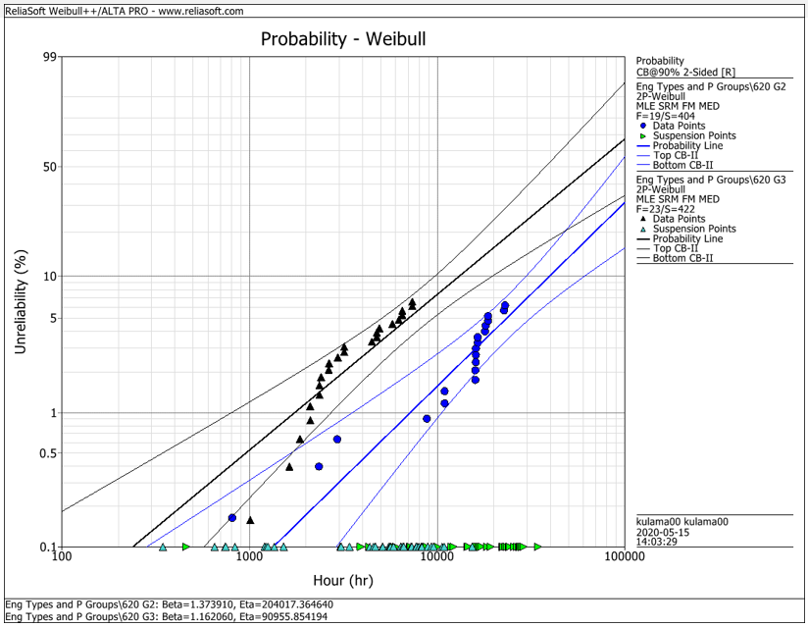
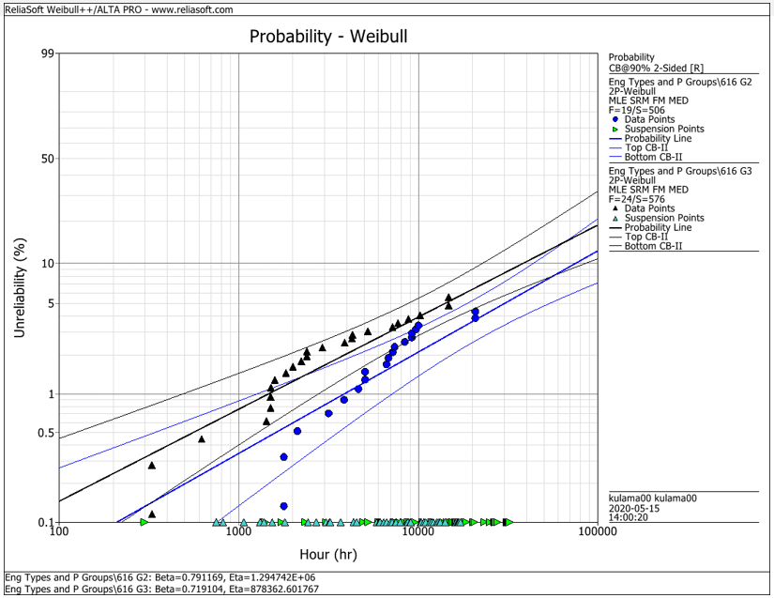
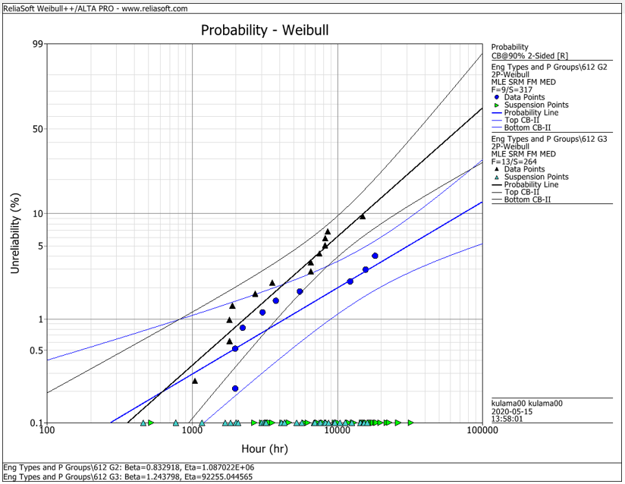
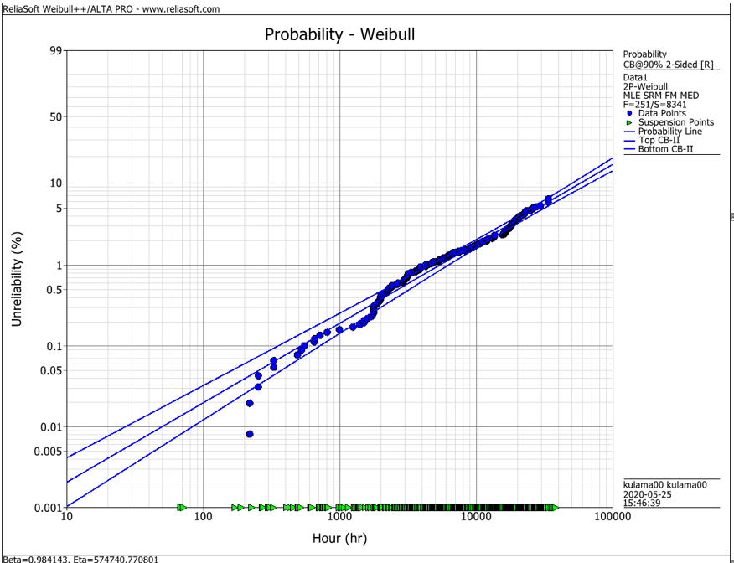
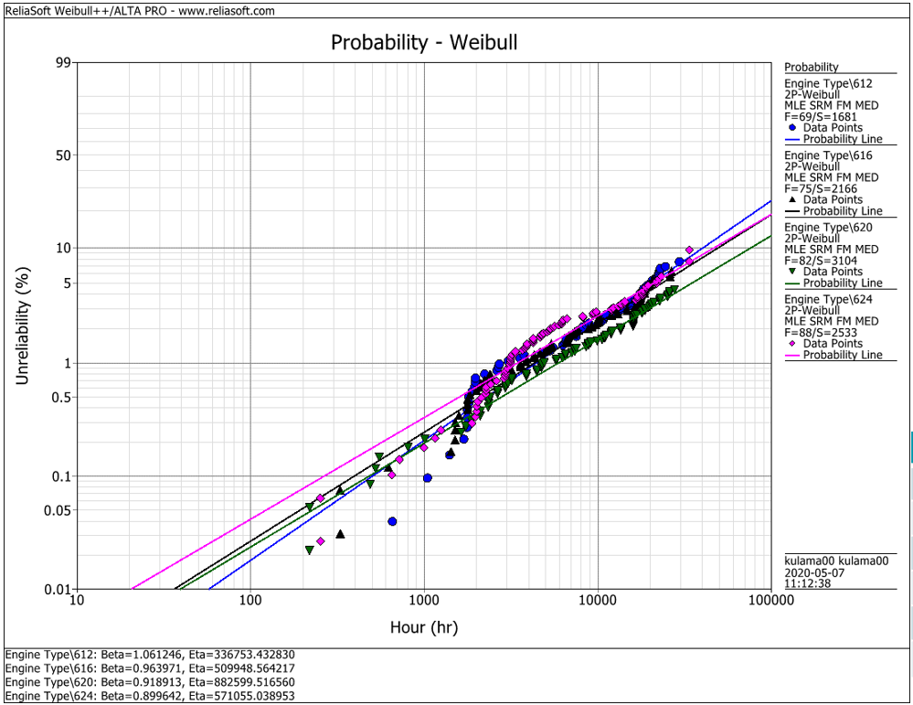
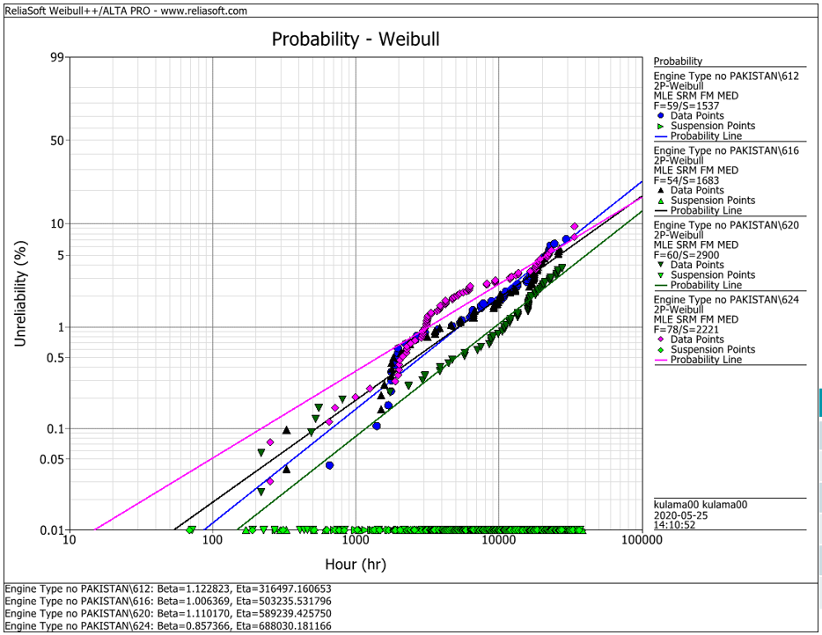
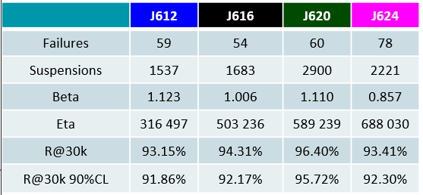
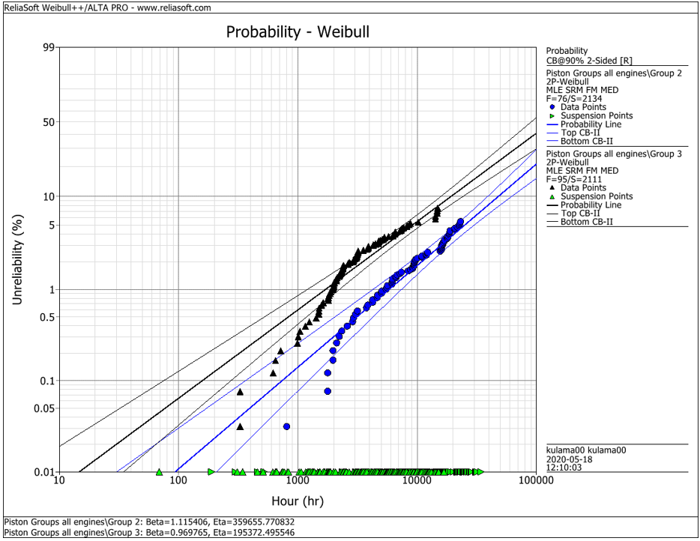
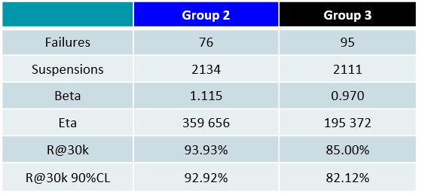
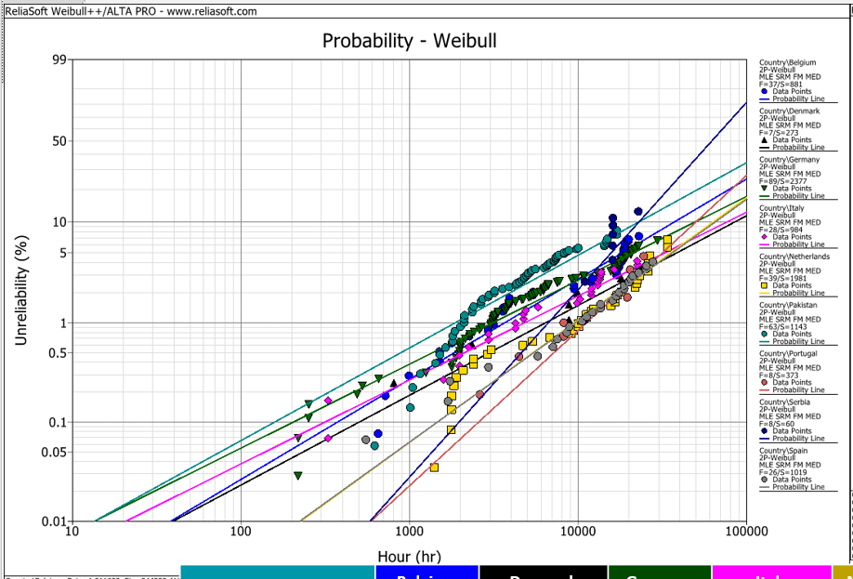
EDC Weibull Comparison
 | beta | R@30k 90%CL
G2 | 0,001 | 92%
G2 | 0,001 | 93%
G2 | 0,001 | 95%
G2 | 0,001 | 95%
G2 | 0,001 | 93%
G3 | 0,001 | 80%
G3 | 0,001 | 75%
G3 | 0,001 | 92%
G3 | 0,001 | 79%
G3 | 0,001 | 82%
all | 0,001 | 94%
all | 0,001 | 91%
all | 0,001 | 93%
all | 0,001 | 95%
all | 0,001 | 92%
all w/o Pak | 0,001 | 92%
all w/o Pak | 0,001 | 92%
all w/o Pak | 0,001 | 96%
all w/o Pak | 0,001 | 93%

 |  | f | s | beta | eta | R@30k 90%CL | Comment
J624 | G2 | 29 | 907 | 1.490 | 161801 | 92.2% | T23 with LKZ OCR
J620 | G2 | 19 | 404 | 1.374 | 204017 | 93.0% | T23 with LKZ OCR
J616 | G2 | 19 | 506 | 0.791 | 1294700 | 95.0% | T23 with LKZ OCR
J612 | G2 | 9 | 317 | 0.830 | 1088700 | 95.0% | T23 with LKZ OCR
J6xx | G2 | 76 | 2134 | 1.115 | 359656 | 92.9% | T23 with LKZ OCR

J624 | G3 | 35 | 849 | 1.110 | 115347 | 80.0% | T23 with flat OCR
J620 | G3 | 23 | 422 | 1.162 | 90955 | 75.0% | T23 with flat OCR
J616 | G3 | 24 | 576 | 0.719 | 878362 | 91.5% | T23 with LKZ OCR
J612 | G3 | 13 | 264 | 1.244 | 92255 | 79.0% | T23 with LKZ OCR
J6xx | G3 | 95 | 2111 | 0.970 | 195372 | 82.1% | T23 with LKZ OCR

J6xx | all | 251 | 8341 | 0.984 | 574741 | 94.2% | Source - cleaned by Maciej 2020-05_25
J612 | all | 69 | 1681 | 1.061 | 336753 | 91.3% | Source - cleaned by Maciej 2020-05_25
J616 | all | 75 | 2166 | 0.964 | 509948 | 92.6% | Source - cleaned by Maciej 2020-05_25
J620 | all | 82 | 3104 | 0.919 | 882599 | 94.9% | Source - cleaned by Maciej 2020-05_25
J624 | all | 88 | 2533 | 0.899 | 571055 | 92.1% | Source - cleaned by Maciej 2020-05_25

J612 | all w/o Pak | 59 | 1537 | 1.123 | 316497 | 91.9% | Source - cleaned by Maciej 2020-05_25
J616 | all w/o Pak | 54 | 1683 | 1.006 | 503236 | 92.2% | Source - cleaned by Maciej 2020-05_25
J620 | all w/o Pak | 60 | 2900 | 1.110 | 589239 | 95.7% | Source - cleaned by Maciej 2020-05_25
J624 | all w/o Pak | 78 | 2221 | 0.857 | 688030 | 93.4% | Source - cleaned by Maciej 2020-05_25

 |  | beta | 1.490 | max
 |  |  | 0.719 | min
 |  |  | 1.038 | mittel
 |  |  | 1.006 | median

