summary
Demonstrated Reliability
 | CLB 90% - 10% |  | CLB 90% - 10% |  | CLB 90% - 10% |  | R1 |  | R2 |  | R3 |  | today |  | R Ref |  | Weibull, b = 1,21 |  | Weibull G3, b 0,97
 | 74.6% | 0 | 97.0% | 0 | 95.0% | 0 | 0.0% | 0 | 0.0% | 0 | 0.0% | 83112 | 0.00 | 83112 | 99.2% | 0 | 100.0% | 0 | 100.0%
 | 74.6% | 2493 | 97.0% | 2493 | 95.0% | 2493 | 0.0% | 2493 | 0.0% | 2493 | 28.0% | 83112 | 1.00 |  |  | 2493 | 100.0% | 2493 | 98.6%
 | 74.6% | 6649 | 97.0% | 6649 | 95.0% | 6649 | 7.8% | 6649 | 0.0% | 6649 | 67.8% |  |  |  |  | 6649 | 100.0% | 6649 | 96.3%
 | 74.6% | 12467 | 97.0% | 12467 | 95.0% | 12467 | 31.2% | 12467 | 2.1% | 12467 | 83.8% |  |  |  |  | 12467 | 99.9% | 12467 | 93.3%
 | 74.6% | 16622 | 97.0% | 16622 | 95.0% | 16622 | 48.1% | 16622 | 8.8% | 16622 | 89.5% |  |  |  |  | 16622 | 99.9% | 16622 | 91.2%
 | 74.6% | 20778 | 97.0% | 20778 | 95.0% | 20778 | 59.5% | 20778 | 17.8% | 20778 | 92.4% |  |  |  |  | 20778 | 99.8% | 20778 | 89.2%
 | 67.3% | 24934 | 97.0% | 24934 | 95.0% | 24934 | 67.3% | 24934 | 26.8% | 24934 | 94.2% |  |  |  |  | 24934 | 99.8% | 24934 | 87.3%
 | 60.5% | 29089 | 97.0% | 29089 | 95.0% | 29089 | 72.8% | 29089 | 34.8% | 29089 | 95.3% |  |  |  |  | 29089 | 99.8% | 29089 | 85.4%
 | 54.4% | 33245 | 97.0% | 33245 | 95.0% | 33245 | 76.8% | 33245 | 41.7% | 33245 | 96.1% |  |  |  |  | 33245 | 99.7% | 33245 | 83.6%
 | 49.1% | 37400 | 97.0% | 37400 | 95.0% | 37400 | 79.9% | 37400 | 47.5% | 37400 | 96.7% |  |  |  |  | 37400 | 99.7% | 37400 | 81.8%
 | 44.6% | 41556 | 97.0% | 41556 | 95.0% | 41556 | 82.4% | 41556 | 52.5% | 41556 | 97.1% |  |  |  |  | 41556 | 99.6% | 41556 | 80.0%
 | 40.4% | 45712 | 97.0% | 45712 | 95.0% | 45712 | 84.5% | 45712 | 57.1% | 45712 | 97.5% |  |  |  |  | 45712 | 99.6% | 45712 | 78.3%
 | 31.9% | 49867 | 97.0% | 49867 | 95.0% | 49867 | 88.3% | 49867 | 66.2% | 49867 | 98.1% |  |  |  |  | 49867 | 99.5% | 49867 | 76.7%
 | 22.1% | 54023 | 97.0% | 54023 | 95.0% | 54023 | 92.3% | 54023 | 76.7% | 54023 | 98.8% |  |  |  |  | 54023 | 99.5% | 54023 | 75.0%
 | 15.8% | 58178 | 97.0% | 58178 | 95.0% | 58178 | 94.7% | 58178 | 83.4% | 58178 | 99.2% |  |  |  |  | 58178 | 99.5% | 58178 | 73.4%
 | 11.8% | 62334 | 97.0% | 62334 | 95.0% | 62334 | 96.1% | 62334 | 87.6% | 62334 | 99.4% |  |  |  |  | 62334 | 99.4% | 62334 | 71.9%
 | 8.7% | 66490 | 97.0% | 66490 | 95.0% | 66490 | 97.2% | 66490 | 90.9% | 66490 | 99.6% |  |  |  |  | 66490 | 99.4% | 66490 | 70.4%
 | 5.1% | 70645 | 97.0% | 70645 | 95.0% | 70645 | 98.4% | 70645 | 94.6% | 70645 | 99.7% |  |  |  |  | 70645 | 99.3% | 70645 | 68.9%
 | 2.3% | 74801 | 97.0% | 74801 | 95.0% | 74801 | 99.3% | 74801 | 97.5% | 74801 | 99.9% |  |  |  |  | 74801 | 99.3% | 74801 | 67.4%
 | 1.2% | 78956 | 97.0% | 78956 | 95.0% | 78956 | 99.6% | 78956 | 98.7% | 78956 | 99.9% |  |  |  |  | 78956 | 99.2% | 78956 | 66.0%
 | 0.8% | 83112 | 97.0% | 83112 | 95.0% | 83112 | 99.8% | 83112 | 99.2% | 83112 | 100.0% |  |  |  |  | 83112 | 99.2% | 83112 | 64.6%
 | 0.5% | 87268 | 97.0% | 87268 | 95.0% | 87268 | 99.8% | 87268 | 99.4% | 87268 | 100.0% |  |  |  |  | 87268 | 99.1% | 87268 | 63.3%
 | 0.4% | 91423 | 97.0% | 91423 | 95.0% | 91423 | 99.9% | 91423 | 99.6% | 91423 | 100.0% |  |  |  |  | 91423 | 99.1% | 91423 | 62.0%
 | 0.3% | 95579 | 97.0% | 95579 | 95.0% | 95579 | 99.9% | 95579 | 99.7% | 95579 | 100.0% |  |  |  |  | 95579 | 99.0% | 95579 | 60.7%
 | 0.3% | 99734 | 97.0% | 99734 | 95.0% | 99734 | 99.9% | 99734 | 99.7% | 99734 | 100.0% |  |  |  |  | 99734 | 99.0% | 99734 | 59.4%
 | 0.2% | 103890 | 97.0% | 103890 | 95.0% | 103890 | 99.9% | 103890 | 99.8% | 103890 | 100.0% |  |  |  |  | 103890 | 98.9% | 103890 | 58.2%
 | 0.2% | 108046 | 97.0% | 108046 | 95.0% | 108046 | 99.9% | 108046 | 99.8% | 108046 | 100.0% |  |  |  |  | 108046 | 98.8% | 108046 | 57.0%
 | 0.2% | 112201 | 97.0% | 112201 | 95.0% | 112201 | 99.9% | 112201 | 99.8% | 112201 | 100.0% |  |  |  |  | 112201 | 98.8% | 112201 | 55.8%
 | 0.2% | 116357 | 97.0% | 116357 | 95.0% | 116357 | 100.0% | 116357 | 99.8% | 116357 | 100.0% |  |  |  |  | 116357 | 98.7% | 116357 | 54.6%
 | 0.1% | 120512 | 97.0% | 120512 | 95.0% | 120512 | 100.0% | 120512 | 99.9% | 120512 | 100.0% |  |  |  |  | 120512 | 98.7% | 120512 | 53.5%
 | 0.1% | 124668 | 97.0% | 124668 | 95.0% | 124668 | 100.0% | 124668 | 99.9% | 124668 | 100.0% |  |  |  |  | 124668 | 98.6% | 124668 | 52.4%
 | 0.1% | 128824 | 97.0% | 128824 | 95.0% | 128824 | 100.0% | 128824 | 99.9% | 128824 | 100.0% |  |  |  |  | 128824 | 98.6% | 128824 | 51.3%
 | 0.1% | 132979 | 97.0% | 132979 | 95.0% | 132979 | 100.0% | 132979 | 99.9% | 132979 | 100.0% |  |  |  |  | 132979 | 98.5% | 132979 | 50.2%
 | 0.1% | 137135 | 97.0% | 137135 | 95.0% | 137135 | 100.0% | 137135 | 99.9% | 137135 | 100.0% |  |  |  |  | 137135 | 98.5% | 137135 | 49.2%
 | 0.1% | 141290 | 97.0% | 141290 | 95.0% | 141290 | 100.0% | 141290 | 99.9% | 141290 | 100.0% |  |  |  |  | 141290 | 98.4% | 141290 | 48.2%
 | 0.1% | 145446 | 97.0% | 145446 | 95.0% | 145446 | 100.0% | 145446 | 99.9% | 145446 | 100.0% |  |  |  |  | 145446 | 98.4% | 145446 | 47.2%
 | 0.1% | 149602 | 97.0% | 149602 | 95.0% | 149602 | 100.0% | 149602 | 99.9% | 149602 | 100.0% |  |  |  |  | 149602 | 98.3% | 149602 | 46.2%
 | 0.1% | 153757 | 97.0% | 153757 | 95.0% | 153757 | 100.0% | 153757 | 99.9% | 153757 | 100.0% |  |  |  |  | 153757 | 98.2% | 153757 | 45.3%
 | 0.1% | 157913 | 97.0% | 157913 | 95.0% | 157913 | 100.0% | 157913 | 99.9% | 157913 | 100.0% |  |  |  |  | 157913 | 98.2% | 157913 | 44.3%
 | 0.1% | 162068 | 97.0% | 162068 | 95.0% | 162068 | 100.0% | 162068 | 99.9% | 162068 | 100.0% |  |  |  |  | 162068 | 98.1% | 162068 | 43.4%
 | 0.1% | 166224 | 97.0% | 166224 | 95.0% | 166224 | 100.0% | 166224 | 99.9% | 166224 | 100.0% |  |  |  |  | 166224 | 98.1% | 166224 | 42.5%
 |  |  |  |  |  |  | Pn | 1013 | mbar | Tn | 0 | °C | 9.8 | kWh / mn3
Validation Fleet Status |  | Date | 12/26/20 |  |  |  | ETAMOT not fully plausible ?
624 | 17 |  | Cum hours | 462034
620 | 6 |  | Fl Leader | 66470
616 | 7 |  | Avg hours | 14904 |  |  |  |  |  |  |  |  |  | 0
612 | 1 |  | 2000 | 29 |  |  |  |  |  |  |  |  |  | 0
Sum Engines | 31 |  | 4000 | 29 |  |  |  |  |  |  |  |  |  | 0
Sum PU's | 652 |  | 6000 | 27 |  |  |  |  |  |  |  |  |  | 0
 |  |  |  |  |  |  |  |  |  |  |  |  |  | 0
Beta | Running | Available | Not Available | Error |  |  |  |  |  |  |  |  |  | 0
1.210 | 17 | 6 | 8 | 0 |  |  |  |  |  |  |  |  |  | 0
 |  |  |  |  |  |  |  |  |  |  |  |  |  | 0
 | T | CL | BETA | R |  |  |  |  |  |  |  |  |  | 0
R1 | 30000 | 50% | 1.210 | 99.8% |  |  |  |  |  |  |  |  |  | 0
R2 | 30000 | 90% | 1.210 | 99.2% |  |  |  |  |  |  |  |  |  | 0
R3 | 30000 | 10% | 1.210 | 100.0% |  |  |  |  |  |  |  |  |  | 0
 |  |  |  |  |  |  |  |  |  |  |  |  |  | 0
Field Validation Results vs. CTQ's |  |  |  | CTQ |  |  |  |  |  |  |  |  |  | 0
1. R(CL 50%) > 97% @ß = |  | 1.210 | 99.8% | 97% |  |  |  |  |  |  |  |  |  | 0
2. R(CL 90%) > 90% @ß = |  | 1.210 | 99.2% | 90% |  |  |  |  |  |  |  |  |  | 0
3. 4 Engines > 6000 oph |  |  | 27 | 4 |  |  |  |  |  |  |  |  |  | 0
 |  |  |  |  | 1.210 | 1.21 |  |  |  |  |  |  |  | 0
 | BR6 |  | hours s. VS | 83112 | 66470 | 66470 |  |  |  |  |  |  |  | 0
Bohrung [mm] | 190 |  | pess PU F | 1.0% | 107.5 | 107.5 |  |  |  |  |  |  |  | 0
Hub [mm] | 220 |  | pess PU F | 7 | 98.7% |  |  |  |  |  |  |  |  | 0
Validation Fleet oph
 |  |  | Date |  | Date line |  | 2000 |  | 6000 |  | 1145166 |  | 1175579 |  | 1184199 |  | 1198719 |  | 1243360 |  | 1243362 |  | 1250575
7/4/11 | 0 | 12/26/20 | 66470 | 12/26/20 | 0 | 7/4/11 | 2000 | 7/4/11 | 6000 | 7/4/11 | 0 | 7/4/11 | 0 | 7/4/11 | 0 | 7/4/11 | 0 | 7/4/11 | 0 | 7/4/11 | 0 | 7/4/11 | 0
10/15/11 | 2493 |  |  | 12/26/20 | 66470 | 6/20/30 | 2000 | 6/20/30 | 6000 | 10/15/11 | 0 | 10/15/11 | 0 | 10/15/11 | 0 | 10/15/11 | 0 | 10/15/11 | 0 | 10/15/11 | 0 | 10/15/11 | 0
4/6/12 | 6649 |  |  |  |  |  |  |  |  | 4/6/12 | 0 | 4/6/12 | 0 | 4/6/12 | 0 | 4/6/12 | 0 | 4/6/12 | 0 | 4/6/12 | 0 | 4/6/12 | 0
12/4/12 | 12467 |  |  |  |  |  |  |  |  | 12/4/12 | 0 | 12/4/12 | 0 | 12/4/12 | 0 | 12/4/12 | 0 | 12/4/12 | 0 | 12/4/12 | 0 | 12/4/12 | 0
5/26/13 | 16622 |  |  |  |  |  |  |  |  | 5/26/13 | 0 | 5/26/13 | 0 | 5/26/13 | 0 | 5/26/13 | 0 | 5/26/13 | 0 | 5/26/13 | 0 | 5/26/13 | 0
11/15/13 | 20778 |  |  |  |  |  |  |  |  | 11/15/13 | 0 | 11/15/13 | 0 | 11/15/13 | 0 | 11/15/13 | 0 | 11/15/13 | 0 | 11/15/13 | 0 | 11/15/13 | 0
5/7/14 | 24934 |  |  |  |  |  |  |  |  | 5/7/14 | 0 | 5/7/14 | 0 | 5/7/14 | 0 | 5/7/14 | 0 | 5/7/14 | 0 | 5/7/14 | 0 | 5/7/14 | 0
10/28/14 | 29089 |  |  |  |  |  |  |  |  | 10/28/14 | 0 | 10/28/14 | 0 | 10/28/14 | 0 | 10/28/14 | 0 | 10/28/14 | 0 | 10/28/14 | 0 | 10/28/14 | 0
4/19/15 | 33245 |  |  |  |  |  |  |  |  | 4/19/15 | 0 | 4/19/15 | 0 | 4/19/15 | 0 | 4/19/15 | 0 | 4/19/15 | 0 | 4/19/15 | 0 | 4/19/15 | 0
10/9/15 | 37400 |  |  |  |  |  |  |  |  | 10/9/15 | 0 | 10/9/15 | 0 | 10/9/15 | 0 | 10/9/15 | 0 | 10/9/15 | 0 | 10/9/15 | 0 | 10/9/15 | 0
3/30/16 | 41556 |  |  |  |  |  |  |  |  | 3/30/16 | 0 | 3/30/16 | 0 | 3/30/16 | 0 | 3/30/16 | 0 | 3/30/16 | 0 | 3/30/16 | 0 | 3/30/16 | 0
9/19/16 | 45712 |  |  |  |  |  |  |  |  | 9/19/16 | 0 | 9/19/16 | 0 | 9/19/16 | 0 | 9/19/16 | 0 | 9/19/16 | 0 | 9/19/16 | 0 | 9/19/16 | 0
3/11/17 | 49867 |  |  |  |  |  |  |  |  | 3/11/17 | 0 | 3/11/17 | 0 | 3/11/17 | 0 | 3/11/17 | 1646 | 3/11/17 | 0 | 3/11/17 | 0 | 3/11/17 | 0
8/31/17 | 54023 |  |  |  |  |  |  |  |  | 8/31/17 | 0 | 8/31/17 | 0 | 8/31/17 | 0 | 8/31/17 | 5217 | 8/31/17 | 0 | 8/31/17 | 0 | 8/31/17 | 0
2/21/18 | 58178 |  |  |  |  |  |  |  |  | 2/21/18 | 0 | 2/21/18 | 0 | 2/21/18 | 0 | 2/21/18 | 8788 | 2/21/18 | 0 | 2/21/18 | 0 | 2/21/18 | 0
8/13/18 | 62334 |  |  |  |  |  |  |  |  | 8/13/18 | 0 | 8/13/18 | 0 | 8/13/18 | 0 | 8/13/18 | 12360 | 8/13/18 | 0 | 8/13/18 | 0 | 8/13/18 | 0
2/2/19 | 66490 |  |  |  |  |  |  |  |  | 2/2/19 | 0 | 2/2/19 | 0 | 2/2/19 | 1031 | 2/2/19 | 15931 | 2/2/19 | 0 | 2/2/19 | 0 | 2/2/19 | 0
7/25/19 | 70645 |  |  |  |  |  |  |  |  | 7/25/19 | 0 | 7/25/19 | 5579 | 7/25/19 | 8345 | 7/25/19 | 19502 | 7/25/19 | 0 | 7/25/19 | 0 | 7/25/19 | 0
1/14/20 | 74801 |  |  |  |  |  |  |  |  | 1/14/20 | 9193 | 1/14/20 | 14478 | 1/14/20 | 15660 | 1/14/20 | 23073 | 1/14/20 | 14392 | 1/14/20 | 16729 | 1/14/20 | 1144
7/5/20 | 78956 |  |  |  |  |  |  |  |  | 7/5/20 | 21098 | 7/5/20 | 23377 | 7/5/20 | 22974 | 7/5/20 | 26645 | 7/5/20 | 40431 | 7/5/20 | 40727 | 7/5/20 | 2626
12/26/20 | 83112 |  |  |  |  |  |  |  |  | 12/26/20 | 33004 | 12/26/20 | 32276 | 12/26/20 | 30289 | 12/26/20 | 30216 | 12/26/20 | 66470 | 12/26/20 | 64726 | 12/26/20 | 4108
6/17/21 | 87268 |  |  |  |  |  |  |  |  | 6/17/21 | 44910 | 6/17/21 | 41175 | 6/17/21 | 37604 | 6/17/21 | 33787 | 6/17/21 | 92509 | 6/17/21 | 88725 | 6/17/21 | 5590
12/7/21 | 91423 |  |  |  |  |  |  |  |  | 12/7/21 | 56815 | 12/7/21 | 50074 | 12/7/21 | 44918 | 12/7/21 | 37359 | 12/7/21 | 118548 | 12/7/21 | 112723 | 12/7/21 | 7072
5/29/22 | 95579 |  |  |  |  |  |  |  |  | 5/29/22 | 68721 | 5/29/22 | 58973 | 5/29/22 | 52233 | 5/29/22 | 40930 | 5/29/22 | 144587 | 5/29/22 | 136722 | 5/29/22 | 8554
11/18/22 | 99734 |  |  |  |  |  |  |  |  | 11/18/22 | 80626 | 11/18/22 | 67872 | 11/18/22 | 59547 | 11/18/22 | 44501 | 11/18/22 | 170626 | 11/18/22 | 160720 | 11/18/22 | 10036
5/10/23 | 103890 |  |  |  |  |  |  |  |  | 5/10/23 | 92532 | 5/10/23 | 76771 | 5/10/23 | 66862 | 5/10/23 | 48072 | 5/10/23 | 196665 | 5/10/23 | 184719 | 5/10/23 | 11517
10/30/23 | 108046 |  |  |  |  |  |  |  |  | 10/30/23 | 104437 | 10/30/23 | 85670 | 10/30/23 | 74176 | 10/30/23 | 51644 | 10/30/23 | 222705 | 10/30/23 | 208717 | 10/30/23 | 12999
4/21/24 | 112201 |  |  |  |  |  |  |  |  | 4/21/24 | 116343 | 4/21/24 | 94569 | 4/21/24 | 81491 | 4/21/24 | 55215 | 4/21/24 | 248744 | 4/21/24 | 232716 | 4/21/24 | 14481
10/11/24 | 116357 |  |  |  |  |  |  |  |  | 10/11/24 | 128248 | 10/11/24 | 103468 | 10/11/24 | 88805 | 10/11/24 | 58786 | 10/11/24 | 274783 | 10/11/24 | 256714 | 10/11/24 | 15963
4/2/25 | 120512 |  |  |  |  |  |  |  |  | 4/2/25 | 140154 | 4/2/25 | 112367 | 4/2/25 | 96120 | 4/2/25 | 62357 | 4/2/25 | 300822 | 4/2/25 | 280713 | 4/2/25 | 17445
9/22/25 | 124668 |  |  |  |  |  |  |  |  | 9/22/25 | 152059 | 9/22/25 | 121266 | 9/22/25 | 103435 | 9/22/25 | 65929 | 9/22/25 | 326861 | 9/22/25 | 304711 | 9/22/25 | 18927
3/14/26 | 128824 |  |  |  |  |  |  |  |  | 3/14/26 | 163965 | 3/14/26 | 130165 | 3/14/26 | 110749 | 3/14/26 | 69500 | 3/14/26 | 352900 | 3/14/26 | 328710 | 3/14/26 | 20409
9/3/26 | 132979 |  |  |  |  |  |  |  |  | 9/3/26 | 175870 | 9/3/26 | 139064 | 9/3/26 | 118064 | 9/3/26 | 73071 | 9/3/26 | 378939 | 9/3/26 | 352708 | 9/3/26 | 21891
2/23/27 | 137135 |  |  |  |  |  |  |  |  | 2/23/27 | 187776 | 2/23/27 | 147963 | 2/23/27 | 125378 | 2/23/27 | 76642 | 2/23/27 | 404978 | 2/23/27 | 376707 | 2/23/27 | 23372
8/16/27 | 141290 |  |  |  |  |  |  |  |  | 8/16/27 | 199681 | 8/16/27 | 156862 | 8/16/27 | 132693 | 8/16/27 | 80214 | 8/16/27 | 431017 | 8/16/27 | 400705 | 8/16/27 | 24854
2/5/28 | 145446 |  |  |  |  |  |  |  |  | 2/5/28 | 211587 | 2/5/28 | 165761 | 2/5/28 | 140007 | 2/5/28 | 83785 | 2/5/28 | 457056 | 2/5/28 | 424704 | 2/5/28 | 26336
7/27/28 | 149602 |  |  |  |  |  |  |  |  | 7/27/28 | 223492 | 7/27/28 | 174660 | 7/27/28 | 147322 | 7/27/28 | 87356 | 7/27/28 | 483096 | 7/27/28 | 448702 | 7/27/28 | 27818
1/16/29 | 153757 |  |  |  |  |  |  |  |  | 1/16/29 | 235398 | 1/16/29 | 183559 | 1/16/29 | 154637 | 1/16/29 | 90927 | 1/16/29 | 509135 | 1/16/29 | 472701 | 1/16/29 | 29300
7/8/29 | 157913 |  |  |  |  |  |  |  |  | 7/8/29 | 247303 | 7/8/29 | 192458 | 7/8/29 | 161951 | 7/8/29 | 94499 | 7/8/29 | 535174 | 7/8/29 | 496699 | 7/8/29 | 30782
12/28/29 | 162068 |  |  |  |  |  |  |  |  | 12/28/29 | 259209 | 12/28/29 | 201358 | 12/28/29 | 169266 | 12/28/29 | 98070 | 12/28/29 | 561213 | 12/28/29 | 520698 | 12/28/29 | 32264
6/20/30 | 166224 |  |  |  |  |  |  |  |  | 6/20/30 | 271114 | 6/20/30 | 210257 | 6/20/30 | 176580 | 6/20/30 | 101641 | 6/20/30 | 587252 | 6/20/30 | 544696 | 6/20/30 | 33746
VH zyl [dm3] | 6.24 |  | like PU F | 0.2% | 2471148 | 6785847.912 |  |  |  |  |  |  |  | 0
 |  |  | like PU F | 2 | 99.5% |  |  |  |  |  |  |  |  | 0
 |  |  |  | 18702.435649 | 0.48% | 0.37% |  |  |  |  |  |  |  | 0
 |  |  |  |  | 0.52 | 2.4131 |  |  |  |  |  |  |  | 0
Engines | ~ BMP Avg | z | VH [dm3] | etael |  |  |  |  |  |  |  |  |  | 0
624 | 24.2 | 24 | 149.7 | 98.1% |  |  |  |  |  |  |  |  |  | 0
620 | 22.0 | 20 | 124.8 | 98.0% |  |  |  |  |  |  |  |  |  | 0
616 | 22.0 | 16 | 99.8 | 97.6% |  |  |  |  |  |  |  |  |  | 0
612 | 22.0 | 12 | 74.9 | 98.6% |  |  |  |  |  |  |  |  |  | 0
 |  |  |  |  |  |  |  |  |  |  |  |  |  | 0
BMEP Avg | BMEP Min | BMEP Max | NOX | MN | Version | #
24.3 | 24.0 | 24.5 | 500 | 80 | K01 | 3
24.4 | 24.0 | 24.5 | 500 | 80 | H01 | 11
24.0 | 24.0 | 24.0 | 250 | 80 | H02 | 1
 | 0.0 | 0.0 | 500 | 70 | H101 | 0
24.5 | 24.5 | 24.5 | 250 | 70 | H12 | 1
22.0 | 22.0 | 22.0 | 500 | 80 | F01 | 5
22.0 | 22.0 | 22.0 | 500 | 80 | J01 | 2
22.0 | 22.0 | 22.0 | 500 | 70 | J101 | 1
22.0 | 22.0 | 22.0 | 500 | 70 | J11 | 1
22.0 | 22.0 | 22.0 | 500 | 70 | F11 | 1
22.0 | 22.0 | 22.0 | 250 | 70 | F12 | 1
22.0 | 22.0 | 22.0 | 250 | 70 | J12 | 3
22.9 | 22.9 | 22.9 | 500 | 80 | K505 | 1
 |  |  |  |  |  | 31

ndReliaCalc2
 | Data Date | 2020-12-26 07:07:27
 | Val Start | 2011-07-04
 | Val Period (days) | 3463
 | Beta (R2) | 1.21

 |  |  |  | 2000h line | 2000 | 2000
 |  |  |  |  | 2019-05-01 | 2021-12-31
 |  |  |  | 6000h line | 6000 | 6000
 |  |  |  |  | 2019-05-01 | 2021-12-31

 |  |  |  |  |  |  |  | R1 failures | 0 | 0 | 0 | 0 | 0 | 0 | 0 | 0 | 0 | 0 | 0 | 0 | 0 | 0 | 0 | 0 | 0 | 0 | 0 | 0 | 0 | 0 | 0 | 0 | 0 | 0 | 0 | 0 | 0 | 0 | 0 | 0 | 0 | 0 | 0 | 0 | 0 | 0 | 0 | 0 | 0
 |  |  |  |  |  |  |  | R2 failures | 0 | 0 | 0 | 0 | 0 | 0 | 0 | 0 | 0 | 0 | 0 | 0 | 0 | 0 | 0 | 0 | 0 | 0 | 0 | 0 | 0 | 0 | 0 | 0 | 0 | 0 | 0 | 0 | 0 | 0 | 0 | 0 | 0 | 0 | 0 | 0 | 0 | 0 | 0 | 0 | 0
 |  |  |  | f1 | 2020-12-16 07:07:27 | 0 | 100% | 3453 | 0 | 0 | 0 | 0 | 0 | 0 | 0 | 0 | 0 | 0 | 0 | 0 | 0 | 0 | 0 | 0 | 0 | 0 | 0 | 0 | 0 | 0 | 0 | 0 | 0 | 0 | 0 | 0 | 0 | 0 | 0 | 0 | 0 | 0 | 0 | 0 | 0 | 0 | 0 | 0 | 0
 |  |  |  | f2 | 2021-01-25 07:07:27 | 0 | 101% | 3493 | 0 | 0 | 0 | 0 | 0 | 0 | 0 | 0 | 0 | 0 | 0 | 0 | 0 | 0 | 0 | 0 | 0 | 0 | 0 | 0 | 0 | 0 | 0 | 0 | 0 | 0 | 0 | 0 | 0 | 0 | 0 | 0 | 0 | 0 | 0 | 0 | 0 | 0 | 0 | 0 | 0
 |  |  |  | f3 | 2020-11-25 07:07:27 | 0 | 99% | 3432 | 0 | 0 | 0 | 0 | 0 | 0 | 0 | 0 | 0 | 0 | 0 | 0 | 0 | 0 | 0 | 0 | 0 | 0 | 0 | 0 | 0 | 0 | 0 | 0 | 0 | 0 | 0 | 0 | 0 | 0 | 0 | 0 | 0 | 0 | 0 | 0 | 0 | 0 | 0 | 0 | 0
 |  |  |  | f4 | 2020-08-24 07:07:27 | 0 | 96% | 3339 | 0 | 0 | 0 | 0 | 0 | 0 | 0 | 0 | 0 | 0 | 0 | 0 | 0 | 0 | 0 | 0 | 0 | 0 | 0 | 0 | 0 | 0 | 0 | 0 | 0 | 0 | 0 | 0 | 0 | 0 | 0 | 0 | 0 | 0 | 0 | 0 | 0 | 0 | 0 | 0 | 0
 |  |  |  | f5 | 2021-04-29 07:07:27 | 0 | 104% | 3587 | 0 | 0 | 0 | 0 | 0 | 0 | 0 | 0 | 0 | 0 | 0 | 0 | 0 | 0 | 0 | 0 | 0 | 0 | 0 | 0 | 0 | 0 | 0 | 0 | 0 | 0 | 0 | 0 | 0 | 0 | 0 | 0 | 0 | 0 | 0 | 0 | 0 | 0 | 0 | 0 | 0
 |  |  |  | f6 | 2021-06-30 07:07:27 | 0 | 105% | 3649 | 0 | 0 | 0 | 0 | 0 | 0 | 0 | 0 | 0 | 0 | 0 | 0 | 0 | 0 | 0 | 0 | 0 | 0 | 0 | 0 | 0 | 0 | 0 | 0 | 0 | 0 | 0 | 0 | 0 | 0 | 0 | 0 | 0 | 0 | 0 | 0 | 0 | 0 | 0 | 0 | 0
 |  |  |  | f7 | 0 | 0 | -1176% | -40728 | 0 | 0 | 0 | 0 | 0 | 0 | 0 | 0 | 0 | 0 | 0 | 0 | 0 | 0 | 0 | 0 | 0 | 0 | 0 | 0 | 0 | 0 | 0 | 0 | 0 | 0 | 0 | 0 | 0 | 0 | 0 | 0 | 0 | 0 | 0 | 0 | 0 | 0 | 0 | 0 | 0
 |  |  |  | f8 | 0 | 0 | -1176% | -40728 | 0 | 0 | 0 | 0 | 0 | 0 | 0 | 0 | 0 | 0 | 0 | 0 | 0 | 0 | 0 | 0 | 0 | 0 | 0 | 0 | 0 | 0 | 0 | 0 | 0 | 0 | 0 | 0 | 0 | 0 | 0 | 0 | 0 | 0 | 0 | 0 | 0 | 0 | 0 | 0 | 0
 |  |  |  | f9 | 0 | 0 | -1176% | -40728 | 0 | 0 | 0 | 0 | 0 | 0 | 0 | 0 | 0 | 0 | 0 | 0 | 0 | 0 | 0 | 0 | 0 | 0 | 0 | 0 | 0 | 0 | 0 | 0 | 0 | 0 | 0 | 0 | 0 | 0 | 0 | 0 | 0 | 0 | 0 | 0 | 0 | 0 | 0 | 0 | 0
 |  |  |  | f10 | 0 | 0 | -1176% | -40728 | 0 | 0 | 0 | 0 | 0 | 0 | 0 | 0 | 0 | 0 | 0 | 0 | 0 | 0 | 0 | 0 | 0 | 0 | 0 | 0 | 0 | 0 | 0 | 0 | 0 | 0 | 0 | 0 | 0 | 0 | 0 | 0 | 0 | 0 | 0 | 0 | 0 | 0 | 0 | 0 | 0
 |  |  |  | f11 | 0 | 0 | -1176% | -40728 | 0 | 0 | 0 | 0 | 0 | 0 | 0 | 0 | 0 | 0 | 0 | 0 | 0 | 0 | 0 | 0 | 0 | 0 | 0 | 0 | 0 | 0 | 0 | 0 | 0 | 0 | 0 | 0 | 0 | 0 | 0 | 0 | 0 | 0 | 0 | 0 | 0 | 0 | 0 | 0 | 0
 |  |  |  | f12 | 0 | 0 | -1176% | -40728 | 0 | 0 | 0 | 0 | 0 | 0 | 0 | 0 | 0 | 0 | 0 | 0 | 0 | 0 | 0 | 0 | 0 | 0 | 0 | 0 | 0 | 0 | 0 | 0 | 0 | 0 | 0 | 0 | 0 | 0 | 0 | 0 | 0 | 0 | 0 | 0 | 0 | 0 | 0 | 0 | 0
 |  |  |  | f13 | 0 | 0 | -1176% | -40728 | 0 | 0 | 0 | 0 | 0 | 0 | 0 | 0 | 0 | 0 | 0 | 0 | 0 | 0 | 0 | 0 | 0 | 0 | 0 | 0 | 0 | 0 | 0 | 0 | 0 | 0 | 0 | 0 | 0 | 0 | 0 | 0 | 0 | 0 | 0 | 0 | 0 | 0 | 0 | 0 | 0
 |  |  |  | f14 | 0 | 0 | -1176% | -40728 | 0 | 0 | 0 | 0 | 0 | 0 | 0 | 0 | 0 | 0 | 0 | 0 | 0 | 0 | 0 | 0 | 0 | 0 | 0 | 0 | 0 | 0 | 0 | 0 | 0 | 0 | 0 | 0 | 0 | 0 | 0 | 0 | 0 | 0 | 0 | 0 | 0 | 0 | 0 | 0 | 0
 |  |  |  | f15 | 0 | 0 | -1176% | -40728 | 0 | 0 | 0 | 0 | 0 | 0 | 0 | 0 | 0 | 0 | 0 | 0 | 0 | 0 | 0 | 0 | 0 | 0 | 0 | 0 | 0 | 0 | 0 | 0 | 0 | 0 | 0 | 0 | 0 | 0 | 0 | 0 | 0 | 0 | 0 | 0 | 0 | 0 | 0 | 0 | 0
 |  |  |  | f16 | 0 | 0 | -1176% | -40728 | 0 | 0 | 0 | 0 | 0 | 0 | 0 | 0 | 0 | 0 | 0 | 0 | 0 | 0 | 0 | 0 | 0 | 0 | 0 | 0 | 0 | 0 | 0 | 0 | 0 | 0 | 0 | 0 | 0 | 0 | 0 | 0 | 0 | 0 | 0 | 0 | 0 | 0 | 0 | 0 | 0
 |  |  |  | f17 | 0 | 0 | -1176% | -40728 | 0 | 0 | 0 | 0 | 0 | 0 | 0 | 0 | 0 | 0 | 0 | 0 | 0 | 0 | 0 | 0 | 0 | 0 | 0 | 0 | 0 | 0 | 0 | 0 | 0 | 0 | 0 | 0 | 0 | 0 | 0 | 0 | 0 | 0 | 0 | 0 | 0 | 0 | 0 | 0 | 0
 |  |  |  | f18 | 0 | 0 | -1176% | -40728 | 0 | 0 | 0 | 0 | 0 | 0 | 0 | 0 | 0 | 0 | 0 | 0 | 0 | 0 | 0 | 0 | 0 | 0 | 0 | 0 | 0 | 0 | 0 | 0 | 0 | 0 | 0 | 0 | 0 | 0 | 0 | 0 | 0 | 0 | 0 | 0 | 0 | 0 | 0 | 0 | 0
 |  |  |  | f19 | 0 | 0 | -1176% | -40728 | 0 | 0 | 0 | 0 | 0 | 0 | 0 | 0 | 0 | 0 | 0 | 0 | 0 | 0 | 0 | 0 | 0 | 0 | 0 | 0 | 0 | 0 | 0 | 0 | 0 | 0 | 0 | 0 | 0 | 0 | 0 | 0 | 0 | 0 | 0 | 0 | 0 | 0 | 0 | 0 | 0
 |  |  |  | f20 | 0 | 0 | -1176% | -40728 | 0 | 0 | 0 | 0 | 0 | 0 | 0 | 0 | 0 | 0 | 0 | 0 | 0 | 0 | 0 | 0 | 0 | 0 | 0 | 0 | 0 | 0 | 0 | 0 | 0 | 0 | 0 | 0 | 0 | 0 | 0 | 0 | 0 | 0 | 0 | 0 | 0 | 0 | 0 | 0 | 0
 |  |  |  | f21 | 0 | 0 | -1176% | -40728 | 0 | 0 | 0 | 0 | 0 | 0 | 0 | 0 | 0 | 0 | 0 | 0 | 0 | 0 | 0 | 0 | 0 | 0 | 0 | 0 | 0 | 0 | 0 | 0 | 0 | 0 | 0 | 0 | 0 | 0 | 0 | 0 | 0 | 0 | 0 | 0 | 0 | 0 | 0 | 0 | 0
 |  |  |  | f22 | 0 | 0 | -1176% | -40728 | 0 | 0 | 0 | 0 | 0 | 0 | 0 | 0 | 0 | 0 | 0 | 0 | 0 | 0 | 0 | 0 | 0 | 0 | 0 | 0 | 0 | 0 | 0 | 0 | 0 | 0 | 0 | 0 | 0 | 0 | 0 | 0 | 0 | 0 | 0 | 0 | 0 | 0 | 0 | 0 | 0
 |  |  |  | f23 | 0 | 0 | -1176% | -40728 | 0 | 0 | 0 | 0 | 0 | 0 | 0 | 0 | 0 | 0 | 0 | 0 | 0 | 0 | 0 | 0 | 0 | 0 | 0 | 0 | 0 | 0 | 0 | 0 | 0 | 0 | 0 | 0 | 0 | 0 | 0 | 0 | 0 | 0 | 0 | 0 | 0 | 0 | 0 | 0 | 0
 |  |  |  | f24 | 0 | 0 | -1176% | -40728 | 0 | 0 | 0 | 0 | 0 | 0 | 0 | 0 | 0 | 0 | 0 | 0 | 0 | 0 | 0 | 0 | 0 | 0 | 0 | 0 | 0 | 0 | 0 | 0 | 0 | 0 | 0 | 0 | 0 | 0 | 0 | 0 | 0 | 0 | 0 | 0 | 0 | 0 | 0 | 0 | 0
 |  |  |  | f25 | 0 | 0 | -1176% | -40728 | 0 | 0 | 0 | 0 | 0 | 0 | 0 | 0 | 0 | 0 | 0 | 0 | 0 | 0 | 0 | 0 | 0 | 0 | 0 | 0 | 0 | 0 | 0 | 0 | 0 | 0 | 0 | 0 | 0 | 0 | 0 | 0 | 0 | 0 | 0 | 0 | 0 | 0 | 0 | 0 | 0 | 0
 |  |  |  |  |  | Sum failures |  |  | 0 | 0 | 0 | 0 | 0 | 0 | 0 | 0 | 0 | 0 | 0 | 0 | 0 | 0 | 0 | 0 | 0 | 0 | 0 | 0 | 0 | 0 | 0 | 0 | 0 | 0 | 0 | 0 | 0 | 0 | 0 | 0 | 0 | 0 | 0 | 0 | 0 | 0 | 0 | 0 | 0
 |  |  |  |  |  | Input |  |  | 0% | 3% | 8% | 15% | 20% | 25% | 30% | 35% | 40% | 45% | 50% | 55% | 60% | 65% | 70% | 75% | 80% | 85% | 90% | 95% | 100% | 105% | 110% | 115% | 120% | 125% | 130% | 135% | 140% | 145% | 150% | 155% | 160% | 165% | 170% | 175% | 180% | 185% | 190% | 195% | 200%
 |  |  |  |  |  | calc % for diagram (failures) |  |  | 0% | 3% | 8% | 15% | 20% | 25% | 30% | 35% | 40% | 45% | 50% | 55% | 60% | 65% | 70% | 75% | 80% | 85% | 90% | 95% | 100% | 105% | 110% | 115% | 120% | 125% | 130% | 135% | 140% | 145% | 150% | 155% | 160% | 165% | 170% | 175% | 180% | 185% | 190% | 195% | 200%
 |  |  |  |  |  | Val test Time % |  |  | 0% | 3% | 8% | 15% | 20% | 25% | 30% | 35% | 40% | 45% | 50% | 55% | 60% | 65% | 70% | 75% | 80% | 85% | 90% | 95% | 100% | 105% | 110% | 115% | 120% | 125% | 130% | 135% | 140% | 145% | 150% | 155% | 160% | 165% | 170% | 175% | 180% | 185% | 190% | 195% | 200%
 |  |  |  |  |  | days |  |  | 0.0 | 103.9 | 277.0 | 519.4 | 692.6 | 865.8 | 1038.9 | 1212.1 | 1385.2 | 1558.4 | 1731.5 | 1904.7 | 2077.8 | 2251.0 | 2424.1 | 2597.3 | 2770.4 | 2943.5 | 3116.7 | 3289.9 | 3463.0 | 3636.2 | 3809.3 | 3982.5 | 4155.6 | 4328.8 | 4501.9 | 4675.1 | 4848.2 | 5021.3 | 5194.5 | 5367.7 | 5540.8 | 5714.0 | 5887.1 | 6060.3 | 6233.4 | 6406.6 | 6579.7 | 6752.8 | 6926.0
 |  |  |  |  |  |  |  |  | 0.00 | 1.00 |  | R Ref | 99.2% |  | R HRS | 33004
 |  |  |  |  |  |  |  | today | 83112 | 83112 |  | 2020-12-26 | 83112 |  | 2020-12-26 | 83112
 |  |  |  |  |  | CLB 90% - 10% |  |  | 74.6% | 74.6% | 74.6% | 74.6% | 74.6% | 74.6% | 67.3% | 60.5% | 54.4% | 49.1% | 44.6% | 40.4% | 31.9% | 22.1% | 15.8% | 11.8% | 8.7% | 5.1% | 2.3% | 1.2% | 0.8% | 0.5% | 0.4% | 0.3% | 0.3% | 0.2% | 0.2% | 0.2% | 0.2% | 0.1% | 0.1% | 0.1% | 0.1% | 0.1% | 0.1% | 0.1% | 0.1% | 0.1% | 0.1% | 0.1% | 0.1%
 |  |  |  |  |  |  | R | 97.0% | 97.0% | 97.0% | 97.0% | 97.0% | 97.0% | 97.0% | 97.0% | 97.0% | 97.0% | 97.0% | 97.0% | 97.0% | 97.0% | 97.0% | 97.0% | 97.0% | 97.0% | 97.0% | 97.0% | 97.0% | 97.0% | 97.0% | 97.0% | 97.0% | 97.0% | 97.0% | 97.0% | 97.0% | 97.0% | 97.0% | 97.0% | 97.0% | 97.0% | 97.0% | 97.0% | 97.0% | 97.0% | 97.0% | 97.0% | 97.0% | 97.0%
 |  |  |  |  |  |  | R | 95.0% | 95.0% | 95.0% | 95.0% | 95.0% | 95.0% | 95.0% | 95.0% | 95.0% | 95.0% | 95.0% | 95.0% | 95.0% | 95.0% | 95.0% | 95.0% | 95.0% | 95.0% | 95.0% | 95.0% | 95.0% | 95.0% | 95.0% | 95.0% | 95.0% | 95.0% | 95.0% | 95.0% | 95.0% | 95.0% | 95.0% | 95.0% | 95.0% | 95.0% | 95.0% | 95.0% | 95.0% | 95.0% | 95.0% | 95.0% | 95.0% | 95.0%
 |  |  |  |  | Weibull G3, b 0,97 | R | alpha | beta
 |  |  |  |  | R | 85.0% | 195372 | 0.97 | 100.0% | 98.6% | 96.3% | 93.3% | 91.2% | 89.2% | 87.3% | 85.4% | 83.6% | 81.8% | 80.0% | 78.3% | 76.7% | 75.0% | 73.4% | 71.9% | 70.4% | 68.9% | 67.4% | 66.0% | 64.6% | 63.3% | 62.0% | 60.7% | 59.4% | 58.2% | 57.0% | 55.8% | 54.6% | 53.5% | 52.4% | 51.3% | 50.2% | 49.2% | 48.2% | 47.2% | 46.2% | 45.3% | 44.3% | 43.4% | 42.5%
 |  |  |  |  | Weibull, b = 1,21 | R | alpha | beta
 |  |  |  |  | 30000 | 99.8% | 4294354 | 1.21 | 100.0% | 100.0% | 100.0% | 99.9% | 99.9% | 99.8% | 99.8% | 99.8% | 99.7% | 99.7% | 99.6% | 99.6% | 99.5% | 99.5% | 99.5% | 99.4% | 99.4% | 99.3% | 99.3% | 99.2% | 99.2% | 99.1% | 99.1% | 99.0% | 99.0% | 98.9% | 98.8% | 98.8% | 98.7% | 98.7% | 98.6% | 98.6% | 98.5% | 98.5% | 98.4% | 98.4% | 98.3% | 98.2% | 98.2% | 98.1% | 98.1%
 |  |  |  |  | R1 | 30000 | 50% | 1.21 |  | 0.0% | 7.8% | 31.2% | 48.1% | 59.5% | 67.3% | 72.8% | 76.8% | 79.9% | 82.4% | 84.5% | 88.3% | 92.3% | 94.7% | 96.1% | 97.2% | 98.4% | 99.3% | 99.6% | 99.8% | 99.8% | 99.9% | 99.9% | 99.9% | 99.9% | 99.9% | 99.9% | 100.0% | 100.0% | 100.0% | 100.0% | 100.0% | 100.0% | 100.0% | 100.0% | 100.0% | 100.0% | 100.0% | 100.0% | 100.0%
 |  |  |  |  | R2 | 30000 | 90% | 1.21 |  | 0.0% | 0.0% | 2.1% | 8.8% | 17.8% | 26.8% | 34.8% | 41.7% | 47.5% | 52.5% | 57.1% | 66.2% | 76.7% | 83.4% | 87.6% | 90.9% | 94.6% | 97.5% | 98.7% | 99.2% | 99.4% | 99.6% | 99.7% | 99.7% | 99.8% | 99.8% | 99.8% | 99.8% | 99.9% | 99.9% | 99.9% | 99.9% | 99.9% | 99.9% | 99.9% | 99.9% | 99.9% | 99.9% | 99.9% | 99.9%
 |  |  |  |  | R3 | 30000 | 10% | 1.21 |  | 28.0% | 67.8% | 83.8% | 89.5% | 92.4% | 94.2% | 95.3% | 96.1% | 96.7% | 97.1% | 97.5% | 98.1% | 98.8% | 99.2% | 99.4% | 99.6% | 99.7% | 99.9% | 99.9% | 100.0% | 100.0% | 100.0% | 100.0% | 100.0% | 100.0% | 100.0% | 100.0% | 100.0% | 100.0% | 100.0% | 100.0% | 100.0% | 100.0% | 100.0% | 100.0% | 100.0% | 100.0% | 100.0% | 100.0% | 100.0%
 |  |  |  |  | R4 | 30000 | 90% | 1.21 |  | 0.0% | 0.0% | 2.1% | 8.8% | 17.8% | 26.8% | 34.8% | 41.7% | 47.5% | 52.5% | 57.1% | 66.2% | 76.7% | 83.4% | 87.6% | 90.9% | 94.6% | 97.5% | 98.7% | 99.2% | 99.4% | 99.6% | 99.7% | 99.7% | 99.8% | 99.8% | 99.8% | 99.8% | 99.9% | 99.9% | 99.9% | 99.9% | 99.9% | 99.9% | 99.9% | 99.9% | 99.9% | 99.9% | 99.9% | 99.9%
 |  |  |  |  | nL |  |  | 1.21 |  | 24.0 | 24.0 | 24.6 | 27.7 | 29.8 | 31.3 | 32.4 | 33.2 | 33.9 | 34.4 | 35.3 | 43.2 | 60.9 | 56.0 | 50.7 | 51.8 | 70.4 | 127.2 | 121.9 | 107.5 | 103.2 | 101.0 | 99.8 | 99.0 | 98.4 | 98.0 | 97.6 | 97.4 | 97.2 | 97.0 | 96.9 | 96.7 | 96.6 | 96.5 | 96.5 | 96.4 | 96.3 | 96.3 | 96.2 | 96.2
 |  |  |  |  |  |  |  |  | 0 | 2493 | 6649 | 12467 | 16622 | 20778 | 24934 | 29089 | 33245 | 37400 | 41556 | 45712 | 49867 | 54023 | 58178 | 62334 | 66490 | 70645 | 74801 | 78956 | 83112 | 87268 | 91423 | 95579 | 99734 | 103890 | 108046 | 112201 | 116357 | 120512 | 124668 | 128824 | 132979 | 137135 | 141290 | 145446 | 149602 | 153757 | 157913 | 162068 | 166224
 |  |  |  |  |  |  |  | Date line | 0 | 66470 |  | Date | 66470 |  |  | 2000 | 2000 | 2000 |  | 6000 | 6000 | 6000
 |  |  |  |  |  |  |  |  | 2020-12-26 | 2020-12-26 |  |  | 2020-12-26 |  |  |  | 2011-07-04 | 2030-06-20 |  |  | 2011-07-04 | 2030-06-20
Serial Number | Name | Engine ID | Val Start | Part hrs | parts | h / day | Engine | Version | 2011-07-04 | 2011-10-15 21:21:36 | 2012-04-06 00:57:36 | 2012-12-04 10:48:00 | 2013-05-26 14:24:00 | 2013-11-15 18:00:00 | 2014-05-07 21:36:00 | 2014-10-28 01:12:00 | 2015-04-19 04:48:00 | 2015-10-09 08:24:00 | 2016-03-30 12:00:00 | 2016-09-19 15:36:00 | 2017-03-11 19:12:00 | 2017-08-31 22:48:00 | 2018-02-21 02:24:00 | 2018-08-13 06:00:00 | 2019-02-02 09:36:00 | 2019-07-25 13:12:00 | 2020-01-14 16:48:00 | 2020-07-05 20:24:00 | 2020-12-26 | 2021-06-17 03:36:00 | 2021-12-07 07:12:00 | 2022-05-29 10:48:00 | 2022-11-18 14:24:00 | 2023-05-10 18:00:00 | 2023-10-30 21:36:00 | 2024-04-21 01:12:00 | 2024-10-11 04:48:00 | 2025-04-02 08:24:00 | 2025-09-22 12:00:00 | 2026-03-14 15:36:00 | 2026-09-03 19:12:00 | 2027-02-23 22:48:00 | 2027-08-16 02:24:00 | 2028-02-05 06:00:00 | 2028-07-27 09:36:00 | 2029-01-16 13:12:00 | 2029-07-08 16:48:00 | 2029-12-28 20:24:00 | 2030-06-20
1145166 | POLYNT - 2 (1145166-T241) --> Sept | M02 | 2019-09-03 | 33004 | 24 | 68.76 | 624 | H01 | 0 | 0 | 0 | 0 | 0 | 0 | 0 | 0 | 0 | 0 | 0 | 0 | 0 | 0 | 0 | 0 | 0 | 0 | 9193 | 21098 | 33004 | 44910 | 56815 | 68721 | 80626 | 92532 | 104437 | 116343 | 128248 | 140154 | 152059 | 163965 | 175870 | 187776 | 199681 | 211587 | 223492 | 235398 | 247303 | 259209 | 271114
1175579 | REGENSBURG | M05 | 2019-04-08 | 32276 | 16 | 51.39 | 616 | F01 | 0 | 0 | 0 | 0 | 0 | 0 | 0 | 0 | 0 | 0 | 0 | 0 | 0 | 0 | 0 | 0 | 0 | 5579 | 14478 | 23377 | 32276 | 41175 | 50074 | 58973 | 67872 | 76771 | 85670 | 94569 | 103468 | 112367 | 121266 | 130165 | 139064 | 147963 | 156862 | 165761 | 174660 | 183559 | 192458 | 201358 | 210257
1184199 | ROCHE PENZBERG KWKK | M01 | 2019-01-09 | 30289 | 24 | 42.24 | 624 | H02 | 0 | 0 | 0 | 0 | 0 | 0 | 0 | 0 | 0 | 0 | 0 | 0 | 0 | 0 | 0 | 0 | 1031 | 8345 | 15660 | 22974 | 30289 | 37604 | 44918 | 52233 | 59547 | 66862 | 74176 | 81491 | 88805 | 96120 | 103435 | 110749 | 118064 | 125378 | 132693 | 140007 | 147322 | 154637 | 161951 | 169266 | 176580
1198719 | ECOGEN ENERGY SYSTEMS BVBA | M02 | 2016-12-22 | 30216 | 16 | 20.63 | 616 | F12 | 0 | 0 | 0 | 0 | 0 | 0 | 0 | 0 | 0 | 0 | 0 | 0 | 1646 | 5217 | 8788 | 12360 | 15931 | 19502 | 23073 | 26645 | 30216 | 33787 | 37359 | 40930 | 44501 | 48072 | 51644 | 55215 | 58786 | 62357 | 65929 | 69500 | 73071 | 76642 | 80214 | 83785 | 87356 | 90927 | 94499 | 98070 | 101641
1243360 | BMW REGENSBURG M3 | M03 | 2019-10-11 | 66470 | 16 | 150.38 | 616 | J01 | 0 | 0 | 0 | 0 | 0 | 0 | 0 | 0 | 0 | 0 | 0 | 0 | 0 | 0 | 0 | 0 | 0 | 0 | 14392 | 40431 | 66470 | 92509 | 118548 | 144587 | 170626 | 196665 | 222705 | 248744 | 274783 | 300822 | 326861 | 352900 | 378939 | 404978 | 431017 | 457056 | 483096 | 509135 | 535174 | 561213 | 587252
1243362 | REGENSBURG | M02 | 2019-09-16 | 64726 | 16 | 138.60 | 616 | J01 | 0 | 0 | 0 | 0 | 0 | 0 | 0 | 0 | 0 | 0 | 0 | 0 | 0 | 0 | 0 | 0 | 0 | 0 | 16729 | 40727 | 64726 | 88725 | 112723 | 136722 | 160720 | 184719 | 208717 | 232716 | 256714 | 280713 | 304711 | 328710 | 352708 | 376707 | 400705 | 424704 | 448702 | 472701 | 496699 | 520698 | 544696
1250575 | ABINSK | M01 | 2019-09-03 | 4108 | 24 | 8.56 | 624 | K01 | 0 | 0 | 0 | 0 | 0 | 0 | 0 | 0 | 0 | 0 | 0 | 0 | 0 | 0 | 0 | 0 | 0 | 0 | 1144 | 2626 | 4108 | 5590 | 7072 | 8554 | 10036 | 11517 | 12999 | 14481 | 15963 | 17445 | 18927 | 20409 | 21891 | 23372 | 24854 | 26336 | 27818 | 29300 | 30782 | 32264 | 33746
1250578 | PROSPERITY WEAVING MILLS LTD - 1 (1351388-X243) | M01 | 2019-09-03 | 1697 | 24 | 3.54 | 624 | K505 | 0 | 0 | 0 | 0 | 0 | 0 | 0 | 0 | 0 | 0 | 0 | 0 | 0 | 0 | 0 | 0 | 0 | 0 | 473 | 1085 | 1697 | 2309 | 2921 | 3533 | 4146 | 4758 | 5370 | 5982 | 6594 | 7206 | 7819 | 8431 | 9043 | 9655 | 10267 | 10879 | 11492 | 12104 | 12716 | 13328 | 13940
1310773 | SOTERNIX RENOVE | M01 | 2019-01-09 | 19731 | 16 | 27.52 | 616 | F11 | 0 | 0 | 0 | 0 | 0 | 0 | 0 | 0 | 0 | 0 | 0 | 0 | 0 | 0 | 0 | 0 | 671 | 5436 | 10201 | 14966 | 19731 | 24496 | 29261 | 34026 | 38791 | 43555 | 48320 | 53085 | 57850 | 62615 | 67380 | 72145 | 76910 | 81675 | 86439 | 91204 | 95969 | 100734 | 105499 | 110264 | 115029
1319133 | BMW MÜNCHEN | M04 | 2019-10-10 | 6428 | 20 | 14.51 | 620 | F01 | 0 | 0 | 0 | 0 | 0 | 0 | 0 | 0 | 0 | 0 | 0 | 0 | 0 | 0 | 0 | 0 | 0 | 0 | 1403 | 3916 | 6428 | 8940 | 11453 | 13965 | 16478 | 18990 | 21503 | 24015 | 26527 | 29040 | 31552 | 34065 | 36577 | 39090 | 41602 | 44115 | 46627 | 49139 | 51652 | 54164 | 56677
1319138 | BMW MÜNCHEN | M02 | 2012-10-28 | 6427 | 20 | 2.16 | 620 | F01 | 0 | 0 | 0 | 81 | 454 | 827 | 1201 | 1574 | 1947 | 2321 | 2694 | 3067 | 3441 | 3814 | 4187 | 4560 | 4934 | 5307 | 5680 | 6054 | 6427 | 6800 | 7174 | 7547 | 7920 | 8294 | 8667 | 9040 | 9413 | 9787 | 10160 | 10533 | 10907 | 11280 | 11653 | 12027 | 12400 | 12773 | 13147 | 13520 | 13893
1319151 | BMW MÜNCHEN | M01 | 2019-09-16 | 6427 | 20 | 13.76 | 620 | F01 | 0 | 0 | 0 | 0 | 0 | 0 | 0 | 0 | 0 | 0 | 0 | 0 | 0 | 0 | 0 | 0 | 0 | 0 | 1661 | 4044 | 6427 | 8810 | 11193 | 13576 | 15959 | 18342 | 20725 | 23108 | 25491 | 27873 | 30256 | 32639 | 35022 | 37405 | 39788 | 42171 | 44554 | 46937 | 49320 | 51703 | 54086
1319157 | BMW MÜNCHEN | M03 | 2020-08-25 | 6437 | 20 | 52.33 | 620 | F01 | 0 | 0 | 0 | 0 | 0 | 0 | 0 | 0 | 0 | 0 | 0 | 0 | 0 | 0 | 0 | 0 | 0 | 0 | 0 | 0 | 6437 | 15499 | 24560 | 33622 | 42683 | 51745 | 60806 | 69868 | 78929 | 87991 | 97052 | 106114 | 115175 | 124237 | 133298 | 142360 | 151421 | 160483 | 169544 | 178606 | 187667
1319997 | BMW MÜNCHEN | M02 | 2019-09-16 | 7485 | 24 | 16.03 | 624 | H01 | 0 | 0 | 0 | 0 | 0 | 0 | 0 | 0 | 0 | 0 | 0 | 0 | 0 | 0 | 0 | 0 | 0 | 0 | 1935 | 4710 | 7485 | 10260 | 13035 | 15811 | 18586 | 21361 | 24136 | 26912 | 29687 | 32462 | 35237 | 38012 | 40788 | 43563 | 46338 | 49113 | 51889 | 54664 | 57439 | 60214 | 62989
1320022 | BMW MÜNCHEN | M01 | 2020-01-01 | 7496 | 24 | 20.82 | 624 | H01 | 0 | 0 | 0 | 0 | 0 | 0 | 0 | 0 | 0 | 0 | 0 | 0 | 0 | 0 | 0 | 0 | 0 | 0 | 285 | 3891 | 7496 | 11101 | 14707 | 18312 | 21917 | 25523 | 29128 | 32734 | 36339 | 39944 | 43550 | 47155 | 50760 | 54366 | 57971 | 61577 | 65182 | 68787 | 72393 | 75998 | 79603
1320030 | BMW MÜNCHEN | M03 | 2020-01-01 | 7641 | 24 | 21.23 | 624 | H01 | 0 | 0 | 0 | 0 | 0 | 0 | 0 | 0 | 0 | 0 | 0 | 0 | 0 | 0 | 0 | 0 | 0 | 0 | 291 | 3966 | 7641 | 11316 | 14991 | 18666 | 22341 | 26017 | 29692 | 33367 | 37042 | 40717 | 44392 | 48067 | 51742 | 55417 | 59093 | 62768 | 66443 | 70118 | 73793 | 77468 | 81143
1320072 | BMW LANDSHUT 4.10 | M04 | 2020-08-25 | 11542 | 24 | 93.84 | 624 | H01 | 0 | 0 | 0 | 0 | 0 | 0 | 0 | 0 | 0 | 0 | 0 | 0 | 0 | 0 | 0 | 0 | 0 | 0 | 0 | 0 | 11542 | 27790 | 44038 | 60286 | 76534 | 92782 | 109030 | 125278 | 141526 | 157774 | 174021 | 190269 | 206517 | 222765 | 239013 | 255261 | 271509 | 287757 | 304005 | 320253 | 336501
1320090 | BMW LANDSHUT M1 | M01 | 2011-07-04 | 9224 | 24 | 2.66 | 624 | H01 | 0 | 277 | 738 | 1384 | 1845 | 2306 | 2767 | 3228 | 3690 | 4151 | 4612 | 5073 | 5534 | 5996 | 6457 | 6918 | 7379 | 7840 | 8302 | 8763 | 9224 | 9685 | 10146 | 10608 | 11069 | 11530 | 11991 | 12452 | 12914 | 13375 | 13836 | 14297 | 14758 | 15220 | 15681 | 16142 | 16603 | 17064 | 17526 | 17987 | 18448
1320114 | BMW LANDSHUT 4.10 | M03 | 2016-08-22 | 9481 | 24 | 5.97 | 624 | H01 | 0 | 0 | 0 | 0 | 0 | 0 | 0 | 0 | 0 | 0 | 0 | 171 | 1206 | 2240 | 3274 | 4309 | 5343 | 6378 | 7412 | 8447 | 9481 | 10515 | 11550 | 12584 | 13619 | 14653 | 15688 | 16722 | 17756 | 18791 | 19825 | 20860 | 21894 | 22929 | 23963 | 24997 | 26032 | 27066 | 28101 | 29135 | 30170
1325927 | LES COURONNERIES | M01 | 2019-09-15 | 11139 | 24 | 23.80 | 624 | H12 | 0 | 0 | 0 | 0 | 0 | 0 | 0 | 0 | 0 | 0 | 0 | 0 | 0 | 0 | 0 | 0 | 0 | 0 | 2897 | 7018 | 11139 | 15260 | 19381 | 23503 | 27624 | 31745 | 35866 | 39987 | 44109 | 48230 | 52351 | 56472 | 60593 | 64714 | 68836 | 72957 | 77078 | 81199 | 85320 | 89442 | 93563
1339812 | DALOMA | M01 | 2016-12-09 | 5853 | 12 | 3.96 | 612 | J12 | 0 | 0 | 0 | 0 | 0 | 0 | 0 | 0 | 0 | 0 | 0 | 0 | 367 | 1053 | 1739 | 2425 | 3110 | 3796 | 4482 | 5167 | 5853 | 6539 | 7224 | 7910 | 8596 | 9281 | 9967 | 10653 | 11339 | 12024 | 12710 | 13396 | 14081 | 14767 | 15453 | 16138 | 16824 | 17510 | 18195 | 18881 | 19567
1345851 | GAZ DE LACQ | M03 | 2018-10-15 | 8767 | 16 | 10.92 | 616 | J12 | 0 | 0 | 0 | 0 | 0 | 0 | 0 | 0 | 0 | 0 | 0 | 0 | 0 | 0 | 0 | 0 | 1205 | 3096 | 4986 | 6877 | 8767 | 10657 | 12548 | 14438 | 16329 | 18219 | 20110 | 22000 | 23890 | 25781 | 27671 | 29562 | 31452 | 33342 | 35233 | 37123 | 39014 | 40904 | 42795 | 44685 | 46575
1352268 | BMW DINGOLFING 2.4 | M06 | 2017-03-31 | 9471 | 24 | 6.93 | 624 | H01 | 0 | 0 | 0 | 0 | 0 | 0 | 0 | 0 | 0 | 0 | 0 | 0 | 0 | 1067 | 2268 | 3468 | 4669 | 5869 | 7070 | 8270 | 9471 | 10672 | 11872 | 13073 | 14273 | 15474 | 16674 | 17875 | 19075 | 20276 | 21476 | 22677 | 23877 | 25078 | 26278 | 27479 | 28679 | 29880 | 31080 | 32281 | 33481
1352323 | BMW DINGOLFING 2.4 | M07 | 2018-10-31 | 9308 | 24 | 11.83 | 624 | H01 | 0 | 0 | 0 | 0 | 0 | 0 | 0 | 0 | 0 | 0 | 0 | 0 | 0 | 0 | 0 | 0 | 1116 | 3164 | 5212 | 7260 | 9308 | 11356 | 13404 | 15452 | 17500 | 19547 | 21595 | 23643 | 25691 | 27739 | 29787 | 31835 | 33883 | 35930 | 37978 | 40026 | 42074 | 44122 | 46170 | 48218 | 50266
1361965 | FRONERI - FERENTINO | M01 | 2019-09-15 | 8003 | 16 | 17.10 | 616 | J11 | 0 | 0 | 0 | 0 | 0 | 0 | 0 | 0 | 0 | 0 | 0 | 0 | 0 | 0 | 0 | 0 | 0 | 0 | 2081 | 5042 | 8003 | 10964 | 13925 | 16886 | 19847 | 22808 | 25769 | 28730 | 31691 | 34651 | 37612 | 40573 | 43534 | 46495 | 49456 | 52417 | 55378 | 58339 | 61300 | 64261 | 67222
1364066 | TOM VILLE | M01 | 2017-04-12 | 780 | 20 | 0.58 | 620 | J12 | 0 | 0 | 0 | 0 | 0 | 0 | 0 | 0 | 0 | 0 | 0 | 0 | 0 | 82 | 182 | 281 | 381 | 481 | 581 | 680 | 780 | 880 | 979 | 1079 | 1179 | 1279 | 1378 | 1478 | 1578 | 1678 | 1777 | 1877 | 1977 | 2077 | 2176 | 2276 | 2376 | 2476 | 2575 | 2675 | 2775
1386147 | ABINSK | M06 | 2017-11-02 | 9248 | 24 | 8.04 | 624 | H01 | 0 | 0 | 0 | 0 | 0 | 0 | 0 | 0 | 0 | 0 | 0 | 0 | 0 | 0 | 893 | 2286 | 3678 | 5071 | 6463 | 7856 | 9248 | 10640 | 12033 | 13425 | 14818 | 16210 | 17603 | 18995 | 20387 | 21780 | 23172 | 24565 | 25957 | 27350 | 28742 | 30134 | 31527 | 32919 | 34312 | 35704 | 37097
1386177 | ABINSK | M09 | 2019-01-07 | 8196 | 24 | 11.40 | 624 | H01 | 0 | 0 | 0 | 0 | 0 | 0 | 0 | 0 | 0 | 0 | 0 | 0 | 0 | 0 | 0 | 0 | 301 | 2275 | 4248 | 6222 | 8196 | 10170 | 12144 | 14117 | 16091 | 18065 | 20039 | 22012 | 23986 | 25960 | 27934 | 29907 | 31881 | 33855 | 35829 | 37802 | 39776 | 41750 | 43724 | 45698 | 47671
1393153 | BLESSED TEXTILE | M01 | 2019-07-19 | 13503 | 20 | 25.67 | 620 | J101 | 0 | 0 | 0 | 0 | 0 | 0 | 0 | 0 | 0 | 0 | 0 | 0 | 0 | 0 | 0 | 0 | 0 | 168 | 4613 | 9058 | 13503 | 17948 | 22393 | 26838 | 31283 | 35728 | 40173 | 44618 | 49063 | 53508 | 57953 | 62397 | 66842 | 71287 | 75732 | 80177 | 84622 | 89067 | 93512 | 97957 | 102402
1415409 | Salmmeir 1 | M01 | 2018-11-23 | 8281 | 24 | 10.84 | 624 | K01 | 0 | 0 | 0 | 0 | 0 | 0 | 0 | 0 | 0 | 0 | 0 | 0 | 0 | 0 | 0 | 0 | 774 | 2651 | 4527 | 6404 | 8281 | 10158 | 12035 | 13911 | 15788 | 17665 | 19542 | 21418 | 23295 | 25172 | 27049 | 28926 | 30802 | 32679 | 34556 | 36433 | 38309 | 40186 | 42063 | 43940 | 45816
1415410 | Salmmeir 2 | M02 | 2019-09-03 | 8380 | 24 | 17.46 | 624 | K01 | 0 | 0 | 0 | 0 | 0 | 0 | 0 | 0 | 0 | 0 | 0 | 0 | 0 | 0 | 0 | 0 | 0 | 0 | 2334 | 5357 | 8380 | 11403 | 14426 | 17449 | 20472 | 23495 | 26517 | 29540 | 32563 | 35586 | 38609 | 41632 | 44655 | 47678 | 50701 | 53724 | 56747 | 59769 | 62792 | 65815 | 68838
0 | 0 | 0 | 0 | 0 | 0 | 0.00 | 0 | 0 | 0 | 0 | 0 | 0 | 0 | 0 | 0 | 0 | 0 | 0 | 0 | 0 | 0 | 0 | 0 | 0 | 0 | 0 | 0 | 0 | 0 | 0 | 0 | 0 | 0 | 0 | 0 | 0 | 0 | 0 | 0 | 0 | 0 | 0 | 0 | 0 | 0 | 0 | 0 | 0 | 0
0 | 0 | 0 | 0 | 0 | 0 | 0.00 | 0 | 0 | 0 | 0 | 0 | 0 | 0 | 0 | 0 | 0 | 0 | 0 | 0 | 0 | 0 | 0 | 0 | 0 | 0 | 0 | 0 | 0 | 0 | 0 | 0 | 0 | 0 | 0 | 0 | 0 | 0 | 0 | 0 | 0 | 0 | 0 | 0 | 0 | 0 | 0 | 0 | 0 | 0
0 | 0 | 0 | 0 | 0 | 0 | 0.00 | 0 | 0 | 0 | 0 | 0 | 0 | 0 | 0 | 0 | 0 | 0 | 0 | 0 | 0 | 0 | 0 | 0 | 0 | 0 | 0 | 0 | 0 | 0 | 0 | 0 | 0 | 0 | 0 | 0 | 0 | 0 | 0 | 0 | 0 | 0 | 0 | 0 | 0 | 0 | 0 | 0 | 0 | 0
0 | 0 | 0 | 0 | 0 | 0 | 0.00 | 0 | 0 | 0 | 0 | 0 | 0 | 0 | 0 | 0 | 0 | 0 | 0 | 0 | 0 | 0 | 0 | 0 | 0 | 0 | 0 | 0 | 0 | 0 | 0 | 0 | 0 | 0 | 0 | 0 | 0 | 0 | 0 | 0 | 0 | 0 | 0 | 0 | 0 | 0 | 0 | 0 | 0 | 0
0 | 0 | 0 | 0 | 0 | 0 | 0.00 | 0 | 0 | 0 | 0 | 0 | 0 | 0 | 0 | 0 | 0 | 0 | 0 | 0 | 0 | 0 | 0 | 0 | 0 | 0 | 0 | 0 | 0 | 0 | 0 | 0 | 0 | 0 | 0 | 0 | 0 | 0 | 0 | 0 | 0 | 0 | 0 | 0 | 0 | 0 | 0 | 0 | 0 | 0
0 | 0 | 0 | 0 | 0 | 0 | 0.00 | 0 | 0 | 0 | 0 | 0 | 0 | 0 | 0 | 0 | 0 | 0 | 0 | 0 | 0 | 0 | 0 | 0 | 0 | 0 | 0 | 0 | 0 | 0 | 0 | 0 | 0 | 0 | 0 | 0 | 0 | 0 | 0 | 0 | 0 | 0 | 0 | 0 | 0 | 0 | 0 | 0 | 0 | 0
0 | 0 | 0 | 0 | 0 | 0 | 0.00 | 0 | 0 | 0 | 0 | 0 | 0 | 0 | 0 | 0 | 0 | 0 | 0 | 0 | 0 | 0 | 0 | 0 | 0 | 0 | 0 | 0 | 0 | 0 | 0 | 0 | 0 | 0 | 0 | 0 | 0 | 0 | 0 | 0 | 0 | 0 | 0 | 0 | 0 | 0 | 0 | 0 | 0 | 0
0 | 0 | 0 | 0 | 0 | 0 | 0.00 | 0 | 0 | 0 | 0 | 0 | 0 | 0 | 0 | 0 | 0 | 0 | 0 | 0 | 0 | 0 | 0 | 0 | 0 | 0 | 0 | 0 | 0 | 0 | 0 | 0 | 0 | 0 | 0 | 0 | 0 | 0 | 0 | 0 | 0 | 0 | 0 | 0 | 0 | 0 | 0 | 0 | 0 | 0
0 | 0 | 0 | 0 | 0 | 0 | 0.00 | 0 | 0 | 0 | 0 | 0 | 0 | 0 | 0 | 0 | 0 | 0 | 0 | 0 | 0 | 0 | 0 | 0 | 0 | 0 | 0 | 0 | 0 | 0 | 0 | 0 | 0 | 0 | 0 | 0 | 0 | 0 | 0 | 0 | 0 | 0 | 0 | 0 | 0 | 0 | 0 | 0 | 0 | 0
0 | 0 | 0 | 0 | 0 | 0 | 0.00 | 0 | 0 | 0 | 0 | 0 | 0 | 0 | 0 | 0 | 0 | 0 | 0 | 0 | 0 | 0 | 0 | 0 | 0 | 0 | 0 | 0 | 0 | 0 | 0 | 0 | 0 | 0 | 0 | 0 | 0 | 0 | 0 | 0 | 0 | 0 | 0 | 0 | 0 | 0 | 0 | 0 | 0 | 0
0 | 0 | 0 | 0 | 0 | 0 | 0.00 | 0 | 0 | 0 | 0 | 0 | 0 | 0 | 0 | 0 | 0 | 0 | 0 | 0 | 0 | 0 | 0 | 0 | 0 | 0 | 0 | 0 | 0 | 0 | 0 | 0 | 0 | 0 | 0 | 0 | 0 | 0 | 0 | 0 | 0 | 0 | 0 | 0 | 0 | 0 | 0 | 0 | 0 | 0
0 | 0 | 0 | 0 | 0 | 0 | 0.00 | 0 | 0 | 0 | 0 | 0 | 0 | 0 | 0 | 0 | 0 | 0 | 0 | 0 | 0 | 0 | 0 | 0 | 0 | 0 | 0 | 0 | 0 | 0 | 0 | 0 | 0 | 0 | 0 | 0 | 0 | 0 | 0 | 0 | 0 | 0 | 0 | 0 | 0 | 0 | 0 | 0 | 0 | 0
0 | 0 | 0 | 0 | 0 | 0 | 0.00 | 0 | 0 | 0 | 0 | 0 | 0 | 0 | 0 | 0 | 0 | 0 | 0 | 0 | 0 | 0 | 0 | 0 | 0 | 0 | 0 | 0 | 0 | 0 | 0 | 0 | 0 | 0 | 0 | 0 | 0 | 0 | 0 | 0 | 0 | 0 | 0 | 0 | 0 | 0 | 0 | 0 | 0 | 0
0 | 0 | 0 | 0 | 0 | 0 | 0.00 | 0 | 0 | 0 | 0 | 0 | 0 | 0 | 0 | 0 | 0 | 0 | 0 | 0 | 0 | 0 | 0 | 0 | 0 | 0 | 0 | 0 | 0 | 0 | 0 | 0 | 0 | 0 | 0 | 0 | 0 | 0 | 0 | 0 | 0 | 0 | 0 | 0 | 0 | 0 | 0 | 0 | 0 | 0
0 | 0 | 0 | 0 | 0 | 0 | 0.00 | 0 | 0 | 0 | 0 | 0 | 0 | 0 | 0 | 0 | 0 | 0 | 0 | 0 | 0 | 0 | 0 | 0 | 0 | 0 | 0 | 0 | 0 | 0 | 0 | 0 | 0 | 0 | 0 | 0 | 0 | 0 | 0 | 0 | 0 | 0 | 0 | 0 | 0 | 0 | 0 | 0 | 0 | 0
0 | 0 | 0 | 0 | 0 | 0 | 0.00 | 0 | 0 | 0 | 0 | 0 | 0 | 0 | 0 | 0 | 0 | 0 | 0 | 0 | 0 | 0 | 0 | 0 | 0 | 0 | 0 | 0 | 0 | 0 | 0 | 0 | 0 | 0 | 0 | 0 | 0 | 0 | 0 | 0 | 0 | 0 | 0 | 0 | 0 | 0 | 0 | 0 | 0 | 0
0 | 0 | 0 | 0 | 0 | 0 | 0.00 | 0 | 0 | 0 | 0 | 0 | 0 | 0 | 0 | 0 | 0 | 0 | 0 | 0 | 0 | 0 | 0 | 0 | 0 | 0 | 0 | 0 | 0 | 0 | 0 | 0 | 0 | 0 | 0 | 0 | 0 | 0 | 0 | 0 | 0 | 0 | 0 | 0 | 0 | 0 | 0 | 0 | 0 | 0
0 | 0 | 0 | 0 | 0 | 0 | 0.00 | 0 | 0 | 0 | 0 | 0 | 0 | 0 | 0 | 0 | 0 | 0 | 0 | 0 | 0 | 0 | 0 | 0 | 0 | 0 | 0 | 0 | 0 | 0 | 0 | 0 | 0 | 0 | 0 | 0 | 0 | 0 | 0 | 0 | 0 | 0 | 0 | 0 | 0 | 0 | 0 | 0 | 0 | 0
0 | 0 | 0 | 0 | 0 | 0 | 0.00 | 0 | 0 | 0 | 0 | 0 | 0 | 0 | 0 | 0 | 0 | 0 | 0 | 0 | 0 | 0 | 0 | 0 | 0 | 0 | 0 | 0 | 0 | 0 | 0 | 0 | 0 | 0 | 0 | 0 | 0 | 0 | 0 | 0 | 0 | 0 | 0 | 0 | 0 | 0 | 0 | 0 | 0 | 0
0 | 0 | 0 | 0 | 0 | 0 | 0.00 | 0 | 0 | 0 | 0 | 0 | 0 | 0 | 0 | 0 | 0 | 0 | 0 | 0 | 0 | 0 | 0 | 0 | 0 | 0 | 0 | 0 | 0 | 0 | 0 | 0 | 0 | 0 | 0 | 0 | 0 | 0 | 0 | 0 | 0 | 0 | 0 | 0 | 0 | 0 | 0 | 0 | 0 | 0
0 | 0 | 0 | 0 | 0 | 0 | 0.00 | 0 | 0 | 0 | 0 | 0 | 0 | 0 | 0 | 0 | 0 | 0 | 0 | 0 | 0 | 0 | 0 | 0 | 0 | 0 | 0 | 0 | 0 | 0 | 0 | 0 | 0 | 0 | 0 | 0 | 0 | 0 | 0 | 0 | 0 | 0 | 0 | 0 | 0 | 0 | 0 | 0 | 0 | 0
0 | 0 | 0 | 0 | 0 | 0 | 0.00 | 0 | 0 | 0 | 0 | 0 | 0 | 0 | 0 | 0 | 0 | 0 | 0 | 0 | 0 | 0 | 0 | 0 | 0 | 0 | 0 | 0 | 0 | 0 | 0 | 0 | 0 | 0 | 0 | 0 | 0 | 0 | 0 | 0 | 0 | 0 | 0 | 0 | 0 | 0 | 0 | 0 | 0 | 0
0 | 0 | 0 | 0 | 0 | 0 | 0.00 | 0 | 0 | 0 | 0 | 0 | 0 | 0 | 0 | 0 | 0 | 0 | 0 | 0 | 0 | 0 | 0 | 0 | 0 | 0 | 0 | 0 | 0 | 0 | 0 | 0 | 0 | 0 | 0 | 0 | 0 | 0 | 0 | 0 | 0 | 0 | 0 | 0 | 0 | 0 | 0 | 0 | 0 | 0
0 | 0 | 0 | 0 | 0 | 0 | 0.00 | 0 | 0 | 0 | 0 | 0 | 0 | 0 | 0 | 0 | 0 | 0 | 0 | 0 | 0 | 0 | 0 | 0 | 0 | 0 | 0 | 0 | 0 | 0 | 0 | 0 | 0 | 0 | 0 | 0 | 0 | 0 | 0 | 0 | 0 | 0 | 0 | 0 | 0 | 0 | 0 | 0 | 0 | 0
0 | 0 | 0 | 0 | 0 | 0 | 0.00 | 0 | 0 | 0 | 0 | 0 | 0 | 0 | 0 | 0 | 0 | 0 | 0 | 0 | 0 | 0 | 0 | 0 | 0 | 0 | 0 | 0 | 0 | 0 | 0 | 0 | 0 | 0 | 0 | 0 | 0 | 0 | 0 | 0 | 0 | 0 | 0 | 0 | 0 | 0 | 0 | 0 | 0 | 0
0 | 0 | 0 | 0 | 0 | 0 | 0.00 | 0 | 0 | 0 | 0 | 0 | 0 | 0 | 0 | 0 | 0 | 0 | 0 | 0 | 0 | 0 | 0 | 0 | 0 | 0 | 0 | 0 | 0 | 0 | 0 | 0 | 0 | 0 | 0 | 0 | 0 | 0 | 0 | 0 | 0 | 0 | 0 | 0 | 0 | 0 | 0 | 0 | 0 | 0
0 | 0 | 0 | 0 | 0 | 0 | 0.00 | 0 | 0 | 0 | 0 | 0 | 0 | 0 | 0 | 0 | 0 | 0 | 0 | 0 | 0 | 0 | 0 | 0 | 0 | 0 | 0 | 0 | 0 | 0 | 0 | 0 | 0 | 0 | 0 | 0 | 0 | 0 | 0 | 0 | 0 | 0 | 0 | 0 | 0 | 0 | 0 | 0 | 0 | 0
0 | 0 | 0 | 0 | 0 | 0 | 0.00 | 0 | 0 | 0 | 0 | 0 | 0 | 0 | 0 | 0 | 0 | 0 | 0 | 0 | 0 | 0 | 0 | 0 | 0 | 0 | 0 | 0 | 0 | 0 | 0 | 0 | 0 | 0 | 0 | 0 | 0 | 0 | 0 | 0 | 0 | 0 | 0 | 0 | 0 | 0 | 0 | 0 | 0 | 0
0 | 0 | 0 | 0 | 0 | 0 | 0.00 | 0 | 0 | 0 | 0 | 0 | 0 | 0 | 0 | 0 | 0 | 0 | 0 | 0 | 0 | 0 | 0 | 0 | 0 | 0 | 0 | 0 | 0 | 0 | 0 | 0 | 0 | 0 | 0 | 0 | 0 | 0 | 0 | 0 | 0 | 0 | 0 | 0 | 0 | 0 | 0 | 0 | 0 | 0
0 | 0 | 0 | 0 | 0 | 0 | 0.00 | 0 | 0 | 0 | 0 | 0 | 0 | 0 | 0 | 0 | 0 | 0 | 0 | 0 | 0 | 0 | 0 | 0 | 0 | 0 | 0 | 0 | 0 | 0 | 0 | 0 | 0 | 0 | 0 | 0 | 0 | 0 | 0 | 0 | 0 | 0 | 0 | 0 | 0 | 0 | 0 | 0 | 0 | 0
0 | 0 | 0 | 0 | 0 | 0 | 0.00 | 0 | 0 | 0 | 0 | 0 | 0 | 0 | 0 | 0 | 0 | 0 | 0 | 0 | 0 | 0 | 0 | 0 | 0 | 0 | 0 | 0 | 0 | 0 | 0 | 0 | 0 | 0 | 0 | 0 | 0 | 0 | 0 | 0 | 0 | 0 | 0 | 0 | 0 | 0 | 0 | 0 | 0 | 0
0 | 0 | 0 | 0 | 0 | 0 | 0.00 | 0 | 0 | 0 | 0 | 0 | 0 | 0 | 0 | 0 | 0 | 0 | 0 | 0 | 0 | 0 | 0 | 0 | 0 | 0 | 0 | 0 | 0 | 0 | 0 | 0 | 0 | 0 | 0 | 0 | 0 | 0 | 0 | 0 | 0 | 0 | 0 | 0 | 0 | 0 | 0 | 0 | 0 | 0
0 | 0 | 0 | 0 | 0 | 0 | 0.00 | 0 | 0 | 0 | 0 | 0 | 0 | 0 | 0 | 0 | 0 | 0 | 0 | 0 | 0 | 0 | 0 | 0 | 0 | 0 | 0 | 0 | 0 | 0 | 0 | 0 | 0 | 0 | 0 | 0 | 0 | 0 | 0 | 0 | 0 | 0 | 0 | 0 | 0 | 0 | 0 | 0 | 0 | 0
0 | 0 | 0 | 0 | 0 | 0 | 0.00 | 0 | 0 | 0 | 0 | 0 | 0 | 0 | 0 | 0 | 0 | 0 | 0 | 0 | 0 | 0 | 0 | 0 | 0 | 0 | 0 | 0 | 0 | 0 | 0 | 0 | 0 | 0 | 0 | 0 | 0 | 0 | 0 | 0 | 0 | 0 | 0 | 0 | 0 | 0 | 0 | 0 | 0 | 0
0 | 0 | 0 | 0 | 0 | 0 | 0.00 | 0 | 0 | 0 | 0 | 0 | 0 | 0 | 0 | 0 | 0 | 0 | 0 | 0 | 0 | 0 | 0 | 0 | 0 | 0 | 0 | 0 | 0 | 0 | 0 | 0 | 0 | 0 | 0 | 0 | 0 | 0 | 0 | 0 | 0 | 0 | 0 | 0 | 0 | 0 | 0 | 0 | 0 | 0
0 | 0 | 0 | 0 | 0 | 0 | 0.00 | 0 | 0 | 0 | 0 | 0 | 0 | 0 | 0 | 0 | 0 | 0 | 0 | 0 | 0 | 0 | 0 | 0 | 0 | 0 | 0 | 0 | 0 | 0 | 0 | 0 | 0 | 0 | 0 | 0 | 0 | 0 | 0 | 0 | 0 | 0 | 0 | 0 | 0 | 0 | 0 | 0 | 0 | 0
0 | 0 | 0 | 0 | 0 | 0 | 0.00 | 0 | 0 | 0 | 0 | 0 | 0 | 0 | 0 | 0 | 0 | 0 | 0 | 0 | 0 | 0 | 0 | 0 | 0 | 0 | 0 | 0 | 0 | 0 | 0 | 0 | 0 | 0 | 0 | 0 | 0 | 0 | 0 | 0 | 0 | 0 | 0 | 0 | 0 | 0 | 0 | 0 | 0 | 0
0 | 0 | 0 | 0 | 0 | 0 | 0.00 | 0 | 0 | 0 | 0 | 0 | 0 | 0 | 0 | 0 | 0 | 0 | 0 | 0 | 0 | 0 | 0 | 0 | 0 | 0 | 0 | 0 | 0 | 0 | 0 | 0 | 0 | 0 | 0 | 0 | 0 | 0 | 0 | 0 | 0 | 0 | 0 | 0 | 0 | 0 | 0 | 0 | 0 | 0
0 | 0 | 0 | 0 | 0 | 0 | 0.00 | 0 | 0 | 0 | 0 | 0 | 0 | 0 | 0 | 0 | 0 | 0 | 0 | 0 | 0 | 0 | 0 | 0 | 0 | 0 | 0 | 0 | 0 | 0 | 0 | 0 | 0 | 0 | 0 | 0 | 0 | 0 | 0 | 0 | 0 | 0 | 0 | 0 | 0 | 0 | 0 | 0 | 0 | 0
0 | 0 | 0 | 0 | 0 | 0 | 0.00 | 0 | 0 | 0 | 0 | 0 | 0 | 0 | 0 | 0 | 0 | 0 | 0 | 0 | 0 | 0 | 0 | 0 | 0 | 0 | 0 | 0 | 0 | 0 | 0 | 0 | 0 | 0 | 0 | 0 | 0 | 0 | 0 | 0 | 0 | 0 | 0 | 0 | 0 | 0 | 0 | 0 | 0 | 0
0 | 0 | 0 | 0 | 0 | 0 | 0.00 | 0 | 0 | 0 | 0 | 0 | 0 | 0 | 0 | 0 | 0 | 0 | 0 | 0 | 0 | 0 | 0 | 0 | 0 | 0 | 0 | 0 | 0 | 0 | 0 | 0 | 0 | 0 | 0 | 0 | 0 | 0 | 0 | 0 | 0 | 0 | 0 | 0 | 0 | 0 | 0 | 0 | 0 | 0
0 | 0 | 0 | 0 | 0 | 0 | 0.00 | 0 | 0 | 0 | 0 | 0 | 0 | 0 | 0 | 0 | 0 | 0 | 0 | 0 | 0 | 0 | 0 | 0 | 0 | 0 | 0 | 0 | 0 | 0 | 0 | 0 | 0 | 0 | 0 | 0 | 0 | 0 | 0 | 0 | 0 | 0 | 0 | 0 | 0 | 0 | 0 | 0 | 0 | 0
0 | 0 | 0 | 0 | 0 | 0 | 0.00 | 0 | 0 | 0 | 0 | 0 | 0 | 0 | 0 | 0 | 0 | 0 | 0 | 0 | 0 | 0 | 0 | 0 | 0 | 0 | 0 | 0 | 0 | 0 | 0 | 0 | 0 | 0 | 0 | 0 | 0 | 0 | 0 | 0 | 0 | 0 | 0 | 0 | 0 | 0 | 0 | 0 | 0 | 0
0 | 0 | 0 | 0 | 0 | 0 | 0.00 | 0 | 0 | 0 | 0 | 0 | 0 | 0 | 0 | 0 | 0 | 0 | 0 | 0 | 0 | 0 | 0 | 0 | 0 | 0 | 0 | 0 | 0 | 0 | 0 | 0 | 0 | 0 | 0 | 0 | 0 | 0 | 0 | 0 | 0 | 0 | 0 | 0 | 0 | 0 | 0 | 0 | 0 | 0
0 | 0 | 0 | 0 | 0 | 0 | 0.00 | 0 | 0 | 0 | 0 | 0 | 0 | 0 | 0 | 0 | 0 | 0 | 0 | 0 | 0 | 0 | 0 | 0 | 0 | 0 | 0 | 0 | 0 | 0 | 0 | 0 | 0 | 0 | 0 | 0 | 0 | 0 | 0 | 0 | 0 | 0 | 0 | 0 | 0 | 0 | 0 | 0 | 0 | 0
0 | 0 | 0 | 0 | 0 | 0 | 0.00 | 0 | 0 | 0 | 0 | 0 | 0 | 0 | 0 | 0 | 0 | 0 | 0 | 0 | 0 | 0 | 0 | 0 | 0 | 0 | 0 | 0 | 0 | 0 | 0 | 0 | 0 | 0 | 0 | 0 | 0 | 0 | 0 | 0 | 0 | 0 | 0 | 0 | 0 | 0 | 0 | 0 | 0 | 0
0 | 0 | 0 | 0 | 0 | 0 | 0.00 | 0 | 0 | 0 | 0 | 0 | 0 | 0 | 0 | 0 | 0 | 0 | 0 | 0 | 0 | 0 | 0 | 0 | 0 | 0 | 0 | 0 | 0 | 0 | 0 | 0 | 0 | 0 | 0 | 0 | 0 | 0 | 0 | 0 | 0 | 0 | 0 | 0 | 0 | 0 | 0 | 0 | 0 | 0
0 | 0 | 0 | 0 | 0 | 0 | 0.00 | 0 | 0 | 0 | 0 | 0 | 0 | 0 | 0 | 0 | 0 | 0 | 0 | 0 | 0 | 0 | 0 | 0 | 0 | 0 | 0 | 0 | 0 | 0 | 0 | 0 | 0 | 0 | 0 | 0 | 0 | 0 | 0 | 0 | 0 | 0 | 0 | 0 | 0 | 0 | 0 | 0 | 0 | 0
0 | 0 | 0 | 0 | 0 | 0 | 0.00 | 0 | 0 | 0 | 0 | 0 | 0 | 0 | 0 | 0 | 0 | 0 | 0 | 0 | 0 | 0 | 0 | 0 | 0 | 0 | 0 | 0 | 0 | 0 | 0 | 0 | 0 | 0 | 0 | 0 | 0 | 0 | 0 | 0 | 0 | 0 | 0 | 0 | 0 | 0 | 0 | 0 | 0 | 0
0 | 0 | 0 | 0 | 0 | 0 | 0.00 | 0 | 0 | 0 | 0 | 0 | 0 | 0 | 0 | 0 | 0 | 0 | 0 | 0 | 0 | 0 | 0 | 0 | 0 | 0 | 0 | 0 | 0 | 0 | 0 | 0 | 0 | 0 | 0 | 0 | 0 | 0 | 0 | 0 | 0 | 0 | 0 | 0 | 0 | 0 | 0 | 0 | 0 | 0
0 | 0 | 0 | 0 | 0 | 0 | 0.00 | 0 | 0 | 0 | 0 | 0 | 0 | 0 | 0 | 0 | 0 | 0 | 0 | 0 | 0 | 0 | 0 | 0 | 0 | 0 | 0 | 0 | 0 | 0 | 0 | 0 | 0 | 0 | 0 | 0 | 0 | 0 | 0 | 0 | 0 | 0 | 0 | 0 | 0 | 0 | 0 | 0 | 0 | 0
0 | 0 | 0 | 0 | 0 | 0 | 0.00 | 0 | 0 | 0 | 0 | 0 | 0 | 0 | 0 | 0 | 0 | 0 | 0 | 0 | 0 | 0 | 0 | 0 | 0 | 0 | 0 | 0 | 0 | 0 | 0 | 0 | 0 | 0 | 0 | 0 | 0 | 0 | 0 | 0 | 0 | 0 | 0 | 0 | 0 | 0 | 0 | 0 | 0 | 0
0 | 0 | 0 | 0 | 0 | 0 | 0.00 | 0 | 0 | 0 | 0 | 0 | 0 | 0 | 0 | 0 | 0 | 0 | 0 | 0 | 0 | 0 | 0 | 0 | 0 | 0 | 0 | 0 | 0 | 0 | 0 | 0 | 0 | 0 | 0 | 0 | 0 | 0 | 0 | 0 | 0 | 0 | 0 | 0 | 0 | 0 | 0 | 0 | 0 | 0
0 | 0 | 0 | 0 | 0 | 0 | 0.00 | 0 | 0 | 0 | 0 | 0 | 0 | 0 | 0 | 0 | 0 | 0 | 0 | 0 | 0 | 0 | 0 | 0 | 0 | 0 | 0 | 0 | 0 | 0 | 0 | 0 | 0 | 0 | 0 | 0 | 0 | 0 | 0 | 0 | 0 | 0 | 0 | 0 | 0 | 0 | 0 | 0 | 0 | 0
0 | 0 | 0 | 0 | 0 | 0 | 0.00 | 0 | 0 | 0 | 0 | 0 | 0 | 0 | 0 | 0 | 0 | 0 | 0 | 0 | 0 | 0 | 0 | 0 | 0 | 0 | 0 | 0 | 0 | 0 | 0 | 0 | 0 | 0 | 0 | 0 | 0 | 0 | 0 | 0 | 0 | 0 | 0 | 0 | 0 | 0 | 0 | 0 | 0 | 0
0 | 0 | 0 | 0 | 0 | 0 | 0.00 | 0 | 0 | 0 | 0 | 0 | 0 | 0 | 0 | 0 | 0 | 0 | 0 | 0 | 0 | 0 | 0 | 0 | 0 | 0 | 0 | 0 | 0 | 0 | 0 | 0 | 0 | 0 | 0 | 0 | 0 | 0 | 0 | 0 | 0 | 0 | 0 | 0 | 0 | 0 | 0 | 0 | 0 | 0
0 | 0 | 0 | 0 | 0 | 0 | 0.00 | 0 | 0 | 0 | 0 | 0 | 0 | 0 | 0 | 0 | 0 | 0 | 0 | 0 | 0 | 0 | 0 | 0 | 0 | 0 | 0 | 0 | 0 | 0 | 0 | 0 | 0 | 0 | 0 | 0 | 0 | 0 | 0 | 0 | 0 | 0 | 0 | 0 | 0 | 0 | 0 | 0 | 0 | 0
0 | 0 | 0 | 0 | 0 | 0 | 0.00 | 0 | 0 | 0 | 0 | 0 | 0 | 0 | 0 | 0 | 0 | 0 | 0 | 0 | 0 | 0 | 0 | 0 | 0 | 0 | 0 | 0 | 0 | 0 | 0 | 0 | 0 | 0 | 0 | 0 | 0 | 0 | 0 | 0 | 0 | 0 | 0 | 0 | 0 | 0 | 0 | 0 | 0 | 0
0 | 0 | 0 | 0 | 0 | 0 | 0.00 | 0 | 0 | 0 | 0 | 0 | 0 | 0 | 0 | 0 | 0 | 0 | 0 | 0 | 0 | 0 | 0 | 0 | 0 | 0 | 0 | 0 | 0 | 0 | 0 | 0 | 0 | 0 | 0 | 0 | 0 | 0 | 0 | 0 | 0 | 0 | 0 | 0 | 0 | 0 | 0 | 0 | 0 | 0
0 | 0 | 0 | 0 | 0 | 0 | 0.00 | 0 | 0 | 0 | 0 | 0 | 0 | 0 | 0 | 0 | 0 | 0 | 0 | 0 | 0 | 0 | 0 | 0 | 0 | 0 | 0 | 0 | 0 | 0 | 0 | 0 | 0 | 0 | 0 | 0 | 0 | 0 | 0 | 0 | 0 | 0 | 0 | 0 | 0 | 0 | 0 | 0 | 0 | 0
0 | 0 | 0 | 0 | 0 | 0 | 0.00 | 0 | 0 | 0 | 0 | 0 | 0 | 0 | 0 | 0 | 0 | 0 | 0 | 0 | 0 | 0 | 0 | 0 | 0 | 0 | 0 | 0 | 0 | 0 | 0 | 0 | 0 | 0 | 0 | 0 | 0 | 0 | 0 | 0 | 0 | 0 | 0 | 0 | 0 | 0 | 0 | 0 | 0 | 0
0 | 0 | 0 | 0 | 0 | 0 | 0.00 | 0 | 0 | 0 | 0 | 0 | 0 | 0 | 0 | 0 | 0 | 0 | 0 | 0 | 0 | 0 | 0 | 0 | 0 | 0 | 0 | 0 | 0 | 0 | 0 | 0 | 0 | 0 | 0 | 0 | 0 | 0 | 0 | 0 | 0 | 0 | 0 | 0 | 0 | 0 | 0 | 0 | 0 | 0
0 | 0 | 0 | 0 | 0 | 0 | 0.00 | 0 | 0 | 0 | 0 | 0 | 0 | 0 | 0 | 0 | 0 | 0 | 0 | 0 | 0 | 0 | 0 | 0 | 0 | 0 | 0 | 0 | 0 | 0 | 0 | 0 | 0 | 0 | 0 | 0 | 0 | 0 | 0 | 0 | 0 | 0 | 0 | 0 | 0 | 0 | 0 | 0 | 0 | 0
0 | 0 | 0 | 0 | 0 | 0 | 0.00 | 0 | 0 | 0 | 0 | 0 | 0 | 0 | 0 | 0 | 0 | 0 | 0 | 0 | 0 | 0 | 0 | 0 | 0 | 0 | 0 | 0 | 0 | 0 | 0 | 0 | 0 | 0 | 0 | 0 | 0 | 0 | 0 | 0 | 0 | 0 | 0 | 0 | 0 | 0 | 0 | 0 | 0 | 0
0 | 0 | 0 | 0 | 0 | 0 | 0.00 | 0 | 0 | 0 | 0 | 0 | 0 | 0 | 0 | 0 | 0 | 0 | 0 | 0 | 0 | 0 | 0 | 0 | 0 | 0 | 0 | 0 | 0 | 0 | 0 | 0 | 0 | 0 | 0 | 0 | 0 | 0 | 0 | 0 | 0 | 0 | 0 | 0 | 0 | 0 | 0 | 0 | 0 | 0
0 | 0 | 0 | 0 | 0 | 0 | 0.00 | 0 | 0 | 0 | 0 | 0 | 0 | 0 | 0 | 0 | 0 | 0 | 0 | 0 | 0 | 0 | 0 | 0 | 0 | 0 | 0 | 0 | 0 | 0 | 0 | 0 | 0 | 0 | 0 | 0 | 0 | 0 | 0 | 0 | 0 | 0 | 0 | 0 | 0 | 0 | 0 | 0 | 0 | 0
0 | 0 | 0 | 0 | 0 | 0 | 0.00 | 0 | 0 | 0 | 0 | 0 | 0 | 0 | 0 | 0 | 0 | 0 | 0 | 0 | 0 | 0 | 0 | 0 | 0 | 0 | 0 | 0 | 0 | 0 | 0 | 0 | 0 | 0 | 0 | 0 | 0 | 0 | 0 | 0 | 0 | 0 | 0 | 0 | 0 | 0 | 0 | 0 | 0 | 0
0 | 0 | 0 | 0 | 0 | 0 | 0.00 | 0 | 0 | 0 | 0 | 0 | 0 | 0 | 0 | 0 | 0 | 0 | 0 | 0 | 0 | 0 | 0 | 0 | 0 | 0 | 0 | 0 | 0 | 0 | 0 | 0 | 0 | 0 | 0 | 0 | 0 | 0 | 0 | 0 | 0 | 0 | 0 | 0 | 0 | 0 | 0 | 0 | 0 | 0
0 | 0 | 0 | 0 | 0 | 0 | 0.00 | 0 | 0 | 0 | 0 | 0 | 0 | 0 | 0 | 0 | 0 | 0 | 0 | 0 | 0 | 0 | 0 | 0 | 0 | 0 | 0 | 0 | 0 | 0 | 0 | 0 | 0 | 0 | 0 | 0 | 0 | 0 | 0 | 0 | 0 | 0 | 0 | 0 | 0 | 0 | 0 | 0 | 0 | 0

Weibulls
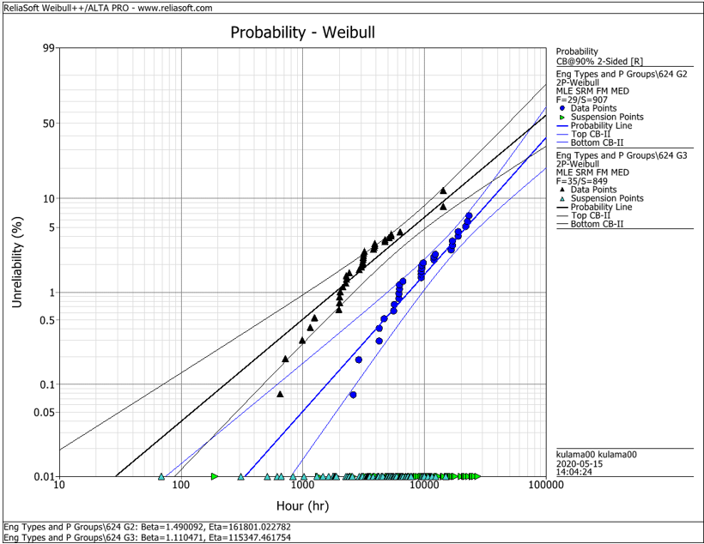
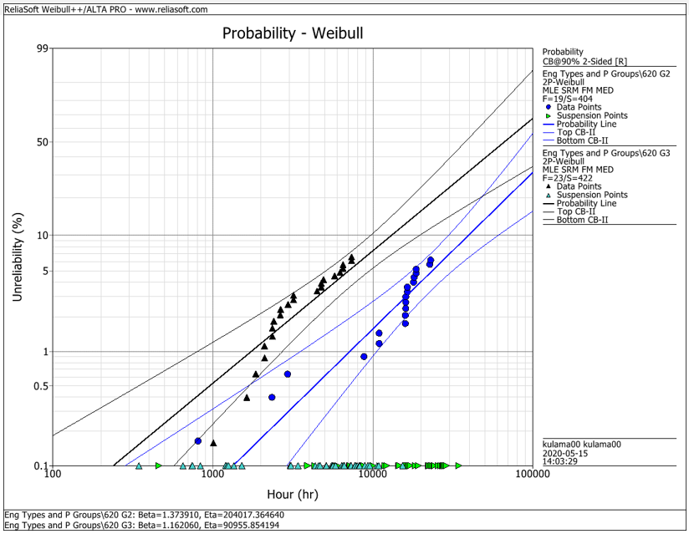
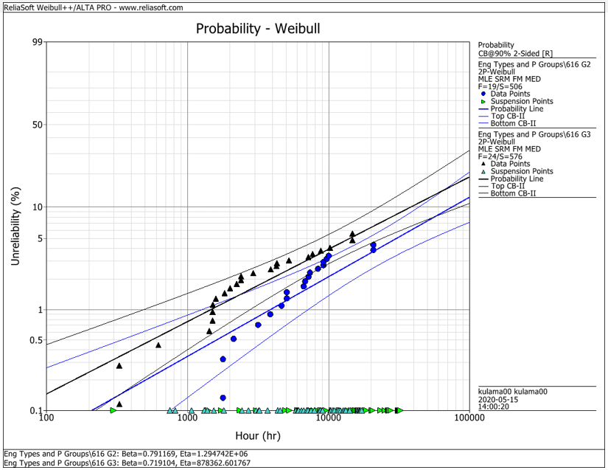
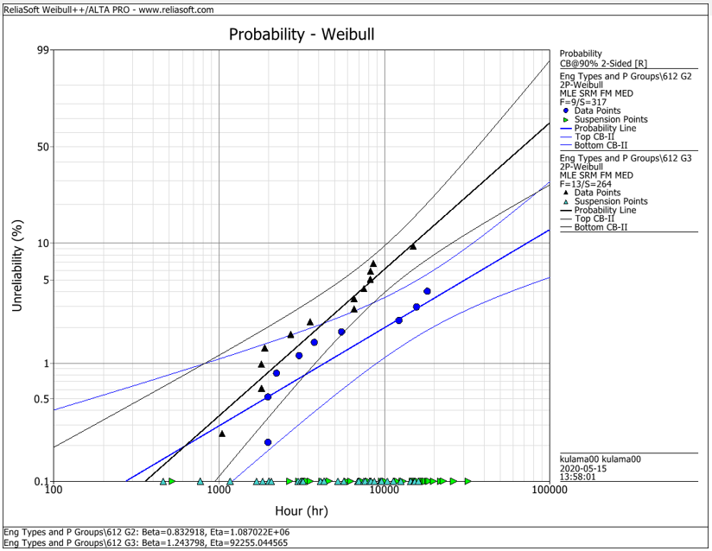
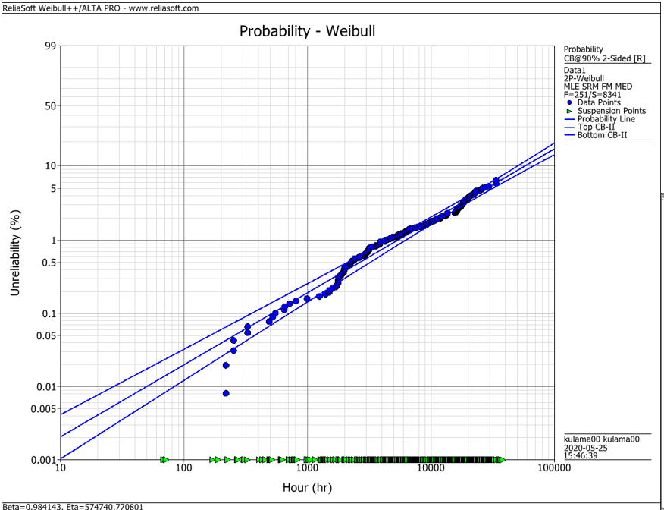
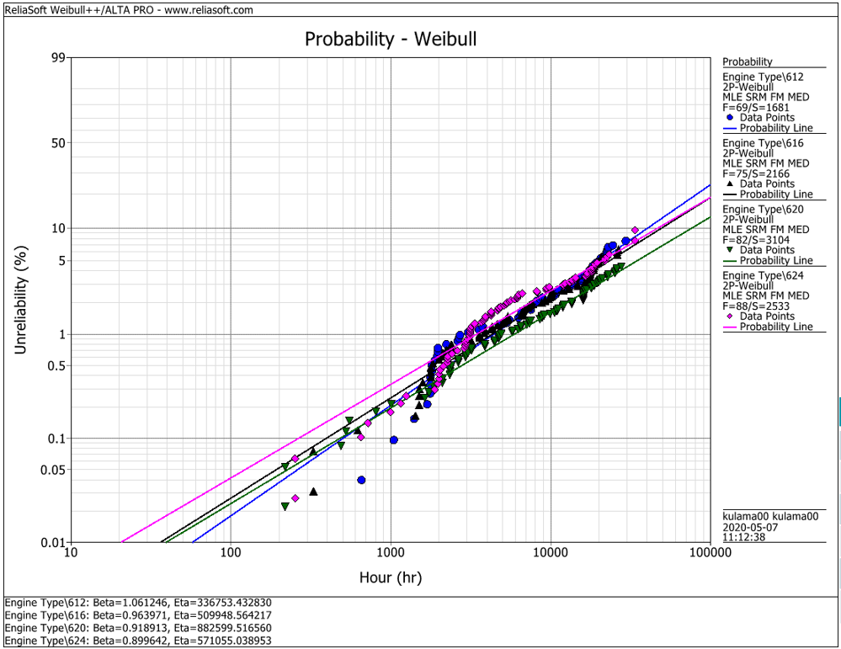
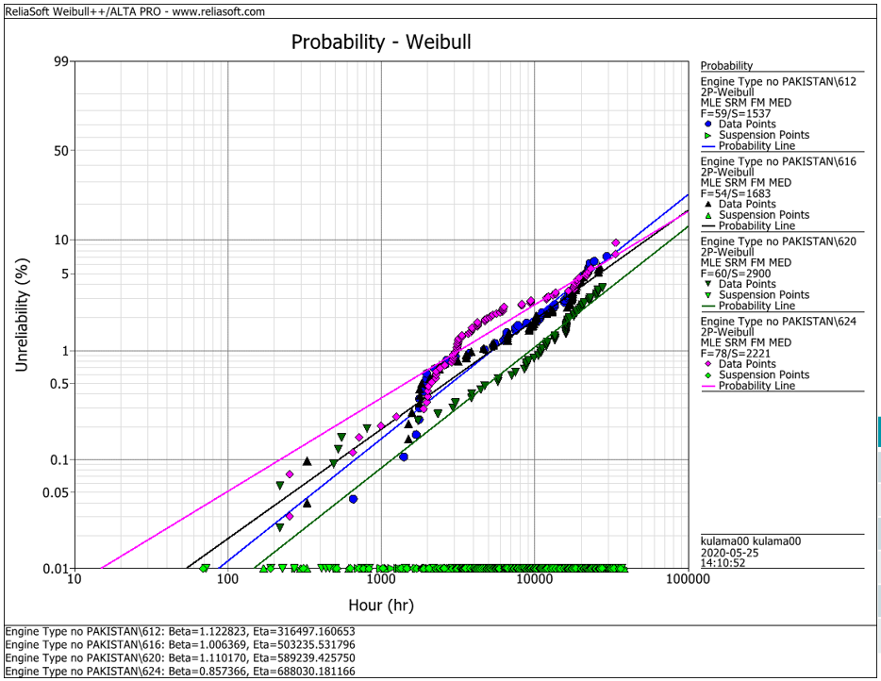
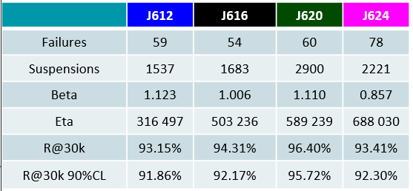
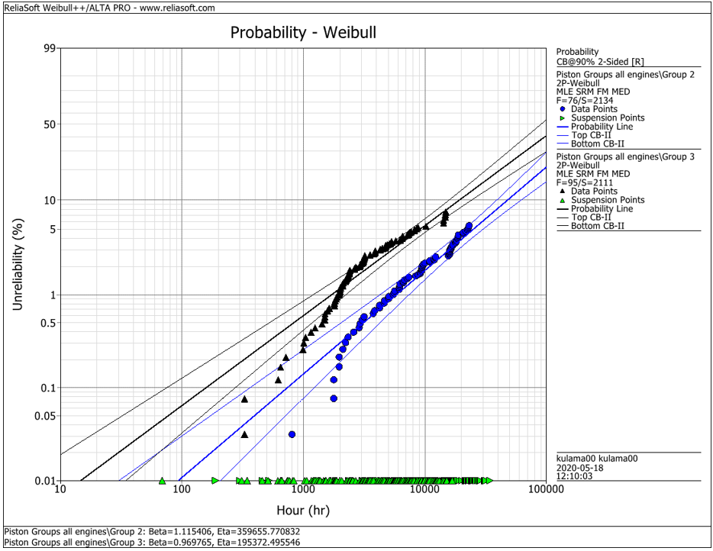
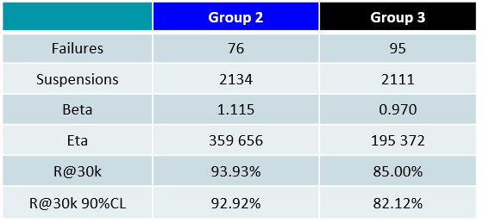
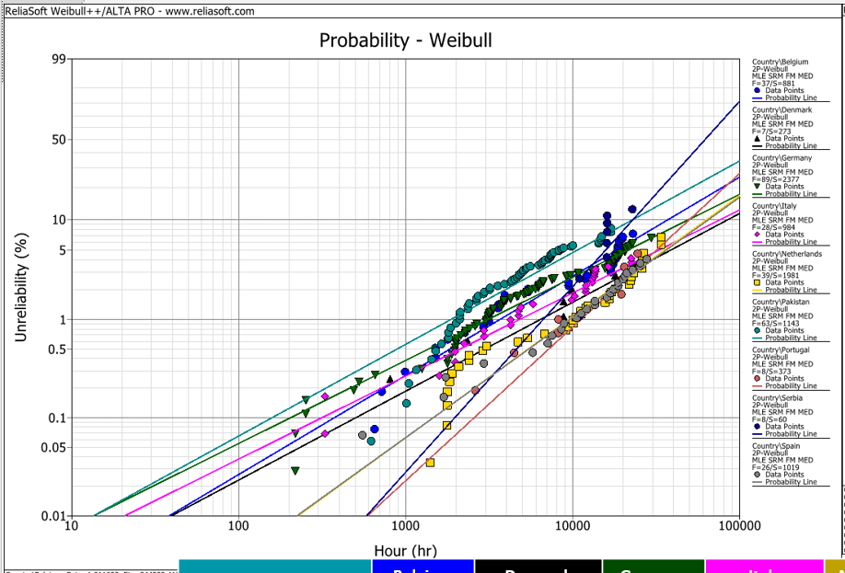
EDC Weibull Comparison
 | beta | R@30k 90%CL
G2 | 1.490 | 92.2%
G2 | 1.374 | 93.0%
G2 | 0.791 | 95.0%
G2 | 0.830 | 95.0%
G2 | 1.115 | 92.9%
G3 | 1.110 | 80.0%
G3 | 1.162 | 75.0%
G3 | 0.719 | 91.5%
G3 | 1.244 | 79.0%
G3 | 0.970 | 82.1%
all | 0.984 | 94.2%
all | 1.061 | 91.3%
all | 0.964 | 92.6%
all | 0.919 | 94.9%
all | 0.899 | 92.1%
all w/o Pak | 1.123 | 91.9%
all w/o Pak | 1.006 | 92.2%
all w/o Pak | 1.110 | 95.7%
all w/o Pak | 0.857 | 93.4%

 |  | f | s | beta | eta | R@30k 90%CL | Comment
J624 | G2 | 29 | 907 | 1.490 | 161801 | 92.2% | T23 with LKZ OCR
J620 | G2 | 19 | 404 | 1.374 | 204017 | 93.0% | T23 with LKZ OCR
J616 | G2 | 19 | 506 | 0.791 | 1294700 | 95.0% | T23 with LKZ OCR
J612 | G2 | 9 | 317 | 0.830 | 1088700 | 95.0% | T23 with LKZ OCR
J6xx | G2 | 76 | 2134 | 1.115 | 359656 | 92.9% | T23 with LKZ OCR

J624 | G3 | 35 | 849 | 1.110 | 115347 | 80.0% | T23 with flat OCR
J620 | G3 | 23 | 422 | 1.162 | 90955 | 75.0% | T23 with flat OCR
J616 | G3 | 24 | 576 | 0.719 | 878362 | 91.5% | T23 with LKZ OCR
J612 | G3 | 13 | 264 | 1.244 | 92255 | 79.0% | T23 with LKZ OCR
J6xx | G3 | 95 | 2111 | 0.970 | 195372 | 82.1% | T23 with LKZ OCR

J6xx | all | 251 | 8341 | 0.984 | 574741 | 94.2% | Source - cleaned by Maciej 2020-05_25
J612 | all | 69 | 1681 | 1.061 | 336753 | 91.3% | Source - cleaned by Maciej 2020-05_25
J616 | all | 75 | 2166 | 0.964 | 509948 | 92.6% | Source - cleaned by Maciej 2020-05_25
J620 | all | 82 | 3104 | 0.919 | 882599 | 94.9% | Source - cleaned by Maciej 2020-05_25
J624 | all | 88 | 2533 | 0.899 | 571055 | 92.1% | Source - cleaned by Maciej 2020-05_25

J612 | all w/o Pak | 59 | 1537 | 1.123 | 316497 | 91.9% | Source - cleaned by Maciej 2020-05_25
J616 | all w/o Pak | 54 | 1683 | 1.006 | 503236 | 92.2% | Source - cleaned by Maciej 2020-05_25
J620 | all w/o Pak | 60 | 2900 | 1.110 | 589239 | 95.7% | Source - cleaned by Maciej 2020-05_25
J624 | all w/o Pak | 78 | 2221 | 0.857 | 688030 | 93.4% | Source - cleaned by Maciej 2020-05_25

 |  | beta | 1.490 | max
 |  |  | 0.719 | min
 |  |  | 1.038 | mittel
 |  |  | 1.006 | median

