summary
Demonstrated Reliability
 | CLB 90% - 10% |  | CLB 90% - 10% |  | CLB 90% - 10% |  | R1 |  | R2 |  | R3 |  | today |  | R Ref |  | Weibull SR |  | Weibull G3
 | 72% | 0 | 97.0% | 0 | 95.0% | 0 | 00% | 0 | 00% | 0 | 00% | 7632 | 0.00 | 7632 | 94% | 0 | 100% | 0 | 100%
 | 72% | 229 | 97.0% | 229 | 95.0% | 229 | 00% | 229 | 00% | 229 | 08% | 7632 | 1.00 |  |  | 229 | 100% | 229 | 100%
 | 72% | 611 | 97.0% | 611 | 95.0% | 611 | 01% | 611 | 00% | 611 | 52% |  |  |  |  | 611 | 100% | 611 | 100%
 | 72% | 1145 | 97.0% | 1145 | 95.0% | 1145 | 29% | 1145 | 02% | 1145 | 83% |  |  |  |  | 1145 | 100% | 1145 | 99%
 | 72% | 1526 | 97.0% | 1526 | 95.0% | 1526 | 50% | 1526 | 10% | 1526 | 90% |  |  |  |  | 1526 | 100% | 1526 | 99%
 | 72% | 1908 | 97.0% | 1908 | 95.0% | 1908 | 62% | 1908 | 21% | 1908 | 93% |  |  |  |  | 1908 | 100% | 1908 | 99%
 | 61% | 2290 | 97.0% | 2290 | 95.0% | 2290 | 72% | 2290 | 34% | 2290 | 95% |  |  |  |  | 2290 | 100% | 2290 | 99%
 | 52% | 2671 | 97.0% | 2671 | 95.0% | 2671 | 79% | 2671 | 45% | 2671 | 96% |  |  |  |  | 2671 | 100% | 2671 | 98%
 | 43% | 3053 | 97.0% | 3053 | 95.0% | 3053 | 83% | 3053 | 54% | 3053 | 97% |  |  |  |  | 3053 | 100% | 3053 | 98%
 | 36% | 3434 | 97.0% | 3434 | 95.0% | 3434 | 86% | 3434 | 62% | 3434 | 98% |  |  |  |  | 3434 | 100% | 3434 | 98%
 | 30% | 3816 | 97.0% | 3816 | 95.0% | 3816 | 89% | 3816 | 68% | 3816 | 98% |  |  |  |  | 3816 | 100% | 3816 | 98%
 | 25% | 4198 | 97.0% | 4198 | 95.0% | 4198 | 91% | 4198 | 73% | 4198 | 99% |  |  |  |  | 4198 | 100% | 4198 | 98%
 | 21% | 4579 | 97.0% | 4579 | 95.0% | 4579 | 93% | 4579 | 78% | 4579 | 99% |  |  |  |  | 4579 | 100% | 4579 | 97%
 | 18% | 4961 | 97.0% | 4961 | 95.0% | 4961 | 94% | 4961 | 81% | 4961 | 99% |  |  |  |  | 4961 | 100% | 4961 | 97%
 | 15% | 5342 | 97.0% | 5342 | 95.0% | 5342 | 95% | 5342 | 84% | 5342 | 99% |  |  |  |  | 5342 | 100% | 5342 | 97%
 | 13% | 5724 | 97.0% | 5724 | 95.0% | 5724 | 96% | 5724 | 86% | 5724 | 99% |  |  |  |  | 5724 | 100% | 5724 | 97%
 | 11% | 6106 | 97.0% | 6106 | 95.0% | 6106 | 96% | 6106 | 88% | 6106 | 99% |  |  |  |  | 6106 | 100% | 6106 | 97%
 | 09% | 6487 | 97.0% | 6487 | 95.0% | 6487 | 97% | 6487 | 90% | 6487 | 100% |  |  |  |  | 6487 | 100% | 6487 | 96%
 | 08% | 6869 | 97.0% | 6869 | 95.0% | 6869 | 97% | 6869 | 92% | 6869 | 100% |  |  |  |  | 6869 | 100% | 6869 | 96%
 | 07% | 7250 | 97.0% | 7250 | 95.0% | 7250 | 98% | 7250 | 93% | 7250 | 100% |  |  |  |  | 7250 | 100% | 7250 | 96%
 | 06% | 7632 | 97.0% | 7632 | 95.0% | 7632 | 98% | 7632 | 94% | 7632 | 100% |  |  |  |  | 7632 | 100% | 7632 | 96%
 | 05% | 8395 | 97.0% | 8395 | 95.0% | 8395 | 98% | 8395 | 95% | 8395 | 100% |  |  |  |  | 8395 | 100% | 8395 | 95%
 | 07% | 8395 | 97.0% | 8395 | 95.0% | 8395 | 96% | 8395 | 91% | 8395 | 99% |  |  |  |  | 8395 | 100% | 8395 | 95%
 | 07% | 8777 | 97.0% | 8777 | 95.0% | 8777 | 97% | 8777 | 92% | 8777 | 99% |  |  |  |  | 8777 | 100% | 8777 | 95%
 | 06% | 9158 | 97.0% | 9158 | 95.0% | 9158 | 97% | 9158 | 93% | 9158 | 99% |  |  |  |  | 9158 | 100% | 9158 | 95%
 | 06% | 9540 | 97.0% | 9540 | 95.0% | 9540 | 97% | 9540 | 94% | 9540 | 99% |  |  |  |  | 9540 | 99% | 9540 | 95%
 | 05% | 9922 | 97.0% | 9922 | 95.0% | 9922 | 97% | 9922 | 94% | 9922 | 99% |  |  |  |  | 9922 | 99% | 9922 | 95%
 | 04% | 10685 | 97.0% | 10685 | 95.0% | 10685 | 98% | 10685 | 95% | 10685 | 99% |  |  |  |  | 10685 | 99% | 10685 | 94%
 | 05% | 10685 | 97.0% | 10685 | 95.0% | 10685 | 96% | 10685 | 93% | 10685 | 99% |  |  |  |  | 10685 | 99% | 10685 | 94%
 | 05% | 11066 | 97.0% | 11066 | 95.0% | 11066 | 97% | 11066 | 93% | 11066 | 99% |  |  |  |  | 11066 | 99% | 11066 | 94%
 | 05% | 11448 | 97.0% | 11448 | 95.0% | 11448 | 97% | 11448 | 94% | 11448 | 99% |  |  |  |  | 11448 | 99% | 11448 | 94%
 | 05% | 11830 | 97.0% | 11830 | 95.0% | 11830 | 97% | 11830 | 94% | 11830 | 99% |  |  |  |  | 11830 | 99% | 11830 | 94%
 | 04% | 12211 | 97.0% | 12211 | 95.0% | 12211 | 97% | 12211 | 95% | 12211 | 99% |  |  |  |  | 12211 | 99% | 12211 | 93%
 | 04% | 12593 | 97.0% | 12593 | 95.0% | 12593 | 97% | 12593 | 95% | 12593 | 99% |  |  |  |  | 12593 | 99% | 12593 | 93%
 | 04% | 12974 | 97.0% | 12974 | 95.0% | 12974 | 98% | 12974 | 95% | 12974 | 99% |  |  |  |  | 12974 | 99% | 12974 | 93%
 | 04% | 13356 | 97.0% | 13356 | 95.0% | 13356 | 98% | 13356 | 95% | 13356 | 99% |  |  |  |  | 13356 | 99% | 13356 | 93%
 | 03% | 13738 | 97.0% | 13738 | 95.0% | 13738 | 98% | 13738 | 96% | 13738 | 99% |  |  |  |  | 13738 | 99% | 13738 | 93%
 | 03% | 14119 | 97.0% | 14119 | 95.0% | 14119 | 98% | 14119 | 96% | 14119 | 99% |  |  |  |  | 14119 | 99% | 14119 | 92%
 | 03% | 14501 | 97.0% | 14501 | 95.0% | 14501 | 98% | 14501 | 96% | 14501 | 99% |  |  |  |  | 14501 | 99% | 14501 | 92%
 | 03% | 14882 | 97.0% | 14882 | 95.0% | 14882 | 98% | 14882 | 96% | 14882 | 99% |  |  |  |  | 14882 | 99% | 14882 | 92%
 | 03% | 15264 | 97.0% | 15264 | 95.0% | 15264 | 98% | 15264 | 96% | 15264 | 99% |  |  |  |  | 15264 | 99% | 15264 | 92%
 |  |  |  |  |  |  | Pn | 1013 | mbar | Tn | 0 | °C | 9.8 | kWh / mn3
Validation Fleet Status |  | Date | 12/21/20 |  |  |  | ETAMOT not fully plausible ?
624 | 18 |  | Cum hours | 76020
620 | 6 |  | Fl Leader | 6252
616 | 7 |  | Avg hours | 2376 |  |  |  |  |  |  |  |  |  | 0
612 | 1 |  | 2000 | 15 |  |  |  |  |  |  |  |  |  | 0
Sum Engines | 32 |  | 4000 | 4 |  |  |  |  |  |  |  |  |  | 0
Sum PU's | 676 |  | 6000 | 2 |  |  |  |  |  |  |  |  |  | 0
 |  |  |  |  |  |  |  |  |  |  |  |  |  | 0
Beta | Running | Available | Not Available | Error |  |  |  |  |  |  |  |  |  | 0
1.210 | 23 | 6 | 3 | 0 |  |  |  |  |  |  |  |  |  | 0
 |  |  |  |  |  |  |  |  |  |  |  |  |  | 0
 | T | CL | BETA | R |  |  |  |  |  |  |  |  |  | 0
R1 | 30000 | 50% | 1.210 | 98.0% |  |  |  |  |  |  |  |  |  | 0
R2 | 30000 | 90% | 1.210 | 93.5% |  |  |  |  |  |  |  |  |  | 0
R3 | 30000 | 10% | 1.210 | 99.7% |  |  |  |  |  |  |  |  |  | 0
 |  |  |  |  |  |  |  |  |  |  |  |  |  | 0
Field Validation Results vs. CTQ's |  |  |  | CTQ |  |  |  |  |  |  |  |  |  | 0
1. R(CL 50%) > 97% @ß = |  | 1.210 | 98.0% | 97% |  |  |  |  |  |  |  |  |  | 0
2. R(CL 90%) > 90% @ß = |  | 1.210 | 93.5% | 90% |  |  |  |  |  |  |  |  |  | 0
3. 4 Engines > 6000 oph |  |  | 2 | 4 |  |  |  |  |  |  |  |  |  | 0
 |  |  |  |  | 1.210 | 1.21 |  |  |  |  |  |  |  | 0
 | BR6 |  | hours s. VS | 7632 | 6252 | 6252 |  |  |  |  |  |  |  | 0
Bohrung [mm] | 190 |  | pess PU F | 8.1% | 229.5 | 229.5 |  |  |  |  |  |  |  | 0
Hub [mm] | 220 |  | pess PU F | 55 | 98.0% |  |  |  |  |  |  |  |  | 0
Validation Fleet oph
 |  |  | Date |  | Date line |  | 2000 |  | 6000 |  | 1386177 |  | 1393153 |  | 1320072 |  | 1184199 |  | 1352268 |  | 1320022 |  | 1250575
2/7/20 | 0 | 12/21/20 | 6252 | 12/21/20 | 0 | 2/7/20 | 2000 | 2/7/20 | 6000 | 2/7/20 | 0 | 2/7/20 | 0 | 2/7/20 | 0 | 2/7/20 | 0 | 2/7/20 | 0 | 2/7/20 | 0 | 2/7/20 | 0
2/16/20 | 229 |  |  | 12/21/20 | 6252 | 11/4/21 | 2000 | 11/4/21 | 6000 | 2/16/20 | 0 | 2/16/20 | 0 | 2/16/20 | 156 | 2/16/20 | 0 | 2/16/20 | 0 | 2/16/20 | 0 | 2/16/20 | 0
3/3/20 | 611 |  |  |  |  |  |  |  |  | 3/3/20 | 31 | 3/3/20 | 0 | 3/3/20 | 416 | 3/3/20 | 0 | 3/3/20 | 0 | 3/3/20 | 0 | 3/3/20 | 0
3/25/20 | 1145 |  |  |  |  |  |  |  |  | 3/25/20 | 504 | 3/25/20 | 60 | 3/25/20 | 780 | 3/25/20 | 0 | 3/25/20 | 0 | 3/25/20 | 0 | 3/25/20 | 0
4/10/20 | 1526 |  |  |  |  |  |  |  |  | 4/10/20 | 842 | 4/10/20 | 416 | 4/10/20 | 1040 | 4/10/20 | 0 | 4/10/20 | 0 | 4/10/20 | 0 | 4/10/20 | 0
4/26/20 | 1908 |  |  |  |  |  |  |  |  | 4/26/20 | 1180 | 4/26/20 | 771 | 4/26/20 | 1300 | 4/26/20 | 0 | 4/26/20 | 0 | 4/26/20 | 0 | 4/26/20 | 0
5/12/20 | 2290 |  |  |  |  |  |  |  |  | 5/12/20 | 1518 | 5/12/20 | 1126 | 5/12/20 | 1560 | 5/12/20 | 322 | 5/12/20 | 132 | 5/12/20 | 0 | 5/12/20 | 0
5/28/20 | 2671 |  |  |  |  |  |  |  |  | 5/28/20 | 1856 | 5/28/20 | 1481 | 5/28/20 | 1820 | 5/28/20 | 655 | 5/28/20 | 380 | 5/28/20 | 0 | 5/28/20 | 0
6/13/20 | 3053 |  |  |  |  |  |  |  |  | 6/13/20 | 2195 | 6/13/20 | 1837 | 6/13/20 | 2080 | 6/13/20 | 987 | 6/13/20 | 629 | 6/13/20 | 90 | 6/13/20 | 0
6/29/20 | 3434 |  |  |  |  |  |  |  |  | 6/29/20 | 2533 | 6/29/20 | 2192 | 6/29/20 | 2340 | 6/29/20 | 1320 | 6/29/20 | 878 | 6/29/20 | 367 | 6/29/20 | 242
7/15/20 | 3816 |  |  |  |  |  |  |  |  | 7/15/20 | 2871 | 7/15/20 | 2547 | 7/15/20 | 2601 | 7/15/20 | 1653 | 7/15/20 | 1127 | 7/15/20 | 643 | 7/15/20 | 515
7/30/20 | 4198 |  |  |  |  |  |  |  |  | 7/30/20 | 3209 | 7/30/20 | 2903 | 7/30/20 | 2861 | 7/30/20 | 1985 | 7/30/20 | 1376 | 7/30/20 | 919 | 7/30/20 | 788
8/15/20 | 4579 |  |  |  |  |  |  |  |  | 8/15/20 | 3547 | 8/15/20 | 3258 | 8/15/20 | 3121 | 8/15/20 | 2318 | 8/15/20 | 1625 | 8/15/20 | 1196 | 8/15/20 | 1061
8/31/20 | 4961 |  |  |  |  |  |  |  |  | 8/31/20 | 3885 | 8/31/20 | 3613 | 8/31/20 | 3381 | 8/31/20 | 2651 | 8/31/20 | 1874 | 8/31/20 | 1472 | 8/31/20 | 1334
9/16/20 | 5342 |  |  |  |  |  |  |  |  | 9/16/20 | 4223 | 9/16/20 | 3968 | 9/16/20 | 3641 | 9/16/20 | 2983 | 9/16/20 | 2123 | 9/16/20 | 1748 | 9/16/20 | 1608
10/2/20 | 5724 |  |  |  |  |  |  |  |  | 10/2/20 | 4561 | 10/2/20 | 4324 | 10/2/20 | 3901 | 10/2/20 | 3316 | 10/2/20 | 2372 | 10/2/20 | 2024 | 10/2/20 | 1881
10/18/20 | 6106 |  |  |  |  |  |  |  |  | 10/18/20 | 4900 | 10/18/20 | 4679 | 10/18/20 | 4161 | 10/18/20 | 3648 | 10/18/20 | 2621 | 10/18/20 | 2301 | 10/18/20 | 2154
11/3/20 | 6487 |  |  |  |  |  |  |  |  | 11/3/20 | 5238 | 11/3/20 | 5034 | 11/3/20 | 4421 | 11/3/20 | 3981 | 11/3/20 | 2870 | 11/3/20 | 2577 | 11/3/20 | 2427
11/19/20 | 6869 |  |  |  |  |  |  |  |  | 11/19/20 | 5576 | 11/19/20 | 5389 | 11/19/20 | 4681 | 11/19/20 | 4314 | 11/19/20 | 3119 | 11/19/20 | 2853 | 11/19/20 | 2700
12/5/20 | 7250 |  |  |  |  |  |  |  |  | 12/5/20 | 5914 | 12/5/20 | 5745 | 12/5/20 | 4941 | 12/5/20 | 4646 | 12/5/20 | 3368 | 12/5/20 | 3130 | 12/5/20 | 2973
12/21/20 | 7632 |  |  |  |  |  |  |  |  | 12/21/20 | 6252 | 12/21/20 | 6100 | 12/21/20 | 5201 | 12/21/20 | 4979 | 12/21/20 | 3617 | 12/21/20 | 3406 | 12/21/20 | 3246
1/21/21 | 8395 |  |  |  |  |  |  |  |  | 1/21/21 | 6928 | 1/21/21 | 6811 | 1/21/21 | 5721 | 1/21/21 | 5644 | 1/21/21 | 4115 | 1/21/21 | 3959 | 1/21/21 | 3792
1/21/21 | 8395 |  |  |  |  |  |  |  |  | 1/21/21 | 6928 | 1/21/21 | 6811 | 1/21/21 | 5721 | 1/21/21 | 5644 | 1/21/21 | 4115 | 1/21/21 | 3959 | 1/21/21 | 3792
2/6/21 | 8777 |  |  |  |  |  |  |  |  | 2/6/21 | 7266 | 2/6/21 | 7166 | 2/6/21 | 5981 | 2/6/21 | 5977 | 2/6/21 | 4364 | 2/6/21 | 4235 | 2/6/21 | 4065
2/22/21 | 9158 |  |  |  |  |  |  |  |  | 2/22/21 | 7604 | 2/22/21 | 7521 | 2/22/21 | 6241 | 2/22/21 | 6310 | 2/22/21 | 4613 | 2/22/21 | 4511 | 2/22/21 | 4338
3/10/21 | 9540 |  |  |  |  |  |  |  |  | 3/10/21 | 7943 | 3/10/21 | 7876 | 3/10/21 | 6501 | 3/10/21 | 6642 | 3/10/21 | 4862 | 3/10/21 | 4788 | 3/10/21 | 4611
3/26/21 | 9922 |  |  |  |  |  |  |  |  | 3/26/21 | 8281 | 3/26/21 | 8232 | 3/26/21 | 6761 | 3/26/21 | 6975 | 3/26/21 | 5111 | 3/26/21 | 5064 | 3/26/21 | 4884
4/27/21 | 10685 |  |  |  |  |  |  |  |  | 4/27/21 | 8957 | 4/27/21 | 8942 | 4/27/21 | 7281 | 4/27/21 | 7640 | 4/27/21 | 5609 | 4/27/21 | 5616 | 4/27/21 | 5431
4/27/21 | 10685 |  |  |  |  |  |  |  |  | 4/27/21 | 8957 | 4/27/21 | 8942 | 4/27/21 | 7281 | 4/27/21 | 7640 | 4/27/21 | 5609 | 4/27/21 | 5616 | 4/27/21 | 5431
5/13/21 | 11066 |  |  |  |  |  |  |  |  | 5/13/21 | 9295 | 5/13/21 | 9297 | 5/13/21 | 7541 | 5/13/21 | 7973 | 5/13/21 | 5858 | 5/13/21 | 5893 | 5/13/21 | 5704
5/29/21 | 11448 |  |  |  |  |  |  |  |  | 5/29/21 | 9633 | 5/29/21 | 9653 | 5/29/21 | 7802 | 5/29/21 | 8305 | 5/29/21 | 6107 | 5/29/21 | 6169 | 5/29/21 | 5977
6/13/21 | 11830 |  |  |  |  |  |  |  |  | 6/13/21 | 9971 | 6/13/21 | 10008 | 6/13/21 | 8062 | 6/13/21 | 8638 | 6/13/21 | 6356 | 6/13/21 | 6445 | 6/13/21 | 6250
6/29/21 | 12211 |  |  |  |  |  |  |  |  | 6/29/21 | 10309 | 6/29/21 | 10363 | 6/29/21 | 8322 | 6/29/21 | 8971 | 6/29/21 | 6605 | 6/29/21 | 6722 | 6/29/21 | 6523
7/15/21 | 12593 |  |  |  |  |  |  |  |  | 7/15/21 | 10648 | 7/15/21 | 10719 | 7/15/21 | 8582 | 7/15/21 | 9303 | 7/15/21 | 6854 | 7/15/21 | 6998 | 7/15/21 | 6796
7/31/21 | 12974 |  |  |  |  |  |  |  |  | 7/31/21 | 10986 | 7/31/21 | 11074 | 7/31/21 | 8842 | 7/31/21 | 9636 | 7/31/21 | 7102 | 7/31/21 | 7274 | 7/31/21 | 7069
8/16/21 | 13356 |  |  |  |  |  |  |  |  | 8/16/21 | 11324 | 8/16/21 | 11429 | 8/16/21 | 9102 | 8/16/21 | 9968 | 8/16/21 | 7351 | 8/16/21 | 7551 | 8/16/21 | 7342
9/1/21 | 13738 |  |  |  |  |  |  |  |  | 9/1/21 | 11662 | 9/1/21 | 11784 | 9/1/21 | 9362 | 9/1/21 | 10301 | 9/1/21 | 7600 | 9/1/21 | 7827 | 9/1/21 | 7615
9/17/21 | 14119 |  |  |  |  |  |  |  |  | 9/17/21 | 12000 | 9/17/21 | 12140 | 9/17/21 | 9622 | 9/17/21 | 10634 | 9/17/21 | 7849 | 9/17/21 | 8103 | 9/17/21 | 7888
10/3/21 | 14501 |  |  |  |  |  |  |  |  | 10/3/21 | 12338 | 10/3/21 | 12495 | 10/3/21 | 9882 | 10/3/21 | 10966 | 10/3/21 | 8098 | 10/3/21 | 8379 | 10/3/21 | 8161
10/19/21 | 14882 |  |  |  |  |  |  |  |  | 10/19/21 | 12676 | 10/19/21 | 12850 | 10/19/21 | 10142 | 10/19/21 | 11299 | 10/19/21 | 8347 | 10/19/21 | 8656 | 10/19/21 | 8434
11/4/21 | 15264 |  |  |  |  |  |  |  |  | 11/4/21 | 13014 | 11/4/21 | 13205 | 11/4/21 | 10402 | 11/4/21 | 11632 | 11/4/21 | 8596 | 11/4/21 | 8932 | 11/4/21 | 8708
VH zyl [dm3] | 6.24 |  | like PU F | 2.0% | 157732 | 1363051.7472 |  |  |  |  |  |  |  | 0
 |  |  | like PU F | 13 | 87.4% |  |  |  |  |  |  |  |  | 0
 |  |  |  | 2225.1147464 | 12.56% | 0.15% |  |  |  |  |  |  |  | 0
 |  |  |  |  | 28.83 | 1.0001 |  |  |  |  |  |  |  | 0
Engines | ~ BMP Avg | z | VH [dm3] | etael |  |  |  |  |  |  |  |  |  | 0
624 | 24.2 | 24 | 149.7 | 98.1% |  |  |  |  |  |  |  |  |  | 0
620 | 22.0 | 20 | 124.8 | 98.0% |  |  |  |  |  |  |  |  |  | 0
616 | 22.0 | 16 | 99.8 | 97.6% |  |  |  |  |  |  |  |  |  | 0
612 | 22.0 | 12 | 74.9 | 98.6% |  |  |  |  |  |  |  |  |  | 0
 |  |  |  |  |  |  |  |  |  |  |  |  |  | 0
BMEP Avg | BMEP Min | BMEP Max | NOX | MN | Version | #
24.3 | 24.0 | 24.5 | 500 | 80 | K01 | 3
24.3 | 24.0 | 24.5 | 500 | 80 | H01 | 12
24.0 | 24.0 | 24.0 | 250 | 80 | H02 | 1
 | 0.0 | 0.0 | 500 | 70 | H101 | 0
24.5 | 24.5 | 24.5 | 250 | 70 | H12 | 1
22.0 | 22.0 | 22.0 | 500 | 80 | F01 | 5
22.0 | 22.0 | 22.0 | 500 | 80 | J01 | 2
22.0 | 22.0 | 22.0 | 500 | 70 | J101 | 1
22.0 | 22.0 | 22.0 | 500 | 70 | J11 | 1
22.0 | 22.0 | 22.0 | 500 | 70 | F11 | 1
22.0 | 22.0 | 22.0 | 250 | 70 | F12 | 1
22.0 | 22.0 | 22.0 | 250 | 70 | J12 | 3
22.9 | 22.9 | 22.9 | 500 | 80 | K505 | 1
 |  |  |  |  |  | 32

ndReliaCalc2
 | Data Date | 2020-12-21 22:03:27
 | Val Start | 2020-02-07
 | Val Period (days) | 318
 | Beta (R2) | 1.21

 |  |  |  | 2000h line | 2000 | 2000
 |  |  |  |  | 2019-05-01 | 2021-12-31
 |  |  |  | 6000h line | 6000 | 6000
 |  |  |  |  | 2019-05-01 | 2021-12-31

 |  |  |  |  |  |  |  | R1 failures | 0 | 0 | 0 | 0 | 0 | 0 | 0 | 0 | 0 | 0 | 0 | 0 | 0 | 0 | 0 | 0 | 0 | 0 | 0 | 0 | 0 | 0 | 1 | 1 | 1 | 1 | 1 | 1 | 2 | 2 | 2 | 2 | 2 | 2 | 2 | 2 | 2 | 2 | 2 | 2 | 2
 |  |  |  |  |  |  |  | R2 failures | 0 | 0 | 0 | 0 | 0 | 0 | 0 | 0 | 0 | 0 | 0 | 0 | 0 | 0 | 0 | 0 | 0 | 0 | 0 | 0 | 0 | 0 | 1 | 1 | 1 | 1 | 1 | 1 | 2 | 2 | 2 | 2 | 2 | 2 | 2 | 2 | 2 | 2 | 2 | 2 | 2
 |  |  |  | f1 | 2020-12-11 22:03:27 | 0 | 97% | 308 | 0 | 0 | 0 | 0 | 0 | 0 | 0 | 0 | 0 | 0 | 0 | 0 | 0 | 0 | 0 | 0 | 0 | 0 | 0 | 0 | 0 | 0 | 0 | 0 | 0 | 0 | 0 | 0 | 0 | 0 | 0 | 0 | 0 | 0 | 0 | 0 | 0 | 0 | 0 | 0 | 0
 |  |  |  | f2 | 2021-01-20 22:03:27 | 1 | 109% | 348 | 0 | 0 | 0 | 0 | 0 | 0 | 0 | 0 | 0 | 0 | 0 | 0 | 0 | 0 | 0 | 0 | 0 | 0 | 0 | 0 | 0 | 0 | 1 | 1 | 1 | 1 | 1 | 1 | 1 | 1 | 1 | 1 | 1 | 1 | 1 | 1 | 1 | 1 | 1 | 1 | 1
 |  |  |  | f3 | 2020-11-20 22:03:27 | 0 | 90% | 287 | 0 | 0 | 0 | 0 | 0 | 0 | 0 | 0 | 0 | 0 | 0 | 0 | 0 | 0 | 0 | 0 | 0 | 0 | 0 | 0 | 0 | 0 | 0 | 0 | 0 | 0 | 0 | 0 | 0 | 0 | 0 | 0 | 0 | 0 | 0 | 0 | 0 | 0 | 0 | 0 | 0
 |  |  |  | f4 | 2020-08-19 22:03:27 | 0 | 61% | 194 | 0 | 0 | 0 | 0 | 0 | 0 | 0 | 0 | 0 | 0 | 0 | 0 | 0 | 0 | 0 | 0 | 0 | 0 | 0 | 0 | 0 | 0 | 0 | 0 | 0 | 0 | 0 | 0 | 0 | 0 | 0 | 0 | 0 | 0 | 0 | 0 | 0 | 0 | 0 | 0 | 0
 |  |  |  | f5 | 2021-04-24 22:03:27 | 1 | 139% | 442 | 0 | 0 | 0 | 0 | 0 | 0 | 0 | 0 | 0 | 0 | 0 | 0 | 0 | 0 | 0 | 0 | 0 | 0 | 0 | 0 | 0 | 0 | 0 | 0 | 0 | 0 | 0 | 0 | 1 | 1 | 1 | 1 | 1 | 1 | 1 | 1 | 1 | 1 | 1 | 1 | 1
 |  |  |  | f6 | 2021-06-25 22:03:27 | 0 | 158% | 504 | 0 | 0 | 0 | 0 | 0 | 0 | 0 | 0 | 0 | 0 | 0 | 0 | 0 | 0 | 0 | 0 | 0 | 0 | 0 | 0 | 0 | 0 | 0 | 0 | 0 | 0 | 0 | 0 | 0 | 0 | 0 | 0 | 0 | 0 | 0 | 0 | 0 | 0 | 0 | 0 | 0
 |  |  |  | f7 | 0 | 0 | -13795% | -43868 | 0 | 0 | 0 | 0 | 0 | 0 | 0 | 0 | 0 | 0 | 0 | 0 | 0 | 0 | 0 | 0 | 0 | 0 | 0 | 0 | 0 | 0 | 0 | 0 | 0 | 0 | 0 | 0 | 0 | 0 | 0 | 0 | 0 | 0 | 0 | 0 | 0 | 0 | 0 | 0 | 0
 |  |  |  | f8 | 0 | 0 | -13795% | -43868 | 0 | 0 | 0 | 0 | 0 | 0 | 0 | 0 | 0 | 0 | 0 | 0 | 0 | 0 | 0 | 0 | 0 | 0 | 0 | 0 | 0 | 0 | 0 | 0 | 0 | 0 | 0 | 0 | 0 | 0 | 0 | 0 | 0 | 0 | 0 | 0 | 0 | 0 | 0 | 0 | 0
 |  |  |  | f9 | 0 | 0 | -13795% | -43868 | 0 | 0 | 0 | 0 | 0 | 0 | 0 | 0 | 0 | 0 | 0 | 0 | 0 | 0 | 0 | 0 | 0 | 0 | 0 | 0 | 0 | 0 | 0 | 0 | 0 | 0 | 0 | 0 | 0 | 0 | 0 | 0 | 0 | 0 | 0 | 0 | 0 | 0 | 0 | 0 | 0
 |  |  |  | f10 | 0 | 0 | -13795% | -43868 | 0 | 0 | 0 | 0 | 0 | 0 | 0 | 0 | 0 | 0 | 0 | 0 | 0 | 0 | 0 | 0 | 0 | 0 | 0 | 0 | 0 | 0 | 0 | 0 | 0 | 0 | 0 | 0 | 0 | 0 | 0 | 0 | 0 | 0 | 0 | 0 | 0 | 0 | 0 | 0 | 0
 |  |  |  | f11 | 0 | 0 | -13795% | -43868 | 0 | 0 | 0 | 0 | 0 | 0 | 0 | 0 | 0 | 0 | 0 | 0 | 0 | 0 | 0 | 0 | 0 | 0 | 0 | 0 | 0 | 0 | 0 | 0 | 0 | 0 | 0 | 0 | 0 | 0 | 0 | 0 | 0 | 0 | 0 | 0 | 0 | 0 | 0 | 0 | 0
 |  |  |  | f12 | 0 | 0 | -13795% | -43868 | 0 | 0 | 0 | 0 | 0 | 0 | 0 | 0 | 0 | 0 | 0 | 0 | 0 | 0 | 0 | 0 | 0 | 0 | 0 | 0 | 0 | 0 | 0 | 0 | 0 | 0 | 0 | 0 | 0 | 0 | 0 | 0 | 0 | 0 | 0 | 0 | 0 | 0 | 0 | 0 | 0
 |  |  |  | f13 | 0 | 0 | -13795% | -43868 | 0 | 0 | 0 | 0 | 0 | 0 | 0 | 0 | 0 | 0 | 0 | 0 | 0 | 0 | 0 | 0 | 0 | 0 | 0 | 0 | 0 | 0 | 0 | 0 | 0 | 0 | 0 | 0 | 0 | 0 | 0 | 0 | 0 | 0 | 0 | 0 | 0 | 0 | 0 | 0 | 0
 |  |  |  | f14 | 0 | 0 | -13795% | -43868 | 0 | 0 | 0 | 0 | 0 | 0 | 0 | 0 | 0 | 0 | 0 | 0 | 0 | 0 | 0 | 0 | 0 | 0 | 0 | 0 | 0 | 0 | 0 | 0 | 0 | 0 | 0 | 0 | 0 | 0 | 0 | 0 | 0 | 0 | 0 | 0 | 0 | 0 | 0 | 0 | 0
 |  |  |  | f15 | 0 | 0 | -13795% | -43868 | 0 | 0 | 0 | 0 | 0 | 0 | 0 | 0 | 0 | 0 | 0 | 0 | 0 | 0 | 0 | 0 | 0 | 0 | 0 | 0 | 0 | 0 | 0 | 0 | 0 | 0 | 0 | 0 | 0 | 0 | 0 | 0 | 0 | 0 | 0 | 0 | 0 | 0 | 0 | 0 | 0
 |  |  |  | f16 | 0 | 0 | -13795% | -43868 | 0 | 0 | 0 | 0 | 0 | 0 | 0 | 0 | 0 | 0 | 0 | 0 | 0 | 0 | 0 | 0 | 0 | 0 | 0 | 0 | 0 | 0 | 0 | 0 | 0 | 0 | 0 | 0 | 0 | 0 | 0 | 0 | 0 | 0 | 0 | 0 | 0 | 0 | 0 | 0 | 0
 |  |  |  | f17 | 0 | 0 | -13795% | -43868 | 0 | 0 | 0 | 0 | 0 | 0 | 0 | 0 | 0 | 0 | 0 | 0 | 0 | 0 | 0 | 0 | 0 | 0 | 0 | 0 | 0 | 0 | 0 | 0 | 0 | 0 | 0 | 0 | 0 | 0 | 0 | 0 | 0 | 0 | 0 | 0 | 0 | 0 | 0 | 0 | 0
 |  |  |  | f18 | 0 | 0 | -13795% | -43868 | 0 | 0 | 0 | 0 | 0 | 0 | 0 | 0 | 0 | 0 | 0 | 0 | 0 | 0 | 0 | 0 | 0 | 0 | 0 | 0 | 0 | 0 | 0 | 0 | 0 | 0 | 0 | 0 | 0 | 0 | 0 | 0 | 0 | 0 | 0 | 0 | 0 | 0 | 0 | 0 | 0
 |  |  |  | f19 | 0 | 0 | -13795% | -43868 | 0 | 0 | 0 | 0 | 0 | 0 | 0 | 0 | 0 | 0 | 0 | 0 | 0 | 0 | 0 | 0 | 0 | 0 | 0 | 0 | 0 | 0 | 0 | 0 | 0 | 0 | 0 | 0 | 0 | 0 | 0 | 0 | 0 | 0 | 0 | 0 | 0 | 0 | 0 | 0 | 0
 |  |  |  | f20 | 0 | 0 | -13795% | -43868 | 0 | 0 | 0 | 0 | 0 | 0 | 0 | 0 | 0 | 0 | 0 | 0 | 0 | 0 | 0 | 0 | 0 | 0 | 0 | 0 | 0 | 0 | 0 | 0 | 0 | 0 | 0 | 0 | 0 | 0 | 0 | 0 | 0 | 0 | 0 | 0 | 0 | 0 | 0 | 0 | 0
 |  |  |  | f21 | 0 | 0 | -13795% | -43868 | 0 | 0 | 0 | 0 | 0 | 0 | 0 | 0 | 0 | 0 | 0 | 0 | 0 | 0 | 0 | 0 | 0 | 0 | 0 | 0 | 0 | 0 | 0 | 0 | 0 | 0 | 0 | 0 | 0 | 0 | 0 | 0 | 0 | 0 | 0 | 0 | 0 | 0 | 0 | 0 | 0
 |  |  |  | f22 | 0 | 0 | -13795% | -43868 | 0 | 0 | 0 | 0 | 0 | 0 | 0 | 0 | 0 | 0 | 0 | 0 | 0 | 0 | 0 | 0 | 0 | 0 | 0 | 0 | 0 | 0 | 0 | 0 | 0 | 0 | 0 | 0 | 0 | 0 | 0 | 0 | 0 | 0 | 0 | 0 | 0 | 0 | 0 | 0 | 0
 |  |  |  | f23 | 0 | 0 | -13795% | -43868 | 0 | 0 | 0 | 0 | 0 | 0 | 0 | 0 | 0 | 0 | 0 | 0 | 0 | 0 | 0 | 0 | 0 | 0 | 0 | 0 | 0 | 0 | 0 | 0 | 0 | 0 | 0 | 0 | 0 | 0 | 0 | 0 | 0 | 0 | 0 | 0 | 0 | 0 | 0 | 0 | 0
 |  |  |  | f24 | 0 | 0 | -13795% | -43868 | 0 | 0 | 0 | 0 | 0 | 0 | 0 | 0 | 0 | 0 | 0 | 0 | 0 | 0 | 0 | 0 | 0 | 0 | 0 | 0 | 0 | 0 | 0 | 0 | 0 | 0 | 0 | 0 | 0 | 0 | 0 | 0 | 0 | 0 | 0 | 0 | 0 | 0 | 0 | 0 | 0
 |  |  |  | f25 | 0 | 0 | -13795% | -43868 | 0 | 0 | 0 | 0 | 0 | 0 | 0 | 0 | 0 | 0 | 0 | 0 | 0 | 0 | 0 | 0 | 0 | 0 | 0 | 0 | 0 | 0 | 0 | 0 | 0 | 0 | 0 | 0 | 0 | 0 | 0 | 0 | 0 | 0 | 0 | 0 | 0 | 0 | 0 | 0 | 0 | 2
 |  |  |  |  |  | Sum failures |  |  | 0 | 0 | 0 | 0 | 0 | 0 | 0 | 0 | 0 | 0 | 0 | 0 | 0 | 0 | 0 | 0 | 0 | 0 | 0 | 0 | 0 | 0 | 1 | 1 | 1 | 1 | 1 | 1 | 2 | 2 | 2 | 2 | 2 | 2 | 2 | 2 | 2 | 2 | 2 | 2 | 2
 |  |  |  |  |  | Input |  |  | 0% | 3% | 8% | 15% | 20% | 25% | 30% | 35% | 40% | 45% | 50% | 55% | 60% | 65% | 70% | 75% | 80% | 85% | 90% | 95% | 100% | 105% | 110% | 115% | 120% | 125% | 130% | 135% | 140% | 145% | 150% | 155% | 160% | 165% | 170% | 175% | 180% | 185% | 190% | 195% | 200%
 |  |  |  |  |  | calc % for diagram (failures) |  |  | 0% | 3% | 8% | 15% | 20% | 25% | 30% | 35% | 40% | 45% | 50% | 55% | 60% | 65% | 70% | 75% | 80% | 85% | 90% | 95% | 100% | 110% | 110% | 115% | 120% | 125% | 130% | 140% | 140% | 145% | 150% | 155% | 160% | 165% | 170% | 175% | 180% | 185% | 190% | 195% | 200%
 |  |  |  |  |  | Val test Time % |  |  | 0% | 3% | 8% | 15% | 20% | 25% | 30% | 35% | 40% | 45% | 50% | 55% | 60% | 65% | 70% | 75% | 80% | 85% | 90% | 95% | 100% | 110% | 110% | 115% | 120% | 125% | 130% | 140% | 140% | 145% | 150% | 155% | 160% | 165% | 170% | 175% | 180% | 185% | 190% | 195% | 200%
 |  |  |  |  |  | days |  |  | 0.0 | 9.5 | 25.4 | 47.7 | 63.6 | 79.5 | 95.4 | 111.3 | 127.2 | 143.1 | 159.0 | 174.9 | 190.8 | 206.7 | 222.6 | 238.5 | 254.4 | 270.3 | 286.2 | 302.1 | 318.0 | 349.8 | 349.8 | 365.7 | 381.6 | 397.5 | 413.4 | 445.2 | 445.2 | 461.1 | 477.0 | 492.9 | 508.8 | 524.7 | 540.6 | 556.5 | 572.4 | 588.3 | 604.2 | 620.1 | 636.0
 |  |  |  |  |  |  |  |  | 0.00 | 1.00 |  | R Ref | 93.5% |  | R HRS | 6252
 |  |  |  |  |  |  |  | today | 7632 | 7632 |  | 2020-12-21 | 7632 |  | 2020-12-21 | 7632
 |  |  |  |  |  | CLB 90% - 10% |  |  | 72.2% | 72.2% | 72.2% | 72.2% | 72.2% | 72.2% | 61.5% | 51.5% | 43.5% | 36.2% | 30.2% | 25.2% | 21.3% | 18.0% | 15.2% | 13.0% | 11.1% | 9.4% | 8.1% | 7.0% | 6.2% | 4.9% | 7.3% | 6.6% | 6.1% | 5.6% | 5.1% | 4.4% | 5.5% | 5.1% | 4.8% | 4.5% | 4.3% | 4.1% | 3.9% | 3.7% | 3.5% | 3.3% | 3.2% | 3.1% | 2.9%
 |  |  |  |  |  |  | R | 97.0% | 97.0% | 97.0% | 97.0% | 97.0% | 97.0% | 97.0% | 97.0% | 97.0% | 97.0% | 97.0% | 97.0% | 97.0% | 97.0% | 97.0% | 97.0% | 97.0% | 97.0% | 97.0% | 97.0% | 97.0% | 97.0% | 97.0% | 97.0% | 97.0% | 97.0% | 97.0% | 97.0% | 97.0% | 97.0% | 97.0% | 97.0% | 97.0% | 97.0% | 97.0% | 97.0% | 97.0% | 97.0% | 97.0% | 97.0% | 97.0% | 97.0%
 |  |  |  |  |  |  | R | 95.0% | 95.0% | 95.0% | 95.0% | 95.0% | 95.0% | 95.0% | 95.0% | 95.0% | 95.0% | 95.0% | 95.0% | 95.0% | 95.0% | 95.0% | 95.0% | 95.0% | 95.0% | 95.0% | 95.0% | 95.0% | 95.0% | 95.0% | 95.0% | 95.0% | 95.0% | 95.0% | 95.0% | 95.0% | 95.0% | 95.0% | 95.0% | 95.0% | 95.0% | 95.0% | 95.0% | 95.0% | 95.0% | 95.0% | 95.0% | 95.0% | 95.0%
 |  |  |  |  | Weibull G3 | R | alpha | beta
 |  |  |  |  | R | 85.0% | 195372 | 0.97 | 100.0% | 99.9% | 99.6% | 99.3% | 99.1% | 98.9% | 98.7% | 98.5% | 98.2% | 98.0% | 97.8% | 97.6% | 97.4% | 97.2% | 97.0% | 96.8% | 96.6% | 96.4% | 96.2% | 96.0% | 95.8% | 95.4% | 95.4% | 95.2% | 95.0% | 94.8% | 94.6% | 94.2% | 94.2% | 94.0% | 93.8% | 93.6% | 93.4% | 93.2% | 93.0% | 92.9% | 92.7% | 92.5% | 92.3% | 92.1% | 91.9%
 |  |  |  |  | Weibull SR | R | alpha | beta
 |  |  |  |  | 30000 | 98.0% | 756167 | 1.21 | 100.0% | 100.0% | 100.0% | 100.0% | 99.9% | 99.9% | 99.9% | 99.9% | 99.9% | 99.9% | 99.8% | 99.8% | 99.8% | 99.8% | 99.8% | 99.7% | 99.7% | 99.7% | 99.7% | 99.6% | 99.6% | 99.6% | 99.6% | 99.5% | 99.5% | 99.5% | 99.5% | 99.4% | 99.4% | 99.4% | 99.4% | 99.3% | 99.3% | 99.3% | 99.3% | 99.2% | 99.2% | 99.2% | 99.2% | 99.1% | 99.1%
 |  |  |  |  | R1 | 30000 | 50% | 1.21 |  | 0.0% | 1.3% | 29.2% | 49.8% | 62.4% | 72.1% | 78.6% | 82.9% | 86.4% | 89.1% | 91.1% | 92.6% | 93.9% | 94.9% | 95.7% | 96.3% | 96.9% | 97.4% | 97.7% | 98.0% | 98.4% | 96.2% | 96.6% | 96.9% | 97.2% | 97.4% | 97.7% | 96.4% | 96.7% | 96.9% | 97.1% | 97.2% | 97.4% | 97.5% | 97.6% | 97.8% | 97.9% | 98.0% | 98.0% | 98.1%
 |  |  |  |  | R2 | 30000 | 90% | 1.21 |  | 0.0% | 0.0% | 1.7% | 9.9% | 20.9% | 33.7% | 44.9% | 53.7% | 61.6% | 68.0% | 73.4% | 77.6% | 81.1% | 84.0% | 86.4% | 88.4% | 90.1% | 91.5% | 92.6% | 93.5% | 94.9% | 91.5% | 92.3% | 93.0% | 93.5% | 94.0% | 94.9% | 93.0% | 93.5% | 93.9% | 94.2% | 94.6% | 94.9% | 95.1% | 95.4% | 95.6% | 95.8% | 96.0% | 96.1% | 96.3%
 |  |  |  |  | R3 | 30000 | 10% | 1.21 |  | 7.8% | 51.9% | 83.0% | 89.9% | 93.1% | 95.1% | 96.4% | 97.2% | 97.8% | 98.3% | 98.6% | 98.8% | 99.0% | 99.2% | 99.3% | 99.4% | 99.5% | 99.6% | 99.7% | 99.7% | 99.8% | 98.8% | 98.9% | 99.0% | 99.1% | 99.2% | 99.3% | 98.5% | 98.6% | 98.7% | 98.8% | 98.8% | 98.9% | 99.0% | 99.0% | 99.1% | 99.1% | 99.2% | 99.2% | 99.2%
 |  |  |  |  | R4 | 30000 | 90% | 1.21 |  | 0.0% | 0.0% | 1.7% | 9.9% | 20.9% | 33.7% | 44.9% | 53.7% | 61.6% | 68.0% | 73.4% | 77.6% | 81.1% | 84.0% | 86.4% | 88.4% | 90.1% | 91.5% | 92.6% | 93.5% | 94.9% | 91.5% | 92.3% | 93.0% | 93.5% | 94.0% | 94.9% | 93.0% | 93.5% | 93.9% | 94.2% | 94.6% | 94.9% | 95.1% | 95.4% | 95.6% | 95.8% | 96.0% | 96.1% | 96.3%
 |  |  |  |  | nL |  |  | 1.21 |  | 24.0 | 28.4 | 46.6 | 58.1 | 65.6 | 75.7 | 83.3 | 87.8 | 94.6 | 102.2 | 111.2 | 120.1 | 130.1 | 141.5 | 153.4 | 166.8 | 183.1 | 199.2 | 214.7 | 229.5 | 256.7 | 256.7 | 268.9 | 280.2 | 290.6 | 300.3 | 317.8 | 317.8 | 325.6 | 332.2 | 338.4 | 344.3 | 349.8 | 354.9 | 359.8 | 364.3 | 368.7 | 372.7 | 376.6 | 380.3
 |  |  |  |  |  |  |  |  | 0 | 229 | 611 | 1145 | 1526 | 1908 | 2290 | 2671 | 3053 | 3434 | 3816 | 4198 | 4579 | 4961 | 5342 | 5724 | 6106 | 6487 | 6869 | 7250 | 7632 | 8395 | 8395 | 8777 | 9158 | 9540 | 9922 | 10685 | 10685 | 11066 | 11448 | 11830 | 12211 | 12593 | 12974 | 13356 | 13738 | 14119 | 14501 | 14882 | 15264
 |  |  |  |  |  |  |  | Date line | 0 | 6252 |  | Date | 6252 |  |  | 2000 | 2000 | 2000 |  | 6000 | 6000 | 6000
 |  |  |  |  |  |  |  |  | 2020-12-21 | 2020-12-21 |  |  | 2020-12-21 |  |  |  | 2020-02-07 | 2021-11-04 |  |  | 2020-02-07 | 2021-11-04
Serial Number | Name | Engine ID | Val Start | Part hrs | parts | h / day | Engine | Version | 2020-02-07 | 2020-02-16 12:57:36 | 2020-03-03 10:33:36 | 2020-03-25 16:48:00 | 2020-04-10 14:24:00 | 2020-04-26 12:00:00 | 2020-05-12 09:36:00 | 2020-05-28 07:12:00 | 2020-06-13 04:48:00 | 2020-06-29 02:24:00 | 2020-07-15 | 2020-07-30 21:36:00 | 2020-08-15 19:12:00 | 2020-08-31 16:48:00 | 2020-09-16 14:24:00 | 2020-10-02 12:00:00 | 2020-10-18 09:36:00 | 2020-11-03 07:12:00 | 2020-11-19 04:48:00 | 2020-12-05 02:24:00 | 2020-12-21 | 2021-01-21 19:12:00 | 2021-01-21 19:12:00 | 2021-02-06 16:48:00 | 2021-02-22 14:24:00 | 2021-03-10 12:00:00 | 2021-03-26 09:36:00 | 2021-04-27 04:48:00 | 2021-04-27 04:48:00 | 2021-05-13 02:24:00 | 2021-05-29 | 2021-06-13 21:36:00 | 2021-06-29 19:12:00 | 2021-07-15 16:48:00 | 2021-07-31 14:24:00 | 2021-08-16 12:00:00 | 2021-09-01 09:36:00 | 2021-09-17 07:12:00 | 2021-10-03 04:48:00 | 2021-10-19 02:24:00 | 2021-11-04
1386177 | ABINSK | M09 | 2020-03-02 | 6252 | 24 | 21.27 | 624 | H01 | 0 | 0 | 31 | 504 | 842 | 1180 | 1518 | 1856 | 2195 | 2533 | 2871 | 3209 | 3547 | 3885 | 4223 | 4561 | 4900 | 5238 | 5576 | 5914 | 6252 | 6928 | 6928 | 7266 | 7604 | 7943 | 8281 | 8957 | 8957 | 9295 | 9633 | 9971 | 10309 | 10648 | 10986 | 11324 | 11662 | 12000 | 12338 | 12676 | 13014
1393153 | BLESSED TEXTILE | M01 | 2020-03-23 | 6100 | 20 | 22.34 | 620 | J101 | 0 | 0 | 0 | 60 | 416 | 771 | 1126 | 1481 | 1837 | 2192 | 2547 | 2903 | 3258 | 3613 | 3968 | 4324 | 4679 | 5034 | 5389 | 5745 | 6100 | 6811 | 6811 | 7166 | 7521 | 7876 | 8232 | 8942 | 8942 | 9297 | 9653 | 10008 | 10363 | 10719 | 11074 | 11429 | 11784 | 12140 | 12495 | 12850 | 13205
1320072 | BMW LANDSHUT 4.10 | M04 | 2020-02-07 | 5201 | 24 | 16.36 | 624 | H01 | 0 | 156 | 416 | 780 | 1040 | 1300 | 1560 | 1820 | 2080 | 2340 | 2601 | 2861 | 3121 | 3381 | 3641 | 3901 | 4161 | 4421 | 4681 | 4941 | 5201 | 5721 | 5721 | 5981 | 6241 | 6501 | 6761 | 7281 | 7281 | 7541 | 7802 | 8062 | 8322 | 8582 | 8842 | 9102 | 9362 | 9622 | 9882 | 10142 | 10402
1184199 | ROCHE PENZBERG KWKK | M01 | 2020-04-27 | 4979 | 24 | 20.92 | 624 | H02 | 0 | 0 | 0 | 0 | 0 | 0 | 322 | 655 | 987 | 1320 | 1653 | 1985 | 2318 | 2651 | 2983 | 3316 | 3648 | 3981 | 4314 | 4646 | 4979 | 5644 | 5644 | 5977 | 6310 | 6642 | 6975 | 7640 | 7640 | 7973 | 8305 | 8638 | 8971 | 9303 | 9636 | 9968 | 10301 | 10634 | 10966 | 11299 | 11632
1352268 | BMW DINGOLFING 2.4 | M06 | 2020-05-04 | 3617 | 24 | 15.66 | 624 | H01 | 0 | 0 | 0 | 0 | 0 | 0 | 132 | 380 | 629 | 878 | 1127 | 1376 | 1625 | 1874 | 2123 | 2372 | 2621 | 2870 | 3119 | 3368 | 3617 | 4115 | 4115 | 4364 | 4613 | 4862 | 5111 | 5609 | 5609 | 5858 | 6107 | 6356 | 6605 | 6854 | 7102 | 7351 | 7600 | 7849 | 8098 | 8347 | 8596
1320022 | BMW MÜNCHEN | M01 | 2020-06-08 | 3406 | 24 | 17.38 | 624 | H01 | 0 | 0 | 0 | 0 | 0 | 0 | 0 | 0 | 90 | 367 | 643 | 919 | 1196 | 1472 | 1748 | 2024 | 2301 | 2577 | 2853 | 3130 | 3406 | 3959 | 3959 | 4235 | 4511 | 4788 | 5064 | 5616 | 5616 | 5893 | 6169 | 6445 | 6722 | 6998 | 7274 | 7551 | 7827 | 8103 | 8379 | 8656 | 8932
1250575 | ABINSK | M01 | 2020-06-15 | 3246 | 24 | 17.17 | 624 | K01 | 0 | 0 | 0 | 0 | 0 | 0 | 0 | 0 | 0 | 242 | 515 | 788 | 1061 | 1334 | 1608 | 1881 | 2154 | 2427 | 2700 | 2973 | 3246 | 3792 | 3792 | 4065 | 4338 | 4611 | 4884 | 5431 | 5431 | 5704 | 5977 | 6250 | 6523 | 6796 | 7069 | 7342 | 7615 | 7888 | 8161 | 8434 | 8708
1386260 | ABINSK | M10 | 2020-07-13 | 3192 | 24 | 19.83 | 624 | H01 | 0 | 0 | 0 | 0 | 0 | 0 | 0 | 0 | 0 | 0 | 40 | 355 | 670 | 985 | 1301 | 1616 | 1931 | 2246 | 2562 | 2877 | 3192 | 3822 | 3822 | 4138 | 4453 | 4768 | 5083 | 5714 | 5714 | 6029 | 6344 | 6660 | 6975 | 7290 | 7605 | 7921 | 8236 | 8551 | 8866 | 9181 | 9497
1320114 | BMW LANDSHUT 4.10 | M03 | 2020-02-24 | 2956 | 24 | 9.82 | 624 | H01 | 0 | 0 | 83 | 301 | 458 | 614 | 770 | 926 | 1082 | 1238 | 1395 | 1551 | 1707 | 1863 | 2019 | 2175 | 2331 | 2488 | 2644 | 2800 | 2956 | 3268 | 3268 | 3424 | 3581 | 3737 | 3893 | 4205 | 4205 | 4361 | 4517 | 4674 | 4830 | 4986 | 5142 | 5298 | 5454 | 5611 | 5767 | 5923 | 6079
1352323 | BMW DINGOLFING 2.4 | M07 | 2020-06-22 | 2999 | 24 | 16.48 | 624 | H01 | 0 | 0 | 0 | 0 | 0 | 0 | 0 | 0 | 0 | 117 | 379 | 641 | 903 | 1165 | 1427 | 1689 | 1951 | 2213 | 2475 | 2737 | 2999 | 3523 | 3523 | 3785 | 4047 | 4309 | 4571 | 5095 | 5095 | 5357 | 5619 | 5881 | 6143 | 6405 | 6667 | 6929 | 7191 | 7453 | 7715 | 7977 | 8239
1243360 | BMW REGENSBURG M3 | M03 | 2020-08-17 | 2517 | 16 | 19.98 | 616 | J01 | 0 | 0 | 0 | 0 | 0 | 0 | 0 | 0 | 0 | 0 | 0 | 0 | 0 | 294 | 611 | 929 | 1247 | 1564 | 1882 | 2199 | 2517 | 3152 | 3152 | 3470 | 3787 | 4105 | 4423 | 5058 | 5058 | 5376 | 5693 | 6011 | 6328 | 6646 | 6964 | 7281 | 7599 | 7917 | 8234 | 8552 | 8869
1319997 | BMW MÜNCHEN | M02 | 2020-08-24 | 2410 | 24 | 20.25 | 624 | H01 | 0 | 0 | 0 | 0 | 0 | 0 | 0 | 0 | 0 | 0 | 0 | 0 | 0 | 156 | 478 | 800 | 1122 | 1444 | 1766 | 2088 | 2410 | 3054 | 3054 | 3376 | 3698 | 4020 | 4342 | 4986 | 4986 | 5308 | 5630 | 5952 | 6274 | 6596 | 6918 | 7240 | 7562 | 7884 | 8206 | 8528 | 8850
1319151 | BMW MÜNCHEN | M01 | 2020-07-06 | 2310 | 20 | 13.75 | 620 | F01 | 0 | 0 | 0 | 0 | 0 | 0 | 0 | 0 | 0 | 0 | 124 | 342 | 561 | 780 | 998 | 1217 | 1436 | 1654 | 1873 | 2091 | 2310 | 2747 | 2747 | 2966 | 3184 | 3403 | 3622 | 4059 | 4059 | 4278 | 4496 | 4715 | 4934 | 5152 | 5371 | 5589 | 5808 | 6027 | 6245 | 6464 | 6683
1320030 | BMW MÜNCHEN | M03 | 2020-08-03 | 2141 | 24 | 15.29 | 624 | H01 | 0 | 0 | 0 | 0 | 0 | 0 | 0 | 0 | 0 | 0 | 0 | 0 | 196 | 439 | 682 | 925 | 1168 | 1412 | 1655 | 1898 | 2141 | 2627 | 2627 | 2870 | 3114 | 3357 | 3600 | 4086 | 4086 | 4329 | 4573 | 4816 | 5059 | 5302 | 5545 | 5788 | 6032 | 6275 | 6518 | 6761 | 7004
1319138 | BMW MÜNCHEN | M02 | 2020-07-20 | 2127 | 20 | 13.81 | 620 | F01 | 0 | 0 | 0 | 0 | 0 | 0 | 0 | 0 | 0 | 0 | 0 | 151 | 370 | 590 | 809 | 1029 | 1249 | 1468 | 1688 | 1907 | 2127 | 2566 | 2566 | 2786 | 3005 | 3225 | 3445 | 3884 | 3884 | 4103 | 4323 | 4543 | 4762 | 4982 | 5201 | 5421 | 5641 | 5860 | 6080 | 6300 | 6519
1319157 | BMW MÜNCHEN | M03 | 2020-08-17 | 1953 | 20 | 15.50 | 620 | F01 | 0 | 0 | 0 | 0 | 0 | 0 | 0 | 0 | 0 | 0 | 0 | 0 | 0 | 228 | 474 | 721 | 967 | 1214 | 1460 | 1707 | 1953 | 2446 | 2446 | 2692 | 2939 | 3185 | 3432 | 3925 | 3925 | 4171 | 4418 | 4664 | 4910 | 5157 | 5403 | 5650 | 5896 | 6143 | 6389 | 6636 | 6882
1319133 | BMW MÜNCHEN | M04 | 2020-08-31 | 1846 | 20 | 16.48 | 620 | F01 | 0 | 0 | 0 | 0 | 0 | 0 | 0 | 0 | 0 | 0 | 0 | 0 | 0 | 12 | 274 | 536 | 798 | 1060 | 1322 | 1584 | 1846 | 2370 | 2370 | 2632 | 2894 | 3156 | 3418 | 3943 | 3943 | 4205 | 4467 | 4729 | 4991 | 5253 | 5515 | 5777 | 6039 | 6301 | 6563 | 6825 | 7087
1243362 | REGENSBURG | M02 | 2020-09-07 | 1907 | 16 | 18.16 | 616 | J01 | 0 | 0 | 0 | 0 | 0 | 0 | 0 | 0 | 0 | 0 | 0 | 0 | 0 | 0 | 174 | 463 | 752 | 1041 | 1329 | 1618 | 1907 | 2485 | 2485 | 2773 | 3062 | 3351 | 3640 | 4217 | 4217 | 4506 | 4795 | 5084 | 5372 | 5661 | 5950 | 6239 | 6527 | 6816 | 7105 | 7394 | 7682
1175579 | REGENSBURG | M05 | 2020-09-14 | 1867 | 16 | 19.05 | 616 | F01 | 0 | 0 | 0 | 0 | 0 | 0 | 0 | 0 | 0 | 0 | 0 | 0 | 0 | 0 | 50 | 352 | 655 | 958 | 1261 | 1564 | 1867 | 2473 | 2473 | 2776 | 3079 | 3382 | 3684 | 4290 | 4290 | 4593 | 4896 | 5199 | 5502 | 5805 | 6108 | 6411 | 6714 | 7016 | 7319 | 7622 | 7925
1415410 | Salmmeir 2 | M02 | 2020-10-02 | 1701 | 24 | 21.26 | 624 | K01 | 0 | 0 | 0 | 0 | 0 | 0 | 0 | 0 | 0 | 0 | 0 | 0 | 0 | 0 | 0 | 11 | 349 | 687 | 1025 | 1363 | 1701 | 2377 | 2377 | 2715 | 3053 | 3391 | 3729 | 4406 | 4406 | 4744 | 5082 | 5420 | 5758 | 6096 | 6434 | 6772 | 7110 | 7448 | 7786 | 8124 | 8462
1145166 | POLYNT - 2 (1145166-T241) --> Sept | M02 | 2020-10-12 | 1608 | 24 | 22.97 | 624 | H01 | 0 | 0 | 0 | 0 | 0 | 0 | 0 | 0 | 0 | 0 | 0 | 0 | 0 | 0 | 0 | 0 | 147 | 512 | 878 | 1243 | 1608 | 2338 | 2338 | 2704 | 3069 | 3434 | 3799 | 4530 | 4530 | 4895 | 5260 | 5626 | 5991 | 6356 | 6721 | 7087 | 7452 | 7817 | 8182 | 8548 | 8913
1250578 | PROSPERITY WEAVING MILLS LTD - 1 (1351388-X243) | M01 | 2020-10-12 | 1592 | 24 | 22.74 | 624 | K505 | 0 | 0 | 0 | 0 | 0 | 0 | 0 | 0 | 0 | 0 | 0 | 0 | 0 | 0 | 0 | 0 | 146 | 507 | 869 | 1230 | 1592 | 2315 | 2315 | 2677 | 3038 | 3400 | 3762 | 4485 | 4485 | 4847 | 5208 | 5570 | 5931 | 6293 | 6655 | 7016 | 7378 | 7739 | 8101 | 8463 | 8824
1198719 | ECOGEN ENERGY SYSTEMS BVBA | M02 | 2020-10-15 | 1551 | 16 | 23.15 | 616 | F12 | 0 | 0 | 0 | 0 | 0 | 0 | 0 | 0 | 0 | 0 | 0 | 0 | 0 | 0 | 0 | 0 | 79 | 447 | 815 | 1183 | 1551 | 2287 | 2287 | 2655 | 3023 | 3391 | 3759 | 4496 | 4496 | 4864 | 5232 | 5600 | 5968 | 6336 | 6704 | 7072 | 7440 | 7808 | 8176 | 8544 | 8912
1345851 | GAZ DE LACQ | M03 | 2020-10-22 | 1410 | 16 | 23.50 | 616 | J12 | 0 | 0 | 0 | 0 | 0 | 0 | 0 | 0 | 0 | 0 | 0 | 0 | 0 | 0 | 0 | 0 | 0 | 289 | 663 | 1036 | 1410 | 2157 | 2157 | 2531 | 2905 | 3278 | 3652 | 4399 | 4399 | 4773 | 5147 | 5520 | 5894 | 6267 | 6641 | 7015 | 7388 | 7762 | 8136 | 8509 | 8883
1415409 | Salmmeir 1 | M01 | 2020-10-21 | 1308 | 24 | 21.44 | 624 | K01 | 0 | 0 | 0 | 0 | 0 | 0 | 0 | 0 | 0 | 0 | 0 | 0 | 0 | 0 | 0 | 0 | 0 | 285 | 626 | 967 | 1308 | 1990 | 1990 | 2331 | 2672 | 3013 | 3354 | 4036 | 4036 | 4376 | 4717 | 5058 | 5399 | 5740 | 6081 | 6422 | 6763 | 7104 | 7445 | 7786 | 8127
1310773 | SOTERNIX RENOVE | M01 | 2020-09-25 | 1235 | 16 | 14.20 | 616 | F11 | 0 | 0 | 0 | 0 | 0 | 0 | 0 | 0 | 0 | 0 | 0 | 0 | 0 | 0 | 0 | 106 | 332 | 558 | 784 | 1009 | 1235 | 1686 | 1686 | 1912 | 2138 | 2364 | 2589 | 3041 | 3041 | 3266 | 3492 | 3718 | 3943 | 4169 | 4395 | 4621 | 4846 | 5072 | 5298 | 5523 | 5749
1325927 | LES COURONNERIES | M01 | 2020-09-09 | 1230 | 24 | 11.94 | 624 | H12 | 0 | 0 | 0 | 0 | 0 | 0 | 0 | 0 | 0 | 0 | 0 | 0 | 0 | 0 | 91 | 281 | 471 | 660 | 850 | 1040 | 1230 | 1610 | 1610 | 1800 | 1989 | 2179 | 2369 | 2749 | 2749 | 2939 | 3129 | 3319 | 3508 | 3698 | 3888 | 4078 | 4268 | 4458 | 4648 | 4838 | 5027
1320090 | BMW LANDSHUT M1 | M01 | 2020-10-12 | 1148 | 24 | 16.40 | 624 | H01 | 0 | 0 | 0 | 0 | 0 | 0 | 0 | 0 | 0 | 0 | 0 | 0 | 0 | 0 | 0 | 0 | 105 | 366 | 626 | 887 | 1148 | 1670 | 1670 | 1930 | 2191 | 2452 | 2713 | 3234 | 3234 | 3495 | 3756 | 4016 | 4277 | 4538 | 4799 | 5059 | 5320 | 5581 | 5842 | 6102 | 6363
1364066 | TOM VILLE | M01 | 2020-09-25 | 780 | 20 | 8.97 | 620 | J12 | 0 | 0 | 0 | 0 | 0 | 0 | 0 | 0 | 0 | 0 | 0 | 0 | 0 | 0 | 0 | 67 | 210 | 352 | 495 | 637 | 780 | 1065 | 1065 | 1208 | 1350 | 1493 | 1635 | 1920 | 1920 | 2063 | 2206 | 2348 | 2491 | 2633 | 2776 | 2918 | 3061 | 3203 | 3346 | 3488 | 3631
1361965 | FRONERI - FERENTINO | M01 | 2020-11-18 01:00:00 | 706 | 16 | 21.39 | 616 | J11 | 0 | 0 | 0 | 0 | 0 | 0 | 0 | 0 | 0 | 0 | 0 | 0 | 0 | 0 | 0 | 0 | 0 | 0 | 26 | 366 | 706 | 1386 | 1386 | 1726 | 2067 | 2407 | 2747 | 3427 | 3427 | 3767 | 4108 | 4448 | 4788 | 5128 | 5468 | 5808 | 6149 | 6489 | 6829 | 7169 | 7509
1339812 | DALOMA | M01 | 2020-11-02 | 500 | 12 | 10.20 | 612 | J12 | 0 | 0 | 0 | 0 | 0 | 0 | 0 | 0 | 0 | 0 | 0 | 0 | 0 | 0 | 0 | 0 | 0 | 13 | 176 | 338 | 500 | 824 | 824 | 987 | 1149 | 1311 | 1473 | 1798 | 1798 | 1960 | 2122 | 2285 | 2447 | 2609 | 2771 | 2934 | 3096 | 3258 | 3420 | 3583 | 3745
1386147 | ABINSK | M06 | 2020-12-11 | 225 | 24 | 22.50 | 624 | H01 | 0 | 0 | 0 | 0 | 0 | 0 | 0 | 0 | 0 | 0 | 0 | 0 | 0 | 0 | 0 | 0 | 0 | 0 | 0 | 0 | 225 | 941 | 941 | 1298 | 1656 | 2014 | 2372 | 3087 | 3087 | 3445 | 3803 | 4160 | 4518 | 4876 | 5234 | 5591 | 5949 | 6307 | 6664 | 7022 | 7380
0 | 0 | 0 | 0 | 0 | 0 | 0.00 | 0 | 0 | 0 | 0 | 0 | 0 | 0 | 0 | 0 | 0 | 0 | 0 | 0 | 0 | 0 | 0 | 0 | 0 | 0 | 0 | 0 | 0 | 0 | 0 | 0 | 0 | 0 | 0 | 0 | 0 | 0 | 0 | 0 | 0 | 0 | 0 | 0 | 0 | 0 | 0 | 0 | 0 | 0
0 | 0 | 0 | 0 | 0 | 0 | 0.00 | 0 | 0 | 0 | 0 | 0 | 0 | 0 | 0 | 0 | 0 | 0 | 0 | 0 | 0 | 0 | 0 | 0 | 0 | 0 | 0 | 0 | 0 | 0 | 0 | 0 | 0 | 0 | 0 | 0 | 0 | 0 | 0 | 0 | 0 | 0 | 0 | 0 | 0 | 0 | 0 | 0 | 0 | 0
0 | 0 | 0 | 0 | 0 | 0 | 0.00 | 0 | 0 | 0 | 0 | 0 | 0 | 0 | 0 | 0 | 0 | 0 | 0 | 0 | 0 | 0 | 0 | 0 | 0 | 0 | 0 | 0 | 0 | 0 | 0 | 0 | 0 | 0 | 0 | 0 | 0 | 0 | 0 | 0 | 0 | 0 | 0 | 0 | 0 | 0 | 0 | 0 | 0 | 0
0 | 0 | 0 | 0 | 0 | 0 | 0.00 | 0 | 0 | 0 | 0 | 0 | 0 | 0 | 0 | 0 | 0 | 0 | 0 | 0 | 0 | 0 | 0 | 0 | 0 | 0 | 0 | 0 | 0 | 0 | 0 | 0 | 0 | 0 | 0 | 0 | 0 | 0 | 0 | 0 | 0 | 0 | 0 | 0 | 0 | 0 | 0 | 0 | 0 | 0
0 | 0 | 0 | 0 | 0 | 0 | 0.00 | 0 | 0 | 0 | 0 | 0 | 0 | 0 | 0 | 0 | 0 | 0 | 0 | 0 | 0 | 0 | 0 | 0 | 0 | 0 | 0 | 0 | 0 | 0 | 0 | 0 | 0 | 0 | 0 | 0 | 0 | 0 | 0 | 0 | 0 | 0 | 0 | 0 | 0 | 0 | 0 | 0 | 0 | 0
0 | 0 | 0 | 0 | 0 | 0 | 0.00 | 0 | 0 | 0 | 0 | 0 | 0 | 0 | 0 | 0 | 0 | 0 | 0 | 0 | 0 | 0 | 0 | 0 | 0 | 0 | 0 | 0 | 0 | 0 | 0 | 0 | 0 | 0 | 0 | 0 | 0 | 0 | 0 | 0 | 0 | 0 | 0 | 0 | 0 | 0 | 0 | 0 | 0 | 0
0 | 0 | 0 | 0 | 0 | 0 | 0.00 | 0 | 0 | 0 | 0 | 0 | 0 | 0 | 0 | 0 | 0 | 0 | 0 | 0 | 0 | 0 | 0 | 0 | 0 | 0 | 0 | 0 | 0 | 0 | 0 | 0 | 0 | 0 | 0 | 0 | 0 | 0 | 0 | 0 | 0 | 0 | 0 | 0 | 0 | 0 | 0 | 0 | 0 | 0
0 | 0 | 0 | 0 | 0 | 0 | 0.00 | 0 | 0 | 0 | 0 | 0 | 0 | 0 | 0 | 0 | 0 | 0 | 0 | 0 | 0 | 0 | 0 | 0 | 0 | 0 | 0 | 0 | 0 | 0 | 0 | 0 | 0 | 0 | 0 | 0 | 0 | 0 | 0 | 0 | 0 | 0 | 0 | 0 | 0 | 0 | 0 | 0 | 0 | 0
0 | 0 | 0 | 0 | 0 | 0 | 0.00 | 0 | 0 | 0 | 0 | 0 | 0 | 0 | 0 | 0 | 0 | 0 | 0 | 0 | 0 | 0 | 0 | 0 | 0 | 0 | 0 | 0 | 0 | 0 | 0 | 0 | 0 | 0 | 0 | 0 | 0 | 0 | 0 | 0 | 0 | 0 | 0 | 0 | 0 | 0 | 0 | 0 | 0 | 0
0 | 0 | 0 | 0 | 0 | 0 | 0.00 | 0 | 0 | 0 | 0 | 0 | 0 | 0 | 0 | 0 | 0 | 0 | 0 | 0 | 0 | 0 | 0 | 0 | 0 | 0 | 0 | 0 | 0 | 0 | 0 | 0 | 0 | 0 | 0 | 0 | 0 | 0 | 0 | 0 | 0 | 0 | 0 | 0 | 0 | 0 | 0 | 0 | 0 | 0
0 | 0 | 0 | 0 | 0 | 0 | 0.00 | 0 | 0 | 0 | 0 | 0 | 0 | 0 | 0 | 0 | 0 | 0 | 0 | 0 | 0 | 0 | 0 | 0 | 0 | 0 | 0 | 0 | 0 | 0 | 0 | 0 | 0 | 0 | 0 | 0 | 0 | 0 | 0 | 0 | 0 | 0 | 0 | 0 | 0 | 0 | 0 | 0 | 0 | 0
0 | 0 | 0 | 0 | 0 | 0 | 0.00 | 0 | 0 | 0 | 0 | 0 | 0 | 0 | 0 | 0 | 0 | 0 | 0 | 0 | 0 | 0 | 0 | 0 | 0 | 0 | 0 | 0 | 0 | 0 | 0 | 0 | 0 | 0 | 0 | 0 | 0 | 0 | 0 | 0 | 0 | 0 | 0 | 0 | 0 | 0 | 0 | 0 | 0 | 0
0 | 0 | 0 | 0 | 0 | 0 | 0.00 | 0 | 0 | 0 | 0 | 0 | 0 | 0 | 0 | 0 | 0 | 0 | 0 | 0 | 0 | 0 | 0 | 0 | 0 | 0 | 0 | 0 | 0 | 0 | 0 | 0 | 0 | 0 | 0 | 0 | 0 | 0 | 0 | 0 | 0 | 0 | 0 | 0 | 0 | 0 | 0 | 0 | 0 | 0
0 | 0 | 0 | 0 | 0 | 0 | 0.00 | 0 | 0 | 0 | 0 | 0 | 0 | 0 | 0 | 0 | 0 | 0 | 0 | 0 | 0 | 0 | 0 | 0 | 0 | 0 | 0 | 0 | 0 | 0 | 0 | 0 | 0 | 0 | 0 | 0 | 0 | 0 | 0 | 0 | 0 | 0 | 0 | 0 | 0 | 0 | 0 | 0 | 0 | 0
0 | 0 | 0 | 0 | 0 | 0 | 0.00 | 0 | 0 | 0 | 0 | 0 | 0 | 0 | 0 | 0 | 0 | 0 | 0 | 0 | 0 | 0 | 0 | 0 | 0 | 0 | 0 | 0 | 0 | 0 | 0 | 0 | 0 | 0 | 0 | 0 | 0 | 0 | 0 | 0 | 0 | 0 | 0 | 0 | 0 | 0 | 0 | 0 | 0 | 0
0 | 0 | 0 | 0 | 0 | 0 | 0.00 | 0 | 0 | 0 | 0 | 0 | 0 | 0 | 0 | 0 | 0 | 0 | 0 | 0 | 0 | 0 | 0 | 0 | 0 | 0 | 0 | 0 | 0 | 0 | 0 | 0 | 0 | 0 | 0 | 0 | 0 | 0 | 0 | 0 | 0 | 0 | 0 | 0 | 0 | 0 | 0 | 0 | 0 | 0
0 | 0 | 0 | 0 | 0 | 0 | 0.00 | 0 | 0 | 0 | 0 | 0 | 0 | 0 | 0 | 0 | 0 | 0 | 0 | 0 | 0 | 0 | 0 | 0 | 0 | 0 | 0 | 0 | 0 | 0 | 0 | 0 | 0 | 0 | 0 | 0 | 0 | 0 | 0 | 0 | 0 | 0 | 0 | 0 | 0 | 0 | 0 | 0 | 0 | 0
0 | 0 | 0 | 0 | 0 | 0 | 0.00 | 0 | 0 | 0 | 0 | 0 | 0 | 0 | 0 | 0 | 0 | 0 | 0 | 0 | 0 | 0 | 0 | 0 | 0 | 0 | 0 | 0 | 0 | 0 | 0 | 0 | 0 | 0 | 0 | 0 | 0 | 0 | 0 | 0 | 0 | 0 | 0 | 0 | 0 | 0 | 0 | 0 | 0 | 0
0 | 0 | 0 | 0 | 0 | 0 | 0.00 | 0 | 0 | 0 | 0 | 0 | 0 | 0 | 0 | 0 | 0 | 0 | 0 | 0 | 0 | 0 | 0 | 0 | 0 | 0 | 0 | 0 | 0 | 0 | 0 | 0 | 0 | 0 | 0 | 0 | 0 | 0 | 0 | 0 | 0 | 0 | 0 | 0 | 0 | 0 | 0 | 0 | 0 | 0
0 | 0 | 0 | 0 | 0 | 0 | 0.00 | 0 | 0 | 0 | 0 | 0 | 0 | 0 | 0 | 0 | 0 | 0 | 0 | 0 | 0 | 0 | 0 | 0 | 0 | 0 | 0 | 0 | 0 | 0 | 0 | 0 | 0 | 0 | 0 | 0 | 0 | 0 | 0 | 0 | 0 | 0 | 0 | 0 | 0 | 0 | 0 | 0 | 0 | 0
0 | 0 | 0 | 0 | 0 | 0 | 0.00 | 0 | 0 | 0 | 0 | 0 | 0 | 0 | 0 | 0 | 0 | 0 | 0 | 0 | 0 | 0 | 0 | 0 | 0 | 0 | 0 | 0 | 0 | 0 | 0 | 0 | 0 | 0 | 0 | 0 | 0 | 0 | 0 | 0 | 0 | 0 | 0 | 0 | 0 | 0 | 0 | 0 | 0 | 0
0 | 0 | 0 | 0 | 0 | 0 | 0.00 | 0 | 0 | 0 | 0 | 0 | 0 | 0 | 0 | 0 | 0 | 0 | 0 | 0 | 0 | 0 | 0 | 0 | 0 | 0 | 0 | 0 | 0 | 0 | 0 | 0 | 0 | 0 | 0 | 0 | 0 | 0 | 0 | 0 | 0 | 0 | 0 | 0 | 0 | 0 | 0 | 0 | 0 | 0
0 | 0 | 0 | 0 | 0 | 0 | 0.00 | 0 | 0 | 0 | 0 | 0 | 0 | 0 | 0 | 0 | 0 | 0 | 0 | 0 | 0 | 0 | 0 | 0 | 0 | 0 | 0 | 0 | 0 | 0 | 0 | 0 | 0 | 0 | 0 | 0 | 0 | 0 | 0 | 0 | 0 | 0 | 0 | 0 | 0 | 0 | 0 | 0 | 0 | 0
0 | 0 | 0 | 0 | 0 | 0 | 0.00 | 0 | 0 | 0 | 0 | 0 | 0 | 0 | 0 | 0 | 0 | 0 | 0 | 0 | 0 | 0 | 0 | 0 | 0 | 0 | 0 | 0 | 0 | 0 | 0 | 0 | 0 | 0 | 0 | 0 | 0 | 0 | 0 | 0 | 0 | 0 | 0 | 0 | 0 | 0 | 0 | 0 | 0 | 0
0 | 0 | 0 | 0 | 0 | 0 | 0.00 | 0 | 0 | 0 | 0 | 0 | 0 | 0 | 0 | 0 | 0 | 0 | 0 | 0 | 0 | 0 | 0 | 0 | 0 | 0 | 0 | 0 | 0 | 0 | 0 | 0 | 0 | 0 | 0 | 0 | 0 | 0 | 0 | 0 | 0 | 0 | 0 | 0 | 0 | 0 | 0 | 0 | 0 | 0
0 | 0 | 0 | 0 | 0 | 0 | 0.00 | 0 | 0 | 0 | 0 | 0 | 0 | 0 | 0 | 0 | 0 | 0 | 0 | 0 | 0 | 0 | 0 | 0 | 0 | 0 | 0 | 0 | 0 | 0 | 0 | 0 | 0 | 0 | 0 | 0 | 0 | 0 | 0 | 0 | 0 | 0 | 0 | 0 | 0 | 0 | 0 | 0 | 0 | 0
0 | 0 | 0 | 0 | 0 | 0 | 0.00 | 0 | 0 | 0 | 0 | 0 | 0 | 0 | 0 | 0 | 0 | 0 | 0 | 0 | 0 | 0 | 0 | 0 | 0 | 0 | 0 | 0 | 0 | 0 | 0 | 0 | 0 | 0 | 0 | 0 | 0 | 0 | 0 | 0 | 0 | 0 | 0 | 0 | 0 | 0 | 0 | 0 | 0 | 0
0 | 0 | 0 | 0 | 0 | 0 | 0.00 | 0 | 0 | 0 | 0 | 0 | 0 | 0 | 0 | 0 | 0 | 0 | 0 | 0 | 0 | 0 | 0 | 0 | 0 | 0 | 0 | 0 | 0 | 0 | 0 | 0 | 0 | 0 | 0 | 0 | 0 | 0 | 0 | 0 | 0 | 0 | 0 | 0 | 0 | 0 | 0 | 0 | 0 | 0
0 | 0 | 0 | 0 | 0 | 0 | 0.00 | 0 | 0 | 0 | 0 | 0 | 0 | 0 | 0 | 0 | 0 | 0 | 0 | 0 | 0 | 0 | 0 | 0 | 0 | 0 | 0 | 0 | 0 | 0 | 0 | 0 | 0 | 0 | 0 | 0 | 0 | 0 | 0 | 0 | 0 | 0 | 0 | 0 | 0 | 0 | 0 | 0 | 0 | 0
0 | 0 | 0 | 0 | 0 | 0 | 0.00 | 0 | 0 | 0 | 0 | 0 | 0 | 0 | 0 | 0 | 0 | 0 | 0 | 0 | 0 | 0 | 0 | 0 | 0 | 0 | 0 | 0 | 0 | 0 | 0 | 0 | 0 | 0 | 0 | 0 | 0 | 0 | 0 | 0 | 0 | 0 | 0 | 0 | 0 | 0 | 0 | 0 | 0 | 0
0 | 0 | 0 | 0 | 0 | 0 | 0.00 | 0 | 0 | 0 | 0 | 0 | 0 | 0 | 0 | 0 | 0 | 0 | 0 | 0 | 0 | 0 | 0 | 0 | 0 | 0 | 0 | 0 | 0 | 0 | 0 | 0 | 0 | 0 | 0 | 0 | 0 | 0 | 0 | 0 | 0 | 0 | 0 | 0 | 0 | 0 | 0 | 0 | 0 | 0
0 | 0 | 0 | 0 | 0 | 0 | 0.00 | 0 | 0 | 0 | 0 | 0 | 0 | 0 | 0 | 0 | 0 | 0 | 0 | 0 | 0 | 0 | 0 | 0 | 0 | 0 | 0 | 0 | 0 | 0 | 0 | 0 | 0 | 0 | 0 | 0 | 0 | 0 | 0 | 0 | 0 | 0 | 0 | 0 | 0 | 0 | 0 | 0 | 0 | 0
0 | 0 | 0 | 0 | 0 | 0 | 0.00 | 0 | 0 | 0 | 0 | 0 | 0 | 0 | 0 | 0 | 0 | 0 | 0 | 0 | 0 | 0 | 0 | 0 | 0 | 0 | 0 | 0 | 0 | 0 | 0 | 0 | 0 | 0 | 0 | 0 | 0 | 0 | 0 | 0 | 0 | 0 | 0 | 0 | 0 | 0 | 0 | 0 | 0 | 0
0 | 0 | 0 | 0 | 0 | 0 | 0.00 | 0 | 0 | 0 | 0 | 0 | 0 | 0 | 0 | 0 | 0 | 0 | 0 | 0 | 0 | 0 | 0 | 0 | 0 | 0 | 0 | 0 | 0 | 0 | 0 | 0 | 0 | 0 | 0 | 0 | 0 | 0 | 0 | 0 | 0 | 0 | 0 | 0 | 0 | 0 | 0 | 0 | 0 | 0
0 | 0 | 0 | 0 | 0 | 0 | 0.00 | 0 | 0 | 0 | 0 | 0 | 0 | 0 | 0 | 0 | 0 | 0 | 0 | 0 | 0 | 0 | 0 | 0 | 0 | 0 | 0 | 0 | 0 | 0 | 0 | 0 | 0 | 0 | 0 | 0 | 0 | 0 | 0 | 0 | 0 | 0 | 0 | 0 | 0 | 0 | 0 | 0 | 0 | 0
0 | 0 | 0 | 0 | 0 | 0 | 0.00 | 0 | 0 | 0 | 0 | 0 | 0 | 0 | 0 | 0 | 0 | 0 | 0 | 0 | 0 | 0 | 0 | 0 | 0 | 0 | 0 | 0 | 0 | 0 | 0 | 0 | 0 | 0 | 0 | 0 | 0 | 0 | 0 | 0 | 0 | 0 | 0 | 0 | 0 | 0 | 0 | 0 | 0 | 0
0 | 0 | 0 | 0 | 0 | 0 | 0.00 | 0 | 0 | 0 | 0 | 0 | 0 | 0 | 0 | 0 | 0 | 0 | 0 | 0 | 0 | 0 | 0 | 0 | 0 | 0 | 0 | 0 | 0 | 0 | 0 | 0 | 0 | 0 | 0 | 0 | 0 | 0 | 0 | 0 | 0 | 0 | 0 | 0 | 0 | 0 | 0 | 0 | 0 | 0
0 | 0 | 0 | 0 | 0 | 0 | 0.00 | 0 | 0 | 0 | 0 | 0 | 0 | 0 | 0 | 0 | 0 | 0 | 0 | 0 | 0 | 0 | 0 | 0 | 0 | 0 | 0 | 0 | 0 | 0 | 0 | 0 | 0 | 0 | 0 | 0 | 0 | 0 | 0 | 0 | 0 | 0 | 0 | 0 | 0 | 0 | 0 | 0 | 0 | 0
0 | 0 | 0 | 0 | 0 | 0 | 0.00 | 0 | 0 | 0 | 0 | 0 | 0 | 0 | 0 | 0 | 0 | 0 | 0 | 0 | 0 | 0 | 0 | 0 | 0 | 0 | 0 | 0 | 0 | 0 | 0 | 0 | 0 | 0 | 0 | 0 | 0 | 0 | 0 | 0 | 0 | 0 | 0 | 0 | 0 | 0 | 0 | 0 | 0 | 0
0 | 0 | 0 | 0 | 0 | 0 | 0.00 | 0 | 0 | 0 | 0 | 0 | 0 | 0 | 0 | 0 | 0 | 0 | 0 | 0 | 0 | 0 | 0 | 0 | 0 | 0 | 0 | 0 | 0 | 0 | 0 | 0 | 0 | 0 | 0 | 0 | 0 | 0 | 0 | 0 | 0 | 0 | 0 | 0 | 0 | 0 | 0 | 0 | 0 | 0
0 | 0 | 0 | 0 | 0 | 0 | 0.00 | 0 | 0 | 0 | 0 | 0 | 0 | 0 | 0 | 0 | 0 | 0 | 0 | 0 | 0 | 0 | 0 | 0 | 0 | 0 | 0 | 0 | 0 | 0 | 0 | 0 | 0 | 0 | 0 | 0 | 0 | 0 | 0 | 0 | 0 | 0 | 0 | 0 | 0 | 0 | 0 | 0 | 0 | 0
0 | 0 | 0 | 0 | 0 | 0 | 0.00 | 0 | 0 | 0 | 0 | 0 | 0 | 0 | 0 | 0 | 0 | 0 | 0 | 0 | 0 | 0 | 0 | 0 | 0 | 0 | 0 | 0 | 0 | 0 | 0 | 0 | 0 | 0 | 0 | 0 | 0 | 0 | 0 | 0 | 0 | 0 | 0 | 0 | 0 | 0 | 0 | 0 | 0 | 0
0 | 0 | 0 | 0 | 0 | 0 | 0.00 | 0 | 0 | 0 | 0 | 0 | 0 | 0 | 0 | 0 | 0 | 0 | 0 | 0 | 0 | 0 | 0 | 0 | 0 | 0 | 0 | 0 | 0 | 0 | 0 | 0 | 0 | 0 | 0 | 0 | 0 | 0 | 0 | 0 | 0 | 0 | 0 | 0 | 0 | 0 | 0 | 0 | 0 | 0
0 | 0 | 0 | 0 | 0 | 0 | 0.00 | 0 | 0 | 0 | 0 | 0 | 0 | 0 | 0 | 0 | 0 | 0 | 0 | 0 | 0 | 0 | 0 | 0 | 0 | 0 | 0 | 0 | 0 | 0 | 0 | 0 | 0 | 0 | 0 | 0 | 0 | 0 | 0 | 0 | 0 | 0 | 0 | 0 | 0 | 0 | 0 | 0 | 0 | 0
0 | 0 | 0 | 0 | 0 | 0 | 0.00 | 0 | 0 | 0 | 0 | 0 | 0 | 0 | 0 | 0 | 0 | 0 | 0 | 0 | 0 | 0 | 0 | 0 | 0 | 0 | 0 | 0 | 0 | 0 | 0 | 0 | 0 | 0 | 0 | 0 | 0 | 0 | 0 | 0 | 0 | 0 | 0 | 0 | 0 | 0 | 0 | 0 | 0 | 0
0 | 0 | 0 | 0 | 0 | 0 | 0.00 | 0 | 0 | 0 | 0 | 0 | 0 | 0 | 0 | 0 | 0 | 0 | 0 | 0 | 0 | 0 | 0 | 0 | 0 | 0 | 0 | 0 | 0 | 0 | 0 | 0 | 0 | 0 | 0 | 0 | 0 | 0 | 0 | 0 | 0 | 0 | 0 | 0 | 0 | 0 | 0 | 0 | 0 | 0
0 | 0 | 0 | 0 | 0 | 0 | 0.00 | 0 | 0 | 0 | 0 | 0 | 0 | 0 | 0 | 0 | 0 | 0 | 0 | 0 | 0 | 0 | 0 | 0 | 0 | 0 | 0 | 0 | 0 | 0 | 0 | 0 | 0 | 0 | 0 | 0 | 0 | 0 | 0 | 0 | 0 | 0 | 0 | 0 | 0 | 0 | 0 | 0 | 0 | 0
0 | 0 | 0 | 0 | 0 | 0 | 0.00 | 0 | 0 | 0 | 0 | 0 | 0 | 0 | 0 | 0 | 0 | 0 | 0 | 0 | 0 | 0 | 0 | 0 | 0 | 0 | 0 | 0 | 0 | 0 | 0 | 0 | 0 | 0 | 0 | 0 | 0 | 0 | 0 | 0 | 0 | 0 | 0 | 0 | 0 | 0 | 0 | 0 | 0 | 0
0 | 0 | 0 | 0 | 0 | 0 | 0.00 | 0 | 0 | 0 | 0 | 0 | 0 | 0 | 0 | 0 | 0 | 0 | 0 | 0 | 0 | 0 | 0 | 0 | 0 | 0 | 0 | 0 | 0 | 0 | 0 | 0 | 0 | 0 | 0 | 0 | 0 | 0 | 0 | 0 | 0 | 0 | 0 | 0 | 0 | 0 | 0 | 0 | 0 | 0
0 | 0 | 0 | 0 | 0 | 0 | 0.00 | 0 | 0 | 0 | 0 | 0 | 0 | 0 | 0 | 0 | 0 | 0 | 0 | 0 | 0 | 0 | 0 | 0 | 0 | 0 | 0 | 0 | 0 | 0 | 0 | 0 | 0 | 0 | 0 | 0 | 0 | 0 | 0 | 0 | 0 | 0 | 0 | 0 | 0 | 0 | 0 | 0 | 0 | 0
0 | 0 | 0 | 0 | 0 | 0 | 0.00 | 0 | 0 | 0 | 0 | 0 | 0 | 0 | 0 | 0 | 0 | 0 | 0 | 0 | 0 | 0 | 0 | 0 | 0 | 0 | 0 | 0 | 0 | 0 | 0 | 0 | 0 | 0 | 0 | 0 | 0 | 0 | 0 | 0 | 0 | 0 | 0 | 0 | 0 | 0 | 0 | 0 | 0 | 0
0 | 0 | 0 | 0 | 0 | 0 | 0.00 | 0 | 0 | 0 | 0 | 0 | 0 | 0 | 0 | 0 | 0 | 0 | 0 | 0 | 0 | 0 | 0 | 0 | 0 | 0 | 0 | 0 | 0 | 0 | 0 | 0 | 0 | 0 | 0 | 0 | 0 | 0 | 0 | 0 | 0 | 0 | 0 | 0 | 0 | 0 | 0 | 0 | 0 | 0
0 | 0 | 0 | 0 | 0 | 0 | 0.00 | 0 | 0 | 0 | 0 | 0 | 0 | 0 | 0 | 0 | 0 | 0 | 0 | 0 | 0 | 0 | 0 | 0 | 0 | 0 | 0 | 0 | 0 | 0 | 0 | 0 | 0 | 0 | 0 | 0 | 0 | 0 | 0 | 0 | 0 | 0 | 0 | 0 | 0 | 0 | 0 | 0 | 0 | 0
0 | 0 | 0 | 0 | 0 | 0 | 0.00 | 0 | 0 | 0 | 0 | 0 | 0 | 0 | 0 | 0 | 0 | 0 | 0 | 0 | 0 | 0 | 0 | 0 | 0 | 0 | 0 | 0 | 0 | 0 | 0 | 0 | 0 | 0 | 0 | 0 | 0 | 0 | 0 | 0 | 0 | 0 | 0 | 0 | 0 | 0 | 0 | 0 | 0 | 0
0 | 0 | 0 | 0 | 0 | 0 | 0.00 | 0 | 0 | 0 | 0 | 0 | 0 | 0 | 0 | 0 | 0 | 0 | 0 | 0 | 0 | 0 | 0 | 0 | 0 | 0 | 0 | 0 | 0 | 0 | 0 | 0 | 0 | 0 | 0 | 0 | 0 | 0 | 0 | 0 | 0 | 0 | 0 | 0 | 0 | 0 | 0 | 0 | 0 | 0
0 | 0 | 0 | 0 | 0 | 0 | 0.00 | 0 | 0 | 0 | 0 | 0 | 0 | 0 | 0 | 0 | 0 | 0 | 0 | 0 | 0 | 0 | 0 | 0 | 0 | 0 | 0 | 0 | 0 | 0 | 0 | 0 | 0 | 0 | 0 | 0 | 0 | 0 | 0 | 0 | 0 | 0 | 0 | 0 | 0 | 0 | 0 | 0 | 0 | 0
0 | 0 | 0 | 0 | 0 | 0 | 0.00 | 0 | 0 | 0 | 0 | 0 | 0 | 0 | 0 | 0 | 0 | 0 | 0 | 0 | 0 | 0 | 0 | 0 | 0 | 0 | 0 | 0 | 0 | 0 | 0 | 0 | 0 | 0 | 0 | 0 | 0 | 0 | 0 | 0 | 0 | 0 | 0 | 0 | 0 | 0 | 0 | 0 | 0 | 0
0 | 0 | 0 | 0 | 0 | 0 | 0.00 | 0 | 0 | 0 | 0 | 0 | 0 | 0 | 0 | 0 | 0 | 0 | 0 | 0 | 0 | 0 | 0 | 0 | 0 | 0 | 0 | 0 | 0 | 0 | 0 | 0 | 0 | 0 | 0 | 0 | 0 | 0 | 0 | 0 | 0 | 0 | 0 | 0 | 0 | 0 | 0 | 0 | 0 | 0
0 | 0 | 0 | 0 | 0 | 0 | 0.00 | 0 | 0 | 0 | 0 | 0 | 0 | 0 | 0 | 0 | 0 | 0 | 0 | 0 | 0 | 0 | 0 | 0 | 0 | 0 | 0 | 0 | 0 | 0 | 0 | 0 | 0 | 0 | 0 | 0 | 0 | 0 | 0 | 0 | 0 | 0 | 0 | 0 | 0 | 0 | 0 | 0 | 0 | 0
0 | 0 | 0 | 0 | 0 | 0 | 0.00 | 0 | 0 | 0 | 0 | 0 | 0 | 0 | 0 | 0 | 0 | 0 | 0 | 0 | 0 | 0 | 0 | 0 | 0 | 0 | 0 | 0 | 0 | 0 | 0 | 0 | 0 | 0 | 0 | 0 | 0 | 0 | 0 | 0 | 0 | 0 | 0 | 0 | 0 | 0 | 0 | 0 | 0 | 0
0 | 0 | 0 | 0 | 0 | 0 | 0.00 | 0 | 0 | 0 | 0 | 0 | 0 | 0 | 0 | 0 | 0 | 0 | 0 | 0 | 0 | 0 | 0 | 0 | 0 | 0 | 0 | 0 | 0 | 0 | 0 | 0 | 0 | 0 | 0 | 0 | 0 | 0 | 0 | 0 | 0 | 0 | 0 | 0 | 0 | 0 | 0 | 0 | 0 | 0
0 | 0 | 0 | 0 | 0 | 0 | 0.00 | 0 | 0 | 0 | 0 | 0 | 0 | 0 | 0 | 0 | 0 | 0 | 0 | 0 | 0 | 0 | 0 | 0 | 0 | 0 | 0 | 0 | 0 | 0 | 0 | 0 | 0 | 0 | 0 | 0 | 0 | 0 | 0 | 0 | 0 | 0 | 0 | 0 | 0 | 0 | 0 | 0 | 0 | 0
0 | 0 | 0 | 0 | 0 | 0 | 0.00 | 0 | 0 | 0 | 0 | 0 | 0 | 0 | 0 | 0 | 0 | 0 | 0 | 0 | 0 | 0 | 0 | 0 | 0 | 0 | 0 | 0 | 0 | 0 | 0 | 0 | 0 | 0 | 0 | 0 | 0 | 0 | 0 | 0 | 0 | 0 | 0 | 0 | 0 | 0 | 0 | 0 | 0 | 0
0 | 0 | 0 | 0 | 0 | 0 | 0.00 | 0 | 0 | 0 | 0 | 0 | 0 | 0 | 0 | 0 | 0 | 0 | 0 | 0 | 0 | 0 | 0 | 0 | 0 | 0 | 0 | 0 | 0 | 0 | 0 | 0 | 0 | 0 | 0 | 0 | 0 | 0 | 0 | 0 | 0 | 0 | 0 | 0 | 0 | 0 | 0 | 0 | 0 | 0
0 | 0 | 0 | 0 | 0 | 0 | 0.00 | 0 | 0 | 0 | 0 | 0 | 0 | 0 | 0 | 0 | 0 | 0 | 0 | 0 | 0 | 0 | 0 | 0 | 0 | 0 | 0 | 0 | 0 | 0 | 0 | 0 | 0 | 0 | 0 | 0 | 0 | 0 | 0 | 0 | 0 | 0 | 0 | 0 | 0 | 0 | 0 | 0 | 0 | 0
0 | 0 | 0 | 0 | 0 | 0 | 0.00 | 0 | 0 | 0 | 0 | 0 | 0 | 0 | 0 | 0 | 0 | 0 | 0 | 0 | 0 | 0 | 0 | 0 | 0 | 0 | 0 | 0 | 0 | 0 | 0 | 0 | 0 | 0 | 0 | 0 | 0 | 0 | 0 | 0 | 0 | 0 | 0 | 0 | 0 | 0 | 0 | 0 | 0 | 0
0 | 0 | 0 | 0 | 0 | 0 | 0.00 | 0 | 0 | 0 | 0 | 0 | 0 | 0 | 0 | 0 | 0 | 0 | 0 | 0 | 0 | 0 | 0 | 0 | 0 | 0 | 0 | 0 | 0 | 0 | 0 | 0 | 0 | 0 | 0 | 0 | 0 | 0 | 0 | 0 | 0 | 0 | 0 | 0 | 0 | 0 | 0 | 0 | 0 | 0
0 | 0 | 0 | 0 | 0 | 0 | 0.00 | 0 | 0 | 0 | 0 | 0 | 0 | 0 | 0 | 0 | 0 | 0 | 0 | 0 | 0 | 0 | 0 | 0 | 0 | 0 | 0 | 0 | 0 | 0 | 0 | 0 | 0 | 0 | 0 | 0 | 0 | 0 | 0 | 0 | 0 | 0 | 0 | 0 | 0 | 0 | 0 | 0 | 0 | 0

Weibulls
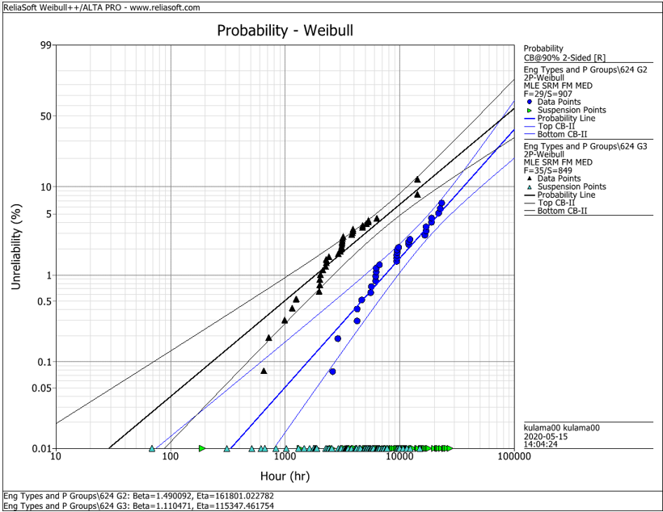
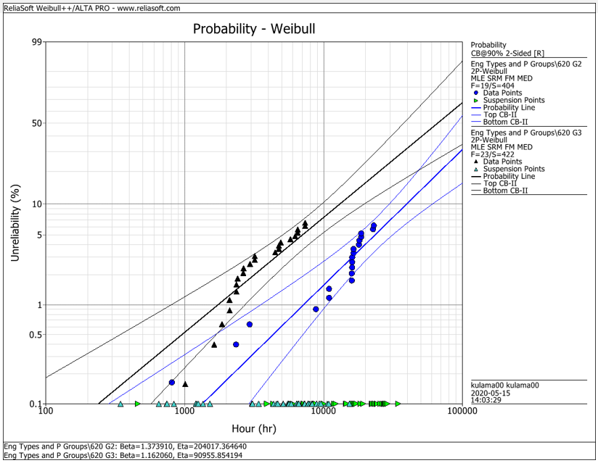
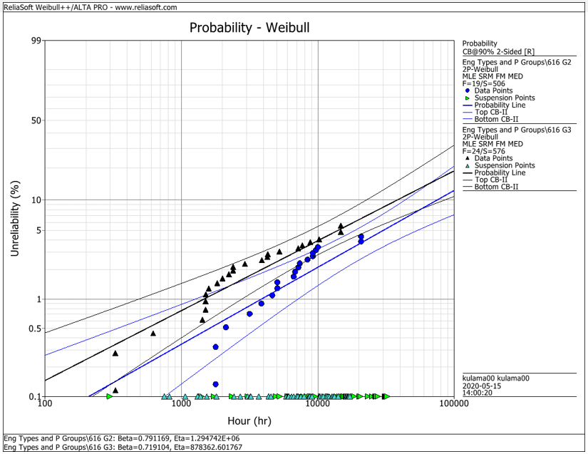
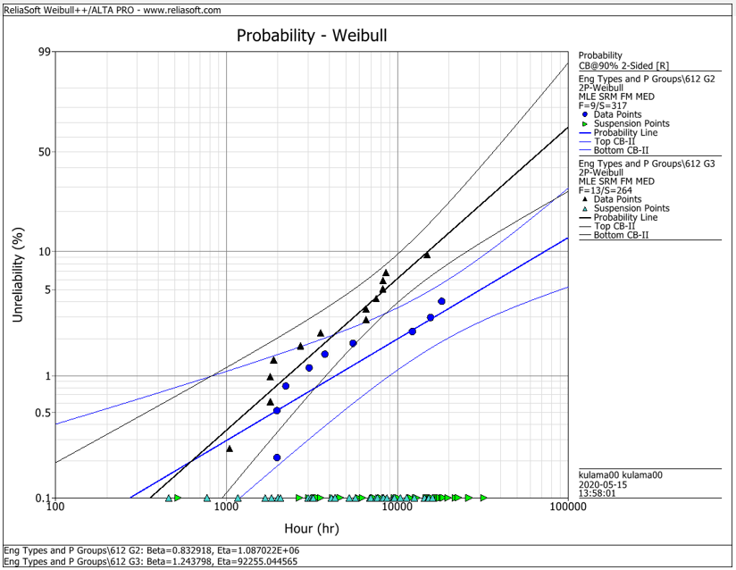
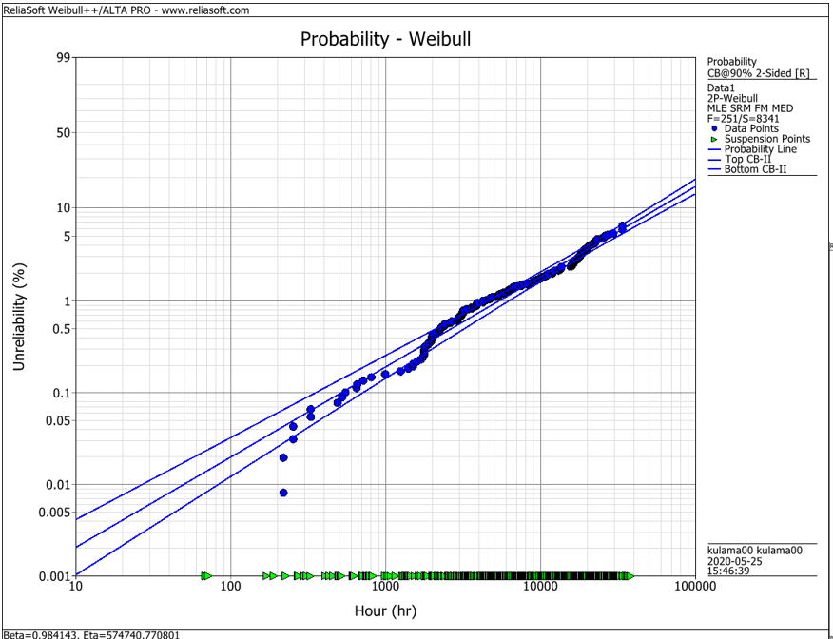
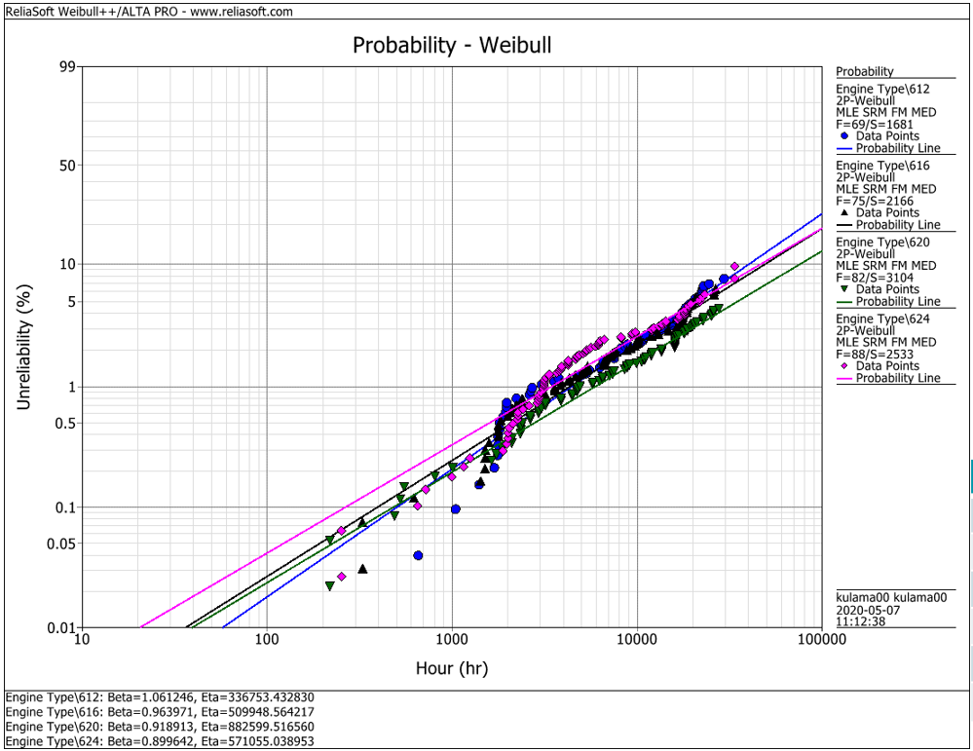
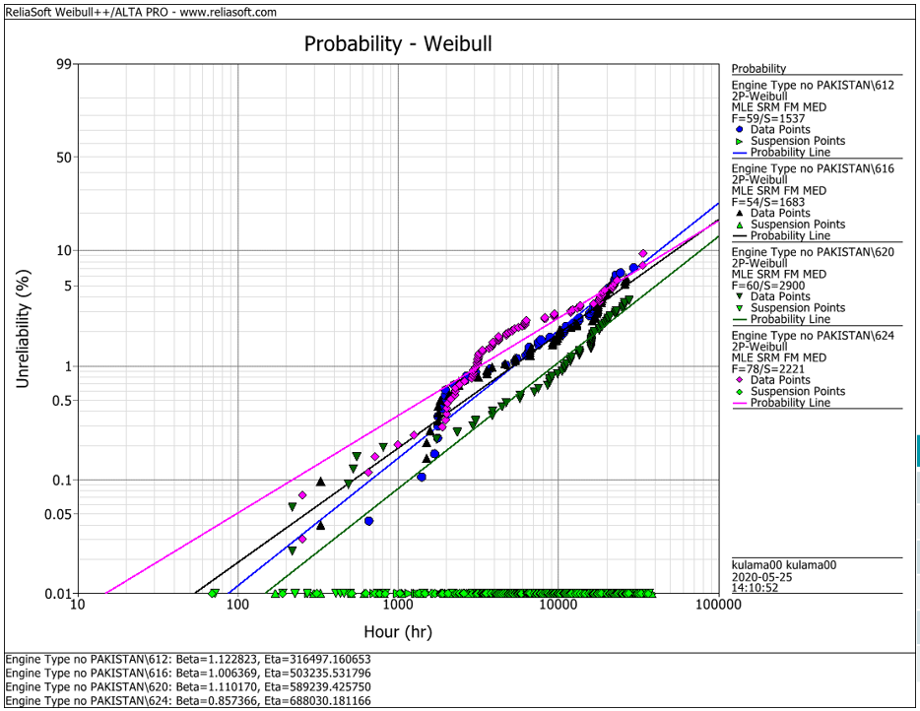
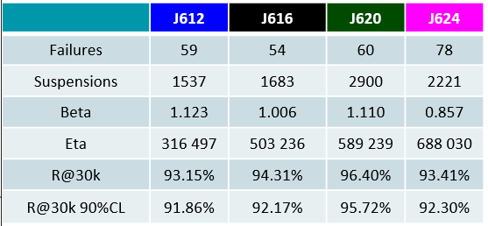
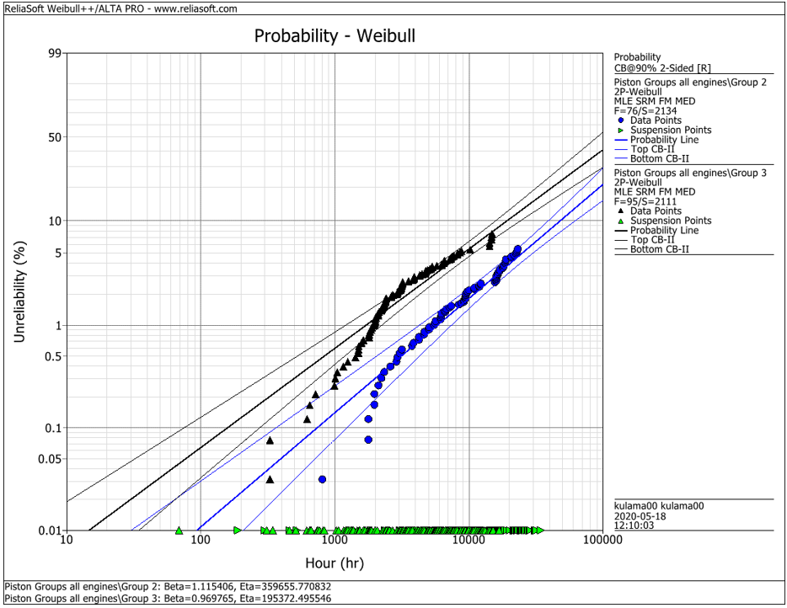
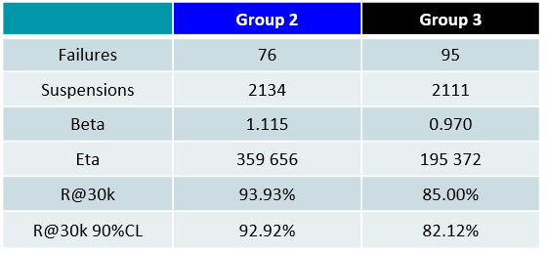
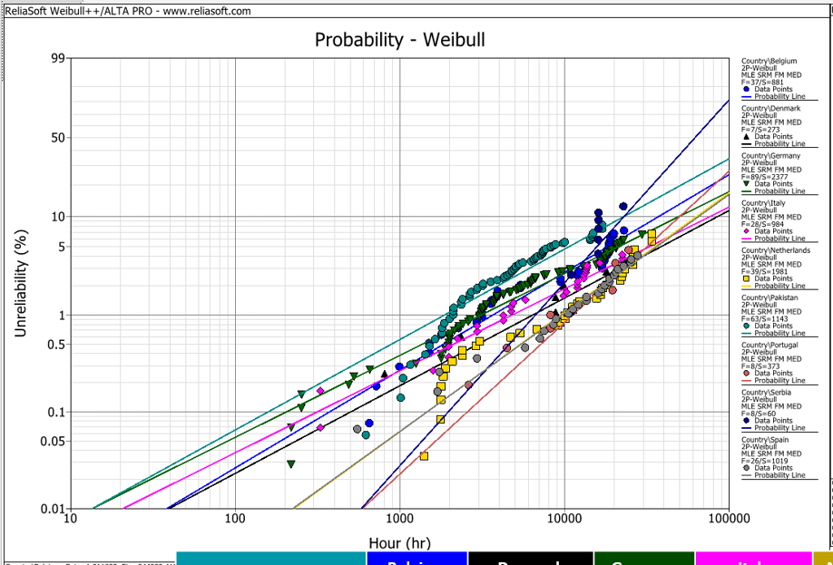
EDC Weibull Comparison
 | beta | R@30k 90%CL
G2 | 0,001 | 92%
G2 | 0,001 | 93%
G2 | 0,001 | 95%
G2 | 0,001 | 95%
G2 | 0,001 | 93%
G3 | 0,001 | 80%
G3 | 0,001 | 75%
G3 | 0,001 | 92%
G3 | 0,001 | 79%
G3 | 0,001 | 82%
all | 0,001 | 94%
all | 0,001 | 91%
all | 0,001 | 93%
all | 0,001 | 95%
all | 0,001 | 92%
all w/o Pak | 0,001 | 92%
all w/o Pak | 0,001 | 92%
all w/o Pak | 0,001 | 96%
all w/o Pak | 0,001 | 93%

 |  | f | s | beta | eta | R@30k 90%CL | Comment
J624 | G2 | 29 | 907 | 1.490 | 161801 | 92.2% | T23 with LKZ OCR
J620 | G2 | 19 | 404 | 1.374 | 204017 | 93.0% | T23 with LKZ OCR
J616 | G2 | 19 | 506 | 0.791 | 1294700 | 95.0% | T23 with LKZ OCR
J612 | G2 | 9 | 317 | 0.830 | 1088700 | 95.0% | T23 with LKZ OCR
J6xx | G2 | 76 | 2134 | 1.115 | 359656 | 92.9% | T23 with LKZ OCR

J624 | G3 | 35 | 849 | 1.110 | 115347 | 80.0% | T23 with flat OCR
J620 | G3 | 23 | 422 | 1.162 | 90955 | 75.0% | T23 with flat OCR
J616 | G3 | 24 | 576 | 0.719 | 878362 | 91.5% | T23 with LKZ OCR
J612 | G3 | 13 | 264 | 1.244 | 92255 | 79.0% | T23 with LKZ OCR
J6xx | G3 | 95 | 2111 | 0.970 | 195372 | 82.1% | T23 with LKZ OCR

J6xx | all | 251 | 8341 | 0.984 | 574741 | 94.2% | Source - cleaned by Maciej 2020-05_25
J612 | all | 69 | 1681 | 1.061 | 336753 | 91.3% | Source - cleaned by Maciej 2020-05_25
J616 | all | 75 | 2166 | 0.964 | 509948 | 92.6% | Source - cleaned by Maciej 2020-05_25
J620 | all | 82 | 3104 | 0.919 | 882599 | 94.9% | Source - cleaned by Maciej 2020-05_25
J624 | all | 88 | 2533 | 0.899 | 571055 | 92.1% | Source - cleaned by Maciej 2020-05_25

J612 | all w/o Pak | 59 | 1537 | 1.123 | 316497 | 91.9% | Source - cleaned by Maciej 2020-05_25
J616 | all w/o Pak | 54 | 1683 | 1.006 | 503236 | 92.2% | Source - cleaned by Maciej 2020-05_25
J620 | all w/o Pak | 60 | 2900 | 1.110 | 589239 | 95.7% | Source - cleaned by Maciej 2020-05_25
J624 | all w/o Pak | 78 | 2221 | 0.857 | 688030 | 93.4% | Source - cleaned by Maciej 2020-05_25

 |  | beta | 1.490 | max
 |  |  | 0.719 | min
 |  |  | 1.038 | mittel
 |  |  | 1.006 | median

