summary
Demonstrated Reliability
 | CLB 90% - 10% |  | CLB 90% - 10% |  | CLB 90% - 10% |  | R1 |  | R2 |  | R3 |  | today |  | R Ref
0 | 82% | 0 | 97% | 0 | 95% | 0 | 00% | 0 | 00% | 0 | 00% | 7632 | 0.00 | 7632 | 90%
229 | 82% | 229 | 97% | 229 | 95% | 229 | 00% | 229 | 00% | 229 | 00% | 7632 | 1.00
611 | 82% | 611 | 97% | 611 | 95% | 611 | 00% | 611 | 00% | 611 | 21%
1145 | 82% | 1145 | 97% | 1145 | 95% | 1145 | 07% | 1145 | 00% | 1145 | 67%
1526 | 82% | 1526 | 97% | 1526 | 95% | 1526 | 25% | 1526 | 01% | 1526 | 81%
1908 | 82% | 1908 | 97% | 1908 | 95% | 1908 | 41% | 1908 | 05% | 1908 | 87%
2290 | 78% | 2290 | 97% | 2290 | 95% | 2290 | 55% | 2290 | 13% | 2290 | 91%
2671 | 70% | 2671 | 97% | 2671 | 95% | 2671 | 65% | 2671 | 24% | 2671 | 94%
3053 | 61% | 3053 | 97% | 3053 | 95% | 3053 | 72% | 3053 | 34% | 3053 | 95%
3434 | 53% | 3434 | 97% | 3434 | 95% | 3434 | 78% | 3434 | 44% | 3434 | 96%
3816 | 45% | 3816 | 97% | 3816 | 95% | 3816 | 82% | 3816 | 52% | 3816 | 97%
4198 | 38% | 4198 | 97% | 4198 | 95% | 4198 | 86% | 4198 | 60% | 4198 | 98%
4579 | 32% | 4579 | 97% | 4579 | 95% | 4579 | 88% | 4579 | 66% | 4579 | 98%
4961 | 27% | 4961 | 97% | 4961 | 95% | 4961 | 90% | 4961 | 71% | 4961 | 98%
5342 | 23% | 5342 | 97% | 5342 | 95% | 5342 | 92% | 5342 | 75% | 5342 | 99%
5724 | 20% | 5724 | 97% | 5724 | 95% | 5724 | 93% | 5724 | 79% | 5724 | 99%
6106 | 17% | 6106 | 97% | 6106 | 95% | 6106 | 94% | 6106 | 82% | 6106 | 99%
6487 | 14% | 6487 | 97% | 6487 | 95% | 6487 | 95% | 6487 | 85% | 6487 | 99%
6869 | 12% | 6869 | 97% | 6869 | 95% | 6869 | 96% | 6869 | 87% | 6869 | 99%
7250 | 11% | 7250 | 97% | 7250 | 95% | 7250 | 96% | 7250 | 89% | 7250 | 99%
7632 | 09% | 7632 | 97% | 7632 | 95% | 7632 | 97% | 7632 | 90% | 7632 | 100%
8014 | 08% | 8014 | 97% | 8014 | 95% | 8014 | 97% | 8014 | 91% | 8014 | 100%
8395 | 07% | 8395 | 97% | 8395 | 95% | 8395 | 98% | 8395 | 92% | 8395 | 100%
8777 | 06% | 8777 | 97% | 8777 | 95% | 8777 | 98% | 8777 | 93% | 8777 | 100%
9158 | 06% | 9158 | 97% | 9158 | 95% | 9158 | 98% | 9158 | 94% | 9158 | 100%
9540 | 05% | 9540 | 97% | 9540 | 95% | 9540 | 98% | 9540 | 94% | 9540 | 100%
9922 | 05% | 9922 | 97% | 9922 | 95% | 9922 | 98% | 9922 | 95% | 9922 | 100%
10303 | 04% | 10303 | 97% | 10303 | 95% | 10303 | 99% | 10303 | 95% | 10303 | 100%
10685 | 04% | 10685 | 97% | 10685 | 95% | 10685 | 99% | 10685 | 96% | 10685 | 100%
11066 | 04% | 11066 | 97% | 11066 | 95% | 11066 | 99% | 11066 | 96% | 11066 | 100%
11448 | 04% | 11448 | 97% | 11448 | 95% | 11448 | 99% | 11448 | 96% | 11448 | 100%
11830 | 03% | 11830 | 97% | 11830 | 95% | 11830 | 99% | 11830 | 97% | 11830 | 100%
12211 | 03% | 12211 | 97% | 12211 | 95% | 12211 | 99% | 12211 | 97% | 12211 | 100%
12593 | 03% | 12593 | 97% | 12593 | 95% | 12593 | 99% | 12593 | 97% | 12593 | 100%
12974 | 03% | 12974 | 97% | 12974 | 95% | 12974 | 99% | 12974 | 97% | 12974 | 100%
13356 | 03% | 13356 | 97% | 13356 | 95% | 13356 | 99% | 13356 | 97% | 13356 | 100%
13738 | 02% | 13738 | 97% | 13738 | 95% | 13738 | 99% | 13738 | 97% | 13738 | 100%
14119 | 02% | 14119 | 97% | 14119 | 95% | 14119 | 99% | 14119 | 98% | 14119 | 100%
14501 | 02% | 14501 | 97% | 14501 | 95% | 14501 | 99% | 14501 | 98% | 14501 | 100%
14882 | 02% | 14882 | 97% | 14882 | 95% | 14882 | 99% | 14882 | 98% | 14882 | 100%
15264 | 02% | 15264 | 97% | 15264 | 95% | 15264 | 99% | 15264 | 98% | 15264 | 100%
 |  |  |  |  |  |  | Pn | 1013 | mbar | Tn | 0 | °C | 9.8 | kWh / mn3
Validation Fleet Status |  | Date | 12/21/20 |  |  |  | ETAMOT not fully plausible ?
624 | 18 |  | Cum hours | 75674
620 | 6 |  | Fl Leader | 6238
616 | 7 |  | Avg hours | 2365 |  |  |  |  |  |  |  |  |  | 0
612 | 1 |  | 2000 | 15 |  |  |  |  |  |  |  |  |  | 0
Sum Engines | 32 |  | 4000 | 4 |  |  |  |  |  |  |  |  |  | 0
Sum PU's | 676 |  | 6000 | 2 |  |  |  |  |  |  |  |  |  | 0
 |  |  |  |  |  |  |  |  |  |  |  |  |  | 0
Beta | Running | Available | Not Available | Error |  |  |  |  |  |  |  |  |  | 0
1.400 | 27 | 3 | 2 | 0 |  |  |  |  |  |  |  |  |  | 0
 |  |  |  |  |  |  |  |  |  |  |  |  |  | 0
 | T | CL | BETA | R |  |  |  |  |  |  |  |  |  | 0
R1 | 30000 | 50% | 1.400 | 97.0% |  |  |  |  |  |  |  |  |  | 0
R2 | 30000 | 90% | 1.400 | 90.2% |  |  |  |  |  |  |  |  |  | 0
R3 | 30000 | 10% | 1.400 | 99.5% |  |  |  |  |  |  |  |  |  | 0
 |  |  |  |  |  |  |  |  |  |  |  |  |  | 0
Field Validation Results vs. CTQ's |  |  |  | CTQ |  |  |  |  |  |  |  |  |  | 0
1. R(CL 50%) > 97% @ß = |  | 1.400 | 97.0% | 97% |  |  |  |  |  |  |  |  |  | 0
2. R(CL 90%) > 90% @ß = |  | 1.400 | 90.2% | 90% |  |  |  |  |  |  |  |  |  | 0
3. 4 Engines > 6000 oph |  |  | 2 | 4 |  |  |  |  |  |  |  |  |  | 0
 |  |  |  |  | 1.400 | 1.21 |  |  |  |  |  |  |  | 0
 | BR6 |  | hours s. VS | 7632 | 6238 | 6238 |  |  |  |  |  |  |  | 0
Bohrung [mm] | 190 |  | pess PU F | 12.2% | 229.0 | 229.0 |  |  |  |  |  |  |  | 0
Hub [mm] | 220 |  | pess PU F | 83 | 99.4% |  |  |  |  |  |  |  |  | 0
Validation Fleet oph
 |  |  | Date |  | Date line |  | 2000 |  | 6000 |  | 1386177 |  | 1393153 |  | 1320072 |  | 1184199 |  | 1352268 |  | 1320022 |  | 1250575
2/7/20 | 0 | 12/21/20 | 6238 | 12/21/20 | 0 | 2/7/20 | 2000 | 2/7/20 | 6000 | 2/7/20 | 0 | 2/7/20 | 0 | 2/7/20 | 0 | 2/7/20 | 0 | 2/7/20 | 0 | 2/7/20 | 0 | 2/7/20 | 0
2/16/20 | 229 |  |  | 12/21/20 | 6238 | 11/4/21 | 2000 | 11/4/21 | 6000 | 2/16/20 | 0 | 2/16/20 | 0 | 2/16/20 | 156 | 2/16/20 | 0 | 2/16/20 | 0 | 2/16/20 | 0 | 2/16/20 | 0
3/3/20 | 611 |  |  |  |  |  |  |  |  | 3/3/20 | 31 | 3/3/20 | 0 | 3/3/20 | 415 | 3/3/20 | 0 | 3/3/20 | 0 | 3/3/20 | 0 | 3/3/20 | 0
3/25/20 | 1145 |  |  |  |  |  |  |  |  | 3/25/20 | 503 | 3/25/20 | 60 | 3/25/20 | 778 | 3/25/20 | 0 | 3/25/20 | 0 | 3/25/20 | 0 | 3/25/20 | 0
4/10/20 | 1526 |  |  |  |  |  |  |  |  | 4/10/20 | 840 | 4/10/20 | 415 | 4/10/20 | 1038 | 4/10/20 | 0 | 4/10/20 | 0 | 4/10/20 | 0 | 4/10/20 | 0
4/26/20 | 1908 |  |  |  |  |  |  |  |  | 4/26/20 | 1178 | 4/26/20 | 770 | 4/26/20 | 1297 | 4/26/20 | 0 | 4/26/20 | 0 | 4/26/20 | 0 | 4/26/20 | 0
5/12/20 | 2290 |  |  |  |  |  |  |  |  | 5/12/20 | 1515 | 5/12/20 | 1125 | 5/12/20 | 1556 | 5/12/20 | 321 | 5/12/20 | 131 | 5/12/20 | 0 | 5/12/20 | 0
5/28/20 | 2671 |  |  |  |  |  |  |  |  | 5/28/20 | 1852 | 5/28/20 | 1480 | 5/28/20 | 1816 | 5/28/20 | 653 | 5/28/20 | 379 | 5/28/20 | 0 | 5/28/20 | 0
6/13/20 | 3053 |  |  |  |  |  |  |  |  | 6/13/20 | 2190 | 6/13/20 | 1835 | 6/13/20 | 2075 | 6/13/20 | 985 | 6/13/20 | 627 | 6/13/20 | 90 | 6/13/20 | 0
6/29/20 | 3434 |  |  |  |  |  |  |  |  | 6/29/20 | 2527 | 6/29/20 | 2189 | 6/29/20 | 2335 | 6/29/20 | 1317 | 6/29/20 | 875 | 6/29/20 | 365 | 6/29/20 | 241
7/15/20 | 3816 |  |  |  |  |  |  |  |  | 7/15/20 | 2864 | 7/15/20 | 2544 | 7/15/20 | 2594 | 7/15/20 | 1648 | 7/15/20 | 1123 | 7/15/20 | 641 | 7/15/20 | 513
7/30/20 | 4198 |  |  |  |  |  |  |  |  | 7/30/20 | 3202 | 7/30/20 | 2899 | 7/30/20 | 2853 | 7/30/20 | 1980 | 7/30/20 | 1371 | 7/30/20 | 916 | 7/30/20 | 785
8/15/20 | 4579 |  |  |  |  |  |  |  |  | 8/15/20 | 3539 | 8/15/20 | 3254 | 8/15/20 | 3113 | 8/15/20 | 2312 | 8/15/20 | 1619 | 8/15/20 | 1191 | 8/15/20 | 1057
8/31/20 | 4961 |  |  |  |  |  |  |  |  | 8/31/20 | 3876 | 8/31/20 | 3609 | 8/31/20 | 3372 | 8/31/20 | 2644 | 8/31/20 | 1868 | 8/31/20 | 1466 | 8/31/20 | 1330
9/16/20 | 5342 |  |  |  |  |  |  |  |  | 9/16/20 | 4214 | 9/16/20 | 3964 | 9/16/20 | 3632 | 9/16/20 | 2975 | 9/16/20 | 2116 | 9/16/20 | 1742 | 9/16/20 | 1602
10/2/20 | 5724 |  |  |  |  |  |  |  |  | 10/2/20 | 4551 | 10/2/20 | 4319 | 10/2/20 | 3891 | 10/2/20 | 3307 | 10/2/20 | 2364 | 10/2/20 | 2017 | 10/2/20 | 1874
10/18/20 | 6106 |  |  |  |  |  |  |  |  | 10/18/20 | 4889 | 10/18/20 | 4674 | 10/18/20 | 4150 | 10/18/20 | 3639 | 10/18/20 | 2612 | 10/18/20 | 2292 | 10/18/20 | 2146
11/3/20 | 6487 |  |  |  |  |  |  |  |  | 11/3/20 | 5226 | 11/3/20 | 5028 | 11/3/20 | 4410 | 11/3/20 | 3971 | 11/3/20 | 2860 | 11/3/20 | 2567 | 11/3/20 | 2418
11/19/20 | 6869 |  |  |  |  |  |  |  |  | 11/19/20 | 5563 | 11/19/20 | 5383 | 11/19/20 | 4669 | 11/19/20 | 4302 | 11/19/20 | 3108 | 11/19/20 | 2843 | 11/19/20 | 2690
12/5/20 | 7250 |  |  |  |  |  |  |  |  | 12/5/20 | 5901 | 12/5/20 | 5738 | 12/5/20 | 4929 | 12/5/20 | 4634 | 12/5/20 | 3356 | 12/5/20 | 3118 | 12/5/20 | 2962
12/21/20 | 7632 |  |  |  |  |  |  |  |  | 12/21/20 | 6238 | 12/21/20 | 6093 | 12/21/20 | 5188 | 12/21/20 | 4966 | 12/21/20 | 3604 | 12/21/20 | 3393 | 12/21/20 | 3234
1/5/21 | 8014 |  |  |  |  |  |  |  |  | 1/5/21 | 6575 | 1/5/21 | 6448 | 1/5/21 | 5447 | 1/5/21 | 5298 | 1/5/21 | 3852 | 1/5/21 | 3668 | 1/5/21 | 3506
1/21/21 | 8395 |  |  |  |  |  |  |  |  | 1/21/21 | 6913 | 1/21/21 | 6803 | 1/21/21 | 5707 | 1/21/21 | 5630 | 1/21/21 | 4100 | 1/21/21 | 3943 | 1/21/21 | 3778
2/6/21 | 8777 |  |  |  |  |  |  |  |  | 2/6/21 | 7250 | 2/6/21 | 7158 | 2/6/21 | 5966 | 2/6/21 | 5961 | 2/6/21 | 4348 | 2/6/21 | 4219 | 2/6/21 | 4050
2/22/21 | 9158 |  |  |  |  |  |  |  |  | 2/22/21 | 7587 | 2/22/21 | 7512 | 2/22/21 | 6226 | 2/22/21 | 6293 | 2/22/21 | 4596 | 2/22/21 | 4494 | 2/22/21 | 4322
3/10/21 | 9540 |  |  |  |  |  |  |  |  | 3/10/21 | 7925 | 3/10/21 | 7867 | 3/10/21 | 6485 | 3/10/21 | 6625 | 3/10/21 | 4844 | 3/10/21 | 4769 | 3/10/21 | 4594
3/26/21 | 9922 |  |  |  |  |  |  |  |  | 3/26/21 | 8262 | 3/26/21 | 8222 | 3/26/21 | 6744 | 3/26/21 | 6957 | 3/26/21 | 5092 | 3/26/21 | 5044 | 3/26/21 | 4866
4/11/21 | 10303 |  |  |  |  |  |  |  |  | 4/11/21 | 8600 | 4/11/21 | 8577 | 4/11/21 | 7004 | 4/11/21 | 7288 | 4/11/21 | 5340 | 4/11/21 | 5320 | 4/11/21 | 5138
4/27/21 | 10685 |  |  |  |  |  |  |  |  | 4/27/21 | 8937 | 4/27/21 | 8932 | 4/27/21 | 7263 | 4/27/21 | 7620 | 4/27/21 | 5589 | 4/27/21 | 5595 | 4/27/21 | 5411
5/13/21 | 11066 |  |  |  |  |  |  |  |  | 5/13/21 | 9274 | 5/13/21 | 9287 | 5/13/21 | 7523 | 5/13/21 | 7952 | 5/13/21 | 5837 | 5/13/21 | 5870 | 5/13/21 | 5683
5/29/21 | 11448 |  |  |  |  |  |  |  |  | 5/29/21 | 9612 | 5/29/21 | 9642 | 5/29/21 | 7782 | 5/29/21 | 8284 | 5/29/21 | 6085 | 5/29/21 | 6145 | 5/29/21 | 5955
6/13/21 | 11830 |  |  |  |  |  |  |  |  | 6/13/21 | 9949 | 6/13/21 | 9997 | 6/13/21 | 8041 | 6/13/21 | 8615 | 6/13/21 | 6333 | 6/13/21 | 6421 | 6/13/21 | 6227
6/29/21 | 12211 |  |  |  |  |  |  |  |  | 6/29/21 | 10286 | 6/29/21 | 10351 | 6/29/21 | 8301 | 6/29/21 | 8947 | 6/29/21 | 6581 | 6/29/21 | 6696 | 6/29/21 | 6499
7/15/21 | 12593 |  |  |  |  |  |  |  |  | 7/15/21 | 10624 | 7/15/21 | 10706 | 7/15/21 | 8560 | 7/15/21 | 9279 | 7/15/21 | 6829 | 7/15/21 | 6971 | 7/15/21 | 6771
7/31/21 | 12974 |  |  |  |  |  |  |  |  | 7/31/21 | 10961 | 7/31/21 | 11061 | 7/31/21 | 8820 | 7/31/21 | 9611 | 7/31/21 | 7077 | 7/31/21 | 7246 | 7/31/21 | 7043
8/16/21 | 13356 |  |  |  |  |  |  |  |  | 8/16/21 | 11298 | 8/16/21 | 11416 | 8/16/21 | 9079 | 8/16/21 | 9942 | 8/16/21 | 7325 | 8/16/21 | 7522 | 8/16/21 | 7315
9/1/21 | 13738 |  |  |  |  |  |  |  |  | 9/1/21 | 11636 | 9/1/21 | 11771 | 9/1/21 | 9338 | 9/1/21 | 10274 | 9/1/21 | 7573 | 9/1/21 | 7797 | 9/1/21 | 7587
9/17/21 | 14119 |  |  |  |  |  |  |  |  | 9/17/21 | 11973 | 9/17/21 | 12126 | 9/17/21 | 9598 | 9/17/21 | 10606 | 9/17/21 | 7821 | 9/17/21 | 8072 | 9/17/21 | 7859
10/3/21 | 14501 |  |  |  |  |  |  |  |  | 10/3/21 | 12311 | 10/3/21 | 12481 | 10/3/21 | 9857 | 10/3/21 | 10938 | 10/3/21 | 8069 | 10/3/21 | 8347 | 10/3/21 | 8131
10/19/21 | 14882 |  |  |  |  |  |  |  |  | 10/19/21 | 12648 | 10/19/21 | 12835 | 10/19/21 | 10117 | 10/19/21 | 11269 | 10/19/21 | 8317 | 10/19/21 | 8623 | 10/19/21 | 8403
11/4/21 | 15264 |  |  |  |  |  |  |  |  | 11/4/21 | 12985 | 11/4/21 | 13190 | 11/4/21 | 10376 | 11/4/21 | 11601 | 11/4/21 | 8565 | 11/4/21 | 8898 | 11/4/21 | 8675
VH zyl [dm3] | 6.24 |  | like PU F | 3.0% | 243711 | 1356921.683 |  |  |  |  |  |  |  | 0
 |  |  | like PU F | 21 | 94.8% |  |  |  |  |  |  |  |  | 0
 |  |  |  |  | 5.19% | 0.15% |  |  |  |  |  |  |  | 0
 |  |  |  |  | 11.87 | 1.0029 |  |  |  |  |  |  |  | 0
Engines | ~ BMP Avg | z | VH [dm3] | etael |  |  |  |  |  |  |  |  |  | 0
624 | 24.2 | 24 | 149.7 | 98.1% |  |  |  |  |  |  |  |  |  | 0
620 | 22.0 | 20 | 124.8 | 98.0% |  |  |  |  |  |  |  |  |  | 0
616 | 22.0 | 16 | 99.8 | 97.6% |  |  |  |  |  |  |  |  |  | 0
612 | 22.0 | 12 | 74.9 | 98.6% |  |  |  |  |  |  |  |  |  | 0
 |  |  |  |  |  |  |  |  |  |  |  |  |  | 0
BMEP Avg | BMEP Min | BMEP Max | NOX | MN | Version | #
24.3 | 24.0 | 24.5 | 500 | 80 | K01 | 3
24.3 | 24.0 | 24.5 | 500 | 80 | H01 | 12
24.0 | 24.0 | 24.0 | 250 | 80 | H02 | 1
 | 0.0 | 0.0 | 500 | 70 | H101 | 0
24.5 | 24.5 | 24.5 | 250 | 70 | H12 | 1
22.0 | 22.0 | 22.0 | 500 | 80 | F01 | 5
22.0 | 22.0 | 22.0 | 500 | 80 | J01 | 2
22.0 | 22.0 | 22.0 | 500 | 70 | J101 | 1
22.0 | 22.0 | 22.0 | 500 | 70 | J11 | 1
22.0 | 22.0 | 22.0 | 500 | 70 | F11 | 1
22.0 | 22.0 | 22.0 | 250 | 70 | F12 | 1
22.0 | 22.0 | 22.0 | 250 | 70 | J12 | 3
22.9 | 22.9 | 22.9 | 500 | 80 | K505 | 1
 |  |  |  |  |  | 32

ndReliaCalc2
 | Data Date | 2020-12-21 08:38:14
 | Val Start | 2020-02-07
 | Val Period (days) | 318
 | Beta (R2) | 1.4

 |  |  |  | 2000h line | 2000 | 2000
 |  |  |  |  | 2019-05-01 | 2021-12-31
 |  |  |  | 6000h line | 6000 | 6000
 |  |  |  |  | 2019-05-01 | 2021-12-31

 |  |  |  |  |  |  |  | R1 failures | 0 | 0 | 0 | 0 | 0 | 0 | 0 | 0 | 0 | 0 | 0 | 0 | 0 | 0 | 0 | 0 | 0 | 0 | 0 | 0 | 0 | 0 | 0 | 0 | 0 | 0 | 0 | 0 | 0 | 0 | 0 | 0 | 0 | 0 | 0 | 0 | 0 | 0 | 0 | 0 | 0
 |  |  |  |  |  |  |  | R2 failures | 0 | 0 | 0 | 0 | 0 | 0 | 0 | 0 | 0 | 0 | 0 | 0 | 0 | 0 | 0 | 0 | 0 | 0 | 0 | 0 | 0 | 0 | 0 | 0 | 0 | 0 | 0 | 0 | 0 | 0 | 0 | 0 | 0 | 0 | 0 | 0 | 0 | 0 | 0 | 0 | 0
 |  |  |  | f1 | 2020-12-11 08:38:14 | 0 | 97% | 308 | 0 | 0 | 0 | 0 | 0 | 0 | 0 | 0 | 0 | 0 | 0 | 0 | 0 | 0 | 0 | 0 | 0 | 0 | 0 | 0 | 0 | 0 | 0 | 0 | 0 | 0 | 0 | 0 | 0 | 0 | 0 | 0 | 0 | 0 | 0 | 0 | 0 | 0 | 0 | 0 | 0
 |  |  |  | f2 | 2021-01-20 08:38:14 | 0 | 109% | 348 | 0 | 0 | 0 | 0 | 0 | 0 | 0 | 0 | 0 | 0 | 0 | 0 | 0 | 0 | 0 | 0 | 0 | 0 | 0 | 0 | 0 | 0 | 0 | 0 | 0 | 0 | 0 | 0 | 0 | 0 | 0 | 0 | 0 | 0 | 0 | 0 | 0 | 0 | 0 | 0 | 0
 |  |  |  | f3 | 2020-11-20 08:38:14 | 0 | 90% | 287 | 0 | 0 | 0 | 0 | 0 | 0 | 0 | 0 | 0 | 0 | 0 | 0 | 0 | 0 | 0 | 0 | 0 | 0 | 0 | 0 | 0 | 0 | 0 | 0 | 0 | 0 | 0 | 0 | 0 | 0 | 0 | 0 | 0 | 0 | 0 | 0 | 0 | 0 | 0 | 0 | 0
 |  |  |  | f4 | 2020-08-19 08:38:14 | 0 | 61% | 194 | 0 | 0 | 0 | 0 | 0 | 0 | 0 | 0 | 0 | 0 | 0 | 0 | 0 | 0 | 0 | 0 | 0 | 0 | 0 | 0 | 0 | 0 | 0 | 0 | 0 | 0 | 0 | 0 | 0 | 0 | 0 | 0 | 0 | 0 | 0 | 0 | 0 | 0 | 0 | 0 | 0
 |  |  |  | f5 | 2021-04-24 08:38:14 | 0 | 139% | 442 | 0 | 0 | 0 | 0 | 0 | 0 | 0 | 0 | 0 | 0 | 0 | 0 | 0 | 0 | 0 | 0 | 0 | 0 | 0 | 0 | 0 | 0 | 0 | 0 | 0 | 0 | 0 | 0 | 0 | 0 | 0 | 0 | 0 | 0 | 0 | 0 | 0 | 0 | 0 | 0 | 0
 |  |  |  | f6 | 2021-06-25 08:38:14 | 0 | 158% | 504 | 0 | 0 | 0 | 0 | 0 | 0 | 0 | 0 | 0 | 0 | 0 | 0 | 0 | 0 | 0 | 0 | 0 | 0 | 0 | 0 | 0 | 0 | 0 | 0 | 0 | 0 | 0 | 0 | 0 | 0 | 0 | 0 | 0 | 0 | 0 | 0 | 0 | 0 | 0 | 0 | 0
 |  |  |  | f7 | 0 | 0 | -13795% | -43868 | 0 | 0 | 0 | 0 | 0 | 0 | 0 | 0 | 0 | 0 | 0 | 0 | 0 | 0 | 0 | 0 | 0 | 0 | 0 | 0 | 0 | 0 | 0 | 0 | 0 | 0 | 0 | 0 | 0 | 0 | 0 | 0 | 0 | 0 | 0 | 0 | 0 | 0 | 0 | 0 | 0
 |  |  |  | f8 | 0 | 0 | -13795% | -43868 | 0 | 0 | 0 | 0 | 0 | 0 | 0 | 0 | 0 | 0 | 0 | 0 | 0 | 0 | 0 | 0 | 0 | 0 | 0 | 0 | 0 | 0 | 0 | 0 | 0 | 0 | 0 | 0 | 0 | 0 | 0 | 0 | 0 | 0 | 0 | 0 | 0 | 0 | 0 | 0 | 0
 |  |  |  | f9 | 0 | 0 | -13795% | -43868 | 0 | 0 | 0 | 0 | 0 | 0 | 0 | 0 | 0 | 0 | 0 | 0 | 0 | 0 | 0 | 0 | 0 | 0 | 0 | 0 | 0 | 0 | 0 | 0 | 0 | 0 | 0 | 0 | 0 | 0 | 0 | 0 | 0 | 0 | 0 | 0 | 0 | 0 | 0 | 0 | 0
 |  |  |  | f10 | 0 | 0 | -13795% | -43868 | 0 | 0 | 0 | 0 | 0 | 0 | 0 | 0 | 0 | 0 | 0 | 0 | 0 | 0 | 0 | 0 | 0 | 0 | 0 | 0 | 0 | 0 | 0 | 0 | 0 | 0 | 0 | 0 | 0 | 0 | 0 | 0 | 0 | 0 | 0 | 0 | 0 | 0 | 0 | 0 | 0
 |  |  |  | f11 | 0 | 0 | -13795% | -43868 | 0 | 0 | 0 | 0 | 0 | 0 | 0 | 0 | 0 | 0 | 0 | 0 | 0 | 0 | 0 | 0 | 0 | 0 | 0 | 0 | 0 | 0 | 0 | 0 | 0 | 0 | 0 | 0 | 0 | 0 | 0 | 0 | 0 | 0 | 0 | 0 | 0 | 0 | 0 | 0 | 0
 |  |  |  | f12 | 0 | 0 | -13795% | -43868 | 0 | 0 | 0 | 0 | 0 | 0 | 0 | 0 | 0 | 0 | 0 | 0 | 0 | 0 | 0 | 0 | 0 | 0 | 0 | 0 | 0 | 0 | 0 | 0 | 0 | 0 | 0 | 0 | 0 | 0 | 0 | 0 | 0 | 0 | 0 | 0 | 0 | 0 | 0 | 0 | 0
 |  |  |  | f13 | 0 | 0 | -13795% | -43868 | 0 | 0 | 0 | 0 | 0 | 0 | 0 | 0 | 0 | 0 | 0 | 0 | 0 | 0 | 0 | 0 | 0 | 0 | 0 | 0 | 0 | 0 | 0 | 0 | 0 | 0 | 0 | 0 | 0 | 0 | 0 | 0 | 0 | 0 | 0 | 0 | 0 | 0 | 0 | 0 | 0
 |  |  |  | f14 | 0 | 0 | -13795% | -43868 | 0 | 0 | 0 | 0 | 0 | 0 | 0 | 0 | 0 | 0 | 0 | 0 | 0 | 0 | 0 | 0 | 0 | 0 | 0 | 0 | 0 | 0 | 0 | 0 | 0 | 0 | 0 | 0 | 0 | 0 | 0 | 0 | 0 | 0 | 0 | 0 | 0 | 0 | 0 | 0 | 0
 |  |  |  | f15 | 0 | 0 | -13795% | -43868 | 0 | 0 | 0 | 0 | 0 | 0 | 0 | 0 | 0 | 0 | 0 | 0 | 0 | 0 | 0 | 0 | 0 | 0 | 0 | 0 | 0 | 0 | 0 | 0 | 0 | 0 | 0 | 0 | 0 | 0 | 0 | 0 | 0 | 0 | 0 | 0 | 0 | 0 | 0 | 0 | 0
 |  |  |  | f16 | 0 | 0 | -13795% | -43868 | 0 | 0 | 0 | 0 | 0 | 0 | 0 | 0 | 0 | 0 | 0 | 0 | 0 | 0 | 0 | 0 | 0 | 0 | 0 | 0 | 0 | 0 | 0 | 0 | 0 | 0 | 0 | 0 | 0 | 0 | 0 | 0 | 0 | 0 | 0 | 0 | 0 | 0 | 0 | 0 | 0
 |  |  |  | f17 | 0 | 0 | -13795% | -43868 | 0 | 0 | 0 | 0 | 0 | 0 | 0 | 0 | 0 | 0 | 0 | 0 | 0 | 0 | 0 | 0 | 0 | 0 | 0 | 0 | 0 | 0 | 0 | 0 | 0 | 0 | 0 | 0 | 0 | 0 | 0 | 0 | 0 | 0 | 0 | 0 | 0 | 0 | 0 | 0 | 0
 |  |  |  | f18 | 0 | 0 | -13795% | -43868 | 0 | 0 | 0 | 0 | 0 | 0 | 0 | 0 | 0 | 0 | 0 | 0 | 0 | 0 | 0 | 0 | 0 | 0 | 0 | 0 | 0 | 0 | 0 | 0 | 0 | 0 | 0 | 0 | 0 | 0 | 0 | 0 | 0 | 0 | 0 | 0 | 0 | 0 | 0 | 0 | 0
 |  |  |  | f19 | 0 | 0 | -13795% | -43868 | 0 | 0 | 0 | 0 | 0 | 0 | 0 | 0 | 0 | 0 | 0 | 0 | 0 | 0 | 0 | 0 | 0 | 0 | 0 | 0 | 0 | 0 | 0 | 0 | 0 | 0 | 0 | 0 | 0 | 0 | 0 | 0 | 0 | 0 | 0 | 0 | 0 | 0 | 0 | 0 | 0
 |  |  |  | f20 | 0 | 0 | -13795% | -43868 | 0 | 0 | 0 | 0 | 0 | 0 | 0 | 0 | 0 | 0 | 0 | 0 | 0 | 0 | 0 | 0 | 0 | 0 | 0 | 0 | 0 | 0 | 0 | 0 | 0 | 0 | 0 | 0 | 0 | 0 | 0 | 0 | 0 | 0 | 0 | 0 | 0 | 0 | 0 | 0 | 0
 |  |  |  | f21 | 0 | 0 | -13795% | -43868 | 0 | 0 | 0 | 0 | 0 | 0 | 0 | 0 | 0 | 0 | 0 | 0 | 0 | 0 | 0 | 0 | 0 | 0 | 0 | 0 | 0 | 0 | 0 | 0 | 0 | 0 | 0 | 0 | 0 | 0 | 0 | 0 | 0 | 0 | 0 | 0 | 0 | 0 | 0 | 0 | 0
 |  |  |  | f22 | 0 | 0 | -13795% | -43868 | 0 | 0 | 0 | 0 | 0 | 0 | 0 | 0 | 0 | 0 | 0 | 0 | 0 | 0 | 0 | 0 | 0 | 0 | 0 | 0 | 0 | 0 | 0 | 0 | 0 | 0 | 0 | 0 | 0 | 0 | 0 | 0 | 0 | 0 | 0 | 0 | 0 | 0 | 0 | 0 | 0
 |  |  |  | f23 | 0 | 0 | -13795% | -43868 | 0 | 0 | 0 | 0 | 0 | 0 | 0 | 0 | 0 | 0 | 0 | 0 | 0 | 0 | 0 | 0 | 0 | 0 | 0 | 0 | 0 | 0 | 0 | 0 | 0 | 0 | 0 | 0 | 0 | 0 | 0 | 0 | 0 | 0 | 0 | 0 | 0 | 0 | 0 | 0 | 0
 |  |  |  | f24 | 0 | 0 | -13795% | -43868 | 0 | 0 | 0 | 0 | 0 | 0 | 0 | 0 | 0 | 0 | 0 | 0 | 0 | 0 | 0 | 0 | 0 | 0 | 0 | 0 | 0 | 0 | 0 | 0 | 0 | 0 | 0 | 0 | 0 | 0 | 0 | 0 | 0 | 0 | 0 | 0 | 0 | 0 | 0 | 0 | 0
 |  |  |  | f25 | 0 | 0 | -13795% | -43868 | 0 | 0 | 0 | 0 | 0 | 0 | 0 | 0 | 0 | 0 | 0 | 0 | 0 | 0 | 0 | 0 | 0 | 0 | 0 | 0 | 0 | 0 | 0 | 0 | 0 | 0 | 0 | 0 | 0 | 0 | 0 | 0 | 0 | 0 | 0 | 0 | 0 | 0 | 0 | 0 | 0 | 0
 |  |  |  |  |  | Sum failures |  |  | 0 | 0 | 0 | 0 | 0 | 0 | 0 | 0 | 0 | 0 | 0 | 0 | 0 | 0 | 0 | 0 | 0 | 0 | 0 | 0 | 0 | 0 | 0 | 0 | 0 | 0 | 0 | 0 | 0 | 0 | 0 | 0 | 0 | 0 | 0 | 0 | 0 | 0 | 0 | 0 | 0
 |  |  |  |  |  | Input |  |  | 0% | 3% | 8% | 15% | 20% | 25% | 30% | 35% | 40% | 45% | 50% | 55% | 60% | 65% | 70% | 75% | 80% | 85% | 90% | 95% | 100% | 105% | 110% | 115% | 120% | 125% | 130% | 135% | 140% | 145% | 150% | 155% | 160% | 165% | 170% | 175% | 180% | 185% | 190% | 195% | 200%
 |  |  |  |  |  | calc % for diagram (failures) |  |  | 0% | 3% | 8% | 15% | 20% | 25% | 30% | 35% | 40% | 45% | 50% | 55% | 60% | 65% | 70% | 75% | 80% | 85% | 90% | 95% | 100% | 105% | 110% | 115% | 120% | 125% | 130% | 135% | 140% | 145% | 150% | 155% | 160% | 165% | 170% | 175% | 180% | 185% | 190% | 195% | 200%
 |  |  |  |  |  | Val test Time % |  |  | 0% | 3% | 8% | 15% | 20% | 25% | 30% | 35% | 40% | 45% | 50% | 55% | 60% | 65% | 70% | 75% | 80% | 85% | 90% | 95% | 100% | 105% | 110% | 115% | 120% | 125% | 130% | 135% | 140% | 145% | 150% | 155% | 160% | 165% | 170% | 175% | 180% | 185% | 190% | 195% | 200%
 |  |  |  |  |  | days |  |  | 0.0 | 9.5 | 25.4 | 47.7 | 63.6 | 79.5 | 95.4 | 111.3 | 127.2 | 143.1 | 159.0 | 174.9 | 190.8 | 206.7 | 222.6 | 238.5 | 254.4 | 270.3 | 286.2 | 302.1 | 318.0 | 333.9 | 349.8 | 365.7 | 381.6 | 397.5 | 413.4 | 429.3 | 445.2 | 461.1 | 477.0 | 492.9 | 508.8 | 524.7 | 540.6 | 556.5 | 572.4 | 588.3 | 604.2 | 620.1 | 636.0
 |  |  |  |  |  |  |  |  | 0.00 | 1.00 |  | R Ref | 90.2% |  | R HRS | 6238
 |  |  |  |  |  |  |  | today | 7632 | 7632 |  | 2020-12-21 | 7632 |  | 2020-12-21 | 7632
 |  |  |  |  |  | CLB 90% - 10% |  |  | 82.2% | 82.2% | 82.2% | 82.2% | 82.2% | 82.2% | 77.8% | 69.8% | 61.3% | 52.7% | 44.9% | 38.0% | 32.2% | 27.4% | 23.3% | 19.8% | 16.9% | 14.4% | 12.3% | 10.7% | 9.3% | 8.2% | 7.3% | 6.5% | 5.9% | 5.3% | 4.8% | 4.4% | 4.1% | 3.8% | 3.5% | 3.3% | 3.1% | 2.9% | 2.7% | 2.6% | 2.4% | 2.3% | 2.2% | 2.1% | 2.0%
 |  |  |  |  |  |  | R | 97.0% | 97.0% | 97.0% | 97.0% | 97.0% | 97.0% | 97.0% | 97.0% | 97.0% | 97.0% | 97.0% | 97.0% | 97.0% | 97.0% | 97.0% | 97.0% | 97.0% | 97.0% | 97.0% | 97.0% | 97.0% | 97.0% | 97.0% | 97.0% | 97.0% | 97.0% | 97.0% | 97.0% | 97.0% | 97.0% | 97.0% | 97.0% | 97.0% | 97.0% | 97.0% | 97.0% | 97.0% | 97.0% | 97.0% | 97.0% | 97.0% | 97.0%
 |  |  |  |  |  |  | R | 95.0% | 95.0% | 95.0% | 95.0% | 95.0% | 95.0% | 95.0% | 95.0% | 95.0% | 95.0% | 95.0% | 95.0% | 95.0% | 95.0% | 95.0% | 95.0% | 95.0% | 95.0% | 95.0% | 95.0% | 95.0% | 95.0% | 95.0% | 95.0% | 95.0% | 95.0% | 95.0% | 95.0% | 95.0% | 95.0% | 95.0% | 95.0% | 95.0% | 95.0% | 95.0% | 95.0% | 95.0% | 95.0% | 95.0% | 95.0% | 95.0% | 95.0%
 |  |  |  |  | failures
 |  |  |  |  | R1 | 30000 | 50% | 1.4 |  | 0.0% | 0.0% | 7.3% | 24.7% | 40.9% | 54.6% | 64.9% | 72.2% | 77.9% | 82.2% | 85.6% | 88.2% | 90.2% | 91.9% | 93.2% | 94.3% | 95.2% | 95.9% | 96.5% | 97.0% | 97.3% | 97.6% | 97.9% | 98.1% | 98.3% | 98.4% | 98.6% | 98.7% | 98.8% | 98.9% | 98.9% | 99.0% | 99.1% | 99.1% | 99.2% | 99.2% | 99.3% | 99.3% | 99.3% | 99.4%
 |  |  |  |  | R2 | 30000 | 90% | 1.4 |  | 0.0% | 0.0% | 0.0% | 1.0% | 5.1% | 13.4% | 23.8% | 33.9% | 43.6% | 52.2% | 59.7% | 65.9% | 71.1% | 75.5% | 79.1% | 82.2% | 84.8% | 87.0% | 88.8% | 90.2% | 91.4% | 92.4% | 93.2% | 93.9% | 94.4% | 94.9% | 95.3% | 95.7% | 96.0% | 96.3% | 96.5% | 96.8% | 97.0% | 97.1% | 97.3% | 97.5% | 97.6% | 97.7% | 97.8% | 97.9%
 |  |  |  |  | R3 | 30000 | 10% | 1.4 |  | 0.1% | 21.1% | 67.1% | 80.8% | 87.3% | 91.2% | 93.6% | 95.2% | 96.3% | 97.1% | 97.7% | 98.1% | 98.4% | 98.7% | 98.9% | 99.1% | 99.3% | 99.4% | 99.5% | 99.5% | 99.6% | 99.6% | 99.7% | 99.7% | 99.7% | 99.8% | 99.8% | 99.8% | 99.8% | 99.8% | 99.8% | 99.8% | 99.9% | 99.9% | 99.9% | 99.9% | 99.9% | 99.9% | 99.9% | 99.9%
 |  |  |  |  | R4 | 30000 | 90% | 1.21 |  | 0.0% | 0.0% | 1.7% | 9.8% | 20.8% | 33.6% | 44.8% | 53.6% | 61.5% | 67.9% | 73.3% | 77.5% | 81.0% | 83.9% | 86.3% | 88.3% | 90.1% | 91.5% | 92.6% | 93.5% | 94.2% | 94.8% | 95.3% | 95.7% | 96.1% | 96.4% | 96.7% | 96.9% | 97.1% | 97.3% | 97.4% | 97.6% | 97.7% | 97.8% | 97.9% | 98.0% | 98.1% | 98.2% | 98.3% | 98.4%
 |  |  |  |  | nL |  |  | 1.21 |  | 24.0 | 28.4 | 46.6 | 58.1 | 65.7 | 75.7 | 83.3 | 87.7 | 94.5 | 102.2 | 111.1 | 120.1 | 130.0 | 141.4 | 153.3 | 166.6 | 182.8 | 198.9 | 214.3 | 229.0 | 243.0 | 256.0 | 268.0 | 279.1 | 289.5 | 299.1 | 308.0 | 316.4 | 323.7 | 330.2 | 336.4 | 342.2 | 347.6 | 352.7 | 357.4 | 362.0 | 366.2 | 370.3 | 374.1 | 377.7
 |  |  |  |  |  |  |  |  | 0 | 229 | 611 | 1145 | 1526 | 1908 | 2290 | 2671 | 3053 | 3434 | 3816 | 4198 | 4579 | 4961 | 5342 | 5724 | 6106 | 6487 | 6869 | 7250 | 7632 | 8014 | 8395 | 8777 | 9158 | 9540 | 9922 | 10303 | 10685 | 11066 | 11448 | 11830 | 12211 | 12593 | 12974 | 13356 | 13738 | 14119 | 14501 | 14882 | 15264
 |  |  |  |  |  |  |  | Date line | 0 | 6238 |  | Date | 6238 |  |  | 2000 | 2000 | 2000 |  | 6000 | 6000 | 6000
 |  |  |  |  |  |  |  |  | 2020-12-21 | 2020-12-21 |  |  | 2020-12-21 |  |  |  | 2020-02-07 | 2021-11-04 |  |  | 2020-02-07 | 2021-11-04
Serial Number | Name | Engine ID | Val Start | Part hrs | parts | h / day | Engine | Version | 2020-02-07 | 2020-02-16 12:57:36 | 2020-03-03 10:33:36 | 2020-03-25 16:48:00 | 2020-04-10 14:24:00 | 2020-04-26 12:00:00 | 2020-05-12 09:36:00 | 2020-05-28 07:12:00 | 2020-06-13 04:48:00 | 2020-06-29 02:24:00 | 2020-07-15 | 2020-07-30 21:36:00 | 2020-08-15 19:12:00 | 2020-08-31 16:48:00 | 2020-09-16 14:24:00 | 2020-10-02 12:00:00 | 2020-10-18 09:36:00 | 2020-11-03 07:12:00 | 2020-11-19 04:48:00 | 2020-12-05 02:24:00 | 2020-12-21 | 2021-01-05 21:36:00 | 2021-01-21 19:12:00 | 2021-02-06 16:48:00 | 2021-02-22 14:24:00 | 2021-03-10 12:00:00 | 2021-03-26 09:36:00 | 2021-04-11 07:12:00 | 2021-04-27 04:48:00 | 2021-05-13 02:24:00 | 2021-05-29 | 2021-06-13 21:36:00 | 2021-06-29 19:12:00 | 2021-07-15 16:48:00 | 2021-07-31 14:24:00 | 2021-08-16 12:00:00 | 2021-09-01 09:36:00 | 2021-09-17 07:12:00 | 2021-10-03 04:48:00 | 2021-10-19 02:24:00 | 2021-11-04
1386177 | ABINSK | M09 | 2020-03-02 | 6238 | 24 | 21.22 | 624 | H01 | 0 | 0 | 31 | 503 | 840 | 1178 | 1515 | 1852 | 2190 | 2527 | 2864 | 3202 | 3539 | 3876 | 4214 | 4551 | 4889 | 5226 | 5563 | 5901 | 6238 | 6575 | 6913 | 7250 | 7587 | 7925 | 8262 | 8600 | 8937 | 9274 | 9612 | 9949 | 10286 | 10624 | 10961 | 11298 | 11636 | 11973 | 12311 | 12648 | 12985
1393153 | BLESSED TEXTILE | M01 | 2020-03-23 | 6093 | 20 | 22.32 | 620 | J101 | 0 | 0 | 0 | 60 | 415 | 770 | 1125 | 1480 | 1835 | 2189 | 2544 | 2899 | 3254 | 3609 | 3964 | 4319 | 4674 | 5028 | 5383 | 5738 | 6093 | 6448 | 6803 | 7158 | 7512 | 7867 | 8222 | 8577 | 8932 | 9287 | 9642 | 9997 | 10351 | 10706 | 11061 | 11416 | 11771 | 12126 | 12481 | 12835 | 13190
1320072 | BMW LANDSHUT 4.10 | M04 | 2020-02-07 | 5188 | 24 | 16.31 | 624 | H01 | 0 | 156 | 415 | 778 | 1038 | 1297 | 1556 | 1816 | 2075 | 2335 | 2594 | 2853 | 3113 | 3372 | 3632 | 3891 | 4150 | 4410 | 4669 | 4929 | 5188 | 5447 | 5707 | 5966 | 6226 | 6485 | 6744 | 7004 | 7263 | 7523 | 7782 | 8041 | 8301 | 8560 | 8820 | 9079 | 9338 | 9598 | 9857 | 10117 | 10376
1184199 | ROCHE PENZBERG KWKK | M01 | 2020-04-27 | 4966 | 24 | 20.87 | 624 | H02 | 0 | 0 | 0 | 0 | 0 | 0 | 321 | 653 | 985 | 1317 | 1648 | 1980 | 2312 | 2644 | 2975 | 3307 | 3639 | 3971 | 4302 | 4634 | 4966 | 5298 | 5630 | 5961 | 6293 | 6625 | 6957 | 7288 | 7620 | 7952 | 8284 | 8615 | 8947 | 9279 | 9611 | 9942 | 10274 | 10606 | 10938 | 11269 | 11601
1352268 | BMW DINGOLFING 2.4 | M06 | 2020-05-04 | 3604 | 24 | 15.60 | 624 | H01 | 0 | 0 | 0 | 0 | 0 | 0 | 131 | 379 | 627 | 875 | 1123 | 1371 | 1619 | 1868 | 2116 | 2364 | 2612 | 2860 | 3108 | 3356 | 3604 | 3852 | 4100 | 4348 | 4596 | 4844 | 5092 | 5340 | 5589 | 5837 | 6085 | 6333 | 6581 | 6829 | 7077 | 7325 | 7573 | 7821 | 8069 | 8317 | 8565
1320022 | BMW MÜNCHEN | M01 | 2020-06-08 | 3393 | 24 | 17.31 | 624 | H01 | 0 | 0 | 0 | 0 | 0 | 0 | 0 | 0 | 90 | 365 | 641 | 916 | 1191 | 1466 | 1742 | 2017 | 2292 | 2567 | 2843 | 3118 | 3393 | 3668 | 3943 | 4219 | 4494 | 4769 | 5044 | 5320 | 5595 | 5870 | 6145 | 6421 | 6696 | 6971 | 7246 | 7522 | 7797 | 8072 | 8347 | 8623 | 8898
1250575 | ABINSK | M01 | 2020-06-15 | 3234 | 24 | 17.11 | 624 | K01 | 0 | 0 | 0 | 0 | 0 | 0 | 0 | 0 | 0 | 241 | 513 | 785 | 1057 | 1330 | 1602 | 1874 | 2146 | 2418 | 2690 | 2962 | 3234 | 3506 | 3778 | 4050 | 4322 | 4594 | 4866 | 5138 | 5411 | 5683 | 5955 | 6227 | 6499 | 6771 | 7043 | 7315 | 7587 | 7859 | 8131 | 8403 | 8675
1386260 | ABINSK | M10 | 2020-07-13 | 3179 | 24 | 19.75 | 624 | H01 | 0 | 0 | 0 | 0 | 0 | 0 | 0 | 0 | 0 | 0 | 39 | 353 | 667 | 981 | 1295 | 1609 | 1923 | 2237 | 2551 | 2865 | 3179 | 3493 | 3807 | 4121 | 4435 | 4749 | 5063 | 5377 | 5691 | 6005 | 6319 | 6632 | 6946 | 7260 | 7574 | 7888 | 8202 | 8516 | 8830 | 9144 | 9458
1320114 | BMW LANDSHUT 4.10 | M03 | 2020-02-24 | 2944 | 24 | 9.78 | 624 | H01 | 0 | 0 | 83 | 300 | 456 | 611 | 767 | 922 | 1078 | 1233 | 1389 | 1544 | 1700 | 1855 | 2011 | 2166 | 2322 | 2477 | 2633 | 2788 | 2944 | 3100 | 3255 | 3411 | 3566 | 3722 | 3877 | 4033 | 4188 | 4344 | 4499 | 4655 | 4810 | 4966 | 5121 | 5277 | 5432 | 5588 | 5743 | 5899 | 6054
1352323 | BMW DINGOLFING 2.4 | M07 | 2020-06-22 | 2986 | 24 | 16.41 | 624 | H01 | 0 | 0 | 0 | 0 | 0 | 0 | 0 | 0 | 0 | 116 | 377 | 638 | 899 | 1160 | 1421 | 1682 | 1943 | 2203 | 2464 | 2725 | 2986 | 3247 | 3508 | 3769 | 4029 | 4290 | 4551 | 4812 | 5073 | 5334 | 5595 | 5856 | 6116 | 6377 | 6638 | 6899 | 7160 | 7421 | 7682 | 7942 | 8203
1243360 | BMW REGENSBURG M3 | M03 | 2020-08-17 | 2503 | 16 | 19.87 | 616 | J01 | 0 | 0 | 0 | 0 | 0 | 0 | 0 | 0 | 0 | 0 | 0 | 0 | 0 | 292 | 608 | 924 | 1240 | 1555 | 1871 | 2187 | 2503 | 2819 | 3135 | 3451 | 3766 | 4082 | 4398 | 4714 | 5030 | 5346 | 5662 | 5977 | 6293 | 6609 | 6925 | 7241 | 7557 | 7873 | 8188 | 8504 | 8820
1319997 | BMW MÜNCHEN | M02 | 2020-08-24 | 2401 | 24 | 20.18 | 624 | H01 | 0 | 0 | 0 | 0 | 0 | 0 | 0 | 0 | 0 | 0 | 0 | 0 | 0 | 155 | 476 | 797 | 1118 | 1439 | 1759 | 2080 | 2401 | 2722 | 3043 | 3363 | 3684 | 4005 | 4326 | 4647 | 4967 | 5288 | 5609 | 5930 | 6251 | 6571 | 6892 | 7213 | 7534 | 7855 | 8176 | 8496 | 8817
1319151 | BMW MÜNCHEN | M01 | 2020-07-06 | 2307 | 20 | 13.73 | 620 | F01 | 0 | 0 | 0 | 0 | 0 | 0 | 0 | 0 | 0 | 0 | 124 | 342 | 560 | 779 | 997 | 1215 | 1434 | 1652 | 1870 | 2089 | 2307 | 2525 | 2744 | 2962 | 3180 | 3399 | 3617 | 3835 | 4054 | 4272 | 4490 | 4709 | 4927 | 5145 | 5364 | 5582 | 5800 | 6019 | 6237 | 6455 | 6674
1320030 | BMW MÜNCHEN | M03 | 2020-08-03 | 2128 | 24 | 15.20 | 624 | H01 | 0 | 0 | 0 | 0 | 0 | 0 | 0 | 0 | 0 | 0 | 0 | 0 | 195 | 436 | 678 | 920 | 1161 | 1403 | 1645 | 1886 | 2128 | 2370 | 2611 | 2853 | 3095 | 3336 | 3578 | 3820 | 4061 | 4303 | 4545 | 4786 | 5028 | 5270 | 5512 | 5753 | 5995 | 6237 | 6478 | 6720 | 6962
1319138 | BMW MÜNCHEN | M02 | 2020-07-20 | 2115 | 20 | 13.73 | 620 | F01 | 0 | 0 | 0 | 0 | 0 | 0 | 0 | 0 | 0 | 0 | 0 | 150 | 368 | 586 | 805 | 1023 | 1242 | 1460 | 1678 | 1897 | 2115 | 2333 | 2552 | 2770 | 2988 | 3207 | 3425 | 3644 | 3862 | 4080 | 4299 | 4517 | 4735 | 4954 | 5172 | 5391 | 5609 | 5827 | 6046 | 6264 | 6482
1319157 | BMW MÜNCHEN | M03 | 2020-08-17 | 1953 | 20 | 15.50 | 620 | F01 | 0 | 0 | 0 | 0 | 0 | 0 | 0 | 0 | 0 | 0 | 0 | 0 | 0 | 228 | 474 | 721 | 967 | 1214 | 1460 | 1707 | 1953 | 2199 | 2446 | 2692 | 2939 | 3185 | 3432 | 3678 | 3925 | 4171 | 4418 | 4664 | 4910 | 5157 | 5403 | 5650 | 5896 | 6143 | 6389 | 6636 | 6882
1319133 | BMW MÜNCHEN | M04 | 2020-08-31 | 1835 | 20 | 16.38 | 620 | F01 | 0 | 0 | 0 | 0 | 0 | 0 | 0 | 0 | 0 | 0 | 0 | 0 | 0 | 11 | 272 | 532 | 793 | 1053 | 1314 | 1574 | 1835 | 2096 | 2356 | 2617 | 2877 | 3138 | 3398 | 3659 | 3919 | 4180 | 4440 | 4701 | 4961 | 5222 | 5482 | 5743 | 6003 | 6264 | 6524 | 6785 | 7045
1243362 | REGENSBURG | M02 | 2020-09-07 | 1894 | 16 | 18.04 | 616 | J01 | 0 | 0 | 0 | 0 | 0 | 0 | 0 | 0 | 0 | 0 | 0 | 0 | 0 | 0 | 173 | 460 | 747 | 1034 | 1320 | 1607 | 1894 | 2181 | 2468 | 2754 | 3041 | 3328 | 3615 | 3902 | 4188 | 4475 | 4762 | 5049 | 5336 | 5622 | 5909 | 6196 | 6483 | 6770 | 7057 | 7343 | 7630
1175579 | REGENSBURG | M05 | 2020-09-14 | 1862 | 16 | 19.00 | 616 | F01 | 0 | 0 | 0 | 0 | 0 | 0 | 0 | 0 | 0 | 0 | 0 | 0 | 0 | 0 | 49 | 352 | 654 | 956 | 1258 | 1560 | 1862 | 2164 | 2466 | 2768 | 3070 | 3373 | 3675 | 3977 | 4279 | 4581 | 4883 | 5185 | 5487 | 5789 | 6091 | 6394 | 6696 | 6998 | 7300 | 7602 | 7904
1415410 | Salmmeir 2 | M02 | 2020-10-02 | 1689 | 24 | 21.11 | 624 | K01 | 0 | 0 | 0 | 0 | 0 | 0 | 0 | 0 | 0 | 0 | 0 | 0 | 0 | 0 | 0 | 11 | 346 | 682 | 1018 | 1353 | 1689 | 2025 | 2360 | 2696 | 3032 | 3367 | 3703 | 4039 | 4375 | 4710 | 5046 | 5382 | 5717 | 6053 | 6389 | 6724 | 7060 | 7396 | 7731 | 8067 | 8403
1145166 | POLYNT - 2 (1145166-T241) --> Sept | M02 | 2020-10-12 | 1595 | 24 | 22.79 | 624 | H01 | 0 | 0 | 0 | 0 | 0 | 0 | 0 | 0 | 0 | 0 | 0 | 0 | 0 | 0 | 0 | 0 | 146 | 508 | 870 | 1233 | 1595 | 1957 | 2320 | 2682 | 3044 | 3406 | 3769 | 4131 | 4493 | 4856 | 5218 | 5580 | 5943 | 6305 | 6667 | 7029 | 7392 | 7754 | 8116 | 8479 | 8841
1250578 | PROSPERITY WEAVING MILLS LTD - 1 (1351388-X243) | M01 | 2020-10-12 | 1579 | 24 | 22.56 | 624 | K505 | 0 | 0 | 0 | 0 | 0 | 0 | 0 | 0 | 0 | 0 | 0 | 0 | 0 | 0 | 0 | 0 | 144 | 503 | 862 | 1220 | 1579 | 1938 | 2296 | 2655 | 3014 | 3372 | 3731 | 4090 | 4448 | 4807 | 5166 | 5524 | 5883 | 6242 | 6600 | 6959 | 7318 | 7676 | 8035 | 8394 | 8752
1198719 | ECOGEN ENERGY SYSTEMS BVBA | M02 | 2020-10-15 | 1538 | 16 | 22.96 | 616 | F12 | 0 | 0 | 0 | 0 | 0 | 0 | 0 | 0 | 0 | 0 | 0 | 0 | 0 | 0 | 0 | 0 | 78 | 443 | 808 | 1173 | 1538 | 1903 | 2268 | 2633 | 2998 | 3363 | 3728 | 4093 | 4458 | 4823 | 5188 | 5553 | 5918 | 6283 | 6648 | 7013 | 7378 | 7743 | 8108 | 8473 | 8838
1345851 | GAZ DE LACQ | M03 | 2020-10-22 | 1396 | 16 | 23.27 | 616 | J12 | 0 | 0 | 0 | 0 | 0 | 0 | 0 | 0 | 0 | 0 | 0 | 0 | 0 | 0 | 0 | 0 | 0 | 286 | 656 | 1026 | 1396 | 1766 | 2136 | 2506 | 2876 | 3246 | 3616 | 3986 | 4356 | 4725 | 5095 | 5465 | 5835 | 6205 | 6575 | 6945 | 7315 | 7685 | 8055 | 8425 | 8795
1415409 | Salmmeir 1 | M01 | 2020-10-21 | 1295 | 24 | 21.23 | 624 | K01 | 0 | 0 | 0 | 0 | 0 | 0 | 0 | 0 | 0 | 0 | 0 | 0 | 0 | 0 | 0 | 0 | 0 | 282 | 620 | 957 | 1295 | 1633 | 1970 | 2308 | 2645 | 2983 | 3320 | 3658 | 3995 | 4333 | 4670 | 5008 | 5346 | 5683 | 6021 | 6358 | 6696 | 7033 | 7371 | 7708 | 8046
1310773 | SOTERNIX RENOVE | M01 | 2020-09-25 | 1222 | 16 | 14.05 | 616 | F11 | 0 | 0 | 0 | 0 | 0 | 0 | 0 | 0 | 0 | 0 | 0 | 0 | 0 | 0 | 0 | 105 | 329 | 552 | 775 | 999 | 1222 | 1445 | 1669 | 1892 | 2115 | 2339 | 2562 | 2785 | 3009 | 3232 | 3455 | 3679 | 3902 | 4125 | 4349 | 4572 | 4795 | 5019 | 5242 | 5465 | 5689
1325927 | LES COURONNERIES | M01 | 2020-09-09 | 1217 | 24 | 11.82 | 624 | H12 | 0 | 0 | 0 | 0 | 0 | 0 | 0 | 0 | 0 | 0 | 0 | 0 | 0 | 0 | 90 | 278 | 466 | 653 | 841 | 1029 | 1217 | 1405 | 1593 | 1781 | 1968 | 2156 | 2344 | 2532 | 2720 | 2908 | 3096 | 3284 | 3471 | 3659 | 3847 | 4035 | 4223 | 4411 | 4599 | 4786 | 4974
1320090 | BMW LANDSHUT M1 | M01 | 2020-10-12 | 1147 | 24 | 16.39 | 624 | H01 | 0 | 0 | 0 | 0 | 0 | 0 | 0 | 0 | 0 | 0 | 0 | 0 | 0 | 0 | 0 | 0 | 105 | 365 | 626 | 886 | 1147 | 1408 | 1668 | 1929 | 2189 | 2450 | 2710 | 2971 | 3231 | 3492 | 3752 | 4013 | 4273 | 4534 | 4794 | 5055 | 5316 | 5576 | 5837 | 6097 | 6358
1364066 | TOM VILLE | M01 | 2020-09-25 | 780 | 20 | 8.97 | 620 | J12 | 0 | 0 | 0 | 0 | 0 | 0 | 0 | 0 | 0 | 0 | 0 | 0 | 0 | 0 | 0 | 67 | 210 | 352 | 495 | 637 | 780 | 923 | 1065 | 1208 | 1350 | 1493 | 1635 | 1778 | 1920 | 2063 | 2206 | 2348 | 2491 | 2633 | 2776 | 2918 | 3061 | 3203 | 3346 | 3488 | 3631
1361965 | FRONERI - FERENTINO | M01 | 2020-11-18 01:00:00 | 694 | 16 | 21.03 | 616 | J11 | 0 | 0 | 0 | 0 | 0 | 0 | 0 | 0 | 0 | 0 | 0 | 0 | 0 | 0 | 0 | 0 | 0 | 0 | 25 | 360 | 694 | 1028 | 1363 | 1697 | 2032 | 2366 | 2700 | 3035 | 3369 | 3703 | 4038 | 4372 | 4707 | 5041 | 5375 | 5710 | 6044 | 6378 | 6713 | 7047 | 7382
1339812 | DALOMA | M01 | 2020-11-02 | 487 | 12 | 9.94 | 612 | J12 | 0 | 0 | 0 | 0 | 0 | 0 | 0 | 0 | 0 | 0 | 0 | 0 | 0 | 0 | 0 | 0 | 0 | 13 | 171 | 329 | 487 | 645 | 803 | 961 | 1119 | 1277 | 1435 | 1593 | 1751 | 1909 | 2067 | 2225 | 2383 | 2541 | 2699 | 2857 | 3015 | 3173 | 3331 | 3490 | 3648
1386147 | ABINSK | M06 | 2020-12-11 | 212 | 24 | 21.20 | 624 | H01 | 0 | 0 | 0 | 0 | 0 | 0 | 0 | 0 | 0 | 0 | 0 | 0 | 0 | 0 | 0 | 0 | 0 | 0 | 0 | 0 | 212 | 549 | 886 | 1223 | 1560 | 1897 | 2234 | 2572 | 2909 | 3246 | 3583 | 3920 | 4257 | 4594 | 4931 | 5268 | 5605 | 5942 | 6279 | 6617 | 6954
0 | 0 | 0 | 0 | 0 | 0 | 0.00 | 0 | 0 | 0 | 0 | 0 | 0 | 0 | 0 | 0 | 0 | 0 | 0 | 0 | 0 | 0 | 0 | 0 | 0 | 0 | 0 | 0 | 0 | 0 | 0 | 0 | 0 | 0 | 0 | 0 | 0 | 0 | 0 | 0 | 0 | 0 | 0 | 0 | 0 | 0 | 0 | 0 | 0 | 0
0 | 0 | 0 | 0 | 0 | 0 | 0.00 | 0 | 0 | 0 | 0 | 0 | 0 | 0 | 0 | 0 | 0 | 0 | 0 | 0 | 0 | 0 | 0 | 0 | 0 | 0 | 0 | 0 | 0 | 0 | 0 | 0 | 0 | 0 | 0 | 0 | 0 | 0 | 0 | 0 | 0 | 0 | 0 | 0 | 0 | 0 | 0 | 0 | 0 | 0
0 | 0 | 0 | 0 | 0 | 0 | 0.00 | 0 | 0 | 0 | 0 | 0 | 0 | 0 | 0 | 0 | 0 | 0 | 0 | 0 | 0 | 0 | 0 | 0 | 0 | 0 | 0 | 0 | 0 | 0 | 0 | 0 | 0 | 0 | 0 | 0 | 0 | 0 | 0 | 0 | 0 | 0 | 0 | 0 | 0 | 0 | 0 | 0 | 0 | 0
0 | 0 | 0 | 0 | 0 | 0 | 0.00 | 0 | 0 | 0 | 0 | 0 | 0 | 0 | 0 | 0 | 0 | 0 | 0 | 0 | 0 | 0 | 0 | 0 | 0 | 0 | 0 | 0 | 0 | 0 | 0 | 0 | 0 | 0 | 0 | 0 | 0 | 0 | 0 | 0 | 0 | 0 | 0 | 0 | 0 | 0 | 0 | 0 | 0 | 0
0 | 0 | 0 | 0 | 0 | 0 | 0.00 | 0 | 0 | 0 | 0 | 0 | 0 | 0 | 0 | 0 | 0 | 0 | 0 | 0 | 0 | 0 | 0 | 0 | 0 | 0 | 0 | 0 | 0 | 0 | 0 | 0 | 0 | 0 | 0 | 0 | 0 | 0 | 0 | 0 | 0 | 0 | 0 | 0 | 0 | 0 | 0 | 0 | 0 | 0
0 | 0 | 0 | 0 | 0 | 0 | 0.00 | 0 | 0 | 0 | 0 | 0 | 0 | 0 | 0 | 0 | 0 | 0 | 0 | 0 | 0 | 0 | 0 | 0 | 0 | 0 | 0 | 0 | 0 | 0 | 0 | 0 | 0 | 0 | 0 | 0 | 0 | 0 | 0 | 0 | 0 | 0 | 0 | 0 | 0 | 0 | 0 | 0 | 0 | 0
0 | 0 | 0 | 0 | 0 | 0 | 0.00 | 0 | 0 | 0 | 0 | 0 | 0 | 0 | 0 | 0 | 0 | 0 | 0 | 0 | 0 | 0 | 0 | 0 | 0 | 0 | 0 | 0 | 0 | 0 | 0 | 0 | 0 | 0 | 0 | 0 | 0 | 0 | 0 | 0 | 0 | 0 | 0 | 0 | 0 | 0 | 0 | 0 | 0 | 0
0 | 0 | 0 | 0 | 0 | 0 | 0.00 | 0 | 0 | 0 | 0 | 0 | 0 | 0 | 0 | 0 | 0 | 0 | 0 | 0 | 0 | 0 | 0 | 0 | 0 | 0 | 0 | 0 | 0 | 0 | 0 | 0 | 0 | 0 | 0 | 0 | 0 | 0 | 0 | 0 | 0 | 0 | 0 | 0 | 0 | 0 | 0 | 0 | 0 | 0
0 | 0 | 0 | 0 | 0 | 0 | 0.00 | 0 | 0 | 0 | 0 | 0 | 0 | 0 | 0 | 0 | 0 | 0 | 0 | 0 | 0 | 0 | 0 | 0 | 0 | 0 | 0 | 0 | 0 | 0 | 0 | 0 | 0 | 0 | 0 | 0 | 0 | 0 | 0 | 0 | 0 | 0 | 0 | 0 | 0 | 0 | 0 | 0 | 0 | 0
0 | 0 | 0 | 0 | 0 | 0 | 0.00 | 0 | 0 | 0 | 0 | 0 | 0 | 0 | 0 | 0 | 0 | 0 | 0 | 0 | 0 | 0 | 0 | 0 | 0 | 0 | 0 | 0 | 0 | 0 | 0 | 0 | 0 | 0 | 0 | 0 | 0 | 0 | 0 | 0 | 0 | 0 | 0 | 0 | 0 | 0 | 0 | 0 | 0 | 0
0 | 0 | 0 | 0 | 0 | 0 | 0.00 | 0 | 0 | 0 | 0 | 0 | 0 | 0 | 0 | 0 | 0 | 0 | 0 | 0 | 0 | 0 | 0 | 0 | 0 | 0 | 0 | 0 | 0 | 0 | 0 | 0 | 0 | 0 | 0 | 0 | 0 | 0 | 0 | 0 | 0 | 0 | 0 | 0 | 0 | 0 | 0 | 0 | 0 | 0
0 | 0 | 0 | 0 | 0 | 0 | 0.00 | 0 | 0 | 0 | 0 | 0 | 0 | 0 | 0 | 0 | 0 | 0 | 0 | 0 | 0 | 0 | 0 | 0 | 0 | 0 | 0 | 0 | 0 | 0 | 0 | 0 | 0 | 0 | 0 | 0 | 0 | 0 | 0 | 0 | 0 | 0 | 0 | 0 | 0 | 0 | 0 | 0 | 0 | 0
0 | 0 | 0 | 0 | 0 | 0 | 0.00 | 0 | 0 | 0 | 0 | 0 | 0 | 0 | 0 | 0 | 0 | 0 | 0 | 0 | 0 | 0 | 0 | 0 | 0 | 0 | 0 | 0 | 0 | 0 | 0 | 0 | 0 | 0 | 0 | 0 | 0 | 0 | 0 | 0 | 0 | 0 | 0 | 0 | 0 | 0 | 0 | 0 | 0 | 0
0 | 0 | 0 | 0 | 0 | 0 | 0.00 | 0 | 0 | 0 | 0 | 0 | 0 | 0 | 0 | 0 | 0 | 0 | 0 | 0 | 0 | 0 | 0 | 0 | 0 | 0 | 0 | 0 | 0 | 0 | 0 | 0 | 0 | 0 | 0 | 0 | 0 | 0 | 0 | 0 | 0 | 0 | 0 | 0 | 0 | 0 | 0 | 0 | 0 | 0
0 | 0 | 0 | 0 | 0 | 0 | 0.00 | 0 | 0 | 0 | 0 | 0 | 0 | 0 | 0 | 0 | 0 | 0 | 0 | 0 | 0 | 0 | 0 | 0 | 0 | 0 | 0 | 0 | 0 | 0 | 0 | 0 | 0 | 0 | 0 | 0 | 0 | 0 | 0 | 0 | 0 | 0 | 0 | 0 | 0 | 0 | 0 | 0 | 0 | 0
0 | 0 | 0 | 0 | 0 | 0 | 0.00 | 0 | 0 | 0 | 0 | 0 | 0 | 0 | 0 | 0 | 0 | 0 | 0 | 0 | 0 | 0 | 0 | 0 | 0 | 0 | 0 | 0 | 0 | 0 | 0 | 0 | 0 | 0 | 0 | 0 | 0 | 0 | 0 | 0 | 0 | 0 | 0 | 0 | 0 | 0 | 0 | 0 | 0 | 0
0 | 0 | 0 | 0 | 0 | 0 | 0.00 | 0 | 0 | 0 | 0 | 0 | 0 | 0 | 0 | 0 | 0 | 0 | 0 | 0 | 0 | 0 | 0 | 0 | 0 | 0 | 0 | 0 | 0 | 0 | 0 | 0 | 0 | 0 | 0 | 0 | 0 | 0 | 0 | 0 | 0 | 0 | 0 | 0 | 0 | 0 | 0 | 0 | 0 | 0
0 | 0 | 0 | 0 | 0 | 0 | 0.00 | 0 | 0 | 0 | 0 | 0 | 0 | 0 | 0 | 0 | 0 | 0 | 0 | 0 | 0 | 0 | 0 | 0 | 0 | 0 | 0 | 0 | 0 | 0 | 0 | 0 | 0 | 0 | 0 | 0 | 0 | 0 | 0 | 0 | 0 | 0 | 0 | 0 | 0 | 0 | 0 | 0 | 0 | 0
0 | 0 | 0 | 0 | 0 | 0 | 0.00 | 0 | 0 | 0 | 0 | 0 | 0 | 0 | 0 | 0 | 0 | 0 | 0 | 0 | 0 | 0 | 0 | 0 | 0 | 0 | 0 | 0 | 0 | 0 | 0 | 0 | 0 | 0 | 0 | 0 | 0 | 0 | 0 | 0 | 0 | 0 | 0 | 0 | 0 | 0 | 0 | 0 | 0 | 0
0 | 0 | 0 | 0 | 0 | 0 | 0.00 | 0 | 0 | 0 | 0 | 0 | 0 | 0 | 0 | 0 | 0 | 0 | 0 | 0 | 0 | 0 | 0 | 0 | 0 | 0 | 0 | 0 | 0 | 0 | 0 | 0 | 0 | 0 | 0 | 0 | 0 | 0 | 0 | 0 | 0 | 0 | 0 | 0 | 0 | 0 | 0 | 0 | 0 | 0
0 | 0 | 0 | 0 | 0 | 0 | 0.00 | 0 | 0 | 0 | 0 | 0 | 0 | 0 | 0 | 0 | 0 | 0 | 0 | 0 | 0 | 0 | 0 | 0 | 0 | 0 | 0 | 0 | 0 | 0 | 0 | 0 | 0 | 0 | 0 | 0 | 0 | 0 | 0 | 0 | 0 | 0 | 0 | 0 | 0 | 0 | 0 | 0 | 0 | 0
0 | 0 | 0 | 0 | 0 | 0 | 0.00 | 0 | 0 | 0 | 0 | 0 | 0 | 0 | 0 | 0 | 0 | 0 | 0 | 0 | 0 | 0 | 0 | 0 | 0 | 0 | 0 | 0 | 0 | 0 | 0 | 0 | 0 | 0 | 0 | 0 | 0 | 0 | 0 | 0 | 0 | 0 | 0 | 0 | 0 | 0 | 0 | 0 | 0 | 0
0 | 0 | 0 | 0 | 0 | 0 | 0.00 | 0 | 0 | 0 | 0 | 0 | 0 | 0 | 0 | 0 | 0 | 0 | 0 | 0 | 0 | 0 | 0 | 0 | 0 | 0 | 0 | 0 | 0 | 0 | 0 | 0 | 0 | 0 | 0 | 0 | 0 | 0 | 0 | 0 | 0 | 0 | 0 | 0 | 0 | 0 | 0 | 0 | 0 | 0
0 | 0 | 0 | 0 | 0 | 0 | 0.00 | 0 | 0 | 0 | 0 | 0 | 0 | 0 | 0 | 0 | 0 | 0 | 0 | 0 | 0 | 0 | 0 | 0 | 0 | 0 | 0 | 0 | 0 | 0 | 0 | 0 | 0 | 0 | 0 | 0 | 0 | 0 | 0 | 0 | 0 | 0 | 0 | 0 | 0 | 0 | 0 | 0 | 0 | 0
0 | 0 | 0 | 0 | 0 | 0 | 0.00 | 0 | 0 | 0 | 0 | 0 | 0 | 0 | 0 | 0 | 0 | 0 | 0 | 0 | 0 | 0 | 0 | 0 | 0 | 0 | 0 | 0 | 0 | 0 | 0 | 0 | 0 | 0 | 0 | 0 | 0 | 0 | 0 | 0 | 0 | 0 | 0 | 0 | 0 | 0 | 0 | 0 | 0 | 0
0 | 0 | 0 | 0 | 0 | 0 | 0.00 | 0 | 0 | 0 | 0 | 0 | 0 | 0 | 0 | 0 | 0 | 0 | 0 | 0 | 0 | 0 | 0 | 0 | 0 | 0 | 0 | 0 | 0 | 0 | 0 | 0 | 0 | 0 | 0 | 0 | 0 | 0 | 0 | 0 | 0 | 0 | 0 | 0 | 0 | 0 | 0 | 0 | 0 | 0
0 | 0 | 0 | 0 | 0 | 0 | 0.00 | 0 | 0 | 0 | 0 | 0 | 0 | 0 | 0 | 0 | 0 | 0 | 0 | 0 | 0 | 0 | 0 | 0 | 0 | 0 | 0 | 0 | 0 | 0 | 0 | 0 | 0 | 0 | 0 | 0 | 0 | 0 | 0 | 0 | 0 | 0 | 0 | 0 | 0 | 0 | 0 | 0 | 0 | 0
0 | 0 | 0 | 0 | 0 | 0 | 0.00 | 0 | 0 | 0 | 0 | 0 | 0 | 0 | 0 | 0 | 0 | 0 | 0 | 0 | 0 | 0 | 0 | 0 | 0 | 0 | 0 | 0 | 0 | 0 | 0 | 0 | 0 | 0 | 0 | 0 | 0 | 0 | 0 | 0 | 0 | 0 | 0 | 0 | 0 | 0 | 0 | 0 | 0 | 0
0 | 0 | 0 | 0 | 0 | 0 | 0.00 | 0 | 0 | 0 | 0 | 0 | 0 | 0 | 0 | 0 | 0 | 0 | 0 | 0 | 0 | 0 | 0 | 0 | 0 | 0 | 0 | 0 | 0 | 0 | 0 | 0 | 0 | 0 | 0 | 0 | 0 | 0 | 0 | 0 | 0 | 0 | 0 | 0 | 0 | 0 | 0 | 0 | 0 | 0
0 | 0 | 0 | 0 | 0 | 0 | 0.00 | 0 | 0 | 0 | 0 | 0 | 0 | 0 | 0 | 0 | 0 | 0 | 0 | 0 | 0 | 0 | 0 | 0 | 0 | 0 | 0 | 0 | 0 | 0 | 0 | 0 | 0 | 0 | 0 | 0 | 0 | 0 | 0 | 0 | 0 | 0 | 0 | 0 | 0 | 0 | 0 | 0 | 0 | 0
0 | 0 | 0 | 0 | 0 | 0 | 0.00 | 0 | 0 | 0 | 0 | 0 | 0 | 0 | 0 | 0 | 0 | 0 | 0 | 0 | 0 | 0 | 0 | 0 | 0 | 0 | 0 | 0 | 0 | 0 | 0 | 0 | 0 | 0 | 0 | 0 | 0 | 0 | 0 | 0 | 0 | 0 | 0 | 0 | 0 | 0 | 0 | 0 | 0 | 0
0 | 0 | 0 | 0 | 0 | 0 | 0.00 | 0 | 0 | 0 | 0 | 0 | 0 | 0 | 0 | 0 | 0 | 0 | 0 | 0 | 0 | 0 | 0 | 0 | 0 | 0 | 0 | 0 | 0 | 0 | 0 | 0 | 0 | 0 | 0 | 0 | 0 | 0 | 0 | 0 | 0 | 0 | 0 | 0 | 0 | 0 | 0 | 0 | 0 | 0
0 | 0 | 0 | 0 | 0 | 0 | 0.00 | 0 | 0 | 0 | 0 | 0 | 0 | 0 | 0 | 0 | 0 | 0 | 0 | 0 | 0 | 0 | 0 | 0 | 0 | 0 | 0 | 0 | 0 | 0 | 0 | 0 | 0 | 0 | 0 | 0 | 0 | 0 | 0 | 0 | 0 | 0 | 0 | 0 | 0 | 0 | 0 | 0 | 0 | 0
0 | 0 | 0 | 0 | 0 | 0 | 0.00 | 0 | 0 | 0 | 0 | 0 | 0 | 0 | 0 | 0 | 0 | 0 | 0 | 0 | 0 | 0 | 0 | 0 | 0 | 0 | 0 | 0 | 0 | 0 | 0 | 0 | 0 | 0 | 0 | 0 | 0 | 0 | 0 | 0 | 0 | 0 | 0 | 0 | 0 | 0 | 0 | 0 | 0 | 0
0 | 0 | 0 | 0 | 0 | 0 | 0.00 | 0 | 0 | 0 | 0 | 0 | 0 | 0 | 0 | 0 | 0 | 0 | 0 | 0 | 0 | 0 | 0 | 0 | 0 | 0 | 0 | 0 | 0 | 0 | 0 | 0 | 0 | 0 | 0 | 0 | 0 | 0 | 0 | 0 | 0 | 0 | 0 | 0 | 0 | 0 | 0 | 0 | 0 | 0
0 | 0 | 0 | 0 | 0 | 0 | 0.00 | 0 | 0 | 0 | 0 | 0 | 0 | 0 | 0 | 0 | 0 | 0 | 0 | 0 | 0 | 0 | 0 | 0 | 0 | 0 | 0 | 0 | 0 | 0 | 0 | 0 | 0 | 0 | 0 | 0 | 0 | 0 | 0 | 0 | 0 | 0 | 0 | 0 | 0 | 0 | 0 | 0 | 0 | 0
0 | 0 | 0 | 0 | 0 | 0 | 0.00 | 0 | 0 | 0 | 0 | 0 | 0 | 0 | 0 | 0 | 0 | 0 | 0 | 0 | 0 | 0 | 0 | 0 | 0 | 0 | 0 | 0 | 0 | 0 | 0 | 0 | 0 | 0 | 0 | 0 | 0 | 0 | 0 | 0 | 0 | 0 | 0 | 0 | 0 | 0 | 0 | 0 | 0 | 0
0 | 0 | 0 | 0 | 0 | 0 | 0.00 | 0 | 0 | 0 | 0 | 0 | 0 | 0 | 0 | 0 | 0 | 0 | 0 | 0 | 0 | 0 | 0 | 0 | 0 | 0 | 0 | 0 | 0 | 0 | 0 | 0 | 0 | 0 | 0 | 0 | 0 | 0 | 0 | 0 | 0 | 0 | 0 | 0 | 0 | 0 | 0 | 0 | 0 | 0
0 | 0 | 0 | 0 | 0 | 0 | 0.00 | 0 | 0 | 0 | 0 | 0 | 0 | 0 | 0 | 0 | 0 | 0 | 0 | 0 | 0 | 0 | 0 | 0 | 0 | 0 | 0 | 0 | 0 | 0 | 0 | 0 | 0 | 0 | 0 | 0 | 0 | 0 | 0 | 0 | 0 | 0 | 0 | 0 | 0 | 0 | 0 | 0 | 0 | 0
0 | 0 | 0 | 0 | 0 | 0 | 0.00 | 0 | 0 | 0 | 0 | 0 | 0 | 0 | 0 | 0 | 0 | 0 | 0 | 0 | 0 | 0 | 0 | 0 | 0 | 0 | 0 | 0 | 0 | 0 | 0 | 0 | 0 | 0 | 0 | 0 | 0 | 0 | 0 | 0 | 0 | 0 | 0 | 0 | 0 | 0 | 0 | 0 | 0 | 0
0 | 0 | 0 | 0 | 0 | 0 | 0.00 | 0 | 0 | 0 | 0 | 0 | 0 | 0 | 0 | 0 | 0 | 0 | 0 | 0 | 0 | 0 | 0 | 0 | 0 | 0 | 0 | 0 | 0 | 0 | 0 | 0 | 0 | 0 | 0 | 0 | 0 | 0 | 0 | 0 | 0 | 0 | 0 | 0 | 0 | 0 | 0 | 0 | 0 | 0
0 | 0 | 0 | 0 | 0 | 0 | 0.00 | 0 | 0 | 0 | 0 | 0 | 0 | 0 | 0 | 0 | 0 | 0 | 0 | 0 | 0 | 0 | 0 | 0 | 0 | 0 | 0 | 0 | 0 | 0 | 0 | 0 | 0 | 0 | 0 | 0 | 0 | 0 | 0 | 0 | 0 | 0 | 0 | 0 | 0 | 0 | 0 | 0 | 0 | 0
0 | 0 | 0 | 0 | 0 | 0 | 0.00 | 0 | 0 | 0 | 0 | 0 | 0 | 0 | 0 | 0 | 0 | 0 | 0 | 0 | 0 | 0 | 0 | 0 | 0 | 0 | 0 | 0 | 0 | 0 | 0 | 0 | 0 | 0 | 0 | 0 | 0 | 0 | 0 | 0 | 0 | 0 | 0 | 0 | 0 | 0 | 0 | 0 | 0 | 0
0 | 0 | 0 | 0 | 0 | 0 | 0.00 | 0 | 0 | 0 | 0 | 0 | 0 | 0 | 0 | 0 | 0 | 0 | 0 | 0 | 0 | 0 | 0 | 0 | 0 | 0 | 0 | 0 | 0 | 0 | 0 | 0 | 0 | 0 | 0 | 0 | 0 | 0 | 0 | 0 | 0 | 0 | 0 | 0 | 0 | 0 | 0 | 0 | 0 | 0
0 | 0 | 0 | 0 | 0 | 0 | 0.00 | 0 | 0 | 0 | 0 | 0 | 0 | 0 | 0 | 0 | 0 | 0 | 0 | 0 | 0 | 0 | 0 | 0 | 0 | 0 | 0 | 0 | 0 | 0 | 0 | 0 | 0 | 0 | 0 | 0 | 0 | 0 | 0 | 0 | 0 | 0 | 0 | 0 | 0 | 0 | 0 | 0 | 0 | 0
0 | 0 | 0 | 0 | 0 | 0 | 0.00 | 0 | 0 | 0 | 0 | 0 | 0 | 0 | 0 | 0 | 0 | 0 | 0 | 0 | 0 | 0 | 0 | 0 | 0 | 0 | 0 | 0 | 0 | 0 | 0 | 0 | 0 | 0 | 0 | 0 | 0 | 0 | 0 | 0 | 0 | 0 | 0 | 0 | 0 | 0 | 0 | 0 | 0 | 0
0 | 0 | 0 | 0 | 0 | 0 | 0.00 | 0 | 0 | 0 | 0 | 0 | 0 | 0 | 0 | 0 | 0 | 0 | 0 | 0 | 0 | 0 | 0 | 0 | 0 | 0 | 0 | 0 | 0 | 0 | 0 | 0 | 0 | 0 | 0 | 0 | 0 | 0 | 0 | 0 | 0 | 0 | 0 | 0 | 0 | 0 | 0 | 0 | 0 | 0
0 | 0 | 0 | 0 | 0 | 0 | 0.00 | 0 | 0 | 0 | 0 | 0 | 0 | 0 | 0 | 0 | 0 | 0 | 0 | 0 | 0 | 0 | 0 | 0 | 0 | 0 | 0 | 0 | 0 | 0 | 0 | 0 | 0 | 0 | 0 | 0 | 0 | 0 | 0 | 0 | 0 | 0 | 0 | 0 | 0 | 0 | 0 | 0 | 0 | 0
0 | 0 | 0 | 0 | 0 | 0 | 0.00 | 0 | 0 | 0 | 0 | 0 | 0 | 0 | 0 | 0 | 0 | 0 | 0 | 0 | 0 | 0 | 0 | 0 | 0 | 0 | 0 | 0 | 0 | 0 | 0 | 0 | 0 | 0 | 0 | 0 | 0 | 0 | 0 | 0 | 0 | 0 | 0 | 0 | 0 | 0 | 0 | 0 | 0 | 0
0 | 0 | 0 | 0 | 0 | 0 | 0.00 | 0 | 0 | 0 | 0 | 0 | 0 | 0 | 0 | 0 | 0 | 0 | 0 | 0 | 0 | 0 | 0 | 0 | 0 | 0 | 0 | 0 | 0 | 0 | 0 | 0 | 0 | 0 | 0 | 0 | 0 | 0 | 0 | 0 | 0 | 0 | 0 | 0 | 0 | 0 | 0 | 0 | 0 | 0
0 | 0 | 0 | 0 | 0 | 0 | 0.00 | 0 | 0 | 0 | 0 | 0 | 0 | 0 | 0 | 0 | 0 | 0 | 0 | 0 | 0 | 0 | 0 | 0 | 0 | 0 | 0 | 0 | 0 | 0 | 0 | 0 | 0 | 0 | 0 | 0 | 0 | 0 | 0 | 0 | 0 | 0 | 0 | 0 | 0 | 0 | 0 | 0 | 0 | 0
0 | 0 | 0 | 0 | 0 | 0 | 0.00 | 0 | 0 | 0 | 0 | 0 | 0 | 0 | 0 | 0 | 0 | 0 | 0 | 0 | 0 | 0 | 0 | 0 | 0 | 0 | 0 | 0 | 0 | 0 | 0 | 0 | 0 | 0 | 0 | 0 | 0 | 0 | 0 | 0 | 0 | 0 | 0 | 0 | 0 | 0 | 0 | 0 | 0 | 0
0 | 0 | 0 | 0 | 0 | 0 | 0.00 | 0 | 0 | 0 | 0 | 0 | 0 | 0 | 0 | 0 | 0 | 0 | 0 | 0 | 0 | 0 | 0 | 0 | 0 | 0 | 0 | 0 | 0 | 0 | 0 | 0 | 0 | 0 | 0 | 0 | 0 | 0 | 0 | 0 | 0 | 0 | 0 | 0 | 0 | 0 | 0 | 0 | 0 | 0
0 | 0 | 0 | 0 | 0 | 0 | 0.00 | 0 | 0 | 0 | 0 | 0 | 0 | 0 | 0 | 0 | 0 | 0 | 0 | 0 | 0 | 0 | 0 | 0 | 0 | 0 | 0 | 0 | 0 | 0 | 0 | 0 | 0 | 0 | 0 | 0 | 0 | 0 | 0 | 0 | 0 | 0 | 0 | 0 | 0 | 0 | 0 | 0 | 0 | 0
0 | 0 | 0 | 0 | 0 | 0 | 0.00 | 0 | 0 | 0 | 0 | 0 | 0 | 0 | 0 | 0 | 0 | 0 | 0 | 0 | 0 | 0 | 0 | 0 | 0 | 0 | 0 | 0 | 0 | 0 | 0 | 0 | 0 | 0 | 0 | 0 | 0 | 0 | 0 | 0 | 0 | 0 | 0 | 0 | 0 | 0 | 0 | 0 | 0 | 0
0 | 0 | 0 | 0 | 0 | 0 | 0.00 | 0 | 0 | 0 | 0 | 0 | 0 | 0 | 0 | 0 | 0 | 0 | 0 | 0 | 0 | 0 | 0 | 0 | 0 | 0 | 0 | 0 | 0 | 0 | 0 | 0 | 0 | 0 | 0 | 0 | 0 | 0 | 0 | 0 | 0 | 0 | 0 | 0 | 0 | 0 | 0 | 0 | 0 | 0
0 | 0 | 0 | 0 | 0 | 0 | 0.00 | 0 | 0 | 0 | 0 | 0 | 0 | 0 | 0 | 0 | 0 | 0 | 0 | 0 | 0 | 0 | 0 | 0 | 0 | 0 | 0 | 0 | 0 | 0 | 0 | 0 | 0 | 0 | 0 | 0 | 0 | 0 | 0 | 0 | 0 | 0 | 0 | 0 | 0 | 0 | 0 | 0 | 0 | 0
0 | 0 | 0 | 0 | 0 | 0 | 0.00 | 0 | 0 | 0 | 0 | 0 | 0 | 0 | 0 | 0 | 0 | 0 | 0 | 0 | 0 | 0 | 0 | 0 | 0 | 0 | 0 | 0 | 0 | 0 | 0 | 0 | 0 | 0 | 0 | 0 | 0 | 0 | 0 | 0 | 0 | 0 | 0 | 0 | 0 | 0 | 0 | 0 | 0 | 0
0 | 0 | 0 | 0 | 0 | 0 | 0.00 | 0 | 0 | 0 | 0 | 0 | 0 | 0 | 0 | 0 | 0 | 0 | 0 | 0 | 0 | 0 | 0 | 0 | 0 | 0 | 0 | 0 | 0 | 0 | 0 | 0 | 0 | 0 | 0 | 0 | 0 | 0 | 0 | 0 | 0 | 0 | 0 | 0 | 0 | 0 | 0 | 0 | 0 | 0
0 | 0 | 0 | 0 | 0 | 0 | 0.00 | 0 | 0 | 0 | 0 | 0 | 0 | 0 | 0 | 0 | 0 | 0 | 0 | 0 | 0 | 0 | 0 | 0 | 0 | 0 | 0 | 0 | 0 | 0 | 0 | 0 | 0 | 0 | 0 | 0 | 0 | 0 | 0 | 0 | 0 | 0 | 0 | 0 | 0 | 0 | 0 | 0 | 0 | 0
0 | 0 | 0 | 0 | 0 | 0 | 0.00 | 0 | 0 | 0 | 0 | 0 | 0 | 0 | 0 | 0 | 0 | 0 | 0 | 0 | 0 | 0 | 0 | 0 | 0 | 0 | 0 | 0 | 0 | 0 | 0 | 0 | 0 | 0 | 0 | 0 | 0 | 0 | 0 | 0 | 0 | 0 | 0 | 0 | 0 | 0 | 0 | 0 | 0 | 0
0 | 0 | 0 | 0 | 0 | 0 | 0.00 | 0 | 0 | 0 | 0 | 0 | 0 | 0 | 0 | 0 | 0 | 0 | 0 | 0 | 0 | 0 | 0 | 0 | 0 | 0 | 0 | 0 | 0 | 0 | 0 | 0 | 0 | 0 | 0 | 0 | 0 | 0 | 0 | 0 | 0 | 0 | 0 | 0 | 0 | 0 | 0 | 0 | 0 | 0
0 | 0 | 0 | 0 | 0 | 0 | 0.00 | 0 | 0 | 0 | 0 | 0 | 0 | 0 | 0 | 0 | 0 | 0 | 0 | 0 | 0 | 0 | 0 | 0 | 0 | 0 | 0 | 0 | 0 | 0 | 0 | 0 | 0 | 0 | 0 | 0 | 0 | 0 | 0 | 0 | 0 | 0 | 0 | 0 | 0 | 0 | 0 | 0 | 0 | 0
0 | 0 | 0 | 0 | 0 | 0 | 0.00 | 0 | 0 | 0 | 0 | 0 | 0 | 0 | 0 | 0 | 0 | 0 | 0 | 0 | 0 | 0 | 0 | 0 | 0 | 0 | 0 | 0 | 0 | 0 | 0 | 0 | 0 | 0 | 0 | 0 | 0 | 0 | 0 | 0 | 0 | 0 | 0 | 0 | 0 | 0 | 0 | 0 | 0 | 0
0 | 0 | 0 | 0 | 0 | 0 | 0.00 | 0 | 0 | 0 | 0 | 0 | 0 | 0 | 0 | 0 | 0 | 0 | 0 | 0 | 0 | 0 | 0 | 0 | 0 | 0 | 0 | 0 | 0 | 0 | 0 | 0 | 0 | 0 | 0 | 0 | 0 | 0 | 0 | 0 | 0 | 0 | 0 | 0 | 0 | 0 | 0 | 0 | 0 | 0
0 | 0 | 0 | 0 | 0 | 0 | 0.00 | 0 | 0 | 0 | 0 | 0 | 0 | 0 | 0 | 0 | 0 | 0 | 0 | 0 | 0 | 0 | 0 | 0 | 0 | 0 | 0 | 0 | 0 | 0 | 0 | 0 | 0 | 0 | 0 | 0 | 0 | 0 | 0 | 0 | 0 | 0 | 0 | 0 | 0 | 0 | 0 | 0 | 0 | 0
0 | 0 | 0 | 0 | 0 | 0 | 0.00 | 0 | 0 | 0 | 0 | 0 | 0 | 0 | 0 | 0 | 0 | 0 | 0 | 0 | 0 | 0 | 0 | 0 | 0 | 0 | 0 | 0 | 0 | 0 | 0 | 0 | 0 | 0 | 0 | 0 | 0 | 0 | 0 | 0 | 0 | 0 | 0 | 0 | 0 | 0 | 0 | 0 | 0 | 0
0 | 0 | 0 | 0 | 0 | 0 | 0.00 | 0 | 0 | 0 | 0 | 0 | 0 | 0 | 0 | 0 | 0 | 0 | 0 | 0 | 0 | 0 | 0 | 0 | 0 | 0 | 0 | 0 | 0 | 0 | 0 | 0 | 0 | 0 | 0 | 0 | 0 | 0 | 0 | 0 | 0 | 0 | 0 | 0 | 0 | 0 | 0 | 0 | 0 | 0

Weibulls
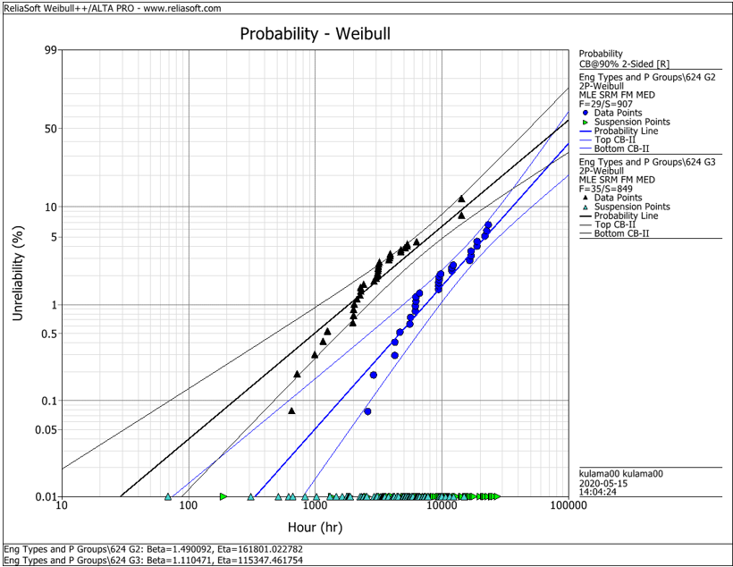
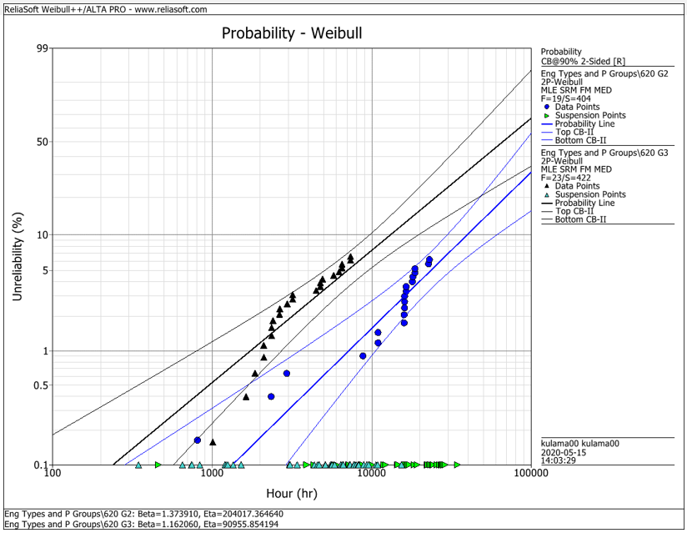
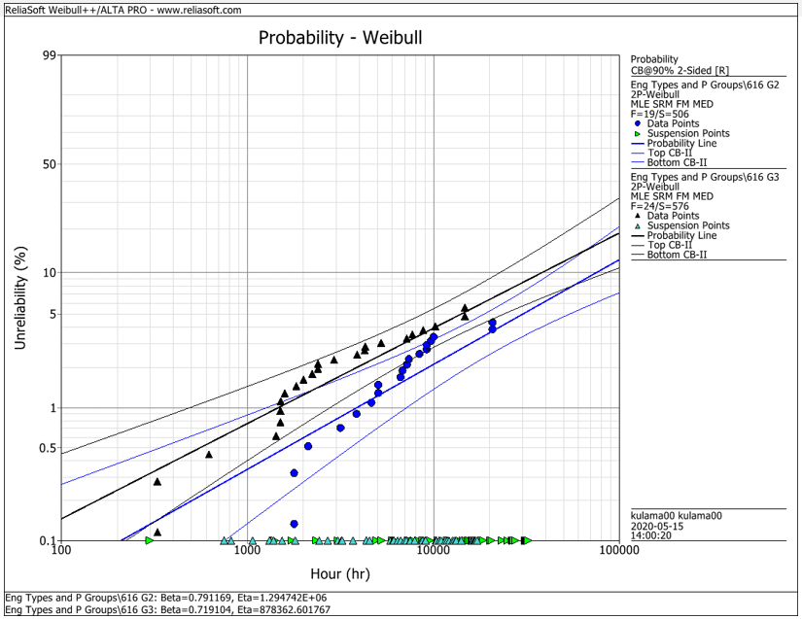
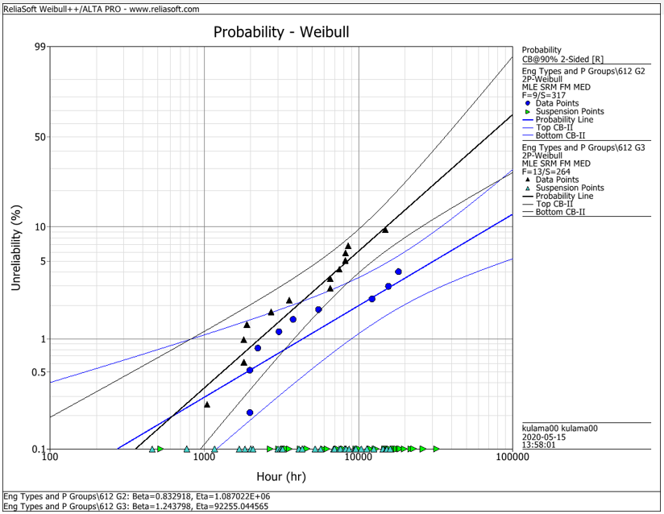
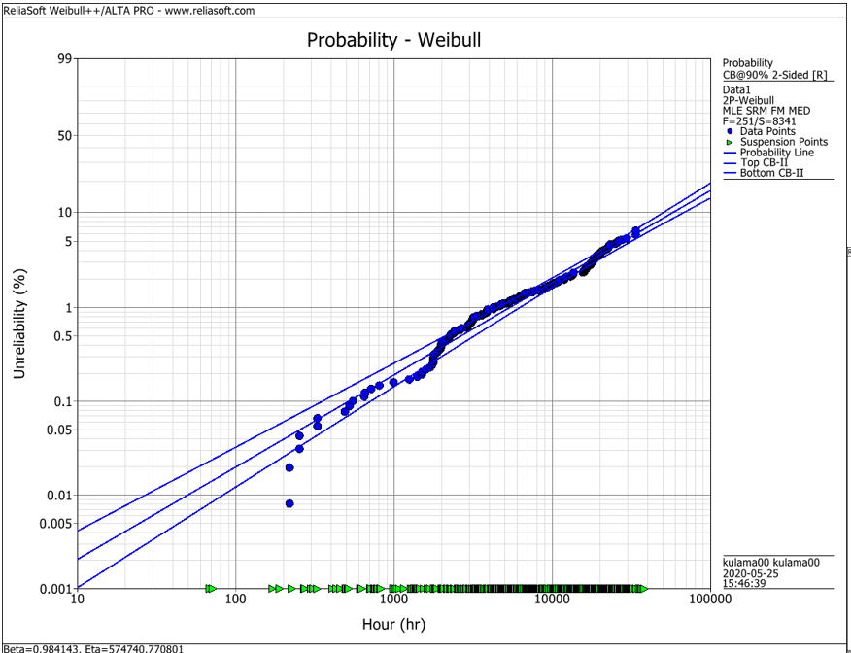
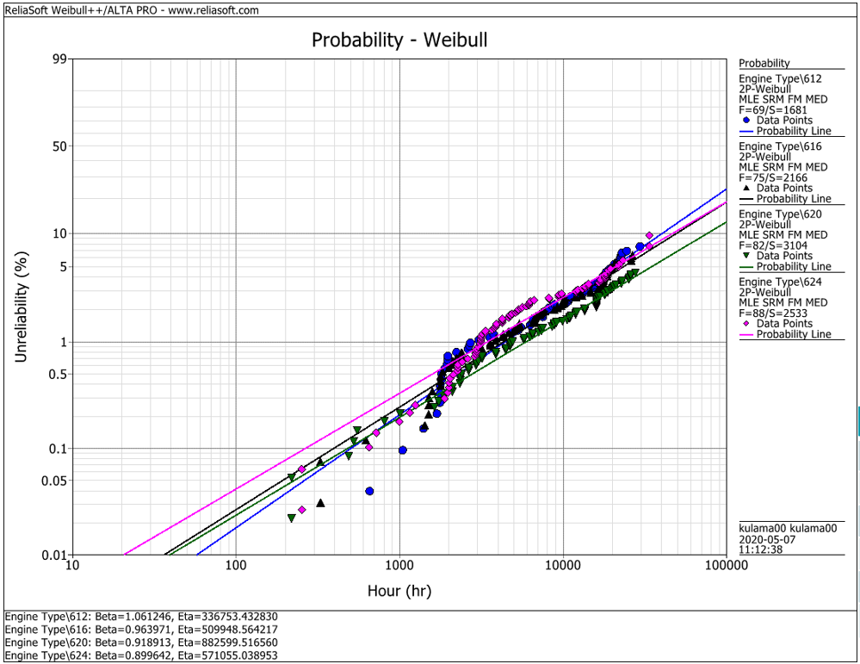
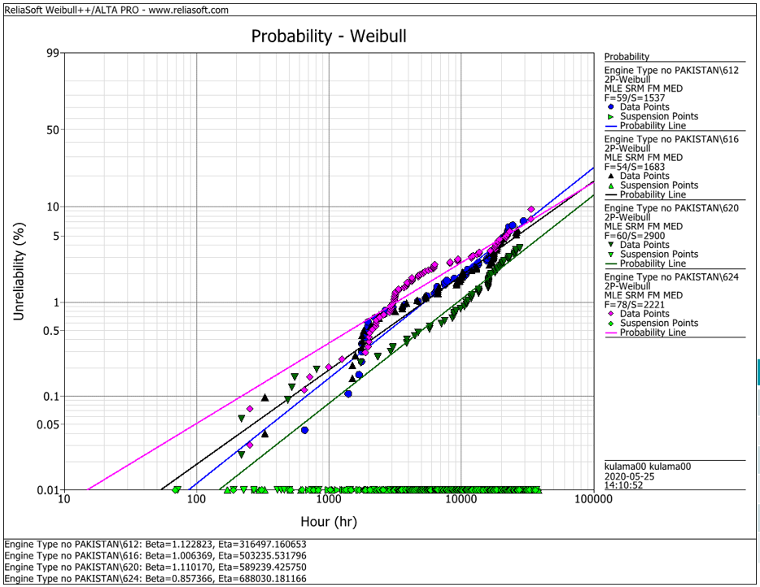
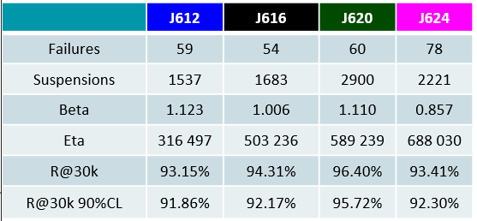
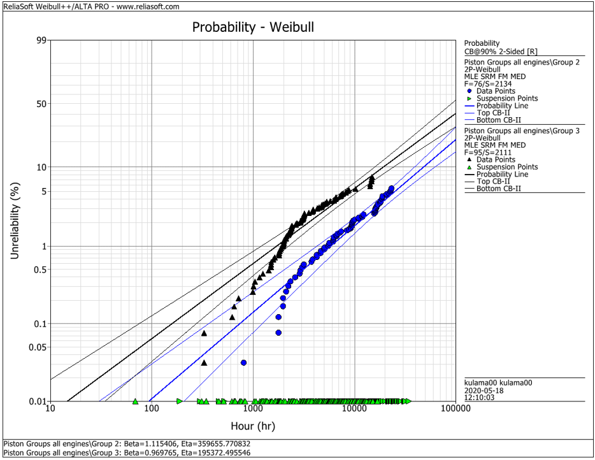
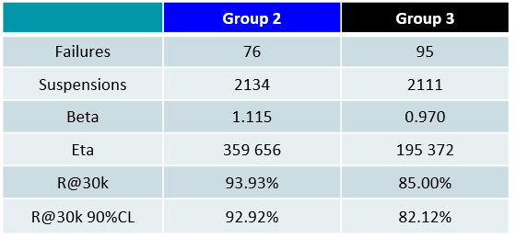
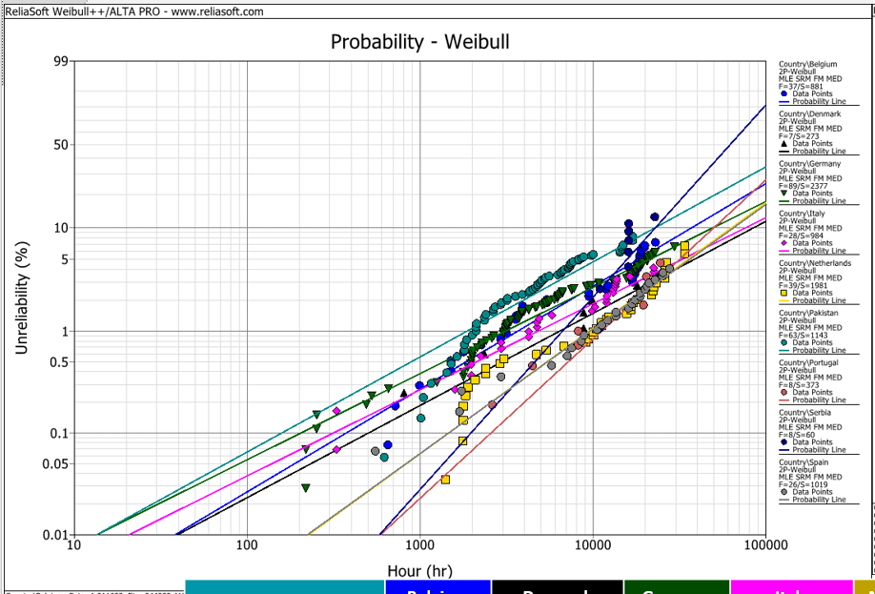
EDC Weibull Comparison
 | beta | R@30k 90%CL
G2 | 0,001 | 92%
G2 | 0,001 | 93%
G2 | 0,001 | 95%
G2 | 0,001 | 95%
G2 | 0,001 | 93%
G3 | 0,001 | 80%
G3 | 0,001 | 75%
G3 | 0,001 | 92%
G3 | 0,001 | 79%
G3 | 0,001 | 82%
all | 0,001 | 94%
all | 0,001 | 91%
all | 0,001 | 93%
all | 0,001 | 95%
all | 0,001 | 92%
all w/o Pak | 0,001 | 92%
all w/o Pak | 0,001 | 92%
all w/o Pak | 0,001 | 96%
all w/o Pak | 0,001 | 93%

 |  | f | s | beta | eta | R@30k 90%CL | Comment
J624 | G2 | 29 | 907 | 1.490 | 161801 | 92.2% | T23 with LKZ OCR
J620 | G2 | 19 | 404 | 1.374 | 204017 | 93.0% | T23 with LKZ OCR
J616 | G2 | 19 | 506 | 0.791 | 1294700 | 95.0% | T23 with LKZ OCR
J612 | G2 | 9 | 317 | 0.830 | 1088700 | 95.0% | T23 with LKZ OCR
J6xx | G2 | 76 | 2134 | 1.115 | 359656 | 92.9% | T23 with LKZ OCR

J624 | G3 | 35 | 849 | 1.110 | 115347 | 80.0% | T23 with flat OCR
J620 | G3 | 23 | 422 | 1.162 | 90955 | 75.0% | T23 with flat OCR
J616 | G3 | 24 | 576 | 0.719 | 878362 | 91.5% | T23 with LKZ OCR
J612 | G3 | 13 | 264 | 1.244 | 92255 | 79.0% | T23 with LKZ OCR
J6xx | G3 | 95 | 2111 | 0.970 | 195372 | 82.1% | T23 with LKZ OCR

J6xx | all | 251 | 8341 | 0.984 | 574741 | 94.2% | Source - cleaned by Maciej 2020-05_25
J612 | all | 69 | 1681 | 1.061 | 336753 | 91.3% | Source - cleaned by Maciej 2020-05_25
J616 | all | 75 | 2166 | 0.964 | 509948 | 92.6% | Source - cleaned by Maciej 2020-05_25
J620 | all | 82 | 3104 | 0.919 | 882599 | 94.9% | Source - cleaned by Maciej 2020-05_25
J624 | all | 88 | 2533 | 0.899 | 571055 | 92.1% | Source - cleaned by Maciej 2020-05_25

J612 | all w/o Pak | 59 | 1537 | 1.123 | 316497 | 91.9% | Source - cleaned by Maciej 2020-05_25
J616 | all w/o Pak | 54 | 1683 | 1.006 | 503236 | 92.2% | Source - cleaned by Maciej 2020-05_25
J620 | all w/o Pak | 60 | 2900 | 1.110 | 589239 | 95.7% | Source - cleaned by Maciej 2020-05_25
J624 | all w/o Pak | 78 | 2221 | 0.857 | 688030 | 93.4% | Source - cleaned by Maciej 2020-05_25

 |  | beta | 1.490 | max
 |  |  | 0.719 | min
 |  |  | 1.038 | mittel
 |  |  | 1.006 | median

