summary
Demonstrated Reliability
 | CLB 90% - 10% |  | CLB 90% - 10% |  | CLB 90% - 10% |  | R1 |  | R2 |  | R3 |  | today |  | R Ref |  | Weibull, b = 1,21 |  | Weibull G3, b 0,97
 | 17.8% | 0 | 97.0% | 0 | 95.0% | 0 | 0.0% | 0 | 0.0% | 0 | 0.0% | 83184 | 0.00 | 83184 | 99.2% | 0 | 100.0% | 0 | 100.0%
 | 17.8% | 2496 | 97.0% | 2496 | 95.0% | 2496 | 30.4% | 2496 | 1.9% | 2496 | 83.5% | 83184 | 1.00 |  |  | 2496 | 100.0% | 2496 | 98.6%
 | 17.8% | 6655 | 97.0% | 6655 | 95.0% | 6655 | 69.6% | 6655 | 30.0% | 6655 | 94.6% |  |  |  |  | 6655 | 100.0% | 6655 | 96.3%
 | 17.8% | 12478 | 97.0% | 12478 | 95.0% | 12478 | 85.1% | 12478 | 58.5% | 12478 | 97.6% |  |  |  |  | 12478 | 99.9% | 12478 | 93.3%
 | 17.8% | 16637 | 97.0% | 16637 | 95.0% | 16637 | 91.2% | 16637 | 73.5% | 16637 | 98.6% |  |  |  |  | 16637 | 99.9% | 16637 | 91.2%
 | 17.8% | 20796 | 97.0% | 20796 | 95.0% | 20796 | 93.9% | 20796 | 81.3% | 20796 | 99.1% |  |  |  |  | 20796 | 99.8% | 20796 | 89.2%
 | 13.6% | 24955 | 97.0% | 24955 | 95.0% | 24955 | 95.5% | 24955 | 85.7% | 24955 | 99.3% |  |  |  |  | 24955 | 99.8% | 24955 | 87.3%
 | 10.8% | 29114 | 97.0% | 29114 | 95.0% | 29114 | 96.4% | 29114 | 88.6% | 29114 | 99.4% |  |  |  |  | 29114 | 99.8% | 29114 | 85.4%
 | 9.0% | 33274 | 97.0% | 33274 | 95.0% | 33274 | 97.1% | 33274 | 90.6% | 33274 | 99.5% |  |  |  |  | 33274 | 99.7% | 33274 | 83.6%
 | 7.6% | 37433 | 97.0% | 37433 | 95.0% | 37433 | 97.5% | 37433 | 92.0% | 37433 | 99.6% |  |  |  |  | 37433 | 99.7% | 37433 | 81.8%
 | 6.6% | 41592 | 97.0% | 41592 | 95.0% | 41592 | 97.9% | 41592 | 93.1% | 41592 | 99.7% |  |  |  |  | 41592 | 99.6% | 41592 | 80.0%
 | 5.8% | 45751 | 97.0% | 45751 | 95.0% | 45751 | 98.1% | 45751 | 94.0% | 45751 | 99.7% |  |  |  |  | 45751 | 99.6% | 45751 | 78.3%
 | 4.8% | 49910 | 97.0% | 49910 | 95.0% | 49910 | 98.5% | 49910 | 95.0% | 49910 | 99.8% |  |  |  |  | 49910 | 99.5% | 49910 | 76.6%
 | 3.7% | 54070 | 97.0% | 54070 | 95.0% | 54070 | 98.8% | 54070 | 96.1% | 54070 | 99.8% |  |  |  |  | 54070 | 99.5% | 54070 | 75.0%
 | 3.0% | 58229 | 97.0% | 58229 | 95.0% | 58229 | 99.1% | 58229 | 96.9% | 58229 | 99.9% |  |  |  |  | 58229 | 99.4% | 58229 | 73.4%
 | 2.4% | 62388 | 97.0% | 62388 | 95.0% | 62388 | 99.2% | 62388 | 97.5% | 62388 | 99.9% |  |  |  |  | 62388 | 99.4% | 62388 | 71.9%
 | 2.0% | 66547 | 97.0% | 66547 | 95.0% | 66547 | 99.4% | 66547 | 97.9% | 66547 | 99.9% |  |  |  |  | 66547 | 99.3% | 66547 | 70.3%
 | 1.6% | 70706 | 97.0% | 70706 | 95.0% | 70706 | 99.5% | 70706 | 98.3% | 70706 | 99.9% |  |  |  |  | 70706 | 99.3% | 70706 | 68.9%
 | 1.3% | 74866 | 97.0% | 74866 | 95.0% | 74866 | 99.6% | 74866 | 98.7% | 74866 | 99.9% |  |  |  |  | 74866 | 99.2% | 74866 | 67.4%
 | 1.0% | 79025 | 97.0% | 79025 | 95.0% | 79025 | 99.7% | 79025 | 99.0% | 79025 | 100.0% |  |  |  |  | 79025 | 99.2% | 79025 | 66.0%
 | 0.8% | 83184 | 97.0% | 83184 | 95.0% | 83184 | 99.7% | 83184 | 99.2% | 83184 | 100.0% |  |  |  |  | 83184 | 99.1% | 83184 | 64.6%
 | 0.7% | 87343 | 97.0% | 87343 | 95.0% | 87343 | 99.8% | 87343 | 99.3% | 87343 | 100.0% |  |  |  |  | 87343 | 99.1% | 87343 | 63.3%
 | 0.6% | 91502 | 97.0% | 91502 | 95.0% | 91502 | 99.8% | 91502 | 99.4% | 91502 | 100.0% |  |  |  |  | 91502 | 99.0% | 91502 | 61.9%
 | 0.5% | 95662 | 97.0% | 95662 | 95.0% | 95662 | 99.8% | 95662 | 99.5% | 95662 | 100.0% |  |  |  |  | 95662 | 99.0% | 95662 | 60.6%
 | 0.4% | 99821 | 97.0% | 99821 | 95.0% | 99821 | 99.9% | 99821 | 99.6% | 99821 | 100.0% |  |  |  |  | 99821 | 98.9% | 99821 | 59.4%
 | 0.4% | 103980 | 97.0% | 103980 | 95.0% | 103980 | 99.9% | 103980 | 99.6% | 103980 | 100.0% |  |  |  |  | 103980 | 98.9% | 103980 | 58.1%
 | 0.3% | 108139 | 97.0% | 108139 | 95.0% | 108139 | 99.9% | 108139 | 99.7% | 108139 | 100.0% |  |  |  |  | 108139 | 98.8% | 108139 | 56.9%
 | 0.3% | 112298 | 97.0% | 112298 | 95.0% | 112298 | 99.9% | 112298 | 99.7% | 112298 | 100.0% |  |  |  |  | 112298 | 98.8% | 112298 | 55.7%
 | 0.3% | 116458 | 97.0% | 116458 | 95.0% | 116458 | 99.9% | 116458 | 99.7% | 116458 | 100.0% |  |  |  |  | 116458 | 98.7% | 116458 | 54.6%
 | 0.3% | 120617 | 97.0% | 120617 | 95.0% | 120617 | 99.9% | 120617 | 99.7% | 120617 | 100.0% |  |  |  |  | 120617 | 98.7% | 120617 | 53.5%
 | 0.2% | 124776 | 97.0% | 124776 | 95.0% | 124776 | 99.9% | 124776 | 99.8% | 124776 | 100.0% |  |  |  |  | 124776 | 98.6% | 124776 | 52.3%
 | 0.2% | 128935 | 97.0% | 128935 | 95.0% | 128935 | 99.9% | 128935 | 99.8% | 128935 | 100.0% |  |  |  |  | 128935 | 98.5% | 128935 | 51.3%
 | 0.2% | 133094 | 97.0% | 133094 | 95.0% | 133094 | 99.9% | 133094 | 99.8% | 133094 | 100.0% |  |  |  |  | 133094 | 98.5% | 133094 | 50.2%
 | 0.2% | 137254 | 97.0% | 137254 | 95.0% | 137254 | 99.9% | 137254 | 99.8% | 137254 | 100.0% |  |  |  |  | 137254 | 98.4% | 137254 | 49.2%
 | 0.2% | 141413 | 97.0% | 141413 | 95.0% | 141413 | 99.9% | 141413 | 99.8% | 141413 | 100.0% |  |  |  |  | 141413 | 98.4% | 141413 | 48.1%
 | 0.2% | 145572 | 97.0% | 145572 | 95.0% | 145572 | 99.9% | 145572 | 99.8% | 145572 | 100.0% |  |  |  |  | 145572 | 98.3% | 145572 | 47.2%
 | 0.2% | 149731 | 97.0% | 149731 | 95.0% | 149731 | 100.0% | 149731 | 99.8% | 149731 | 100.0% |  |  |  |  | 149731 | 98.3% | 149731 | 46.2%
 | 0.1% | 153890 | 97.0% | 153890 | 95.0% | 153890 | 100.0% | 153890 | 99.8% | 153890 | 100.0% |  |  |  |  | 153890 | 98.2% | 153890 | 45.2%
 | 0.1% | 158050 | 97.0% | 158050 | 95.0% | 158050 | 100.0% | 158050 | 99.9% | 158050 | 100.0% |  |  |  |  | 158050 | 98.1% | 158050 | 44.3%
 | 0.1% | 162209 | 97.0% | 162209 | 95.0% | 162209 | 100.0% | 162209 | 99.9% | 162209 | 100.0% |  |  |  |  | 162209 | 98.1% | 162209 | 43.4%
 | 0.1% | 166368 | 97.0% | 166368 | 95.0% | 166368 | 100.0% | 166368 | 99.9% | 166368 | 100.0% |  |  |  |  | 166368 | 98.0% | 166368 | 42.5%
 |  |  |  |  |  |  | Pn | 1013 | mbar | Tn | 0 | °C | 9.8 | kWh / mn3
Validation Fleet Status |  | Date | 12/29/20 |  |  |  | ETAMOT not fully plausible ?
624 | 17 |  | Cum hours | 449922
620 | 3 |  | Fl Leader | 66470
616 | 7 |  | Avg hours | 16069 |  |  |  |  |  |  |  |  |  | 0
612 | 1 |  | 2000 | 27 |  |  |  |  |  |  |  |  |  | 0
Sum Engines | 28 |  | 4000 | 27 |  |  |  |  |  |  |  |  |  | 0
Sum PU's | 592 |  | 6000 | 25 |  |  |  |  |  |  |  |  |  | 0
 |  |  |  |  |  |  |  |  |  |  |  |  |  | 0
Beta | Running | Available | Not Available | Error |  |  |  |  |  |  |  |  |  | 0
1.210 | 19 | 3 | 5 | 1 |  |  |  |  |  |  |  |  |  | 0
 |  |  |  |  |  |  |  |  |  |  |  |  |  | 0
 | T | CL | BETA | R |  |  |  |  |  |  |  |  |  | 0
R1 | 30000 | 50% | 1.210 | 99.7% |  |  |  |  |  |  |  |  |  | 0
R2 | 30000 | 90% | 1.210 | 99.2% |  |  |  |  |  |  |  |  |  | 0
R3 | 30000 | 10% | 1.210 | 100.0% |  |  |  |  |  |  |  |  |  | 0
 |  |  |  |  |  |  |  |  |  |  |  |  |  | 0
Field Validation Results vs. CTQ's |  |  |  | CTQ |  |  |  |  |  |  |  |  |  | 0
1. R(CL 50%) > 97% @ß = |  | 1.210 | 99.7% | 97% |  |  |  |  |  |  |  |  |  | 0
2. R(CL 90%) > 90% @ß = |  | 1.210 | 99.2% | 90% |  |  |  |  |  |  |  |  |  | 0
3. 4 Engines > 6000 oph |  |  | 25 | 4 |  |  |  |  |  |  |  |  |  | 0
 |  |  |  |  | 1.210 | 1.21 |  |  |  |  |  |  |  | 0
 | BR6 |  | hours s. VS | 83184 | 66470 | 66470 |  |  |  |  |  |  |  | 0
Bohrung [mm] | 190 |  | pess PU F | 1.0% | 105.4 | 105.4 |  |  |  |  |  |  |  | 0
Hub [mm] | 220 |  | pess PU F | 6 | 98.7% |  |  |  |  |  |  |  |  | 0
Validation Fleet oph
 |  |  | Date |  | Date line |  | 2000 |  | 6000 |  | 1145166 |  | 1175579 |  | 1184199 |  | 1198719 |  | 1243360 |  | 1243362 |  | 1250575
7/4/11 | 0 | 12/29/20 | 66470 | 12/29/20 | 0 | 7/4/11 | 2000 | 7/4/11 | 6000 | 7/4/11 | 0 | 7/4/11 | 0 | 7/4/11 | 0 | 7/4/11 | 0 | 7/4/11 | 0 | 7/4/11 | 0 | 7/4/11 | 0
10/15/11 | 2496 |  |  | 12/29/20 | 66470 | 6/26/30 | 2000 | 6/26/30 | 6000 | 10/15/11 | 0 | 10/15/11 | 0 | 10/15/11 | 0 | 10/15/11 | 0 | 10/15/11 | 0 | 10/15/11 | 1942 | 10/15/11 | 0
4/6/12 | 6655 |  |  |  |  |  |  |  |  | 4/6/12 | 0 | 4/6/12 | 0 | 4/6/12 | 0 | 4/6/12 | 0 | 4/6/12 | 0 | 4/6/12 | 5179 | 4/6/12 | 0
12/4/12 | 12478 |  |  |  |  |  |  |  |  | 12/4/12 | 0 | 12/4/12 | 0 | 12/4/12 | 0 | 12/4/12 | 0 | 12/4/12 | 844 | 12/4/12 | 9710 | 12/4/12 | 0
5/27/13 | 16637 |  |  |  |  |  |  |  |  | 5/27/13 | 0 | 5/27/13 | 0 | 5/27/13 | 0 | 5/27/13 | 0 | 5/27/13 | 4705 | 5/27/13 | 12947 | 5/27/13 | 0
11/16/13 | 20796 |  |  |  |  |  |  |  |  | 11/16/13 | 0 | 11/16/13 | 0 | 11/16/13 | 0 | 11/16/13 | 0 | 11/16/13 | 8565 | 11/16/13 | 16184 | 11/16/13 | 0
5/8/14 | 24955 |  |  |  |  |  |  |  |  | 5/8/14 | 0 | 5/8/14 | 0 | 5/8/14 | 0 | 5/8/14 | 0 | 5/8/14 | 12425 | 5/8/14 | 19420 | 5/8/14 | 0
10/29/14 | 29114 |  |  |  |  |  |  |  |  | 10/29/14 | 0 | 10/29/14 | 0 | 10/29/14 | 0 | 10/29/14 | 0 | 10/29/14 | 16286 | 10/29/14 | 22657 | 10/29/14 | 0
4/20/15 | 33274 |  |  |  |  |  |  |  |  | 4/20/15 | 0 | 4/20/15 | 0 | 4/20/15 | 0 | 4/20/15 | 0 | 4/20/15 | 20146 | 4/20/15 | 25894 | 4/20/15 | 0
10/10/15 | 37433 |  |  |  |  |  |  |  |  | 10/10/15 | 0 | 10/10/15 | 0 | 10/10/15 | 0 | 10/10/15 | 0 | 10/10/15 | 24006 | 10/10/15 | 29130 | 10/10/15 | 0
4/1/16 | 41592 |  |  |  |  |  |  |  |  | 4/1/16 | 0 | 4/1/16 | 0 | 4/1/16 | 0 | 4/1/16 | 0 | 4/1/16 | 27867 | 4/1/16 | 32367 | 4/1/16 | 0
9/21/16 | 45751 |  |  |  |  |  |  |  |  | 9/21/16 | 0 | 9/21/16 | 616 | 9/21/16 | 0 | 9/21/16 | 0 | 9/21/16 | 31727 | 9/21/16 | 35604 | 9/21/16 | 0
3/13/17 | 49910 |  |  |  |  |  |  |  |  | 3/13/17 | 2113 | 3/13/17 | 4142 | 3/13/17 | 1688 | 3/13/17 | 0 | 3/13/17 | 35587 | 3/13/17 | 38840 | 3/13/17 | 0
9/2/17 | 54070 |  |  |  |  |  |  |  |  | 9/2/17 | 5985 | 9/2/17 | 7667 | 9/2/17 | 5274 | 9/2/17 | 3450 | 9/2/17 | 39448 | 9/2/17 | 42077 | 9/2/17 | 0
2/23/18 | 58229 |  |  |  |  |  |  |  |  | 2/23/18 | 9857 | 2/23/18 | 11193 | 2/23/18 | 8859 | 2/23/18 | 7286 | 2/23/18 | 43308 | 2/23/18 | 45314 | 2/23/18 | 0
8/15/18 | 62388 |  |  |  |  |  |  |  |  | 8/15/18 | 13729 | 8/15/18 | 14718 | 8/15/18 | 12445 | 8/15/18 | 11121 | 8/15/18 | 47168 | 8/15/18 | 48551 | 8/15/18 | 0
2/4/19 | 66547 |  |  |  |  |  |  |  |  | 2/4/19 | 17600 | 2/4/19 | 18244 | 2/4/19 | 16030 | 2/4/19 | 14957 | 2/4/19 | 51029 | 2/4/19 | 51787 | 2/4/19 | 0
7/28/19 | 70706 |  |  |  |  |  |  |  |  | 7/28/19 | 21472 | 7/28/19 | 21769 | 7/28/19 | 19616 | 7/28/19 | 18792 | 7/28/19 | 54889 | 7/28/19 | 55024 | 7/28/19 | 0
1/17/20 | 74866 |  |  |  |  |  |  |  |  | 1/17/20 | 25344 | 1/17/20 | 25295 | 1/17/20 | 23201 | 1/17/20 | 22628 | 1/17/20 | 58749 | 1/17/20 | 58261 | 1/17/20 | 1184
7/8/20 | 79025 |  |  |  |  |  |  |  |  | 7/8/20 | 29215 | 7/8/20 | 28820 | 7/8/20 | 26787 | 7/8/20 | 26463 | 7/8/20 | 62610 | 7/8/20 | 61497 | 7/8/20 | 2687
12/29/20 | 83184 |  |  |  |  |  |  |  |  | 12/29/20 | 33087 | 12/29/20 | 32346 | 12/29/20 | 30372 | 12/29/20 | 30299 | 12/29/20 | 66470 | 12/29/20 | 64734 | 12/29/20 | 4191
6/20/21 | 87343 |  |  |  |  |  |  |  |  | 6/20/21 | 36959 | 6/20/21 | 35872 | 6/20/21 | 33957 | 6/20/21 | 34135 | 6/20/21 | 70330 | 6/20/21 | 67971 | 6/20/21 | 5695
12/10/21 | 91502 |  |  |  |  |  |  |  |  | 12/10/21 | 40830 | 12/10/21 | 39397 | 12/10/21 | 37543 | 12/10/21 | 37970 | 12/10/21 | 74191 | 12/10/21 | 71207 | 12/10/21 | 7198
6/1/22 | 95662 |  |  |  |  |  |  |  |  | 6/1/22 | 44702 | 6/1/22 | 42923 | 6/1/22 | 41128 | 6/1/22 | 41806 | 6/1/22 | 78051 | 6/1/22 | 74444 | 6/1/22 | 8702
11/22/22 | 99821 |  |  |  |  |  |  |  |  | 11/22/22 | 48574 | 11/22/22 | 46448 | 11/22/22 | 44714 | 11/22/22 | 45641 | 11/22/22 | 81911 | 11/22/22 | 77681 | 11/22/22 | 10206
5/14/23 | 103980 |  |  |  |  |  |  |  |  | 5/14/23 | 52445 | 5/14/23 | 49974 | 5/14/23 | 48299 | 5/14/23 | 49477 | 5/14/23 | 85772 | 5/14/23 | 80918 | 5/14/23 | 11710
11/3/23 | 108139 |  |  |  |  |  |  |  |  | 11/3/23 | 56317 | 11/3/23 | 53499 | 11/3/23 | 51885 | 11/3/23 | 53312 | 11/3/23 | 89632 | 11/3/23 | 84154 | 11/3/23 | 13213
4/25/24 | 112298 |  |  |  |  |  |  |  |  | 4/25/24 | 60189 | 4/25/24 | 57025 | 4/25/24 | 55470 | 4/25/24 | 57148 | 4/25/24 | 93492 | 4/25/24 | 87391 | 4/25/24 | 14717
10/15/24 | 116458 |  |  |  |  |  |  |  |  | 10/15/24 | 64061 | 10/15/24 | 60550 | 10/15/24 | 59056 | 10/15/24 | 60983 | 10/15/24 | 97353 | 10/15/24 | 90628 | 10/15/24 | 16221
4/6/25 | 120617 |  |  |  |  |  |  |  |  | 4/6/25 | 67932 | 4/6/25 | 64076 | 4/6/25 | 62641 | 4/6/25 | 64819 | 4/6/25 | 101213 | 4/6/25 | 93864 | 4/6/25 | 17725
9/27/25 | 124776 |  |  |  |  |  |  |  |  | 9/27/25 | 71804 | 9/27/25 | 67601 | 9/27/25 | 66227 | 9/27/25 | 68654 | 9/27/25 | 105073 | 9/27/25 | 97101 | 9/27/25 | 19228
3/19/26 | 128935 |  |  |  |  |  |  |  |  | 3/19/26 | 75676 | 3/19/26 | 71127 | 3/19/26 | 69812 | 3/19/26 | 72490 | 3/19/26 | 108934 | 3/19/26 | 100338 | 3/19/26 | 20732
9/8/26 | 133094 |  |  |  |  |  |  |  |  | 9/8/26 | 79547 | 9/8/26 | 74652 | 9/8/26 | 73398 | 9/8/26 | 76325 | 9/8/26 | 112794 | 9/8/26 | 103574 | 9/8/26 | 22236
2/28/27 | 137254 |  |  |  |  |  |  |  |  | 2/28/27 | 83419 | 2/28/27 | 78178 | 2/28/27 | 76983 | 2/28/27 | 80161 | 2/28/27 | 116654 | 2/28/27 | 106811 | 2/28/27 | 23739
8/21/27 | 141413 |  |  |  |  |  |  |  |  | 8/21/27 | 87291 | 8/21/27 | 81703 | 8/21/27 | 80569 | 8/21/27 | 83996 | 8/21/27 | 120515 | 8/21/27 | 110048 | 8/21/27 | 25243
2/10/28 | 145572 |  |  |  |  |  |  |  |  | 2/10/28 | 91162 | 2/10/28 | 85229 | 2/10/28 | 84154 | 2/10/28 | 87832 | 2/10/28 | 124375 | 2/10/28 | 113285 | 2/10/28 | 26747
8/1/28 | 149731 |  |  |  |  |  |  |  |  | 8/1/28 | 95034 | 8/1/28 | 88754 | 8/1/28 | 87739 | 8/1/28 | 91667 | 8/1/28 | 128235 | 8/1/28 | 116521 | 8/1/28 | 28251
1/22/29 | 153890 |  |  |  |  |  |  |  |  | 1/22/29 | 98906 | 1/22/29 | 92280 | 1/22/29 | 91325 | 1/22/29 | 95503 | 1/22/29 | 132096 | 1/22/29 | 119758 | 1/22/29 | 29754
7/14/29 | 158050 |  |  |  |  |  |  |  |  | 7/14/29 | 102777 | 7/14/29 | 95805 | 7/14/29 | 94910 | 7/14/29 | 99338 | 7/14/29 | 135956 | 7/14/29 | 122995 | 7/14/29 | 31258
1/3/30 | 162209 |  |  |  |  |  |  |  |  | 1/3/30 | 106649 | 1/3/30 | 99331 | 1/3/30 | 98496 | 1/3/30 | 103174 | 1/3/30 | 139816 | 1/3/30 | 126231 | 1/3/30 | 32762
6/26/30 | 166368 |  |  |  |  |  |  |  |  | 6/26/30 | 110521 | 6/26/30 | 102856 | 6/26/30 | 102081 | 6/26/30 | 107009 | 6/26/30 | 143677 | 6/26/30 | 129468 | 6/26/30 | 34266
VH zyl [dm3] | 6.24 |  | like PU F | 0.3% | 2432021 | 6656060.9452 |  |  |  |  |  |  |  | 0
 |  |  | like PU F | 1 | 99.5% |  |  |  |  |  |  |  |  | 0
 |  |  |  | 20204.478798 | 0.49% | 0.38% |  |  |  |  |  |  |  | 0
 |  |  |  |  | 0.52 | 2.2428 |  |  |  |  |  |  |  | 0
Engines | ~ BMP Avg | z | VH [dm3] | etael |  |  |  |  |  |  |  |  |  | 0
624 | 24.2 | 24 | 149.7 | 98.1% |  |  |  |  |  |  |  |  |  | 0
620 | 22.0 | 20 | 124.8 | 98.0% |  |  |  |  |  |  |  |  |  | 0
616 | 22.0 | 16 | 99.8 | 97.6% |  |  |  |  |  |  |  |  |  | 0
612 | 22.0 | 12 | 74.9 | 98.6% |  |  |  |  |  |  |  |  |  | 0
 |  |  |  |  |  |  |  |  |  |  |  |  |  | 0
BMEP Avg | BMEP Min | BMEP Max | NOX | MN | Version | #
24.3 | 24.0 | 24.5 | 500 | 80 | K01 | 3
24.4 | 24.0 | 24.5 | 500 | 80 | H01 | 11
24.0 | 24.0 | 24.0 | 250 | 80 | H02 | 1
 | 0.0 | 0.0 | 500 | 70 | H101 | 0
24.5 | 24.5 | 24.5 | 250 | 70 | H12 | 1
22.0 | 22.0 | 22.0 | 500 | 80 | F01 | 3
22.0 | 22.0 | 22.0 | 500 | 80 | J01 | 2
22.0 | 22.0 | 22.0 | 500 | 70 | J101 | 1
22.0 | 22.0 | 22.0 | 500 | 70 | J11 | 1
22.0 | 22.0 | 22.0 | 500 | 70 | F11 | 1
22.0 | 22.0 | 22.0 | 250 | 70 | F12 | 1
22.0 | 22.0 | 22.0 | 250 | 70 | J12 | 2
22.9 | 22.9 | 22.9 | 500 | 80 | K505 | 1
 |  |  |  |  |  | 28

ndReliaCalc2
 | Data Date | 2020-12-29 18:01:36
 | Val Start | 2011-07-04
 | Val Period (days) | 3466
 | Beta (R2) | 1.21

 |  |  |  | 2000h line | 2000 | 2000
 |  |  |  |  | 2019-05-01 | 2021-12-31
 |  |  |  | 6000h line | 6000 | 6000
 |  |  |  |  | 2019-05-01 | 2021-12-31

 |  |  |  |  |  |  |  | R1 failures | 0 | 0 | 0 | 0 | 0 | 0 | 0 | 0 | 0 | 0 | 0 | 0 | 0 | 0 | 0 | 0 | 0 | 0 | 0 | 0 | 0 | 0 | 0 | 0 | 0 | 0 | 0 | 0 | 0 | 0 | 0 | 0 | 0 | 0 | 0 | 0 | 0 | 0 | 0 | 0 | 0
 |  |  |  |  |  |  |  | R2 failures | 0 | 0 | 0 | 0 | 0 | 0 | 0 | 0 | 0 | 0 | 0 | 0 | 0 | 0 | 0 | 0 | 0 | 0 | 0 | 0 | 0 | 0 | 0 | 0 | 0 | 0 | 0 | 0 | 0 | 0 | 0 | 0 | 0 | 0 | 0 | 0 | 0 | 0 | 0 | 0 | 0
 |  |  |  | f1 | 2020-12-19 18:01:36 | 0 | 100% | 3456 | 0 | 0 | 0 | 0 | 0 | 0 | 0 | 0 | 0 | 0 | 0 | 0 | 0 | 0 | 0 | 0 | 0 | 0 | 0 | 0 | 0 | 0 | 0 | 0 | 0 | 0 | 0 | 0 | 0 | 0 | 0 | 0 | 0 | 0 | 0 | 0 | 0 | 0 | 0 | 0 | 0
 |  |  |  | f2 | 2021-01-28 18:01:36 | 0 | 101% | 3496 | 0 | 0 | 0 | 0 | 0 | 0 | 0 | 0 | 0 | 0 | 0 | 0 | 0 | 0 | 0 | 0 | 0 | 0 | 0 | 0 | 0 | 0 | 0 | 0 | 0 | 0 | 0 | 0 | 0 | 0 | 0 | 0 | 0 | 0 | 0 | 0 | 0 | 0 | 0 | 0 | 0
 |  |  |  | f3 | 2020-11-28 18:01:36 | 0 | 99% | 3435 | 0 | 0 | 0 | 0 | 0 | 0 | 0 | 0 | 0 | 0 | 0 | 0 | 0 | 0 | 0 | 0 | 0 | 0 | 0 | 0 | 0 | 0 | 0 | 0 | 0 | 0 | 0 | 0 | 0 | 0 | 0 | 0 | 0 | 0 | 0 | 0 | 0 | 0 | 0 | 0 | 0
 |  |  |  | f4 | 2020-08-27 18:01:36 | 0 | 96% | 3342 | 0 | 0 | 0 | 0 | 0 | 0 | 0 | 0 | 0 | 0 | 0 | 0 | 0 | 0 | 0 | 0 | 0 | 0 | 0 | 0 | 0 | 0 | 0 | 0 | 0 | 0 | 0 | 0 | 0 | 0 | 0 | 0 | 0 | 0 | 0 | 0 | 0 | 0 | 0 | 0 | 0
 |  |  |  | f5 | 2021-05-02 18:01:36 | 0 | 104% | 3590 | 0 | 0 | 0 | 0 | 0 | 0 | 0 | 0 | 0 | 0 | 0 | 0 | 0 | 0 | 0 | 0 | 0 | 0 | 0 | 0 | 0 | 0 | 0 | 0 | 0 | 0 | 0 | 0 | 0 | 0 | 0 | 0 | 0 | 0 | 0 | 0 | 0 | 0 | 0 | 0 | 0
 |  |  |  | f6 | 2021-07-03 18:01:36 | 0 | 105% | 3652 | 0 | 0 | 0 | 0 | 0 | 0 | 0 | 0 | 0 | 0 | 0 | 0 | 0 | 0 | 0 | 0 | 0 | 0 | 0 | 0 | 0 | 0 | 0 | 0 | 0 | 0 | 0 | 0 | 0 | 0 | 0 | 0 | 0 | 0 | 0 | 0 | 0 | 0 | 0 | 0 | 0
 |  |  |  | f7 | 0 | 0 | -1175% | -40728 | 0 | 0 | 0 | 0 | 0 | 0 | 0 | 0 | 0 | 0 | 0 | 0 | 0 | 0 | 0 | 0 | 0 | 0 | 0 | 0 | 0 | 0 | 0 | 0 | 0 | 0 | 0 | 0 | 0 | 0 | 0 | 0 | 0 | 0 | 0 | 0 | 0 | 0 | 0 | 0 | 0
 |  |  |  | f8 | 0 | 0 | -1175% | -40728 | 0 | 0 | 0 | 0 | 0 | 0 | 0 | 0 | 0 | 0 | 0 | 0 | 0 | 0 | 0 | 0 | 0 | 0 | 0 | 0 | 0 | 0 | 0 | 0 | 0 | 0 | 0 | 0 | 0 | 0 | 0 | 0 | 0 | 0 | 0 | 0 | 0 | 0 | 0 | 0 | 0
 |  |  |  | f9 | 0 | 0 | -1175% | -40728 | 0 | 0 | 0 | 0 | 0 | 0 | 0 | 0 | 0 | 0 | 0 | 0 | 0 | 0 | 0 | 0 | 0 | 0 | 0 | 0 | 0 | 0 | 0 | 0 | 0 | 0 | 0 | 0 | 0 | 0 | 0 | 0 | 0 | 0 | 0 | 0 | 0 | 0 | 0 | 0 | 0
 |  |  |  | f10 | 0 | 0 | -1175% | -40728 | 0 | 0 | 0 | 0 | 0 | 0 | 0 | 0 | 0 | 0 | 0 | 0 | 0 | 0 | 0 | 0 | 0 | 0 | 0 | 0 | 0 | 0 | 0 | 0 | 0 | 0 | 0 | 0 | 0 | 0 | 0 | 0 | 0 | 0 | 0 | 0 | 0 | 0 | 0 | 0 | 0
 |  |  |  | f11 | 0 | 0 | -1175% | -40728 | 0 | 0 | 0 | 0 | 0 | 0 | 0 | 0 | 0 | 0 | 0 | 0 | 0 | 0 | 0 | 0 | 0 | 0 | 0 | 0 | 0 | 0 | 0 | 0 | 0 | 0 | 0 | 0 | 0 | 0 | 0 | 0 | 0 | 0 | 0 | 0 | 0 | 0 | 0 | 0 | 0
 |  |  |  | f12 | 0 | 0 | -1175% | -40728 | 0 | 0 | 0 | 0 | 0 | 0 | 0 | 0 | 0 | 0 | 0 | 0 | 0 | 0 | 0 | 0 | 0 | 0 | 0 | 0 | 0 | 0 | 0 | 0 | 0 | 0 | 0 | 0 | 0 | 0 | 0 | 0 | 0 | 0 | 0 | 0 | 0 | 0 | 0 | 0 | 0
 |  |  |  | f13 | 0 | 0 | -1175% | -40728 | 0 | 0 | 0 | 0 | 0 | 0 | 0 | 0 | 0 | 0 | 0 | 0 | 0 | 0 | 0 | 0 | 0 | 0 | 0 | 0 | 0 | 0 | 0 | 0 | 0 | 0 | 0 | 0 | 0 | 0 | 0 | 0 | 0 | 0 | 0 | 0 | 0 | 0 | 0 | 0 | 0
 |  |  |  | f14 | 0 | 0 | -1175% | -40728 | 0 | 0 | 0 | 0 | 0 | 0 | 0 | 0 | 0 | 0 | 0 | 0 | 0 | 0 | 0 | 0 | 0 | 0 | 0 | 0 | 0 | 0 | 0 | 0 | 0 | 0 | 0 | 0 | 0 | 0 | 0 | 0 | 0 | 0 | 0 | 0 | 0 | 0 | 0 | 0 | 0
 |  |  |  | f15 | 0 | 0 | -1175% | -40728 | 0 | 0 | 0 | 0 | 0 | 0 | 0 | 0 | 0 | 0 | 0 | 0 | 0 | 0 | 0 | 0 | 0 | 0 | 0 | 0 | 0 | 0 | 0 | 0 | 0 | 0 | 0 | 0 | 0 | 0 | 0 | 0 | 0 | 0 | 0 | 0 | 0 | 0 | 0 | 0 | 0
 |  |  |  | f16 | 0 | 0 | -1175% | -40728 | 0 | 0 | 0 | 0 | 0 | 0 | 0 | 0 | 0 | 0 | 0 | 0 | 0 | 0 | 0 | 0 | 0 | 0 | 0 | 0 | 0 | 0 | 0 | 0 | 0 | 0 | 0 | 0 | 0 | 0 | 0 | 0 | 0 | 0 | 0 | 0 | 0 | 0 | 0 | 0 | 0
 |  |  |  | f17 | 0 | 0 | -1175% | -40728 | 0 | 0 | 0 | 0 | 0 | 0 | 0 | 0 | 0 | 0 | 0 | 0 | 0 | 0 | 0 | 0 | 0 | 0 | 0 | 0 | 0 | 0 | 0 | 0 | 0 | 0 | 0 | 0 | 0 | 0 | 0 | 0 | 0 | 0 | 0 | 0 | 0 | 0 | 0 | 0 | 0
 |  |  |  | f18 | 0 | 0 | -1175% | -40728 | 0 | 0 | 0 | 0 | 0 | 0 | 0 | 0 | 0 | 0 | 0 | 0 | 0 | 0 | 0 | 0 | 0 | 0 | 0 | 0 | 0 | 0 | 0 | 0 | 0 | 0 | 0 | 0 | 0 | 0 | 0 | 0 | 0 | 0 | 0 | 0 | 0 | 0 | 0 | 0 | 0
 |  |  |  | f19 | 0 | 0 | -1175% | -40728 | 0 | 0 | 0 | 0 | 0 | 0 | 0 | 0 | 0 | 0 | 0 | 0 | 0 | 0 | 0 | 0 | 0 | 0 | 0 | 0 | 0 | 0 | 0 | 0 | 0 | 0 | 0 | 0 | 0 | 0 | 0 | 0 | 0 | 0 | 0 | 0 | 0 | 0 | 0 | 0 | 0
 |  |  |  | f20 | 0 | 0 | -1175% | -40728 | 0 | 0 | 0 | 0 | 0 | 0 | 0 | 0 | 0 | 0 | 0 | 0 | 0 | 0 | 0 | 0 | 0 | 0 | 0 | 0 | 0 | 0 | 0 | 0 | 0 | 0 | 0 | 0 | 0 | 0 | 0 | 0 | 0 | 0 | 0 | 0 | 0 | 0 | 0 | 0 | 0
 |  |  |  | f21 | 0 | 0 | -1175% | -40728 | 0 | 0 | 0 | 0 | 0 | 0 | 0 | 0 | 0 | 0 | 0 | 0 | 0 | 0 | 0 | 0 | 0 | 0 | 0 | 0 | 0 | 0 | 0 | 0 | 0 | 0 | 0 | 0 | 0 | 0 | 0 | 0 | 0 | 0 | 0 | 0 | 0 | 0 | 0 | 0 | 0
 |  |  |  | f22 | 0 | 0 | -1175% | -40728 | 0 | 0 | 0 | 0 | 0 | 0 | 0 | 0 | 0 | 0 | 0 | 0 | 0 | 0 | 0 | 0 | 0 | 0 | 0 | 0 | 0 | 0 | 0 | 0 | 0 | 0 | 0 | 0 | 0 | 0 | 0 | 0 | 0 | 0 | 0 | 0 | 0 | 0 | 0 | 0 | 0
 |  |  |  | f23 | 0 | 0 | -1175% | -40728 | 0 | 0 | 0 | 0 | 0 | 0 | 0 | 0 | 0 | 0 | 0 | 0 | 0 | 0 | 0 | 0 | 0 | 0 | 0 | 0 | 0 | 0 | 0 | 0 | 0 | 0 | 0 | 0 | 0 | 0 | 0 | 0 | 0 | 0 | 0 | 0 | 0 | 0 | 0 | 0 | 0
 |  |  |  | f24 | 0 | 0 | -1175% | -40728 | 0 | 0 | 0 | 0 | 0 | 0 | 0 | 0 | 0 | 0 | 0 | 0 | 0 | 0 | 0 | 0 | 0 | 0 | 0 | 0 | 0 | 0 | 0 | 0 | 0 | 0 | 0 | 0 | 0 | 0 | 0 | 0 | 0 | 0 | 0 | 0 | 0 | 0 | 0 | 0 | 0
 |  |  |  | f25 | 0 | 0 | -1175% | -40728 | 0 | 0 | 0 | 0 | 0 | 0 | 0 | 0 | 0 | 0 | 0 | 0 | 0 | 0 | 0 | 0 | 0 | 0 | 0 | 0 | 0 | 0 | 0 | 0 | 0 | 0 | 0 | 0 | 0 | 0 | 0 | 0 | 0 | 0 | 0 | 0 | 0 | 0 | 0 | 0 | 0 | 0
 |  |  |  |  |  | Sum failures |  |  | 0 | 0 | 0 | 0 | 0 | 0 | 0 | 0 | 0 | 0 | 0 | 0 | 0 | 0 | 0 | 0 | 0 | 0 | 0 | 0 | 0 | 0 | 0 | 0 | 0 | 0 | 0 | 0 | 0 | 0 | 0 | 0 | 0 | 0 | 0 | 0 | 0 | 0 | 0 | 0 | 0
 |  |  |  |  |  | Input |  |  | 0% | 3% | 8% | 15% | 20% | 25% | 30% | 35% | 40% | 45% | 50% | 55% | 60% | 65% | 70% | 75% | 80% | 85% | 90% | 95% | 100% | 105% | 110% | 115% | 120% | 125% | 130% | 135% | 140% | 145% | 150% | 155% | 160% | 165% | 170% | 175% | 180% | 185% | 190% | 195% | 200%
 |  |  |  |  |  | calc % for diagram (failures) |  |  | 0% | 3% | 8% | 15% | 20% | 25% | 30% | 35% | 40% | 45% | 50% | 55% | 60% | 65% | 70% | 75% | 80% | 85% | 90% | 95% | 100% | 105% | 110% | 115% | 120% | 125% | 130% | 135% | 140% | 145% | 150% | 155% | 160% | 165% | 170% | 175% | 180% | 185% | 190% | 195% | 200%
 |  |  |  |  |  | Val test Time % |  |  | 0% | 3% | 8% | 15% | 20% | 25% | 30% | 35% | 40% | 45% | 50% | 55% | 60% | 65% | 70% | 75% | 80% | 85% | 90% | 95% | 100% | 105% | 110% | 115% | 120% | 125% | 130% | 135% | 140% | 145% | 150% | 155% | 160% | 165% | 170% | 175% | 180% | 185% | 190% | 195% | 200%
 |  |  |  |  |  | days |  |  | 0.0 | 104.0 | 277.3 | 519.9 | 693.2 | 866.5 | 1039.8 | 1213.1 | 1386.4 | 1559.7 | 1733.0 | 1906.3 | 2079.6 | 2252.9 | 2426.2 | 2599.5 | 2772.8 | 2946.1 | 3119.4 | 3292.7 | 3466.0 | 3639.3 | 3812.6 | 3985.9 | 4159.2 | 4332.5 | 4505.8 | 4679.1 | 4852.4 | 5025.7 | 5199.0 | 5372.3 | 5545.6 | 5718.9 | 5892.2 | 6065.5 | 6238.8 | 6412.1 | 6585.4 | 6758.7 | 6932.0
 |  |  |  |  |  |  |  |  | 0.00 | 1.00 |  | R Ref | 99.2% |  | R HRS | 33087
 |  |  |  |  |  |  |  | today | 83184 | 83184 |  | 2020-12-29 | 83184 |  | 2020-12-29 | 83184
 |  |  |  |  |  | CLB 90% - 10% |  |  | 17.8% | 17.8% | 17.8% | 17.8% | 17.8% | 17.8% | 13.6% | 10.8% | 9.0% | 7.6% | 6.6% | 5.8% | 4.8% | 3.7% | 3.0% | 2.4% | 2.0% | 1.6% | 1.3% | 1.0% | 0.8% | 0.7% | 0.6% | 0.5% | 0.4% | 0.4% | 0.3% | 0.3% | 0.3% | 0.3% | 0.2% | 0.2% | 0.2% | 0.2% | 0.2% | 0.2% | 0.2% | 0.1% | 0.1% | 0.1% | 0.1%
 |  |  |  |  |  |  | R | 97.0% | 97.0% | 97.0% | 97.0% | 97.0% | 97.0% | 97.0% | 97.0% | 97.0% | 97.0% | 97.0% | 97.0% | 97.0% | 97.0% | 97.0% | 97.0% | 97.0% | 97.0% | 97.0% | 97.0% | 97.0% | 97.0% | 97.0% | 97.0% | 97.0% | 97.0% | 97.0% | 97.0% | 97.0% | 97.0% | 97.0% | 97.0% | 97.0% | 97.0% | 97.0% | 97.0% | 97.0% | 97.0% | 97.0% | 97.0% | 97.0% | 97.0%
 |  |  |  |  |  |  | R | 95.0% | 95.0% | 95.0% | 95.0% | 95.0% | 95.0% | 95.0% | 95.0% | 95.0% | 95.0% | 95.0% | 95.0% | 95.0% | 95.0% | 95.0% | 95.0% | 95.0% | 95.0% | 95.0% | 95.0% | 95.0% | 95.0% | 95.0% | 95.0% | 95.0% | 95.0% | 95.0% | 95.0% | 95.0% | 95.0% | 95.0% | 95.0% | 95.0% | 95.0% | 95.0% | 95.0% | 95.0% | 95.0% | 95.0% | 95.0% | 95.0% | 95.0%
 |  |  |  |  | Weibull G3, b 0,97 | R | alpha | beta
 |  |  |  |  | R | 85.0% | 195372 | 0.97 | 100.0% | 98.6% | 96.3% | 93.3% | 91.2% | 89.2% | 87.3% | 85.4% | 83.6% | 81.8% | 80.0% | 78.3% | 76.6% | 75.0% | 73.4% | 71.9% | 70.3% | 68.9% | 67.4% | 66.0% | 64.6% | 63.3% | 61.9% | 60.6% | 59.4% | 58.1% | 56.9% | 55.7% | 54.6% | 53.5% | 52.3% | 51.3% | 50.2% | 49.2% | 48.1% | 47.2% | 46.2% | 45.2% | 44.3% | 43.4% | 42.5%
 |  |  |  |  | Weibull, b = 1,21 | R | alpha | beta
 |  |  |  |  | 30000 | 99.7% | 4226361 | 1.21 | 100.0% | 100.0% | 100.0% | 99.9% | 99.9% | 99.8% | 99.8% | 99.8% | 99.7% | 99.7% | 99.6% | 99.6% | 99.5% | 99.5% | 99.4% | 99.4% | 99.3% | 99.3% | 99.2% | 99.2% | 99.1% | 99.1% | 99.0% | 99.0% | 98.9% | 98.9% | 98.8% | 98.8% | 98.7% | 98.7% | 98.6% | 98.5% | 98.5% | 98.4% | 98.4% | 98.3% | 98.3% | 98.2% | 98.1% | 98.1% | 98.0%
 |  |  |  |  | R1 | 30000 | 50% | 1.21 |  | 30.4% | 69.6% | 85.1% | 91.2% | 93.9% | 95.5% | 96.4% | 97.1% | 97.5% | 97.9% | 98.1% | 98.5% | 98.8% | 99.1% | 99.2% | 99.4% | 99.5% | 99.6% | 99.7% | 99.7% | 99.8% | 99.8% | 99.8% | 99.9% | 99.9% | 99.9% | 99.9% | 99.9% | 99.9% | 99.9% | 99.9% | 99.9% | 99.9% | 99.9% | 99.9% | 100.0% | 100.0% | 100.0% | 100.0% | 100.0%
 |  |  |  |  | R2 | 30000 | 90% | 1.21 |  | 1.9% | 30.0% | 58.5% | 73.5% | 81.3% | 85.7% | 88.6% | 90.6% | 92.0% | 93.1% | 94.0% | 95.0% | 96.1% | 96.9% | 97.5% | 97.9% | 98.3% | 98.7% | 99.0% | 99.2% | 99.3% | 99.4% | 99.5% | 99.6% | 99.6% | 99.7% | 99.7% | 99.7% | 99.7% | 99.8% | 99.8% | 99.8% | 99.8% | 99.8% | 99.8% | 99.8% | 99.8% | 99.9% | 99.9% | 99.9%
 |  |  |  |  | R3 | 30000 | 10% | 1.21 |  | 83.5% | 94.6% | 97.6% | 98.6% | 99.1% | 99.3% | 99.4% | 99.5% | 99.6% | 99.7% | 99.7% | 99.8% | 99.8% | 99.9% | 99.9% | 99.9% | 99.9% | 99.9% | 100.0% | 100.0% | 100.0% | 100.0% | 100.0% | 100.0% | 100.0% | 100.0% | 100.0% | 100.0% | 100.0% | 100.0% | 100.0% | 100.0% | 100.0% | 100.0% | 100.0% | 100.0% | 100.0% | 100.0% | 100.0% | 100.0%
 |  |  |  |  | R4 | 30000 | 90% | 1.21 |  | 1.9% | 30.0% | 58.5% | 73.5% | 81.3% | 85.7% | 88.6% | 90.6% | 92.0% | 93.1% | 94.0% | 95.0% | 96.1% | 96.9% | 97.5% | 97.9% | 98.3% | 98.7% | 99.0% | 99.2% | 99.3% | 99.4% | 99.5% | 99.6% | 99.6% | 99.7% | 99.7% | 99.7% | 99.7% | 99.8% | 99.8% | 99.8% | 99.8% | 99.8% | 99.8% | 99.8% | 99.8% | 99.9% | 99.9% | 99.9%
 |  |  |  |  | nL |  |  | 1.21 |  | 16.0 | 16.0 | 16.8 | 20.7 | 23.4 | 25.3 | 26.7 | 27.8 | 28.7 | 29.3 | 30.0 | 32.7 | 38.2 | 44.2 | 50.1 | 55.9 | 63.6 | 75.4 | 90.6 | 105.4 | 119.3 | 132.2 | 144.1 | 155.2 | 165.5 | 175.0 | 183.8 | 192.1 | 199.8 | 207.0 | 213.7 | 220.0 | 225.9 | 231.5 | 236.8 | 241.7 | 246.4 | 250.9 | 255.1 | 259.1
 |  |  |  |  |  |  |  |  | 0 | 2496 | 6655 | 12478 | 16637 | 20796 | 24955 | 29114 | 33274 | 37433 | 41592 | 45751 | 49910 | 54070 | 58229 | 62388 | 66547 | 70706 | 74866 | 79025 | 83184 | 87343 | 91502 | 95662 | 99821 | 103980 | 108139 | 112298 | 116458 | 120617 | 124776 | 128935 | 133094 | 137254 | 141413 | 145572 | 149731 | 153890 | 158050 | 162209 | 166368
 |  |  |  |  |  |  |  | Date line | 0 | 66470 |  | Date | 66470 |  |  | 2000 | 2000 | 2000 |  | 6000 | 6000 | 6000
 |  |  |  |  |  |  |  |  | 2020-12-29 | 2020-12-29 |  |  | 2020-12-29 |  |  |  | 2011-07-04 | 2030-06-26 |  |  | 2011-07-04 | 2030-06-26
Serial Number | Name | Engine ID | Val Start | Part hrs | parts | h / day | Engine | Version | 2011-07-04 | 2011-10-15 23:31:12 | 2012-04-06 06:43:12 | 2012-12-04 21:36:00 | 2013-05-27 04:48:00 | 2013-11-16 12:00:00 | 2014-05-08 19:12:00 | 2014-10-29 02:24:00 | 2015-04-20 09:36:00 | 2015-10-10 16:48:00 | 2016-04-01 | 2016-09-21 07:12:00 | 2017-03-13 14:24:00 | 2017-09-02 21:36:00 | 2018-02-23 04:48:00 | 2018-08-15 12:00:00 | 2019-02-04 19:12:00 | 2019-07-28 02:24:00 | 2020-01-17 09:36:00 | 2020-07-08 16:48:00 | 2020-12-29 | 2021-06-20 07:12:00 | 2021-12-10 14:24:00 | 2022-06-01 21:36:00 | 2022-11-22 04:48:00 | 2023-05-14 12:00:00 | 2023-11-03 19:12:00 | 2024-04-25 02:24:00 | 2024-10-15 09:36:00 | 2025-04-06 16:48:00 | 2025-09-27 | 2026-03-19 07:12:00 | 2026-09-08 14:24:00 | 2027-02-28 21:36:00 | 2027-08-21 04:48:00 | 2028-02-10 12:00:00 | 2028-08-01 19:12:00 | 2029-01-22 02:24:00 | 2029-07-14 09:36:00 | 2030-01-03 16:48:00 | 2030-06-26
1145166 | POLYNT - 2 (1145166-T241) --> Sept | M02 | 2016-12-09 | 33087 | 24 | 22.34 | 624 | H01 | 0 | 0 | 0 | 0 | 0 | 0 | 0 | 0 | 0 | 0 | 0 | 0 | 2113 | 5985 | 9857 | 13729 | 17600 | 21472 | 25344 | 29215 | 33087 | 36959 | 40830 | 44702 | 48574 | 52445 | 56317 | 60189 | 64061 | 67932 | 71804 | 75676 | 79547 | 83419 | 87291 | 91162 | 95034 | 98906 | 102777 | 106649 | 110521
1175579 | REGENSBURG | M05 | 2016-08-22 | 32346 | 16 | 20.34 | 616 | F01 | 0 | 0 | 0 | 0 | 0 | 0 | 0 | 0 | 0 | 0 | 0 | 616 | 4142 | 7667 | 11193 | 14718 | 18244 | 21769 | 25295 | 28820 | 32346 | 35872 | 39397 | 42923 | 46448 | 49974 | 53499 | 57025 | 60550 | 64076 | 67601 | 71127 | 74652 | 78178 | 81703 | 85229 | 88754 | 92280 | 95805 | 99331 | 102856
1184199 | ROCHE PENZBERG KWKK | M01 | 2016-12-22 | 30372 | 24 | 20.69 | 624 | H02 | 0 | 0 | 0 | 0 | 0 | 0 | 0 | 0 | 0 | 0 | 0 | 0 | 1688 | 5274 | 8859 | 12445 | 16030 | 19616 | 23201 | 26787 | 30372 | 33957 | 37543 | 41128 | 44714 | 48299 | 51885 | 55470 | 59056 | 62641 | 66227 | 69812 | 73398 | 76983 | 80569 | 84154 | 87739 | 91325 | 94910 | 98496 | 102081
1198719 | ECOGEN ENERGY SYSTEMS BVBA | M02 | 2017-03-31 | 30299 | 16 | 22.13 | 616 | F12 | 0 | 0 | 0 | 0 | 0 | 0 | 0 | 0 | 0 | 0 | 0 | 0 | 0 | 3450 | 7286 | 11121 | 14957 | 18792 | 22628 | 26463 | 30299 | 34135 | 37970 | 41806 | 45641 | 49477 | 53312 | 57148 | 60983 | 64819 | 68654 | 72490 | 76325 | 80161 | 83996 | 87832 | 91667 | 95503 | 99338 | 103174 | 107009
1243360 | BMW REGENSBURG M3 | M03 | 2012-10-28 | 66470 | 16 | 22.28 | 616 | J01 | 0 | 0 | 0 | 844 | 4705 | 8565 | 12425 | 16286 | 20146 | 24006 | 27867 | 31727 | 35587 | 39448 | 43308 | 47168 | 51029 | 54889 | 58749 | 62610 | 66470 | 70330 | 74191 | 78051 | 81911 | 85772 | 89632 | 93492 | 97353 | 101213 | 105073 | 108934 | 112794 | 116654 | 120515 | 124375 | 128235 | 132096 | 135956 | 139816 | 143677
1243362 | REGENSBURG | M02 | 2011-07-04 | 64734 | 16 | 18.68 | 616 | J01 | 0 | 1942 | 5179 | 9710 | 12947 | 16184 | 19420 | 22657 | 25894 | 29130 | 32367 | 35604 | 38840 | 42077 | 45314 | 48551 | 51787 | 55024 | 58261 | 61497 | 64734 | 67971 | 71207 | 74444 | 77681 | 80918 | 84154 | 87391 | 90628 | 93864 | 97101 | 100338 | 103574 | 106811 | 110048 | 113285 | 116521 | 119758 | 122995 | 126231 | 129468
1250575 | ABINSK | M01 | 2019-09-03 | 4191 | 24 | 8.68 | 624 | K01 | 0 | 0 | 0 | 0 | 0 | 0 | 0 | 0 | 0 | 0 | 0 | 0 | 0 | 0 | 0 | 0 | 0 | 0 | 1184 | 2687 | 4191 | 5695 | 7198 | 8702 | 10206 | 11710 | 13213 | 14717 | 16221 | 17725 | 19228 | 20732 | 22236 | 23739 | 25243 | 26747 | 28251 | 29754 | 31258 | 32762 | 34266
1250578 | PROSPERITY WEAVING MILLS LTD - 1 (1351388-X243) | M01 | 2018-10-15 | 1780 | 24 | 2.21 | 624 | K505 | 0 | 0 | 0 | 0 | 0 | 0 | 0 | 0 | 0 | 0 | 0 | 0 | 0 | 0 | 0 | 0 | 249 | 632 | 1015 | 1397 | 1780 | 2163 | 2545 | 2928 | 3311 | 3694 | 4076 | 4459 | 4842 | 5224 | 5607 | 5990 | 6373 | 6755 | 7138 | 7521 | 7904 | 8286 | 8669 | 9052 | 9434
1310773 | SOTERNIX RENOVE | M01 | 2017-04-12 | 19766 | 16 | 14.57 | 616 | F11 | 0 | 0 | 0 | 0 | 0 | 0 | 0 | 0 | 0 | 0 | 0 | 0 | 0 | 2096 | 4620 | 7145 | 9669 | 12193 | 14717 | 17242 | 19766 | 22290 | 24815 | 27339 | 29863 | 32387 | 34912 | 37436 | 39960 | 42485 | 45009 | 47533 | 50057 | 52582 | 55106 | 57630 | 60154 | 62679 | 65203 | 67727 | 70252
1319138 | BMW MÜNCHEN | M02 | 2020-01-01 | 6427 | 20 | 17.71 | 620 | F01 | 0 | 0 | 0 | 0 | 0 | 0 | 0 | 0 | 0 | 0 | 0 | 0 | 0 | 0 | 0 | 0 | 0 | 0 | 290 | 3359 | 6427 | 9495 | 12564 | 15632 | 18700 | 21769 | 24837 | 27905 | 30974 | 34042 | 37110 | 40178 | 43247 | 46315 | 49383 | 52452 | 55520 | 58588 | 61657 | 64725 | 67793
1319157 | BMW MÜNCHEN | M03 | 2020-01-01 | 6494 | 20 | 17.89 | 620 | F01 | 0 | 0 | 0 | 0 | 0 | 0 | 0 | 0 | 0 | 0 | 0 | 0 | 0 | 0 | 0 | 0 | 0 | 0 | 293 | 3394 | 6494 | 9594 | 12695 | 15795 | 18895 | 21996 | 25096 | 28196 | 31296 | 34397 | 37497 | 40597 | 43698 | 46798 | 49898 | 52999 | 56099 | 59199 | 62299 | 65400 | 68500
1319997 | BMW MÜNCHEN | M02 | 2019-09-16 | 7568 | 24 | 16.10 | 624 | H01 | 0 | 0 | 0 | 0 | 0 | 0 | 0 | 0 | 0 | 0 | 0 | 0 | 0 | 0 | 0 | 0 | 0 | 0 | 1987 | 4778 | 7568 | 10358 | 13149 | 15939 | 18730 | 21520 | 24311 | 27101 | 29892 | 32682 | 35473 | 38263 | 41054 | 43844 | 46635 | 49425 | 52216 | 55006 | 57797 | 60587 | 63378
1320022 | BMW MÜNCHEN | M01 | 2019-09-16 | 7579 | 24 | 16.13 | 624 | H01 | 0 | 0 | 0 | 0 | 0 | 0 | 0 | 0 | 0 | 0 | 0 | 0 | 0 | 0 | 0 | 0 | 0 | 0 | 1990 | 4784 | 7579 | 10374 | 13168 | 15963 | 18757 | 21552 | 24346 | 27141 | 29935 | 32730 | 35525 | 38319 | 41114 | 43908 | 46703 | 49497 | 52292 | 55086 | 57881 | 60676 | 63470
1320030 | BMW MÜNCHEN | M03 | 2019-09-16 | 7641 | 24 | 16.26 | 624 | H01 | 0 | 0 | 0 | 0 | 0 | 0 | 0 | 0 | 0 | 0 | 0 | 0 | 0 | 0 | 0 | 0 | 0 | 0 | 2006 | 4824 | 7641 | 10458 | 13276 | 16093 | 18911 | 21728 | 24545 | 27363 | 30180 | 32998 | 35815 | 38633 | 41450 | 44267 | 47085 | 49902 | 52720 | 55537 | 58354 | 61172 | 63989
1320072 | BMW LANDSHUT 4.10 | M04 | 2019-01-09 | 11542 | 24 | 16.03 | 624 | H01 | 0 | 0 | 0 | 0 | 0 | 0 | 0 | 0 | 0 | 0 | 0 | 0 | 0 | 0 | 0 | 0 | 430 | 3208 | 5986 | 8764 | 11542 | 14320 | 17098 | 19876 | 22654 | 25432 | 28211 | 30989 | 33767 | 36545 | 39323 | 42101 | 44879 | 47657 | 50435 | 53213 | 55992 | 58770 | 61548 | 64326 | 67104
1320090 | BMW LANDSHUT M1 | M01 | 2019-01-07 | 9226 | 24 | 12.78 | 624 | H01 | 0 | 0 | 0 | 0 | 0 | 0 | 0 | 0 | 0 | 0 | 0 | 0 | 0 | 0 | 0 | 0 | 368 | 2583 | 4797 | 7012 | 9226 | 11440 | 13655 | 15869 | 18084 | 20298 | 22513 | 24727 | 26942 | 29156 | 31371 | 33585 | 35800 | 38014 | 40229 | 42443 | 44658 | 46872 | 49087 | 51301 | 53516
1320114 | BMW LANDSHUT 4.10 | M03 | 2019-01-09 | 9482 | 24 | 13.17 | 624 | H01 | 0 | 0 | 0 | 0 | 0 | 0 | 0 | 0 | 0 | 0 | 0 | 0 | 0 | 0 | 0 | 0 | 353 | 2635 | 4917 | 7200 | 9482 | 11764 | 14047 | 16329 | 18611 | 20893 | 23176 | 25458 | 27740 | 30022 | 32305 | 34587 | 36869 | 39151 | 41434 | 43716 | 45998 | 48281 | 50563 | 52845 | 55127
1325927 | LES COURONNERIES | M01 | 2017-11-02 | 11222 | 24 | 9.73 | 624 | H12 | 0 | 0 | 0 | 0 | 0 | 0 | 0 | 0 | 0 | 0 | 0 | 0 | 0 | 0 | 1102 | 2788 | 4475 | 6162 | 7849 | 9535 | 11222 | 12909 | 14595 | 16282 | 17969 | 19656 | 21342 | 23029 | 24716 | 26402 | 28089 | 29776 | 31462 | 33149 | 34836 | 36523 | 38209 | 39896 | 41583 | 43269 | 44956
1339812 | DALOMA | M01 | 2018-11-23 | 5936 | 12 | 7.74 | 612 | J12 | 0 | 0 | 0 | 0 | 0 | 0 | 0 | 0 | 0 | 0 | 0 | 0 | 0 | 0 | 0 | 0 | 571 | 1912 | 3254 | 4595 | 5936 | 7277 | 8618 | 9960 | 11301 | 12642 | 13983 | 15324 | 16666 | 18007 | 19348 | 20689 | 22031 | 23372 | 24713 | 26054 | 27395 | 28737 | 30078 | 31419 | 32760
1345851 | GAZ DE LACQ | M03 | 2018-10-31 | 8849 | 16 | 11.20 | 616 | J12 | 0 | 0 | 0 | 0 | 0 | 0 | 0 | 0 | 0 | 0 | 0 | 0 | 0 | 0 | 0 | 0 | 1084 | 3025 | 4967 | 6908 | 8849 | 10790 | 12731 | 14673 | 16614 | 18555 | 20496 | 22437 | 24378 | 26320 | 28261 | 30202 | 32143 | 34084 | 36026 | 37967 | 39908 | 41849 | 43790 | 45731 | 47673
1352268 | BMW DINGOLFING 2.4 | M06 | 2019-10-11 | 9553 | 24 | 21.47 | 624 | H01 | 0 | 0 | 0 | 0 | 0 | 0 | 0 | 0 | 0 | 0 | 0 | 0 | 0 | 0 | 0 | 0 | 0 | 0 | 2112 | 5833 | 9553 | 13273 | 16994 | 20714 | 24434 | 28155 | 31875 | 35595 | 39315 | 43036 | 46756 | 50476 | 54197 | 57917 | 61637 | 65358 | 69078 | 72798 | 76518 | 80239 | 83959
1352323 | BMW DINGOLFING 2.4 | M07 | 2019-10-10 | 9334 | 24 | 20.93 | 624 | H01 | 0 | 0 | 0 | 0 | 0 | 0 | 0 | 0 | 0 | 0 | 0 | 0 | 0 | 0 | 0 | 0 | 0 | 0 | 2080 | 5707 | 9334 | 12961 | 16588 | 20215 | 23841 | 27468 | 31095 | 34722 | 38349 | 41976 | 45603 | 49230 | 52856 | 56483 | 60110 | 63737 | 67364 | 70991 | 74618 | 78244 | 81871
1361965 | FRONERI - FERENTINO | M01 | 2019-07-19 | 8003 | 16 | 15.13 | 616 | J11 | 0 | 0 | 0 | 0 | 0 | 0 | 0 | 0 | 0 | 0 | 0 | 0 | 0 | 0 | 0 | 0 | 0 | 138 | 2759 | 5381 | 8003 | 10625 | 13247 | 15868 | 18490 | 21112 | 23734 | 26355 | 28977 | 31599 | 34221 | 36843 | 39464 | 42086 | 44708 | 47330 | 49951 | 52573 | 55195 | 57817 | 60439
1386147 | ABINSK | M06 | 2019-09-03 | 9331 | 24 | 19.32 | 624 | H01 | 0 | 0 | 0 | 0 | 0 | 0 | 0 | 0 | 0 | 0 | 0 | 0 | 0 | 0 | 0 | 0 | 0 | 0 | 2635 | 5983 | 9331 | 12679 | 16027 | 19375 | 22723 | 26071 | 29419 | 32767 | 36115 | 39463 | 42811 | 46159 | 49506 | 52854 | 56202 | 59550 | 62898 | 66246 | 69594 | 72942 | 76290
1386177 | ABINSK | M09 | 2019-09-03 | 8279 | 24 | 17.14 | 624 | H01 | 0 | 0 | 0 | 0 | 0 | 0 | 0 | 0 | 0 | 0 | 0 | 0 | 0 | 0 | 0 | 0 | 0 | 0 | 2338 | 5309 | 8279 | 11249 | 14220 | 17190 | 20161 | 23131 | 26102 | 29072 | 32043 | 35013 | 37984 | 40954 | 43925 | 46895 | 49866 | 52836 | 55807 | 58777 | 61748 | 64718 | 67689
1393153 | BLESSED TEXTILE | M01 | 2019-04-08 | 13585 | 20 | 21.53 | 620 | J101 | 0 | 0 | 0 | 0 | 0 | 0 | 0 | 0 | 0 | 0 | 0 | 0 | 0 | 0 | 0 | 0 | 0 | 2392 | 6123 | 9854 | 13585 | 17316 | 21047 | 24778 | 28509 | 32240 | 35971 | 39702 | 43433 | 47164 | 50895 | 54626 | 58357 | 62088 | 65819 | 69550 | 73281 | 77013 | 80744 | 84475 | 88206
1415409 | Salmmeir 1 | M01 | 2019-09-15 | 8364 | 24 | 17.76 | 624 | K01 | 0 | 0 | 0 | 0 | 0 | 0 | 0 | 0 | 0 | 0 | 0 | 0 | 0 | 0 | 0 | 0 | 0 | 0 | 2209 | 5287 | 8364 | 11441 | 14519 | 17596 | 20674 | 23751 | 26829 | 29906 | 32984 | 36061 | 39139 | 42216 | 45293 | 48371 | 51448 | 54526 | 57603 | 60681 | 63758 | 66836 | 69913
1415410 | Salmmeir 2 | M02 | 2019-09-15 | 8462 | 24 | 17.97 | 624 | K01 | 0 | 0 | 0 | 0 | 0 | 0 | 0 | 0 | 0 | 0 | 0 | 0 | 0 | 0 | 0 | 0 | 0 | 0 | 2235 | 5348 | 8462 | 11576 | 14689 | 17803 | 20916 | 24030 | 27143 | 30257 | 33370 | 36484 | 39597 | 42711 | 45824 | 48938 | 52051 | 55165 | 58278 | 61392 | 64505 | 67619 | 70732
0 | 0 | 0 | 0 | 0 | 0 | 0.00 | 0 | 0 | 0 | 0 | 0 | 0 | 0 | 0 | 0 | 0 | 0 | 0 | 0 | 0 | 0 | 0 | 0 | 0 | 0 | 0 | 0 | 0 | 0 | 0 | 0 | 0 | 0 | 0 | 0 | 0 | 0 | 0 | 0 | 0 | 0 | 0 | 0 | 0 | 0 | 0 | 0 | 0 | 0
0 | 0 | 0 | 0 | 0 | 0 | 0.00 | 0 | 0 | 0 | 0 | 0 | 0 | 0 | 0 | 0 | 0 | 0 | 0 | 0 | 0 | 0 | 0 | 0 | 0 | 0 | 0 | 0 | 0 | 0 | 0 | 0 | 0 | 0 | 0 | 0 | 0 | 0 | 0 | 0 | 0 | 0 | 0 | 0 | 0 | 0 | 0 | 0 | 0 | 0
0 | 0 | 0 | 0 | 0 | 0 | 0.00 | 0 | 0 | 0 | 0 | 0 | 0 | 0 | 0 | 0 | 0 | 0 | 0 | 0 | 0 | 0 | 0 | 0 | 0 | 0 | 0 | 0 | 0 | 0 | 0 | 0 | 0 | 0 | 0 | 0 | 0 | 0 | 0 | 0 | 0 | 0 | 0 | 0 | 0 | 0 | 0 | 0 | 0 | 0
0 | 0 | 0 | 0 | 0 | 0 | 0.00 | 0 | 0 | 0 | 0 | 0 | 0 | 0 | 0 | 0 | 0 | 0 | 0 | 0 | 0 | 0 | 0 | 0 | 0 | 0 | 0 | 0 | 0 | 0 | 0 | 0 | 0 | 0 | 0 | 0 | 0 | 0 | 0 | 0 | 0 | 0 | 0 | 0 | 0 | 0 | 0 | 0 | 0 | 0
0 | 0 | 0 | 0 | 0 | 0 | 0.00 | 0 | 0 | 0 | 0 | 0 | 0 | 0 | 0 | 0 | 0 | 0 | 0 | 0 | 0 | 0 | 0 | 0 | 0 | 0 | 0 | 0 | 0 | 0 | 0 | 0 | 0 | 0 | 0 | 0 | 0 | 0 | 0 | 0 | 0 | 0 | 0 | 0 | 0 | 0 | 0 | 0 | 0 | 0
0 | 0 | 0 | 0 | 0 | 0 | 0.00 | 0 | 0 | 0 | 0 | 0 | 0 | 0 | 0 | 0 | 0 | 0 | 0 | 0 | 0 | 0 | 0 | 0 | 0 | 0 | 0 | 0 | 0 | 0 | 0 | 0 | 0 | 0 | 0 | 0 | 0 | 0 | 0 | 0 | 0 | 0 | 0 | 0 | 0 | 0 | 0 | 0 | 0 | 0
0 | 0 | 0 | 0 | 0 | 0 | 0.00 | 0 | 0 | 0 | 0 | 0 | 0 | 0 | 0 | 0 | 0 | 0 | 0 | 0 | 0 | 0 | 0 | 0 | 0 | 0 | 0 | 0 | 0 | 0 | 0 | 0 | 0 | 0 | 0 | 0 | 0 | 0 | 0 | 0 | 0 | 0 | 0 | 0 | 0 | 0 | 0 | 0 | 0 | 0
0 | 0 | 0 | 0 | 0 | 0 | 0.00 | 0 | 0 | 0 | 0 | 0 | 0 | 0 | 0 | 0 | 0 | 0 | 0 | 0 | 0 | 0 | 0 | 0 | 0 | 0 | 0 | 0 | 0 | 0 | 0 | 0 | 0 | 0 | 0 | 0 | 0 | 0 | 0 | 0 | 0 | 0 | 0 | 0 | 0 | 0 | 0 | 0 | 0 | 0
0 | 0 | 0 | 0 | 0 | 0 | 0.00 | 0 | 0 | 0 | 0 | 0 | 0 | 0 | 0 | 0 | 0 | 0 | 0 | 0 | 0 | 0 | 0 | 0 | 0 | 0 | 0 | 0 | 0 | 0 | 0 | 0 | 0 | 0 | 0 | 0 | 0 | 0 | 0 | 0 | 0 | 0 | 0 | 0 | 0 | 0 | 0 | 0 | 0 | 0
0 | 0 | 0 | 0 | 0 | 0 | 0.00 | 0 | 0 | 0 | 0 | 0 | 0 | 0 | 0 | 0 | 0 | 0 | 0 | 0 | 0 | 0 | 0 | 0 | 0 | 0 | 0 | 0 | 0 | 0 | 0 | 0 | 0 | 0 | 0 | 0 | 0 | 0 | 0 | 0 | 0 | 0 | 0 | 0 | 0 | 0 | 0 | 0 | 0 | 0
0 | 0 | 0 | 0 | 0 | 0 | 0.00 | 0 | 0 | 0 | 0 | 0 | 0 | 0 | 0 | 0 | 0 | 0 | 0 | 0 | 0 | 0 | 0 | 0 | 0 | 0 | 0 | 0 | 0 | 0 | 0 | 0 | 0 | 0 | 0 | 0 | 0 | 0 | 0 | 0 | 0 | 0 | 0 | 0 | 0 | 0 | 0 | 0 | 0 | 0
0 | 0 | 0 | 0 | 0 | 0 | 0.00 | 0 | 0 | 0 | 0 | 0 | 0 | 0 | 0 | 0 | 0 | 0 | 0 | 0 | 0 | 0 | 0 | 0 | 0 | 0 | 0 | 0 | 0 | 0 | 0 | 0 | 0 | 0 | 0 | 0 | 0 | 0 | 0 | 0 | 0 | 0 | 0 | 0 | 0 | 0 | 0 | 0 | 0 | 0
0 | 0 | 0 | 0 | 0 | 0 | 0.00 | 0 | 0 | 0 | 0 | 0 | 0 | 0 | 0 | 0 | 0 | 0 | 0 | 0 | 0 | 0 | 0 | 0 | 0 | 0 | 0 | 0 | 0 | 0 | 0 | 0 | 0 | 0 | 0 | 0 | 0 | 0 | 0 | 0 | 0 | 0 | 0 | 0 | 0 | 0 | 0 | 0 | 0 | 0
0 | 0 | 0 | 0 | 0 | 0 | 0.00 | 0 | 0 | 0 | 0 | 0 | 0 | 0 | 0 | 0 | 0 | 0 | 0 | 0 | 0 | 0 | 0 | 0 | 0 | 0 | 0 | 0 | 0 | 0 | 0 | 0 | 0 | 0 | 0 | 0 | 0 | 0 | 0 | 0 | 0 | 0 | 0 | 0 | 0 | 0 | 0 | 0 | 0 | 0
0 | 0 | 0 | 0 | 0 | 0 | 0.00 | 0 | 0 | 0 | 0 | 0 | 0 | 0 | 0 | 0 | 0 | 0 | 0 | 0 | 0 | 0 | 0 | 0 | 0 | 0 | 0 | 0 | 0 | 0 | 0 | 0 | 0 | 0 | 0 | 0 | 0 | 0 | 0 | 0 | 0 | 0 | 0 | 0 | 0 | 0 | 0 | 0 | 0 | 0
0 | 0 | 0 | 0 | 0 | 0 | 0.00 | 0 | 0 | 0 | 0 | 0 | 0 | 0 | 0 | 0 | 0 | 0 | 0 | 0 | 0 | 0 | 0 | 0 | 0 | 0 | 0 | 0 | 0 | 0 | 0 | 0 | 0 | 0 | 0 | 0 | 0 | 0 | 0 | 0 | 0 | 0 | 0 | 0 | 0 | 0 | 0 | 0 | 0 | 0
0 | 0 | 0 | 0 | 0 | 0 | 0.00 | 0 | 0 | 0 | 0 | 0 | 0 | 0 | 0 | 0 | 0 | 0 | 0 | 0 | 0 | 0 | 0 | 0 | 0 | 0 | 0 | 0 | 0 | 0 | 0 | 0 | 0 | 0 | 0 | 0 | 0 | 0 | 0 | 0 | 0 | 0 | 0 | 0 | 0 | 0 | 0 | 0 | 0 | 0
0 | 0 | 0 | 0 | 0 | 0 | 0.00 | 0 | 0 | 0 | 0 | 0 | 0 | 0 | 0 | 0 | 0 | 0 | 0 | 0 | 0 | 0 | 0 | 0 | 0 | 0 | 0 | 0 | 0 | 0 | 0 | 0 | 0 | 0 | 0 | 0 | 0 | 0 | 0 | 0 | 0 | 0 | 0 | 0 | 0 | 0 | 0 | 0 | 0 | 0
0 | 0 | 0 | 0 | 0 | 0 | 0.00 | 0 | 0 | 0 | 0 | 0 | 0 | 0 | 0 | 0 | 0 | 0 | 0 | 0 | 0 | 0 | 0 | 0 | 0 | 0 | 0 | 0 | 0 | 0 | 0 | 0 | 0 | 0 | 0 | 0 | 0 | 0 | 0 | 0 | 0 | 0 | 0 | 0 | 0 | 0 | 0 | 0 | 0 | 0
0 | 0 | 0 | 0 | 0 | 0 | 0.00 | 0 | 0 | 0 | 0 | 0 | 0 | 0 | 0 | 0 | 0 | 0 | 0 | 0 | 0 | 0 | 0 | 0 | 0 | 0 | 0 | 0 | 0 | 0 | 0 | 0 | 0 | 0 | 0 | 0 | 0 | 0 | 0 | 0 | 0 | 0 | 0 | 0 | 0 | 0 | 0 | 0 | 0 | 0
0 | 0 | 0 | 0 | 0 | 0 | 0.00 | 0 | 0 | 0 | 0 | 0 | 0 | 0 | 0 | 0 | 0 | 0 | 0 | 0 | 0 | 0 | 0 | 0 | 0 | 0 | 0 | 0 | 0 | 0 | 0 | 0 | 0 | 0 | 0 | 0 | 0 | 0 | 0 | 0 | 0 | 0 | 0 | 0 | 0 | 0 | 0 | 0 | 0 | 0
0 | 0 | 0 | 0 | 0 | 0 | 0.00 | 0 | 0 | 0 | 0 | 0 | 0 | 0 | 0 | 0 | 0 | 0 | 0 | 0 | 0 | 0 | 0 | 0 | 0 | 0 | 0 | 0 | 0 | 0 | 0 | 0 | 0 | 0 | 0 | 0 | 0 | 0 | 0 | 0 | 0 | 0 | 0 | 0 | 0 | 0 | 0 | 0 | 0 | 0
0 | 0 | 0 | 0 | 0 | 0 | 0.00 | 0 | 0 | 0 | 0 | 0 | 0 | 0 | 0 | 0 | 0 | 0 | 0 | 0 | 0 | 0 | 0 | 0 | 0 | 0 | 0 | 0 | 0 | 0 | 0 | 0 | 0 | 0 | 0 | 0 | 0 | 0 | 0 | 0 | 0 | 0 | 0 | 0 | 0 | 0 | 0 | 0 | 0 | 0
0 | 0 | 0 | 0 | 0 | 0 | 0.00 | 0 | 0 | 0 | 0 | 0 | 0 | 0 | 0 | 0 | 0 | 0 | 0 | 0 | 0 | 0 | 0 | 0 | 0 | 0 | 0 | 0 | 0 | 0 | 0 | 0 | 0 | 0 | 0 | 0 | 0 | 0 | 0 | 0 | 0 | 0 | 0 | 0 | 0 | 0 | 0 | 0 | 0 | 0
0 | 0 | 0 | 0 | 0 | 0 | 0.00 | 0 | 0 | 0 | 0 | 0 | 0 | 0 | 0 | 0 | 0 | 0 | 0 | 0 | 0 | 0 | 0 | 0 | 0 | 0 | 0 | 0 | 0 | 0 | 0 | 0 | 0 | 0 | 0 | 0 | 0 | 0 | 0 | 0 | 0 | 0 | 0 | 0 | 0 | 0 | 0 | 0 | 0 | 0
0 | 0 | 0 | 0 | 0 | 0 | 0.00 | 0 | 0 | 0 | 0 | 0 | 0 | 0 | 0 | 0 | 0 | 0 | 0 | 0 | 0 | 0 | 0 | 0 | 0 | 0 | 0 | 0 | 0 | 0 | 0 | 0 | 0 | 0 | 0 | 0 | 0 | 0 | 0 | 0 | 0 | 0 | 0 | 0 | 0 | 0 | 0 | 0 | 0 | 0
0 | 0 | 0 | 0 | 0 | 0 | 0.00 | 0 | 0 | 0 | 0 | 0 | 0 | 0 | 0 | 0 | 0 | 0 | 0 | 0 | 0 | 0 | 0 | 0 | 0 | 0 | 0 | 0 | 0 | 0 | 0 | 0 | 0 | 0 | 0 | 0 | 0 | 0 | 0 | 0 | 0 | 0 | 0 | 0 | 0 | 0 | 0 | 0 | 0 | 0
0 | 0 | 0 | 0 | 0 | 0 | 0.00 | 0 | 0 | 0 | 0 | 0 | 0 | 0 | 0 | 0 | 0 | 0 | 0 | 0 | 0 | 0 | 0 | 0 | 0 | 0 | 0 | 0 | 0 | 0 | 0 | 0 | 0 | 0 | 0 | 0 | 0 | 0 | 0 | 0 | 0 | 0 | 0 | 0 | 0 | 0 | 0 | 0 | 0 | 0
0 | 0 | 0 | 0 | 0 | 0 | 0.00 | 0 | 0 | 0 | 0 | 0 | 0 | 0 | 0 | 0 | 0 | 0 | 0 | 0 | 0 | 0 | 0 | 0 | 0 | 0 | 0 | 0 | 0 | 0 | 0 | 0 | 0 | 0 | 0 | 0 | 0 | 0 | 0 | 0 | 0 | 0 | 0 | 0 | 0 | 0 | 0 | 0 | 0 | 0
0 | 0 | 0 | 0 | 0 | 0 | 0.00 | 0 | 0 | 0 | 0 | 0 | 0 | 0 | 0 | 0 | 0 | 0 | 0 | 0 | 0 | 0 | 0 | 0 | 0 | 0 | 0 | 0 | 0 | 0 | 0 | 0 | 0 | 0 | 0 | 0 | 0 | 0 | 0 | 0 | 0 | 0 | 0 | 0 | 0 | 0 | 0 | 0 | 0 | 0
0 | 0 | 0 | 0 | 0 | 0 | 0.00 | 0 | 0 | 0 | 0 | 0 | 0 | 0 | 0 | 0 | 0 | 0 | 0 | 0 | 0 | 0 | 0 | 0 | 0 | 0 | 0 | 0 | 0 | 0 | 0 | 0 | 0 | 0 | 0 | 0 | 0 | 0 | 0 | 0 | 0 | 0 | 0 | 0 | 0 | 0 | 0 | 0 | 0 | 0
0 | 0 | 0 | 0 | 0 | 0 | 0.00 | 0 | 0 | 0 | 0 | 0 | 0 | 0 | 0 | 0 | 0 | 0 | 0 | 0 | 0 | 0 | 0 | 0 | 0 | 0 | 0 | 0 | 0 | 0 | 0 | 0 | 0 | 0 | 0 | 0 | 0 | 0 | 0 | 0 | 0 | 0 | 0 | 0 | 0 | 0 | 0 | 0 | 0 | 0
0 | 0 | 0 | 0 | 0 | 0 | 0.00 | 0 | 0 | 0 | 0 | 0 | 0 | 0 | 0 | 0 | 0 | 0 | 0 | 0 | 0 | 0 | 0 | 0 | 0 | 0 | 0 | 0 | 0 | 0 | 0 | 0 | 0 | 0 | 0 | 0 | 0 | 0 | 0 | 0 | 0 | 0 | 0 | 0 | 0 | 0 | 0 | 0 | 0 | 0
0 | 0 | 0 | 0 | 0 | 0 | 0.00 | 0 | 0 | 0 | 0 | 0 | 0 | 0 | 0 | 0 | 0 | 0 | 0 | 0 | 0 | 0 | 0 | 0 | 0 | 0 | 0 | 0 | 0 | 0 | 0 | 0 | 0 | 0 | 0 | 0 | 0 | 0 | 0 | 0 | 0 | 0 | 0 | 0 | 0 | 0 | 0 | 0 | 0 | 0
0 | 0 | 0 | 0 | 0 | 0 | 0.00 | 0 | 0 | 0 | 0 | 0 | 0 | 0 | 0 | 0 | 0 | 0 | 0 | 0 | 0 | 0 | 0 | 0 | 0 | 0 | 0 | 0 | 0 | 0 | 0 | 0 | 0 | 0 | 0 | 0 | 0 | 0 | 0 | 0 | 0 | 0 | 0 | 0 | 0 | 0 | 0 | 0 | 0 | 0
0 | 0 | 0 | 0 | 0 | 0 | 0.00 | 0 | 0 | 0 | 0 | 0 | 0 | 0 | 0 | 0 | 0 | 0 | 0 | 0 | 0 | 0 | 0 | 0 | 0 | 0 | 0 | 0 | 0 | 0 | 0 | 0 | 0 | 0 | 0 | 0 | 0 | 0 | 0 | 0 | 0 | 0 | 0 | 0 | 0 | 0 | 0 | 0 | 0 | 0
0 | 0 | 0 | 0 | 0 | 0 | 0.00 | 0 | 0 | 0 | 0 | 0 | 0 | 0 | 0 | 0 | 0 | 0 | 0 | 0 | 0 | 0 | 0 | 0 | 0 | 0 | 0 | 0 | 0 | 0 | 0 | 0 | 0 | 0 | 0 | 0 | 0 | 0 | 0 | 0 | 0 | 0 | 0 | 0 | 0 | 0 | 0 | 0 | 0 | 0
0 | 0 | 0 | 0 | 0 | 0 | 0.00 | 0 | 0 | 0 | 0 | 0 | 0 | 0 | 0 | 0 | 0 | 0 | 0 | 0 | 0 | 0 | 0 | 0 | 0 | 0 | 0 | 0 | 0 | 0 | 0 | 0 | 0 | 0 | 0 | 0 | 0 | 0 | 0 | 0 | 0 | 0 | 0 | 0 | 0 | 0 | 0 | 0 | 0 | 0
0 | 0 | 0 | 0 | 0 | 0 | 0.00 | 0 | 0 | 0 | 0 | 0 | 0 | 0 | 0 | 0 | 0 | 0 | 0 | 0 | 0 | 0 | 0 | 0 | 0 | 0 | 0 | 0 | 0 | 0 | 0 | 0 | 0 | 0 | 0 | 0 | 0 | 0 | 0 | 0 | 0 | 0 | 0 | 0 | 0 | 0 | 0 | 0 | 0 | 0
0 | 0 | 0 | 0 | 0 | 0 | 0.00 | 0 | 0 | 0 | 0 | 0 | 0 | 0 | 0 | 0 | 0 | 0 | 0 | 0 | 0 | 0 | 0 | 0 | 0 | 0 | 0 | 0 | 0 | 0 | 0 | 0 | 0 | 0 | 0 | 0 | 0 | 0 | 0 | 0 | 0 | 0 | 0 | 0 | 0 | 0 | 0 | 0 | 0 | 0
0 | 0 | 0 | 0 | 0 | 0 | 0.00 | 0 | 0 | 0 | 0 | 0 | 0 | 0 | 0 | 0 | 0 | 0 | 0 | 0 | 0 | 0 | 0 | 0 | 0 | 0 | 0 | 0 | 0 | 0 | 0 | 0 | 0 | 0 | 0 | 0 | 0 | 0 | 0 | 0 | 0 | 0 | 0 | 0 | 0 | 0 | 0 | 0 | 0 | 0
0 | 0 | 0 | 0 | 0 | 0 | 0.00 | 0 | 0 | 0 | 0 | 0 | 0 | 0 | 0 | 0 | 0 | 0 | 0 | 0 | 0 | 0 | 0 | 0 | 0 | 0 | 0 | 0 | 0 | 0 | 0 | 0 | 0 | 0 | 0 | 0 | 0 | 0 | 0 | 0 | 0 | 0 | 0 | 0 | 0 | 0 | 0 | 0 | 0 | 0
0 | 0 | 0 | 0 | 0 | 0 | 0.00 | 0 | 0 | 0 | 0 | 0 | 0 | 0 | 0 | 0 | 0 | 0 | 0 | 0 | 0 | 0 | 0 | 0 | 0 | 0 | 0 | 0 | 0 | 0 | 0 | 0 | 0 | 0 | 0 | 0 | 0 | 0 | 0 | 0 | 0 | 0 | 0 | 0 | 0 | 0 | 0 | 0 | 0 | 0
0 | 0 | 0 | 0 | 0 | 0 | 0.00 | 0 | 0 | 0 | 0 | 0 | 0 | 0 | 0 | 0 | 0 | 0 | 0 | 0 | 0 | 0 | 0 | 0 | 0 | 0 | 0 | 0 | 0 | 0 | 0 | 0 | 0 | 0 | 0 | 0 | 0 | 0 | 0 | 0 | 0 | 0 | 0 | 0 | 0 | 0 | 0 | 0 | 0 | 0
0 | 0 | 0 | 0 | 0 | 0 | 0.00 | 0 | 0 | 0 | 0 | 0 | 0 | 0 | 0 | 0 | 0 | 0 | 0 | 0 | 0 | 0 | 0 | 0 | 0 | 0 | 0 | 0 | 0 | 0 | 0 | 0 | 0 | 0 | 0 | 0 | 0 | 0 | 0 | 0 | 0 | 0 | 0 | 0 | 0 | 0 | 0 | 0 | 0 | 0
0 | 0 | 0 | 0 | 0 | 0 | 0.00 | 0 | 0 | 0 | 0 | 0 | 0 | 0 | 0 | 0 | 0 | 0 | 0 | 0 | 0 | 0 | 0 | 0 | 0 | 0 | 0 | 0 | 0 | 0 | 0 | 0 | 0 | 0 | 0 | 0 | 0 | 0 | 0 | 0 | 0 | 0 | 0 | 0 | 0 | 0 | 0 | 0 | 0 | 0
0 | 0 | 0 | 0 | 0 | 0 | 0.00 | 0 | 0 | 0 | 0 | 0 | 0 | 0 | 0 | 0 | 0 | 0 | 0 | 0 | 0 | 0 | 0 | 0 | 0 | 0 | 0 | 0 | 0 | 0 | 0 | 0 | 0 | 0 | 0 | 0 | 0 | 0 | 0 | 0 | 0 | 0 | 0 | 0 | 0 | 0 | 0 | 0 | 0 | 0
0 | 0 | 0 | 0 | 0 | 0 | 0.00 | 0 | 0 | 0 | 0 | 0 | 0 | 0 | 0 | 0 | 0 | 0 | 0 | 0 | 0 | 0 | 0 | 0 | 0 | 0 | 0 | 0 | 0 | 0 | 0 | 0 | 0 | 0 | 0 | 0 | 0 | 0 | 0 | 0 | 0 | 0 | 0 | 0 | 0 | 0 | 0 | 0 | 0 | 0
0 | 0 | 0 | 0 | 0 | 0 | 0.00 | 0 | 0 | 0 | 0 | 0 | 0 | 0 | 0 | 0 | 0 | 0 | 0 | 0 | 0 | 0 | 0 | 0 | 0 | 0 | 0 | 0 | 0 | 0 | 0 | 0 | 0 | 0 | 0 | 0 | 0 | 0 | 0 | 0 | 0 | 0 | 0 | 0 | 0 | 0 | 0 | 0 | 0 | 0
0 | 0 | 0 | 0 | 0 | 0 | 0.00 | 0 | 0 | 0 | 0 | 0 | 0 | 0 | 0 | 0 | 0 | 0 | 0 | 0 | 0 | 0 | 0 | 0 | 0 | 0 | 0 | 0 | 0 | 0 | 0 | 0 | 0 | 0 | 0 | 0 | 0 | 0 | 0 | 0 | 0 | 0 | 0 | 0 | 0 | 0 | 0 | 0 | 0 | 0
0 | 0 | 0 | 0 | 0 | 0 | 0.00 | 0 | 0 | 0 | 0 | 0 | 0 | 0 | 0 | 0 | 0 | 0 | 0 | 0 | 0 | 0 | 0 | 0 | 0 | 0 | 0 | 0 | 0 | 0 | 0 | 0 | 0 | 0 | 0 | 0 | 0 | 0 | 0 | 0 | 0 | 0 | 0 | 0 | 0 | 0 | 0 | 0 | 0 | 0
0 | 0 | 0 | 0 | 0 | 0 | 0.00 | 0 | 0 | 0 | 0 | 0 | 0 | 0 | 0 | 0 | 0 | 0 | 0 | 0 | 0 | 0 | 0 | 0 | 0 | 0 | 0 | 0 | 0 | 0 | 0 | 0 | 0 | 0 | 0 | 0 | 0 | 0 | 0 | 0 | 0 | 0 | 0 | 0 | 0 | 0 | 0 | 0 | 0 | 0
0 | 0 | 0 | 0 | 0 | 0 | 0.00 | 0 | 0 | 0 | 0 | 0 | 0 | 0 | 0 | 0 | 0 | 0 | 0 | 0 | 0 | 0 | 0 | 0 | 0 | 0 | 0 | 0 | 0 | 0 | 0 | 0 | 0 | 0 | 0 | 0 | 0 | 0 | 0 | 0 | 0 | 0 | 0 | 0 | 0 | 0 | 0 | 0 | 0 | 0
0 | 0 | 0 | 0 | 0 | 0 | 0.00 | 0 | 0 | 0 | 0 | 0 | 0 | 0 | 0 | 0 | 0 | 0 | 0 | 0 | 0 | 0 | 0 | 0 | 0 | 0 | 0 | 0 | 0 | 0 | 0 | 0 | 0 | 0 | 0 | 0 | 0 | 0 | 0 | 0 | 0 | 0 | 0 | 0 | 0 | 0 | 0 | 0 | 0 | 0
0 | 0 | 0 | 0 | 0 | 0 | 0.00 | 0 | 0 | 0 | 0 | 0 | 0 | 0 | 0 | 0 | 0 | 0 | 0 | 0 | 0 | 0 | 0 | 0 | 0 | 0 | 0 | 0 | 0 | 0 | 0 | 0 | 0 | 0 | 0 | 0 | 0 | 0 | 0 | 0 | 0 | 0 | 0 | 0 | 0 | 0 | 0 | 0 | 0 | 0
0 | 0 | 0 | 0 | 0 | 0 | 0.00 | 0 | 0 | 0 | 0 | 0 | 0 | 0 | 0 | 0 | 0 | 0 | 0 | 0 | 0 | 0 | 0 | 0 | 0 | 0 | 0 | 0 | 0 | 0 | 0 | 0 | 0 | 0 | 0 | 0 | 0 | 0 | 0 | 0 | 0 | 0 | 0 | 0 | 0 | 0 | 0 | 0 | 0 | 0
0 | 0 | 0 | 0 | 0 | 0 | 0.00 | 0 | 0 | 0 | 0 | 0 | 0 | 0 | 0 | 0 | 0 | 0 | 0 | 0 | 0 | 0 | 0 | 0 | 0 | 0 | 0 | 0 | 0 | 0 | 0 | 0 | 0 | 0 | 0 | 0 | 0 | 0 | 0 | 0 | 0 | 0 | 0 | 0 | 0 | 0 | 0 | 0 | 0 | 0
0 | 0 | 0 | 0 | 0 | 0 | 0.00 | 0 | 0 | 0 | 0 | 0 | 0 | 0 | 0 | 0 | 0 | 0 | 0 | 0 | 0 | 0 | 0 | 0 | 0 | 0 | 0 | 0 | 0 | 0 | 0 | 0 | 0 | 0 | 0 | 0 | 0 | 0 | 0 | 0 | 0 | 0 | 0 | 0 | 0 | 0 | 0 | 0 | 0 | 0
0 | 0 | 0 | 0 | 0 | 0 | 0.00 | 0 | 0 | 0 | 0 | 0 | 0 | 0 | 0 | 0 | 0 | 0 | 0 | 0 | 0 | 0 | 0 | 0 | 0 | 0 | 0 | 0 | 0 | 0 | 0 | 0 | 0 | 0 | 0 | 0 | 0 | 0 | 0 | 0 | 0 | 0 | 0 | 0 | 0 | 0 | 0 | 0 | 0 | 0
0 | 0 | 0 | 0 | 0 | 0 | 0.00 | 0 | 0 | 0 | 0 | 0 | 0 | 0 | 0 | 0 | 0 | 0 | 0 | 0 | 0 | 0 | 0 | 0 | 0 | 0 | 0 | 0 | 0 | 0 | 0 | 0 | 0 | 0 | 0 | 0 | 0 | 0 | 0 | 0 | 0 | 0 | 0 | 0 | 0 | 0 | 0 | 0 | 0 | 0
0 | 0 | 0 | 0 | 0 | 0 | 0.00 | 0 | 0 | 0 | 0 | 0 | 0 | 0 | 0 | 0 | 0 | 0 | 0 | 0 | 0 | 0 | 0 | 0 | 0 | 0 | 0 | 0 | 0 | 0 | 0 | 0 | 0 | 0 | 0 | 0 | 0 | 0 | 0 | 0 | 0 | 0 | 0 | 0 | 0 | 0 | 0 | 0 | 0 | 0
0 | 0 | 0 | 0 | 0 | 0 | 0.00 | 0 | 0 | 0 | 0 | 0 | 0 | 0 | 0 | 0 | 0 | 0 | 0 | 0 | 0 | 0 | 0 | 0 | 0 | 0 | 0 | 0 | 0 | 0 | 0 | 0 | 0 | 0 | 0 | 0 | 0 | 0 | 0 | 0 | 0 | 0 | 0 | 0 | 0 | 0 | 0 | 0 | 0 | 0
0 | 0 | 0 | 0 | 0 | 0 | 0.00 | 0 | 0 | 0 | 0 | 0 | 0 | 0 | 0 | 0 | 0 | 0 | 0 | 0 | 0 | 0 | 0 | 0 | 0 | 0 | 0 | 0 | 0 | 0 | 0 | 0 | 0 | 0 | 0 | 0 | 0 | 0 | 0 | 0 | 0 | 0 | 0 | 0 | 0 | 0 | 0 | 0 | 0 | 0
0 | 0 | 0 | 0 | 0 | 0 | 0.00 | 0 | 0 | 0 | 0 | 0 | 0 | 0 | 0 | 0 | 0 | 0 | 0 | 0 | 0 | 0 | 0 | 0 | 0 | 0 | 0 | 0 | 0 | 0 | 0 | 0 | 0 | 0 | 0 | 0 | 0 | 0 | 0 | 0 | 0 | 0 | 0 | 0 | 0 | 0 | 0 | 0 | 0 | 0
0 | 0 | 0 | 0 | 0 | 0 | 0.00 | 0 | 0 | 0 | 0 | 0 | 0 | 0 | 0 | 0 | 0 | 0 | 0 | 0 | 0 | 0 | 0 | 0 | 0 | 0 | 0 | 0 | 0 | 0 | 0 | 0 | 0 | 0 | 0 | 0 | 0 | 0 | 0 | 0 | 0 | 0 | 0 | 0 | 0 | 0 | 0 | 0 | 0 | 0
0 | 0 | 0 | 0 | 0 | 0 | 0.00 | 0 | 0 | 0 | 0 | 0 | 0 | 0 | 0 | 0 | 0 | 0 | 0 | 0 | 0 | 0 | 0 | 0 | 0 | 0 | 0 | 0 | 0 | 0 | 0 | 0 | 0 | 0 | 0 | 0 | 0 | 0 | 0 | 0 | 0 | 0 | 0 | 0 | 0 | 0 | 0 | 0 | 0 | 0
0 | 0 | 0 | 0 | 0 | 0 | 0.00 | 0 | 0 | 0 | 0 | 0 | 0 | 0 | 0 | 0 | 0 | 0 | 0 | 0 | 0 | 0 | 0 | 0 | 0 | 0 | 0 | 0 | 0 | 0 | 0 | 0 | 0 | 0 | 0 | 0 | 0 | 0 | 0 | 0 | 0 | 0 | 0 | 0 | 0 | 0 | 0 | 0 | 0 | 0
0 | 0 | 0 | 0 | 0 | 0 | 0.00 | 0 | 0 | 0 | 0 | 0 | 0 | 0 | 0 | 0 | 0 | 0 | 0 | 0 | 0 | 0 | 0 | 0 | 0 | 0 | 0 | 0 | 0 | 0 | 0 | 0 | 0 | 0 | 0 | 0 | 0 | 0 | 0 | 0 | 0 | 0 | 0 | 0 | 0 | 0 | 0 | 0 | 0 | 0
0 | 0 | 0 | 0 | 0 | 0 | 0.00 | 0 | 0 | 0 | 0 | 0 | 0 | 0 | 0 | 0 | 0 | 0 | 0 | 0 | 0 | 0 | 0 | 0 | 0 | 0 | 0 | 0 | 0 | 0 | 0 | 0 | 0 | 0 | 0 | 0 | 0 | 0 | 0 | 0 | 0 | 0 | 0 | 0 | 0 | 0 | 0 | 0 | 0 | 0
0 | 0 | 0 | 0 | 0 | 0 | 0.00 | 0 | 0 | 0 | 0 | 0 | 0 | 0 | 0 | 0 | 0 | 0 | 0 | 0 | 0 | 0 | 0 | 0 | 0 | 0 | 0 | 0 | 0 | 0 | 0 | 0 | 0 | 0 | 0 | 0 | 0 | 0 | 0 | 0 | 0 | 0 | 0 | 0 | 0 | 0 | 0 | 0 | 0 | 0
0 | 0 | 0 | 0 | 0 | 0 | 0.00 | 0 | 0 | 0 | 0 | 0 | 0 | 0 | 0 | 0 | 0 | 0 | 0 | 0 | 0 | 0 | 0 | 0 | 0 | 0 | 0 | 0 | 0 | 0 | 0 | 0 | 0 | 0 | 0 | 0 | 0 | 0 | 0 | 0 | 0 | 0 | 0 | 0 | 0 | 0 | 0 | 0 | 0 | 0
0 | 0 | 0 | 0 | 0 | 0 | 0.00 | 0 | 0 | 0 | 0 | 0 | 0 | 0 | 0 | 0 | 0 | 0 | 0 | 0 | 0 | 0 | 0 | 0 | 0 | 0 | 0 | 0 | 0 | 0 | 0 | 0 | 0 | 0 | 0 | 0 | 0 | 0 | 0 | 0 | 0 | 0 | 0 | 0 | 0 | 0 | 0 | 0 | 0 | 0

Weibulls
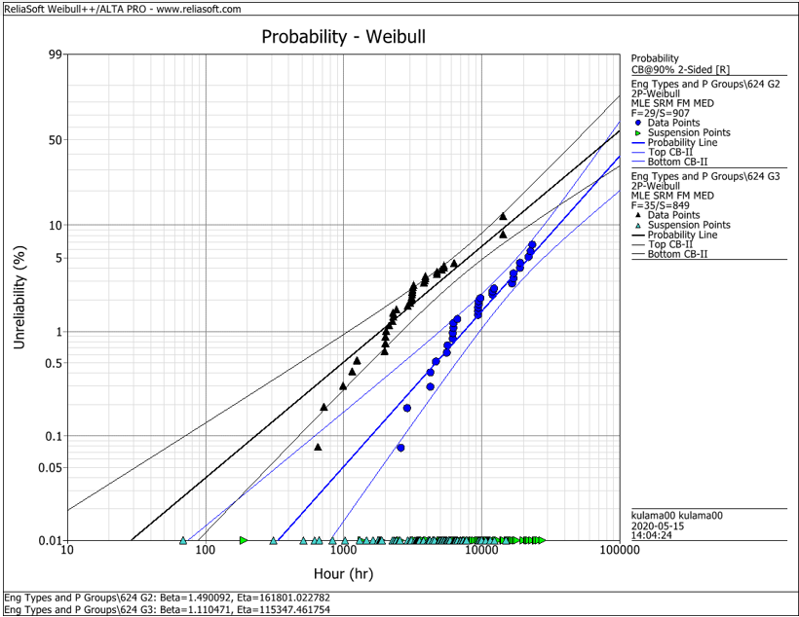
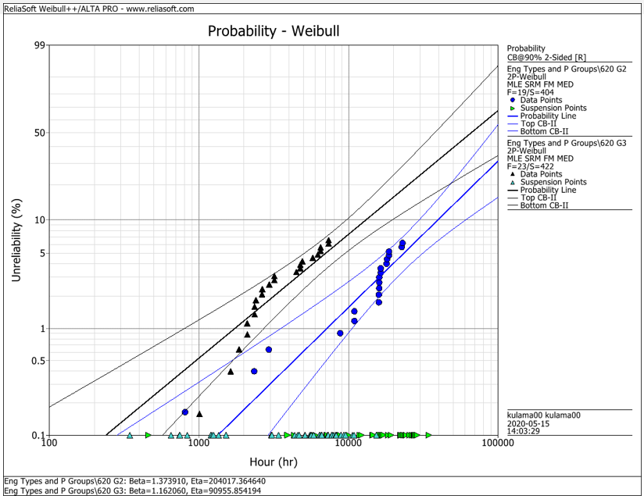
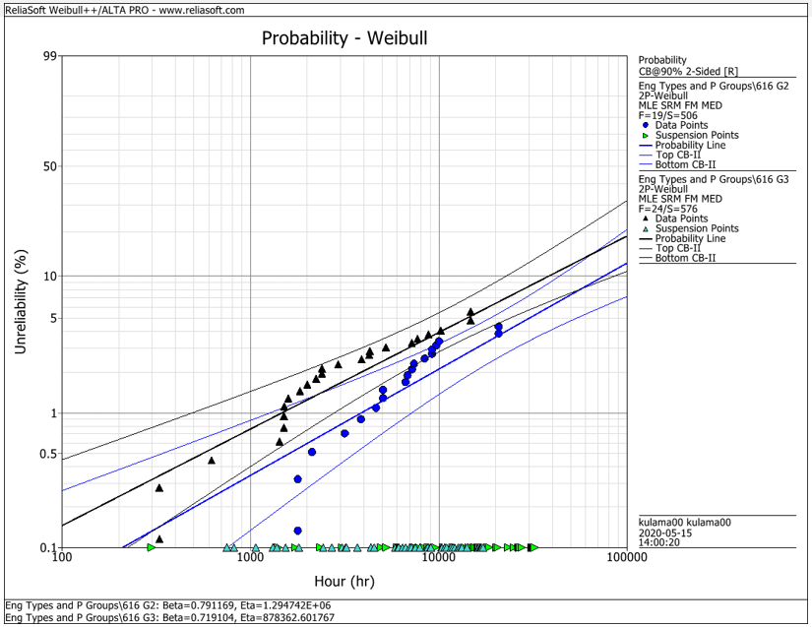
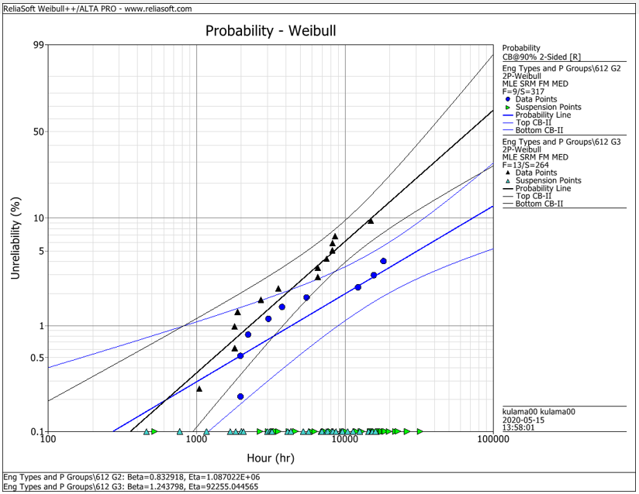
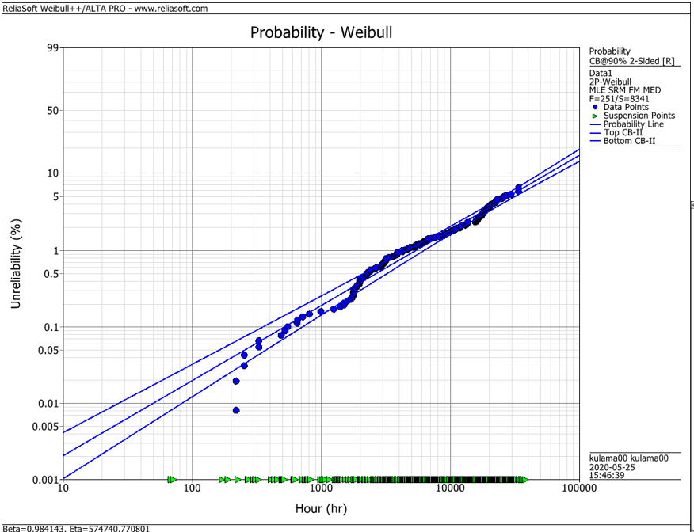
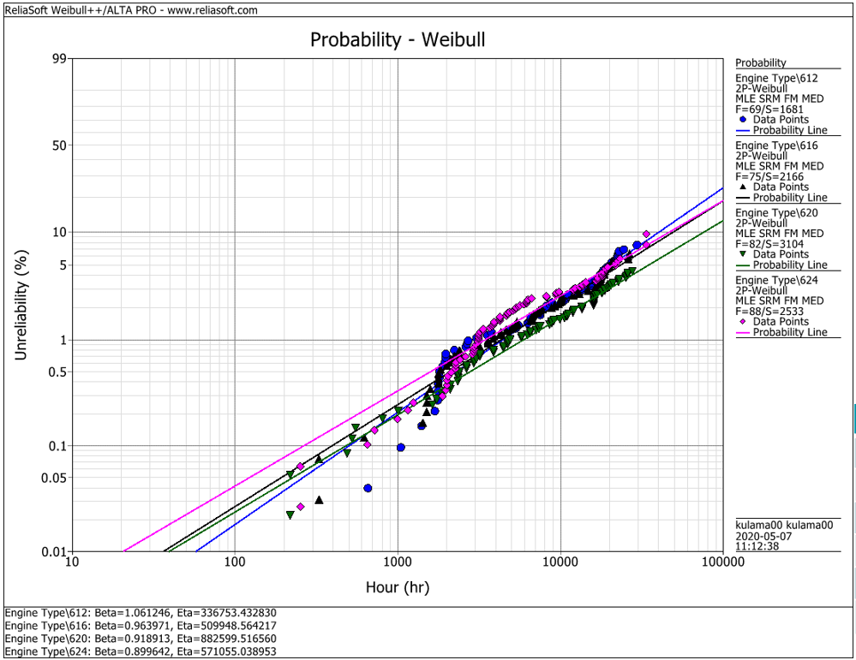
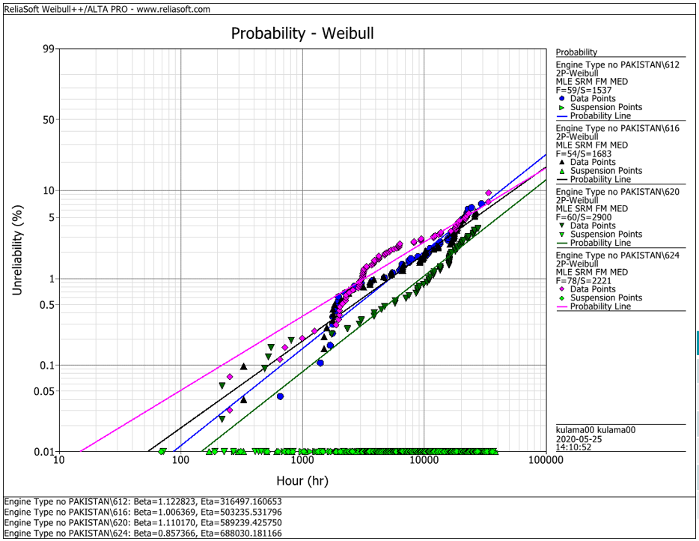
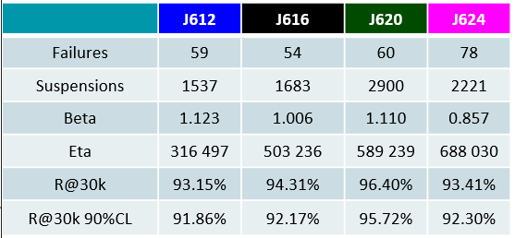
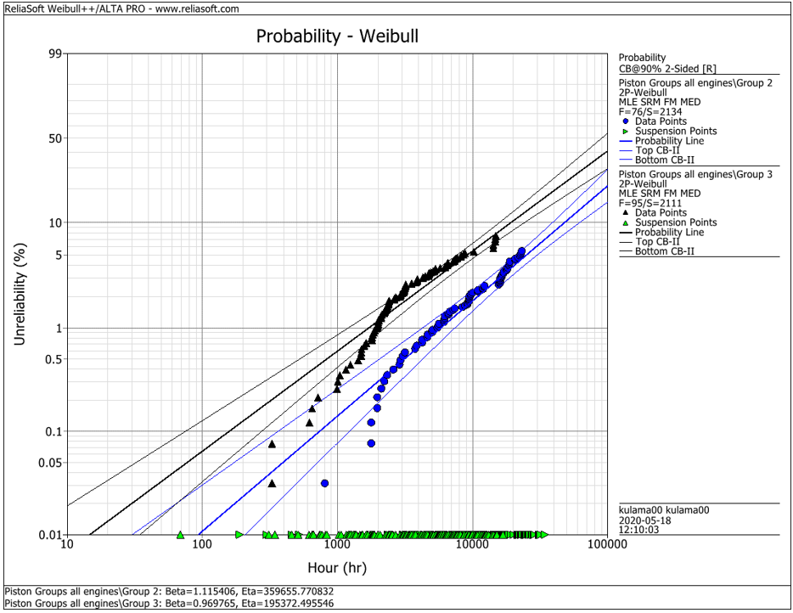
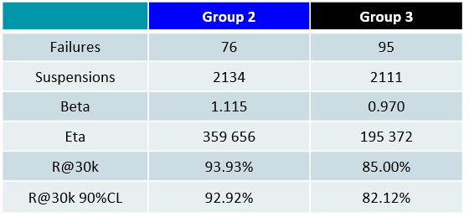
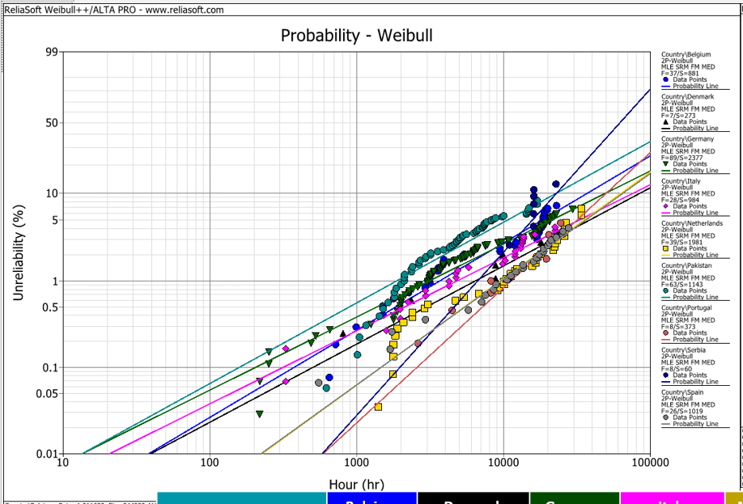
EDC Weibull Comparison
 | beta | R@30k 90%CL
G2 | 1.490 | 92.2%
G2 | 1.374 | 93.0%
G2 | 0.791 | 95.0%
G2 | 0.830 | 95.0%
G2 | 1.115 | 92.9%
G3 | 1.110 | 80.0%
G3 | 1.162 | 75.0%
G3 | 0.719 | 91.5%
G3 | 1.244 | 79.0%
G3 | 0.970 | 82.1%
all | 0.984 | 94.2%
all | 1.061 | 91.3%
all | 0.964 | 92.6%
all | 0.919 | 94.9%
all | 0.899 | 92.1%
all w/o Pak | 1.123 | 91.9%
all w/o Pak | 1.006 | 92.2%
all w/o Pak | 1.110 | 95.7%
all w/o Pak | 0.857 | 93.4%

 |  | f | s | beta | eta | R@30k 90%CL | Comment
J624 | G2 | 29 | 907 | 1.490 | 161801 | 92.2% | T23 with LKZ OCR
J620 | G2 | 19 | 404 | 1.374 | 204017 | 93.0% | T23 with LKZ OCR
J616 | G2 | 19 | 506 | 0.791 | 1294700 | 95.0% | T23 with LKZ OCR
J612 | G2 | 9 | 317 | 0.830 | 1088700 | 95.0% | T23 with LKZ OCR
J6xx | G2 | 76 | 2134 | 1.115 | 359656 | 92.9% | T23 with LKZ OCR

J624 | G3 | 35 | 849 | 1.110 | 115347 | 80.0% | T23 with flat OCR
J620 | G3 | 23 | 422 | 1.162 | 90955 | 75.0% | T23 with flat OCR
J616 | G3 | 24 | 576 | 0.719 | 878362 | 91.5% | T23 with LKZ OCR
J612 | G3 | 13 | 264 | 1.244 | 92255 | 79.0% | T23 with LKZ OCR
J6xx | G3 | 95 | 2111 | 0.970 | 195372 | 82.1% | T23 with LKZ OCR

J6xx | all | 251 | 8341 | 0.984 | 574741 | 94.2% | Source - cleaned by Maciej 2020-05_25
J612 | all | 69 | 1681 | 1.061 | 336753 | 91.3% | Source - cleaned by Maciej 2020-05_25
J616 | all | 75 | 2166 | 0.964 | 509948 | 92.6% | Source - cleaned by Maciej 2020-05_25
J620 | all | 82 | 3104 | 0.919 | 882599 | 94.9% | Source - cleaned by Maciej 2020-05_25
J624 | all | 88 | 2533 | 0.899 | 571055 | 92.1% | Source - cleaned by Maciej 2020-05_25

J612 | all w/o Pak | 59 | 1537 | 1.123 | 316497 | 91.9% | Source - cleaned by Maciej 2020-05_25
J616 | all w/o Pak | 54 | 1683 | 1.006 | 503236 | 92.2% | Source - cleaned by Maciej 2020-05_25
J620 | all w/o Pak | 60 | 2900 | 1.110 | 589239 | 95.7% | Source - cleaned by Maciej 2020-05_25
J624 | all w/o Pak | 78 | 2221 | 0.857 | 688030 | 93.4% | Source - cleaned by Maciej 2020-05_25

 |  | beta | 1.490 | max
 |  |  | 0.719 | min
 |  |  | 1.038 | mittel
 |  |  | 1.006 | median

