Numerische Variablen
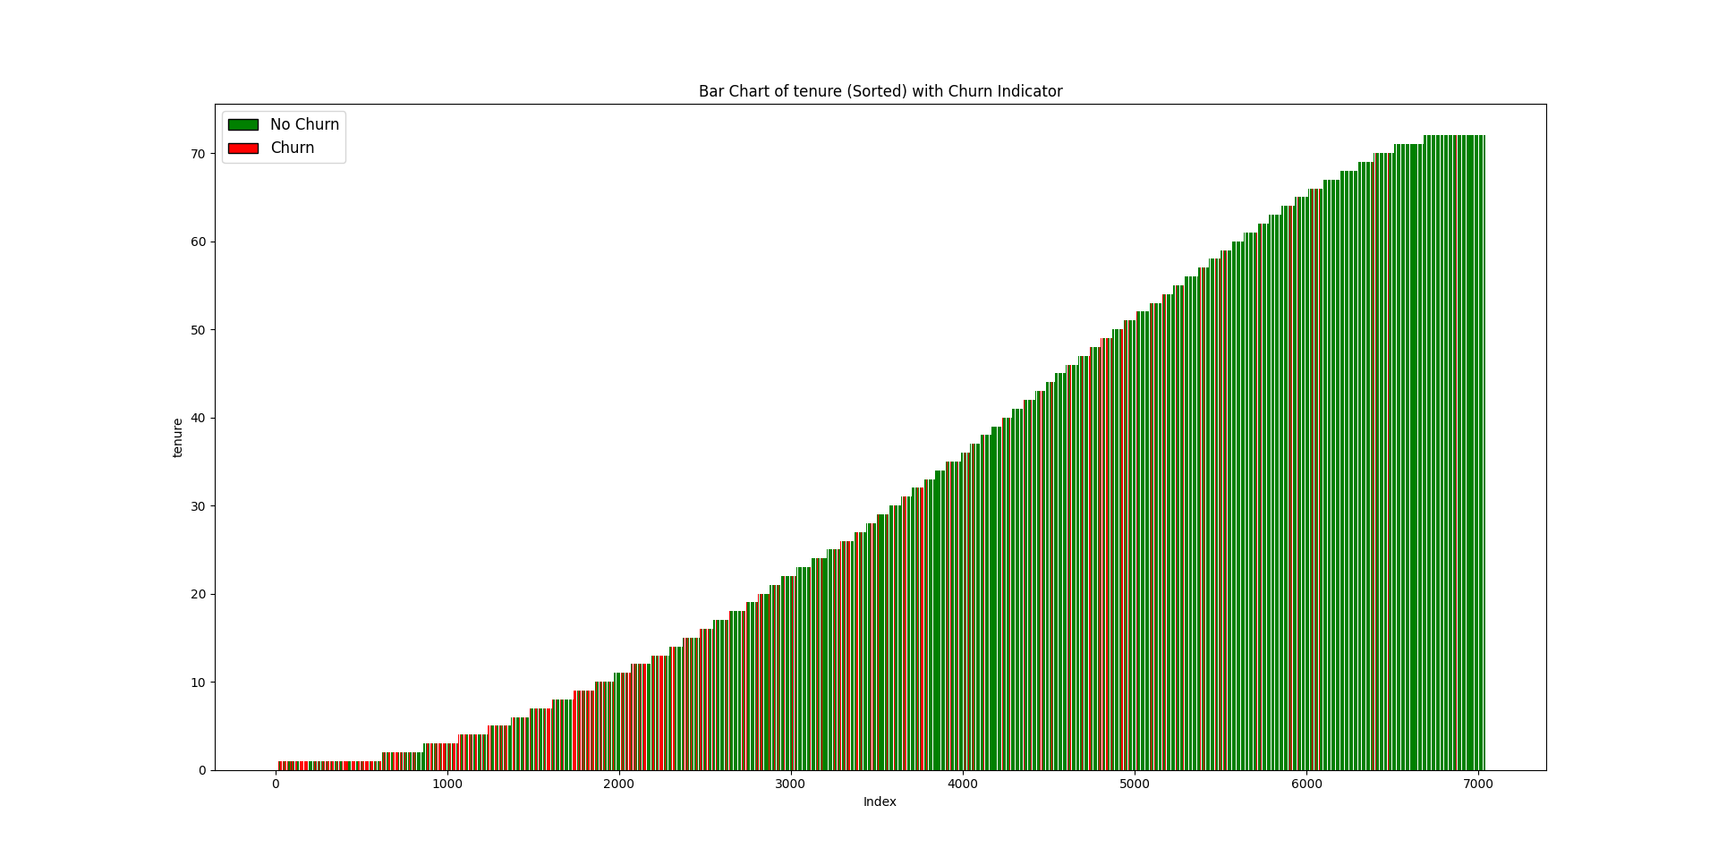
 | tenure | MonthlyCharges | TotalCharges
Mittelwert | 32 | 64.76 | 2283.30
Median | 29 | 70.35 | 1397.48

Max | 72 | 118.75 | 8684.80
Min | 0 | 18.25 | 18.80
 |  |  |  | Total Charges | MonthlyCharges
Vollständigkeit | 100.00% | 100.00% | 99.84%
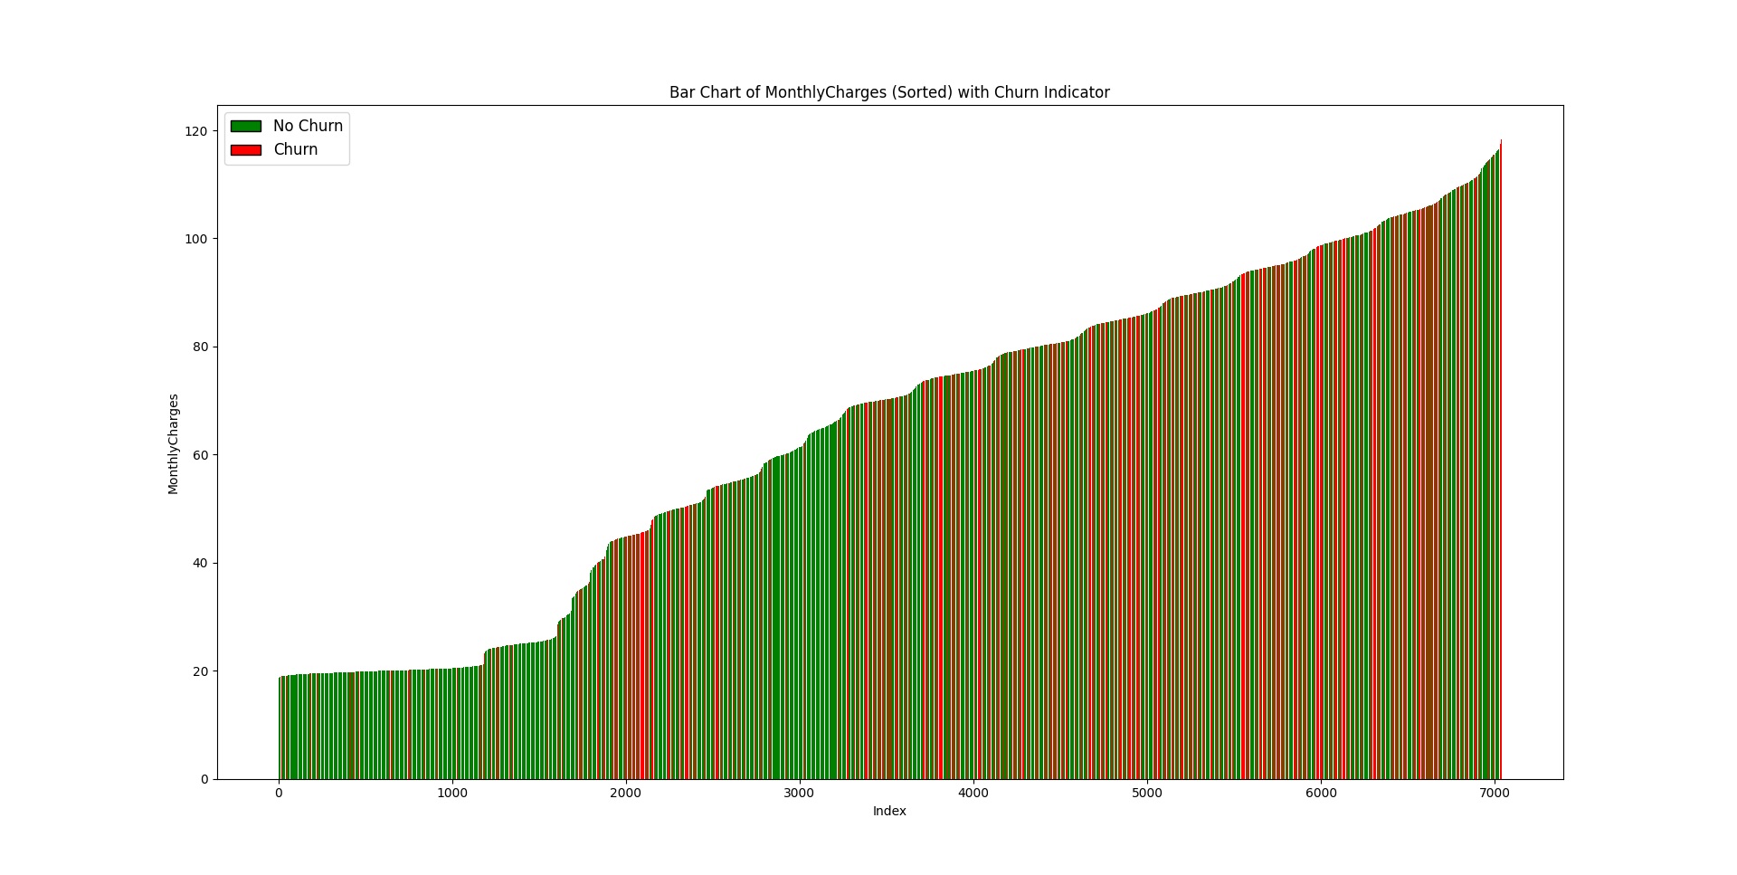
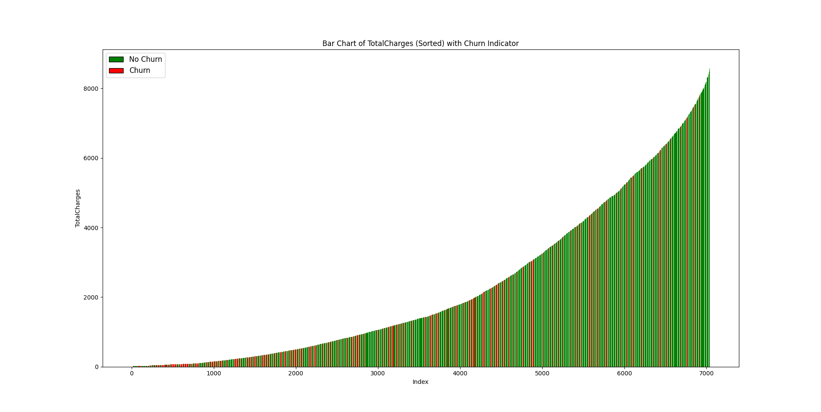

 |  |  |  | tenure

