Harvard Step Test
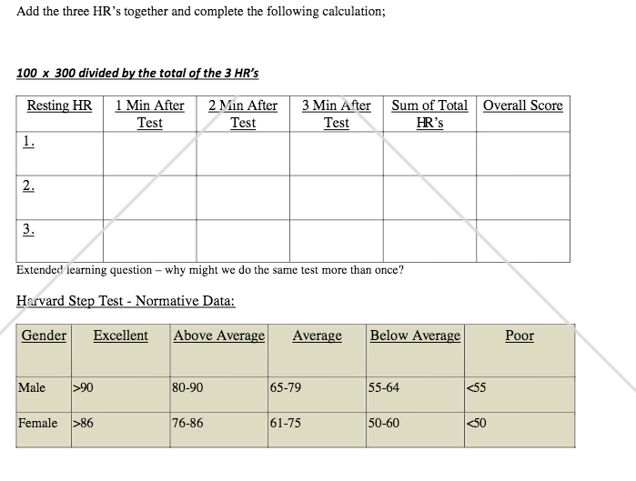
Step Test Pulse Count (Using a 60 second pulse count)
 | Age | Good to Excellent | Average to Above Average | Poor to Fair
Men | 18–25 | ≤ 84 | 85–100 | ≥ 101
 | 26–35 | ≤ 86 | 87–103 | ≥ 104
 | 36–45 | ≤ 90 | 91–106 | ≥ 107
 | 46–55 | ≤ 93 | 94–112 | ≥ 113
 | 56–65 | ≤ 96 | 97–115 | ≥ 116
 | Above 65 | ≤102 | 103–118 | ≥ 119
Women | 18–25 | ≤ 93 | 94–110 | ≥ 111
 | 26–35 | ≤ 94 | 95–111 | ≥ 112
 | 36–45 | ≤ 96 | 97–119 | ≥ 120
 | 46–45 | ≤ 101 | 102–124 | ≥ 125
 | 56–65 | ≤103 | 104–126 | ≥ 127
 | Above 65 | ≤ 105 | 106–130 | ≥ 131

 | Equipment required: step or platform 50.8 cm high, stopwatch, metronome or cadence tape.
 | use a single 12-inch step or bench to evaluate your fitness
 | At the signal to begin, step up with your right foot, then bring your left foot up beside it.
 | Repeat at a rate of 24 steps per minute for three consecutive minutes.
 | Then rest in a chair for exactly one minute before taking your pulse.
 | Finally, use the YMCA standards (see table below) to see how you stack up.

