As voucher
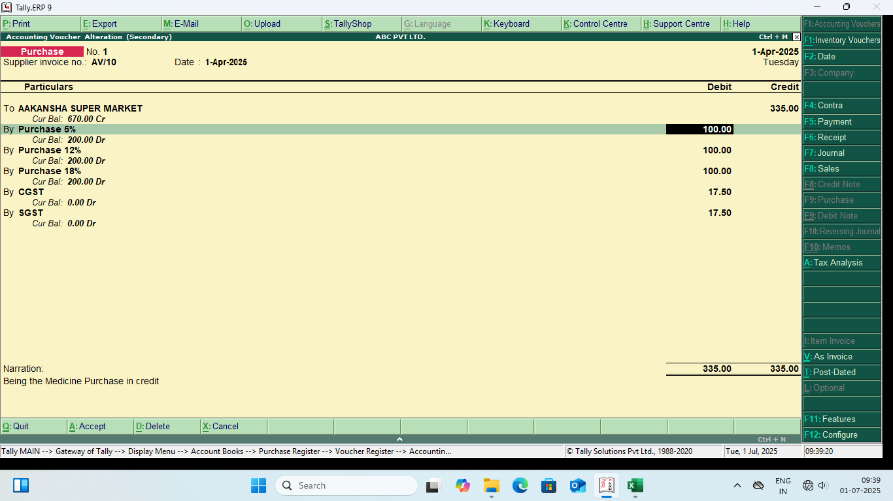
Supplier invoice no | Date | To ( Party Name ) | Purchase 5% | Purchase 12% | Purchase 18% | CGST | SGST | TOTAL | Narration
AV/10 | 2025-04-01 | AAKANSHA SUPER MARKET | 100 | 100 | 100 | 17.5 | 17.5 | 335 | Being the Medicine Purchase in credit

As invoice
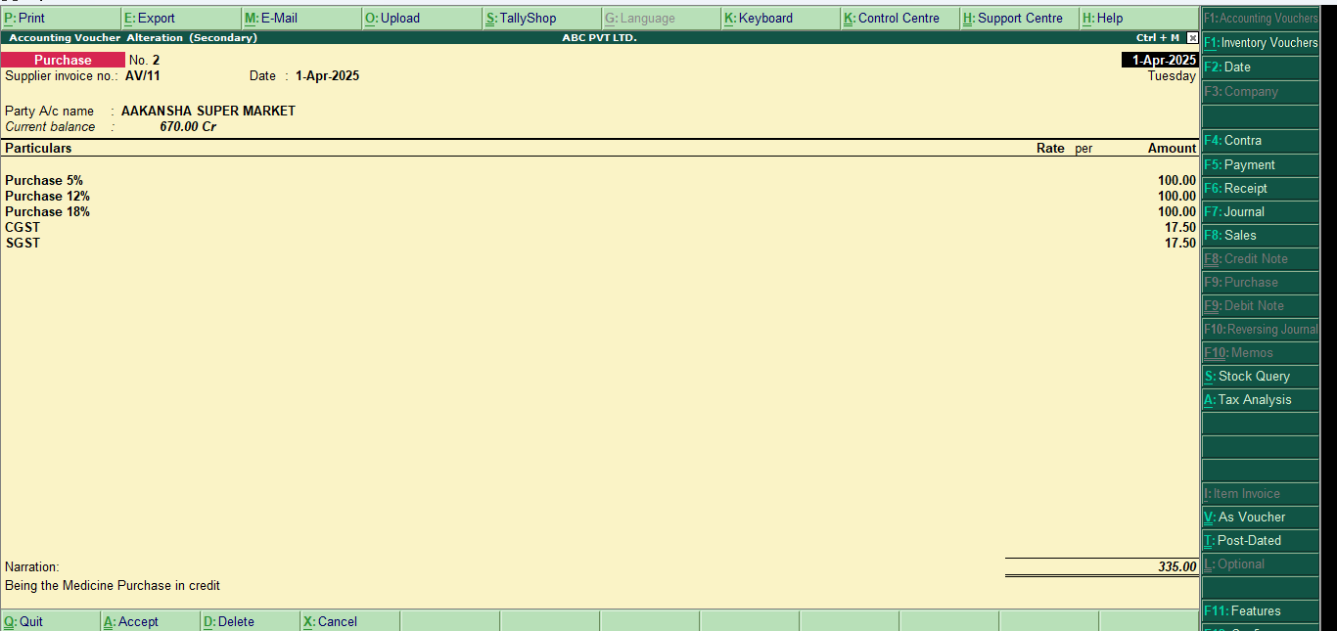
Supplier invoice no | Date | To ( Party Name ) | Purchase 5% | Purchase 12% | Purchase 18% | CGST | SGST | TOTAL | Narration
AV/11 | 2025-04-01 | AAKANSHA SUPER MARKET | 100 | 100 | 100 | 17.5 | 17.5 | 335 | Being the Medicine Purchase in credit

