Graphics
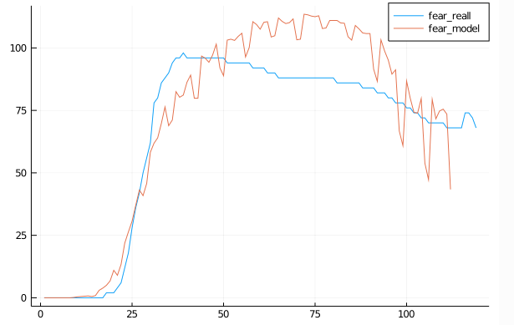
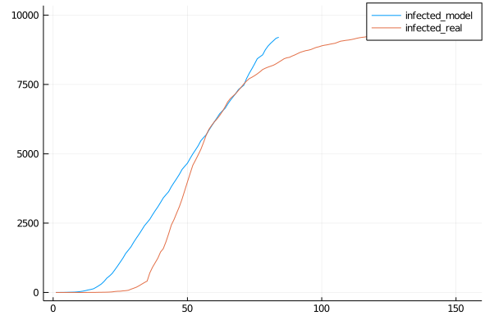
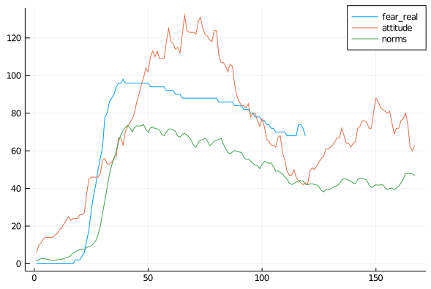
Default Run
 | Risk 0.8

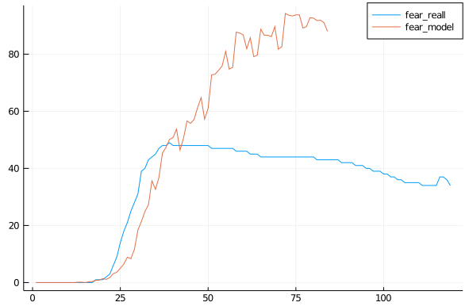
Fear

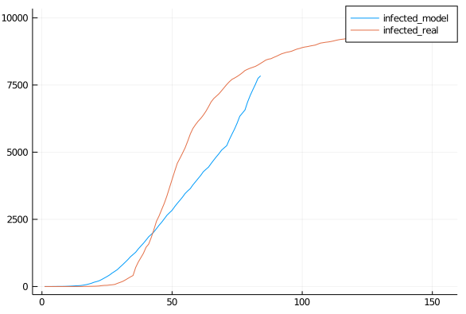
 | Risk 0.7

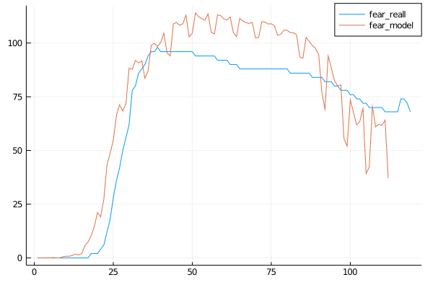
Fear

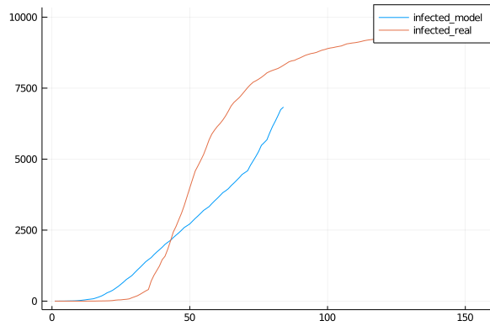
 | Risk 0.6

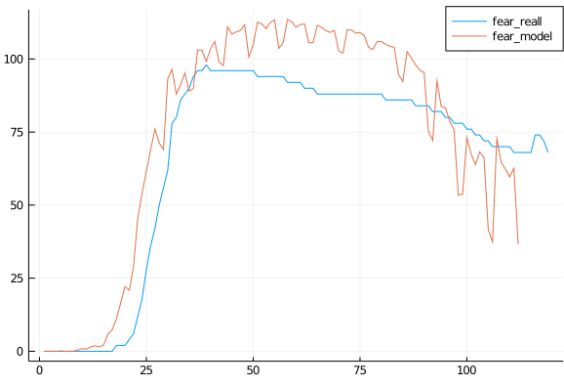
Onset 2 days

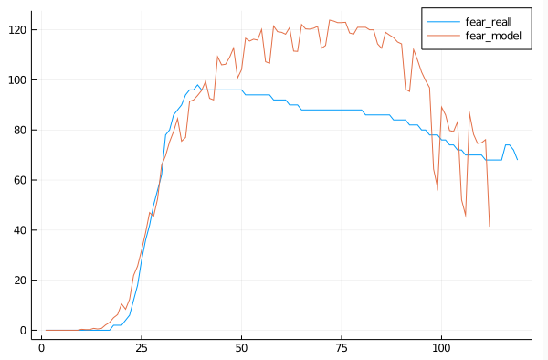
Fear 300days

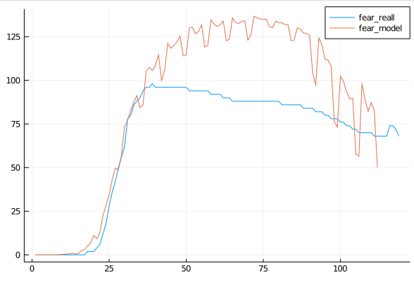
Fear decay *1.1

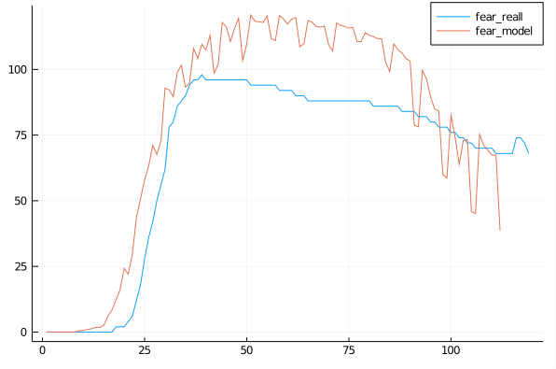
Fear Decay 1.2,Time 300, Fear Growth 1.3

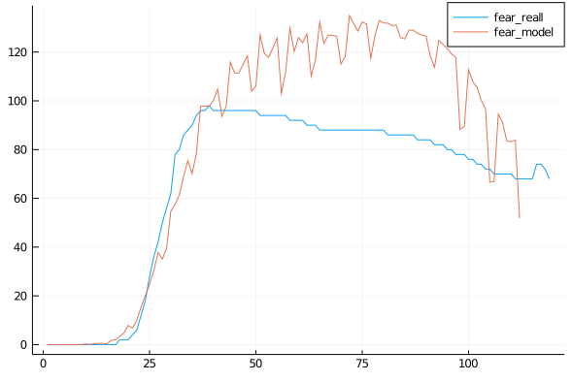
Fear Decay 1.4, Time 250, Growth 1.3

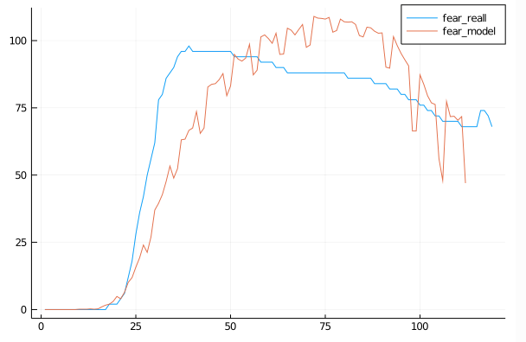
Growth 1.4, Time 300
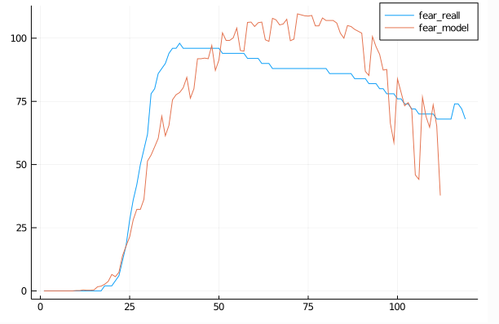

Growth 1.5, Time 300

Growth 1.45, Time 300

Graphics2
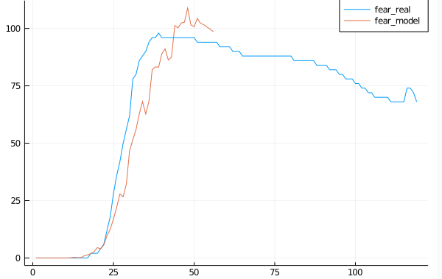
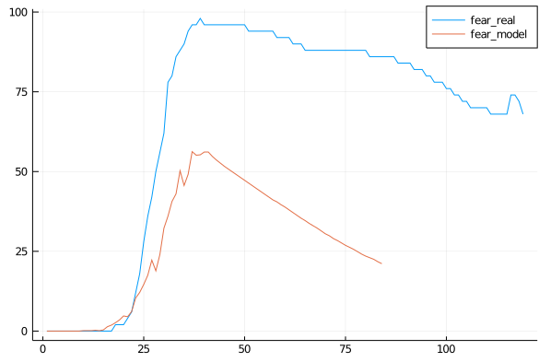
Growth 1.5.DecayTime/10.-1 | 16 Steps
 | Growth 1.3
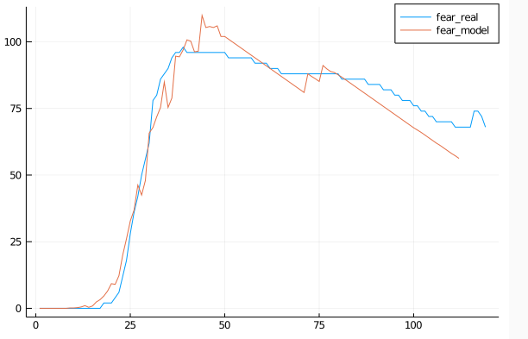

Growth 1.7
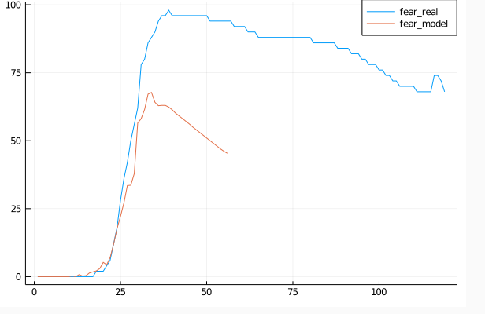
 | Time/15, 0.5
 | Time/12, 0.5
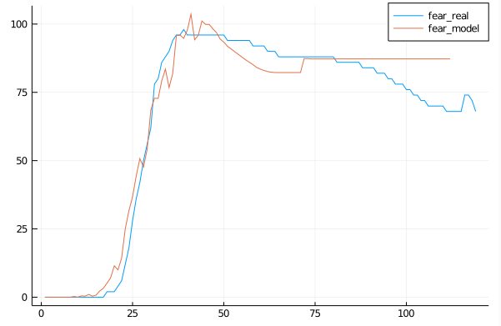

Growth 1.8
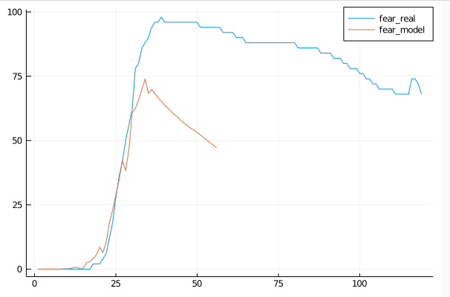

 | Time/12, 0,5, floor
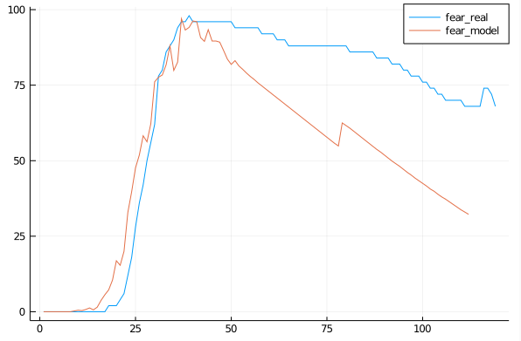

Growth 2
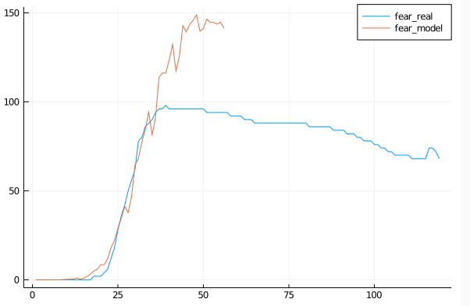
 | Growth 1.4
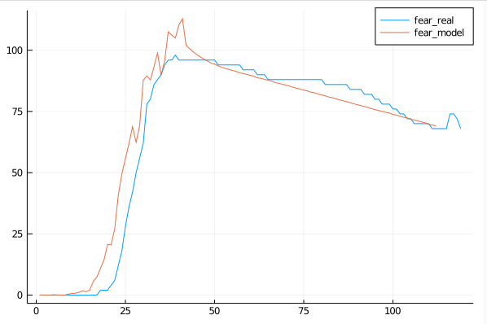

Growth 1.0
Growth 1.8
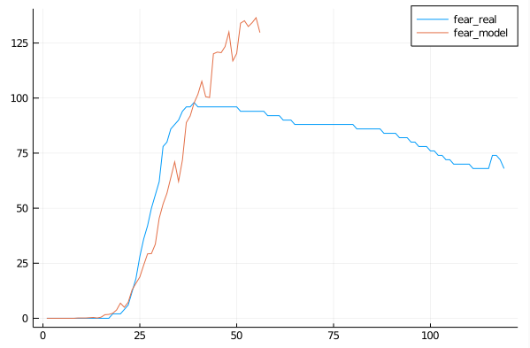
 | WO 0.4
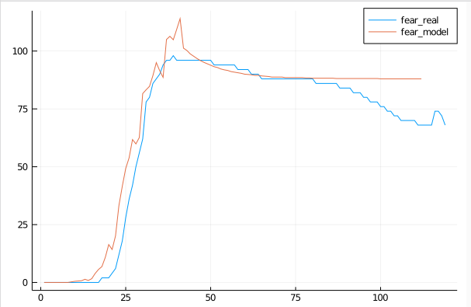

Growth 1.7
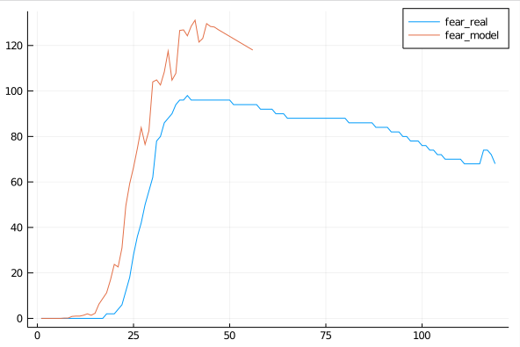

Growth 1.6
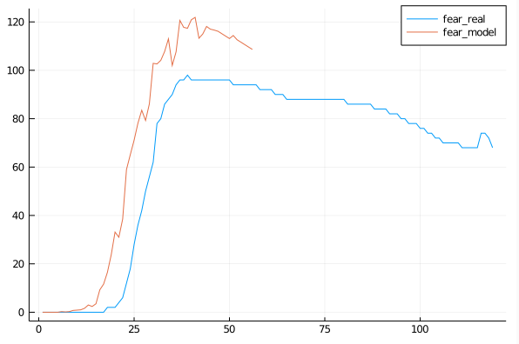

Growth 1.5
Growth 1.4
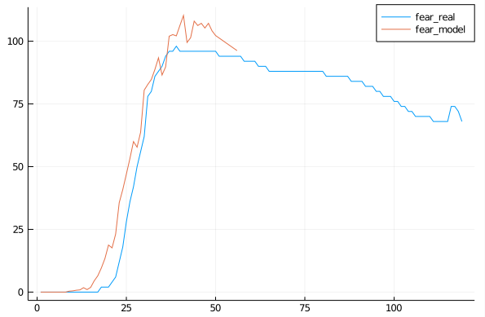

Growth 1.3

Behavior
Fear/35 | 0 | 0.25 | 0.25 | 0.5 | 0.75 | 0.75 | 0.875 | 1 | 1 | 1 | 1 | 1 | 1 | 1 | 1 | 1.25 | 1.5 | 1.75 | 1.875 | 2.875 | 3.125 | 4.125 | 5.875 | 8 | 10.375 | 13.125 | 17.125 | 18.5 | 22.375 | 29.125 | 33.125 | 37.125 | 41.125 | 44.5 | 43.875 | 47 | 55.25 | 58.875 | 62.75 | 65.375 | 65.5 | 62 | 60.375 | 58.75 | 57.5 | 56.25 | 55.75 | 54.5 | 54 | 54.25 | 53.625 | 53.5 | 53.375 | 52.75 | 52.375 | 51.75 | 52 | 51.875 | 51.75 | 51.625 | 51.25 | 50.75 | 50 | 50.375 | 50.25 | 50 | 49.75 | 49.75 | 48.75 | 48.375 | 49.375 | 49.5 | 49.375 | 49.25 | 48.875 | 47.875 | 46.875 | 47.625 | 47.625 | 47.375 | 47 | 46.875 | 45.875 | 45 | 45.25 | 45.25 | 45.25 | 44.875 | 44.375 | 43.5 | 43 | 43.125 | 42.75 | 42.625 | 42.5 | 42.125 | 41.5 | 41.25 | 41 | 40.75 | 40.5 | 40.375 | 39.875 | 39.5 | 39.125 | 39 | 39 | 38.625 | 38.5 | 38 | 37.75 | 37.5 | 37.375 | 37.125 | 37 | 36.75 | 36.25 | 36.125 | 35.875 | 35.75 | 35.625 | 35.375 | 35 | 34.875 | 34.75 | 34.375
Binary | 44.4
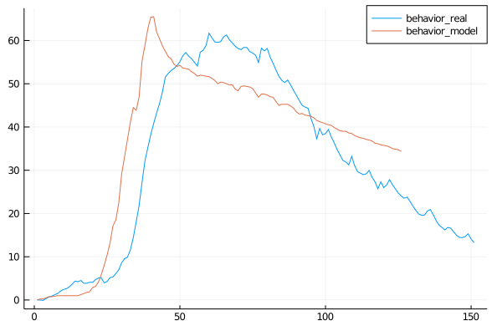

fear*ℯ^(-time/300)

