Graphics
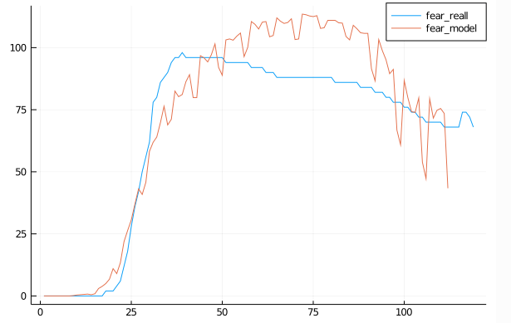
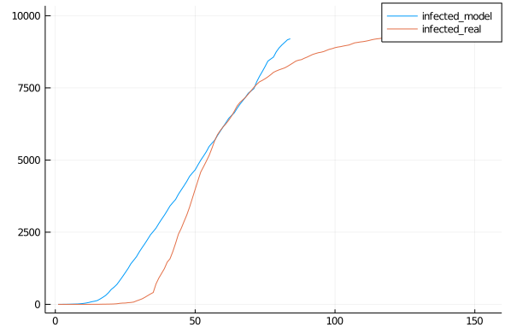
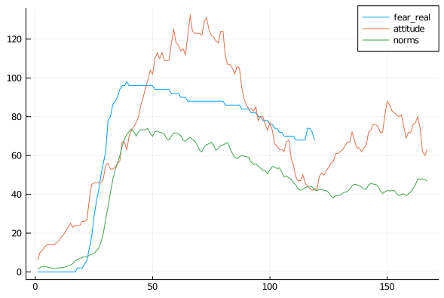
Default Run
 | Risk 0.8

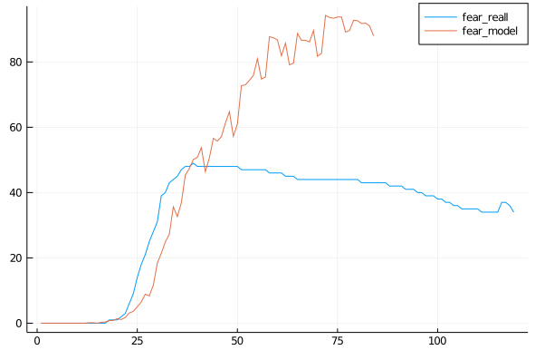
Fear

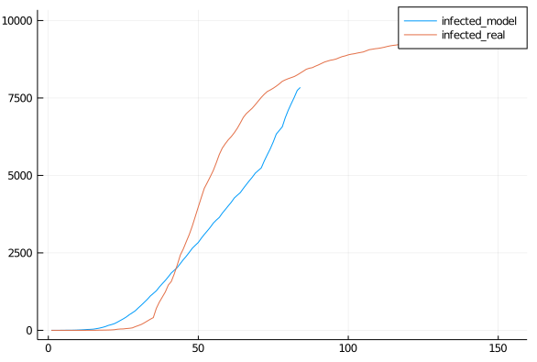
 | Risk 0.7

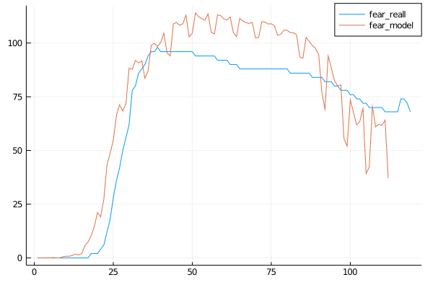
Fear

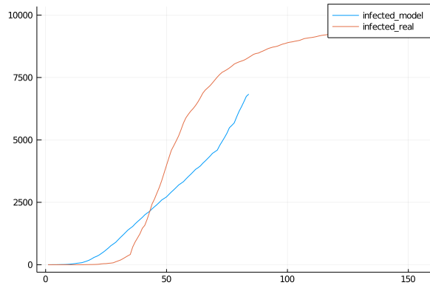
 | Risk 0.6

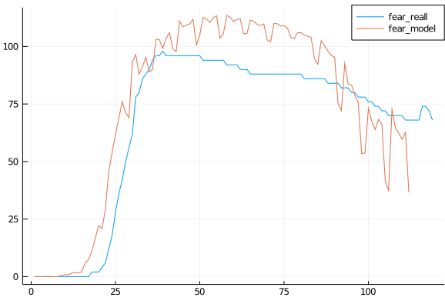
Onset 2 days

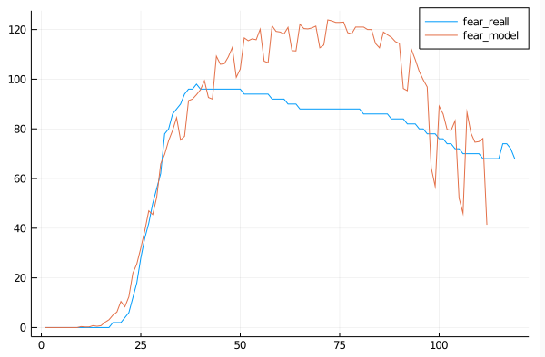
Fear 300days

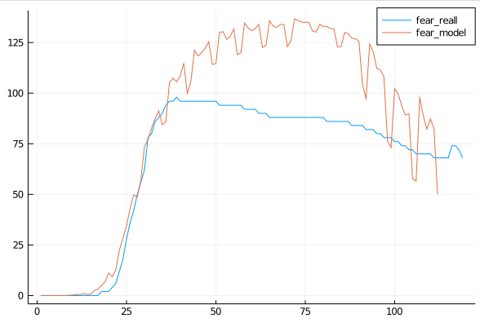
Fear decay *1.1

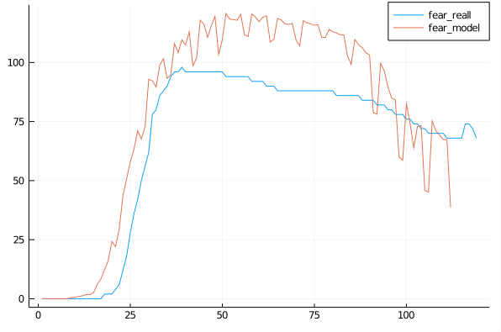
Fear Decay 1.2,Time 300, Fear Growth 1.3

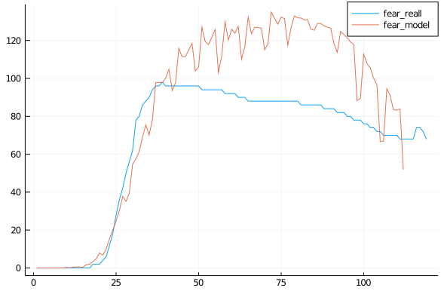
Fear Decay 1.4, Time 250, Growth 1.3

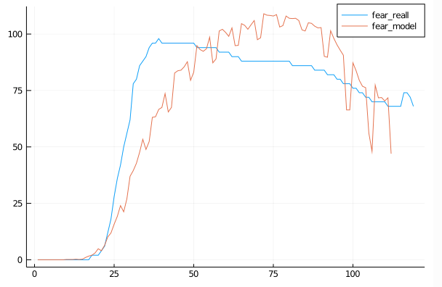
Growth 1.4, Time 300
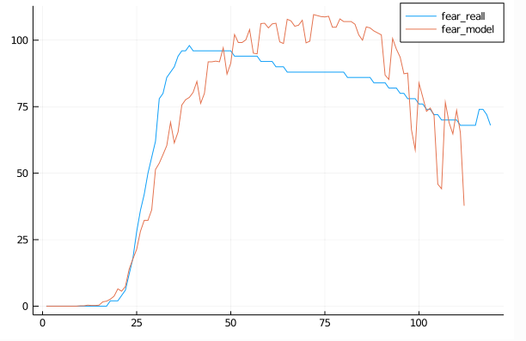

Growth 1.5, Time 300

Growth 1.45, Time 300

Graphics2
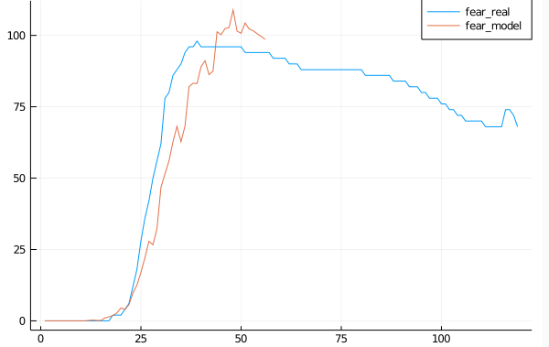
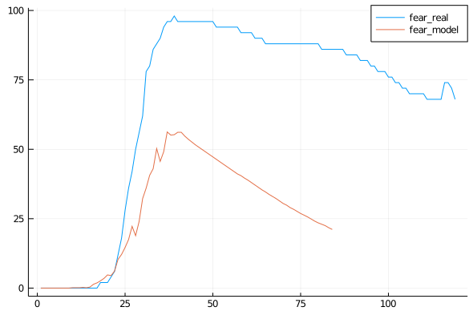
Growth 1.5.DecayTime/10.-1 | 16 Steps
 | Growth 1.3
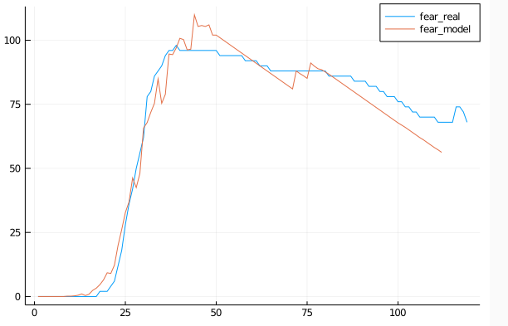

Growth 1.7
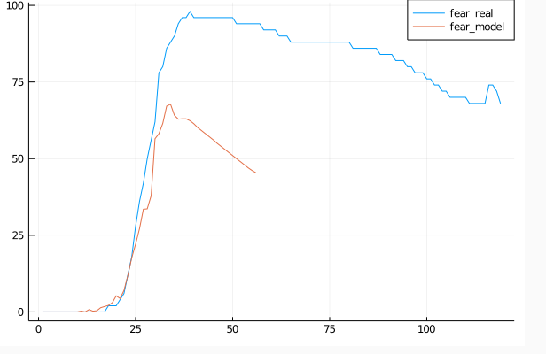
 | Time/15, 0.5
 | Time/12, 0.5
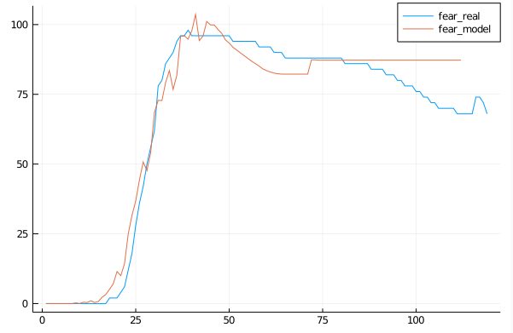

Growth 1.8
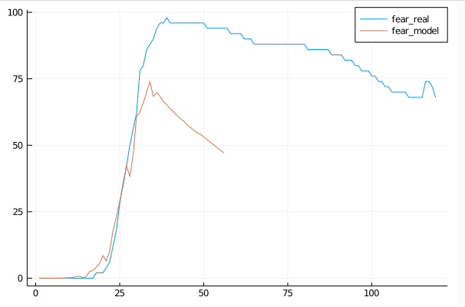

 | Time/12, 0,5, floor
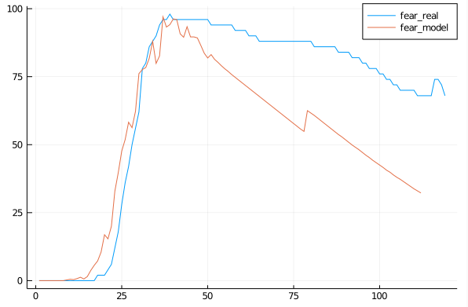

Growth 2
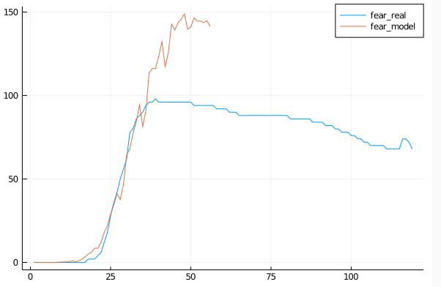
 | Growth 1.4
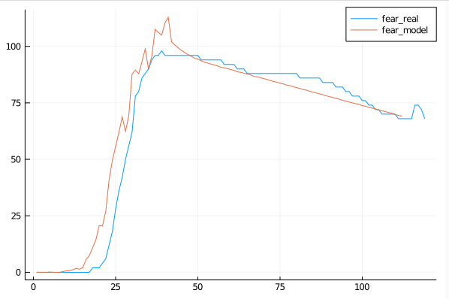

Growth 1.0
Growth 1.8
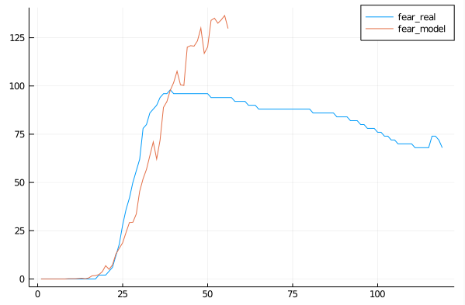
 | WO 0.4
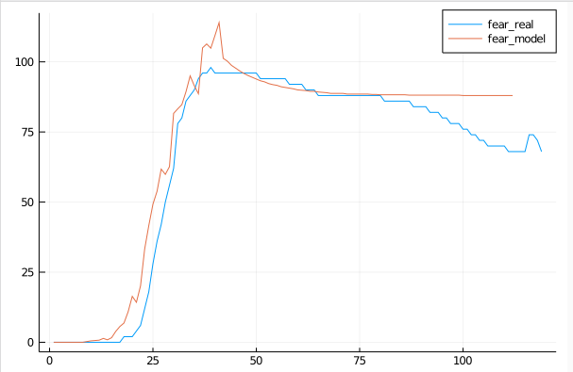

Growth 1.7
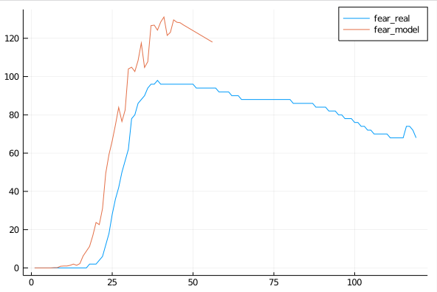

Growth 1.6
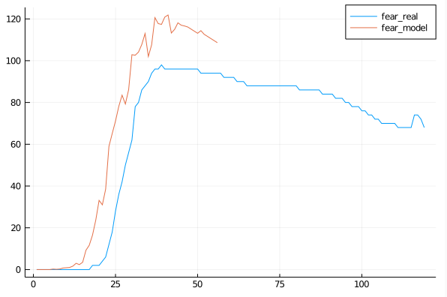

Growth 1.5
Growth 1.4
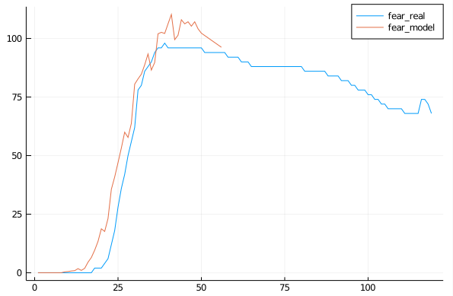

Growth 1.3

Calib2
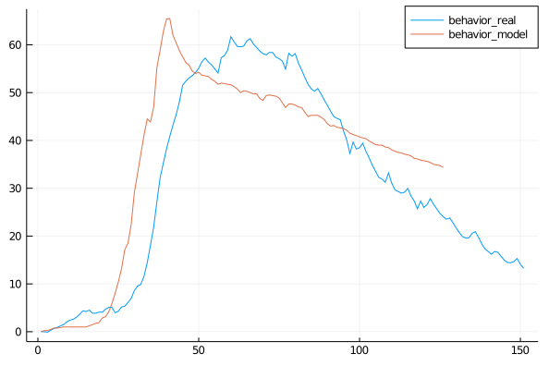
Fear/35 | 0 | 0.25 | 0.25 | 0.5 | 0.75 | 0.75 | 0.875 | 1 | 1 | 1 | 1 | 1 | 1 | 1 | 1 | 1.25 | 1.5 | 1.75 | 1.875 | 2.875 | 3.125 | 4.125 | 5.875 | 8 | 10.375 | 13.125 | 17.125 | 18.5 | 22.375 | 29.125 | 33.125 | 37.125 | 41.125 | 44.5 | 43.875 | 47 | 55.25 | 58.875 | 62.75 | 65.375 | 65.5 | 62 | 60.375 | 58.75 | 57.5 | 56.25 | 55.75 | 54.5 | 54 | 54.25 | 53.625 | 53.5 | 53.375 | 52.75 | 52.375 | 51.75 | 52 | 51.875 | 51.75 | 51.625 | 51.25 | 50.75 | 50 | 50.375 | 50.25 | 50 | 49.75 | 49.75 | 48.75 | 48.375 | 49.375 | 49.5 | 49.375 | 49.25 | 48.875 | 47.875 | 46.875 | 47.625 | 47.625 | 47.375 | 47 | 46.875 | 45.875 | 45 | 45.25 | 45.25 | 45.25 | 44.875 | 44.375 | 43.5 | 43 | 43.125 | 42.75 | 42.625 | 42.5 | 42.125 | 41.5 | 41.25 | 41 | 40.75 | 40.5 | 40.375 | 39.875 | 39.5 | 39.125 | 39 | 39 | 38.625 | 38.5 | 38 | 37.75 | 37.5 | 37.375 | 37.125 | 37 | 36.75 | 36.25 | 36.125 | 35.875 | 35.75 | 35.625 | 35.375 | 35 | 34.875 | 34.75 | 34.375
Binary | 44.4
 |  |  |  |  |  |  |  |  |  |  | fear*(1-ℯ^(-time/10))

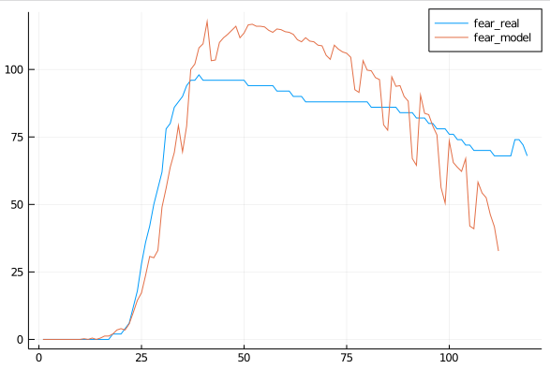
Fear/xY, Time/300 |  |  |  |  |  |  |  |  |  |  | fear*ℯ^(-(time/250)) |  |  | 0 | 0 | 0 | 0 | 0 | 0 | 0 | 0 | 0 | 0 | 0.25 | 0 | 0.5 | 0 | 0.5 | 1.25 | 1.25 | 2 | 3.5 | 4 | 3.5 | 5.75 | 10 | 14.5 | 17.25 | 23.75 | 30.75 | 30.25 | 33 | 49 | 56 | 63.75 | 69.25 | 79.25 | 69.5 | 79 | 100 | 102 | 108 | 109.5 | 117.75 | 103.25 | 103.5 | 110 | 111.75 | 113 | 114.5 | 116 | 111.75 | 113.5 | 116.5 | 116.75 | 116 | 116 | 115.75 | 114.5 | 113.75 | 115 | 114.75 | 114 | 113.75 | 113 | 111 | 110.25 | 111.75 | 110.5 | 110.25 | 109 | 108.75 | 105.25 | 103.75 | 109 | 107.5 | 106.5 | 106 | 104.5 | 92.5 | 91.5 | 103.25 | 99.75 | 99.5 | 97 | 96.25 | 79.5 | 77.5 | 97.25 | 93.75 | 94 | 90 | 88.25 | 67 | 64.5 | 90.5 | 83.75 | 83.25 | 79 | 75.75 | 56.25 | 50.5 | 73.5 | 65.5 | 63.75 | 62.25 | 67 | 42 | 41 | 58.25 | 54.25 | 52.5 | 46.25 | 41.75 | 32.75
 |  |  |  |  |  |  |  |  |  |  | Error 17.27

Decay 250, growth 1.45 |  |  |  |  |  |  |  |  |  | 33.75
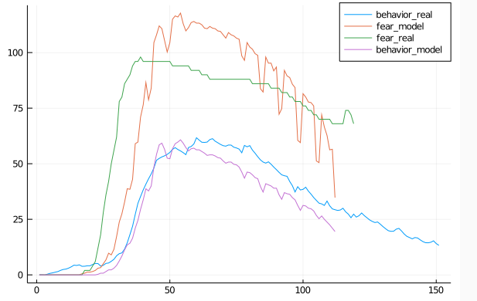

Fear-0.5, growth 1.3 |  |  |  |  |  |  |  |  |  | Behavior 30.88, Fear 19.97
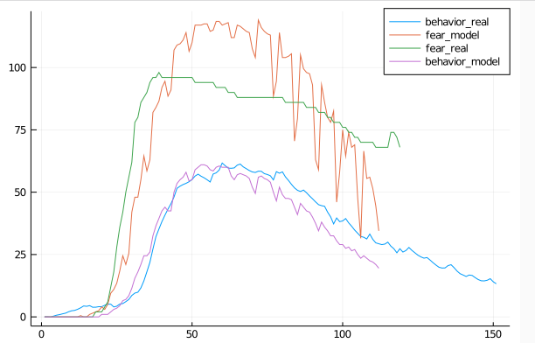

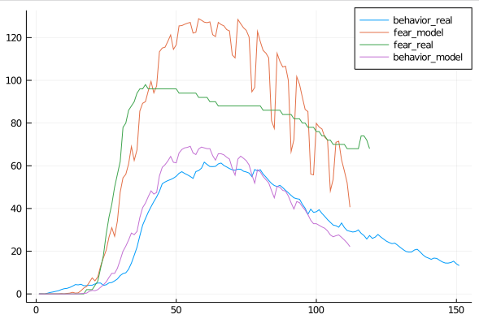
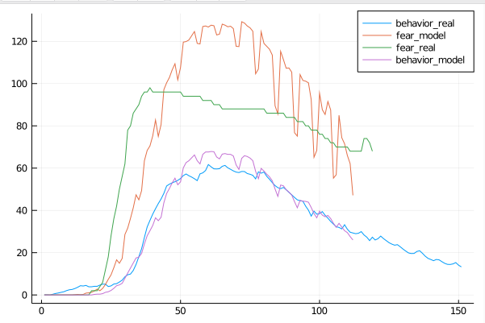
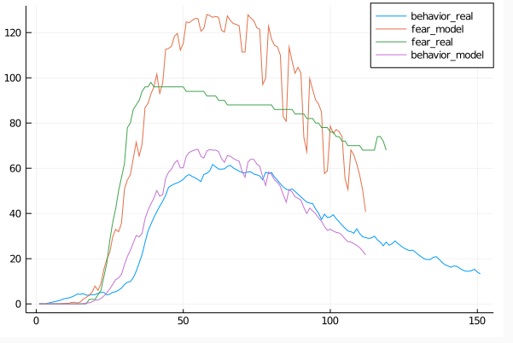
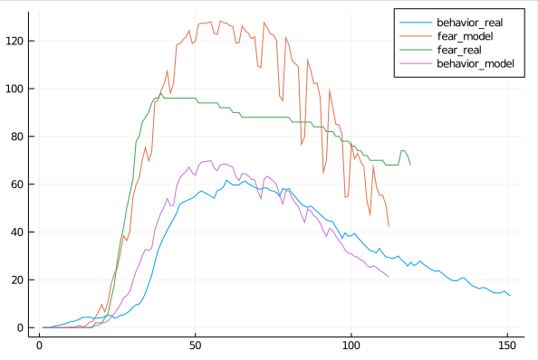
Growth 1.3, Fear -0.5 from Day 20 105 |  |  |  |  |  |  |  |  |  |  |  | Growth 1.3, Fear -0.5 from Day 15 105 |  |  |  |  |  |  |  |  |  |  |  |  | Day 30 |  |  |  |  |  |  |  |  |  |  |  |  |  | Day 25
 |  |  |  |  |  |  |  |  |  | 32.84
 |  |  |  |  |  |  |  |  |  | 24.905 |  |  |  |  |  |  |  |  |  |  |  | Fear 26.29 |  |  |  |  |  |  |  |  |  |  |  |  | error behavior is 34.74563407944974 |  |  |  |  |  |  |  |  |  |  |  |  |  | error behavior is 39.35432556128484
 |  |  |  |  |  |  |  |  |  |  |  |  |  |  |  |  |  |  |  |  |  | Behavior 26.21 |  |  |  |  |  |  |  |  |  |  |  |  | error fear is 24.658918835546512 |  |  |  |  |  |  |  |  |  |  |  |  |  | error fear is 26.722525721509417

Conclusion
fear*(1-ℯ^(-time/10)), Growth 1.4 |  |  |  |  | W 0.4 decay |  |  |  |  |  |  |  |  |  | MAPE
 |  |  |  | 26.88 |  |  |  |  | 24.58 |  |  |  |  |  | 44.4

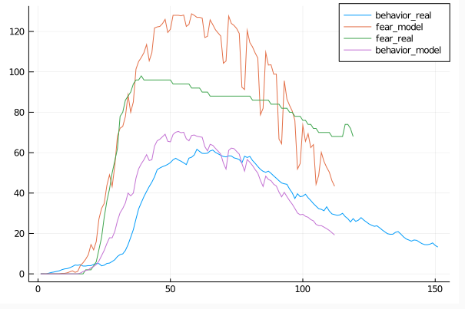
Growth 1.3, from Day 15 105, no Decay |  |  |  | error behavior is 48.357773372401155
 |  |  |  | error fear is 34.426016737444655

Growth 1.3, Fear -0.5 from Day 15 105
 |  |  |  | Fear 26.29
 |  |  |  | Behavior 26.21

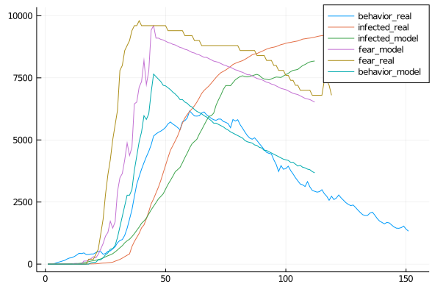
Growth 1.3, Fear -0.4 from 10 109, if decay else growth
 |  |  |  | error behavior is 32.738740040670336
 |  |  |  | error fear is 14.655055421999947

 |  |  |  |  |  |  |  | export PATH=$~/bin/julia-1.5.0/bin:$PATH
 |  |  |  |  |  |  |  | export LD_LIBRARY_PATH=$HOME/bin/julia-v0.6/lib:$LD_LIBRARY_PATH
 |  |  |  |  |  |  |  | export CPATH=$HOME/bin/julia-v0.6/include:$CPATH

Infection Curve | Behavior>100 |  |  | Behavior >50
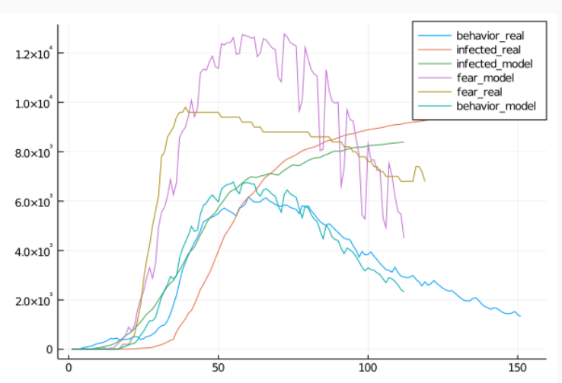
 |  |  |  |  |  | H1 - The model can replicate the trends of infection in Germany

 |  |  |  |  |  | H2 - The model can replicate the trends of behavior and fear in Germany

 |  |  |  |  |  | H3 - Fear can explain the behavior - is our prediction better than the tell me model

 |  |  |  |  |  | H4 - The course of the epidemic is significantly influenced by individual behavior change

 |  |  |  |  |  | H5 - The course of the epidemic is significantly influenced by the communication strategy

Using Norms(Social Distancing) and Attitude (Health Facts) |  | Fear=norms*14 | behavior=norm+attitude/2*fear/110+attitude*1500
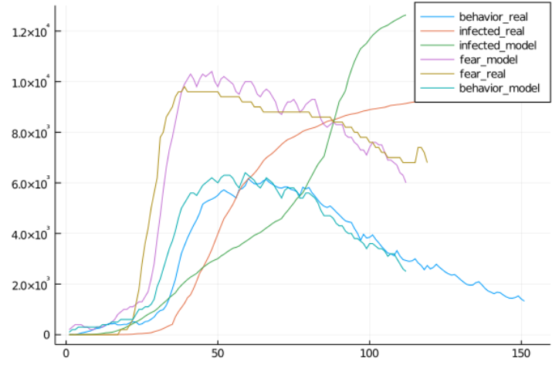
 |  |  |  |  | error behavior is 58.738736911719634 |  | Reasons for this:
 |  |  |  |  | error fear is 20.036458713563174 |  | Behavior is governed by media, messages on social distancing+norms

 |  |  |  |  |  |  | First fear by COVID unknown, thi s is accompanied by guidelines how we should behave - SD etc
 |  |  |  |  |  |  | This needs some time to process, adaption is slow and also governed by regular norms we see+attitude, is then further supported by facts.
 |  |  |  |  |  |  | -> behavior = norms+attitude messages + perceived norm+my old attitude

 |  |  |  |  |  | Behavior > 30, Risk 0.5
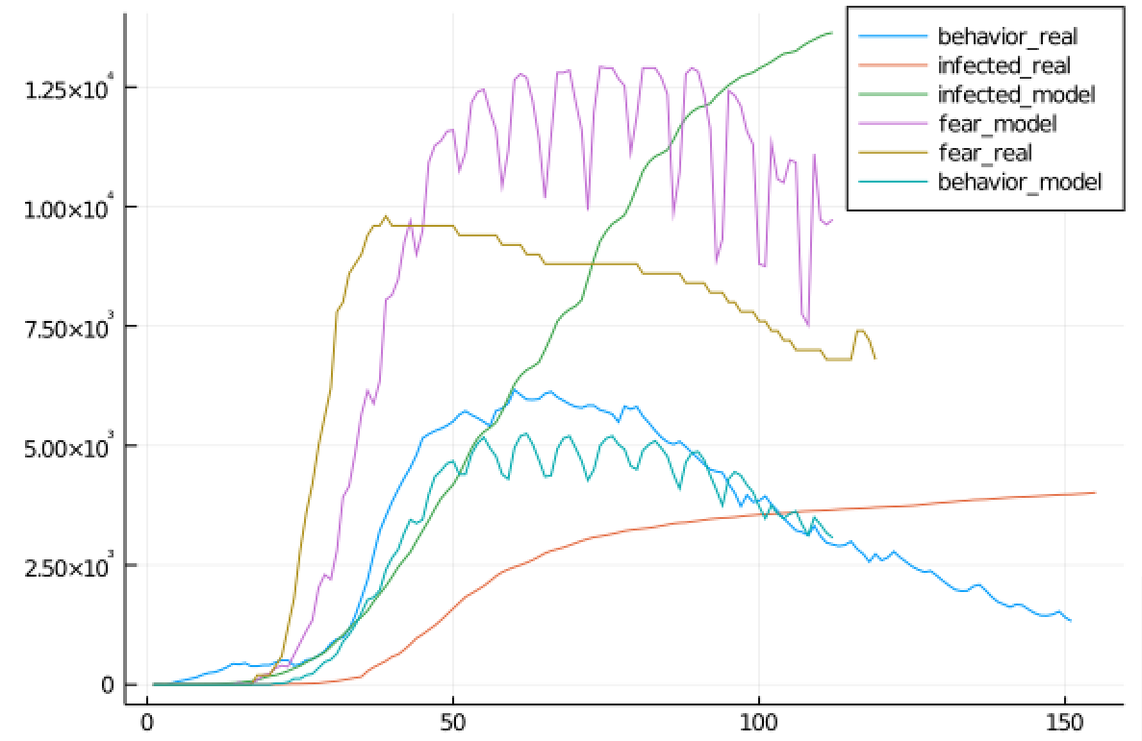

Fear+Norm+Attitude/3
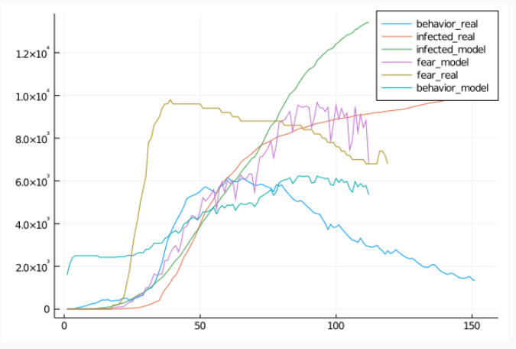

 |  |  |  |  |  | Risk 1, Behavior 50, Small Behavior True Risk
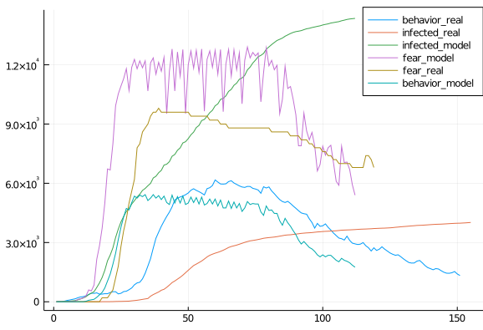

Validation for other behavior
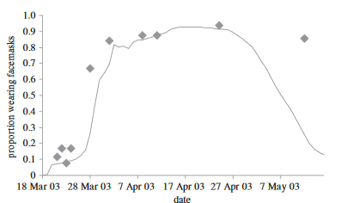

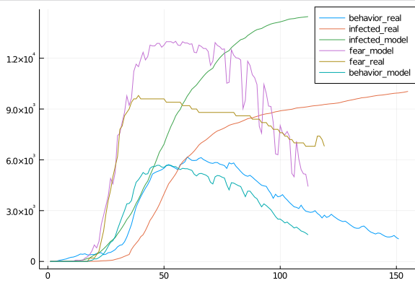
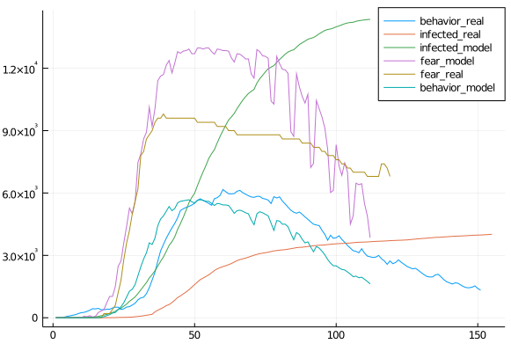
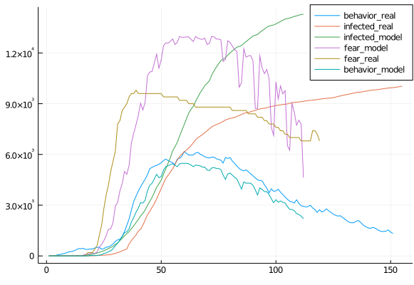
Behavior 70, Risk 0.7 |  |  |  | If Behavior Risk/10 |  |  |  |  |  | If Behavior Risk/10 also in :Q
 |  |  |  |  |  |  |  | error behavior is 42.96230664485535 |  |  |  |  |  |  |  | error behavior is 32.17801723541984
 |  |  |  |  |  |  |  | error fear is 29.43449361204646 |  |  |  |  |  |  |  | error fear is 29.739989900782476
 |  |  |  |  |  |  |  | error infected is 636.1314598220791 |  |  |  |  |  |  |  | error infected is 167.95065102186467

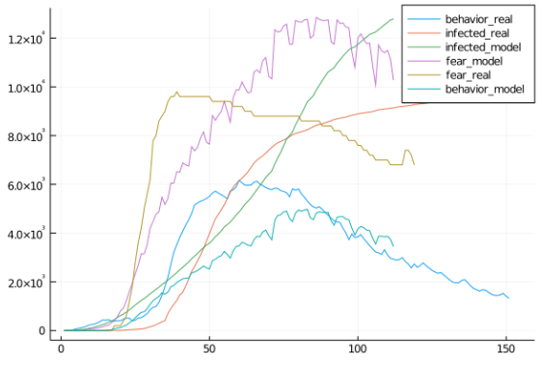
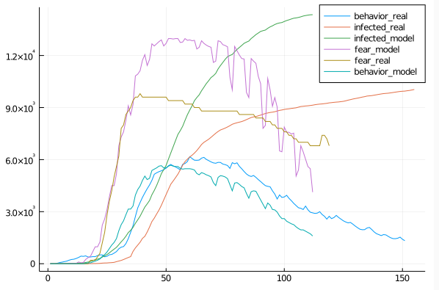
 |  |  |  | Contacts/2 |  |  |  |  |  | All behavior leads to no Inf Risk
 |  |  |  |  |  |  |  | error behavior is 37.65369540817264
 |  |  |  |  |  |  |  | error fear is 35.45577318141028
 |  |  |  |  |  |  |  | error infected is 1884.744060387621

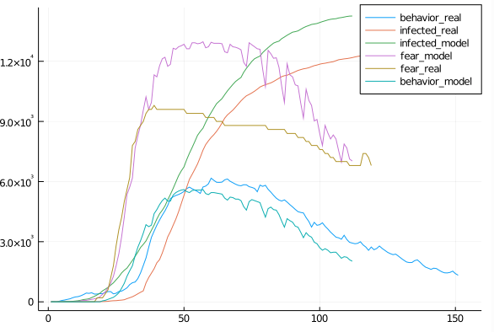
 |  |  |  |  |  |  |  |  |  | Risk*0.65, Behavior 70, If behavior Risk/10, 3days infection delay,max 40% increase and 10% daily decrease fear
Communication |  |  |  |  |  |  |  |  |  |  |  |  |  |  |  |  | error behavior is 30.80015398195664
PropertyGrowth 1.7, Scale 0-2 |  |  |  |  | PropertyGrowth 1.7, Scale 0-3 |  |  |  |  |  |  |  |  |  |  |  | error fear is 28.058950945826588


 |  |  |  |  |  |  |  |  | error behavior is 30.157608135128488 |  |  |  |  |  |  |  | error infected is 606.5801717568814
 |  |  |  |  |  |  |  |  | error fear is 26.07005412058058
 |  |  |  |  |  |  |  |  | error infected is 1574.846266257025


 |  |  |  |  |  |  |  |  |  | Risk 0.65, Behavior 60, same as above
 |  |  |  |  |  |  |  |  |  |  |  |  |  |  |  |  | error behavior is 33.64572317230976
 |  |  |  |  |  |  |  |  |  |  |  |  |  |  |  |  | error fear is 25.022909552258287
Above+Max Daily Fear Decay 0.7 |  |  |  | PropertyGrowth 130,Scale 0-2 |  |  |  |  |  |  |  |  |  |  |  |  | error infected is 531.6281490055067




 |  |  |  | Growth 170, 0-3, daily cases/210
 |  |  |  |  |  |  |  | error behavior is 26.596096128049485
 |  |  |  |  |  |  |  | error fear is 27.301443645729965
 |  |  |  |  |  |  |  | error infected is 124.88224306693621



 |  |  |  | attitude difference/3 |  |  |  |  |  | attitude difference/1
 |  |  |  |  |  |  |  | error behavior is 29.572680679411462
 |  |  |  |  |  |  |  | error fear is 28.81874756587898
 |  |  |  |  |  |  |  | error infected is 299.2557105102875

 |  |  |  |  |  |  |  | /2 that since best fit for all

 |  |  |  | norm time/200


 |  |  |  |  |  |  |  |  |  |  |  | Calibrated Value
 |  |  |  |  |  |  |  |  |  |  | Infection Risk - General | Risk*0.65
 |  |  |  |  |  |  |  |  |  |  | Quarantine (Behavior) | 0.00163
 |  |  |  |  |  |  |  |  |  |  | Quarantine (No Behavior) | 0.0163
 |  |  |  |  |  |  |  |  |  |  | General (PB) | 0.00366
 |  |  |  |  |  |  |  |  |  |  | General (No PB) | 0.095
 |  |  |  |  |  |  |  |  |  |  | Travel (PB) | 0.366
 |  |  |  |  |  |  |  |  |  |  | Travel (No PB) | 9.5
 |  |  |  |  |  |  |  |  |  |  | Fear Growth | 100*1.3*(1-e^(-case_growth*personal_cases))
 |  |  |  |  |  |  |  |  |  |  | Fear Decay | fear-0.5
 |  |  |  |  |  |  |  |  |  |  | Fear Decay Trigger | If 3 days growth < 105%
 |  |  |  |  |  |  |  |  |  |  | Fear Decay Delay | 3 days
 |  |  |  |  |  |  |  |  |  |  | PB Activation Threshold | PB > 65
 |  |  |  |  |  |  |  |  |  |  | Fear Influence on PB | Fear*1.1
 |  |  |  |  |  |  |  |  |  |  | Attitude/Norms Growth | property*(1+e^(-property_factor), Scale Property (0,170)->(0,3)
 |  |  |  |  |  |  |  |  |  |  | Attitude Decay | unscaled_attitude*(e^(-difference/2)), Scale Attitude (0,158) -> (0,2)
 |  |  |  |  |  |  |  |  |  |  | Norm Decay | norm*e^(-(time/340))
 |  |  |  | Norm time/350



 |  |  |  | Final Params
 |  |  |  |  |  |  |  | error behavior is 27.98637926543676
 |  |  |  |  |  |  |  | error fear is 33.26911856094239
 |  |  |  |  |  |  |  | error infected is 186.33064324083537


 |  |  |  |  |  |  |  |  |  |  |  | All Runs in Average
 |  |  |  | Risk 0.64 Behavior 60 |  |  |  | error behavior is 26.638244210553736 |  |  |  |  | MAPE
 |  |  |  |  |  |  |  | error fear is 31.825906272342596 |  |  | Run1 | Fear | 27.140009707 | 0.0; 0.0; 0.0; 0.0; 0.0; 0.0; 0.0; 0.125; 0.125; 0.125; 0.625; 0.875; 1.0; 1.125; 1.75; 1.875; 2.125; 3.25; 4.25; 6.125; 8.375; 11.75; 15.375; 21.0; 28.375; 37.0; 46.375; 56.375; 67.625; 69.0;
 |  |  |  |  |  |  |  | error infected is 146.9276651225957 |  |  |  | Behavior | 38.94 | 75.25; 87.875; 92.625; 95.125; 103.125; 107.5; 100.625; 100.25; 111.75; 116.125; 117.0; 117.125; 118.25; 110.375; 107.75; 118.75; 124.5; 125.25; 124.0; 118.625; 109.125; 104.5; 125.125; 127.625; 127.375; 124.5; 116.75; 107.375; 104.5; 127.0; 128.25; 127.875; 125.75; 118.875; 109.5; 106.375; 127.25; 128.125; 128.0; 125.625; 119.875; 110.25; 110.125; 129.625; 129.75; 129.625; 127.75; 124.125; 114.125; 106.125; 128.25; 128.5; 127.625; 125.0; 120.125; 110.5; 103.125; 124.625; 121.25; 117.625; 115.75; 112.375; 103.5; 95.875; 108.75; 104.375; 100.75; 99.75; 99.25; 91.5; 84.875; 94.125; 89.625; 91.5; 95.125; 96.75; 89.375; 82.75; 94.75; 89.875; 85.125; 83.375
 |  |  |  |  |  |  |  |  |  |  |  | Infected
 |  |  |  |  |  |  |  |  |  |  | Run2 | Fear
 |  |  |  |  |  |  |  |  |  |  |  | Behavior
 |  |  |  |  |  |  |  |  |  |  |  | Infected
 |  |  |  |  |  |  |  |  |  |  | Run3 | Fear
 |  |  |  |  |  |  |  |  |  |  |  | Behavior
 |  |  |  |  |  |  |  |  |  |  |  | Infected
 |  |  |  |  |  |  |  |  |  |  | Run4 | Fear
 |  |  |  |  |  |  |  |  |  |  |  | Behavior
 |  |  |  |  |  |  |  |  |  |  |  | Infected
 |  |  |  |  |  |  |  |  |  |  | Run5 | Fear
 |  |  |  |  |  |  |  |  |  |  |  | Behavior
 |  |  |  |  |  |  |  |  |  |  |  | Infected
 |  |  |  |  |  |  |  |  |  |  | Run6 | Fear
 |  |  |  |  |  |  |  |  |  |  |  | Behavior
 |  |  |  |  |  |  |  |  |  |  |  | Infected
 |  |  |  |  |  |  |  |  |  |  | Run7 | Fear
 |  |  |  |  |  |  |  |  |  |  |  | Behavior
 |  |  |  |  |  |  |  |  |  |  |  | Infected
 |  |  |  |  |  |  |  |  |  |  | Run8 | Fear
 |  |  |  |  |  |  |  |  |  |  |  | Behavior
 |  |  |  |  |  |  |  |  |  |  |  | Infected
 |  |  |  |  |  |  |  |  |  |  | Run9 | Fear
 |  |  |  |  |  |  |  |  |  |  |  | Behavior
 |  |  |  |  |  |  |  |  |  |  |  | Infected
 |  |  |  |  |  |  |  |  |  |  | Run10 | Fear
 |  |  |  |  |  |  |  |  |  |  |  | Behavior
 |  |  |  |  |  |  |  |  |  |  |  | Infected

