Graphics
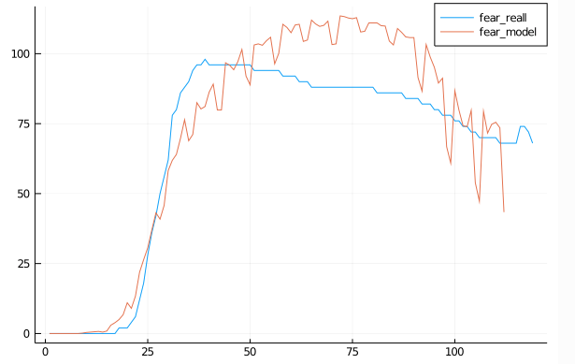
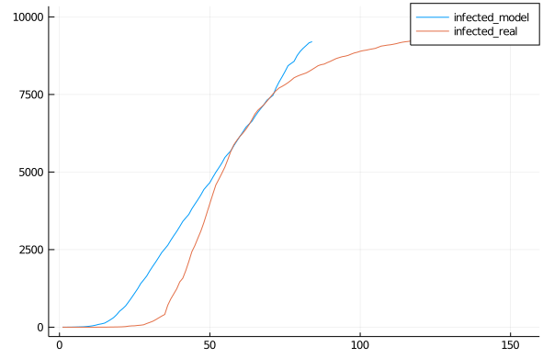
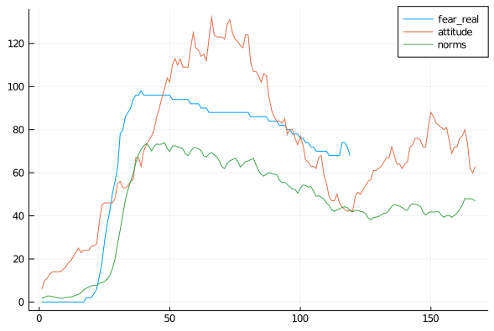
Default Run
 | Risk 0.8

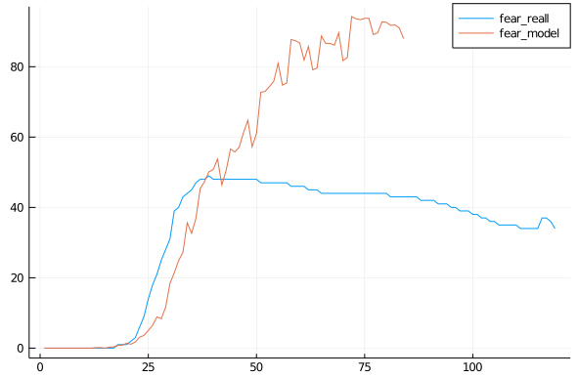
Fear

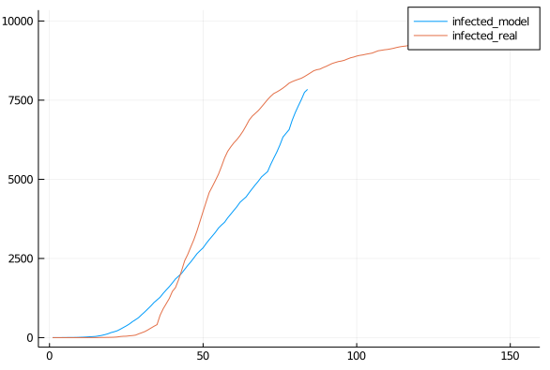
 | Risk 0.7

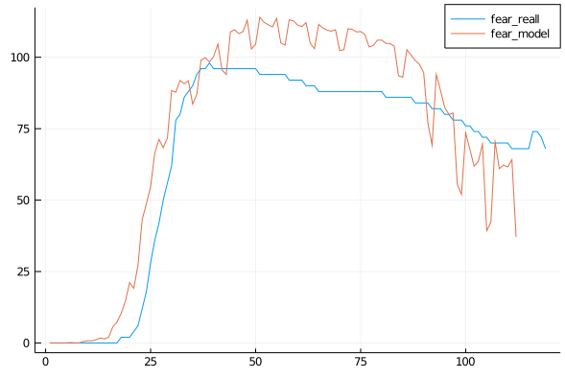
Fear

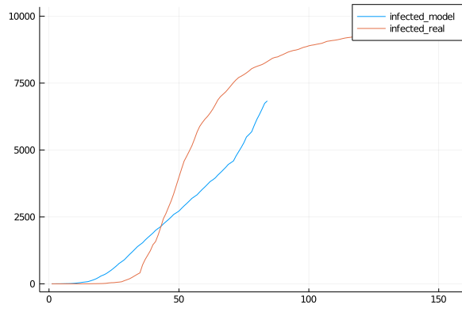
 | Risk 0.6

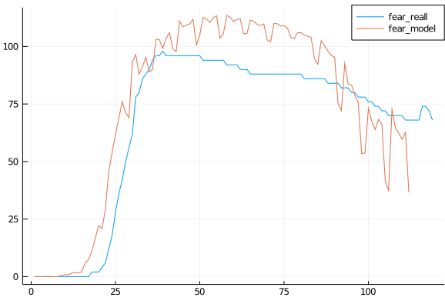
Onset 2 days

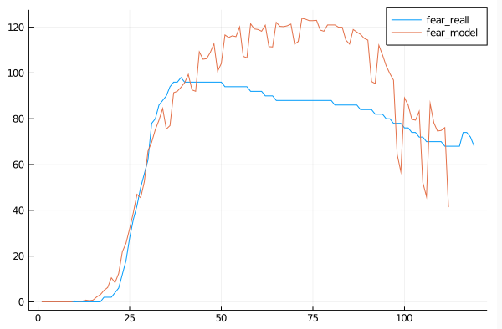
Fear 300days

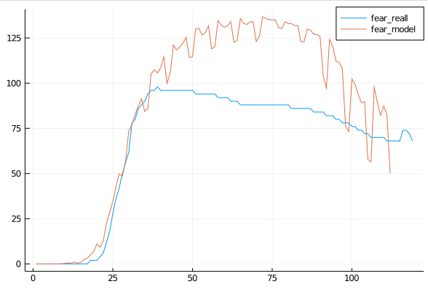
Fear decay *1.1

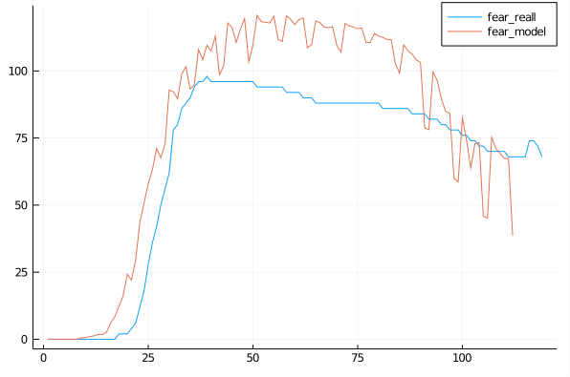
Fear Decay 1.2,Time 300, Fear Growth 1.3

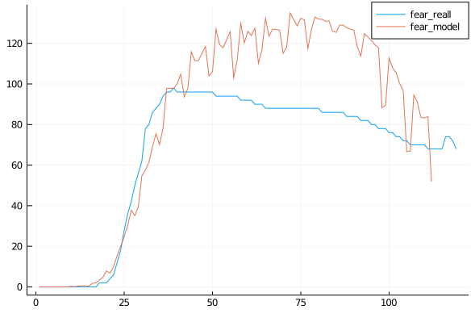
Fear Decay 1.4, Time 250, Growth 1.3

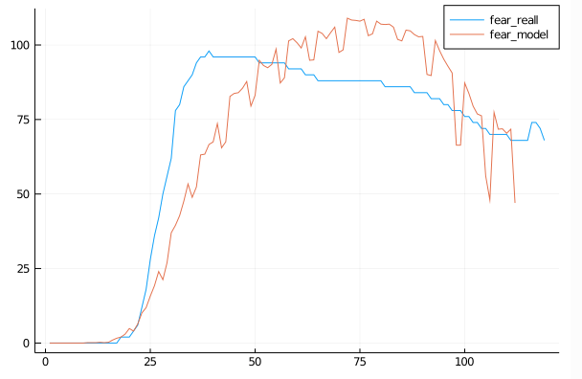
Growth 1.4, Time 300
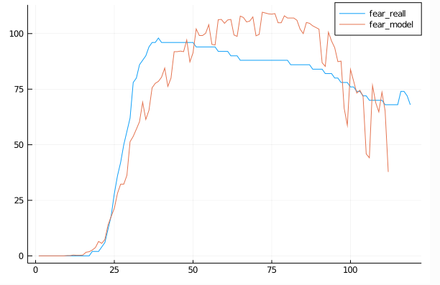

Growth 1.5, Time 300

Growth 1.45, Time 300

Graphics2
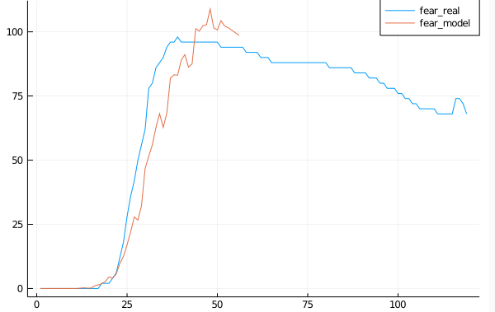
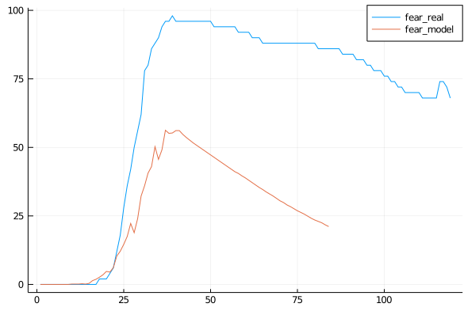
Growth 1.5.DecayTime/10.-1 | 16 Steps
 | Growth 1.3
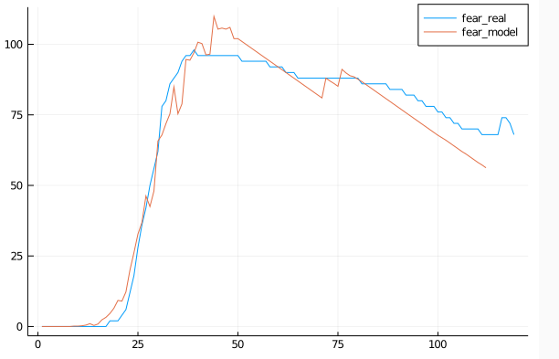

Growth 1.7
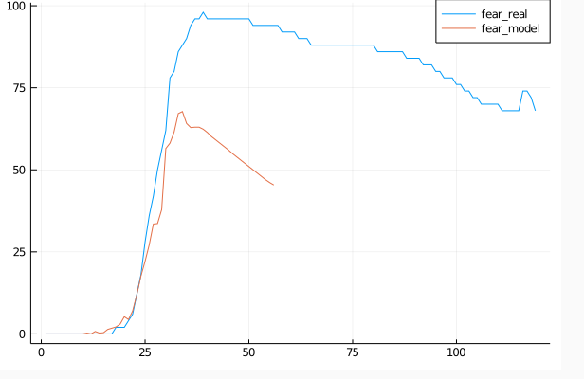
 | Time/15, 0.5
 | Time/12, 0.5
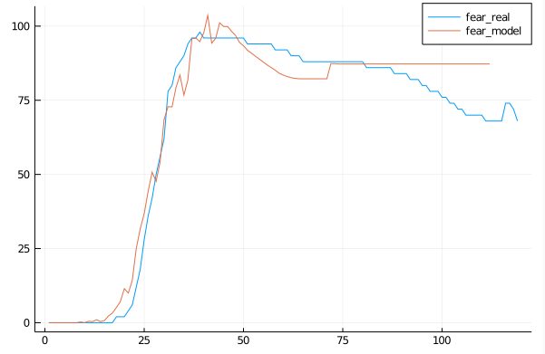

Growth 1.8
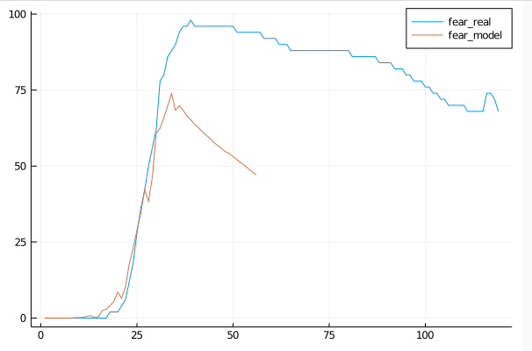

 | Time/12, 0,5, floor
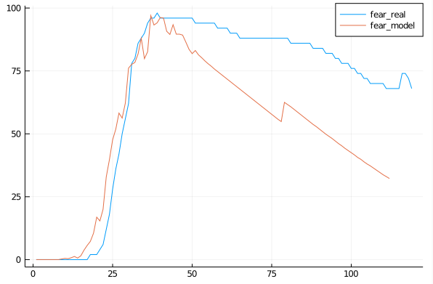

Growth 2
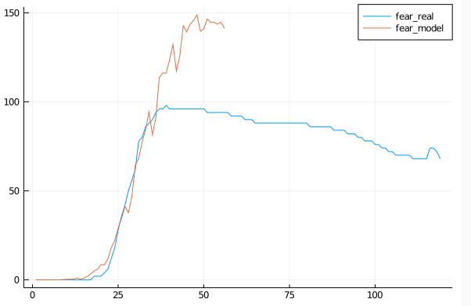
 | Growth 1.4
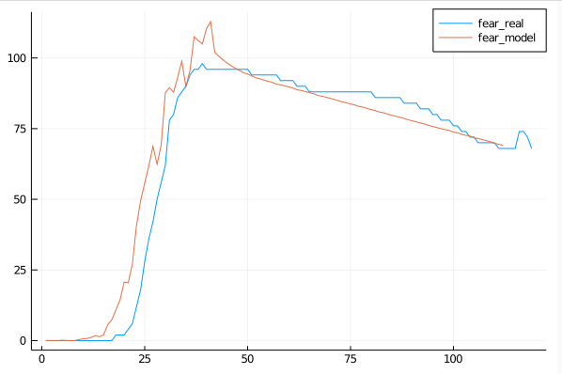

Growth 1.0
Growth 1.8
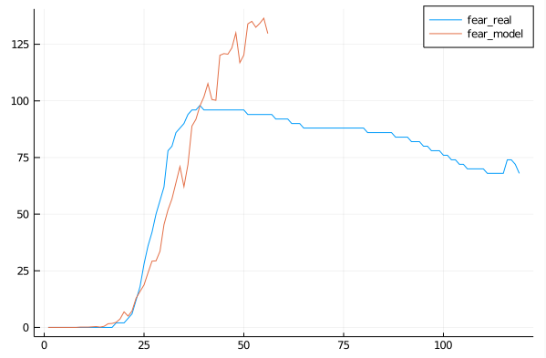
 | WO 0.4
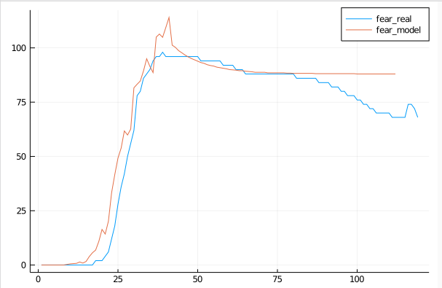

Growth 1.7
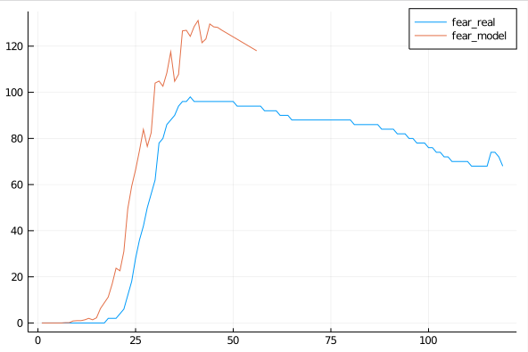

Growth 1.6
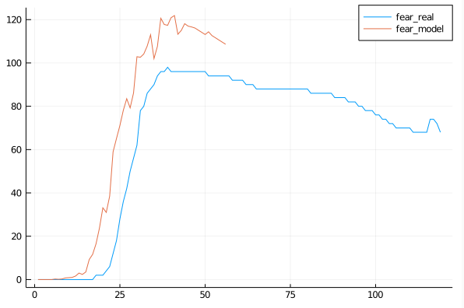

Growth 1.5
Growth 1.4
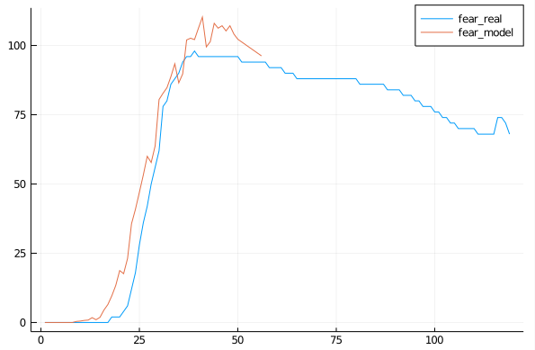

Growth 1.3

Conclusion
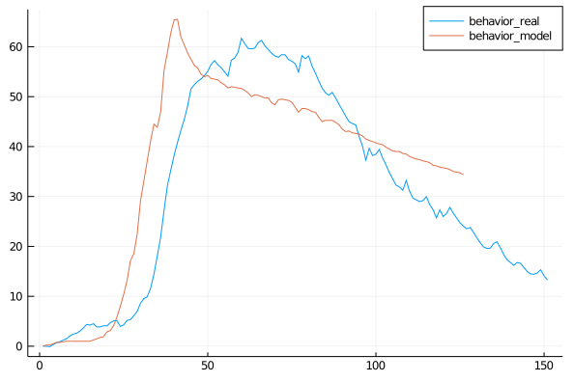
fear*(1-ℯ^(-time/10)), Growth 1.4 |  |  |  |  | W 0.4 decay |  |  |  |  |  |  |  |  |  | MAPE
 |  |  |  | 26.88 |  |  |  |  | 24.58 |  |  |  |  |  | 44.4

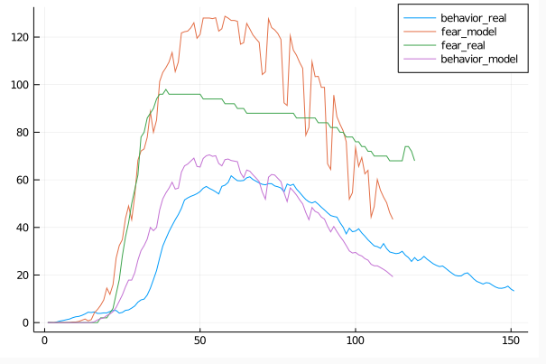
Growth 1.3, from Day 15 105, no Decay |  |  |  | error behavior is 48.357773372401155
 |  |  |  | error fear is 34.426016737444655

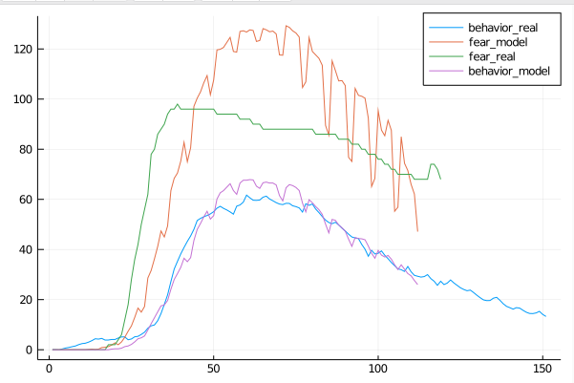
Growth 1.3, Fear -0.5 from Day 15 105
 |  |  |  | Fear 26.29
 |  |  |  | Behavior 26.21

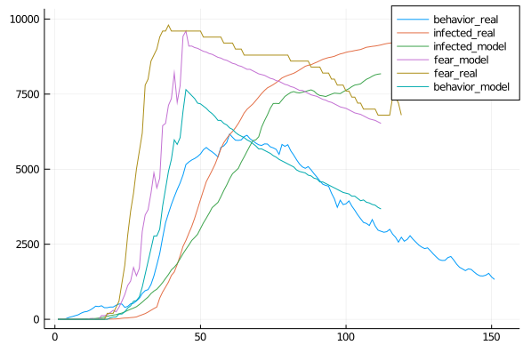
Growth 1.3, Fear -0.4 from 10 109, if decay else growth
 |  |  |  | error behavior is 32.738740040670336
 |  |  |  | error fear is 14.655055421999947

 |  |  |  |  |  |  |  | export PATH=$~/bin/julia-1.5.0/bin:$PATH
 |  |  |  |  |  |  |  | export LD_LIBRARY_PATH=$HOME/bin/julia-v0.6/lib:$LD_LIBRARY_PATH
 |  |  |  |  |  |  |  | export CPATH=$HOME/bin/julia-v0.6/include:$CPATH

Infection Curve | Behavior>100 |  |  | Behavior >50
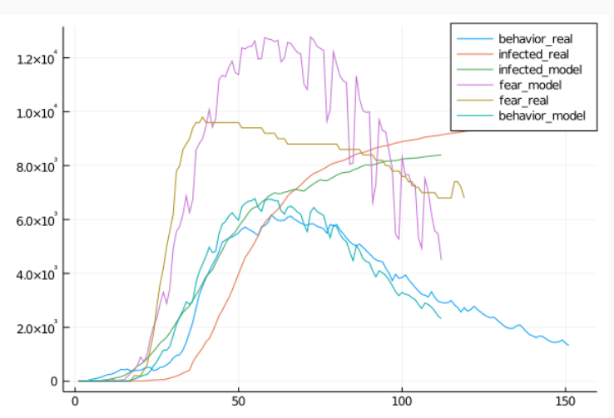
 |  |  |  |  |  | H1 - The model can replicate the trends of infection in Germany

 |  |  |  |  |  | H2 - The model can replicate the trends of behavior and fear in Germany

 |  |  |  |  |  | H3 - Fear can explain the behavior - is our prediction better than the tell me model

 |  |  |  |  |  | H4 - The course of the epidemic is significantly influenced by individual behavior change

 |  |  |  |  |  | H5 - The course of the epidemic is significantly influenced by the communication strategy

Using Norms(Social Distancing) and Attitude (Health Facts) |  | Fear=norms*14 | behavior=norm+attitude/2*fear/110+attitude*1500
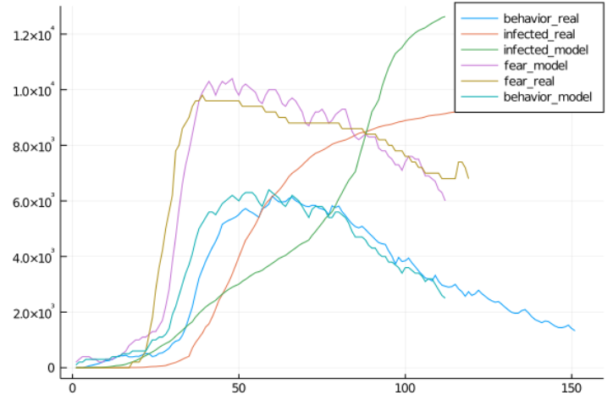
 |  |  |  |  | error behavior is 58.738736911719634 |  | Reasons for this:
 |  |  |  |  | error fear is 20.036458713563174 |  | Behavior is governed by media, messages on social distancing+norms

 |  |  |  |  |  |  | First fear by COVID unknown, thi s is accompanied by guidelines how we should behave - SD etc
 |  |  |  |  |  |  | This needs some time to process, adaption is slow and also governed by regular norms we see+attitude, is then further supported by facts.
 |  |  |  |  |  |  | -> behavior = norms+attitude messages + perceived norm+my old attitude

 |  |  |  |  |  | Behavior > 30, Risk 0.5
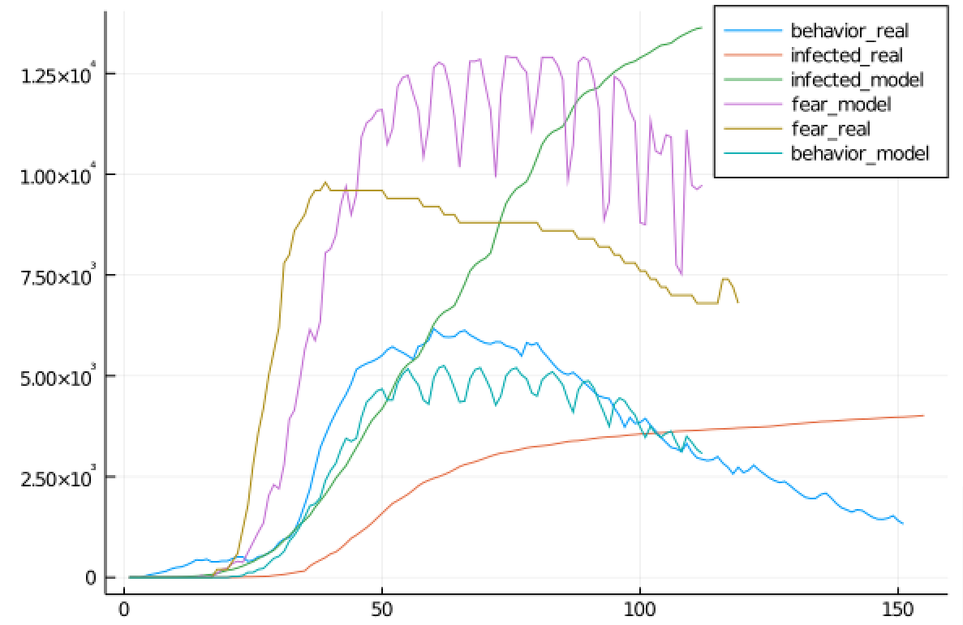

Fear+Norm+Attitude/3
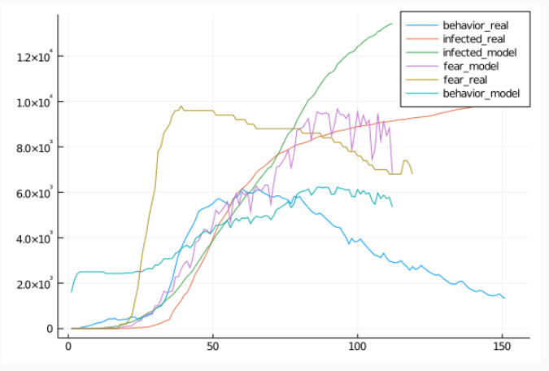

 |  |  |  |  |  | Risk 1, Behavior 50, Small Behavior True Risk
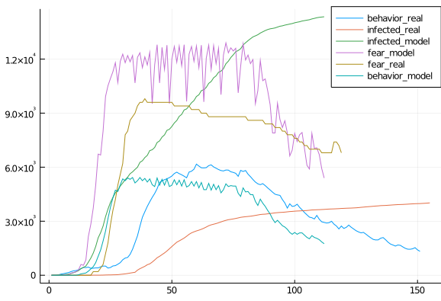

Validation for other behavior
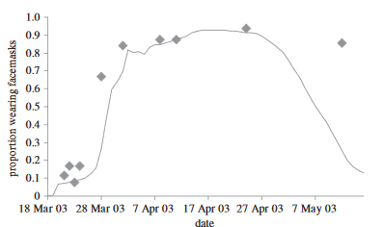

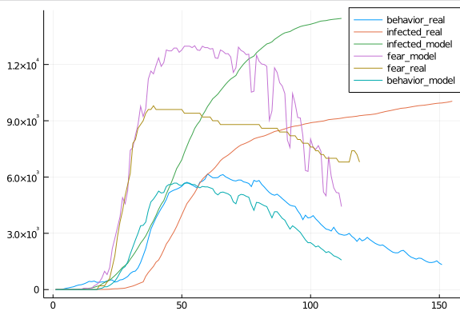
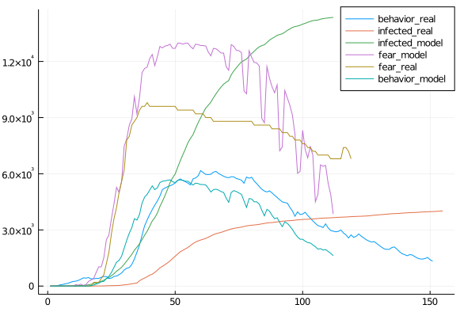
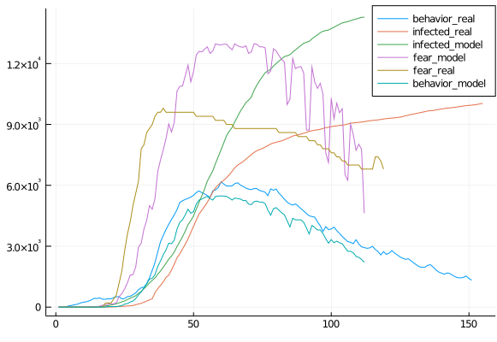
Behavior 70, Risk 0.7 |  |  |  | If Behavior Risk/10 |  |  |  |  |  | If Behavior Risk/10 also in :Q
 |  |  |  |  |  |  |  | error behavior is 42.96230664485535 |  |  |  |  |  |  |  | error behavior is 32.17801723541984
 |  |  |  |  |  |  |  | error fear is 29.43449361204646 |  |  |  |  |  |  |  | error fear is 29.739989900782476
 |  |  |  |  |  |  |  | error infected is 636.1314598220791 |  |  |  |  |  |  |  | error infected is 167.95065102186467

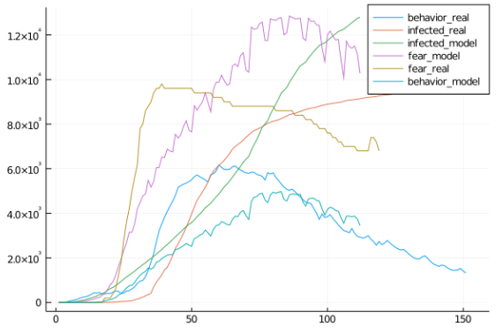
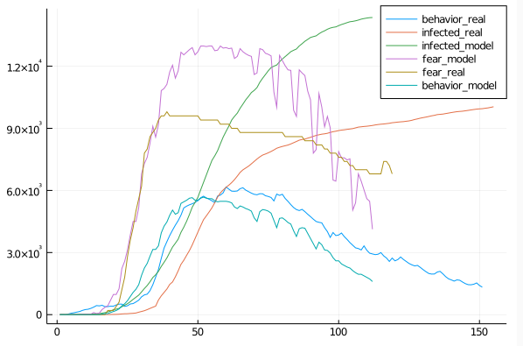
 |  |  |  | Contacts/2 |  |  |  |  |  | All behavior leads to no Inf Risk
 |  |  |  |  |  |  |  | error behavior is 37.65369540817264
 |  |  |  |  |  |  |  | error fear is 35.45577318141028
 |  |  |  |  |  |  |  | error infected is 1884.744060387621

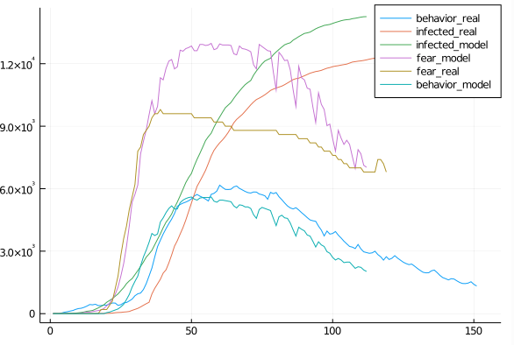
 |  |  |  |  |  |  |  |  |  | Risk*0.65, Behavior 70, If behavior Risk/10, 3days infection delay,max 40% increase and 10% daily decrease fear
Communication |  |  |  |  |  |  |  |  |  |  |  |  |  |  |  |  | error behavior is 30.80015398195664
PropertyGrowth 1.7, Scale 0-2 |  |  |  |  | PropertyGrowth 1.7, Scale 0-3 |  |  |  |  |  |  |  |  |  |  |  | error fear is 28.058950945826588
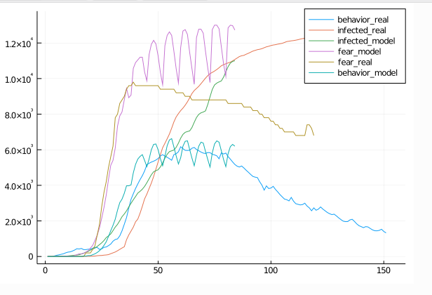
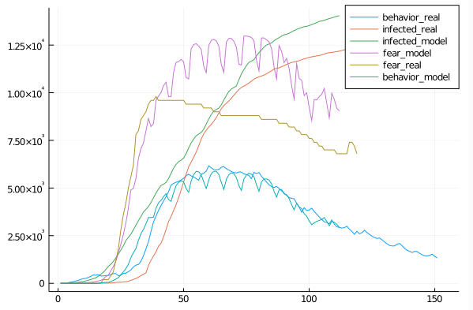
 |  |  |  |  |  |  |  |  | error behavior is 30.157608135128488 |  |  |  |  |  |  |  | error infected is 606.5801717568814
 |  |  |  |  |  |  |  |  | error fear is 26.07005412058058
 |  |  |  |  |  |  |  |  | error infected is 1574.846266257025

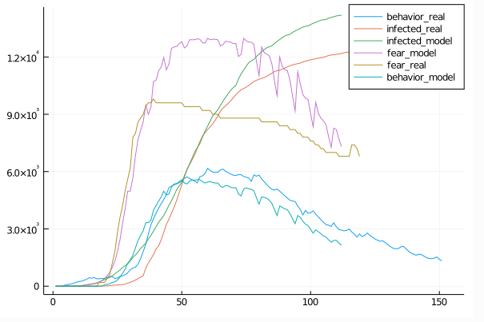
 |  |  |  |  |  |  |  |  |  | Risk 0.65, Behavior 60, same as above
 |  |  |  |  |  |  |  |  |  |  |  |  |  |  |  |  | error behavior is 33.64572317230976
 |  |  |  |  |  |  |  |  |  |  |  |  |  |  |  |  | error fear is 25.022909552258287
Above+Max Daily Fear Decay 0.7 |  |  |  | PropertyGrowth 130,Scale 0-2 |  |  |  |  |  |  |  |  |  |  |  |  | error infected is 531.6281490055067
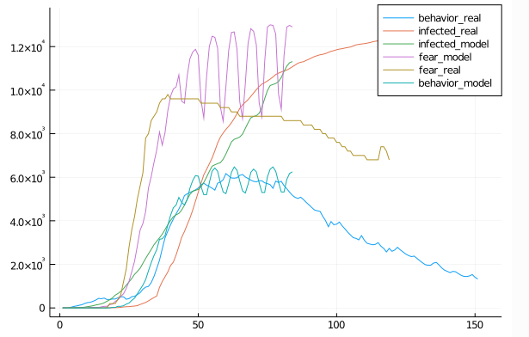
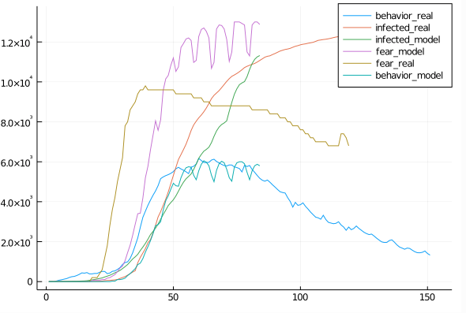

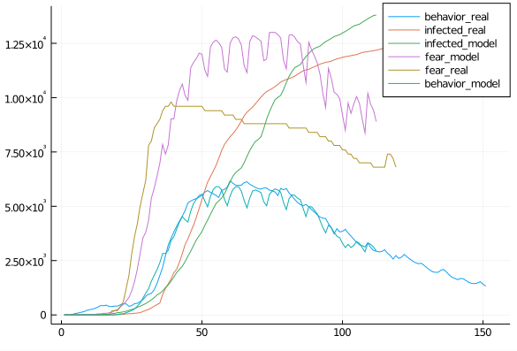
 |  |  |  | Growth 170, 0-3, daily cases/210
 |  |  |  |  |  |  |  | error behavior is 26.596096128049485
 |  |  |  |  |  |  |  | error fear is 27.301443645729965
 |  |  |  |  |  |  |  | error infected is 124.88224306693621



 |  |  |  | attitude difference/3 |  |  |  |  |  | attitude difference/1
 |  |  |  |  |  |  |  | error behavior is 29.572680679411462
 |  |  |  |  |  |  |  | error fear is 28.81874756587898
 |  |  |  |  |  |  |  | error infected is 299.2557105102875

 |  |  |  |  |  |  |  | /2 that since best fit for all

 |  |  |  | norm time/200


 |  |  |  |  |  |  |  |  |  |  |  | Calibrated Value
 |  |  |  |  |  |  |  |  |  |  | Infection Risk - General | Risk*0.65
 |  |  |  |  |  |  |  |  |  |  | Quarantine (Behavior) | 0.00163
 |  |  |  |  |  |  |  |  |  |  | Quarantine (No Behavior) | 0.0163
 |  |  |  |  |  |  |  |  |  |  | General (PB) | 0.00366
 |  |  |  |  |  |  |  |  |  |  | General (No PB) | 0.095
 |  |  |  |  |  |  |  |  |  |  | Travel (PB) | 0.366
 |  |  |  |  |  |  |  |  |  |  | Travel (No PB) | 9.5
 |  |  |  |  |  |  |  |  |  |  | Fear Growth | 100*1.3*(1-e^(-case_growth*personal_cases))
 |  |  |  |  |  |  |  |  |  |  | Fear Decay | fear-0.5
 |  |  |  |  |  |  |  |  |  |  | Fear Decay Trigger | If 3 days growth < 105%
 |  |  |  |  |  |  |  |  |  |  | Fear Decay Delay | 3 days
 |  |  |  |  |  |  |  |  |  |  | PB Activation Threshold | PB > 65
 |  |  |  |  |  |  |  |  |  |  | Fear Influence on PB | Fear*1.1
 |  |  |  |  |  |  |  |  |  |  | Attitude/Norms Growth | property*(1+e^(-property_factor), Scale Property (0,170)->(0,3)
 |  |  |  |  |  |  |  |  |  |  | Attitude Decay | unscaled_attitude*(e^(-difference/2)), Scale Attitude (0,158) -> (0,2)
 |  |  |  |  |  |  |  |  |  |  | Norm Decay | norm*e^(-(time/340))
 |  |  |  | Norm time/350



 |  |  |  | Final Params
 |  |  |  |  |  |  |  | error behavior is 27.98637926543676
 |  |  |  |  |  |  |  | error fear is 33.26911856094239
 |  |  |  |  |  |  |  | error infected is 186.33064324083537


 |  |  |  |  |  |  |  |  |  |  |  | All Runs in Average
 |  |  |  | Risk 0.64 Behavior 60 |  |  |  | error behavior is 26.638244210553736 |  |  |  |  | MAPE
 |  |  |  |  |  |  |  | error fear is 31.825906272342596 |  |  | Run1 | Fear | 27.140009707 | 0.0; 0.0; 0.0; 0.0; 0.0; 0.0; 0.0; 0.125; 0.125; 0.125; 0.625; 0.875; 1.0; 1.125; 1.75; 1.875; 2.125; 3.25; 4.25; 6.125; 8.375; 11.75; 15.375; 21.0; 28.375; 37.0; 46.375; 56.375; 67.625; 69.0;
 |  |  |  |  |  |  |  | error infected is 146.9276651225957 |  |  |  | Behavior | 38.94 | 75.25; 87.875; 92.625; 95.125; 103.125; 107.5; 100.625; 100.25; 111.75; 116.125; 117.0; 117.125; 118.25; 110.375; 107.75; 118.75; 124.5; 125.25; 124.0; 118.625; 109.125; 104.5; 125.125; 127.625; 127.375; 124.5; 116.75; 107.375; 104.5; 127.0; 128.25; 127.875; 125.75; 118.875; 109.5; 106.375; 127.25; 128.125; 128.0; 125.625; 119.875; 110.25; 110.125; 129.625; 129.75; 129.625; 127.75; 124.125; 114.125; 106.125; 128.25; 128.5; 127.625; 125.0; 120.125; 110.5; 103.125; 124.625; 121.25; 117.625; 115.75; 112.375; 103.5; 95.875; 108.75; 104.375; 100.75; 99.75; 99.25; 91.5; 84.875; 94.125; 89.625; 91.5; 95.125; 96.75; 89.375; 82.75; 94.75; 89.875; 85.125; 83.375
 |  |  |  |  |  |  |  |  |  |  |  | Infected
 |  |  |  |  |  |  |  |  |  |  | Run2 | Fear
 |  |  |  |  |  |  |  |  |  |  |  | Behavior
 |  |  |  |  |  |  |  |  |  |  |  | Infected
 |  |  |  |  |  |  |  |  |  |  | Run3 | Fear
 |  |  |  |  |  |  |  |  |  |  |  | Behavior
 |  |  |  |  |  |  |  |  |  |  |  | Infected
 |  |  |  |  |  |  |  |  |  |  | Run4 | Fear
 |  |  |  |  |  |  |  |  |  |  |  | Behavior
 |  |  |  |  |  |  |  |  |  |  |  | Infected
 |  |  |  |  |  |  |  |  |  |  | Run5 | Fear
 |  |  |  |  |  |  |  |  |  |  |  | Behavior
 |  |  |  |  |  |  |  |  |  |  |  | Infected
 |  |  |  |  |  |  |  |  |  |  | Run6 | Fear
 |  |  |  |  |  |  |  |  |  |  |  | Behavior
 |  |  |  |  |  |  |  |  |  |  |  | Infected
 |  |  |  |  |  |  |  |  |  |  | Run7 | Fear
 |  |  |  |  |  |  |  |  |  |  |  | Behavior
 |  |  |  |  |  |  |  |  |  |  |  | Infected
 |  |  |  |  |  |  |  |  |  |  | Run8 | Fear
 |  |  |  |  |  |  |  |  |  |  |  | Behavior
 |  |  |  |  |  |  |  |  |  |  |  | Infected
 |  |  |  |  |  |  |  |  |  |  | Run9 | Fear
 |  |  |  |  |  |  |  |  |  |  |  | Behavior
 |  |  |  |  |  |  |  |  |  |  |  | Infected
 |  |  |  |  |  |  |  |  |  |  | Run10 | Fear
 |  |  |  |  |  |  |  |  |  |  |  | Behavior
 |  |  |  |  |  |  |  |  |  |  |  | Infected

Hyp1&2
16 steps, 50 its run |  |  |  | 33.839657738 | 33.839657738
error behavior is 38.69552760785954
behavior data is [0.0; 0.0; 0.0; 0.0; 0.0; 0.0; 0.0; 0.0; 0.0; 0.0; 0.0; 0.0; 0.0; 0.0; 0.0; 0.0; 0.0; 0.0; 0.02; 0.04; 0.06; 0.12; 0.18; 0.3; 0.52; 0.76; 1.12; 1.58; 2.14; 2.66; 3.3200000000000003; 4.5200000000000005; 5.9; 7.2; 8.78; 10.82; 11.56; 12.620000000000001; 15.700000000000001; 18.2; 20.34; 22.84; 26.2; 26.32; 27.080000000000002; 31.62; 34.84; 37.04; 39.18; 41.68; 40.2; 39.660000000000004; 44.56; 47.52; 49.58; 50.52; 50.9; 47.84; 45.84; 50.84; 54.06; 55.72; 55.74; 54.86; 51.1; 48.26; 53.34; 56.54; 57.82; 57.72; 56.34; 52.14; 49.96; 56.480000000000004; 58.88; 59.86; 59.300000000000004; 58.38; 54.0; 51.08; 55.7; 57.800000000000004; 58.14; 57.620000000000005; 56.02; 51.82; 48.42; 53.42; 55.14; 54.980000000000004; 53.68; 51.68; 47.86; 44.300000000000004; 48.4; 48.54; 47.06; 45.58; 44.14; 40.94; 38.04; 40.94; 40.04; 39.26; 39.78; 40.7; 37.9; 35.32; 39.08; 38.06; 36.42; 35.64]
error fear is 37.31021987628112
fear data is [0.0; 0.0; 0.0; 0.0; 0.0; 0.0; 0.0; 0.0; 0.0; 0.0; 0.0; 0.04; 0.04; 0.06; 0.16; 0.2; 0.2; 0.38; 0.68; 0.9; 1.24; 1.8; 2.12; 2.68; 3.64; 4.94; 6.36; 8.38; 11.0; 12.52; 15.040000000000001; 19.7; 23.86; 28.0; 32.62; 37.72; 37.56; 40.92; 50.82; 55.56; 60.56; 65.9; 72.54; 69.38; 71.78; 83.92; 87.5; 91.24; 94.64; 98.84; 93.04; 93.86; 106.22; 108.96000000000001; 111.34; 112.3; 112.62; 105.10000000000001;
104.14; 117.88; 120.78; 121.74000000000001; 121.22; 119.66; 110.76; 108.66; 123.66; 125.94; 126.44; 125.58; 123.06; 113.76; 114.26; 129.74; 129.88; 129.9; 129.08; 127.62; 118.22; 115.66; 129.18; 129.9; 129.74; 128.4; 125.86; 116.42; 111.12; 128.34; 128.3; 126.68; 124.60000000000001; 121.38; 111.76; 104.78; 122.52; 119.48; 116.06; 114.16; 112.16; 103.26; 96.28; 111.60000000000001; 107.06; 105.8; 108.66; 110.4; 101.66; 94.02; 110.44; 104.74000000000001; 100.92; 100.72]
error infected is 276.59482817646125
infected data is [0.0; 1.0; 2.0; 2.0; 2.0; 6.0; 6.0; 6.0; 11.0; 17.0; 19.0; 24.0; 31.0; 44.0; 52.0; 69.0; 91.0; 124.0; 156.0; 196.0; 215.0; 252.0; 312.0; 374.0; 443.0; 510.0; 587.0; 640.0; 710.0; 816.0; 936.0; 1045.0; 1186.0; 1333.0; 1446.0; 1543.0; 1727.0; 1908.0; 2071.0; 2246.0; 2464.0; 2615.0; 2784.0; 3018.0; 3250.0; 3508.0; 3746.0; 3956.0; 4107.0; 4253.0; 4497.0; 4748.0; 5007.0; 5217.0; 5397.0; 5511.0; 5631.0; 5890.0; 6149.0; 6406.0; 6629.0; 6774.0; 6858.0; 6958.0; 7208.0; 7494.0; 7764.0; 7970.0; 8120.0; 8198.0; 8315.0; 8696.0; 9125.0; 9455.0; 9713.0; 9907.0; 9989.0; 10067.0; 10295.0; 10652.0; 10963.0; 11171.0; 11313.0; 11373.0; 11424.0; 11634.0; 11834.0; 12002.0; 12127.0; 12239.0; 12286.0; 12343.0; 12468.0; 12583.0; 12669.0; 12766.0; 12845.0; 12900.0; 12948.0; 13044.0; 13112.0; 13180.0; 13255.0; 13351.0; 13394.0; 13435.0; 13523.0; 13592.0; 13654.0; 13709.0; 13771.0; 13802.0]
1768.226422 seconds (20.05 M allocations: 1.245 GiB, 0.02% gc time)
Mean Behavior
0 | 0 | 0 | 0 | 0 | 0 | 0 | 0 | 0 | 0 | 0 | 0 | 0 | 0 | 0 | 0 | 0.013888888889 | 0.041666666667 | 0.090277777778 | 0.25 | 0.40972222222 | 0.71527777778 | 1.0486111111 | 1.4930555556 | 2.0347222222 | 2.9930555556 | 4.1388888889 | 5.6875 | 7.6527777778 | 9.3055555556 | 11.173611111 | 14.569444444 | 17.694444444 | 20.354166667 | 23.340277778 | 27.104166667 | 27.618055556 | 28.583333333 | 33.402777778 | 36.791666667 | 39.409722222 | 42.090277778 | 45.034722222 | 43.402777778 | 42.520833333 | 47.361111111 | 50.979166667 | 53.1875 | 54.201388889 | 54.541666667 | 51.180555556 | 48.625 | 53.618055556 | 57.375 | 59.006944444 | 58.826388889 | 57.020833333 | 52.784722222 | 49.458333333 | 55.25 | 58.798611111 | 60.104166667 | 59.472222222 | 56.826388889 | 52.479166667 | 48.972222222 | 55.013888889 | 58.180555556 | 59.194444444 | 58.638888889 | 56.326388889 | 52 | 49.118055556 | 56.090277778 | 58.944444444 | 59.722222222 | 59.138888889 | 57.597222222 | 53.180555556 | 49.409722222 | 54.763888889 | 57.201388889 | 57.569444444 | 56.659722222 | 54.354166667 | 50.180555556 | 46.583333333 | 51.902777778 | 53.194444444 | 52.222222222 | 50.666666667 | 48.659722222 | 45.076388889 | 41.694444444 | 45.131944444 | 44.125 | 42.125 | 40.520833333 | 39.75 | 37.048611111 | 34.472222222 | 36.222222222 | 34.986111111 | 34.409722222 | 35.361111111 | 36.131944444 | 33.895833333 | 31.631944444 | 34.6875 | 33.75 | 32.270833333 | 31.201388889 | stop
Mean Fear
0 | 0 | 0 | 0 | 0 | 0 | 0 | 0 | 0 | 0 | 0.090277777778 | 0.21527777778 | 0.32638888889 | 0.52083333333 | 0.68055555556 | 0.76388888889 | 0.92361111111 | 1.4583333333 | 1.8819444444 | 2.6041666667 | 3.5208333333 | 4.7847222222 | 6.1527777778 | 8.1736111111 | 11.368055556 | 15.236111111 | 19.819444444 | 25.645833333 | 32.298611111 | 35.375 | 40.423611111 | 50.166666667 | 56.25 | 61.673611111 | 68.125 | 75.013888889 | 72.180555556 | 75.104166667 | 87.902777778 | 91.659722222 | 95.972222222 | 100.34722222 | 104.61111111 | 98.1875 | 98.013888889 | 110.57638889 | 114.04861111 | 116.10416667 | 116.84722222 | 116.96527778 | 108.65972222 | 106.20138889 | 120.64583333 | 123.9375 | 124.74305556 | 123.4375 | 120.01388889 | 110.73611111 | 107.04861111 | 124.75 | 127.375 | 127.38888889 | 125.70138889 | 121 | 111.38194444 | 107.75694444 | 126.59722222 | 128.11805556 | 127.95833333 | 126.35416667 | 122.23611111 | 112.61805556 | 111.88194444 | 129.86111111 | 129.97916667 | 129.82638889 | 128.6875 | 126.31944444 | 116.28472222 | 110.63888889 | 128.61111111 | 129.47916667 | 128.74305556 | 126.875 | 123.06944444 | 113.28472222 | 106.36111111 | 126.49305556 | 125.26388889 | 122.33333333 | 120.02777778 | 117 | 107.78472222 | 100.09722222 | 117.11805556 | 111.98611111 | 107.82638889 | 105.72916667 | 105.85416667 | 97.611111111 | 90.520833333 | 102.59722222 | 98.090277778 | 97.493055556 | 101.375 | 102.29861111 | 94.381944444 | 87.326388889 | 102.20833333 | 97.222222222 | 93.263888889 | 91.847222222 | stop
Mean Infected
0 | 0.55555555556 | 1.4444444444 | 2.1111111111 | 3.3333333333 | 5.1111111111 | 6 | 6.8888888889 | 11 | 17 | 22.666666667 | 31.777777778 | 42.333333333 | 50.777777778 | 61.444444444 | 87.222222222 | 115.77777778 | 147.55555556 | 187.11111111 | 238.55555556 | 273.22222222 | 315.44444444 | 381.55555556 | 449.66666667 | 528.77777778 | 620.66666667 | 725.77777778 | 805.11111111 | 885 | 1017.6666667 | 1155.8888889 | 1289.3333333 | 1436.5555556 | 1612 | 1740 | 1870.4444444 | 2057.3333333 | 2240.1111111 | 2431.2222222 | 2636.8888889 | 2845.6666667 | 2996.4444444 | 3147.2222222 | 3357.7777778 | 3584.2222222 | 3808.7777778 | 4032.1111111 | 4243.4444444 | 4373.6666667 | 4505.7777778 | 4716.1111111 | 4973.5555556 | 5232 | 5457.5555556 | 5645.8888889 | 5750.6666667 | 5856.3333333 | 6085.8888889 | 6360.5555556 | 6624.1111111 | 6841.2222222 | 7000.4444444 | 7094.4444444 | 7192.4444444 | 7418.8888889 | 7691.6666667 | 7956.5555556 | 8166 | 8323.8888889 | 8408.4444444 | 8508.4444444 | 8887.3333333 | 9308.8888889 | 9671.1111111 | 9926.4444444 | 10112 | 10194.666667 | 10276.222222 | 10514.666667 | 10833.444444 | 11093.666667 | 11283.666667 | 11426.333333 | 11492.444444 | 11559.666667 | 11742.333333 | 11916.777778 | 12058.111111 | 12188.777778 | 12299.555556 | 12357.333333 | 12412 | 12531.222222 | 12627.555556 | 12712.222222 | 12791.222222 | 12875 | 12916.777778 | 12963.333333 | 13040.222222 | 13108.333333 | 13172.888889 | 13249.777778 | 13333.555556 | 13373.777778 | 13410.888889 | 13493.777778 | 13557.777778 | 13613.444444 | 13677.888889 | 13735.777778 | 13789.5 | stop

16 steps 16 run
error behavior is 26.39305200153952
0 | 0 | 0 | 0 | 0 | 0 | 0 | 0 | 0 | 0 | 0 | 0 | 0 | 0 | 0 | 0 | 0 | 0 | 0.0625 | 0.125 | 0.3125 | 0.5625 | 0.9375 | 1.3125 | 1.9375 | 2.6875 | 3.75 | 5.3125 | 7.125 | 9.125 | 10.8125 | 14.375 | 17.875 | 20.8125 | 24.1875 | 28.4375 | 29.0625 | 30 | 35.25 | 39.25 | 41.8125 | 44.8125 | 47.1875 | 45.5 | 44.4375 | 49.875 | 53.3125 | 55.5625 | 56.5625 | 56.625 | 53.125 | 50.25 | 54.6875 | 58.375 | 60.1875 | 59.6875 | 57.5625 | 53.0625 | 49.75 | 55.5 | 59.0625 | 60.4375 | 59.625 | 56.6875 | 52.3125 | 48.75 | 55.125 | 58.25 | 59.125 | 58.75 | 56.1875 | 51.75 | 49.1875 | 56.0625 | 59 | 59.75 | 59 | 57.625 | 53.25 | 49.4375 | 54.75 | 57.1875 | 57.5 | 56.5625 | 53.9375 | 49.875 | 46.125 | 51.875 | 53.375 | 52 | 50.5 | 48.3125 | 44.8125 | 41.5 | 44.8125 | 43.75 | 41.625 | 40.4375 | 39.375 | 36.8125 | 34.25 | 36.125 | 35.125 | 34.6875 | 34.5 | 35.6875 | 33.6875 | 31.4375 | 34.0625 | 33.125 | 31.5625 | 30.5625
error fear is 27.977829646686406
0 | 0 | 0 | 0 | 0 | 0 | 0 | 0 | 0 | 0 | 0.0625 | 0.1875 | 0.3125 | 0.4375 | 0.75 | 0.75 | 0.9375 | 1.5 | 1.9375 | 2.4375 | 3.4375 | 4.4375 | 5.625 | 7.5625 | 10.6875 | 14.25 | 18.875 | 24.8125 | 31.9375 | 36.5 | 41.4375 | 52.125 | 59.25 | 65.8125 | 72.625 | 80.25 | 76.875 | 78.9375 | 93 | 97.8125 | 100.75 | 105.5 | 108.25 | 101.8125 | 101.125 | 114.9375 | 117.4375 | 119.4375 | 120.125 | 119.6875 | 110.9375 | 108.0625 | 121.5625 | 125.3125 | 126.1875 | 124.1875 | 120.625 | 111 | 107.6875 | 125.25 | 127.75 | 127.875 | 125.8125 | 120.5 | 110.8125 | 108.1875 | 127 | 128.1875 | 128 | 126.5625 | 121.75 | 112.3125 | 112.1875 | 130 | 129.9375 | 129.9375 | 128.6875 | 126.5 | 116.1875 | 110.5 | 128.5 | 129.4375 | 128.8125 | 126.75 | 122.375 | 112.5625 | 105.125 | 126.6875 | 125.75 | 122 | 119.875 | 116.75 | 107.5625 | 99.625 | 116.6875 | 111.375 | 107.3125 | 106.1875 | 104.8125 | 96.625 | 89.4375 | 103.125 | 99.0625 | 98.1875 | 99 | 102.5625 | 94.5625 | 87.4375 | 100.75 | 96.5 | 91.75 | 90.625
error infected is 253.18278771202952
0 | 0 | 1 | 2 | 4 | 6 | 6 | 9 | 12 | 13 | 16 | 20 | 29 | 32 | 42 | 62 | 91 | 116 | 147 | 181 | 209 | 252 | 304 | 347 | 396 | 457 | 572 | 642 | 708 | 811 | 919 | 1050 | 1173 | 1320 | 1441 | 1559 | 1725 | 1886 | 2062 | 2259 | 2479 | 2629 | 2786 | 3025 | 3259 | 3478 | 3720 | 3983 | 4146 | 4319 | 4542 | 4794 | 5045 | 5270 | 5474 | 5596 | 5698 | 5888 | 6159 | 6399 | 6638 | 6786 | 6883 | 6974 | 7234 | 7509 | 7781 | 8021 | 8196 | 8284 | 8386 | 8731 | 9181 | 9539 | 9788 | 9981 | 10064 | 10166 | 10419 | 10786 | 11060 | 11264 | 11392 | 11456 | 11520 | 11738 | 11923 | 12055 | 12177 | 12289 | 12356 | 12401 | 12515 | 12605 | 12695 | 12784 | 12855 | 12900 | 12953 | 13059 | 13107 | 13182 | 13245 | 13319 | 13365 | 13402 | 13471 | 13537 | 13582 | 13643 | 13700 | 13731
16 steps 8 run
error behavior is 32.754546040953336
0 | 0 | 0 | 0 | 0 | 0 | 0 | 0 | 0 | 0 | 0 | 0 | 0 | 0 | 0 | 0 | 0 | 0.125 | 0.25 | 0.625 | 0.875 | 1.375 | 2 | 2.875 | 3.75 | 5.5 | 7.625 | 10.125 | 13.625 | 16.375 | 19 | 24.125 | 28.5 | 31.875 | 35.375 | 39.875 | 39.5 | 39.625 | 45.5 | 49.625 | 52 | 53.125 | 54.625 | 51.75 | 50.125 | 53.875 | 57.875 | 59.625 | 59.875 | 57.5 | 53.25 | 49.625 | 55.75 | 59.875 | 61.25 | 60.375 | 56.875 | 52.5 | 48.875 | 56 | 59.75 | 60.875 | 60.125 | 56.5 | 51.75 | 48 | 55 | 58.375 | 59.25 | 58.375 | 55.625 | 51.375 | 48.375 | 55.75 | 58.75 | 59.25 | 59 | 57 | 52.625 | 48.625 | 54.125 | 56.625 | 57.25 | 55.375 | 53.25 | 49.125 | 45.875 | 50.625 | 51 | 49.875 | 48.625 | 47.25 | 43.75 | 40.375 | 42.75 | 41.25 | 39.625 | 38.25 | 36.75 | 34.125 | 31.75 | 32.75 | 32.125 | 31.375 | 32.125 | 33.25 | 31.5 | 29.25 | 32.375 | 30.75 | 29.375 | 27.875
error fear is 24.60629788612034
0 | 0 | 0 | 0 | 0 | 0 | 0 | 0 | 0 | 0 | 0.375 | 0.5 | 0.75 | 0.875 | 1 | 1.125 | 1.5 | 2.25 | 2.875 | 4.125 | 5.75 | 8 | 10.625 | 14.125 | 19.625 | 26.75 | 34.5 | 43.125 | 52.875 | 56.5 | 62 | 75.125 | 80.75 | 85.875 | 92.25 | 98.5 | 93.125 | 94.25 | 108.125 | 112.125 | 114 | 114.625 | 116.875 | 109.625 | 109 | 118.5 | 123.25 | 123.5 | 123 | 118.75 | 109.125 | 104.5 | 124.25 | 126.875 | 127.125 | 125.125 | 118 | 108.5 | 105.875 | 126.875 | 128.125 | 128 | 126.375 | 119.125 | 109.5 | 105 | 127.375 | 128.375 | 128 | 125.875 | 120.625 | 111.125 | 110.75 | 129.75 | 130 | 129.375 | 128.5 | 125.25 | 114.875 | 107.625 | 128.125 | 128.875 | 128 | 125 | 121.75 | 112 | 105.375 | 124.5 | 122.125 | 119 | 117.625 | 115.625 | 106.25 | 98.75 | 112.75 | 107.125 | 103.25 | 102.375 | 99.625 | 92.25 | 85.25 | 95.75 | 93 | 92 | 95.125 | 97.75 | 90.125 | 83.375 | 98 | 90.75 | 87.125 | 84.875
error infected is 377.82
0 | 1 | 2 | 4 | 5 | 9 | 9 | 9 | 13 | 23 | 27 | 34 | 45 | 53 | 65 | 95 | 120 | 148 | 202 | 251 | 287 | 331 | 407 | 465 | 565 | 655 | 762 | 862 | 955 | 1096 | 1254 | 1410 | 1589 | 1782 | 1923 | 2047 | 2255 | 2474 | 2701 | 2916 | 3157 | 3342 | 3530 | 3775 | 4018 | 4256 | 4484 | 4689 | 4802 | 4905 | 5095 | 5341 | 5643 | 5866 | 6045 | 6118 | 6220 | 6432 | 6716 | 6960 | 7194 | 7337 | 7435 | 7520 | 7747 | 8044 | 8327 | 8530 | 8685 | 8766 | 8880 | 9243 | 9647 | 10024 | 10269 | 10448 | 10528 | 10607 | 10817 | 11103 | 11346 | 11515 | 11647 | 11702 | 11782 | 11947 | 12083 | 12205 | 12331 | 12436 | 12489 | 12555 | 12651 | 12726 | 12809 | 12884 | 12960 | 12999 | 13049 | 13103 | 13164 | 13232 | 13297 | 13388 | 13433 | 13469 | 13547 | 13613 | 13657 | 13710 | 13755 | 13792
16 steps 8 run
error behavior is 28.319279073933576
0 | 0 | 0 | 0 | 0 | 0 | 0 | 0 | 0 | 0 | 0 | 0 | 0 | 0 | 0 | 0 | 0 | 0 | 0 | 0.375 | 0.5 | 0.875 | 1.25 | 1.625 | 2.375 | 3.5 | 5.125 | 6.875 | 9.625 | 11.75 | 13.875 | 18.125 | 21.875 | 25.5 | 28.625 | 32.75 | 32.875 | 33.875 | 39.125 | 42.25 | 44.625 | 47.25 | 49.875 | 47.5 | 46 | 50.625 | 54.375 | 56.75 | 57.25 | 56.875 | 52.625 | 49.5 | 54.75 | 58.875 | 60.25 | 60 | 57 | 52.75 | 49.5 | 56 | 59.25 | 60.125 | 59.375 | 56.625 | 52.25 | 49 | 55.125 | 58.125 | 59.125 | 58.75 | 56.375 | 52 | 48.875 | 55.875 | 59 | 59.75 | 59.125 | 57.375 | 52.625 | 48.875 | 54.625 | 56.875 | 57.375 | 56.375 | 53.75 | 49.5 | 45.875 | 51.625 | 52.875 | 51.5 | 49.25 | 48.125 | 44.875 | 41.25 | 44.5 | 43.25 | 41.125 | 39.5 | 38.875 | 36.125 | 33.875 | 35.25 | 33.5 | 33.125 | 34.125 | 35.5 | 33.5 | 31.125 | 33.875 | 33 | 31.125 | 30
error fear is 26.233906668007922
0 | 0 | 0 | 0 | 0 | 0 | 0 | 0 | 0 | 0 | 0 | 0.375 | 0.5 | 0.625 | 0.75 | 1 | 1.125 | 1.625 | 2.125 | 3.125 | 3.875 | 5.5 | 7.25 | 9.625 | 13.375 | 18.375 | 24.5 | 32.25 | 40.75 | 44.625 | 48.875 | 61.25 | 68.375 | 73.625 | 79.375 | 87 | 82.75 | 85 | 98.375 | 100.375 | 104 | 108.25 | 111.375 | 103.75 | 103 | 115.375 | 118.875 | 120.75 | 120.375 | 119.375 | 110 | 106.75 | 122.125 | 125.875 | 126 | 124.375 | 119.125 | 110 | 106.875 | 125.625 | 127.875 | 127.625 | 125.125 | 120.75 | 111.375 | 108.375 | 126.875 | 128 | 128 | 126.375 | 122.375 | 112.25 | 111.5 | 129.875 | 130 | 129.75 | 128.75 | 125.625 | 115.5 | 109.75 | 128.75 | 129.25 | 128.125 | 126.75 | 121.375 | 111.875 | 104.25 | 126.25 | 124.875 | 120.5 | 117.25 | 117.625 | 108.625 | 100 | 115.75 | 110.625 | 106.25 | 104.5 | 104.75 | 96.5 | 89.25 | 100.625 | 94.25 | 95.125 | 99.25 | 101.875 | 93.875 | 86.75 | 100.5 | 95.5 | 90.875 | 90
error infected is 297.84075380313294
0 | 2 | 2 | 3 | 4 | 4 | 6 | 7 | 9 | 14 | 17 | 30 | 35 | 43 | 52 | 84 | 107 | 129 | 162 | 220 | 252 | 284 | 343 | 398 | 467 | 542 | 640 | 714 | 805 | 926 | 1047 | 1181 | 1330 | 1506 | 1619 | 1752 | 1934 | 2121 | 2308 | 2506 | 2736 | 2902 | 3070 | 3299 | 3532 | 3752 | 3993 | 4213 | 4350 | 4476 | 4700 | 4972 | 5227 | 5431 | 5598 | 5706 | 5846 | 6087 | 6354 | 6588 | 6770 | 6924 | 7039 | 7162 | 7395 | 7663 | 7921 | 8116 | 8270 | 8368 | 8474 | 8860 | 9300 | 9667 | 9914 | 10101 | 10180 | 10245 | 10486 | 10797 | 11067 | 11281 | 11431 | 11483 | 11535 | 11706 | 11900 | 12045 | 12188 | 12305 | 12362 | 12419 | 12544 | 12646 | 12738 | 12822 | 12916 | 12957 | 13003 | 13088 | 13160 | 13219 | 13292 | 13382 | 13423 | 13461 | 13563 | 13631 | 13686 | 13751 | 13813 | 13842
16 steps 8 run
error behavior is 28.438559740362994
0 | 0 | 0 | 0 | 0 | 0 | 0 | 0 | 0 | 0 | 0 | 0 | 0 | 0 | 0 | 0 | 0 | 0.125 | 0.125 | 0.5 | 0.75 | 1.125 | 1.625 | 2.25 | 3 | 4.5 | 5.875 | 8 | 10.5 | 12.625 | 15.375 | 19.75 | 23.375 | 26 | 29.125 | 32.625 | 33.125 | 34 | 39.25 | 42.625 | 45 | 47.125 | 50.375 | 48 | 47 | 51.875 | 55.375 | 57.625 | 57.875 | 57.375 | 53.375 | 50 | 54.875 | 58.75 | 60.75 | 60.5 | 58.125 | 53.375 | 49.625 | 55.5 | 59.125 | 60.625 | 60 | 56.625 | 52.375 | 48.625 | 55 | 58.25 | 59.25 | 58.75 | 56.625 | 52.125 | 49.125 | 56.125 | 59 | 59.5 | 59.125 | 57.25 | 52.75 | 49 | 54.75 | 57 | 57.625 | 56.375 | 53.375 | 49.375 | 45.875 | 51.625 | 52.75 | 51.5 | 50.125 | 48.25 | 44.625 | 41.5 | 43.5 | 42.625 | 40.5 | 38.75 | 38.625 | 36.25 | 33.625 | 35.625 | 34.375 | 33.75 | 35 | 34.875 | 32.5 | 30.5 | 32.5 | 31.625 | 31.125 | 30.375
error fear is 26.303524741993037
0 | 0 | 0 | 0 | 0 | 0 | 0 | 0 | 0 | 0 | 0.125 | 0.25 | 0.625 | 0.875 | 0.875 | 1 | 1.25 | 2 | 2.875 | 3.75 | 4.875 | 6.75 | 8.625 | 11.5 | 16 | 21.125 | 27 | 35.625 | 44.125 | 46.25 | 53.25 | 63.5 | 69.625 | 75.125 | 80.375 | 85.875 | 83.375 | 86.25 | 99.125 | 102 | 104.875 | 108 | 113.125 | 104.875 | 105.625 | 116.5 | 119.875 | 122 | 121.375 | 119.875 | 111.125 | 107.25 | 122 | 125.875 | 126.75 | 125.125 | 121.125 | 111.25 | 105.375 | 125 | 128 | 127.75 | 126.625 | 120.25 | 110.875 | 107 | 126.625 | 128.375 | 127.875 | 126.625 | 122.5 | 112.875 | 111 | 129.625 | 130 | 129.75 | 128.375 | 125.75 | 115.5 | 110.5 | 128.5 | 129.375 | 128.625 | 126.5 | 121.875 | 111.875 | 105.25 | 126.25 | 124.625 | 121.25 | 119.75 | 116.5 | 107.5 | 99.5 | 113.625 | 110.25 | 105.5 | 102.375 | 104.5 | 96.375 | 89.375 | 102 | 97.25 | 96 | 101 | 99.25 | 91.375 | 84.75 | 97.75 | 92.75 | 92.5 | 90.875
error infected is 700.850456185931
0 | 1 | 5 | 6 | 8 | 11 | 14 | 16 | 24 | 34 | 52 | 70 | 89 | 104 | 126 | 165 | 228 | 286 | 362 | 457 | 518 | 589 | 705 | 836 | 979 | 1146 | 1304 | 1427 | 1543 | 1743 | 1950 | 2124 | 2316 | 2543 | 2728 | 2903 | 3121 | 3338 | 3563 | 3777 | 4000 | 4145 | 4282 | 4493 | 4719 | 4955 | 5167 | 5372 | 5476 | 5578 | 5741 | 6002 | 6272 | 6496 | 6651 | 6732 | 6815 | 7045 | 7368 | 7639 | 7846 | 7981 | 8060 | 8134 | 8369 | 8637 | 8878 | 9074 | 9227 | 9306 | 9391 | 9729 | 10105 | 10423 | 10639 | 10820 | 10898 | 10984 | 11180 | 11437 | 11660 | 11810 | 11925 | 11984 | 12037 | 12196 | 12341 | 12452 | 12573 | 12683 | 12734 | 12777 | 12867 | 12952 | 13031 | 13088 | 13173 | 13211 | 13249 | 13309 | 13382 | 13447 | 13508 | 13576 | 13602 | 13643 | 13699 | 13750 | 13803 | 13851 | 13894 | 13917
16 steps 8 run
error behavior is 37.471062765381504
0 | 0 | 0 | 0 | 0 | 0 | 0 | 0 | 0 | 0 | 0 | 0 | 0 | 0 | 0 | 0 | 0 | 0 | 0 | 0 | 0 | 0 | 0.125 | 0.25 | 0.375 | 0.5 | 0.75 | 1.125 | 1.75 | 2.125 | 2.875 | 3.875 | 5.5 | 7 | 8.625 | 11.25 | 12.25 | 13.625 | 16.75 | 19.875 | 22.375 | 25.5 | 29 | 29.375 | 29.125 | 33.875 | 37.875 | 40.5 | 42.375 | 45.5 | 44.375 | 43.75 | 48.875 | 52.375 | 53.875 | 54.375 | 54.875 | 51.5 | 49.5 | 54.25 | 57.5 | 58.875 | 58.25 | 56.625 | 52.625 | 49.875 | 55 | 58 | 59.125 | 58.5 | 56.625 | 52.5 | 49.875 | 56.625 | 59 | 60 | 59.25 | 58.125 | 54 | 50.5 | 55.25 | 57.75 | 58 | 57.75 | 56 | 51.875 | 48.25 | 53.125 | 55.125 | 54.875 | 53.625 | 51.25 | 47.375 | 43.625 | 48.25 | 48 | 46.125 | 44.25 | 43.625 | 40.5 | 37.5 | 40.125 | 38.875 | 38.25 | 40 | 40.375 | 37.625 | 35 | 38.75 | 37.75 | 36.125 | 34.875
error fear is 37.71328638351102
0 | 0 | 0 | 0 | 0 | 0 | 0 | 0 | 0 | 0 | 0 | 0 | 0 | 0.125 | 0.125 | 0.125 | 0.25 | 0.375 | 0.5 | 0.875 | 1.25 | 1.5 | 1.625 | 2.25 | 3.25 | 4 | 5.5 | 7 | 9.625 | 11.625 | 14.5 | 19.75 | 23.75 | 28.75 | 33.875 | 40.625 | 40.5 | 44.75 | 55.625 | 61.5 | 67.75 | 73.75 | 80.125 | 77 | 75.875 | 90.625 | 96.125 | 99.625 | 102.25 | 107.5 | 101.625 | 102.375 | 115 | 117.375 | 118.5 | 118.875 | 119.25 | 110.75 | 110.875 | 122.375 | 125.625 | 125.75 | 124.125 | 122 | 112.5 | 111.25 | 125.875 | 127.625 | 127.875 | 126 | 123.125 | 114.125 | 114.875 | 130 | 130 | 130 | 129.125 | 127.625 | 118 | 113.75 | 129.125 | 130 | 129.75 | 128.375 | 126 | 116.125 | 110.875 | 127.875 | 127.875 | 126.25 | 124 | 120.125 | 110.5 | 102.75 | 122.625 | 118.5 | 114.25 | 111.625 | 112.875 | 103.875 | 96 | 109.875 | 105.125 | 104.375 | 110 | 109.125 | 100.625 | 92.625 | 110 | 104.625 | 99.875 | 99.125
error infected is 66.57831489626497
0 | 0 | 0 | 0 | 1 | 1 | 1 | 1 | 2 | 3 | 3 | 5 | 7 | 11 | 12 | 15 | 20 | 33 | 43 | 60 | 69 | 78 | 98 | 119 | 145 | 180 | 213 | 244 | 271 | 330 | 383 | 434 | 485 | 591 | 646 | 721 | 849 | 956 | 1093 | 1231 | 1384 | 1489 | 1612 | 1778 | 1978 | 2149 | 2318 | 2529 | 2688 | 2862 | 3073 | 3320 | 3529 | 3738 | 3974 | 4149 | 4300 | 4551 | 4790 | 5040 | 5273 | 5502 | 5628 | 5750 | 5953 | 6247 | 6546 | 6774 | 6949 | 7037 | 7151 | 7595 | 8059 | 8468 | 8766 | 8995 | 9102 | 9196 | 9431 | 9830 | 10152 | 10393 | 10558 | 10645 | 10736 | 10987 | 11232 | 11410 | 11550 | 11687 | 11745 | 11807 | 11949 | 12080 | 12180 | 12272 | 12381 | 12441 | 12488 | 12575 | 12667 | 12751 | 12852 | 12963 | 13006 | 13045 | 13165 | 13248 | 13328 | 13418 | 13496 | 13540
16steps8run
error behavior is 29.505877396078237
0 | 0 | 0 | 0 | 0 | 0 | 0 | 0 | 0 | 0 | 0 | 0 | 0 | 0 | 0 | 0 | 0 | 0 | 0.125 | 0.375 | 0.75 | 1.25 | 1.625 | 2.375 | 3 | 4.375 | 6 | 8.25 | 11.125 | 13.125 | 15.875 | 20.625 | 24.625 | 27.625 | 30.75 | 35 | 35.375 | 35.5 | 40.5 | 43.75 | 46.75 | 48.875 | 51.25 | 48.375 | 46.625 | 51.375 | 54.875 | 57.25 | 56.875 | 56.875 | 52.875 | 49.75 | 55 | 58.75 | 60.375 | 60 | 57.125 | 52.875 | 49.125 | 55.375 | 59.25 | 60.375 | 59.875 | 57 | 52.625 | 48.75 | 54.875 | 58 | 59.625 | 58.5 | 55.75 | 51.625 | 48.625 | 55.75 | 58.875 | 59.625 | 59.125 | 57.125 | 52.625 | 48.875 | 54.375 | 57 | 57.125 | 56.25 | 54 | 50 | 46.25 | 51.125 | 52 | 51.5 | 49.875 | 48 | 44.5 | 41.25 | 44 | 42.625 | 40.375 | 38.25 | 37.875 | 35.5 | 33 | 34.25 | 32.875 | 32.5 | 33.375 | 34 | 32 | 30 | 34.125 | 33 | 31.125 | 29.625
error fear is 25.438817165017575
0 | 0 | 0 | 0 | 0 | 0 | 0 | 0 | 0 | 0 | 0.125 | 0.375 | 0.5 | 0.75 | 0.875 | 1 | 1.25 | 2 | 2.5 | 3.5 | 4.75 | 6.625 | 8.5 | 11.625 | 16.125 | 21.75 | 28.25 | 36 | 44.625 | 48 | 53.625 | 65 | 71.75 | 75.625 | 81.5 | 88.75 | 85.75 | 86.5 | 99.625 | 103.25 | 106.75 | 110.125 | 112.625 | 105.125 | 104 | 116.125 | 119 | 121.625 | 119.5 | 119.5 | 110.25 | 106.875 | 122.5 | 125.625 | 126.5 | 124.5 | 119.25 | 110 | 105.5 | 125.875 | 127.75 | 127.875 | 126.125 | 121 | 111.375 | 106.25 | 126.625 | 128.125 | 128.25 | 126.125 | 121.25 | 111.625 | 109.875 | 129.625 | 130 | 129.875 | 128.625 | 125.5 | 115.5 | 108.875 | 128.375 | 129 | 128.375 | 126.375 | 122.625 | 112.75 | 104.875 | 125.625 | 123.25 | 121.5 | 119.125 | 116.375 | 107.25 | 99.125 | 114.875 | 109.25 | 104.75 | 100.5 | 103.125 | 95.25 | 88.25 | 97.75 | 94.25 | 94.375 | 97.5 | 98.25 | 90.625 | 84.125 | 101.875 | 95.75 | 90.75 | 88
error infected is 450.8697196531763
0 | 0 | 1 | 1 | 2 | 2 | 2 | 2 | 8 | 18 | 27 | 43 | 60 | 73 | 92 | 134 | 179 | 220 | 270 | 341 | 392 | 448 | 532 | 626 | 738 | 845 | 975 | 1071 | 1161 | 1352 | 1531 | 1684 | 1877 | 2088 | 2233 | 2376 | 2602 | 2829 | 3045 | 3281 | 3505 | 3679 | 3827 | 4048 | 4275 | 4539 | 4784 | 4996 | 5117 | 5227 | 5441 | 5695 | 5960 | 6203 | 6348 | 6415 | 6495 | 6761 | 7032 | 7335 | 7562 | 7713 | 7789 | 7868 | 8066 | 8333 | 8618 | 8835 | 8974 | 9060 | 9133 | 9488 | 9885 | 10232 | 10474 | 10626 | 10695 | 10770 | 11031 | 11316 | 11515 | 11675 | 11811 | 11871 | 11936 | 12070 | 12194 | 12307 | 12425 | 12543 | 12603 | 12659 | 12767 | 12841 | 12907 | 12988 | 13055 | 13096 | 13133 | 13211 | 13269 | 13323 | 13389 | 13469 | 13505 | 13536 | 13613 | 13652 | 13703 | 13763 | 13815 | 13844
16steps8run
error behavior is 31.180125472064763
0 | 0 | 0 | 0 | 0 | 0 | 0 | 0 | 0 | 0 | 0 | 0 | 0 | 0 | 0 | 0 | 0 | 0 | 0 | 0 | 0 | 0.25 | 0.375 | 0.625 | 0.75 | 1.125 | 1.625 | 2.5 | 3.5 | 4.375 | 5.75 | 8 | 10 | 12.125 | 14.625 | 17.875 | 18.875 | 20.25 | 24.75 | 27.5 | 30.25 | 33.25 | 37.125 | 36.5 | 36.75 | 41.25 | 44.625 | 47.375 | 49.25 | 50.5 | 47.75 | 46 | 51.25 | 54.875 | 56.25 | 56.75 | 56 | 52 | 48.75 | 54.75 | 57.875 | 59.5 | 58.75 | 57.25 | 53 | 49.625 | 55.125 | 58.25 | 59 | 58.5 | 56.625 | 52.375 | 49.625 | 56.5 | 59 | 59.875 | 59.25 | 58.125 | 53.75 | 50 | 55 | 57.5 | 58 | 57.25 | 54.875 | 50.875 | 47.125 | 52.625 | 54.125 | 53.25 | 51.75 | 50 | 46.125 | 42.75 | 47 | 46.125 | 44.25 | 43.625 | 41.875 | 39.125 | 36.375 | 37.25 | 36.375 | 35.375 | 37.375 | 38.125 | 35.625 | 33 | 36.25 | 35.5 | 33.875 | 33.375
error fear is 33.57259379244342
0 | 0 | 0 | 0 | 0 | 0 | 0 | 0 | 0 | 0 | 0 | 0.125 | 0.125 | 0.25 | 0.5 | 0.5 | 0.5 | 0.625 | 0.875 | 1.375 | 1.875 | 2.375 | 2.75 | 3.75 | 5.375 | 7.25 | 9.625 | 13.25 | 17.625 | 20.875 | 25.125 | 31.625 | 37.125 | 42.375 | 49.75 | 57 | 55.125 | 60 | 72.25 | 75 | 81.375 | 86.625 | 93 | 87.75 | 89.25 | 100.875 | 105.25 | 108.125 | 111 | 112.125 | 104.5 | 103.125 | 118.125 | 120.5 | 121.375 | 121.375 | 119.625 | 110.5 | 106.5 | 124 | 126.375 | 126.875 | 125.125 | 122.5 | 112.75 | 109.625 | 125.75 | 127.875 | 127.625 | 126 | 123.125 | 113.5 | 112.875 | 130 | 130 | 130 | 128.75 | 127.125 | 117.625 | 112 | 128.75 | 129.875 | 129.375 | 127.625 | 124 | 114.5 | 107.5 | 127 | 126.5 | 124.125 | 121.75 | 118.75 | 109.5 | 101.5 | 120.125 | 114.875 | 111.375 | 112 | 108.5 | 100 | 93.75 | 103.75 | 101.125 | 98.875 | 106.125 | 105.375 | 97.375 | 90 | 105.375 | 100.125 | 96.5 | 96.375
error infected is 78.14933384122293
0 | 0 | 0 | 0 | 0 | 0 | 0 | 0 | 1 | 2 | 4 | 5 | 6 | 11 | 14 | 19 | 28 | 42 | 54 | 67 | 81 | 98 | 125 | 149 | 181 | 221 | 264 | 307 | 339 | 393 | 472 | 539 | 624 | 715 | 795 | 878 | 995 | 1116 | 1249 | 1404 | 1562 | 1687 | 1809 | 1963 | 2156 | 2332 | 2544 | 2751 | 2888 | 3062 | 3319 | 3564 | 3783 | 4004 | 4263 | 4419 | 4566 | 4800 | 5086 | 5350 | 5570 | 5768 | 5863 | 5988 | 6191 | 6447 | 6699 | 6915 | 7081 | 7160 | 7278 | 7686 | 8149 | 8558 | 8866 | 9090 | 9188 | 9268 | 9516 | 9903 | 10244 | 10489 | 10683 | 10770 | 10841 | 11040 | 11294 | 11506 | 11671 | 11770 | 11828 | 11880 | 12040 | 12162 | 12269 | 12372 | 12464 | 12506 | 12582 | 12653 | 12751 | 12816 | 12919 | 13022 | 13080 | 13120 | 13223 | 13312 | 13384 | 13457 | 13543 | 13575.0]
16steps8run
error behavior is 25.90003114425925
0 | 0 | 0 | 0 | 0 | 0 | 0 | 0 | 0 | 0 | 0 | 0 | 0 | 0 | 0 | 0 | 0.125 | 0.125 | 0.25 | 0.25 | 0.5 | 0.875 | 1.125 | 1.75 | 2.5 | 3.375 | 4.75 | 6.5 | 8.25 | 9.625 | 11.375 | 14.25 | 16.875 | 19.125 | 22.25 | 25.75 | 26.375 | 27.25 | 31.75 | 35.125 | 37.875 | 41.625 | 44.75 | 43.125 | 42.25 | 47.125 | 50.375 | 52.25 | 54 | 54.25 | 51.375 | 49.125 | 53.75 | 57.25 | 59.375 | 58.875 | 57.75 | 53.5 | 49.875 | 55 | 58.625 | 60.25 | 59.75 | 57 | 52.625 | 49 | 54.75 | 58.25 | 59.125 | 58.75 | 56.375 | 51.875 | 48.875 | 55.875 | 58.875 | 59.75 | 59.25 | 57.75 | 53.25 | 49.375 | 54.875 | 57.25 | 57.375 | 56.625 | 54.625 | 50.25 | 46.75 | 52 | 53.125 | 51.875 | 50.875 | 48.375 | 44.875 | 41.375 | 45 | 44.625 | 42.125 | 40.5 | 39.75 | 36.875 | 34.5 | 37.125 | 35.25 | 34.375 | 34.875 | 35.625 | 33.125 | 31.125 | 34.75 | 34.125 | 32.875 | 31.875
error fear is 28.029651523926482
0 | 0 | 0 | 0 | 0 | 0 | 0 | 0 | 0 | 0 | 0.125 | 0.125 | 0.125 | 0.5 | 0.875 | 1 | 1.125 | 1.625 | 2.125 | 3 | 4.125 | 5.375 | 7.25 | 9.375 | 12.625 | 16.25 | 20.5 | 25.625 | 31.375 | 32.875 | 38.125 | 47.25 | 52.875 | 58.625 | 65.5 | 72.875 | 70.25 | 73 | 85 | 89.25 | 93.75 | 100.875 | 105.25 | 97.875 | 97.375 | 110.625 | 112.875 | 115.375 | 116.875 | 117 | 109.375 | 107.75 | 120.875 | 124 | 125.375 | 123.75 | 121.25 | 112.25 | 107.25 | 124 | 127.375 | 127.5 | 126 | 121.5 | 111.625 | 107 | 126.375 | 128.375 | 127.875 | 126.75 | 122.25 | 112.375 | 110.875 | 129.875 | 129.875 | 129.75 | 128.375 | 126.5 | 116.625 | 110 | 128.625 | 129.625 | 128.5 | 126.625 | 123.25 | 113.375 | 107.125 | 126.75 | 125.5 | 121.875 | 120.375 | 116 | 106.75 | 98.625 | 117.25 | 113.5 | 107.5 | 105.75 | 105.875 | 97.625 | 90.5 | 104.625 | 98.25 | 97 | 100.25 | 101 | 93.125 | 86.25 | 102.875 | 98.875 | 95.75 | 93.25
error infected is 287.8186703276474
0 | 0 | 0 | 0 | 0 | 2 | 4 | 4 | 8 | 13 | 16 | 24 | 40 | 46 | 52 | 71 | 95 | 126 | 161 | 218 | 246 | 280 | 340 | 426 | 503 | 603 | 711 | 794 | 892 | 1023 | 1178 | 1328 | 1487 | 1685 | 1838 | 1995 | 2213 | 2408 | 2618 | 2875 | 3091 | 3249 | 3415 | 3631 | 3873 | 4130 | 4369 | 4569 | 4694 | 4815 | 5026 | 5300 | 5575 | 5823 | 6003 | 6086 | 6169 | 6382 | 6647 | 6923 | 7136 | 7284 | 7375 | 7468 | 7707 | 7987 | 8247 | 8446 | 8596 | 8677 | 8775 | 9166 | 9557 | 9903 | 10142 | 10311 | 10392 | 10471 | 10725 | 11031 | 11277 | 11425 | 11559 | 11635 | 11716 | 11906 | 12041 | 12170 | 12303 | 12413 | 12466 | 12524 | 12651 | 12759 | 12833 | 12907 | 12990 | 13024 | 13053 | 13137 | 13207 | 13261 | 13344 | 13412 | 13445 | 13477 | 13550 | 13607 | 13666 | 13728 | 13769 | 13792
16steps8run
error behavior is 29.454365913206434
0 | 0 | 0 | 0 | 0 | 0 | 0 | 0 | 0 | 0 | 0 | 0 | 0 | 0 | 0 | 0 | 0 | 0 | 0 | 0 | 0 | 0.125 | 0.375 | 0.375 | 0.625 | 1.375 | 1.75 | 2.5 | 3.375 | 4.625 | 5.625 | 8 | 10.625 | 13.125 | 16.5 | 20.375 | 21.125 | 23.125 | 27.75 | 31.125 | 34 | 37.25 | 41.125 | 40.5 | 40.375 | 46.375 | 50.125 | 51.75 | 53.75 | 55.375 | 51.875 | 49.625 | 53.625 | 57.25 | 58.75 | 58.875 | 57.875 | 53.5 | 50.125 | 54.875 | 58.75 | 59.875 | 59.5 | 57.125 | 52.75 | 49.125 | 55.125 | 58.125 | 59.125 | 58.875 | 56.75 | 52.375 | 49.5 | 56.25 | 59 | 60 | 59.125 | 58 | 53.75 | 50 | 55.125 | 57.625 | 57.875 | 57.375 | 55.375 | 50.75 | 47.125 | 52.5 | 54.375 | 53.625 | 51.375 | 48.375 | 44.75 | 41.625 | 46.375 | 44.875 | 43.375 | 41.125 | 41 | 38.125 | 35.375 | 37.5 | 36.375 | 36.25 | 36.875 | 37.75 | 35.5 | 33.25 | 35.5 | 34.875 | 33.25 | 32.25
error fear is 32.73789250054016
0 | 0 | 0 | 0 | 0 | 0 | 0 | 0 | 0 | 0 | 0 | 0 | 0 | 0.25 | 0.375 | 0.375 | 0.375 | 1.125 | 1.125 | 1.25 | 1.75 | 2.5 | 3.125 | 3.75 | 5.25 | 7.375 | 9.625 | 13.125 | 17.75 | 21.125 | 26.875 | 35.875 | 42.75 | 49.25 | 57.875 | 64.25 | 61.875 | 67.25 | 80 | 83.625 | 90.5 | 95.375 | 100.875 | 95.875 | 96.875 | 111.625 | 113.75 | 114.5 | 117.125 | 118.875 | 111 | 109.125 | 119.375 | 124 | 124.875 | 123.625 | 121.875 | 112.375 | 107.5 | 123.75 | 127.5 | 127.25 | 126 | 121.375 | 111.625 | 107.125 | 126.875 | 128.125 | 128.125 | 126.875 | 123.125 | 113.375 | 113 | 130 | 130 | 130 | 129 | 127 | 116.75 | 112.75 | 128.75 | 129.875 | 129.125 | 127.875 | 124.375 | 114.5 | 106.875 | 127.5 | 126.875 | 124.5 | 120.5 | 115.25 | 106.125 | 101 | 120.375 | 112.375 | 110.25 | 106.25 | 108.625 | 100 | 92.875 | 105.875 | 100.5 | 101.5 | 104.125 | 105.5 | 97.75 | 90.625 | 102.75 | 100.125 | 94.25 | 93.5
error infected is 565.8389552101238
0 | 1 | 2 | 3 | 6 | 11 | 12 | 14 | 22 | 33 | 42 | 55 | 70 | 84 | 98 | 140 | 174 | 228 | 283 | 352 | 405 | 479 | 580 | 681 | 785 | 937 | 1091 | 1185 | 1291 | 1485 | 1669 | 1854 | 2048 | 2278 | 2437 | 2603 | 2822 | 3033 | 3242 | 3483 | 3697 | 3846 | 3994 | 4208 | 4448 | 4688 | 4910 | 5089 | 5202 | 5308 | 5508 | 5774 | 6054 | 6287 | 6457 | 6535 | 6598 | 6827 | 7093 | 7383 | 7582 | 7709 | 7778 | 7868 | 8108 | 8358 | 8592 | 8783 | 8937 | 9018 | 9108 | 9488 | 9897 | 10226 | 10480 | 10636 | 10705 | 10779 | 11027 | 11298 | 11522 | 11701 | 11831 | 11886 | 11934 | 12091 | 12243 | 12373 | 12481 | 12570 | 12633 | 12686 | 12797 | 12877 | 12948 | 13004 | 13081 | 13117 | 13160 | 13227 | 13268 | 13325 | 13402 | 13471 | 13505 | 13545 | 13613 | 13670 | 13712 | 13780 | 13837 | 13858

Results:
error behavior is 26.325738694093907
error fear is 27.925461036743204
error infected is 337.7837124274159

Fear Chi Test: |  |  |  |  | Behavior Chi Test: |  |  |  |  | Infected Chi Test:
Test summary: |  |  |  |  | Test summary: |  |  |  |  | Test summary:
outcome with 95% confidence: reject h_0 |  |  |  |  | outcome with 95% confidence: fail to reject h_0 |  |  |  |  | outcome with 95% confidence: reject h_0
one-sided p-value: <1e-11 |  |  |  |  | one-sided p-value: 1.0000 |  |  |  |  | one-sided p-value: <1e-99

Details: |  |  |  |  | Details: |  |  |  |  | Details:
Sample size: 16443 |  |  |  |  | Sample size: 7701 |  |  |  |  | Sample size: 1385701
statistic: 249.6985904653837 |  |  |  |  | statistic: 45.42684892125702 |  |  |  |  | statistic: 13769.689869769345
degrees of freedom: 111 |  |  |  |  | degrees of freedom: 111 |  |  |  |  | degrees of freedom: 111

RMSE |  |  |  | MAE%
RMSE Fear is 0.19747753641807375 |  |  |  | MAE% Fear is 0.3204695722574551
RMSE Behavior is 0.06408179126398493 |  |  |  | MAE% Behavior is 0.08196300102774923
RMSE Infected is 0.06951635925788203 |  |  |  | MAE% Infected is 0.12769462953305227
 |  |  |  |  |  |  |  |  |  | Städteregion

F-Test Fear is Variance F-test
---------------
Population details:
parameter of interest: variance ratio
value under h_0: 1.0
point estimate: 1.8745681663920912

Test summary:
outcome with 95% confidence: reject h_0
two-sided p-value: 0.0011 |  |  |  |  |  |  |  |  |  |  |  |  |  |  |  |  |  |  |  |  |  |  | Updated with better average and CI:
 |  |  |  |  |  |  |  |  |  |  |  |  |  |  |  |  |  |  |  |  |  |  | error fear is 29.30729972712159
Details: |  |  |  |  |  |  |  |  |  |  |  |  |  |  |  |  |  |  |  |  |  |  | error behavior is 26.840180211506222
number of observations: [112, 112] |  |  |  |  |  |  |  |  |  |  |  |  |  |  |  |  |  |  |  |  |  |  | error infected is 411.79262403779404
F statistic: 1.8745681663920912 |  |  |  |  |  |  |  |  |  |  |  |  |  |  |  |  |  |  |  |  |  |  | RMSE Fear is 0.20276969522579072
degrees of freedom: [111, 111] |  |  |  |  |  |  |  |  |  |  |  |  |  |  |  |  |  |  |  |  |  |  | RMSE Behavior is 0.06571242278882417
 |  |  |  |  |  |  |  |  |  |  |  |  |  |  |  |  |  |  |  |  |  |  | RMSE Infected is 0.06957368516162281
F-Test Behavior is Variance F-test |  |  |  |  |  |  |  |  |  |  |  |  |  |  |  |  |  |  |  |  |  |  | MAE% Fear is 0.3337801834614866
--------------- |  |  |  |  |  |  |  |  |  |  |  |  |  |  |  |  |  |  |  |  |  |  | MAE% Behavior is 0.09168027239374525
Population details: |  |  |  |  |  |  |  |  |  |  |  |  |  |  |  |  |  |  |  |  |  |  | MAE% Infected is 0.1284379676776192
parameter of interest: variance ratio |  |  |  |  |  |  |  |  |  |  |  |  |  |  |  |  |  |  |  |  |  |  | F-Test Fear is Variance F-test
value under h_0: 1.0 |  |  |  |  |  |  |  |  |  |  |  |  |  |  |  |  |  |  |  |  |  |  | ---------------
point estimate: 0.9885471427260452 |  |  |  |  |  |  |  |  |  |  |  |  |  |  |  |  |  |  |  |  |  |  | Population details:
 |  |  |  |  |  |  |  |  |  |  |  |  |  |  |  |  |  |  |  |  |  |  | parameter of interest: variance ratio
Test summary: |  |  |  |  |  |  |  |  |  |  |  |  |  |  |  |  |  |  |  |  |  |  | value under h_0: 1.0
outcome with 95% confidence: fail to reject h_0 |  |  |  |  |  |  |  |  |  |  |  |  |  |  |  |  |  |  |  |  |  |  | point estimate: 0.0
two-sided p-value: 0.9517 |  |  |  |  |  |  |  |  |  | Rostock

 |  |  |  |  |  |  |  |  |  |  |  |  |  |  |  |  |  |  |  |  |  |  | Test summary:
Details: |  |  |  |  |  |  |  |  |  |  |  |  |  |  |  |  |  |  |  |  |  |  | outcome with 95% confidence: reject h_0
number of observations: [112, 112] |  |  |  |  |  |  |  |  |  |  |  |  |  |  |  |  |  |  |  |  |  |  | two-sided p-value: <1e-99
F statistic: 0.9885471427260452
degrees of freedom: [111, 111] |  |  |  |  |  |  |  |  |  |  |  |  |  |  |  |  |  |  |  |  |  |  | Details:
 |  |  |  |  |  |  |  |  |  |  |  |  |  |  |  |  |  |  |  |  |  |  | number of observations: [112, 112]
F-Test Infected is Variance F-test |  |  |  |  |  |  |  |  |  |  |  |  |  |  |  |  |  |  |  |  |  |  | F statistic: 0.0
--------------- |  |  |  |  |  |  |  |  |  |  |  |  |  |  |  |  |  |  |  |  |  |  | degrees of freedom: [111, 111]
Population details:
parameter of interest: variance ratio |  |  |  |  |  |  |  |  |  |  |  |  |  |  |  |  |  |  |  |  |  |  | F-Test Behavior is Variance F-test
value under h_0: 1.0 |  |  |  |  |  |  |  |  |  |  |  |  |  |  |  |  |  |  |  |  |  |  | ---------------
point estimate: 1.0425342957238406 |  |  |  |  |  |  |  |  |  |  |  |  |  |  |  |  |  |  |  |  |  |  | Population details:
 |  |  |  |  |  |  |  |  |  |  |  |  |  |  |  |  |  |  |  |  |  |  | parameter of interest: variance ratio
Test summary: |  |  |  |  |  |  |  |  |  |  |  |  |  |  |  |  |  |  |  |  |  |  | value under h_0: 1.0
outcome with 95% confidence: fail to reject h_0 |  |  |  |  |  |  |  |  |  |  |  |  |  |  |  |  |  |  |  |  |  |  | point estimate: 1.0289460684214389
two-sided p-value: 0.8267
 |  |  |  |  |  |  |  |  |  |  |  |  |  |  |  |  |  |  |  |  |  |  | Test summary:
Details: |  |  |  |  |  |  |  |  |  |  |  |  |  |  |  |  |  |  |  |  |  |  | outcome with 95% confidence: fail to reject h_0
number of observations: [112, 112] |  |  |  |  |  |  |  |  |  |  |  |  |  |  |  |  |  |  |  |  |  |  | two-sided p-value: 0.8808
F statistic: 1.0425342957238406
degrees of freedom: [111, 111] |  |  |  |  |  |  |  |  |  |  |  |  |  |  |  |  |  |  |  |  |  |  | Details:
 |  |  |  |  |  |  |  |  |  |  |  |  |  |  |  |  |  |  |  |  |  |  | number of observations: [112, 112]
Stadteregion Aachen |  |  |  |  |  |  |  |  |  |  |  |  |  |  |  |  |  |  |  |  |  |  | F statistic: 1.0289460684214389
16step |  |  |  |  |  |  |  |  |  |  |  |  |  |  |  |  |  |  |  |  |  |  | degrees of freedom: [111, 111]

 |  |  |  |  |  |  |  |  |  |  |  |  |  |  |  |  |  |  |  |  |  |  | F-Test Infected is Variance F-test
 |  |  |  |  |  |  |  |  |  |  |  |  |  |  |  |  |  |  |  |  |  |  | ---------------
 |  |  |  |  |  |  |  |  |  |  |  |  |  |  |  |  |  |  |  |  |  |  | Population details:
 |  |  |  |  |  |  |  |  |  |  |  |  |  |  |  |  |  |  |  |  |  |  | parameter of interest: variance ratio
 |  |  |  |  |  |  |  |  |  |  |  |  |  |  |  |  |  |  |  |  |  |  | value under h_0: 1.0
 |  |  |  |  |  |  |  |  |  |  |  |  |  |  |  |  |  |  |  |  |  |  | point estimate: 1.034468208565099

 |  |  |  |  |  |  |  |  |  |  |  |  |  |  |  |  |  |  |  |  |  |  | Test summary:
 |  |  |  |  |  |  |  |  |  |  |  |  |  |  |  |  |  |  |  |  |  |  | outcome with 95% confidence: fail to reject h_0
 |  |  |  |  |  |  |  |  |  |  |  |  |  |  |  |  |  |  |  |  |  |  | two-sided p-value: 0.8586

 |  |  |  |  |  |  |  |  |  |  |  |  |  |  |  |  |  |  |  |  |  |  | Details:
 |  |  |  |  |  |  |  |  |  |  |  |  |  |  |  |  |  |  |  |  |  |  | number of observations: [112, 112]
 |  |  |  |  |  |  |  |  |  |  |  |  |  |  |  |  |  |  |  |  |  |  | F statistic: 1.034468208565099
 |  |  |  |  |  |  |  |  |  |  |  |  |  |  |  |  |  |  |  |  |  |  | degrees of freedom: [111, 111]

