1. Company profile
RFP FOR THE SELECTION OF AN ERP SYSTEM FOR:
Company: |  | 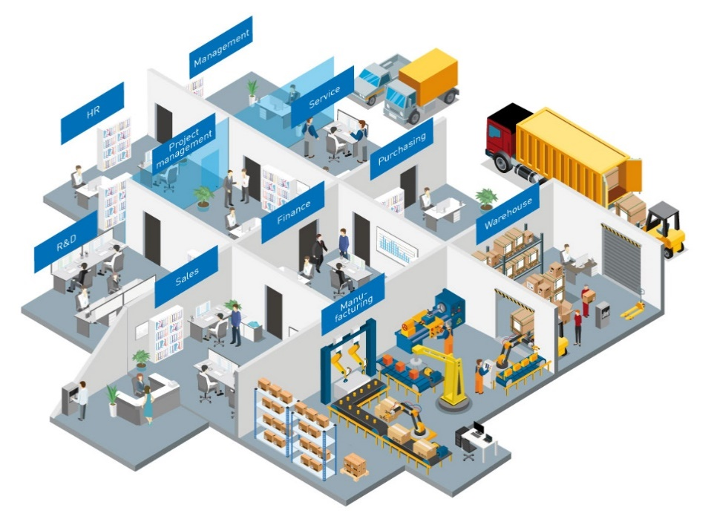
Street Adress:
City, Zip Code:
Country:
Phone:
Email:
Website:
Contact Person:
Job Title:

1 | Company Profile | Your information:
 | To better understand and assess your requirements, it is important for ERP vendors to get to know your company better. Describe your daily operations. What makes your company tick?
 | Brief description of your company:
1.1 | Further information about the company:
 | Year founded:
 | Number of employees (1 to > 2000):
 | Number of locations:
 | Countries with subsidiaries:
 | Legal form of your business:
 | Subject to reporting: | - please select -
 | If so, to whom? (company name and location):
 | Owner managed:
 | Revenue in US$:
 | Future strategies: Where will the company be in 2-5 years? Strategic development and goals with regard to markets, technologies, products
1.2 | Industry
 | Our company is active in these industries:
 | Other industries:
1.3 | Products
 | Our products and services:
 | Capital goods / consumer goods:
1.4 | Customers
 | Our target group includes customers from the following industries:
 | Our most important customers are:
 | Additional information:

