Sheet1
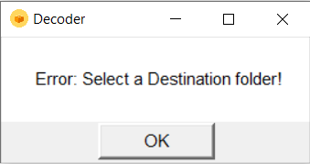
REQUIREMENTS

 | Expected types of Input file: 1. Text file 2. Excel file

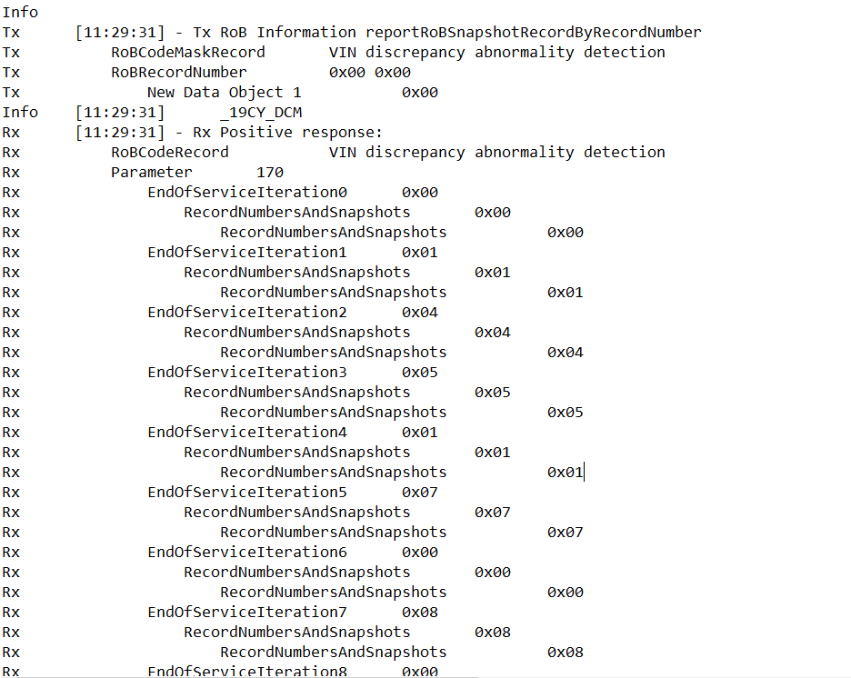
 | 1. TEXT FILE INPUT: The tool will decode RoB and DTC information if any are found in the text file. It will read the RoBs and DTCs in the input file, convert the data into a table format and generate an excel file called 'RoB_DTC-{Input filename}-Year{DDMonthYY}-Time{HHMM}' (Eg 'RoB_DTC-InputFile-05Jan22-150000.xlsx'). Each excel file created will be unique. Contents in an input text file: RoB part (Sample input 1 + Sample Output 1) 1. RoB name (Eg Vin Discrepancy Abnormality Detection etc), program looks for 'reportRoBSnapshotRecordByRecordNumber' and 'RoBCodeMaskRecord' to determine location of RoB name 2. Positve Response 3. Hex numbers (Eg: Rx EndOfServiceIteration0 0x00 Rx RecordNumbersAndSnapshots 0x00 Rx RecordNumbersAndSnapshots 0x00 Rx EndOfServiceIteration1 0x01 Rx RecordNumbersAndSnapshots 0x01 Rx RecordNumbersAndSnapshots 0x01 Rx EndOfServiceIteration2 0x04 Rx RecordNumbersAndSnapshots 0x04 Rx RecordNumbersAndSnapshots 0x04 The RoB and each instance of RoB recorded will be displayed in table form (Sample Output 1) along with the values associated. OR (Sample Input 2 + Sample Output 2) If there are negative response data in the Text file (Sample Input 2), RoB name and reason will be displayed at the last row of the excel sheet (Sample Output 2) DTC part (Sample Input 3 + Sample Output 3) 1. DTC name (Eg. Replace malfunction BUB), program looks for 'DTCSnapshotRecordByDTCNumber' and 'DTC' to determine location of DTC name 2. DTC Statusbyte (Eg 0x28) 3. DTC Statusbyte.Confirmed DTC (Eg. True) 4. SSR_TIME_INFO (Year, Mo
 |  |  |  |  | Sample input 1 |  | Sample Output 1
 |  |  |  |  |  |  |  | Sample Input 3
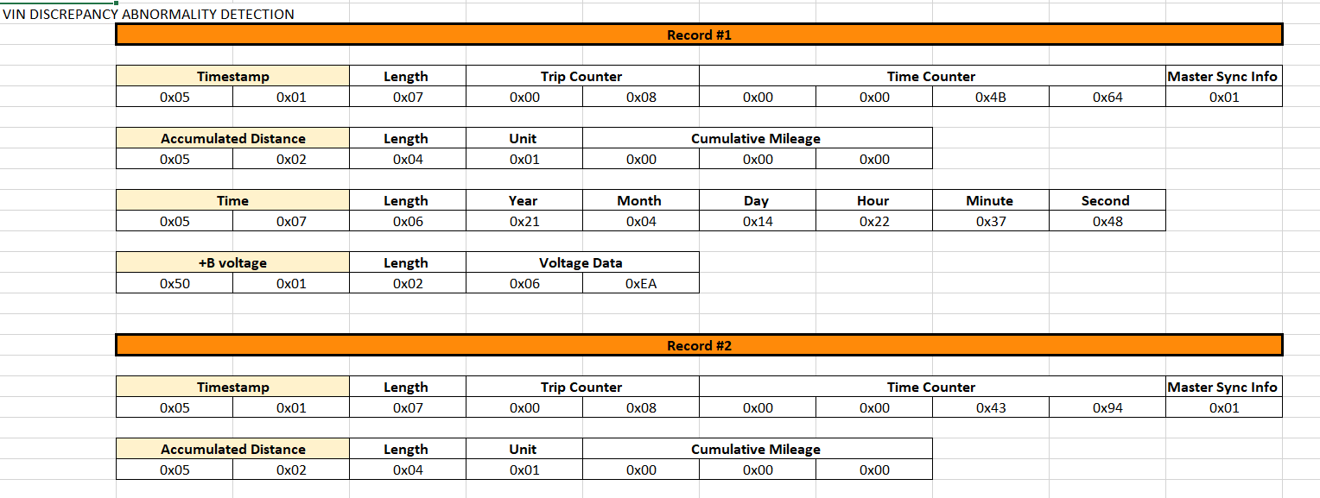

 |  |  |  |  |  |  |  |  | Sample Output 3:

 |  |  |  |  |  |  | Sample Output 2:

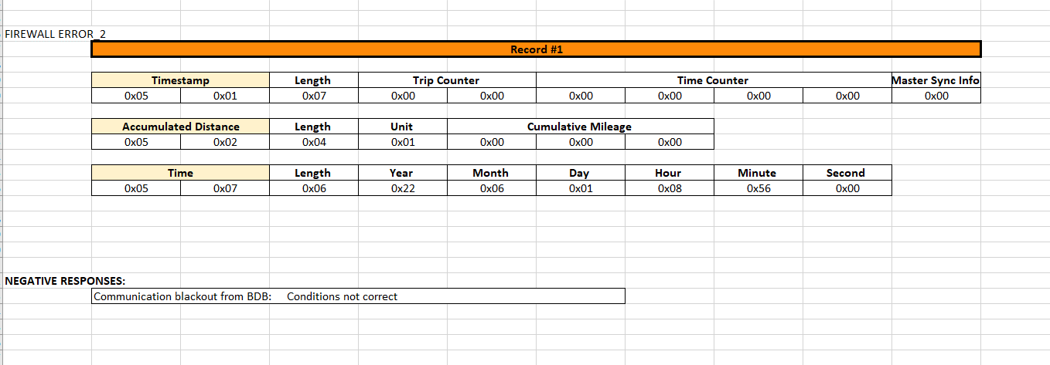
 |  |  |  |  | Sample Input 2

 |  |  |  |  | Image 1
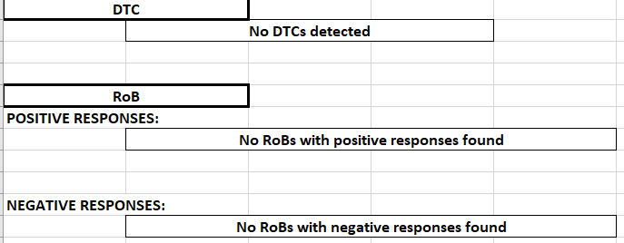

 |  |  |  |  | Image 2

 |  | Image 3 |  |  |  | VS

 |  |  |  |  | Image 4
 | 2. EXCEL FILE INPUT: The tool will decode Remote DTC information if any are found in the excel file. It will read the remote DTC information, convert the data into a table format and generate an excel file called 'Remote_DTC-{Input filename}-Year{DDMonthYY}-Time{HHMM}' (Eg 'Remote_DTC-InputFile-05Jan22-150000.xlsx'). Each excel file created will be unique. Contents in an input text file: 1. Remote DTC file name (Eg 220203_120048_92_w.dtc), program looks for any '.dtc' files to determine the remote DTC file name - Each DTC file consist of data (image 4) which makes up a tab in the excel file. - If input excel file contains multiple DTC files, mutiple tabs will be created. (Image 5) Each tab would include a header title with the filename together with 'Phase 5 Standard', 'Phase 5 Extended', 'Phase 4 Standard' and 'Phase 4 Extended' with its associated contents (Sample Output 4) In the case where the input data does not contain any Phase 5 Standard Remote DTCs for exmaple, output will be 'No DTCs found in Phase 5 Standard' (Image 6) Any contents found in the excel file other than those specified above will be ignored.

 |  |  |  |  | Image 5

 |  |  |  |  | Sample Output 4

 |  |  |  |  | Image 6
 | Select the input file you want to upload and the Destination of where to save the output excel file (Pop up window). Click 'Convert' and an excel file will be saved at the specified file destination. If user does not input in the correct file type (text file or excel file) and a destination folder to save the output excel file, an error message will appear (Error Message 1) Error message 2 will appear if input box is blank when user clicks convert. If user does not put in a Destination address or puts in a Destination address that is not accessible, an error message will appear (Error Message 3/4) User will be redirected back to Pop Up window to re-enter the necessary information.

 | Pop Up Window | Error Message 1 | Error Message 2 | Error Message 3

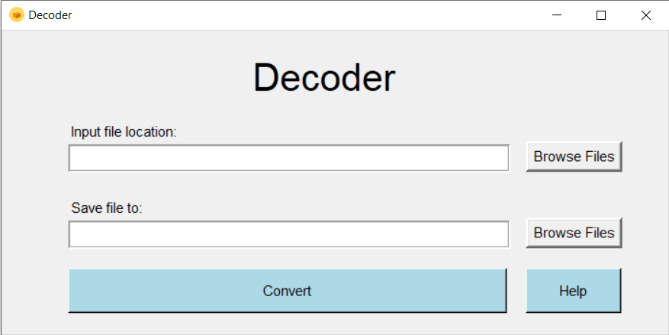
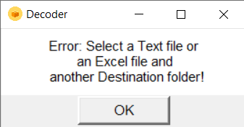
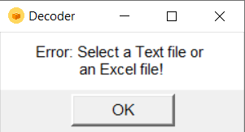
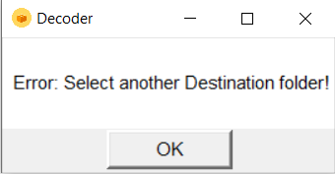

 |  | Error Message 4

