SHF06(Floor)
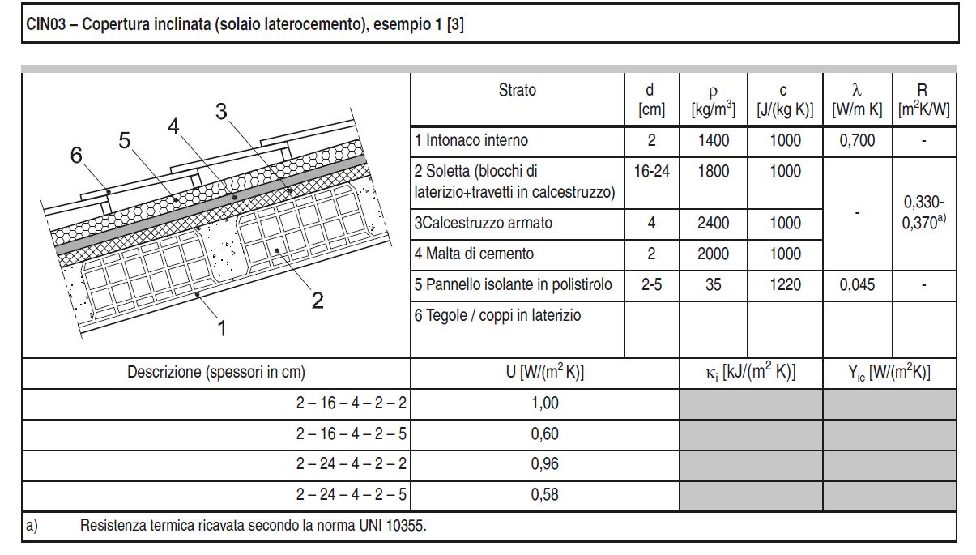
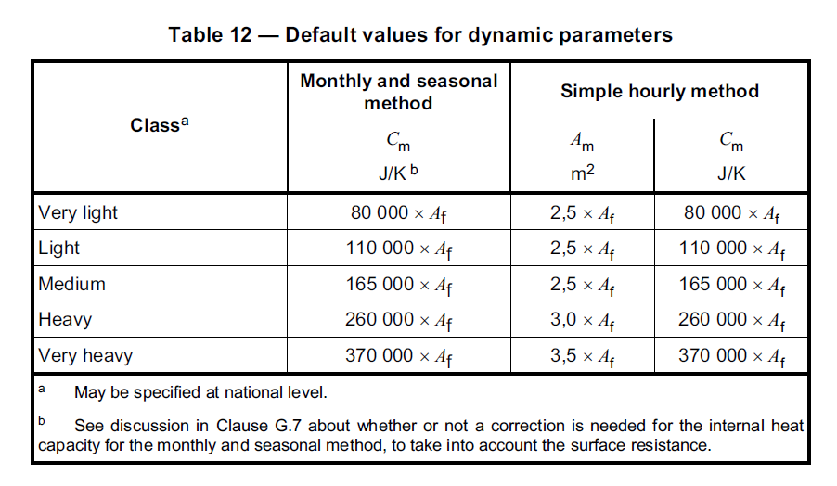
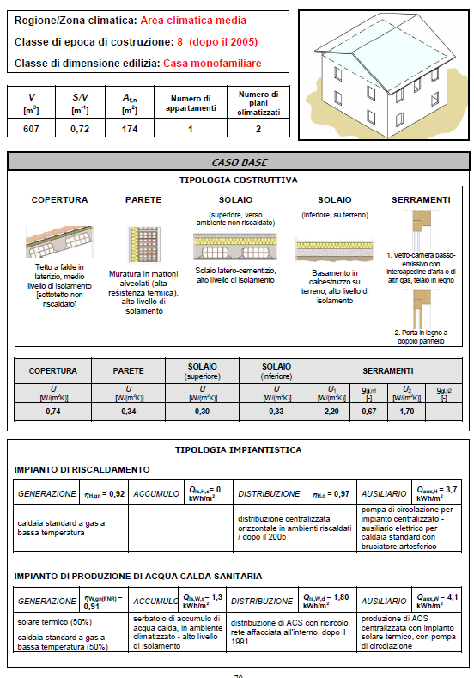
 | Struttura | Copertura (tetto)
UNI 11552: 2014 | Material | s | λ | ρ | c | R | K | k | A | U | Rro | Rrins | Rri | Cro | Cri |  |  | Verifica capacità
 | (front/inside) | (cm) | (W/(mK)) | (kg/m3) | (J/(kg K)) | ((K m2)/W) | (W/(m2K)) | (J/(m2 K)) | (m2) | (W/(m2K)) | (K/W) | (K/W) | (K/W) | (J/K) | (J/K)
 | Conv. Interna | - | - | - | - | 0.17 | 5.90 | - | 96.4 | 0.29 | 0.00041 | 0.03 | 0.01 | 535116.40 | 50513600.00 |  |  | Roof | 16580800.00
 | Intonaco interno | 2 | 0.7 | 1400 | 1000 | 0.029 | 35.00 | 28000 |  | 0.2956% | Kro | Krins | Kri |  |  |  |  | Wall | 31262000
 | Soletta | 20 | 0.65 | 1800 | 1000 | 0.308 | 3.25 | 360000 |  |  | (W/K) | (W/K) | (W/K) |  |  |  |  | Floor | 8247502
 | Calcestruzzo armato | 4 | 1.91 | 2400 | 1000 | 0.021 | 47.75 | 96000 |  |  | 2410 | 33 | 178
 | Malta di cemento | 2 | 1.4 | 2000 | 1000 | 0.014 | 70.00 | 40000
 | Pannello isolante in polistirolo | 13 | 0.045 | 35 | 1220 | 2.89 | 0.35 | 5551 |  |  | 0.00041493775934 | 0.029967727063 | 0.0056118608335 | 0.035994525656 |  |  |  | Tot | 56090302.00
 | Conv. Esterna | - | - | - | - | 0.04 | 25.00 | - |  |  |  |  |  | 3.4698722732 |  |  |  | Af | 192.8
 |  |  |  |  |  |  |  |  |  |  |  |  |  | 0.28819504617 |  |  |  | Div | 290925
 | Struttura | Muratura esterna
 | Material | s | λ | ρ | c | R | K | k | A | U | Rwo | Rwinf | Rwi | Cwo | Cwi
 | (front/inside) | (cm) | (W/(mK)) | (kg/m3) | (J/(kg K)) | ((K m2)/W) | (W/(m2K)) | (J/(m2 K)) | (m2) | (W/(m2K)) | (K/W) | (K/W) | (K/W) | (J/K) | (J/K)
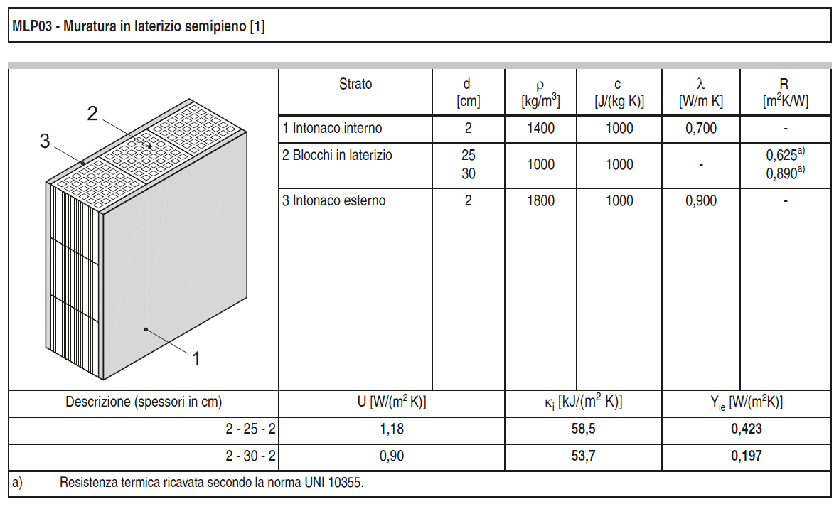
 | Conv. Interna | - | - | - | - | 0.13 | 7.70 | - | 223.3 | 0.34 | 0.00028 | 0.01 | 0.00 | 8944616.45 | 62077400.00
 | Intonaco interno | 2 | 0.7 | 1400 | 1000 | 0.029 | 35.00 | 28000 |  | 0.0000% | Kwo | Kwins | Kwi
 | Blocchi in laterizio | 25 | 0.40 | 1000 | 1000 | 0.625 | 1.60 | 250000 |  |  | (W/K) | (W/K) | (W/K)
 | Isolante | 9.5 | 0.045 | 35 | 1220 | 2.111 | 0.47 | 4056.5 |  |  | 3589 | 106 | 285
 | Intonaco esterno | 2 | 0.9 | 1800 | 1000 | 0.022 | 45.00 | 36000
 | Conv. Interna | - | - | - | - | 0.040 | 25.00 | -
 | Struttura | Solaio (pavimento)
 | Material | s | λ | ρ | c | R | K | k
 | (front/inside) | (cm) | (W/(mK)) | (kg/m3) | (J/(kg K)) | ((K m2)/W) | (W/(m2K)) | (J/(m2 K)) | A | U | Rfo | Rfins | Rfi,bp | Rfi,ap | Cfo | Cfi,bp | Cfi,ap
 | Conv. Interna | - | - | - | - | 0.10 | 10.00 | - | (m2) | (W/(m2K)) | (K/W) | (K/W) | (K/W) | (K/W) | (J/K) | (J/K) | (J/K)
 | Pavimentazione interna (gres) | 1.5 | 1.47 | 1700 | 1000 | 0.010 | 98.00 | 25500 | 96.4 | 0.33 | 0.00054 | 0.03 | 0.00 | 0.00 | 23650535.00 | 9254400.00 | 14411800.00
 | Malta di cemento | 3 | 1.40 | 2000 | 1000 | 0.021 | 46.67 | 60000 |  | -0.4983% | Kfo | Kfins | Kfi,ap | Kfi,ap
 | Massetto in calcestruzzo ordinario | 8 | 1.06 | 2000 | 1000 | 0.075 | 13.25 | 160000 |  |  | (W/K) | (W/K) | (W/K) | (W/K)
 | Isolante | 12.5 | 0.045 | 35 | 1220 | 2.778 | 0.36 | 5337.5 |  |  | 1841 | 35 | 2129 | 596
 | Calcestruzzo armato | 10 | 1.91 | 2400 | 1000 | 0.052 | 19.10 | 240000
 | Intonaco esterno | 0 | 0.9 | 1800 | 1000 | 0.000 | #DIV/0! | 0
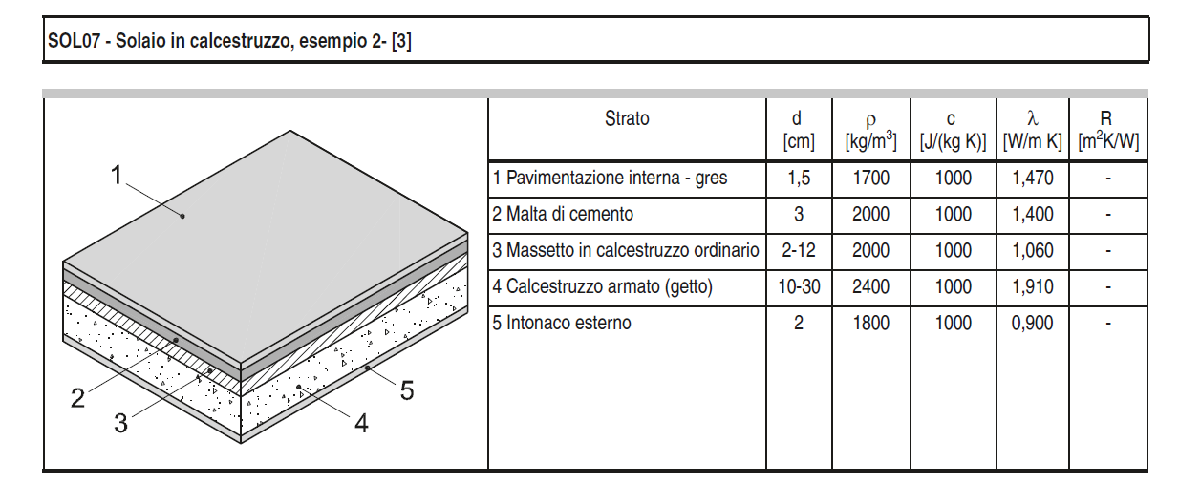
 |  |  |  |  |  |  |  |  | A | U | Rwind |  | V | Cair
 |  |  |  |  |  |  |  |  | (m2) | (W/(m2K)) | (K/W) |  | (m3) | (kJ/K)
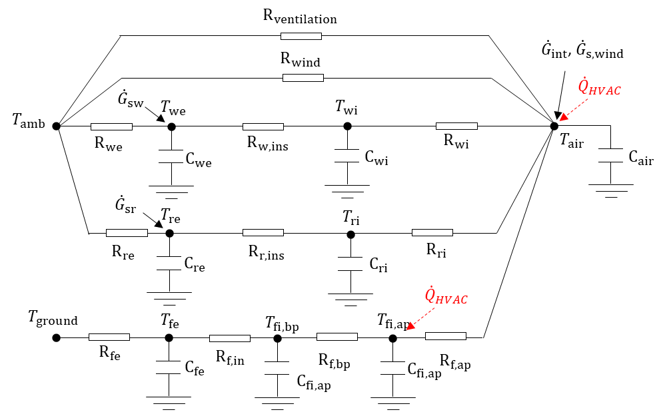
 |  |  |  |  |  |  |  |  | 21.7 | 2.20 | 0.02095 |  | 607 | 740
 |  |  |  |  |  |  |  |  |  |  | Kwind
 |  |  |  |  |  |  |  |  |  |  | (W/K)
 |  |  |  |  |  |  |  |  |  |  | 48

SHF06
 | Struttura | Copertura (tetto)
UNI 11552: 2014 | Material | s | λ | ρ | c | R | K | k | A | U | Rro | Rrins | Rri | Cro | Cri | Verifica capacità
 | (front/inside) | (cm) | (W/(mK)) | (kg/m3) | (J/(kg K)) | ((K m2)/W) | (W/(m2K)) | (J/(m2 K)) | (m2) | (W/(m2K)) | (K/W) | (K/W) | (K/W) | (J/K) | (J/K)
 | Conv. Interna | - | - | - | - | 0.17 | 5.90 | - | 96.4 | 0.30 | 0.00041 | 0.03 | 0.01 | 518651.28 | 50513600.00 | Roof | 16580800.00
 | Intonaco interno | 2 | 0.7 | 1400 | 1000 | 0.029 | 35.00 | 28000 |  | 0.0000% | Kro | Krins | Kri |  |  | Wall | 31262000
 | Soletta | 20 | 0.65 | 1800 | 1000 | 0.308 | 3.25 | 360000 |  |  | (W/K) | (W/K) | (W/K) |  |  | Floor | 8247502
 | Calcestruzzo armato | 4 | 1.91 | 2400 | 1000 | 0.021 | 47.75 | 96000 |  |  | 2410 | 34 | 178
 | Malta di cemento | 2 | 1.4 | 2000 | 1000 | 0.014 | 70.00 | 40000
 | Pannello isolante in polistirolo | 12.6 | 0.045 | 35 | 1220 | 2.80 | 0.36 | 5380.2 |  |  | 0.00041493775934 | 0.029045643154 | 0.0056118608335 | 0.035072441746 |  | Tot | 56090302.00
 | Conv. Esterna | - | - | - | - | 0.04 | 25.00 | - |  |  |  |  |  | 3.3809833844 |  | Af | 192.8
 |  |  |  |  |  |  |  |  |  |  |  |  |  | 0.29577193565 |  | Div | 290925
 | Struttura | Muratura esterna
 | Material | s | λ | ρ | c | R | K | k | A | U | Rwo | Rwinf | Rwi | Cwo | Cwi
 | (front/inside) | (cm) | (W/(mK)) | (kg/m3) | (J/(kg K)) | ((K m2)/W) | (W/(m2K)) | (J/(m2 K)) | (m2) | (W/(m2K)) | (K/W) | (K/W) | (K/W) | (J/K) | (J/K)
 | Conv. Interna | - | - | - | - | 0.13 | 7.70 | - | 223.3 | 0.34 | 0.00028 | 0.01 | 0.00 | 8944616.45 | 62077400.00
 | Intonaco interno | 2 | 0.7 | 1400 | 1000 | 0.029 | 35.00 | 28000 |  | 0.0000% | Kwo | Kwins | Kwi
 | Blocchi in laterizio | 25 | 0.40 | 1000 | 1000 | 0.625 | 1.60 | 250000 |  |  | (W/K) | (W/K) | (W/K)
 | Isolante | 9.5 | 0.045 | 35 | 1220 | 2.111 | 0.47 | 4056.5 |  |  | 3589 | 106 | 285
 | Intonaco esterno | 2 | 0.9 | 1800 | 1000 | 0.022 | 45.00 | 36000
 | Conv. Interna | - | - | - | - | 0.040 | 25.00 | -
 | Struttura | Solaio (pavimento)
 | Material | s | λ | ρ | c | R | K | k
 | (front/inside) | (cm) | (W/(mK)) | (kg/m3) | (J/(kg K)) | ((K m2)/W) | (W/(m2K)) | (J/(m2 K)) | A | U | Rfo | Rfins | Rfi | Cfo | Cfi
 | Conv. Interna | - | - | - | - | 0.10 | 10.00 | - | (m2) | (W/(m2K)) | (K/W) | (K/W) | (K/W) | (J/K) | (J/K)
 | Pavimentazione interna (gres) | 1.5 | 1.47 | 1700 | 1000 | 0.010 | 98.00 | 25500 | 96.4 | 0.33 | 0.00054 | 0.03 | 0.00 | 23650535.00 | 23666200.00
 | Malta di cemento | 3 | 1.40 | 2000 | 1000 | 0.021 | 46.67 | 60000 |  | 0.0000% | Kfo | Kfins | Kfi
 | Massetto in calcestruzzo ordinario | 8 | 1.06 | 2000 | 1000 | 0.075 | 13.25 | 160000 |  |  | (W/K) | (W/K) | (W/K)
 | Isolante | 12.5 | 0.045 | 35 | 1220 | 2.778 | 0.36 | 5337.5 |  |  | 1841 | 35 | 465
 | Calcestruzzo armato | 10 | 1.91 | 2400 | 1000 | 0.052 | 19.10 | 240000
 | Intonaco esterno | 0 | 0.9 | 1800 | 1000 | 0.000 | #DIV/0! | 0
 |  |  |  |  |  |  |  |  | A | U | Rwind |  | V | Cair
 |  |  |  |  |  |  |  |  | (m2) | (W/(m2K)) | (K/W) |  | (m3) | (kJ/K)
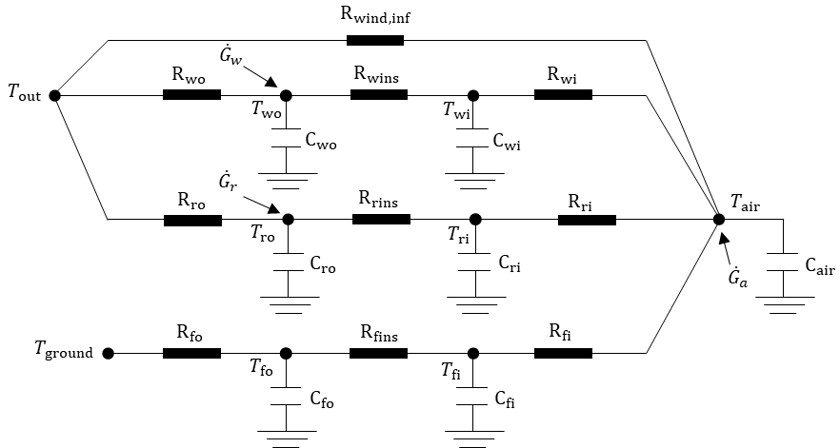
 |  |  |  |  |  |  |  |  | 21.7 | 2.20 | 0.02095 |  | 607 | 740
 |  |  |  |  |  |  |  |  |  |  | Kwind
 |  |  |  |  |  |  |  |  |  |  | (W/K)
 |  |  |  |  |  |  |  |  |  |  | 48

SHF91-05
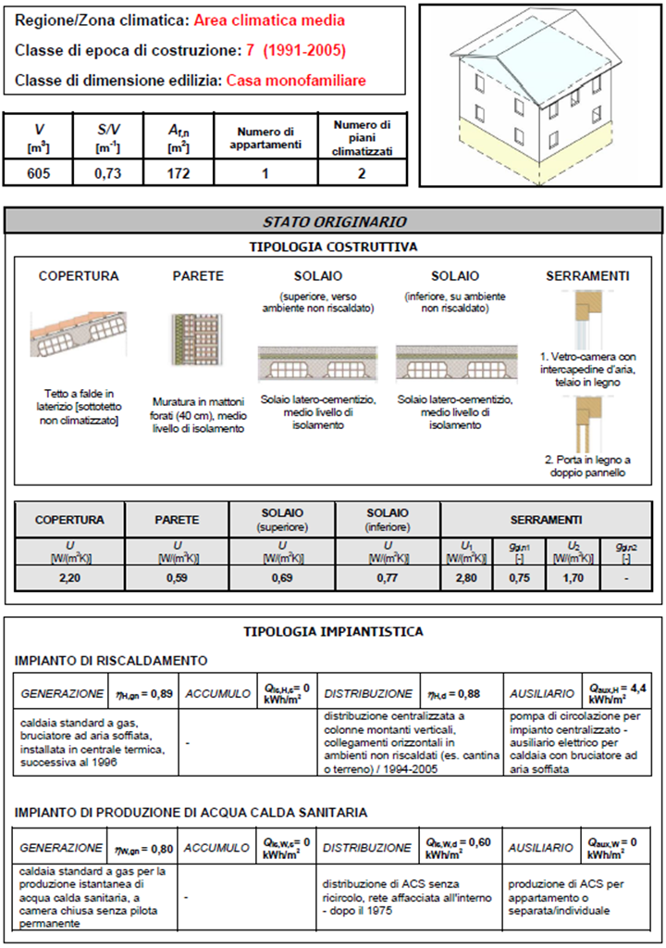
 | Struttura | Copertura (tetto)
UNI 11552: 2014 | Material | s | λ | ρ | c | R | K | k | A | U | Rro | Rrins | Rri | Cro | Cri | Verifica capacità
 | (front/inside) | (cm) | (W/(mK)) | (kg/m3) | (J/(kg K)) | ((K m2)/W) | (W/(m2K)) | (J/(m2 K)) | (m2) | (W/(m2K)) | (K/W) | (K/W) | (K/W) | (J/K) | (J/K)
 | Conv. Interna | - | - | - | - | 0.17 | 5.90 | - | 96 | 0.69 | 0.00042 | 0.01 | 0.01 | 159868.80 | 50304000.00 | Roof | 16512000.00
 | Intonaco interno | 2 | 0.7 | 1400 | 1000 | 0.029 | 35.00 | 28000 |  | 0.0000% | Kro | Krins | Kri |  |  | Wall | 31234000
 | Soletta | 20 | 0.65 | 1800 | 1000 | 0.308 | 3.25 | 360000 |  |  | (W/K) | (W/K) | (W/K) |  |  | Floor | 8213280
 | Calcestruzzo armato | 4 | 1.91 | 2400 | 1000 | 0.021 | - | 96000 |  |  | 2400 | 111 | 177
 | Malta di cemento | 2 | 1.4 | 2000 | 1000 | 0.014 | - | 40000
 | Pannello isolante in polistirolo | 3.9 | 0.045 | 35 | 1220 | 0.87 | 1.15 | 1665.3 |  |  | 0.00041666666667 | 0.0090277777778 | 0.005635243587 | 0.015079688031 |  | Tot | 55959280.00
 | Conv. Esterna | - | - | - | - | 0.04 | 25.00 | - |  |  |  |  |  | 1.447650051 |  | Af | 192
 |  |  |  |  |  |  |  |  |  |  |  |  |  | 0.69077467949 |  | Div | 291455
 | Struttura | Muratura esterna
 | Material | s | λ | ρ | c | R | K | k | A | U | Rwo | Rwinf | Rwi | Cwo | Cwi
 | (front/inside) | (cm) | (W/(mK)) | (kg/m3) | (J/(kg K)) | ((K m2)/W) | (W/(m2K)) | (J/(m2 K)) | (m2) | (W/(m2K)) | (K/W) | (K/W) | (K/W) | (J/K) | (J/K)
 | Conv. Interna | - | - | - | - | 0.13 | 7.70 | - | 223.1 | 0.59 | 0.00028 | 0.00 | 0.00 | 8393602.06 | 62021800.00
 | Intonaco interno | 2 | 0.7 | 1400 | 1000 | 0.029 | 35.00 | 28000 |  | 0.0000% | Kwo | Kwins | Kwi
 | Blocchi in laterizio | 25 | 0.40 | 1000 | 1000 | 0.625 | 1.60 | 250000 |  |  | (W/K) | (W/K) | (W/K)
 | Isolante | 3.8 | 0.045 | 35 | 1220 | 0.844 | 1.18 | 1622.6 |  |  | 3586 | 264 | 285
 | Intonaco esterno | 2 | 0.9 | 1800 | 1000 | 0.022 | 45.00 | 36000
 | Conv. Interna | - | - | - | - | 0.040 | 25.00 | -
 | Struttura | Solaio (pavimento)
 | Material | s | λ | ρ | c | R | K | k
 | (front/inside) | (cm) | (W/(mK)) | (kg/m3) | (J/(kg K)) | ((K m2)/W) | (W/(m2K)) | (J/(m2 K)) | A | U | Rfo | Rfins | Rfi | Cfo | Cfi
 | Conv. Interna | - | - | - | - | 0.10 | 10.00 | - | (m2) | (W/(m2K)) | (K/W) | (K/W) | (K/W) | (J/K) | (J/K)
 | Pavimentazione interna (gres) | 1.5 | 1.47 | 1700 | 1000 | 0.010 | 98.00 | 25500 | 96 | 0.77 | 0.00055 | 0.01 | 0.00 | 23232662.40 | 23568000.00
 | Malta di cemento | 3 | 1.40 | 2000 | 1000 | 0.021 | 46.67 | 60000 |  | 0.0000% | Kfo | Kfins | Kfi
 | Massetto in calcestruzzo ordinario | 8 | 1.06 | 2000 | 1000 | 0.075 | 13.25 | 160000 |  |  | (W/K) | (W/K) | (W/K)
 | Isolante | 4.7 | 0.045 | 35 | 1220 | 1.044 | 0.96 | 2006.9 |  |  | 1834 | 92 | 464
 | Calcestruzzo armato | 10 | 1.91 | 2400 | 1000 | 0.052 | 19.10 | 240000
 | Intonaco esterno | 0 | 0.9 | 1800 | 1000 | 0.000 | #DIV/0! | 0
 |  |  |  |  |  |  |  |  | A | U | Rwind |  | V | Cair
 |  |  |  |  |  |  |  |  | (m2) | (W/(m2K)) | (K/W) |  | (m3) | (kJ/K)
 |  |  |  |  |  |  |  |  | 21.7 | 2.80 | 0.01646 |  | 605 | 737
 |  |  |  |  |  |  |  |  |  |  | Kwind
 |  |  |  |  |  |  |  |  |  |  | (W/K)
 |  |  |  |  |  |  |  |  |  |  | 61

SHF90
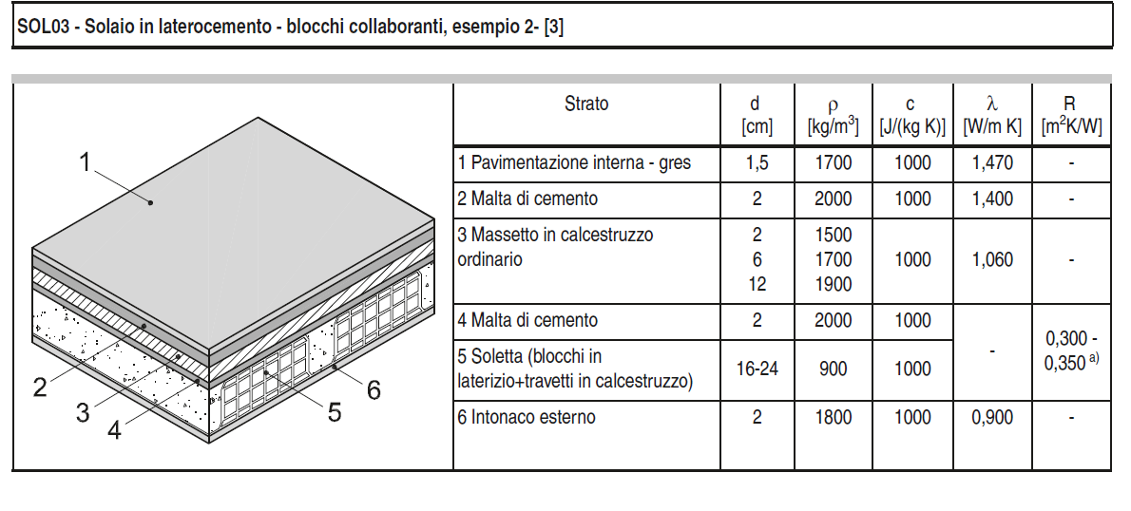
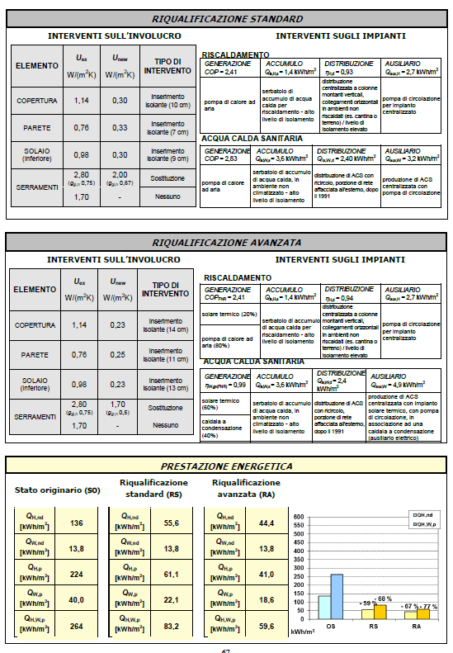
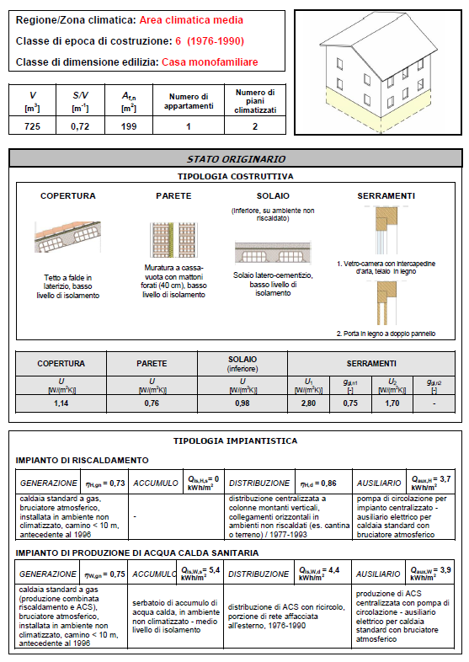
 | Struttura | Copertura (tetto)
UNI 11552: 2014 | Material | s | λ | ρ | c | R | K | k | A | U | Rro | Rrins | Rri | Cro | Cri | Verifica capacità
 | (front/inside) | (cm) | (W/(mK)) | (kg/m3) | (J/(kg K)) | ((K m2)/W) | (W/(m2K)) | (J/(m2 K)) | (m2) | (W/(m2K)) | (K/W) | (K/W) | (K/W) | (J/K) | (J/K)
 | Conv. Interna | - | - | - | - | 0.17 | 5.90 | - | 132.9 | 1.14 | 0.00030 | 0.00 | 0.00 | 76610.21 | 69639600.00 | Roof | 22858800.00
 | Intonaco interno | 2 | 0.7 | 1400 | 1000 | 0.029 | 35.00 | 28000 |  | 0.0000% | Kro | Krins | Kri |  |  | Wall | 22429600
 | Soletta | 20 | 0.65 | 1800 | 1000 | 0.308 | 3.25 | 360000 |  |  | (W/K) | (W/K) | (W/K) |  |  | Floor | 28257050
 | Calcestruzzo armato | 4 | 1.91 | 2400 | 1000 | 0.021 | 47.75 | 96000 |  |  | 3323 | 443 | 246
 | Malta di cemento | 2 | 1.4 | 2000 | 1000 | 0.014 | 70.00 | 40000
 | Pannello isolante in polistirolo | 1.35 | 0.045 | 35 | 1220 | 0.30 | 3.33 | 576.45 |  |  |  |  |  |  |  | Tot | 73545450.00
 | Conv. Esterna | - | - | - | - | 0.04 | 25.00 | - |  |  |  |  |  |  |  | Af | 230.2
 |  |  |  |  |  |  |  |  |  |  |  |  |  |  |  | Div | 319485
 | Struttura | Muratura esterna
 | Material | s | λ | ρ | c | R | K | k | A | U | Rwo | Rwinf | Rwi | Cwo | Cwi
 | (front/inside) | (cm) | (W/(mK)) | (kg/m3) | (J/(kg K)) | ((K m2)/W) | (W/(m2K)) | (J/(m2 K)) | (m2) | (W/(m2K)) | (K/W) | (K/W) | (K/W) | (J/K) | (J/K)
 | Conv. Interna | - | - | - | - | 0.13 | 7.70 | - | 243.8 | 0.76 | 0.00282 | 0.00 | 0.00 | 69776827.76 | 22429600.00
 | Intonaco interno | 2 | 0.7 | 1400 | 1000 | 0.029 | 35.00 | 28000 |  | 0.0000% | Kwo | Kwins | Kwi
 | Mattoni forati | 8 | 0.40 | 800 | 1000 | 0.2 | 5.00 | 64000 |  |  | (W/K) | (W/K) | (W/K)
 | ISOLANTE CON INTERCAPEDINE | 1.2 | 0.045 | 30 | 570 | 0.267 | 3.75 | 205.2 |  |  | 355 | 914 | 680
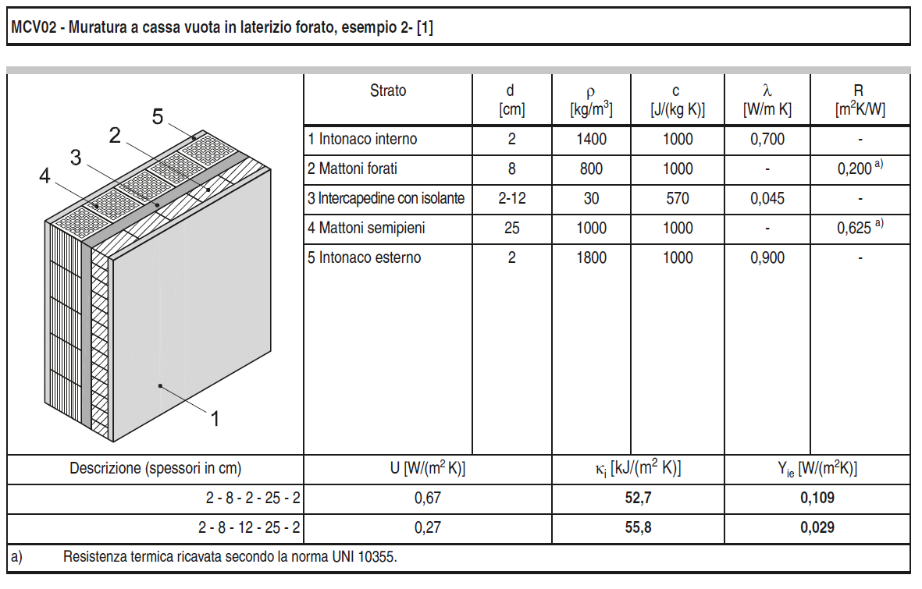
 | Mattoni semipieni | 25 | 0.40 | 1000 | 1000 | 0.625 | 1.60 | 250000
 | Intonaco esterno | 2 | 0.9 | 1800 | 1000 | 0.022 | 45.00 | 36000
 | Conv. Interna | - | - | - | - | 0.040 | 25.00 | -
 | Struttura | Solaio (pavimento)
 | Material | s | λ | ρ | c | R | K | k | A | U | Rfo | Rfins | Rfi | Cfo | Cfi
 | (front/inside) | (cm) | (W/(mK)) | (kg/m3) | (J/(kg K)) | ((K m2)/W) | (W/(m2K)) | (J/(m2 K)) | (m2) | (W/(m2K)) | (K/W) | (K/W) | (K/W) | (J/K) | (J/K)
 | Conv. Interna | - | - | - | - | 0.10 | 10.00 | - | 115.1 | 0.98 | 0.00091 | 0.01 | 0.00 | 55405272.64 | 28257050.00
 | Pavimentazione interna (gres) | 1.5 | 1.47 | 1700 | 1000 | 0.010 | 98.00 | 25500 |  | 0.0000% | Kfo | Kfins | Kfi
 | Malta di cemento | 3 | 1.40 | 2000 | 1000 | 0.021 | 46.67 | 60000 |  |  | (W/K) | (W/K) | (W/K)
 | Massetto in calcestruzzo ordinario | 8 | 1.06 | 2000 | 1000 | 0.075 | 13.25 | 160000 |  |  | 1099 | 162 | 556
 | Isolante | 3.2 | 0.045 | 35 | 1220 | 0.711 | 1.41 | 1366.4
 | Calcestruzzo armato | 20 | 1.91 | 2400 | 1000 | 0.105 | 9.55 | 480000
 |  |  |  |  |  |  |  |  | A | U | Rwind |  | V | Cair
 | Intonaco esterno | 0 | 0.9 | 1800 | 1000 | 0.000 | #DIV/0! | 0 | (m2) | (W/(m2K)) | (K/W) |  | (m3) | (kJ/K)
 |  |  |  |  |  |  |  |  | 24.9 | 2.80 | 0.01434 |  | 725 | 883
 |  |  |  |  |  |  |  |  |  |  | Kwind
 |  |  |  |  |  |  |  |  |  |  | (W/K)
 |  |  |  |  |  |  |  |  |  |  | 70

SHF60
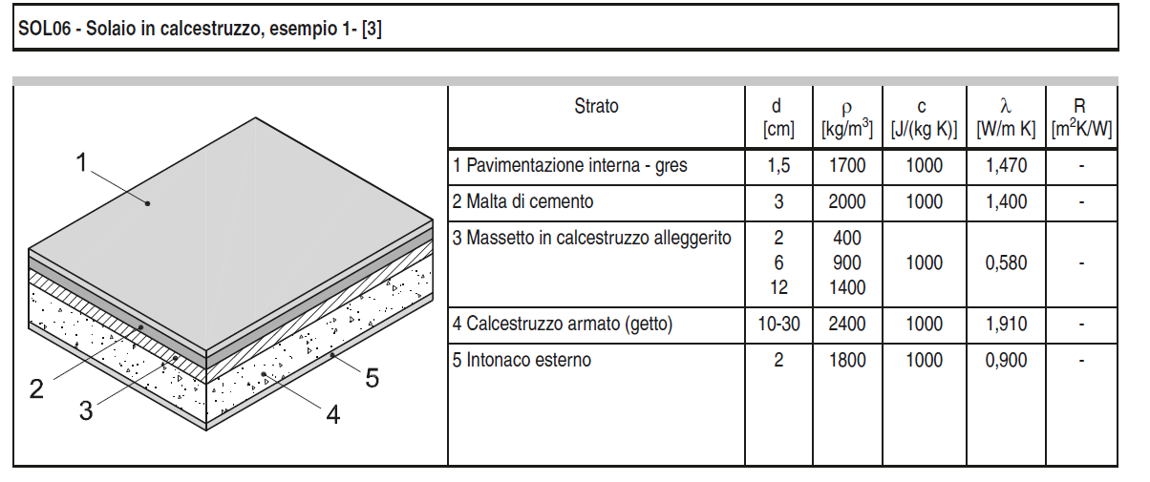
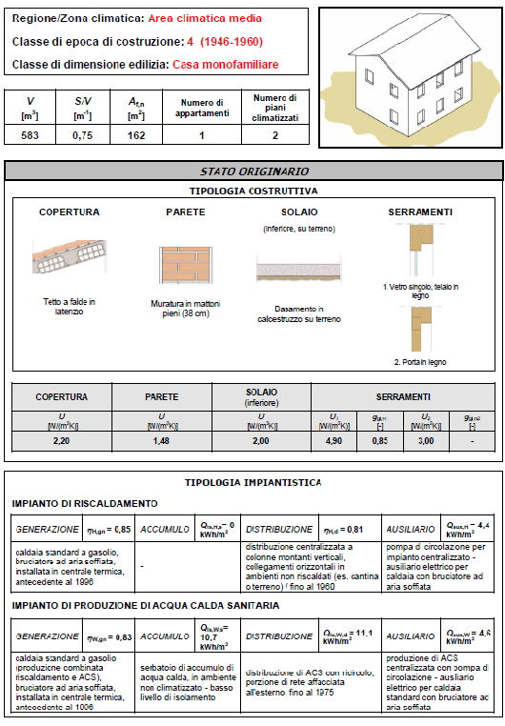
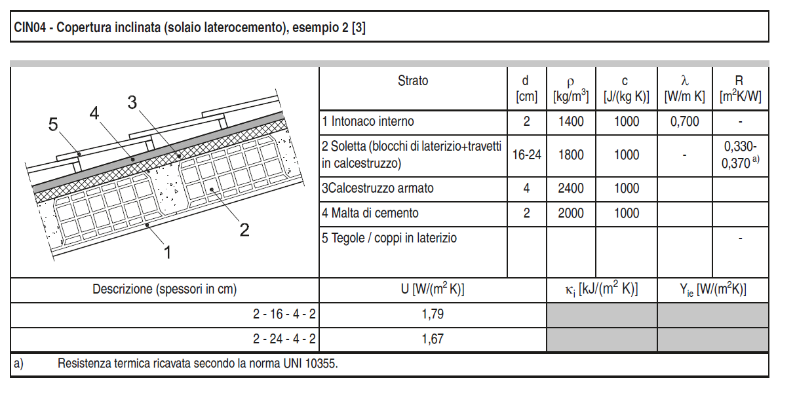
 | Struttura | Copertura (tetto)
UNI 11552: 2014 | Material | s | λ | ρ | c | R | K | k | A | U | Rro | Rri | Cr
 | (front/inside) | (cm) | (W/(mK)) | (kg/m3) | (J/(kg K)) | ((K m2)/W) | (W/(m2K)) | (J/(m2 K)) | (m2) | (W/(m2K)) | (K/W) | (K/W) | (J/K)
 | Conv. Interna | - | - | - | - | 0.17 | 5.90 | - | 97.6 | 2.20 | 0.00291 | 0.00 | 27328000.00
 | Intonaco interno | 2 | 0.7 | 1400 | 1000 | 0.029 | 35.00 | 28000 |  | 0.0000% | Kro | Kri
 | Soletta | 14 | 0.65 | 1800 | 1000 | 0.216 | 4.63 | 252000 |  |  | (W/K) | (W/K)
 | Calcestruzzo armato |  | 1.91 | 2400 | 1000 | - | - | 0 |  |  | 343 | 576
 | Malta di cemento |  |  |  |  | - | - | 0
 | Pannello isolante in polistirolo | 0 | 0 | 0 | 0 | 0.00 | 0.00 | 0
 | Conv. Esterna | - | - | - | - | 0.04 | 25.00 | -

 | Struttura | Muratura esterna
 | Material | s | λ | ρ | c | R | K | k | A | U | Rwo | Rwi | Cw
 | (front/inside) | (cm) | (W/(mK)) | (kg/m3) | (J/(kg K)) | ((K m2)/W) | (W/(m2K)) | (J/(m2 K)) | (m2) | (W/(m2K)) | (K/W) | (K/W) | (J/K)
 | Conv. Interna | - | - | - | - | 0.13 | 7.70 | - | 232.1 | 1.48 | 0.00235 | 0.00 | 151886240.00
 | Intonaco interno | 2 | 0.7 | 1400 | 1000 | 0.029 | 35.00 | 28000 |  | 0.0000% | Kwo | Kwi
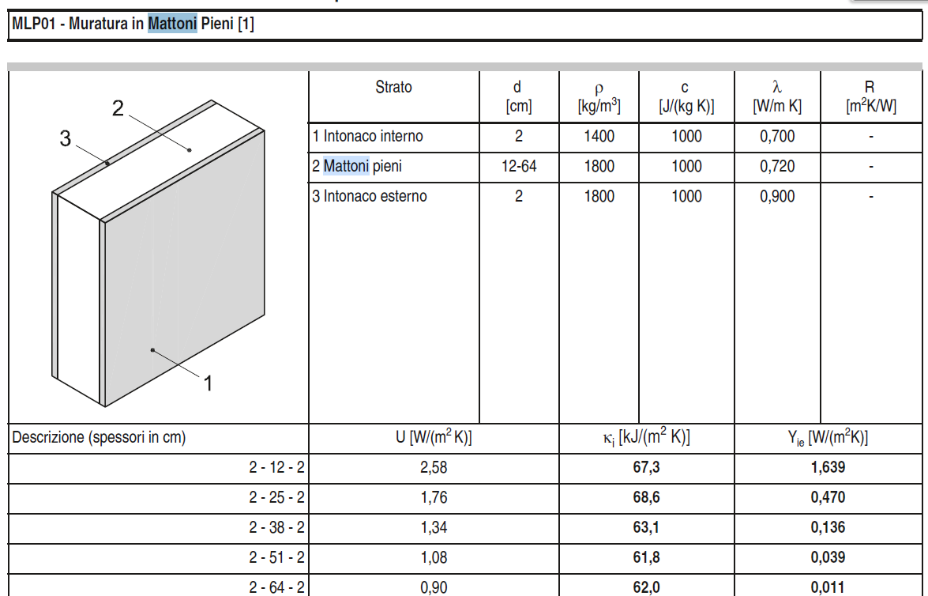
 | Mattoni pieni | 33 | 0.72 | 1800 | 1000 | 0.456 | 2.20 | 590400 |  |  | (W/K) | (W/K)
 | Intonaco esterno | 2 | 0.9 | 1800 | 1000 | 0.022 | 45.00 | 36000 |  |  | 425 | 1787
 | Conv. Interna | - | - | - | - | 0.040 | 25.00

 | Struttura | Solaio (pavimento)
 | Material | s | λ | ρ | c | R | K | k | A | U | Rfo | Rfi | Cf
 | (front/inside) | (cm) | (W/(mK)) | (kg/m3) | (J/(kg K)) | ((K m2)/W) | (W/(m2K)) | (J/(m2 K)) | (m2) | (W/(m2K)) | (K/W) | (K/W) | (J/K)
 | Conv. Interna | - | - | - | - | 0.10 | 10.00 | - | 84.6 | 2.00 | 0.00473 | 0.00 | 90987300.00
 | Pavimentazione interna (gres) | 1.5 | 1.47 | 1700 | 1000 | 0.010 | 98.00 | 25500 |  | 0.0000% | Kfo | Kfi
 | Malta di cemento | 3 | 1.40 | 2000 | 1000 | 0.021 | 46.67 | 60000 |  |  | (W/K) | (W/K)
 | Massetto in calcestruzzo alleggerito | 10 | 0.58 | 900 | 1000 | 0.172 | 5.80 | 90000 |  |  | 211 | 846
 | Isolante | 0 | 0 | 0 | 0 | 0.000 | 0.00 | 0
 | Calcestruzzo armato (getto) | 37.5 | 1.910 | 2400 | 1000 | 0.196 | 5.09 | 900000
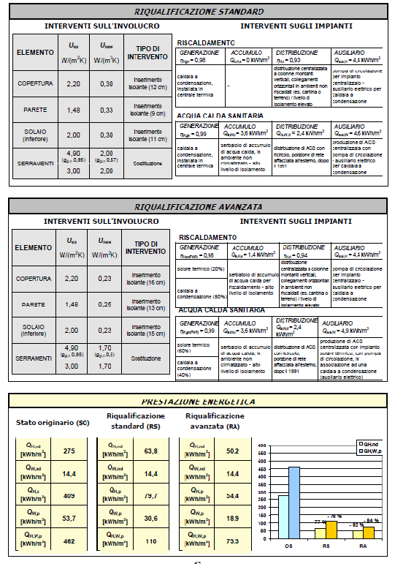
 | Intonaco esterno | 0 | 0.9 | 1800 | 1000 | 0.000 | #DIV/0! | 0 | A | U | Rwind |  | V | Cair
 |  |  |  |  |  |  |  |  | (m2) | (W/(m2K)) | (K/W) |  | (m3) | (kJ/K)
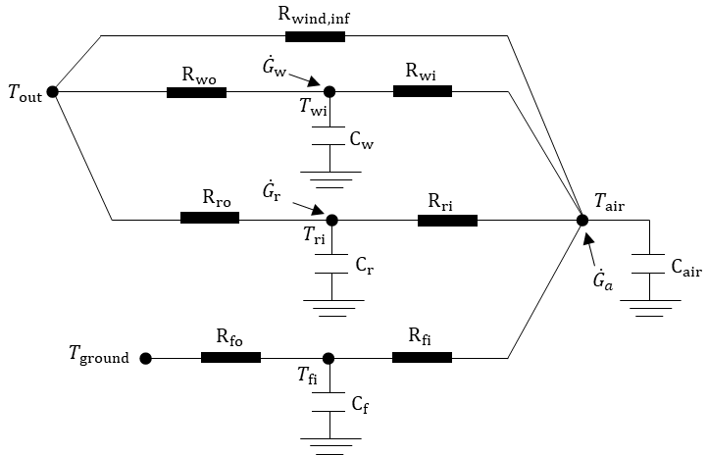
 |  |  |  |  |  |  |  |  | 20.3 | 4.90 | 0.01005 |  | 583 | 710
 |  |  |  |  |  |  |  |  |  |  | Kwind
 |  |  |  |  |  |  |  |  |  |  | (W/K)
 |  |  |  |  |  |  |  |  |  |  | 99

 |  |  |  |  |  |  |  | v

