DB test cases
TC ID | Title/Description | Steps | Expected result | Actual Result | Test Data | Priority | Status
TC001 | Check table presence in DB schema | Show tables
TC002 | Check table name conventions
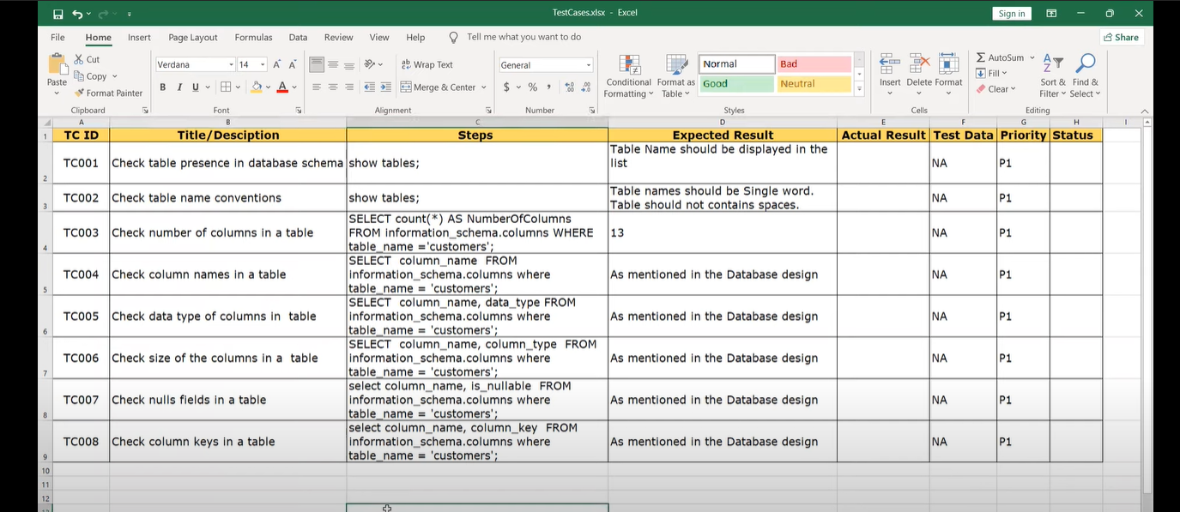
TC003
TC004
TC005
TC006
TC007
TC008

SP Test case
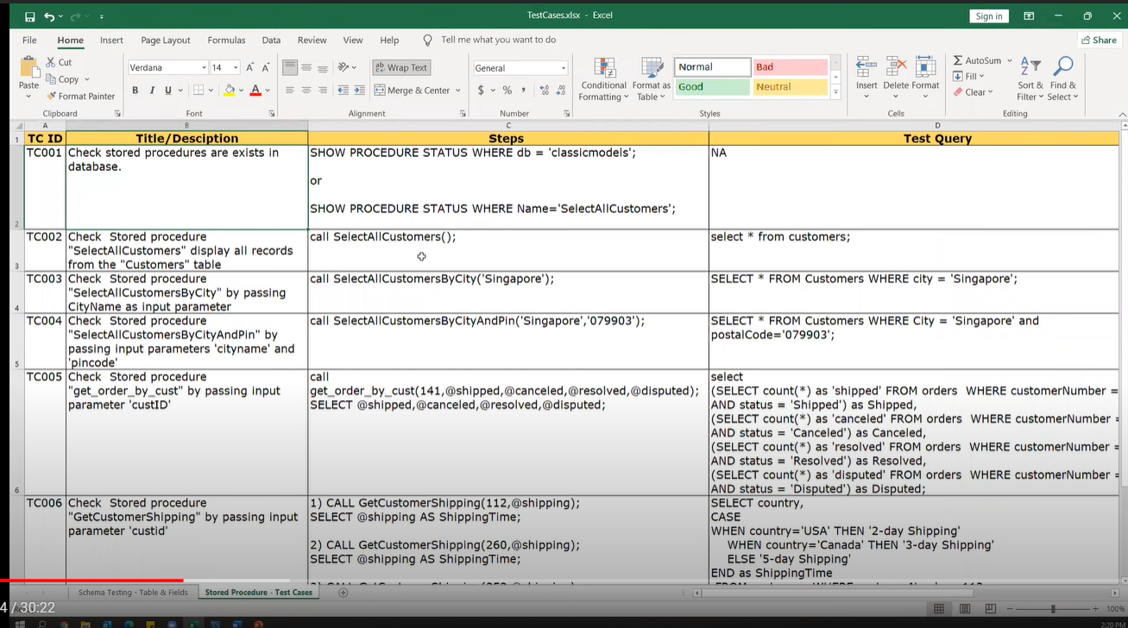
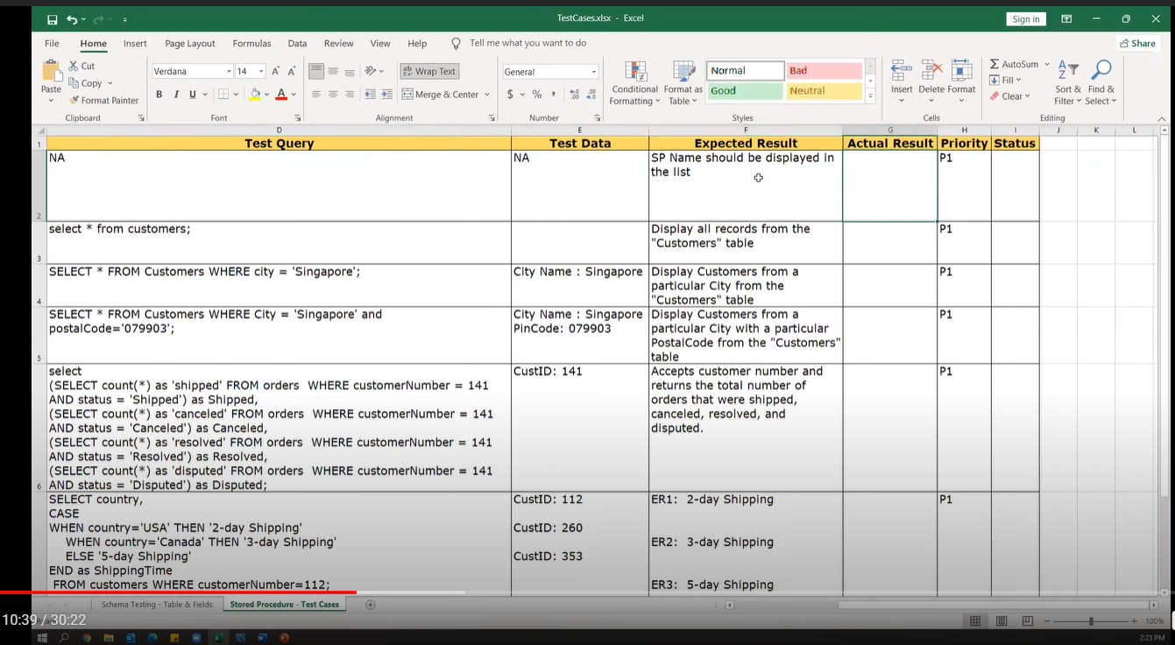

API test case
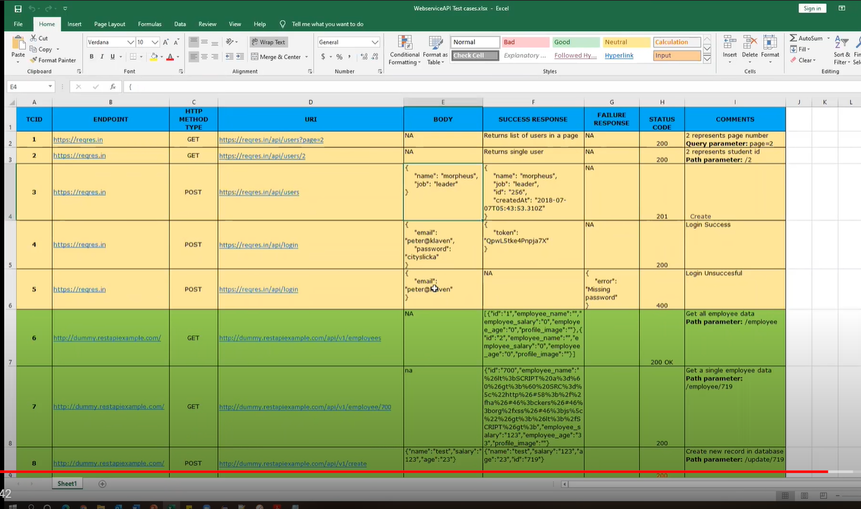

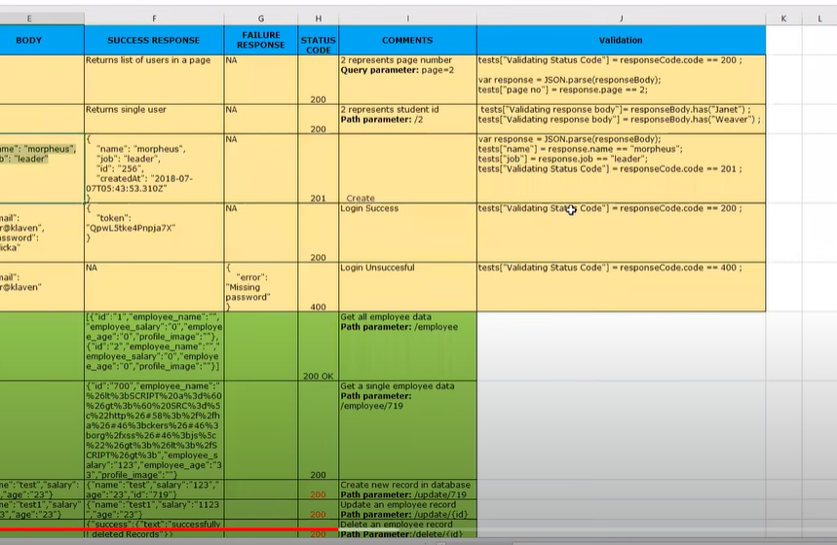

https://reqres.in/api/users?page=1
https://reqres.in/api/users?page=1

https://reqres.in/api/users

https://reqres.in/api/login

 |  |  |  |  |  | Status code | success response | Validation
 | ID | HTTP Method type |  | URI | Body -> json
 | 1 | POST |  | https://reqres.in/api/users | { | 200 | { | var response = JSON.parse(responseBody);
 |  |  |  |  | "name" : "Sherry", |  | "name": "Sherry", | tests["validate name"] = response.name =="Sherry";
 |  |  |  |  | "Job" : "Client" |  | "Job": "Client", | tests["validate job"] = response.Job=="Client";
 |  |  |  |  | } |  | "id": "388", | tests["validate status code"] = responseCode.code == 201;
 |  |  |  |  |  |  | "createdAt": "2021-11-02T10:47:18.094Z"
 |  |  |  |  |  |  | }

 | 2 | POST |  | https://reqres.in/api/login | { |  | {
 |  | pass credentials |  |  | "email" : "sherrybuse@gmail.com", | 400 | "error": "user not found"
 |  |  |  |  | "password" : "busesherry" |  | }
 |  |  |  |  | }

 |  |  |  |  | { |  | { | tests["Validate token is present/not"] = responseBody.has("token"); | if credentials are right then only token is generated
 |  |  |  |  | "email": "eve.holt@reqres.in", | 200 | "token": "QpwL5tke4Pnpja7X4"
 |  |  |  |  | "password": "cityslicka" |  | }
 |  |  |  |  | }

 |  |  |  |  | { | 400 | {
 |  | negative scenario |  |  | "email": "eve.holt@reqres.in" |  | "error": "Missing password"
 |  |  |  |  |  |  | }
 |  |  |  |  | }

 | 3 | GET |  | http://dummy.restapiexample.com/api/v1/employees |  | 200 | {
 |  |  |  |  |  |  | "status": "success",
 |  |  |  |  |  |  | "data": [
 |  |  |  |  |  |  | { | var response = JSON.parse(responseBody);
 |  |  |  |  |  |  | "id": 1, | tests["Validate employee name"] = response.data[1].employee_name=="Garrett Winters" ;
 |  |  |  |  |  |  | "employee_name": "Tiger Nixon",
 |  |  |  |  |  |  | "employee_salary": 320800,
 |  |  |  |  |  |  | "employee_age": 61,
 |  |  |  |  |  |  | "profile_image": ""
 |  |  |  |  |  |  | },
 |  |  |  |  |  |  | {
 |  |  |  |  |  |  | "id": 2,
 |  |  |  |  |  |  | "employee_name": "Garrett Winters",
 |  |  |  |  |  |  | "employee_salary": 170750,
 |  |  |  |  |  |  | "employee_age": 63,
 |  |  |  |  |  |  | "profile_image": ""
 |  |  |  |  |  |  | },

 | 4 | GET |  | http://dummy.restapiexample.com/api/v1/employee/5 |  | 200 | {
 |  |  |  |  |  |  | "status": "success",
 |  |  |  |  |  |  | "data": {
 |  |  |  |  |  |  | "id": 5,
 |  |  |  |  |  |  | "employee_name": "Airi Satou",
 |  |  |  |  |  |  | "employee_salary": 162700,
 |  |  |  |  |  |  | "employee_age": 33,
 |  |  |  |  |  |  | "profile_image": ""
 |  |  |  |  |  |  | },
 |  |  |  |  |  |  | "message": "Successfully! Record has been fetched."
 |  |  |  |  |  |  | }

 | 5 | POST |  | http://dummy.restapiexample.com/api/v1/create | { | 200 | {
 |  |  |  |  | "name" : "David", |  | "status": "success",
 |  |  |  |  | "salary" : "2000", |  | "data": {
 |  |  |  |  | "age" : "23" |  | "name": "David",
 |  |  |  |  | } |  | "salary": "2000",
 |  |  |  |  |  |  | "age": "23",
 |  |  |  |  |  |  | "id": 5147
 |  |  |  |  |  |  | },
 |  |  |  |  |  |  | "message": "Successfully! Record has been added."
 |  |  |  |  |  |  | }

 |  | 5 | PUT
 |  |  |  | http://dummy.restapiexample.com/api/v1/update/11 | { | 200 | {
 |  |  |  |  | "name" : "Jena Gaines", |  | "status": "success",
 |  |  |  |  | "salary" : "12345", |  | "data": {
 |  |  |  |  | "age" : "30" |  | "name": "Jena Gaines",
 |  |  |  |  | } |  | "salary": "1000",
 |  |  |  |  |  |  | "age": "30"
 |  |  |  |  | actual data |  | },
 |  |  |  |  | { |  | "message": "Successfully! Record has been updated."
 |  |  |  |  | "status": "success", |  | }
 |  |  |  |  | "data": {
 |  |  |  |  | "id": 11,
 |  |  |  |  | "employee_name": "Jena Gaines",
 |  |  |  |  | "employee_salary": 90560,
 |  |  |  |  | "employee_age": 30,
 |  |  |  |  | "profile_image": ""
 |  |  |  |  | },
 |  |  |  |  | "message": "Successfully! Record has been fetched."
 |  |  |  |  | }

 |  | 6 | DELETE | http://dummy.restapiexample.com/api/v1/delete/11 |  | 200 | {
 |  |  |  |  |  |  | "status": "success",
 |  |  |  |  |  |  | "data": "11",
 |  |  |  |  |  |  | "message": "Successfully! Record has been deleted"
 |  |  |  |  |  |  | }

 |  | 7 | POST | http://dummy.restapiexample.com/api/v1/create | { | 200 | {
 |  |  |  |  | "name":"John", |  | "status": "success",
 |  |  |  |  | "salary": "62542", |  | "data": { | tests["validate status"] = responseCode.code ==200;
 |  |  |  |  | "age" : "35" |  | "name": "John", | tests["validate status message"] = responseBody.has("success");
 |  |  |  |  | } |  | "salary": "62542",
 |  |  |  |  |  |  | "age": "35", | var response = JSON.parse(responseBody);
 |  |  |  |  |  |  | "id": 652 | tests["validate status in respone Body"] = response.status=="success";
 |  |  |  |  |  |  | },
 |  |  |  |  |  |  | "message": "Successfully! Record has been added." | pm.test("validate content-type header", function(){
 |  |  |  |  |  |  | } | pm.response.to.be.header("Content-Type","application/json");
 |  |  |  |  |  |  |  | });

