DB test cases
TC ID | Title/Description | Steps | Expected result | Actual Result | Test Data | Priority | Status
TC001 | Check table presence in DB schema | Show tables
TC002 | Check table name conventions
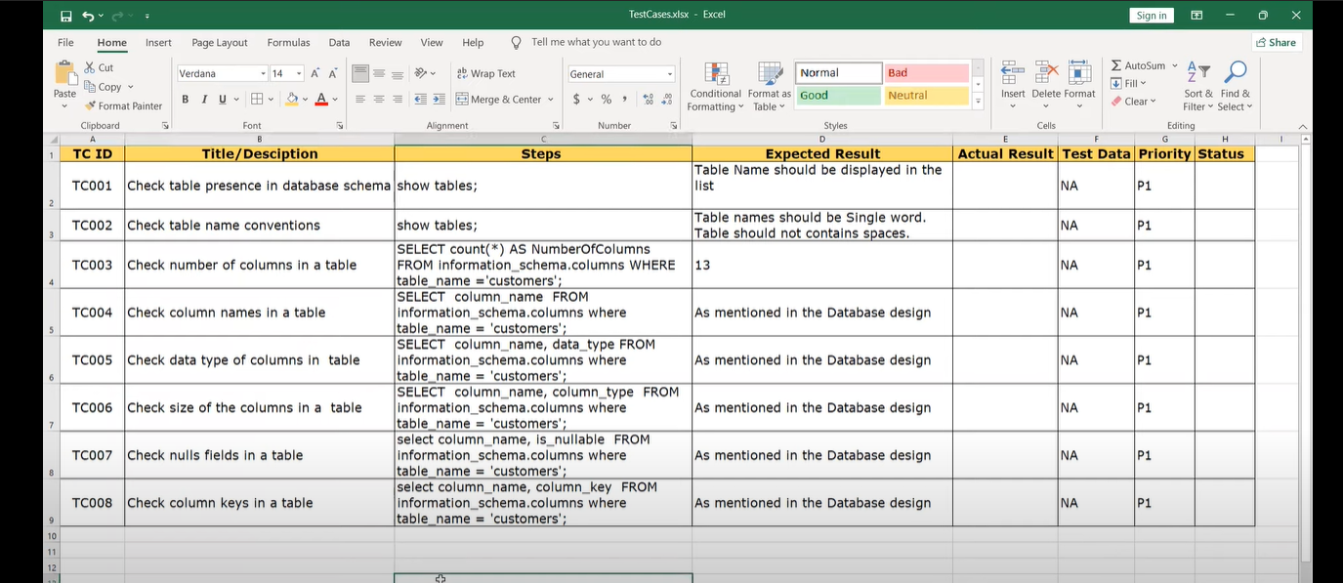
TC003
TC004
TC005
TC006
TC007
TC008

SP Test case
