Analysis by features
References: https://neptune.ai/blog/azure-ml-alternatives-for-mlops https://neptune.ai/blog/best-open-source-mlops-tools https://neptune.ai/blog/mlflow-vs-kubeflow-vs-neptune-differences https://arxiv.org/pdf/2206.13655.pdf

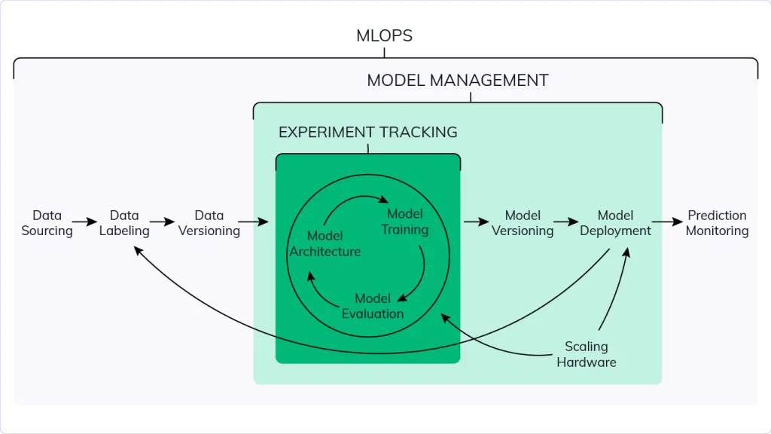 | 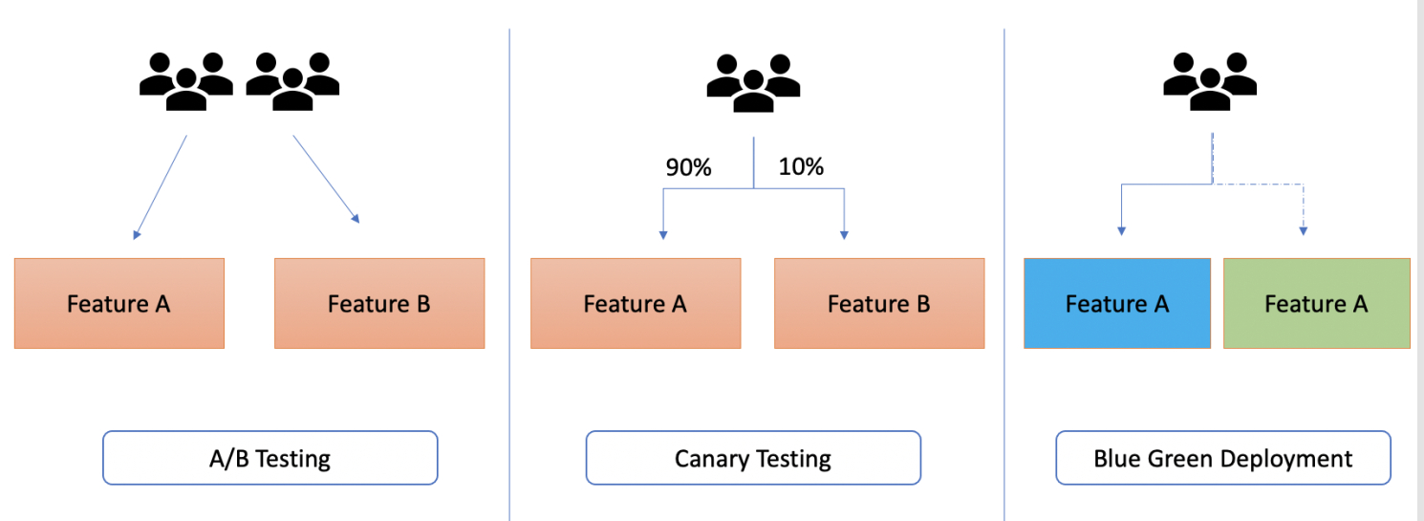 | 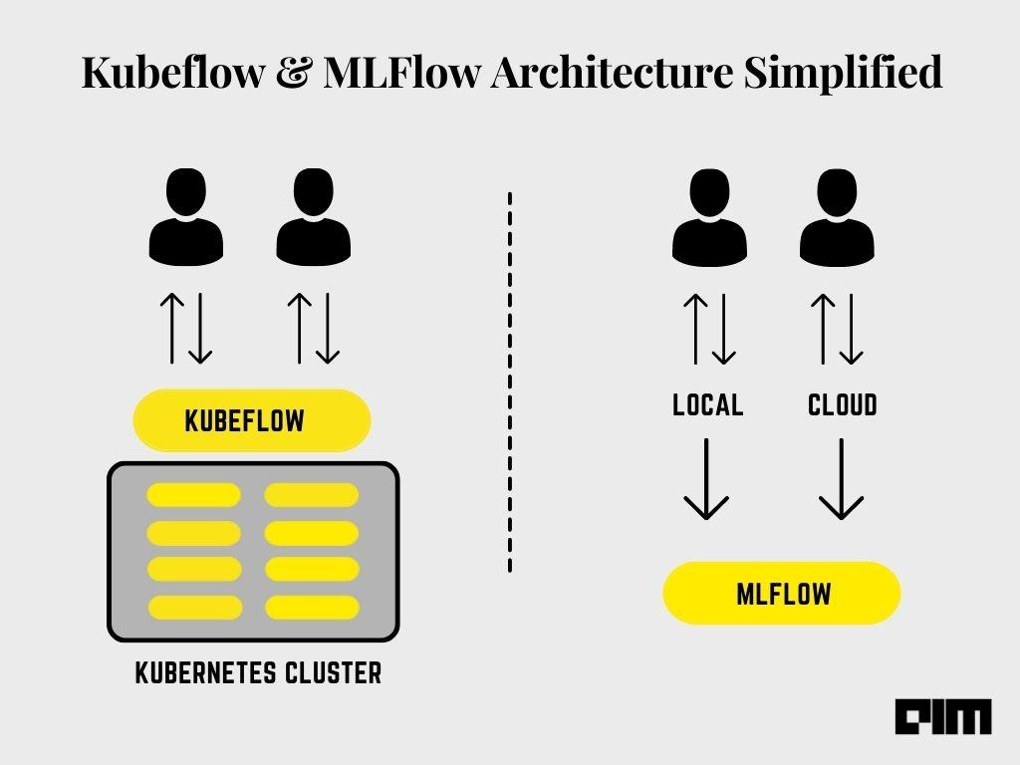 | 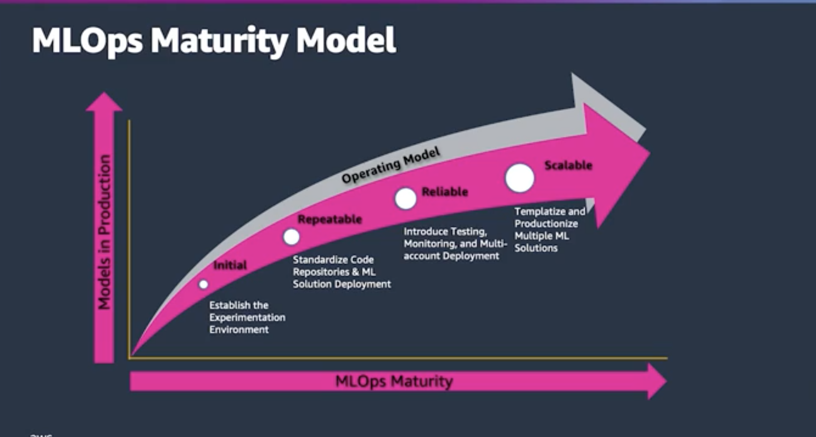 | 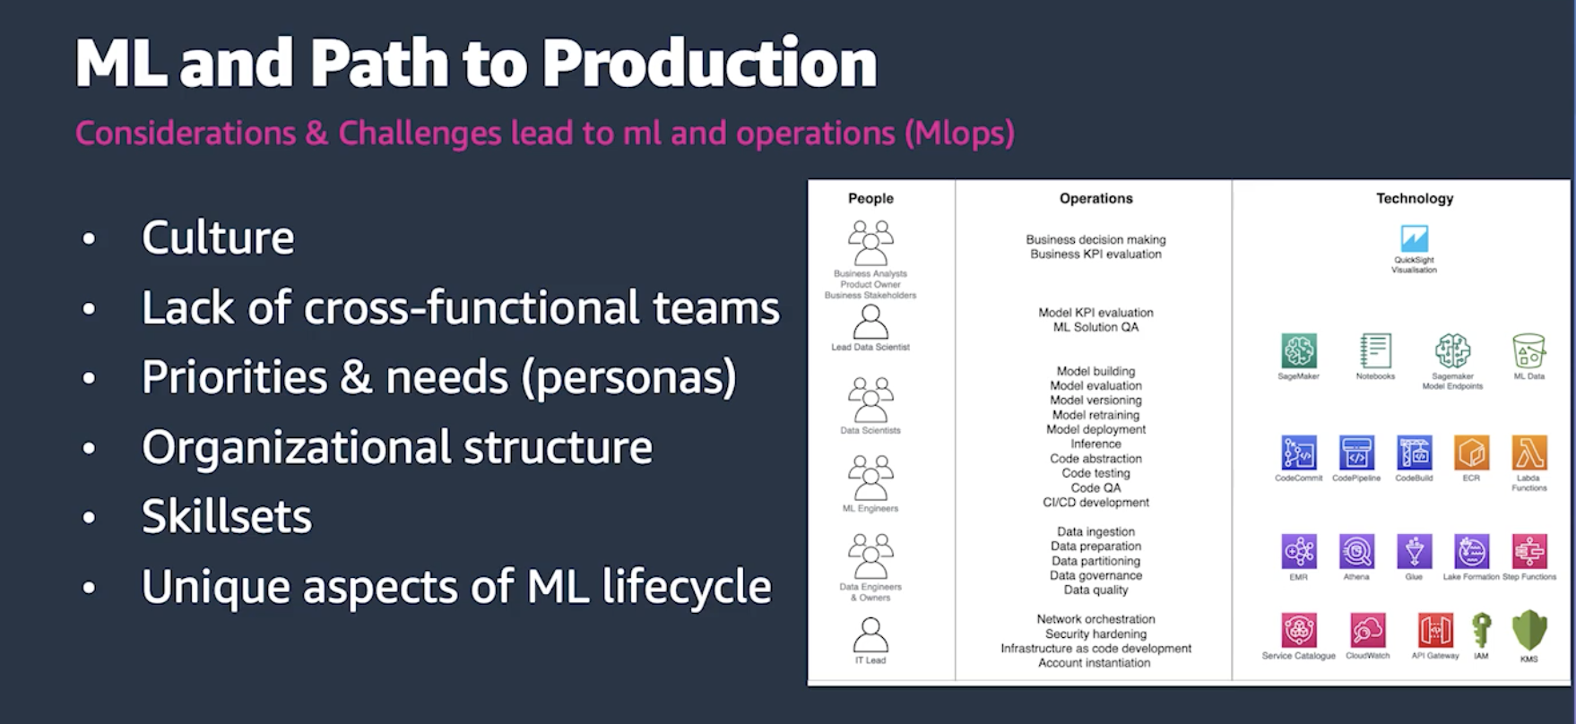 | 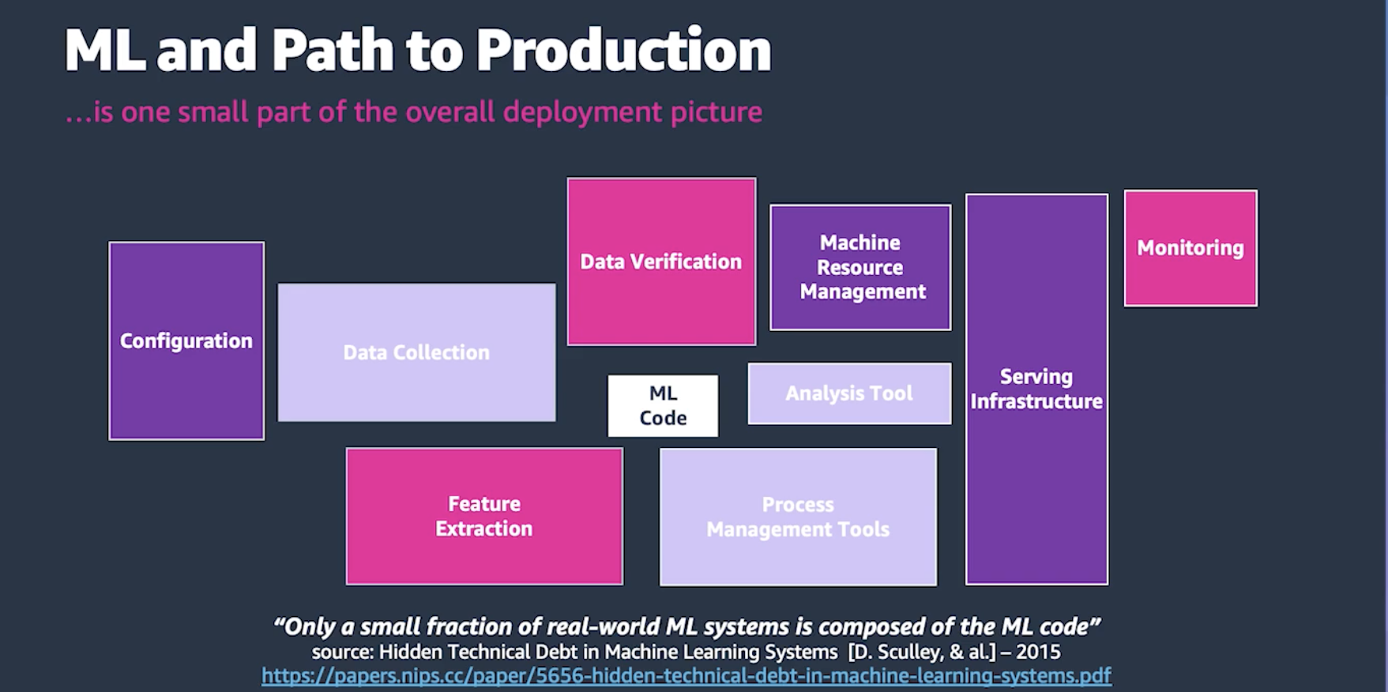 | 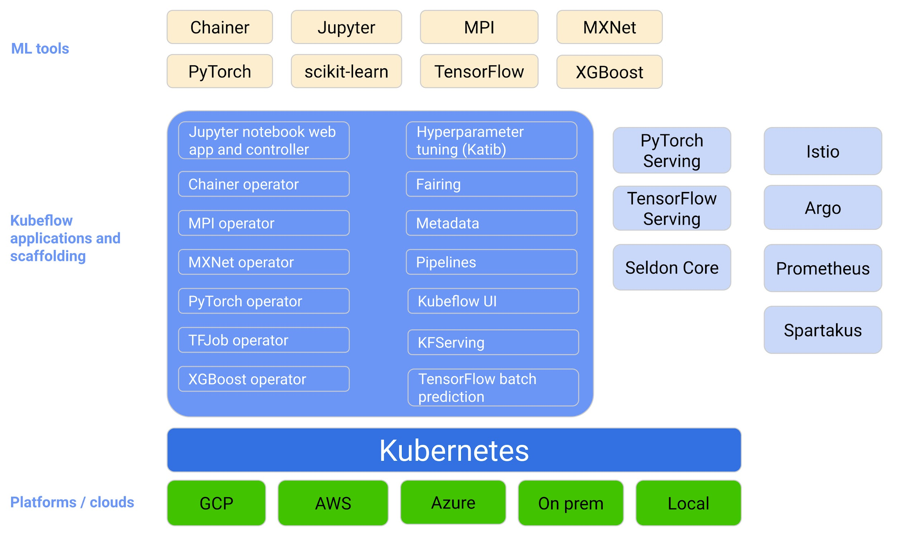
Capabilities | Features | AzureML(AML) | AWS Sage Maker/AWS Based | Open Platforms/Toolkits/Tools Kubeflow,MLFlow,Seldon Core,Triton Server,MINIO,KNative | Final Comments
Experiment Tracking - Experiment tracking is the process of saving all experiment related information that you care about for every experiment you run https://neptune.ai/blog/ml-experiment-tracking | Scripts used for running the experiment |  |  | General Experiment tracking explained @ https://neptune.ai/blog/kubeflow-pipelines-experiment-tracking
 | Environment configuration files
 | Versions of the data used for training and evaluation
 | Parameter configurations
 | Evaluation metrics
 | Model weights
 | Performance visualizations (confusion matrix, ROC curve)
 | Example predictions on the validation set (common in computer vision)
Model Management - ML model management is responsible for development, training, versioning and deployment of ML models. https://neptune.ai/blog/machine-learning-model-management | Data Versioning | AML SDK , Workspace: https://learn.microsoft.com/en-us/azure/machine-learning/v1/how-to-version-track-datasets |  | MINIO: https://min.io/docs/minio/linux/administration/object-management/object-versioning.html | MINIO can easily integrate with Kubeflow,SeldonCore, Triton Inference Server. It can be made as ML Data & Model repository. https://blog.min.io/minio-multi-site-active-active-replication/ https://min.io/docs/minio/kubernetes/upstream/operations/install-deploy-manage/expand-minio-tenant.html
 | Code Versioning/Notebook checkpointing
 | Experiment Tracker
 | Model Registry for various frameworks PyTorch,Tensorflow,Scikit Learn etc | AML Registries: https://learn.microsoft.com/en-us/azure/machine-learning/how-to-manage-registries?tabs=cli |  | 1) Triton with MINIO as Model Registry: https://thenewstack.io/deploy-nvidia-triton-inference-server-with-minio-as-model-store/ | Triton inference server with MINIO Model Storage is good Open source option. Have a POC @ https://github.com/dileep-gadiraju/try-seldon-core/blob/main/triton_minio_model_store.ipynb
 | Model Monitoring
Model Deployment - https://neptune.ai/blog/best-8-machine-learning-model-deployment-tools | Serving Models as REST,gRPC,v2 Microservices/Endpoints |  |  | Seldon Core: https://docs.seldon.io/projects/seldon-core/en/latest/graph/protocols.html
 | NVIDIA Triton Inference support |  | https://docs.aws.amazon.com/sagemaker/latest/dg/triton.html
 | K8S Support | Supports Managed Endpoints deployments on K8s: https://learn.microsoft.com/en-us/azure/machine-learning/concept-endpoints#managed-online-endpoints-vs-kubernetes-online-endpoints | SageMaker Operators for K8s: https://aws.amazon.com/sagemaker/kubernetes/ | Kubeflow with Seldon Core extension supportrs K8S deployments with AB Testing , Canary Deployments,streaming API,Triton Inference Integration support. Also supports REST,gRPC,v2 protocols. https://docs.seldon.io/projects/seldon-core/en/latest/rollouts/abtests.html https://docs.seldon.io/projects/seldon-core/en/latest/streaming/kafka.html https://knative.dev/docs/serving/#more-samples-and-demos https://docs.seldon.io/projects/seldon-core/en/latest/examples/knative_eventing_streaming.html
 | A/B , Canary , Blue-Green Deployments
 | Scaling Model Microservices/Endpoints
 | Streaming APIs support
Model & Data Lineage - Data lineage in machine learning describes the journey of data from collection to usage. It shows the process of understanding, recording, visualizing changes, and transforming the data from before final consumption https://neptune.ai/blog/best-data-lineage-tools | Traceability |  |  | Kubeflow Lineage : https://blog.kubeflow.org/jupyter/2020/10/01/lineage.html https://www.kubeflow.org/docs/components/pipelines/v1/concepts/metadata/
 | Immutability
 | Open-source
 | Integration - Third Part App integrations
 | Versioning of Data
 | Collaboration
 | Metadata Store
 | Big Data Handling
Data Monitoring - Monitor Models https://neptune.ai/blog/ml-model-monitoring-best-tools | Monitor model performance in production | AML supports model evaluation through two modules named: “Evaluate Model” and “Cross-Validate Model”: https://gallery.azure.ai/Tutorial/6-Evaluate-model-performance-in-AML-1 | Amazon SageMaker Model Monitor: https://aws.amazon.com/sagemaker/model-monitor/ | Seldon Core: https://docs.seldon.io/projects/seldon-core/en/latest/examples/feedback_reward_custom_metrics.html Kubeflow : https://www.kubeflow.org/docs/components/pipelines/v1/sdk/pipelines-metrics/
 | Monitor model input/output distribution
 | Monitor model training and re-training
 | Monitor model evaluation and testing
 | Monitor hardware metrics |  |  | Grafana + Prometheus
 | Monitor CI/CD pipelines for ML
Data Labeling - https://neptune.ai/blog/data-labeling-and-data-collection | Machine-learning-assisted data labeling | https://learn.microsoft.com/en-us/azure/machine-learning/how-to-label-data#assisted-machine-learning | Amazon SageMaker Ground & Ground Truth -Generate Labeled Synthetic data | https://labelstud.io/ - Great automation & Easy to use
 | Human-in-the-loop labeling | Human-in-loop labeling supported https://learn.microsoft.com/en-us/azure/machine-learning/how-to-create-image-labeling-projects?source=recommendations | Amazon SageMaker Ground & Ground Truth - Manages a labeling workforce https://www.mturk.com/
Cloud Neutrality - Environment/Platform in which there is healthy competition between cloud providers | To be able to easily switch between cloud providers based on the cost and other factors. | Not Supported | Not Supported | Kubeflow,Seldon Core,Triton Inference Server combination can be used as open stack platform that can be deployed on any major Cloud Providers like Azure,AWS,GCP.

