Template
References: https://neptune.ai/blog/azure-ml-alternatives-for-mlops https://neptune.ai/blog/best-open-source-mlops-tools

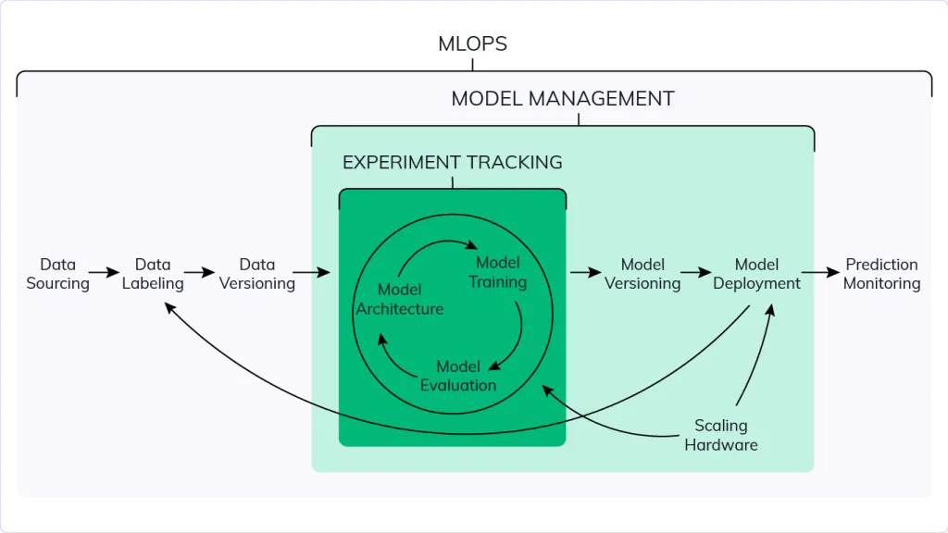 | 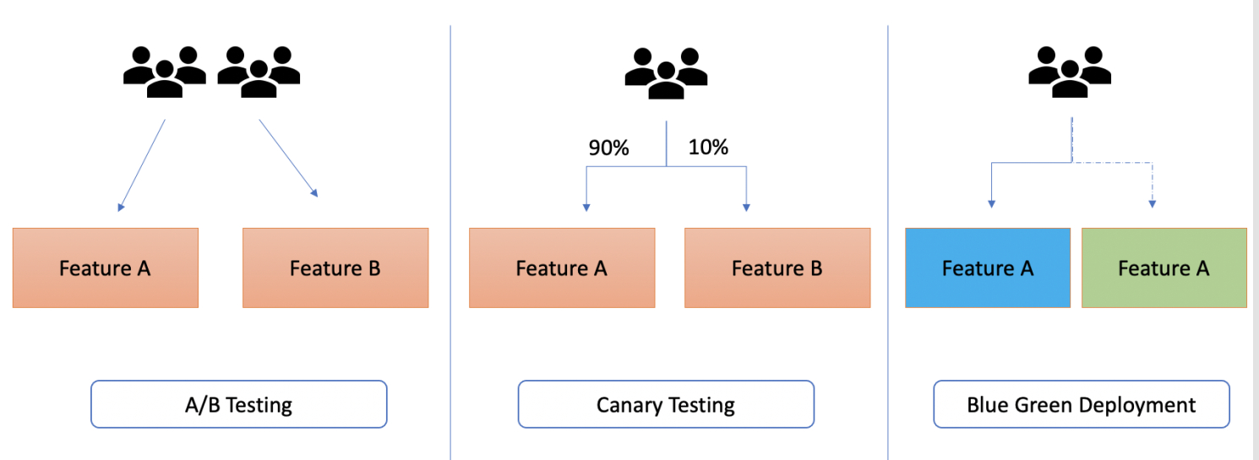
Capabilities | Features | AzureML(AML) | AWS Sage Maker/AWS Based | Open Platforms/Toolkits/Tools Kubeflow/MLFlow/Seldon Core/Triton Server | Final Comments
Experiment Tracking - Experiment tracking is the process of saving all experiment related information that you care about for every experiment you run https://neptune.ai/blog/ml-experiment-tracking | Scripts used for running the experiment
 | Environment configuration files
 | Versions of the data used for training and evaluation
 | Parameter configurations
 | Evaluation metrics
 | Model weights
 | Performance visualizations (confusion matrix, ROC curve)
 | Example predictions on the validation set (common in computer vision)
Model Management - ML model management is responsible for development, training, versioning and deployment of ML models. https://neptune.ai/blog/machine-learning-model-management | Data Versioning
 | Code Versioning/Notebook checkpointing
 | Experiment Tracker
 | Model Registry for various frameworks PyTorch,Tensorflow,Scikit Learn etc
 | Model Monitoring
Model Deployment - https://neptune.ai/blog/best-8-machine-learning-model-deployment-tools | Serving Models as REST,gRPC,v2 Microservices/Endpoints
 | NVIDIA Triton Inference support
 | K8S Support
 | A/B , Canary , Blue-Green Deployments
 | Scaling Model Microservices/Endpoints
 | Streaming APIs support
Model & Data Lineage - Data lineage in machine learning describes the journey of data from collection to usage. It shows the process of understanding, recording, visualizing changes, and transforming the data from before final consumption https://neptune.ai/blog/best-data-lineage-tools | Traceability
 | Immutability
 | Open-source
 | Integration - Third Part App integrations
 | Versioning of Data
 | Collaboration
 | Metadata Store
 | Big Data Handling
Data Monitoring - Monitor Models https://neptune.ai/blog/ml-model-monitoring-best-tools | Monitor model performance in production
 | Monitor model input/output distribution
 | Monitor model training and re-training
 | Monitor model evaluation and testing
 | Monitor hardware metrics
 | Monitor CI/CD pipelines for ML
Data Labeling - https://neptune.ai/blog/data-labeling-and-data-collection | Machine-learning-assisted data labeling
 | Human-in-the-loop labeling
Cloud Neutrality - Environment in which there is healthy competition between cloud providers | To be able to easily switch between cloud providers based on the cost and other factors. | NA | NA

