Sheet1
 | Assignment -1 December

NO
1 | What is SDLC
Ans | The Software Development Life Cycle (SDLC) is a structured process that enables the production of high-quality, low-cost software, in the shortest possible production time.

2 | • What is software testing?
Ans | Software testing is the act of examining the artifacts and the behavior of the software under test by validation and verification.

3 | • What is SRS
Ans | A software requirements specification (SRS) is a document that describes what the software will do and how it will be expected to perform.

4 | • What is oops
Ans | Object-Oriented Programming System (OOPs) is a programming concept that works on the principles of abstraction, encapsulation, inheritance, and polymorphism.

5 | • Write Basic Concepts of oops
Ans | there are four fundamental concepts of Object-oriented programming – Inheritance, Encapsulation, Polymorphism, and Data abstraction.

6 | • What is object
Ans | anything that is visible or tangible and is relatively stable in form

7 | • What is class
Ans | A class is Blueprint of an object which describes/ shows all the functions and data that are provided by an object of a specific class.

8 | • What is encapsulation
Ans | encapsulation is the inclusion of one thing within another thing so that the included thing is not apparent.

9 | • What is inheritance
Ans | . It is a mechanism where you can to derive a class from another class for a hierarchy of classes that share a set of attributes and methods

10 | • What is polymorphism
Ans | Polymorphism is one of the core concepts of object-oriented programming (OOP) and describes situations in which something occurs in several different forms.

11 | • Write SDLC phases with basic introduction
Ans | SDLC has defined its phases as, Requirement gathering, Designing, Coding, Testing, and Maintenance.

 | 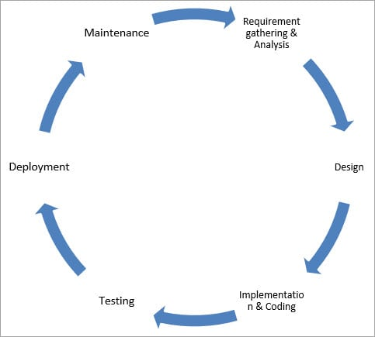

12 | • Explain Phases of the waterfall model
Ans | Requirements: The first phase involves understanding what needs to design and what is its function, purpose, etc. Here, the specifications of the input and output or the final product are studied and marked.

 | System Design: The requirement specifications from the first phase are studied in this phase and system design is prepared. System Design helps in specifying hardware and system requirements and also helps in defining overall system architecture. The software code to be written in the next stage is created now.

 | Implementation: With inputs from system design, the system is first developed in small programs called units, which are integrated into the next phase. Each unit is developed and tested for its functionality which is referred to as Unit Testing.

 | Integration and Testing: All the units developed in the implementation phase are integrated into a system after testing of each unit. The software designed, needs to go through constant software testing to find out if there are any flaws or errors. Testing is done so that the client does not face any problem during the installation of the software.

 | Deployment of System: Once the functional and non-functional testing is done, the product is deployed in the customer environment or released into the market.

 | Maintenance: This step occurs after installation, and involves making modifications to the system or an individual component to alter attributes or improve performance. These modifications arise either due to change requests initiated by the customer, or defects uncovered during live use of the system. The client is provided with regular maintenance and support for the developed software

13 | • Write phases of spiral model
Ans | The spiral model has four phases: Planning, risk analysis, product development and next phase planning or Evaluation

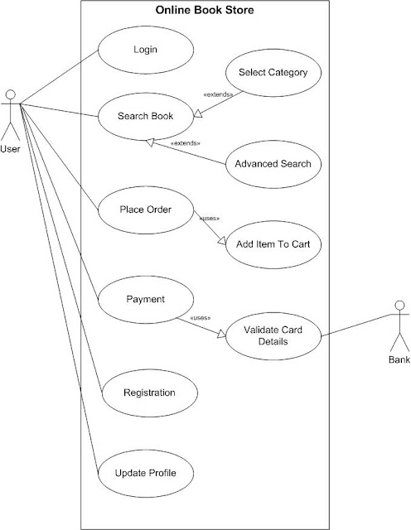
14 | • Draw Usecase on Online book shopping
Ans

